Assumptions
ANOVA assumptions for Satisfaction by Type

Shapiro-Wilk normality test for Satisfaction by Type
W | p.value
0.96009042796 | 0.057485693292

Plots for normality test
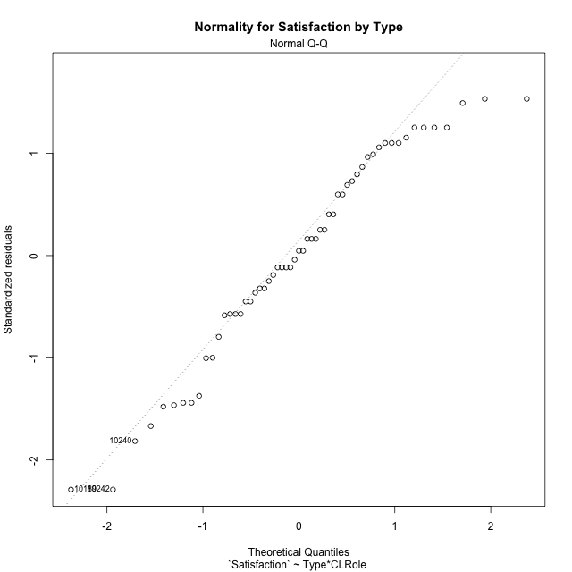

Levene's Test for Homogeneity of Variance in Satisfaction by Type
Df | F value | Pr(>F)
3 | 0.89429215436 | 0.45024715922
53

Plots for homogeneity of variance
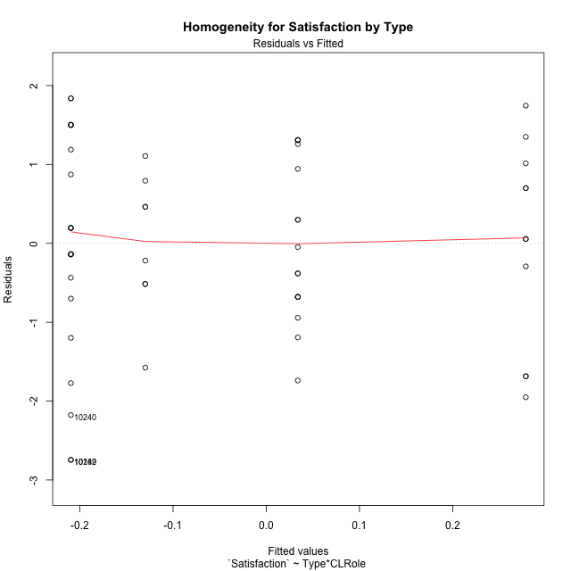

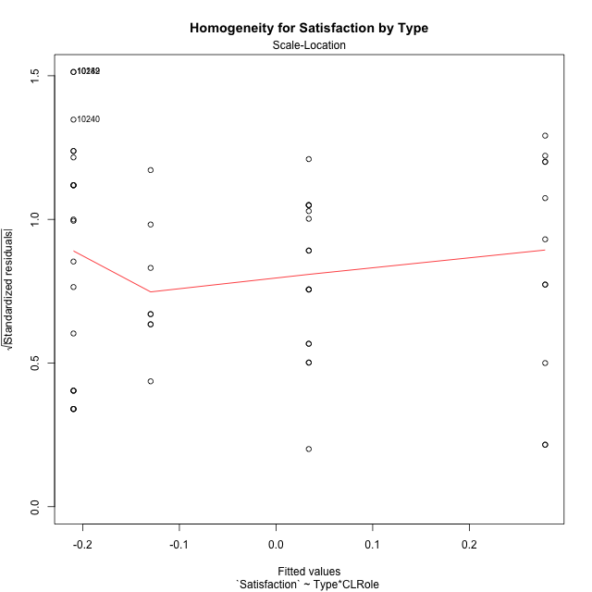

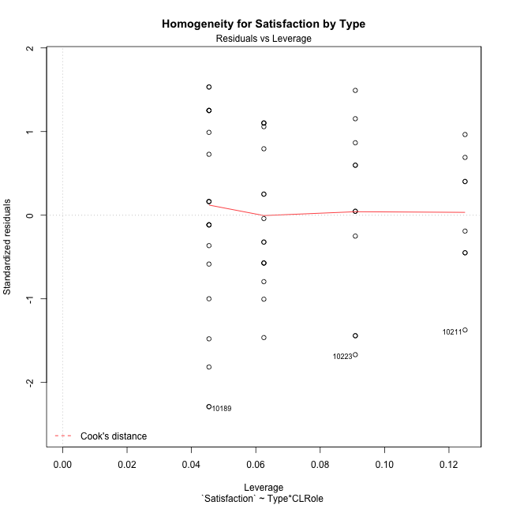

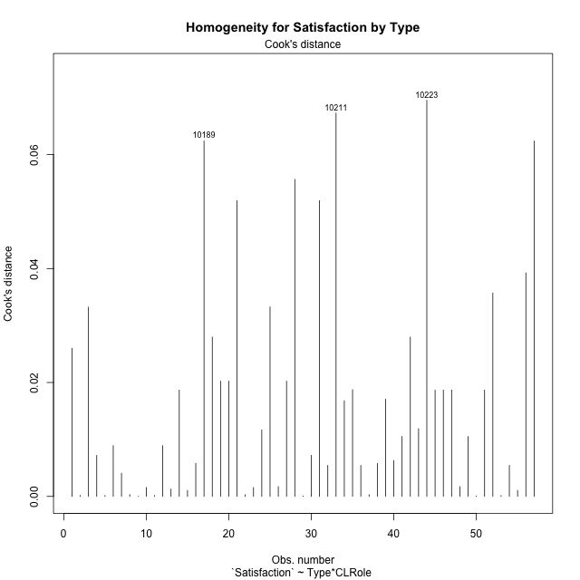

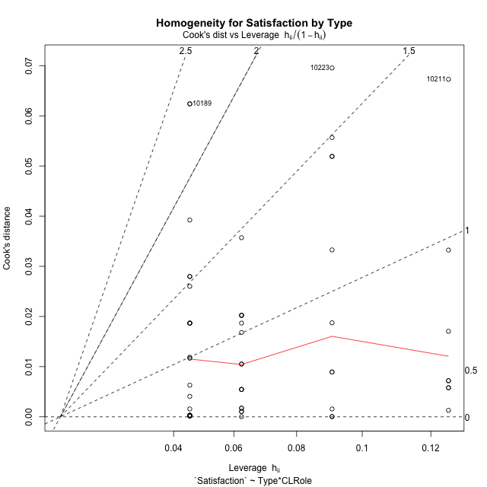

Minimum Sample Size Test for Satisfaction by Type
Type | CLRole | Freq
non-gamified | Apprentice | 22
ont-gamified | Apprentice | 16
non-gamified | Master | 11
ont-gamified | Master | 8

Errors and Warnings in Sample Size Test for ANOVA in Satisfaction by Type
code | description
WARN: sample.size | current size is 11 and recommended size is 15 for the group: 'non-gamified:Master'.
WARN: sample.size | current size is 8 and recommended size is 15 for the group: 'ont-gamified:Master'.

For the group: 'non-gamified:Apprentice', you can perform a parametric test without having a normal distribution For the group: 'ont-gamified:Apprentice', you can perform a parametric test without having a normal distribution For the group: 'non-gamified:Master', we recommend the use of non-parametric test. For the group: 'ont-gamified:Master', we recommend the use of non-parametric test.

If you don't want to remove non-normal data, you must cite the following references: ... (1) Lix, L.M., J.C. Keselman, and H.J. Keselman. 1996. Consequences of assumption violations revisited: A quantitative review of alternatives to the one-way analysis of variance F test. Rev. Educ. Res. 66: 579-619. ... (2) Harwell, M.R., E.N. Rubinstein, W.S. Hayes, and C.C. Olds. 1992. Summarizing Monte Carlo results in methodological research: the one- and two-factor fixed effects ANOVA cases. J. Educ. Stat. 17: 315-339.

Post-hoc
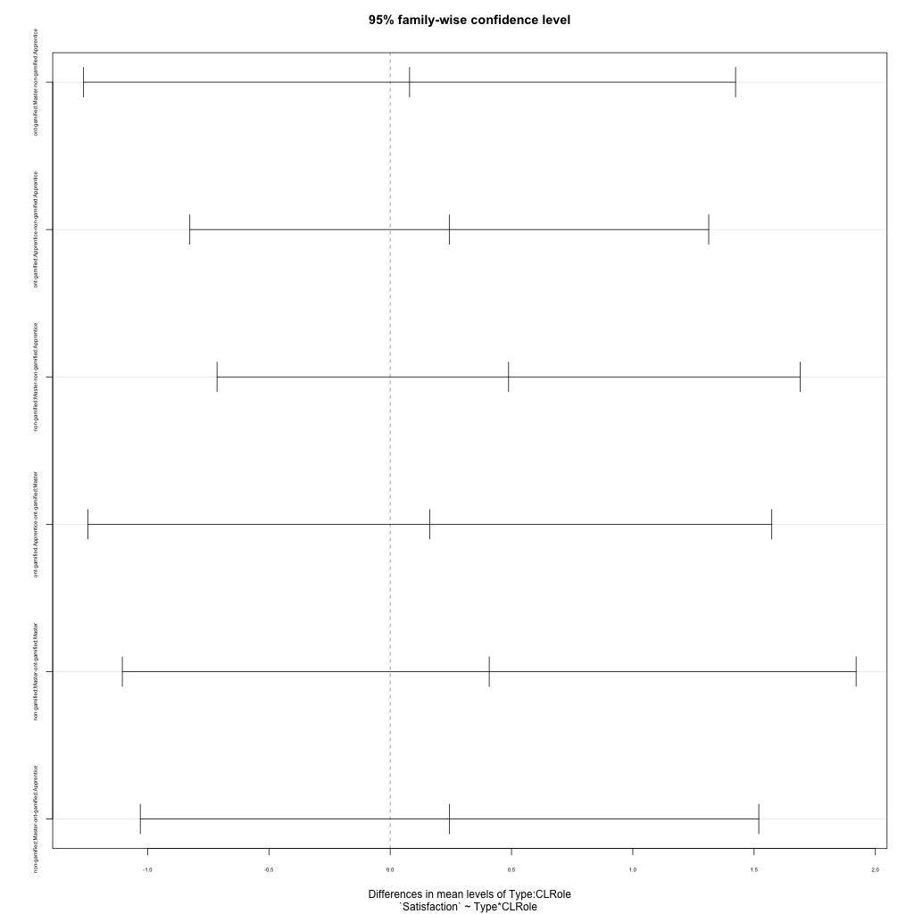
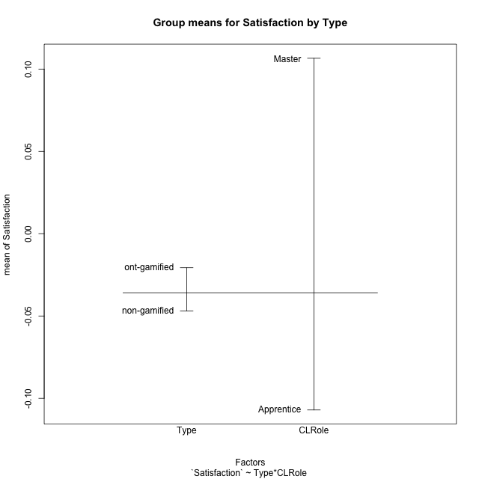
Post-hoc Tukey Honestly Significant Difference (HSD) Test for Satisfaction by Type

Comparisons of means for Type
 | diff | lwr | upr | p adj
ont-gamified-non-gamified | 0.026241344419 | -0.63404357971 | 0.68652626854 | 0.93676553242

Comparisons of means for CLRole
 | diff | lwr | upr | p adj
Master-Apprentice | 0.21364906412 | -0.47790378263 | 0.90520191087 | 0.53813841452

Comparisons of means for Type:CLRole
 | diff | lwr | upr | p adj
ont-gamified:Master-non-gamified:Apprentice | 0.07984496047 | -1.26395026 | 1.4236401809 | 0.99858813327
ont-gamified:Apprentice-non-gamified:Apprentice | 0.24344588108 | -0.82597649097 | 1.3128682531 | 0.9304174642
non-gamified:Master-non-gamified:Apprentice | 0.48801268938 | -0.71391429493 | 1.6899396737 | 0.70495237341
ont-gamified:Apprentice-ont-gamified:Master | 0.16360092061 | -1.2457833967 | 1.5729852379 | 0.989758727
non-gamified:Master-ont-gamified:Master | 0.40816772891 | -1.1042238936 | 1.9205593514 | 0.89036630974
non-gamified:Master-ont-gamified:Apprentice | 0.2445668083 | -1.0302692733 | 1.5194028899 | 0.95663107499

Contrast Matrices for Satisfaction by Type - Type
contrast | estimate | SE | df | t.ratio | p.value
non-gamified - ont-gamified | 0.082360923913 | 0.34916580796 | 53 | 0.23587912114 | 0.81443562063

Contrast Matrices for Satisfaction by Type - Type:CLRole
contrast | CLRole | estimate | SE | df | t.ratio | p.value
non-gamified - ont-gamified | Apprentice | -0.24344588108 | 0.40318194644 | 53 | -0.60381146337 | 0.54854481425
non-gamified - ont-gamified | Master | 0.40816772891 | 0.57018537676 | 53 | 0.71585092419 | 0.47722559964

Least Squares Means and Confidence Intervals for Type
Type | lsmean | SE | df | lower.CL | upper.CL | Pairs
non-gamified | 0.034424978368 | 0.22656869431 | 53 | -0.42001427291 | 0.48886422965 | non-gamified
ont-gamified | -0.047935945545 | 0.26567534362 | 53 | -0.58081320207 | 0.48494131098 | ont-gamified

Least Squares Means and Confidence Intervals for Type:CLRole
Type | CLRole | lsmean | SE | df | lower.CL | upper.CL | Pairs
non-gamified | Apprentice | -0.20958136632 | 0.2616189933 | 53 | -0.73432261444 | 0.31515988179 | non-gamified.Apprentice
ont-gamified | Apprentice | 0.033864514761 | 0.30677546231 | 53 | -0.58144914024 | 0.64917816976 | ont-gamified.Apprentice
non-gamified | Master | 0.27843132306 | 0.3699851285 | 53 | -0.46366486676 | 1.0205275129 | non-gamified.Master
ont-gamified | Master | -0.12973640585 | 0.43384601941 | 53 | -0.99992132186 | 0.74044851016 | ont-gamified.Master

Plots

Type_1
Student's t-Test for Satisfaction by Type in Type between non-gamified:ont-gamified

Student's t-Test results
Alternative hypothesis: less
Group | N | Mean | Mean.Difference | Std.deviation | Std.error | CI.lower | CI.upper | df | t.value | p.value | g | magnitude
non-gamified | 33 | -0.046910469862 | -0.026241344419 | 1.3851637617 | 0.24112606075 | -0.52916259136 | 0.43534165164 | 54.786934342 | -0.085177109123 | 0.46621554761 | -0.021236256473 | negligible
ont-gamified | 24 | -0.020669125443 | 0.026241344419 | 0.93942155628 | 0.19175862219 | -0.40418636982 | 0.36284811893 | 54.786934342 | -0.085177109123 | 0.46621554761 | -0.021236256473 | negligible
Alternative hypothesis: greater
Group | N | Mean | Mean.Difference | Std.deviation | Std.error | CI.lower | CI.upper | df | t.value | p.value | g | magnitude
non-gamified | 33 | -0.046910469862 | -0.026241344419 | 1.3851637617 | 0.24112606075 | -0.52916259136 | 0.43534165164 | 54.786934342 | -0.085177109123 | 0.53378445239 | -0.021236256473 | negligible
ont-gamified | 24 | -0.020669125443 | 0.026241344419 | 0.93942155628 | 0.19175862219 | -0.40418636982 | 0.36284811893 | 54.786934342 | -0.085177109123 | 0.53378445239 | -0.021236256473 | negligible
Alternative hypothesis: two.sided
Group | N | Mean | Mean.Difference | Std.deviation | Std.error | CI.lower | CI.upper | df | t.value | p.value | g | magnitude
non-gamified | 33 | -0.046910469862 | -0.026241344419 | 1.3851637617 | 0.24112606075 | -0.52916259136 | 0.43534165164 | 54.786934342 | -0.085177109123 | 0.93243109523 | -0.021236256473 | negligible
ont-gamified | 24 | -0.020669125443 | 0.026241344419 | 0.93942155628 | 0.19175862219 | -0.40418636982 | 0.36284811893 | 54.786934342 | -0.085177109123 | 0.93243109523 | -0.021236256473 | negligible

Box plots for Student's t-Test
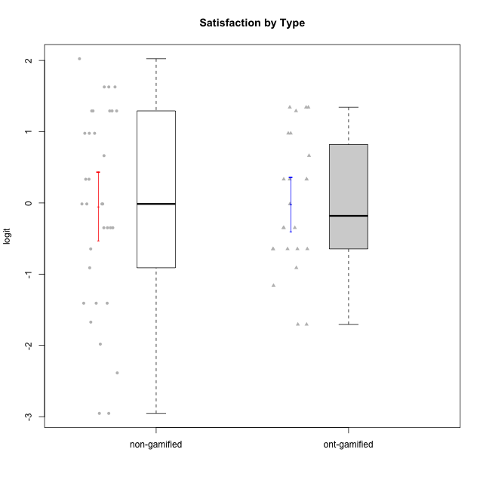

Student's t-Test data
UserID | NroUSP | Type | CLGroup | CLRole | PlayerRole | Attention | Relevance | Satisfaction | Level of Motivation
10169 | 10377538 | non-gamified | Grupo Team 10 | Apprentice |  | -1.9573725895 | -0.86869778022 | -1.9816683092 | -1.4076111349
10170 | 10260351 | non-gamified | Grupo Team 6 | Apprentice |  | 0.56791534458 | 0.0060927837546 | -0.34834388206 | 0.22581106577
10171 | 698531 | ont-gamified | Grupo Losvakai | Master | Yee Achiever | 0.75834141366 | 0.86882627345 | 0.97757031778 | 0.80207969337
10172 | 10273971 | ont-gamified | Grupo Koil | Master | Yee Achiever | 0.75834141366 | 0.26531241963 | -0.64536976432 | 0.28775137943
10174 | 10276852 | non-gamified | Grupo Team 1 | Apprentice |  | -0.95190662712 | -1.0275471836 | -0.34834388206 | -0.62796477644
10175 | 10310700 | non-gamified | Grupo Team 6 | Master |  | 1.7635905586 | 0.71393730727 | 0.97757031778 | 1.318822225
10176 | 10276949 | non-gamified | Grupo Team 9 | Apprentice |  | -1.0701126677 | -1.0275471836 | -0.91044067076 | -0.83778010581
10178 | 8656201 | non-gamified | Grupo Team 11 | Apprentice |  | 0.75834141366 | -0.11445695422 | -0.01400110805 | 0.41300158693
10179 | 10310759 | ont-gamified | Grupo Tosskor | Apprentice | Yee Achiever | -0.040980812349 | 0.13158585268 | -0.01400110805 | 0.10344207128
10181 | 10276866 | non-gamified | Grupo Team 7 | Apprentice |  | -0.040980812349 | -0.35062750809 | -0.64536976432 | -0.24827805412
10183 | 10352030 | non-gamified | Grupo Belos | Apprentice | Yee Socializer | -0.95190662712 | -0.72635160685 | -0.34834388206 | -0.62796477644
10184 | 10276675 | non-gamified | Grupo Team 7 | Master |  | 1.4363694744 | 0.5788749914 | 0.97757031778 | 0.86997165345
10185 | 10276960 | ont-gamified | Grupo Tosskor | Master | Yee Achiever | -0.040980812349 | -0.11445695422 | -0.34834388206 | -0.13391230957
10186 | 10310551 | non-gamified | Grupo Team 5 | Apprentice |  | -0.82878035661 | 0.0060927837546 | 1.2916965628 | 0.043106696827
10187 | 9790781 | ont-gamified | Grupo Razorg | Apprentice | Yee Achiever | 0.36736393919 | -1.0617581335 | 0.33281250667 | -0.19146962765
10188 | 10276995 | ont-gamified | Grupo Paldira | Master | Yee Achiever | -0.040980812349 | 0.13158585268 | 0.33281250667 | 0.043106696827
10189 | 9363926 | non-gamified | Grupo Team 2 | Apprentice |  | -2.4111310769 | -1.0275471836 | -2.9542086999 | -1.6698143652
10190 | 10276907 | non-gamified | Grupo Team 8 | Apprentice |  | -1.6652611659 | -0.11445695422 | 1.6282329698 | -0.52206996204
10191 | 10276981 | ont-gamified | Grupo Yeka | Apprentice | Yee Socializer | 1.780532862 | 0.41195002581 | 1.3428958321 | 1.2368829222
10192 | 10276682 | ont-gamified | Grupo Yeka | Apprentice | Yee Socializer | 1.780532862 | 0.41195002581 | 1.3428958321 | 1.4041786884
10193 | 10276762 | non-gamified | Grupo Team 2 | Master |  | -0.55700708254 | -0.23262451137 | -1.4075878467 | -0.62796477644
10196 | 10310655 | non-gamified | Grupo Team 5 | Apprentice |  | -0.55700708254 | -0.86869778022 | -0.01400110805 | -0.46850406728
10197 | 10276661 | non-gamified | Grupo Team 11 | Master |  | 0.16133576622 | 0.0060927837546 | -0.01400110805 | 0.16436034601
10200 | 9795272 | non-gamified | Grupo Team 4 | Apprentice |  | 0.36736393919 | -0.23262451137 | 0.97757031778 | 0.22581106577
10201 | 10276928 | non-gamified | Grupo Team 10 | Master |  | 0.56791534458 | 0.13158585268 | 1.6282329698 | 0.66951773914
10202 | 10277036 | ont-gamified | Grupo Paldira | Apprentice | Yee Achiever | -0.23023200857 | -0.72635160685 | -0.34834388206 | -0.24827805412
10203 | 9921470 | ont-gamified | Grupo Paldira | Apprentice | Yee Achiever | 1.780532862 | 1.19943677 | 1.3428958321 | 1.4041786884
10204 | 10310471 | non-gamified | Grupo Team 5 | Master |  | 2.3291694522 | 0.71393730727 | 2.0241758621 | 1.6373083794
10206 | 10310721 | non-gamified | Grupo Team 9 | Master |  | -0.40202239655 | -0.11445695422 | 0.33281250667 | 0.043106696827
10208 | 10276932 | ont-gamified | Grupo Yeka | Master | Yee Socializer | -0.40202239655 | -0.59491588194 | -0.64536976432 | -0.46850406728
10209 | 10262669 | non-gamified | Grupo Team 1 | Master |  | -2.3569124236 | -0.59491588194 | -1.4075878467 | -1.5453160244
10210 | 10277015 | ont-gamified | Grupo Losvakai | Apprentice | Yee Achiever | -0.95190662712 | -0.11445695422 | -0.64536976432 | -0.52206996204
10211 | 9311643 | ont-gamified | Grupo Razorg | Master | Yee Achiever | -1.6601779081 | -0.35062750809 | -1.7052408222 | -1.1666271317
10212 | 9065750 | ont-gamified | Grupo Ellaru | Apprentice | Yee Socializer | -0.82878035661 | 0.0060927837546 | -1.1592674958 | -0.52206996204
10213 | 10277040 | non-gamified | Grupo Team 8 | Master |  | 0.36736393919 | 0.0060927837546 | 1.2916965628 | 0.35015187326
10214 | 10277022 | ont-gamified | Grupo Koil | Apprentice | Yee Achiever | 0.36736393919 | 0.41195002581 | -0.64536976432 | 0.16436034601
10215 | 9285227 | non-gamified | Grupo Team 7 | Apprentice |  | 0.36736393919 | 1.7045065859 | -0.01400110805 | 0.54012010769
10216 | 10276720 | ont-gamified | Grupo Ellaru | Master | Yee Socializer | -0.40202239655 | 0.0060927837546 | 0.33281250667 | -0.13391230957
10217 | 9805341 | ont-gamified | Grupo Belos | Master | Yee Socializer | 0.75834141366 | 0.41195002581 | 0.66323765493 | 0.54012010769
10218 | 9842913 | non-gamified | Grupo Team 10 | Apprentice |  | -0.95190662712 | 0.13158585268 | 0.66323765493 | -0.13391230957
10219 | 10276831 | ont-gamified | Grupo Razorg | Apprentice | Yee Achiever | -1.3006930783 | -1.0617581335 | -0.91044067076 | -1.0519310161
10220 | 9760151 | non-gamified | Grupo Team 4 | Apprentice |  | -2.3569124236 | 1.7045065859 | 1.6282329698 | -0.24827805412
10221 | 9082496 | non-gamified | Grupo Team 3 | Apprentice |  | -0.69814884637 | -0.72635160685 | -1.4075878467 | -0.83778010581
10223 | 9795185 | non-gamified | Grupo Team 3 | Master |  | -1.8032427627 | -0.70175173976 | -1.6729496884 | -1.474714379
10224 | 9368772 | non-gamified | Grupo Team 9 | Apprentice |  | 1.2744728051 | 0.5788749914 | 1.2916965628 | 0.86997165345
10226 | 10310342 | ont-gamified | Grupo Yeka | Apprentice | Yee Socializer | 0.93823748285 | 0.77920928512 | 1.2916965628 | 0.93924298788
10227 | 9274382 | non-gamified | Grupo Team 2 | Apprentice |  | 1.7635905586 | 0.5788749914 | 1.2916965628 | 1.1585341734
10228 | 10310492 | ont-gamified | Grupo Losvakai | Apprentice | Yee Achiever | -0.040980812349 | -0.11445695422 | -0.34834388206 | -0.07561268264
10230 | 10351992 | ont-gamified | Grupo Koil | Apprentice | Yee Achiever | 1.780532862 | 0.5788749914 | 0.97757031778 | 1.1585341734
10231 | 10276911 | non-gamified | Grupo Team 4 | Master |  | -1.4173134803 | 0.0060927837546 | 0.33281250667 | -0.57519175816
10232 | 10276974 | non-gamified | Grupo Team 3 | Apprentice |  | 1.1094035006 | 1.0404532106 | 1.2916965628 | 1.0101826974
10233 | 9805320 | ont-gamified | Grupo Tosskor | Apprentice | Yee Achiever | 0.16133576622 | -1.0275471836 | -1.7052408222 | -0.78527588073
10234 | 10310676 | non-gamified | Grupo Team 6 | Apprentice |  | 0.56791534458 | 0.13158585268 | -0.34834388206 | 0.10344207128
10237 | 10377688 | ont-gamified | Grupo Ellaru | Apprentice | Yee Socializer | -0.40202239655 | 0.5788749914 | -0.64536976432 | -0.07561268264
10238 | 10276953 | ont-gamified | Grupo Belos | Apprentice | Yee Socializer | 0.36736393919 | -0.35062750809 | 0.33281250667 | 0.10344207128
10240 | 10276654 | non-gamified | Grupo Team 8 | Apprentice |  | -1.8032427627 | -0.86869778022 | -2.3859873793 | -1.474714379
10242 | 9424506 | non-gamified | Grupo Team 11 | Apprentice |  | -2.4111310769 | -1.0275471836 | -2.9542086999 | -1.6698143652

Type_CLRole_1
Student's t-Test for Satisfaction by Type in Type:CLRole between non-gamified.Apprentice:non-gamified.Master

Student's t-Test results
Alternative hypothesis: less
Group | N | Mean | Mean.Difference | Std.deviation | Std.error | CI.lower | CI.upper | df | t.value | p.value | g | magnitude
non-gamified.Apprentice | 22 | -0.20958136632 | -0.48801268938 | 1.4341533168 | 0.3057625145 | -0.82110639532 | 0.40194366268 | 22.26217879 | -0.98975206474 | 0.16646581051 | -0.343224571 | small
non-gamified.Master | 11 | 0.27843132306 | 0.48801268938 | 1.2829078721 | 0.38681127747 | -0.49519123189 | 1.052053878 | 22.26217879 | -0.98975206474 | 0.16646581051 | -0.343224571 | small
Alternative hypothesis: greater
Group | N | Mean | Mean.Difference | Std.deviation | Std.error | CI.lower | CI.upper | df | t.value | p.value | g | magnitude
non-gamified.Apprentice | 22 | -0.20958136632 | -0.48801268938 | 1.4341533168 | 0.3057625145 | -0.82110639532 | 0.40194366268 | 22.26217879 | -0.98975206474 | 0.83353418949 | -0.343224571 | small
non-gamified.Master | 11 | 0.27843132306 | 0.48801268938 | 1.2829078721 | 0.38681127747 | -0.49519123189 | 1.052053878 | 22.26217879 | -0.98975206474 | 0.83353418949 | -0.343224571 | small
Alternative hypothesis: two.sided
Group | N | Mean | Mean.Difference | Std.deviation | Std.error | CI.lower | CI.upper | df | t.value | p.value | g | magnitude
non-gamified.Apprentice | 22 | -0.20958136632 | -0.48801268938 | 1.4341533168 | 0.3057625145 | -0.82110639532 | 0.40194366268 | 22.26217879 | -0.98975206474 | 0.33293162103 | -0.343224571 | small
non-gamified.Master | 11 | 0.27843132306 | 0.48801268938 | 1.2829078721 | 0.38681127747 | -0.49519123189 | 1.052053878 | 22.26217879 | -0.98975206474 | 0.33293162103 | -0.343224571 | small

Box plots for Student's t-Test
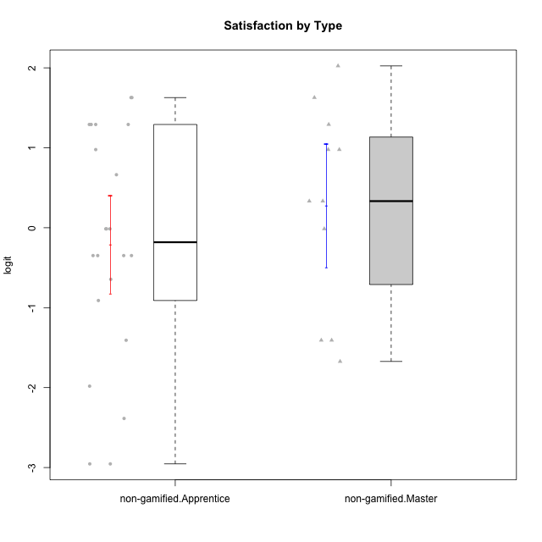

Student's t-Test data
UserID | NroUSP | Type | CLGroup | CLRole | PlayerRole | Attention | Relevance | Satisfaction | Level of Motivation
10169 | 10377538 | non-gamified | Grupo Team 10 | Apprentice |  | -1.9573725895 | -0.86869778022 | -1.9816683092 | -1.4076111349
10170 | 10260351 | non-gamified | Grupo Team 6 | Apprentice |  | 0.56791534458 | 0.0060927837546 | -0.34834388206 | 0.22581106577
10174 | 10276852 | non-gamified | Grupo Team 1 | Apprentice |  | -0.95190662712 | -1.0275471836 | -0.34834388206 | -0.62796477644
10175 | 10310700 | non-gamified | Grupo Team 6 | Master |  | 1.7635905586 | 0.71393730727 | 0.97757031778 | 1.318822225
10176 | 10276949 | non-gamified | Grupo Team 9 | Apprentice |  | -1.0701126677 | -1.0275471836 | -0.91044067076 | -0.83778010581
10178 | 8656201 | non-gamified | Grupo Team 11 | Apprentice |  | 0.75834141366 | -0.11445695422 | -0.01400110805 | 0.41300158693
10181 | 10276866 | non-gamified | Grupo Team 7 | Apprentice |  | -0.040980812349 | -0.35062750809 | -0.64536976432 | -0.24827805412
10183 | 10352030 | non-gamified | Grupo Belos | Apprentice | Yee Socializer | -0.95190662712 | -0.72635160685 | -0.34834388206 | -0.62796477644
10184 | 10276675 | non-gamified | Grupo Team 7 | Master |  | 1.4363694744 | 0.5788749914 | 0.97757031778 | 0.86997165345
10186 | 10310551 | non-gamified | Grupo Team 5 | Apprentice |  | -0.82878035661 | 0.0060927837546 | 1.2916965628 | 0.043106696827
10189 | 9363926 | non-gamified | Grupo Team 2 | Apprentice |  | -2.4111310769 | -1.0275471836 | -2.9542086999 | -1.6698143652
10190 | 10276907 | non-gamified | Grupo Team 8 | Apprentice |  | -1.6652611659 | -0.11445695422 | 1.6282329698 | -0.52206996204
10193 | 10276762 | non-gamified | Grupo Team 2 | Master |  | -0.55700708254 | -0.23262451137 | -1.4075878467 | -0.62796477644
10196 | 10310655 | non-gamified | Grupo Team 5 | Apprentice |  | -0.55700708254 | -0.86869778022 | -0.01400110805 | -0.46850406728
10197 | 10276661 | non-gamified | Grupo Team 11 | Master |  | 0.16133576622 | 0.0060927837546 | -0.01400110805 | 0.16436034601
10200 | 9795272 | non-gamified | Grupo Team 4 | Apprentice |  | 0.36736393919 | -0.23262451137 | 0.97757031778 | 0.22581106577
10201 | 10276928 | non-gamified | Grupo Team 10 | Master |  | 0.56791534458 | 0.13158585268 | 1.6282329698 | 0.66951773914
10204 | 10310471 | non-gamified | Grupo Team 5 | Master |  | 2.3291694522 | 0.71393730727 | 2.0241758621 | 1.6373083794
10206 | 10310721 | non-gamified | Grupo Team 9 | Master |  | -0.40202239655 | -0.11445695422 | 0.33281250667 | 0.043106696827
10209 | 10262669 | non-gamified | Grupo Team 1 | Master |  | -2.3569124236 | -0.59491588194 | -1.4075878467 | -1.5453160244
10213 | 10277040 | non-gamified | Grupo Team 8 | Master |  | 0.36736393919 | 0.0060927837546 | 1.2916965628 | 0.35015187326
10215 | 9285227 | non-gamified | Grupo Team 7 | Apprentice |  | 0.36736393919 | 1.7045065859 | -0.01400110805 | 0.54012010769
10218 | 9842913 | non-gamified | Grupo Team 10 | Apprentice |  | -0.95190662712 | 0.13158585268 | 0.66323765493 | -0.13391230957
10220 | 9760151 | non-gamified | Grupo Team 4 | Apprentice |  | -2.3569124236 | 1.7045065859 | 1.6282329698 | -0.24827805412
10221 | 9082496 | non-gamified | Grupo Team 3 | Apprentice |  | -0.69814884637 | -0.72635160685 | -1.4075878467 | -0.83778010581
10223 | 9795185 | non-gamified | Grupo Team 3 | Master |  | -1.8032427627 | -0.70175173976 | -1.6729496884 | -1.474714379
10224 | 9368772 | non-gamified | Grupo Team 9 | Apprentice |  | 1.2744728051 | 0.5788749914 | 1.2916965628 | 0.86997165345
10227 | 9274382 | non-gamified | Grupo Team 2 | Apprentice |  | 1.7635905586 | 0.5788749914 | 1.2916965628 | 1.1585341734
10231 | 10276911 | non-gamified | Grupo Team 4 | Master |  | -1.4173134803 | 0.0060927837546 | 0.33281250667 | -0.57519175816
10232 | 10276974 | non-gamified | Grupo Team 3 | Apprentice |  | 1.1094035006 | 1.0404532106 | 1.2916965628 | 1.0101826974
10234 | 10310676 | non-gamified | Grupo Team 6 | Apprentice |  | 0.56791534458 | 0.13158585268 | -0.34834388206 | 0.10344207128
10240 | 10276654 | non-gamified | Grupo Team 8 | Apprentice |  | -1.8032427627 | -0.86869778022 | -2.3859873793 | -1.474714379
10242 | 9424506 | non-gamified | Grupo Team 11 | Apprentice |  | -2.4111310769 | -1.0275471836 | -2.9542086999 | -1.6698143652

Type_CLRole_2
Student's t-Test for Satisfaction by Type in Type:CLRole between non-gamified.Apprentice:ont-gamified.Apprentice

Student's t-Test results
Alternative hypothesis: less
Group | N | Mean | Mean.Difference | Std.deviation | Std.error | CI.lower | CI.upper | df | t.value | p.value | g | magnitude
non-gamified.Apprentice | 22 | -0.20958136632 | -0.24344588108 | 1.4341533168 | 0.3057625145 | -0.82110639532 | 0.40194366268 | 35.946319443 | -0.61795276752 | 0.27025108048 | -0.18776725249 | negligible
ont-gamified.Apprentice | 16 | 0.033864514761 | 0.24344588108 | 0.9936615715 | 0.24841539287 | -0.46296627099 | 0.53069530051 | 35.946319443 | -0.61795276752 | 0.27025108048 | -0.18776725249 | negligible
Alternative hypothesis: greater
Group | N | Mean | Mean.Difference | Std.deviation | Std.error | CI.lower | CI.upper | df | t.value | p.value | g | magnitude
non-gamified.Apprentice | 22 | -0.20958136632 | -0.24344588108 | 1.4341533168 | 0.3057625145 | -0.82110639532 | 0.40194366268 | 35.946319443 | -0.61795276752 | 0.72974891952 | -0.18776725249 | negligible
ont-gamified.Apprentice | 16 | 0.033864514761 | 0.24344588108 | 0.9936615715 | 0.24841539287 | -0.46296627099 | 0.53069530051 | 35.946319443 | -0.61795276752 | 0.72974891952 | -0.18776725249 | negligible
Alternative hypothesis: two.sided
Group | N | Mean | Mean.Difference | Std.deviation | Std.error | CI.lower | CI.upper | df | t.value | p.value | g | magnitude
non-gamified.Apprentice | 22 | -0.20958136632 | -0.24344588108 | 1.4341533168 | 0.3057625145 | -0.82110639532 | 0.40194366268 | 35.946319443 | -0.61795276752 | 0.54050216096 | -0.18776725249 | negligible
ont-gamified.Apprentice | 16 | 0.033864514761 | 0.24344588108 | 0.9936615715 | 0.24841539287 | -0.46296627099 | 0.53069530051 | 35.946319443 | -0.61795276752 | 0.54050216096 | -0.18776725249 | negligible

Box plots for Student's t-Test
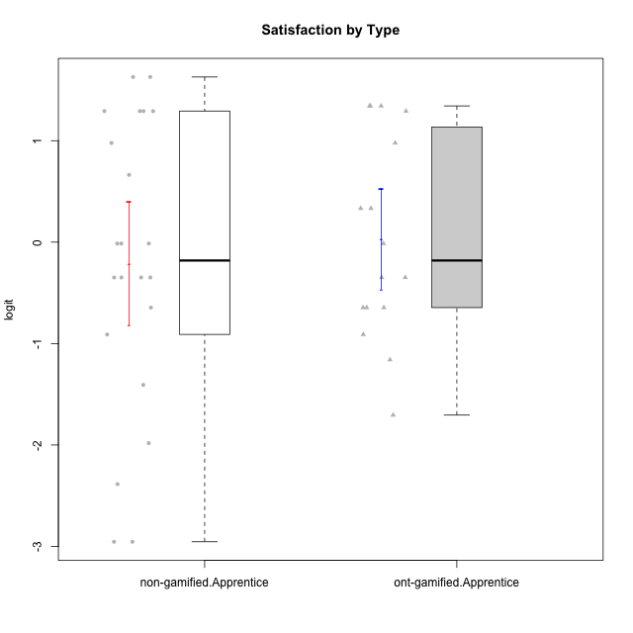

Student's t-Test data
UserID | NroUSP | Type | CLGroup | CLRole | PlayerRole | Attention | Relevance | Satisfaction | Level of Motivation
10169 | 10377538 | non-gamified | Grupo Team 10 | Apprentice |  | -1.9573725895 | -0.86869778022 | -1.9816683092 | -1.4076111349
10170 | 10260351 | non-gamified | Grupo Team 6 | Apprentice |  | 0.56791534458 | 0.0060927837546 | -0.34834388206 | 0.22581106577
10174 | 10276852 | non-gamified | Grupo Team 1 | Apprentice |  | -0.95190662712 | -1.0275471836 | -0.34834388206 | -0.62796477644
10176 | 10276949 | non-gamified | Grupo Team 9 | Apprentice |  | -1.0701126677 | -1.0275471836 | -0.91044067076 | -0.83778010581
10178 | 8656201 | non-gamified | Grupo Team 11 | Apprentice |  | 0.75834141366 | -0.11445695422 | -0.01400110805 | 0.41300158693
10179 | 10310759 | ont-gamified | Grupo Tosskor | Apprentice | Yee Achiever | -0.040980812349 | 0.13158585268 | -0.01400110805 | 0.10344207128
10181 | 10276866 | non-gamified | Grupo Team 7 | Apprentice |  | -0.040980812349 | -0.35062750809 | -0.64536976432 | -0.24827805412
10183 | 10352030 | non-gamified | Grupo Belos | Apprentice | Yee Socializer | -0.95190662712 | -0.72635160685 | -0.34834388206 | -0.62796477644
10186 | 10310551 | non-gamified | Grupo Team 5 | Apprentice |  | -0.82878035661 | 0.0060927837546 | 1.2916965628 | 0.043106696827
10187 | 9790781 | ont-gamified | Grupo Razorg | Apprentice | Yee Achiever | 0.36736393919 | -1.0617581335 | 0.33281250667 | -0.19146962765
10189 | 9363926 | non-gamified | Grupo Team 2 | Apprentice |  | -2.4111310769 | -1.0275471836 | -2.9542086999 | -1.6698143652
10190 | 10276907 | non-gamified | Grupo Team 8 | Apprentice |  | -1.6652611659 | -0.11445695422 | 1.6282329698 | -0.52206996204
10191 | 10276981 | ont-gamified | Grupo Yeka | Apprentice | Yee Socializer | 1.780532862 | 0.41195002581 | 1.3428958321 | 1.2368829222
10192 | 10276682 | ont-gamified | Grupo Yeka | Apprentice | Yee Socializer | 1.780532862 | 0.41195002581 | 1.3428958321 | 1.4041786884
10196 | 10310655 | non-gamified | Grupo Team 5 | Apprentice |  | -0.55700708254 | -0.86869778022 | -0.01400110805 | -0.46850406728
10200 | 9795272 | non-gamified | Grupo Team 4 | Apprentice |  | 0.36736393919 | -0.23262451137 | 0.97757031778 | 0.22581106577
10202 | 10277036 | ont-gamified | Grupo Paldira | Apprentice | Yee Achiever | -0.23023200857 | -0.72635160685 | -0.34834388206 | -0.24827805412
10203 | 9921470 | ont-gamified | Grupo Paldira | Apprentice | Yee Achiever | 1.780532862 | 1.19943677 | 1.3428958321 | 1.4041786884
10210 | 10277015 | ont-gamified | Grupo Losvakai | Apprentice | Yee Achiever | -0.95190662712 | -0.11445695422 | -0.64536976432 | -0.52206996204
10212 | 9065750 | ont-gamified | Grupo Ellaru | Apprentice | Yee Socializer | -0.82878035661 | 0.0060927837546 | -1.1592674958 | -0.52206996204
10214 | 10277022 | ont-gamified | Grupo Koil | Apprentice | Yee Achiever | 0.36736393919 | 0.41195002581 | -0.64536976432 | 0.16436034601
10215 | 9285227 | non-gamified | Grupo Team 7 | Apprentice |  | 0.36736393919 | 1.7045065859 | -0.01400110805 | 0.54012010769
10218 | 9842913 | non-gamified | Grupo Team 10 | Apprentice |  | -0.95190662712 | 0.13158585268 | 0.66323765493 | -0.13391230957
10219 | 10276831 | ont-gamified | Grupo Razorg | Apprentice | Yee Achiever | -1.3006930783 | -1.0617581335 | -0.91044067076 | -1.0519310161
10220 | 9760151 | non-gamified | Grupo Team 4 | Apprentice |  | -2.3569124236 | 1.7045065859 | 1.6282329698 | -0.24827805412
10221 | 9082496 | non-gamified | Grupo Team 3 | Apprentice |  | -0.69814884637 | -0.72635160685 | -1.4075878467 | -0.83778010581
10224 | 9368772 | non-gamified | Grupo Team 9 | Apprentice |  | 1.2744728051 | 0.5788749914 | 1.2916965628 | 0.86997165345
10226 | 10310342 | ont-gamified | Grupo Yeka | Apprentice | Yee Socializer | 0.93823748285 | 0.77920928512 | 1.2916965628 | 0.93924298788
10227 | 9274382 | non-gamified | Grupo Team 2 | Apprentice |  | 1.7635905586 | 0.5788749914 | 1.2916965628 | 1.1585341734
10228 | 10310492 | ont-gamified | Grupo Losvakai | Apprentice | Yee Achiever | -0.040980812349 | -0.11445695422 | -0.34834388206 | -0.07561268264
10230 | 10351992 | ont-gamified | Grupo Koil | Apprentice | Yee Achiever | 1.780532862 | 0.5788749914 | 0.97757031778 | 1.1585341734
10232 | 10276974 | non-gamified | Grupo Team 3 | Apprentice |  | 1.1094035006 | 1.0404532106 | 1.2916965628 | 1.0101826974
10233 | 9805320 | ont-gamified | Grupo Tosskor | Apprentice | Yee Achiever | 0.16133576622 | -1.0275471836 | -1.7052408222 | -0.78527588073
10234 | 10310676 | non-gamified | Grupo Team 6 | Apprentice |  | 0.56791534458 | 0.13158585268 | -0.34834388206 | 0.10344207128
10237 | 10377688 | ont-gamified | Grupo Ellaru | Apprentice | Yee Socializer | -0.40202239655 | 0.5788749914 | -0.64536976432 | -0.07561268264
10238 | 10276953 | ont-gamified | Grupo Belos | Apprentice | Yee Socializer | 0.36736393919 | -0.35062750809 | 0.33281250667 | 0.10344207128
10240 | 10276654 | non-gamified | Grupo Team 8 | Apprentice |  | -1.8032427627 | -0.86869778022 | -2.3859873793 | -1.474714379
10242 | 9424506 | non-gamified | Grupo Team 11 | Apprentice |  | -2.4111310769 | -1.0275471836 | -2.9542086999 | -1.6698143652

Type_CLRole_3
Student's t-Test for Satisfaction by Type in Type:CLRole between non-gamified.Apprentice:ont-gamified.Master

Student's t-Test results
Alternative hypothesis: less
Group | N | Mean | Mean.Difference | Std.deviation | Std.error | CI.lower | CI.upper | df | t.value | p.value | g | magnitude
non-gamified.Apprentice | 22 | -0.20958136632 | -0.07984496047 | 1.4341533168 | 0.3057625145 | -0.82110639532 | 0.40194366268 | 20.783438785 | -0.18369489573 | 0.42801659131 | -0.059005087397 | negligible
ont-gamified.Master | 8 | -0.12973640585 | 0.07984496047 | 0.8737928775 | 0.30893243452 | -0.74760127489 | 0.48812846318 | 20.783438785 | -0.18369489573 | 0.42801659131 | -0.059005087397 | negligible
Alternative hypothesis: greater
Group | N | Mean | Mean.Difference | Std.deviation | Std.error | CI.lower | CI.upper | df | t.value | p.value | g | magnitude
non-gamified.Apprentice | 22 | -0.20958136632 | -0.07984496047 | 1.4341533168 | 0.3057625145 | -0.82110639532 | 0.40194366268 | 20.783438785 | -0.18369489573 | 0.57198340869 | -0.059005087397 | negligible
ont-gamified.Master | 8 | -0.12973640585 | 0.07984496047 | 0.8737928775 | 0.30893243452 | -0.74760127489 | 0.48812846318 | 20.783438785 | -0.18369489573 | 0.57198340869 | -0.059005087397 | negligible
Alternative hypothesis: two.sided
Group | N | Mean | Mean.Difference | Std.deviation | Std.error | CI.lower | CI.upper | df | t.value | p.value | g | magnitude
non-gamified.Apprentice | 22 | -0.20958136632 | -0.07984496047 | 1.4341533168 | 0.3057625145 | -0.82110639532 | 0.40194366268 | 20.783438785 | -0.18369489573 | 0.85603318262 | -0.059005087397 | negligible
ont-gamified.Master | 8 | -0.12973640585 | 0.07984496047 | 0.8737928775 | 0.30893243452 | -0.74760127489 | 0.48812846318 | 20.783438785 | -0.18369489573 | 0.85603318262 | -0.059005087397 | negligible

Box plots for Student's t-Test
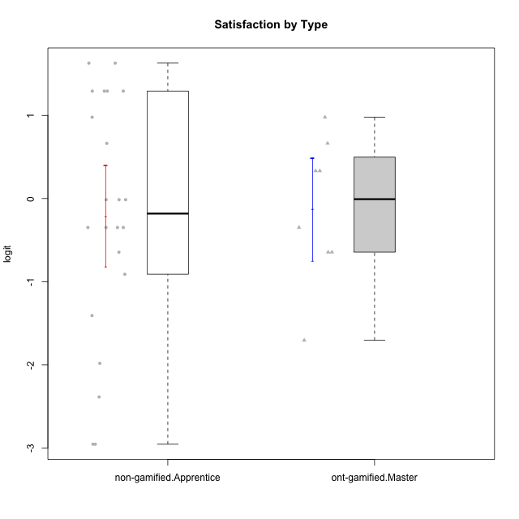

Student's t-Test data
UserID | NroUSP | Type | CLGroup | CLRole | PlayerRole | Attention | Relevance | Satisfaction | Level of Motivation
10169 | 10377538 | non-gamified | Grupo Team 10 | Apprentice |  | -1.9573725895 | -0.86869778022 | -1.9816683092 | -1.4076111349
10170 | 10260351 | non-gamified | Grupo Team 6 | Apprentice |  | 0.56791534458 | 0.0060927837546 | -0.34834388206 | 0.22581106577
10171 | 698531 | ont-gamified | Grupo Losvakai | Master | Yee Achiever | 0.75834141366 | 0.86882627345 | 0.97757031778 | 0.80207969337
10172 | 10273971 | ont-gamified | Grupo Koil | Master | Yee Achiever | 0.75834141366 | 0.26531241963 | -0.64536976432 | 0.28775137943
10174 | 10276852 | non-gamified | Grupo Team 1 | Apprentice |  | -0.95190662712 | -1.0275471836 | -0.34834388206 | -0.62796477644
10176 | 10276949 | non-gamified | Grupo Team 9 | Apprentice |  | -1.0701126677 | -1.0275471836 | -0.91044067076 | -0.83778010581
10178 | 8656201 | non-gamified | Grupo Team 11 | Apprentice |  | 0.75834141366 | -0.11445695422 | -0.01400110805 | 0.41300158693
10181 | 10276866 | non-gamified | Grupo Team 7 | Apprentice |  | -0.040980812349 | -0.35062750809 | -0.64536976432 | -0.24827805412
10183 | 10352030 | non-gamified | Grupo Belos | Apprentice | Yee Socializer | -0.95190662712 | -0.72635160685 | -0.34834388206 | -0.62796477644
10185 | 10276960 | ont-gamified | Grupo Tosskor | Master | Yee Achiever | -0.040980812349 | -0.11445695422 | -0.34834388206 | -0.13391230957
10186 | 10310551 | non-gamified | Grupo Team 5 | Apprentice |  | -0.82878035661 | 0.0060927837546 | 1.2916965628 | 0.043106696827
10188 | 10276995 | ont-gamified | Grupo Paldira | Master | Yee Achiever | -0.040980812349 | 0.13158585268 | 0.33281250667 | 0.043106696827
10189 | 9363926 | non-gamified | Grupo Team 2 | Apprentice |  | -2.4111310769 | -1.0275471836 | -2.9542086999 | -1.6698143652
10190 | 10276907 | non-gamified | Grupo Team 8 | Apprentice |  | -1.6652611659 | -0.11445695422 | 1.6282329698 | -0.52206996204
10196 | 10310655 | non-gamified | Grupo Team 5 | Apprentice |  | -0.55700708254 | -0.86869778022 | -0.01400110805 | -0.46850406728
10200 | 9795272 | non-gamified | Grupo Team 4 | Apprentice |  | 0.36736393919 | -0.23262451137 | 0.97757031778 | 0.22581106577
10208 | 10276932 | ont-gamified | Grupo Yeka | Master | Yee Socializer | -0.40202239655 | -0.59491588194 | -0.64536976432 | -0.46850406728
10211 | 9311643 | ont-gamified | Grupo Razorg | Master | Yee Achiever | -1.6601779081 | -0.35062750809 | -1.7052408222 | -1.1666271317
10215 | 9285227 | non-gamified | Grupo Team 7 | Apprentice |  | 0.36736393919 | 1.7045065859 | -0.01400110805 | 0.54012010769
10216 | 10276720 | ont-gamified | Grupo Ellaru | Master | Yee Socializer | -0.40202239655 | 0.0060927837546 | 0.33281250667 | -0.13391230957
10217 | 9805341 | ont-gamified | Grupo Belos | Master | Yee Socializer | 0.75834141366 | 0.41195002581 | 0.66323765493 | 0.54012010769
10218 | 9842913 | non-gamified | Grupo Team 10 | Apprentice |  | -0.95190662712 | 0.13158585268 | 0.66323765493 | -0.13391230957
10220 | 9760151 | non-gamified | Grupo Team 4 | Apprentice |  | -2.3569124236 | 1.7045065859 | 1.6282329698 | -0.24827805412
10221 | 9082496 | non-gamified | Grupo Team 3 | Apprentice |  | -0.69814884637 | -0.72635160685 | -1.4075878467 | -0.83778010581
10224 | 9368772 | non-gamified | Grupo Team 9 | Apprentice |  | 1.2744728051 | 0.5788749914 | 1.2916965628 | 0.86997165345
10227 | 9274382 | non-gamified | Grupo Team 2 | Apprentice |  | 1.7635905586 | 0.5788749914 | 1.2916965628 | 1.1585341734
10232 | 10276974 | non-gamified | Grupo Team 3 | Apprentice |  | 1.1094035006 | 1.0404532106 | 1.2916965628 | 1.0101826974
10234 | 10310676 | non-gamified | Grupo Team 6 | Apprentice |  | 0.56791534458 | 0.13158585268 | -0.34834388206 | 0.10344207128
10240 | 10276654 | non-gamified | Grupo Team 8 | Apprentice |  | -1.8032427627 | -0.86869778022 | -2.3859873793 | -1.474714379
10242 | 9424506 | non-gamified | Grupo Team 11 | Apprentice |  | -2.4111310769 | -1.0275471836 | -2.9542086999 | -1.6698143652

Type_CLRole_4
Student's t-Test for Satisfaction by Type in Type:CLRole between non-gamified.Master:ont-gamified.Apprentice

Student's t-Test results
Alternative hypothesis: less
Group | N | Mean | Mean.Difference | Std.deviation | Std.error | CI.lower | CI.upper | df | t.value | p.value | g | magnitude
non-gamified.Master | 11 | 0.27843132306 | 0.2445668083 | 1.2829078721 | 0.38681127747 | -0.49519123189 | 1.052053878 | 17.917865505 | 0.53200250871 | 0.69937041047 | 0.21205412744 | small
ont-gamified.Apprentice | 16 | 0.033864514761 | -0.2445668083 | 0.9936615715 | 0.24841539287 | -0.46296627099 | 0.53069530051 | 17.917865505 | 0.53200250871 | 0.69937041047 | 0.21205412744 | small
Alternative hypothesis: greater
Group | N | Mean | Mean.Difference | Std.deviation | Std.error | CI.lower | CI.upper | df | t.value | p.value | g | magnitude
non-gamified.Master | 11 | 0.27843132306 | 0.2445668083 | 1.2829078721 | 0.38681127747 | -0.49519123189 | 1.052053878 | 17.917865505 | 0.53200250871 | 0.30062958953 | 0.21205412744 | small
ont-gamified.Apprentice | 16 | 0.033864514761 | -0.2445668083 | 0.9936615715 | 0.24841539287 | -0.46296627099 | 0.53069530051 | 17.917865505 | 0.53200250871 | 0.30062958953 | 0.21205412744 | small
Alternative hypothesis: two.sided
Group | N | Mean | Mean.Difference | Std.deviation | Std.error | CI.lower | CI.upper | df | t.value | p.value | g | magnitude
non-gamified.Master | 11 | 0.27843132306 | 0.2445668083 | 1.2829078721 | 0.38681127747 | -0.49519123189 | 1.052053878 | 17.917865505 | 0.53200250871 | 0.60125917906 | 0.21205412744 | small
ont-gamified.Apprentice | 16 | 0.033864514761 | -0.2445668083 | 0.9936615715 | 0.24841539287 | -0.46296627099 | 0.53069530051 | 17.917865505 | 0.53200250871 | 0.60125917906 | 0.21205412744 | small

Box plots for Student's t-Test
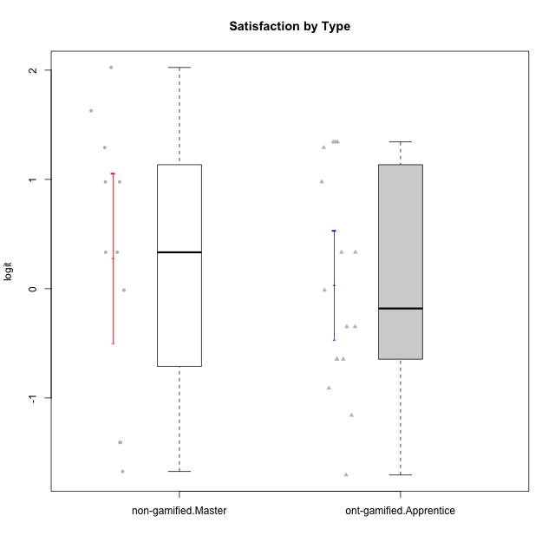

Student's t-Test data
UserID | NroUSP | Type | CLGroup | CLRole | PlayerRole | Attention | Relevance | Satisfaction | Level of Motivation
10175 | 10310700 | non-gamified | Grupo Team 6 | Master |  | 1.7635905586 | 0.71393730727 | 0.97757031778 | 1.318822225
10179 | 10310759 | ont-gamified | Grupo Tosskor | Apprentice | Yee Achiever | -0.040980812349 | 0.13158585268 | -0.01400110805 | 0.10344207128
10184 | 10276675 | non-gamified | Grupo Team 7 | Master |  | 1.4363694744 | 0.5788749914 | 0.97757031778 | 0.86997165345
10187 | 9790781 | ont-gamified | Grupo Razorg | Apprentice | Yee Achiever | 0.36736393919 | -1.0617581335 | 0.33281250667 | -0.19146962765
10191 | 10276981 | ont-gamified | Grupo Yeka | Apprentice | Yee Socializer | 1.780532862 | 0.41195002581 | 1.3428958321 | 1.2368829222
10192 | 10276682 | ont-gamified | Grupo Yeka | Apprentice | Yee Socializer | 1.780532862 | 0.41195002581 | 1.3428958321 | 1.4041786884
10193 | 10276762 | non-gamified | Grupo Team 2 | Master |  | -0.55700708254 | -0.23262451137 | -1.4075878467 | -0.62796477644
10197 | 10276661 | non-gamified | Grupo Team 11 | Master |  | 0.16133576622 | 0.0060927837546 | -0.01400110805 | 0.16436034601
10201 | 10276928 | non-gamified | Grupo Team 10 | Master |  | 0.56791534458 | 0.13158585268 | 1.6282329698 | 0.66951773914
10202 | 10277036 | ont-gamified | Grupo Paldira | Apprentice | Yee Achiever | -0.23023200857 | -0.72635160685 | -0.34834388206 | -0.24827805412
10203 | 9921470 | ont-gamified | Grupo Paldira | Apprentice | Yee Achiever | 1.780532862 | 1.19943677 | 1.3428958321 | 1.4041786884
10204 | 10310471 | non-gamified | Grupo Team 5 | Master |  | 2.3291694522 | 0.71393730727 | 2.0241758621 | 1.6373083794
10206 | 10310721 | non-gamified | Grupo Team 9 | Master |  | -0.40202239655 | -0.11445695422 | 0.33281250667 | 0.043106696827
10209 | 10262669 | non-gamified | Grupo Team 1 | Master |  | -2.3569124236 | -0.59491588194 | -1.4075878467 | -1.5453160244
10210 | 10277015 | ont-gamified | Grupo Losvakai | Apprentice | Yee Achiever | -0.95190662712 | -0.11445695422 | -0.64536976432 | -0.52206996204
10212 | 9065750 | ont-gamified | Grupo Ellaru | Apprentice | Yee Socializer | -0.82878035661 | 0.0060927837546 | -1.1592674958 | -0.52206996204
10213 | 10277040 | non-gamified | Grupo Team 8 | Master |  | 0.36736393919 | 0.0060927837546 | 1.2916965628 | 0.35015187326
10214 | 10277022 | ont-gamified | Grupo Koil | Apprentice | Yee Achiever | 0.36736393919 | 0.41195002581 | -0.64536976432 | 0.16436034601
10219 | 10276831 | ont-gamified | Grupo Razorg | Apprentice | Yee Achiever | -1.3006930783 | -1.0617581335 | -0.91044067076 | -1.0519310161
10223 | 9795185 | non-gamified | Grupo Team 3 | Master |  | -1.8032427627 | -0.70175173976 | -1.6729496884 | -1.474714379
10226 | 10310342 | ont-gamified | Grupo Yeka | Apprentice | Yee Socializer | 0.93823748285 | 0.77920928512 | 1.2916965628 | 0.93924298788
10228 | 10310492 | ont-gamified | Grupo Losvakai | Apprentice | Yee Achiever | -0.040980812349 | -0.11445695422 | -0.34834388206 | -0.07561268264
10230 | 10351992 | ont-gamified | Grupo Koil | Apprentice | Yee Achiever | 1.780532862 | 0.5788749914 | 0.97757031778 | 1.1585341734
10231 | 10276911 | non-gamified | Grupo Team 4 | Master |  | -1.4173134803 | 0.0060927837546 | 0.33281250667 | -0.57519175816
10233 | 9805320 | ont-gamified | Grupo Tosskor | Apprentice | Yee Achiever | 0.16133576622 | -1.0275471836 | -1.7052408222 | -0.78527588073
10237 | 10377688 | ont-gamified | Grupo Ellaru | Apprentice | Yee Socializer | -0.40202239655 | 0.5788749914 | -0.64536976432 | -0.07561268264
10238 | 10276953 | ont-gamified | Grupo Belos | Apprentice | Yee Socializer | 0.36736393919 | -0.35062750809 | 0.33281250667 | 0.10344207128

Type_CLRole_5
Student's t-Test for Satisfaction by Type in Type:CLRole between non-gamified.Master:ont-gamified.Master

Student's t-Test results
Alternative hypothesis: less
Group | N | Mean | Mean.Difference | Std.deviation | Std.error | CI.lower | CI.upper | df | t.value | p.value | g | magnitude
non-gamified.Master | 11 | 0.27843132306 | 0.40816772891 | 1.2829078721 | 0.38681127747 | -0.49519123189 | 1.052053878 | 16.965120071 | 0.8245186605 | 0.78945656537 | 0.34427773277 | small
ont-gamified.Master | 8 | -0.12973640585 | -0.40816772891 | 0.8737928775 | 0.30893243452 | -0.74760127489 | 0.48812846318 | 16.965120071 | 0.8245186605 | 0.78945656537 | 0.34427773277 | small
Alternative hypothesis: greater
Group | N | Mean | Mean.Difference | Std.deviation | Std.error | CI.lower | CI.upper | df | t.value | p.value | g | magnitude
non-gamified.Master | 11 | 0.27843132306 | 0.40816772891 | 1.2829078721 | 0.38681127747 | -0.49519123189 | 1.052053878 | 16.965120071 | 0.8245186605 | 0.21054343463 | 0.34427773277 | small
ont-gamified.Master | 8 | -0.12973640585 | -0.40816772891 | 0.8737928775 | 0.30893243452 | -0.74760127489 | 0.48812846318 | 16.965120071 | 0.8245186605 | 0.21054343463 | 0.34427773277 | small
Alternative hypothesis: two.sided
Group | N | Mean | Mean.Difference | Std.deviation | Std.error | CI.lower | CI.upper | df | t.value | p.value | g | magnitude
non-gamified.Master | 11 | 0.27843132306 | 0.40816772891 | 1.2829078721 | 0.38681127747 | -0.49519123189 | 1.052053878 | 16.965120071 | 0.8245186605 | 0.42108686925 | 0.34427773277 | small
ont-gamified.Master | 8 | -0.12973640585 | -0.40816772891 | 0.8737928775 | 0.30893243452 | -0.74760127489 | 0.48812846318 | 16.965120071 | 0.8245186605 | 0.42108686925 | 0.34427773277 | small

Box plots for Student's t-Test
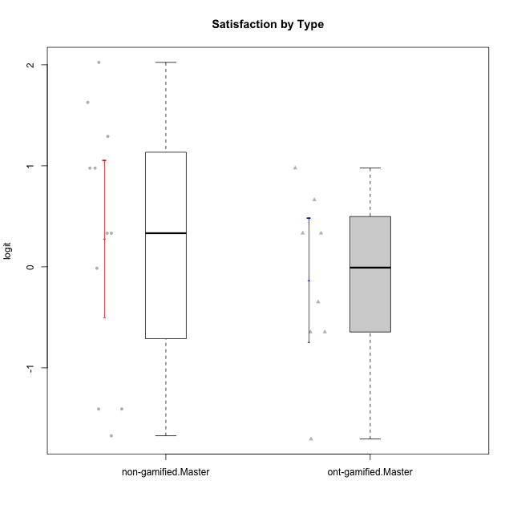

Student's t-Test data
UserID | NroUSP | Type | CLGroup | CLRole | PlayerRole | Attention | Relevance | Satisfaction | Level of Motivation
10171 | 698531 | ont-gamified | Grupo Losvakai | Master | Yee Achiever | 0.75834141366 | 0.86882627345 | 0.97757031778 | 0.80207969337
10172 | 10273971 | ont-gamified | Grupo Koil | Master | Yee Achiever | 0.75834141366 | 0.26531241963 | -0.64536976432 | 0.28775137943
10175 | 10310700 | non-gamified | Grupo Team 6 | Master |  | 1.7635905586 | 0.71393730727 | 0.97757031778 | 1.318822225
10184 | 10276675 | non-gamified | Grupo Team 7 | Master |  | 1.4363694744 | 0.5788749914 | 0.97757031778 | 0.86997165345
10185 | 10276960 | ont-gamified | Grupo Tosskor | Master | Yee Achiever | -0.040980812349 | -0.11445695422 | -0.34834388206 | -0.13391230957
10188 | 10276995 | ont-gamified | Grupo Paldira | Master | Yee Achiever | -0.040980812349 | 0.13158585268 | 0.33281250667 | 0.043106696827
10193 | 10276762 | non-gamified | Grupo Team 2 | Master |  | -0.55700708254 | -0.23262451137 | -1.4075878467 | -0.62796477644
10197 | 10276661 | non-gamified | Grupo Team 11 | Master |  | 0.16133576622 | 0.0060927837546 | -0.01400110805 | 0.16436034601
10201 | 10276928 | non-gamified | Grupo Team 10 | Master |  | 0.56791534458 | 0.13158585268 | 1.6282329698 | 0.66951773914
10204 | 10310471 | non-gamified | Grupo Team 5 | Master |  | 2.3291694522 | 0.71393730727 | 2.0241758621 | 1.6373083794
10206 | 10310721 | non-gamified | Grupo Team 9 | Master |  | -0.40202239655 | -0.11445695422 | 0.33281250667 | 0.043106696827
10208 | 10276932 | ont-gamified | Grupo Yeka | Master | Yee Socializer | -0.40202239655 | -0.59491588194 | -0.64536976432 | -0.46850406728
10209 | 10262669 | non-gamified | Grupo Team 1 | Master |  | -2.3569124236 | -0.59491588194 | -1.4075878467 | -1.5453160244
10211 | 9311643 | ont-gamified | Grupo Razorg | Master | Yee Achiever | -1.6601779081 | -0.35062750809 | -1.7052408222 | -1.1666271317
10213 | 10277040 | non-gamified | Grupo Team 8 | Master |  | 0.36736393919 | 0.0060927837546 | 1.2916965628 | 0.35015187326
10216 | 10276720 | ont-gamified | Grupo Ellaru | Master | Yee Socializer | -0.40202239655 | 0.0060927837546 | 0.33281250667 | -0.13391230957
10217 | 9805341 | ont-gamified | Grupo Belos | Master | Yee Socializer | 0.75834141366 | 0.41195002581 | 0.66323765493 | 0.54012010769
10223 | 9795185 | non-gamified | Grupo Team 3 | Master |  | -1.8032427627 | -0.70175173976 | -1.6729496884 | -1.474714379
10231 | 10276911 | non-gamified | Grupo Team 4 | Master |  | -1.4173134803 | 0.0060927837546 | 0.33281250667 | -0.57519175816

Type_CLRole_6
Student's t-Test for Satisfaction by Type in Type:CLRole between ont-gamified.Apprentice:ont-gamified.Master

Student's t-Test results
Alternative hypothesis: less
Group | N | Mean | Mean.Difference | Std.deviation | Std.error | CI.lower | CI.upper | df | t.value | p.value | g | magnitude
ont-gamified.Apprentice | 16 | 0.033864514761 | 0.16360092061 | 0.9936615715 | 0.24841539287 | -0.46296627099 | 0.53069530051 | 15.880493072 | 0.41269508959 | 0.65732598037 | 0.16503087472 | negligible
ont-gamified.Master | 8 | -0.12973640585 | -0.16360092061 | 0.8737928775 | 0.30893243452 | -0.74760127489 | 0.48812846318 | 15.880493072 | 0.41269508959 | 0.65732598037 | 0.16503087472 | negligible
Alternative hypothesis: greater
Group | N | Mean | Mean.Difference | Std.deviation | Std.error | CI.lower | CI.upper | df | t.value | p.value | g | magnitude
ont-gamified.Apprentice | 16 | 0.033864514761 | 0.16360092061 | 0.9936615715 | 0.24841539287 | -0.46296627099 | 0.53069530051 | 15.880493072 | 0.41269508959 | 0.34267401963 | 0.16503087472 | negligible
ont-gamified.Master | 8 | -0.12973640585 | -0.16360092061 | 0.8737928775 | 0.30893243452 | -0.74760127489 | 0.48812846318 | 15.880493072 | 0.41269508959 | 0.34267401963 | 0.16503087472 | negligible
Alternative hypothesis: two.sided
Group | N | Mean | Mean.Difference | Std.deviation | Std.error | CI.lower | CI.upper | df | t.value | p.value | g | magnitude
ont-gamified.Apprentice | 16 | 0.033864514761 | 0.16360092061 | 0.9936615715 | 0.24841539287 | -0.46296627099 | 0.53069530051 | 15.880493072 | 0.41269508959 | 0.68534803927 | 0.16503087472 | negligible
ont-gamified.Master | 8 | -0.12973640585 | -0.16360092061 | 0.8737928775 | 0.30893243452 | -0.74760127489 | 0.48812846318 | 15.880493072 | 0.41269508959 | 0.68534803927 | 0.16503087472 | negligible

Box plots for Student's t-Test
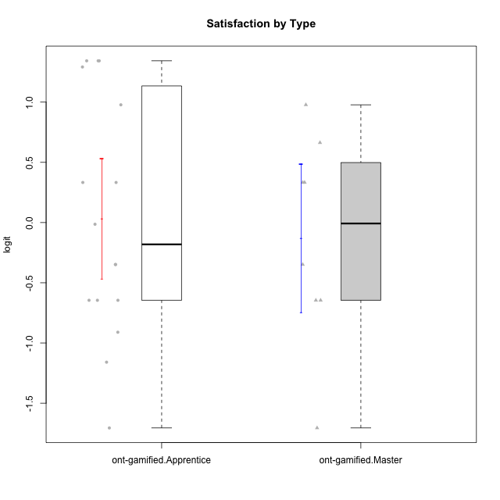

Student's t-Test data
UserID | NroUSP | Type | CLGroup | CLRole | PlayerRole | Attention | Relevance | Satisfaction | Level of Motivation
10171 | 698531 | ont-gamified | Grupo Losvakai | Master | Yee Achiever | 0.75834141366 | 0.86882627345 | 0.97757031778 | 0.80207969337
10172 | 10273971 | ont-gamified | Grupo Koil | Master | Yee Achiever | 0.75834141366 | 0.26531241963 | -0.64536976432 | 0.28775137943
10179 | 10310759 | ont-gamified | Grupo Tosskor | Apprentice | Yee Achiever | -0.040980812349 | 0.13158585268 | -0.01400110805 | 0.10344207128
10185 | 10276960 | ont-gamified | Grupo Tosskor | Master | Yee Achiever | -0.040980812349 | -0.11445695422 | -0.34834388206 | -0.13391230957
10187 | 9790781 | ont-gamified | Grupo Razorg | Apprentice | Yee Achiever | 0.36736393919 | -1.0617581335 | 0.33281250667 | -0.19146962765
10188 | 10276995 | ont-gamified | Grupo Paldira | Master | Yee Achiever | -0.040980812349 | 0.13158585268 | 0.33281250667 | 0.043106696827
10191 | 10276981 | ont-gamified | Grupo Yeka | Apprentice | Yee Socializer | 1.780532862 | 0.41195002581 | 1.3428958321 | 1.2368829222
10192 | 10276682 | ont-gamified | Grupo Yeka | Apprentice | Yee Socializer | 1.780532862 | 0.41195002581 | 1.3428958321 | 1.4041786884
10202 | 10277036 | ont-gamified | Grupo Paldira | Apprentice | Yee Achiever | -0.23023200857 | -0.72635160685 | -0.34834388206 | -0.24827805412
10203 | 9921470 | ont-gamified | Grupo Paldira | Apprentice | Yee Achiever | 1.780532862 | 1.19943677 | 1.3428958321 | 1.4041786884
10208 | 10276932 | ont-gamified | Grupo Yeka | Master | Yee Socializer | -0.40202239655 | -0.59491588194 | -0.64536976432 | -0.46850406728
10210 | 10277015 | ont-gamified | Grupo Losvakai | Apprentice | Yee Achiever | -0.95190662712 | -0.11445695422 | -0.64536976432 | -0.52206996204
10211 | 9311643 | ont-gamified | Grupo Razorg | Master | Yee Achiever | -1.6601779081 | -0.35062750809 | -1.7052408222 | -1.1666271317
10212 | 9065750 | ont-gamified | Grupo Ellaru | Apprentice | Yee Socializer | -0.82878035661 | 0.0060927837546 | -1.1592674958 | -0.52206996204
10214 | 10277022 | ont-gamified | Grupo Koil | Apprentice | Yee Achiever | 0.36736393919 | 0.41195002581 | -0.64536976432 | 0.16436034601
10216 | 10276720 | ont-gamified | Grupo Ellaru | Master | Yee Socializer | -0.40202239655 | 0.0060927837546 | 0.33281250667 | -0.13391230957
10217 | 9805341 | ont-gamified | Grupo Belos | Master | Yee Socializer | 0.75834141366 | 0.41195002581 | 0.66323765493 | 0.54012010769
10219 | 10276831 | ont-gamified | Grupo Razorg | Apprentice | Yee Achiever | -1.3006930783 | -1.0617581335 | -0.91044067076 | -1.0519310161
10226 | 10310342 | ont-gamified | Grupo Yeka | Apprentice | Yee Socializer | 0.93823748285 | 0.77920928512 | 1.2916965628 | 0.93924298788
10228 | 10310492 | ont-gamified | Grupo Losvakai | Apprentice | Yee Achiever | -0.040980812349 | -0.11445695422 | -0.34834388206 | -0.07561268264
10230 | 10351992 | ont-gamified | Grupo Koil | Apprentice | Yee Achiever | 1.780532862 | 0.5788749914 | 0.97757031778 | 1.1585341734
10233 | 9805320 | ont-gamified | Grupo Tosskor | Apprentice | Yee Achiever | 0.16133576622 | -1.0275471836 | -1.7052408222 | -0.78527588073
10237 | 10377688 | ont-gamified | Grupo Ellaru | Apprentice | Yee Socializer | -0.40202239655 | 0.5788749914 | -0.64536976432 | -0.07561268264
10238 | 10276953 | ont-gamified | Grupo Belos | Apprentice | Yee Socializer | 0.36736393919 | -0.35062750809 | 0.33281250667 | 0.10344207128

