Assumptions
ANOVA assumptions for Difference in Scores - Loop Structures

Shapiro-Wilk normality test for Difference in Scores - Loop Structures
W | p.value
0.97138583786 | 0.57775336393

Plots for normality test
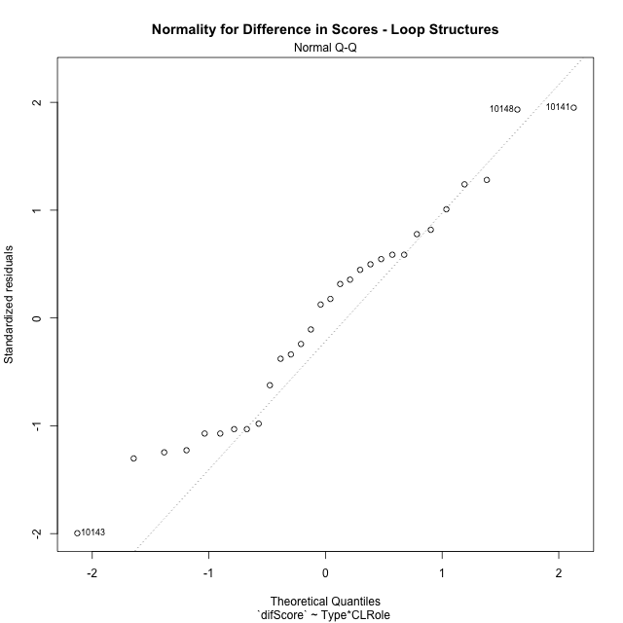

Levene's Test for Homogeneity of Variance in Difference in Scores - Loop Structures
Df | F value | Pr(>F)
3 | 1.3927270199 | 0.26724385418
26

Plots for homogeneity of variance
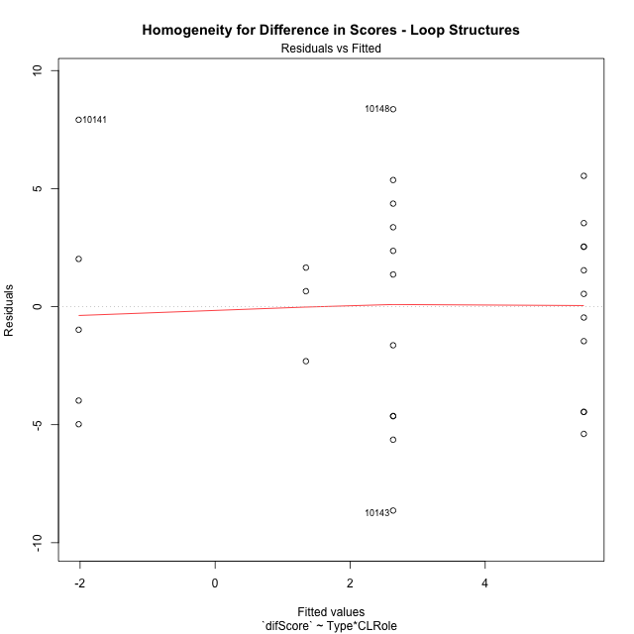

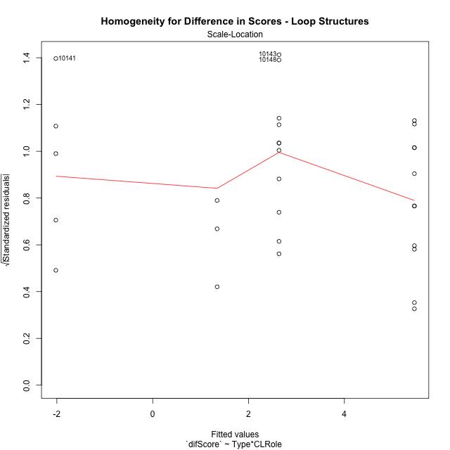

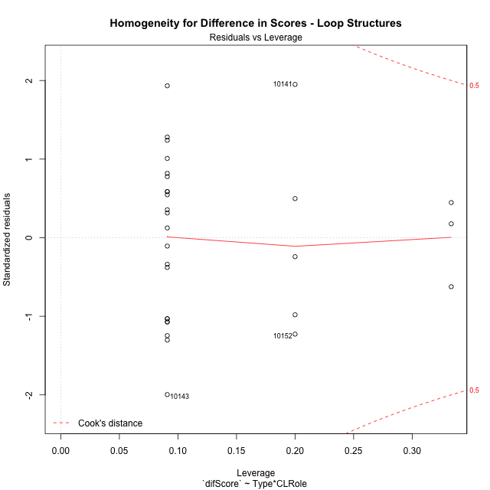

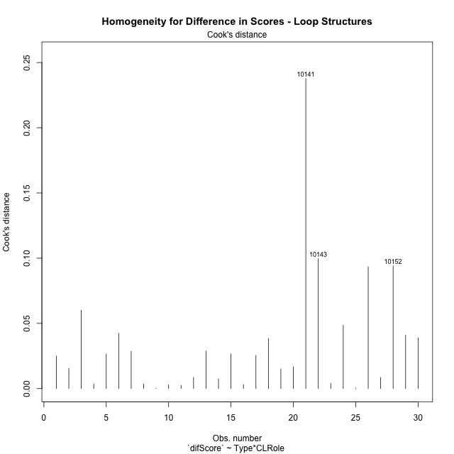

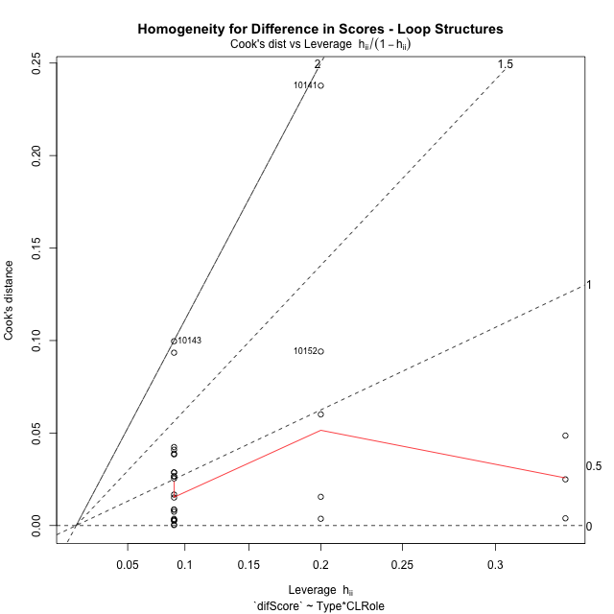

Minimum Sample Size Test for Difference in Scores - Loop Structures
Type | CLRole | Freq
non-gamified | Apprentice | 11
ont-gamified | Apprentice | 11
non-gamified | Master | 3
ont-gamified | Master | 5

Errors and Warnings in Sample Size Test for ANOVA in Difference in Scores - Loop Structures
code | description
WARN: sample.size | current size is 11 and recommended size is 15 for the group: 'non-gamified:Apprentice'.
WARN: sample.size | current size is 11 and recommended size is 15 for the group: 'ont-gamified:Apprentice'.
FAIL: min.size | current size is 3 but the minimal recomended size is 5 for the group: 'non-gamified:Master'.
WARN: sample.size | current size is 5 and recommended size is 15 for the group: 'ont-gamified:Master'.

For the group: 'non-gamified:Apprentice', we recommend the use of non-parametric test. For the group: 'ont-gamified:Apprentice', we recommend the use of non-parametric test. For the group: 'non-gamified:Master', we recommend the use of non-parametric test. For the group: 'ont-gamified:Master', we recommend the use of non-parametric test.

Post-hoc
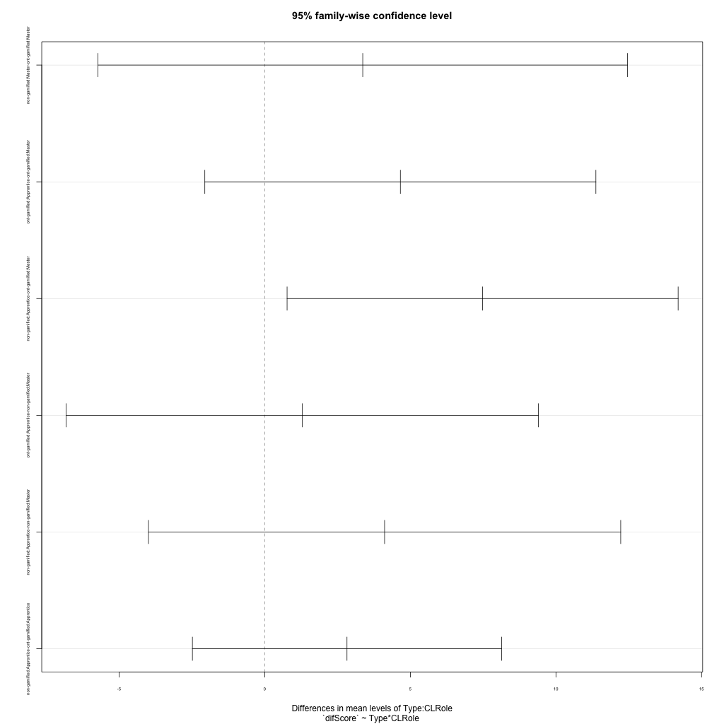
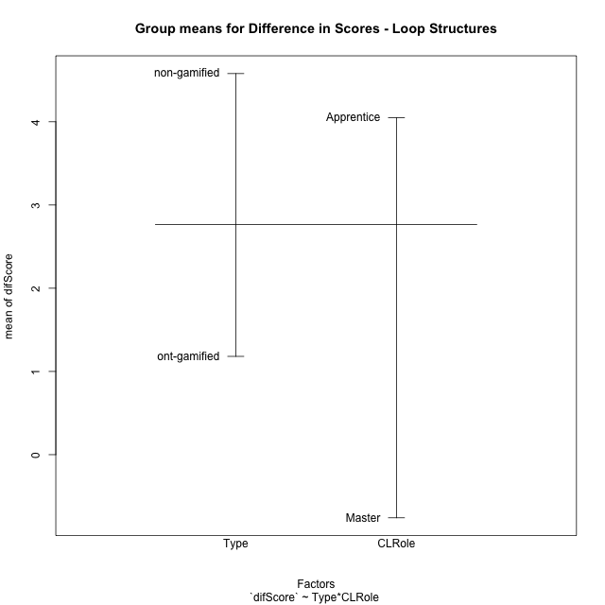
Post-hoc Tukey Honestly Significant Difference (HSD) Test for Difference in Scores - Loop Structures

Comparisons of means for Type
 | diff | lwr | upr | p adj
non-gamified-ont-gamified | 3.3979107143 | -0.015567320672 | 6.8113887492 | 0.050978589692

Comparisons of means for CLRole
 | diff | lwr | upr | p adj
Apprentice-Master | 4.3825793425 | 0.53165675966 | 8.2335019254 | 0.027275021168

Comparisons of means for Type:CLRole
 | diff | lwr | upr | p adj
non-gamified:Master-ont-gamified:Master | 3.3658133333 | -5.7252064877 | 12.456833154 | 0.74183722776
ont-gamified:Apprentice-ont-gamified:Master | 4.6572436364 | -2.0569194694 | 11.371406742 | 0.25146419951
non-gamified:Apprentice-ont-gamified:Master | 7.4817527273 | 0.76758962153 | 14.195915833 | 0.024779047347
ont-gamified:Apprentice-non-gamified:Master | 1.291430303 | -6.8166919554 | 9.3995525614 | 0.97152061335
non-gamified:Apprentice-non-gamified:Master | 4.1159393939 | -3.9921828645 | 12.224061652 | 0.51502701111
non-gamified:Apprentice-ont-gamified:Apprentice | 2.8245090909 | -2.4835029081 | 8.1325210899 | 0.47521793478

Contrast Matrices for Difference in Scores - Loop Structures - Type
contrast | estimate | SE | df | t.ratio | p.value
non-gamified - ont-gamified | 3.0951612121 | 1.9186944941 | 26 | 1.6131600011 | 0.11878313922

Contrast Matrices for Difference in Scores - Loop Structures - Type:CLRole
contrast | CLRole | estimate | SE | df | t.ratio | p.value
non-gamified - ont-gamified | Apprentice | 2.8245090909 | 1.9348862959 | 26 | 1.4597804 | 0.15632863253
non-gamified - ont-gamified | Master | 3.3658133333 | 3.3138752645 | 26 | 1.01567291 | 0.31914408913

Least Squares Means and Confidence Intervals for Type
Type | lsmean | SE | df | lower.CL | upper.CL | Pairs
non-gamified | 3.4029030303 | 1.4777938187 | 26 | 0.36525433182 | 6.4405517288 | non-gamified
ont-gamified | 0.30774181818 | 1.2237295417 | 26 | -2.2076702797 | 2.823153916 | ont-gamified

Least Squares Means and Confidence Intervals for Type:CLRole
Type | CLRole | lsmean | SE | df | lower.CL | upper.CL | Pairs
non-gamified | Apprentice | 5.4608727273 | 1.3681712206 | 26 | 2.6485565062 | 8.2731889484 | non-gamified.Apprentice
ont-gamified | Apprentice | 2.6363636364 | 1.3681712206 | 26 | -0.17595258474 | 5.4486798575 | ont-gamified.Apprentice
non-gamified | Master | 1.3449333333 | 2.6198484294 | 26 | -4.040242238 | 6.7301089047 | non-gamified.Master
ont-gamified | Master | -2.02088 | 2.0293258673 | 26 | -6.1922190608 | 2.1504590608 | ont-gamified.Master

Plots

Type_1
Student's t-Test for Difference in Scores - Loop Structures in Type between non-gamified:ont-gamified

Student's t-Test results
Alternative hypothesis: less
Group | N | Mean | Mean.Difference | Std.deviation | Std.error | CI.lower | CI.upper | df | t.value | p.value | g | magnitude
non-gamified | 14 | 4.5788857143 | 3.3979107143 | 3.7045682175 | 0.99008750256 | 2.5987107092 | 6.5590607194 | 26.182920438 | 1.9801470417 | 0.9708566566 | 0.6862531077 | medium
ont-gamified | 16 | 1.180975 | -3.3979107143 | 5.6062041118 | 1.401551028 | -1.6221270559 | 3.9840770559 | 26.182920438 | 1.9801470417 | 0.9708566566 | 0.6862531077 | medium
Alternative hypothesis: greater
Group | N | Mean | Mean.Difference | Std.deviation | Std.error | CI.lower | CI.upper | df | t.value | p.value | g | magnitude
non-gamified | 14 | 4.5788857143 | 3.3979107143 | 3.7045682175 | 0.99008750256 | 2.5987107092 | 6.5590607194 | 26.182920438 | 1.9801470417 | 0.029143343399 | 0.6862531077 | medium
ont-gamified | 16 | 1.180975 | -3.3979107143 | 5.6062041118 | 1.401551028 | -1.6221270559 | 3.9840770559 | 26.182920438 | 1.9801470417 | 0.029143343399 | 0.6862531077 | medium
Alternative hypothesis: two.sided
Group | N | Mean | Mean.Difference | Std.deviation | Std.error | CI.lower | CI.upper | df | t.value | p.value | g | magnitude
non-gamified | 14 | 4.5788857143 | 3.3979107143 | 3.7045682175 | 0.99008750256 | 2.5987107092 | 6.5590607194 | 26.182920438 | 1.9801470417 | 0.058286686798 | 0.6862531077 | medium
ont-gamified | 16 | 1.180975 | -3.3979107143 | 5.6062041118 | 1.401551028 | -1.6221270559 | 3.9840770559 | 26.182920438 | 1.9801470417 | 0.058286686798 | 0.6862531077 | medium

Box plots for Student's t-Test
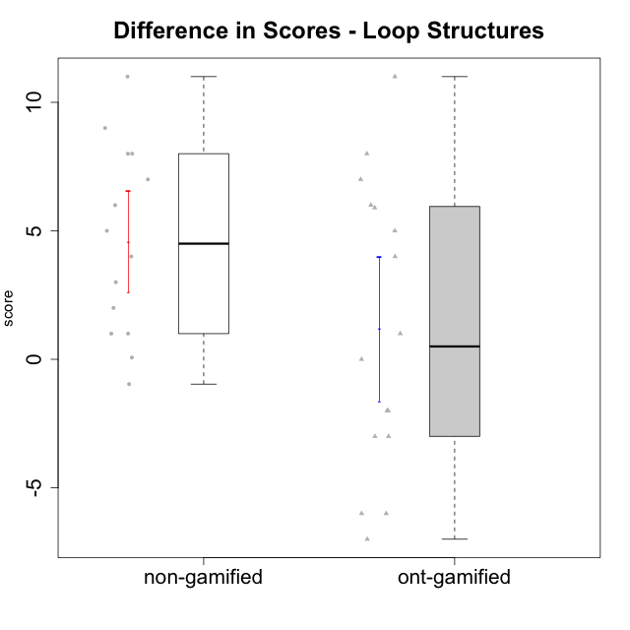

Student's t-Test data
UserID | Type | CLGroup | CLRole | PlayerRole | difScore
10116 | non-gamified | GroupC | Master |  | 3
10119 | ont-gamified | Grupo Zeus | Master | Yee Achiever | 0
10120 | ont-gamified | Grupo Hélio | Master | Yee Socializer | -6
10121 | ont-gamified | Grupo Hades | Master | Yee Achiever | -3
10122 | non-gamified | GroupB | Apprentice |  | 1
10126 | ont-gamified | Grupo Hélio | Apprentice | Yee Socializer | -3
10127 | ont-gamified | Grupo Hades | Apprentice | Yee Achiever | -2
10128 | ont-gamified | Grupo Morfeu | Apprentice | Yee Achiever | 1
10129 | non-gamified | GroupB | Apprentice |  | 5
10130 | non-gamified | GroupC | Apprentice |  | 4
10131 | ont-gamified | Grupo Zeus | Apprentice | Yee Achiever | 4
10132 | non-gamified | GroupA | Apprentice |  | 8
10133 | ont-gamified | Grupo Hades | Apprentice | Yee Achiever | -2
10134 | ont-gamified | Grupo Apolo | Apprentice | Yee Socializer | 5
10135 | non-gamified | GroupB | Apprentice |  | 1
10136 | non-gamified | GroupC | Apprentice |  | 7
10137 | ont-gamified | Grupo Morfeu | Apprentice | Yee Achiever | 7
10138 | ont-gamified | Grupo Hélio | Apprentice | Yee Socializer | 8
10139 | ont-gamified | Grupo Zeus | Apprentice | Yee Achiever | 6
10140 | non-gamified | GroupC | Apprentice |  | 9
10141 | ont-gamified | Grupo Apolo | Master | Yee Socializer | 5.8956
10143 | ont-gamified | Grupo Apolo | Apprentice | Yee Socializer | -6
10144 | non-gamified | GroupA | Master |  | 2
10145 | non-gamified | GroupB | Master |  | -0.9652
10146 | non-gamified | GroupA | Apprentice |  | 6
10148 | ont-gamified | Grupo Apolo | Apprentice | Yee Socializer | 11
10149 | non-gamified | GroupA | Apprentice |  | 8
10152 | ont-gamified | Grupo Morfeu | Master | Yee Achiever | -7
10153 | non-gamified | GroupA | Apprentice |  | 11
10154 | non-gamified | GroupC | Apprentice |  | 0.0696

Type_CLRole_1
Student's t-Test for Difference in Scores - Loop Structures in Type:CLRole between non-gamified.Apprentice:non-gamified.Master

Student's t-Test results
Alternative hypothesis: less
Group | N | Mean | Mean.Difference | Std.deviation | Std.error | CI.lower | CI.upper | df | t.value | p.value | g | magnitude
non-gamified.Apprentice | 11 | 5.4608727273 | 4.1159393939 | 3.6051685645 | 1.0869992213 | 3.2868742847 | 7.6348711699 | 5.9034594752 | 2.5530491592 | 0.97803120823 | 1.1342919252 | large
non-gamified.Master | 3 | 1.3449333333 | -4.1159393939 | 2.0621680371 | 1.1905932713 | -1.0362532094 | 3.726119876 | 5.9034594752 | 2.5530491592 | 0.97803120823 | 1.1342919252 | large
Alternative hypothesis: greater
Group | N | Mean | Mean.Difference | Std.deviation | Std.error | CI.lower | CI.upper | df | t.value | p.value | g | magnitude
non-gamified.Apprentice | 11 | 5.4608727273 | 4.1159393939 | 3.6051685645 | 1.0869992213 | 3.2868742847 | 7.6348711699 | 5.9034594752 | 2.5530491592 | 0.021968791771 | 1.1342919252 | large
non-gamified.Master | 3 | 1.3449333333 | -4.1159393939 | 2.0621680371 | 1.1905932713 | -1.0362532094 | 3.726119876 | 5.9034594752 | 2.5530491592 | 0.021968791771 | 1.1342919252 | large
Alternative hypothesis: two.sided
Group | N | Mean | Mean.Difference | Std.deviation | Std.error | CI.lower | CI.upper | df | t.value | p.value | g | magnitude
non-gamified.Apprentice | 11 | 5.4608727273 | 4.1159393939 | 3.6051685645 | 1.0869992213 | 3.2868742847 | 7.6348711699 | 5.9034594752 | 2.5530491592 | 0.043937583543 | 1.1342919252 | large
non-gamified.Master | 3 | 1.3449333333 | -4.1159393939 | 2.0621680371 | 1.1905932713 | -1.0362532094 | 3.726119876 | 5.9034594752 | 2.5530491592 | 0.043937583543 | 1.1342919252 | large

Box plots for Student's t-Test
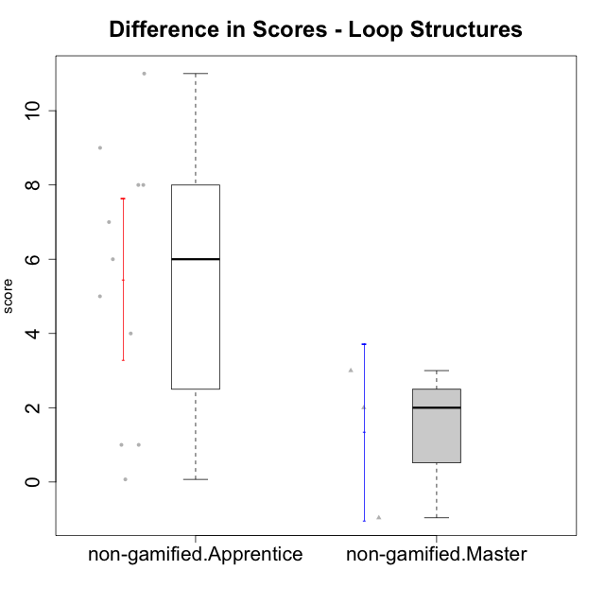

Student's t-Test data
UserID | Type | CLGroup | CLRole | PlayerRole | difScore
10116 | non-gamified | GroupC | Master |  | 3
10122 | non-gamified | GroupB | Apprentice |  | 1
10129 | non-gamified | GroupB | Apprentice |  | 5
10130 | non-gamified | GroupC | Apprentice |  | 4
10132 | non-gamified | GroupA | Apprentice |  | 8
10135 | non-gamified | GroupB | Apprentice |  | 1
10136 | non-gamified | GroupC | Apprentice |  | 7
10140 | non-gamified | GroupC | Apprentice |  | 9
10144 | non-gamified | GroupA | Master |  | 2
10145 | non-gamified | GroupB | Master |  | -0.9652
10146 | non-gamified | GroupA | Apprentice |  | 6
10149 | non-gamified | GroupA | Apprentice |  | 8
10153 | non-gamified | GroupA | Apprentice |  | 11
10154 | non-gamified | GroupC | Apprentice |  | 0.0696

Type_CLRole_2
Student's t-Test for Difference in Scores - Loop Structures in Type:CLRole between non-gamified.Apprentice:ont-gamified.Apprentice

Student's t-Test results
Alternative hypothesis: less
Group | N | Mean | Mean.Difference | Std.deviation | Std.error | CI.lower | CI.upper | df | t.value | p.value | g | magnitude
non-gamified.Apprentice | 11 | 5.4608727273 | 2.8245090909 | 3.6051685645 | 1.0869992213 | 3.2868742847 | 7.6348711699 | 17.489257638 | 1.4480458801 | 0.9173527532 | 0.5940014137 | medium
ont-gamified.Apprentice | 11 | 2.6363636364 | -2.8245090909 | 5.3716427147 | 1.6196112175 | -0.60285879865 | 5.8755860714 | 17.489257638 | 1.4480458801 | 0.9173527532 | 0.5940014137 | medium
Alternative hypothesis: greater
Group | N | Mean | Mean.Difference | Std.deviation | Std.error | CI.lower | CI.upper | df | t.value | p.value | g | magnitude
non-gamified.Apprentice | 11 | 5.4608727273 | 2.8245090909 | 3.6051685645 | 1.0869992213 | 3.2868742847 | 7.6348711699 | 17.489257638 | 1.4480458801 | 0.0826472468 | 0.5940014137 | medium
ont-gamified.Apprentice | 11 | 2.6363636364 | -2.8245090909 | 5.3716427147 | 1.6196112175 | -0.60285879865 | 5.8755860714 | 17.489257638 | 1.4480458801 | 0.0826472468 | 0.5940014137 | medium
Alternative hypothesis: two.sided
Group | N | Mean | Mean.Difference | Std.deviation | Std.error | CI.lower | CI.upper | df | t.value | p.value | g | magnitude
non-gamified.Apprentice | 11 | 5.4608727273 | 2.8245090909 | 3.6051685645 | 1.0869992213 | 3.2868742847 | 7.6348711699 | 17.489257638 | 1.4480458801 | 0.1652944936 | 0.5940014137 | medium
ont-gamified.Apprentice | 11 | 2.6363636364 | -2.8245090909 | 5.3716427147 | 1.6196112175 | -0.60285879865 | 5.8755860714 | 17.489257638 | 1.4480458801 | 0.1652944936 | 0.5940014137 | medium

Box plots for Student's t-Test
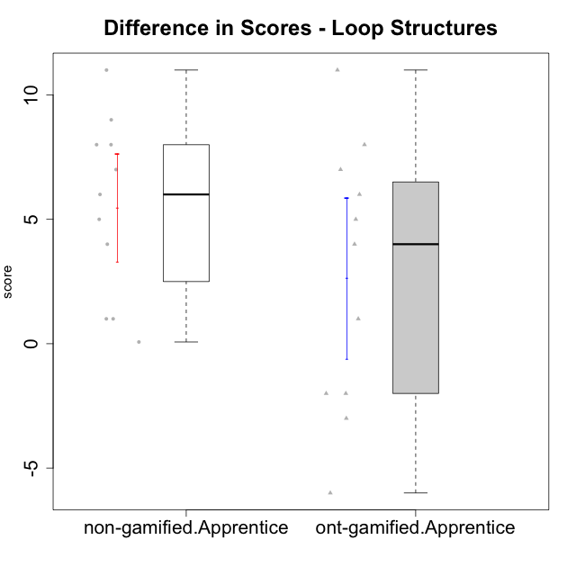

Student's t-Test data
UserID | Type | CLGroup | CLRole | PlayerRole | difScore
10122 | non-gamified | GroupB | Apprentice |  | 1
10126 | ont-gamified | Grupo Hélio | Apprentice | Yee Socializer | -3
10127 | ont-gamified | Grupo Hades | Apprentice | Yee Achiever | -2
10128 | ont-gamified | Grupo Morfeu | Apprentice | Yee Achiever | 1
10129 | non-gamified | GroupB | Apprentice |  | 5
10130 | non-gamified | GroupC | Apprentice |  | 4
10131 | ont-gamified | Grupo Zeus | Apprentice | Yee Achiever | 4
10132 | non-gamified | GroupA | Apprentice |  | 8
10133 | ont-gamified | Grupo Hades | Apprentice | Yee Achiever | -2
10134 | ont-gamified | Grupo Apolo | Apprentice | Yee Socializer | 5
10135 | non-gamified | GroupB | Apprentice |  | 1
10136 | non-gamified | GroupC | Apprentice |  | 7
10137 | ont-gamified | Grupo Morfeu | Apprentice | Yee Achiever | 7
10138 | ont-gamified | Grupo Hélio | Apprentice | Yee Socializer | 8
10139 | ont-gamified | Grupo Zeus | Apprentice | Yee Achiever | 6
10140 | non-gamified | GroupC | Apprentice |  | 9
10143 | ont-gamified | Grupo Apolo | Apprentice | Yee Socializer | -6
10146 | non-gamified | GroupA | Apprentice |  | 6
10148 | ont-gamified | Grupo Apolo | Apprentice | Yee Socializer | 11
10149 | non-gamified | GroupA | Apprentice |  | 8
10153 | non-gamified | GroupA | Apprentice |  | 11
10154 | non-gamified | GroupC | Apprentice |  | 0.0696

Type_CLRole_3
Student's t-Test for Difference in Scores - Loop Structures in Type:CLRole between non-gamified.Apprentice:ont-gamified.Master

Student's t-Test results
Alternative hypothesis: less
Group | N | Mean | Mean.Difference | Std.deviation | Std.error | CI.lower | CI.upper | df | t.value | p.value | g | magnitude
non-gamified.Apprentice | 11 | 5.4608727273 | 7.4817527273 | 3.6051685645 | 1.0869992213 | 3.2868742847 | 7.6348711699 | 5.8244702479 | 2.9126029851 | 0.98608563017 | 1.7144950289 | large
ont-gamified.Master | 5 | -2.02088 | -7.4817527273 | 5.2042847608 | 2.3274268999 | -6.6757337998 | 2.6339737998 | 5.8244702479 | 2.9126029851 | 0.98608563017 | 1.7144950289 | large
Alternative hypothesis: greater
Group | N | Mean | Mean.Difference | Std.deviation | Std.error | CI.lower | CI.upper | df | t.value | p.value | g | magnitude
non-gamified.Apprentice | 11 | 5.4608727273 | 7.4817527273 | 3.6051685645 | 1.0869992213 | 3.2868742847 | 7.6348711699 | 5.8244702479 | 2.9126029851 | 0.01391436983 | 1.7144950289 | large
ont-gamified.Master | 5 | -2.02088 | -7.4817527273 | 5.2042847608 | 2.3274268999 | -6.6757337998 | 2.6339737998 | 5.8244702479 | 2.9126029851 | 0.01391436983 | 1.7144950289 | large
Alternative hypothesis: two.sided
Group | N | Mean | Mean.Difference | Std.deviation | Std.error | CI.lower | CI.upper | df | t.value | p.value | g | magnitude
non-gamified.Apprentice | 11 | 5.4608727273 | 7.4817527273 | 3.6051685645 | 1.0869992213 | 3.2868742847 | 7.6348711699 | 5.8244702479 | 2.9126029851 | 0.027828739661 | 1.7144950289 | large
ont-gamified.Master | 5 | -2.02088 | -7.4817527273 | 5.2042847608 | 2.3274268999 | -6.6757337998 | 2.6339737998 | 5.8244702479 | 2.9126029851 | 0.027828739661 | 1.7144950289 | large

Box plots for Student's t-Test
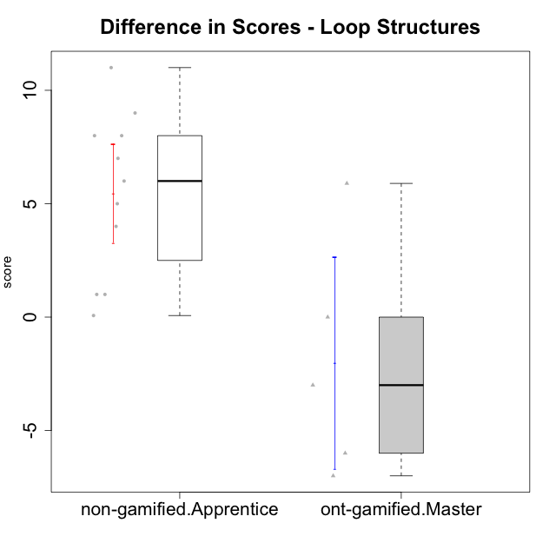

Student's t-Test data
UserID | Type | CLGroup | CLRole | PlayerRole | difScore
10119 | ont-gamified | Grupo Zeus | Master | Yee Achiever | 0
10120 | ont-gamified | Grupo Hélio | Master | Yee Socializer | -6
10121 | ont-gamified | Grupo Hades | Master | Yee Achiever | -3
10122 | non-gamified | GroupB | Apprentice |  | 1
10129 | non-gamified | GroupB | Apprentice |  | 5
10130 | non-gamified | GroupC | Apprentice |  | 4
10132 | non-gamified | GroupA | Apprentice |  | 8
10135 | non-gamified | GroupB | Apprentice |  | 1
10136 | non-gamified | GroupC | Apprentice |  | 7
10140 | non-gamified | GroupC | Apprentice |  | 9
10141 | ont-gamified | Grupo Apolo | Master | Yee Socializer | 5.8956
10146 | non-gamified | GroupA | Apprentice |  | 6
10149 | non-gamified | GroupA | Apprentice |  | 8
10152 | ont-gamified | Grupo Morfeu | Master | Yee Achiever | -7
10153 | non-gamified | GroupA | Apprentice |  | 11
10154 | non-gamified | GroupC | Apprentice |  | 0.0696

Type_CLRole_4
Student's t-Test for Difference in Scores - Loop Structures in Type:CLRole between non-gamified.Master:ont-gamified.Apprentice

Student's t-Test results
Alternative hypothesis: less
Group | N | Mean | Mean.Difference | Std.deviation | Std.error | CI.lower | CI.upper | df | t.value | p.value | g | magnitude
non-gamified.Master | 3 | 1.3449333333 | -1.291430303 | 2.0621680371 | 1.1905932713 | -1.0362532094 | 3.726119876 | 9.6451370163 | -0.64245868389 | 0.26777347976 | -0.24299718895 | small
ont-gamified.Apprentice | 11 | 2.6363636364 | 1.291430303 | 5.3716427147 | 1.6196112175 | -0.60285879865 | 5.8755860714 | 9.6451370163 | -0.64245868389 | 0.26777347976 | -0.24299718895 | small
Alternative hypothesis: greater
Group | N | Mean | Mean.Difference | Std.deviation | Std.error | CI.lower | CI.upper | df | t.value | p.value | g | magnitude
non-gamified.Master | 3 | 1.3449333333 | -1.291430303 | 2.0621680371 | 1.1905932713 | -1.0362532094 | 3.726119876 | 9.6451370163 | -0.64245868389 | 0.73222652024 | -0.24299718895 | small
ont-gamified.Apprentice | 11 | 2.6363636364 | 1.291430303 | 5.3716427147 | 1.6196112175 | -0.60285879865 | 5.8755860714 | 9.6451370163 | -0.64245868389 | 0.73222652024 | -0.24299718895 | small
Alternative hypothesis: two.sided
Group | N | Mean | Mean.Difference | Std.deviation | Std.error | CI.lower | CI.upper | df | t.value | p.value | g | magnitude
non-gamified.Master | 3 | 1.3449333333 | -1.291430303 | 2.0621680371 | 1.1905932713 | -1.0362532094 | 3.726119876 | 9.6451370163 | -0.64245868389 | 0.53554695953 | -0.24299718895 | small
ont-gamified.Apprentice | 11 | 2.6363636364 | 1.291430303 | 5.3716427147 | 1.6196112175 | -0.60285879865 | 5.8755860714 | 9.6451370163 | -0.64245868389 | 0.53554695953 | -0.24299718895 | small

Box plots for Student's t-Test
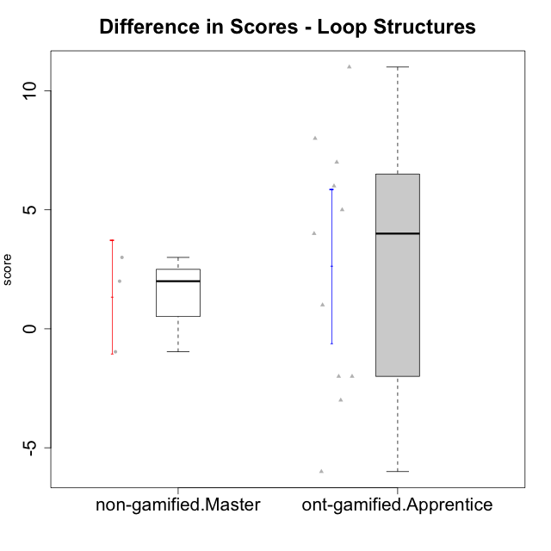

Student's t-Test data
UserID | Type | CLGroup | CLRole | PlayerRole | difScore
10116 | non-gamified | GroupC | Master |  | 3
10126 | ont-gamified | Grupo Hélio | Apprentice | Yee Socializer | -3
10127 | ont-gamified | Grupo Hades | Apprentice | Yee Achiever | -2
10128 | ont-gamified | Grupo Morfeu | Apprentice | Yee Achiever | 1
10131 | ont-gamified | Grupo Zeus | Apprentice | Yee Achiever | 4
10133 | ont-gamified | Grupo Hades | Apprentice | Yee Achiever | -2
10134 | ont-gamified | Grupo Apolo | Apprentice | Yee Socializer | 5
10137 | ont-gamified | Grupo Morfeu | Apprentice | Yee Achiever | 7
10138 | ont-gamified | Grupo Hélio | Apprentice | Yee Socializer | 8
10139 | ont-gamified | Grupo Zeus | Apprentice | Yee Achiever | 6
10143 | ont-gamified | Grupo Apolo | Apprentice | Yee Socializer | -6
10144 | non-gamified | GroupA | Master |  | 2
10145 | non-gamified | GroupB | Master |  | -0.9652
10148 | ont-gamified | Grupo Apolo | Apprentice | Yee Socializer | 11

Type_CLRole_5
Student's t-Test for Difference in Scores - Loop Structures in Type:CLRole between non-gamified.Master:ont-gamified.Master

Student's t-Test results
Alternative hypothesis: less
Group | N | Mean | Mean.Difference | Std.deviation | Std.error | CI.lower | CI.upper | df | t.value | p.value | g | magnitude
non-gamified.Master | 3 | 1.3449333333 | 3.3658133333 | 2.0621680371 | 1.1905932713 | -1.0362532094 | 3.726119876 | 5.6003698585 | 1.2874753722 | 0.87571563523 | 0.66323239446 | medium
ont-gamified.Master | 5 | -2.02088 | -3.3658133333 | 5.2042847608 | 2.3274268999 | -6.6757337998 | 2.6339737998 | 5.6003698585 | 1.2874753722 | 0.87571563523 | 0.66323239446 | medium
Alternative hypothesis: greater
Group | N | Mean | Mean.Difference | Std.deviation | Std.error | CI.lower | CI.upper | df | t.value | p.value | g | magnitude
non-gamified.Master | 3 | 1.3449333333 | 3.3658133333 | 2.0621680371 | 1.1905932713 | -1.0362532094 | 3.726119876 | 5.6003698585 | 1.2874753722 | 0.12428436477 | 0.66323239446 | medium
ont-gamified.Master | 5 | -2.02088 | -3.3658133333 | 5.2042847608 | 2.3274268999 | -6.6757337998 | 2.6339737998 | 5.6003698585 | 1.2874753722 | 0.12428436477 | 0.66323239446 | medium
Alternative hypothesis: two.sided
Group | N | Mean | Mean.Difference | Std.deviation | Std.error | CI.lower | CI.upper | df | t.value | p.value | g | magnitude
non-gamified.Master | 3 | 1.3449333333 | 3.3658133333 | 2.0621680371 | 1.1905932713 | -1.0362532094 | 3.726119876 | 5.6003698585 | 1.2874753722 | 0.24856872953 | 0.66323239446 | medium
ont-gamified.Master | 5 | -2.02088 | -3.3658133333 | 5.2042847608 | 2.3274268999 | -6.6757337998 | 2.6339737998 | 5.6003698585 | 1.2874753722 | 0.24856872953 | 0.66323239446 | medium

Box plots for Student's t-Test
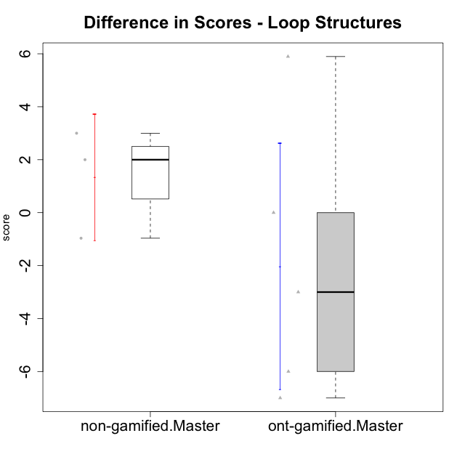

Student's t-Test data
UserID | Type | CLGroup | CLRole | PlayerRole | difScore
10116 | non-gamified | GroupC | Master |  | 3
10119 | ont-gamified | Grupo Zeus | Master | Yee Achiever | 0
10120 | ont-gamified | Grupo Hélio | Master | Yee Socializer | -6
10121 | ont-gamified | Grupo Hades | Master | Yee Achiever | -3
10141 | ont-gamified | Grupo Apolo | Master | Yee Socializer | 5.8956
10144 | non-gamified | GroupA | Master |  | 2
10145 | non-gamified | GroupB | Master |  | -0.9652
10152 | ont-gamified | Grupo Morfeu | Master | Yee Achiever | -7

Type_CLRole_6
Student's t-Test for Difference in Scores - Loop Structures in Type:CLRole between ont-gamified.Apprentice:ont-gamified.Master

Student's t-Test results
Alternative hypothesis: less
Group | N | Mean | Mean.Difference | Std.deviation | Std.error | CI.lower | CI.upper | df | t.value | p.value | g | magnitude
ont-gamified.Apprentice | 11 | 2.6363636364 | 4.6572436364 | 5.3716427147 | 1.6196112175 | -0.60285879865 | 5.8755860714 | 8.0563144754 | 1.6424774224 | 0.93057385553 | 0.82699323708 | large
ont-gamified.Master | 5 | -2.02088 | -4.6572436364 | 5.2042847608 | 2.3274268999 | -6.6757337998 | 2.6339737998 | 8.0563144754 | 1.6424774224 | 0.93057385553 | 0.82699323708 | large
Alternative hypothesis: greater
Group | N | Mean | Mean.Difference | Std.deviation | Std.error | CI.lower | CI.upper | df | t.value | p.value | g | magnitude
ont-gamified.Apprentice | 11 | 2.6363636364 | 4.6572436364 | 5.3716427147 | 1.6196112175 | -0.60285879865 | 5.8755860714 | 8.0563144754 | 1.6424774224 | 0.06942614447 | 0.82699323708 | large
ont-gamified.Master | 5 | -2.02088 | -4.6572436364 | 5.2042847608 | 2.3274268999 | -6.6757337998 | 2.6339737998 | 8.0563144754 | 1.6424774224 | 0.06942614447 | 0.82699323708 | large
Alternative hypothesis: two.sided
Group | N | Mean | Mean.Difference | Std.deviation | Std.error | CI.lower | CI.upper | df | t.value | p.value | g | magnitude
ont-gamified.Apprentice | 11 | 2.6363636364 | 4.6572436364 | 5.3716427147 | 1.6196112175 | -0.60285879865 | 5.8755860714 | 8.0563144754 | 1.6424774224 | 0.13885228894 | 0.82699323708 | large
ont-gamified.Master | 5 | -2.02088 | -4.6572436364 | 5.2042847608 | 2.3274268999 | -6.6757337998 | 2.6339737998 | 8.0563144754 | 1.6424774224 | 0.13885228894 | 0.82699323708 | large

Box plots for Student's t-Test
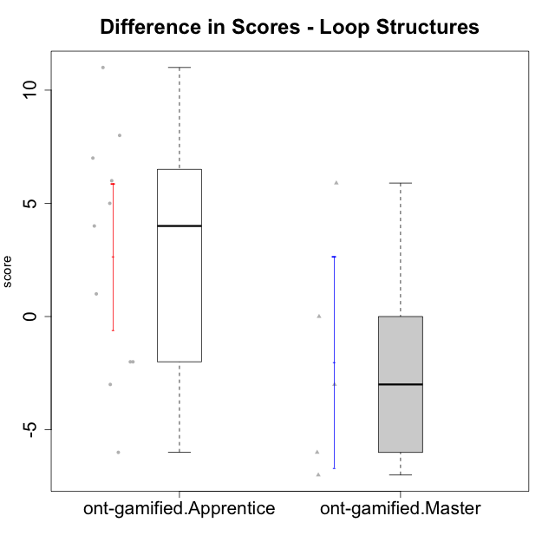

Student's t-Test data
UserID | Type | CLGroup | CLRole | PlayerRole | difScore
10119 | ont-gamified | Grupo Zeus | Master | Yee Achiever | 0
10120 | ont-gamified | Grupo Hélio | Master | Yee Socializer | -6
10121 | ont-gamified | Grupo Hades | Master | Yee Achiever | -3
10126 | ont-gamified | Grupo Hélio | Apprentice | Yee Socializer | -3
10127 | ont-gamified | Grupo Hades | Apprentice | Yee Achiever | -2
10128 | ont-gamified | Grupo Morfeu | Apprentice | Yee Achiever | 1
10131 | ont-gamified | Grupo Zeus | Apprentice | Yee Achiever | 4
10133 | ont-gamified | Grupo Hades | Apprentice | Yee Achiever | -2
10134 | ont-gamified | Grupo Apolo | Apprentice | Yee Socializer | 5
10137 | ont-gamified | Grupo Morfeu | Apprentice | Yee Achiever | 7
10138 | ont-gamified | Grupo Hélio | Apprentice | Yee Socializer | 8
10139 | ont-gamified | Grupo Zeus | Apprentice | Yee Achiever | 6
10141 | ont-gamified | Grupo Apolo | Master | Yee Socializer | 5.8956
10143 | ont-gamified | Grupo Apolo | Apprentice | Yee Socializer | -6
10148 | ont-gamified | Grupo Apolo | Apprentice | Yee Socializer | 11
10152 | ont-gamified | Grupo Morfeu | Master | Yee Achiever | -7

