Type_1
Wilcoxon Analysis for Effort/Importance by Type in Type between non-gamified:ont-gamified

Wilcoxon test results
Alternative hypothesis: less
Group | N | Median | Mean.Ranks | Sum.Ranks | U | Z | p.value | r | magnitude
non-gamified | 7 | 5.3333333333 | 12.214285714 | 85.5 | 57.5 | 0.64318310914 | 0.74516683867 | 0.14035406111 | small
ont-gamified | 14 | 5 | 10.392857143 | 145.5 | 57.5 | 0.64318310914 | 0.74516683867 | 0.14035406111 | small
Alternative hypothesis: greater
Group | N | Median | Mean.Ranks | Sum.Ranks | U | Z | p.value | r | magnitude
non-gamified | 7 | 5.3333333333 | 12.214285714 | 85.5 | 57.5 | 0.64318310914 | 0.27727898177 | 0.14035406111 | small
ont-gamified | 14 | 5 | 10.392857143 | 145.5 | 57.5 | 0.64318310914 | 0.27727898177 | 0.14035406111 | small
Alternative hypothesis: two.sided
Group | N | Median | Mean.Ranks | Sum.Ranks | U | Z | p.value | r | magnitude
non-gamified | 7 | 5.3333333333 | 12.214285714 | 85.5 | 57.5 | 0.64318310914 | 0.55188338493 | 0.14035406111 | small
ont-gamified | 14 | 5 | 10.392857143 | 145.5 | 57.5 | 0.64318310914 | 0.55188338493 | 0.14035406111 | small

Box plots for wilcoxon tests
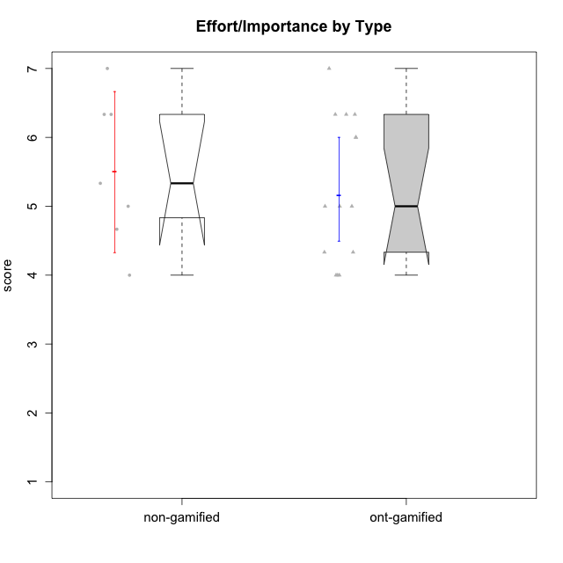

Wilcoxon data
UserID | Type | CLGroup | CLRole | PlayerRole | Item22IE | Item09IE | Item12IE | Item24IE | Item21IE | Item01IE | Item17PC | Item15PC | Item06PC | Item02PC | Item08PC | Item16PT | Item14PT | Item18PT | Item11PT | Item13EI | Item03EI | Item07EI | Interest/Enjoyment | Perceived Choice | Pressure/Tension | Effort/Importance | Intrinsic Motivation
10116 | non-gamified | GroupC | Master |  | 4 | 4 | 2 | 6 | 4 | 3 | 4 | 5 | 6 | 7 | 4 | 4 | 2 | 2 | 2 | 4 | 4 | 4 | 3.8333333333 | 2.8 | 3.5 | 4 | 3.7833333333
10120 | ont-gamified | Grupo Hélio | Master | Yee Socializer | 6 | 6 | 5 | 5 | 6 | 7 | 1 | 1 | 2 | 3 | 1 | 1 | 2 | 1 | 6 | 3 | 7 | 1 | 5.8333333333 | 6.4 | 1.5 | 6.3333333333 | 6.2666666667
10121 | ont-gamified | Grupo Hades | Master | Yee Achiever | 5 | 6 | 6 | 4 | 5 | 1 | 3 | 4 | 2 | 2 | 2 | 5 | 3 | 2 | 3 | 3 | 5 | 3 | 4.5 | 5.4 | 3.75 | 5 | 4.7875
10122 | non-gamified | GroupB | Apprentice |  | 1 | 1 | 2 | 1 | 1 | 2 | 1 | 1 | 2 | 3 | 2 | 1 | 1 | 1 | 2 | 2 | 3 | 2 | 1.3333333333 | 6.2 | 2.25 | 5 | 4.5708333333
10123 | ont-gamified | Grupo Morfeu | Apprentice | Yee Achiever | 3 | 2 | 3 | 3 | 3 | 2 | 3 | 3 | 2 | 5 | 3 | 2 | 4 | 4 | 4 | 3 | 3 | 3 | 2.6666666667 | 4.8 | 3.5 | 4.3333333333 | 4.075
10126 | ont-gamified | Grupo Hélio | Apprentice | Yee Socializer | 5 | 6 | 6 | 4 | 6 | 5 | 2 | 2 | 2 | 2 | 1 | 1 | 2 | 1 | 3 | 1 | 5 | 5 | 5.3333333333 | 6.2 | 2.25 | 5 | 5.5708333333
10129 | non-gamified | GroupB | Apprentice |  | 1 | 2 | 1 | 1 | 3 | 1 | 4 | 5 | 4 | 7 | 4 | 5 | 5 | 5 | 1 | 5 | 7 | 2 | 1.5 | 3.2 | 5.5 | 5.3333333333 | 3.1333333333
10130 | non-gamified | GroupC | Apprentice |  | 5 | 5 | 4 | 5 | 5 | 4 | 4 | 4 | 5 | 3 | 5 | 5 | 4 | 5 | 2 | 1 | 6 | 2 | 4.6666666667 | 3.8 | 5 | 6.3333333333 | 4.45
10131 | ont-gamified | Grupo Zeus | Apprentice | Yee Achiever | 7 | 5 | 7 | 7 | 7 | 4 | 6 | 7 | 7 | 5 | 2 | 2 | 1 | 2 | 6 | 3 | 6 | 1 | 6.1666666667 | 2.6 | 1.75 | 6 | 5.2541666667
10134 | ont-gamified | Grupo Apolo | Apprentice | Yee Socializer | 2 | 2 | 2 | 2 | 2 | 2 | 5 | 5 | 3 | 6 | 6 | 3 | 3 | 3 | 2 | 4 | 4 | 4 | 2 | 3 | 3.75 | 4 | 3.3125
10135 | non-gamified | GroupB | Apprentice |  | 5 | 5 | 5 | 2 | 5 | 5 | 2 | 2 | 1 | 4 | 6 | 4 | 4 | 4 | 5 | 2 | 5 | 5 | 4.5 | 5 | 3.75 | 4.6666666667 | 4.6041666667
10137 | ont-gamified | Grupo Morfeu | Apprentice | Yee Achiever | 5 | 5 | 6 | 6 | 6 | 5 | 1 | 4 | 1 | 1 | 1 | 1 | 1 | 1 | 7 | 1 | 5 | 1 | 5.5 | 6.4 | 1 | 6.3333333333 | 6.3083333333
10138 | ont-gamified | Grupo Hélio | Apprentice | Yee Socializer | 4 | 6 | 6 | 4 | 5 | 3 | 4 | 5 | 6 | 4 | 3 | 4 | 4 | 2 | 3 | 1 | 7 | 1 | 4.6666666667 | 3.6 | 3.75 | 7 | 4.8791666667
10139 | ont-gamified | Grupo Zeus | Apprentice | Yee Achiever | 3 | 6 | 3 | 4 | 5 | 1 | 1 | 7 | 4 | 4 | 1 | 3 | 4 | 1 | 7 | 4 | 5 | 5 | 3.6666666667 | 4.6 | 2.25 | 4 | 4.5041666667
10141 | ont-gamified | Grupo Apolo | Master | Yee Socializer | 5 | 5 | 3 | 4 | 5 | 2 | 4 | 4 | 6 | 4 | 4 | 3 | 4 | 1 | 4 | 5 | 5 | 3 | 4 | 3.6 | 3 | 4.3333333333 | 4.2333333333
10142 | ont-gamified | Grupo Hades | Apprentice | Yee Achiever | 4 | 6 | 4 | 6 | 4 | 4 | 4 | 4 | 3 | 6 | 4 | 4 | 1 | 1 | 7 | 2 | 4 | 3 | 4.6666666667 | 3.8 | 1.75 | 5 | 4.9291666667
10143 | ont-gamified | Grupo Apolo | Apprentice | Yee Socializer | 4 | 4 | 4 | 4 | 5 | 4 | 2 | 4 | 3 | 4 | 2 | 3 | 2 | 2 | 3 | 2 | 6 | 2 | 4.1666666667 | 5 | 3 | 6 | 5.0416666667
10145 | non-gamified | GroupB | Master |  | 2 | 4 | 4 | 4 | 3 | 1 | 4 | 7 | 4 | 7 | 4 | 4 | 4 | 4 | 4 | 1 | 7 | 1 | 3 | 2.8 | 4 | 7 | 4.2
10146 | non-gamified | GroupA | Apprentice |  | 5 | 5 | 5 | 5 | 5 | 5 | 3 | 4 | 3 | 3 | 2 | 3 | 3 | 3 | 7 | 1 | 6 | 2 | 5 | 5 | 2.5 | 6.3333333333 | 5.4583333333
10148 | ont-gamified | Grupo Apolo | Apprentice | Yee Socializer | 5 | 4 | 4 | 3 | 6 | 4 | 3 | 4 | 1 | 3 | 1 | 5 | 2 | 5 | 2 | 2 | 6 | 1 | 4.3333333333 | 5.6 | 4.5 | 6.3333333333 | 4.9416666667
10152 | ont-gamified | Grupo Morfeu | Master | Yee Achiever | 7 | 7 | 7 | 7 | 7 | 7 | 2 | 2 | 4 | 3 | 1 | 2 | 3 | 2 | 4 | 5 | 7 | 6 | 7 | 5.6 | 2.75 | 4 | 5.4625

Type_CLRole_1
Wilcoxon Analysis for Effort/Importance by Type in Type:CLRole between non-gamified.Apprentice:non-gamified.Master

Wilcoxon test results
Alternative hypothesis: less
Group | N | Median | Mean.Ranks | Sum.Ranks | U | Z | p.value | r | magnitude
non-gamified.Apprentice | 5 | 5.3333333333 | 4 | 20 | 5 | 0 | 0.52380952381 | 0 | none
non-gamified.Master | 2 | 5.5 | 4 | 8 | 5 | 0 | 0.52380952381 | 0 | none
Alternative hypothesis: greater
Group | N | Median | Mean.Ranks | Sum.Ranks | U | Z | p.value | r | magnitude
non-gamified.Apprentice | 5 | 5.3333333333 | 4 | 20 | 5 | 0 | 0.52380952381 | 0 | none
non-gamified.Master | 2 | 5.5 | 4 | 8 | 5 | 0 | 0.52380952381 | 0 | none
Alternative hypothesis: two.sided
Group | N | Median | Mean.Ranks | Sum.Ranks | U | Z | p.value | r | magnitude
non-gamified.Apprentice | 5 | 5.3333333333 | 4 | 20 | 5 | 0 | 1 | 0 | none
non-gamified.Master | 2 | 5.5 | 4 | 8 | 5 | 0 | 1 | 0 | none

Box plots for wilcoxon tests
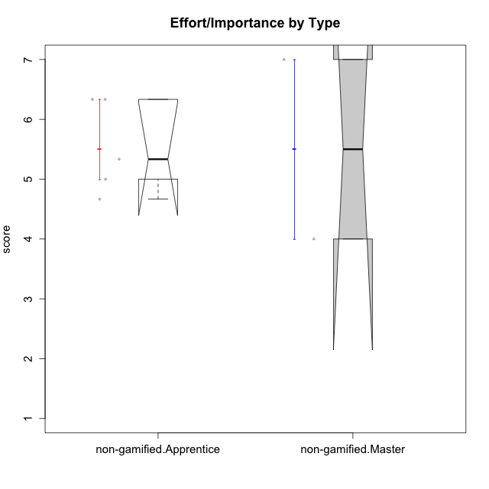

Wilcoxon data
UserID | Type | CLGroup | CLRole | PlayerRole | Item22IE | Item09IE | Item12IE | Item24IE | Item21IE | Item01IE | Item17PC | Item15PC | Item06PC | Item02PC | Item08PC | Item16PT | Item14PT | Item18PT | Item11PT | Item13EI | Item03EI | Item07EI | Interest/Enjoyment | Perceived Choice | Pressure/Tension | Effort/Importance | Intrinsic Motivation
10116 | non-gamified | GroupC | Master |  | 4 | 4 | 2 | 6 | 4 | 3 | 4 | 5 | 6 | 7 | 4 | 4 | 2 | 2 | 2 | 4 | 4 | 4 | 3.8333333333 | 2.8 | 3.5 | 4 | 3.7833333333
10122 | non-gamified | GroupB | Apprentice |  | 1 | 1 | 2 | 1 | 1 | 2 | 1 | 1 | 2 | 3 | 2 | 1 | 1 | 1 | 2 | 2 | 3 | 2 | 1.3333333333 | 6.2 | 2.25 | 5 | 4.5708333333
10129 | non-gamified | GroupB | Apprentice |  | 1 | 2 | 1 | 1 | 3 | 1 | 4 | 5 | 4 | 7 | 4 | 5 | 5 | 5 | 1 | 5 | 7 | 2 | 1.5 | 3.2 | 5.5 | 5.3333333333 | 3.1333333333
10130 | non-gamified | GroupC | Apprentice |  | 5 | 5 | 4 | 5 | 5 | 4 | 4 | 4 | 5 | 3 | 5 | 5 | 4 | 5 | 2 | 1 | 6 | 2 | 4.6666666667 | 3.8 | 5 | 6.3333333333 | 4.45
10135 | non-gamified | GroupB | Apprentice |  | 5 | 5 | 5 | 2 | 5 | 5 | 2 | 2 | 1 | 4 | 6 | 4 | 4 | 4 | 5 | 2 | 5 | 5 | 4.5 | 5 | 3.75 | 4.6666666667 | 4.6041666667
10145 | non-gamified | GroupB | Master |  | 2 | 4 | 4 | 4 | 3 | 1 | 4 | 7 | 4 | 7 | 4 | 4 | 4 | 4 | 4 | 1 | 7 | 1 | 3 | 2.8 | 4 | 7 | 4.2
10146 | non-gamified | GroupA | Apprentice |  | 5 | 5 | 5 | 5 | 5 | 5 | 3 | 4 | 3 | 3 | 2 | 3 | 3 | 3 | 7 | 1 | 6 | 2 | 5 | 5 | 2.5 | 6.3333333333 | 5.4583333333

Type_CLRole_2
Wilcoxon Analysis for Effort/Importance by Type in Type:CLRole between non-gamified.Apprentice:ont-gamified.Apprentice

Wilcoxon test results
Alternative hypothesis: less
Group | N | Median | Mean.Ranks | Sum.Ranks | U | Z | p.value | r | magnitude
non-gamified.Apprentice | 5 | 5.3333333333 | 8.6 | 43 | 28 | 0.37278759131 | 0.65101565102 | 0.096253342188 | none
ont-gamified.Apprentice | 10 | 5.5 | 7.7 | 77 | 28 | 0.37278759131 | 0.65101565102 | 0.096253342188 | none
Alternative hypothesis: greater
Group | N | Median | Mean.Ranks | Sum.Ranks | U | Z | p.value | r | magnitude
non-gamified.Apprentice | 5 | 5.3333333333 | 8.6 | 43 | 28 | 0.37278759131 | 0.37062937063 | 0.096253342188 | none
ont-gamified.Apprentice | 10 | 5.5 | 7.7 | 77 | 28 | 0.37278759131 | 0.37062937063 | 0.096253342188 | none
Alternative hypothesis: two.sided
Group | N | Median | Mean.Ranks | Sum.Ranks | U | Z | p.value | r | magnitude
non-gamified.Apprentice | 5 | 5.3333333333 | 8.6 | 43 | 28 | 0.37278759131 | 0.73593073593 | 0.096253342188 | none
ont-gamified.Apprentice | 10 | 5.5 | 7.7 | 77 | 28 | 0.37278759131 | 0.73593073593 | 0.096253342188 | none

Box plots for wilcoxon tests
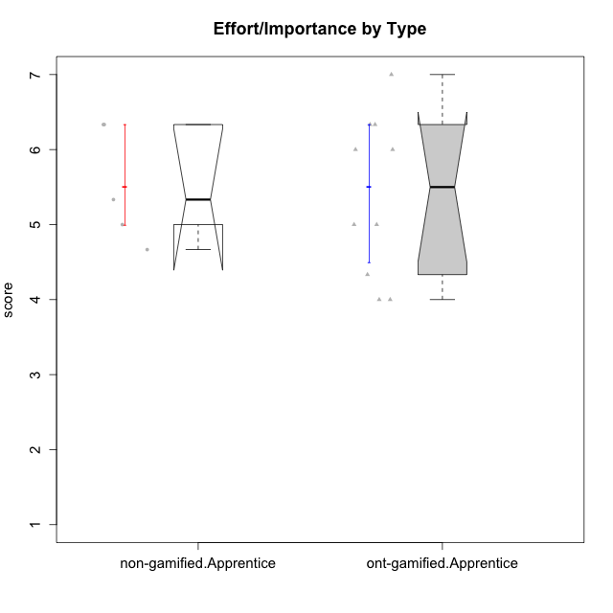

Wilcoxon data
UserID | Type | CLGroup | CLRole | PlayerRole | Item22IE | Item09IE | Item12IE | Item24IE | Item21IE | Item01IE | Item17PC | Item15PC | Item06PC | Item02PC | Item08PC | Item16PT | Item14PT | Item18PT | Item11PT | Item13EI | Item03EI | Item07EI | Interest/Enjoyment | Perceived Choice | Pressure/Tension | Effort/Importance | Intrinsic Motivation
10122 | non-gamified | GroupB | Apprentice |  | 1 | 1 | 2 | 1 | 1 | 2 | 1 | 1 | 2 | 3 | 2 | 1 | 1 | 1 | 2 | 2 | 3 | 2 | 1.3333333333 | 6.2 | 2.25 | 5 | 4.5708333333
10123 | ont-gamified | Grupo Morfeu | Apprentice | Yee Achiever | 3 | 2 | 3 | 3 | 3 | 2 | 3 | 3 | 2 | 5 | 3 | 2 | 4 | 4 | 4 | 3 | 3 | 3 | 2.6666666667 | 4.8 | 3.5 | 4.3333333333 | 4.075
10126 | ont-gamified | Grupo Hélio | Apprentice | Yee Socializer | 5 | 6 | 6 | 4 | 6 | 5 | 2 | 2 | 2 | 2 | 1 | 1 | 2 | 1 | 3 | 1 | 5 | 5 | 5.3333333333 | 6.2 | 2.25 | 5 | 5.5708333333
10129 | non-gamified | GroupB | Apprentice |  | 1 | 2 | 1 | 1 | 3 | 1 | 4 | 5 | 4 | 7 | 4 | 5 | 5 | 5 | 1 | 5 | 7 | 2 | 1.5 | 3.2 | 5.5 | 5.3333333333 | 3.1333333333
10130 | non-gamified | GroupC | Apprentice |  | 5 | 5 | 4 | 5 | 5 | 4 | 4 | 4 | 5 | 3 | 5 | 5 | 4 | 5 | 2 | 1 | 6 | 2 | 4.6666666667 | 3.8 | 5 | 6.3333333333 | 4.45
10131 | ont-gamified | Grupo Zeus | Apprentice | Yee Achiever | 7 | 5 | 7 | 7 | 7 | 4 | 6 | 7 | 7 | 5 | 2 | 2 | 1 | 2 | 6 | 3 | 6 | 1 | 6.1666666667 | 2.6 | 1.75 | 6 | 5.2541666667
10134 | ont-gamified | Grupo Apolo | Apprentice | Yee Socializer | 2 | 2 | 2 | 2 | 2 | 2 | 5 | 5 | 3 | 6 | 6 | 3 | 3 | 3 | 2 | 4 | 4 | 4 | 2 | 3 | 3.75 | 4 | 3.3125
10135 | non-gamified | GroupB | Apprentice |  | 5 | 5 | 5 | 2 | 5 | 5 | 2 | 2 | 1 | 4 | 6 | 4 | 4 | 4 | 5 | 2 | 5 | 5 | 4.5 | 5 | 3.75 | 4.6666666667 | 4.6041666667
10137 | ont-gamified | Grupo Morfeu | Apprentice | Yee Achiever | 5 | 5 | 6 | 6 | 6 | 5 | 1 | 4 | 1 | 1 | 1 | 1 | 1 | 1 | 7 | 1 | 5 | 1 | 5.5 | 6.4 | 1 | 6.3333333333 | 6.3083333333
10138 | ont-gamified | Grupo Hélio | Apprentice | Yee Socializer | 4 | 6 | 6 | 4 | 5 | 3 | 4 | 5 | 6 | 4 | 3 | 4 | 4 | 2 | 3 | 1 | 7 | 1 | 4.6666666667 | 3.6 | 3.75 | 7 | 4.8791666667
10139 | ont-gamified | Grupo Zeus | Apprentice | Yee Achiever | 3 | 6 | 3 | 4 | 5 | 1 | 1 | 7 | 4 | 4 | 1 | 3 | 4 | 1 | 7 | 4 | 5 | 5 | 3.6666666667 | 4.6 | 2.25 | 4 | 4.5041666667
10142 | ont-gamified | Grupo Hades | Apprentice | Yee Achiever | 4 | 6 | 4 | 6 | 4 | 4 | 4 | 4 | 3 | 6 | 4 | 4 | 1 | 1 | 7 | 2 | 4 | 3 | 4.6666666667 | 3.8 | 1.75 | 5 | 4.9291666667
10143 | ont-gamified | Grupo Apolo | Apprentice | Yee Socializer | 4 | 4 | 4 | 4 | 5 | 4 | 2 | 4 | 3 | 4 | 2 | 3 | 2 | 2 | 3 | 2 | 6 | 2 | 4.1666666667 | 5 | 3 | 6 | 5.0416666667
10146 | non-gamified | GroupA | Apprentice |  | 5 | 5 | 5 | 5 | 5 | 5 | 3 | 4 | 3 | 3 | 2 | 3 | 3 | 3 | 7 | 1 | 6 | 2 | 5 | 5 | 2.5 | 6.3333333333 | 5.4583333333
10148 | ont-gamified | Grupo Apolo | Apprentice | Yee Socializer | 5 | 4 | 4 | 3 | 6 | 4 | 3 | 4 | 1 | 3 | 1 | 5 | 2 | 5 | 2 | 2 | 6 | 1 | 4.3333333333 | 5.6 | 4.5 | 6.3333333333 | 4.9416666667

Type_CLRole_3
Wilcoxon Analysis for Effort/Importance by Type in Type:CLRole between non-gamified.Apprentice:ont-gamified.Master

Wilcoxon test results
Alternative hypothesis: less
Group | N | Median | Mean.Ranks | Sum.Ranks | U | Z | p.value | r | magnitude
non-gamified.Apprentice | 5 | 5.3333333333 | 5.9 | 29.5 | 14.5 | 1.1259778359 | 0.89682539683 | 0.3753259453 | medium
ont-gamified.Master | 4 | 4.6666666667 | 3.875 | 15.5 | 14.5 | 1.1259778359 | 0.89682539683 | 0.3753259453 | medium
Alternative hypothesis: greater
Group | N | Median | Mean.Ranks | Sum.Ranks | U | Z | p.value | r | magnitude
non-gamified.Apprentice | 5 | 5.3333333333 | 5.9 | 29.5 | 14.5 | 1.1259778359 | 0.16666666667 | 0.3753259453 | medium
ont-gamified.Master | 4 | 4.6666666667 | 3.875 | 15.5 | 14.5 | 1.1259778359 | 0.16666666667 | 0.3753259453 | medium
Alternative hypothesis: two.sided
Group | N | Median | Mean.Ranks | Sum.Ranks | U | Z | p.value | r | magnitude
non-gamified.Apprentice | 5 | 5.3333333333 | 5.9 | 29.5 | 14.5 | 1.1259778359 | 0.30952380952 | 0.3753259453 | medium
ont-gamified.Master | 4 | 4.6666666667 | 3.875 | 15.5 | 14.5 | 1.1259778359 | 0.30952380952 | 0.3753259453 | medium

Box plots for wilcoxon tests
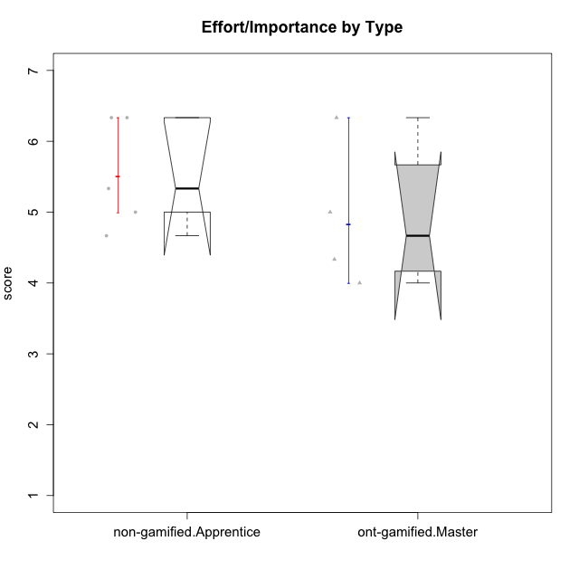

Wilcoxon data
UserID | Type | CLGroup | CLRole | PlayerRole | Item22IE | Item09IE | Item12IE | Item24IE | Item21IE | Item01IE | Item17PC | Item15PC | Item06PC | Item02PC | Item08PC | Item16PT | Item14PT | Item18PT | Item11PT | Item13EI | Item03EI | Item07EI | Interest/Enjoyment | Perceived Choice | Pressure/Tension | Effort/Importance | Intrinsic Motivation
10120 | ont-gamified | Grupo Hélio | Master | Yee Socializer | 6 | 6 | 5 | 5 | 6 | 7 | 1 | 1 | 2 | 3 | 1 | 1 | 2 | 1 | 6 | 3 | 7 | 1 | 5.8333333333 | 6.4 | 1.5 | 6.3333333333 | 6.2666666667
10121 | ont-gamified | Grupo Hades | Master | Yee Achiever | 5 | 6 | 6 | 4 | 5 | 1 | 3 | 4 | 2 | 2 | 2 | 5 | 3 | 2 | 3 | 3 | 5 | 3 | 4.5 | 5.4 | 3.75 | 5 | 4.7875
10122 | non-gamified | GroupB | Apprentice |  | 1 | 1 | 2 | 1 | 1 | 2 | 1 | 1 | 2 | 3 | 2 | 1 | 1 | 1 | 2 | 2 | 3 | 2 | 1.3333333333 | 6.2 | 2.25 | 5 | 4.5708333333
10129 | non-gamified | GroupB | Apprentice |  | 1 | 2 | 1 | 1 | 3 | 1 | 4 | 5 | 4 | 7 | 4 | 5 | 5 | 5 | 1 | 5 | 7 | 2 | 1.5 | 3.2 | 5.5 | 5.3333333333 | 3.1333333333
10130 | non-gamified | GroupC | Apprentice |  | 5 | 5 | 4 | 5 | 5 | 4 | 4 | 4 | 5 | 3 | 5 | 5 | 4 | 5 | 2 | 1 | 6 | 2 | 4.6666666667 | 3.8 | 5 | 6.3333333333 | 4.45
10135 | non-gamified | GroupB | Apprentice |  | 5 | 5 | 5 | 2 | 5 | 5 | 2 | 2 | 1 | 4 | 6 | 4 | 4 | 4 | 5 | 2 | 5 | 5 | 4.5 | 5 | 3.75 | 4.6666666667 | 4.6041666667
10141 | ont-gamified | Grupo Apolo | Master | Yee Socializer | 5 | 5 | 3 | 4 | 5 | 2 | 4 | 4 | 6 | 4 | 4 | 3 | 4 | 1 | 4 | 5 | 5 | 3 | 4 | 3.6 | 3 | 4.3333333333 | 4.2333333333
10146 | non-gamified | GroupA | Apprentice |  | 5 | 5 | 5 | 5 | 5 | 5 | 3 | 4 | 3 | 3 | 2 | 3 | 3 | 3 | 7 | 1 | 6 | 2 | 5 | 5 | 2.5 | 6.3333333333 | 5.4583333333
10152 | ont-gamified | Grupo Morfeu | Master | Yee Achiever | 7 | 7 | 7 | 7 | 7 | 7 | 2 | 2 | 4 | 3 | 1 | 2 | 3 | 2 | 4 | 5 | 7 | 6 | 7 | 5.6 | 2.75 | 4 | 5.4625

Type_CLRole_4
Wilcoxon Analysis for Effort/Importance by Type in Type:CLRole between non-gamified.Master:ont-gamified.Apprentice

Wilcoxon test results
Alternative hypothesis: less
Group | N | Median | Mean.Ranks | Sum.Ranks | U | Z | p.value | r | magnitude
non-gamified.Master | 2 | 5.5 | 6.75 | 13.5 | 10.5 | 0.10895184072 | 0.62121212121 | 0.031451687285 | none
ont-gamified.Apprentice | 10 | 5.5 | 6.45 | 64.5 | 10.5 | 0.10895184072 | 0.62121212121 | 0.031451687285 | none
Alternative hypothesis: greater
Group | N | Median | Mean.Ranks | Sum.Ranks | U | Z | p.value | r | magnitude
non-gamified.Master | 2 | 5.5 | 6.75 | 13.5 | 10.5 | 0.10895184072 | 0.5 | 0.031451687285 | none
ont-gamified.Apprentice | 10 | 5.5 | 6.45 | 64.5 | 10.5 | 0.10895184072 | 0.5 | 0.031451687285 | none
Alternative hypothesis: two.sided
Group | N | Median | Mean.Ranks | Sum.Ranks | U | Z | p.value | r | magnitude
non-gamified.Master | 2 | 5.5 | 6.75 | 13.5 | 10.5 | 0.10895184072 | 0.93939393939 | 0.031451687285 | none
ont-gamified.Apprentice | 10 | 5.5 | 6.45 | 64.5 | 10.5 | 0.10895184072 | 0.93939393939 | 0.031451687285 | none

Box plots for wilcoxon tests
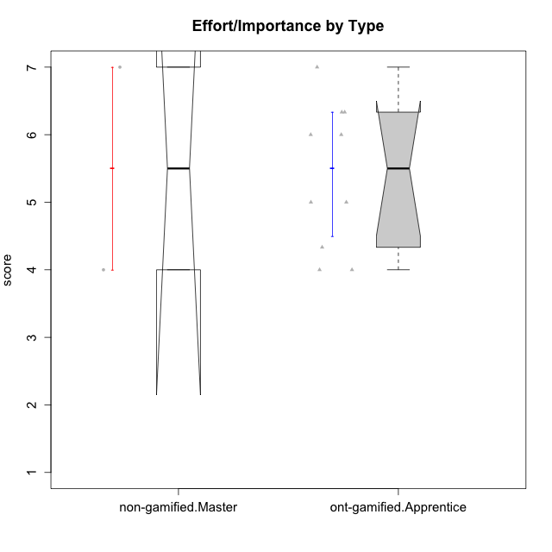

Wilcoxon data
UserID | Type | CLGroup | CLRole | PlayerRole | Item22IE | Item09IE | Item12IE | Item24IE | Item21IE | Item01IE | Item17PC | Item15PC | Item06PC | Item02PC | Item08PC | Item16PT | Item14PT | Item18PT | Item11PT | Item13EI | Item03EI | Item07EI | Interest/Enjoyment | Perceived Choice | Pressure/Tension | Effort/Importance | Intrinsic Motivation
10116 | non-gamified | GroupC | Master |  | 4 | 4 | 2 | 6 | 4 | 3 | 4 | 5 | 6 | 7 | 4 | 4 | 2 | 2 | 2 | 4 | 4 | 4 | 3.8333333333 | 2.8 | 3.5 | 4 | 3.7833333333
10123 | ont-gamified | Grupo Morfeu | Apprentice | Yee Achiever | 3 | 2 | 3 | 3 | 3 | 2 | 3 | 3 | 2 | 5 | 3 | 2 | 4 | 4 | 4 | 3 | 3 | 3 | 2.6666666667 | 4.8 | 3.5 | 4.3333333333 | 4.075
10126 | ont-gamified | Grupo Hélio | Apprentice | Yee Socializer | 5 | 6 | 6 | 4 | 6 | 5 | 2 | 2 | 2 | 2 | 1 | 1 | 2 | 1 | 3 | 1 | 5 | 5 | 5.3333333333 | 6.2 | 2.25 | 5 | 5.5708333333
10131 | ont-gamified | Grupo Zeus | Apprentice | Yee Achiever | 7 | 5 | 7 | 7 | 7 | 4 | 6 | 7 | 7 | 5 | 2 | 2 | 1 | 2 | 6 | 3 | 6 | 1 | 6.1666666667 | 2.6 | 1.75 | 6 | 5.2541666667
10134 | ont-gamified | Grupo Apolo | Apprentice | Yee Socializer | 2 | 2 | 2 | 2 | 2 | 2 | 5 | 5 | 3 | 6 | 6 | 3 | 3 | 3 | 2 | 4 | 4 | 4 | 2 | 3 | 3.75 | 4 | 3.3125
10137 | ont-gamified | Grupo Morfeu | Apprentice | Yee Achiever | 5 | 5 | 6 | 6 | 6 | 5 | 1 | 4 | 1 | 1 | 1 | 1 | 1 | 1 | 7 | 1 | 5 | 1 | 5.5 | 6.4 | 1 | 6.3333333333 | 6.3083333333
10138 | ont-gamified | Grupo Hélio | Apprentice | Yee Socializer | 4 | 6 | 6 | 4 | 5 | 3 | 4 | 5 | 6 | 4 | 3 | 4 | 4 | 2 | 3 | 1 | 7 | 1 | 4.6666666667 | 3.6 | 3.75 | 7 | 4.8791666667
10139 | ont-gamified | Grupo Zeus | Apprentice | Yee Achiever | 3 | 6 | 3 | 4 | 5 | 1 | 1 | 7 | 4 | 4 | 1 | 3 | 4 | 1 | 7 | 4 | 5 | 5 | 3.6666666667 | 4.6 | 2.25 | 4 | 4.5041666667
10142 | ont-gamified | Grupo Hades | Apprentice | Yee Achiever | 4 | 6 | 4 | 6 | 4 | 4 | 4 | 4 | 3 | 6 | 4 | 4 | 1 | 1 | 7 | 2 | 4 | 3 | 4.6666666667 | 3.8 | 1.75 | 5 | 4.9291666667
10143 | ont-gamified | Grupo Apolo | Apprentice | Yee Socializer | 4 | 4 | 4 | 4 | 5 | 4 | 2 | 4 | 3 | 4 | 2 | 3 | 2 | 2 | 3 | 2 | 6 | 2 | 4.1666666667 | 5 | 3 | 6 | 5.0416666667
10145 | non-gamified | GroupB | Master |  | 2 | 4 | 4 | 4 | 3 | 1 | 4 | 7 | 4 | 7 | 4 | 4 | 4 | 4 | 4 | 1 | 7 | 1 | 3 | 2.8 | 4 | 7 | 4.2
10148 | ont-gamified | Grupo Apolo | Apprentice | Yee Socializer | 5 | 4 | 4 | 3 | 6 | 4 | 3 | 4 | 1 | 3 | 1 | 5 | 2 | 5 | 2 | 2 | 6 | 1 | 4.3333333333 | 5.6 | 4.5 | 6.3333333333 | 4.9416666667

Type_CLRole_5
Wilcoxon Analysis for Effort/Importance by Type in Type:CLRole between non-gamified.Master:ont-gamified.Master

Wilcoxon test results
Alternative hypothesis: less
Group | N | Median | Mean.Ranks | Sum.Ranks | U | Z | p.value | r | magnitude
non-gamified.Master | 2 | 5.5 | 3.75 | 7.5 | 4.5 | 0.23483410916 | 0.66666666667 | 0.095870623606 | none
ont-gamified.Master | 4 | 4.6666666667 | 3.375 | 13.5 | 4.5 | 0.23483410916 | 0.66666666667 | 0.095870623606 | none
Alternative hypothesis: greater
Group | N | Median | Mean.Ranks | Sum.Ranks | U | Z | p.value | r | magnitude
non-gamified.Master | 2 | 5.5 | 3.75 | 7.5 | 4.5 | 0.23483410916 | 0.46666666667 | 0.095870623606 | none
ont-gamified.Master | 4 | 4.6666666667 | 3.375 | 13.5 | 4.5 | 0.23483410916 | 0.46666666667 | 0.095870623606 | none
Alternative hypothesis: two.sided
Group | N | Median | Mean.Ranks | Sum.Ranks | U | Z | p.value | r | magnitude
non-gamified.Master | 2 | 5.5 | 3.75 | 7.5 | 4.5 | 0.23483410916 | 0.93333333333 | 0.095870623606 | none
ont-gamified.Master | 4 | 4.6666666667 | 3.375 | 13.5 | 4.5 | 0.23483410916 | 0.93333333333 | 0.095870623606 | none

Box plots for wilcoxon tests
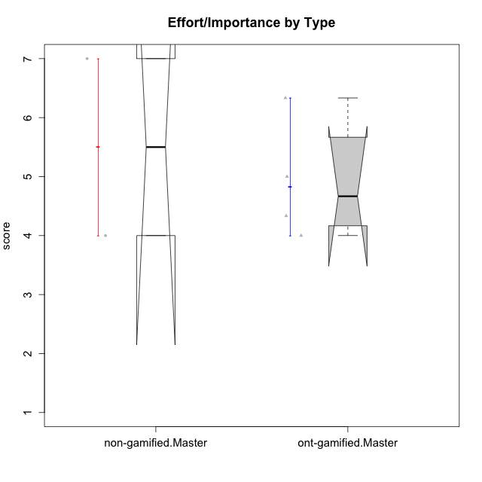

Wilcoxon data
UserID | Type | CLGroup | CLRole | PlayerRole | Item22IE | Item09IE | Item12IE | Item24IE | Item21IE | Item01IE | Item17PC | Item15PC | Item06PC | Item02PC | Item08PC | Item16PT | Item14PT | Item18PT | Item11PT | Item13EI | Item03EI | Item07EI | Interest/Enjoyment | Perceived Choice | Pressure/Tension | Effort/Importance | Intrinsic Motivation
10116 | non-gamified | GroupC | Master |  | 4 | 4 | 2 | 6 | 4 | 3 | 4 | 5 | 6 | 7 | 4 | 4 | 2 | 2 | 2 | 4 | 4 | 4 | 3.8333333333 | 2.8 | 3.5 | 4 | 3.7833333333
10120 | ont-gamified | Grupo Hélio | Master | Yee Socializer | 6 | 6 | 5 | 5 | 6 | 7 | 1 | 1 | 2 | 3 | 1 | 1 | 2 | 1 | 6 | 3 | 7 | 1 | 5.8333333333 | 6.4 | 1.5 | 6.3333333333 | 6.2666666667
10121 | ont-gamified | Grupo Hades | Master | Yee Achiever | 5 | 6 | 6 | 4 | 5 | 1 | 3 | 4 | 2 | 2 | 2 | 5 | 3 | 2 | 3 | 3 | 5 | 3 | 4.5 | 5.4 | 3.75 | 5 | 4.7875
10141 | ont-gamified | Grupo Apolo | Master | Yee Socializer | 5 | 5 | 3 | 4 | 5 | 2 | 4 | 4 | 6 | 4 | 4 | 3 | 4 | 1 | 4 | 5 | 5 | 3 | 4 | 3.6 | 3 | 4.3333333333 | 4.2333333333
10145 | non-gamified | GroupB | Master |  | 2 | 4 | 4 | 4 | 3 | 1 | 4 | 7 | 4 | 7 | 4 | 4 | 4 | 4 | 4 | 1 | 7 | 1 | 3 | 2.8 | 4 | 7 | 4.2
10152 | ont-gamified | Grupo Morfeu | Master | Yee Achiever | 7 | 7 | 7 | 7 | 7 | 7 | 2 | 2 | 4 | 3 | 1 | 2 | 3 | 2 | 4 | 5 | 7 | 6 | 7 | 5.6 | 2.75 | 4 | 5.4625

Type_CLRole_6
Wilcoxon Analysis for Effort/Importance by Type in Type:CLRole between ont-gamified.Apprentice:ont-gamified.Master

Wilcoxon test results
Alternative hypothesis: less
Group | N | Median | Mean.Ranks | Sum.Ranks | U | Z | p.value | r | magnitude
ont-gamified.Apprentice | 10 | 5.5 | 7.95 | 79.5 | 24.5 | 0.64641870553 | 0.77922077922 | 0.17276266603 | small
ont-gamified.Master | 4 | 4.6666666667 | 6.375 | 25.5 | 24.5 | 0.64641870553 | 0.77922077922 | 0.17276266603 | small
Alternative hypothesis: greater
Group | N | Median | Mean.Ranks | Sum.Ranks | U | Z | p.value | r | magnitude
ont-gamified.Apprentice | 10 | 5.5 | 7.95 | 79.5 | 24.5 | 0.64641870553 | 0.32467532468 | 0.17276266603 | small
ont-gamified.Master | 4 | 4.6666666667 | 6.375 | 25.5 | 24.5 | 0.64641870553 | 0.32467532468 | 0.17276266603 | small
Alternative hypothesis: two.sided
Group | N | Median | Mean.Ranks | Sum.Ranks | U | Z | p.value | r | magnitude
ont-gamified.Apprentice | 10 | 5.5 | 7.95 | 79.5 | 24.5 | 0.64641870553 | 0.61138861139 | 0.17276266603 | small
ont-gamified.Master | 4 | 4.6666666667 | 6.375 | 25.5 | 24.5 | 0.64641870553 | 0.61138861139 | 0.17276266603 | small

Box plots for wilcoxon tests
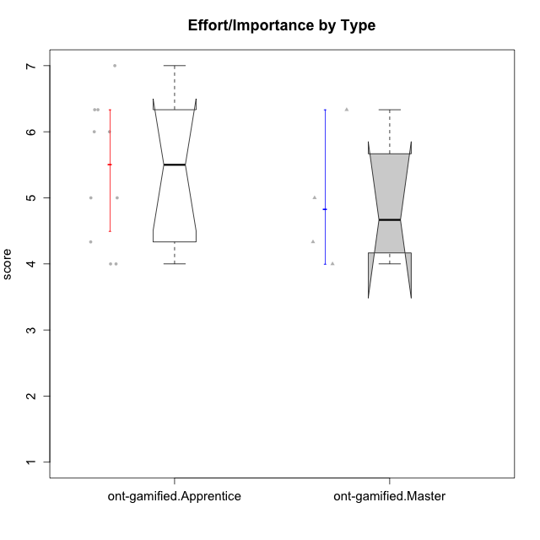

Wilcoxon data
UserID | Type | CLGroup | CLRole | PlayerRole | Item22IE | Item09IE | Item12IE | Item24IE | Item21IE | Item01IE | Item17PC | Item15PC | Item06PC | Item02PC | Item08PC | Item16PT | Item14PT | Item18PT | Item11PT | Item13EI | Item03EI | Item07EI | Interest/Enjoyment | Perceived Choice | Pressure/Tension | Effort/Importance | Intrinsic Motivation
10120 | ont-gamified | Grupo Hélio | Master | Yee Socializer | 6 | 6 | 5 | 5 | 6 | 7 | 1 | 1 | 2 | 3 | 1 | 1 | 2 | 1 | 6 | 3 | 7 | 1 | 5.8333333333 | 6.4 | 1.5 | 6.3333333333 | 6.2666666667
10121 | ont-gamified | Grupo Hades | Master | Yee Achiever | 5 | 6 | 6 | 4 | 5 | 1 | 3 | 4 | 2 | 2 | 2 | 5 | 3 | 2 | 3 | 3 | 5 | 3 | 4.5 | 5.4 | 3.75 | 5 | 4.7875
10123 | ont-gamified | Grupo Morfeu | Apprentice | Yee Achiever | 3 | 2 | 3 | 3 | 3 | 2 | 3 | 3 | 2 | 5 | 3 | 2 | 4 | 4 | 4 | 3 | 3 | 3 | 2.6666666667 | 4.8 | 3.5 | 4.3333333333 | 4.075
10126 | ont-gamified | Grupo Hélio | Apprentice | Yee Socializer | 5 | 6 | 6 | 4 | 6 | 5 | 2 | 2 | 2 | 2 | 1 | 1 | 2 | 1 | 3 | 1 | 5 | 5 | 5.3333333333 | 6.2 | 2.25 | 5 | 5.5708333333
10131 | ont-gamified | Grupo Zeus | Apprentice | Yee Achiever | 7 | 5 | 7 | 7 | 7 | 4 | 6 | 7 | 7 | 5 | 2 | 2 | 1 | 2 | 6 | 3 | 6 | 1 | 6.1666666667 | 2.6 | 1.75 | 6 | 5.2541666667
10134 | ont-gamified | Grupo Apolo | Apprentice | Yee Socializer | 2 | 2 | 2 | 2 | 2 | 2 | 5 | 5 | 3 | 6 | 6 | 3 | 3 | 3 | 2 | 4 | 4 | 4 | 2 | 3 | 3.75 | 4 | 3.3125
10137 | ont-gamified | Grupo Morfeu | Apprentice | Yee Achiever | 5 | 5 | 6 | 6 | 6 | 5 | 1 | 4 | 1 | 1 | 1 | 1 | 1 | 1 | 7 | 1 | 5 | 1 | 5.5 | 6.4 | 1 | 6.3333333333 | 6.3083333333
10138 | ont-gamified | Grupo Hélio | Apprentice | Yee Socializer | 4 | 6 | 6 | 4 | 5 | 3 | 4 | 5 | 6 | 4 | 3 | 4 | 4 | 2 | 3 | 1 | 7 | 1 | 4.6666666667 | 3.6 | 3.75 | 7 | 4.8791666667
10139 | ont-gamified | Grupo Zeus | Apprentice | Yee Achiever | 3 | 6 | 3 | 4 | 5 | 1 | 1 | 7 | 4 | 4 | 1 | 3 | 4 | 1 | 7 | 4 | 5 | 5 | 3.6666666667 | 4.6 | 2.25 | 4 | 4.5041666667
10141 | ont-gamified | Grupo Apolo | Master | Yee Socializer | 5 | 5 | 3 | 4 | 5 | 2 | 4 | 4 | 6 | 4 | 4 | 3 | 4 | 1 | 4 | 5 | 5 | 3 | 4 | 3.6 | 3 | 4.3333333333 | 4.2333333333
10142 | ont-gamified | Grupo Hades | Apprentice | Yee Achiever | 4 | 6 | 4 | 6 | 4 | 4 | 4 | 4 | 3 | 6 | 4 | 4 | 1 | 1 | 7 | 2 | 4 | 3 | 4.6666666667 | 3.8 | 1.75 | 5 | 4.9291666667
10143 | ont-gamified | Grupo Apolo | Apprentice | Yee Socializer | 4 | 4 | 4 | 4 | 5 | 4 | 2 | 4 | 3 | 4 | 2 | 3 | 2 | 2 | 3 | 2 | 6 | 2 | 4.1666666667 | 5 | 3 | 6 | 5.0416666667
10148 | ont-gamified | Grupo Apolo | Apprentice | Yee Socializer | 5 | 4 | 4 | 3 | 6 | 4 | 3 | 4 | 1 | 3 | 1 | 5 | 2 | 5 | 2 | 2 | 6 | 1 | 4.3333333333 | 5.6 | 4.5 | 6.3333333333 | 4.9416666667
10152 | ont-gamified | Grupo Morfeu | Master | Yee Achiever | 7 | 7 | 7 | 7 | 7 | 7 | 2 | 2 | 4 | 3 | 1 | 2 | 3 | 2 | 4 | 5 | 7 | 6 | 7 | 5.6 | 2.75 | 4 | 5.4625

