Assumptions
ANOVA assumptions for Effort/Importance by Type

Shapiro-Wilk normality test for Effort/Importance by Type
W | p.value
0.93671614899 | 0.18753632765

Plots for normality test
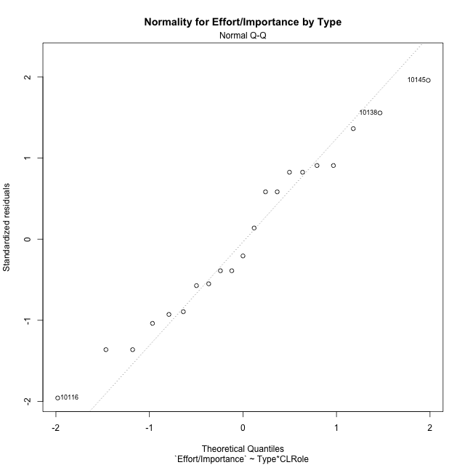

Levene's Test for Homogeneity of Variance in Effort/Importance by Type
Df | F value | Pr(>F)
3 | 2.1628622749 | 0.12996055571
17

Plots for homogeneity of variance
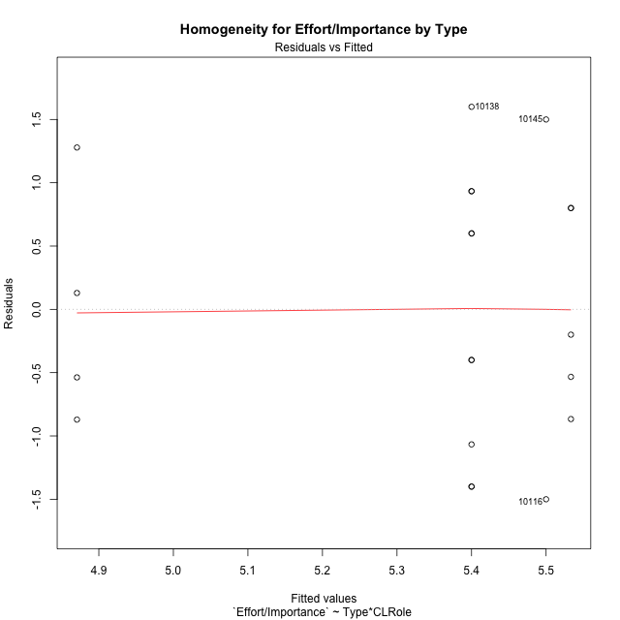

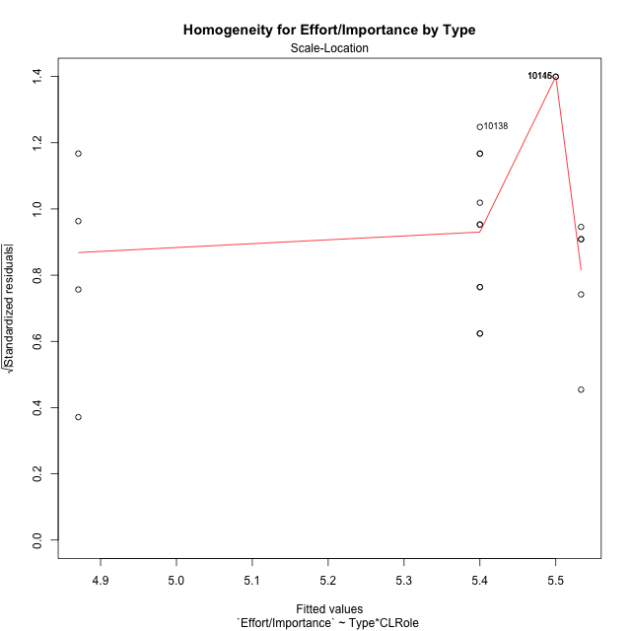

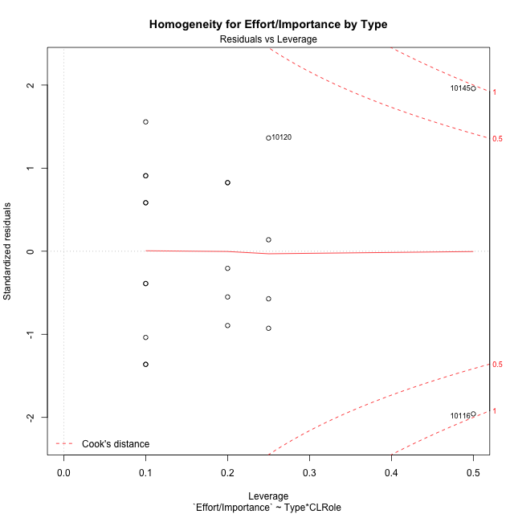

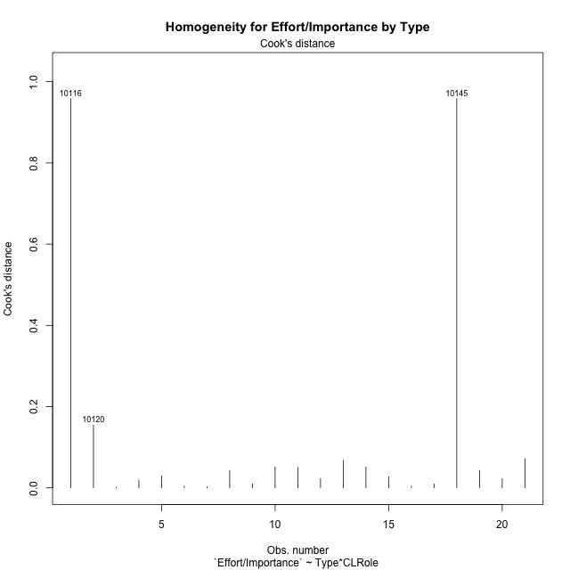

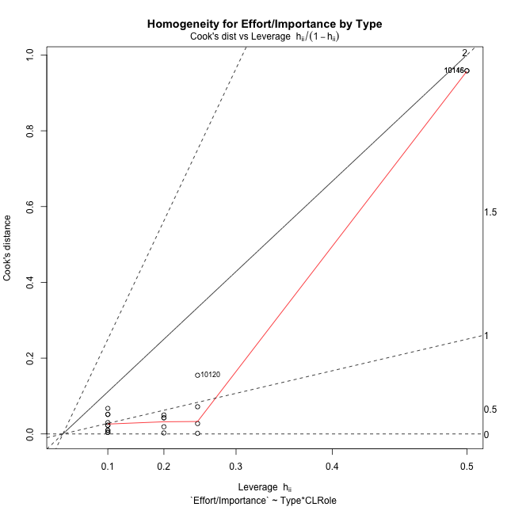

Minimum Sample Size Test for Effort/Importance by Type
Type | CLRole | Freq
non-gamified | Apprentice | 5
ont-gamified | Apprentice | 10
non-gamified | Master | 2
ont-gamified | Master | 4

Errors and Warnings in Sample Size Test for ANOVA in Effort/Importance by Type
code | description
WARN: sample.size | current size is 5 and recommended size is 15 for the group: 'non-gamified:Apprentice'.
WARN: sample.size | current size is 10 and recommended size is 15 for the group: 'ont-gamified:Apprentice'.
FAIL: min.size | current size is 2 but the minimal recomended size is 5 for the group: 'non-gamified:Master'.
FAIL: min.size | current size is 4 but the minimal recomended size is 5 for the group: 'ont-gamified:Master'.

For the group: 'non-gamified:Apprentice', we recommend the use of non-parametric test. For the group: 'ont-gamified:Apprentice', we recommend the use of non-parametric test. For the group: 'non-gamified:Master', we recommend the use of non-parametric test. For the group: 'ont-gamified:Master', we recommend the use of non-parametric test.

Post-hoc
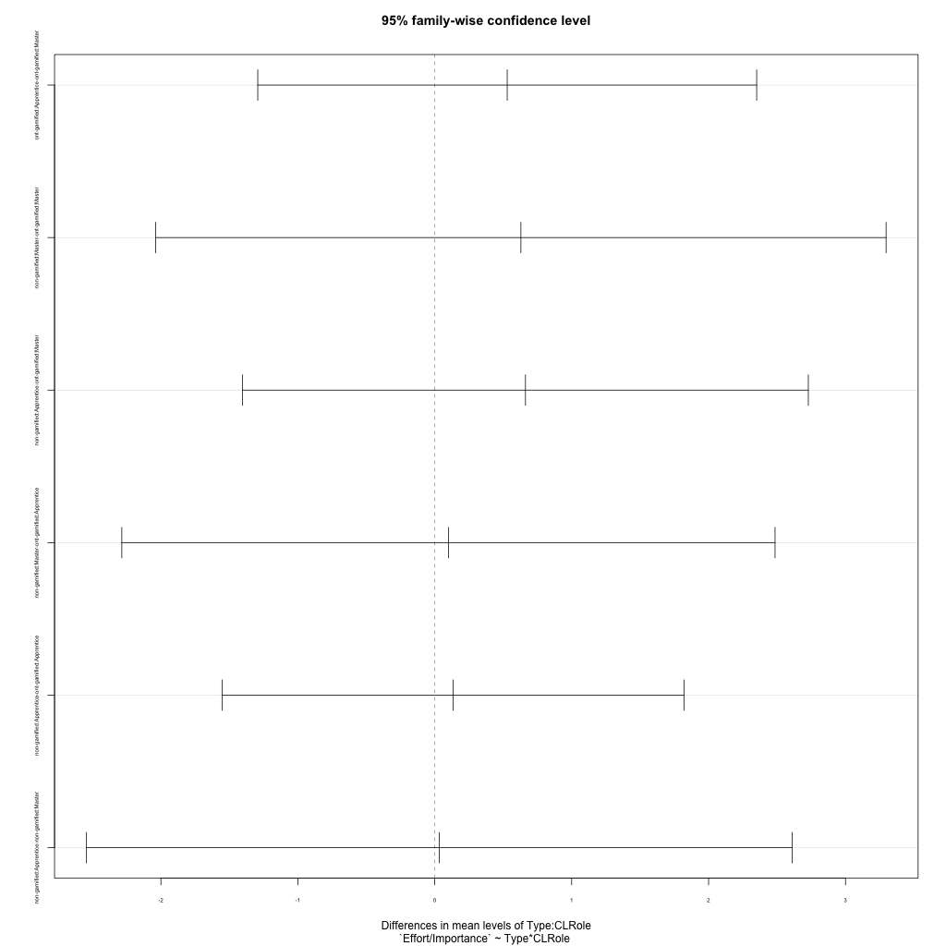
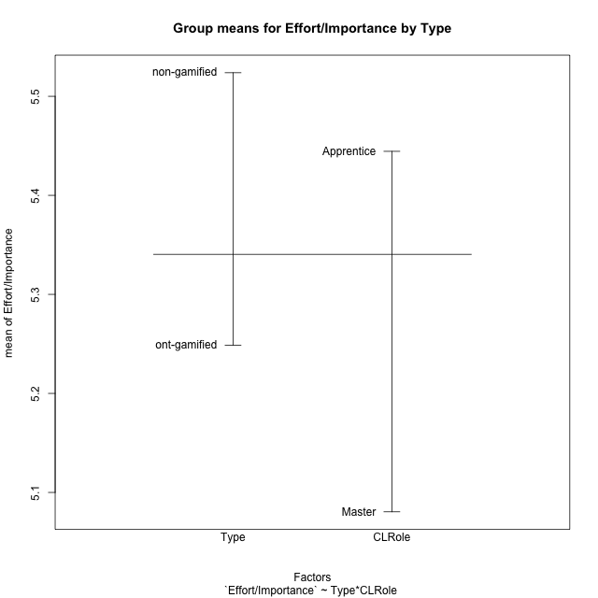
Post-hoc Tukey Honestly Significant Difference (HSD) Test for Effort/Importance by Type

Comparisons of means for Type
 | diff | lwr | upr | p adj
non-gamified-ont-gamified | 0.27505238095 | -0.78305659065 | 1.3331613526 | 0.59051993181

Comparisons of means for CLRole
 | diff | lwr | upr | p adj
Apprentice-Master | 0.36401111111 | -0.74012389667 | 1.4681461189 | 0.49610138902

Comparisons of means for Type:CLRole
 | diff | lwr | upr | p adj
ont-gamified:Apprentice-ont-gamified:Master | 0.52935 | -1.2925844015 | 2.3512844015 | 0.84146313622
non-gamified:Master-ont-gamified:Master | 0.62935 | -2.037688873 | 3.296388873 | 0.90666468146
non-gamified:Apprentice-ont-gamified:Master | 0.66268333333 | -1.4031960944 | 2.7285627611 | 0.79887505238
non-gamified:Master-ont-gamified:Apprentice | 0.1 | -2.2854720874 | 2.4854720874 | 0.99936986557
non-gamified:Apprentice-ont-gamified:Apprentice | 0.13333333333 | -1.553450156 | 1.8201168227 | 0.99584209106
non-gamified:Apprentice-non-gamified:Master | 0.033333333333 | -2.543271007 | 2.6099376737 | 0.9999813745

Contrast Matrices for Effort/Importance by Type - Type
contrast | estimate | SE | df | t.ratio | p.value
non-gamified - ont-gamified | 0.38134166667 | 0.55507793028 | 17 | 0.68700563627 | 0.50134435817

Contrast Matrices for Effort/Importance by Type - Type:CLRole
contrast | CLRole | estimate | SE | df | t.ratio | p.value
non-gamified - ont-gamified | Apprentice | 0.13333333333 | 0.59340326801 | 17 | 0.22469261718 | 0.82489695199
non-gamified - ont-gamified | Master | 0.62935 | 0.93825294896 | 17 | 0.67076794238 | 0.51137947861

Least Squares Means and Confidence Intervals for Type
Type | lsmean | SE | df | lower.CL | upper.CL | Pairs
non-gamified | 5.5166666667 | 0.45321923222 | 17 | 4.5604576704 | 6.472875663 | non-gamified
ont-gamified | 5.135325 | 0.32047439247 | 17 | 4.4591831345 | 5.8114668655 | ont-gamified

Least Squares Means and Confidence Intervals for Type:CLRole
Type | CLRole | lsmean | SE | df | lower.CL | upper.CL | Pairs
non-gamified | Apprentice | 5.5333333333 | 0.48451173945 | 17 | 4.5111029178 | 6.5555637489 | non-gamified.Apprentice
ont-gamified | Apprentice | 5.4 | 0.34260153653 | 17 | 4.6771739412 | 6.1228260588 | ont-gamified.Apprentice
non-gamified | Master | 5.5 | 0.76608032487 | 17 | 3.8837117967 | 7.1162882033 | non-gamified.Master
ont-gamified | Master | 4.87065 | 0.54170059265 | 17 | 3.7277616511 | 6.0135383489 | ont-gamified.Master

Plots

Type_1
Student's t-Test for Effort/Importance by Type in Type between non-gamified:ont-gamified

Student's t-Test results
Alternative hypothesis: less
Group | N | Mean | Mean.Difference | Std.deviation | Std.error | CI.lower | CI.upper | df | t.value | p.value | g | magnitude
non-gamified | 7 | 5.5238095238 | 0.27505238095 | 1.0690449676 | 0.40406101782 | 4.7156874882 | 6.3319315595 | 11.740243798 | 0.56187798287 | 0.70761669926 | 0.25263340701 | small
ont-gamified | 14 | 5.2487571429 | -0.27505238095 | 1.0339966035 | 0.2763472164 | 4.6960627101 | 5.8014515757 | 11.740243798 | 0.56187798287 | 0.70761669926 | 0.25263340701 | small
Alternative hypothesis: greater
Group | N | Mean | Mean.Difference | Std.deviation | Std.error | CI.lower | CI.upper | df | t.value | p.value | g | magnitude
non-gamified | 7 | 5.5238095238 | 0.27505238095 | 1.0690449676 | 0.40406101782 | 4.7156874882 | 6.3319315595 | 11.740243798 | 0.56187798287 | 0.29238330074 | 0.25263340701 | small
ont-gamified | 14 | 5.2487571429 | -0.27505238095 | 1.0339966035 | 0.2763472164 | 4.6960627101 | 5.8014515757 | 11.740243798 | 0.56187798287 | 0.29238330074 | 0.25263340701 | small
Alternative hypothesis: two.sided
Group | N | Mean | Mean.Difference | Std.deviation | Std.error | CI.lower | CI.upper | df | t.value | p.value | g | magnitude
non-gamified | 7 | 5.5238095238 | 0.27505238095 | 1.0690449676 | 0.40406101782 | 4.7156874882 | 6.3319315595 | 11.740243798 | 0.56187798287 | 0.58476660147 | 0.25263340701 | small
ont-gamified | 14 | 5.2487571429 | -0.27505238095 | 1.0339966035 | 0.2763472164 | 4.6960627101 | 5.8014515757 | 11.740243798 | 0.56187798287 | 0.58476660147 | 0.25263340701 | small

Box plots for Student's t-Test
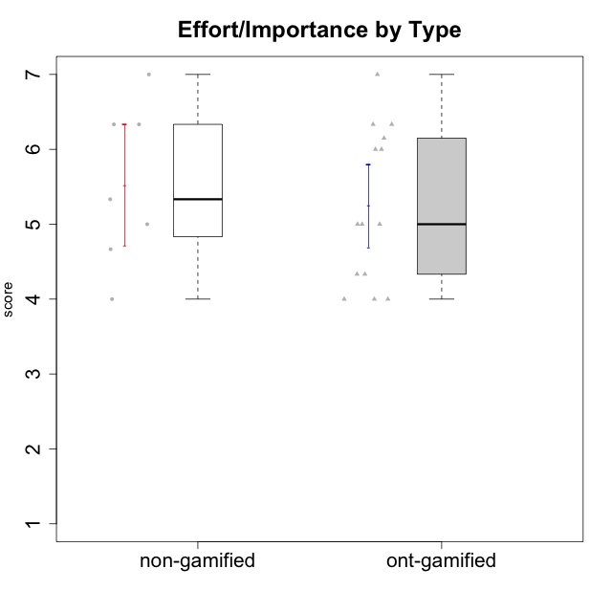

Student's t-Test data
UserID | Type | CLGroup | CLRole | PlayerRole | Interest/Enjoyment | Perceived Choice | Pressure/Tension | Effort/Importance | Intrinsic Motivation
10116 | non-gamified | GroupC | Master |  | 3.8333333333 | 2.8 | 3.5 | 4 | 3.7833333333
10120 | ont-gamified | Grupo Hélio | Master | Yee Socializer | 5.8333333333 | 6.4 | 1.5 | 6.1492666667 | 6.2666666667
10121 | ont-gamified | Grupo Hades | Master | Yee Achiever | 4.5 | 5.4 | 3.75 | 5 | 4.7875
10122 | non-gamified | GroupB | Apprentice |  | 3.0174 | 6.2 | 2.25 | 5 | 4.5708333333
10123 | ont-gamified | Grupo Morfeu | Apprentice | Yee Achiever | 2.6666666667 | 4.8 | 3.5 | 4.3333333333 | 4.075
10126 | ont-gamified | Grupo Hélio | Apprentice | Yee Socializer | 5.3333333333 | 6.2 | 2.25 | 5 | 5.5708333333
10129 | non-gamified | GroupB | Apprentice |  | 3.0174 | 3.2 | 5.2239 | 5.3333333333 | 4.2125383333
10130 | non-gamified | GroupC | Apprentice |  | 4.6666666667 | 3.8 | 5 | 6.3333333333 | 4.45
10131 | ont-gamified | Grupo Zeus | Apprentice | Yee Achiever | 6.1666666667 | 2.6 | 1.75 | 6 | 5.2541666667
10134 | ont-gamified | Grupo Apolo | Apprentice | Yee Socializer | 2.1123333333 | 3 | 3.75 | 4 | 3.8234666667
10135 | non-gamified | GroupB | Apprentice |  | 4.5 | 5 | 3.75 | 4.6666666667 | 4.6041666667
10137 | ont-gamified | Grupo Morfeu | Apprentice | Yee Achiever | 5.5 | 6.4 | 1 | 6.3333333333 | 6.0473666667
10138 | ont-gamified | Grupo Hélio | Apprentice | Yee Socializer | 4.6666666667 | 3.6 | 3.75 | 7 | 4.8791666667
10139 | ont-gamified | Grupo Zeus | Apprentice | Yee Achiever | 3.6666666667 | 4.6 | 2.25 | 4 | 4.5041666667
10141 | ont-gamified | Grupo Apolo | Master | Yee Socializer | 4 | 4.0174 | 3 | 4.3333333333 | 4.2333333333
10142 | ont-gamified | Grupo Hades | Apprentice | Yee Achiever | 4.6666666667 | 3.8 | 1.75 | 5 | 4.9291666667
10143 | ont-gamified | Grupo Apolo | Apprentice | Yee Socializer | 4.1666666667 | 5 | 3 | 6 | 5.0416666667
10145 | non-gamified | GroupB | Master |  | 3 | 2.8 | 4 | 7 | 4.2
10146 | non-gamified | GroupA | Apprentice |  | 5 | 5 | 2.5 | 6.3333333333 | 4.9291283333
10148 | ont-gamified | Grupo Apolo | Apprentice | Yee Socializer | 4.3333333333 | 5.6 | 4.5 | 6.3333333333 | 4.9416666667
10152 | ont-gamified | Grupo Morfeu | Master | Yee Achiever | 6.971 | 5.6 | 2.75 | 4 | 5.4625

Type_CLRole_1
Student's t-Test for Effort/Importance by Type in Type:CLRole between non-gamified.Apprentice:non-gamified.Master

Student's t-Test results
Alternative hypothesis: less
Group | N | Mean | Mean.Difference | Std.deviation | Std.error | CI.lower | CI.upper | df | t.value | p.value | g | magnitude
non-gamified.Apprentice | 5 | 5.5333333333 | 0.033333333333 | 0.76739096221 | 0.34318767137 | 4.8469579906 | 6.2197086761 | 1.1066733375 | 0.021662485007 | 0.50702602677 | 0.023972250203 | negligible
non-gamified.Master | 2 | 5.5 | -0.033333333333 | 2.1213203436 | 1.5 | 2.5 | 8.5 | 1.1066733375 | 0.021662485007 | 0.50702602677 | 0.023972250203 | negligible
Alternative hypothesis: greater
Group | N | Mean | Mean.Difference | Std.deviation | Std.error | CI.lower | CI.upper | df | t.value | p.value | g | magnitude
non-gamified.Apprentice | 5 | 5.5333333333 | 0.033333333333 | 0.76739096221 | 0.34318767137 | 4.8469579906 | 6.2197086761 | 1.1066733375 | 0.021662485007 | 0.49297397323 | 0.023972250203 | negligible
non-gamified.Master | 2 | 5.5 | -0.033333333333 | 2.1213203436 | 1.5 | 2.5 | 8.5 | 1.1066733375 | 0.021662485007 | 0.49297397323 | 0.023972250203 | negligible
Alternative hypothesis: two.sided
Group | N | Mean | Mean.Difference | Std.deviation | Std.error | CI.lower | CI.upper | df | t.value | p.value | g | magnitude
non-gamified.Apprentice | 5 | 5.5333333333 | 0.033333333333 | 0.76739096221 | 0.34318767137 | 4.8469579906 | 6.2197086761 | 1.1066733375 | 0.021662485007 | 0.98594794646 | 0.023972250203 | negligible
non-gamified.Master | 2 | 5.5 | -0.033333333333 | 2.1213203436 | 1.5 | 2.5 | 8.5 | 1.1066733375 | 0.021662485007 | 0.98594794646 | 0.023972250203 | negligible

Box plots for Student's t-Test
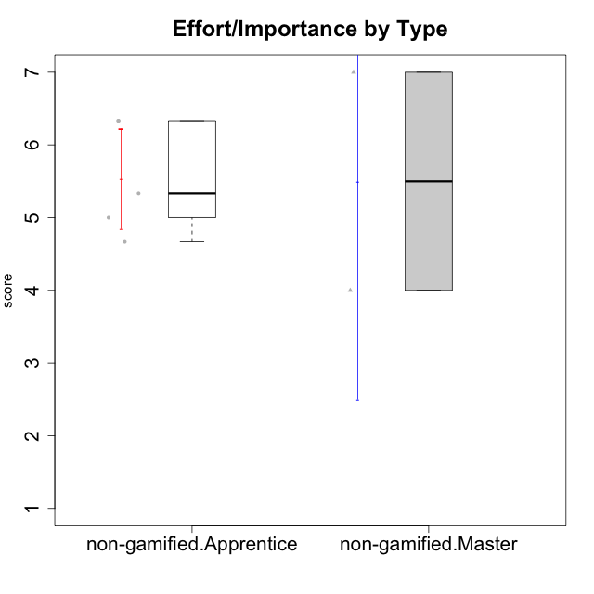

Student's t-Test data
UserID | Type | CLGroup | CLRole | PlayerRole | Interest/Enjoyment | Perceived Choice | Pressure/Tension | Effort/Importance | Intrinsic Motivation
10116 | non-gamified | GroupC | Master |  | 3.8333333333 | 2.8 | 3.5 | 4 | 3.7833333333
10122 | non-gamified | GroupB | Apprentice |  | 3.0174 | 6.2 | 2.25 | 5 | 4.5708333333
10129 | non-gamified | GroupB | Apprentice |  | 3.0174 | 3.2 | 5.2239 | 5.3333333333 | 4.2125383333
10130 | non-gamified | GroupC | Apprentice |  | 4.6666666667 | 3.8 | 5 | 6.3333333333 | 4.45
10135 | non-gamified | GroupB | Apprentice |  | 4.5 | 5 | 3.75 | 4.6666666667 | 4.6041666667
10145 | non-gamified | GroupB | Master |  | 3 | 2.8 | 4 | 7 | 4.2
10146 | non-gamified | GroupA | Apprentice |  | 5 | 5 | 2.5 | 6.3333333333 | 4.9291283333

Type_CLRole_2
Student's t-Test for Effort/Importance by Type in Type:CLRole between non-gamified.Apprentice:ont-gamified.Apprentice

Student's t-Test results
Alternative hypothesis: less
Group | N | Mean | Mean.Difference | Std.deviation | Std.error | CI.lower | CI.upper | df | t.value | p.value | g | magnitude
non-gamified.Apprentice | 5 | 5.5333333333 | 0.13333333333 | 0.76739096221 | 0.34318767137 | 4.8469579906 | 6.2197086761 | 10.995373577 | 0.27602622374 | 0.60617652741 | 0.12668692204 | negligible
ont-gamified.Apprentice | 10 | 5.4 | -0.13333333333 | 1.0749676998 | 0.33993463424 | 4.7201307315 | 6.0798692685 | 10.995373577 | 0.27602622374 | 0.60617652741 | 0.12668692204 | negligible
Alternative hypothesis: greater
Group | N | Mean | Mean.Difference | Std.deviation | Std.error | CI.lower | CI.upper | df | t.value | p.value | g | magnitude
non-gamified.Apprentice | 5 | 5.5333333333 | 0.13333333333 | 0.76739096221 | 0.34318767137 | 4.8469579906 | 6.2197086761 | 10.995373577 | 0.27602622374 | 0.39382347259 | 0.12668692204 | negligible
ont-gamified.Apprentice | 10 | 5.4 | -0.13333333333 | 1.0749676998 | 0.33993463424 | 4.7201307315 | 6.0798692685 | 10.995373577 | 0.27602622374 | 0.39382347259 | 0.12668692204 | negligible
Alternative hypothesis: two.sided
Group | N | Mean | Mean.Difference | Std.deviation | Std.error | CI.lower | CI.upper | df | t.value | p.value | g | magnitude
non-gamified.Apprentice | 5 | 5.5333333333 | 0.13333333333 | 0.76739096221 | 0.34318767137 | 4.8469579906 | 6.2197086761 | 10.995373577 | 0.27602622374 | 0.78764694517 | 0.12668692204 | negligible
ont-gamified.Apprentice | 10 | 5.4 | -0.13333333333 | 1.0749676998 | 0.33993463424 | 4.7201307315 | 6.0798692685 | 10.995373577 | 0.27602622374 | 0.78764694517 | 0.12668692204 | negligible

Box plots for Student's t-Test
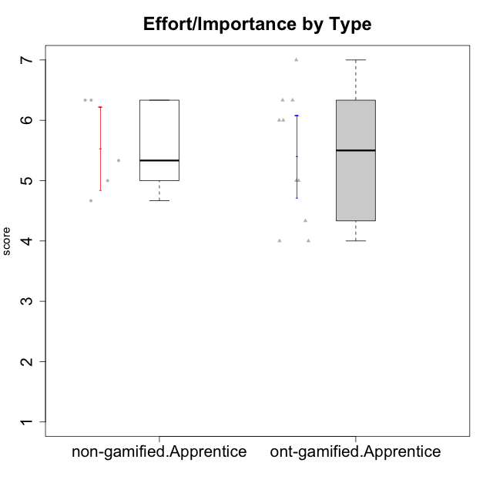

Student's t-Test data
UserID | Type | CLGroup | CLRole | PlayerRole | Interest/Enjoyment | Perceived Choice | Pressure/Tension | Effort/Importance | Intrinsic Motivation
10122 | non-gamified | GroupB | Apprentice |  | 3.0174 | 6.2 | 2.25 | 5 | 4.5708333333
10123 | ont-gamified | Grupo Morfeu | Apprentice | Yee Achiever | 2.6666666667 | 4.8 | 3.5 | 4.3333333333 | 4.075
10126 | ont-gamified | Grupo Hélio | Apprentice | Yee Socializer | 5.3333333333 | 6.2 | 2.25 | 5 | 5.5708333333
10129 | non-gamified | GroupB | Apprentice |  | 3.0174 | 3.2 | 5.2239 | 5.3333333333 | 4.2125383333
10130 | non-gamified | GroupC | Apprentice |  | 4.6666666667 | 3.8 | 5 | 6.3333333333 | 4.45
10131 | ont-gamified | Grupo Zeus | Apprentice | Yee Achiever | 6.1666666667 | 2.6 | 1.75 | 6 | 5.2541666667
10134 | ont-gamified | Grupo Apolo | Apprentice | Yee Socializer | 2.1123333333 | 3 | 3.75 | 4 | 3.8234666667
10135 | non-gamified | GroupB | Apprentice |  | 4.5 | 5 | 3.75 | 4.6666666667 | 4.6041666667
10137 | ont-gamified | Grupo Morfeu | Apprentice | Yee Achiever | 5.5 | 6.4 | 1 | 6.3333333333 | 6.0473666667
10138 | ont-gamified | Grupo Hélio | Apprentice | Yee Socializer | 4.6666666667 | 3.6 | 3.75 | 7 | 4.8791666667
10139 | ont-gamified | Grupo Zeus | Apprentice | Yee Achiever | 3.6666666667 | 4.6 | 2.25 | 4 | 4.5041666667
10142 | ont-gamified | Grupo Hades | Apprentice | Yee Achiever | 4.6666666667 | 3.8 | 1.75 | 5 | 4.9291666667
10143 | ont-gamified | Grupo Apolo | Apprentice | Yee Socializer | 4.1666666667 | 5 | 3 | 6 | 5.0416666667
10146 | non-gamified | GroupA | Apprentice |  | 5 | 5 | 2.5 | 6.3333333333 | 4.9291283333
10148 | ont-gamified | Grupo Apolo | Apprentice | Yee Socializer | 4.3333333333 | 5.6 | 4.5 | 6.3333333333 | 4.9416666667

Type_CLRole_3
Student's t-Test for Effort/Importance by Type in Type:CLRole between non-gamified.Apprentice:ont-gamified.Master

Student's t-Test results
Alternative hypothesis: less
Group | N | Mean | Mean.Difference | Std.deviation | Std.error | CI.lower | CI.upper | df | t.value | p.value | g | magnitude
non-gamified.Apprentice | 5 | 5.5333333333 | 0.66268333333 | 0.76739096221 | 0.34318767137 | 4.8469579906 | 6.2197086761 | 5.7770391411 | 1.1321077383 | 0.84880961438 | 0.69324976538 | medium
ont-gamified.Master | 4 | 4.87065 | -0.66268333333 | 0.94839032498 | 0.47419516249 | 3.922259675 | 5.819040325 | 5.7770391411 | 1.1321077383 | 0.84880961438 | 0.69324976538 | medium
Alternative hypothesis: greater
Group | N | Mean | Mean.Difference | Std.deviation | Std.error | CI.lower | CI.upper | df | t.value | p.value | g | magnitude
non-gamified.Apprentice | 5 | 5.5333333333 | 0.66268333333 | 0.76739096221 | 0.34318767137 | 4.8469579906 | 6.2197086761 | 5.7770391411 | 1.1321077383 | 0.15119038562 | 0.69324976538 | medium
ont-gamified.Master | 4 | 4.87065 | -0.66268333333 | 0.94839032498 | 0.47419516249 | 3.922259675 | 5.819040325 | 5.7770391411 | 1.1321077383 | 0.15119038562 | 0.69324976538 | medium
Alternative hypothesis: two.sided
Group | N | Mean | Mean.Difference | Std.deviation | Std.error | CI.lower | CI.upper | df | t.value | p.value | g | magnitude
non-gamified.Apprentice | 5 | 5.5333333333 | 0.66268333333 | 0.76739096221 | 0.34318767137 | 4.8469579906 | 6.2197086761 | 5.7770391411 | 1.1321077383 | 0.30238077124 | 0.69324976538 | medium
ont-gamified.Master | 4 | 4.87065 | -0.66268333333 | 0.94839032498 | 0.47419516249 | 3.922259675 | 5.819040325 | 5.7770391411 | 1.1321077383 | 0.30238077124 | 0.69324976538 | medium

Box plots for Student's t-Test
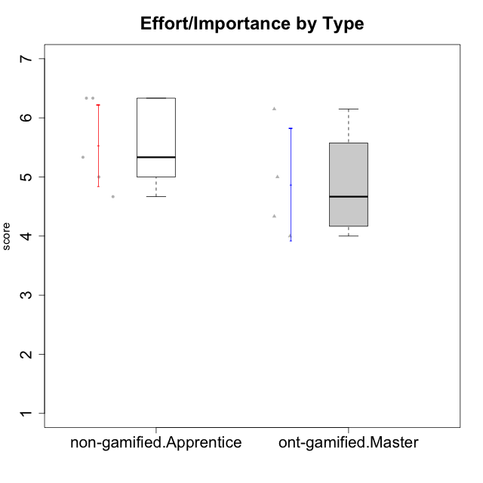

Student's t-Test data
UserID | Type | CLGroup | CLRole | PlayerRole | Interest/Enjoyment | Perceived Choice | Pressure/Tension | Effort/Importance | Intrinsic Motivation
10120 | ont-gamified | Grupo Hélio | Master | Yee Socializer | 5.8333333333 | 6.4 | 1.5 | 6.1492666667 | 6.2666666667
10121 | ont-gamified | Grupo Hades | Master | Yee Achiever | 4.5 | 5.4 | 3.75 | 5 | 4.7875
10122 | non-gamified | GroupB | Apprentice |  | 3.0174 | 6.2 | 2.25 | 5 | 4.5708333333
10129 | non-gamified | GroupB | Apprentice |  | 3.0174 | 3.2 | 5.2239 | 5.3333333333 | 4.2125383333
10130 | non-gamified | GroupC | Apprentice |  | 4.6666666667 | 3.8 | 5 | 6.3333333333 | 4.45
10135 | non-gamified | GroupB | Apprentice |  | 4.5 | 5 | 3.75 | 4.6666666667 | 4.6041666667
10141 | ont-gamified | Grupo Apolo | Master | Yee Socializer | 4 | 4.0174 | 3 | 4.3333333333 | 4.2333333333
10146 | non-gamified | GroupA | Apprentice |  | 5 | 5 | 2.5 | 6.3333333333 | 4.9291283333
10152 | ont-gamified | Grupo Morfeu | Master | Yee Achiever | 6.971 | 5.6 | 2.75 | 4 | 5.4625

Type_CLRole_4
Student's t-Test for Effort/Importance by Type in Type:CLRole between non-gamified.Master:ont-gamified.Apprentice

Student's t-Test results
Alternative hypothesis: less
Group | N | Mean | Mean.Difference | Std.deviation | Std.error | CI.lower | CI.upper | df | t.value | p.value | g | magnitude
non-gamified.Master | 2 | 5.5 | 0.1 | 2.1213203436 | 1.5 | 2.5 | 8.5 | 1.1050298429 | 0.065017972729 | 0.52105723384 | 0.075621408048 | negligible
ont-gamified.Apprentice | 10 | 5.4 | -0.1 | 1.0749676998 | 0.33993463424 | 4.7201307315 | 6.0798692685 | 1.1050298429 | 0.065017972729 | 0.52105723384 | 0.075621408048 | negligible
Alternative hypothesis: greater
Group | N | Mean | Mean.Difference | Std.deviation | Std.error | CI.lower | CI.upper | df | t.value | p.value | g | magnitude
non-gamified.Master | 2 | 5.5 | 0.1 | 2.1213203436 | 1.5 | 2.5 | 8.5 | 1.1050298429 | 0.065017972729 | 0.47894276616 | 0.075621408048 | negligible
ont-gamified.Apprentice | 10 | 5.4 | -0.1 | 1.0749676998 | 0.33993463424 | 4.7201307315 | 6.0798692685 | 1.1050298429 | 0.065017972729 | 0.47894276616 | 0.075621408048 | negligible
Alternative hypothesis: two.sided
Group | N | Mean | Mean.Difference | Std.deviation | Std.error | CI.lower | CI.upper | df | t.value | p.value | g | magnitude
non-gamified.Master | 2 | 5.5 | 0.1 | 2.1213203436 | 1.5 | 2.5 | 8.5 | 1.1050298429 | 0.065017972729 | 0.95788553232 | 0.075621408048 | negligible
ont-gamified.Apprentice | 10 | 5.4 | -0.1 | 1.0749676998 | 0.33993463424 | 4.7201307315 | 6.0798692685 | 1.1050298429 | 0.065017972729 | 0.95788553232 | 0.075621408048 | negligible

Box plots for Student's t-Test
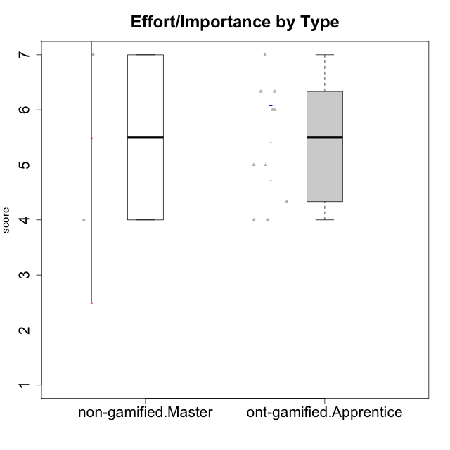

Student's t-Test data
UserID | Type | CLGroup | CLRole | PlayerRole | Interest/Enjoyment | Perceived Choice | Pressure/Tension | Effort/Importance | Intrinsic Motivation
10116 | non-gamified | GroupC | Master |  | 3.8333333333 | 2.8 | 3.5 | 4 | 3.7833333333
10123 | ont-gamified | Grupo Morfeu | Apprentice | Yee Achiever | 2.6666666667 | 4.8 | 3.5 | 4.3333333333 | 4.075
10126 | ont-gamified | Grupo Hélio | Apprentice | Yee Socializer | 5.3333333333 | 6.2 | 2.25 | 5 | 5.5708333333
10131 | ont-gamified | Grupo Zeus | Apprentice | Yee Achiever | 6.1666666667 | 2.6 | 1.75 | 6 | 5.2541666667
10134 | ont-gamified | Grupo Apolo | Apprentice | Yee Socializer | 2.1123333333 | 3 | 3.75 | 4 | 3.8234666667
10137 | ont-gamified | Grupo Morfeu | Apprentice | Yee Achiever | 5.5 | 6.4 | 1 | 6.3333333333 | 6.0473666667
10138 | ont-gamified | Grupo Hélio | Apprentice | Yee Socializer | 4.6666666667 | 3.6 | 3.75 | 7 | 4.8791666667
10139 | ont-gamified | Grupo Zeus | Apprentice | Yee Achiever | 3.6666666667 | 4.6 | 2.25 | 4 | 4.5041666667
10142 | ont-gamified | Grupo Hades | Apprentice | Yee Achiever | 4.6666666667 | 3.8 | 1.75 | 5 | 4.9291666667
10143 | ont-gamified | Grupo Apolo | Apprentice | Yee Socializer | 4.1666666667 | 5 | 3 | 6 | 5.0416666667
10145 | non-gamified | GroupB | Master |  | 3 | 2.8 | 4 | 7 | 4.2
10148 | ont-gamified | Grupo Apolo | Apprentice | Yee Socializer | 4.3333333333 | 5.6 | 4.5 | 6.3333333333 | 4.9416666667

Type_CLRole_5
Student's t-Test for Effort/Importance by Type in Type:CLRole between non-gamified.Master:ont-gamified.Master

Student's t-Test results
Alternative hypothesis: less
Group | N | Mean | Mean.Difference | Std.deviation | Std.error | CI.lower | CI.upper | df | t.value | p.value | g | magnitude
non-gamified.Master | 2 | 5.5 | 0.62935 | 2.1213203436 | 1.5 | 2.5 | 8.5 | 1.2058496079 | 0.4000523501 | 0.62579721603 | 0.37531529534 | small
ont-gamified.Master | 4 | 4.87065 | -0.62935 | 0.94839032498 | 0.47419516249 | 3.922259675 | 5.819040325 | 1.2058496079 | 0.4000523501 | 0.62579721603 | 0.37531529534 | small
Alternative hypothesis: greater
Group | N | Mean | Mean.Difference | Std.deviation | Std.error | CI.lower | CI.upper | df | t.value | p.value | g | magnitude
non-gamified.Master | 2 | 5.5 | 0.62935 | 2.1213203436 | 1.5 | 2.5 | 8.5 | 1.2058496079 | 0.4000523501 | 0.37420278397 | 0.37531529534 | small
ont-gamified.Master | 4 | 4.87065 | -0.62935 | 0.94839032498 | 0.47419516249 | 3.922259675 | 5.819040325 | 1.2058496079 | 0.4000523501 | 0.37420278397 | 0.37531529534 | small
Alternative hypothesis: two.sided
Group | N | Mean | Mean.Difference | Std.deviation | Std.error | CI.lower | CI.upper | df | t.value | p.value | g | magnitude
non-gamified.Master | 2 | 5.5 | 0.62935 | 2.1213203436 | 1.5 | 2.5 | 8.5 | 1.2058496079 | 0.4000523501 | 0.74840556794 | 0.37531529534 | small
ont-gamified.Master | 4 | 4.87065 | -0.62935 | 0.94839032498 | 0.47419516249 | 3.922259675 | 5.819040325 | 1.2058496079 | 0.4000523501 | 0.74840556794 | 0.37531529534 | small

Box plots for Student's t-Test


Student's t-Test data
UserID | Type | CLGroup | CLRole | PlayerRole | Interest/Enjoyment | Perceived Choice | Pressure/Tension | Effort/Importance | Intrinsic Motivation
10116 | non-gamified | GroupC | Master |  | 3.8333333333 | 2.8 | 3.5 | 4 | 3.7833333333
10120 | ont-gamified | Grupo Hélio | Master | Yee Socializer | 5.8333333333 | 6.4 | 1.5 | 6.1492666667 | 6.2666666667
10121 | ont-gamified | Grupo Hades | Master | Yee Achiever | 4.5 | 5.4 | 3.75 | 5 | 4.7875
10141 | ont-gamified | Grupo Apolo | Master | Yee Socializer | 4 | 4.0174 | 3 | 4.3333333333 | 4.2333333333
10145 | non-gamified | GroupB | Master |  | 3 | 2.8 | 4 | 7 | 4.2
10152 | ont-gamified | Grupo Morfeu | Master | Yee Achiever | 6.971 | 5.6 | 2.75 | 4 | 5.4625

Type_CLRole_6
Student's t-Test for Effort/Importance by Type in Type:CLRole between ont-gamified.Apprentice:ont-gamified.Master

Student's t-Test results
Alternative hypothesis: less
Group | N | Mean | Mean.Difference | Std.deviation | Std.error | CI.lower | CI.upper | df | t.value | p.value | g | magnitude
ont-gamified.Apprentice | 10 | 5.4 | 0.52935 | 1.0749676998 | 0.33993463424 | 4.7201307315 | 6.0798692685 | 6.3193627754 | 0.90727208279 | 0.8012306324 | 0.47432973584 | small
ont-gamified.Master | 4 | 4.87065 | -0.52935 | 0.94839032498 | 0.47419516249 | 3.922259675 | 5.819040325 | 6.3193627754 | 0.90727208279 | 0.8012306324 | 0.47432973584 | small
Alternative hypothesis: greater
Group | N | Mean | Mean.Difference | Std.deviation | Std.error | CI.lower | CI.upper | df | t.value | p.value | g | magnitude
ont-gamified.Apprentice | 10 | 5.4 | 0.52935 | 1.0749676998 | 0.33993463424 | 4.7201307315 | 6.0798692685 | 6.3193627754 | 0.90727208279 | 0.1987693676 | 0.47432973584 | small
ont-gamified.Master | 4 | 4.87065 | -0.52935 | 0.94839032498 | 0.47419516249 | 3.922259675 | 5.819040325 | 6.3193627754 | 0.90727208279 | 0.1987693676 | 0.47432973584 | small
Alternative hypothesis: two.sided
Group | N | Mean | Mean.Difference | Std.deviation | Std.error | CI.lower | CI.upper | df | t.value | p.value | g | magnitude
ont-gamified.Apprentice | 10 | 5.4 | 0.52935 | 1.0749676998 | 0.33993463424 | 4.7201307315 | 6.0798692685 | 6.3193627754 | 0.90727208279 | 0.3975387352 | 0.47432973584 | small
ont-gamified.Master | 4 | 4.87065 | -0.52935 | 0.94839032498 | 0.47419516249 | 3.922259675 | 5.819040325 | 6.3193627754 | 0.90727208279 | 0.3975387352 | 0.47432973584 | small

Box plots for Student's t-Test


Student's t-Test data
UserID | Type | CLGroup | CLRole | PlayerRole | Interest/Enjoyment | Perceived Choice | Pressure/Tension | Effort/Importance | Intrinsic Motivation
10120 | ont-gamified | Grupo Hélio | Master | Yee Socializer | 5.8333333333 | 6.4 | 1.5 | 6.1492666667 | 6.2666666667
10121 | ont-gamified | Grupo Hades | Master | Yee Achiever | 4.5 | 5.4 | 3.75 | 5 | 4.7875
10123 | ont-gamified | Grupo Morfeu | Apprentice | Yee Achiever | 2.6666666667 | 4.8 | 3.5 | 4.3333333333 | 4.075
10126 | ont-gamified | Grupo Hélio | Apprentice | Yee Socializer | 5.3333333333 | 6.2 | 2.25 | 5 | 5.5708333333
10131 | ont-gamified | Grupo Zeus | Apprentice | Yee Achiever | 6.1666666667 | 2.6 | 1.75 | 6 | 5.2541666667
10134 | ont-gamified | Grupo Apolo | Apprentice | Yee Socializer | 2.1123333333 | 3 | 3.75 | 4 | 3.8234666667
10137 | ont-gamified | Grupo Morfeu | Apprentice | Yee Achiever | 5.5 | 6.4 | 1 | 6.3333333333 | 6.0473666667
10138 | ont-gamified | Grupo Hélio | Apprentice | Yee Socializer | 4.6666666667 | 3.6 | 3.75 | 7 | 4.8791666667
10139 | ont-gamified | Grupo Zeus | Apprentice | Yee Achiever | 3.6666666667 | 4.6 | 2.25 | 4 | 4.5041666667
10141 | ont-gamified | Grupo Apolo | Master | Yee Socializer | 4 | 4.0174 | 3 | 4.3333333333 | 4.2333333333
10142 | ont-gamified | Grupo Hades | Apprentice | Yee Achiever | 4.6666666667 | 3.8 | 1.75 | 5 | 4.9291666667
10143 | ont-gamified | Grupo Apolo | Apprentice | Yee Socializer | 4.1666666667 | 5 | 3 | 6 | 5.0416666667
10148 | ont-gamified | Grupo Apolo | Apprentice | Yee Socializer | 4.3333333333 | 5.6 | 4.5 | 6.3333333333 | 4.9416666667
10152 | ont-gamified | Grupo Morfeu | Master | Yee Achiever | 6.971 | 5.6 | 2.75 | 4 | 5.4625

