Type_1
Wilcoxon Analysis for Interest/Enjoyment by Type in Type between non-gamified:ont-gamified

Wilcoxon test results
Alternative hypothesis: less
Group | N | Median | Mean.Ranks | Sum.Ranks | U | Z | p.value | r | magnitude
non-gamified | 7 | 3.8333333333 | 8.0714285714 | 56.5 | 28.5 | -1.5318853975 | 0.066124871001 | 0.33428479953 | medium
ont-gamified | 14 | 4.5833333333 | 12.464285714 | 174.5 | 28.5 | -1.5318853975 | 0.066124871001 | 0.33428479953 | medium
Alternative hypothesis: greater
Group | N | Median | Mean.Ranks | Sum.Ranks | U | Z | p.value | r | magnitude
non-gamified | 7 | 3.8333333333 | 8.0714285714 | 56.5 | 28.5 | -1.5318853975 | 0.9381750946 | 0.33428479953 | medium
ont-gamified | 14 | 4.5833333333 | 12.464285714 | 174.5 | 28.5 | -1.5318853975 | 0.9381750946 | 0.33428479953 | medium
Alternative hypothesis: two.sided
Group | N | Median | Mean.Ranks | Sum.Ranks | U | Z | p.value | r | magnitude
non-gamified | 7 | 3.8333333333 | 8.0714285714 | 56.5 | 28.5 | -1.5318853975 | 0.13232714138 | 0.33428479953 | medium
ont-gamified | 14 | 4.5833333333 | 12.464285714 | 174.5 | 28.5 | -1.5318853975 | 0.13232714138 | 0.33428479953 | medium

Box plots for wilcoxon tests
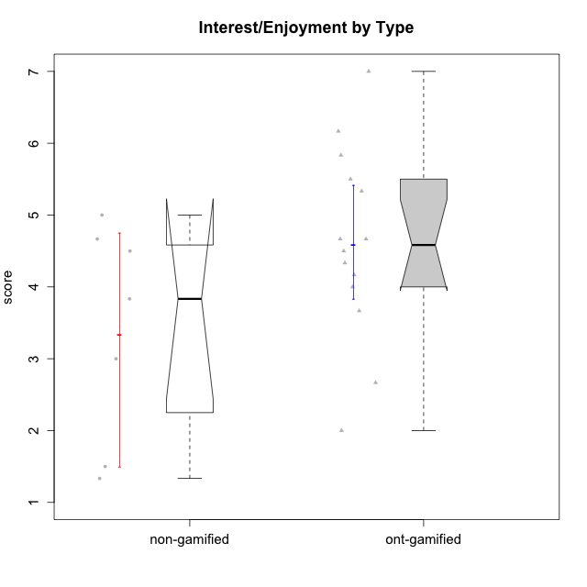

Wilcoxon data
UserID | Type | CLGroup | CLRole | PlayerRole | Item22IE | Item09IE | Item12IE | Item24IE | Item21IE | Item01IE | Item17PC | Item15PC | Item06PC | Item02PC | Item08PC | Item16PT | Item14PT | Item18PT | Item11PT | Item13EI | Item03EI | Item07EI | Interest/Enjoyment | Perceived Choice | Pressure/Tension | Effort/Importance | Intrinsic Motivation
10116 | non-gamified | GroupC | Master |  | 4 | 4 | 2 | 6 | 4 | 3 | 4 | 5 | 6 | 7 | 4 | 4 | 2 | 2 | 2 | 4 | 4 | 4 | 3.8333333333 | 2.8 | 3.5 | 4 | 3.7833333333
10120 | ont-gamified | Grupo Hélio | Master | Yee Socializer | 6 | 6 | 5 | 5 | 6 | 7 | 1 | 1 | 2 | 3 | 1 | 1 | 2 | 1 | 6 | 3 | 7 | 1 | 5.8333333333 | 6.4 | 1.5 | 6.3333333333 | 6.2666666667
10121 | ont-gamified | Grupo Hades | Master | Yee Achiever | 5 | 6 | 6 | 4 | 5 | 1 | 3 | 4 | 2 | 2 | 2 | 5 | 3 | 2 | 3 | 3 | 5 | 3 | 4.5 | 5.4 | 3.75 | 5 | 4.7875
10122 | non-gamified | GroupB | Apprentice |  | 1 | 1 | 2 | 1 | 1 | 2 | 1 | 1 | 2 | 3 | 2 | 1 | 1 | 1 | 2 | 2 | 3 | 2 | 1.3333333333 | 6.2 | 2.25 | 5 | 4.5708333333
10123 | ont-gamified | Grupo Morfeu | Apprentice | Yee Achiever | 3 | 2 | 3 | 3 | 3 | 2 | 3 | 3 | 2 | 5 | 3 | 2 | 4 | 4 | 4 | 3 | 3 | 3 | 2.6666666667 | 4.8 | 3.5 | 4.3333333333 | 4.075
10126 | ont-gamified | Grupo Hélio | Apprentice | Yee Socializer | 5 | 6 | 6 | 4 | 6 | 5 | 2 | 2 | 2 | 2 | 1 | 1 | 2 | 1 | 3 | 1 | 5 | 5 | 5.3333333333 | 6.2 | 2.25 | 5 | 5.5708333333
10129 | non-gamified | GroupB | Apprentice |  | 1 | 2 | 1 | 1 | 3 | 1 | 4 | 5 | 4 | 7 | 4 | 5 | 5 | 5 | 1 | 5 | 7 | 2 | 1.5 | 3.2 | 5.5 | 5.3333333333 | 3.1333333333
10130 | non-gamified | GroupC | Apprentice |  | 5 | 5 | 4 | 5 | 5 | 4 | 4 | 4 | 5 | 3 | 5 | 5 | 4 | 5 | 2 | 1 | 6 | 2 | 4.6666666667 | 3.8 | 5 | 6.3333333333 | 4.45
10131 | ont-gamified | Grupo Zeus | Apprentice | Yee Achiever | 7 | 5 | 7 | 7 | 7 | 4 | 6 | 7 | 7 | 5 | 2 | 2 | 1 | 2 | 6 | 3 | 6 | 1 | 6.1666666667 | 2.6 | 1.75 | 6 | 5.2541666667
10134 | ont-gamified | Grupo Apolo | Apprentice | Yee Socializer | 2 | 2 | 2 | 2 | 2 | 2 | 5 | 5 | 3 | 6 | 6 | 3 | 3 | 3 | 2 | 4 | 4 | 4 | 2 | 3 | 3.75 | 4 | 3.3125
10135 | non-gamified | GroupB | Apprentice |  | 5 | 5 | 5 | 2 | 5 | 5 | 2 | 2 | 1 | 4 | 6 | 4 | 4 | 4 | 5 | 2 | 5 | 5 | 4.5 | 5 | 3.75 | 4.6666666667 | 4.6041666667
10137 | ont-gamified | Grupo Morfeu | Apprentice | Yee Achiever | 5 | 5 | 6 | 6 | 6 | 5 | 1 | 4 | 1 | 1 | 1 | 1 | 1 | 1 | 7 | 1 | 5 | 1 | 5.5 | 6.4 | 1 | 6.3333333333 | 6.3083333333
10138 | ont-gamified | Grupo Hélio | Apprentice | Yee Socializer | 4 | 6 | 6 | 4 | 5 | 3 | 4 | 5 | 6 | 4 | 3 | 4 | 4 | 2 | 3 | 1 | 7 | 1 | 4.6666666667 | 3.6 | 3.75 | 7 | 4.8791666667
10139 | ont-gamified | Grupo Zeus | Apprentice | Yee Achiever | 3 | 6 | 3 | 4 | 5 | 1 | 1 | 7 | 4 | 4 | 1 | 3 | 4 | 1 | 7 | 4 | 5 | 5 | 3.6666666667 | 4.6 | 2.25 | 4 | 4.5041666667
10141 | ont-gamified | Grupo Apolo | Master | Yee Socializer | 5 | 5 | 3 | 4 | 5 | 2 | 4 | 4 | 6 | 4 | 4 | 3 | 4 | 1 | 4 | 5 | 5 | 3 | 4 | 3.6 | 3 | 4.3333333333 | 4.2333333333
10142 | ont-gamified | Grupo Hades | Apprentice | Yee Achiever | 4 | 6 | 4 | 6 | 4 | 4 | 4 | 4 | 3 | 6 | 4 | 4 | 1 | 1 | 7 | 2 | 4 | 3 | 4.6666666667 | 3.8 | 1.75 | 5 | 4.9291666667
10143 | ont-gamified | Grupo Apolo | Apprentice | Yee Socializer | 4 | 4 | 4 | 4 | 5 | 4 | 2 | 4 | 3 | 4 | 2 | 3 | 2 | 2 | 3 | 2 | 6 | 2 | 4.1666666667 | 5 | 3 | 6 | 5.0416666667
10145 | non-gamified | GroupB | Master |  | 2 | 4 | 4 | 4 | 3 | 1 | 4 | 7 | 4 | 7 | 4 | 4 | 4 | 4 | 4 | 1 | 7 | 1 | 3 | 2.8 | 4 | 7 | 4.2
10146 | non-gamified | GroupA | Apprentice |  | 5 | 5 | 5 | 5 | 5 | 5 | 3 | 4 | 3 | 3 | 2 | 3 | 3 | 3 | 7 | 1 | 6 | 2 | 5 | 5 | 2.5 | 6.3333333333 | 5.4583333333
10148 | ont-gamified | Grupo Apolo | Apprentice | Yee Socializer | 5 | 4 | 4 | 3 | 6 | 4 | 3 | 4 | 1 | 3 | 1 | 5 | 2 | 5 | 2 | 2 | 6 | 1 | 4.3333333333 | 5.6 | 4.5 | 6.3333333333 | 4.9416666667
10152 | ont-gamified | Grupo Morfeu | Master | Yee Achiever | 7 | 7 | 7 | 7 | 7 | 7 | 2 | 2 | 4 | 3 | 1 | 2 | 3 | 2 | 4 | 5 | 7 | 6 | 7 | 5.6 | 2.75 | 4 | 5.4625

Type_CLRole_1
Wilcoxon Analysis for Interest/Enjoyment by Type in Type:CLRole between non-gamified.Apprentice:non-gamified.Master

Wilcoxon test results
Alternative hypothesis: less
Group | N | Median | Mean.Ranks | Sum.Ranks | U | Z | p.value | r | magnitude
non-gamified.Apprentice | 5 | 4.5 | 4.2 | 21 | 6 | 0.38729833462 | 0.71428571429 | 0.14638501094 | small
non-gamified.Master | 2 | 3.4166666667 | 3.5 | 7 | 6 | 0.38729833462 | 0.71428571429 | 0.14638501094 | small
Alternative hypothesis: greater
Group | N | Median | Mean.Ranks | Sum.Ranks | U | Z | p.value | r | magnitude
non-gamified.Apprentice | 5 | 4.5 | 4.2 | 21 | 6 | 0.38729833462 | 0.42857142857 | 0.14638501094 | small
non-gamified.Master | 2 | 3.4166666667 | 3.5 | 7 | 6 | 0.38729833462 | 0.42857142857 | 0.14638501094 | small
Alternative hypothesis: two.sided
Group | N | Median | Mean.Ranks | Sum.Ranks | U | Z | p.value | r | magnitude
non-gamified.Apprentice | 5 | 4.5 | 4.2 | 21 | 6 | 0.38729833462 | 0.85714285714 | 0.14638501094 | small
non-gamified.Master | 2 | 3.4166666667 | 3.5 | 7 | 6 | 0.38729833462 | 0.85714285714 | 0.14638501094 | small

Box plots for wilcoxon tests
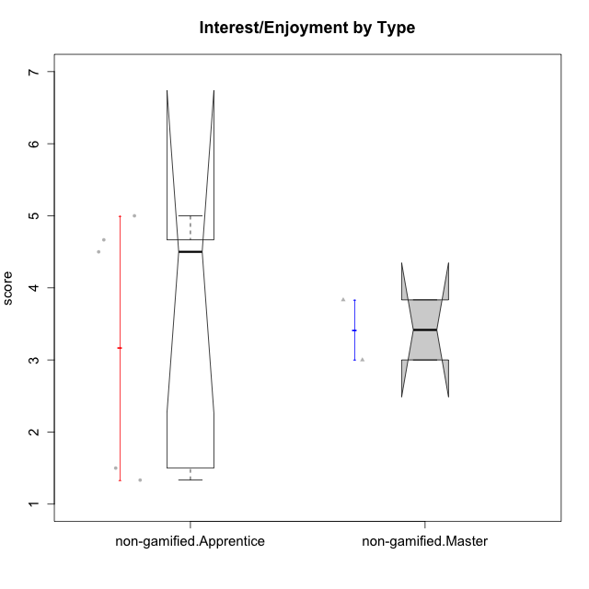

Wilcoxon data
UserID | Type | CLGroup | CLRole | PlayerRole | Item22IE | Item09IE | Item12IE | Item24IE | Item21IE | Item01IE | Item17PC | Item15PC | Item06PC | Item02PC | Item08PC | Item16PT | Item14PT | Item18PT | Item11PT | Item13EI | Item03EI | Item07EI | Interest/Enjoyment | Perceived Choice | Pressure/Tension | Effort/Importance | Intrinsic Motivation
10116 | non-gamified | GroupC | Master |  | 4 | 4 | 2 | 6 | 4 | 3 | 4 | 5 | 6 | 7 | 4 | 4 | 2 | 2 | 2 | 4 | 4 | 4 | 3.8333333333 | 2.8 | 3.5 | 4 | 3.7833333333
10122 | non-gamified | GroupB | Apprentice |  | 1 | 1 | 2 | 1 | 1 | 2 | 1 | 1 | 2 | 3 | 2 | 1 | 1 | 1 | 2 | 2 | 3 | 2 | 1.3333333333 | 6.2 | 2.25 | 5 | 4.5708333333
10129 | non-gamified | GroupB | Apprentice |  | 1 | 2 | 1 | 1 | 3 | 1 | 4 | 5 | 4 | 7 | 4 | 5 | 5 | 5 | 1 | 5 | 7 | 2 | 1.5 | 3.2 | 5.5 | 5.3333333333 | 3.1333333333
10130 | non-gamified | GroupC | Apprentice |  | 5 | 5 | 4 | 5 | 5 | 4 | 4 | 4 | 5 | 3 | 5 | 5 | 4 | 5 | 2 | 1 | 6 | 2 | 4.6666666667 | 3.8 | 5 | 6.3333333333 | 4.45
10135 | non-gamified | GroupB | Apprentice |  | 5 | 5 | 5 | 2 | 5 | 5 | 2 | 2 | 1 | 4 | 6 | 4 | 4 | 4 | 5 | 2 | 5 | 5 | 4.5 | 5 | 3.75 | 4.6666666667 | 4.6041666667
10145 | non-gamified | GroupB | Master |  | 2 | 4 | 4 | 4 | 3 | 1 | 4 | 7 | 4 | 7 | 4 | 4 | 4 | 4 | 4 | 1 | 7 | 1 | 3 | 2.8 | 4 | 7 | 4.2
10146 | non-gamified | GroupA | Apprentice |  | 5 | 5 | 5 | 5 | 5 | 5 | 3 | 4 | 3 | 3 | 2 | 3 | 3 | 3 | 7 | 1 | 6 | 2 | 5 | 5 | 2.5 | 6.3333333333 | 5.4583333333

Type_CLRole_2
Wilcoxon Analysis for Interest/Enjoyment by Type in Type:CLRole between non-gamified.Apprentice:ont-gamified.Apprentice

Wilcoxon test results
Alternative hypothesis: less
Group | N | Median | Mean.Ranks | Sum.Ranks | U | Z | p.value | r | magnitude
non-gamified.Apprentice | 5 | 4.5 | 6.6 | 33 | 18 | -0.86039977324 | 0.21878121878 | 0.22215426619 | small
ont-gamified.Apprentice | 10 | 4.5 | 8.7 | 87 | 18 | -0.86039977324 | 0.21878121878 | 0.22215426619 | small
Alternative hypothesis: greater
Group | N | Median | Mean.Ranks | Sum.Ranks | U | Z | p.value | r | magnitude
non-gamified.Apprentice | 5 | 4.5 | 6.6 | 33 | 18 | -0.86039977324 | 0.81518481518 | 0.22215426619 | small
ont-gamified.Apprentice | 10 | 4.5 | 8.7 | 87 | 18 | -0.86039977324 | 0.81518481518 | 0.22215426619 | small
Alternative hypothesis: two.sided
Group | N | Median | Mean.Ranks | Sum.Ranks | U | Z | p.value | r | magnitude
non-gamified.Apprentice | 5 | 4.5 | 6.6 | 33 | 18 | -0.86039977324 | 0.43722943723 | 0.22215426619 | small
ont-gamified.Apprentice | 10 | 4.5 | 8.7 | 87 | 18 | -0.86039977324 | 0.43722943723 | 0.22215426619 | small

Box plots for wilcoxon tests
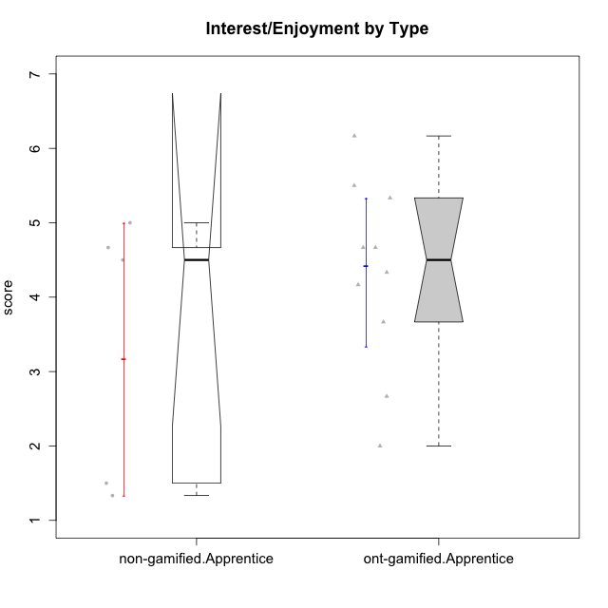

Wilcoxon data
UserID | Type | CLGroup | CLRole | PlayerRole | Item22IE | Item09IE | Item12IE | Item24IE | Item21IE | Item01IE | Item17PC | Item15PC | Item06PC | Item02PC | Item08PC | Item16PT | Item14PT | Item18PT | Item11PT | Item13EI | Item03EI | Item07EI | Interest/Enjoyment | Perceived Choice | Pressure/Tension | Effort/Importance | Intrinsic Motivation
10122 | non-gamified | GroupB | Apprentice |  | 1 | 1 | 2 | 1 | 1 | 2 | 1 | 1 | 2 | 3 | 2 | 1 | 1 | 1 | 2 | 2 | 3 | 2 | 1.3333333333 | 6.2 | 2.25 | 5 | 4.5708333333
10123 | ont-gamified | Grupo Morfeu | Apprentice | Yee Achiever | 3 | 2 | 3 | 3 | 3 | 2 | 3 | 3 | 2 | 5 | 3 | 2 | 4 | 4 | 4 | 3 | 3 | 3 | 2.6666666667 | 4.8 | 3.5 | 4.3333333333 | 4.075
10126 | ont-gamified | Grupo Hélio | Apprentice | Yee Socializer | 5 | 6 | 6 | 4 | 6 | 5 | 2 | 2 | 2 | 2 | 1 | 1 | 2 | 1 | 3 | 1 | 5 | 5 | 5.3333333333 | 6.2 | 2.25 | 5 | 5.5708333333
10129 | non-gamified | GroupB | Apprentice |  | 1 | 2 | 1 | 1 | 3 | 1 | 4 | 5 | 4 | 7 | 4 | 5 | 5 | 5 | 1 | 5 | 7 | 2 | 1.5 | 3.2 | 5.5 | 5.3333333333 | 3.1333333333
10130 | non-gamified | GroupC | Apprentice |  | 5 | 5 | 4 | 5 | 5 | 4 | 4 | 4 | 5 | 3 | 5 | 5 | 4 | 5 | 2 | 1 | 6 | 2 | 4.6666666667 | 3.8 | 5 | 6.3333333333 | 4.45
10131 | ont-gamified | Grupo Zeus | Apprentice | Yee Achiever | 7 | 5 | 7 | 7 | 7 | 4 | 6 | 7 | 7 | 5 | 2 | 2 | 1 | 2 | 6 | 3 | 6 | 1 | 6.1666666667 | 2.6 | 1.75 | 6 | 5.2541666667
10134 | ont-gamified | Grupo Apolo | Apprentice | Yee Socializer | 2 | 2 | 2 | 2 | 2 | 2 | 5 | 5 | 3 | 6 | 6 | 3 | 3 | 3 | 2 | 4 | 4 | 4 | 2 | 3 | 3.75 | 4 | 3.3125
10135 | non-gamified | GroupB | Apprentice |  | 5 | 5 | 5 | 2 | 5 | 5 | 2 | 2 | 1 | 4 | 6 | 4 | 4 | 4 | 5 | 2 | 5 | 5 | 4.5 | 5 | 3.75 | 4.6666666667 | 4.6041666667
10137 | ont-gamified | Grupo Morfeu | Apprentice | Yee Achiever | 5 | 5 | 6 | 6 | 6 | 5 | 1 | 4 | 1 | 1 | 1 | 1 | 1 | 1 | 7 | 1 | 5 | 1 | 5.5 | 6.4 | 1 | 6.3333333333 | 6.3083333333
10138 | ont-gamified | Grupo Hélio | Apprentice | Yee Socializer | 4 | 6 | 6 | 4 | 5 | 3 | 4 | 5 | 6 | 4 | 3 | 4 | 4 | 2 | 3 | 1 | 7 | 1 | 4.6666666667 | 3.6 | 3.75 | 7 | 4.8791666667
10139 | ont-gamified | Grupo Zeus | Apprentice | Yee Achiever | 3 | 6 | 3 | 4 | 5 | 1 | 1 | 7 | 4 | 4 | 1 | 3 | 4 | 1 | 7 | 4 | 5 | 5 | 3.6666666667 | 4.6 | 2.25 | 4 | 4.5041666667
10142 | ont-gamified | Grupo Hades | Apprentice | Yee Achiever | 4 | 6 | 4 | 6 | 4 | 4 | 4 | 4 | 3 | 6 | 4 | 4 | 1 | 1 | 7 | 2 | 4 | 3 | 4.6666666667 | 3.8 | 1.75 | 5 | 4.9291666667
10143 | ont-gamified | Grupo Apolo | Apprentice | Yee Socializer | 4 | 4 | 4 | 4 | 5 | 4 | 2 | 4 | 3 | 4 | 2 | 3 | 2 | 2 | 3 | 2 | 6 | 2 | 4.1666666667 | 5 | 3 | 6 | 5.0416666667
10146 | non-gamified | GroupA | Apprentice |  | 5 | 5 | 5 | 5 | 5 | 5 | 3 | 4 | 3 | 3 | 2 | 3 | 3 | 3 | 7 | 1 | 6 | 2 | 5 | 5 | 2.5 | 6.3333333333 | 5.4583333333
10148 | ont-gamified | Grupo Apolo | Apprentice | Yee Socializer | 5 | 4 | 4 | 3 | 6 | 4 | 3 | 4 | 1 | 3 | 1 | 5 | 2 | 5 | 2 | 2 | 6 | 1 | 4.3333333333 | 5.6 | 4.5 | 6.3333333333 | 4.9416666667

Type_CLRole_3
Wilcoxon Analysis for Interest/Enjoyment by Type in Type:CLRole between non-gamified.Apprentice:ont-gamified.Master

Wilcoxon test results
Alternative hypothesis: less
Group | N | Median | Mean.Ranks | Sum.Ranks | U | Z | p.value | r | magnitude
non-gamified.Apprentice | 5 | 4.5 | 4.1 | 20.5 | 5.5 | -1.1068920833 | 0.15079365079 | 0.36896402776 | medium
ont-gamified.Master | 4 | 5.1666666667 | 6.125 | 24.5 | 5.5 | -1.1068920833 | 0.15079365079 | 0.36896402776 | medium
Alternative hypothesis: greater
Group | N | Median | Mean.Ranks | Sum.Ranks | U | Z | p.value | r | magnitude
non-gamified.Apprentice | 5 | 4.5 | 4.1 | 20.5 | 5.5 | -1.1068920833 | 0.86507936508 | 0.36896402776 | medium
ont-gamified.Master | 4 | 5.1666666667 | 6.125 | 24.5 | 5.5 | -1.1068920833 | 0.86507936508 | 0.36896402776 | medium
Alternative hypothesis: two.sided
Group | N | Median | Mean.Ranks | Sum.Ranks | U | Z | p.value | r | magnitude
non-gamified.Apprentice | 5 | 4.5 | 4.1 | 20.5 | 5.5 | -1.1068920833 | 0.31746031746 | 0.36896402776 | medium
ont-gamified.Master | 4 | 5.1666666667 | 6.125 | 24.5 | 5.5 | -1.1068920833 | 0.31746031746 | 0.36896402776 | medium

Box plots for wilcoxon tests
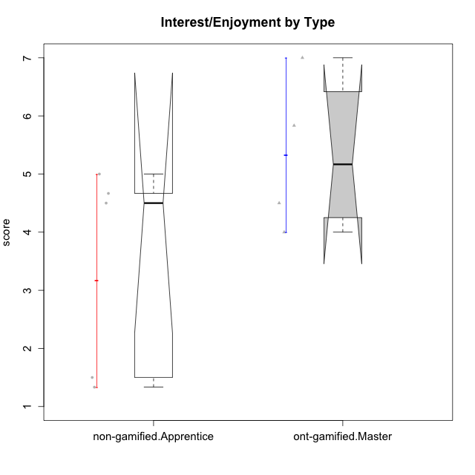

Wilcoxon data
UserID | Type | CLGroup | CLRole | PlayerRole | Item22IE | Item09IE | Item12IE | Item24IE | Item21IE | Item01IE | Item17PC | Item15PC | Item06PC | Item02PC | Item08PC | Item16PT | Item14PT | Item18PT | Item11PT | Item13EI | Item03EI | Item07EI | Interest/Enjoyment | Perceived Choice | Pressure/Tension | Effort/Importance | Intrinsic Motivation
10120 | ont-gamified | Grupo Hélio | Master | Yee Socializer | 6 | 6 | 5 | 5 | 6 | 7 | 1 | 1 | 2 | 3 | 1 | 1 | 2 | 1 | 6 | 3 | 7 | 1 | 5.8333333333 | 6.4 | 1.5 | 6.3333333333 | 6.2666666667
10121 | ont-gamified | Grupo Hades | Master | Yee Achiever | 5 | 6 | 6 | 4 | 5 | 1 | 3 | 4 | 2 | 2 | 2 | 5 | 3 | 2 | 3 | 3 | 5 | 3 | 4.5 | 5.4 | 3.75 | 5 | 4.7875
10122 | non-gamified | GroupB | Apprentice |  | 1 | 1 | 2 | 1 | 1 | 2 | 1 | 1 | 2 | 3 | 2 | 1 | 1 | 1 | 2 | 2 | 3 | 2 | 1.3333333333 | 6.2 | 2.25 | 5 | 4.5708333333
10129 | non-gamified | GroupB | Apprentice |  | 1 | 2 | 1 | 1 | 3 | 1 | 4 | 5 | 4 | 7 | 4 | 5 | 5 | 5 | 1 | 5 | 7 | 2 | 1.5 | 3.2 | 5.5 | 5.3333333333 | 3.1333333333
10130 | non-gamified | GroupC | Apprentice |  | 5 | 5 | 4 | 5 | 5 | 4 | 4 | 4 | 5 | 3 | 5 | 5 | 4 | 5 | 2 | 1 | 6 | 2 | 4.6666666667 | 3.8 | 5 | 6.3333333333 | 4.45
10135 | non-gamified | GroupB | Apprentice |  | 5 | 5 | 5 | 2 | 5 | 5 | 2 | 2 | 1 | 4 | 6 | 4 | 4 | 4 | 5 | 2 | 5 | 5 | 4.5 | 5 | 3.75 | 4.6666666667 | 4.6041666667
10141 | ont-gamified | Grupo Apolo | Master | Yee Socializer | 5 | 5 | 3 | 4 | 5 | 2 | 4 | 4 | 6 | 4 | 4 | 3 | 4 | 1 | 4 | 5 | 5 | 3 | 4 | 3.6 | 3 | 4.3333333333 | 4.2333333333
10146 | non-gamified | GroupA | Apprentice |  | 5 | 5 | 5 | 5 | 5 | 5 | 3 | 4 | 3 | 3 | 2 | 3 | 3 | 3 | 7 | 1 | 6 | 2 | 5 | 5 | 2.5 | 6.3333333333 | 5.4583333333
10152 | ont-gamified | Grupo Morfeu | Master | Yee Achiever | 7 | 7 | 7 | 7 | 7 | 7 | 2 | 2 | 4 | 3 | 1 | 2 | 3 | 2 | 4 | 5 | 7 | 6 | 7 | 5.6 | 2.75 | 4 | 5.4625

Type_CLRole_4
Wilcoxon Analysis for Interest/Enjoyment by Type in Type:CLRole between non-gamified.Master:ont-gamified.Apprentice

Wilcoxon test results
Alternative hypothesis: less
Group | N | Median | Mean.Ranks | Sum.Ranks | U | Z | p.value | r | magnitude
non-gamified.Master | 2 | 3.4166666667 | 4 | 8 | 5 | -1.0760551737 | 0.18181818182 | 0.3106303721 | medium
ont-gamified.Apprentice | 10 | 4.5 | 7 | 70 | 5 | -1.0760551737 | 0.18181818182 | 0.3106303721 | medium
Alternative hypothesis: greater
Group | N | Median | Mean.Ranks | Sum.Ranks | U | Z | p.value | r | magnitude
non-gamified.Master | 2 | 3.4166666667 | 4 | 8 | 5 | -1.0760551737 | 0.86363636364 | 0.3106303721 | medium
ont-gamified.Apprentice | 10 | 4.5 | 7 | 70 | 5 | -1.0760551737 | 0.86363636364 | 0.3106303721 | medium
Alternative hypothesis: two.sided
Group | N | Median | Mean.Ranks | Sum.Ranks | U | Z | p.value | r | magnitude
non-gamified.Master | 2 | 3.4166666667 | 4 | 8 | 5 | -1.0760551737 | 0.36363636364 | 0.3106303721 | medium
ont-gamified.Apprentice | 10 | 4.5 | 7 | 70 | 5 | -1.0760551737 | 0.36363636364 | 0.3106303721 | medium

Box plots for wilcoxon tests
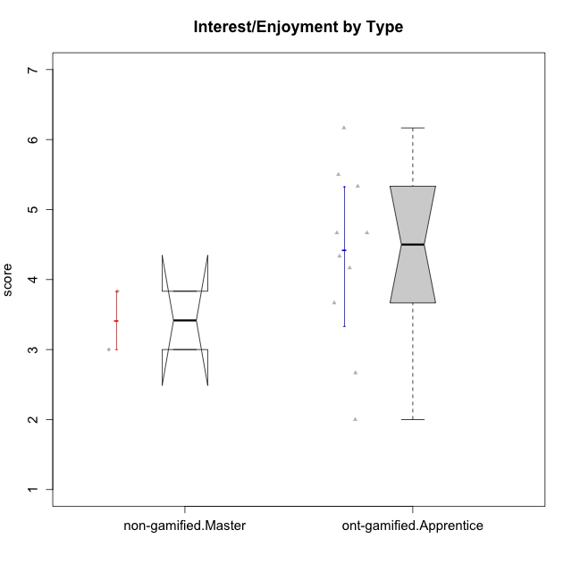

Wilcoxon data
UserID | Type | CLGroup | CLRole | PlayerRole | Item22IE | Item09IE | Item12IE | Item24IE | Item21IE | Item01IE | Item17PC | Item15PC | Item06PC | Item02PC | Item08PC | Item16PT | Item14PT | Item18PT | Item11PT | Item13EI | Item03EI | Item07EI | Interest/Enjoyment | Perceived Choice | Pressure/Tension | Effort/Importance | Intrinsic Motivation
10116 | non-gamified | GroupC | Master |  | 4 | 4 | 2 | 6 | 4 | 3 | 4 | 5 | 6 | 7 | 4 | 4 | 2 | 2 | 2 | 4 | 4 | 4 | 3.8333333333 | 2.8 | 3.5 | 4 | 3.7833333333
10123 | ont-gamified | Grupo Morfeu | Apprentice | Yee Achiever | 3 | 2 | 3 | 3 | 3 | 2 | 3 | 3 | 2 | 5 | 3 | 2 | 4 | 4 | 4 | 3 | 3 | 3 | 2.6666666667 | 4.8 | 3.5 | 4.3333333333 | 4.075
10126 | ont-gamified | Grupo Hélio | Apprentice | Yee Socializer | 5 | 6 | 6 | 4 | 6 | 5 | 2 | 2 | 2 | 2 | 1 | 1 | 2 | 1 | 3 | 1 | 5 | 5 | 5.3333333333 | 6.2 | 2.25 | 5 | 5.5708333333
10131 | ont-gamified | Grupo Zeus | Apprentice | Yee Achiever | 7 | 5 | 7 | 7 | 7 | 4 | 6 | 7 | 7 | 5 | 2 | 2 | 1 | 2 | 6 | 3 | 6 | 1 | 6.1666666667 | 2.6 | 1.75 | 6 | 5.2541666667
10134 | ont-gamified | Grupo Apolo | Apprentice | Yee Socializer | 2 | 2 | 2 | 2 | 2 | 2 | 5 | 5 | 3 | 6 | 6 | 3 | 3 | 3 | 2 | 4 | 4 | 4 | 2 | 3 | 3.75 | 4 | 3.3125
10137 | ont-gamified | Grupo Morfeu | Apprentice | Yee Achiever | 5 | 5 | 6 | 6 | 6 | 5 | 1 | 4 | 1 | 1 | 1 | 1 | 1 | 1 | 7 | 1 | 5 | 1 | 5.5 | 6.4 | 1 | 6.3333333333 | 6.3083333333
10138 | ont-gamified | Grupo Hélio | Apprentice | Yee Socializer | 4 | 6 | 6 | 4 | 5 | 3 | 4 | 5 | 6 | 4 | 3 | 4 | 4 | 2 | 3 | 1 | 7 | 1 | 4.6666666667 | 3.6 | 3.75 | 7 | 4.8791666667
10139 | ont-gamified | Grupo Zeus | Apprentice | Yee Achiever | 3 | 6 | 3 | 4 | 5 | 1 | 1 | 7 | 4 | 4 | 1 | 3 | 4 | 1 | 7 | 4 | 5 | 5 | 3.6666666667 | 4.6 | 2.25 | 4 | 4.5041666667
10142 | ont-gamified | Grupo Hades | Apprentice | Yee Achiever | 4 | 6 | 4 | 6 | 4 | 4 | 4 | 4 | 3 | 6 | 4 | 4 | 1 | 1 | 7 | 2 | 4 | 3 | 4.6666666667 | 3.8 | 1.75 | 5 | 4.9291666667
10143 | ont-gamified | Grupo Apolo | Apprentice | Yee Socializer | 4 | 4 | 4 | 4 | 5 | 4 | 2 | 4 | 3 | 4 | 2 | 3 | 2 | 2 | 3 | 2 | 6 | 2 | 4.1666666667 | 5 | 3 | 6 | 5.0416666667
10145 | non-gamified | GroupB | Master |  | 2 | 4 | 4 | 4 | 3 | 1 | 4 | 7 | 4 | 7 | 4 | 4 | 4 | 4 | 4 | 1 | 7 | 1 | 3 | 2.8 | 4 | 7 | 4.2
10148 | ont-gamified | Grupo Apolo | Apprentice | Yee Socializer | 5 | 4 | 4 | 3 | 6 | 4 | 3 | 4 | 1 | 3 | 1 | 5 | 2 | 5 | 2 | 2 | 6 | 1 | 4.3333333333 | 5.6 | 4.5 | 6.3333333333 | 4.9416666667

Type_CLRole_5
Wilcoxon Analysis for Interest/Enjoyment by Type in Type:CLRole between non-gamified.Master:ont-gamified.Master

Wilcoxon test results
Alternative hypothesis: less
Group | N | Median | Mean.Ranks | Sum.Ranks | U | Z | p.value | r | magnitude
non-gamified.Master | 2 | 3.4166666667 | 1.5 | 3 | 0 | -1.8516401995 | 0.066666666667 | 0.75592894602 | large
ont-gamified.Master | 4 | 5.1666666667 | 4.5 | 18 | 0 | -1.8516401995 | 0.066666666667 | 0.75592894602 | large
Alternative hypothesis: greater
Group | N | Median | Mean.Ranks | Sum.Ranks | U | Z | p.value | r | magnitude
non-gamified.Master | 2 | 3.4166666667 | 1.5 | 3 | 0 | -1.8516401995 | 1 | 0.75592894602 | large
ont-gamified.Master | 4 | 5.1666666667 | 4.5 | 18 | 0 | -1.8516401995 | 1 | 0.75592894602 | large
Alternative hypothesis: two.sided
Group | N | Median | Mean.Ranks | Sum.Ranks | U | Z | p.value | r | magnitude
non-gamified.Master | 2 | 3.4166666667 | 1.5 | 3 | 0 | -1.8516401995 | 0.13333333333 | 0.75592894602 | large
ont-gamified.Master | 4 | 5.1666666667 | 4.5 | 18 | 0 | -1.8516401995 | 0.13333333333 | 0.75592894602 | large

Box plots for wilcoxon tests
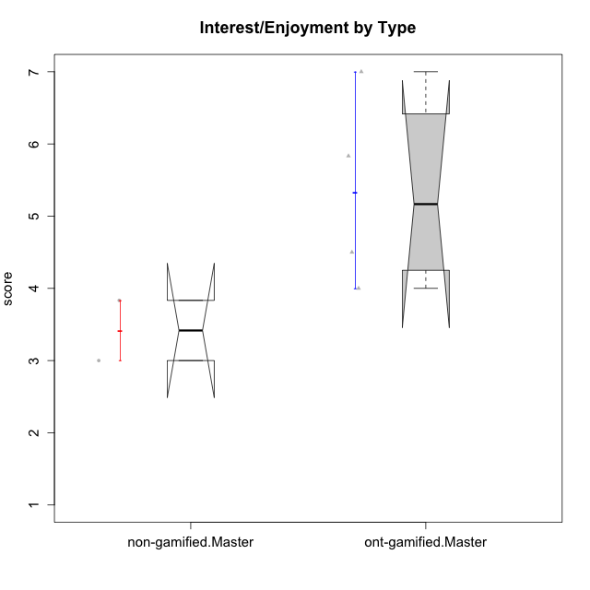

Wilcoxon data
UserID | Type | CLGroup | CLRole | PlayerRole | Item22IE | Item09IE | Item12IE | Item24IE | Item21IE | Item01IE | Item17PC | Item15PC | Item06PC | Item02PC | Item08PC | Item16PT | Item14PT | Item18PT | Item11PT | Item13EI | Item03EI | Item07EI | Interest/Enjoyment | Perceived Choice | Pressure/Tension | Effort/Importance | Intrinsic Motivation
10116 | non-gamified | GroupC | Master |  | 4 | 4 | 2 | 6 | 4 | 3 | 4 | 5 | 6 | 7 | 4 | 4 | 2 | 2 | 2 | 4 | 4 | 4 | 3.8333333333 | 2.8 | 3.5 | 4 | 3.7833333333
10120 | ont-gamified | Grupo Hélio | Master | Yee Socializer | 6 | 6 | 5 | 5 | 6 | 7 | 1 | 1 | 2 | 3 | 1 | 1 | 2 | 1 | 6 | 3 | 7 | 1 | 5.8333333333 | 6.4 | 1.5 | 6.3333333333 | 6.2666666667
10121 | ont-gamified | Grupo Hades | Master | Yee Achiever | 5 | 6 | 6 | 4 | 5 | 1 | 3 | 4 | 2 | 2 | 2 | 5 | 3 | 2 | 3 | 3 | 5 | 3 | 4.5 | 5.4 | 3.75 | 5 | 4.7875
10141 | ont-gamified | Grupo Apolo | Master | Yee Socializer | 5 | 5 | 3 | 4 | 5 | 2 | 4 | 4 | 6 | 4 | 4 | 3 | 4 | 1 | 4 | 5 | 5 | 3 | 4 | 3.6 | 3 | 4.3333333333 | 4.2333333333
10145 | non-gamified | GroupB | Master |  | 2 | 4 | 4 | 4 | 3 | 1 | 4 | 7 | 4 | 7 | 4 | 4 | 4 | 4 | 4 | 1 | 7 | 1 | 3 | 2.8 | 4 | 7 | 4.2
10152 | ont-gamified | Grupo Morfeu | Master | Yee Achiever | 7 | 7 | 7 | 7 | 7 | 7 | 2 | 2 | 4 | 3 | 1 | 2 | 3 | 2 | 4 | 5 | 7 | 6 | 7 | 5.6 | 2.75 | 4 | 5.4625

Type_CLRole_6
Wilcoxon Analysis for Interest/Enjoyment by Type in Type:CLRole between ont-gamified.Apprentice:ont-gamified.Master

Wilcoxon test results
Alternative hypothesis: less
Group | N | Median | Mean.Ranks | Sum.Ranks | U | Z | p.value | r | magnitude
ont-gamified.Apprentice | 10 | 4.5 | 6.8 | 68 | 13 | -0.99103914671 | 0.17682317682 | 0.26486635313 | small
ont-gamified.Master | 4 | 5.1666666667 | 9.25 | 37 | 13 | -0.99103914671 | 0.17682317682 | 0.26486635313 | small
Alternative hypothesis: greater
Group | N | Median | Mean.Ranks | Sum.Ranks | U | Z | p.value | r | magnitude
ont-gamified.Apprentice | 10 | 4.5 | 6.8 | 68 | 13 | -0.99103914671 | 0.83916083916 | 0.26486635313 | small
ont-gamified.Master | 4 | 5.1666666667 | 9.25 | 37 | 13 | -0.99103914671 | 0.83916083916 | 0.26486635313 | small
Alternative hypothesis: two.sided
Group | N | Median | Mean.Ranks | Sum.Ranks | U | Z | p.value | r | magnitude
ont-gamified.Apprentice | 10 | 4.5 | 6.8 | 68 | 13 | -0.99103914671 | 0.35664335664 | 0.26486635313 | small
ont-gamified.Master | 4 | 5.1666666667 | 9.25 | 37 | 13 | -0.99103914671 | 0.35664335664 | 0.26486635313 | small

Box plots for wilcoxon tests
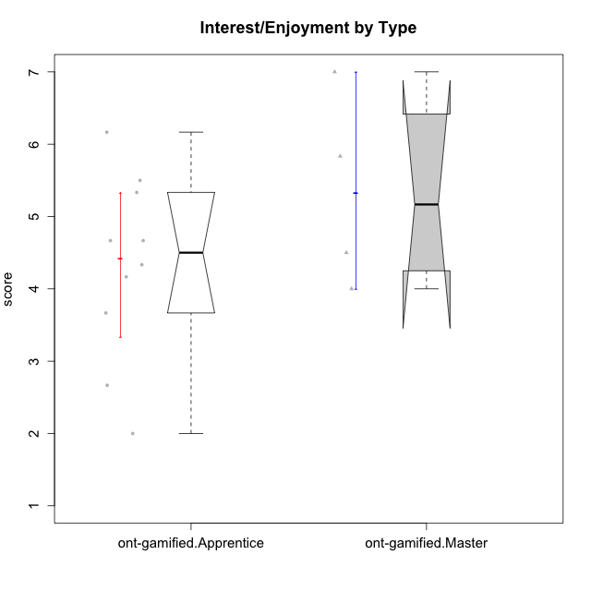

Wilcoxon data
UserID | Type | CLGroup | CLRole | PlayerRole | Item22IE | Item09IE | Item12IE | Item24IE | Item21IE | Item01IE | Item17PC | Item15PC | Item06PC | Item02PC | Item08PC | Item16PT | Item14PT | Item18PT | Item11PT | Item13EI | Item03EI | Item07EI | Interest/Enjoyment | Perceived Choice | Pressure/Tension | Effort/Importance | Intrinsic Motivation
10120 | ont-gamified | Grupo Hélio | Master | Yee Socializer | 6 | 6 | 5 | 5 | 6 | 7 | 1 | 1 | 2 | 3 | 1 | 1 | 2 | 1 | 6 | 3 | 7 | 1 | 5.8333333333 | 6.4 | 1.5 | 6.3333333333 | 6.2666666667
10121 | ont-gamified | Grupo Hades | Master | Yee Achiever | 5 | 6 | 6 | 4 | 5 | 1 | 3 | 4 | 2 | 2 | 2 | 5 | 3 | 2 | 3 | 3 | 5 | 3 | 4.5 | 5.4 | 3.75 | 5 | 4.7875
10123 | ont-gamified | Grupo Morfeu | Apprentice | Yee Achiever | 3 | 2 | 3 | 3 | 3 | 2 | 3 | 3 | 2 | 5 | 3 | 2 | 4 | 4 | 4 | 3 | 3 | 3 | 2.6666666667 | 4.8 | 3.5 | 4.3333333333 | 4.075
10126 | ont-gamified | Grupo Hélio | Apprentice | Yee Socializer | 5 | 6 | 6 | 4 | 6 | 5 | 2 | 2 | 2 | 2 | 1 | 1 | 2 | 1 | 3 | 1 | 5 | 5 | 5.3333333333 | 6.2 | 2.25 | 5 | 5.5708333333
10131 | ont-gamified | Grupo Zeus | Apprentice | Yee Achiever | 7 | 5 | 7 | 7 | 7 | 4 | 6 | 7 | 7 | 5 | 2 | 2 | 1 | 2 | 6 | 3 | 6 | 1 | 6.1666666667 | 2.6 | 1.75 | 6 | 5.2541666667
10134 | ont-gamified | Grupo Apolo | Apprentice | Yee Socializer | 2 | 2 | 2 | 2 | 2 | 2 | 5 | 5 | 3 | 6 | 6 | 3 | 3 | 3 | 2 | 4 | 4 | 4 | 2 | 3 | 3.75 | 4 | 3.3125
10137 | ont-gamified | Grupo Morfeu | Apprentice | Yee Achiever | 5 | 5 | 6 | 6 | 6 | 5 | 1 | 4 | 1 | 1 | 1 | 1 | 1 | 1 | 7 | 1 | 5 | 1 | 5.5 | 6.4 | 1 | 6.3333333333 | 6.3083333333
10138 | ont-gamified | Grupo Hélio | Apprentice | Yee Socializer | 4 | 6 | 6 | 4 | 5 | 3 | 4 | 5 | 6 | 4 | 3 | 4 | 4 | 2 | 3 | 1 | 7 | 1 | 4.6666666667 | 3.6 | 3.75 | 7 | 4.8791666667
10139 | ont-gamified | Grupo Zeus | Apprentice | Yee Achiever | 3 | 6 | 3 | 4 | 5 | 1 | 1 | 7 | 4 | 4 | 1 | 3 | 4 | 1 | 7 | 4 | 5 | 5 | 3.6666666667 | 4.6 | 2.25 | 4 | 4.5041666667
10141 | ont-gamified | Grupo Apolo | Master | Yee Socializer | 5 | 5 | 3 | 4 | 5 | 2 | 4 | 4 | 6 | 4 | 4 | 3 | 4 | 1 | 4 | 5 | 5 | 3 | 4 | 3.6 | 3 | 4.3333333333 | 4.2333333333
10142 | ont-gamified | Grupo Hades | Apprentice | Yee Achiever | 4 | 6 | 4 | 6 | 4 | 4 | 4 | 4 | 3 | 6 | 4 | 4 | 1 | 1 | 7 | 2 | 4 | 3 | 4.6666666667 | 3.8 | 1.75 | 5 | 4.9291666667
10143 | ont-gamified | Grupo Apolo | Apprentice | Yee Socializer | 4 | 4 | 4 | 4 | 5 | 4 | 2 | 4 | 3 | 4 | 2 | 3 | 2 | 2 | 3 | 2 | 6 | 2 | 4.1666666667 | 5 | 3 | 6 | 5.0416666667
10148 | ont-gamified | Grupo Apolo | Apprentice | Yee Socializer | 5 | 4 | 4 | 3 | 6 | 4 | 3 | 4 | 1 | 3 | 1 | 5 | 2 | 5 | 2 | 2 | 6 | 1 | 4.3333333333 | 5.6 | 4.5 | 6.3333333333 | 4.9416666667
10152 | ont-gamified | Grupo Morfeu | Master | Yee Achiever | 7 | 7 | 7 | 7 | 7 | 7 | 2 | 2 | 4 | 3 | 1 | 2 | 3 | 2 | 4 | 5 | 7 | 6 | 7 | 5.6 | 2.75 | 4 | 5.4625

