Assumptions
ANOVA assumptions for Intrinsic Motivation by Type

Shapiro-Wilk normality test for Intrinsic Motivation by Type
W | p.value
0.9627069491 | 0.57224471446

Plots for normality test
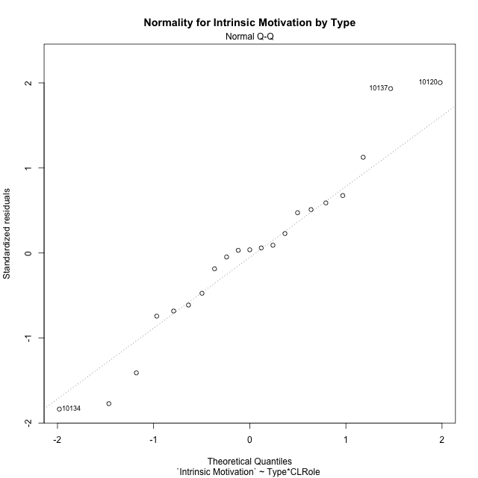

Levene's Test for Homogeneity of Variance in Intrinsic Motivation by Type
Df | F value | Pr(>F)
3 | 1.6091357305 | 0.22431389145
17

Plots for homogeneity of variance
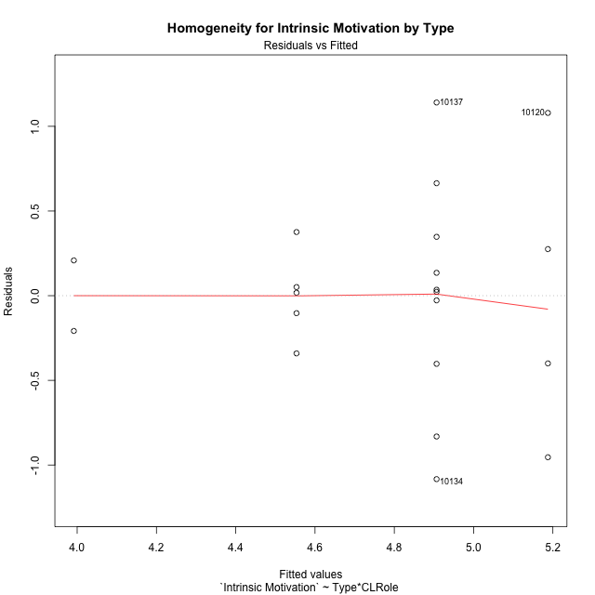

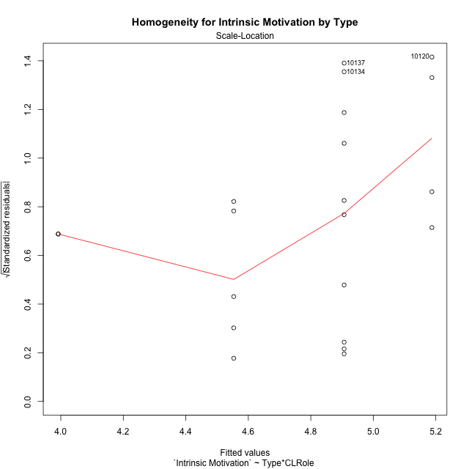

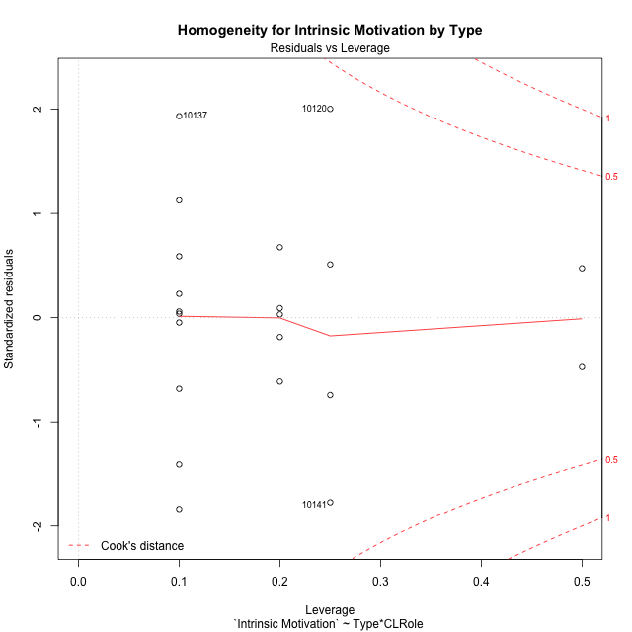

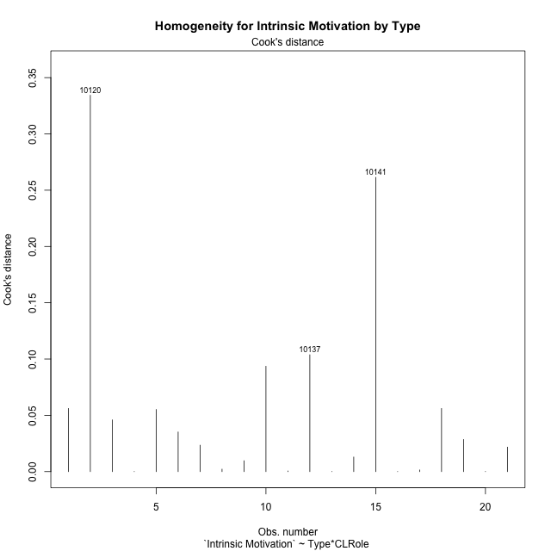

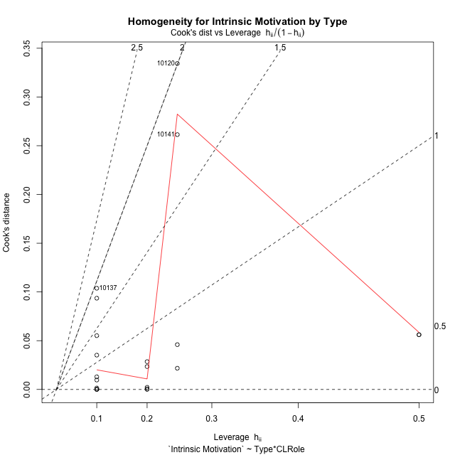

Minimum Sample Size Test for Intrinsic Motivation by Type
Type | CLRole | Freq
non-gamified | Apprentice | 5
ont-gamified | Apprentice | 10
non-gamified | Master | 2
ont-gamified | Master | 4

Errors and Warnings in Sample Size Test for ANOVA in Intrinsic Motivation by Type
code | description
WARN: sample.size | current size is 5 and recommended size is 15 for the group: 'non-gamified:Apprentice'.
WARN: sample.size | current size is 10 and recommended size is 15 for the group: 'ont-gamified:Apprentice'.
FAIL: min.size | current size is 2 but the minimal recomended size is 5 for the group: 'non-gamified:Master'.
FAIL: min.size | current size is 4 but the minimal recomended size is 5 for the group: 'ont-gamified:Master'.

For the group: 'non-gamified:Apprentice', we recommend the use of non-parametric test. For the group: 'ont-gamified:Apprentice', we recommend the use of non-parametric test. For the group: 'non-gamified:Master', we recommend the use of non-parametric test. For the group: 'ont-gamified:Master', we recommend the use of non-parametric test.

Post-hoc
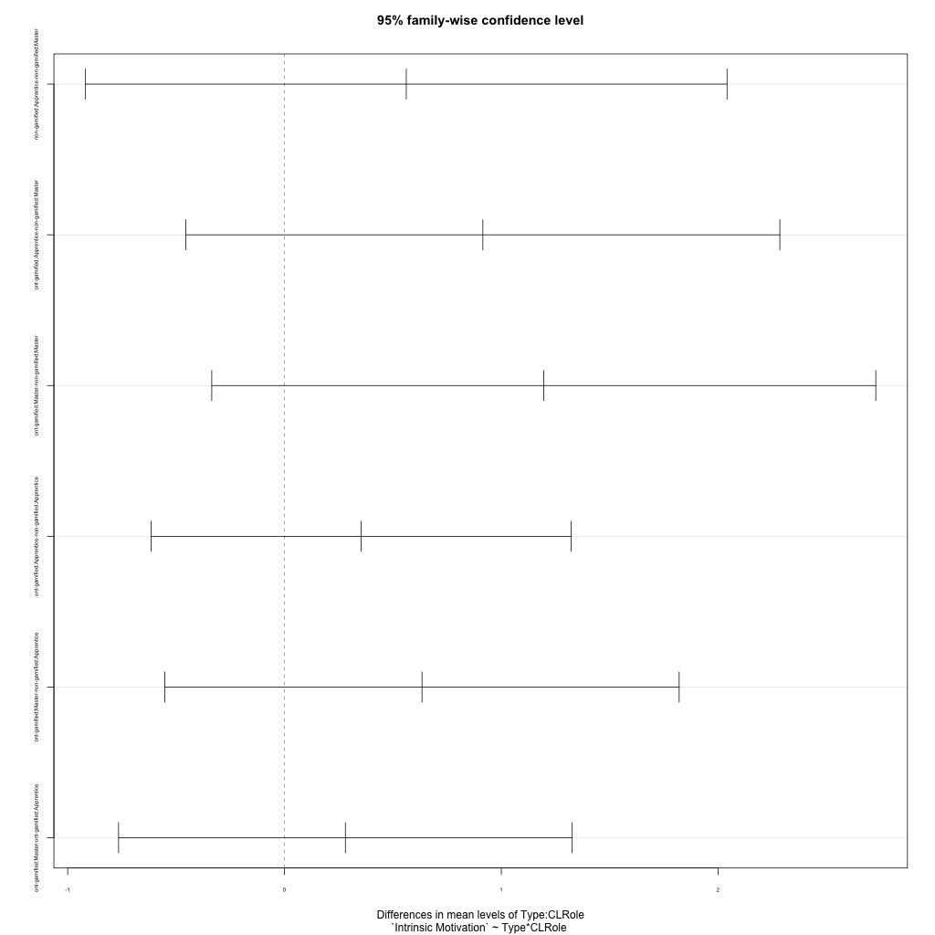
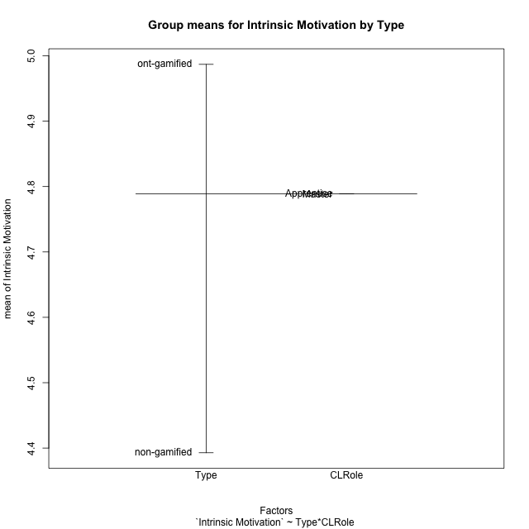
Post-hoc Tukey Honestly Significant Difference (HSD) Test for Intrinsic Motivation by Type

Comparisons of means for Type
 | diff | lwr | upr | p adj
ont-gamified-non-gamified | 0.59404761905 | -0.013530904662 | 1.2016261428 | 0.054748841289

Comparisons of means for CLRole
 | diff | lwr | upr | p adj
Master-Apprentice | 0 | -0.63400721099 | 0.63400721099 | 1

Comparisons of means for Type:CLRole
 | diff | lwr | upr | p adj
non-gamified:Apprentice-non-gamified:Master | 0.56166666667 | -0.91784962446 | 2.0411829578 | 0.70645954264
ont-gamified:Apprentice-non-gamified:Master | 0.915 | -0.45476592027 | 2.2847659203 | 0.2651958457
ont-gamified:Master-non-gamified:Master | 1.1958333333 | -0.33561152215 | 2.7272781888 | 0.15772630765
ont-gamified:Apprentice-non-gamified:Apprentice | 0.35333333333 | -0.61523743752 | 1.3219041042 | 0.73065932618
ont-gamified:Master-non-gamified:Apprentice | 0.63416666667 | -0.55208541752 | 1.8204187509 | 0.44812021663
ont-gamified:Master-ont-gamified:Apprentice | 0.28083333333 | -0.765342669 | 1.3270093357 | 0.86983977179

Contrast Matrices for Intrinsic Motivation by Type - Type
contrast | estimate | SE | df | t.ratio | p.value
non-gamified - ont-gamified | -0.77458333333 | 0.31873222746 | 17 | -2.4302008601 | 0.026456731065

Contrast Matrices for Intrinsic Motivation by Type - Type:CLRole
contrast | CLRole | estimate | SE | df | t.ratio | p.value
non-gamified - ont-gamified | Apprentice | -0.35333333333 | 0.3407390838 | 17 | -1.0369615642 | 0.31427952006
non-gamified - ont-gamified | Master | -1.1958333333 | 0.53875579632 | 17 | -2.2196203577 | 0.040334954365

Least Squares Means and Confidence Intervals for Type
Type | lsmean | SE | df | lower.CL | upper.CL | Pairs
non-gamified | 4.2725 | 0.26024377396 | 17 | 3.7234336317 | 4.8215663683 | non-gamified
ont-gamified | 5.0470833333 | 0.18402013733 | 17 | 4.658834781 | 5.4353318857 | ont-gamified

Least Squares Means and Confidence Intervals for Type:CLRole
Type | CLRole | lsmean | SE | df | lower.CL | upper.CL | Pairs
non-gamified | Apprentice | 4.5533333333 | 0.27821229691 | 17 | 3.9663566954 | 5.1403099713 | non-gamified.Apprentice
ont-gamified | Apprentice | 4.9066666667 | 0.19672580175 | 17 | 4.4916115056 | 5.3217218278 | ont-gamified.Apprentice
non-gamified | Master | 3.9916666667 | 0.43989226565 | 17 | 3.063575112 | 4.9197582213 | non-gamified.Master
ont-gamified | Master | 5.1875 | 0.31105080403 | 17 | 4.5312401682 | 5.8437598318 | ont-gamified.Master

Plots

Type_1
Student's t-Test for Intrinsic Motivation by Type in Type between non-gamified:ont-gamified

Student's t-Test results
Alternative hypothesis: less
Group | N | Mean | Mean.Difference | Std.deviation | Std.error | CI.lower | CI.upper | df | t.value | p.value | g | magnitude
non-gamified | 7 | 4.3928571429 | -0.59404761905 | 0.36706206562 | 0.13873642019 | 4.1153843025 | 4.6703299832 | 18.884923522 | -2.5406694181 | 0.010004708968 | -0.92287973439 | large
ont-gamified | 14 | 4.9869047619 | 0.59404761905 | 0.70420580336 | 0.18820691757 | 4.6104909268 | 5.363318597 | 18.884923522 | -2.5406694181 | 0.010004708968 | -0.92287973439 | large
Alternative hypothesis: greater
Group | N | Mean | Mean.Difference | Std.deviation | Std.error | CI.lower | CI.upper | df | t.value | p.value | g | magnitude
non-gamified | 7 | 4.3928571429 | -0.59404761905 | 0.36706206562 | 0.13873642019 | 4.1153843025 | 4.6703299832 | 18.884923522 | -2.5406694181 | 0.98999529103 | -0.92287973439 | large
ont-gamified | 14 | 4.9869047619 | 0.59404761905 | 0.70420580336 | 0.18820691757 | 4.6104909268 | 5.363318597 | 18.884923522 | -2.5406694181 | 0.98999529103 | -0.92287973439 | large
Alternative hypothesis: two.sided
Group | N | Mean | Mean.Difference | Std.deviation | Std.error | CI.lower | CI.upper | df | t.value | p.value | g | magnitude
non-gamified | 7 | 4.3928571429 | -0.59404761905 | 0.36706206562 | 0.13873642019 | 4.1153843025 | 4.6703299832 | 18.884923522 | -2.5406694181 | 0.020009417936 | -0.92287973439 | large
ont-gamified | 14 | 4.9869047619 | 0.59404761905 | 0.70420580336 | 0.18820691757 | 4.6104909268 | 5.363318597 | 18.884923522 | -2.5406694181 | 0.020009417936 | -0.92287973439 | large

Box plots for Student's t-Test
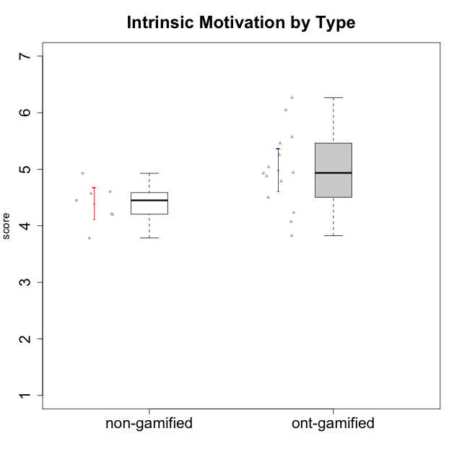

Student's t-Test data
UserID | Type | CLGroup | CLRole | PlayerRole | Interest/Enjoyment | Perceived Choice | Pressure/Tension | Effort/Importance | Intrinsic Motivation
10116 | non-gamified | GroupC | Master |  | 3.8333333333 | 2.8 | 3.5 | 4 | 3.7833333333
10120 | ont-gamified | Grupo Hélio | Master | Yee Socializer | 5.8333333333 | 6.4 | 1.5 | 6.1492666667 | 6.2666666667
10121 | ont-gamified | Grupo Hades | Master | Yee Achiever | 4.5 | 5.4 | 3.75 | 5 | 4.7875
10122 | non-gamified | GroupB | Apprentice |  | 3.0174 | 6.2 | 2.25 | 5 | 4.5708333333
10123 | ont-gamified | Grupo Morfeu | Apprentice | Yee Achiever | 2.6666666667 | 4.8 | 3.5 | 4.3333333333 | 4.075
10126 | ont-gamified | Grupo Hélio | Apprentice | Yee Socializer | 5.3333333333 | 6.2 | 2.25 | 5 | 5.5708333333
10129 | non-gamified | GroupB | Apprentice |  | 3.0174 | 3.2 | 5.2239 | 5.3333333333 | 4.2125383333
10130 | non-gamified | GroupC | Apprentice |  | 4.6666666667 | 3.8 | 5 | 6.3333333333 | 4.45
10131 | ont-gamified | Grupo Zeus | Apprentice | Yee Achiever | 6.1666666667 | 2.6 | 1.75 | 6 | 5.2541666667
10134 | ont-gamified | Grupo Apolo | Apprentice | Yee Socializer | 2.1123333333 | 3 | 3.75 | 4 | 3.8234666667
10135 | non-gamified | GroupB | Apprentice |  | 4.5 | 5 | 3.75 | 4.6666666667 | 4.6041666667
10137 | ont-gamified | Grupo Morfeu | Apprentice | Yee Achiever | 5.5 | 6.4 | 1 | 6.3333333333 | 6.0473666667
10138 | ont-gamified | Grupo Hélio | Apprentice | Yee Socializer | 4.6666666667 | 3.6 | 3.75 | 7 | 4.8791666667
10139 | ont-gamified | Grupo Zeus | Apprentice | Yee Achiever | 3.6666666667 | 4.6 | 2.25 | 4 | 4.5041666667
10141 | ont-gamified | Grupo Apolo | Master | Yee Socializer | 4 | 4.0174 | 3 | 4.3333333333 | 4.2333333333
10142 | ont-gamified | Grupo Hades | Apprentice | Yee Achiever | 4.6666666667 | 3.8 | 1.75 | 5 | 4.9291666667
10143 | ont-gamified | Grupo Apolo | Apprentice | Yee Socializer | 4.1666666667 | 5 | 3 | 6 | 5.0416666667
10145 | non-gamified | GroupB | Master |  | 3 | 2.8 | 4 | 7 | 4.2
10146 | non-gamified | GroupA | Apprentice |  | 5 | 5 | 2.5 | 6.3333333333 | 4.9291283333
10148 | ont-gamified | Grupo Apolo | Apprentice | Yee Socializer | 4.3333333333 | 5.6 | 4.5 | 6.3333333333 | 4.9416666667
10152 | ont-gamified | Grupo Morfeu | Master | Yee Achiever | 6.971 | 5.6 | 2.75 | 4 | 5.4625

Type_CLRole_1
Student's t-Test for Intrinsic Motivation by Type in Type:CLRole between non-gamified.Apprentice:non-gamified.Master

Student's t-Test results
Alternative hypothesis: less
Group | N | Mean | Mean.Difference | Std.deviation | Std.error | CI.lower | CI.upper | df | t.value | p.value | g | magnitude
non-gamified.Apprentice | 5 | 4.5533333333 | 0.56166666667 | 0.26025524471 | 0.11638968374 | 4.3205539659 | 4.7861127008 | 1.6807084792 | 2.3536090055 | 0.9168510593 | 1.7682687459 | large
non-gamified.Master | 2 | 3.9916666667 | -0.56166666667 | 0.29462782549 | 0.20833333333 | 3.575 | 4.4083333333 | 1.6807084792 | 2.3536090055 | 0.9168510593 | 1.7682687459 | large
Alternative hypothesis: greater
Group | N | Mean | Mean.Difference | Std.deviation | Std.error | CI.lower | CI.upper | df | t.value | p.value | g | magnitude
non-gamified.Apprentice | 5 | 4.5533333333 | 0.56166666667 | 0.26025524471 | 0.11638968374 | 4.3205539659 | 4.7861127008 | 1.6807084792 | 2.3536090055 | 0.083148940696 | 1.7682687459 | large
non-gamified.Master | 2 | 3.9916666667 | -0.56166666667 | 0.29462782549 | 0.20833333333 | 3.575 | 4.4083333333 | 1.6807084792 | 2.3536090055 | 0.083148940696 | 1.7682687459 | large
Alternative hypothesis: two.sided
Group | N | Mean | Mean.Difference | Std.deviation | Std.error | CI.lower | CI.upper | df | t.value | p.value | g | magnitude
non-gamified.Apprentice | 5 | 4.5533333333 | 0.56166666667 | 0.26025524471 | 0.11638968374 | 4.3205539659 | 4.7861127008 | 1.6807084792 | 2.3536090055 | 0.16629788139 | 1.7682687459 | large
non-gamified.Master | 2 | 3.9916666667 | -0.56166666667 | 0.29462782549 | 0.20833333333 | 3.575 | 4.4083333333 | 1.6807084792 | 2.3536090055 | 0.16629788139 | 1.7682687459 | large

Box plots for Student's t-Test
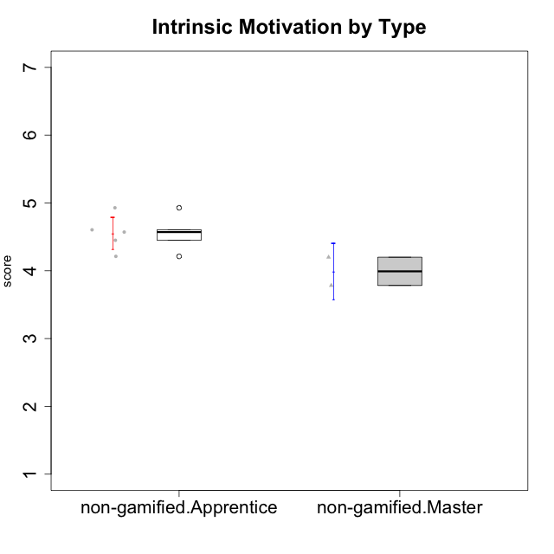

Student's t-Test data
UserID | Type | CLGroup | CLRole | PlayerRole | Interest/Enjoyment | Perceived Choice | Pressure/Tension | Effort/Importance | Intrinsic Motivation
10116 | non-gamified | GroupC | Master |  | 3.8333333333 | 2.8 | 3.5 | 4 | 3.7833333333
10122 | non-gamified | GroupB | Apprentice |  | 3.0174 | 6.2 | 2.25 | 5 | 4.5708333333
10129 | non-gamified | GroupB | Apprentice |  | 3.0174 | 3.2 | 5.2239 | 5.3333333333 | 4.2125383333
10130 | non-gamified | GroupC | Apprentice |  | 4.6666666667 | 3.8 | 5 | 6.3333333333 | 4.45
10135 | non-gamified | GroupB | Apprentice |  | 4.5 | 5 | 3.75 | 4.6666666667 | 4.6041666667
10145 | non-gamified | GroupB | Master |  | 3 | 2.8 | 4 | 7 | 4.2
10146 | non-gamified | GroupA | Apprentice |  | 5 | 5 | 2.5 | 6.3333333333 | 4.9291283333

Type_CLRole_2
Student's t-Test for Intrinsic Motivation by Type in Type:CLRole between non-gamified.Apprentice:ont-gamified.Apprentice

Student's t-Test results
Alternative hypothesis: less
Group | N | Mean | Mean.Difference | Std.deviation | Std.error | CI.lower | CI.upper | df | t.value | p.value | g | magnitude
non-gamified.Apprentice | 5 | 4.5533333333 | -0.35333333333 | 0.26025524471 | 0.11638968374 | 4.3205539659 | 4.7861127008 | 12.707426299 | -1.4799546881 | 0.081623196393 | -0.58634105452 | medium
ont-gamified.Apprentice | 10 | 4.9066666667 | 0.35333333333 | 0.65918978346 | 0.2084541126 | 4.4897584415 | 5.3235748919 | 12.707426299 | -1.4799546881 | 0.081623196393 | -0.58634105452 | medium
Alternative hypothesis: greater
Group | N | Mean | Mean.Difference | Std.deviation | Std.error | CI.lower | CI.upper | df | t.value | p.value | g | magnitude
non-gamified.Apprentice | 5 | 4.5533333333 | -0.35333333333 | 0.26025524471 | 0.11638968374 | 4.3205539659 | 4.7861127008 | 12.707426299 | -1.4799546881 | 0.91837680361 | -0.58634105452 | medium
ont-gamified.Apprentice | 10 | 4.9066666667 | 0.35333333333 | 0.65918978346 | 0.2084541126 | 4.4897584415 | 5.3235748919 | 12.707426299 | -1.4799546881 | 0.91837680361 | -0.58634105452 | medium
Alternative hypothesis: two.sided
Group | N | Mean | Mean.Difference | Std.deviation | Std.error | CI.lower | CI.upper | df | t.value | p.value | g | magnitude
non-gamified.Apprentice | 5 | 4.5533333333 | -0.35333333333 | 0.26025524471 | 0.11638968374 | 4.3205539659 | 4.7861127008 | 12.707426299 | -1.4799546881 | 0.16324639279 | -0.58634105452 | medium
ont-gamified.Apprentice | 10 | 4.9066666667 | 0.35333333333 | 0.65918978346 | 0.2084541126 | 4.4897584415 | 5.3235748919 | 12.707426299 | -1.4799546881 | 0.16324639279 | -0.58634105452 | medium

Box plots for Student's t-Test
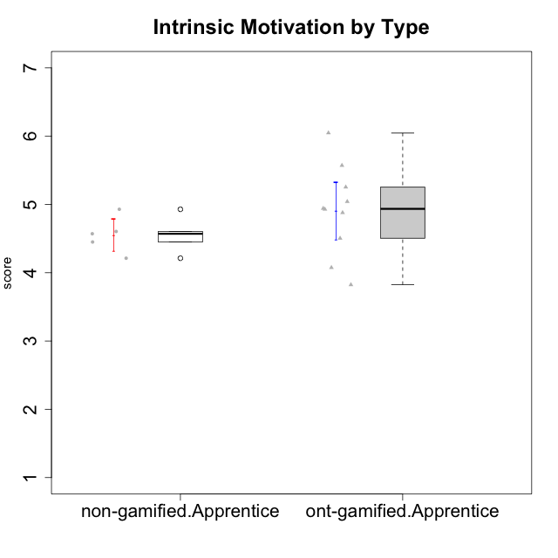

Student's t-Test data
UserID | Type | CLGroup | CLRole | PlayerRole | Interest/Enjoyment | Perceived Choice | Pressure/Tension | Effort/Importance | Intrinsic Motivation
10122 | non-gamified | GroupB | Apprentice |  | 3.0174 | 6.2 | 2.25 | 5 | 4.5708333333
10123 | ont-gamified | Grupo Morfeu | Apprentice | Yee Achiever | 2.6666666667 | 4.8 | 3.5 | 4.3333333333 | 4.075
10126 | ont-gamified | Grupo Hélio | Apprentice | Yee Socializer | 5.3333333333 | 6.2 | 2.25 | 5 | 5.5708333333
10129 | non-gamified | GroupB | Apprentice |  | 3.0174 | 3.2 | 5.2239 | 5.3333333333 | 4.2125383333
10130 | non-gamified | GroupC | Apprentice |  | 4.6666666667 | 3.8 | 5 | 6.3333333333 | 4.45
10131 | ont-gamified | Grupo Zeus | Apprentice | Yee Achiever | 6.1666666667 | 2.6 | 1.75 | 6 | 5.2541666667
10134 | ont-gamified | Grupo Apolo | Apprentice | Yee Socializer | 2.1123333333 | 3 | 3.75 | 4 | 3.8234666667
10135 | non-gamified | GroupB | Apprentice |  | 4.5 | 5 | 3.75 | 4.6666666667 | 4.6041666667
10137 | ont-gamified | Grupo Morfeu | Apprentice | Yee Achiever | 5.5 | 6.4 | 1 | 6.3333333333 | 6.0473666667
10138 | ont-gamified | Grupo Hélio | Apprentice | Yee Socializer | 4.6666666667 | 3.6 | 3.75 | 7 | 4.8791666667
10139 | ont-gamified | Grupo Zeus | Apprentice | Yee Achiever | 3.6666666667 | 4.6 | 2.25 | 4 | 4.5041666667
10142 | ont-gamified | Grupo Hades | Apprentice | Yee Achiever | 4.6666666667 | 3.8 | 1.75 | 5 | 4.9291666667
10143 | ont-gamified | Grupo Apolo | Apprentice | Yee Socializer | 4.1666666667 | 5 | 3 | 6 | 5.0416666667
10146 | non-gamified | GroupA | Apprentice |  | 5 | 5 | 2.5 | 6.3333333333 | 4.9291283333
10148 | ont-gamified | Grupo Apolo | Apprentice | Yee Socializer | 4.3333333333 | 5.6 | 4.5 | 6.3333333333 | 4.9416666667

Type_CLRole_3
Student's t-Test for Intrinsic Motivation by Type in Type:CLRole between non-gamified.Apprentice:ont-gamified.Master

Student's t-Test results
Alternative hypothesis: less
Group | N | Mean | Mean.Difference | Std.deviation | Std.error | CI.lower | CI.upper | df | t.value | p.value | g | magnitude
non-gamified.Apprentice | 5 | 4.5533333333 | -0.63416666667 | 0.26025524471 | 0.11638968374 | 4.3205539659 | 4.7861127008 | 3.4242470457 | -1.396891894 | 0.12307165464 | -0.92823127744 | large
ont-gamified.Master | 4 | 5.1875 | 0.63416666667 | 0.87762173367 | 0.43881086683 | 4.3098782663 | 6.0651217337 | 3.4242470457 | -1.396891894 | 0.12307165464 | -0.92823127744 | large
Alternative hypothesis: greater
Group | N | Mean | Mean.Difference | Std.deviation | Std.error | CI.lower | CI.upper | df | t.value | p.value | g | magnitude
non-gamified.Apprentice | 5 | 4.5533333333 | -0.63416666667 | 0.26025524471 | 0.11638968374 | 4.3205539659 | 4.7861127008 | 3.4242470457 | -1.396891894 | 0.87692834536 | -0.92823127744 | large
ont-gamified.Master | 4 | 5.1875 | 0.63416666667 | 0.87762173367 | 0.43881086683 | 4.3098782663 | 6.0651217337 | 3.4242470457 | -1.396891894 | 0.87692834536 | -0.92823127744 | large
Alternative hypothesis: two.sided
Group | N | Mean | Mean.Difference | Std.deviation | Std.error | CI.lower | CI.upper | df | t.value | p.value | g | magnitude
non-gamified.Apprentice | 5 | 4.5533333333 | -0.63416666667 | 0.26025524471 | 0.11638968374 | 4.3205539659 | 4.7861127008 | 3.4242470457 | -1.396891894 | 0.24614330927 | -0.92823127744 | large
ont-gamified.Master | 4 | 5.1875 | 0.63416666667 | 0.87762173367 | 0.43881086683 | 4.3098782663 | 6.0651217337 | 3.4242470457 | -1.396891894 | 0.24614330927 | -0.92823127744 | large

Box plots for Student's t-Test
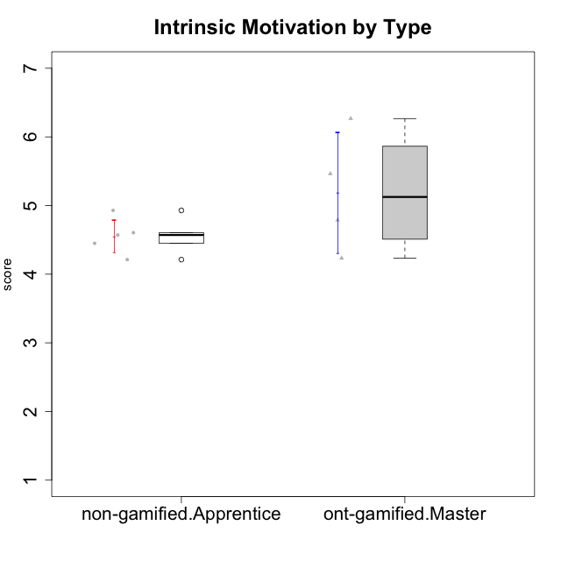

Student's t-Test data
UserID | Type | CLGroup | CLRole | PlayerRole | Interest/Enjoyment | Perceived Choice | Pressure/Tension | Effort/Importance | Intrinsic Motivation
10120 | ont-gamified | Grupo Hélio | Master | Yee Socializer | 5.8333333333 | 6.4 | 1.5 | 6.1492666667 | 6.2666666667
10121 | ont-gamified | Grupo Hades | Master | Yee Achiever | 4.5 | 5.4 | 3.75 | 5 | 4.7875
10122 | non-gamified | GroupB | Apprentice |  | 3.0174 | 6.2 | 2.25 | 5 | 4.5708333333
10129 | non-gamified | GroupB | Apprentice |  | 3.0174 | 3.2 | 5.2239 | 5.3333333333 | 4.2125383333
10130 | non-gamified | GroupC | Apprentice |  | 4.6666666667 | 3.8 | 5 | 6.3333333333 | 4.45
10135 | non-gamified | GroupB | Apprentice |  | 4.5 | 5 | 3.75 | 4.6666666667 | 4.6041666667
10141 | ont-gamified | Grupo Apolo | Master | Yee Socializer | 4 | 4.0174 | 3 | 4.3333333333 | 4.2333333333
10146 | non-gamified | GroupA | Apprentice |  | 5 | 5 | 2.5 | 6.3333333333 | 4.9291283333
10152 | ont-gamified | Grupo Morfeu | Master | Yee Achiever | 6.971 | 5.6 | 2.75 | 4 | 5.4625

Type_CLRole_4
Student's t-Test for Intrinsic Motivation by Type in Type:CLRole between non-gamified.Master:ont-gamified.Apprentice

Student's t-Test results
Alternative hypothesis: less
Group | N | Mean | Mean.Difference | Std.deviation | Std.error | CI.lower | CI.upper | df | t.value | p.value | g | magnitude
non-gamified.Master | 2 | 3.9916666667 | -0.915 | 0.29462782549 | 0.20833333333 | 3.575 | 4.4083333333 | 3.6033402244 | -3.1047128887 | 0.020757251156 | -1.3358573217 | large
ont-gamified.Apprentice | 10 | 4.9066666667 | 0.915 | 0.65918978346 | 0.2084541126 | 4.4897584415 | 5.3235748919 | 3.6033402244 | -3.1047128887 | 0.020757251156 | -1.3358573217 | large
Alternative hypothesis: greater
Group | N | Mean | Mean.Difference | Std.deviation | Std.error | CI.lower | CI.upper | df | t.value | p.value | g | magnitude
non-gamified.Master | 2 | 3.9916666667 | -0.915 | 0.29462782549 | 0.20833333333 | 3.575 | 4.4083333333 | 3.6033402244 | -3.1047128887 | 0.97924274884 | -1.3358573217 | large
ont-gamified.Apprentice | 10 | 4.9066666667 | 0.915 | 0.65918978346 | 0.2084541126 | 4.4897584415 | 5.3235748919 | 3.6033402244 | -3.1047128887 | 0.97924274884 | -1.3358573217 | large
Alternative hypothesis: two.sided
Group | N | Mean | Mean.Difference | Std.deviation | Std.error | CI.lower | CI.upper | df | t.value | p.value | g | magnitude
non-gamified.Master | 2 | 3.9916666667 | -0.915 | 0.29462782549 | 0.20833333333 | 3.575 | 4.4083333333 | 3.6033402244 | -3.1047128887 | 0.041514502313 | -1.3358573217 | large
ont-gamified.Apprentice | 10 | 4.9066666667 | 0.915 | 0.65918978346 | 0.2084541126 | 4.4897584415 | 5.3235748919 | 3.6033402244 | -3.1047128887 | 0.041514502313 | -1.3358573217 | large

Box plots for Student's t-Test
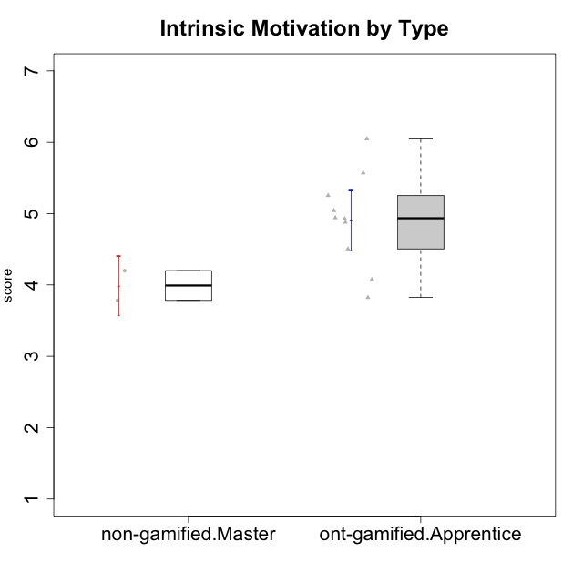

Student's t-Test data
UserID | Type | CLGroup | CLRole | PlayerRole | Interest/Enjoyment | Perceived Choice | Pressure/Tension | Effort/Importance | Intrinsic Motivation
10116 | non-gamified | GroupC | Master |  | 3.8333333333 | 2.8 | 3.5 | 4 | 3.7833333333
10123 | ont-gamified | Grupo Morfeu | Apprentice | Yee Achiever | 2.6666666667 | 4.8 | 3.5 | 4.3333333333 | 4.075
10126 | ont-gamified | Grupo Hélio | Apprentice | Yee Socializer | 5.3333333333 | 6.2 | 2.25 | 5 | 5.5708333333
10131 | ont-gamified | Grupo Zeus | Apprentice | Yee Achiever | 6.1666666667 | 2.6 | 1.75 | 6 | 5.2541666667
10134 | ont-gamified | Grupo Apolo | Apprentice | Yee Socializer | 2.1123333333 | 3 | 3.75 | 4 | 3.8234666667
10137 | ont-gamified | Grupo Morfeu | Apprentice | Yee Achiever | 5.5 | 6.4 | 1 | 6.3333333333 | 6.0473666667
10138 | ont-gamified | Grupo Hélio | Apprentice | Yee Socializer | 4.6666666667 | 3.6 | 3.75 | 7 | 4.8791666667
10139 | ont-gamified | Grupo Zeus | Apprentice | Yee Achiever | 3.6666666667 | 4.6 | 2.25 | 4 | 4.5041666667
10142 | ont-gamified | Grupo Hades | Apprentice | Yee Achiever | 4.6666666667 | 3.8 | 1.75 | 5 | 4.9291666667
10143 | ont-gamified | Grupo Apolo | Apprentice | Yee Socializer | 4.1666666667 | 5 | 3 | 6 | 5.0416666667
10145 | non-gamified | GroupB | Master |  | 3 | 2.8 | 4 | 7 | 4.2
10148 | ont-gamified | Grupo Apolo | Apprentice | Yee Socializer | 4.3333333333 | 5.6 | 4.5 | 6.3333333333 | 4.9416666667

Type_CLRole_5
Student's t-Test for Intrinsic Motivation by Type in Type:CLRole between non-gamified.Master:ont-gamified.Master

Student's t-Test results
Alternative hypothesis: less
Group | N | Mean | Mean.Difference | Std.deviation | Std.error | CI.lower | CI.upper | df | t.value | p.value | g | magnitude
non-gamified.Master | 2 | 3.9916666667 | -1.1958333333 | 0.29462782549 | 0.20833333333 | 3.575 | 4.4083333333 | 3.9090285261 | -2.4618043097 | 0.035511109474 | -1.235704063 | large
ont-gamified.Master | 4 | 5.1875 | 1.1958333333 | 0.87762173367 | 0.43881086683 | 4.3098782663 | 6.0651217337 | 3.9090285261 | -2.4618043097 | 0.035511109474 | -1.235704063 | large
Alternative hypothesis: greater
Group | N | Mean | Mean.Difference | Std.deviation | Std.error | CI.lower | CI.upper | df | t.value | p.value | g | magnitude
non-gamified.Master | 2 | 3.9916666667 | -1.1958333333 | 0.29462782549 | 0.20833333333 | 3.575 | 4.4083333333 | 3.9090285261 | -2.4618043097 | 0.96448889053 | -1.235704063 | large
ont-gamified.Master | 4 | 5.1875 | 1.1958333333 | 0.87762173367 | 0.43881086683 | 4.3098782663 | 6.0651217337 | 3.9090285261 | -2.4618043097 | 0.96448889053 | -1.235704063 | large
Alternative hypothesis: two.sided
Group | N | Mean | Mean.Difference | Std.deviation | Std.error | CI.lower | CI.upper | df | t.value | p.value | g | magnitude
non-gamified.Master | 2 | 3.9916666667 | -1.1958333333 | 0.29462782549 | 0.20833333333 | 3.575 | 4.4083333333 | 3.9090285261 | -2.4618043097 | 0.071022218949 | -1.235704063 | large
ont-gamified.Master | 4 | 5.1875 | 1.1958333333 | 0.87762173367 | 0.43881086683 | 4.3098782663 | 6.0651217337 | 3.9090285261 | -2.4618043097 | 0.071022218949 | -1.235704063 | large

Box plots for Student's t-Test
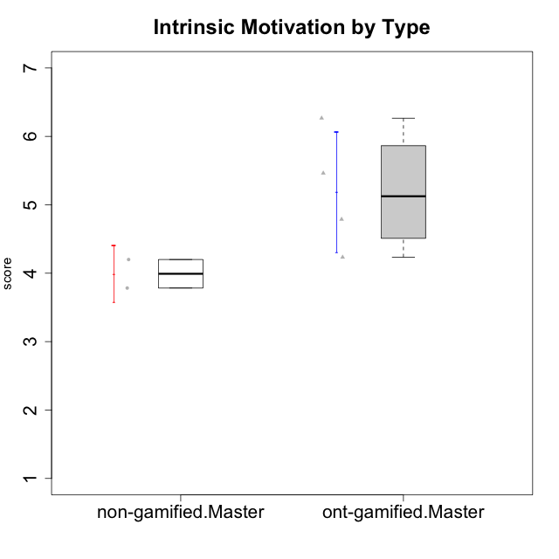

Student's t-Test data
UserID | Type | CLGroup | CLRole | PlayerRole | Interest/Enjoyment | Perceived Choice | Pressure/Tension | Effort/Importance | Intrinsic Motivation
10116 | non-gamified | GroupC | Master |  | 3.8333333333 | 2.8 | 3.5 | 4 | 3.7833333333
10120 | ont-gamified | Grupo Hélio | Master | Yee Socializer | 5.8333333333 | 6.4 | 1.5 | 6.1492666667 | 6.2666666667
10121 | ont-gamified | Grupo Hades | Master | Yee Achiever | 4.5 | 5.4 | 3.75 | 5 | 4.7875
10141 | ont-gamified | Grupo Apolo | Master | Yee Socializer | 4 | 4.0174 | 3 | 4.3333333333 | 4.2333333333
10145 | non-gamified | GroupB | Master |  | 3 | 2.8 | 4 | 7 | 4.2
10152 | ont-gamified | Grupo Morfeu | Master | Yee Achiever | 6.971 | 5.6 | 2.75 | 4 | 5.4625

Type_CLRole_6
Student's t-Test for Intrinsic Motivation by Type in Type:CLRole between ont-gamified.Apprentice:ont-gamified.Master

Student's t-Test results
Alternative hypothesis: less
Group | N | Mean | Mean.Difference | Std.deviation | Std.error | CI.lower | CI.upper | df | t.value | p.value | g | magnitude
ont-gamified.Apprentice | 10 | 4.9066666667 | -0.28083333333 | 0.65918978346 | 0.2084541126 | 4.4897584415 | 5.3235748919 | 4.431545923 | -0.5780763554 | 0.2956645068 | -0.36513093466 | small
ont-gamified.Master | 4 | 5.1875 | 0.28083333333 | 0.87762173367 | 0.43881086683 | 4.3098782663 | 6.0651217337 | 4.431545923 | -0.5780763554 | 0.2956645068 | -0.36513093466 | small
Alternative hypothesis: greater
Group | N | Mean | Mean.Difference | Std.deviation | Std.error | CI.lower | CI.upper | df | t.value | p.value | g | magnitude
ont-gamified.Apprentice | 10 | 4.9066666667 | -0.28083333333 | 0.65918978346 | 0.2084541126 | 4.4897584415 | 5.3235748919 | 4.431545923 | -0.5780763554 | 0.7043354932 | -0.36513093466 | small
ont-gamified.Master | 4 | 5.1875 | 0.28083333333 | 0.87762173367 | 0.43881086683 | 4.3098782663 | 6.0651217337 | 4.431545923 | -0.5780763554 | 0.7043354932 | -0.36513093466 | small
Alternative hypothesis: two.sided
Group | N | Mean | Mean.Difference | Std.deviation | Std.error | CI.lower | CI.upper | df | t.value | p.value | g | magnitude
ont-gamified.Apprentice | 10 | 4.9066666667 | -0.28083333333 | 0.65918978346 | 0.2084541126 | 4.4897584415 | 5.3235748919 | 4.431545923 | -0.5780763554 | 0.5913290136 | -0.36513093466 | small
ont-gamified.Master | 4 | 5.1875 | 0.28083333333 | 0.87762173367 | 0.43881086683 | 4.3098782663 | 6.0651217337 | 4.431545923 | -0.5780763554 | 0.5913290136 | -0.36513093466 | small

Box plots for Student's t-Test
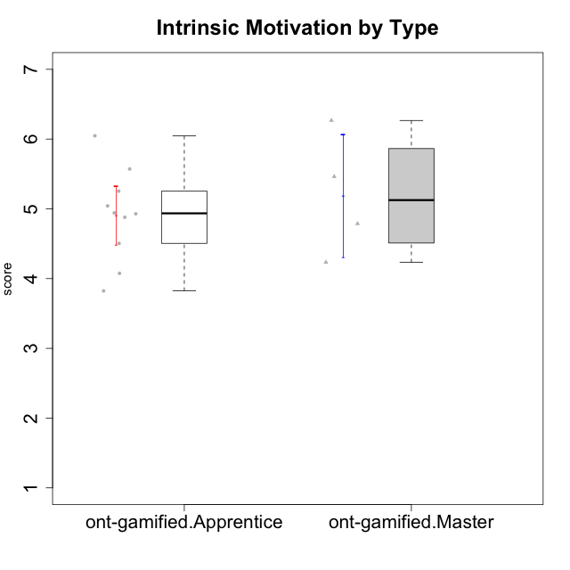

Student's t-Test data
UserID | Type | CLGroup | CLRole | PlayerRole | Interest/Enjoyment | Perceived Choice | Pressure/Tension | Effort/Importance | Intrinsic Motivation
10120 | ont-gamified | Grupo Hélio | Master | Yee Socializer | 5.8333333333 | 6.4 | 1.5 | 6.1492666667 | 6.2666666667
10121 | ont-gamified | Grupo Hades | Master | Yee Achiever | 4.5 | 5.4 | 3.75 | 5 | 4.7875
10123 | ont-gamified | Grupo Morfeu | Apprentice | Yee Achiever | 2.6666666667 | 4.8 | 3.5 | 4.3333333333 | 4.075
10126 | ont-gamified | Grupo Hélio | Apprentice | Yee Socializer | 5.3333333333 | 6.2 | 2.25 | 5 | 5.5708333333
10131 | ont-gamified | Grupo Zeus | Apprentice | Yee Achiever | 6.1666666667 | 2.6 | 1.75 | 6 | 5.2541666667
10134 | ont-gamified | Grupo Apolo | Apprentice | Yee Socializer | 2.1123333333 | 3 | 3.75 | 4 | 3.8234666667
10137 | ont-gamified | Grupo Morfeu | Apprentice | Yee Achiever | 5.5 | 6.4 | 1 | 6.3333333333 | 6.0473666667
10138 | ont-gamified | Grupo Hélio | Apprentice | Yee Socializer | 4.6666666667 | 3.6 | 3.75 | 7 | 4.8791666667
10139 | ont-gamified | Grupo Zeus | Apprentice | Yee Achiever | 3.6666666667 | 4.6 | 2.25 | 4 | 4.5041666667
10141 | ont-gamified | Grupo Apolo | Master | Yee Socializer | 4 | 4.0174 | 3 | 4.3333333333 | 4.2333333333
10142 | ont-gamified | Grupo Hades | Apprentice | Yee Achiever | 4.6666666667 | 3.8 | 1.75 | 5 | 4.9291666667
10143 | ont-gamified | Grupo Apolo | Apprentice | Yee Socializer | 4.1666666667 | 5 | 3 | 6 | 5.0416666667
10148 | ont-gamified | Grupo Apolo | Apprentice | Yee Socializer | 4.3333333333 | 5.6 | 4.5 | 6.3333333333 | 4.9416666667
10152 | ont-gamified | Grupo Morfeu | Master | Yee Achiever | 6.971 | 5.6 | 2.75 | 4 | 5.4625

