Assumptions
ANOVA assumptions for Perceived Choice by Type

Shapiro-Wilk normality test for Perceived Choice by Type
W | p.value
0.95798173771 | 0.47644126461

Plots for normality test
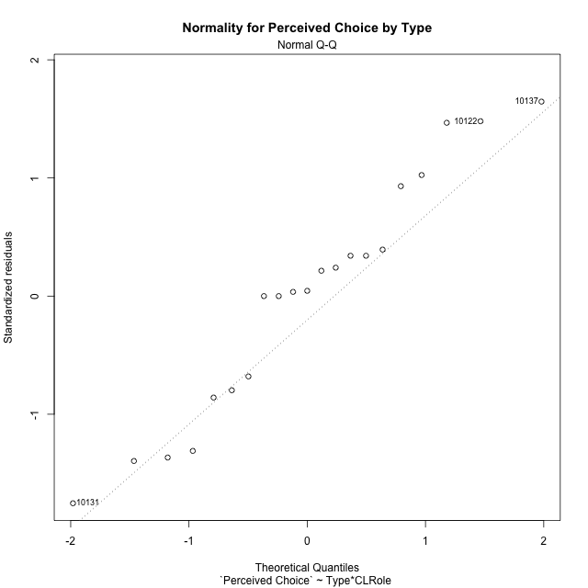

Levene's Test for Homogeneity of Variance in Perceived Choice by Type
Df | F value | Pr(>F)
3 | 1.2990059792 | 0.30706596213
17

Plots for homogeneity of variance
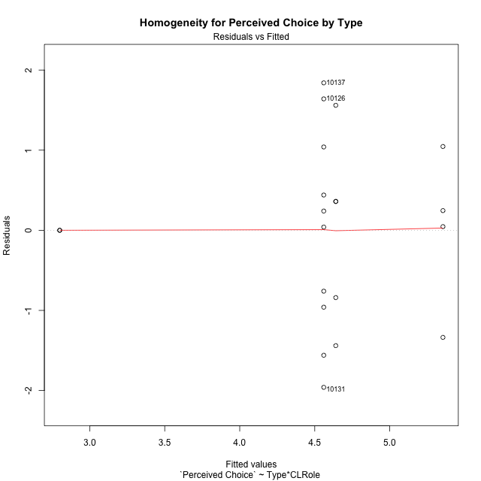

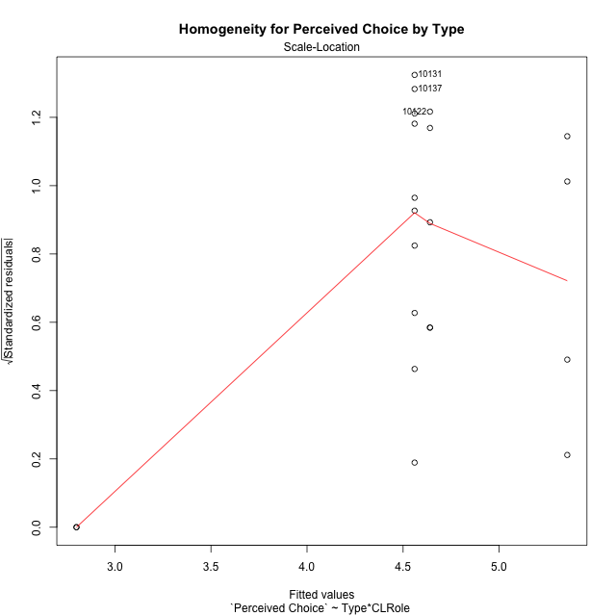

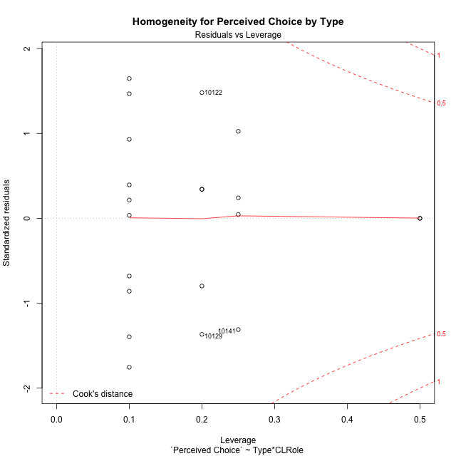

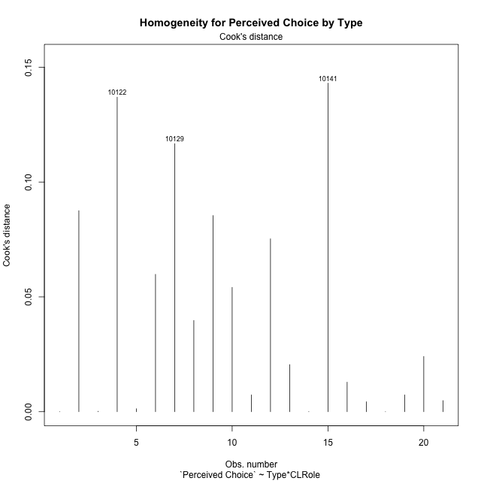

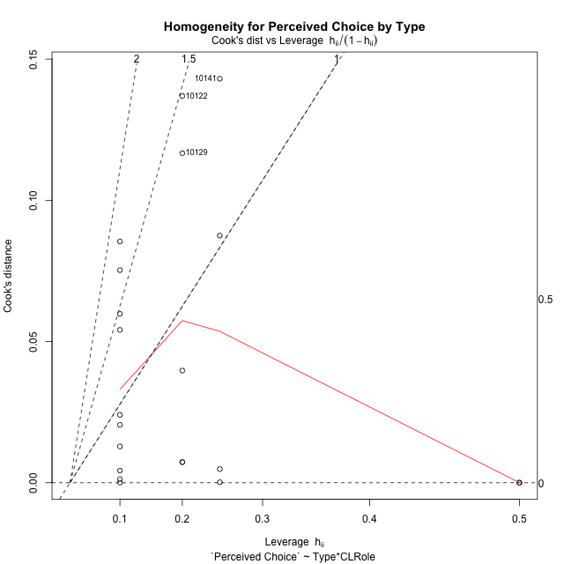

Minimum Sample Size Test for Perceived Choice by Type
Type | CLRole | Freq
non-gamified | Apprentice | 5
ont-gamified | Apprentice | 10
non-gamified | Master | 2
ont-gamified | Master | 4

Errors and Warnings in Sample Size Test for ANOVA in Perceived Choice by Type
code | description
WARN: sample.size | current size is 5 and recommended size is 15 for the group: 'non-gamified:Apprentice'.
WARN: sample.size | current size is 10 and recommended size is 15 for the group: 'ont-gamified:Apprentice'.
FAIL: min.size | current size is 2 but the minimal recomended size is 5 for the group: 'non-gamified:Master'.
FAIL: min.size | current size is 4 but the minimal recomended size is 5 for the group: 'ont-gamified:Master'.

For the group: 'non-gamified:Apprentice', we recommend the use of non-parametric test. For the group: 'ont-gamified:Apprentice', we recommend the use of non-parametric test. For the group: 'non-gamified:Master', we recommend the use of non-parametric test. For the group: 'ont-gamified:Master', we recommend the use of non-parametric test.

Post-hoc
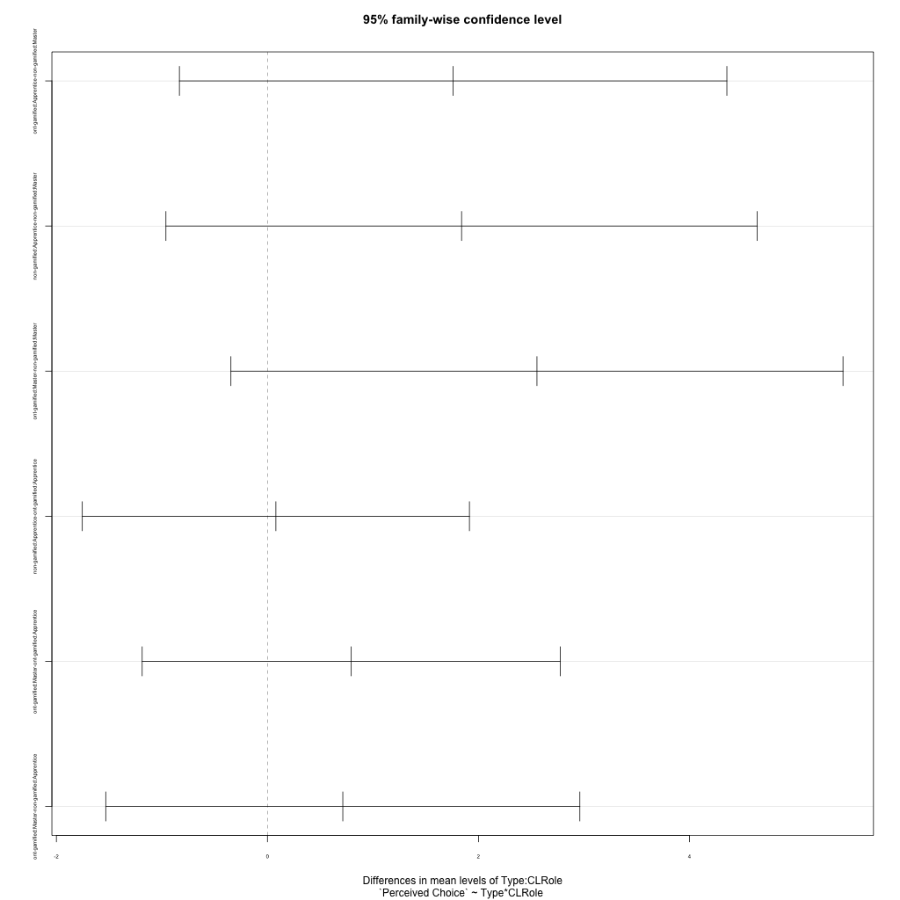
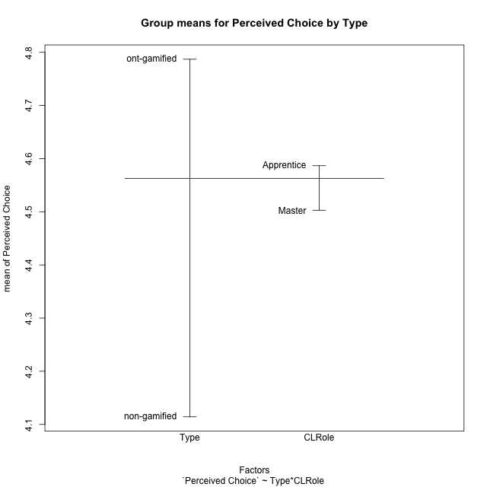
Post-hoc Tukey Honestly Significant Difference (HSD) Test for Perceived Choice by Type

Comparisons of means for Type
 | diff | lwr | upr | p adj
ont-gamified-non-gamified | 0.67267142857 | -0.47803808379 | 1.8233809409 | 0.2342320433

Comparisons of means for CLRole
 | diff | lwr | upr | p adj
Apprentice-Master | 0.083766666667 | -1.1169968563 | 1.2845301896 | 0.88471887811

Comparisons of means for Type:CLRole
 | diff | lwr | upr | p adj
ont-gamified:Apprentice-non-gamified:Master | 1.76 | -0.83423697951 | 4.3542369795 | 0.25342826317
non-gamified:Apprentice-non-gamified:Master | 1.84 | -0.96209619573 | 4.6420961957 | 0.2784339559
ont-gamified:Master-non-gamified:Master | 2.55435 | -0.34609511796 | 5.454795118 | 0.095242573969
non-gamified:Apprentice-ont-gamified:Apprentice | 0.08 | -1.7544025602 | 1.9144025602 | 0.99929088139
ont-gamified:Master-ont-gamified:Apprentice | 0.79435 | -1.1870312215 | 2.7757312215 | 0.6710206558
ont-gamified:Master-non-gamified:Apprentice | 0.71435 | -1.5323251277 | 2.9610251277 | 0.80300878404

Contrast Matrices for Perceived Choice by Type - Type
contrast | estimate | SE | df | t.ratio | p.value
non-gamified - ont-gamified | -1.237175 | 0.6036556457 | 17 | -2.049471431 | 0.056171862933

Contrast Matrices for Perceived Choice by Type - Type:CLRole
contrast | CLRole | estimate | SE | df | t.ratio | p.value
non-gamified - ont-gamified | Apprentice | 0.08 | 0.64533503022 | 17 | 0.12396661618 | 0.90279567189
non-gamified - ont-gamified | Master | -2.55435 | 1.0203642747 | 17 | -2.503370672 | 0.022790012783

Least Squares Means and Confidence Intervals for Type
Type | lsmean | SE | df | lower.CL | upper.CL | Pairs
non-gamified | 3.72 | 0.49288277077 | 17 | 2.6801082522 | 4.7598917478 | non-gamified
ont-gamified | 4.957175 | 0.34852074954 | 17 | 4.2218604934 | 5.6924895066 | ont-gamified

Least Squares Means and Confidence Intervals for Type:CLRole
Type | CLRole | lsmean | SE | df | lower.CL | upper.CL | Pairs
non-gamified | Apprentice | 4.64 | 0.52691384573 | 17 | 3.5283089601 | 5.7516910399 | non-gamified.Apprentice
ont-gamified | Apprentice | 4.56 | 0.37258435342 | 17 | 3.7739157271 | 5.3460842729 | ont-gamified.Apprentice
non-gamified | Master | 2.8 | 0.8331239416 | 17 | 1.0422621298 | 4.5577378702 | non-gamified.Master
ont-gamified | Master | 5.35435 | 0.58910758867 | 17 | 4.1114416324 | 6.5972583676 | ont-gamified.Master

Plots

Type_1
Student's t-Test for Perceived Choice by Type in Type between non-gamified:ont-gamified

Student's t-Test results
Alternative hypothesis: less
Group | N | Mean | Mean.Difference | Std.deviation | Std.error | CI.lower | CI.upper | df | t.value | p.value | g | magnitude
non-gamified | 7 | 4.1142857143 | -0.67267142857 | 1.31076132 | 0.49542121157 | 3.1234432912 | 5.1051281374 | 11.492400276 | -1.1290691553 | 0.14094287562 | -0.51188192864 | medium
ont-gamified | 14 | 4.7869571429 | 0.67267142857 | 1.2381773557 | 0.33091681779 | 4.1251235073 | 5.4487907784 | 11.492400276 | -1.1290691553 | 0.14094287562 | -0.51188192864 | medium
Alternative hypothesis: greater
Group | N | Mean | Mean.Difference | Std.deviation | Std.error | CI.lower | CI.upper | df | t.value | p.value | g | magnitude
non-gamified | 7 | 4.1142857143 | -0.67267142857 | 1.31076132 | 0.49542121157 | 3.1234432912 | 5.1051281374 | 11.492400276 | -1.1290691553 | 0.85905712438 | -0.51188192864 | medium
ont-gamified | 14 | 4.7869571429 | 0.67267142857 | 1.2381773557 | 0.33091681779 | 4.1251235073 | 5.4487907784 | 11.492400276 | -1.1290691553 | 0.85905712438 | -0.51188192864 | medium
Alternative hypothesis: two.sided
Group | N | Mean | Mean.Difference | Std.deviation | Std.error | CI.lower | CI.upper | df | t.value | p.value | g | magnitude
non-gamified | 7 | 4.1142857143 | -0.67267142857 | 1.31076132 | 0.49542121157 | 3.1234432912 | 5.1051281374 | 11.492400276 | -1.1290691553 | 0.28188575124 | -0.51188192864 | medium
ont-gamified | 14 | 4.7869571429 | 0.67267142857 | 1.2381773557 | 0.33091681779 | 4.1251235073 | 5.4487907784 | 11.492400276 | -1.1290691553 | 0.28188575124 | -0.51188192864 | medium

Box plots for Student's t-Test
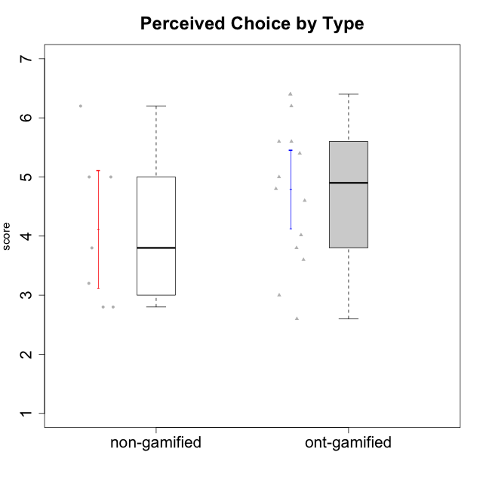

Student's t-Test data
UserID | Type | CLGroup | CLRole | PlayerRole | Interest/Enjoyment | Perceived Choice | Pressure/Tension | Effort/Importance | Intrinsic Motivation
10116 | non-gamified | GroupC | Master |  | 3.8333333333 | 2.8 | 3.5 | 4 | 3.7833333333
10120 | ont-gamified | Grupo Hélio | Master | Yee Socializer | 5.8333333333 | 6.4 | 1.5 | 6.1492666667 | 6.2666666667
10121 | ont-gamified | Grupo Hades | Master | Yee Achiever | 4.5 | 5.4 | 3.75 | 5 | 4.7875
10122 | non-gamified | GroupB | Apprentice |  | 3.0174 | 6.2 | 2.25 | 5 | 4.5708333333
10123 | ont-gamified | Grupo Morfeu | Apprentice | Yee Achiever | 2.6666666667 | 4.8 | 3.5 | 4.3333333333 | 4.075
10126 | ont-gamified | Grupo Hélio | Apprentice | Yee Socializer | 5.3333333333 | 6.2 | 2.25 | 5 | 5.5708333333
10129 | non-gamified | GroupB | Apprentice |  | 3.0174 | 3.2 | 5.2239 | 5.3333333333 | 4.2125383333
10130 | non-gamified | GroupC | Apprentice |  | 4.6666666667 | 3.8 | 5 | 6.3333333333 | 4.45
10131 | ont-gamified | Grupo Zeus | Apprentice | Yee Achiever | 6.1666666667 | 2.6 | 1.75 | 6 | 5.2541666667
10134 | ont-gamified | Grupo Apolo | Apprentice | Yee Socializer | 2.1123333333 | 3 | 3.75 | 4 | 3.8234666667
10135 | non-gamified | GroupB | Apprentice |  | 4.5 | 5 | 3.75 | 4.6666666667 | 4.6041666667
10137 | ont-gamified | Grupo Morfeu | Apprentice | Yee Achiever | 5.5 | 6.4 | 1 | 6.3333333333 | 6.0473666667
10138 | ont-gamified | Grupo Hélio | Apprentice | Yee Socializer | 4.6666666667 | 3.6 | 3.75 | 7 | 4.8791666667
10139 | ont-gamified | Grupo Zeus | Apprentice | Yee Achiever | 3.6666666667 | 4.6 | 2.25 | 4 | 4.5041666667
10141 | ont-gamified | Grupo Apolo | Master | Yee Socializer | 4 | 4.0174 | 3 | 4.3333333333 | 4.2333333333
10142 | ont-gamified | Grupo Hades | Apprentice | Yee Achiever | 4.6666666667 | 3.8 | 1.75 | 5 | 4.9291666667
10143 | ont-gamified | Grupo Apolo | Apprentice | Yee Socializer | 4.1666666667 | 5 | 3 | 6 | 5.0416666667
10145 | non-gamified | GroupB | Master |  | 3 | 2.8 | 4 | 7 | 4.2
10146 | non-gamified | GroupA | Apprentice |  | 5 | 5 | 2.5 | 6.3333333333 | 4.9291283333
10148 | ont-gamified | Grupo Apolo | Apprentice | Yee Socializer | 4.3333333333 | 5.6 | 4.5 | 6.3333333333 | 4.9416666667
10152 | ont-gamified | Grupo Morfeu | Master | Yee Achiever | 6.971 | 5.6 | 2.75 | 4 | 5.4625

Type_CLRole_1
Student's t-Test for Perceived Choice by Type in Type:CLRole between non-gamified.Apprentice:non-gamified.Master

Student's t-Test results
Alternative hypothesis: less
Group | N | Mean | Mean.Difference | Std.deviation | Std.error | CI.lower | CI.upper | df | t.value | p.value | g | magnitude
non-gamified.Apprentice | 5 | 4.64 | 1.84 | 1.1696153214 | 0.52306787322 | 3.5938642536 | 5.6861357464 | 4 | 3.5177079193 | 0.98774965369 | 1.4811401766 | large
non-gamified.Master | 2 | 2.8 | -1.84 | 0 | 0 | 2.8 | 2.8 | 4 | 3.5177079193 | 0.98774965369 | 1.4811401766 | large
Alternative hypothesis: greater
Group | N | Mean | Mean.Difference | Std.deviation | Std.error | CI.lower | CI.upper | df | t.value | p.value | g | magnitude
non-gamified.Apprentice | 5 | 4.64 | 1.84 | 1.1696153214 | 0.52306787322 | 3.5938642536 | 5.6861357464 | 4 | 3.5177079193 | 0.012250346313 | 1.4811401766 | large
non-gamified.Master | 2 | 2.8 | -1.84 | 0 | 0 | 2.8 | 2.8 | 4 | 3.5177079193 | 0.012250346313 | 1.4811401766 | large
Alternative hypothesis: two.sided
Group | N | Mean | Mean.Difference | Std.deviation | Std.error | CI.lower | CI.upper | df | t.value | p.value | g | magnitude
non-gamified.Apprentice | 5 | 4.64 | 1.84 | 1.1696153214 | 0.52306787322 | 3.5938642536 | 5.6861357464 | 4 | 3.5177079193 | 0.024500692626 | 1.4811401766 | large
non-gamified.Master | 2 | 2.8 | -1.84 | 0 | 0 | 2.8 | 2.8 | 4 | 3.5177079193 | 0.024500692626 | 1.4811401766 | large

Box plots for Student's t-Test
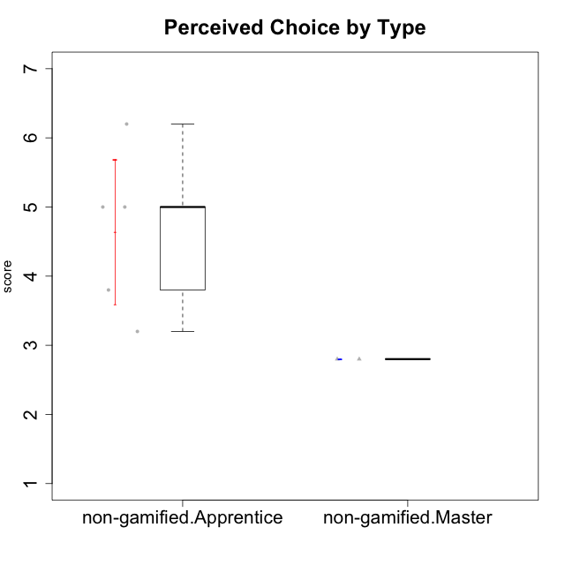

Student's t-Test data
UserID | Type | CLGroup | CLRole | PlayerRole | Interest/Enjoyment | Perceived Choice | Pressure/Tension | Effort/Importance | Intrinsic Motivation
10116 | non-gamified | GroupC | Master |  | 3.8333333333 | 2.8 | 3.5 | 4 | 3.7833333333
10122 | non-gamified | GroupB | Apprentice |  | 3.0174 | 6.2 | 2.25 | 5 | 4.5708333333
10129 | non-gamified | GroupB | Apprentice |  | 3.0174 | 3.2 | 5.2239 | 5.3333333333 | 4.2125383333
10130 | non-gamified | GroupC | Apprentice |  | 4.6666666667 | 3.8 | 5 | 6.3333333333 | 4.45
10135 | non-gamified | GroupB | Apprentice |  | 4.5 | 5 | 3.75 | 4.6666666667 | 4.6041666667
10145 | non-gamified | GroupB | Master |  | 3 | 2.8 | 4 | 7 | 4.2
10146 | non-gamified | GroupA | Apprentice |  | 5 | 5 | 2.5 | 6.3333333333 | 4.9291283333

Type_CLRole_2
Student's t-Test for Perceived Choice by Type in Type:CLRole between non-gamified.Apprentice:ont-gamified.Apprentice

Student's t-Test results
Alternative hypothesis: less
Group | N | Mean | Mean.Difference | Std.deviation | Std.error | CI.lower | CI.upper | df | t.value | p.value | g | magnitude
non-gamified.Apprentice | 5 | 4.64 | 0.08 | 1.1696153214 | 0.52306787322 | 3.5938642536 | 5.6861357464 | 8.9427485984 | 0.12028904096 | 0.54654333069 | 0.059732351484 | negligible
ont-gamified.Apprentice | 10 | 4.56 | -0.08 | 1.2988884136 | 0.41074458135 | 3.7385108373 | 5.3814891627 | 8.9427485984 | 0.12028904096 | 0.54654333069 | 0.059732351484 | negligible
Alternative hypothesis: greater
Group | N | Mean | Mean.Difference | Std.deviation | Std.error | CI.lower | CI.upper | df | t.value | p.value | g | magnitude
non-gamified.Apprentice | 5 | 4.64 | 0.08 | 1.1696153214 | 0.52306787322 | 3.5938642536 | 5.6861357464 | 8.9427485984 | 0.12028904096 | 0.45345666931 | 0.059732351484 | negligible
ont-gamified.Apprentice | 10 | 4.56 | -0.08 | 1.2988884136 | 0.41074458135 | 3.7385108373 | 5.3814891627 | 8.9427485984 | 0.12028904096 | 0.45345666931 | 0.059732351484 | negligible
Alternative hypothesis: two.sided
Group | N | Mean | Mean.Difference | Std.deviation | Std.error | CI.lower | CI.upper | df | t.value | p.value | g | magnitude
non-gamified.Apprentice | 5 | 4.64 | 0.08 | 1.1696153214 | 0.52306787322 | 3.5938642536 | 5.6861357464 | 8.9427485984 | 0.12028904096 | 0.90691333861 | 0.059732351484 | negligible
ont-gamified.Apprentice | 10 | 4.56 | -0.08 | 1.2988884136 | 0.41074458135 | 3.7385108373 | 5.3814891627 | 8.9427485984 | 0.12028904096 | 0.90691333861 | 0.059732351484 | negligible

Box plots for Student's t-Test
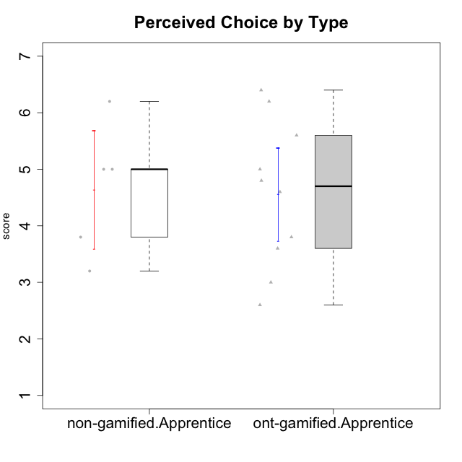

Student's t-Test data
UserID | Type | CLGroup | CLRole | PlayerRole | Interest/Enjoyment | Perceived Choice | Pressure/Tension | Effort/Importance | Intrinsic Motivation
10122 | non-gamified | GroupB | Apprentice |  | 3.0174 | 6.2 | 2.25 | 5 | 4.5708333333
10123 | ont-gamified | Grupo Morfeu | Apprentice | Yee Achiever | 2.6666666667 | 4.8 | 3.5 | 4.3333333333 | 4.075
10126 | ont-gamified | Grupo Hélio | Apprentice | Yee Socializer | 5.3333333333 | 6.2 | 2.25 | 5 | 5.5708333333
10129 | non-gamified | GroupB | Apprentice |  | 3.0174 | 3.2 | 5.2239 | 5.3333333333 | 4.2125383333
10130 | non-gamified | GroupC | Apprentice |  | 4.6666666667 | 3.8 | 5 | 6.3333333333 | 4.45
10131 | ont-gamified | Grupo Zeus | Apprentice | Yee Achiever | 6.1666666667 | 2.6 | 1.75 | 6 | 5.2541666667
10134 | ont-gamified | Grupo Apolo | Apprentice | Yee Socializer | 2.1123333333 | 3 | 3.75 | 4 | 3.8234666667
10135 | non-gamified | GroupB | Apprentice |  | 4.5 | 5 | 3.75 | 4.6666666667 | 4.6041666667
10137 | ont-gamified | Grupo Morfeu | Apprentice | Yee Achiever | 5.5 | 6.4 | 1 | 6.3333333333 | 6.0473666667
10138 | ont-gamified | Grupo Hélio | Apprentice | Yee Socializer | 4.6666666667 | 3.6 | 3.75 | 7 | 4.8791666667
10139 | ont-gamified | Grupo Zeus | Apprentice | Yee Achiever | 3.6666666667 | 4.6 | 2.25 | 4 | 4.5041666667
10142 | ont-gamified | Grupo Hades | Apprentice | Yee Achiever | 4.6666666667 | 3.8 | 1.75 | 5 | 4.9291666667
10143 | ont-gamified | Grupo Apolo | Apprentice | Yee Socializer | 4.1666666667 | 5 | 3 | 6 | 5.0416666667
10146 | non-gamified | GroupA | Apprentice |  | 5 | 5 | 2.5 | 6.3333333333 | 4.9291283333
10148 | ont-gamified | Grupo Apolo | Apprentice | Yee Socializer | 4.3333333333 | 5.6 | 4.5 | 6.3333333333 | 4.9416666667

Type_CLRole_3
Student's t-Test for Perceived Choice by Type in Type:CLRole between non-gamified.Apprentice:ont-gamified.Master

Student's t-Test results
Alternative hypothesis: less
Group | N | Mean | Mean.Difference | Std.deviation | Std.error | CI.lower | CI.upper | df | t.value | p.value | g | magnitude
non-gamified.Apprentice | 5 | 4.64 | -0.71435 | 1.1696153214 | 0.52306787322 | 3.5938642536 | 5.6861357464 | 6.944775689 | -0.99170275973 | 0.17731484865 | -0.5791273973 | medium
ont-gamified.Master | 4 | 5.35435 | 0.71435 | 0.99049601547 | 0.49524800774 | 4.3638539845 | 6.3448460155 | 6.944775689 | -0.99170275973 | 0.17731484865 | -0.5791273973 | medium
Alternative hypothesis: greater
Group | N | Mean | Mean.Difference | Std.deviation | Std.error | CI.lower | CI.upper | df | t.value | p.value | g | magnitude
non-gamified.Apprentice | 5 | 4.64 | -0.71435 | 1.1696153214 | 0.52306787322 | 3.5938642536 | 5.6861357464 | 6.944775689 | -0.99170275973 | 0.82268515135 | -0.5791273973 | medium
ont-gamified.Master | 4 | 5.35435 | 0.71435 | 0.99049601547 | 0.49524800774 | 4.3638539845 | 6.3448460155 | 6.944775689 | -0.99170275973 | 0.82268515135 | -0.5791273973 | medium
Alternative hypothesis: two.sided
Group | N | Mean | Mean.Difference | Std.deviation | Std.error | CI.lower | CI.upper | df | t.value | p.value | g | magnitude
non-gamified.Apprentice | 5 | 4.64 | -0.71435 | 1.1696153214 | 0.52306787322 | 3.5938642536 | 5.6861357464 | 6.944775689 | -0.99170275973 | 0.35462969729 | -0.5791273973 | medium
ont-gamified.Master | 4 | 5.35435 | 0.71435 | 0.99049601547 | 0.49524800774 | 4.3638539845 | 6.3448460155 | 6.944775689 | -0.99170275973 | 0.35462969729 | -0.5791273973 | medium

Box plots for Student's t-Test
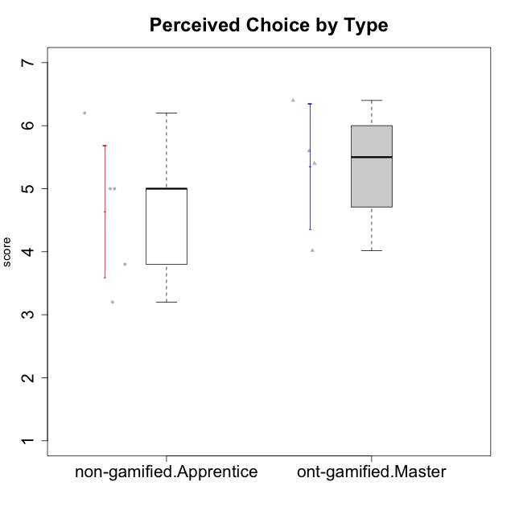

Student's t-Test data
UserID | Type | CLGroup | CLRole | PlayerRole | Interest/Enjoyment | Perceived Choice | Pressure/Tension | Effort/Importance | Intrinsic Motivation
10120 | ont-gamified | Grupo Hélio | Master | Yee Socializer | 5.8333333333 | 6.4 | 1.5 | 6.1492666667 | 6.2666666667
10121 | ont-gamified | Grupo Hades | Master | Yee Achiever | 4.5 | 5.4 | 3.75 | 5 | 4.7875
10122 | non-gamified | GroupB | Apprentice |  | 3.0174 | 6.2 | 2.25 | 5 | 4.5708333333
10129 | non-gamified | GroupB | Apprentice |  | 3.0174 | 3.2 | 5.2239 | 5.3333333333 | 4.2125383333
10130 | non-gamified | GroupC | Apprentice |  | 4.6666666667 | 3.8 | 5 | 6.3333333333 | 4.45
10135 | non-gamified | GroupB | Apprentice |  | 4.5 | 5 | 3.75 | 4.6666666667 | 4.6041666667
10141 | ont-gamified | Grupo Apolo | Master | Yee Socializer | 4 | 4.0174 | 3 | 4.3333333333 | 4.2333333333
10146 | non-gamified | GroupA | Apprentice |  | 5 | 5 | 2.5 | 6.3333333333 | 4.9291283333
10152 | ont-gamified | Grupo Morfeu | Master | Yee Achiever | 6.971 | 5.6 | 2.75 | 4 | 5.4625

Type_CLRole_4
Student's t-Test for Perceived Choice by Type in Type:CLRole between non-gamified.Master:ont-gamified.Apprentice

Student's t-Test results
Alternative hypothesis: less
Group | N | Mean | Mean.Difference | Std.deviation | Std.error | CI.lower | CI.upper | df | t.value | p.value | g | magnitude
non-gamified.Master | 2 | 2.8 | -1.76 | 0 | 0 | 2.8 | 2.8 | 9 | -4.2849013229 | 0.0010176253319 | -1.3184311763 | large
ont-gamified.Apprentice | 10 | 4.56 | 1.76 | 1.2988884136 | 0.41074458135 | 3.7385108373 | 5.3814891627 | 9 | -4.2849013229 | 0.0010176253319 | -1.3184311763 | large
Alternative hypothesis: greater
Group | N | Mean | Mean.Difference | Std.deviation | Std.error | CI.lower | CI.upper | df | t.value | p.value | g | magnitude
non-gamified.Master | 2 | 2.8 | -1.76 | 0 | 0 | 2.8 | 2.8 | 9 | -4.2849013229 | 0.99898237467 | -1.3184311763 | large
ont-gamified.Apprentice | 10 | 4.56 | 1.76 | 1.2988884136 | 0.41074458135 | 3.7385108373 | 5.3814891627 | 9 | -4.2849013229 | 0.99898237467 | -1.3184311763 | large
Alternative hypothesis: two.sided
Group | N | Mean | Mean.Difference | Std.deviation | Std.error | CI.lower | CI.upper | df | t.value | p.value | g | magnitude
non-gamified.Master | 2 | 2.8 | -1.76 | 0 | 0 | 2.8 | 2.8 | 9 | -4.2849013229 | 0.0020352506639 | -1.3184311763 | large
ont-gamified.Apprentice | 10 | 4.56 | 1.76 | 1.2988884136 | 0.41074458135 | 3.7385108373 | 5.3814891627 | 9 | -4.2849013229 | 0.0020352506639 | -1.3184311763 | large

Box plots for Student's t-Test
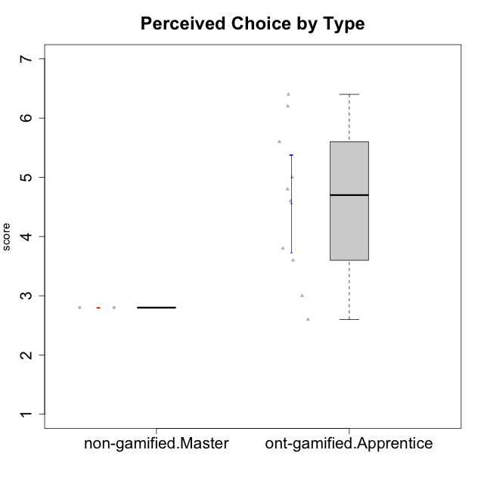

Student's t-Test data
UserID | Type | CLGroup | CLRole | PlayerRole | Interest/Enjoyment | Perceived Choice | Pressure/Tension | Effort/Importance | Intrinsic Motivation
10116 | non-gamified | GroupC | Master |  | 3.8333333333 | 2.8 | 3.5 | 4 | 3.7833333333
10123 | ont-gamified | Grupo Morfeu | Apprentice | Yee Achiever | 2.6666666667 | 4.8 | 3.5 | 4.3333333333 | 4.075
10126 | ont-gamified | Grupo Hélio | Apprentice | Yee Socializer | 5.3333333333 | 6.2 | 2.25 | 5 | 5.5708333333
10131 | ont-gamified | Grupo Zeus | Apprentice | Yee Achiever | 6.1666666667 | 2.6 | 1.75 | 6 | 5.2541666667
10134 | ont-gamified | Grupo Apolo | Apprentice | Yee Socializer | 2.1123333333 | 3 | 3.75 | 4 | 3.8234666667
10137 | ont-gamified | Grupo Morfeu | Apprentice | Yee Achiever | 5.5 | 6.4 | 1 | 6.3333333333 | 6.0473666667
10138 | ont-gamified | Grupo Hélio | Apprentice | Yee Socializer | 4.6666666667 | 3.6 | 3.75 | 7 | 4.8791666667
10139 | ont-gamified | Grupo Zeus | Apprentice | Yee Achiever | 3.6666666667 | 4.6 | 2.25 | 4 | 4.5041666667
10142 | ont-gamified | Grupo Hades | Apprentice | Yee Achiever | 4.6666666667 | 3.8 | 1.75 | 5 | 4.9291666667
10143 | ont-gamified | Grupo Apolo | Apprentice | Yee Socializer | 4.1666666667 | 5 | 3 | 6 | 5.0416666667
10145 | non-gamified | GroupB | Master |  | 3 | 2.8 | 4 | 7 | 4.2
10148 | ont-gamified | Grupo Apolo | Apprentice | Yee Socializer | 4.3333333333 | 5.6 | 4.5 | 6.3333333333 | 4.9416666667

Type_CLRole_5
Student's t-Test for Perceived Choice by Type in Type:CLRole between non-gamified.Master:ont-gamified.Master

Student's t-Test results
Alternative hypothesis: less
Group | N | Mean | Mean.Difference | Std.deviation | Std.error | CI.lower | CI.upper | df | t.value | p.value | g | magnitude
non-gamified.Master | 2 | 2.8 | -2.55435 | 0 | 0 | 2.8 | 2.8 | 3 | -5.1577188804 | 0.0070665813256 | -2.3822483072 | large
ont-gamified.Master | 4 | 5.35435 | 2.55435 | 0.99049601547 | 0.49524800774 | 4.3638539845 | 6.3448460155 | 3 | -5.1577188804 | 0.0070665813256 | -2.3822483072 | large
Alternative hypothesis: greater
Group | N | Mean | Mean.Difference | Std.deviation | Std.error | CI.lower | CI.upper | df | t.value | p.value | g | magnitude
non-gamified.Master | 2 | 2.8 | -2.55435 | 0 | 0 | 2.8 | 2.8 | 3 | -5.1577188804 | 0.99293341867 | -2.3822483072 | large
ont-gamified.Master | 4 | 5.35435 | 2.55435 | 0.99049601547 | 0.49524800774 | 4.3638539845 | 6.3448460155 | 3 | -5.1577188804 | 0.99293341867 | -2.3822483072 | large
Alternative hypothesis: two.sided
Group | N | Mean | Mean.Difference | Std.deviation | Std.error | CI.lower | CI.upper | df | t.value | p.value | g | magnitude
non-gamified.Master | 2 | 2.8 | -2.55435 | 0 | 0 | 2.8 | 2.8 | 3 | -5.1577188804 | 0.014133162651 | -2.3822483072 | large
ont-gamified.Master | 4 | 5.35435 | 2.55435 | 0.99049601547 | 0.49524800774 | 4.3638539845 | 6.3448460155 | 3 | -5.1577188804 | 0.014133162651 | -2.3822483072 | large

Box plots for Student's t-Test
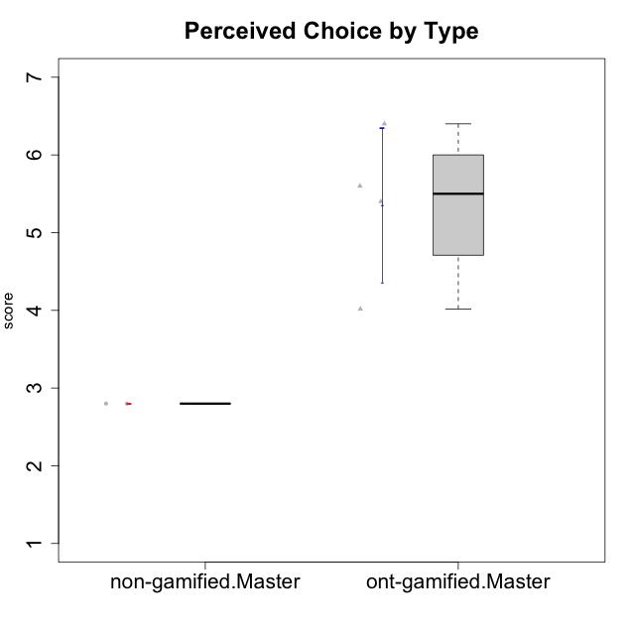

Student's t-Test data
UserID | Type | CLGroup | CLRole | PlayerRole | Interest/Enjoyment | Perceived Choice | Pressure/Tension | Effort/Importance | Intrinsic Motivation
10116 | non-gamified | GroupC | Master |  | 3.8333333333 | 2.8 | 3.5 | 4 | 3.7833333333
10120 | ont-gamified | Grupo Hélio | Master | Yee Socializer | 5.8333333333 | 6.4 | 1.5 | 6.1492666667 | 6.2666666667
10121 | ont-gamified | Grupo Hades | Master | Yee Achiever | 4.5 | 5.4 | 3.75 | 5 | 4.7875
10141 | ont-gamified | Grupo Apolo | Master | Yee Socializer | 4 | 4.0174 | 3 | 4.3333333333 | 4.2333333333
10145 | non-gamified | GroupB | Master |  | 3 | 2.8 | 4 | 7 | 4.2
10152 | ont-gamified | Grupo Morfeu | Master | Yee Achiever | 6.971 | 5.6 | 2.75 | 4 | 5.4625

Type_CLRole_6
Student's t-Test for Perceived Choice by Type in Type:CLRole between ont-gamified.Apprentice:ont-gamified.Master

Student's t-Test results
Alternative hypothesis: less
Group | N | Mean | Mean.Difference | Std.deviation | Std.error | CI.lower | CI.upper | df | t.value | p.value | g | magnitude
ont-gamified.Apprentice | 10 | 4.56 | -0.79435 | 1.2988884136 | 0.41074458135 | 3.7385108373 | 5.3814891627 | 7.3822821243 | -1.2345859434 | 0.12741715425 | -0.60505020775 | medium
ont-gamified.Master | 4 | 5.35435 | 0.79435 | 0.99049601547 | 0.49524800774 | 4.3638539845 | 6.3448460155 | 7.3822821243 | -1.2345859434 | 0.12741715425 | -0.60505020775 | medium
Alternative hypothesis: greater
Group | N | Mean | Mean.Difference | Std.deviation | Std.error | CI.lower | CI.upper | df | t.value | p.value | g | magnitude
ont-gamified.Apprentice | 10 | 4.56 | -0.79435 | 1.2988884136 | 0.41074458135 | 3.7385108373 | 5.3814891627 | 7.3822821243 | -1.2345859434 | 0.87258284575 | -0.60505020775 | medium
ont-gamified.Master | 4 | 5.35435 | 0.79435 | 0.99049601547 | 0.49524800774 | 4.3638539845 | 6.3448460155 | 7.3822821243 | -1.2345859434 | 0.87258284575 | -0.60505020775 | medium
Alternative hypothesis: two.sided
Group | N | Mean | Mean.Difference | Std.deviation | Std.error | CI.lower | CI.upper | df | t.value | p.value | g | magnitude
ont-gamified.Apprentice | 10 | 4.56 | -0.79435 | 1.2988884136 | 0.41074458135 | 3.7385108373 | 5.3814891627 | 7.3822821243 | -1.2345859434 | 0.2548343085 | -0.60505020775 | medium
ont-gamified.Master | 4 | 5.35435 | 0.79435 | 0.99049601547 | 0.49524800774 | 4.3638539845 | 6.3448460155 | 7.3822821243 | -1.2345859434 | 0.2548343085 | -0.60505020775 | medium

Box plots for Student's t-Test
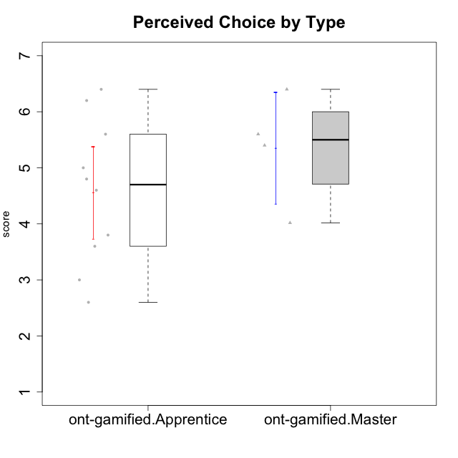

Student's t-Test data
UserID | Type | CLGroup | CLRole | PlayerRole | Interest/Enjoyment | Perceived Choice | Pressure/Tension | Effort/Importance | Intrinsic Motivation
10120 | ont-gamified | Grupo Hélio | Master | Yee Socializer | 5.8333333333 | 6.4 | 1.5 | 6.1492666667 | 6.2666666667
10121 | ont-gamified | Grupo Hades | Master | Yee Achiever | 4.5 | 5.4 | 3.75 | 5 | 4.7875
10123 | ont-gamified | Grupo Morfeu | Apprentice | Yee Achiever | 2.6666666667 | 4.8 | 3.5 | 4.3333333333 | 4.075
10126 | ont-gamified | Grupo Hélio | Apprentice | Yee Socializer | 5.3333333333 | 6.2 | 2.25 | 5 | 5.5708333333
10131 | ont-gamified | Grupo Zeus | Apprentice | Yee Achiever | 6.1666666667 | 2.6 | 1.75 | 6 | 5.2541666667
10134 | ont-gamified | Grupo Apolo | Apprentice | Yee Socializer | 2.1123333333 | 3 | 3.75 | 4 | 3.8234666667
10137 | ont-gamified | Grupo Morfeu | Apprentice | Yee Achiever | 5.5 | 6.4 | 1 | 6.3333333333 | 6.0473666667
10138 | ont-gamified | Grupo Hélio | Apprentice | Yee Socializer | 4.6666666667 | 3.6 | 3.75 | 7 | 4.8791666667
10139 | ont-gamified | Grupo Zeus | Apprentice | Yee Achiever | 3.6666666667 | 4.6 | 2.25 | 4 | 4.5041666667
10141 | ont-gamified | Grupo Apolo | Master | Yee Socializer | 4 | 4.0174 | 3 | 4.3333333333 | 4.2333333333
10142 | ont-gamified | Grupo Hades | Apprentice | Yee Achiever | 4.6666666667 | 3.8 | 1.75 | 5 | 4.9291666667
10143 | ont-gamified | Grupo Apolo | Apprentice | Yee Socializer | 4.1666666667 | 5 | 3 | 6 | 5.0416666667
10148 | ont-gamified | Grupo Apolo | Apprentice | Yee Socializer | 4.3333333333 | 5.6 | 4.5 | 6.3333333333 | 4.9416666667
10152 | ont-gamified | Grupo Morfeu | Master | Yee Achiever | 6.971 | 5.6 | 2.75 | 4 | 5.4625

