Assumptions
ANOVA assumptions for Pressure/Tension by Type

Shapiro-Wilk normality test for Pressure/Tension by Type
W | p.value
0.9595464378 | 0.50703462853

Plots for normality test
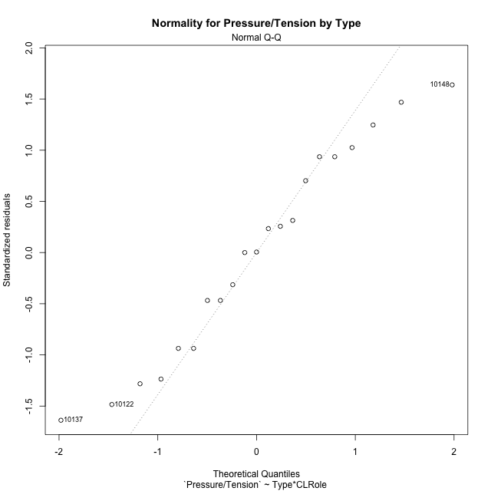

Levene's Test for Homogeneity of Variance in Pressure/Tension by Type
Df | F value | Pr(>F)
3 | 1.4795110559 | 0.25562909013
17

Plots for homogeneity of variance
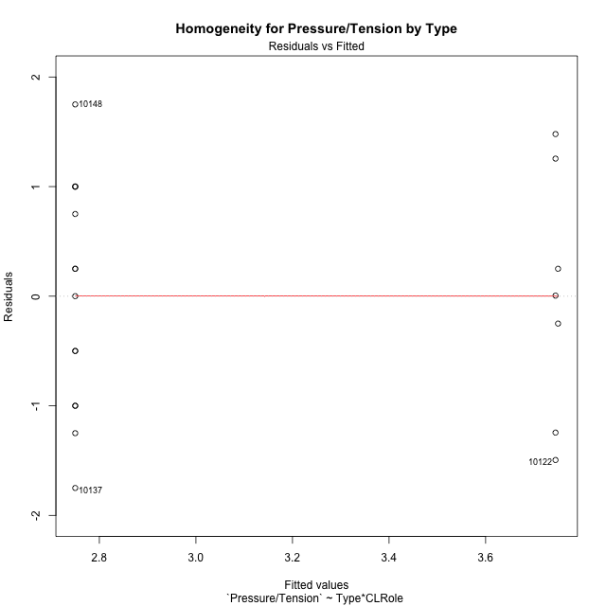

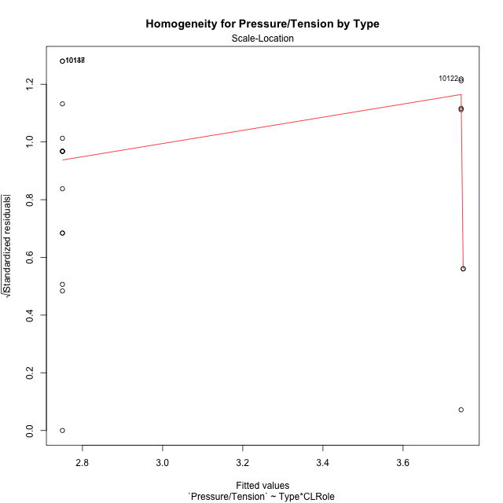

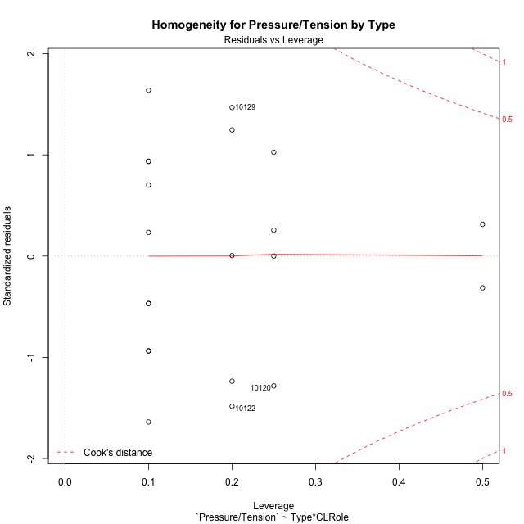

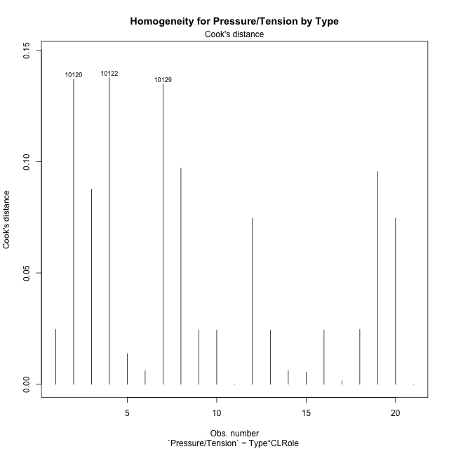

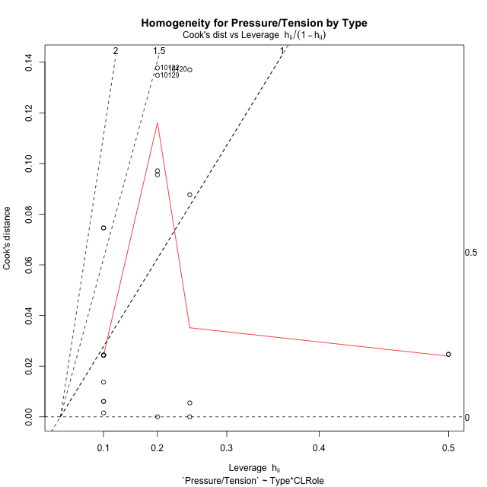

Minimum Sample Size Test for Pressure/Tension by Type
Type | CLRole | Freq
non-gamified | Apprentice | 5
ont-gamified | Apprentice | 10
non-gamified | Master | 2
ont-gamified | Master | 4

Errors and Warnings in Sample Size Test for ANOVA in Pressure/Tension by Type
code | description
WARN: sample.size | current size is 5 and recommended size is 15 for the group: 'non-gamified:Apprentice'.
WARN: sample.size | current size is 10 and recommended size is 15 for the group: 'ont-gamified:Apprentice'.
FAIL: min.size | current size is 2 but the minimal recomended size is 5 for the group: 'non-gamified:Master'.
FAIL: min.size | current size is 4 but the minimal recomended size is 5 for the group: 'ont-gamified:Master'.

For the group: 'non-gamified:Apprentice', we recommend the use of non-parametric test. For the group: 'ont-gamified:Apprentice', we recommend the use of non-parametric test. For the group: 'non-gamified:Master', we recommend the use of non-parametric test. For the group: 'ont-gamified:Master', we recommend the use of non-parametric test.

Post-hoc
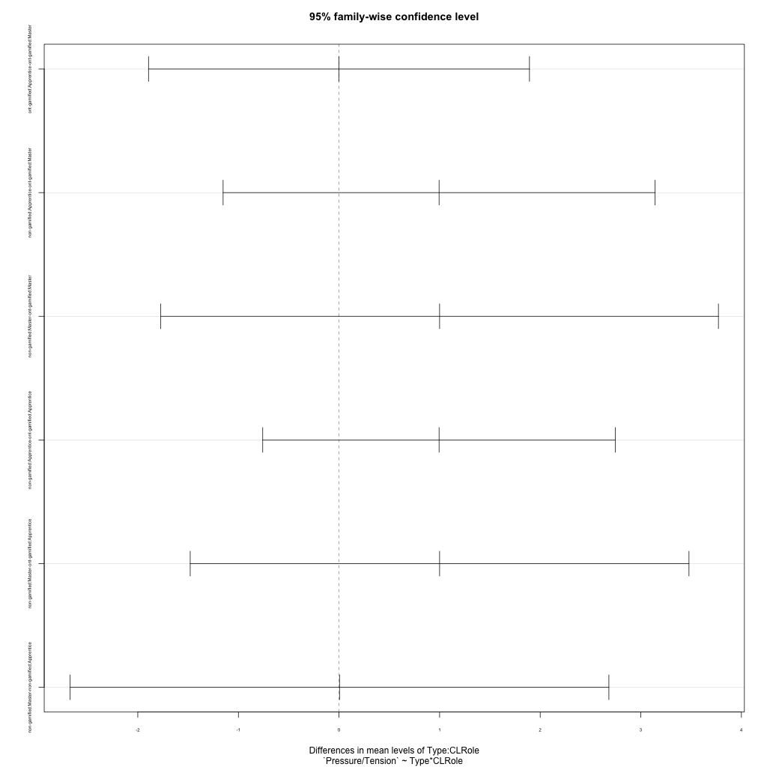
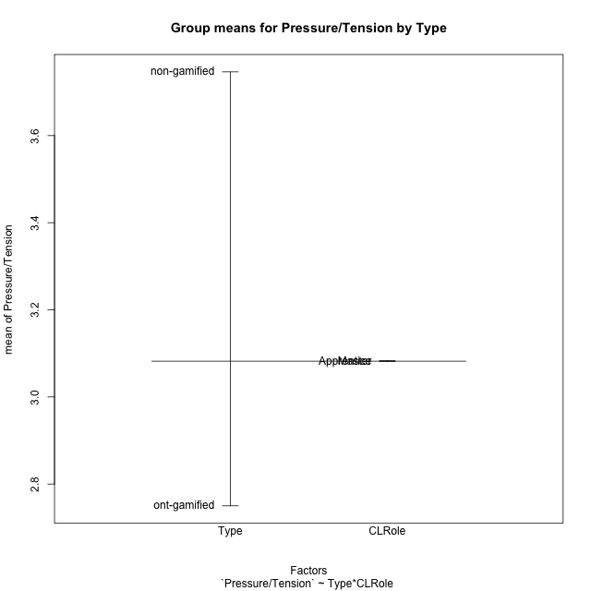
Post-hoc Tukey Honestly Significant Difference (HSD) Test for Pressure/Tension by Type

Comparisons of means for Type
 | diff | lwr | upr | p adj
non-gamified-ont-gamified | 0.99627142857 | -0.10327229597 | 2.0958151531 | 0.072927529135

Comparisons of means for CLRole
 | diff | lwr | upr | p adj
Master-Apprentice | 0.00174 | -1.1456321057 | 1.1491121057 | 0.99748437615

Comparisons of means for Type:CLRole
 | diff | lwr | upr | p adj
ont-gamified:Apprentice-ont-gamified:Master | 4.4408920985E-16 | -1.8932799848 | 1.8932799848 | 1
non-gamified:Apprentice-ont-gamified:Master | 0.99478 | -1.1519977151 | 3.1415577151 | 0.56502562351
non-gamified:Master-ont-gamified:Master | 1 | -1.7714781129 | 3.7714781129 | 0.73706728888
non-gamified:Apprentice-ont-gamified:Apprentice | 0.99478 | -0.75805666442 | 2.7476166644 | 0.39777987662
non-gamified:Master-ont-gamified:Apprentice | 1 | -1.4788853834 | 3.4788853834 | 0.6668150886
non-gamified:Master-non-gamified:Apprentice | 0.00522 | -2.6722822319 | 2.6827222319 | 0.99999993622

Contrast Matrices for Pressure/Tension by Type - Type
contrast | estimate | SE | df | t.ratio | p.value
non-gamified - ont-gamified | 0.99739 | 0.57681436529 | 17 | 1.7291351603 | 0.10190007665

Contrast Matrices for Pressure/Tension by Type - Type:CLRole
contrast | CLRole | estimate | SE | df | t.ratio | p.value
non-gamified - ont-gamified | Apprentice | 0.99478 | 0.61664049448 | 17 | 1.6132252243 | 0.12510321946
non-gamified - ont-gamified | Master | 1 | 0.97499423003 | 17 | 1.0256470953 | 0.31943175448

Least Squares Means and Confidence Intervals for Type
Type | lsmean | SE | df | lower.CL | upper.CL | Pairs
non-gamified | 3.74739 | 0.47096695709 | 17 | 2.7537365773 | 4.7410434227 | non-gamified
ont-gamified | 2.75 | 0.33302392907 | 17 | 2.0473809267 | 3.4526190733 | ont-gamified

Least Squares Means and Confidence Intervals for Type:CLRole
Type | CLRole | lsmean | SE | df | lower.CL | upper.CL | Pairs
non-gamified | Apprentice | 3.74478 | 0.50348485541 | 17 | 2.6825198089 | 4.8070401911 | non-gamified.Apprentice
ont-gamified | Apprentice | 2.75 | 0.35601755548 | 17 | 1.9988686155 | 3.5011313845 | ont-gamified.Apprentice
non-gamified | Master | 3.75 | 0.79607945524 | 17 | 2.0704191641 | 5.4295808359 | non-gamified.Master
ont-gamified | Master | 2.75 | 0.56291318117 | 17 | 1.5623570014 | 3.9376429986 | ont-gamified.Master

Plots

Type_1
Student's t-Test for Pressure/Tension by Type in Type between non-gamified:ont-gamified

Student's t-Test results
Alternative hypothesis: less
Group | N | Mean | Mean.Difference | Std.deviation | Std.error | CI.lower | CI.upper | df | t.value | p.value | g | magnitude
non-gamified | 7 | 3.7462714286 | 0.99627142857 | 1.1308023622 | 0.42740311891 | 2.8914651908 | 4.6010776664 | 11.1562482 | 1.9579586849 | 0.96214420548 | 0.89810981438 | large
ont-gamified | 14 | 2.75 | -0.99627142857 | 1.0331058476 | 0.27610915185 | 2.1977816963 | 3.3022183037 | 11.1562482 | 1.9579586849 | 0.96214420548 | 0.89810981438 | large
Alternative hypothesis: greater
Group | N | Mean | Mean.Difference | Std.deviation | Std.error | CI.lower | CI.upper | df | t.value | p.value | g | magnitude
non-gamified | 7 | 3.7462714286 | 0.99627142857 | 1.1308023622 | 0.42740311891 | 2.8914651908 | 4.6010776664 | 11.1562482 | 1.9579586849 | 0.037855794517 | 0.89810981438 | large
ont-gamified | 14 | 2.75 | -0.99627142857 | 1.0331058476 | 0.27610915185 | 2.1977816963 | 3.3022183037 | 11.1562482 | 1.9579586849 | 0.037855794517 | 0.89810981438 | large
Alternative hypothesis: two.sided
Group | N | Mean | Mean.Difference | Std.deviation | Std.error | CI.lower | CI.upper | df | t.value | p.value | g | magnitude
non-gamified | 7 | 3.7462714286 | 0.99627142857 | 1.1308023622 | 0.42740311891 | 2.8914651908 | 4.6010776664 | 11.1562482 | 1.9579586849 | 0.075711589033 | 0.89810981438 | large
ont-gamified | 14 | 2.75 | -0.99627142857 | 1.0331058476 | 0.27610915185 | 2.1977816963 | 3.3022183037 | 11.1562482 | 1.9579586849 | 0.075711589033 | 0.89810981438 | large

Box plots for Student's t-Test
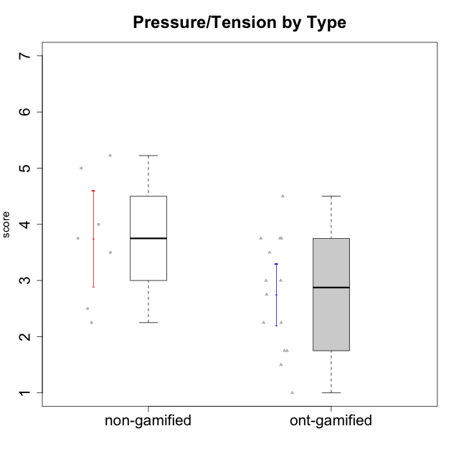

Student's t-Test data
UserID | Type | CLGroup | CLRole | PlayerRole | Interest/Enjoyment | Perceived Choice | Pressure/Tension | Effort/Importance | Intrinsic Motivation
10116 | non-gamified | GroupC | Master |  | 3.8333333333 | 2.8 | 3.5 | 4 | 3.7833333333
10120 | ont-gamified | Grupo Hélio | Master | Yee Socializer | 5.8333333333 | 6.4 | 1.5 | 6.1492666667 | 6.2666666667
10121 | ont-gamified | Grupo Hades | Master | Yee Achiever | 4.5 | 5.4 | 3.75 | 5 | 4.7875
10122 | non-gamified | GroupB | Apprentice |  | 3.0174 | 6.2 | 2.25 | 5 | 4.5708333333
10123 | ont-gamified | Grupo Morfeu | Apprentice | Yee Achiever | 2.6666666667 | 4.8 | 3.5 | 4.3333333333 | 4.075
10126 | ont-gamified | Grupo Hélio | Apprentice | Yee Socializer | 5.3333333333 | 6.2 | 2.25 | 5 | 5.5708333333
10129 | non-gamified | GroupB | Apprentice |  | 3.0174 | 3.2 | 5.2239 | 5.3333333333 | 4.2125383333
10130 | non-gamified | GroupC | Apprentice |  | 4.6666666667 | 3.8 | 5 | 6.3333333333 | 4.45
10131 | ont-gamified | Grupo Zeus | Apprentice | Yee Achiever | 6.1666666667 | 2.6 | 1.75 | 6 | 5.2541666667
10134 | ont-gamified | Grupo Apolo | Apprentice | Yee Socializer | 2.1123333333 | 3 | 3.75 | 4 | 3.8234666667
10135 | non-gamified | GroupB | Apprentice |  | 4.5 | 5 | 3.75 | 4.6666666667 | 4.6041666667
10137 | ont-gamified | Grupo Morfeu | Apprentice | Yee Achiever | 5.5 | 6.4 | 1 | 6.3333333333 | 6.0473666667
10138 | ont-gamified | Grupo Hélio | Apprentice | Yee Socializer | 4.6666666667 | 3.6 | 3.75 | 7 | 4.8791666667
10139 | ont-gamified | Grupo Zeus | Apprentice | Yee Achiever | 3.6666666667 | 4.6 | 2.25 | 4 | 4.5041666667
10141 | ont-gamified | Grupo Apolo | Master | Yee Socializer | 4 | 4.0174 | 3 | 4.3333333333 | 4.2333333333
10142 | ont-gamified | Grupo Hades | Apprentice | Yee Achiever | 4.6666666667 | 3.8 | 1.75 | 5 | 4.9291666667
10143 | ont-gamified | Grupo Apolo | Apprentice | Yee Socializer | 4.1666666667 | 5 | 3 | 6 | 5.0416666667
10145 | non-gamified | GroupB | Master |  | 3 | 2.8 | 4 | 7 | 4.2
10146 | non-gamified | GroupA | Apprentice |  | 5 | 5 | 2.5 | 6.3333333333 | 4.9291283333
10148 | ont-gamified | Grupo Apolo | Apprentice | Yee Socializer | 4.3333333333 | 5.6 | 4.5 | 6.3333333333 | 4.9416666667
10152 | ont-gamified | Grupo Morfeu | Master | Yee Achiever | 6.971 | 5.6 | 2.75 | 4 | 5.4625

Type_CLRole_1
Student's t-Test for Pressure/Tension by Type in Type:CLRole between non-gamified.Apprentice:non-gamified.Master

Student's t-Test results
Alternative hypothesis: less
Group | N | Mean | Mean.Difference | Std.deviation | Std.error | CI.lower | CI.upper | df | t.value | p.value | g | magnitude
non-gamified.Apprentice | 5 | 3.74478 | -0.00522 | 1.3736124788 | 0.61429817548 | 2.516183649 | 4.973376351 | 4.8973522565 | -0.0078706782337 | 0.49701534513 | -0.0035486294822 | negligible
non-gamified.Master | 2 | 3.75 | 0.00522 | 0.35355339059 | 0.25 | 3.25 | 4.25 | 4.8973522565 | -0.0078706782337 | 0.49701534513 | -0.0035486294822 | negligible
Alternative hypothesis: greater
Group | N | Mean | Mean.Difference | Std.deviation | Std.error | CI.lower | CI.upper | df | t.value | p.value | g | magnitude
non-gamified.Apprentice | 5 | 3.74478 | -0.00522 | 1.3736124788 | 0.61429817548 | 2.516183649 | 4.973376351 | 4.8973522565 | -0.0078706782337 | 0.50298465487 | -0.0035486294822 | negligible
non-gamified.Master | 2 | 3.75 | 0.00522 | 0.35355339059 | 0.25 | 3.25 | 4.25 | 4.8973522565 | -0.0078706782337 | 0.50298465487 | -0.0035486294822 | negligible
Alternative hypothesis: two.sided
Group | N | Mean | Mean.Difference | Std.deviation | Std.error | CI.lower | CI.upper | df | t.value | p.value | g | magnitude
non-gamified.Apprentice | 5 | 3.74478 | -0.00522 | 1.3736124788 | 0.61429817548 | 2.516183649 | 4.973376351 | 4.8973522565 | -0.0078706782337 | 0.99403069027 | -0.0035486294822 | negligible
non-gamified.Master | 2 | 3.75 | 0.00522 | 0.35355339059 | 0.25 | 3.25 | 4.25 | 4.8973522565 | -0.0078706782337 | 0.99403069027 | -0.0035486294822 | negligible

Box plots for Student's t-Test
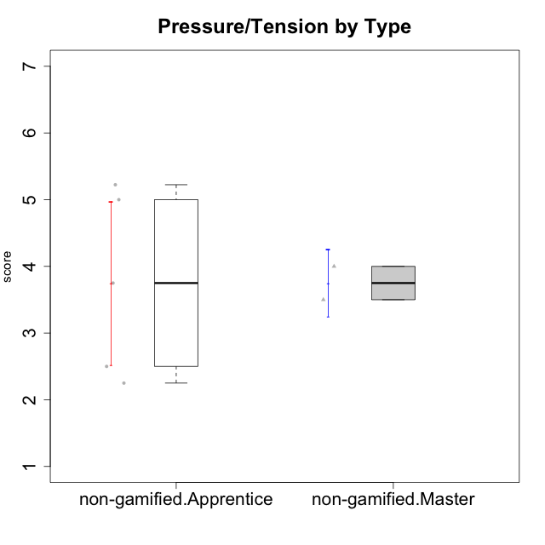

Student's t-Test data
UserID | Type | CLGroup | CLRole | PlayerRole | Interest/Enjoyment | Perceived Choice | Pressure/Tension | Effort/Importance | Intrinsic Motivation
10116 | non-gamified | GroupC | Master |  | 3.8333333333 | 2.8 | 3.5 | 4 | 3.7833333333
10122 | non-gamified | GroupB | Apprentice |  | 3.0174 | 6.2 | 2.25 | 5 | 4.5708333333
10129 | non-gamified | GroupB | Apprentice |  | 3.0174 | 3.2 | 5.2239 | 5.3333333333 | 4.2125383333
10130 | non-gamified | GroupC | Apprentice |  | 4.6666666667 | 3.8 | 5 | 6.3333333333 | 4.45
10135 | non-gamified | GroupB | Apprentice |  | 4.5 | 5 | 3.75 | 4.6666666667 | 4.6041666667
10145 | non-gamified | GroupB | Master |  | 3 | 2.8 | 4 | 7 | 4.2
10146 | non-gamified | GroupA | Apprentice |  | 5 | 5 | 2.5 | 6.3333333333 | 4.9291283333

Type_CLRole_2
Student's t-Test for Pressure/Tension by Type in Type:CLRole between non-gamified.Apprentice:ont-gamified.Apprentice

Student's t-Test results
Alternative hypothesis: less
Group | N | Mean | Mean.Difference | Std.deviation | Std.error | CI.lower | CI.upper | df | t.value | p.value | g | magnitude
non-gamified.Apprentice | 5 | 3.74478 | 0.99478 | 1.3736124788 | 0.61429817548 | 2.516183649 | 4.973376351 | 6.7592470431 | 1.4035198119 | 0.89765176662 | 0.77861484921 | medium
ont-gamified.Apprentice | 10 | 2.75 | -0.99478 | 1.1180339887 | 0.35355339059 | 2.0428932188 | 3.4571067812 | 6.7592470431 | 1.4035198119 | 0.89765176662 | 0.77861484921 | medium
Alternative hypothesis: greater
Group | N | Mean | Mean.Difference | Std.deviation | Std.error | CI.lower | CI.upper | df | t.value | p.value | g | magnitude
non-gamified.Apprentice | 5 | 3.74478 | 0.99478 | 1.3736124788 | 0.61429817548 | 2.516183649 | 4.973376351 | 6.7592470431 | 1.4035198119 | 0.10234823338 | 0.77861484921 | medium
ont-gamified.Apprentice | 10 | 2.75 | -0.99478 | 1.1180339887 | 0.35355339059 | 2.0428932188 | 3.4571067812 | 6.7592470431 | 1.4035198119 | 0.10234823338 | 0.77861484921 | medium
Alternative hypothesis: two.sided
Group | N | Mean | Mean.Difference | Std.deviation | Std.error | CI.lower | CI.upper | df | t.value | p.value | g | magnitude
non-gamified.Apprentice | 5 | 3.74478 | 0.99478 | 1.3736124788 | 0.61429817548 | 2.516183649 | 4.973376351 | 6.7592470431 | 1.4035198119 | 0.20469646677 | 0.77861484921 | medium
ont-gamified.Apprentice | 10 | 2.75 | -0.99478 | 1.1180339887 | 0.35355339059 | 2.0428932188 | 3.4571067812 | 6.7592470431 | 1.4035198119 | 0.20469646677 | 0.77861484921 | medium

Box plots for Student's t-Test
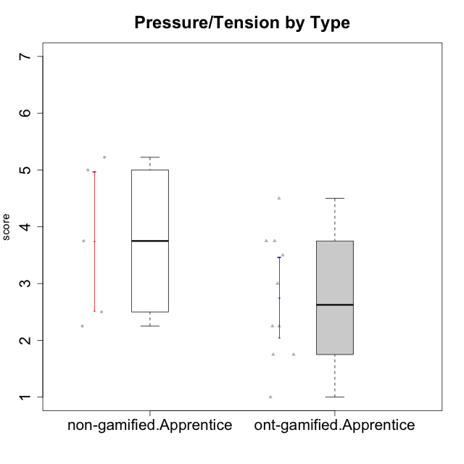

Student's t-Test data
UserID | Type | CLGroup | CLRole | PlayerRole | Interest/Enjoyment | Perceived Choice | Pressure/Tension | Effort/Importance | Intrinsic Motivation
10122 | non-gamified | GroupB | Apprentice |  | 3.0174 | 6.2 | 2.25 | 5 | 4.5708333333
10123 | ont-gamified | Grupo Morfeu | Apprentice | Yee Achiever | 2.6666666667 | 4.8 | 3.5 | 4.3333333333 | 4.075
10126 | ont-gamified | Grupo Hélio | Apprentice | Yee Socializer | 5.3333333333 | 6.2 | 2.25 | 5 | 5.5708333333
10129 | non-gamified | GroupB | Apprentice |  | 3.0174 | 3.2 | 5.2239 | 5.3333333333 | 4.2125383333
10130 | non-gamified | GroupC | Apprentice |  | 4.6666666667 | 3.8 | 5 | 6.3333333333 | 4.45
10131 | ont-gamified | Grupo Zeus | Apprentice | Yee Achiever | 6.1666666667 | 2.6 | 1.75 | 6 | 5.2541666667
10134 | ont-gamified | Grupo Apolo | Apprentice | Yee Socializer | 2.1123333333 | 3 | 3.75 | 4 | 3.8234666667
10135 | non-gamified | GroupB | Apprentice |  | 4.5 | 5 | 3.75 | 4.6666666667 | 4.6041666667
10137 | ont-gamified | Grupo Morfeu | Apprentice | Yee Achiever | 5.5 | 6.4 | 1 | 6.3333333333 | 6.0473666667
10138 | ont-gamified | Grupo Hélio | Apprentice | Yee Socializer | 4.6666666667 | 3.6 | 3.75 | 7 | 4.8791666667
10139 | ont-gamified | Grupo Zeus | Apprentice | Yee Achiever | 3.6666666667 | 4.6 | 2.25 | 4 | 4.5041666667
10142 | ont-gamified | Grupo Hades | Apprentice | Yee Achiever | 4.6666666667 | 3.8 | 1.75 | 5 | 4.9291666667
10143 | ont-gamified | Grupo Apolo | Apprentice | Yee Socializer | 4.1666666667 | 5 | 3 | 6 | 5.0416666667
10146 | non-gamified | GroupA | Apprentice |  | 5 | 5 | 2.5 | 6.3333333333 | 4.9291283333
10148 | ont-gamified | Grupo Apolo | Apprentice | Yee Socializer | 4.3333333333 | 5.6 | 4.5 | 6.3333333333 | 4.9416666667

Type_CLRole_3
Student's t-Test for Pressure/Tension by Type in Type:CLRole between non-gamified.Apprentice:ont-gamified.Master

Student's t-Test results
Alternative hypothesis: less
Group | N | Mean | Mean.Difference | Std.deviation | Std.error | CI.lower | CI.upper | df | t.value | p.value | g | magnitude
non-gamified.Apprentice | 5 | 3.74478 | 0.99478 | 1.3736124788 | 0.61429817548 | 2.516183649 | 4.973376351 | 6.8931584217 | 1.2884365092 | 0.8804244305 | 0.73352536747 | medium
ont-gamified.Master | 4 | 2.75 | -0.99478 | 0.93541434669 | 0.46770717335 | 1.8145856533 | 3.6854143467 | 6.8931584217 | 1.2884365092 | 0.8804244305 | 0.73352536747 | medium
Alternative hypothesis: greater
Group | N | Mean | Mean.Difference | Std.deviation | Std.error | CI.lower | CI.upper | df | t.value | p.value | g | magnitude
non-gamified.Apprentice | 5 | 3.74478 | 0.99478 | 1.3736124788 | 0.61429817548 | 2.516183649 | 4.973376351 | 6.8931584217 | 1.2884365092 | 0.1195755695 | 0.73352536747 | medium
ont-gamified.Master | 4 | 2.75 | -0.99478 | 0.93541434669 | 0.46770717335 | 1.8145856533 | 3.6854143467 | 6.8931584217 | 1.2884365092 | 0.1195755695 | 0.73352536747 | medium
Alternative hypothesis: two.sided
Group | N | Mean | Mean.Difference | Std.deviation | Std.error | CI.lower | CI.upper | df | t.value | p.value | g | magnitude
non-gamified.Apprentice | 5 | 3.74478 | 0.99478 | 1.3736124788 | 0.61429817548 | 2.516183649 | 4.973376351 | 6.8931584217 | 1.2884365092 | 0.239151139 | 0.73352536747 | medium
ont-gamified.Master | 4 | 2.75 | -0.99478 | 0.93541434669 | 0.46770717335 | 1.8145856533 | 3.6854143467 | 6.8931584217 | 1.2884365092 | 0.239151139 | 0.73352536747 | medium

Box plots for Student's t-Test
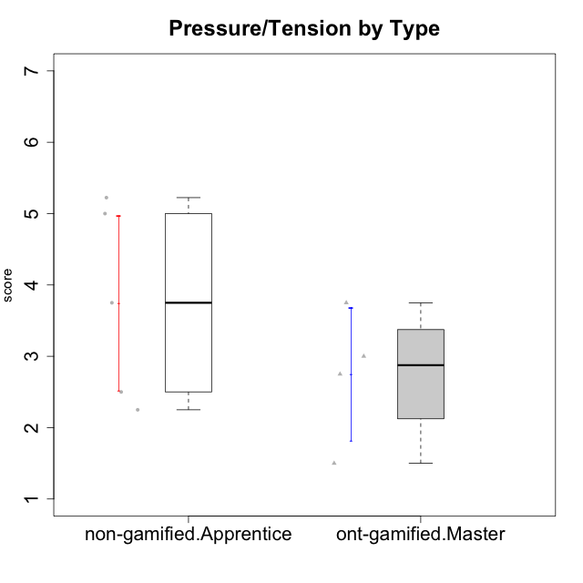

Student's t-Test data
UserID | Type | CLGroup | CLRole | PlayerRole | Interest/Enjoyment | Perceived Choice | Pressure/Tension | Effort/Importance | Intrinsic Motivation
10120 | ont-gamified | Grupo Hélio | Master | Yee Socializer | 5.8333333333 | 6.4 | 1.5 | 6.1492666667 | 6.2666666667
10121 | ont-gamified | Grupo Hades | Master | Yee Achiever | 4.5 | 5.4 | 3.75 | 5 | 4.7875
10122 | non-gamified | GroupB | Apprentice |  | 3.0174 | 6.2 | 2.25 | 5 | 4.5708333333
10129 | non-gamified | GroupB | Apprentice |  | 3.0174 | 3.2 | 5.2239 | 5.3333333333 | 4.2125383333
10130 | non-gamified | GroupC | Apprentice |  | 4.6666666667 | 3.8 | 5 | 6.3333333333 | 4.45
10135 | non-gamified | GroupB | Apprentice |  | 4.5 | 5 | 3.75 | 4.6666666667 | 4.6041666667
10141 | ont-gamified | Grupo Apolo | Master | Yee Socializer | 4 | 4.0174 | 3 | 4.3333333333 | 4.2333333333
10146 | non-gamified | GroupA | Apprentice |  | 5 | 5 | 2.5 | 6.3333333333 | 4.9291283333
10152 | ont-gamified | Grupo Morfeu | Master | Yee Achiever | 6.971 | 5.6 | 2.75 | 4 | 5.4625

Type_CLRole_4
Student's t-Test for Pressure/Tension by Type in Type:CLRole between non-gamified.Master:ont-gamified.Apprentice

Student's t-Test results
Alternative hypothesis: less
Group | N | Mean | Mean.Difference | Std.deviation | Std.error | CI.lower | CI.upper | df | t.value | p.value | g | magnitude
non-gamified.Master | 2 | 3.75 | 1 | 0.35355339059 | 0.25 | 3.25 | 4.25 | 6.2307692308 | 2.3094010768 | 0.9706335614 | 0.8654902725 | large
ont-gamified.Apprentice | 10 | 2.75 | -1 | 1.1180339887 | 0.35355339059 | 2.0428932188 | 3.4571067812 | 6.2307692308 | 2.3094010768 | 0.9706335614 | 0.8654902725 | large
Alternative hypothesis: greater
Group | N | Mean | Mean.Difference | Std.deviation | Std.error | CI.lower | CI.upper | df | t.value | p.value | g | magnitude
non-gamified.Master | 2 | 3.75 | 1 | 0.35355339059 | 0.25 | 3.25 | 4.25 | 6.2307692308 | 2.3094010768 | 0.029366438604 | 0.8654902725 | large
ont-gamified.Apprentice | 10 | 2.75 | -1 | 1.1180339887 | 0.35355339059 | 2.0428932188 | 3.4571067812 | 6.2307692308 | 2.3094010768 | 0.029366438604 | 0.8654902725 | large
Alternative hypothesis: two.sided
Group | N | Mean | Mean.Difference | Std.deviation | Std.error | CI.lower | CI.upper | df | t.value | p.value | g | magnitude
non-gamified.Master | 2 | 3.75 | 1 | 0.35355339059 | 0.25 | 3.25 | 4.25 | 6.2307692308 | 2.3094010768 | 0.058732877208 | 0.8654902725 | large
ont-gamified.Apprentice | 10 | 2.75 | -1 | 1.1180339887 | 0.35355339059 | 2.0428932188 | 3.4571067812 | 6.2307692308 | 2.3094010768 | 0.058732877208 | 0.8654902725 | large

Box plots for Student's t-Test
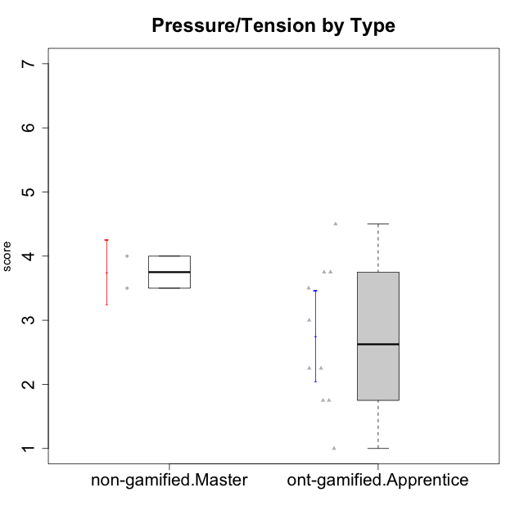

Student's t-Test data
UserID | Type | CLGroup | CLRole | PlayerRole | Interest/Enjoyment | Perceived Choice | Pressure/Tension | Effort/Importance | Intrinsic Motivation
10116 | non-gamified | GroupC | Master |  | 3.8333333333 | 2.8 | 3.5 | 4 | 3.7833333333
10123 | ont-gamified | Grupo Morfeu | Apprentice | Yee Achiever | 2.6666666667 | 4.8 | 3.5 | 4.3333333333 | 4.075
10126 | ont-gamified | Grupo Hélio | Apprentice | Yee Socializer | 5.3333333333 | 6.2 | 2.25 | 5 | 5.5708333333
10131 | ont-gamified | Grupo Zeus | Apprentice | Yee Achiever | 6.1666666667 | 2.6 | 1.75 | 6 | 5.2541666667
10134 | ont-gamified | Grupo Apolo | Apprentice | Yee Socializer | 2.1123333333 | 3 | 3.75 | 4 | 3.8234666667
10137 | ont-gamified | Grupo Morfeu | Apprentice | Yee Achiever | 5.5 | 6.4 | 1 | 6.3333333333 | 6.0473666667
10138 | ont-gamified | Grupo Hélio | Apprentice | Yee Socializer | 4.6666666667 | 3.6 | 3.75 | 7 | 4.8791666667
10139 | ont-gamified | Grupo Zeus | Apprentice | Yee Achiever | 3.6666666667 | 4.6 | 2.25 | 4 | 4.5041666667
10142 | ont-gamified | Grupo Hades | Apprentice | Yee Achiever | 4.6666666667 | 3.8 | 1.75 | 5 | 4.9291666667
10143 | ont-gamified | Grupo Apolo | Apprentice | Yee Socializer | 4.1666666667 | 5 | 3 | 6 | 5.0416666667
10145 | non-gamified | GroupB | Master |  | 3 | 2.8 | 4 | 7 | 4.2
10148 | ont-gamified | Grupo Apolo | Apprentice | Yee Socializer | 4.3333333333 | 5.6 | 4.5 | 6.3333333333 | 4.9416666667

Type_CLRole_5
Student's t-Test for Pressure/Tension by Type in Type:CLRole between non-gamified.Master:ont-gamified.Master

Student's t-Test results
Alternative hypothesis: less
Group | N | Mean | Mean.Difference | Std.deviation | Std.error | CI.lower | CI.upper | df | t.value | p.value | g | magnitude
non-gamified.Master | 2 | 3.75 | 1 | 0.35355339059 | 0.25 | 3.25 | 4.25 | 3.9836065574 | 1.8856180832 | 0.93364368824 | 0.96483630265 | large
ont-gamified.Master | 4 | 2.75 | -1 | 0.93541434669 | 0.46770717335 | 1.8145856533 | 3.6854143467 | 3.9836065574 | 1.8856180832 | 0.93364368824 | 0.96483630265 | large
Alternative hypothesis: greater
Group | N | Mean | Mean.Difference | Std.deviation | Std.error | CI.lower | CI.upper | df | t.value | p.value | g | magnitude
non-gamified.Master | 2 | 3.75 | 1 | 0.35355339059 | 0.25 | 3.25 | 4.25 | 3.9836065574 | 1.8856180832 | 0.066356311764 | 0.96483630265 | large
ont-gamified.Master | 4 | 2.75 | -1 | 0.93541434669 | 0.46770717335 | 1.8145856533 | 3.6854143467 | 3.9836065574 | 1.8856180832 | 0.066356311764 | 0.96483630265 | large
Alternative hypothesis: two.sided
Group | N | Mean | Mean.Difference | Std.deviation | Std.error | CI.lower | CI.upper | df | t.value | p.value | g | magnitude
non-gamified.Master | 2 | 3.75 | 1 | 0.35355339059 | 0.25 | 3.25 | 4.25 | 3.9836065574 | 1.8856180832 | 0.13271262353 | 0.96483630265 | large
ont-gamified.Master | 4 | 2.75 | -1 | 0.93541434669 | 0.46770717335 | 1.8145856533 | 3.6854143467 | 3.9836065574 | 1.8856180832 | 0.13271262353 | 0.96483630265 | large

Box plots for Student's t-Test
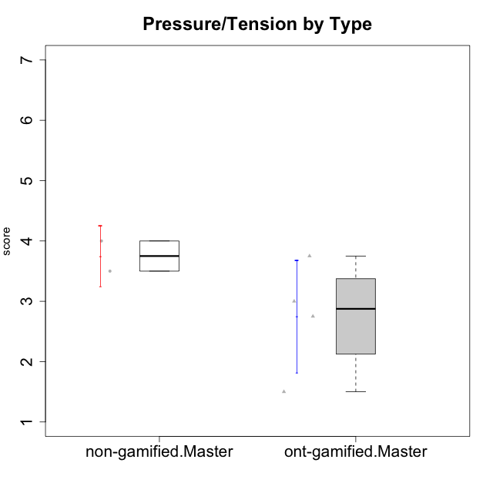

Student's t-Test data
UserID | Type | CLGroup | CLRole | PlayerRole | Interest/Enjoyment | Perceived Choice | Pressure/Tension | Effort/Importance | Intrinsic Motivation
10116 | non-gamified | GroupC | Master |  | 3.8333333333 | 2.8 | 3.5 | 4 | 3.7833333333
10120 | ont-gamified | Grupo Hélio | Master | Yee Socializer | 5.8333333333 | 6.4 | 1.5 | 6.1492666667 | 6.2666666667
10121 | ont-gamified | Grupo Hades | Master | Yee Achiever | 4.5 | 5.4 | 3.75 | 5 | 4.7875
10141 | ont-gamified | Grupo Apolo | Master | Yee Socializer | 4 | 4.0174 | 3 | 4.3333333333 | 4.2333333333
10145 | non-gamified | GroupB | Master |  | 3 | 2.8 | 4 | 7 | 4.2
10152 | ont-gamified | Grupo Morfeu | Master | Yee Achiever | 6.971 | 5.6 | 2.75 | 4 | 5.4625

Type_CLRole_6
Student's t-Test for Pressure/Tension by Type in Type:CLRole between ont-gamified.Apprentice:ont-gamified.Master

Student's t-Test results
Alternative hypothesis: less
Group | N | Mean | Mean.Difference | Std.deviation | Std.error | CI.lower | CI.upper | df | t.value | p.value | g | magnitude
ont-gamified.Apprentice | 10 | 2.75 | 0 | 1.1180339887 | 0.35355339059 | 2.0428932188 | 3.4571067812 | 6.6809815951 | 0 | 0.5 | 0 | negligible
ont-gamified.Master | 4 | 2.75 | 0 | 0.93541434669 | 0.46770717335 | 1.8145856533 | 3.6854143467 | 6.6809815951 | 0 | 0.5 | 0 | negligible
Alternative hypothesis: greater
Group | N | Mean | Mean.Difference | Std.deviation | Std.error | CI.lower | CI.upper | df | t.value | p.value | g | magnitude
ont-gamified.Apprentice | 10 | 2.75 | 0 | 1.1180339887 | 0.35355339059 | 2.0428932188 | 3.4571067812 | 6.6809815951 | 0 | 0.5 | 0 | negligible
ont-gamified.Master | 4 | 2.75 | 0 | 0.93541434669 | 0.46770717335 | 1.8145856533 | 3.6854143467 | 6.6809815951 | 0 | 0.5 | 0 | negligible
Alternative hypothesis: two.sided
Group | N | Mean | Mean.Difference | Std.deviation | Std.error | CI.lower | CI.upper | df | t.value | p.value | g | magnitude
ont-gamified.Apprentice | 10 | 2.75 | 0 | 1.1180339887 | 0.35355339059 | 2.0428932188 | 3.4571067812 | 6.6809815951 | 0 | 1 | 0 | negligible
ont-gamified.Master | 4 | 2.75 | 0 | 0.93541434669 | 0.46770717335 | 1.8145856533 | 3.6854143467 | 6.6809815951 | 0 | 1 | 0 | negligible

Box plots for Student's t-Test
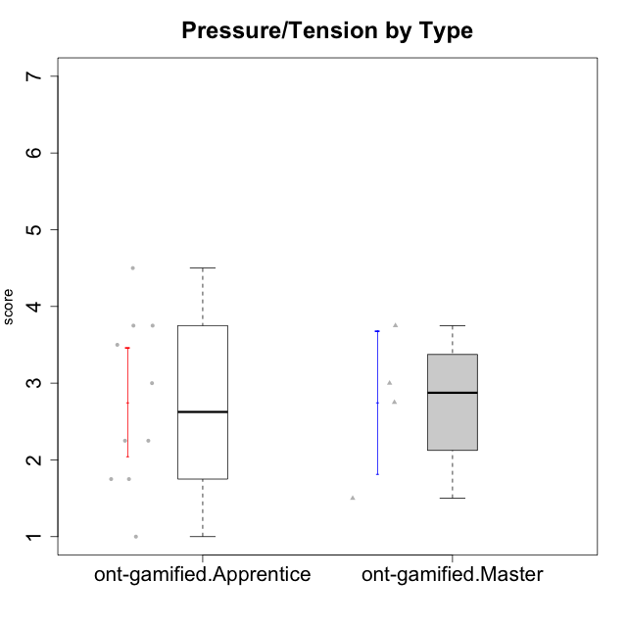

Student's t-Test data
UserID | Type | CLGroup | CLRole | PlayerRole | Interest/Enjoyment | Perceived Choice | Pressure/Tension | Effort/Importance | Intrinsic Motivation
10120 | ont-gamified | Grupo Hélio | Master | Yee Socializer | 5.8333333333 | 6.4 | 1.5 | 6.1492666667 | 6.2666666667
10121 | ont-gamified | Grupo Hades | Master | Yee Achiever | 4.5 | 5.4 | 3.75 | 5 | 4.7875
10123 | ont-gamified | Grupo Morfeu | Apprentice | Yee Achiever | 2.6666666667 | 4.8 | 3.5 | 4.3333333333 | 4.075
10126 | ont-gamified | Grupo Hélio | Apprentice | Yee Socializer | 5.3333333333 | 6.2 | 2.25 | 5 | 5.5708333333
10131 | ont-gamified | Grupo Zeus | Apprentice | Yee Achiever | 6.1666666667 | 2.6 | 1.75 | 6 | 5.2541666667
10134 | ont-gamified | Grupo Apolo | Apprentice | Yee Socializer | 2.1123333333 | 3 | 3.75 | 4 | 3.8234666667
10137 | ont-gamified | Grupo Morfeu | Apprentice | Yee Achiever | 5.5 | 6.4 | 1 | 6.3333333333 | 6.0473666667
10138 | ont-gamified | Grupo Hélio | Apprentice | Yee Socializer | 4.6666666667 | 3.6 | 3.75 | 7 | 4.8791666667
10139 | ont-gamified | Grupo Zeus | Apprentice | Yee Achiever | 3.6666666667 | 4.6 | 2.25 | 4 | 4.5041666667
10141 | ont-gamified | Grupo Apolo | Master | Yee Socializer | 4 | 4.0174 | 3 | 4.3333333333 | 4.2333333333
10142 | ont-gamified | Grupo Hades | Apprentice | Yee Achiever | 4.6666666667 | 3.8 | 1.75 | 5 | 4.9291666667
10143 | ont-gamified | Grupo Apolo | Apprentice | Yee Socializer | 4.1666666667 | 5 | 3 | 6 | 5.0416666667
10148 | ont-gamified | Grupo Apolo | Apprentice | Yee Socializer | 4.3333333333 | 5.6 | 4.5 | 6.3333333333 | 4.9416666667
10152 | ont-gamified | Grupo Morfeu | Master | Yee Achiever | 6.971 | 5.6 | 2.75 | 4 | 5.4625

