Assumptions
ANOVA assumptions for Interest/Enjoyment by Type

Shapiro-Wilk normality test for Interest/Enjoyment by Type
W | p.value
0.9575382845 | 0.26763561807

Plots for normality test
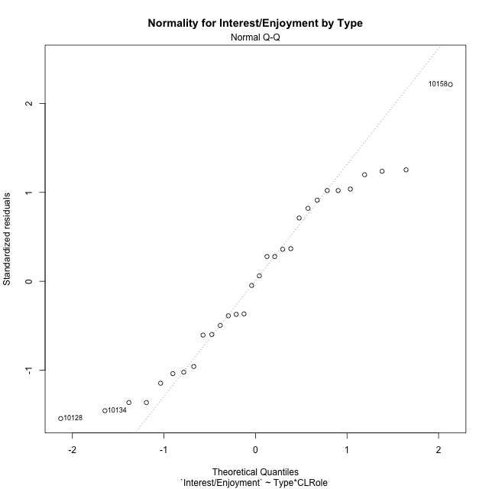

Levene's Test for Homogeneity of Variance in Interest/Enjoyment by Type
Df | F value | Pr(>F)
3 | 0.94434626939 | 0.43355399666
26

Plots for homogeneity of variance
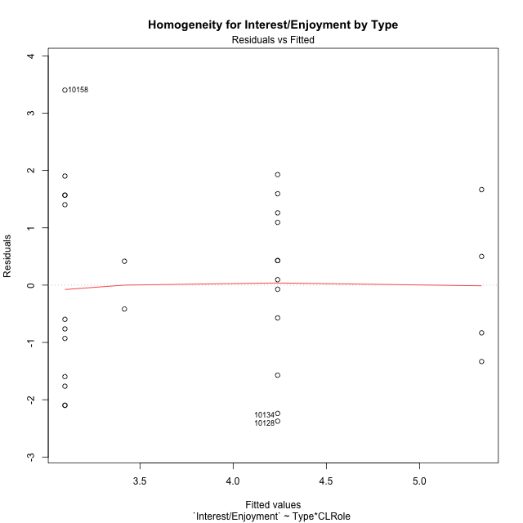

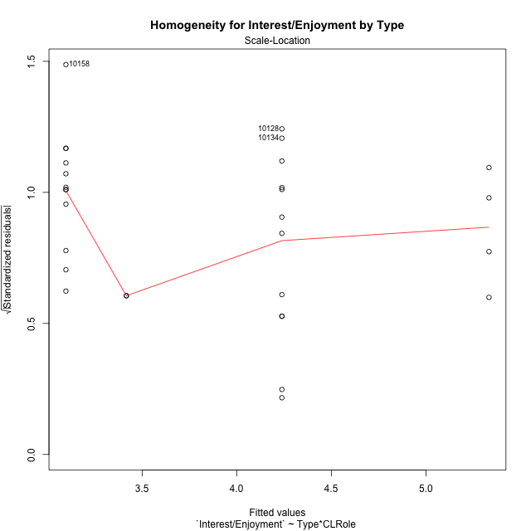

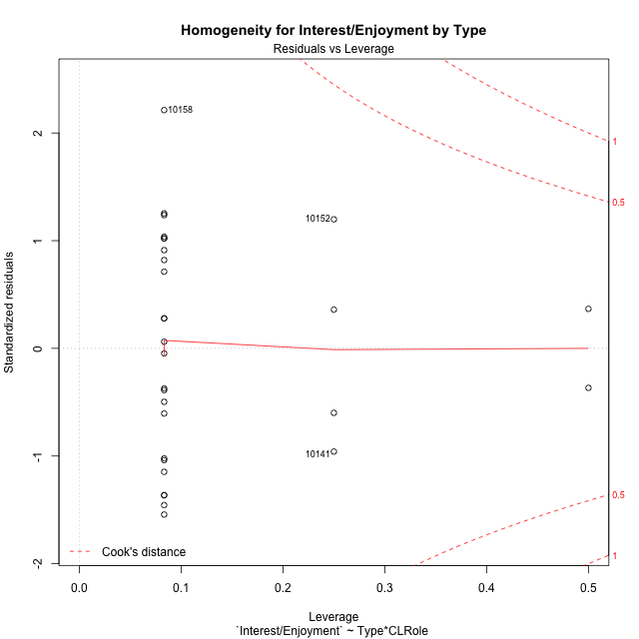

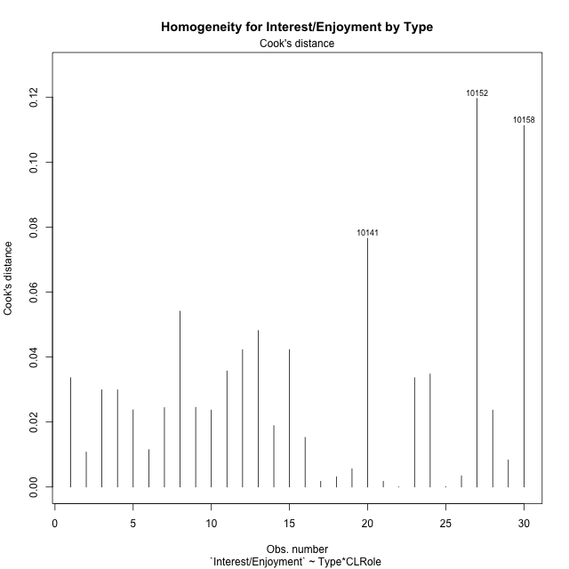

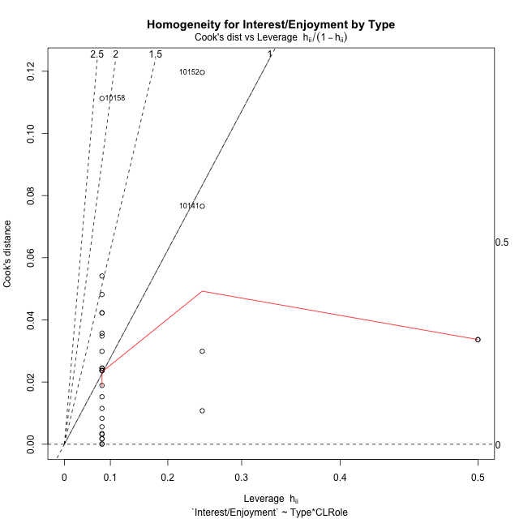

Minimum Sample Size Test for Interest/Enjoyment by Type
Type | CLRole | Freq
non-gamified | Apprentice | 12
ont-gamified | Apprentice | 12
non-gamified | Master | 2
ont-gamified | Master | 4

Errors and Warnings in Sample Size Test for ANOVA in Interest/Enjoyment by Type
code | description
WARN: sample.size | current size is 12 and recommended size is 15 for the group: 'non-gamified:Apprentice'.
WARN: sample.size | current size is 12 and recommended size is 15 for the group: 'ont-gamified:Apprentice'.
FAIL: min.size | current size is 2 but the minimal recomended size is 5 for the group: 'non-gamified:Master'.
FAIL: min.size | current size is 4 but the minimal recomended size is 5 for the group: 'ont-gamified:Master'.

For the group: 'non-gamified:Apprentice', we recommend the use of non-parametric test. For the group: 'ont-gamified:Apprentice', we recommend the use of non-parametric test. For the group: 'non-gamified:Master', we recommend the use of non-parametric test. For the group: 'ont-gamified:Master', we recommend the use of non-parametric test.

Post-hoc
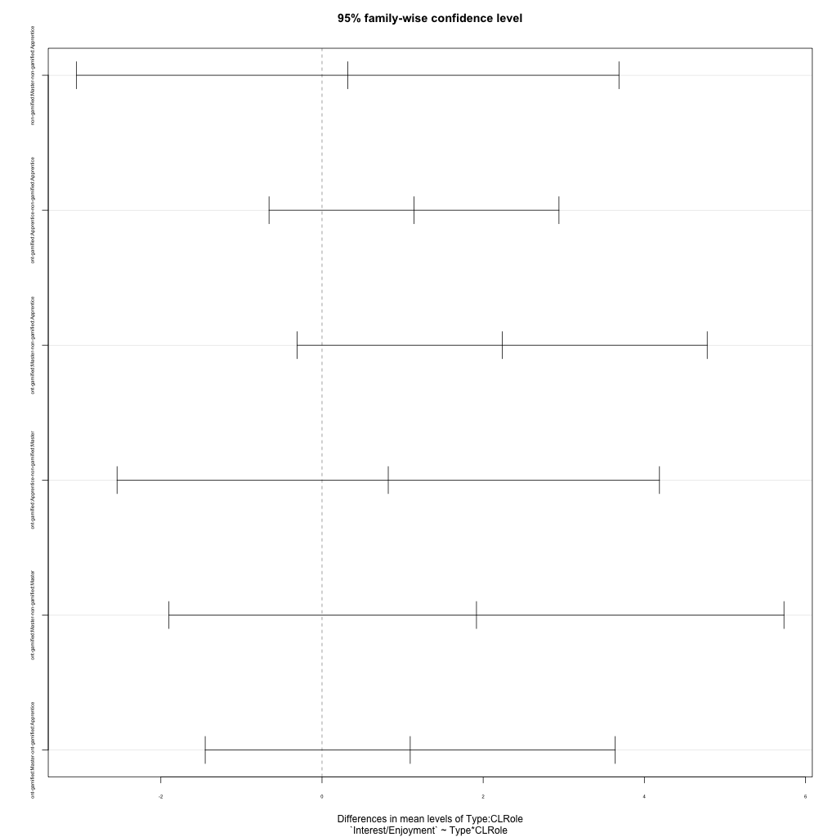
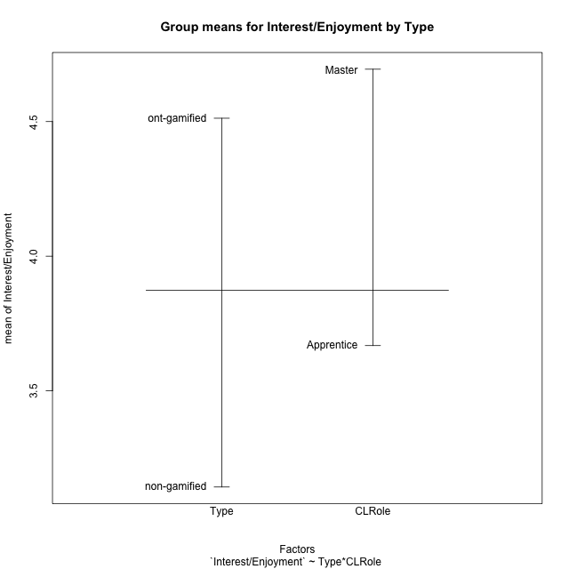
Post-hoc Tukey Honestly Significant Difference (HSD) Test for Interest/Enjoyment by Type

Comparisons of means for Type
 | diff | lwr | upr | p adj
ont-gamified-non-gamified | 1.3695532738 | 0.16127403314 | 2.5778325145 | 0.02784553798

Comparisons of means for CLRole
 | diff | lwr | upr | p adj
Master-Apprentice | 0.79818973214 | -0.7087992499 | 2.3051787142 | 0.28626256057

Comparisons of means for Type:CLRole
 | diff | lwr | upr | p adj
non-gamified:Master-non-gamified:Apprentice | 0.31944444444 | -3.0459954533 | 3.6848843422 | 0.99365917619
ont-gamified:Apprentice-non-gamified:Apprentice | 1.1415472222 | -0.65735607108 | 2.9404505155 | 0.32387705323
ont-gamified:Master-non-gamified:Apprentice | 2.2361111111 | -0.30792232368 | 4.7801445459 | 0.099809312201
ont-gamified:Apprentice-non-gamified:Master | 0.82210277778 | -2.54333712 | 4.1875426755 | 0.90738814467
ont-gamified:Master-non-gamified:Master | 1.9166666667 | -1.8993834855 | 5.7327168189 | 0.52387152166
ont-gamified:Master-ont-gamified:Apprentice | 1.0945638889 | -1.4494695459 | 3.6385973237 | 0.64430884152

Contrast Matrices for Interest/Enjoyment by Type - Type
contrast | estimate | SE | df | t.ratio | p.value
non-gamified - ont-gamified | -1.5291069444 | 0.76892276449 | 26 | -1.9886352896 | 0.057362716747

Contrast Matrices for Interest/Enjoyment by Type - Type:CLRole
contrast | CLRole | estimate | SE | df | t.ratio | p.value
non-gamified - ont-gamified | Apprentice | -1.1415472222 | 0.65573953685 | 26 | -1.7408546505 | 0.093532595347
non-gamified - ont-gamified | Master | -1.9166666667 | 1.3910336196 | 26 | -1.3778722812 | 0.17998728156

Least Squares Means and Confidence Intervals for Type
Type | lsmean | SE | df | lower.CL | upper.CL | Pairs
non-gamified | 3.2569444444 | 0.61338817046 | 26 | 1.9961070028 | 4.5177818861 | non-gamified
ont-gamified | 4.7860513889 | 0.4636778732 | 26 | 3.8329478705 | 5.7391549073 | ont-gamified

Least Squares Means and Confidence Intervals for Type:CLRole
Type | CLRole | lsmean | SE | df | lower.CL | upper.CL | Pairs
non-gamified | Apprentice | 3.0972222222 | 0.4636778732 | 26 | 2.1441187038 | 4.0503257406 | non-gamified.Apprentice
ont-gamified | Apprentice | 4.2387694444 | 0.4636778732 | 26 | 3.285665926 | 5.1918729628 | ont-gamified.Apprentice
non-gamified | Master | 3.4166666667 | 1.1357741943 | 26 | 1.0820493745 | 5.7512839588 | non-gamified.Master
ont-gamified | Master | 5.3333333333 | 0.80311363472 | 26 | 3.6825096146 | 6.9841570521 | ont-gamified.Master

Plots

Type_1
Student's t-Test for Interest/Enjoyment by Type in Type between non-gamified:ont-gamified

Student's t-Test results
Alternative hypothesis: less
Group | N | Mean | Mean.Difference | Std.deviation | Std.error | CI.lower | CI.upper | df | t.value | p.value | g | magnitude
non-gamified | 14 | 3.1428571429 | -1.3695532738 | 1.7294052419 | 0.46220299273 | 2.2184511574 | 4.0672631283 | 25.62955613 | -2.325527072 | 0.014117709502 | -0.83771081946 | large
ont-gamified | 16 | 4.5124104167 | 1.3695532738 | 1.4598472265 | 0.36496180662 | 3.7824868034 | 5.2423340299 | 25.62955613 | -2.325527072 | 0.014117709502 | -0.83771081946 | large
Alternative hypothesis: greater
Group | N | Mean | Mean.Difference | Std.deviation | Std.error | CI.lower | CI.upper | df | t.value | p.value | g | magnitude
non-gamified | 14 | 3.1428571429 | -1.3695532738 | 1.7294052419 | 0.46220299273 | 2.2184511574 | 4.0672631283 | 25.62955613 | -2.325527072 | 0.9858822905 | -0.83771081946 | large
ont-gamified | 16 | 4.5124104167 | 1.3695532738 | 1.4598472265 | 0.36496180662 | 3.7824868034 | 5.2423340299 | 25.62955613 | -2.325527072 | 0.9858822905 | -0.83771081946 | large
Alternative hypothesis: two.sided
Group | N | Mean | Mean.Difference | Std.deviation | Std.error | CI.lower | CI.upper | df | t.value | p.value | g | magnitude
non-gamified | 14 | 3.1428571429 | -1.3695532738 | 1.7294052419 | 0.46220299273 | 2.2184511574 | 4.0672631283 | 25.62955613 | -2.325527072 | 0.028235419003 | -0.83771081946 | large
ont-gamified | 16 | 4.5124104167 | 1.3695532738 | 1.4598472265 | 0.36496180662 | 3.7824868034 | 5.2423340299 | 25.62955613 | -2.325527072 | 0.028235419003 | -0.83771081946 | large

Box plots for Student's t-Test
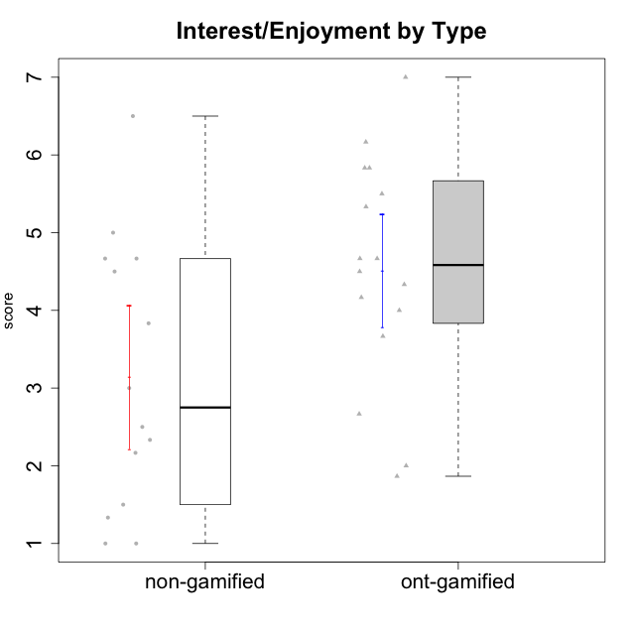

Student's t-Test data
UserID | Type | CLGroup | CLRole | PlayerRole | Interest/Enjoyment | Perceived Choice | Pressure/Tension | Effort/Importance | Intrinsic Motivation
10116 | non-gamified | GroupC | Master |  | 3.8333333333 | 2.8 | 3.5 | 4 | 3.7833333333
10120 | ont-gamified | Grupo Hélio | Master | Yee Socializer | 5.8333333333 | 6.4 | 1.5 | 6.1492666667 | 6.2666666667
10121 | ont-gamified | Grupo Hades | Master | Yee Achiever | 4.5 | 5.4 | 3.75 | 5 | 4.7875
10122 | non-gamified | GroupB | Apprentice |  | 1.3333333333 | 6.2 | 2.25 | 5 | 4.5708333333
10123 | ont-gamified | Grupo Morfeu | Apprentice | Yee Achiever | 2.6666666667 | 4.8 | 3.5 | 4.3333333333 | 4.075
10126 | ont-gamified | Grupo Hélio | Apprentice | Yee Socializer | 5.3333333333 | 6.2 | 2.25 | 5 | 5.5708333333
10127 | ont-gamified | Grupo Hades | Apprentice | Yee Achiever | 5.8333333333 | 4.8 | 2.75 | 3.6666666667 | 4.8875
10128 | ont-gamified | Grupo Morfeu | Apprentice | Yee Achiever | 1.8652333333 | 5.4 | 2.5 | 2.3333333333 | 3.7963833333
10129 | non-gamified | GroupB | Apprentice |  | 1.5 | 3.2 | 5.2239 | 5.3333333333 | 3.1333333333
10130 | non-gamified | GroupC | Apprentice |  | 4.6666666667 | 3.8 | 5 | 6.3333333333 | 4.45
10131 | ont-gamified | Grupo Zeus | Apprentice | Yee Achiever | 6.1666666667 | 2.6 | 1.75 | 6 | 5.2541666667
10132 | non-gamified | GroupA | Apprentice |  | 1 | 4 | 2.75 | 5.6666666667 | 3.9791666667
10134 | ont-gamified | Grupo Apolo | Apprentice | Yee Socializer | 2 | 3 | 3.75 | 4 | 3.7963833333
10135 | non-gamified | GroupB | Apprentice |  | 4.5 | 5 | 3.75 | 4.6666666667 | 4.6041666667
10136 | non-gamified | GroupC | Apprentice |  | 1 | 2 | 3.25 | 3.1898666667 | 2.697185
10137 | ont-gamified | Grupo Morfeu | Apprentice | Yee Achiever | 5.5 | 6.4 | 1 | 6.3333333333 | 6.0202833333
10138 | ont-gamified | Grupo Hélio | Apprentice | Yee Socializer | 4.6666666667 | 3.6 | 3.75 | 7 | 4.8791666667
10139 | ont-gamified | Grupo Zeus | Apprentice | Yee Achiever | 3.6666666667 | 4.6 | 2.25 | 4 | 4.5041666667
10140 | non-gamified | GroupC | Apprentice |  | 2.3333333333 | 4 | 4.5 | 3.3333333333 | 3.2916666667
10141 | ont-gamified | Grupo Apolo | Master | Yee Socializer | 4 | 4.0174 | 3 | 4.3333333333 | 4.2333333333
10142 | ont-gamified | Grupo Hades | Apprentice | Yee Achiever | 4.6666666667 | 3.8 | 1.75 | 5 | 4.9291666667
10143 | ont-gamified | Grupo Apolo | Apprentice | Yee Socializer | 4.1666666667 | 5 | 3 | 6 | 5.0416666667
10145 | non-gamified | GroupB | Master |  | 3 | 2.8 | 4 | 7 | 4.2
10146 | non-gamified | GroupA | Apprentice |  | 5 | 5 | 2.5 | 6.3333333333 | 5.4583333333
10148 | ont-gamified | Grupo Apolo | Apprentice | Yee Socializer | 4.3333333333 | 5.6 | 4.5 | 6.3333333333 | 4.9416666667
10149 | non-gamified | GroupA | Apprentice |  | 2.5 | 2.4 | 5.2239 | 5.6666666667 | 3.2666666667
10152 | ont-gamified | Grupo Morfeu | Master | Yee Achiever | 7 | 5.6 | 2.75 | 4 | 5.4625
10153 | non-gamified | GroupA | Apprentice |  | 4.6666666667 | 4 | 2.5 | 4.6666666667 | 4.7083333333
10154 | non-gamified | GroupC | Apprentice |  | 2.1666666667 | 2.2 | 4 | 4.3333333333 | 3.175
10158 | non-gamified | GroupD | Apprentice |  | 6.5 | 5.4 | 1 | 7 | 6.1899333333

Type_CLRole_1
Student's t-Test for Interest/Enjoyment by Type in Type:CLRole between non-gamified.Apprentice:non-gamified.Master

Student's t-Test results
Alternative hypothesis: less
Group | N | Mean | Mean.Difference | Std.deviation | Std.error | CI.lower | CI.upper | df | t.value | p.value | g | magnitude
non-gamified.Apprentice | 12 | 3.0972222222 | -0.31944444444 | 1.8673947894 | 0.53907044219 | 2.0190813379 | 4.1753631066 | 5.6980900663 | -0.4688554888 | 0.32828540945 | -0.16651429813 | negligible
non-gamified.Master | 2 | 3.4166666667 | 0.31944444444 | 0.58925565099 | 0.41666666667 | 2.5833333333 | 4.25 | 5.6980900663 | -0.4688554888 | 0.32828540945 | -0.16651429813 | negligible
Alternative hypothesis: greater
Group | N | Mean | Mean.Difference | Std.deviation | Std.error | CI.lower | CI.upper | df | t.value | p.value | g | magnitude
non-gamified.Apprentice | 12 | 3.0972222222 | -0.31944444444 | 1.8673947894 | 0.53907044219 | 2.0190813379 | 4.1753631066 | 5.6980900663 | -0.4688554888 | 0.67171459055 | -0.16651429813 | negligible
non-gamified.Master | 2 | 3.4166666667 | 0.31944444444 | 0.58925565099 | 0.41666666667 | 2.5833333333 | 4.25 | 5.6980900663 | -0.4688554888 | 0.67171459055 | -0.16651429813 | negligible
Alternative hypothesis: two.sided
Group | N | Mean | Mean.Difference | Std.deviation | Std.error | CI.lower | CI.upper | df | t.value | p.value | g | magnitude
non-gamified.Apprentice | 12 | 3.0972222222 | -0.31944444444 | 1.8673947894 | 0.53907044219 | 2.0190813379 | 4.1753631066 | 5.6980900663 | -0.4688554888 | 0.65657081889 | -0.16651429813 | negligible
non-gamified.Master | 2 | 3.4166666667 | 0.31944444444 | 0.58925565099 | 0.41666666667 | 2.5833333333 | 4.25 | 5.6980900663 | -0.4688554888 | 0.65657081889 | -0.16651429813 | negligible

Box plots for Student's t-Test
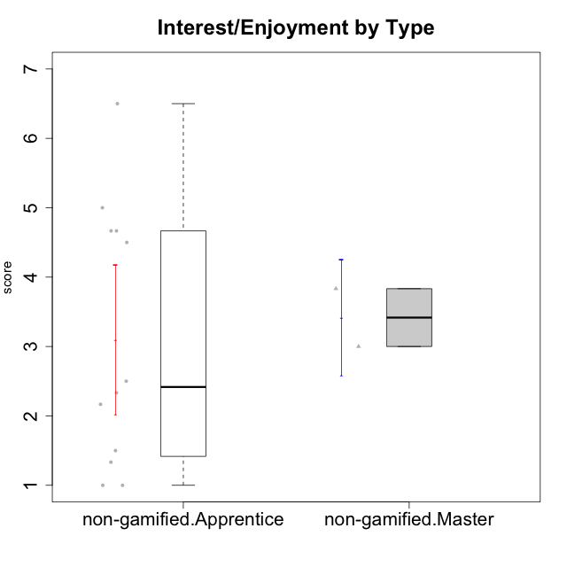

Student's t-Test data
UserID | Type | CLGroup | CLRole | PlayerRole | Interest/Enjoyment | Perceived Choice | Pressure/Tension | Effort/Importance | Intrinsic Motivation
10116 | non-gamified | GroupC | Master |  | 3.8333333333 | 2.8 | 3.5 | 4 | 3.7833333333
10122 | non-gamified | GroupB | Apprentice |  | 1.3333333333 | 6.2 | 2.25 | 5 | 4.5708333333
10129 | non-gamified | GroupB | Apprentice |  | 1.5 | 3.2 | 5.2239 | 5.3333333333 | 3.1333333333
10130 | non-gamified | GroupC | Apprentice |  | 4.6666666667 | 3.8 | 5 | 6.3333333333 | 4.45
10132 | non-gamified | GroupA | Apprentice |  | 1 | 4 | 2.75 | 5.6666666667 | 3.9791666667
10135 | non-gamified | GroupB | Apprentice |  | 4.5 | 5 | 3.75 | 4.6666666667 | 4.6041666667
10136 | non-gamified | GroupC | Apprentice |  | 1 | 2 | 3.25 | 3.1898666667 | 2.697185
10140 | non-gamified | GroupC | Apprentice |  | 2.3333333333 | 4 | 4.5 | 3.3333333333 | 3.2916666667
10145 | non-gamified | GroupB | Master |  | 3 | 2.8 | 4 | 7 | 4.2
10146 | non-gamified | GroupA | Apprentice |  | 5 | 5 | 2.5 | 6.3333333333 | 5.4583333333
10149 | non-gamified | GroupA | Apprentice |  | 2.5 | 2.4 | 5.2239 | 5.6666666667 | 3.2666666667
10153 | non-gamified | GroupA | Apprentice |  | 4.6666666667 | 4 | 2.5 | 4.6666666667 | 4.7083333333
10154 | non-gamified | GroupC | Apprentice |  | 2.1666666667 | 2.2 | 4 | 4.3333333333 | 3.175
10158 | non-gamified | GroupD | Apprentice |  | 6.5 | 5.4 | 1 | 7 | 6.1899333333

Type_CLRole_2
Student's t-Test for Interest/Enjoyment by Type in Type:CLRole between non-gamified.Apprentice:ont-gamified.Apprentice

Student's t-Test results
Alternative hypothesis: less
Group | N | Mean | Mean.Difference | Std.deviation | Std.error | CI.lower | CI.upper | df | t.value | p.value | g | magnitude
non-gamified.Apprentice | 12 | 3.0972222222 | -1.1415472222 | 1.8673947894 | 0.53907044219 | 2.0190813379 | 4.1753631066 | 20.677475651 | -1.6760694017 | 0.054390404637 | -0.66065755524 | medium
ont-gamified.Apprentice | 12 | 4.2387694444 | 1.1415472222 | 1.4420029804 | 0.41627040445 | 3.4062286355 | 5.0713102533 | 20.677475651 | -1.6760694017 | 0.054390404637 | -0.66065755524 | medium
Alternative hypothesis: greater
Group | N | Mean | Mean.Difference | Std.deviation | Std.error | CI.lower | CI.upper | df | t.value | p.value | g | magnitude
non-gamified.Apprentice | 12 | 3.0972222222 | -1.1415472222 | 1.8673947894 | 0.53907044219 | 2.0190813379 | 4.1753631066 | 20.677475651 | -1.6760694017 | 0.94560959536 | -0.66065755524 | medium
ont-gamified.Apprentice | 12 | 4.2387694444 | 1.1415472222 | 1.4420029804 | 0.41627040445 | 3.4062286355 | 5.0713102533 | 20.677475651 | -1.6760694017 | 0.94560959536 | -0.66065755524 | medium
Alternative hypothesis: two.sided
Group | N | Mean | Mean.Difference | Std.deviation | Std.error | CI.lower | CI.upper | df | t.value | p.value | g | magnitude
non-gamified.Apprentice | 12 | 3.0972222222 | -1.1415472222 | 1.8673947894 | 0.53907044219 | 2.0190813379 | 4.1753631066 | 20.677475651 | -1.6760694017 | 0.10878080927 | -0.66065755524 | medium
ont-gamified.Apprentice | 12 | 4.2387694444 | 1.1415472222 | 1.4420029804 | 0.41627040445 | 3.4062286355 | 5.0713102533 | 20.677475651 | -1.6760694017 | 0.10878080927 | -0.66065755524 | medium

Box plots for Student's t-Test
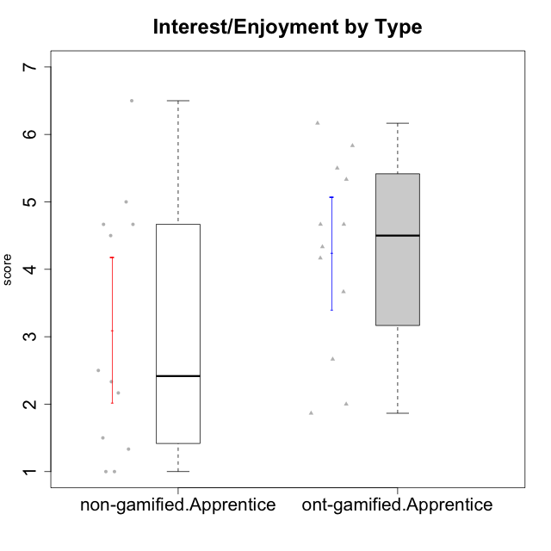

Student's t-Test data
UserID | Type | CLGroup | CLRole | PlayerRole | Interest/Enjoyment | Perceived Choice | Pressure/Tension | Effort/Importance | Intrinsic Motivation
10122 | non-gamified | GroupB | Apprentice |  | 1.3333333333 | 6.2 | 2.25 | 5 | 4.5708333333
10123 | ont-gamified | Grupo Morfeu | Apprentice | Yee Achiever | 2.6666666667 | 4.8 | 3.5 | 4.3333333333 | 4.075
10126 | ont-gamified | Grupo Hélio | Apprentice | Yee Socializer | 5.3333333333 | 6.2 | 2.25 | 5 | 5.5708333333
10127 | ont-gamified | Grupo Hades | Apprentice | Yee Achiever | 5.8333333333 | 4.8 | 2.75 | 3.6666666667 | 4.8875
10128 | ont-gamified | Grupo Morfeu | Apprentice | Yee Achiever | 1.8652333333 | 5.4 | 2.5 | 2.3333333333 | 3.7963833333
10129 | non-gamified | GroupB | Apprentice |  | 1.5 | 3.2 | 5.2239 | 5.3333333333 | 3.1333333333
10130 | non-gamified | GroupC | Apprentice |  | 4.6666666667 | 3.8 | 5 | 6.3333333333 | 4.45
10131 | ont-gamified | Grupo Zeus | Apprentice | Yee Achiever | 6.1666666667 | 2.6 | 1.75 | 6 | 5.2541666667
10132 | non-gamified | GroupA | Apprentice |  | 1 | 4 | 2.75 | 5.6666666667 | 3.9791666667
10134 | ont-gamified | Grupo Apolo | Apprentice | Yee Socializer | 2 | 3 | 3.75 | 4 | 3.7963833333
10135 | non-gamified | GroupB | Apprentice |  | 4.5 | 5 | 3.75 | 4.6666666667 | 4.6041666667
10136 | non-gamified | GroupC | Apprentice |  | 1 | 2 | 3.25 | 3.1898666667 | 2.697185
10137 | ont-gamified | Grupo Morfeu | Apprentice | Yee Achiever | 5.5 | 6.4 | 1 | 6.3333333333 | 6.0202833333
10138 | ont-gamified | Grupo Hélio | Apprentice | Yee Socializer | 4.6666666667 | 3.6 | 3.75 | 7 | 4.8791666667
10139 | ont-gamified | Grupo Zeus | Apprentice | Yee Achiever | 3.6666666667 | 4.6 | 2.25 | 4 | 4.5041666667
10140 | non-gamified | GroupC | Apprentice |  | 2.3333333333 | 4 | 4.5 | 3.3333333333 | 3.2916666667
10142 | ont-gamified | Grupo Hades | Apprentice | Yee Achiever | 4.6666666667 | 3.8 | 1.75 | 5 | 4.9291666667
10143 | ont-gamified | Grupo Apolo | Apprentice | Yee Socializer | 4.1666666667 | 5 | 3 | 6 | 5.0416666667
10146 | non-gamified | GroupA | Apprentice |  | 5 | 5 | 2.5 | 6.3333333333 | 5.4583333333
10148 | ont-gamified | Grupo Apolo | Apprentice | Yee Socializer | 4.3333333333 | 5.6 | 4.5 | 6.3333333333 | 4.9416666667
10149 | non-gamified | GroupA | Apprentice |  | 2.5 | 2.4 | 5.2239 | 5.6666666667 | 3.2666666667
10153 | non-gamified | GroupA | Apprentice |  | 4.6666666667 | 4 | 2.5 | 4.6666666667 | 4.7083333333
10154 | non-gamified | GroupC | Apprentice |  | 2.1666666667 | 2.2 | 4 | 4.3333333333 | 3.175
10158 | non-gamified | GroupD | Apprentice |  | 6.5 | 5.4 | 1 | 7 | 6.1899333333

Type_CLRole_3
Student's t-Test for Interest/Enjoyment by Type in Type:CLRole between non-gamified.Apprentice:ont-gamified.Master

Student's t-Test results
Alternative hypothesis: less
Group | N | Mean | Mean.Difference | Std.deviation | Std.error | CI.lower | CI.upper | df | t.value | p.value | g | magnitude
non-gamified.Apprentice | 12 | 3.0972222222 | -2.2361111111 | 1.8673947894 | 0.53907044219 | 2.0190813379 | 4.1753631066 | 7.2187356669 | -2.5838820569 | 0.017662113622 | -1.1944547378 | large
ont-gamified.Master | 4 | 5.3333333333 | 2.2361111111 | 1.3540064008 | 0.67700320039 | 3.9793269326 | 6.6873397341 | 7.2187356669 | -2.5838820569 | 0.017662113622 | -1.1944547378 | large
Alternative hypothesis: greater
Group | N | Mean | Mean.Difference | Std.deviation | Std.error | CI.lower | CI.upper | df | t.value | p.value | g | magnitude
non-gamified.Apprentice | 12 | 3.0972222222 | -2.2361111111 | 1.8673947894 | 0.53907044219 | 2.0190813379 | 4.1753631066 | 7.2187356669 | -2.5838820569 | 0.98233788638 | -1.1944547378 | large
ont-gamified.Master | 4 | 5.3333333333 | 2.2361111111 | 1.3540064008 | 0.67700320039 | 3.9793269326 | 6.6873397341 | 7.2187356669 | -2.5838820569 | 0.98233788638 | -1.1944547378 | large
Alternative hypothesis: two.sided
Group | N | Mean | Mean.Difference | Std.deviation | Std.error | CI.lower | CI.upper | df | t.value | p.value | g | magnitude
non-gamified.Apprentice | 12 | 3.0972222222 | -2.2361111111 | 1.8673947894 | 0.53907044219 | 2.0190813379 | 4.1753631066 | 7.2187356669 | -2.5838820569 | 0.035324227243 | -1.1944547378 | large
ont-gamified.Master | 4 | 5.3333333333 | 2.2361111111 | 1.3540064008 | 0.67700320039 | 3.9793269326 | 6.6873397341 | 7.2187356669 | -2.5838820569 | 0.035324227243 | -1.1944547378 | large

Box plots for Student's t-Test
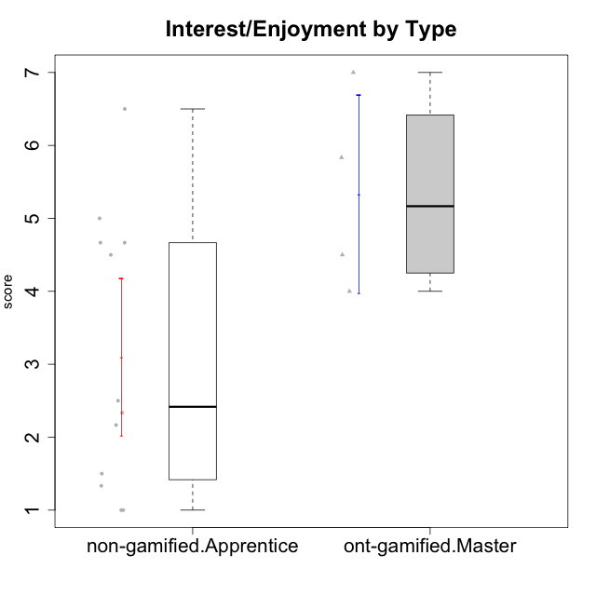

Student's t-Test data
UserID | Type | CLGroup | CLRole | PlayerRole | Interest/Enjoyment | Perceived Choice | Pressure/Tension | Effort/Importance | Intrinsic Motivation
10120 | ont-gamified | Grupo Hélio | Master | Yee Socializer | 5.8333333333 | 6.4 | 1.5 | 6.1492666667 | 6.2666666667
10121 | ont-gamified | Grupo Hades | Master | Yee Achiever | 4.5 | 5.4 | 3.75 | 5 | 4.7875
10122 | non-gamified | GroupB | Apprentice |  | 1.3333333333 | 6.2 | 2.25 | 5 | 4.5708333333
10129 | non-gamified | GroupB | Apprentice |  | 1.5 | 3.2 | 5.2239 | 5.3333333333 | 3.1333333333
10130 | non-gamified | GroupC | Apprentice |  | 4.6666666667 | 3.8 | 5 | 6.3333333333 | 4.45
10132 | non-gamified | GroupA | Apprentice |  | 1 | 4 | 2.75 | 5.6666666667 | 3.9791666667
10135 | non-gamified | GroupB | Apprentice |  | 4.5 | 5 | 3.75 | 4.6666666667 | 4.6041666667
10136 | non-gamified | GroupC | Apprentice |  | 1 | 2 | 3.25 | 3.1898666667 | 2.697185
10140 | non-gamified | GroupC | Apprentice |  | 2.3333333333 | 4 | 4.5 | 3.3333333333 | 3.2916666667
10141 | ont-gamified | Grupo Apolo | Master | Yee Socializer | 4 | 4.0174 | 3 | 4.3333333333 | 4.2333333333
10146 | non-gamified | GroupA | Apprentice |  | 5 | 5 | 2.5 | 6.3333333333 | 5.4583333333
10149 | non-gamified | GroupA | Apprentice |  | 2.5 | 2.4 | 5.2239 | 5.6666666667 | 3.2666666667
10152 | ont-gamified | Grupo Morfeu | Master | Yee Achiever | 7 | 5.6 | 2.75 | 4 | 5.4625
10153 | non-gamified | GroupA | Apprentice |  | 4.6666666667 | 4 | 2.5 | 4.6666666667 | 4.7083333333
10154 | non-gamified | GroupC | Apprentice |  | 2.1666666667 | 2.2 | 4 | 4.3333333333 | 3.175
10158 | non-gamified | GroupD | Apprentice |  | 6.5 | 5.4 | 1 | 7 | 6.1899333333

Type_CLRole_4
Student's t-Test for Interest/Enjoyment by Type in Type:CLRole between non-gamified.Master:ont-gamified.Apprentice

Student's t-Test results
Alternative hypothesis: less
Group | N | Mean | Mean.Difference | Std.deviation | Std.error | CI.lower | CI.upper | df | t.value | p.value | g | magnitude
non-gamified.Master | 2 | 3.4166666667 | -0.82210277778 | 0.58925565099 | 0.41666666667 | 2.5833333333 | 4.25 | 3.6608579544 | -1.3958182518 | 0.12072748891 | -0.55327041745 | medium
ont-gamified.Apprentice | 12 | 4.2387694444 | 0.82210277778 | 1.4420029804 | 0.41627040445 | 3.4062286355 | 5.0713102533 | 3.6608579544 | -1.3958182518 | 0.12072748891 | -0.55327041745 | medium
Alternative hypothesis: greater
Group | N | Mean | Mean.Difference | Std.deviation | Std.error | CI.lower | CI.upper | df | t.value | p.value | g | magnitude
non-gamified.Master | 2 | 3.4166666667 | -0.82210277778 | 0.58925565099 | 0.41666666667 | 2.5833333333 | 4.25 | 3.6608579544 | -1.3958182518 | 0.87927251109 | -0.55327041745 | medium
ont-gamified.Apprentice | 12 | 4.2387694444 | 0.82210277778 | 1.4420029804 | 0.41627040445 | 3.4062286355 | 5.0713102533 | 3.6608579544 | -1.3958182518 | 0.87927251109 | -0.55327041745 | medium
Alternative hypothesis: two.sided
Group | N | Mean | Mean.Difference | Std.deviation | Std.error | CI.lower | CI.upper | df | t.value | p.value | g | magnitude
non-gamified.Master | 2 | 3.4166666667 | -0.82210277778 | 0.58925565099 | 0.41666666667 | 2.5833333333 | 4.25 | 3.6608579544 | -1.3958182518 | 0.24145497781 | -0.55327041745 | medium
ont-gamified.Apprentice | 12 | 4.2387694444 | 0.82210277778 | 1.4420029804 | 0.41627040445 | 3.4062286355 | 5.0713102533 | 3.6608579544 | -1.3958182518 | 0.24145497781 | -0.55327041745 | medium

Box plots for Student's t-Test
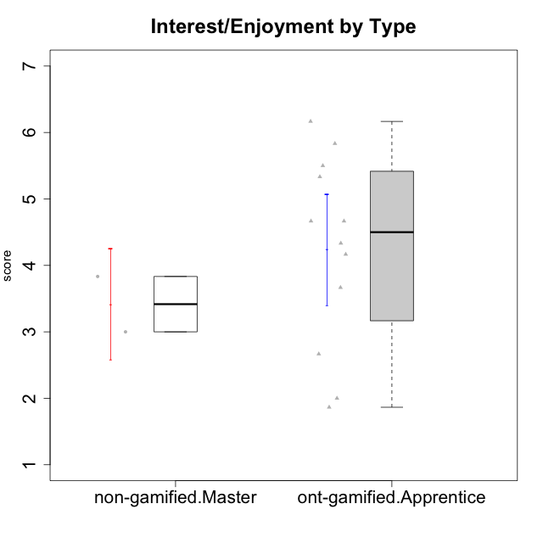

Student's t-Test data
UserID | Type | CLGroup | CLRole | PlayerRole | Interest/Enjoyment | Perceived Choice | Pressure/Tension | Effort/Importance | Intrinsic Motivation
10116 | non-gamified | GroupC | Master |  | 3.8333333333 | 2.8 | 3.5 | 4 | 3.7833333333
10123 | ont-gamified | Grupo Morfeu | Apprentice | Yee Achiever | 2.6666666667 | 4.8 | 3.5 | 4.3333333333 | 4.075
10126 | ont-gamified | Grupo Hélio | Apprentice | Yee Socializer | 5.3333333333 | 6.2 | 2.25 | 5 | 5.5708333333
10127 | ont-gamified | Grupo Hades | Apprentice | Yee Achiever | 5.8333333333 | 4.8 | 2.75 | 3.6666666667 | 4.8875
10128 | ont-gamified | Grupo Morfeu | Apprentice | Yee Achiever | 1.8652333333 | 5.4 | 2.5 | 2.3333333333 | 3.7963833333
10131 | ont-gamified | Grupo Zeus | Apprentice | Yee Achiever | 6.1666666667 | 2.6 | 1.75 | 6 | 5.2541666667
10134 | ont-gamified | Grupo Apolo | Apprentice | Yee Socializer | 2 | 3 | 3.75 | 4 | 3.7963833333
10137 | ont-gamified | Grupo Morfeu | Apprentice | Yee Achiever | 5.5 | 6.4 | 1 | 6.3333333333 | 6.0202833333
10138 | ont-gamified | Grupo Hélio | Apprentice | Yee Socializer | 4.6666666667 | 3.6 | 3.75 | 7 | 4.8791666667
10139 | ont-gamified | Grupo Zeus | Apprentice | Yee Achiever | 3.6666666667 | 4.6 | 2.25 | 4 | 4.5041666667
10142 | ont-gamified | Grupo Hades | Apprentice | Yee Achiever | 4.6666666667 | 3.8 | 1.75 | 5 | 4.9291666667
10143 | ont-gamified | Grupo Apolo | Apprentice | Yee Socializer | 4.1666666667 | 5 | 3 | 6 | 5.0416666667
10145 | non-gamified | GroupB | Master |  | 3 | 2.8 | 4 | 7 | 4.2
10148 | ont-gamified | Grupo Apolo | Apprentice | Yee Socializer | 4.3333333333 | 5.6 | 4.5 | 6.3333333333 | 4.9416666667

Type_CLRole_5
Student's t-Test for Interest/Enjoyment by Type in Type:CLRole between non-gamified.Master:ont-gamified.Master

Student's t-Test results
Alternative hypothesis: less
Group | N | Mean | Mean.Difference | Std.deviation | Std.error | CI.lower | CI.upper | df | t.value | p.value | g | magnitude
non-gamified.Master | 2 | 3.4166666667 | -1.9166666667 | 0.58925565099 | 0.41666666667 | 2.5833333333 | 4.25 | 3.9870004815 | -2.4110551245 | 0.036839688826 | -1.2682117509 | large
ont-gamified.Master | 4 | 5.3333333333 | 1.9166666667 | 1.3540064008 | 0.67700320039 | 3.9793269326 | 6.6873397341 | 3.9870004815 | -2.4110551245 | 0.036839688826 | -1.2682117509 | large
Alternative hypothesis: greater
Group | N | Mean | Mean.Difference | Std.deviation | Std.error | CI.lower | CI.upper | df | t.value | p.value | g | magnitude
non-gamified.Master | 2 | 3.4166666667 | -1.9166666667 | 0.58925565099 | 0.41666666667 | 2.5833333333 | 4.25 | 3.9870004815 | -2.4110551245 | 0.96316031117 | -1.2682117509 | large
ont-gamified.Master | 4 | 5.3333333333 | 1.9166666667 | 1.3540064008 | 0.67700320039 | 3.9793269326 | 6.6873397341 | 3.9870004815 | -2.4110551245 | 0.96316031117 | -1.2682117509 | large
Alternative hypothesis: two.sided
Group | N | Mean | Mean.Difference | Std.deviation | Std.error | CI.lower | CI.upper | df | t.value | p.value | g | magnitude
non-gamified.Master | 2 | 3.4166666667 | -1.9166666667 | 0.58925565099 | 0.41666666667 | 2.5833333333 | 4.25 | 3.9870004815 | -2.4110551245 | 0.073679377651 | -1.2682117509 | large
ont-gamified.Master | 4 | 5.3333333333 | 1.9166666667 | 1.3540064008 | 0.67700320039 | 3.9793269326 | 6.6873397341 | 3.9870004815 | -2.4110551245 | 0.073679377651 | -1.2682117509 | large

Box plots for Student's t-Test
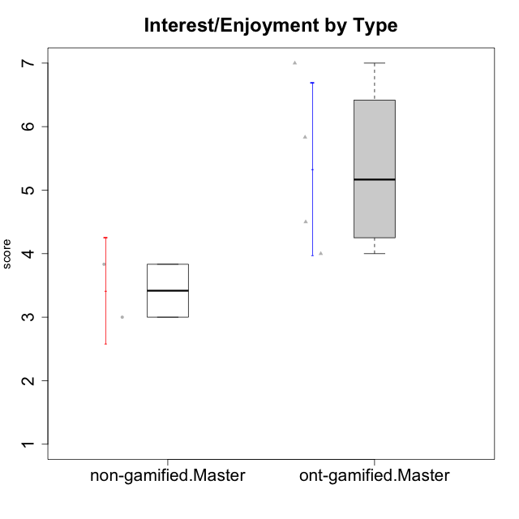

Student's t-Test data
UserID | Type | CLGroup | CLRole | PlayerRole | Interest/Enjoyment | Perceived Choice | Pressure/Tension | Effort/Importance | Intrinsic Motivation
10116 | non-gamified | GroupC | Master |  | 3.8333333333 | 2.8 | 3.5 | 4 | 3.7833333333
10120 | ont-gamified | Grupo Hélio | Master | Yee Socializer | 5.8333333333 | 6.4 | 1.5 | 6.1492666667 | 6.2666666667
10121 | ont-gamified | Grupo Hades | Master | Yee Achiever | 4.5 | 5.4 | 3.75 | 5 | 4.7875
10141 | ont-gamified | Grupo Apolo | Master | Yee Socializer | 4 | 4.0174 | 3 | 4.3333333333 | 4.2333333333
10145 | non-gamified | GroupB | Master |  | 3 | 2.8 | 4 | 7 | 4.2
10152 | ont-gamified | Grupo Morfeu | Master | Yee Achiever | 7 | 5.6 | 2.75 | 4 | 5.4625

Type_CLRole_6
Student's t-Test for Interest/Enjoyment by Type in Type:CLRole between ont-gamified.Apprentice:ont-gamified.Master

Student's t-Test results
Alternative hypothesis: less
Group | N | Mean | Mean.Difference | Std.deviation | Std.error | CI.lower | CI.upper | df | t.value | p.value | g | magnitude
ont-gamified.Apprentice | 12 | 4.2387694444 | -1.0945638889 | 1.4420029804 | 0.41627040445 | 3.4062286355 | 5.0713102533 | 5.4834542875 | -1.3772573874 | 0.11100172133 | -0.72692968615 | medium
ont-gamified.Master | 4 | 5.3333333333 | 1.0945638889 | 1.3540064008 | 0.67700320039 | 3.9793269326 | 6.6873397341 | 5.4834542875 | -1.3772573874 | 0.11100172133 | -0.72692968615 | medium
Alternative hypothesis: greater
Group | N | Mean | Mean.Difference | Std.deviation | Std.error | CI.lower | CI.upper | df | t.value | p.value | g | magnitude
ont-gamified.Apprentice | 12 | 4.2387694444 | -1.0945638889 | 1.4420029804 | 0.41627040445 | 3.4062286355 | 5.0713102533 | 5.4834542875 | -1.3772573874 | 0.88899827867 | -0.72692968615 | medium
ont-gamified.Master | 4 | 5.3333333333 | 1.0945638889 | 1.3540064008 | 0.67700320039 | 3.9793269326 | 6.6873397341 | 5.4834542875 | -1.3772573874 | 0.88899827867 | -0.72692968615 | medium
Alternative hypothesis: two.sided
Group | N | Mean | Mean.Difference | Std.deviation | Std.error | CI.lower | CI.upper | df | t.value | p.value | g | magnitude
ont-gamified.Apprentice | 12 | 4.2387694444 | -1.0945638889 | 1.4420029804 | 0.41627040445 | 3.4062286355 | 5.0713102533 | 5.4834542875 | -1.3772573874 | 0.22200344267 | -0.72692968615 | medium
ont-gamified.Master | 4 | 5.3333333333 | 1.0945638889 | 1.3540064008 | 0.67700320039 | 3.9793269326 | 6.6873397341 | 5.4834542875 | -1.3772573874 | 0.22200344267 | -0.72692968615 | medium

Box plots for Student's t-Test
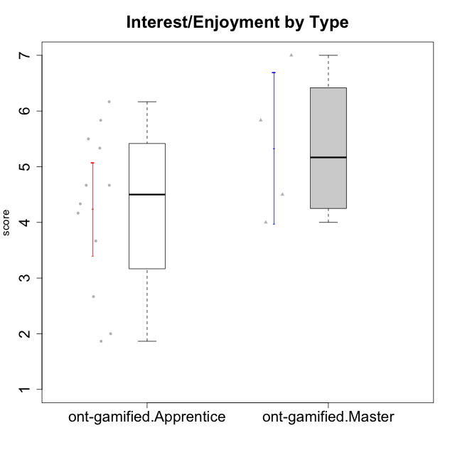

Student's t-Test data
UserID | Type | CLGroup | CLRole | PlayerRole | Interest/Enjoyment | Perceived Choice | Pressure/Tension | Effort/Importance | Intrinsic Motivation
10120 | ont-gamified | Grupo Hélio | Master | Yee Socializer | 5.8333333333 | 6.4 | 1.5 | 6.1492666667 | 6.2666666667
10121 | ont-gamified | Grupo Hades | Master | Yee Achiever | 4.5 | 5.4 | 3.75 | 5 | 4.7875
10123 | ont-gamified | Grupo Morfeu | Apprentice | Yee Achiever | 2.6666666667 | 4.8 | 3.5 | 4.3333333333 | 4.075
10126 | ont-gamified | Grupo Hélio | Apprentice | Yee Socializer | 5.3333333333 | 6.2 | 2.25 | 5 | 5.5708333333
10127 | ont-gamified | Grupo Hades | Apprentice | Yee Achiever | 5.8333333333 | 4.8 | 2.75 | 3.6666666667 | 4.8875
10128 | ont-gamified | Grupo Morfeu | Apprentice | Yee Achiever | 1.8652333333 | 5.4 | 2.5 | 2.3333333333 | 3.7963833333
10131 | ont-gamified | Grupo Zeus | Apprentice | Yee Achiever | 6.1666666667 | 2.6 | 1.75 | 6 | 5.2541666667
10134 | ont-gamified | Grupo Apolo | Apprentice | Yee Socializer | 2 | 3 | 3.75 | 4 | 3.7963833333
10137 | ont-gamified | Grupo Morfeu | Apprentice | Yee Achiever | 5.5 | 6.4 | 1 | 6.3333333333 | 6.0202833333
10138 | ont-gamified | Grupo Hélio | Apprentice | Yee Socializer | 4.6666666667 | 3.6 | 3.75 | 7 | 4.8791666667
10139 | ont-gamified | Grupo Zeus | Apprentice | Yee Achiever | 3.6666666667 | 4.6 | 2.25 | 4 | 4.5041666667
10141 | ont-gamified | Grupo Apolo | Master | Yee Socializer | 4 | 4.0174 | 3 | 4.3333333333 | 4.2333333333
10142 | ont-gamified | Grupo Hades | Apprentice | Yee Achiever | 4.6666666667 | 3.8 | 1.75 | 5 | 4.9291666667
10143 | ont-gamified | Grupo Apolo | Apprentice | Yee Socializer | 4.1666666667 | 5 | 3 | 6 | 5.0416666667
10148 | ont-gamified | Grupo Apolo | Apprentice | Yee Socializer | 4.3333333333 | 5.6 | 4.5 | 6.3333333333 | 4.9416666667
10152 | ont-gamified | Grupo Morfeu | Master | Yee Achiever | 7 | 5.6 | 2.75 | 4 | 5.4625

