Type_1
Wilcoxon Analysis for Necessary Interactions - Recursion in Type between ont-gamified:w/o-gamified

Wilcoxon test results
Alternative hypothesis: less
Group | N | Median | Mean.Ranks | Sum.Ranks | U | Z | p.value | r | magnitude
ont-gamified | 27 | 3 | 30.685185185 | 828.5 | 450.5 | 0.28588016839 | 0.61319037786 | 0.037218427794 | none
w/o-gamified | 32 | 3 | 29.421875 | 941.5 | 450.5 | 0.28588016839 | 0.61319037786 | 0.037218427794 | none
Alternative hypothesis: greater
Group | N | Median | Mean.Ranks | Sum.Ranks | U | Z | p.value | r | magnitude
ont-gamified | 27 | 3 | 30.685185185 | 828.5 | 450.5 | 0.28588016839 | 0.38975893839 | 0.037218427794 | none
w/o-gamified | 32 | 3 | 29.421875 | 941.5 | 450.5 | 0.28588016839 | 0.38975893839 | 0.037218427794 | none
Alternative hypothesis: two.sided
Group | N | Median | Mean.Ranks | Sum.Ranks | U | Z | p.value | r | magnitude
ont-gamified | 27 | 3 | 30.685185185 | 828.5 | 450.5 | 0.28588016839 | 0.77958955167 | 0.037218427794 | none
w/o-gamified | 32 | 3 | 29.421875 | 941.5 | 450.5 | 0.28588016839 | 0.77958955167 | 0.037218427794 | none

Box plots for wilcoxon tests
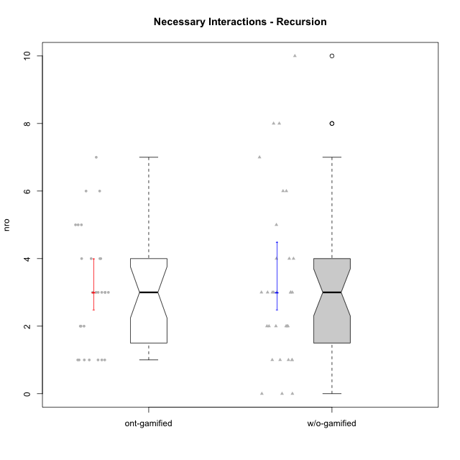

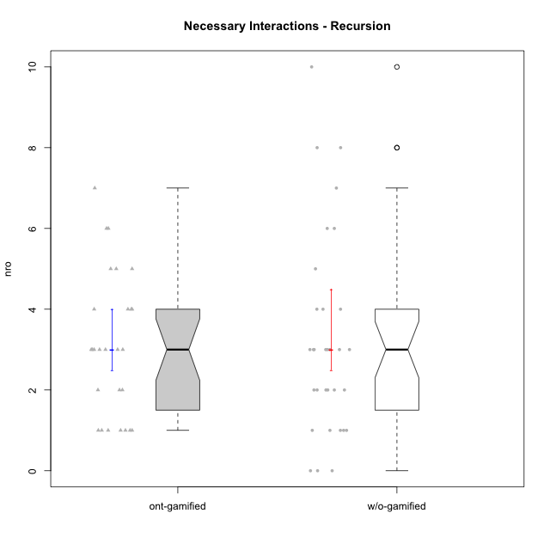

Wilcoxon data
UserID | NroUSP | Type | Group | CLRole | PlayerRole | ParticipationLevel | NroTotalInteractions | NroNecessaryInteractions | (1) Elaborar lista de exercícios | (2) Demonstrar a solução de um problema | (3) Enviar (ou reenviar) a solução do problema | (c) Aceitar a solução como boa | NroSolutionReviewed (Apprentice) | NroSolutionReviewed (Master) | NroSolutionWithoutReviewed (Apprentice) | NroSolutionWithoutReviewed (Master) | NroSolutionGoodReview | NroDesiredInteractions | (a) Expressar dúvidas em relação à demonstração | (b) Esclarecer as dúvidas | (d) Notificar os erros existentes na solução | (e) Apresentar dicas ou otra forma de ajuda | (f) Expressar dificuldade em resolver o problema | (g) Explicar como resolver o problema
10211 | 9311643 | ont-gamified | Attractive Devils | Master | Social Achiever | complete | 7 | 4 | 1 | 1 | 0 | 2 | 0 | 4 | 0 | 0 | 0 | 3 | 0 | 1 | 2 | 0 | 0 | 0
10198 | 10310888 | ont-gamified | Attractive Devils | Apprentice | Social Achiever | complete | 4 | 3 | 0 | 0 | 3 | 0 | 3 | 0 | 0 | 0 | 2 | 1 | 1 | 0 | 0 | 0 | 0 | 0
10192 | 10276682 | ont-gamified | Attractive Devils | Apprentice | Social Achiever | partial | 1 | 1 | 0 | 0 | 1 | 0 | 1 | 0 | 0 | 0 | 0 | 0 | 0 | 0 | 0 | 0 | 0 | 0
10191 | 10276981 | w/o-gamified | Grupo1 | Master |  | complete | 6 | 4 | 1 | 1 | 0 | 2 | 0 | 3 | 0 | 0 | 0 | 2 | 0 | 0 | 1 | 1 | 0 | 0
10199 | 10276737 | w/o-gamified | Grupo1 | Apprentice |  | complete | 2 | 2 | 0 | 0 | 2 | 0 | 2 | 0 | 0 | 0 | 2 | 0 | 0 | 0 | 0 | 0 | 0 | 0
10248 | 9755822 | w/o-gamified | Grupo1 | Apprentice |  | partial | 1 | 1 | 0 | 0 | 1 | 0 | 1 | 0 | 0 | 0 | 0 | 0 | 0 | 0 | 0 | 0 | 0 | 0
10179 | 10310759 | w/o-gamified | Grupo10 | Master |  | semicomplete | 15 | 8 | 1 | 1 | 0 | 6 | 0 | 9 | 0 | 1 | 0 | 7 | 0 | 1 | 2 | 2 | 0 | 2
10184 | 10276675 | w/o-gamified | Grupo10 | Apprentice |  | complete | 10 | 7 | 0 | 0 | 7 | 0 | 7 | 0 | 0 | 0 | 4 | 3 | 1 | 0 | 0 | 0 | 2 | 0
10218 | 9842913 | w/o-gamified | Grupo10 | Apprentice |  | complete | 3 | 3 | 0 | 0 | 3 | 0 | 2 | 0 | 1 | 0 | 2 | 0 | 0 | 0 | 0 | 0 | 0 | 0
10170 | 10260351 | w/o-gamified | Grupo11 | Apprentice |  | complete | 4 | 3 | 0 | 0 | 3 | 0 | 3 | 0 | 0 | 0 | 3 | 1 | 1 | 0 | 0 | 0 | 0 | 0
10196 | 10310655 | w/o-gamified | Grupo11 | Master |  | complete | 13 | 10 | 2 | 2 | 0 | 6 | 0 | 6 | 0 | 0 | 0 | 3 | 0 | 1 | 1 | 1 | 0 | 0
10201 | 10276928 | w/o-gamified | Grupo11 | Apprentice |  | complete | 3 | 3 | 0 | 0 | 3 | 0 | 3 | 0 | 0 | 0 | 3 | 0 | 0 | 0 | 0 | 0 | 0 | 0
10181 | 10276866 | w/o-gamified | Grupo2 | Apprentice |  | none | 0 | 0 | 0 | 0 | 0 | 0 | 0 | 0 | 0 | 0 | 0 | 0 | 0 | 0 | 0 | 0 | 0 | 0
10238 | 10276953 | w/o-gamified | Grupo2 | Master |  | partial | 1 | 1 | 1 | 0 | 0 | 0 | 0 | 0 | 0 | 0 | 0 | 0 | 0 | 0 | 0 | 0 | 0 | 0
10183 | 10352030 | w/o-gamified | Grupo3 | Apprentice |  | partial | 2 | 1 | 0 | 0 | 1 | 0 | 0 | 0 | 1 | 0 | 0 | 1 | 1 | 0 | 0 | 0 | 0 | 0
10219 | 10276831 | w/o-gamified | Grupo3 | Master |  | semicomplete | 5 | 5 | 1 | 1 | 0 | 3 | 0 | 3 | 0 | 1 | 0 | 0 | 0 | 0 | 0 | 0 | 0 | 0
10220 | 9760151 | w/o-gamified | Grupo3 | Apprentice |  | complete | 3 | 3 | 0 | 0 | 3 | 0 | 3 | 0 | 0 | 0 | 3 | 0 | 0 | 0 | 0 | 0 | 0 | 0
10190 | 10276907 | w/o-gamified | Grupo4 | Apprentice |  | partial | 1 | 1 | 0 | 0 | 1 | 0 | 0 | 0 | 1 | 0 | 0 | 0 | 0 | 0 | 0 | 0 | 0 | 0
10226 | 10310342 | w/o-gamified | Grupo4 | Apprentice |  | none | 0 | 0 | 0 | 0 | 0 | 0 | 0 | 0 | 0 | 0 | 0 | 0 | 0 | 0 | 0 | 0 | 0 | 0
10234 | 10310676 | w/o-gamified | Grupo4 | Master |  | partial | 2 | 2 | 1 | 1 | 0 | 0 | 0 | 0 | 0 | 1 | 0 | 0 | 0 | 0 | 0 | 0 | 0 | 0
10227 | 9274382 | w/o-gamified | Grupo5 | Master |  | partial | 4 | 4 | 2 | 2 | 0 | 0 | 0 | 0 | 0 | 3 | 0 | 0 | 0 | 0 | 0 | 0 | 0 | 0
10240 | 10276654 | w/o-gamified | Grupo5 | Apprentice |  | none | 1 | 0 | 0 | 0 | 0 | 0 | 0 | 0 | 0 | 0 | 0 | 1 | 1 | 0 | 0 | 0 | 0 | 0
10172 | 10273971 | w/o-gamified | Grupo5 | Apprentice |  | partial | 3 | 3 | 0 | 0 | 3 | 0 | 0 | 0 | 3 | 0 | 0 | 0 | 0 | 0 | 0 | 0 | 0 | 0
10204 | 10310471 | w/o-gamified | Grupo6 | Apprentice |  | partial | 2 | 2 | 0 | 0 | 2 | 0 | 0 | 0 | 2 | 0 | 0 | 0 | 0 | 0 | 0 | 0 | 0 | 0
10210 | 10277015 | w/o-gamified | Grupo6 | Apprentice |  | partial | 2 | 2 | 0 | 0 | 2 | 0 | 0 | 0 | 2 | 0 | 0 | 0 | 0 | 0 | 0 | 0 | 0 | 0
10233 | 9805320 | w/o-gamified | Grupo6 | Master |  | partial | 1 | 1 | 1 | 0 | 0 | 0 | 0 | 0 | 0 | 4 | 0 | 0 | 0 | 0 | 0 | 0 | 0 | 0
10213 | 10277040 | w/o-gamified | Grupo7 | Apprentice |  | complete | 4 | 3 | 0 | 0 | 3 | 0 | 3 | 0 | 0 | 0 | 3 | 1 | 1 | 0 | 0 | 0 | 0 | 0
10174 | 10276852 | w/o-gamified | Grupo7 | Master |  | complete | 8 | 8 | 1 | 1 | 0 | 6 | 0 | 6 | 0 | 0 | 0 | 0 | 0 | 0 | 0 | 0 | 0 | 0
10232 | 10276974 | w/o-gamified | Grupo7 | Apprentice |  | complete | 3 | 3 | 0 | 0 | 3 | 0 | 3 | 0 | 0 | 0 | 3 | 0 | 0 | 0 | 0 | 0 | 0 | 0
10197 | 10276661 | w/o-gamified | Grupo8 | Apprentice |  | complete | 3 | 2 | 0 | 0 | 2 | 0 | 2 | 0 | 0 | 0 | 2 | 1 | 1 | 0 | 0 | 0 | 0 | 0
10206 | 10310721 | w/o-gamified | Grupo8 | Apprentice |  | complete | 3 | 3 | 0 | 0 | 3 | 0 | 3 | 0 | 0 | 0 | 2 | 0 | 0 | 0 | 0 | 0 | 0 | 0
10212 | 9065750 | w/o-gamified | Grupo8 | Master |  | complete | 8 | 6 | 1 | 1 | 0 | 4 | 0 | 5 | 0 | 0 | 0 | 2 | 0 | 1 | 0 | 1 | 0 | 0
10185 | 10276960 | w/o-gamified | Grupo9 | Apprentice |  | partial | 2 | 2 | 0 | 0 | 2 | 0 | 2 | 0 | 0 | 0 | 0 | 0 | 0 | 0 | 0 | 0 | 0 | 0
10231 | 10276911 | w/o-gamified | Grupo9 | Master |  | complete | 13 | 6 | 1 | 1 | 0 | 4 | 0 | 6 | 0 | 0 | 0 | 7 | 0 | 0 | 2 | 5 | 0 | 0
10217 | 9805341 | w/o-gamified | Grupo9 | Apprentice |  | complete | 4 | 4 | 0 | 0 | 4 | 0 | 4 | 0 | 0 | 0 | 4 | 0 | 0 | 0 | 0 | 0 | 0 | 0
10187 | 9790781 | ont-gamified | Mafia | Apprentice | Social Achiever | partial | 1 | 1 | 0 | 0 | 1 | 0 | 1 | 0 | 0 | 0 | 0 | 0 | 0 | 0 | 0 | 0 | 0 | 0
10209 | 10262669 | ont-gamified | Mafia | Apprentice | Social Achiever | complete | 3 | 3 | 0 | 0 | 3 | 0 | 3 | 0 | 0 | 0 | 2 | 0 | 0 | 0 | 0 | 0 | 0 | 0
10171 | 698531 | ont-gamified | Mafia | Master | Social Achiever | complete | 13 | 4 | 1 | 1 | 0 | 2 | 0 | 4 | 0 | 0 | 0 | 9 | 0 | 0 | 2 | 7 | 0 | 0
10208 | 10276932 | ont-gamified | Mercenaries | Master | Social Achiever | complete | 6 | 6 | 1 | 1 | 0 | 4 | 0 | 3 | 0 | 0 | 0 | 0 | 0 | 0 | 0 | 0 | 0 | 0
10224 | 9368772 | ont-gamified | Mercenaries | Apprentice | Social Achiever | semicomplete | 1 | 1 | 0 | 0 | 1 | 0 | 1 | 0 | 0 | 0 | 1 | 0 | 0 | 0 | 0 | 0 | 0 | 0
10203 | 9921470 | ont-gamified | Mercenaries | Apprentice | Social Achiever | complete | 2 | 2 | 0 | 0 | 2 | 0 | 2 | 0 | 0 | 0 | 2 | 0 | 0 | 0 | 0 | 0 | 0 | 0
10237 | 10377688 | ont-gamified | Outlaws | Apprentice | Social Achiever | complete | 2 | 2 | 0 | 0 | 2 | 0 | 2 | 0 | 0 | 0 | 2 | 0 | 0 | 0 | 0 | 0 | 0 | 0
10178 | 8656201 | ont-gamified | Outlaws | Apprentice | Social Achiever | semicomplete | 1 | 1 | 0 | 0 | 1 | 0 | 1 | 0 | 0 | 0 | 1 | 0 | 0 | 0 | 0 | 0 | 0 | 0
10176 | 10276949 | ont-gamified | Outlaws | Master | Social Achiever | complete | 6 | 5 | 1 | 1 | 0 | 3 | 0 | 3 | 0 | 0 | 0 | 1 | 0 | 0 | 1 | 0 | 0 | 0
10169 | 10377538 | ont-gamified | Resistance | Apprentice | Social Achiever | semicomplete | 1 | 1 | 0 | 0 | 1 | 0 | 1 | 0 | 0 | 0 | 1 | 0 | 0 | 0 | 0 | 0 | 0 | 0
10228 | 10310492 | ont-gamified | Resistance | Apprentice | Social Achiever | semicomplete | 1 | 1 | 0 | 0 | 1 | 0 | 1 | 0 | 0 | 0 | 1 | 0 | 0 | 0 | 0 | 0 | 0 | 0
10230 | 10351992 | ont-gamified | Resistance | Master | Social Achiever | complete | 9 | 5 | 1 | 1 | 0 | 3 | 0 | 2 | 0 | 0 | 0 | 4 | 0 | 0 | 2 | 2 | 0 | 0
10202 | 10277036 | ont-gamified | Silly Knights | Apprentice | Social Achiever | complete | 7 | 6 | 0 | 0 | 6 | 0 | 5 | 0 | 1 | 0 | 2 | 1 | 0 | 0 | 0 | 0 | 1 | 0
10216 | 10276720 | ont-gamified | Silly Knights | Master | Social Achiever | semicomplete | 8 | 4 | 1 | 1 | 0 | 2 | 0 | 5 | 0 | 1 | 0 | 4 | 0 | 0 | 0 | 4 | 0 | 0
10186 | 10310551 | ont-gamified | Slayers | Apprentice | Social Achiever | semicomplete | 4 | 3 | 0 | 0 | 3 | 0 | 1 | 0 | 2 | 0 | 1 | 1 | 1 | 0 | 0 | 0 | 0 | 0
10223 | 9795185 | ont-gamified | Slayers | Master | Social Achiever | semicomplete | 4 | 3 | 1 | 1 | 0 | 1 | 0 | 1 | 0 | 2 | 0 | 1 | 0 | 1 | 0 | 0 | 0 | 0
10193 | 10276762 | ont-gamified | Vandals | Apprentice | Yee Achiever | complete | 3 | 3 | 0 | 0 | 3 | 0 | 2 | 0 | 1 | 0 | 2 | 0 | 0 | 0 | 0 | 0 | 0 | 0
10188 | 10276995 | ont-gamified | Vandals | Master | Yee Achiever | semicomplete | 4 | 4 | 1 | 1 | 0 | 2 | 0 | 2 | 0 | 1 | 0 | 0 | 0 | 0 | 0 | 0 | 0 | 0
10189 | 9363926 | ont-gamified | Vikings | Apprentice | Social Achiever | partial | 3 | 1 | 0 | 0 | 1 | 0 | 1 | 0 | 0 | 0 | 0 | 2 | 2 | 0 | 0 | 0 | 0 | 0
10214 | 10277022 | ont-gamified | Vikings | Apprentice | Social Achiever | complete | 3 | 3 | 0 | 0 | 3 | 0 | 3 | 0 | 0 | 0 | 3 | 0 | 0 | 0 | 0 | 0 | 0 | 0
10215 | 9285227 | ont-gamified | Vikings | Master | Social Achiever | complete | 8 | 5 | 1 | 1 | 0 | 3 | 0 | 4 | 0 | 0 | 0 | 3 | 0 | 0 | 1 | 2 | 0 | 0
10175 | 10310700 | ont-gamified | Warriors | Master | Social Achiever | complete | 12 | 7 | 1 | 1 | 0 | 5 | 0 | 5 | 0 | 0 | 0 | 5 | 0 | 1 | 1 | 3 | 0 | 0
10200 | 9795272 | ont-gamified | Warriors | Apprentice | Social Achiever | complete | 4 | 3 | 0 | 0 | 3 | 0 | 3 | 0 | 0 | 0 | 3 | 1 | 1 | 0 | 0 | 0 | 0 | 0
10221 | 9082496 | ont-gamified | Warriors | Apprentice | Social Achiever | complete | 2 | 2 | 0 | 0 | 2 | 0 | 2 | 0 | 0 | 0 | 2 | 0 | 0 | 0 | 0 | 0 | 0 | 0

Type_CLRole_1
Wilcoxon Analysis for Necessary Interactions - Recursion in Type:CLRole between ont-gamified.Apprentice:ont-gamified.Master

Wilcoxon test results
Alternative hypothesis: less
Group | N | Median | Mean.Ranks | Sum.Ranks | U | Z | p.value | r | magnitude
ont-gamified.Apprentice | 17 | 2 | 9.6764705882 | 164.5 | 11.5 | -3.766483831 | 2.3944188704E-05 | 0.72486015123 | large
ont-gamified.Master | 10 | 4.5 | 21.35 | 213.5 | 11.5 | -3.766483831 | 2.3944188704E-05 | 0.72486015123 | large
Alternative hypothesis: greater
Group | N | Median | Mean.Ranks | Sum.Ranks | U | Z | p.value | r | magnitude
ont-gamified.Apprentice | 17 | 2 | 9.6764705882 | 164.5 | 11.5 | -3.766483831 | 0.99997771531 | 0.72486015123 | large
ont-gamified.Master | 10 | 4.5 | 21.35 | 213.5 | 11.5 | -3.766483831 | 0.99997771531 | 0.72486015123 | large
Alternative hypothesis: two.sided
Group | N | Median | Mean.Ranks | Sum.Ranks | U | Z | p.value | r | magnitude
ont-gamified.Apprentice | 17 | 2 | 9.6764705882 | 164.5 | 11.5 | -3.766483831 | 4.12503845E-05 | 0.72486015123 | large
ont-gamified.Master | 10 | 4.5 | 21.35 | 213.5 | 11.5 | -3.766483831 | 4.12503845E-05 | 0.72486015123 | large

Box plots for wilcoxon tests
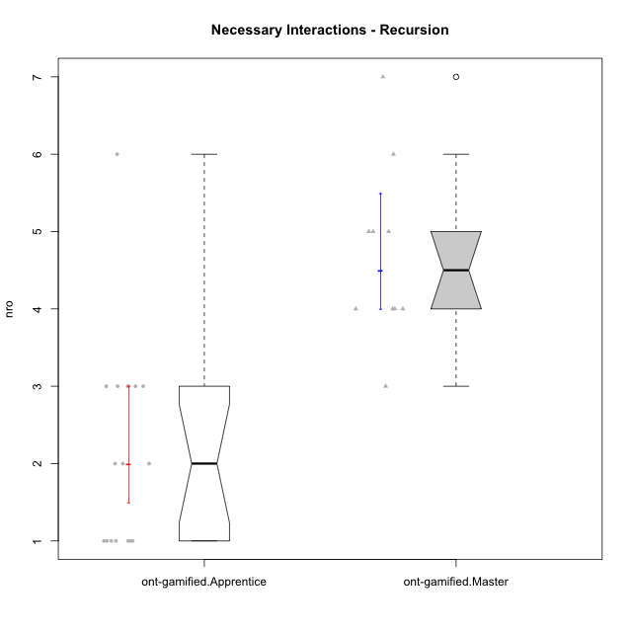

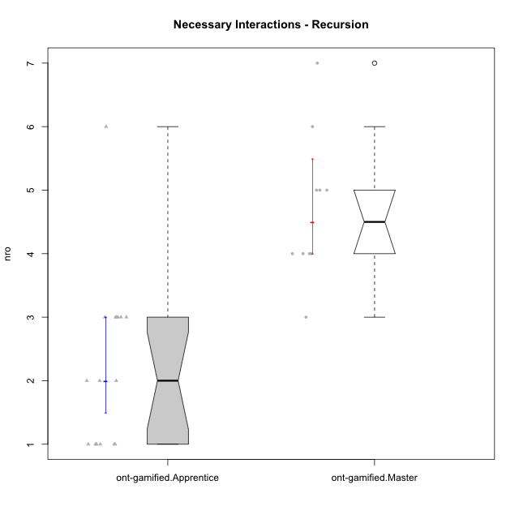

Wilcoxon data
UserID | NroUSP | Type | Group | CLRole | PlayerRole | ParticipationLevel | NroTotalInteractions | NroNecessaryInteractions | (1) Elaborar lista de exercícios | (2) Demonstrar a solução de um problema | (3) Enviar (ou reenviar) a solução do problema | (c) Aceitar a solução como boa | NroSolutionReviewed (Apprentice) | NroSolutionReviewed (Master) | NroSolutionWithoutReviewed (Apprentice) | NroSolutionWithoutReviewed (Master) | NroSolutionGoodReview | NroDesiredInteractions | (a) Expressar dúvidas em relação à demonstração | (b) Esclarecer as dúvidas | (d) Notificar os erros existentes na solução | (e) Apresentar dicas ou otra forma de ajuda | (f) Expressar dificuldade em resolver o problema | (g) Explicar como resolver o problema
10211 | 9311643 | ont-gamified | Attractive Devils | Master | Social Achiever | complete | 7 | 4 | 1 | 1 | 0 | 2 | 0 | 4 | 0 | 0 | 0 | 3 | 0 | 1 | 2 | 0 | 0 | 0
10198 | 10310888 | ont-gamified | Attractive Devils | Apprentice | Social Achiever | complete | 4 | 3 | 0 | 0 | 3 | 0 | 3 | 0 | 0 | 0 | 2 | 1 | 1 | 0 | 0 | 0 | 0 | 0
10192 | 10276682 | ont-gamified | Attractive Devils | Apprentice | Social Achiever | partial | 1 | 1 | 0 | 0 | 1 | 0 | 1 | 0 | 0 | 0 | 0 | 0 | 0 | 0 | 0 | 0 | 0 | 0
10187 | 9790781 | ont-gamified | Mafia | Apprentice | Social Achiever | partial | 1 | 1 | 0 | 0 | 1 | 0 | 1 | 0 | 0 | 0 | 0 | 0 | 0 | 0 | 0 | 0 | 0 | 0
10209 | 10262669 | ont-gamified | Mafia | Apprentice | Social Achiever | complete | 3 | 3 | 0 | 0 | 3 | 0 | 3 | 0 | 0 | 0 | 2 | 0 | 0 | 0 | 0 | 0 | 0 | 0
10171 | 698531 | ont-gamified | Mafia | Master | Social Achiever | complete | 13 | 4 | 1 | 1 | 0 | 2 | 0 | 4 | 0 | 0 | 0 | 9 | 0 | 0 | 2 | 7 | 0 | 0
10208 | 10276932 | ont-gamified | Mercenaries | Master | Social Achiever | complete | 6 | 6 | 1 | 1 | 0 | 4 | 0 | 3 | 0 | 0 | 0 | 0 | 0 | 0 | 0 | 0 | 0 | 0
10224 | 9368772 | ont-gamified | Mercenaries | Apprentice | Social Achiever | semicomplete | 1 | 1 | 0 | 0 | 1 | 0 | 1 | 0 | 0 | 0 | 1 | 0 | 0 | 0 | 0 | 0 | 0 | 0
10203 | 9921470 | ont-gamified | Mercenaries | Apprentice | Social Achiever | complete | 2 | 2 | 0 | 0 | 2 | 0 | 2 | 0 | 0 | 0 | 2 | 0 | 0 | 0 | 0 | 0 | 0 | 0
10237 | 10377688 | ont-gamified | Outlaws | Apprentice | Social Achiever | complete | 2 | 2 | 0 | 0 | 2 | 0 | 2 | 0 | 0 | 0 | 2 | 0 | 0 | 0 | 0 | 0 | 0 | 0
10178 | 8656201 | ont-gamified | Outlaws | Apprentice | Social Achiever | semicomplete | 1 | 1 | 0 | 0 | 1 | 0 | 1 | 0 | 0 | 0 | 1 | 0 | 0 | 0 | 0 | 0 | 0 | 0
10176 | 10276949 | ont-gamified | Outlaws | Master | Social Achiever | complete | 6 | 5 | 1 | 1 | 0 | 3 | 0 | 3 | 0 | 0 | 0 | 1 | 0 | 0 | 1 | 0 | 0 | 0
10169 | 10377538 | ont-gamified | Resistance | Apprentice | Social Achiever | semicomplete | 1 | 1 | 0 | 0 | 1 | 0 | 1 | 0 | 0 | 0 | 1 | 0 | 0 | 0 | 0 | 0 | 0 | 0
10228 | 10310492 | ont-gamified | Resistance | Apprentice | Social Achiever | semicomplete | 1 | 1 | 0 | 0 | 1 | 0 | 1 | 0 | 0 | 0 | 1 | 0 | 0 | 0 | 0 | 0 | 0 | 0
10230 | 10351992 | ont-gamified | Resistance | Master | Social Achiever | complete | 9 | 5 | 1 | 1 | 0 | 3 | 0 | 2 | 0 | 0 | 0 | 4 | 0 | 0 | 2 | 2 | 0 | 0
10202 | 10277036 | ont-gamified | Silly Knights | Apprentice | Social Achiever | complete | 7 | 6 | 0 | 0 | 6 | 0 | 5 | 0 | 1 | 0 | 2 | 1 | 0 | 0 | 0 | 0 | 1 | 0
10216 | 10276720 | ont-gamified | Silly Knights | Master | Social Achiever | semicomplete | 8 | 4 | 1 | 1 | 0 | 2 | 0 | 5 | 0 | 1 | 0 | 4 | 0 | 0 | 0 | 4 | 0 | 0
10186 | 10310551 | ont-gamified | Slayers | Apprentice | Social Achiever | semicomplete | 4 | 3 | 0 | 0 | 3 | 0 | 1 | 0 | 2 | 0 | 1 | 1 | 1 | 0 | 0 | 0 | 0 | 0
10223 | 9795185 | ont-gamified | Slayers | Master | Social Achiever | semicomplete | 4 | 3 | 1 | 1 | 0 | 1 | 0 | 1 | 0 | 2 | 0 | 1 | 0 | 1 | 0 | 0 | 0 | 0
10193 | 10276762 | ont-gamified | Vandals | Apprentice | Yee Achiever | complete | 3 | 3 | 0 | 0 | 3 | 0 | 2 | 0 | 1 | 0 | 2 | 0 | 0 | 0 | 0 | 0 | 0 | 0
10188 | 10276995 | ont-gamified | Vandals | Master | Yee Achiever | semicomplete | 4 | 4 | 1 | 1 | 0 | 2 | 0 | 2 | 0 | 1 | 0 | 0 | 0 | 0 | 0 | 0 | 0 | 0
10189 | 9363926 | ont-gamified | Vikings | Apprentice | Social Achiever | partial | 3 | 1 | 0 | 0 | 1 | 0 | 1 | 0 | 0 | 0 | 0 | 2 | 2 | 0 | 0 | 0 | 0 | 0
10214 | 10277022 | ont-gamified | Vikings | Apprentice | Social Achiever | complete | 3 | 3 | 0 | 0 | 3 | 0 | 3 | 0 | 0 | 0 | 3 | 0 | 0 | 0 | 0 | 0 | 0 | 0
10215 | 9285227 | ont-gamified | Vikings | Master | Social Achiever | complete | 8 | 5 | 1 | 1 | 0 | 3 | 0 | 4 | 0 | 0 | 0 | 3 | 0 | 0 | 1 | 2 | 0 | 0
10175 | 10310700 | ont-gamified | Warriors | Master | Social Achiever | complete | 12 | 7 | 1 | 1 | 0 | 5 | 0 | 5 | 0 | 0 | 0 | 5 | 0 | 1 | 1 | 3 | 0 | 0
10200 | 9795272 | ont-gamified | Warriors | Apprentice | Social Achiever | complete | 4 | 3 | 0 | 0 | 3 | 0 | 3 | 0 | 0 | 0 | 3 | 1 | 1 | 0 | 0 | 0 | 0 | 0
10221 | 9082496 | ont-gamified | Warriors | Apprentice | Social Achiever | complete | 2 | 2 | 0 | 0 | 2 | 0 | 2 | 0 | 0 | 0 | 2 | 0 | 0 | 0 | 0 | 0 | 0 | 0

Type_CLRole_2
Wilcoxon Analysis for Necessary Interactions - Recursion in Type:CLRole between ont-gamified.Apprentice:w/o-gamified.Apprentice

Wilcoxon test results
Alternative hypothesis: less
Group | N | Median | Mean.Ranks | Sum.Ranks | U | Z | p.value | r | magnitude
ont-gamified.Apprentice | 17 | 2 | 18.823529412 | 320 | 167 | -0.3515052742 | 0.3636262983 | 0.057021685115 | none
w/o-gamified.Apprentice | 21 | 2 | 20.047619048 | 421 | 167 | -0.3515052742 | 0.3636262983 | 0.057021685115 | none
Alternative hypothesis: greater
Group | N | Median | Mean.Ranks | Sum.Ranks | U | Z | p.value | r | magnitude
ont-gamified.Apprentice | 17 | 2 | 18.823529412 | 320 | 167 | -0.3515052742 | 0.63923564867 | 0.057021685115 | none
w/o-gamified.Apprentice | 21 | 2 | 20.047619048 | 421 | 167 | -0.3515052742 | 0.63923564867 | 0.057021685115 | none
Alternative hypothesis: two.sided
Group | N | Median | Mean.Ranks | Sum.Ranks | U | Z | p.value | r | magnitude
ont-gamified.Apprentice | 17 | 2 | 18.823529412 | 320 | 167 | -0.3515052742 | 0.73176513261 | 0.057021685115 | none
w/o-gamified.Apprentice | 21 | 2 | 20.047619048 | 421 | 167 | -0.3515052742 | 0.73176513261 | 0.057021685115 | none

Box plots for wilcoxon tests
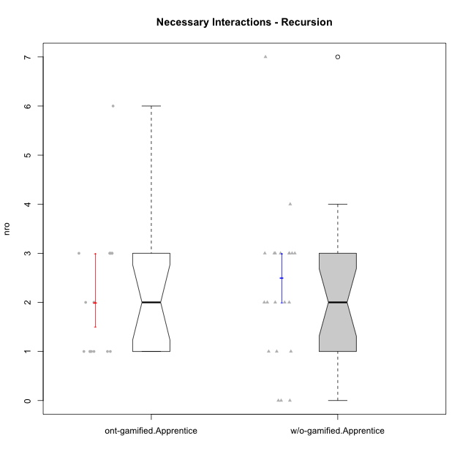

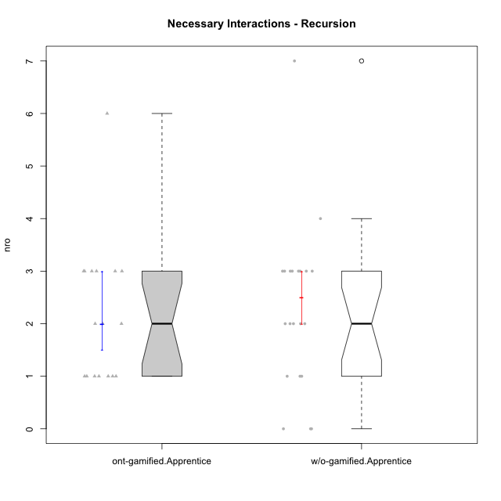

Wilcoxon data
UserID | NroUSP | Type | Group | CLRole | PlayerRole | ParticipationLevel | NroTotalInteractions | NroNecessaryInteractions | (1) Elaborar lista de exercícios | (2) Demonstrar a solução de um problema | (3) Enviar (ou reenviar) a solução do problema | (c) Aceitar a solução como boa | NroSolutionReviewed (Apprentice) | NroSolutionReviewed (Master) | NroSolutionWithoutReviewed (Apprentice) | NroSolutionWithoutReviewed (Master) | NroSolutionGoodReview | NroDesiredInteractions | (a) Expressar dúvidas em relação à demonstração | (b) Esclarecer as dúvidas | (d) Notificar os erros existentes na solução | (e) Apresentar dicas ou otra forma de ajuda | (f) Expressar dificuldade em resolver o problema | (g) Explicar como resolver o problema
10198 | 10310888 | ont-gamified | Attractive Devils | Apprentice | Social Achiever | complete | 4 | 3 | 0 | 0 | 3 | 0 | 3 | 0 | 0 | 0 | 2 | 1 | 1 | 0 | 0 | 0 | 0 | 0
10192 | 10276682 | ont-gamified | Attractive Devils | Apprentice | Social Achiever | partial | 1 | 1 | 0 | 0 | 1 | 0 | 1 | 0 | 0 | 0 | 0 | 0 | 0 | 0 | 0 | 0 | 0 | 0
10199 | 10276737 | w/o-gamified | Grupo1 | Apprentice |  | complete | 2 | 2 | 0 | 0 | 2 | 0 | 2 | 0 | 0 | 0 | 2 | 0 | 0 | 0 | 0 | 0 | 0 | 0
10248 | 9755822 | w/o-gamified | Grupo1 | Apprentice |  | partial | 1 | 1 | 0 | 0 | 1 | 0 | 1 | 0 | 0 | 0 | 0 | 0 | 0 | 0 | 0 | 0 | 0 | 0
10184 | 10276675 | w/o-gamified | Grupo10 | Apprentice |  | complete | 10 | 7 | 0 | 0 | 7 | 0 | 7 | 0 | 0 | 0 | 4 | 3 | 1 | 0 | 0 | 0 | 2 | 0
10218 | 9842913 | w/o-gamified | Grupo10 | Apprentice |  | complete | 3 | 3 | 0 | 0 | 3 | 0 | 2 | 0 | 1 | 0 | 2 | 0 | 0 | 0 | 0 | 0 | 0 | 0
10170 | 10260351 | w/o-gamified | Grupo11 | Apprentice |  | complete | 4 | 3 | 0 | 0 | 3 | 0 | 3 | 0 | 0 | 0 | 3 | 1 | 1 | 0 | 0 | 0 | 0 | 0
10201 | 10276928 | w/o-gamified | Grupo11 | Apprentice |  | complete | 3 | 3 | 0 | 0 | 3 | 0 | 3 | 0 | 0 | 0 | 3 | 0 | 0 | 0 | 0 | 0 | 0 | 0
10181 | 10276866 | w/o-gamified | Grupo2 | Apprentice |  | none | 0 | 0 | 0 | 0 | 0 | 0 | 0 | 0 | 0 | 0 | 0 | 0 | 0 | 0 | 0 | 0 | 0 | 0
10183 | 10352030 | w/o-gamified | Grupo3 | Apprentice |  | partial | 2 | 1 | 0 | 0 | 1 | 0 | 0 | 0 | 1 | 0 | 0 | 1 | 1 | 0 | 0 | 0 | 0 | 0
10220 | 9760151 | w/o-gamified | Grupo3 | Apprentice |  | complete | 3 | 3 | 0 | 0 | 3 | 0 | 3 | 0 | 0 | 0 | 3 | 0 | 0 | 0 | 0 | 0 | 0 | 0
10190 | 10276907 | w/o-gamified | Grupo4 | Apprentice |  | partial | 1 | 1 | 0 | 0 | 1 | 0 | 0 | 0 | 1 | 0 | 0 | 0 | 0 | 0 | 0 | 0 | 0 | 0
10226 | 10310342 | w/o-gamified | Grupo4 | Apprentice |  | none | 0 | 0 | 0 | 0 | 0 | 0 | 0 | 0 | 0 | 0 | 0 | 0 | 0 | 0 | 0 | 0 | 0 | 0
10240 | 10276654 | w/o-gamified | Grupo5 | Apprentice |  | none | 1 | 0 | 0 | 0 | 0 | 0 | 0 | 0 | 0 | 0 | 0 | 1 | 1 | 0 | 0 | 0 | 0 | 0
10172 | 10273971 | w/o-gamified | Grupo5 | Apprentice |  | partial | 3 | 3 | 0 | 0 | 3 | 0 | 0 | 0 | 3 | 0 | 0 | 0 | 0 | 0 | 0 | 0 | 0 | 0
10204 | 10310471 | w/o-gamified | Grupo6 | Apprentice |  | partial | 2 | 2 | 0 | 0 | 2 | 0 | 0 | 0 | 2 | 0 | 0 | 0 | 0 | 0 | 0 | 0 | 0 | 0
10210 | 10277015 | w/o-gamified | Grupo6 | Apprentice |  | partial | 2 | 2 | 0 | 0 | 2 | 0 | 0 | 0 | 2 | 0 | 0 | 0 | 0 | 0 | 0 | 0 | 0 | 0
10213 | 10277040 | w/o-gamified | Grupo7 | Apprentice |  | complete | 4 | 3 | 0 | 0 | 3 | 0 | 3 | 0 | 0 | 0 | 3 | 1 | 1 | 0 | 0 | 0 | 0 | 0
10232 | 10276974 | w/o-gamified | Grupo7 | Apprentice |  | complete | 3 | 3 | 0 | 0 | 3 | 0 | 3 | 0 | 0 | 0 | 3 | 0 | 0 | 0 | 0 | 0 | 0 | 0
10197 | 10276661 | w/o-gamified | Grupo8 | Apprentice |  | complete | 3 | 2 | 0 | 0 | 2 | 0 | 2 | 0 | 0 | 0 | 2 | 1 | 1 | 0 | 0 | 0 | 0 | 0
10206 | 10310721 | w/o-gamified | Grupo8 | Apprentice |  | complete | 3 | 3 | 0 | 0 | 3 | 0 | 3 | 0 | 0 | 0 | 2 | 0 | 0 | 0 | 0 | 0 | 0 | 0
10185 | 10276960 | w/o-gamified | Grupo9 | Apprentice |  | partial | 2 | 2 | 0 | 0 | 2 | 0 | 2 | 0 | 0 | 0 | 0 | 0 | 0 | 0 | 0 | 0 | 0 | 0
10217 | 9805341 | w/o-gamified | Grupo9 | Apprentice |  | complete | 4 | 4 | 0 | 0 | 4 | 0 | 4 | 0 | 0 | 0 | 4 | 0 | 0 | 0 | 0 | 0 | 0 | 0
10187 | 9790781 | ont-gamified | Mafia | Apprentice | Social Achiever | partial | 1 | 1 | 0 | 0 | 1 | 0 | 1 | 0 | 0 | 0 | 0 | 0 | 0 | 0 | 0 | 0 | 0 | 0
10209 | 10262669 | ont-gamified | Mafia | Apprentice | Social Achiever | complete | 3 | 3 | 0 | 0 | 3 | 0 | 3 | 0 | 0 | 0 | 2 | 0 | 0 | 0 | 0 | 0 | 0 | 0
10224 | 9368772 | ont-gamified | Mercenaries | Apprentice | Social Achiever | semicomplete | 1 | 1 | 0 | 0 | 1 | 0 | 1 | 0 | 0 | 0 | 1 | 0 | 0 | 0 | 0 | 0 | 0 | 0
10203 | 9921470 | ont-gamified | Mercenaries | Apprentice | Social Achiever | complete | 2 | 2 | 0 | 0 | 2 | 0 | 2 | 0 | 0 | 0 | 2 | 0 | 0 | 0 | 0 | 0 | 0 | 0
10237 | 10377688 | ont-gamified | Outlaws | Apprentice | Social Achiever | complete | 2 | 2 | 0 | 0 | 2 | 0 | 2 | 0 | 0 | 0 | 2 | 0 | 0 | 0 | 0 | 0 | 0 | 0
10178 | 8656201 | ont-gamified | Outlaws | Apprentice | Social Achiever | semicomplete | 1 | 1 | 0 | 0 | 1 | 0 | 1 | 0 | 0 | 0 | 1 | 0 | 0 | 0 | 0 | 0 | 0 | 0
10169 | 10377538 | ont-gamified | Resistance | Apprentice | Social Achiever | semicomplete | 1 | 1 | 0 | 0 | 1 | 0 | 1 | 0 | 0 | 0 | 1 | 0 | 0 | 0 | 0 | 0 | 0 | 0
10228 | 10310492 | ont-gamified | Resistance | Apprentice | Social Achiever | semicomplete | 1 | 1 | 0 | 0 | 1 | 0 | 1 | 0 | 0 | 0 | 1 | 0 | 0 | 0 | 0 | 0 | 0 | 0
10202 | 10277036 | ont-gamified | Silly Knights | Apprentice | Social Achiever | complete | 7 | 6 | 0 | 0 | 6 | 0 | 5 | 0 | 1 | 0 | 2 | 1 | 0 | 0 | 0 | 0 | 1 | 0
10186 | 10310551 | ont-gamified | Slayers | Apprentice | Social Achiever | semicomplete | 4 | 3 | 0 | 0 | 3 | 0 | 1 | 0 | 2 | 0 | 1 | 1 | 1 | 0 | 0 | 0 | 0 | 0
10193 | 10276762 | ont-gamified | Vandals | Apprentice | Yee Achiever | complete | 3 | 3 | 0 | 0 | 3 | 0 | 2 | 0 | 1 | 0 | 2 | 0 | 0 | 0 | 0 | 0 | 0 | 0
10189 | 9363926 | ont-gamified | Vikings | Apprentice | Social Achiever | partial | 3 | 1 | 0 | 0 | 1 | 0 | 1 | 0 | 0 | 0 | 0 | 2 | 2 | 0 | 0 | 0 | 0 | 0
10214 | 10277022 | ont-gamified | Vikings | Apprentice | Social Achiever | complete | 3 | 3 | 0 | 0 | 3 | 0 | 3 | 0 | 0 | 0 | 3 | 0 | 0 | 0 | 0 | 0 | 0 | 0
10200 | 9795272 | ont-gamified | Warriors | Apprentice | Social Achiever | complete | 4 | 3 | 0 | 0 | 3 | 0 | 3 | 0 | 0 | 0 | 3 | 1 | 1 | 0 | 0 | 0 | 0 | 0
10221 | 9082496 | ont-gamified | Warriors | Apprentice | Social Achiever | complete | 2 | 2 | 0 | 0 | 2 | 0 | 2 | 0 | 0 | 0 | 2 | 0 | 0 | 0 | 0 | 0 | 0 | 0

Type_CLRole_3
Wilcoxon Analysis for Necessary Interactions - Recursion in Type:CLRole between ont-gamified.Apprentice:w/o-gamified.Master

Wilcoxon test results
Alternative hypothesis: less
Group | N | Median | Mean.Ranks | Sum.Ranks | U | Z | p.value | r | magnitude
ont-gamified.Apprentice | 17 | 2 | 11.323529412 | 192.5 | 39.5 | -2.6017892497 | 0.0042076577546 | 0.49169195133 | medium
w/o-gamified.Master | 11 | 5 | 19.409090909 | 213.5 | 39.5 | -2.6017892497 | 0.0042076577546 | 0.49169195133 | medium
Alternative hypothesis: greater
Group | N | Median | Mean.Ranks | Sum.Ranks | U | Z | p.value | r | magnitude
ont-gamified.Apprentice | 17 | 2 | 11.323529412 | 192.5 | 39.5 | -2.6017892497 | 0.99623817999 | 0.49169195133 | medium
w/o-gamified.Master | 11 | 5 | 19.409090909 | 213.5 | 39.5 | -2.6017892497 | 0.99623817999 | 0.49169195133 | medium
Alternative hypothesis: two.sided
Group | N | Median | Mean.Ranks | Sum.Ranks | U | Z | p.value | r | magnitude
ont-gamified.Apprentice | 17 | 2 | 11.323529412 | 192.5 | 39.5 | -2.6017892497 | 0.0078896609789 | 0.49169195133 | medium
w/o-gamified.Master | 11 | 5 | 19.409090909 | 213.5 | 39.5 | -2.6017892497 | 0.0078896609789 | 0.49169195133 | medium

Box plots for wilcoxon tests
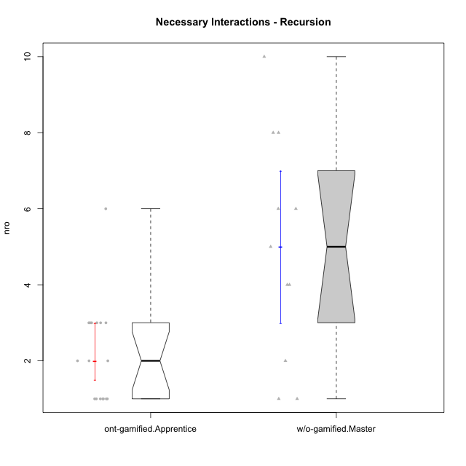

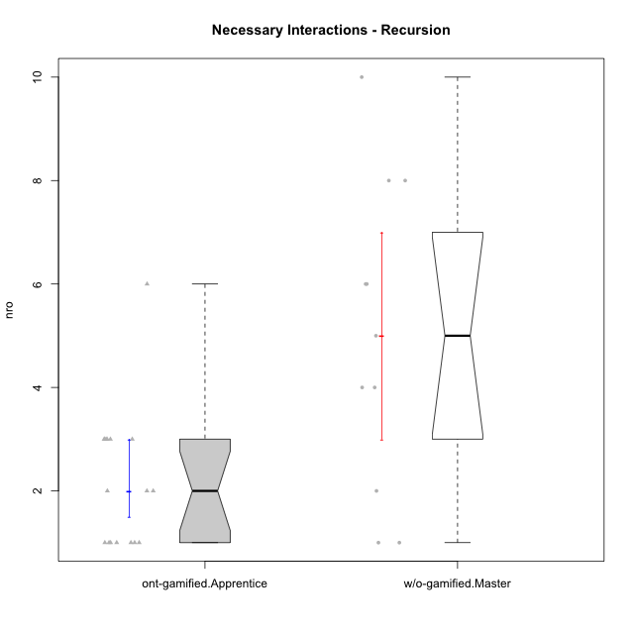

Wilcoxon data
UserID | NroUSP | Type | Group | CLRole | PlayerRole | ParticipationLevel | NroTotalInteractions | NroNecessaryInteractions | (1) Elaborar lista de exercícios | (2) Demonstrar a solução de um problema | (3) Enviar (ou reenviar) a solução do problema | (c) Aceitar a solução como boa | NroSolutionReviewed (Apprentice) | NroSolutionReviewed (Master) | NroSolutionWithoutReviewed (Apprentice) | NroSolutionWithoutReviewed (Master) | NroSolutionGoodReview | NroDesiredInteractions | (a) Expressar dúvidas em relação à demonstração | (b) Esclarecer as dúvidas | (d) Notificar os erros existentes na solução | (e) Apresentar dicas ou otra forma de ajuda | (f) Expressar dificuldade em resolver o problema | (g) Explicar como resolver o problema
10198 | 10310888 | ont-gamified | Attractive Devils | Apprentice | Social Achiever | complete | 4 | 3 | 0 | 0 | 3 | 0 | 3 | 0 | 0 | 0 | 2 | 1 | 1 | 0 | 0 | 0 | 0 | 0
10192 | 10276682 | ont-gamified | Attractive Devils | Apprentice | Social Achiever | partial | 1 | 1 | 0 | 0 | 1 | 0 | 1 | 0 | 0 | 0 | 0 | 0 | 0 | 0 | 0 | 0 | 0 | 0
10191 | 10276981 | w/o-gamified | Grupo1 | Master |  | complete | 6 | 4 | 1 | 1 | 0 | 2 | 0 | 3 | 0 | 0 | 0 | 2 | 0 | 0 | 1 | 1 | 0 | 0
10179 | 10310759 | w/o-gamified | Grupo10 | Master |  | semicomplete | 15 | 8 | 1 | 1 | 0 | 6 | 0 | 9 | 0 | 1 | 0 | 7 | 0 | 1 | 2 | 2 | 0 | 2
10196 | 10310655 | w/o-gamified | Grupo11 | Master |  | complete | 13 | 10 | 2 | 2 | 0 | 6 | 0 | 6 | 0 | 0 | 0 | 3 | 0 | 1 | 1 | 1 | 0 | 0
10238 | 10276953 | w/o-gamified | Grupo2 | Master |  | partial | 1 | 1 | 1 | 0 | 0 | 0 | 0 | 0 | 0 | 0 | 0 | 0 | 0 | 0 | 0 | 0 | 0 | 0
10219 | 10276831 | w/o-gamified | Grupo3 | Master |  | semicomplete | 5 | 5 | 1 | 1 | 0 | 3 | 0 | 3 | 0 | 1 | 0 | 0 | 0 | 0 | 0 | 0 | 0 | 0
10234 | 10310676 | w/o-gamified | Grupo4 | Master |  | partial | 2 | 2 | 1 | 1 | 0 | 0 | 0 | 0 | 0 | 1 | 0 | 0 | 0 | 0 | 0 | 0 | 0 | 0
10227 | 9274382 | w/o-gamified | Grupo5 | Master |  | partial | 4 | 4 | 2 | 2 | 0 | 0 | 0 | 0 | 0 | 3 | 0 | 0 | 0 | 0 | 0 | 0 | 0 | 0
10233 | 9805320 | w/o-gamified | Grupo6 | Master |  | partial | 1 | 1 | 1 | 0 | 0 | 0 | 0 | 0 | 0 | 4 | 0 | 0 | 0 | 0 | 0 | 0 | 0 | 0
10174 | 10276852 | w/o-gamified | Grupo7 | Master |  | complete | 8 | 8 | 1 | 1 | 0 | 6 | 0 | 6 | 0 | 0 | 0 | 0 | 0 | 0 | 0 | 0 | 0 | 0
10212 | 9065750 | w/o-gamified | Grupo8 | Master |  | complete | 8 | 6 | 1 | 1 | 0 | 4 | 0 | 5 | 0 | 0 | 0 | 2 | 0 | 1 | 0 | 1 | 0 | 0
10231 | 10276911 | w/o-gamified | Grupo9 | Master |  | complete | 13 | 6 | 1 | 1 | 0 | 4 | 0 | 6 | 0 | 0 | 0 | 7 | 0 | 0 | 2 | 5 | 0 | 0
10187 | 9790781 | ont-gamified | Mafia | Apprentice | Social Achiever | partial | 1 | 1 | 0 | 0 | 1 | 0 | 1 | 0 | 0 | 0 | 0 | 0 | 0 | 0 | 0 | 0 | 0 | 0
10209 | 10262669 | ont-gamified | Mafia | Apprentice | Social Achiever | complete | 3 | 3 | 0 | 0 | 3 | 0 | 3 | 0 | 0 | 0 | 2 | 0 | 0 | 0 | 0 | 0 | 0 | 0
10224 | 9368772 | ont-gamified | Mercenaries | Apprentice | Social Achiever | semicomplete | 1 | 1 | 0 | 0 | 1 | 0 | 1 | 0 | 0 | 0 | 1 | 0 | 0 | 0 | 0 | 0 | 0 | 0
10203 | 9921470 | ont-gamified | Mercenaries | Apprentice | Social Achiever | complete | 2 | 2 | 0 | 0 | 2 | 0 | 2 | 0 | 0 | 0 | 2 | 0 | 0 | 0 | 0 | 0 | 0 | 0
10237 | 10377688 | ont-gamified | Outlaws | Apprentice | Social Achiever | complete | 2 | 2 | 0 | 0 | 2 | 0 | 2 | 0 | 0 | 0 | 2 | 0 | 0 | 0 | 0 | 0 | 0 | 0
10178 | 8656201 | ont-gamified | Outlaws | Apprentice | Social Achiever | semicomplete | 1 | 1 | 0 | 0 | 1 | 0 | 1 | 0 | 0 | 0 | 1 | 0 | 0 | 0 | 0 | 0 | 0 | 0
10169 | 10377538 | ont-gamified | Resistance | Apprentice | Social Achiever | semicomplete | 1 | 1 | 0 | 0 | 1 | 0 | 1 | 0 | 0 | 0 | 1 | 0 | 0 | 0 | 0 | 0 | 0 | 0
10228 | 10310492 | ont-gamified | Resistance | Apprentice | Social Achiever | semicomplete | 1 | 1 | 0 | 0 | 1 | 0 | 1 | 0 | 0 | 0 | 1 | 0 | 0 | 0 | 0 | 0 | 0 | 0
10202 | 10277036 | ont-gamified | Silly Knights | Apprentice | Social Achiever | complete | 7 | 6 | 0 | 0 | 6 | 0 | 5 | 0 | 1 | 0 | 2 | 1 | 0 | 0 | 0 | 0 | 1 | 0
10186 | 10310551 | ont-gamified | Slayers | Apprentice | Social Achiever | semicomplete | 4 | 3 | 0 | 0 | 3 | 0 | 1 | 0 | 2 | 0 | 1 | 1 | 1 | 0 | 0 | 0 | 0 | 0
10193 | 10276762 | ont-gamified | Vandals | Apprentice | Yee Achiever | complete | 3 | 3 | 0 | 0 | 3 | 0 | 2 | 0 | 1 | 0 | 2 | 0 | 0 | 0 | 0 | 0 | 0 | 0
10189 | 9363926 | ont-gamified | Vikings | Apprentice | Social Achiever | partial | 3 | 1 | 0 | 0 | 1 | 0 | 1 | 0 | 0 | 0 | 0 | 2 | 2 | 0 | 0 | 0 | 0 | 0
10214 | 10277022 | ont-gamified | Vikings | Apprentice | Social Achiever | complete | 3 | 3 | 0 | 0 | 3 | 0 | 3 | 0 | 0 | 0 | 3 | 0 | 0 | 0 | 0 | 0 | 0 | 0
10200 | 9795272 | ont-gamified | Warriors | Apprentice | Social Achiever | complete | 4 | 3 | 0 | 0 | 3 | 0 | 3 | 0 | 0 | 0 | 3 | 1 | 1 | 0 | 0 | 0 | 0 | 0
10221 | 9082496 | ont-gamified | Warriors | Apprentice | Social Achiever | complete | 2 | 2 | 0 | 0 | 2 | 0 | 2 | 0 | 0 | 0 | 2 | 0 | 0 | 0 | 0 | 0 | 0 | 0

Type_CLRole_4
Wilcoxon Analysis for Necessary Interactions - Recursion in Type:CLRole between ont-gamified.Master:w/o-gamified.Apprentice

Wilcoxon test results
Alternative hypothesis: less
Group | N | Median | Mean.Ranks | Sum.Ranks | U | Z | p.value | r | magnitude
ont-gamified.Master | 10 | 4.5 | 24.85 | 248.5 | 193.5 | 3.8067852833 | 0.99998442015 | 0.68371882056 | large
w/o-gamified.Apprentice | 21 | 2 | 11.785714286 | 247.5 | 193.5 | 3.8067852833 | 0.99998442015 | 0.68371882056 | large
Alternative hypothesis: greater
Group | N | Median | Mean.Ranks | Sum.Ranks | U | Z | p.value | r | magnitude
ont-gamified.Master | 10 | 4.5 | 24.85 | 248.5 | 193.5 | 3.8067852833 | 1.7609061474E-05 | 0.68371882056 | large
w/o-gamified.Apprentice | 21 | 2 | 11.785714286 | 247.5 | 193.5 | 3.8067852833 | 1.7609061474E-05 | 0.68371882056 | large
Alternative hypothesis: two.sided
Group | N | Median | Mean.Ranks | Sum.Ranks | U | Z | p.value | r | magnitude
ont-gamified.Master | 10 | 4.5 | 24.85 | 248.5 | 193.5 | 3.8067852833 | 3.5218122948E-05 | 0.68371882056 | large
w/o-gamified.Apprentice | 21 | 2 | 11.785714286 | 247.5 | 193.5 | 3.8067852833 | 3.5218122948E-05 | 0.68371882056 | large

Box plots for wilcoxon tests
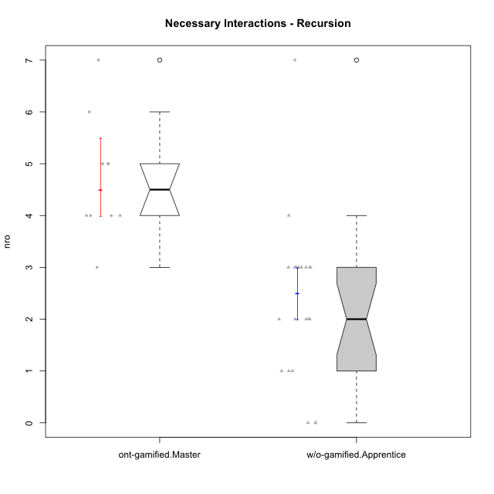

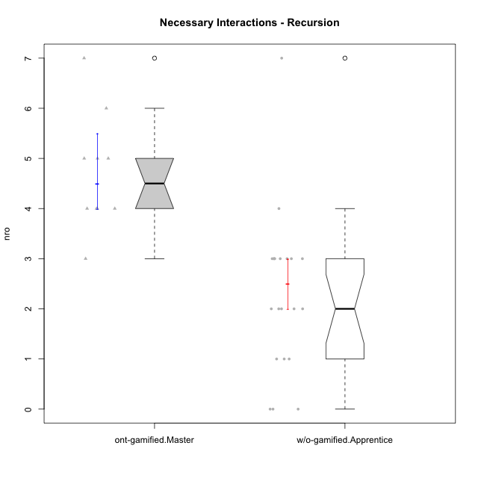

Wilcoxon data
UserID | NroUSP | Type | Group | CLRole | PlayerRole | ParticipationLevel | NroTotalInteractions | NroNecessaryInteractions | (1) Elaborar lista de exercícios | (2) Demonstrar a solução de um problema | (3) Enviar (ou reenviar) a solução do problema | (c) Aceitar a solução como boa | NroSolutionReviewed (Apprentice) | NroSolutionReviewed (Master) | NroSolutionWithoutReviewed (Apprentice) | NroSolutionWithoutReviewed (Master) | NroSolutionGoodReview | NroDesiredInteractions | (a) Expressar dúvidas em relação à demonstração | (b) Esclarecer as dúvidas | (d) Notificar os erros existentes na solução | (e) Apresentar dicas ou otra forma de ajuda | (f) Expressar dificuldade em resolver o problema | (g) Explicar como resolver o problema
10211 | 9311643 | ont-gamified | Attractive Devils | Master | Social Achiever | complete | 7 | 4 | 1 | 1 | 0 | 2 | 0 | 4 | 0 | 0 | 0 | 3 | 0 | 1 | 2 | 0 | 0 | 0
10199 | 10276737 | w/o-gamified | Grupo1 | Apprentice |  | complete | 2 | 2 | 0 | 0 | 2 | 0 | 2 | 0 | 0 | 0 | 2 | 0 | 0 | 0 | 0 | 0 | 0 | 0
10248 | 9755822 | w/o-gamified | Grupo1 | Apprentice |  | partial | 1 | 1 | 0 | 0 | 1 | 0 | 1 | 0 | 0 | 0 | 0 | 0 | 0 | 0 | 0 | 0 | 0 | 0
10184 | 10276675 | w/o-gamified | Grupo10 | Apprentice |  | complete | 10 | 7 | 0 | 0 | 7 | 0 | 7 | 0 | 0 | 0 | 4 | 3 | 1 | 0 | 0 | 0 | 2 | 0
10218 | 9842913 | w/o-gamified | Grupo10 | Apprentice |  | complete | 3 | 3 | 0 | 0 | 3 | 0 | 2 | 0 | 1 | 0 | 2 | 0 | 0 | 0 | 0 | 0 | 0 | 0
10170 | 10260351 | w/o-gamified | Grupo11 | Apprentice |  | complete | 4 | 3 | 0 | 0 | 3 | 0 | 3 | 0 | 0 | 0 | 3 | 1 | 1 | 0 | 0 | 0 | 0 | 0
10201 | 10276928 | w/o-gamified | Grupo11 | Apprentice |  | complete | 3 | 3 | 0 | 0 | 3 | 0 | 3 | 0 | 0 | 0 | 3 | 0 | 0 | 0 | 0 | 0 | 0 | 0
10181 | 10276866 | w/o-gamified | Grupo2 | Apprentice |  | none | 0 | 0 | 0 | 0 | 0 | 0 | 0 | 0 | 0 | 0 | 0 | 0 | 0 | 0 | 0 | 0 | 0 | 0
10183 | 10352030 | w/o-gamified | Grupo3 | Apprentice |  | partial | 2 | 1 | 0 | 0 | 1 | 0 | 0 | 0 | 1 | 0 | 0 | 1 | 1 | 0 | 0 | 0 | 0 | 0
10220 | 9760151 | w/o-gamified | Grupo3 | Apprentice |  | complete | 3 | 3 | 0 | 0 | 3 | 0 | 3 | 0 | 0 | 0 | 3 | 0 | 0 | 0 | 0 | 0 | 0 | 0
10190 | 10276907 | w/o-gamified | Grupo4 | Apprentice |  | partial | 1 | 1 | 0 | 0 | 1 | 0 | 0 | 0 | 1 | 0 | 0 | 0 | 0 | 0 | 0 | 0 | 0 | 0
10226 | 10310342 | w/o-gamified | Grupo4 | Apprentice |  | none | 0 | 0 | 0 | 0 | 0 | 0 | 0 | 0 | 0 | 0 | 0 | 0 | 0 | 0 | 0 | 0 | 0 | 0
10240 | 10276654 | w/o-gamified | Grupo5 | Apprentice |  | none | 1 | 0 | 0 | 0 | 0 | 0 | 0 | 0 | 0 | 0 | 0 | 1 | 1 | 0 | 0 | 0 | 0 | 0
10172 | 10273971 | w/o-gamified | Grupo5 | Apprentice |  | partial | 3 | 3 | 0 | 0 | 3 | 0 | 0 | 0 | 3 | 0 | 0 | 0 | 0 | 0 | 0 | 0 | 0 | 0
10204 | 10310471 | w/o-gamified | Grupo6 | Apprentice |  | partial | 2 | 2 | 0 | 0 | 2 | 0 | 0 | 0 | 2 | 0 | 0 | 0 | 0 | 0 | 0 | 0 | 0 | 0
10210 | 10277015 | w/o-gamified | Grupo6 | Apprentice |  | partial | 2 | 2 | 0 | 0 | 2 | 0 | 0 | 0 | 2 | 0 | 0 | 0 | 0 | 0 | 0 | 0 | 0 | 0
10213 | 10277040 | w/o-gamified | Grupo7 | Apprentice |  | complete | 4 | 3 | 0 | 0 | 3 | 0 | 3 | 0 | 0 | 0 | 3 | 1 | 1 | 0 | 0 | 0 | 0 | 0
10232 | 10276974 | w/o-gamified | Grupo7 | Apprentice |  | complete | 3 | 3 | 0 | 0 | 3 | 0 | 3 | 0 | 0 | 0 | 3 | 0 | 0 | 0 | 0 | 0 | 0 | 0
10197 | 10276661 | w/o-gamified | Grupo8 | Apprentice |  | complete | 3 | 2 | 0 | 0 | 2 | 0 | 2 | 0 | 0 | 0 | 2 | 1 | 1 | 0 | 0 | 0 | 0 | 0
10206 | 10310721 | w/o-gamified | Grupo8 | Apprentice |  | complete | 3 | 3 | 0 | 0 | 3 | 0 | 3 | 0 | 0 | 0 | 2 | 0 | 0 | 0 | 0 | 0 | 0 | 0
10185 | 10276960 | w/o-gamified | Grupo9 | Apprentice |  | partial | 2 | 2 | 0 | 0 | 2 | 0 | 2 | 0 | 0 | 0 | 0 | 0 | 0 | 0 | 0 | 0 | 0 | 0
10217 | 9805341 | w/o-gamified | Grupo9 | Apprentice |  | complete | 4 | 4 | 0 | 0 | 4 | 0 | 4 | 0 | 0 | 0 | 4 | 0 | 0 | 0 | 0 | 0 | 0 | 0
10171 | 698531 | ont-gamified | Mafia | Master | Social Achiever | complete | 13 | 4 | 1 | 1 | 0 | 2 | 0 | 4 | 0 | 0 | 0 | 9 | 0 | 0 | 2 | 7 | 0 | 0
10208 | 10276932 | ont-gamified | Mercenaries | Master | Social Achiever | complete | 6 | 6 | 1 | 1 | 0 | 4 | 0 | 3 | 0 | 0 | 0 | 0 | 0 | 0 | 0 | 0 | 0 | 0
10176 | 10276949 | ont-gamified | Outlaws | Master | Social Achiever | complete | 6 | 5 | 1 | 1 | 0 | 3 | 0 | 3 | 0 | 0 | 0 | 1 | 0 | 0 | 1 | 0 | 0 | 0
10230 | 10351992 | ont-gamified | Resistance | Master | Social Achiever | complete | 9 | 5 | 1 | 1 | 0 | 3 | 0 | 2 | 0 | 0 | 0 | 4 | 0 | 0 | 2 | 2 | 0 | 0
10216 | 10276720 | ont-gamified | Silly Knights | Master | Social Achiever | semicomplete | 8 | 4 | 1 | 1 | 0 | 2 | 0 | 5 | 0 | 1 | 0 | 4 | 0 | 0 | 0 | 4 | 0 | 0
10223 | 9795185 | ont-gamified | Slayers | Master | Social Achiever | semicomplete | 4 | 3 | 1 | 1 | 0 | 1 | 0 | 1 | 0 | 2 | 0 | 1 | 0 | 1 | 0 | 0 | 0 | 0
10188 | 10276995 | ont-gamified | Vandals | Master | Yee Achiever | semicomplete | 4 | 4 | 1 | 1 | 0 | 2 | 0 | 2 | 0 | 1 | 0 | 0 | 0 | 0 | 0 | 0 | 0 | 0
10215 | 9285227 | ont-gamified | Vikings | Master | Social Achiever | complete | 8 | 5 | 1 | 1 | 0 | 3 | 0 | 4 | 0 | 0 | 0 | 3 | 0 | 0 | 1 | 2 | 0 | 0
10175 | 10310700 | ont-gamified | Warriors | Master | Social Achiever | complete | 12 | 7 | 1 | 1 | 0 | 5 | 0 | 5 | 0 | 0 | 0 | 5 | 0 | 1 | 1 | 3 | 0 | 0

Type_CLRole_5
Wilcoxon Analysis for Necessary Interactions - Recursion in Type:CLRole between ont-gamified.Master:w/o-gamified.Master

Wilcoxon test results
Alternative hypothesis: less
Group | N | Median | Mean.Ranks | Sum.Ranks | U | Z | p.value | r | magnitude
ont-gamified.Master | 10 | 4.5 | 10.55 | 105.5 | 50.5 | -0.32226153051 | 0.38424681614 | 0.070323231292 | none
w/o-gamified.Master | 11 | 5 | 11.409090909 | 125.5 | 50.5 | -0.32226153051 | 0.38424681614 | 0.070323231292 | none
Alternative hypothesis: greater
Group | N | Median | Mean.Ranks | Sum.Ranks | U | Z | p.value | r | magnitude
ont-gamified.Master | 10 | 4.5 | 10.55 | 105.5 | 50.5 | -0.32226153051 | 0.63170936391 | 0.070323231292 | none
w/o-gamified.Master | 11 | 5 | 11.409090909 | 125.5 | 50.5 | -0.32226153051 | 0.63170936391 | 0.070323231292 | none
Alternative hypothesis: two.sided
Group | N | Median | Mean.Ranks | Sum.Ranks | U | Z | p.value | r | magnitude
ont-gamified.Master | 10 | 4.5 | 10.55 | 105.5 | 50.5 | -0.32226153051 | 0.76671599814 | 0.070323231292 | none
w/o-gamified.Master | 11 | 5 | 11.409090909 | 125.5 | 50.5 | -0.32226153051 | 0.76671599814 | 0.070323231292 | none

Box plots for wilcoxon tests
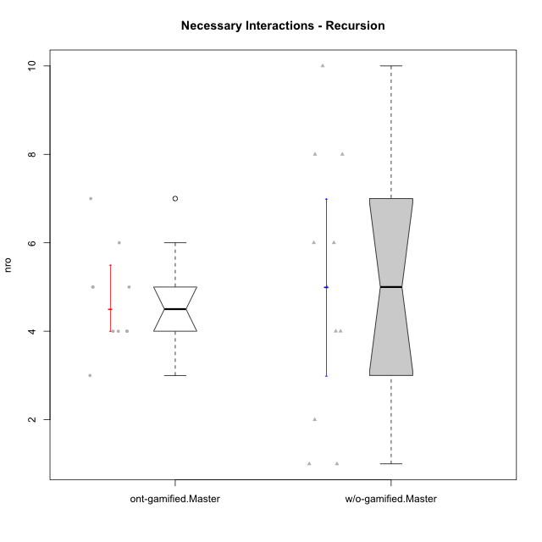

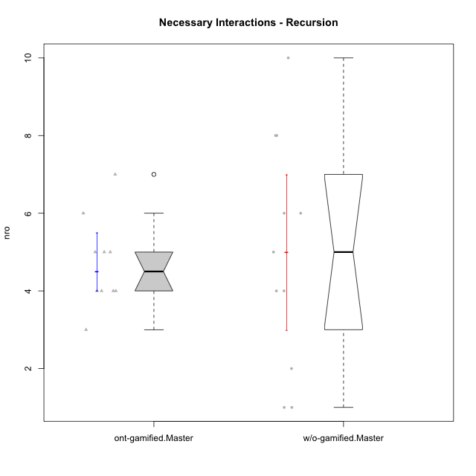

Wilcoxon data
UserID | NroUSP | Type | Group | CLRole | PlayerRole | ParticipationLevel | NroTotalInteractions | NroNecessaryInteractions | (1) Elaborar lista de exercícios | (2) Demonstrar a solução de um problema | (3) Enviar (ou reenviar) a solução do problema | (c) Aceitar a solução como boa | NroSolutionReviewed (Apprentice) | NroSolutionReviewed (Master) | NroSolutionWithoutReviewed (Apprentice) | NroSolutionWithoutReviewed (Master) | NroSolutionGoodReview | NroDesiredInteractions | (a) Expressar dúvidas em relação à demonstração | (b) Esclarecer as dúvidas | (d) Notificar os erros existentes na solução | (e) Apresentar dicas ou otra forma de ajuda | (f) Expressar dificuldade em resolver o problema | (g) Explicar como resolver o problema
10211 | 9311643 | ont-gamified | Attractive Devils | Master | Social Achiever | complete | 7 | 4 | 1 | 1 | 0 | 2 | 0 | 4 | 0 | 0 | 0 | 3 | 0 | 1 | 2 | 0 | 0 | 0
10191 | 10276981 | w/o-gamified | Grupo1 | Master |  | complete | 6 | 4 | 1 | 1 | 0 | 2 | 0 | 3 | 0 | 0 | 0 | 2 | 0 | 0 | 1 | 1 | 0 | 0
10179 | 10310759 | w/o-gamified | Grupo10 | Master |  | semicomplete | 15 | 8 | 1 | 1 | 0 | 6 | 0 | 9 | 0 | 1 | 0 | 7 | 0 | 1 | 2 | 2 | 0 | 2
10196 | 10310655 | w/o-gamified | Grupo11 | Master |  | complete | 13 | 10 | 2 | 2 | 0 | 6 | 0 | 6 | 0 | 0 | 0 | 3 | 0 | 1 | 1 | 1 | 0 | 0
10238 | 10276953 | w/o-gamified | Grupo2 | Master |  | partial | 1 | 1 | 1 | 0 | 0 | 0 | 0 | 0 | 0 | 0 | 0 | 0 | 0 | 0 | 0 | 0 | 0 | 0
10219 | 10276831 | w/o-gamified | Grupo3 | Master |  | semicomplete | 5 | 5 | 1 | 1 | 0 | 3 | 0 | 3 | 0 | 1 | 0 | 0 | 0 | 0 | 0 | 0 | 0 | 0
10234 | 10310676 | w/o-gamified | Grupo4 | Master |  | partial | 2 | 2 | 1 | 1 | 0 | 0 | 0 | 0 | 0 | 1 | 0 | 0 | 0 | 0 | 0 | 0 | 0 | 0
10227 | 9274382 | w/o-gamified | Grupo5 | Master |  | partial | 4 | 4 | 2 | 2 | 0 | 0 | 0 | 0 | 0 | 3 | 0 | 0 | 0 | 0 | 0 | 0 | 0 | 0
10233 | 9805320 | w/o-gamified | Grupo6 | Master |  | partial | 1 | 1 | 1 | 0 | 0 | 0 | 0 | 0 | 0 | 4 | 0 | 0 | 0 | 0 | 0 | 0 | 0 | 0
10174 | 10276852 | w/o-gamified | Grupo7 | Master |  | complete | 8 | 8 | 1 | 1 | 0 | 6 | 0 | 6 | 0 | 0 | 0 | 0 | 0 | 0 | 0 | 0 | 0 | 0
10212 | 9065750 | w/o-gamified | Grupo8 | Master |  | complete | 8 | 6 | 1 | 1 | 0 | 4 | 0 | 5 | 0 | 0 | 0 | 2 | 0 | 1 | 0 | 1 | 0 | 0
10231 | 10276911 | w/o-gamified | Grupo9 | Master |  | complete | 13 | 6 | 1 | 1 | 0 | 4 | 0 | 6 | 0 | 0 | 0 | 7 | 0 | 0 | 2 | 5 | 0 | 0
10171 | 698531 | ont-gamified | Mafia | Master | Social Achiever | complete | 13 | 4 | 1 | 1 | 0 | 2 | 0 | 4 | 0 | 0 | 0 | 9 | 0 | 0 | 2 | 7 | 0 | 0
10208 | 10276932 | ont-gamified | Mercenaries | Master | Social Achiever | complete | 6 | 6 | 1 | 1 | 0 | 4 | 0 | 3 | 0 | 0 | 0 | 0 | 0 | 0 | 0 | 0 | 0 | 0
10176 | 10276949 | ont-gamified | Outlaws | Master | Social Achiever | complete | 6 | 5 | 1 | 1 | 0 | 3 | 0 | 3 | 0 | 0 | 0 | 1 | 0 | 0 | 1 | 0 | 0 | 0
10230 | 10351992 | ont-gamified | Resistance | Master | Social Achiever | complete | 9 | 5 | 1 | 1 | 0 | 3 | 0 | 2 | 0 | 0 | 0 | 4 | 0 | 0 | 2 | 2 | 0 | 0
10216 | 10276720 | ont-gamified | Silly Knights | Master | Social Achiever | semicomplete | 8 | 4 | 1 | 1 | 0 | 2 | 0 | 5 | 0 | 1 | 0 | 4 | 0 | 0 | 0 | 4 | 0 | 0
10223 | 9795185 | ont-gamified | Slayers | Master | Social Achiever | semicomplete | 4 | 3 | 1 | 1 | 0 | 1 | 0 | 1 | 0 | 2 | 0 | 1 | 0 | 1 | 0 | 0 | 0 | 0
10188 | 10276995 | ont-gamified | Vandals | Master | Yee Achiever | semicomplete | 4 | 4 | 1 | 1 | 0 | 2 | 0 | 2 | 0 | 1 | 0 | 0 | 0 | 0 | 0 | 0 | 0 | 0
10215 | 9285227 | ont-gamified | Vikings | Master | Social Achiever | complete | 8 | 5 | 1 | 1 | 0 | 3 | 0 | 4 | 0 | 0 | 0 | 3 | 0 | 0 | 1 | 2 | 0 | 0
10175 | 10310700 | ont-gamified | Warriors | Master | Social Achiever | complete | 12 | 7 | 1 | 1 | 0 | 5 | 0 | 5 | 0 | 0 | 0 | 5 | 0 | 1 | 1 | 3 | 0 | 0

Type_CLRole_6
Wilcoxon Analysis for Necessary Interactions - Recursion in Type:CLRole between w/o-gamified.Apprentice:w/o-gamified.Master

Wilcoxon test results
Alternative hypothesis: less
Group | N | Median | Mean.Ranks | Sum.Ranks | U | Z | p.value | r | magnitude
w/o-gamified.Apprentice | 21 | 2 | 13.452380952 | 282.5 | 51.5 | -2.5746623019 | 0.0044137825628 | 0.45514029323 | medium
w/o-gamified.Master | 11 | 5 | 22.318181818 | 245.5 | 51.5 | -2.5746623019 | 0.0044137825628 | 0.45514029323 | medium
Alternative hypothesis: greater
Group | N | Median | Mean.Ranks | Sum.Ranks | U | Z | p.value | r | magnitude
w/o-gamified.Apprentice | 21 | 2 | 13.452380952 | 282.5 | 51.5 | -2.5746623019 | 0.99590107242 | 0.45514029323 | medium
w/o-gamified.Master | 11 | 5 | 22.318181818 | 245.5 | 51.5 | -2.5746623019 | 0.99590107242 | 0.45514029323 | medium
Alternative hypothesis: two.sided
Group | N | Median | Mean.Ranks | Sum.Ranks | U | Z | p.value | r | magnitude
w/o-gamified.Apprentice | 21 | 2 | 13.452380952 | 282.5 | 51.5 | -2.5746623019 | 0.0089596950904 | 0.45514029323 | medium
w/o-gamified.Master | 11 | 5 | 22.318181818 | 245.5 | 51.5 | -2.5746623019 | 0.0089596950904 | 0.45514029323 | medium

Box plots for wilcoxon tests
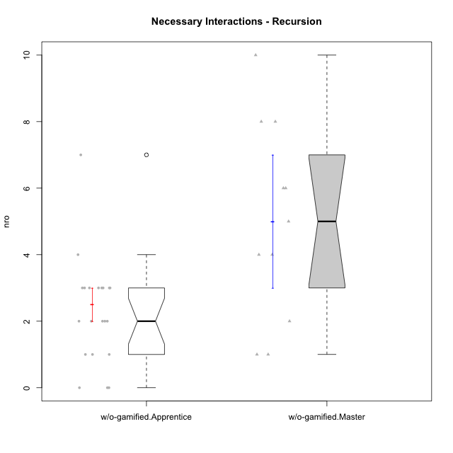

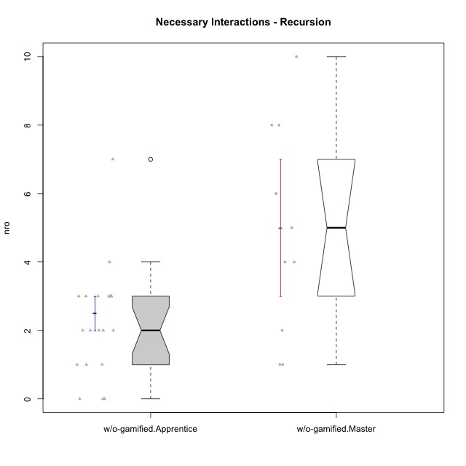

Wilcoxon data
UserID | NroUSP | Type | Group | CLRole | PlayerRole | ParticipationLevel | NroTotalInteractions | NroNecessaryInteractions | (1) Elaborar lista de exercícios | (2) Demonstrar a solução de um problema | (3) Enviar (ou reenviar) a solução do problema | (c) Aceitar a solução como boa | NroSolutionReviewed (Apprentice) | NroSolutionReviewed (Master) | NroSolutionWithoutReviewed (Apprentice) | NroSolutionWithoutReviewed (Master) | NroSolutionGoodReview | NroDesiredInteractions | (a) Expressar dúvidas em relação à demonstração | (b) Esclarecer as dúvidas | (d) Notificar os erros existentes na solução | (e) Apresentar dicas ou otra forma de ajuda | (f) Expressar dificuldade em resolver o problema | (g) Explicar como resolver o problema
10191 | 10276981 | w/o-gamified | Grupo1 | Master |  | complete | 6 | 4 | 1 | 1 | 0 | 2 | 0 | 3 | 0 | 0 | 0 | 2 | 0 | 0 | 1 | 1 | 0 | 0
10199 | 10276737 | w/o-gamified | Grupo1 | Apprentice |  | complete | 2 | 2 | 0 | 0 | 2 | 0 | 2 | 0 | 0 | 0 | 2 | 0 | 0 | 0 | 0 | 0 | 0 | 0
10248 | 9755822 | w/o-gamified | Grupo1 | Apprentice |  | partial | 1 | 1 | 0 | 0 | 1 | 0 | 1 | 0 | 0 | 0 | 0 | 0 | 0 | 0 | 0 | 0 | 0 | 0
10179 | 10310759 | w/o-gamified | Grupo10 | Master |  | semicomplete | 15 | 8 | 1 | 1 | 0 | 6 | 0 | 9 | 0 | 1 | 0 | 7 | 0 | 1 | 2 | 2 | 0 | 2
10184 | 10276675 | w/o-gamified | Grupo10 | Apprentice |  | complete | 10 | 7 | 0 | 0 | 7 | 0 | 7 | 0 | 0 | 0 | 4 | 3 | 1 | 0 | 0 | 0 | 2 | 0
10218 | 9842913 | w/o-gamified | Grupo10 | Apprentice |  | complete | 3 | 3 | 0 | 0 | 3 | 0 | 2 | 0 | 1 | 0 | 2 | 0 | 0 | 0 | 0 | 0 | 0 | 0
10170 | 10260351 | w/o-gamified | Grupo11 | Apprentice |  | complete | 4 | 3 | 0 | 0 | 3 | 0 | 3 | 0 | 0 | 0 | 3 | 1 | 1 | 0 | 0 | 0 | 0 | 0
10196 | 10310655 | w/o-gamified | Grupo11 | Master |  | complete | 13 | 10 | 2 | 2 | 0 | 6 | 0 | 6 | 0 | 0 | 0 | 3 | 0 | 1 | 1 | 1 | 0 | 0
10201 | 10276928 | w/o-gamified | Grupo11 | Apprentice |  | complete | 3 | 3 | 0 | 0 | 3 | 0 | 3 | 0 | 0 | 0 | 3 | 0 | 0 | 0 | 0 | 0 | 0 | 0
10181 | 10276866 | w/o-gamified | Grupo2 | Apprentice |  | none | 0 | 0 | 0 | 0 | 0 | 0 | 0 | 0 | 0 | 0 | 0 | 0 | 0 | 0 | 0 | 0 | 0 | 0
10238 | 10276953 | w/o-gamified | Grupo2 | Master |  | partial | 1 | 1 | 1 | 0 | 0 | 0 | 0 | 0 | 0 | 0 | 0 | 0 | 0 | 0 | 0 | 0 | 0 | 0
10183 | 10352030 | w/o-gamified | Grupo3 | Apprentice |  | partial | 2 | 1 | 0 | 0 | 1 | 0 | 0 | 0 | 1 | 0 | 0 | 1 | 1 | 0 | 0 | 0 | 0 | 0
10219 | 10276831 | w/o-gamified | Grupo3 | Master |  | semicomplete | 5 | 5 | 1 | 1 | 0 | 3 | 0 | 3 | 0 | 1 | 0 | 0 | 0 | 0 | 0 | 0 | 0 | 0
10220 | 9760151 | w/o-gamified | Grupo3 | Apprentice |  | complete | 3 | 3 | 0 | 0 | 3 | 0 | 3 | 0 | 0 | 0 | 3 | 0 | 0 | 0 | 0 | 0 | 0 | 0
10190 | 10276907 | w/o-gamified | Grupo4 | Apprentice |  | partial | 1 | 1 | 0 | 0 | 1 | 0 | 0 | 0 | 1 | 0 | 0 | 0 | 0 | 0 | 0 | 0 | 0 | 0
10226 | 10310342 | w/o-gamified | Grupo4 | Apprentice |  | none | 0 | 0 | 0 | 0 | 0 | 0 | 0 | 0 | 0 | 0 | 0 | 0 | 0 | 0 | 0 | 0 | 0 | 0
10234 | 10310676 | w/o-gamified | Grupo4 | Master |  | partial | 2 | 2 | 1 | 1 | 0 | 0 | 0 | 0 | 0 | 1 | 0 | 0 | 0 | 0 | 0 | 0 | 0 | 0
10227 | 9274382 | w/o-gamified | Grupo5 | Master |  | partial | 4 | 4 | 2 | 2 | 0 | 0 | 0 | 0 | 0 | 3 | 0 | 0 | 0 | 0 | 0 | 0 | 0 | 0
10240 | 10276654 | w/o-gamified | Grupo5 | Apprentice |  | none | 1 | 0 | 0 | 0 | 0 | 0 | 0 | 0 | 0 | 0 | 0 | 1 | 1 | 0 | 0 | 0 | 0 | 0
10172 | 10273971 | w/o-gamified | Grupo5 | Apprentice |  | partial | 3 | 3 | 0 | 0 | 3 | 0 | 0 | 0 | 3 | 0 | 0 | 0 | 0 | 0 | 0 | 0 | 0 | 0
10204 | 10310471 | w/o-gamified | Grupo6 | Apprentice |  | partial | 2 | 2 | 0 | 0 | 2 | 0 | 0 | 0 | 2 | 0 | 0 | 0 | 0 | 0 | 0 | 0 | 0 | 0
10210 | 10277015 | w/o-gamified | Grupo6 | Apprentice |  | partial | 2 | 2 | 0 | 0 | 2 | 0 | 0 | 0 | 2 | 0 | 0 | 0 | 0 | 0 | 0 | 0 | 0 | 0
10233 | 9805320 | w/o-gamified | Grupo6 | Master |  | partial | 1 | 1 | 1 | 0 | 0 | 0 | 0 | 0 | 0 | 4 | 0 | 0 | 0 | 0 | 0 | 0 | 0 | 0
10213 | 10277040 | w/o-gamified | Grupo7 | Apprentice |  | complete | 4 | 3 | 0 | 0 | 3 | 0 | 3 | 0 | 0 | 0 | 3 | 1 | 1 | 0 | 0 | 0 | 0 | 0
10174 | 10276852 | w/o-gamified | Grupo7 | Master |  | complete | 8 | 8 | 1 | 1 | 0 | 6 | 0 | 6 | 0 | 0 | 0 | 0 | 0 | 0 | 0 | 0 | 0 | 0
10232 | 10276974 | w/o-gamified | Grupo7 | Apprentice |  | complete | 3 | 3 | 0 | 0 | 3 | 0 | 3 | 0 | 0 | 0 | 3 | 0 | 0 | 0 | 0 | 0 | 0 | 0
10197 | 10276661 | w/o-gamified | Grupo8 | Apprentice |  | complete | 3 | 2 | 0 | 0 | 2 | 0 | 2 | 0 | 0 | 0 | 2 | 1 | 1 | 0 | 0 | 0 | 0 | 0
10206 | 10310721 | w/o-gamified | Grupo8 | Apprentice |  | complete | 3 | 3 | 0 | 0 | 3 | 0 | 3 | 0 | 0 | 0 | 2 | 0 | 0 | 0 | 0 | 0 | 0 | 0
10212 | 9065750 | w/o-gamified | Grupo8 | Master |  | complete | 8 | 6 | 1 | 1 | 0 | 4 | 0 | 5 | 0 | 0 | 0 | 2 | 0 | 1 | 0 | 1 | 0 | 0
10185 | 10276960 | w/o-gamified | Grupo9 | Apprentice |  | partial | 2 | 2 | 0 | 0 | 2 | 0 | 2 | 0 | 0 | 0 | 0 | 0 | 0 | 0 | 0 | 0 | 0 | 0
10231 | 10276911 | w/o-gamified | Grupo9 | Master |  | complete | 13 | 6 | 1 | 1 | 0 | 4 | 0 | 6 | 0 | 0 | 0 | 7 | 0 | 0 | 2 | 5 | 0 | 0
10217 | 9805341 | w/o-gamified | Grupo9 | Apprentice |  | complete | 4 | 4 | 0 | 0 | 4 | 0 | 4 | 0 | 0 | 0 | 4 | 0 | 0 | 0 | 0 | 0 | 0 | 0

