Assumptions
ANOVA assumptions for Difference of Programming Skill - Recursion

Shapiro-Wilk normality test for Difference of Programming Skill - Recursion
W | p.value
0.96820762691 | 0.22617954265

Plots for normality test
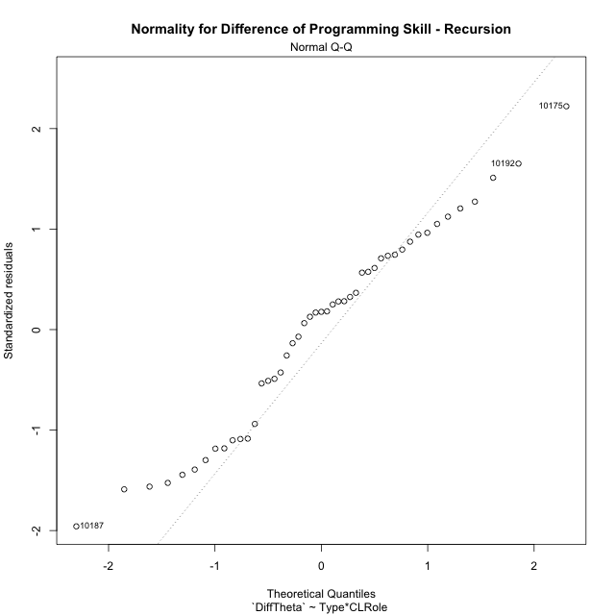

Levene's Test for Homogeneity of Variance in Difference of Programming Skill - Recursion
Df | F value | Pr(>F)
3 | 0.12727943676 | 0.94341983115
43

Plots for homogeneity of variance
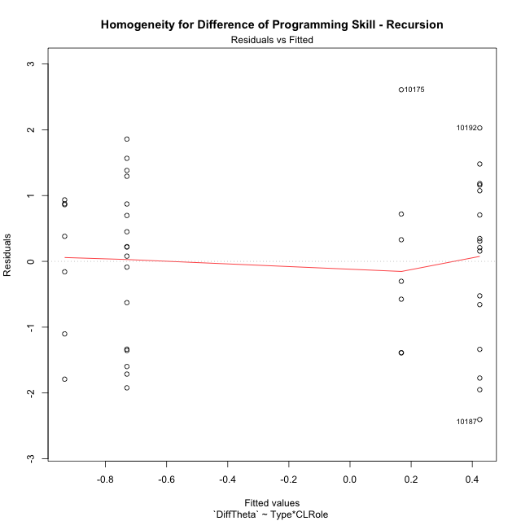

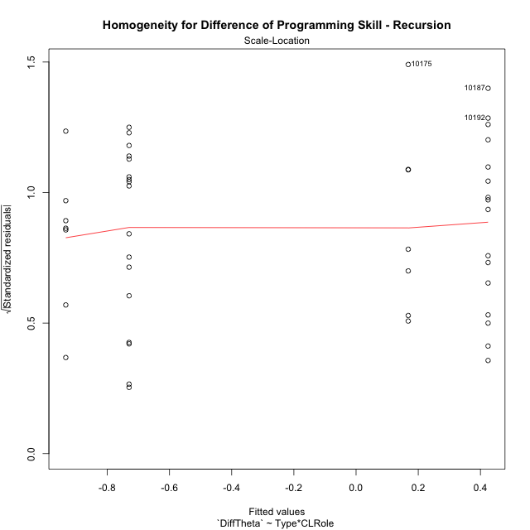

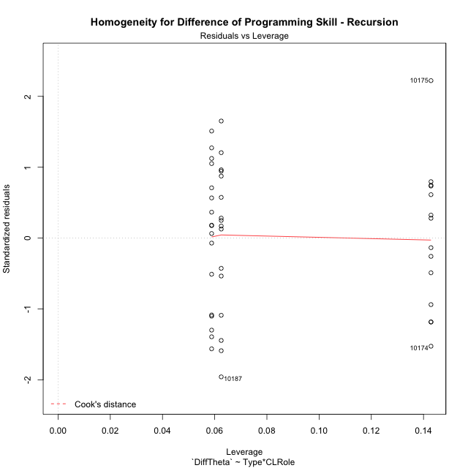

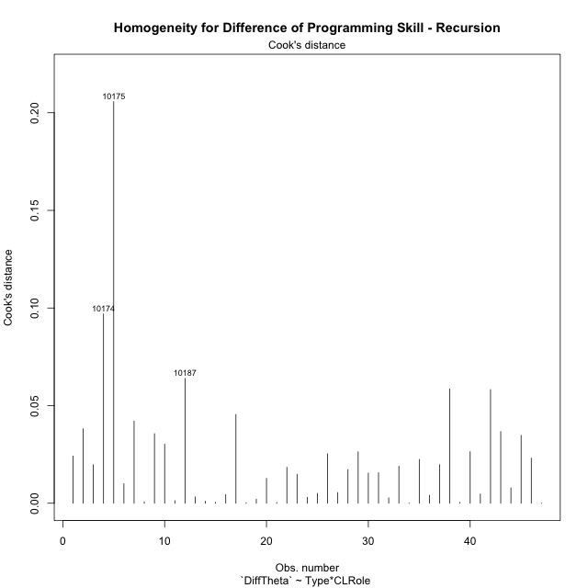

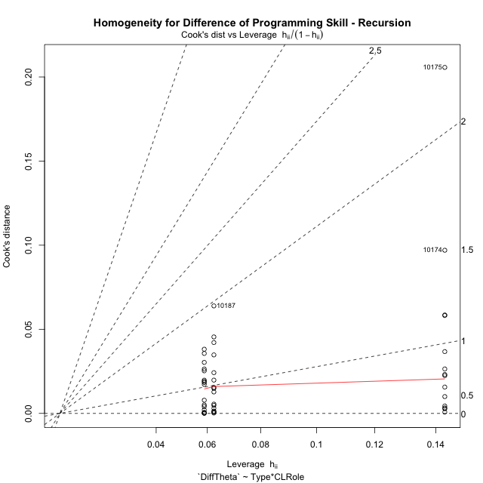

Minimum Sample Size Test for Difference of Programming Skill - Recursion
Type | CLRole | Freq
ont-gamified | Apprentice | 16
w/o-gamified | Apprentice | 17
ont-gamified | Master | 7
w/o-gamified | Master | 7

Errors and Warnings in Sample Size Test for ANOVA in Difference of Programming Skill - Recursion
code | description
WARN: sample.size | current.size is = 7 and recommended.size must be = 15 for the group: 'ont-gamified:Master'. Size sample for parametric test isn't recomended
WARN: sample.size | current.size is = 7 and recommended.size must be = 15 for the group: 'w/o-gamified:Master'. Size sample for parametric test isn't recomended

For the group: 'ont-gamified:Apprentice', you can perform a parametric test with a non-normal distribution For the group: 'w/o-gamified:Apprentice', you can perform a parametric test with a non-normal distribution For the group: 'ont-gamified:Master', we recommend the use of non parametric test. For the group: 'w/o-gamified:Master', we recommend the use of non parametric test.

If you don't want to remove non-normal data, you must cite the following references: ... (1) Lix, L.M., J.C. Keselman, and H.J. Keselman. 1996. Consequences of assumption violations revisited: A quantitative review of alternatives to the one-way analysis of variance F test. Rev. Educ. Res. 66: 579-619. ... (2) Harwell, M.R., E.N. Rubinstein, W.S. Hayes, and C.C. Olds. 1992. Summarizing Monte Carlo results in methodological research: the one- and two-factor fixed effects ANOVA cases. J. Educ. Stat. 17: 315-339.

Post-hoc
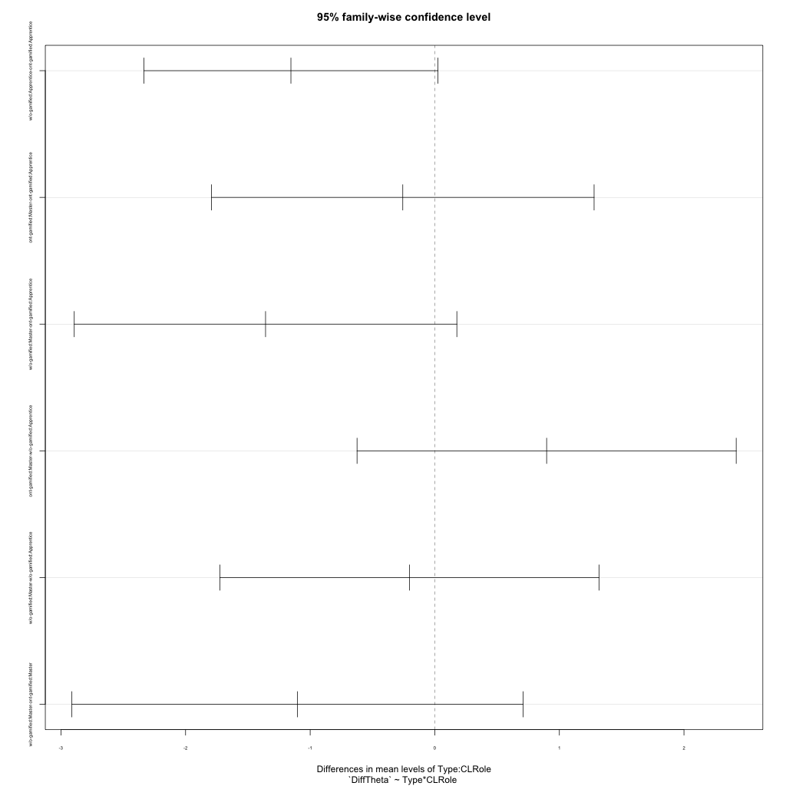
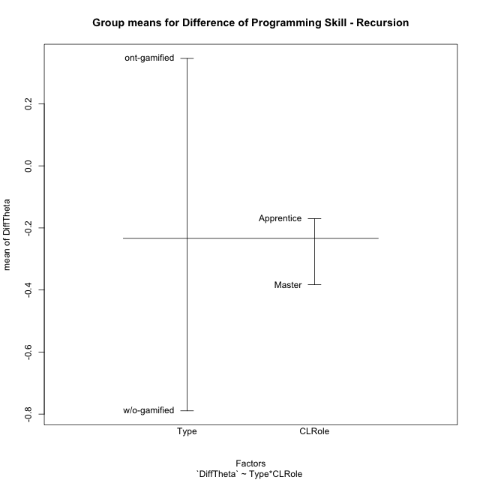
Post-hoc Tukey Honestly Significant Difference (HSD) Test for Difference of Programming Skill - Recursion

Comparisons of means for Type
 | diff | lwr | upr | p adj
w/o-gamified-ont-gamified | -1.135770997 | -1.8818183505 | -0.38972364354 | 0.0036992654313

Comparisons of means for CLRole
 | diff | lwr | upr | p adj
Master-Apprentice | -0.22990869423 | -1.0453917567 | 0.58557436821 | 0.5726090561

Comparisons of means for Type:CLRole
 | diff | lwr | upr | p adj
w/o-gamified:Apprentice-ont-gamified:Apprentice | -1.1545100189 | -2.3346267717 | 0.02560673383 | 0.057222944349
ont-gamified:Master-ont-gamified:Apprentice | -0.25673545091 | -1.7920853484 | 1.2786144466 | 0.96987724872
w/o-gamified:Master-ont-gamified:Apprentice | -1.3581598056 | -2.8935097031 | 0.17719009189 | 0.099634005921
ont-gamified:Master-w/o-gamified:Apprentice | 0.89777456802 | -0.62376971934 | 2.4193188554 | 0.40228122824
w/o-gamified:Master-w/o-gamified:Apprentice | -0.2036497867 | -1.7251940741 | 1.3178945007 | 0.98410940057
w/o-gamified:Master-ont-gamified:Master | -1.1014243547 | -2.9124242929 | 0.70957558346 | 0.37553675037

Contrast Matrices for Difference of Programming Skill - Recursion - Type
contrast | estimate | SE | df | t.ratio | p.value
ont-gamified - w/o-gamified | 1.1279671868 | 0.4044219968 | 43 | 2.7890846585 | 0.007844424561

Contrast Matrices for Difference of Programming Skill - Recursion - Type:CLRole
contrast | CLRole | estimate | SE | df | t.ratio | p.value
ont-gamified - w/o-gamified | Apprentice | 1.1545100189 | 0.44159068478 | 43 | 2.6144347214 | 0.012272568855
ont-gamified - w/o-gamified | Master | 1.1014243547 | 0.67766235922 | 43 | 1.6253291034 | 0.11140059581

Least Squares Means and Confidence Intervals for Type
Type | lsmean | SE | df | lower.CL | upper.CL | Pairs
ont-gamified | 0.29615082742 | 0.28725810859 | 43 | -0.28316035934 | 0.87546201417 | ont-gamified
w/o-gamified | -0.83181635941 | 0.28467513159 | 43 | -1.4059184766 | -0.25771424221 | w/o-gamified

Least Squares Means and Confidence Intervals for Type:CLRole
Type | CLRole | lsmean | SE | df | lower.CL | upper.CL | Pairs
ont-gamified | Apprentice | 0.42451855287 | 0.31694754652 | 43 | -0.21466709175 | 1.0637041975 | ont-gamified.Apprentice
w/o-gamified | Apprentice | -0.72999146606 | 0.30748428519 | 43 | -1.3500926254 | -0.10989030673 | w/o-gamified.Apprentice
ont-gamified | Master | 0.16778310196 | 0.47917964956 | 43 | -0.79857475933 | 1.1341409633 | ont-gamified.Master
w/o-gamified | Master | -0.93364125276 | 0.47917964956 | 43 | -1.8999991141 | 0.032716608539 | w/o-gamified.Master

Plots

Type_1
Student's t-Test for Difference of Programming Skill - Recursion in Type between ont-gamified:w/o-gamified

Student's t-Test results
Alternative hypothesis: less
Group | N | Mean | Mean.Difference | Std.deviation | Std.error | CI.lower | CI.upper | df | t.value | p.value | g | magnitude
ont-gamified | 23 | 0.34638167651 | 1.135770997 | 1.3181940243 | 0.27486245459 | -0.20334323267 | 0.89610658568 | 43.835150892 | 3.1207270843 | 0.9984059477 | 0.89769082607 | large
w/o-gamified | 24 | -0.78938932051 | -1.135770997 | 1.1686517621 | 0.23855004201 | -1.2664894045 | -0.3122892365 | 43.835150892 | 3.1207270843 | 0.9984059477 | 0.89769082607 | large
Alternative hypothesis: greater
Group | N | Mean | Mean.Difference | Std.deviation | Std.error | CI.lower | CI.upper | df | t.value | p.value | g | magnitude
ont-gamified | 23 | 0.34638167651 | 1.135770997 | 1.3181940243 | 0.27486245459 | -0.20334323267 | 0.89610658568 | 43.835150892 | 3.1207270843 | 0.0015940523025 | 0.89769082607 | large
w/o-gamified | 24 | -0.78938932051 | -1.135770997 | 1.1686517621 | 0.23855004201 | -1.2664894045 | -0.3122892365 | 43.835150892 | 3.1207270843 | 0.0015940523025 | 0.89769082607 | large
Alternative hypothesis: two.sided
Group | N | Mean | Mean.Difference | Std.deviation | Std.error | CI.lower | CI.upper | df | t.value | p.value | g | magnitude
ont-gamified | 23 | 0.34638167651 | 1.135770997 | 1.3181940243 | 0.27486245459 | -0.20334323267 | 0.89610658568 | 43.835150892 | 3.1207270843 | 0.0031881046049 | 0.89769082607 | large
w/o-gamified | 24 | -0.78938932051 | -1.135770997 | 1.1686517621 | 0.23855004201 | -1.2664894045 | -0.3122892365 | 43.835150892 | 3.1207270843 | 0.0031881046049 | 0.89769082607 | large

Box plots for Student's t-Test
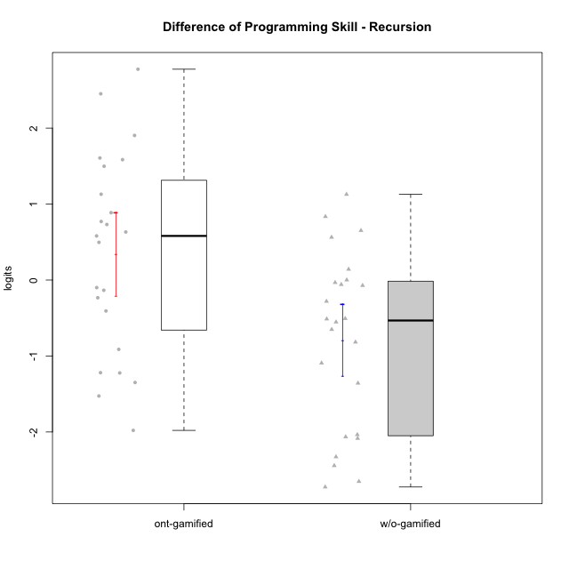

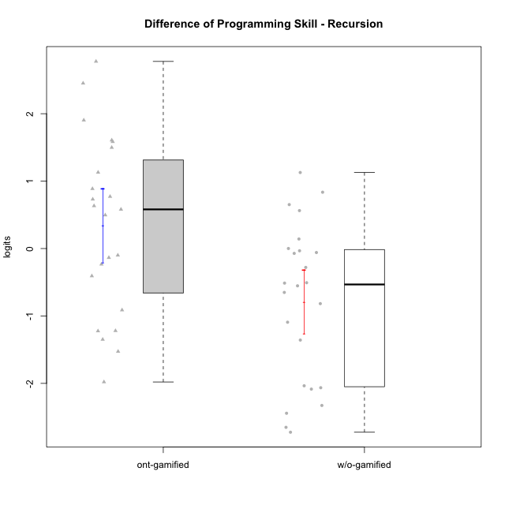

Student's t-Test data
UserID | NroUSP | Type | CLGroup | CLRole | PlayerRole | PreTheta | PostTheta | DiffTheta
10169 | 10377538 | ont-gamified | Resistance | Apprentice | Social Achiever | -1.1209074788 | 0.78293518721 | 1.903842666
10170 | 10260351 | w/o-gamified | Grupo11 | Apprentice |  | 1.7452831324 | -0.90657565173 | -2.6518587841
10172 | 10273971 | w/o-gamified | Grupo5 | Apprentice |  | -0.77934145517 | -0.12744496695 | 0.65189648822
10174 | 10276852 | w/o-gamified | Grupo7 | Master |  | 1.5765160528 | -1.1479332068 | -2.7244492595
10175 | 10310700 | ont-gamified | Warriors | Master | Social Achiever | 0.20470083745 | 2.9804135207 | 2.7757126833
10176 | 10276949 | ont-gamified | Outlaws | Master | Social Achiever | 0.25396158432 | -0.15313212722 | -0.40709371154
10178 | 8656201 | ont-gamified | Outlaws | Apprentice | Social Achiever | -0.071729818834 | -1.5982831695 | -1.5265533507
10179 | 10310759 | w/o-gamified | Grupo10 | Master |  | 0.3717078393 | -0.72090026858 | -1.0926081079
10181 | 10276866 | w/o-gamified | Grupo2 | Apprentice |  | -0.7989247353 | 0.32890558774 | 1.127830323
10185 | 10276960 | w/o-gamified | Grupo9 | Apprentice |  | -0.86123594376 | -3.304503114 | -2.4432671702
10186 | 10310551 | ont-gamified | Slayers | Apprentice | Social Achiever | -0.24279217492 | 0.52836811745 | 0.77116029237
10187 | 9790781 | ont-gamified | Mafia | Apprentice | Social Achiever | -0.071049278172 | -2.0502182352 | -1.979168957
10188 | 10276995 | ont-gamified | Vandals | Master | Yee Achiever | 1.1320203433 | 1.6283464541 | 0.49632611072
10189 | 9363926 | ont-gamified | Vikings | Apprentice | Social Achiever | -0.90981755197 | -0.17853044436 | 0.73128710761
10190 | 10276907 | w/o-gamified | Grupo4 | Apprentice |  | -0.14606010241 | -0.6528683263 | -0.50680822389
10191 | 10276981 | w/o-gamified | Grupo1 | Master |  | 0.1926576254 | -0.36027115086 | -0.55292877626
10192 | 10276682 | ont-gamified | Attractive Devils | Apprentice | Social Achiever | -0.04034596102 | 2.4117116298 | 2.4520575909
10193 | 10276762 | ont-gamified | Vandals | Apprentice | Yee Achiever | 0.077970297983 | 0.6588162518 | 0.58084595382
10197 | 10276661 | w/o-gamified | Grupo8 | Apprentice |  | 0.57775861246 | 0.29765736173 | -0.28010125073
10198 | 10310888 | ont-gamified | Attractive Devils | Apprentice | Social Achiever | -0.79713220319 | 0.70100265558 | 1.4981348588
10200 | 9795272 | ont-gamified | Warriors | Apprentice | Social Achiever | -0.85597792664 | -0.22317076715 | 0.63280715949
10201 | 10276928 | w/o-gamified | Grupo11 | Apprentice |  | 1.680189476 | -0.38419726439 | -2.0643867403
10202 | 10277036 | ont-gamified | Silly Knights | Apprentice | Social Achiever | -1.0088187416 | 0.57582566011 | 1.5846444017
10203 | 9921470 | ont-gamified | Mercenaries | Apprentice | Social Achiever | -0.75898811121 | -0.85860106015 | -0.099612948936
10204 | 10310471 | w/o-gamified | Grupo6 | Apprentice |  | -0.7247865954 | -0.75783962957 | -0.03305303417
10206 | 10310721 | w/o-gamified | Grupo8 | Apprentice |  | -0.34738935173 | 0.48817853869 | 0.83556789042
10209 | 10262669 | ont-gamified | Mafia | Apprentice | Social Achiever | 0.53706133421 | 1.6669341614 | 1.1298728272
10210 | 10277015 | w/o-gamified | Grupo6 | Apprentice |  | -0.59648983691 | -0.0336201384 | 0.56286969851
10213 | 10277040 | w/o-gamified | Grupo7 | Apprentice |  | 1.9531475776 | -0.37435725307 | -2.3275048307
10214 | 10277022 | ont-gamified | Vikings | Apprentice | Social Achiever | -0.91481484017 | 0.6923265928 | 1.607141433
10215 | 9285227 | ont-gamified | Vikings | Master | Social Achiever | -0.24522800478 | 0.64181894282 | 0.8870469476
10216 | 10276720 | ont-gamified | Silly Knights | Master | Social Achiever | 0.22713723609 | 0.092215849295 | -0.13492138679
10217 | 9805341 | w/o-gamified | Grupo9 | Apprentice |  | 3.014360404 | 0.92942423782 | -2.0849361662
10218 | 9842913 | w/o-gamified | Grupo10 | Apprentice |  | 0.10719175471 | -0.70996673203 | -0.81715848674
10219 | 10276831 | w/o-gamified | Grupo3 | Master |  | 0.23787092097 | 0.16611470248 | -0.071756218493
10220 | 9760151 | w/o-gamified | Grupo3 | Apprentice |  | 0.16050951774 | -1.1969845279 | -1.3574940456
10221 | 9082496 | ont-gamified | Warriors | Apprentice | Social Achiever | -0.74038874902 | -1.6528938379 | -0.91250508886
10223 | 9795185 | ont-gamified | Slayers | Master | Social Achiever | 1.2004577176 | -0.022645271302 | -1.2231029889
10226 | 10310342 | w/o-gamified | Grupo4 | Apprentice |  | -0.63379765426 | -1.1463417189 | -0.51254406464
10227 | 9274382 | w/o-gamified | Grupo5 | Master |  | 0.32201277284 | 0.32281192707 | 0.00079915423251
10228 | 10310492 | ont-gamified | Resistance | Apprentice | Social Achiever | -0.77187687695 | -1.0048999558 | -0.23302307885
10230 | 10351992 | ont-gamified | Resistance | Master | Social Achiever | 0.39718866355 | -0.82229727706 | -1.2194859406
10231 | 10276911 | w/o-gamified | Grupo9 | Master |  | 3.3197186895 | 1.2841388347 | -2.0355798548
10232 | 10276974 | w/o-gamified | Grupo7 | Apprentice |  | 0.21513389917 | 0.35699562324 | 0.14186172407
10237 | 10377688 | ont-gamified | Outlaws | Apprentice | Social Achiever | 0.25923532847 | -1.0893986921 | -1.3486340206
10238 | 10276953 | w/o-gamified | Grupo2 | Master |  | -0.57102708702 | -0.62999279364 | -0.058965706615
10240 | 10276654 | w/o-gamified | Grupo5 | Apprentice |  | 0.09999684273 | -0.55077140727 | -0.65076825

Type_CLRole_1
Student's t-Test for Difference of Programming Skill - Recursion in Type:CLRole between ont-gamified.Apprentice:ont-gamified.Master

Student's t-Test results
Alternative hypothesis: less
Group | N | Mean | Mean.Difference | Std.deviation | Std.error | CI.lower | CI.upper | df | t.value | p.value | g | magnitude
ont-gamified.Apprentice | 16 | 0.42451855287 | 0.25673545091 | 1.3215960559 | 0.33039901397 | -0.23627947507 | 1.0853165808 | 10.947876492 | 0.41220645074 | 0.65592789555 | 0.18418217784 | negligible
ont-gamified.Master | 7 | 0.16778310196 | -0.25673545091 | 1.3968876453 | 0.52797390272 | -0.88816470347 | 1.2237309074 | 10.947876492 | 0.41220645074 | 0.65592789555 | 0.18418217784 | negligible
Alternative hypothesis: greater
Group | N | Mean | Mean.Difference | Std.deviation | Std.error | CI.lower | CI.upper | df | t.value | p.value | g | magnitude
ont-gamified.Apprentice | 16 | 0.42451855287 | 0.25673545091 | 1.3215960559 | 0.33039901397 | -0.23627947507 | 1.0853165808 | 10.947876492 | 0.41220645074 | 0.34407210445 | 0.18418217784 | negligible
ont-gamified.Master | 7 | 0.16778310196 | -0.25673545091 | 1.3968876453 | 0.52797390272 | -0.88816470347 | 1.2237309074 | 10.947876492 | 0.41220645074 | 0.34407210445 | 0.18418217784 | negligible
Alternative hypothesis: two.sided
Group | N | Mean | Mean.Difference | Std.deviation | Std.error | CI.lower | CI.upper | df | t.value | p.value | g | magnitude
ont-gamified.Apprentice | 16 | 0.42451855287 | 0.25673545091 | 1.3215960559 | 0.33039901397 | -0.23627947507 | 1.0853165808 | 10.947876492 | 0.41220645074 | 0.68814420891 | 0.18418217784 | negligible
ont-gamified.Master | 7 | 0.16778310196 | -0.25673545091 | 1.3968876453 | 0.52797390272 | -0.88816470347 | 1.2237309074 | 10.947876492 | 0.41220645074 | 0.68814420891 | 0.18418217784 | negligible

Box plots for Student's t-Test
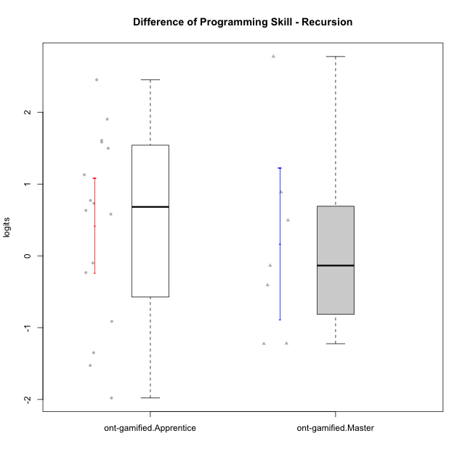

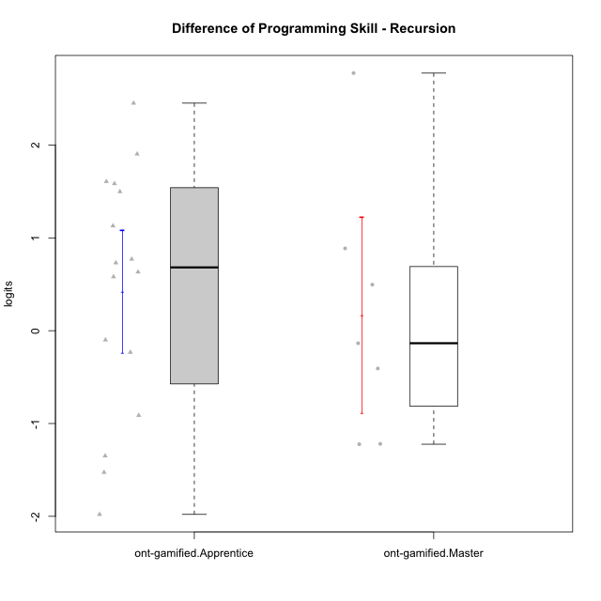

Student's t-Test data
UserID | NroUSP | Type | CLGroup | CLRole | PlayerRole | PreTheta | PostTheta | DiffTheta
10169 | 10377538 | ont-gamified | Resistance | Apprentice | Social Achiever | -1.1209074788 | 0.78293518721 | 1.903842666
10175 | 10310700 | ont-gamified | Warriors | Master | Social Achiever | 0.20470083745 | 2.9804135207 | 2.7757126833
10176 | 10276949 | ont-gamified | Outlaws | Master | Social Achiever | 0.25396158432 | -0.15313212722 | -0.40709371154
10178 | 8656201 | ont-gamified | Outlaws | Apprentice | Social Achiever | -0.071729818834 | -1.5982831695 | -1.5265533507
10186 | 10310551 | ont-gamified | Slayers | Apprentice | Social Achiever | -0.24279217492 | 0.52836811745 | 0.77116029237
10187 | 9790781 | ont-gamified | Mafia | Apprentice | Social Achiever | -0.071049278172 | -2.0502182352 | -1.979168957
10188 | 10276995 | ont-gamified | Vandals | Master | Yee Achiever | 1.1320203433 | 1.6283464541 | 0.49632611072
10189 | 9363926 | ont-gamified | Vikings | Apprentice | Social Achiever | -0.90981755197 | -0.17853044436 | 0.73128710761
10192 | 10276682 | ont-gamified | Attractive Devils | Apprentice | Social Achiever | -0.04034596102 | 2.4117116298 | 2.4520575909
10193 | 10276762 | ont-gamified | Vandals | Apprentice | Yee Achiever | 0.077970297983 | 0.6588162518 | 0.58084595382
10198 | 10310888 | ont-gamified | Attractive Devils | Apprentice | Social Achiever | -0.79713220319 | 0.70100265558 | 1.4981348588
10200 | 9795272 | ont-gamified | Warriors | Apprentice | Social Achiever | -0.85597792664 | -0.22317076715 | 0.63280715949
10202 | 10277036 | ont-gamified | Silly Knights | Apprentice | Social Achiever | -1.0088187416 | 0.57582566011 | 1.5846444017
10203 | 9921470 | ont-gamified | Mercenaries | Apprentice | Social Achiever | -0.75898811121 | -0.85860106015 | -0.099612948936
10209 | 10262669 | ont-gamified | Mafia | Apprentice | Social Achiever | 0.53706133421 | 1.6669341614 | 1.1298728272
10214 | 10277022 | ont-gamified | Vikings | Apprentice | Social Achiever | -0.91481484017 | 0.6923265928 | 1.607141433
10215 | 9285227 | ont-gamified | Vikings | Master | Social Achiever | -0.24522800478 | 0.64181894282 | 0.8870469476
10216 | 10276720 | ont-gamified | Silly Knights | Master | Social Achiever | 0.22713723609 | 0.092215849295 | -0.13492138679
10221 | 9082496 | ont-gamified | Warriors | Apprentice | Social Achiever | -0.74038874902 | -1.6528938379 | -0.91250508886
10223 | 9795185 | ont-gamified | Slayers | Master | Social Achiever | 1.2004577176 | -0.022645271302 | -1.2231029889
10228 | 10310492 | ont-gamified | Resistance | Apprentice | Social Achiever | -0.77187687695 | -1.0048999558 | -0.23302307885
10230 | 10351992 | ont-gamified | Resistance | Master | Social Achiever | 0.39718866355 | -0.82229727706 | -1.2194859406
10237 | 10377688 | ont-gamified | Outlaws | Apprentice | Social Achiever | 0.25923532847 | -1.0893986921 | -1.3486340206

Type_CLRole_2
Student's t-Test for Difference of Programming Skill - Recursion in Type:CLRole between ont-gamified.Apprentice:w/o-gamified.Apprentice

Student's t-Test results
Alternative hypothesis: less
Group | N | Mean | Mean.Difference | Std.deviation | Std.error | CI.lower | CI.upper | df | t.value | p.value | g | magnitude
ont-gamified.Apprentice | 16 | 0.42451855287 | 1.1545100189 | 1.3215960559 | 0.33039901397 | -0.23627947507 | 1.0853165808 | 30.456796482 | 2.5928727572 | 0.99275544824 | 0.88307239411 | large
w/o-gamified.Apprentice | 17 | -0.72999146606 | -1.1545100189 | 1.2307006406 | 0.2984887491 | -1.3269689643 | -0.13301396786 | 30.456796482 | 2.5928727572 | 0.99275544824 | 0.88307239411 | large
Alternative hypothesis: greater
Group | N | Mean | Mean.Difference | Std.deviation | Std.error | CI.lower | CI.upper | df | t.value | p.value | g | magnitude
ont-gamified.Apprentice | 16 | 0.42451855287 | 1.1545100189 | 1.3215960559 | 0.33039901397 | -0.23627947507 | 1.0853165808 | 30.456796482 | 2.5928727572 | 0.0072445517606 | 0.88307239411 | large
w/o-gamified.Apprentice | 17 | -0.72999146606 | -1.1545100189 | 1.2307006406 | 0.2984887491 | -1.3269689643 | -0.13301396786 | 30.456796482 | 2.5928727572 | 0.0072445517606 | 0.88307239411 | large
Alternative hypothesis: two.sided
Group | N | Mean | Mean.Difference | Std.deviation | Std.error | CI.lower | CI.upper | df | t.value | p.value | g | magnitude
ont-gamified.Apprentice | 16 | 0.42451855287 | 1.1545100189 | 1.3215960559 | 0.33039901397 | -0.23627947507 | 1.0853165808 | 30.456796482 | 2.5928727572 | 0.014489103521 | 0.88307239411 | large
w/o-gamified.Apprentice | 17 | -0.72999146606 | -1.1545100189 | 1.2307006406 | 0.2984887491 | -1.3269689643 | -0.13301396786 | 30.456796482 | 2.5928727572 | 0.014489103521 | 0.88307239411 | large

Box plots for Student's t-Test
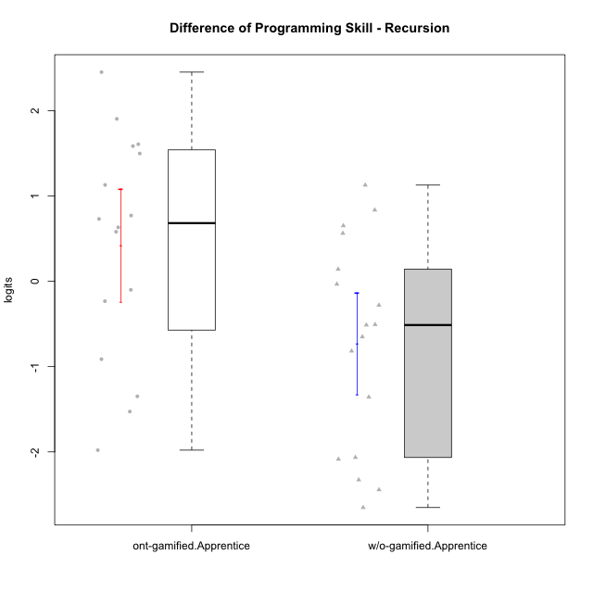

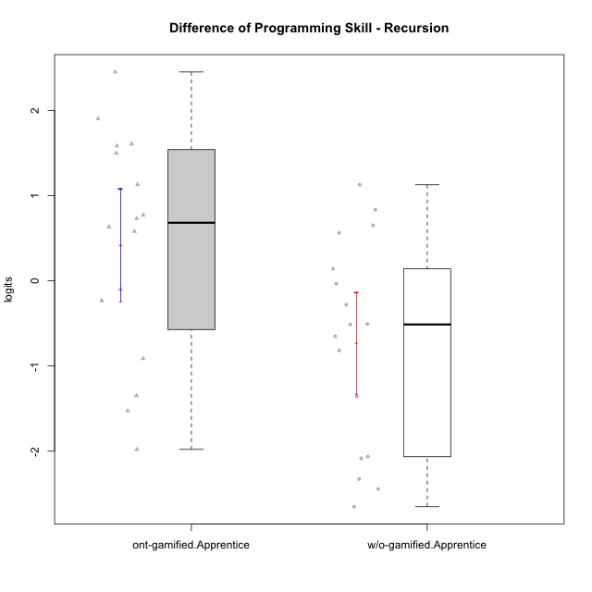

Student's t-Test data
UserID | NroUSP | Type | CLGroup | CLRole | PlayerRole | PreTheta | PostTheta | DiffTheta
10169 | 10377538 | ont-gamified | Resistance | Apprentice | Social Achiever | -1.1209074788 | 0.78293518721 | 1.903842666
10170 | 10260351 | w/o-gamified | Grupo11 | Apprentice |  | 1.7452831324 | -0.90657565173 | -2.6518587841
10172 | 10273971 | w/o-gamified | Grupo5 | Apprentice |  | -0.77934145517 | -0.12744496695 | 0.65189648822
10178 | 8656201 | ont-gamified | Outlaws | Apprentice | Social Achiever | -0.071729818834 | -1.5982831695 | -1.5265533507
10181 | 10276866 | w/o-gamified | Grupo2 | Apprentice |  | -0.7989247353 | 0.32890558774 | 1.127830323
10185 | 10276960 | w/o-gamified | Grupo9 | Apprentice |  | -0.86123594376 | -3.304503114 | -2.4432671702
10186 | 10310551 | ont-gamified | Slayers | Apprentice | Social Achiever | -0.24279217492 | 0.52836811745 | 0.77116029237
10187 | 9790781 | ont-gamified | Mafia | Apprentice | Social Achiever | -0.071049278172 | -2.0502182352 | -1.979168957
10189 | 9363926 | ont-gamified | Vikings | Apprentice | Social Achiever | -0.90981755197 | -0.17853044436 | 0.73128710761
10190 | 10276907 | w/o-gamified | Grupo4 | Apprentice |  | -0.14606010241 | -0.6528683263 | -0.50680822389
10192 | 10276682 | ont-gamified | Attractive Devils | Apprentice | Social Achiever | -0.04034596102 | 2.4117116298 | 2.4520575909
10193 | 10276762 | ont-gamified | Vandals | Apprentice | Yee Achiever | 0.077970297983 | 0.6588162518 | 0.58084595382
10197 | 10276661 | w/o-gamified | Grupo8 | Apprentice |  | 0.57775861246 | 0.29765736173 | -0.28010125073
10198 | 10310888 | ont-gamified | Attractive Devils | Apprentice | Social Achiever | -0.79713220319 | 0.70100265558 | 1.4981348588
10200 | 9795272 | ont-gamified | Warriors | Apprentice | Social Achiever | -0.85597792664 | -0.22317076715 | 0.63280715949
10201 | 10276928 | w/o-gamified | Grupo11 | Apprentice |  | 1.680189476 | -0.38419726439 | -2.0643867403
10202 | 10277036 | ont-gamified | Silly Knights | Apprentice | Social Achiever | -1.0088187416 | 0.57582566011 | 1.5846444017
10203 | 9921470 | ont-gamified | Mercenaries | Apprentice | Social Achiever | -0.75898811121 | -0.85860106015 | -0.099612948936
10204 | 10310471 | w/o-gamified | Grupo6 | Apprentice |  | -0.7247865954 | -0.75783962957 | -0.03305303417
10206 | 10310721 | w/o-gamified | Grupo8 | Apprentice |  | -0.34738935173 | 0.48817853869 | 0.83556789042
10209 | 10262669 | ont-gamified | Mafia | Apprentice | Social Achiever | 0.53706133421 | 1.6669341614 | 1.1298728272
10210 | 10277015 | w/o-gamified | Grupo6 | Apprentice |  | -0.59648983691 | -0.0336201384 | 0.56286969851
10213 | 10277040 | w/o-gamified | Grupo7 | Apprentice |  | 1.9531475776 | -0.37435725307 | -2.3275048307
10214 | 10277022 | ont-gamified | Vikings | Apprentice | Social Achiever | -0.91481484017 | 0.6923265928 | 1.607141433
10217 | 9805341 | w/o-gamified | Grupo9 | Apprentice |  | 3.014360404 | 0.92942423782 | -2.0849361662
10218 | 9842913 | w/o-gamified | Grupo10 | Apprentice |  | 0.10719175471 | -0.70996673203 | -0.81715848674
10220 | 9760151 | w/o-gamified | Grupo3 | Apprentice |  | 0.16050951774 | -1.1969845279 | -1.3574940456
10221 | 9082496 | ont-gamified | Warriors | Apprentice | Social Achiever | -0.74038874902 | -1.6528938379 | -0.91250508886
10226 | 10310342 | w/o-gamified | Grupo4 | Apprentice |  | -0.63379765426 | -1.1463417189 | -0.51254406464
10228 | 10310492 | ont-gamified | Resistance | Apprentice | Social Achiever | -0.77187687695 | -1.0048999558 | -0.23302307885
10232 | 10276974 | w/o-gamified | Grupo7 | Apprentice |  | 0.21513389917 | 0.35699562324 | 0.14186172407
10237 | 10377688 | ont-gamified | Outlaws | Apprentice | Social Achiever | 0.25923532847 | -1.0893986921 | -1.3486340206
10240 | 10276654 | w/o-gamified | Grupo5 | Apprentice |  | 0.09999684273 | -0.55077140727 | -0.65076825

Type_CLRole_3
Student's t-Test for Difference of Programming Skill - Recursion in Type:CLRole between ont-gamified.Apprentice:w/o-gamified.Master

Student's t-Test results
Alternative hypothesis: less
Group | N | Mean | Mean.Difference | Std.deviation | Std.error | CI.lower | CI.upper | df | t.value | p.value | g | magnitude
ont-gamified.Apprentice | 16 | 0.42451855287 | 1.3581598056 | 1.3215960559 | 0.33039901397 | -0.23627947507 | 1.0853165808 | 14.054274725 | 2.5890771943 | 0.98931192388 | 1.041568666 | large
w/o-gamified.Master | 7 | -0.93364125276 | -1.3581598056 | 1.0780040544 | 0.40744723433 | -1.7485357214 | -0.1187467841 | 14.054274725 | 2.5890771943 | 0.98931192388 | 1.041568666 | large
Alternative hypothesis: greater
Group | N | Mean | Mean.Difference | Std.deviation | Std.error | CI.lower | CI.upper | df | t.value | p.value | g | magnitude
ont-gamified.Apprentice | 16 | 0.42451855287 | 1.3581598056 | 1.3215960559 | 0.33039901397 | -0.23627947507 | 1.0853165808 | 14.054274725 | 2.5890771943 | 0.010688076118 | 1.041568666 | large
w/o-gamified.Master | 7 | -0.93364125276 | -1.3581598056 | 1.0780040544 | 0.40744723433 | -1.7485357214 | -0.1187467841 | 14.054274725 | 2.5890771943 | 0.010688076118 | 1.041568666 | large
Alternative hypothesis: two.sided
Group | N | Mean | Mean.Difference | Std.deviation | Std.error | CI.lower | CI.upper | df | t.value | p.value | g | magnitude
ont-gamified.Apprentice | 16 | 0.42451855287 | 1.3581598056 | 1.3215960559 | 0.33039901397 | -0.23627947507 | 1.0853165808 | 14.054274725 | 2.5890771943 | 0.021376152235 | 1.041568666 | large
w/o-gamified.Master | 7 | -0.93364125276 | -1.3581598056 | 1.0780040544 | 0.40744723433 | -1.7485357214 | -0.1187467841 | 14.054274725 | 2.5890771943 | 0.021376152235 | 1.041568666 | large

Box plots for Student's t-Test
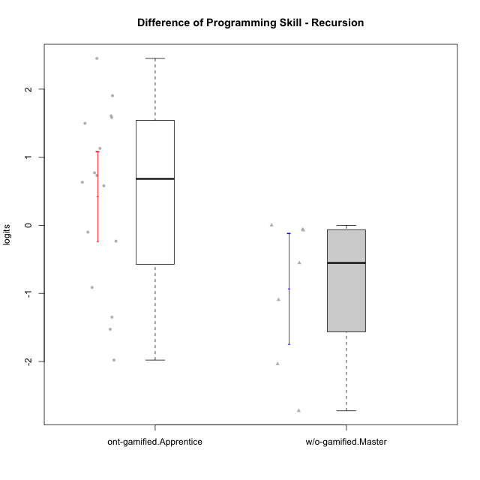

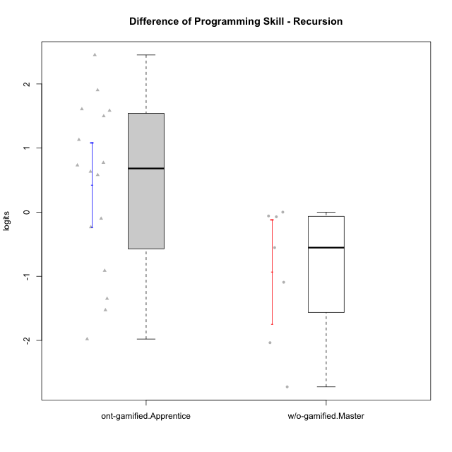

Student's t-Test data
UserID | NroUSP | Type | CLGroup | CLRole | PlayerRole | PreTheta | PostTheta | DiffTheta
10169 | 10377538 | ont-gamified | Resistance | Apprentice | Social Achiever | -1.1209074788 | 0.78293518721 | 1.903842666
10174 | 10276852 | w/o-gamified | Grupo7 | Master |  | 1.5765160528 | -1.1479332068 | -2.7244492595
10178 | 8656201 | ont-gamified | Outlaws | Apprentice | Social Achiever | -0.071729818834 | -1.5982831695 | -1.5265533507
10179 | 10310759 | w/o-gamified | Grupo10 | Master |  | 0.3717078393 | -0.72090026858 | -1.0926081079
10186 | 10310551 | ont-gamified | Slayers | Apprentice | Social Achiever | -0.24279217492 | 0.52836811745 | 0.77116029237
10187 | 9790781 | ont-gamified | Mafia | Apprentice | Social Achiever | -0.071049278172 | -2.0502182352 | -1.979168957
10189 | 9363926 | ont-gamified | Vikings | Apprentice | Social Achiever | -0.90981755197 | -0.17853044436 | 0.73128710761
10191 | 10276981 | w/o-gamified | Grupo1 | Master |  | 0.1926576254 | -0.36027115086 | -0.55292877626
10192 | 10276682 | ont-gamified | Attractive Devils | Apprentice | Social Achiever | -0.04034596102 | 2.4117116298 | 2.4520575909
10193 | 10276762 | ont-gamified | Vandals | Apprentice | Yee Achiever | 0.077970297983 | 0.6588162518 | 0.58084595382
10198 | 10310888 | ont-gamified | Attractive Devils | Apprentice | Social Achiever | -0.79713220319 | 0.70100265558 | 1.4981348588
10200 | 9795272 | ont-gamified | Warriors | Apprentice | Social Achiever | -0.85597792664 | -0.22317076715 | 0.63280715949
10202 | 10277036 | ont-gamified | Silly Knights | Apprentice | Social Achiever | -1.0088187416 | 0.57582566011 | 1.5846444017
10203 | 9921470 | ont-gamified | Mercenaries | Apprentice | Social Achiever | -0.75898811121 | -0.85860106015 | -0.099612948936
10209 | 10262669 | ont-gamified | Mafia | Apprentice | Social Achiever | 0.53706133421 | 1.6669341614 | 1.1298728272
10214 | 10277022 | ont-gamified | Vikings | Apprentice | Social Achiever | -0.91481484017 | 0.6923265928 | 1.607141433
10219 | 10276831 | w/o-gamified | Grupo3 | Master |  | 0.23787092097 | 0.16611470248 | -0.071756218493
10221 | 9082496 | ont-gamified | Warriors | Apprentice | Social Achiever | -0.74038874902 | -1.6528938379 | -0.91250508886
10227 | 9274382 | w/o-gamified | Grupo5 | Master |  | 0.32201277284 | 0.32281192707 | 0.00079915423251
10228 | 10310492 | ont-gamified | Resistance | Apprentice | Social Achiever | -0.77187687695 | -1.0048999558 | -0.23302307885
10231 | 10276911 | w/o-gamified | Grupo9 | Master |  | 3.3197186895 | 1.2841388347 | -2.0355798548
10237 | 10377688 | ont-gamified | Outlaws | Apprentice | Social Achiever | 0.25923532847 | -1.0893986921 | -1.3486340206
10238 | 10276953 | w/o-gamified | Grupo2 | Master |  | -0.57102708702 | -0.62999279364 | -0.058965706615

Type_CLRole_4
Student's t-Test for Difference of Programming Skill - Recursion in Type:CLRole between ont-gamified.Master:w/o-gamified.Apprentice

Student's t-Test results
Alternative hypothesis: less
Group | N | Mean | Mean.Difference | Std.deviation | Std.error | CI.lower | CI.upper | df | t.value | p.value | g | magnitude
ont-gamified.Master | 7 | 0.16778310196 | 0.89777456802 | 1.3968876453 | 0.52797390272 | -0.88816470347 | 1.2237309074 | 10.062856251 | 1.4802352848 | 0.91528760345 | 0.67817071025 | medium
w/o-gamified.Apprentice | 17 | -0.72999146606 | -0.89777456802 | 1.2307006406 | 0.2984887491 | -1.3269689643 | -0.13301396786 | 10.062856251 | 1.4802352848 | 0.91528760345 | 0.67817071025 | medium
Alternative hypothesis: greater
Group | N | Mean | Mean.Difference | Std.deviation | Std.error | CI.lower | CI.upper | df | t.value | p.value | g | magnitude
ont-gamified.Master | 7 | 0.16778310196 | 0.89777456802 | 1.3968876453 | 0.52797390272 | -0.88816470347 | 1.2237309074 | 10.062856251 | 1.4802352848 | 0.084712396551 | 0.67817071025 | medium
w/o-gamified.Apprentice | 17 | -0.72999146606 | -0.89777456802 | 1.2307006406 | 0.2984887491 | -1.3269689643 | -0.13301396786 | 10.062856251 | 1.4802352848 | 0.084712396551 | 0.67817071025 | medium
Alternative hypothesis: two.sided
Group | N | Mean | Mean.Difference | Std.deviation | Std.error | CI.lower | CI.upper | df | t.value | p.value | g | magnitude
ont-gamified.Master | 7 | 0.16778310196 | 0.89777456802 | 1.3968876453 | 0.52797390272 | -0.88816470347 | 1.2237309074 | 10.062856251 | 1.4802352848 | 0.1694247931 | 0.67817071025 | medium
w/o-gamified.Apprentice | 17 | -0.72999146606 | -0.89777456802 | 1.2307006406 | 0.2984887491 | -1.3269689643 | -0.13301396786 | 10.062856251 | 1.4802352848 | 0.1694247931 | 0.67817071025 | medium

Box plots for Student's t-Test
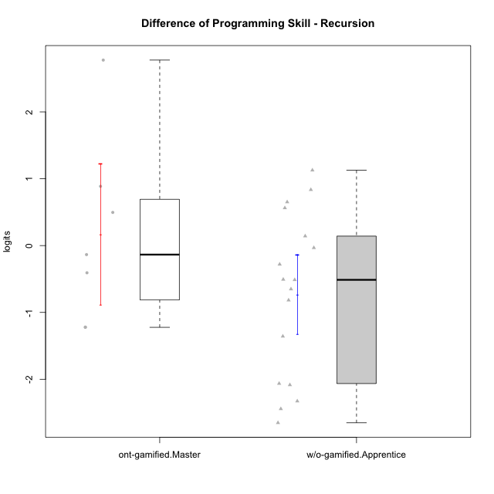

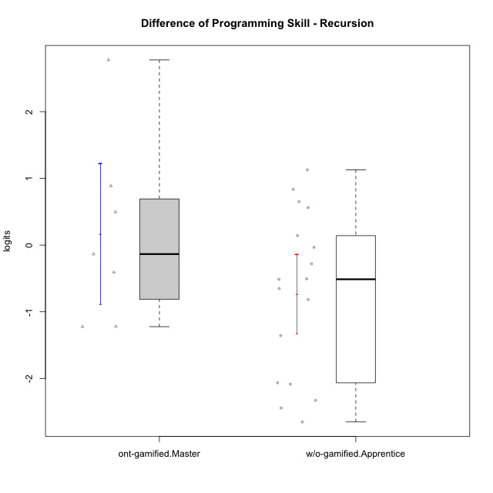

Student's t-Test data
UserID | NroUSP | Type | CLGroup | CLRole | PlayerRole | PreTheta | PostTheta | DiffTheta
10170 | 10260351 | w/o-gamified | Grupo11 | Apprentice |  | 1.7452831324 | -0.90657565173 | -2.6518587841
10172 | 10273971 | w/o-gamified | Grupo5 | Apprentice |  | -0.77934145517 | -0.12744496695 | 0.65189648822
10175 | 10310700 | ont-gamified | Warriors | Master | Social Achiever | 0.20470083745 | 2.9804135207 | 2.7757126833
10176 | 10276949 | ont-gamified | Outlaws | Master | Social Achiever | 0.25396158432 | -0.15313212722 | -0.40709371154
10181 | 10276866 | w/o-gamified | Grupo2 | Apprentice |  | -0.7989247353 | 0.32890558774 | 1.127830323
10185 | 10276960 | w/o-gamified | Grupo9 | Apprentice |  | -0.86123594376 | -3.304503114 | -2.4432671702
10188 | 10276995 | ont-gamified | Vandals | Master | Yee Achiever | 1.1320203433 | 1.6283464541 | 0.49632611072
10190 | 10276907 | w/o-gamified | Grupo4 | Apprentice |  | -0.14606010241 | -0.6528683263 | -0.50680822389
10197 | 10276661 | w/o-gamified | Grupo8 | Apprentice |  | 0.57775861246 | 0.29765736173 | -0.28010125073
10201 | 10276928 | w/o-gamified | Grupo11 | Apprentice |  | 1.680189476 | -0.38419726439 | -2.0643867403
10204 | 10310471 | w/o-gamified | Grupo6 | Apprentice |  | -0.7247865954 | -0.75783962957 | -0.03305303417
10206 | 10310721 | w/o-gamified | Grupo8 | Apprentice |  | -0.34738935173 | 0.48817853869 | 0.83556789042
10210 | 10277015 | w/o-gamified | Grupo6 | Apprentice |  | -0.59648983691 | -0.0336201384 | 0.56286969851
10213 | 10277040 | w/o-gamified | Grupo7 | Apprentice |  | 1.9531475776 | -0.37435725307 | -2.3275048307
10215 | 9285227 | ont-gamified | Vikings | Master | Social Achiever | -0.24522800478 | 0.64181894282 | 0.8870469476
10216 | 10276720 | ont-gamified | Silly Knights | Master | Social Achiever | 0.22713723609 | 0.092215849295 | -0.13492138679
10217 | 9805341 | w/o-gamified | Grupo9 | Apprentice |  | 3.014360404 | 0.92942423782 | -2.0849361662
10218 | 9842913 | w/o-gamified | Grupo10 | Apprentice |  | 0.10719175471 | -0.70996673203 | -0.81715848674
10220 | 9760151 | w/o-gamified | Grupo3 | Apprentice |  | 0.16050951774 | -1.1969845279 | -1.3574940456
10223 | 9795185 | ont-gamified | Slayers | Master | Social Achiever | 1.2004577176 | -0.022645271302 | -1.2231029889
10226 | 10310342 | w/o-gamified | Grupo4 | Apprentice |  | -0.63379765426 | -1.1463417189 | -0.51254406464
10230 | 10351992 | ont-gamified | Resistance | Master | Social Achiever | 0.39718866355 | -0.82229727706 | -1.2194859406
10232 | 10276974 | w/o-gamified | Grupo7 | Apprentice |  | 0.21513389917 | 0.35699562324 | 0.14186172407
10240 | 10276654 | w/o-gamified | Grupo5 | Apprentice |  | 0.09999684273 | -0.55077140727 | -0.65076825

Type_CLRole_5
Student's t-Test for Difference of Programming Skill - Recursion in Type:CLRole between ont-gamified.Master:w/o-gamified.Master

Student's t-Test results
Alternative hypothesis: less
Group | N | Mean | Mean.Difference | Std.deviation | Std.error | CI.lower | CI.upper | df | t.value | p.value | g | magnitude
ont-gamified.Master | 7 | 0.16778310196 | 1.1014243547 | 1.3968876453 | 0.52797390272 | -0.88816470347 | 1.2237309074 | 11.275487909 | 1.6515323435 | 0.93691024698 | 0.8264334361 | large
w/o-gamified.Master | 7 | -0.93364125276 | -1.1014243547 | 1.0780040544 | 0.40744723433 | -1.7485357214 | -0.1187467841 | 11.275487909 | 1.6515323435 | 0.93691024698 | 0.8264334361 | large
Alternative hypothesis: greater
Group | N | Mean | Mean.Difference | Std.deviation | Std.error | CI.lower | CI.upper | df | t.value | p.value | g | magnitude
ont-gamified.Master | 7 | 0.16778310196 | 1.1014243547 | 1.3968876453 | 0.52797390272 | -0.88816470347 | 1.2237309074 | 11.275487909 | 1.6515323435 | 0.063089753018 | 0.8264334361 | large
w/o-gamified.Master | 7 | -0.93364125276 | -1.1014243547 | 1.0780040544 | 0.40744723433 | -1.7485357214 | -0.1187467841 | 11.275487909 | 1.6515323435 | 0.063089753018 | 0.8264334361 | large
Alternative hypothesis: two.sided
Group | N | Mean | Mean.Difference | Std.deviation | Std.error | CI.lower | CI.upper | df | t.value | p.value | g | magnitude
ont-gamified.Master | 7 | 0.16778310196 | 1.1014243547 | 1.3968876453 | 0.52797390272 | -0.88816470347 | 1.2237309074 | 11.275487909 | 1.6515323435 | 0.12617950604 | 0.8264334361 | large
w/o-gamified.Master | 7 | -0.93364125276 | -1.1014243547 | 1.0780040544 | 0.40744723433 | -1.7485357214 | -0.1187467841 | 11.275487909 | 1.6515323435 | 0.12617950604 | 0.8264334361 | large

Box plots for Student's t-Test
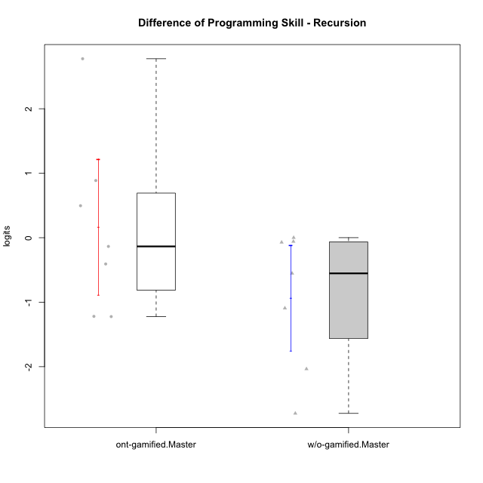

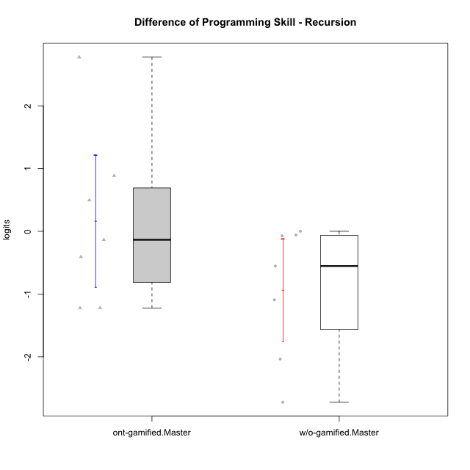

Student's t-Test data
UserID | NroUSP | Type | CLGroup | CLRole | PlayerRole | PreTheta | PostTheta | DiffTheta
10174 | 10276852 | w/o-gamified | Grupo7 | Master |  | 1.5765160528 | -1.1479332068 | -2.7244492595
10175 | 10310700 | ont-gamified | Warriors | Master | Social Achiever | 0.20470083745 | 2.9804135207 | 2.7757126833
10176 | 10276949 | ont-gamified | Outlaws | Master | Social Achiever | 0.25396158432 | -0.15313212722 | -0.40709371154
10179 | 10310759 | w/o-gamified | Grupo10 | Master |  | 0.3717078393 | -0.72090026858 | -1.0926081079
10188 | 10276995 | ont-gamified | Vandals | Master | Yee Achiever | 1.1320203433 | 1.6283464541 | 0.49632611072
10191 | 10276981 | w/o-gamified | Grupo1 | Master |  | 0.1926576254 | -0.36027115086 | -0.55292877626
10215 | 9285227 | ont-gamified | Vikings | Master | Social Achiever | -0.24522800478 | 0.64181894282 | 0.8870469476
10216 | 10276720 | ont-gamified | Silly Knights | Master | Social Achiever | 0.22713723609 | 0.092215849295 | -0.13492138679
10219 | 10276831 | w/o-gamified | Grupo3 | Master |  | 0.23787092097 | 0.16611470248 | -0.071756218493
10223 | 9795185 | ont-gamified | Slayers | Master | Social Achiever | 1.2004577176 | -0.022645271302 | -1.2231029889
10227 | 9274382 | w/o-gamified | Grupo5 | Master |  | 0.32201277284 | 0.32281192707 | 0.00079915423251
10230 | 10351992 | ont-gamified | Resistance | Master | Social Achiever | 0.39718866355 | -0.82229727706 | -1.2194859406
10231 | 10276911 | w/o-gamified | Grupo9 | Master |  | 3.3197186895 | 1.2841388347 | -2.0355798548
10238 | 10276953 | w/o-gamified | Grupo2 | Master |  | -0.57102708702 | -0.62999279364 | -0.058965706615

Type_CLRole_6
Student's t-Test for Difference of Programming Skill - Recursion in Type:CLRole between w/o-gamified.Apprentice:w/o-gamified.Master

Student's t-Test results
Alternative hypothesis: less
Group | N | Mean | Mean.Difference | Std.deviation | Std.error | CI.lower | CI.upper | df | t.value | p.value | g | magnitude
w/o-gamified.Apprentice | 17 | -0.72999146606 | 0.2036497867 | 1.2307006406 | 0.2984887491 | -1.3269689643 | -0.13301396786 | 12.787142631 | 0.40320067903 | 0.6532694189 | 0.16509446499 | negligible
w/o-gamified.Master | 7 | -0.93364125276 | -0.2036497867 | 1.0780040544 | 0.40744723433 | -1.7485357214 | -0.1187467841 | 12.787142631 | 0.40320067903 | 0.6532694189 | 0.16509446499 | negligible
Alternative hypothesis: greater
Group | N | Mean | Mean.Difference | Std.deviation | Std.error | CI.lower | CI.upper | df | t.value | p.value | g | magnitude
w/o-gamified.Apprentice | 17 | -0.72999146606 | 0.2036497867 | 1.2307006406 | 0.2984887491 | -1.3269689643 | -0.13301396786 | 12.787142631 | 0.40320067903 | 0.3467305811 | 0.16509446499 | negligible
w/o-gamified.Master | 7 | -0.93364125276 | -0.2036497867 | 1.0780040544 | 0.40744723433 | -1.7485357214 | -0.1187467841 | 12.787142631 | 0.40320067903 | 0.3467305811 | 0.16509446499 | negligible
Alternative hypothesis: two.sided
Group | N | Mean | Mean.Difference | Std.deviation | Std.error | CI.lower | CI.upper | df | t.value | p.value | g | magnitude
w/o-gamified.Apprentice | 17 | -0.72999146606 | 0.2036497867 | 1.2307006406 | 0.2984887491 | -1.3269689643 | -0.13301396786 | 12.787142631 | 0.40320067903 | 0.6934611622 | 0.16509446499 | negligible
w/o-gamified.Master | 7 | -0.93364125276 | -0.2036497867 | 1.0780040544 | 0.40744723433 | -1.7485357214 | -0.1187467841 | 12.787142631 | 0.40320067903 | 0.6934611622 | 0.16509446499 | negligible

Box plots for Student's t-Test
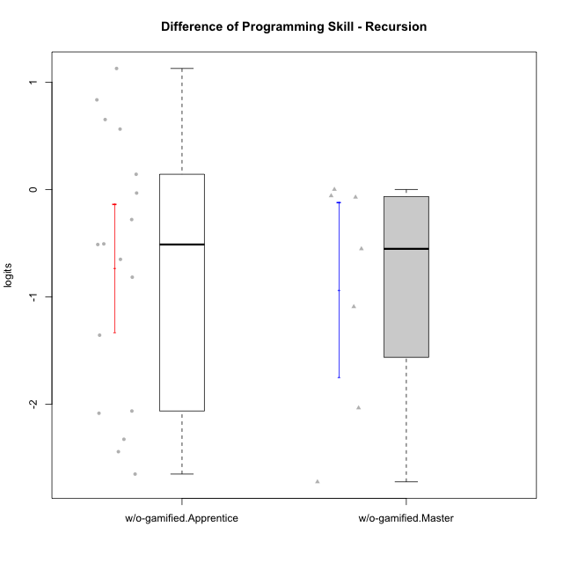

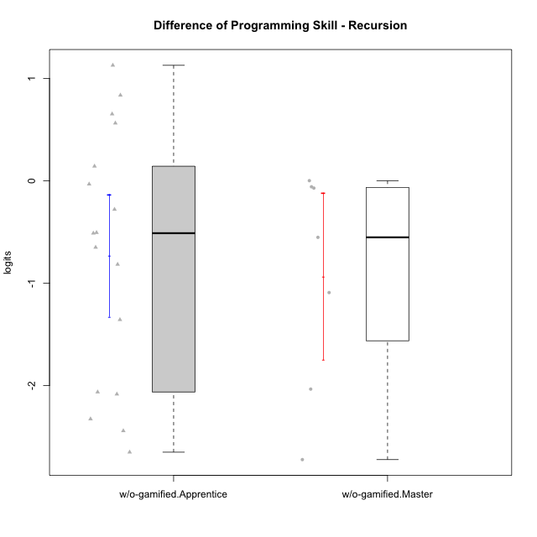

Student's t-Test data
UserID | NroUSP | Type | CLGroup | CLRole | PlayerRole | PreTheta | PostTheta | DiffTheta
10170 | 10260351 | w/o-gamified | Grupo11 | Apprentice |  | 1.7452831324 | -0.90657565173 | -2.6518587841
10172 | 10273971 | w/o-gamified | Grupo5 | Apprentice |  | -0.77934145517 | -0.12744496695 | 0.65189648822
10174 | 10276852 | w/o-gamified | Grupo7 | Master |  | 1.5765160528 | -1.1479332068 | -2.7244492595
10179 | 10310759 | w/o-gamified | Grupo10 | Master |  | 0.3717078393 | -0.72090026858 | -1.0926081079
10181 | 10276866 | w/o-gamified | Grupo2 | Apprentice |  | -0.7989247353 | 0.32890558774 | 1.127830323
10185 | 10276960 | w/o-gamified | Grupo9 | Apprentice |  | -0.86123594376 | -3.304503114 | -2.4432671702
10190 | 10276907 | w/o-gamified | Grupo4 | Apprentice |  | -0.14606010241 | -0.6528683263 | -0.50680822389
10191 | 10276981 | w/o-gamified | Grupo1 | Master |  | 0.1926576254 | -0.36027115086 | -0.55292877626
10197 | 10276661 | w/o-gamified | Grupo8 | Apprentice |  | 0.57775861246 | 0.29765736173 | -0.28010125073
10201 | 10276928 | w/o-gamified | Grupo11 | Apprentice |  | 1.680189476 | -0.38419726439 | -2.0643867403
10204 | 10310471 | w/o-gamified | Grupo6 | Apprentice |  | -0.7247865954 | -0.75783962957 | -0.03305303417
10206 | 10310721 | w/o-gamified | Grupo8 | Apprentice |  | -0.34738935173 | 0.48817853869 | 0.83556789042
10210 | 10277015 | w/o-gamified | Grupo6 | Apprentice |  | -0.59648983691 | -0.0336201384 | 0.56286969851
10213 | 10277040 | w/o-gamified | Grupo7 | Apprentice |  | 1.9531475776 | -0.37435725307 | -2.3275048307
10217 | 9805341 | w/o-gamified | Grupo9 | Apprentice |  | 3.014360404 | 0.92942423782 | -2.0849361662
10218 | 9842913 | w/o-gamified | Grupo10 | Apprentice |  | 0.10719175471 | -0.70996673203 | -0.81715848674
10219 | 10276831 | w/o-gamified | Grupo3 | Master |  | 0.23787092097 | 0.16611470248 | -0.071756218493
10220 | 9760151 | w/o-gamified | Grupo3 | Apprentice |  | 0.16050951774 | -1.1969845279 | -1.3574940456
10226 | 10310342 | w/o-gamified | Grupo4 | Apprentice |  | -0.63379765426 | -1.1463417189 | -0.51254406464
10227 | 9274382 | w/o-gamified | Grupo5 | Master |  | 0.32201277284 | 0.32281192707 | 0.00079915423251
10231 | 10276911 | w/o-gamified | Grupo9 | Master |  | 3.3197186895 | 1.2841388347 | -2.0355798548
10232 | 10276974 | w/o-gamified | Grupo7 | Apprentice |  | 0.21513389917 | 0.35699562324 | 0.14186172407
10238 | 10276953 | w/o-gamified | Grupo2 | Master |  | -0.57102708702 | -0.62999279364 | -0.058965706615
10240 | 10276654 | w/o-gamified | Grupo5 | Apprentice |  | 0.09999684273 | -0.55077140727 | -0.65076825

