Assumptions
ANOVA assumptions for Effort/Importance

Shapiro-Wilk normality test for Effort/Importance
W | p.value
0.97088929649 | 0.32522653963

Plots for normality test
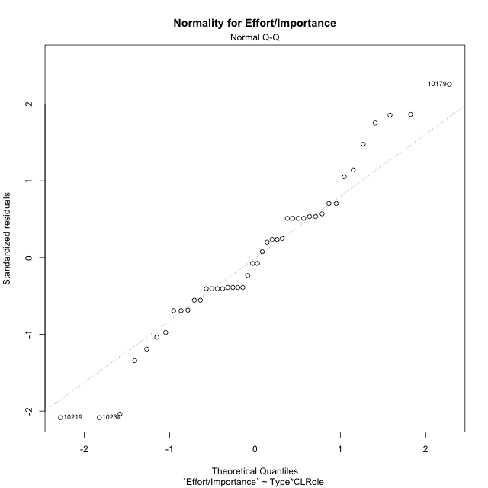

Levene's Test for Homogeneity of Variance in Effort/Importance
Df | F value | Pr(>F)
3 | 1.5408714868 | 0.21879642814
40

Plots for homogeneity of variance
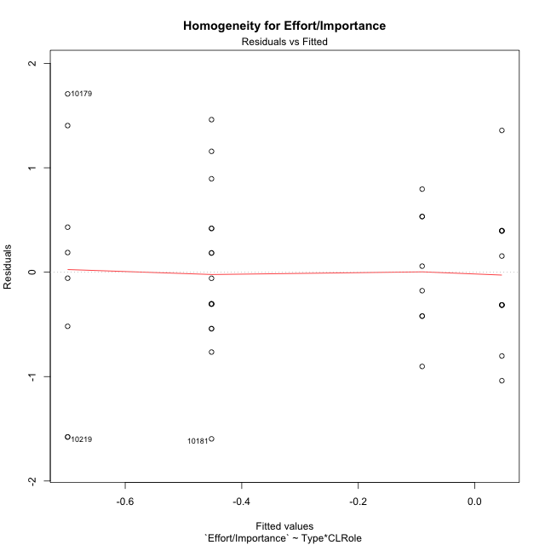

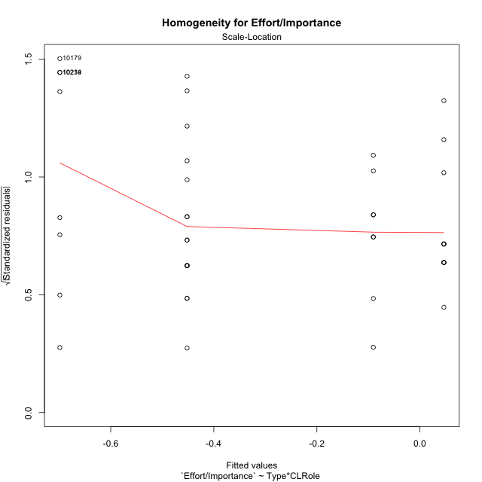

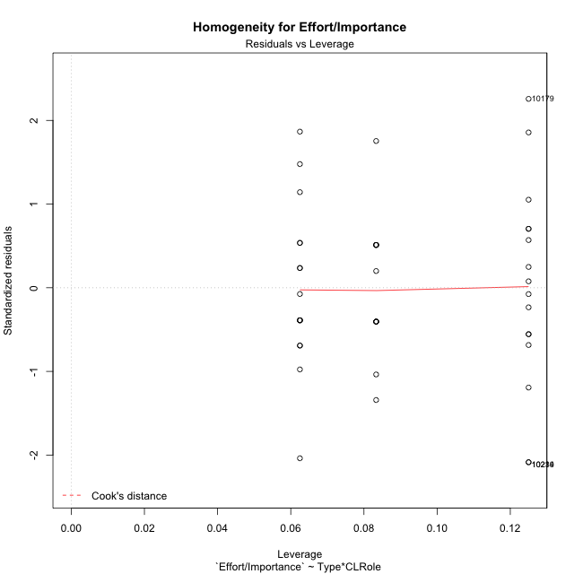

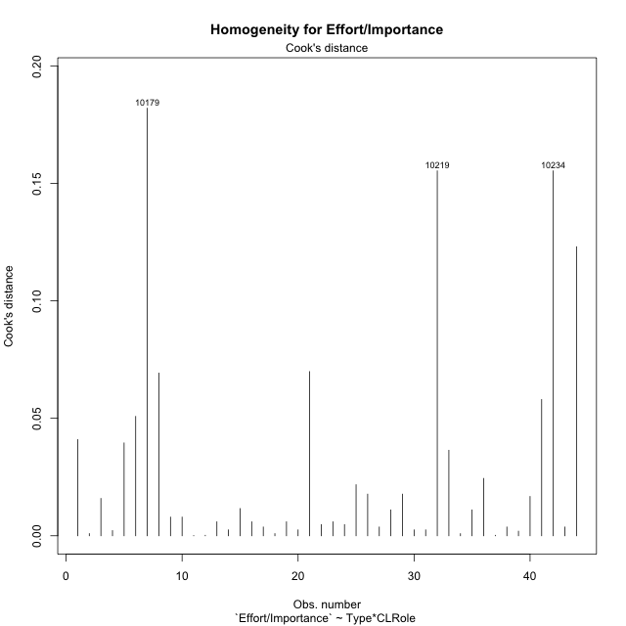

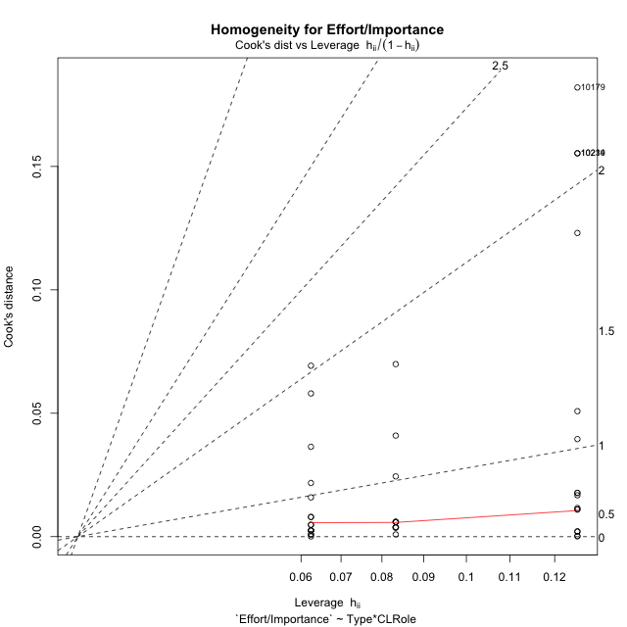

Minimum Sample Size Test for Effort/Importance
Type | CLRole | Freq
ont-gamified | Apprentice | 12
w/o-gamified | Apprentice | 16
ont-gamified | Master | 8
w/o-gamified | Master | 8

Errors and Warnings in Sample Size Test for ANOVA in Effort/Importance
code | description
WARN: sample.size | current.size is = 12 and recommended.size must be = 15 for the group: 'ont-gamified:Apprentice'. Size sample for parametric test isn't recomended
WARN: sample.size | current.size is = 8 and recommended.size must be = 15 for the group: 'ont-gamified:Master'. Size sample for parametric test isn't recomended
WARN: sample.size | current.size is = 8 and recommended.size must be = 15 for the group: 'w/o-gamified:Master'. Size sample for parametric test isn't recomended

For the group: 'ont-gamified:Apprentice', we recommend the use of non parametric test. For the group: 'w/o-gamified:Apprentice', you can perform a parametric test with a non-normal distribution For the group: 'ont-gamified:Master', we recommend the use of non parametric test. For the group: 'w/o-gamified:Master', we recommend the use of non parametric test.

If you don't want to remove non-normal data, you must cite the following references: ... (1) Lix, L.M., J.C. Keselman, and H.J. Keselman. 1996. Consequences of assumption violations revisited: A quantitative review of alternatives to the one-way analysis of variance F test. Rev. Educ. Res. 66: 579-619. ... (2) Harwell, M.R., E.N. Rubinstein, W.S. Hayes, and C.C. Olds. 1992. Summarizing Monte Carlo results in methodological research: the one- and two-factor fixed effects ANOVA cases. J. Educ. Stat. 17: 315-339.

Post-hoc
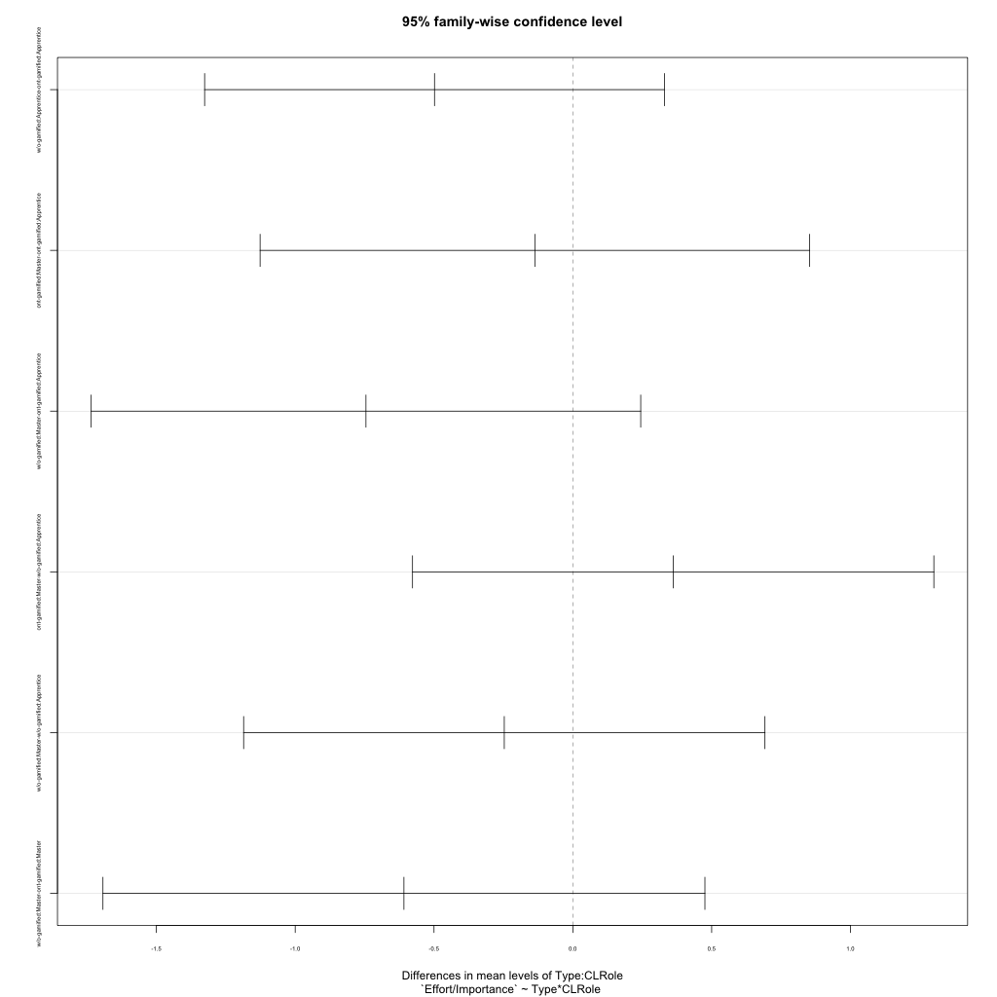
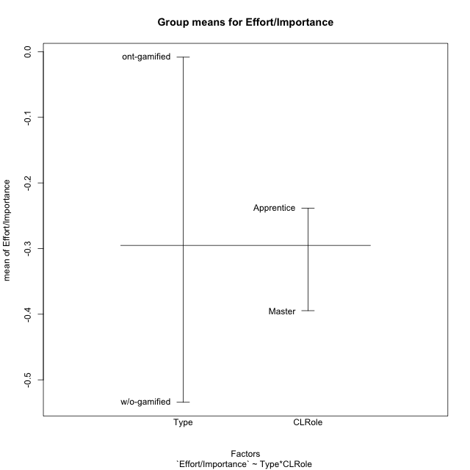
Post-hoc Tukey Honestly Significant Difference (HSD) Test for Effort/Importance

Comparisons of means for Type
 | diff | lwr | upr | p adj
w/o-gamified-ont-gamified | -0.52582945493 | -1.0208011267 | -0.03085778313 | 0.037902741049

Comparisons of means for CLRole
 | diff | lwr | upr | p adj
Master-Apprentice | -0.1938174664 | -0.70616182174 | 0.31852688894 | 0.44901879963

Comparisons of means for Type:CLRole
 | diff | lwr | upr | p adj
w/o-gamified:Apprentice-ont-gamified:Apprentice | -0.49824245713 | -1.3262289521 | 0.32974403779 | 0.3830822777
ont-gamified:Master-ont-gamified:Apprentice | -0.13678769987 | -1.1264208468 | 0.852845447 | 0.98238875448
w/o-gamified:Master-ont-gamified:Apprentice | -0.74514869037 | -1.7347818373 | 0.24448445651 | 0.19843067634
ont-gamified:Master-w/o-gamified:Apprentice | 0.36145475726 | -0.57739368038 | 1.3003031949 | 0.73186920461
w/o-gamified:Master-w/o-gamified:Apprentice | -0.24690623324 | -1.1857546709 | 0.6919422044 | 0.89454605248
w/o-gamified:Master-ont-gamified:Master | -0.6083609905 | -1.6924497869 | 0.4757278059 | 0.44457013848

Contrast Matrices for Effort/Importance - Type
contrast | estimate | SE | df | t.ratio | p.value
ont-gamified - w/o-gamified | 0.55330172382 | 0.25445928163 | 40 | 2.1744214645 | 0.035646856244

Contrast Matrices for Effort/Importance - Type:CLRole
contrast | CLRole | estimate | SE | df | t.ratio | p.value
ont-gamified - w/o-gamified | Apprentice | 0.49824245713 | 0.30890185191 | 40 | 1.612947459 | 0.11461888187
ont-gamified - w/o-gamified | Master | 0.6083609905 | 0.40444746249 | 40 | 1.5041780378 | 0.14039115525

Least Squares Means and Confidence Intervals for Type
Type | lsmean | SE | df | lower.CL | upper.CL | Pairs
ont-gamified | -0.022028112351 | 0.18460416544 | 40 | -0.39512704807 | 0.35107082337 | ont-gamified
w/o-gamified | -0.57532983617 | 0.17513088851 | 40 | -0.92928256501 | -0.22137710733 | w/o-gamified

Least Squares Means and Confidence Intervals for Type:CLRole
Type | CLRole | lsmean | SE | df | lower.CL | upper.CL | Pairs
ont-gamified | Apprentice | 0.046365737586 | 0.23350785134 | 40 | -0.4255712342 | 0.51830270937 | ont-gamified.Apprentice
w/o-gamified | Apprentice | -0.45187671955 | 0.20222373124 | 40 | -0.8605861261 | -0.043167312995 | w/o-gamified.Apprentice
ont-gamified | Master | -0.090421962288 | 0.28598754336 | 40 | -0.6684243481 | 0.48758042353 | ont-gamified.Master
w/o-gamified | Master | -0.69878295279 | 0.28598754336 | 40 | -1.2767853386 | -0.12078056697 | w/o-gamified.Master

Plots

Type_1
Student's t-Test for Effort/Importance in Type between ont-gamified:w/o-gamified

Student's t-Test results
Alternative hypothesis: less
Group | N | Mean | Mean.Difference | Std.deviation | Std.error | CI.lower | CI.upper | df | t.value | p.value | g | magnitude
ont-gamified | 20 | -0.0083493423634 | 0.52582945493 | 0.61175973058 | 0.13679363435 | -0.28193661106 | 0.26523792633 | 40.183337451 | 2.2628880278 | 0.98544174487 | 0.64902153524 | medium
w/o-gamified | 24 | -0.53417879729 | -0.52582945493 | 0.92022296755 | 0.18783972667 | -0.90985825064 | -0.15849934395 | 40.183337451 | 2.2628880278 | 0.98544174487 | 0.64902153524 | medium
Alternative hypothesis: greater
Group | N | Mean | Mean.Difference | Std.deviation | Std.error | CI.lower | CI.upper | df | t.value | p.value | g | magnitude
ont-gamified | 20 | -0.0083493423634 | 0.52582945493 | 0.61175973058 | 0.13679363435 | -0.28193661106 | 0.26523792633 | 40.183337451 | 2.2628880278 | 0.014558255132 | 0.64902153524 | medium
w/o-gamified | 24 | -0.53417879729 | -0.52582945493 | 0.92022296755 | 0.18783972667 | -0.90985825064 | -0.15849934395 | 40.183337451 | 2.2628880278 | 0.014558255132 | 0.64902153524 | medium
Alternative hypothesis: two.sided
Group | N | Mean | Mean.Difference | Std.deviation | Std.error | CI.lower | CI.upper | df | t.value | p.value | g | magnitude
ont-gamified | 20 | -0.0083493423634 | 0.52582945493 | 0.61175973058 | 0.13679363435 | -0.28193661106 | 0.26523792633 | 40.183337451 | 2.2628880278 | 0.029116510263 | 0.64902153524 | medium
w/o-gamified | 24 | -0.53417879729 | -0.52582945493 | 0.92022296755 | 0.18783972667 | -0.90985825064 | -0.15849934395 | 40.183337451 | 2.2628880278 | 0.029116510263 | 0.64902153524 | medium

Box plots for Student's t-Test
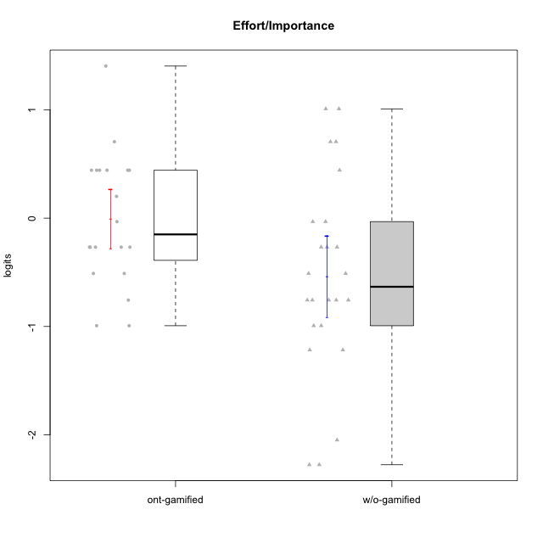

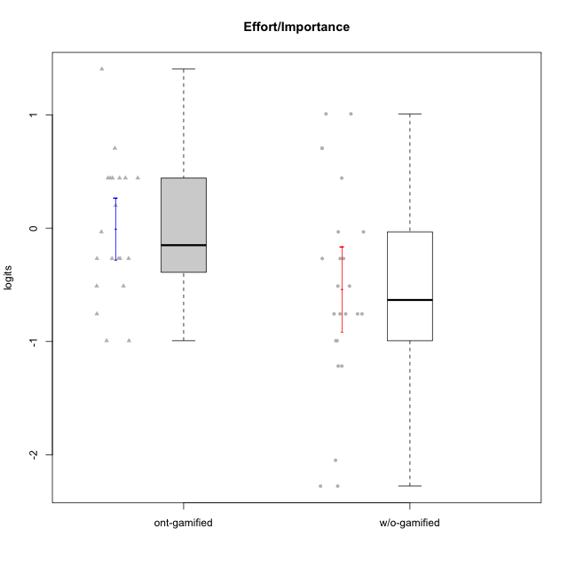

Student's t-Test data
UserID | NroUSP | Type | CLGroup | CLRole | PlayerRole | Effort/Importance | error | WLE.rel
10169 | 10377538 | ont-gamified | Resistance | Apprentice | Social Achiever | -0.99305235043 | 0.4795694233 | 0.68330877659
10170 | 10260351 | w/o-gamified | Grupo11 | Apprentice |  | -0.26763597712 | 0.4921681313 | 0.68330877659
10172 | 10273971 | w/o-gamified | Grupo5 | Apprentice |  | -1.2168859421 | 0.47323941777 | 0.68330877659
10174 | 10276852 | w/o-gamified | Grupo7 | Master |  | -0.51067706252 | 0.49047480964 | 0.68330877659
10175 | 10310700 | ont-gamified | Warriors | Master | Social Achiever | 0.70558390821 | 0.55736762563 | 0.68330877659
10176 | 10276949 | ont-gamified | Outlaws | Master | Social Achiever | -0.99305235043 | 0.4795694233 | 0.68330877659
10179 | 10310759 | w/o-gamified | Grupo10 | Master |  | 1.0092391424 | 0.6186906438 | 0.68330877659
10181 | 10276866 | w/o-gamified | Grupo2 | Apprentice |  | -2.0483814131 | 0.50298409388 | 0.68330877659
10183 | 10352030 | w/o-gamified | Grupo3 | Apprentice |  | -0.99305235043 | 0.4795694233 | 0.68330877659
10184 | 10276675 | w/o-gamified | Grupo10 | Apprentice |  | -0.99305235043 | 0.4795694233 | 0.68330877659
10185 | 10276960 | w/o-gamified | Grupo9 | Apprentice |  | -0.51067706252 | 0.49047480964 | 0.68330877659
10188 | 10276995 | ont-gamified | Vandals | Master | Yee Achiever | -0.032357424661 | 0.49538618205 | 0.68330877659
10189 | 9363926 | ont-gamified | Vikings | Apprentice | Social Achiever | 0.44272013537 | 0.52332818421 | 0.68330877659
10190 | 10276907 | w/o-gamified | Grupo4 | Apprentice |  | -0.75638369414 | 0.48629750802 | 0.68330877659
10191 | 10276981 | w/o-gamified | Grupo1 | Master |  | -0.26763597712 | 0.4921681313 | 0.68330877659
10192 | 10276682 | ont-gamified | Attractive Devils | Apprentice | Social Achiever | 0.44272013537 | 0.52332818421 | 0.68330877659
10193 | 10276762 | ont-gamified | Vandals | Apprentice | Yee Achiever | -0.26763597712 | 0.4921681313 | 0.68330877659
10197 | 10276661 | w/o-gamified | Grupo8 | Apprentice |  | -0.26763597712 | 0.4921681313 | 0.68330877659
10198 | 10310888 | ont-gamified | Attractive Devils | Apprentice | Social Achiever | 0.44272013537 | 0.52332818421 | 0.68330877659
10199 | 10276737 | w/o-gamified | Grupo1 | Apprentice |  | -0.75638369414 | 0.48629750802 | 0.68330877659
10200 | 9795272 | ont-gamified | Warriors | Apprentice | Social Achiever | 1.4045312768 | 0.74443745355 | 0.68330877659
10201 | 10276928 | w/o-gamified | Grupo11 | Apprentice |  | -0.032357424661 | 0.49538618205 | 0.68330877659
10202 | 10277036 | ont-gamified | Silly Knights | Apprentice | Social Achiever | 0.44272013537 | 0.52332818421 | 0.68330877659
10204 | 10310471 | w/o-gamified | Grupo6 | Apprentice |  | -0.032357424661 | 0.49538618205 | 0.68330877659
10206 | 10310721 | w/o-gamified | Grupo8 | Apprentice |  | 0.44272013537 | 0.52332818421 | 0.68330877659
10208 | 10276932 | ont-gamified | Mercenaries | Master | Social Achiever | 0.44272013537 | 0.52332818421 | 0.68330877659
10209 | 10262669 | ont-gamified | Mafia | Apprentice | Social Achiever | -0.26763597712 | 0.4921681313 | 0.68330877659
10215 | 9285227 | ont-gamified | Vikings | Master | Social Achiever | -0.51067706252 | 0.49047480964 | 0.68330877659
10216 | 10276720 | ont-gamified | Silly Knights | Master | Social Achiever | 0.44272013537 | 0.52332818421 | 0.68330877659
10217 | 9805341 | w/o-gamified | Grupo9 | Apprentice |  | -0.75638369414 | 0.48629750802 | 0.68330877659
10218 | 9842913 | w/o-gamified | Grupo10 | Apprentice |  | -0.75638369414 | 0.48629750802 | 0.68330877659
10219 | 10276831 | w/o-gamified | Grupo3 | Master |  | -2.2767519985 | 0.54728769337 | 0.68330877659
10220 | 9760151 | w/o-gamified | Grupo3 | Apprentice |  | 0.70558390821 | 0.55736762563 | 0.68330877659
10221 | 9082496 | ont-gamified | Warriors | Apprentice | Social Achiever | 0.20095698578 | 0.50448525471 | 0.68330877659
10223 | 9795185 | ont-gamified | Slayers | Master | Social Achiever | -0.51067706252 | 0.49047480964 | 0.68330877659
10224 | 9368772 | ont-gamified | Mercenaries | Apprentice | Social Achiever | -0.75638369414 | 0.48629750802 | 0.68330877659
10227 | 9274382 | w/o-gamified | Grupo5 | Master |  | -0.75638369414 | 0.48629750802 | 0.68330877659
10228 | 10310492 | ont-gamified | Resistance | Apprentice | Social Achiever | -0.26763597712 | 0.4921681313 | 0.68330877659
10230 | 10351992 | ont-gamified | Resistance | Master | Social Achiever | -0.26763597712 | 0.4921681313 | 0.68330877659
10231 | 10276911 | w/o-gamified | Grupo9 | Master |  | -1.2168859421 | 0.47323941777 | 0.68330877659
10232 | 10276974 | w/o-gamified | Grupo7 | Apprentice |  | 1.0092391424 | 0.6186906438 | 0.68330877659
10234 | 10310676 | w/o-gamified | Grupo4 | Master |  | -2.2767519985 | 0.54728769337 | 0.68330877659
10237 | 10377688 | ont-gamified | Outlaws | Apprentice | Social Achiever | -0.26763597712 | 0.4921681313 | 0.68330877659
10238 | 10276953 | w/o-gamified | Grupo2 | Master |  | 0.70558390821 | 0.55736762563 | 0.68330877659

Type_CLRole_1
Student's t-Test for Effort/Importance in Type:CLRole between ont-gamified.Apprentice:ont-gamified.Master

Student's t-Test results
Alternative hypothesis: less
Group | N | Mean | Mean.Difference | Std.deviation | Std.error | CI.lower | CI.upper | df | t.value | p.value | g | magnitude
ont-gamified.Apprentice | 12 | 0.046365737586 | 0.13678769987 | 0.64779936847 | 0.18700356988 | -0.32764140218 | 0.42037287735 | 16.20438334 | 0.49004832836 | 0.68466582682 | 0.20976659053 | small
ont-gamified.Master | 8 | -0.090421962288 | -0.13678769987 | 0.58613174435 | 0.20722886555 | -0.50487969339 | 0.32403576881 | 16.20438334 | 0.49004832836 | 0.68466582682 | 0.20976659053 | small
Alternative hypothesis: greater
Group | N | Mean | Mean.Difference | Std.deviation | Std.error | CI.lower | CI.upper | df | t.value | p.value | g | magnitude
ont-gamified.Apprentice | 12 | 0.046365737586 | 0.13678769987 | 0.64779936847 | 0.18700356988 | -0.32764140218 | 0.42037287735 | 16.20438334 | 0.49004832836 | 0.31533417318 | 0.20976659053 | small
ont-gamified.Master | 8 | -0.090421962288 | -0.13678769987 | 0.58613174435 | 0.20722886555 | -0.50487969339 | 0.32403576881 | 16.20438334 | 0.49004832836 | 0.31533417318 | 0.20976659053 | small
Alternative hypothesis: two.sided
Group | N | Mean | Mean.Difference | Std.deviation | Std.error | CI.lower | CI.upper | df | t.value | p.value | g | magnitude
ont-gamified.Apprentice | 12 | 0.046365737586 | 0.13678769987 | 0.64779936847 | 0.18700356988 | -0.32764140218 | 0.42037287735 | 16.20438334 | 0.49004832836 | 0.63066834635 | 0.20976659053 | small
ont-gamified.Master | 8 | -0.090421962288 | -0.13678769987 | 0.58613174435 | 0.20722886555 | -0.50487969339 | 0.32403576881 | 16.20438334 | 0.49004832836 | 0.63066834635 | 0.20976659053 | small

Box plots for Student's t-Test
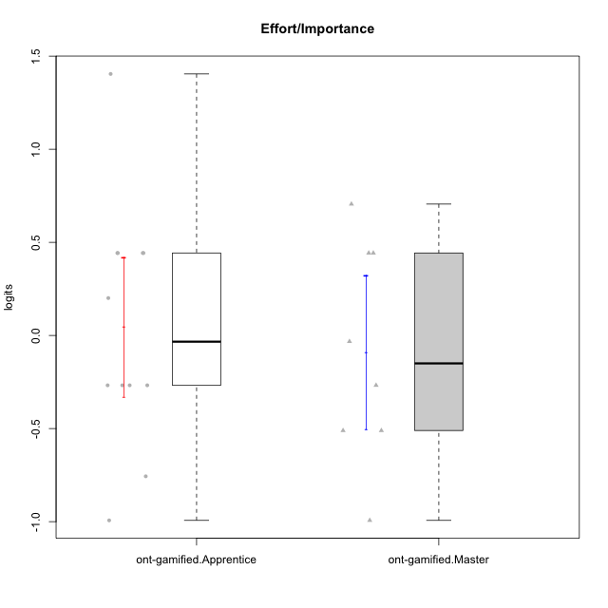

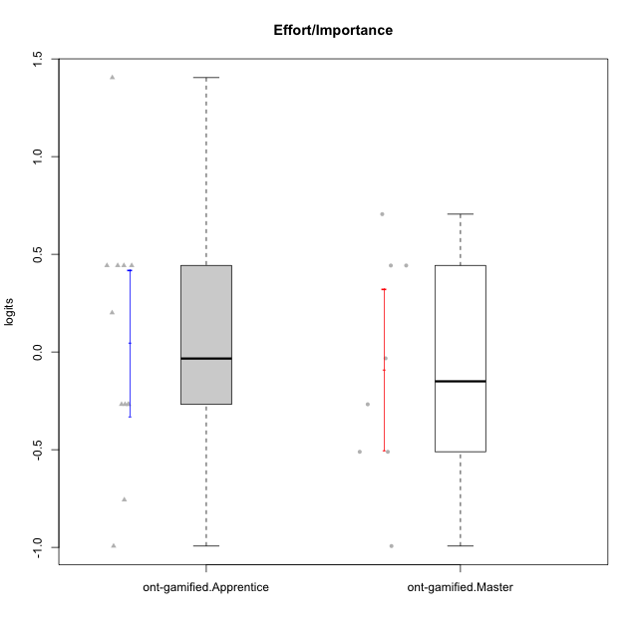

Student's t-Test data
UserID | NroUSP | Type | CLGroup | CLRole | PlayerRole | Effort/Importance | error | WLE.rel
10169 | 10377538 | ont-gamified | Resistance | Apprentice | Social Achiever | -0.99305235043 | 0.4795694233 | 0.68330877659
10175 | 10310700 | ont-gamified | Warriors | Master | Social Achiever | 0.70558390821 | 0.55736762563 | 0.68330877659
10176 | 10276949 | ont-gamified | Outlaws | Master | Social Achiever | -0.99305235043 | 0.4795694233 | 0.68330877659
10188 | 10276995 | ont-gamified | Vandals | Master | Yee Achiever | -0.032357424661 | 0.49538618205 | 0.68330877659
10189 | 9363926 | ont-gamified | Vikings | Apprentice | Social Achiever | 0.44272013537 | 0.52332818421 | 0.68330877659
10192 | 10276682 | ont-gamified | Attractive Devils | Apprentice | Social Achiever | 0.44272013537 | 0.52332818421 | 0.68330877659
10193 | 10276762 | ont-gamified | Vandals | Apprentice | Yee Achiever | -0.26763597712 | 0.4921681313 | 0.68330877659
10198 | 10310888 | ont-gamified | Attractive Devils | Apprentice | Social Achiever | 0.44272013537 | 0.52332818421 | 0.68330877659
10200 | 9795272 | ont-gamified | Warriors | Apprentice | Social Achiever | 1.4045312768 | 0.74443745355 | 0.68330877659
10202 | 10277036 | ont-gamified | Silly Knights | Apprentice | Social Achiever | 0.44272013537 | 0.52332818421 | 0.68330877659
10208 | 10276932 | ont-gamified | Mercenaries | Master | Social Achiever | 0.44272013537 | 0.52332818421 | 0.68330877659
10209 | 10262669 | ont-gamified | Mafia | Apprentice | Social Achiever | -0.26763597712 | 0.4921681313 | 0.68330877659
10215 | 9285227 | ont-gamified | Vikings | Master | Social Achiever | -0.51067706252 | 0.49047480964 | 0.68330877659
10216 | 10276720 | ont-gamified | Silly Knights | Master | Social Achiever | 0.44272013537 | 0.52332818421 | 0.68330877659
10221 | 9082496 | ont-gamified | Warriors | Apprentice | Social Achiever | 0.20095698578 | 0.50448525471 | 0.68330877659
10223 | 9795185 | ont-gamified | Slayers | Master | Social Achiever | -0.51067706252 | 0.49047480964 | 0.68330877659
10224 | 9368772 | ont-gamified | Mercenaries | Apprentice | Social Achiever | -0.75638369414 | 0.48629750802 | 0.68330877659
10228 | 10310492 | ont-gamified | Resistance | Apprentice | Social Achiever | -0.26763597712 | 0.4921681313 | 0.68330877659
10230 | 10351992 | ont-gamified | Resistance | Master | Social Achiever | -0.26763597712 | 0.4921681313 | 0.68330877659
10237 | 10377688 | ont-gamified | Outlaws | Apprentice | Social Achiever | -0.26763597712 | 0.4921681313 | 0.68330877659

Type_CLRole_2
Student's t-Test for Effort/Importance in Type:CLRole between ont-gamified.Apprentice:w/o-gamified.Apprentice

Student's t-Test results
Alternative hypothesis: less
Group | N | Mean | Mean.Difference | Std.deviation | Std.error | CI.lower | CI.upper | df | t.value | p.value | g | magnitude
ont-gamified.Apprentice | 12 | 0.046365737586 | 0.49824245713 | 0.64779936847 | 0.18700356988 | -0.32764140218 | 0.42037287735 | 25.552265209 | 1.8621384328 | 0.96293890549 | 0.67368462216 | medium
w/o-gamified.Apprentice | 16 | -0.45187671955 | -0.49824245713 | 0.76545952753 | 0.19136488188 | -0.83460648331 | -0.069146955784 | 25.552265209 | 1.8621384328 | 0.96293890549 | 0.67368462216 | medium
Alternative hypothesis: greater
Group | N | Mean | Mean.Difference | Std.deviation | Std.error | CI.lower | CI.upper | df | t.value | p.value | g | magnitude
ont-gamified.Apprentice | 12 | 0.046365737586 | 0.49824245713 | 0.64779936847 | 0.18700356988 | -0.32764140218 | 0.42037287735 | 25.552265209 | 1.8621384328 | 0.037061094508 | 0.67368462216 | medium
w/o-gamified.Apprentice | 16 | -0.45187671955 | -0.49824245713 | 0.76545952753 | 0.19136488188 | -0.83460648331 | -0.069146955784 | 25.552265209 | 1.8621384328 | 0.037061094508 | 0.67368462216 | medium
Alternative hypothesis: two.sided
Group | N | Mean | Mean.Difference | Std.deviation | Std.error | CI.lower | CI.upper | df | t.value | p.value | g | magnitude
ont-gamified.Apprentice | 12 | 0.046365737586 | 0.49824245713 | 0.64779936847 | 0.18700356988 | -0.32764140218 | 0.42037287735 | 25.552265209 | 1.8621384328 | 0.074122189017 | 0.67368462216 | medium
w/o-gamified.Apprentice | 16 | -0.45187671955 | -0.49824245713 | 0.76545952753 | 0.19136488188 | -0.83460648331 | -0.069146955784 | 25.552265209 | 1.8621384328 | 0.074122189017 | 0.67368462216 | medium

Box plots for Student's t-Test
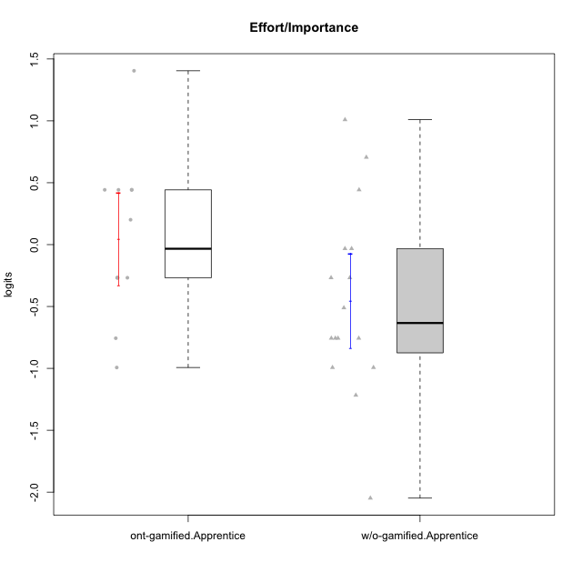

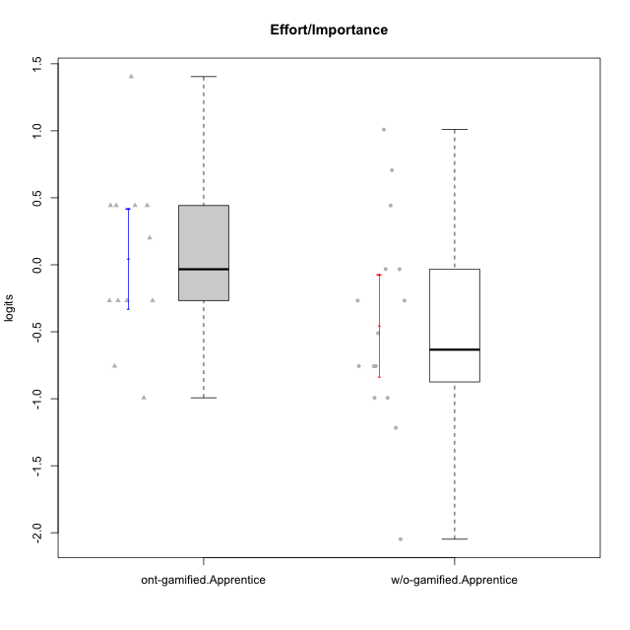

Student's t-Test data
UserID | NroUSP | Type | CLGroup | CLRole | PlayerRole | Effort/Importance | error | WLE.rel
10169 | 10377538 | ont-gamified | Resistance | Apprentice | Social Achiever | -0.99305235043 | 0.4795694233 | 0.68330877659
10170 | 10260351 | w/o-gamified | Grupo11 | Apprentice |  | -0.26763597712 | 0.4921681313 | 0.68330877659
10172 | 10273971 | w/o-gamified | Grupo5 | Apprentice |  | -1.2168859421 | 0.47323941777 | 0.68330877659
10181 | 10276866 | w/o-gamified | Grupo2 | Apprentice |  | -2.0483814131 | 0.50298409388 | 0.68330877659
10183 | 10352030 | w/o-gamified | Grupo3 | Apprentice |  | -0.99305235043 | 0.4795694233 | 0.68330877659
10184 | 10276675 | w/o-gamified | Grupo10 | Apprentice |  | -0.99305235043 | 0.4795694233 | 0.68330877659
10185 | 10276960 | w/o-gamified | Grupo9 | Apprentice |  | -0.51067706252 | 0.49047480964 | 0.68330877659
10189 | 9363926 | ont-gamified | Vikings | Apprentice | Social Achiever | 0.44272013537 | 0.52332818421 | 0.68330877659
10190 | 10276907 | w/o-gamified | Grupo4 | Apprentice |  | -0.75638369414 | 0.48629750802 | 0.68330877659
10192 | 10276682 | ont-gamified | Attractive Devils | Apprentice | Social Achiever | 0.44272013537 | 0.52332818421 | 0.68330877659
10193 | 10276762 | ont-gamified | Vandals | Apprentice | Yee Achiever | -0.26763597712 | 0.4921681313 | 0.68330877659
10197 | 10276661 | w/o-gamified | Grupo8 | Apprentice |  | -0.26763597712 | 0.4921681313 | 0.68330877659
10198 | 10310888 | ont-gamified | Attractive Devils | Apprentice | Social Achiever | 0.44272013537 | 0.52332818421 | 0.68330877659
10199 | 10276737 | w/o-gamified | Grupo1 | Apprentice |  | -0.75638369414 | 0.48629750802 | 0.68330877659
10200 | 9795272 | ont-gamified | Warriors | Apprentice | Social Achiever | 1.4045312768 | 0.74443745355 | 0.68330877659
10201 | 10276928 | w/o-gamified | Grupo11 | Apprentice |  | -0.032357424661 | 0.49538618205 | 0.68330877659
10202 | 10277036 | ont-gamified | Silly Knights | Apprentice | Social Achiever | 0.44272013537 | 0.52332818421 | 0.68330877659
10204 | 10310471 | w/o-gamified | Grupo6 | Apprentice |  | -0.032357424661 | 0.49538618205 | 0.68330877659
10206 | 10310721 | w/o-gamified | Grupo8 | Apprentice |  | 0.44272013537 | 0.52332818421 | 0.68330877659
10209 | 10262669 | ont-gamified | Mafia | Apprentice | Social Achiever | -0.26763597712 | 0.4921681313 | 0.68330877659
10217 | 9805341 | w/o-gamified | Grupo9 | Apprentice |  | -0.75638369414 | 0.48629750802 | 0.68330877659
10218 | 9842913 | w/o-gamified | Grupo10 | Apprentice |  | -0.75638369414 | 0.48629750802 | 0.68330877659
10220 | 9760151 | w/o-gamified | Grupo3 | Apprentice |  | 0.70558390821 | 0.55736762563 | 0.68330877659
10221 | 9082496 | ont-gamified | Warriors | Apprentice | Social Achiever | 0.20095698578 | 0.50448525471 | 0.68330877659
10224 | 9368772 | ont-gamified | Mercenaries | Apprentice | Social Achiever | -0.75638369414 | 0.48629750802 | 0.68330877659
10228 | 10310492 | ont-gamified | Resistance | Apprentice | Social Achiever | -0.26763597712 | 0.4921681313 | 0.68330877659
10232 | 10276974 | w/o-gamified | Grupo7 | Apprentice |  | 1.0092391424 | 0.6186906438 | 0.68330877659
10237 | 10377688 | ont-gamified | Outlaws | Apprentice | Social Achiever | -0.26763597712 | 0.4921681313 | 0.68330877659

Type_CLRole_3
Student's t-Test for Effort/Importance in Type:CLRole between ont-gamified.Apprentice:w/o-gamified.Master

Student's t-Test results
Alternative hypothesis: less
Group | N | Mean | Mean.Difference | Std.deviation | Std.error | CI.lower | CI.upper | df | t.value | p.value | g | magnitude
ont-gamified.Apprentice | 12 | 0.046365737586 | 0.74514869037 | 0.64779936847 | 0.18700356988 | -0.32764140218 | 0.42037287735 | 9.6758396645 | 1.5886032102 | 0.92787278521 | 0.7823358615 | medium
w/o-gamified.Master | 8 | -0.69878295279 | -0.74514869037 | 1.2167038887 | 0.43016978521 | -1.5591225232 | 0.16155661763 | 9.6758396645 | 1.5886032102 | 0.92787278521 | 0.7823358615 | medium
Alternative hypothesis: greater
Group | N | Mean | Mean.Difference | Std.deviation | Std.error | CI.lower | CI.upper | df | t.value | p.value | g | magnitude
ont-gamified.Apprentice | 12 | 0.046365737586 | 0.74514869037 | 0.64779936847 | 0.18700356988 | -0.32764140218 | 0.42037287735 | 9.6758396645 | 1.5886032102 | 0.072127214791 | 0.7823358615 | medium
w/o-gamified.Master | 8 | -0.69878295279 | -0.74514869037 | 1.2167038887 | 0.43016978521 | -1.5591225232 | 0.16155661763 | 9.6758396645 | 1.5886032102 | 0.072127214791 | 0.7823358615 | medium
Alternative hypothesis: two.sided
Group | N | Mean | Mean.Difference | Std.deviation | Std.error | CI.lower | CI.upper | df | t.value | p.value | g | magnitude
ont-gamified.Apprentice | 12 | 0.046365737586 | 0.74514869037 | 0.64779936847 | 0.18700356988 | -0.32764140218 | 0.42037287735 | 9.6758396645 | 1.5886032102 | 0.14425442958 | 0.7823358615 | medium
w/o-gamified.Master | 8 | -0.69878295279 | -0.74514869037 | 1.2167038887 | 0.43016978521 | -1.5591225232 | 0.16155661763 | 9.6758396645 | 1.5886032102 | 0.14425442958 | 0.7823358615 | medium

Box plots for Student's t-Test
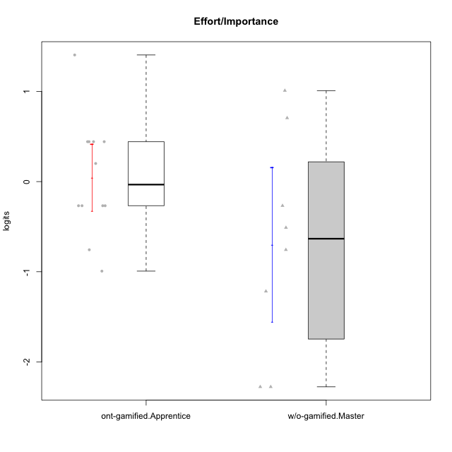

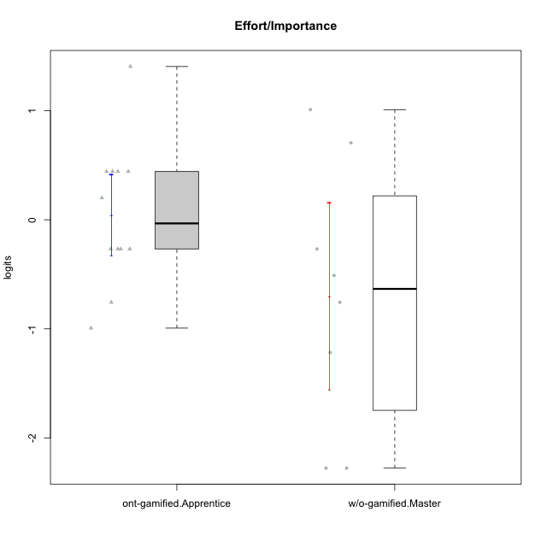

Student's t-Test data
UserID | NroUSP | Type | CLGroup | CLRole | PlayerRole | Effort/Importance | error | WLE.rel
10169 | 10377538 | ont-gamified | Resistance | Apprentice | Social Achiever | -0.99305235043 | 0.4795694233 | 0.68330877659
10174 | 10276852 | w/o-gamified | Grupo7 | Master |  | -0.51067706252 | 0.49047480964 | 0.68330877659
10179 | 10310759 | w/o-gamified | Grupo10 | Master |  | 1.0092391424 | 0.6186906438 | 0.68330877659
10189 | 9363926 | ont-gamified | Vikings | Apprentice | Social Achiever | 0.44272013537 | 0.52332818421 | 0.68330877659
10191 | 10276981 | w/o-gamified | Grupo1 | Master |  | -0.26763597712 | 0.4921681313 | 0.68330877659
10192 | 10276682 | ont-gamified | Attractive Devils | Apprentice | Social Achiever | 0.44272013537 | 0.52332818421 | 0.68330877659
10193 | 10276762 | ont-gamified | Vandals | Apprentice | Yee Achiever | -0.26763597712 | 0.4921681313 | 0.68330877659
10198 | 10310888 | ont-gamified | Attractive Devils | Apprentice | Social Achiever | 0.44272013537 | 0.52332818421 | 0.68330877659
10200 | 9795272 | ont-gamified | Warriors | Apprentice | Social Achiever | 1.4045312768 | 0.74443745355 | 0.68330877659
10202 | 10277036 | ont-gamified | Silly Knights | Apprentice | Social Achiever | 0.44272013537 | 0.52332818421 | 0.68330877659
10209 | 10262669 | ont-gamified | Mafia | Apprentice | Social Achiever | -0.26763597712 | 0.4921681313 | 0.68330877659
10219 | 10276831 | w/o-gamified | Grupo3 | Master |  | -2.2767519985 | 0.54728769337 | 0.68330877659
10221 | 9082496 | ont-gamified | Warriors | Apprentice | Social Achiever | 0.20095698578 | 0.50448525471 | 0.68330877659
10224 | 9368772 | ont-gamified | Mercenaries | Apprentice | Social Achiever | -0.75638369414 | 0.48629750802 | 0.68330877659
10227 | 9274382 | w/o-gamified | Grupo5 | Master |  | -0.75638369414 | 0.48629750802 | 0.68330877659
10228 | 10310492 | ont-gamified | Resistance | Apprentice | Social Achiever | -0.26763597712 | 0.4921681313 | 0.68330877659
10231 | 10276911 | w/o-gamified | Grupo9 | Master |  | -1.2168859421 | 0.47323941777 | 0.68330877659
10234 | 10310676 | w/o-gamified | Grupo4 | Master |  | -2.2767519985 | 0.54728769337 | 0.68330877659
10237 | 10377688 | ont-gamified | Outlaws | Apprentice | Social Achiever | -0.26763597712 | 0.4921681313 | 0.68330877659
10238 | 10276953 | w/o-gamified | Grupo2 | Master |  | 0.70558390821 | 0.55736762563 | 0.68330877659

Type_CLRole_4
Student's t-Test for Effort/Importance in Type:CLRole between ont-gamified.Master:w/o-gamified.Apprentice

Student's t-Test results
Alternative hypothesis: less
Group | N | Mean | Mean.Difference | Std.deviation | Std.error | CI.lower | CI.upper | df | t.value | p.value | g | magnitude
ont-gamified.Master | 8 | -0.090421962288 | 0.36145475726 | 0.58613174435 | 0.20722886555 | -0.50487969339 | 0.32403576881 | 17.940639995 | 1.2814296405 | 0.89182089015 | 0.4892569326 | small
w/o-gamified.Apprentice | 16 | -0.45187671955 | -0.36145475726 | 0.76545952753 | 0.19136488188 | -0.83460648331 | -0.069146955784 | 17.940639995 | 1.2814296405 | 0.89182089015 | 0.4892569326 | small
Alternative hypothesis: greater
Group | N | Mean | Mean.Difference | Std.deviation | Std.error | CI.lower | CI.upper | df | t.value | p.value | g | magnitude
ont-gamified.Master | 8 | -0.090421962288 | 0.36145475726 | 0.58613174435 | 0.20722886555 | -0.50487969339 | 0.32403576881 | 17.940639995 | 1.2814296405 | 0.10817910985 | 0.4892569326 | small
w/o-gamified.Apprentice | 16 | -0.45187671955 | -0.36145475726 | 0.76545952753 | 0.19136488188 | -0.83460648331 | -0.069146955784 | 17.940639995 | 1.2814296405 | 0.10817910985 | 0.4892569326 | small
Alternative hypothesis: two.sided
Group | N | Mean | Mean.Difference | Std.deviation | Std.error | CI.lower | CI.upper | df | t.value | p.value | g | magnitude
ont-gamified.Master | 8 | -0.090421962288 | 0.36145475726 | 0.58613174435 | 0.20722886555 | -0.50487969339 | 0.32403576881 | 17.940639995 | 1.2814296405 | 0.2163582197 | 0.4892569326 | small
w/o-gamified.Apprentice | 16 | -0.45187671955 | -0.36145475726 | 0.76545952753 | 0.19136488188 | -0.83460648331 | -0.069146955784 | 17.940639995 | 1.2814296405 | 0.2163582197 | 0.4892569326 | small

Box plots for Student's t-Test
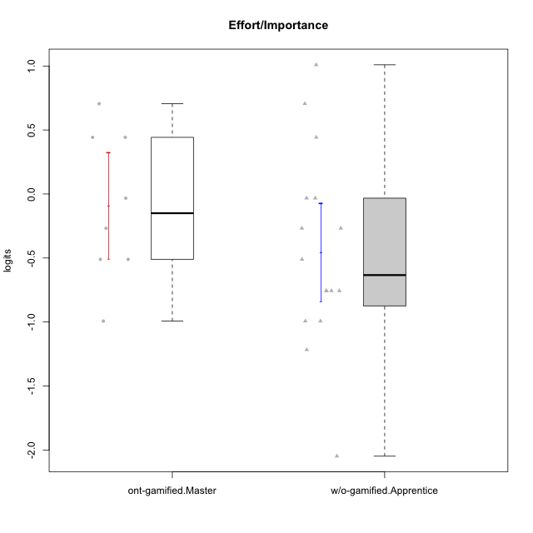

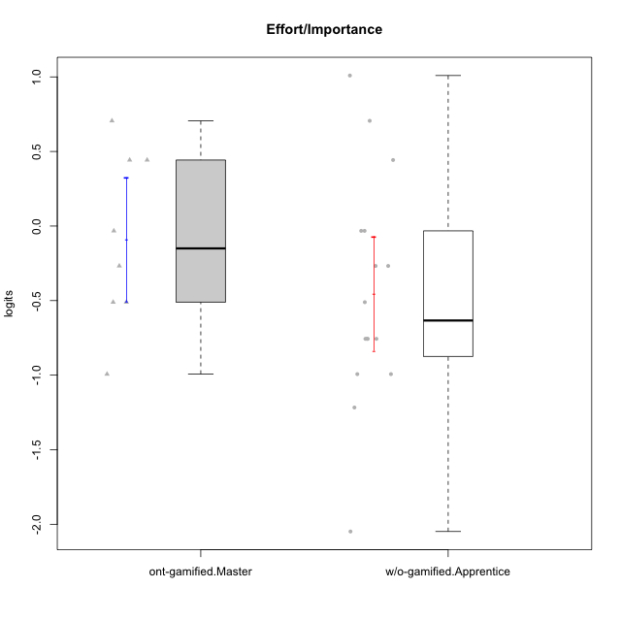

Student's t-Test data
UserID | NroUSP | Type | CLGroup | CLRole | PlayerRole | Effort/Importance | error | WLE.rel
10170 | 10260351 | w/o-gamified | Grupo11 | Apprentice |  | -0.26763597712 | 0.4921681313 | 0.68330877659
10172 | 10273971 | w/o-gamified | Grupo5 | Apprentice |  | -1.2168859421 | 0.47323941777 | 0.68330877659
10175 | 10310700 | ont-gamified | Warriors | Master | Social Achiever | 0.70558390821 | 0.55736762563 | 0.68330877659
10176 | 10276949 | ont-gamified | Outlaws | Master | Social Achiever | -0.99305235043 | 0.4795694233 | 0.68330877659
10181 | 10276866 | w/o-gamified | Grupo2 | Apprentice |  | -2.0483814131 | 0.50298409388 | 0.68330877659
10183 | 10352030 | w/o-gamified | Grupo3 | Apprentice |  | -0.99305235043 | 0.4795694233 | 0.68330877659
10184 | 10276675 | w/o-gamified | Grupo10 | Apprentice |  | -0.99305235043 | 0.4795694233 | 0.68330877659
10185 | 10276960 | w/o-gamified | Grupo9 | Apprentice |  | -0.51067706252 | 0.49047480964 | 0.68330877659
10188 | 10276995 | ont-gamified | Vandals | Master | Yee Achiever | -0.032357424661 | 0.49538618205 | 0.68330877659
10190 | 10276907 | w/o-gamified | Grupo4 | Apprentice |  | -0.75638369414 | 0.48629750802 | 0.68330877659
10197 | 10276661 | w/o-gamified | Grupo8 | Apprentice |  | -0.26763597712 | 0.4921681313 | 0.68330877659
10199 | 10276737 | w/o-gamified | Grupo1 | Apprentice |  | -0.75638369414 | 0.48629750802 | 0.68330877659
10201 | 10276928 | w/o-gamified | Grupo11 | Apprentice |  | -0.032357424661 | 0.49538618205 | 0.68330877659
10204 | 10310471 | w/o-gamified | Grupo6 | Apprentice |  | -0.032357424661 | 0.49538618205 | 0.68330877659
10206 | 10310721 | w/o-gamified | Grupo8 | Apprentice |  | 0.44272013537 | 0.52332818421 | 0.68330877659
10208 | 10276932 | ont-gamified | Mercenaries | Master | Social Achiever | 0.44272013537 | 0.52332818421 | 0.68330877659
10215 | 9285227 | ont-gamified | Vikings | Master | Social Achiever | -0.51067706252 | 0.49047480964 | 0.68330877659
10216 | 10276720 | ont-gamified | Silly Knights | Master | Social Achiever | 0.44272013537 | 0.52332818421 | 0.68330877659
10217 | 9805341 | w/o-gamified | Grupo9 | Apprentice |  | -0.75638369414 | 0.48629750802 | 0.68330877659
10218 | 9842913 | w/o-gamified | Grupo10 | Apprentice |  | -0.75638369414 | 0.48629750802 | 0.68330877659
10220 | 9760151 | w/o-gamified | Grupo3 | Apprentice |  | 0.70558390821 | 0.55736762563 | 0.68330877659
10223 | 9795185 | ont-gamified | Slayers | Master | Social Achiever | -0.51067706252 | 0.49047480964 | 0.68330877659
10230 | 10351992 | ont-gamified | Resistance | Master | Social Achiever | -0.26763597712 | 0.4921681313 | 0.68330877659
10232 | 10276974 | w/o-gamified | Grupo7 | Apprentice |  | 1.0092391424 | 0.6186906438 | 0.68330877659

Type_CLRole_5
Student's t-Test for Effort/Importance in Type:CLRole between ont-gamified.Master:w/o-gamified.Master

Student's t-Test results
Alternative hypothesis: less
Group | N | Mean | Mean.Difference | Std.deviation | Std.error | CI.lower | CI.upper | df | t.value | p.value | g | magnitude
ont-gamified.Master | 8 | -0.090421962288 | 0.6083609905 | 0.58613174435 | 0.20722886555 | -0.50487969339 | 0.32403576881 | 10.08295428 | 1.2741002617 | 0.88439471642 | 0.6023019419 | medium
w/o-gamified.Master | 8 | -0.69878295279 | -0.6083609905 | 1.2167038887 | 0.43016978521 | -1.5591225232 | 0.16155661763 | 10.08295428 | 1.2741002617 | 0.88439471642 | 0.6023019419 | medium
Alternative hypothesis: greater
Group | N | Mean | Mean.Difference | Std.deviation | Std.error | CI.lower | CI.upper | df | t.value | p.value | g | magnitude
ont-gamified.Master | 8 | -0.090421962288 | 0.6083609905 | 0.58613174435 | 0.20722886555 | -0.50487969339 | 0.32403576881 | 10.08295428 | 1.2741002617 | 0.11560528358 | 0.6023019419 | medium
w/o-gamified.Master | 8 | -0.69878295279 | -0.6083609905 | 1.2167038887 | 0.43016978521 | -1.5591225232 | 0.16155661763 | 10.08295428 | 1.2741002617 | 0.11560528358 | 0.6023019419 | medium
Alternative hypothesis: two.sided
Group | N | Mean | Mean.Difference | Std.deviation | Std.error | CI.lower | CI.upper | df | t.value | p.value | g | magnitude
ont-gamified.Master | 8 | -0.090421962288 | 0.6083609905 | 0.58613174435 | 0.20722886555 | -0.50487969339 | 0.32403576881 | 10.08295428 | 1.2741002617 | 0.23121056716 | 0.6023019419 | medium
w/o-gamified.Master | 8 | -0.69878295279 | -0.6083609905 | 1.2167038887 | 0.43016978521 | -1.5591225232 | 0.16155661763 | 10.08295428 | 1.2741002617 | 0.23121056716 | 0.6023019419 | medium

Box plots for Student's t-Test
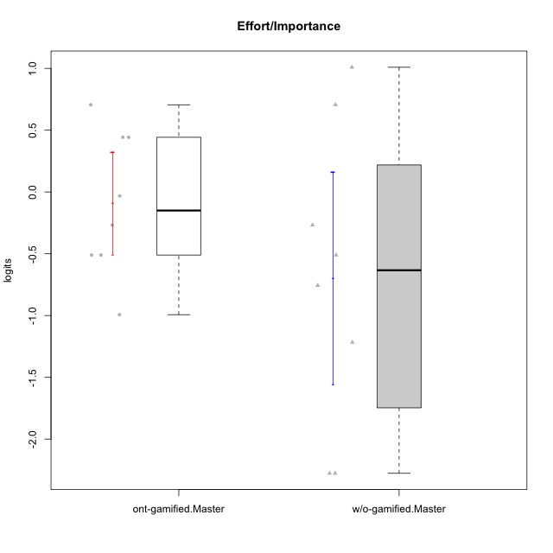

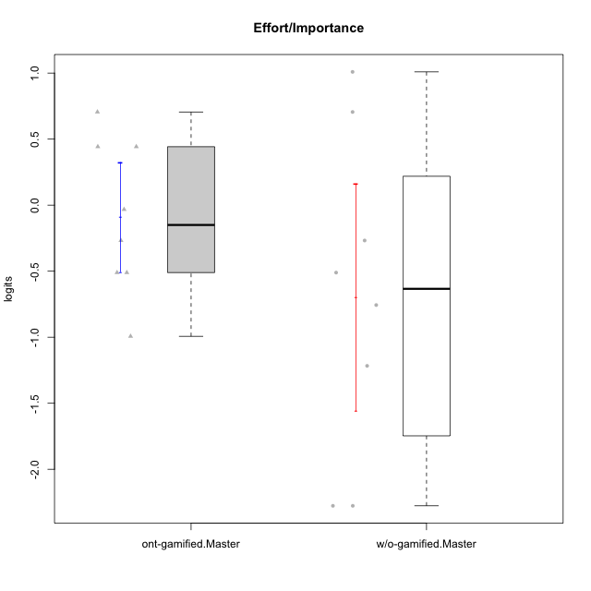

Student's t-Test data
UserID | NroUSP | Type | CLGroup | CLRole | PlayerRole | Effort/Importance | error | WLE.rel
10174 | 10276852 | w/o-gamified | Grupo7 | Master |  | -0.51067706252 | 0.49047480964 | 0.68330877659
10175 | 10310700 | ont-gamified | Warriors | Master | Social Achiever | 0.70558390821 | 0.55736762563 | 0.68330877659
10176 | 10276949 | ont-gamified | Outlaws | Master | Social Achiever | -0.99305235043 | 0.4795694233 | 0.68330877659
10179 | 10310759 | w/o-gamified | Grupo10 | Master |  | 1.0092391424 | 0.6186906438 | 0.68330877659
10188 | 10276995 | ont-gamified | Vandals | Master | Yee Achiever | -0.032357424661 | 0.49538618205 | 0.68330877659
10191 | 10276981 | w/o-gamified | Grupo1 | Master |  | -0.26763597712 | 0.4921681313 | 0.68330877659
10208 | 10276932 | ont-gamified | Mercenaries | Master | Social Achiever | 0.44272013537 | 0.52332818421 | 0.68330877659
10215 | 9285227 | ont-gamified | Vikings | Master | Social Achiever | -0.51067706252 | 0.49047480964 | 0.68330877659
10216 | 10276720 | ont-gamified | Silly Knights | Master | Social Achiever | 0.44272013537 | 0.52332818421 | 0.68330877659
10219 | 10276831 | w/o-gamified | Grupo3 | Master |  | -2.2767519985 | 0.54728769337 | 0.68330877659
10223 | 9795185 | ont-gamified | Slayers | Master | Social Achiever | -0.51067706252 | 0.49047480964 | 0.68330877659
10227 | 9274382 | w/o-gamified | Grupo5 | Master |  | -0.75638369414 | 0.48629750802 | 0.68330877659
10230 | 10351992 | ont-gamified | Resistance | Master | Social Achiever | -0.26763597712 | 0.4921681313 | 0.68330877659
10231 | 10276911 | w/o-gamified | Grupo9 | Master |  | -1.2168859421 | 0.47323941777 | 0.68330877659
10234 | 10310676 | w/o-gamified | Grupo4 | Master |  | -2.2767519985 | 0.54728769337 | 0.68330877659
10238 | 10276953 | w/o-gamified | Grupo2 | Master |  | 0.70558390821 | 0.55736762563 | 0.68330877659

Type_CLRole_6
Student's t-Test for Effort/Importance in Type:CLRole between w/o-gamified.Apprentice:w/o-gamified.Master

Student's t-Test results
Alternative hypothesis: less
Group | N | Mean | Mean.Difference | Std.deviation | Std.error | CI.lower | CI.upper | df | t.value | p.value | g | magnitude
w/o-gamified.Apprentice | 16 | -0.45187671955 | 0.24690623324 | 0.76545952753 | 0.19136488188 | -0.83460648331 | -0.069146955784 | 9.8644533693 | 0.52442327835 | 0.69421767059 | 0.25550652697 | small
w/o-gamified.Master | 8 | -0.69878295279 | -0.24690623324 | 1.2167038887 | 0.43016978521 | -1.5591225232 | 0.16155661763 | 9.8644533693 | 0.52442327835 | 0.69421767059 | 0.25550652697 | small
Alternative hypothesis: greater
Group | N | Mean | Mean.Difference | Std.deviation | Std.error | CI.lower | CI.upper | df | t.value | p.value | g | magnitude
w/o-gamified.Apprentice | 16 | -0.45187671955 | 0.24690623324 | 0.76545952753 | 0.19136488188 | -0.83460648331 | -0.069146955784 | 9.8644533693 | 0.52442327835 | 0.30578232941 | 0.25550652697 | small
w/o-gamified.Master | 8 | -0.69878295279 | -0.24690623324 | 1.2167038887 | 0.43016978521 | -1.5591225232 | 0.16155661763 | 9.8644533693 | 0.52442327835 | 0.30578232941 | 0.25550652697 | small
Alternative hypothesis: two.sided
Group | N | Mean | Mean.Difference | Std.deviation | Std.error | CI.lower | CI.upper | df | t.value | p.value | g | magnitude
w/o-gamified.Apprentice | 16 | -0.45187671955 | 0.24690623324 | 0.76545952753 | 0.19136488188 | -0.83460648331 | -0.069146955784 | 9.8644533693 | 0.52442327835 | 0.61156465882 | 0.25550652697 | small
w/o-gamified.Master | 8 | -0.69878295279 | -0.24690623324 | 1.2167038887 | 0.43016978521 | -1.5591225232 | 0.16155661763 | 9.8644533693 | 0.52442327835 | 0.61156465882 | 0.25550652697 | small

Box plots for Student's t-Test
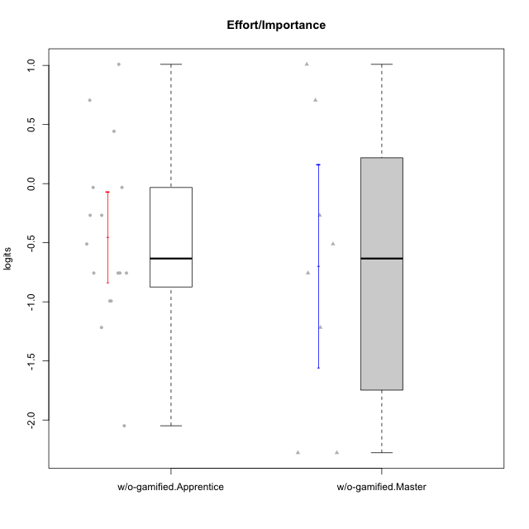

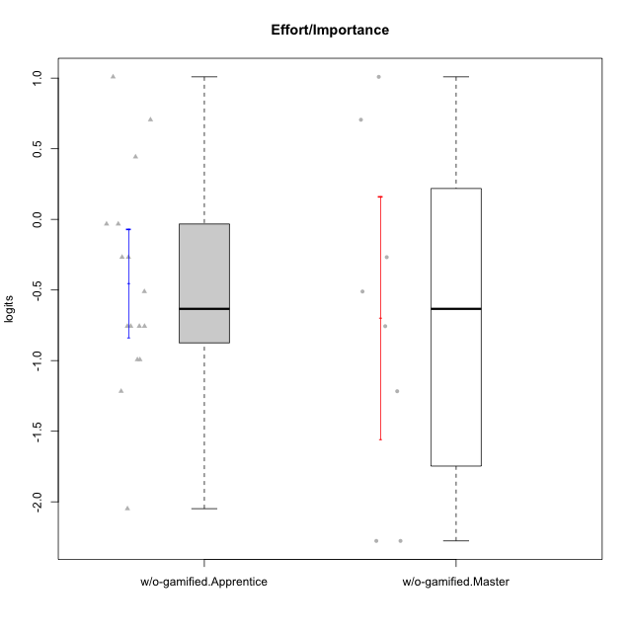

Student's t-Test data
UserID | NroUSP | Type | CLGroup | CLRole | PlayerRole | Effort/Importance | error | WLE.rel
10170 | 10260351 | w/o-gamified | Grupo11 | Apprentice |  | -0.26763597712 | 0.4921681313 | 0.68330877659
10172 | 10273971 | w/o-gamified | Grupo5 | Apprentice |  | -1.2168859421 | 0.47323941777 | 0.68330877659
10174 | 10276852 | w/o-gamified | Grupo7 | Master |  | -0.51067706252 | 0.49047480964 | 0.68330877659
10179 | 10310759 | w/o-gamified | Grupo10 | Master |  | 1.0092391424 | 0.6186906438 | 0.68330877659
10181 | 10276866 | w/o-gamified | Grupo2 | Apprentice |  | -2.0483814131 | 0.50298409388 | 0.68330877659
10183 | 10352030 | w/o-gamified | Grupo3 | Apprentice |  | -0.99305235043 | 0.4795694233 | 0.68330877659
10184 | 10276675 | w/o-gamified | Grupo10 | Apprentice |  | -0.99305235043 | 0.4795694233 | 0.68330877659
10185 | 10276960 | w/o-gamified | Grupo9 | Apprentice |  | -0.51067706252 | 0.49047480964 | 0.68330877659
10190 | 10276907 | w/o-gamified | Grupo4 | Apprentice |  | -0.75638369414 | 0.48629750802 | 0.68330877659
10191 | 10276981 | w/o-gamified | Grupo1 | Master |  | -0.26763597712 | 0.4921681313 | 0.68330877659
10197 | 10276661 | w/o-gamified | Grupo8 | Apprentice |  | -0.26763597712 | 0.4921681313 | 0.68330877659
10199 | 10276737 | w/o-gamified | Grupo1 | Apprentice |  | -0.75638369414 | 0.48629750802 | 0.68330877659
10201 | 10276928 | w/o-gamified | Grupo11 | Apprentice |  | -0.032357424661 | 0.49538618205 | 0.68330877659
10204 | 10310471 | w/o-gamified | Grupo6 | Apprentice |  | -0.032357424661 | 0.49538618205 | 0.68330877659
10206 | 10310721 | w/o-gamified | Grupo8 | Apprentice |  | 0.44272013537 | 0.52332818421 | 0.68330877659
10217 | 9805341 | w/o-gamified | Grupo9 | Apprentice |  | -0.75638369414 | 0.48629750802 | 0.68330877659
10218 | 9842913 | w/o-gamified | Grupo10 | Apprentice |  | -0.75638369414 | 0.48629750802 | 0.68330877659
10219 | 10276831 | w/o-gamified | Grupo3 | Master |  | -2.2767519985 | 0.54728769337 | 0.68330877659
10220 | 9760151 | w/o-gamified | Grupo3 | Apprentice |  | 0.70558390821 | 0.55736762563 | 0.68330877659
10227 | 9274382 | w/o-gamified | Grupo5 | Master |  | -0.75638369414 | 0.48629750802 | 0.68330877659
10231 | 10276911 | w/o-gamified | Grupo9 | Master |  | -1.2168859421 | 0.47323941777 | 0.68330877659
10232 | 10276974 | w/o-gamified | Grupo7 | Apprentice |  | 1.0092391424 | 0.6186906438 | 0.68330877659
10234 | 10310676 | w/o-gamified | Grupo4 | Master |  | -2.2767519985 | 0.54728769337 | 0.68330877659
10238 | 10276953 | w/o-gamified | Grupo2 | Master |  | 0.70558390821 | 0.55736762563 | 0.68330877659

