Assumptions
ANOVA assumptions for Perceived Choice

Shapiro-Wilk normality test for Perceived Choice
W | p.value
0.9661851648 | 0.20946491592

Plots for normality test
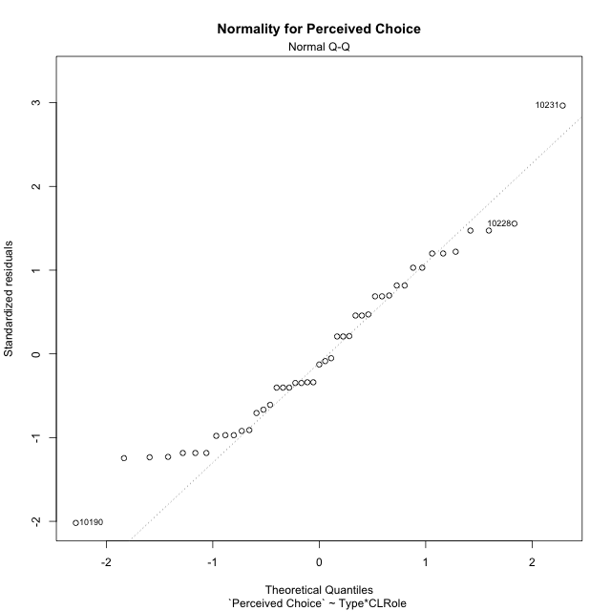

Levene's Test for Homogeneity of Variance in Perceived Choice
Df | F value | Pr(>F)
3 | 0.69666689264 | 0.55943801458
41

Plots for homogeneity of variance
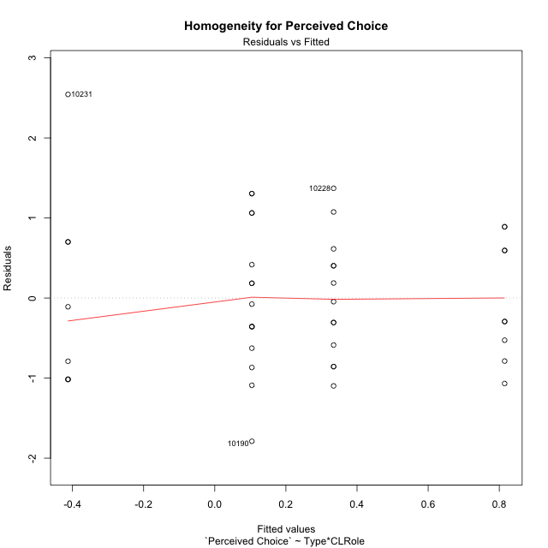

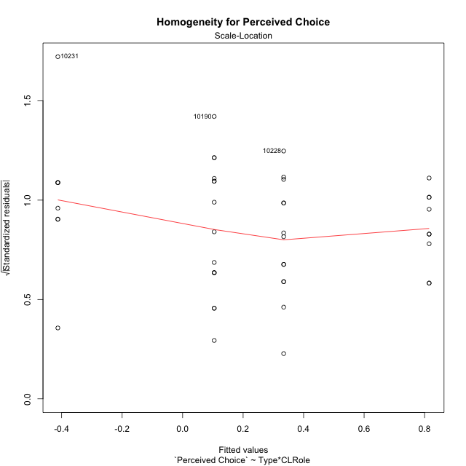

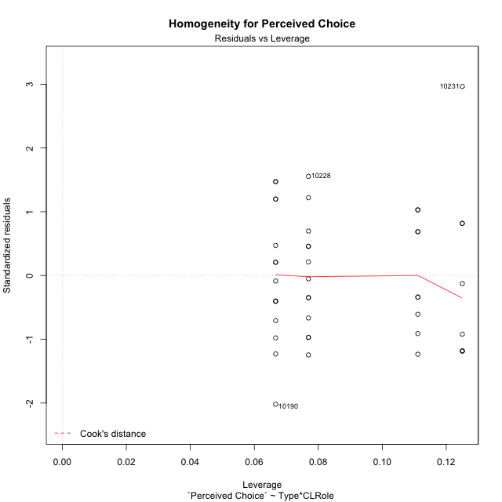

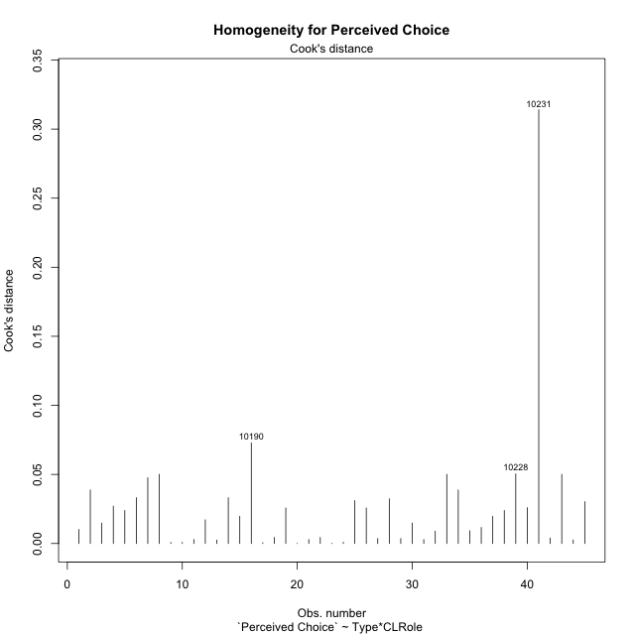

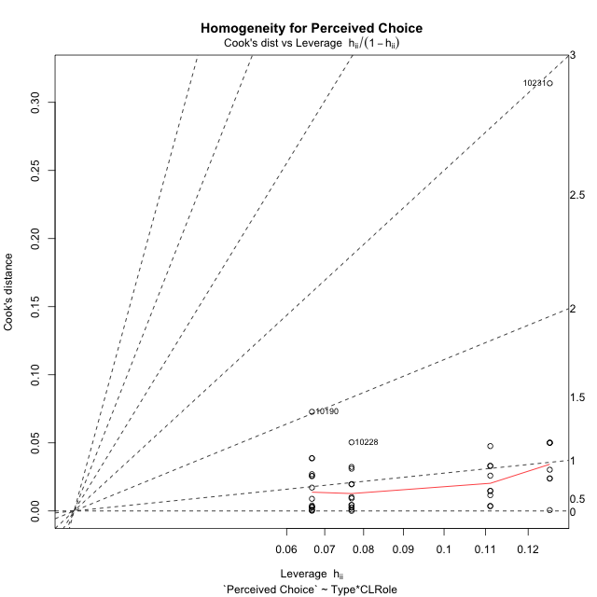

Minimum Sample Size Test for Perceived Choice
Type | CLRole | Freq
ont-gamified | Apprentice | 13
w/o-gamified | Apprentice | 15
ont-gamified | Master | 9
w/o-gamified | Master | 8

Errors and Warnings in Sample Size Test for ANOVA in Perceived Choice
code | description
WARN: sample.size | current.size is = 13 and recommended.size must be = 15 for the group: 'ont-gamified:Apprentice'. Size sample for parametric test isn't recomended
WARN: sample.size | current.size is = 9 and recommended.size must be = 15 for the group: 'ont-gamified:Master'. Size sample for parametric test isn't recomended
WARN: sample.size | current.size is = 8 and recommended.size must be = 15 for the group: 'w/o-gamified:Master'. Size sample for parametric test isn't recomended

For the group: 'ont-gamified:Apprentice', we recommend the use of non parametric test. For the group: 'w/o-gamified:Apprentice', you can perform a parametric test with a non-normal distribution For the group: 'ont-gamified:Master', we recommend the use of non parametric test. For the group: 'w/o-gamified:Master', we recommend the use of non parametric test.

If you don't want to remove non-normal data, you must cite the following references: ... (1) Lix, L.M., J.C. Keselman, and H.J. Keselman. 1996. Consequences of assumption violations revisited: A quantitative review of alternatives to the one-way analysis of variance F test. Rev. Educ. Res. 66: 579-619. ... (2) Harwell, M.R., E.N. Rubinstein, W.S. Hayes, and C.C. Olds. 1992. Summarizing Monte Carlo results in methodological research: the one- and two-factor fixed effects ANOVA cases. J. Educ. Stat. 17: 315-339.

Post-hoc
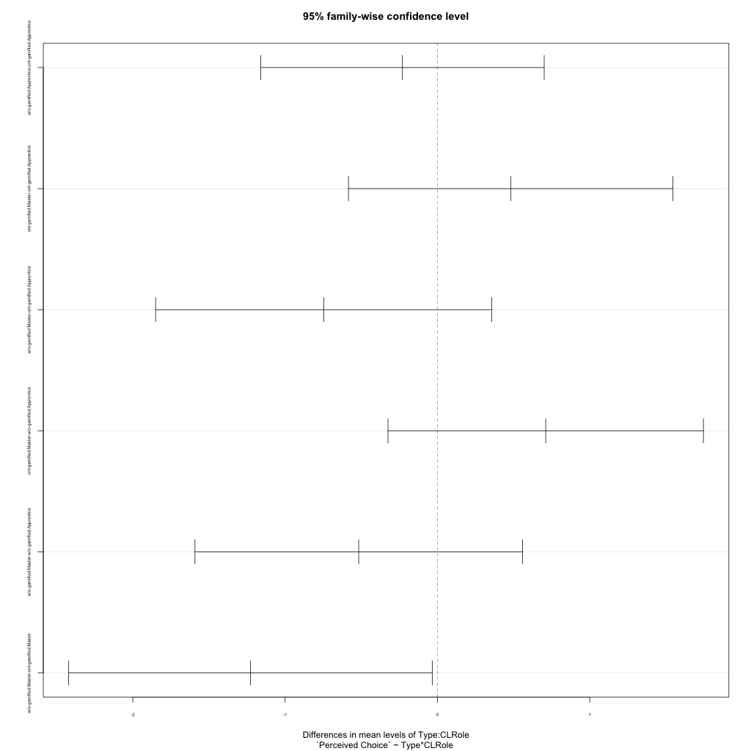
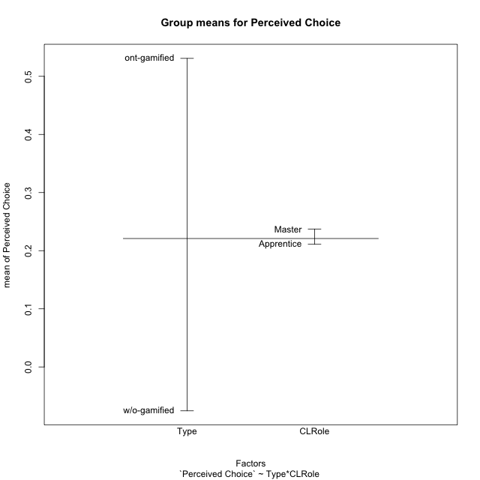
Post-hoc Tukey Honestly Significant Difference (HSD) Test for Perceived Choice

Comparisons of means for Type
 | diff | lwr | upr | p adj
w/o-gamified-ont-gamified | -0.60635698677 | -1.1587280914 | -0.053985882172 | 0.032233179121

Comparisons of means for CLRole
 | diff | lwr | upr | p adj
Master-Apprentice | -0.013184578617 | -0.58269638787 | 0.55632723064 | 0.96293650914

Comparisons of means for Type:CLRole
 | diff | lwr | upr | p adj
w/o-gamified:Apprentice-ont-gamified:Apprentice | -0.2298568793 | -1.1604458097 | 0.70073205107 | 0.91091393143
ont-gamified:Master-ont-gamified:Apprentice | 0.48086046637 | -0.58405364434 | 1.5457745771 | 0.62471688164
w/o-gamified:Master-ont-gamified:Apprentice | -0.74673720794 | -1.8502799274 | 0.35680551156 | 0.28252461679
ont-gamified:Master-w/o-gamified:Apprentice | 0.71071734567 | -0.32474642645 | 1.7461811178 | 0.27075695767
w/o-gamified:Master-w/o-gamified:Apprentice | -0.51688032864 | -1.5920313385 | 0.5582706812 | 0.57610794968
w/o-gamified:Master-ont-gamified:Master | -1.2275976743 | -2.4209107094 | -0.034284639187 | 0.041702662535

Contrast Matrices for Perceived Choice - Type
contrast | estimate | SE | df | t.ratio | p.value
ont-gamified - w/o-gamified | 0.7287272768 | 0.2825778243 | 41 | 2.5788551477 | 0.013599508727

Contrast Matrices for Perceived Choice - Type:CLRole
contrast | CLRole | estimate | SE | df | t.ratio | p.value
ont-gamified - w/o-gamified | Apprentice | 0.2298568793 | 0.3475433598 | 41 | 0.66137612134 | 0.51207099989
ont-gamified - w/o-gamified | Master | 1.2275976743 | 0.44566189 | 41 | 2.754549361 | 0.008724237507

Least Squares Means and Confidence Intervals for Type
Type | lsmean | SE | df | lower.CL | upper.CL | Pairs
ont-gamified | 0.57456599017 | 0.19885462628 | 41 | 0.17297092524 | 0.9761610551 | ont-gamified
w/o-gamified | -0.15416128663 | 0.20076619335 | 41 | -0.55961683958 | 0.25129426632 | w/o-gamified

Least Squares Means and Confidence Intervals for Type:CLRole
Type | CLRole | lsmean | SE | df | lower.CL | upper.CL | Pairs
ont-gamified | Apprentice | 0.33413575699 | 0.25437569264 | 41 | -0.17958637618 | 0.84785789016 | ont-gamified.Apprentice
w/o-gamified | Apprentice | 0.10427887769 | 0.23681088222 | 41 | -0.3739704012 | 0.58252815658 | w/o-gamified.Apprentice
ont-gamified | Master | 0.81499622336 | 0.30572153435 | 41 | 0.1975790592 | 1.4324133875 | ont-gamified.Master
w/o-gamified | Master | -0.41260145095 | 0.32426665514 | 41 | -1.0674712463 | 0.24226834445 | w/o-gamified.Master

Plots

Type_1
Student's t-Test for Perceived Choice in Type between ont-gamified:w/o-gamified

Student's t-Test results
Alternative hypothesis: less
Group | N | Mean | Mean.Difference | Std.deviation | Std.error | CI.lower | CI.upper | df | t.value | p.value | g | magnitude
ont-gamified | 22 | 0.53085140232 | 0.60635698677 | 0.77783165967 | 0.16583426705 | 0.19918286823 | 0.86251993641 | 40.459534415 | 2.2033161741 | 0.98333719108 | 0.64123325315 | medium
w/o-gamified | 23 | -0.075505584447 | -0.60635698677 | 1.0532843707 | 0.2196249734 | -0.51475553125 | 0.36374436235 | 40.459534415 | 2.2033161741 | 0.98333719108 | 0.64123325315 | medium
Alternative hypothesis: greater
Group | N | Mean | Mean.Difference | Std.deviation | Std.error | CI.lower | CI.upper | df | t.value | p.value | g | magnitude
ont-gamified | 22 | 0.53085140232 | 0.60635698677 | 0.77783165967 | 0.16583426705 | 0.19918286823 | 0.86251993641 | 40.459534415 | 2.2033161741 | 0.016662808923 | 0.64123325315 | medium
w/o-gamified | 23 | -0.075505584447 | -0.60635698677 | 1.0532843707 | 0.2196249734 | -0.51475553125 | 0.36374436235 | 40.459534415 | 2.2033161741 | 0.016662808923 | 0.64123325315 | medium
Alternative hypothesis: two.sided
Group | N | Mean | Mean.Difference | Std.deviation | Std.error | CI.lower | CI.upper | df | t.value | p.value | g | magnitude
ont-gamified | 22 | 0.53085140232 | 0.60635698677 | 0.77783165967 | 0.16583426705 | 0.19918286823 | 0.86251993641 | 40.459534415 | 2.2033161741 | 0.033325617845 | 0.64123325315 | medium
w/o-gamified | 23 | -0.075505584447 | -0.60635698677 | 1.0532843707 | 0.2196249734 | -0.51475553125 | 0.36374436235 | 40.459534415 | 2.2033161741 | 0.033325617845 | 0.64123325315 | medium

Box plots for Student's t-Test
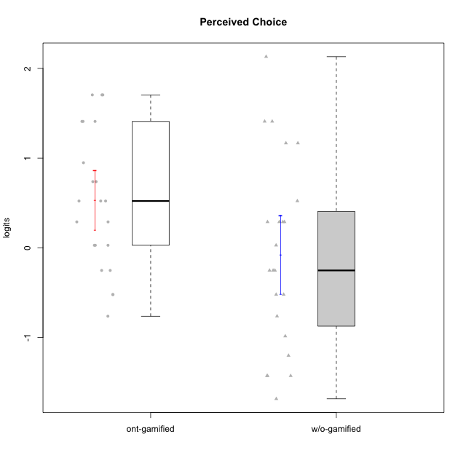

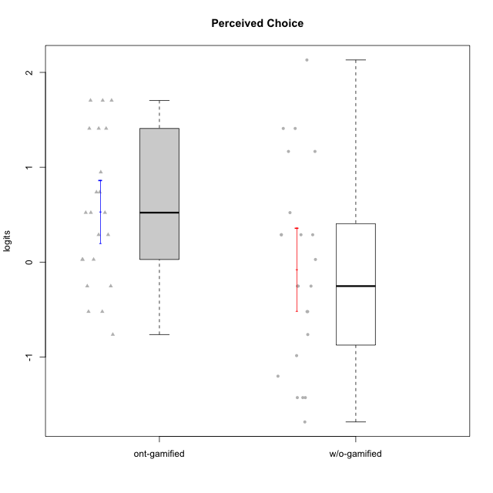

Student's t-Test data
UserID | NroUSP | Type | CLGroup | CLRole | PlayerRole | Perceived Choice | error | WLE.rel
10169 | 10377538 | ont-gamified | Resistance | Apprentice | Social Achiever | 0.94845899544 | 0.48903327391 | 0.78313739763
10170 | 10260351 | w/o-gamified | Grupo11 | Apprentice |  | 1.4091587336 | 0.54530690653 | 0.78313739763
10171 | 698531 | ont-gamified | Mafia | Master | Social Achiever | 1.4091587336 | 0.54530690653 | 0.78313739763
10172 | 10273971 | w/o-gamified | Grupo5 | Apprentice |  | -0.98576058458 | 0.49201741295 | 0.78313739763
10174 | 10276852 | w/o-gamified | Grupo7 | Master |  | 0.28848039563 | 0.49570792202 | 0.78313739763
10175 | 10310700 | ont-gamified | Warriors | Master | Social Achiever | 1.7048844314 | 0.6159106791 | 0.78313739763
10176 | 10276949 | ont-gamified | Outlaws | Master | Social Achiever | -0.25281716725 | 0.50921918282 | 0.78313739763
10179 | 10310759 | w/o-gamified | Grupo10 | Master |  | -1.4282828614 | 0.52680612256 | 0.78313739763
10181 | 10276866 | w/o-gamified | Grupo2 | Apprentice |  | 0.28848039563 | 0.49570792202 | 0.78313739763
10183 | 10352030 | w/o-gamified | Grupo3 | Apprentice |  | 0.28848039563 | 0.49570792202 | 0.78313739763
10184 | 10276675 | w/o-gamified | Grupo10 | Apprentice |  | -0.25281716725 | 0.50921918282 | 0.78313739763
10185 | 10276960 | w/o-gamified | Grupo9 | Apprentice |  | -0.76338837498 | 0.49357147849 | 0.78313739763
10186 | 10310551 | ont-gamified | Slayers | Apprentice | Social Achiever | 0.027805593039 | 0.50658336875 | 0.78313739763
10188 | 10276995 | ont-gamified | Vandals | Master | Yee Achiever | 1.7048844314 | 0.6159106791 | 0.78313739763
10189 | 9363926 | ont-gamified | Vikings | Apprentice | Social Achiever | -0.52176693004 | 0.50180992864 | 0.78313739763
10190 | 10276907 | w/o-gamified | Grupo4 | Apprentice |  | -1.6849425313 | 0.57873923807 | 0.78313739763
10191 | 10276981 | w/o-gamified | Grupo1 | Master |  | -0.52176693004 | 0.50180992864 | 0.78313739763
10192 | 10276682 | ont-gamified | Attractive Devils | Apprentice | Social Achiever | 0.73760253581 | 0.48271650943 | 0.78313739763
10197 | 10276661 | w/o-gamified | Grupo8 | Apprentice |  | 1.1668519036 | 0.50789596245 | 0.78313739763
10198 | 10310888 | ont-gamified | Attractive Devils | Apprentice | Social Achiever | 0.28848039563 | 0.49570792202 | 0.78313739763
10199 | 10276737 | w/o-gamified | Grupo1 | Apprentice |  | -0.25281716725 | 0.50921918282 | 0.78313739763
10200 | 9795272 | ont-gamified | Warriors | Apprentice | Social Achiever | 0.73760253581 | 0.48271650943 | 0.78313739763
10201 | 10276928 | w/o-gamified | Grupo11 | Apprentice |  | 0.027805593039 | 0.50658336875 | 0.78313739763
10202 | 10277036 | ont-gamified | Silly Knights | Apprentice | Social Achiever | 0.52170542934 | 0.48588224545 | 0.78313739763
10203 | 9921470 | ont-gamified | Mercenaries | Apprentice | Social Achiever | 1.4091587336 | 0.54530690653 | 0.78313739763
10206 | 10310721 | w/o-gamified | Grupo8 | Apprentice |  | 1.1668519036 | 0.50789596245 | 0.78313739763
10208 | 10276932 | ont-gamified | Mercenaries | Master | Social Achiever | 0.52170542934 | 0.48588224545 | 0.78313739763
10214 | 10277022 | ont-gamified | Vikings | Apprentice | Social Achiever | -0.76338837498 | 0.49357147849 | 0.78313739763
10215 | 9285227 | ont-gamified | Vikings | Master | Social Achiever | 0.52170542934 | 0.48588224545 | 0.78313739763
10216 | 10276720 | ont-gamified | Silly Knights | Master | Social Achiever | 1.4091587336 | 0.54530690653 | 0.78313739763
10217 | 9805341 | w/o-gamified | Grupo9 | Apprentice |  | -0.25281716725 | 0.50921918282 | 0.78313739763
10218 | 9842913 | w/o-gamified | Grupo10 | Apprentice |  | -0.52176693004 | 0.50180992864 | 0.78313739763
10219 | 10276831 | w/o-gamified | Grupo3 | Master |  | -1.4282828614 | 0.52680612256 | 0.78313739763
10220 | 9760151 | w/o-gamified | Grupo3 | Apprentice |  | 1.4091587336 | 0.54530690653 | 0.78313739763
10221 | 9082496 | ont-gamified | Warriors | Apprentice | Social Achiever | -0.25281716725 | 0.50921918282 | 0.78313739763
10223 | 9795185 | ont-gamified | Slayers | Master | Social Achiever | 0.28848039563 | 0.49570792202 | 0.78313739763
10224 | 9368772 | ont-gamified | Mercenaries | Apprentice | Social Achiever | -0.52176693004 | 0.50180992864 | 0.78313739763
10227 | 9274382 | w/o-gamified | Grupo5 | Master |  | 0.28848039563 | 0.49570792202 | 0.78313739763
10228 | 10310492 | ont-gamified | Resistance | Apprentice | Social Achiever | 1.7048844314 | 0.6159106791 | 0.78313739763
10230 | 10351992 | ont-gamified | Resistance | Master | Social Achiever | 0.027805593039 | 0.50658336875 | 0.78313739763
10231 | 10276911 | w/o-gamified | Grupo9 | Master |  | 2.1312486137 | 0.76667640556 | 0.78313739763
10232 | 10276974 | w/o-gamified | Grupo7 | Apprentice |  | 0.52170542934 | 0.48588224545 | 0.78313739763
10234 | 10310676 | w/o-gamified | Grupo4 | Master |  | -1.4282828614 | 0.52680612256 | 0.78313739763
10237 | 10377688 | ont-gamified | Outlaws | Apprentice | Social Achiever | 0.027805593039 | 0.50658336875 | 0.78313739763
10238 | 10276953 | w/o-gamified | Grupo2 | Master |  | -1.2024054983 | 0.50144059191 | 0.78313739763

Type_CLRole_1
Student's t-Test for Perceived Choice in Type:CLRole between ont-gamified.Apprentice:ont-gamified.Master

Student's t-Test results
Alternative hypothesis: less
Group | N | Mean | Mean.Difference | Std.deviation | Std.error | CI.lower | CI.upper | df | t.value | p.value | g | magnitude
ont-gamified.Apprentice | 13 | 0.33413575699 | -0.48086046637 | 0.76249290493 | 0.21147748199 | -0.088819206996 | 0.75709072098 | 17.554608973 | -1.4685996696 | 0.079816488754 | -0.61070276338 | medium
ont-gamified.Master | 9 | 0.81499622336 | 0.48086046637 | 0.74991771592 | 0.24997257197 | 0.31505107941 | 1.3149413673 | 17.554608973 | -1.4685996696 | 0.079816488754 | -0.61070276338 | medium
Alternative hypothesis: greater
Group | N | Mean | Mean.Difference | Std.deviation | Std.error | CI.lower | CI.upper | df | t.value | p.value | g | magnitude
ont-gamified.Apprentice | 13 | 0.33413575699 | -0.48086046637 | 0.76249290493 | 0.21147748199 | -0.088819206996 | 0.75709072098 | 17.554608973 | -1.4685996696 | 0.92018351125 | -0.61070276338 | medium
ont-gamified.Master | 9 | 0.81499622336 | 0.48086046637 | 0.74991771592 | 0.24997257197 | 0.31505107941 | 1.3149413673 | 17.554608973 | -1.4685996696 | 0.92018351125 | -0.61070276338 | medium
Alternative hypothesis: two.sided
Group | N | Mean | Mean.Difference | Std.deviation | Std.error | CI.lower | CI.upper | df | t.value | p.value | g | magnitude
ont-gamified.Apprentice | 13 | 0.33413575699 | -0.48086046637 | 0.76249290493 | 0.21147748199 | -0.088819206996 | 0.75709072098 | 17.554608973 | -1.4685996696 | 0.15963297751 | -0.61070276338 | medium
ont-gamified.Master | 9 | 0.81499622336 | 0.48086046637 | 0.74991771592 | 0.24997257197 | 0.31505107941 | 1.3149413673 | 17.554608973 | -1.4685996696 | 0.15963297751 | -0.61070276338 | medium

Box plots for Student's t-Test
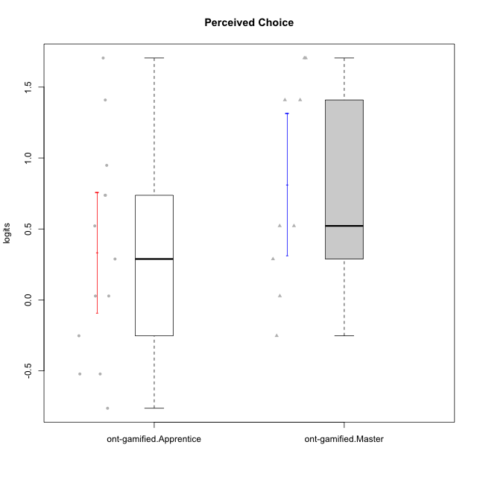

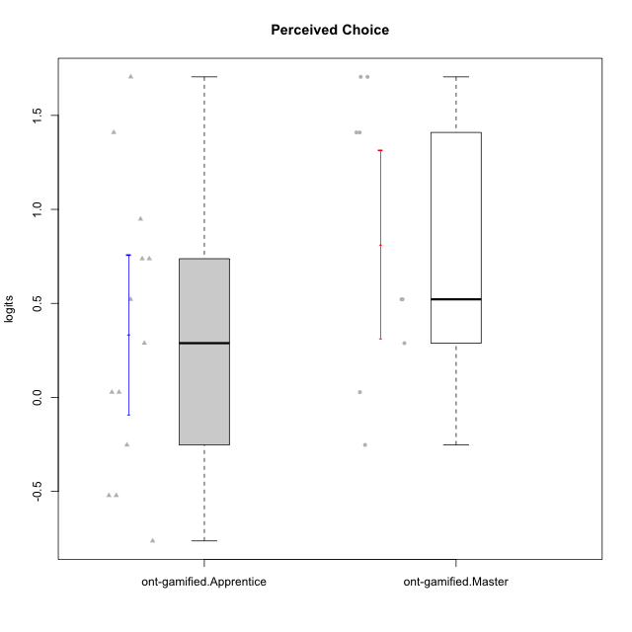

Student's t-Test data
UserID | NroUSP | Type | CLGroup | CLRole | PlayerRole | Perceived Choice | error | WLE.rel
10169 | 10377538 | ont-gamified | Resistance | Apprentice | Social Achiever | 0.94845899544 | 0.48903327391 | 0.78313739763
10171 | 698531 | ont-gamified | Mafia | Master | Social Achiever | 1.4091587336 | 0.54530690653 | 0.78313739763
10175 | 10310700 | ont-gamified | Warriors | Master | Social Achiever | 1.7048844314 | 0.6159106791 | 0.78313739763
10176 | 10276949 | ont-gamified | Outlaws | Master | Social Achiever | -0.25281716725 | 0.50921918282 | 0.78313739763
10186 | 10310551 | ont-gamified | Slayers | Apprentice | Social Achiever | 0.027805593039 | 0.50658336875 | 0.78313739763
10188 | 10276995 | ont-gamified | Vandals | Master | Yee Achiever | 1.7048844314 | 0.6159106791 | 0.78313739763
10189 | 9363926 | ont-gamified | Vikings | Apprentice | Social Achiever | -0.52176693004 | 0.50180992864 | 0.78313739763
10192 | 10276682 | ont-gamified | Attractive Devils | Apprentice | Social Achiever | 0.73760253581 | 0.48271650943 | 0.78313739763
10198 | 10310888 | ont-gamified | Attractive Devils | Apprentice | Social Achiever | 0.28848039563 | 0.49570792202 | 0.78313739763
10200 | 9795272 | ont-gamified | Warriors | Apprentice | Social Achiever | 0.73760253581 | 0.48271650943 | 0.78313739763
10202 | 10277036 | ont-gamified | Silly Knights | Apprentice | Social Achiever | 0.52170542934 | 0.48588224545 | 0.78313739763
10203 | 9921470 | ont-gamified | Mercenaries | Apprentice | Social Achiever | 1.4091587336 | 0.54530690653 | 0.78313739763
10208 | 10276932 | ont-gamified | Mercenaries | Master | Social Achiever | 0.52170542934 | 0.48588224545 | 0.78313739763
10214 | 10277022 | ont-gamified | Vikings | Apprentice | Social Achiever | -0.76338837498 | 0.49357147849 | 0.78313739763
10215 | 9285227 | ont-gamified | Vikings | Master | Social Achiever | 0.52170542934 | 0.48588224545 | 0.78313739763
10216 | 10276720 | ont-gamified | Silly Knights | Master | Social Achiever | 1.4091587336 | 0.54530690653 | 0.78313739763
10221 | 9082496 | ont-gamified | Warriors | Apprentice | Social Achiever | -0.25281716725 | 0.50921918282 | 0.78313739763
10223 | 9795185 | ont-gamified | Slayers | Master | Social Achiever | 0.28848039563 | 0.49570792202 | 0.78313739763
10224 | 9368772 | ont-gamified | Mercenaries | Apprentice | Social Achiever | -0.52176693004 | 0.50180992864 | 0.78313739763
10228 | 10310492 | ont-gamified | Resistance | Apprentice | Social Achiever | 1.7048844314 | 0.6159106791 | 0.78313739763
10230 | 10351992 | ont-gamified | Resistance | Master | Social Achiever | 0.027805593039 | 0.50658336875 | 0.78313739763
10237 | 10377688 | ont-gamified | Outlaws | Apprentice | Social Achiever | 0.027805593039 | 0.50658336875 | 0.78313739763

Type_CLRole_2
Student's t-Test for Perceived Choice in Type:CLRole between ont-gamified.Apprentice:w/o-gamified.Apprentice

Student's t-Test results
Alternative hypothesis: less
Group | N | Mean | Mean.Difference | Std.deviation | Std.error | CI.lower | CI.upper | df | t.value | p.value | g | magnitude
ont-gamified.Apprentice | 13 | 0.33413575699 | 0.2298568793 | 0.76249290493 | 0.21147748199 | -0.088819206996 | 0.75709072098 | 25.962485135 | 0.72309174813 | 0.76195603946 | 0.26240336866 | small
w/o-gamified.Apprentice | 15 | 0.10427887769 | -0.2298568793 | 0.91917397256 | 0.2373296992 | -0.37038052071 | 0.57893827608 | 25.962485135 | 0.72309174813 | 0.76195603946 | 0.26240336866 | small
Alternative hypothesis: greater
Group | N | Mean | Mean.Difference | Std.deviation | Std.error | CI.lower | CI.upper | df | t.value | p.value | g | magnitude
ont-gamified.Apprentice | 13 | 0.33413575699 | 0.2298568793 | 0.76249290493 | 0.21147748199 | -0.088819206996 | 0.75709072098 | 25.962485135 | 0.72309174813 | 0.23804396054 | 0.26240336866 | small
w/o-gamified.Apprentice | 15 | 0.10427887769 | -0.2298568793 | 0.91917397256 | 0.2373296992 | -0.37038052071 | 0.57893827608 | 25.962485135 | 0.72309174813 | 0.23804396054 | 0.26240336866 | small
Alternative hypothesis: two.sided
Group | N | Mean | Mean.Difference | Std.deviation | Std.error | CI.lower | CI.upper | df | t.value | p.value | g | magnitude
ont-gamified.Apprentice | 13 | 0.33413575699 | 0.2298568793 | 0.76249290493 | 0.21147748199 | -0.088819206996 | 0.75709072098 | 25.962485135 | 0.72309174813 | 0.47608792109 | 0.26240336866 | small
w/o-gamified.Apprentice | 15 | 0.10427887769 | -0.2298568793 | 0.91917397256 | 0.2373296992 | -0.37038052071 | 0.57893827608 | 25.962485135 | 0.72309174813 | 0.47608792109 | 0.26240336866 | small

Box plots for Student's t-Test
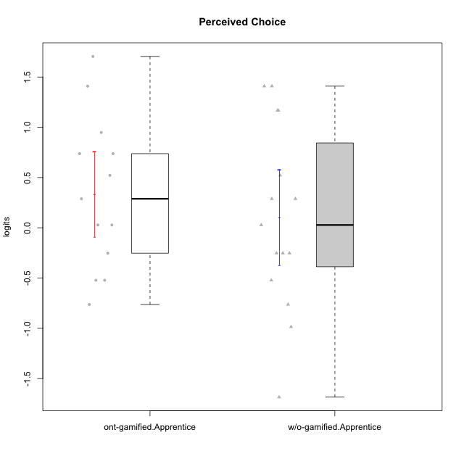

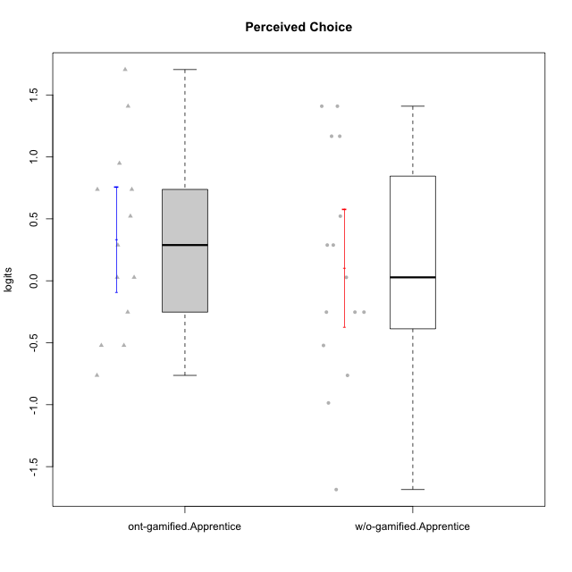

Student's t-Test data
UserID | NroUSP | Type | CLGroup | CLRole | PlayerRole | Perceived Choice | error | WLE.rel
10169 | 10377538 | ont-gamified | Resistance | Apprentice | Social Achiever | 0.94845899544 | 0.48903327391 | 0.78313739763
10170 | 10260351 | w/o-gamified | Grupo11 | Apprentice |  | 1.4091587336 | 0.54530690653 | 0.78313739763
10172 | 10273971 | w/o-gamified | Grupo5 | Apprentice |  | -0.98576058458 | 0.49201741295 | 0.78313739763
10181 | 10276866 | w/o-gamified | Grupo2 | Apprentice |  | 0.28848039563 | 0.49570792202 | 0.78313739763
10183 | 10352030 | w/o-gamified | Grupo3 | Apprentice |  | 0.28848039563 | 0.49570792202 | 0.78313739763
10184 | 10276675 | w/o-gamified | Grupo10 | Apprentice |  | -0.25281716725 | 0.50921918282 | 0.78313739763
10185 | 10276960 | w/o-gamified | Grupo9 | Apprentice |  | -0.76338837498 | 0.49357147849 | 0.78313739763
10186 | 10310551 | ont-gamified | Slayers | Apprentice | Social Achiever | 0.027805593039 | 0.50658336875 | 0.78313739763
10189 | 9363926 | ont-gamified | Vikings | Apprentice | Social Achiever | -0.52176693004 | 0.50180992864 | 0.78313739763
10190 | 10276907 | w/o-gamified | Grupo4 | Apprentice |  | -1.6849425313 | 0.57873923807 | 0.78313739763
10192 | 10276682 | ont-gamified | Attractive Devils | Apprentice | Social Achiever | 0.73760253581 | 0.48271650943 | 0.78313739763
10197 | 10276661 | w/o-gamified | Grupo8 | Apprentice |  | 1.1668519036 | 0.50789596245 | 0.78313739763
10198 | 10310888 | ont-gamified | Attractive Devils | Apprentice | Social Achiever | 0.28848039563 | 0.49570792202 | 0.78313739763
10199 | 10276737 | w/o-gamified | Grupo1 | Apprentice |  | -0.25281716725 | 0.50921918282 | 0.78313739763
10200 | 9795272 | ont-gamified | Warriors | Apprentice | Social Achiever | 0.73760253581 | 0.48271650943 | 0.78313739763
10201 | 10276928 | w/o-gamified | Grupo11 | Apprentice |  | 0.027805593039 | 0.50658336875 | 0.78313739763
10202 | 10277036 | ont-gamified | Silly Knights | Apprentice | Social Achiever | 0.52170542934 | 0.48588224545 | 0.78313739763
10203 | 9921470 | ont-gamified | Mercenaries | Apprentice | Social Achiever | 1.4091587336 | 0.54530690653 | 0.78313739763
10206 | 10310721 | w/o-gamified | Grupo8 | Apprentice |  | 1.1668519036 | 0.50789596245 | 0.78313739763
10214 | 10277022 | ont-gamified | Vikings | Apprentice | Social Achiever | -0.76338837498 | 0.49357147849 | 0.78313739763
10217 | 9805341 | w/o-gamified | Grupo9 | Apprentice |  | -0.25281716725 | 0.50921918282 | 0.78313739763
10218 | 9842913 | w/o-gamified | Grupo10 | Apprentice |  | -0.52176693004 | 0.50180992864 | 0.78313739763
10220 | 9760151 | w/o-gamified | Grupo3 | Apprentice |  | 1.4091587336 | 0.54530690653 | 0.78313739763
10221 | 9082496 | ont-gamified | Warriors | Apprentice | Social Achiever | -0.25281716725 | 0.50921918282 | 0.78313739763
10224 | 9368772 | ont-gamified | Mercenaries | Apprentice | Social Achiever | -0.52176693004 | 0.50180992864 | 0.78313739763
10228 | 10310492 | ont-gamified | Resistance | Apprentice | Social Achiever | 1.7048844314 | 0.6159106791 | 0.78313739763
10232 | 10276974 | w/o-gamified | Grupo7 | Apprentice |  | 0.52170542934 | 0.48588224545 | 0.78313739763
10237 | 10377688 | ont-gamified | Outlaws | Apprentice | Social Achiever | 0.027805593039 | 0.50658336875 | 0.78313739763

Type_CLRole_3
Student's t-Test for Perceived Choice in Type:CLRole between ont-gamified.Apprentice:w/o-gamified.Master

Student's t-Test results
Alternative hypothesis: less
Group | N | Mean | Mean.Difference | Std.deviation | Std.error | CI.lower | CI.upper | df | t.value | p.value | g | magnitude
ont-gamified.Apprentice | 13 | 0.33413575699 | 0.74673720794 | 0.76249290493 | 0.21147748199 | -0.088819206996 | 0.75709072098 | 10.187864021 | 1.510332599 | 0.91933284572 | 0.73322989641 | medium
w/o-gamified.Master | 8 | -0.41260145095 | -0.74673720794 | 1.2640489582 | 0.44690879503 | -1.306419041 | 0.48121613911 | 10.187864021 | 1.510332599 | 0.91933284572 | 0.73322989641 | medium
Alternative hypothesis: greater
Group | N | Mean | Mean.Difference | Std.deviation | Std.error | CI.lower | CI.upper | df | t.value | p.value | g | magnitude
ont-gamified.Apprentice | 13 | 0.33413575699 | 0.74673720794 | 0.76249290493 | 0.21147748199 | -0.088819206996 | 0.75709072098 | 10.187864021 | 1.510332599 | 0.080667154283 | 0.73322989641 | medium
w/o-gamified.Master | 8 | -0.41260145095 | -0.74673720794 | 1.2640489582 | 0.44690879503 | -1.306419041 | 0.48121613911 | 10.187864021 | 1.510332599 | 0.080667154283 | 0.73322989641 | medium
Alternative hypothesis: two.sided
Group | N | Mean | Mean.Difference | Std.deviation | Std.error | CI.lower | CI.upper | df | t.value | p.value | g | magnitude
ont-gamified.Apprentice | 13 | 0.33413575699 | 0.74673720794 | 0.76249290493 | 0.21147748199 | -0.088819206996 | 0.75709072098 | 10.187864021 | 1.510332599 | 0.16133430857 | 0.73322989641 | medium
w/o-gamified.Master | 8 | -0.41260145095 | -0.74673720794 | 1.2640489582 | 0.44690879503 | -1.306419041 | 0.48121613911 | 10.187864021 | 1.510332599 | 0.16133430857 | 0.73322989641 | medium

Box plots for Student's t-Test
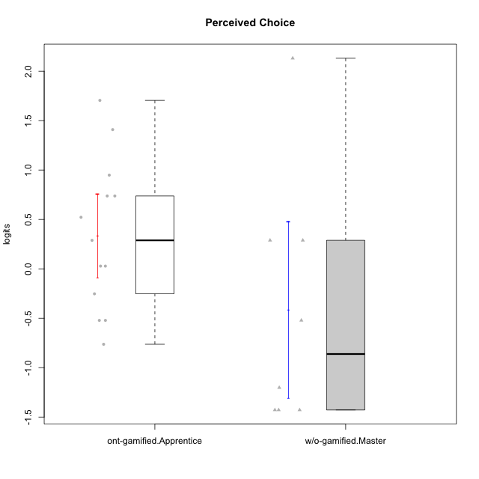

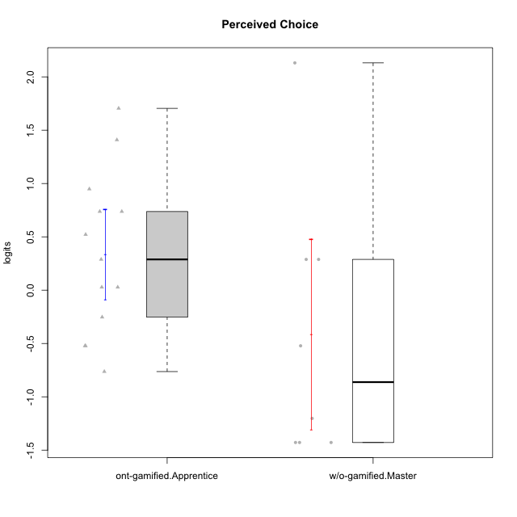

Student's t-Test data
UserID | NroUSP | Type | CLGroup | CLRole | PlayerRole | Perceived Choice | error | WLE.rel
10169 | 10377538 | ont-gamified | Resistance | Apprentice | Social Achiever | 0.94845899544 | 0.48903327391 | 0.78313739763
10174 | 10276852 | w/o-gamified | Grupo7 | Master |  | 0.28848039563 | 0.49570792202 | 0.78313739763
10179 | 10310759 | w/o-gamified | Grupo10 | Master |  | -1.4282828614 | 0.52680612256 | 0.78313739763
10186 | 10310551 | ont-gamified | Slayers | Apprentice | Social Achiever | 0.027805593039 | 0.50658336875 | 0.78313739763
10189 | 9363926 | ont-gamified | Vikings | Apprentice | Social Achiever | -0.52176693004 | 0.50180992864 | 0.78313739763
10191 | 10276981 | w/o-gamified | Grupo1 | Master |  | -0.52176693004 | 0.50180992864 | 0.78313739763
10192 | 10276682 | ont-gamified | Attractive Devils | Apprentice | Social Achiever | 0.73760253581 | 0.48271650943 | 0.78313739763
10198 | 10310888 | ont-gamified | Attractive Devils | Apprentice | Social Achiever | 0.28848039563 | 0.49570792202 | 0.78313739763
10200 | 9795272 | ont-gamified | Warriors | Apprentice | Social Achiever | 0.73760253581 | 0.48271650943 | 0.78313739763
10202 | 10277036 | ont-gamified | Silly Knights | Apprentice | Social Achiever | 0.52170542934 | 0.48588224545 | 0.78313739763
10203 | 9921470 | ont-gamified | Mercenaries | Apprentice | Social Achiever | 1.4091587336 | 0.54530690653 | 0.78313739763
10214 | 10277022 | ont-gamified | Vikings | Apprentice | Social Achiever | -0.76338837498 | 0.49357147849 | 0.78313739763
10219 | 10276831 | w/o-gamified | Grupo3 | Master |  | -1.4282828614 | 0.52680612256 | 0.78313739763
10221 | 9082496 | ont-gamified | Warriors | Apprentice | Social Achiever | -0.25281716725 | 0.50921918282 | 0.78313739763
10224 | 9368772 | ont-gamified | Mercenaries | Apprentice | Social Achiever | -0.52176693004 | 0.50180992864 | 0.78313739763
10227 | 9274382 | w/o-gamified | Grupo5 | Master |  | 0.28848039563 | 0.49570792202 | 0.78313739763
10228 | 10310492 | ont-gamified | Resistance | Apprentice | Social Achiever | 1.7048844314 | 0.6159106791 | 0.78313739763
10231 | 10276911 | w/o-gamified | Grupo9 | Master |  | 2.1312486137 | 0.76667640556 | 0.78313739763
10234 | 10310676 | w/o-gamified | Grupo4 | Master |  | -1.4282828614 | 0.52680612256 | 0.78313739763
10237 | 10377688 | ont-gamified | Outlaws | Apprentice | Social Achiever | 0.027805593039 | 0.50658336875 | 0.78313739763
10238 | 10276953 | w/o-gamified | Grupo2 | Master |  | -1.2024054983 | 0.50144059191 | 0.78313739763

Type_CLRole_4
Student's t-Test for Perceived Choice in Type:CLRole between ont-gamified.Master:w/o-gamified.Apprentice

Student's t-Test results
Alternative hypothesis: less
Group | N | Mean | Mean.Difference | Std.deviation | Std.error | CI.lower | CI.upper | df | t.value | p.value | g | magnitude
ont-gamified.Master | 9 | 0.81499622336 | 0.71071734567 | 0.74991771592 | 0.24997257197 | 0.31505107941 | 1.3149413673 | 19.751860859 | 2.0618988648 | 0.97368866451 | 0.79654537598 | medium
w/o-gamified.Apprentice | 15 | 0.10427887769 | -0.71071734567 | 0.91917397256 | 0.2373296992 | -0.37038052071 | 0.57893827608 | 19.751860859 | 2.0618988648 | 0.97368866451 | 0.79654537598 | medium
Alternative hypothesis: greater
Group | N | Mean | Mean.Difference | Std.deviation | Std.error | CI.lower | CI.upper | df | t.value | p.value | g | magnitude
ont-gamified.Master | 9 | 0.81499622336 | 0.71071734567 | 0.74991771592 | 0.24997257197 | 0.31505107941 | 1.3149413673 | 19.751860859 | 2.0618988648 | 0.026311335489 | 0.79654537598 | medium
w/o-gamified.Apprentice | 15 | 0.10427887769 | -0.71071734567 | 0.91917397256 | 0.2373296992 | -0.37038052071 | 0.57893827608 | 19.751860859 | 2.0618988648 | 0.026311335489 | 0.79654537598 | medium
Alternative hypothesis: two.sided
Group | N | Mean | Mean.Difference | Std.deviation | Std.error | CI.lower | CI.upper | df | t.value | p.value | g | magnitude
ont-gamified.Master | 9 | 0.81499622336 | 0.71071734567 | 0.74991771592 | 0.24997257197 | 0.31505107941 | 1.3149413673 | 19.751860859 | 2.0618988648 | 0.052622670978 | 0.79654537598 | medium
w/o-gamified.Apprentice | 15 | 0.10427887769 | -0.71071734567 | 0.91917397256 | 0.2373296992 | -0.37038052071 | 0.57893827608 | 19.751860859 | 2.0618988648 | 0.052622670978 | 0.79654537598 | medium

Box plots for Student's t-Test
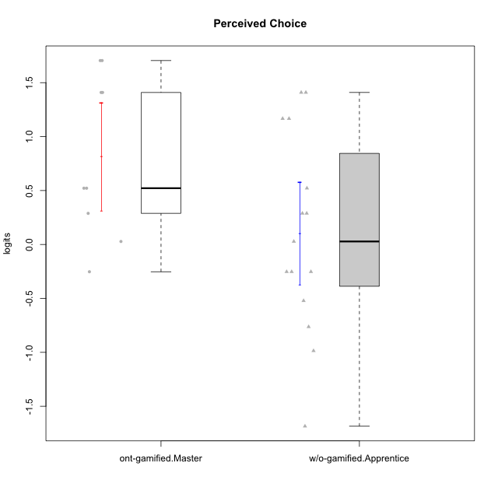

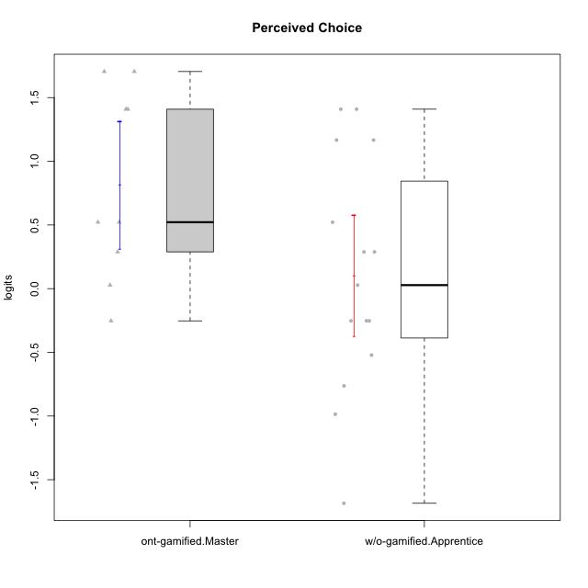

Student's t-Test data
UserID | NroUSP | Type | CLGroup | CLRole | PlayerRole | Perceived Choice | error | WLE.rel
10170 | 10260351 | w/o-gamified | Grupo11 | Apprentice |  | 1.4091587336 | 0.54530690653 | 0.78313739763
10171 | 698531 | ont-gamified | Mafia | Master | Social Achiever | 1.4091587336 | 0.54530690653 | 0.78313739763
10172 | 10273971 | w/o-gamified | Grupo5 | Apprentice |  | -0.98576058458 | 0.49201741295 | 0.78313739763
10175 | 10310700 | ont-gamified | Warriors | Master | Social Achiever | 1.7048844314 | 0.6159106791 | 0.78313739763
10176 | 10276949 | ont-gamified | Outlaws | Master | Social Achiever | -0.25281716725 | 0.50921918282 | 0.78313739763
10181 | 10276866 | w/o-gamified | Grupo2 | Apprentice |  | 0.28848039563 | 0.49570792202 | 0.78313739763
10183 | 10352030 | w/o-gamified | Grupo3 | Apprentice |  | 0.28848039563 | 0.49570792202 | 0.78313739763
10184 | 10276675 | w/o-gamified | Grupo10 | Apprentice |  | -0.25281716725 | 0.50921918282 | 0.78313739763
10185 | 10276960 | w/o-gamified | Grupo9 | Apprentice |  | -0.76338837498 | 0.49357147849 | 0.78313739763
10188 | 10276995 | ont-gamified | Vandals | Master | Yee Achiever | 1.7048844314 | 0.6159106791 | 0.78313739763
10190 | 10276907 | w/o-gamified | Grupo4 | Apprentice |  | -1.6849425313 | 0.57873923807 | 0.78313739763
10197 | 10276661 | w/o-gamified | Grupo8 | Apprentice |  | 1.1668519036 | 0.50789596245 | 0.78313739763
10199 | 10276737 | w/o-gamified | Grupo1 | Apprentice |  | -0.25281716725 | 0.50921918282 | 0.78313739763
10201 | 10276928 | w/o-gamified | Grupo11 | Apprentice |  | 0.027805593039 | 0.50658336875 | 0.78313739763
10206 | 10310721 | w/o-gamified | Grupo8 | Apprentice |  | 1.1668519036 | 0.50789596245 | 0.78313739763
10208 | 10276932 | ont-gamified | Mercenaries | Master | Social Achiever | 0.52170542934 | 0.48588224545 | 0.78313739763
10215 | 9285227 | ont-gamified | Vikings | Master | Social Achiever | 0.52170542934 | 0.48588224545 | 0.78313739763
10216 | 10276720 | ont-gamified | Silly Knights | Master | Social Achiever | 1.4091587336 | 0.54530690653 | 0.78313739763
10217 | 9805341 | w/o-gamified | Grupo9 | Apprentice |  | -0.25281716725 | 0.50921918282 | 0.78313739763
10218 | 9842913 | w/o-gamified | Grupo10 | Apprentice |  | -0.52176693004 | 0.50180992864 | 0.78313739763
10220 | 9760151 | w/o-gamified | Grupo3 | Apprentice |  | 1.4091587336 | 0.54530690653 | 0.78313739763
10223 | 9795185 | ont-gamified | Slayers | Master | Social Achiever | 0.28848039563 | 0.49570792202 | 0.78313739763
10230 | 10351992 | ont-gamified | Resistance | Master | Social Achiever | 0.027805593039 | 0.50658336875 | 0.78313739763
10232 | 10276974 | w/o-gamified | Grupo7 | Apprentice |  | 0.52170542934 | 0.48588224545 | 0.78313739763

Type_CLRole_5
Student's t-Test for Perceived Choice in Type:CLRole between ont-gamified.Master:w/o-gamified.Master

Student's t-Test results
Alternative hypothesis: less
Group | N | Mean | Mean.Difference | Std.deviation | Std.error | CI.lower | CI.upper | df | t.value | p.value | g | magnitude
ont-gamified.Master | 9 | 0.81499622336 | 1.2275976743 | 0.74991771592 | 0.24997257197 | 0.31505107941 | 1.3149413673 | 11.113364449 | 2.3973327578 | 0.98240602977 | 1.1394958089 | large
w/o-gamified.Master | 8 | -0.41260145095 | -1.2275976743 | 1.2640489582 | 0.44690879503 | -1.306419041 | 0.48121613911 | 11.113364449 | 2.3973327578 | 0.98240602977 | 1.1394958089 | large
Alternative hypothesis: greater
Group | N | Mean | Mean.Difference | Std.deviation | Std.error | CI.lower | CI.upper | df | t.value | p.value | g | magnitude
ont-gamified.Master | 9 | 0.81499622336 | 1.2275976743 | 0.74991771592 | 0.24997257197 | 0.31505107941 | 1.3149413673 | 11.113364449 | 2.3973327578 | 0.017593970233 | 1.1394958089 | large
w/o-gamified.Master | 8 | -0.41260145095 | -1.2275976743 | 1.2640489582 | 0.44690879503 | -1.306419041 | 0.48121613911 | 11.113364449 | 2.3973327578 | 0.017593970233 | 1.1394958089 | large
Alternative hypothesis: two.sided
Group | N | Mean | Mean.Difference | Std.deviation | Std.error | CI.lower | CI.upper | df | t.value | p.value | g | magnitude
ont-gamified.Master | 9 | 0.81499622336 | 1.2275976743 | 0.74991771592 | 0.24997257197 | 0.31505107941 | 1.3149413673 | 11.113364449 | 2.3973327578 | 0.035187940466 | 1.1394958089 | large
w/o-gamified.Master | 8 | -0.41260145095 | -1.2275976743 | 1.2640489582 | 0.44690879503 | -1.306419041 | 0.48121613911 | 11.113364449 | 2.3973327578 | 0.035187940466 | 1.1394958089 | large

Box plots for Student's t-Test


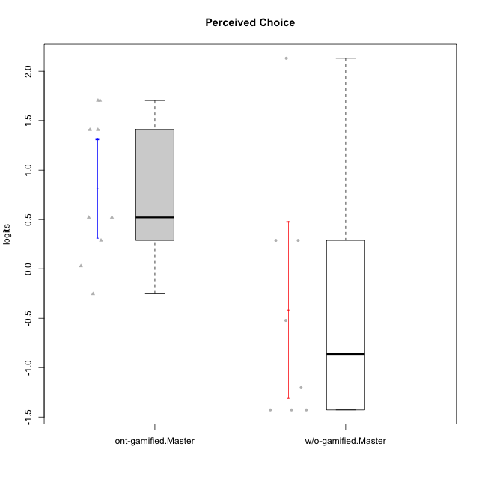

Student's t-Test data
UserID | NroUSP | Type | CLGroup | CLRole | PlayerRole | Perceived Choice | error | WLE.rel
10171 | 698531 | ont-gamified | Mafia | Master | Social Achiever | 1.4091587336 | 0.54530690653 | 0.78313739763
10174 | 10276852 | w/o-gamified | Grupo7 | Master |  | 0.28848039563 | 0.49570792202 | 0.78313739763
10175 | 10310700 | ont-gamified | Warriors | Master | Social Achiever | 1.7048844314 | 0.6159106791 | 0.78313739763
10176 | 10276949 | ont-gamified | Outlaws | Master | Social Achiever | -0.25281716725 | 0.50921918282 | 0.78313739763
10179 | 10310759 | w/o-gamified | Grupo10 | Master |  | -1.4282828614 | 0.52680612256 | 0.78313739763
10188 | 10276995 | ont-gamified | Vandals | Master | Yee Achiever | 1.7048844314 | 0.6159106791 | 0.78313739763
10191 | 10276981 | w/o-gamified | Grupo1 | Master |  | -0.52176693004 | 0.50180992864 | 0.78313739763
10208 | 10276932 | ont-gamified | Mercenaries | Master | Social Achiever | 0.52170542934 | 0.48588224545 | 0.78313739763
10215 | 9285227 | ont-gamified | Vikings | Master | Social Achiever | 0.52170542934 | 0.48588224545 | 0.78313739763
10216 | 10276720 | ont-gamified | Silly Knights | Master | Social Achiever | 1.4091587336 | 0.54530690653 | 0.78313739763
10219 | 10276831 | w/o-gamified | Grupo3 | Master |  | -1.4282828614 | 0.52680612256 | 0.78313739763
10223 | 9795185 | ont-gamified | Slayers | Master | Social Achiever | 0.28848039563 | 0.49570792202 | 0.78313739763
10227 | 9274382 | w/o-gamified | Grupo5 | Master |  | 0.28848039563 | 0.49570792202 | 0.78313739763
10230 | 10351992 | ont-gamified | Resistance | Master | Social Achiever | 0.027805593039 | 0.50658336875 | 0.78313739763
10231 | 10276911 | w/o-gamified | Grupo9 | Master |  | 2.1312486137 | 0.76667640556 | 0.78313739763
10234 | 10310676 | w/o-gamified | Grupo4 | Master |  | -1.4282828614 | 0.52680612256 | 0.78313739763
10238 | 10276953 | w/o-gamified | Grupo2 | Master |  | -1.2024054983 | 0.50144059191 | 0.78313739763

Type_CLRole_6
Student's t-Test for Perceived Choice in Type:CLRole between w/o-gamified.Apprentice:w/o-gamified.Master

Student's t-Test results
Alternative hypothesis: less
Group | N | Mean | Mean.Difference | Std.deviation | Std.error | CI.lower | CI.upper | df | t.value | p.value | g | magnitude
w/o-gamified.Apprentice | 15 | 0.10427887769 | 0.51688032864 | 0.91917397256 | 0.2373296992 | -0.37038052071 | 0.57893827608 | 11.064872772 | 1.021469 | 0.83557661841 | 0.47590938797 | small
w/o-gamified.Master | 8 | -0.41260145095 | -0.51688032864 | 1.2640489582 | 0.44690879503 | -1.306419041 | 0.48121613911 | 11.064872772 | 1.021469 | 0.83557661841 | 0.47590938797 | small
Alternative hypothesis: greater
Group | N | Mean | Mean.Difference | Std.deviation | Std.error | CI.lower | CI.upper | df | t.value | p.value | g | magnitude
w/o-gamified.Apprentice | 15 | 0.10427887769 | 0.51688032864 | 0.91917397256 | 0.2373296992 | -0.37038052071 | 0.57893827608 | 11.064872772 | 1.021469 | 0.16442338159 | 0.47590938797 | small
w/o-gamified.Master | 8 | -0.41260145095 | -0.51688032864 | 1.2640489582 | 0.44690879503 | -1.306419041 | 0.48121613911 | 11.064872772 | 1.021469 | 0.16442338159 | 0.47590938797 | small
Alternative hypothesis: two.sided
Group | N | Mean | Mean.Difference | Std.deviation | Std.error | CI.lower | CI.upper | df | t.value | p.value | g | magnitude
w/o-gamified.Apprentice | 15 | 0.10427887769 | 0.51688032864 | 0.91917397256 | 0.2373296992 | -0.37038052071 | 0.57893827608 | 11.064872772 | 1.021469 | 0.32884676318 | 0.47590938797 | small
w/o-gamified.Master | 8 | -0.41260145095 | -0.51688032864 | 1.2640489582 | 0.44690879503 | -1.306419041 | 0.48121613911 | 11.064872772 | 1.021469 | 0.32884676318 | 0.47590938797 | small

Box plots for Student's t-Test
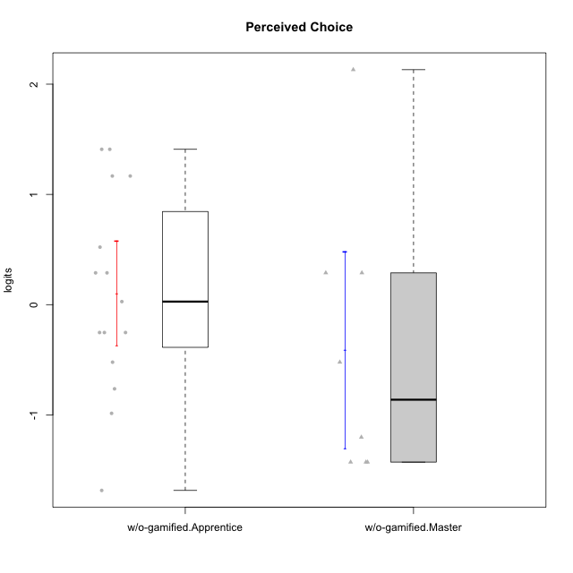

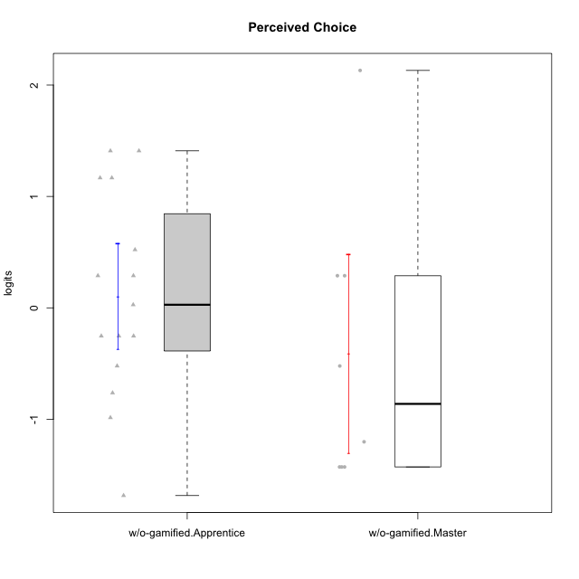

Student's t-Test data
UserID | NroUSP | Type | CLGroup | CLRole | PlayerRole | Perceived Choice | error | WLE.rel
10170 | 10260351 | w/o-gamified | Grupo11 | Apprentice |  | 1.4091587336 | 0.54530690653 | 0.78313739763
10172 | 10273971 | w/o-gamified | Grupo5 | Apprentice |  | -0.98576058458 | 0.49201741295 | 0.78313739763
10174 | 10276852 | w/o-gamified | Grupo7 | Master |  | 0.28848039563 | 0.49570792202 | 0.78313739763
10179 | 10310759 | w/o-gamified | Grupo10 | Master |  | -1.4282828614 | 0.52680612256 | 0.78313739763
10181 | 10276866 | w/o-gamified | Grupo2 | Apprentice |  | 0.28848039563 | 0.49570792202 | 0.78313739763
10183 | 10352030 | w/o-gamified | Grupo3 | Apprentice |  | 0.28848039563 | 0.49570792202 | 0.78313739763
10184 | 10276675 | w/o-gamified | Grupo10 | Apprentice |  | -0.25281716725 | 0.50921918282 | 0.78313739763
10185 | 10276960 | w/o-gamified | Grupo9 | Apprentice |  | -0.76338837498 | 0.49357147849 | 0.78313739763
10190 | 10276907 | w/o-gamified | Grupo4 | Apprentice |  | -1.6849425313 | 0.57873923807 | 0.78313739763
10191 | 10276981 | w/o-gamified | Grupo1 | Master |  | -0.52176693004 | 0.50180992864 | 0.78313739763
10197 | 10276661 | w/o-gamified | Grupo8 | Apprentice |  | 1.1668519036 | 0.50789596245 | 0.78313739763
10199 | 10276737 | w/o-gamified | Grupo1 | Apprentice |  | -0.25281716725 | 0.50921918282 | 0.78313739763
10201 | 10276928 | w/o-gamified | Grupo11 | Apprentice |  | 0.027805593039 | 0.50658336875 | 0.78313739763
10206 | 10310721 | w/o-gamified | Grupo8 | Apprentice |  | 1.1668519036 | 0.50789596245 | 0.78313739763
10217 | 9805341 | w/o-gamified | Grupo9 | Apprentice |  | -0.25281716725 | 0.50921918282 | 0.78313739763
10218 | 9842913 | w/o-gamified | Grupo10 | Apprentice |  | -0.52176693004 | 0.50180992864 | 0.78313739763
10219 | 10276831 | w/o-gamified | Grupo3 | Master |  | -1.4282828614 | 0.52680612256 | 0.78313739763
10220 | 9760151 | w/o-gamified | Grupo3 | Apprentice |  | 1.4091587336 | 0.54530690653 | 0.78313739763
10227 | 9274382 | w/o-gamified | Grupo5 | Master |  | 0.28848039563 | 0.49570792202 | 0.78313739763
10231 | 10276911 | w/o-gamified | Grupo9 | Master |  | 2.1312486137 | 0.76667640556 | 0.78313739763
10232 | 10276974 | w/o-gamified | Grupo7 | Apprentice |  | 0.52170542934 | 0.48588224545 | 0.78313739763
10234 | 10310676 | w/o-gamified | Grupo4 | Master |  | -1.4282828614 | 0.52680612256 | 0.78313739763
10238 | 10276953 | w/o-gamified | Grupo2 | Master |  | -1.2024054983 | 0.50144059191 | 0.78313739763

