Assumptions
ANOVA assumptions for Satisfaction

Shapiro-Wilk normality test for Satisfaction
W | p.value
0.9679333259 | 0.18127781306

Plots for normality test
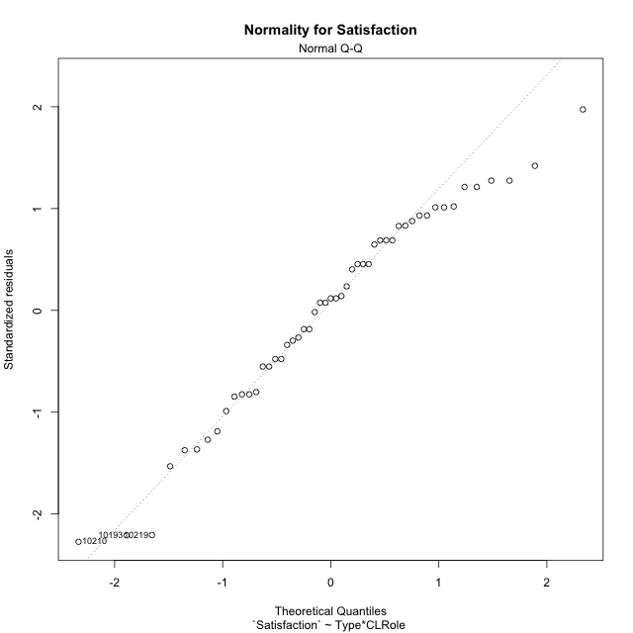

Levene's Test for Homogeneity of Variance in Satisfaction
Df | F value | Pr(>F)
3 | 1.0749875231 | 0.36880137407
47

Plots for homogeneity of variance
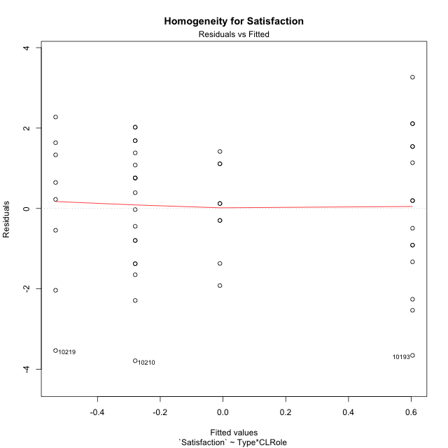

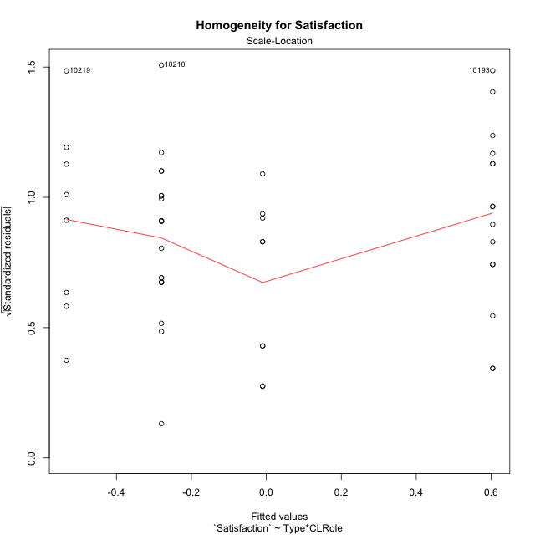

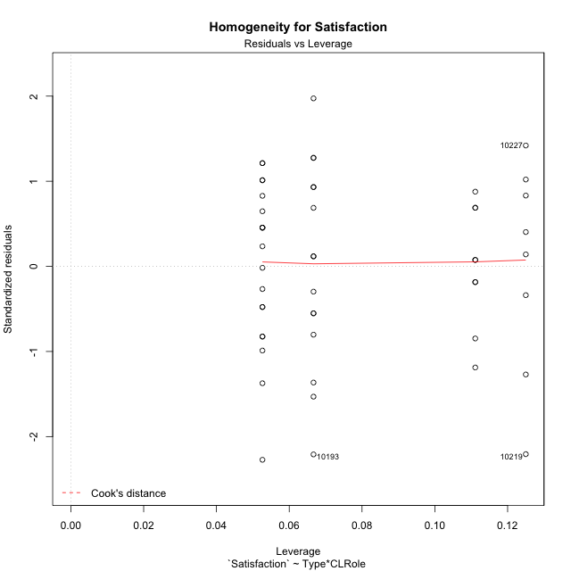

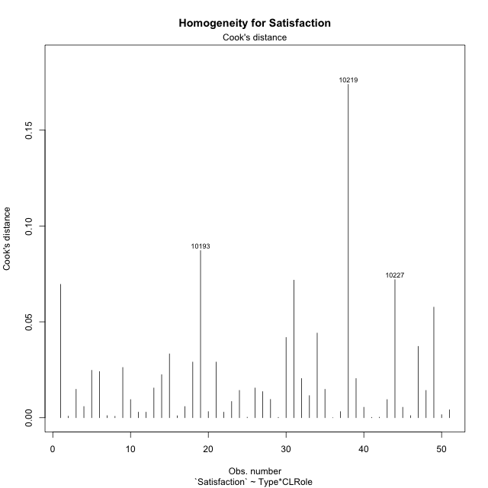

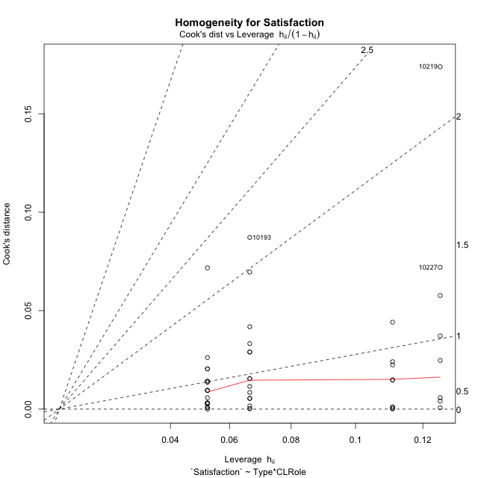

Minimum Sample Size Test for Satisfaction
Type | CLRole | Freq
ont-gamified | Apprentice | 15
w/o-gamified | Apprentice | 19
ont-gamified | Master | 9
w/o-gamified | Master | 8

Errors and Warnings in Sample Size Test for ANOVA in Satisfaction
code | description
WARN: sample.size | current.size is = 9 and recommended.size must be = 15 for the group: 'ont-gamified:Master'. Size sample for parametric test isn't recomended
WARN: sample.size | current.size is = 8 and recommended.size must be = 15 for the group: 'w/o-gamified:Master'. Size sample for parametric test isn't recomended

For the group: 'ont-gamified:Apprentice', you can perform a parametric test with a non-normal distribution For the group: 'w/o-gamified:Apprentice', you can perform a parametric test with a non-normal distribution For the group: 'ont-gamified:Master', we recommend the use of non parametric test. For the group: 'w/o-gamified:Master', we recommend the use of non parametric test.

If you don't want to remove non-normal data, you must cite the following references: ... (1) Lix, L.M., J.C. Keselman, and H.J. Keselman. 1996. Consequences of assumption violations revisited: A quantitative review of alternatives to the one-way analysis of variance F test. Rev. Educ. Res. 66: 579-619. ... (2) Harwell, M.R., E.N. Rubinstein, W.S. Hayes, and C.C. Olds. 1992. Summarizing Monte Carlo results in methodological research: the one- and two-factor fixed effects ANOVA cases. J. Educ. Stat. 17: 315-339.

Post-hoc
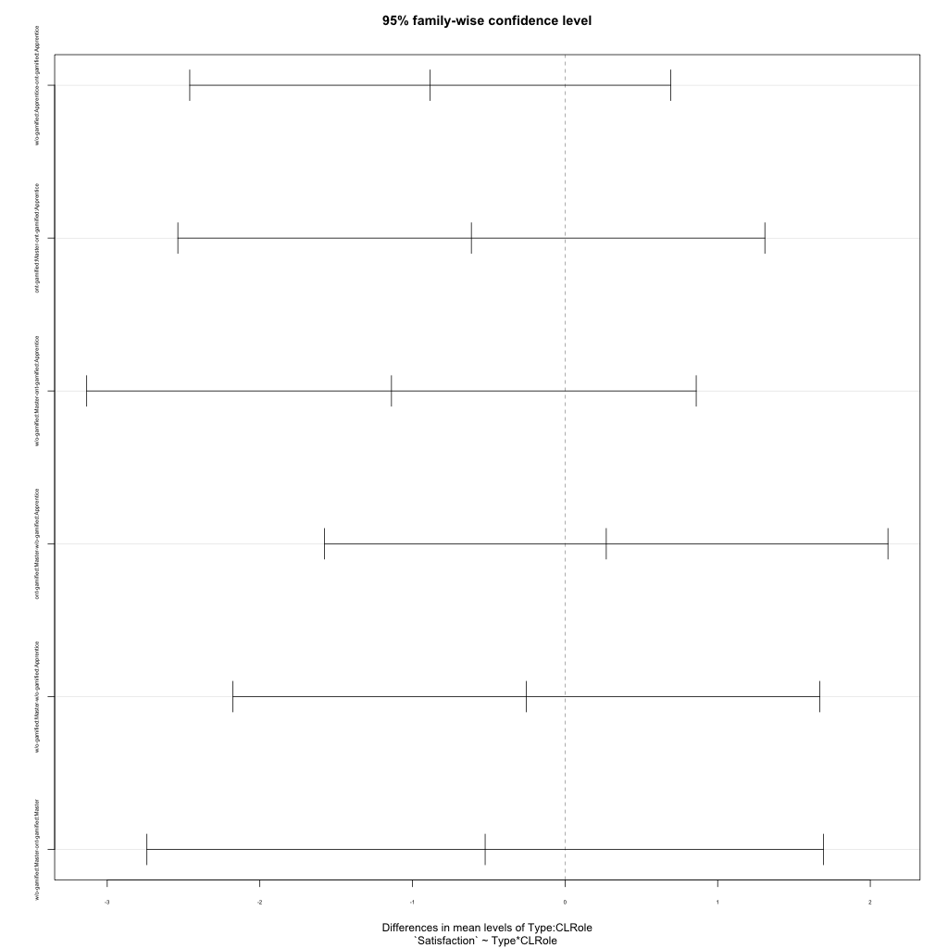
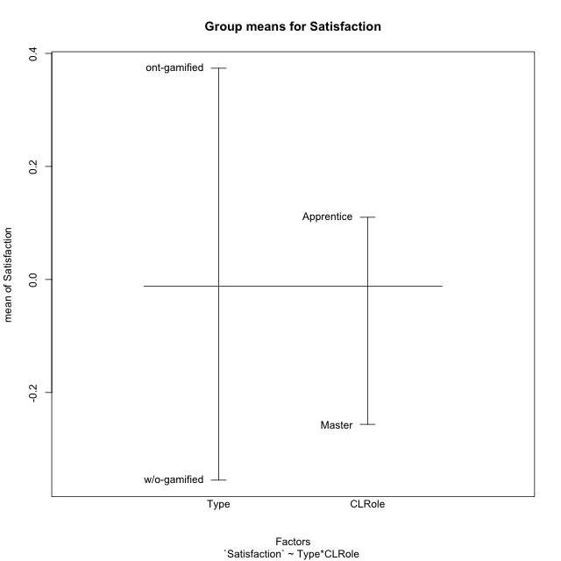
Post-hoc Tukey Honestly Significant Difference (HSD) Test for Satisfaction

Comparisons of means for Type
 | diff | lwr | upr | p adj
w/o-gamified-ont-gamified | -0.72881340449 | -1.695364133 | 0.23773732399 | 0.13598389542

Comparisons of means for CLRole
 | diff | lwr | upr | p adj
Master-Apprentice | -0.4306673421 | -1.4540739958 | 0.59273931159 | 0.40152182077

Comparisons of means for Type:CLRole
 | diff | lwr | upr | p adj
w/o-gamified:Apprentice-ont-gamified:Apprentice | -0.88388454387 | -2.4593423618 | 0.69157327401 | 0.44900711497
ont-gamified:Master-ont-gamified:Apprentice | -0.61390181898 | -2.5371196981 | 1.3093160601 | 0.83014132663
w/o-gamified:Master-ont-gamified:Apprentice | -1.1374889381 | -3.1344198791 | 0.85944200288 | 0.43561331143
ont-gamified:Master-w/o-gamified:Apprentice | 0.26998272489 | -1.5757580718 | 2.1157235216 | 0.97968338544
w/o-gamified:Master-w/o-gamified:Apprentice | -0.25360439424 | -2.1760313138 | 1.6688225254 | 0.98492998712
w/o-gamified:Master-ont-gamified:Master | -0.52358711913 | -2.7399862113 | 1.692811973 | 0.92214437496

Contrast Matrices for Satisfaction - Type
contrast | estimate | SE | df | t.ratio | p.value
ont-gamified - w/o-gamified | 0.7037358315 | 0.51049270243 | 47 | 1.3785423928 | 0.17456256083

Contrast Matrices for Satisfaction - Type:CLRole
contrast | CLRole | estimate | SE | df | t.ratio | p.value
ont-gamified - w/o-gamified | Apprentice | 0.88388454387 | 0.59152367823 | 47 | 1.4942504863 | 0.14179415763
ont-gamified - w/o-gamified | Master | 0.52358711913 | 0.83217241904 | 47 | 0.62918105329 | 0.5322769637

Least Squares Means and Confidence Intervals for Type
Type | lsmean | SE | df | lower.CL | upper.CL | Pairs
ont-gamified | 0.29707764513 | 0.36104708769 | 47 | -0.42925540855 | 1.0234106988 | ont-gamified
w/o-gamified | -0.40665818637 | 0.3608986003 | 47 | -1.1326925219 | 0.3193761492 | w/o-gamified

Least Squares Means and Confidence Intervals for Type:CLRole
Type | CLRole | lsmean | SE | df | lower.CL | upper.CL | Pairs
ont-gamified | Apprentice | 0.60402855463 | 0.44219056898 | 47 | -0.28554412779 | 1.493601237 | ont-gamified.Apprentice
w/o-gamified | Apprentice | -0.27985598925 | 0.39289663094 | 47 | -1.0702620594 | 0.51055008092 | w/o-gamified.Apprentice
ont-gamified | Master | -0.0098732643578 | 0.57086556984 | 47 | -1.1583066591 | 1.1385601304 | ont-gamified.Master
w/o-gamified | Master | -0.53346038349 | 0.60549437337 | 47 | -1.7515579452 | 0.68463717826 | w/o-gamified.Master

Plots

Type_1
Student's t-Test for Satisfaction in Type between ont-gamified:w/o-gamified

Student's t-Test results
Alternative hypothesis: less
Group | N | Mean | Mean.Difference | Std.deviation | Std.error | CI.lower | CI.upper | df | t.value | p.value | g | magnitude
ont-gamified | 24 | 0.37381537251 | 0.72881340449 | 1.7014311483 | 0.34730317881 | -0.32079098512 | 1.0684217301 | 48.180411079 | 1.5341668526 | 0.93423514953 | 0.42403530937 | small
w/o-gamified | 27 | -0.35499803199 | -0.72881340449 | 1.6842076905 | 0.32412592116 | -1.0032498743 | 0.29325381034 | 48.180411079 | 1.5341668526 | 0.93423514953 | 0.42403530937 | small
Alternative hypothesis: greater
Group | N | Mean | Mean.Difference | Std.deviation | Std.error | CI.lower | CI.upper | df | t.value | p.value | g | magnitude
ont-gamified | 24 | 0.37381537251 | 0.72881340449 | 1.7014311483 | 0.34730317881 | -0.32079098512 | 1.0684217301 | 48.180411079 | 1.5341668526 | 0.065764850473 | 0.42403530937 | small
w/o-gamified | 27 | -0.35499803199 | -0.72881340449 | 1.6842076905 | 0.32412592116 | -1.0032498743 | 0.29325381034 | 48.180411079 | 1.5341668526 | 0.065764850473 | 0.42403530937 | small
Alternative hypothesis: two.sided
Group | N | Mean | Mean.Difference | Std.deviation | Std.error | CI.lower | CI.upper | df | t.value | p.value | g | magnitude
ont-gamified | 24 | 0.37381537251 | 0.72881340449 | 1.7014311483 | 0.34730317881 | -0.32079098512 | 1.0684217301 | 48.180411079 | 1.5341668526 | 0.13152970095 | 0.42403530937 | small
w/o-gamified | 27 | -0.35499803199 | -0.72881340449 | 1.6842076905 | 0.32412592116 | -1.0032498743 | 0.29325381034 | 48.180411079 | 1.5341668526 | 0.13152970095 | 0.42403530937 | small

Box plots for Student's t-Test
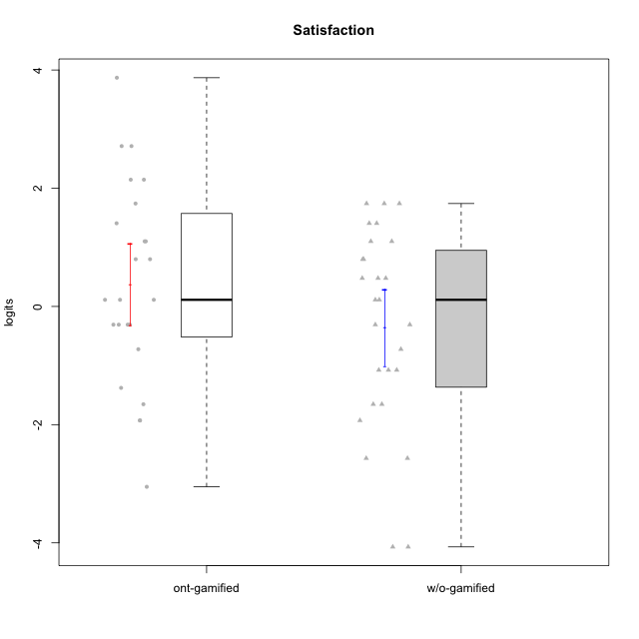

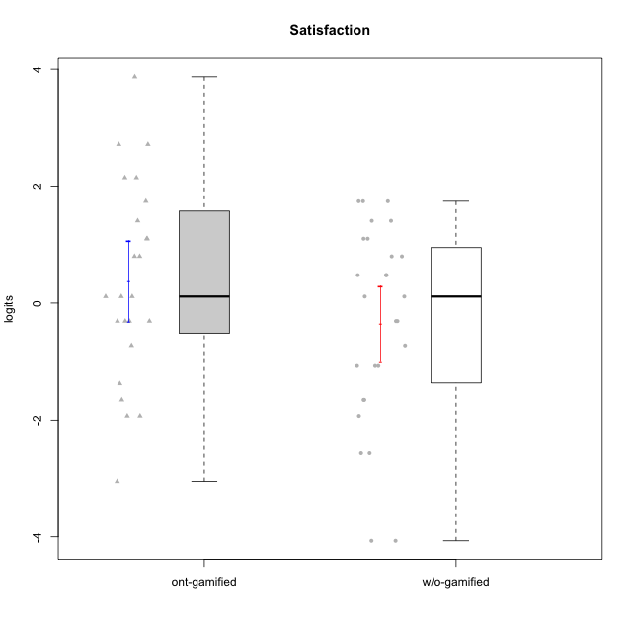

Student's t-Test data
UserID | NroUSP | Type | CLGroup | CLRole | PlayerRole | Satisfaction | error | WLE.rel
10169 | 10377538 | ont-gamified | Resistance | Apprentice | Social Achiever | 3.8695985246 | 1.4777477239 | 0.8369966528
10170 | 10260351 | w/o-gamified | Grupo11 | Apprentice |  | 0.11236566262 | 0.61133555502 | 0.8369966528
10171 | 698531 | ont-gamified | Mafia | Master | Social Achiever | 1.1012785783 | 0.57583233866 | 0.8369966528
10172 | 10273971 | w/o-gamified | Grupo5 | Apprentice |  | 0.79912086657 | 0.57627148757 | 0.8369966528
10174 | 10276852 | w/o-gamified | Grupo7 | Master |  | 0.79912086657 | 0.57627148757 | 0.8369966528
10175 | 10310700 | ont-gamified | Warriors | Master | Social Achiever | 1.4069388363 | 0.59215935074 | 0.8369966528
10176 | 10276949 | ont-gamified | Outlaws | Master | Social Achiever | -0.3083347607 | 0.6213293787 | 0.8369966528
10179 | 10310759 | w/o-gamified | Grupo10 | Master |  | -0.3083347607 | 0.6213293787 | 0.8369966528
10181 | 10276866 | w/o-gamified | Grupo2 | Apprentice |  | -2.5689137605 | 0.66532047446 | 0.8369966528
10183 | 10352030 | w/o-gamified | Grupo3 | Apprentice |  | -1.6546929038 | 0.5519564059 | 0.8369966528
10184 | 10276675 | w/o-gamified | Grupo10 | Apprentice |  | 0.47790800193 | 0.59012566017 | 0.8369966528
10185 | 10276960 | w/o-gamified | Grupo9 | Apprentice |  | 0.47790800193 | 0.59012566017 | 0.8369966528
10186 | 10310551 | ont-gamified | Slayers | Apprentice | Social Achiever | 2.1446451052 | 0.71020176262 | 0.8369966528
10188 | 10276995 | ont-gamified | Vandals | Master | Yee Achiever | -1.3776801175 | 0.55681003286 | 0.8369966528
10189 | 9363926 | ont-gamified | Vikings | Apprentice | Social Achiever | -1.6546929038 | 0.5519564059 | 0.8369966528
10190 | 10276907 | w/o-gamified | Grupo4 | Apprentice |  | -0.72412252242 | 0.60299026683 | 0.8369966528
10191 | 10276981 | w/o-gamified | Grupo1 | Master |  | 0.11236566262 | 0.61133555502 | 0.8369966528
10192 | 10276682 | ont-gamified | Attractive Devils | Apprentice | Social Achiever | 2.7127462026 | 0.88012354368 | 0.8369966528
10193 | 10276762 | ont-gamified | Vandals | Apprentice | Yee Achiever | -3.0515754558 | 0.81775443965 | 0.8369966528
10197 | 10276661 | w/o-gamified | Grupo8 | Apprentice |  | -1.076174263 | 0.57546891486 | 0.8369966528
10198 | 10310888 | ont-gamified | Attractive Devils | Apprentice | Social Achiever | 2.7127462026 | 0.88012354368 | 0.8369966528
10199 | 10276737 | w/o-gamified | Grupo1 | Apprentice |  | 0.47790800193 | 0.59012566017 | 0.8369966528
10200 | 9795272 | ont-gamified | Warriors | Apprentice | Social Achiever | 1.7412372452 | 0.63156263217 | 0.8369966528
10201 | 10276928 | w/o-gamified | Grupo11 | Apprentice |  | 1.4069388363 | 0.59215935074 | 0.8369966528
10202 | 10277036 | ont-gamified | Silly Knights | Apprentice | Social Achiever | 0.79912086657 | 0.57627148757 | 0.8369966528
10203 | 9921470 | ont-gamified | Mercenaries | Apprentice | Social Achiever | 2.1446451052 | 0.71020176262 | 0.8369966528
10204 | 10310471 | w/o-gamified | Grupo6 | Apprentice |  | -1.9287370583 | 0.56335007944 | 0.8369966528
10206 | 10310721 | w/o-gamified | Grupo8 | Apprentice |  | 1.1012785783 | 0.57583233866 | 0.8369966528
10208 | 10276932 | ont-gamified | Mercenaries | Master | Social Achiever | 0.11236566262 | 0.61133555502 | 0.8369966528
10209 | 10262669 | ont-gamified | Mafia | Apprentice | Social Achiever | -1.9287370583 | 0.56335007944 | 0.8369966528
10210 | 10277015 | w/o-gamified | Grupo6 | Apprentice |  | -4.0682626363 | 1.3656254135 | 0.8369966528
10213 | 10277040 | w/o-gamified | Grupo7 | Apprentice |  | 1.7412372452 | 0.63156263217 | 0.8369966528
10214 | 10277022 | ont-gamified | Vikings | Apprentice | Social Achiever | -0.72412252242 | 0.60299026683 | 0.8369966528
10215 | 9285227 | ont-gamified | Vikings | Master | Social Achiever | -1.9287370583 | 0.56335007944 | 0.8369966528
10216 | 10276720 | ont-gamified | Silly Knights | Master | Social Achiever | 1.1012785783 | 0.57583233866 | 0.8369966528
10217 | 9805341 | w/o-gamified | Grupo9 | Apprentice |  | -0.3083347607 | 0.6213293787 | 0.8369966528
10218 | 9842913 | w/o-gamified | Grupo10 | Apprentice |  | -1.076174263 | 0.57546891486 | 0.8369966528
10219 | 10276831 | w/o-gamified | Grupo3 | Master |  | -4.0682626363 | 1.3656254135 | 0.8369966528
10220 | 9760151 | w/o-gamified | Grupo3 | Apprentice |  | 1.7412372452 | 0.63156263217 | 0.8369966528
10221 | 9082496 | ont-gamified | Warriors | Apprentice | Social Achiever | -0.3083347607 | 0.6213293787 | 0.8369966528
10223 | 9795185 | ont-gamified | Slayers | Master | Social Achiever | 0.11236566262 | 0.61133555502 | 0.8369966528
10224 | 9368772 | ont-gamified | Mercenaries | Apprentice | Social Achiever | 0.79912086657 | 0.57627148757 | 0.8369966528
10226 | 10310342 | w/o-gamified | Grupo4 | Apprentice |  | -1.6546929038 | 0.5519564059 | 0.8369966528
10227 | 9274382 | w/o-gamified | Grupo5 | Master |  | 1.7412372452 | 0.63156263217 | 0.8369966528
10228 | 10310492 | ont-gamified | Resistance | Apprentice | Social Achiever | -0.3083347607 | 0.6213293787 | 0.8369966528
10230 | 10351992 | ont-gamified | Resistance | Master | Social Achiever | -0.3083347607 | 0.6213293787 | 0.8369966528
10231 | 10276911 | w/o-gamified | Grupo9 | Master |  | 1.1012785783 | 0.57583233866 | 0.8369966528
10232 | 10276974 | w/o-gamified | Grupo7 | Apprentice |  | 1.4069388363 | 0.59215935074 | 0.8369966528
10234 | 10310676 | w/o-gamified | Grupo4 | Master |  | -2.5689137605 | 0.66532047446 | 0.8369966528
10237 | 10377688 | ont-gamified | Outlaws | Apprentice | Social Achiever | 0.11236566262 | 0.61133555502 | 0.8369966528
10238 | 10276953 | w/o-gamified | Grupo2 | Master |  | -1.076174263 | 0.57546891486 | 0.8369966528

Type_CLRole_1
Student's t-Test for Satisfaction in Type:CLRole between ont-gamified.Apprentice:ont-gamified.Master

Student's t-Test results
Alternative hypothesis: less
Group | N | Mean | Mean.Difference | Std.deviation | Std.error | CI.lower | CI.upper | df | t.value | p.value | g | magnitude
ont-gamified.Apprentice | 15 | 0.60402855463 | 0.61390181898 | 1.9680372398 | 0.50814503031 | -0.41226150599 | 1.6203186152 | 21.993103544 | 0.97017787078 | 0.82874631416 | 0.34627271836 | small
ont-gamified.Master | 9 | -0.0098732643578 | -0.61390181898 | 1.131241047 | 0.37708034899 | -0.76403396234 | 0.74428743362 | 21.993103544 | 0.97017787078 | 0.82874631416 | 0.34627271836 | small
Alternative hypothesis: greater
Group | N | Mean | Mean.Difference | Std.deviation | Std.error | CI.lower | CI.upper | df | t.value | p.value | g | magnitude
ont-gamified.Apprentice | 15 | 0.60402855463 | 0.61390181898 | 1.9680372398 | 0.50814503031 | -0.41226150599 | 1.6203186152 | 21.993103544 | 0.97017787078 | 0.17125368584 | 0.34627271836 | small
ont-gamified.Master | 9 | -0.0098732643578 | -0.61390181898 | 1.131241047 | 0.37708034899 | -0.76403396234 | 0.74428743362 | 21.993103544 | 0.97017787078 | 0.17125368584 | 0.34627271836 | small
Alternative hypothesis: two.sided
Group | N | Mean | Mean.Difference | Std.deviation | Std.error | CI.lower | CI.upper | df | t.value | p.value | g | magnitude
ont-gamified.Apprentice | 15 | 0.60402855463 | 0.61390181898 | 1.9680372398 | 0.50814503031 | -0.41226150599 | 1.6203186152 | 21.993103544 | 0.97017787078 | 0.34250737167 | 0.34627271836 | small
ont-gamified.Master | 9 | -0.0098732643578 | -0.61390181898 | 1.131241047 | 0.37708034899 | -0.76403396234 | 0.74428743362 | 21.993103544 | 0.97017787078 | 0.34250737167 | 0.34627271836 | small

Box plots for Student's t-Test
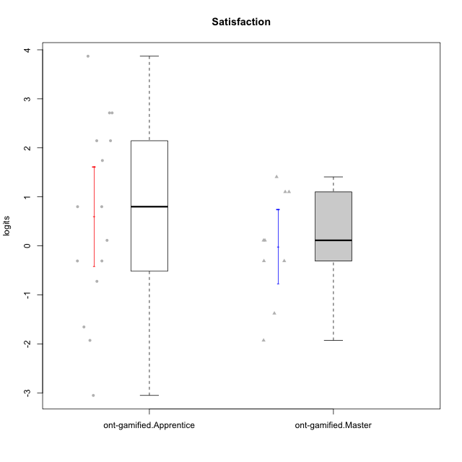

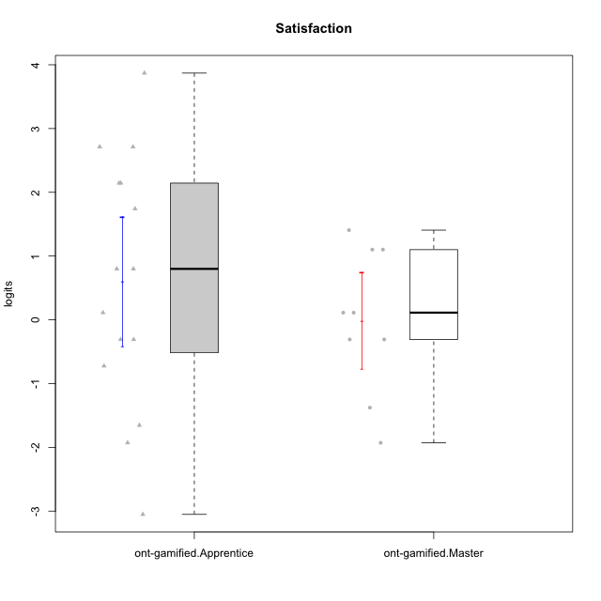

Student's t-Test data
UserID | NroUSP | Type | CLGroup | CLRole | PlayerRole | Satisfaction | error | WLE.rel
10169 | 10377538 | ont-gamified | Resistance | Apprentice | Social Achiever | 3.8695985246 | 1.4777477239 | 0.8369966528
10171 | 698531 | ont-gamified | Mafia | Master | Social Achiever | 1.1012785783 | 0.57583233866 | 0.8369966528
10175 | 10310700 | ont-gamified | Warriors | Master | Social Achiever | 1.4069388363 | 0.59215935074 | 0.8369966528
10176 | 10276949 | ont-gamified | Outlaws | Master | Social Achiever | -0.3083347607 | 0.6213293787 | 0.8369966528
10186 | 10310551 | ont-gamified | Slayers | Apprentice | Social Achiever | 2.1446451052 | 0.71020176262 | 0.8369966528
10188 | 10276995 | ont-gamified | Vandals | Master | Yee Achiever | -1.3776801175 | 0.55681003286 | 0.8369966528
10189 | 9363926 | ont-gamified | Vikings | Apprentice | Social Achiever | -1.6546929038 | 0.5519564059 | 0.8369966528
10192 | 10276682 | ont-gamified | Attractive Devils | Apprentice | Social Achiever | 2.7127462026 | 0.88012354368 | 0.8369966528
10193 | 10276762 | ont-gamified | Vandals | Apprentice | Yee Achiever | -3.0515754558 | 0.81775443965 | 0.8369966528
10198 | 10310888 | ont-gamified | Attractive Devils | Apprentice | Social Achiever | 2.7127462026 | 0.88012354368 | 0.8369966528
10200 | 9795272 | ont-gamified | Warriors | Apprentice | Social Achiever | 1.7412372452 | 0.63156263217 | 0.8369966528
10202 | 10277036 | ont-gamified | Silly Knights | Apprentice | Social Achiever | 0.79912086657 | 0.57627148757 | 0.8369966528
10203 | 9921470 | ont-gamified | Mercenaries | Apprentice | Social Achiever | 2.1446451052 | 0.71020176262 | 0.8369966528
10208 | 10276932 | ont-gamified | Mercenaries | Master | Social Achiever | 0.11236566262 | 0.61133555502 | 0.8369966528
10209 | 10262669 | ont-gamified | Mafia | Apprentice | Social Achiever | -1.9287370583 | 0.56335007944 | 0.8369966528
10214 | 10277022 | ont-gamified | Vikings | Apprentice | Social Achiever | -0.72412252242 | 0.60299026683 | 0.8369966528
10215 | 9285227 | ont-gamified | Vikings | Master | Social Achiever | -1.9287370583 | 0.56335007944 | 0.8369966528
10216 | 10276720 | ont-gamified | Silly Knights | Master | Social Achiever | 1.1012785783 | 0.57583233866 | 0.8369966528
10221 | 9082496 | ont-gamified | Warriors | Apprentice | Social Achiever | -0.3083347607 | 0.6213293787 | 0.8369966528
10223 | 9795185 | ont-gamified | Slayers | Master | Social Achiever | 0.11236566262 | 0.61133555502 | 0.8369966528
10224 | 9368772 | ont-gamified | Mercenaries | Apprentice | Social Achiever | 0.79912086657 | 0.57627148757 | 0.8369966528
10228 | 10310492 | ont-gamified | Resistance | Apprentice | Social Achiever | -0.3083347607 | 0.6213293787 | 0.8369966528
10230 | 10351992 | ont-gamified | Resistance | Master | Social Achiever | -0.3083347607 | 0.6213293787 | 0.8369966528
10237 | 10377688 | ont-gamified | Outlaws | Apprentice | Social Achiever | 0.11236566262 | 0.61133555502 | 0.8369966528

Type_CLRole_2
Student's t-Test for Satisfaction in Type:CLRole between ont-gamified.Apprentice:w/o-gamified.Apprentice

Student's t-Test results
Alternative hypothesis: less
Group | N | Mean | Mean.Difference | Std.deviation | Std.error | CI.lower | CI.upper | df | t.value | p.value | g | magnitude
ont-gamified.Apprentice | 15 | 0.60402855463 | 0.88388454387 | 1.9680372398 | 0.50814503031 | -0.41226150599 | 1.6203186152 | 26.811877172 | 1.4085316672 | 0.91476745958 | 0.48675536259 | small
w/o-gamified.Apprentice | 19 | -0.27985598925 | -0.88388454387 | 1.6049536392 | 0.36820161696 | -1.0162592232 | 0.45654724466 | 26.811877172 | 1.4085316672 | 0.91476745958 | 0.48675536259 | small
Alternative hypothesis: greater
Group | N | Mean | Mean.Difference | Std.deviation | Std.error | CI.lower | CI.upper | df | t.value | p.value | g | magnitude
ont-gamified.Apprentice | 15 | 0.60402855463 | 0.88388454387 | 1.9680372398 | 0.50814503031 | -0.41226150599 | 1.6203186152 | 26.811877172 | 1.4085316672 | 0.08523254042 | 0.48675536259 | small
w/o-gamified.Apprentice | 19 | -0.27985598925 | -0.88388454387 | 1.6049536392 | 0.36820161696 | -1.0162592232 | 0.45654724466 | 26.811877172 | 1.4085316672 | 0.08523254042 | 0.48675536259 | small
Alternative hypothesis: two.sided
Group | N | Mean | Mean.Difference | Std.deviation | Std.error | CI.lower | CI.upper | df | t.value | p.value | g | magnitude
ont-gamified.Apprentice | 15 | 0.60402855463 | 0.88388454387 | 1.9680372398 | 0.50814503031 | -0.41226150599 | 1.6203186152 | 26.811877172 | 1.4085316672 | 0.17046508084 | 0.48675536259 | small
w/o-gamified.Apprentice | 19 | -0.27985598925 | -0.88388454387 | 1.6049536392 | 0.36820161696 | -1.0162592232 | 0.45654724466 | 26.811877172 | 1.4085316672 | 0.17046508084 | 0.48675536259 | small

Box plots for Student's t-Test
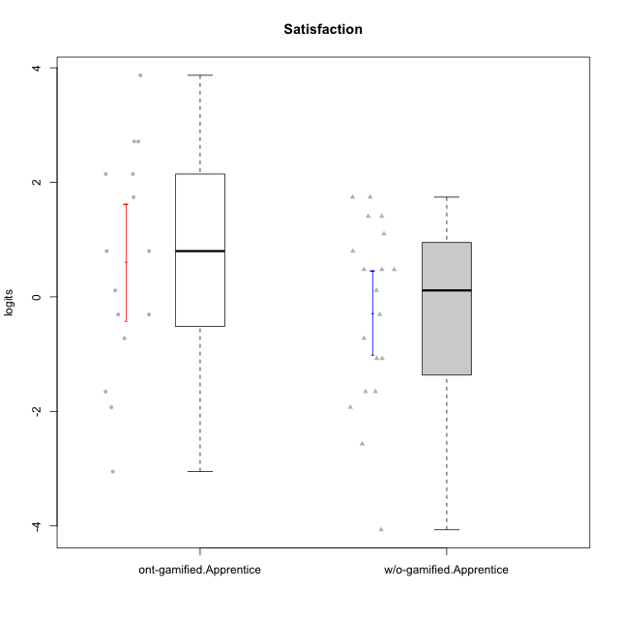

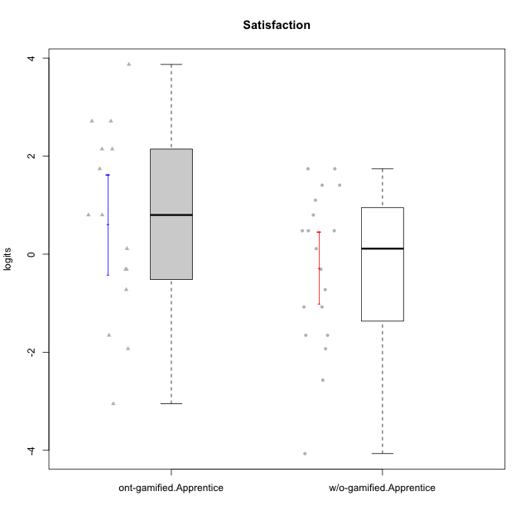

Student's t-Test data
UserID | NroUSP | Type | CLGroup | CLRole | PlayerRole | Satisfaction | error | WLE.rel
10169 | 10377538 | ont-gamified | Resistance | Apprentice | Social Achiever | 3.8695985246 | 1.4777477239 | 0.8369966528
10170 | 10260351 | w/o-gamified | Grupo11 | Apprentice |  | 0.11236566262 | 0.61133555502 | 0.8369966528
10172 | 10273971 | w/o-gamified | Grupo5 | Apprentice |  | 0.79912086657 | 0.57627148757 | 0.8369966528
10181 | 10276866 | w/o-gamified | Grupo2 | Apprentice |  | -2.5689137605 | 0.66532047446 | 0.8369966528
10183 | 10352030 | w/o-gamified | Grupo3 | Apprentice |  | -1.6546929038 | 0.5519564059 | 0.8369966528
10184 | 10276675 | w/o-gamified | Grupo10 | Apprentice |  | 0.47790800193 | 0.59012566017 | 0.8369966528
10185 | 10276960 | w/o-gamified | Grupo9 | Apprentice |  | 0.47790800193 | 0.59012566017 | 0.8369966528
10186 | 10310551 | ont-gamified | Slayers | Apprentice | Social Achiever | 2.1446451052 | 0.71020176262 | 0.8369966528
10189 | 9363926 | ont-gamified | Vikings | Apprentice | Social Achiever | -1.6546929038 | 0.5519564059 | 0.8369966528
10190 | 10276907 | w/o-gamified | Grupo4 | Apprentice |  | -0.72412252242 | 0.60299026683 | 0.8369966528
10192 | 10276682 | ont-gamified | Attractive Devils | Apprentice | Social Achiever | 2.7127462026 | 0.88012354368 | 0.8369966528
10193 | 10276762 | ont-gamified | Vandals | Apprentice | Yee Achiever | -3.0515754558 | 0.81775443965 | 0.8369966528
10197 | 10276661 | w/o-gamified | Grupo8 | Apprentice |  | -1.076174263 | 0.57546891486 | 0.8369966528
10198 | 10310888 | ont-gamified | Attractive Devils | Apprentice | Social Achiever | 2.7127462026 | 0.88012354368 | 0.8369966528
10199 | 10276737 | w/o-gamified | Grupo1 | Apprentice |  | 0.47790800193 | 0.59012566017 | 0.8369966528
10200 | 9795272 | ont-gamified | Warriors | Apprentice | Social Achiever | 1.7412372452 | 0.63156263217 | 0.8369966528
10201 | 10276928 | w/o-gamified | Grupo11 | Apprentice |  | 1.4069388363 | 0.59215935074 | 0.8369966528
10202 | 10277036 | ont-gamified | Silly Knights | Apprentice | Social Achiever | 0.79912086657 | 0.57627148757 | 0.8369966528
10203 | 9921470 | ont-gamified | Mercenaries | Apprentice | Social Achiever | 2.1446451052 | 0.71020176262 | 0.8369966528
10204 | 10310471 | w/o-gamified | Grupo6 | Apprentice |  | -1.9287370583 | 0.56335007944 | 0.8369966528
10206 | 10310721 | w/o-gamified | Grupo8 | Apprentice |  | 1.1012785783 | 0.57583233866 | 0.8369966528
10209 | 10262669 | ont-gamified | Mafia | Apprentice | Social Achiever | -1.9287370583 | 0.56335007944 | 0.8369966528
10210 | 10277015 | w/o-gamified | Grupo6 | Apprentice |  | -4.0682626363 | 1.3656254135 | 0.8369966528
10213 | 10277040 | w/o-gamified | Grupo7 | Apprentice |  | 1.7412372452 | 0.63156263217 | 0.8369966528
10214 | 10277022 | ont-gamified | Vikings | Apprentice | Social Achiever | -0.72412252242 | 0.60299026683 | 0.8369966528
10217 | 9805341 | w/o-gamified | Grupo9 | Apprentice |  | -0.3083347607 | 0.6213293787 | 0.8369966528
10218 | 9842913 | w/o-gamified | Grupo10 | Apprentice |  | -1.076174263 | 0.57546891486 | 0.8369966528
10220 | 9760151 | w/o-gamified | Grupo3 | Apprentice |  | 1.7412372452 | 0.63156263217 | 0.8369966528
10221 | 9082496 | ont-gamified | Warriors | Apprentice | Social Achiever | -0.3083347607 | 0.6213293787 | 0.8369966528
10224 | 9368772 | ont-gamified | Mercenaries | Apprentice | Social Achiever | 0.79912086657 | 0.57627148757 | 0.8369966528
10226 | 10310342 | w/o-gamified | Grupo4 | Apprentice |  | -1.6546929038 | 0.5519564059 | 0.8369966528
10228 | 10310492 | ont-gamified | Resistance | Apprentice | Social Achiever | -0.3083347607 | 0.6213293787 | 0.8369966528
10232 | 10276974 | w/o-gamified | Grupo7 | Apprentice |  | 1.4069388363 | 0.59215935074 | 0.8369966528
10237 | 10377688 | ont-gamified | Outlaws | Apprentice | Social Achiever | 0.11236566262 | 0.61133555502 | 0.8369966528

Type_CLRole_3
Student's t-Test for Satisfaction in Type:CLRole between ont-gamified.Apprentice:w/o-gamified.Master

Student's t-Test results
Alternative hypothesis: less
Group | N | Mean | Mean.Difference | Std.deviation | Std.error | CI.lower | CI.upper | df | t.value | p.value | g | magnitude
ont-gamified.Apprentice | 15 | 0.60402855463 | 1.1374889381 | 1.9680372398 | 0.50814503031 | -0.41226150599 | 1.6203186152 | 14.429877731 | 1.3216274609 | 0.89656811057 | 0.55739758537 | medium
w/o-gamified.Master | 8 | -0.53346038349 | -1.1374889381 | 1.9647828729 | 0.69465564648 | -1.9227716764 | 0.85585090946 | 14.429877731 | 1.3216274609 | 0.89656811057 | 0.55739758537 | medium
Alternative hypothesis: greater
Group | N | Mean | Mean.Difference | Std.deviation | Std.error | CI.lower | CI.upper | df | t.value | p.value | g | magnitude
ont-gamified.Apprentice | 15 | 0.60402855463 | 1.1374889381 | 1.9680372398 | 0.50814503031 | -0.41226150599 | 1.6203186152 | 14.429877731 | 1.3216274609 | 0.10343188943 | 0.55739758537 | medium
w/o-gamified.Master | 8 | -0.53346038349 | -1.1374889381 | 1.9647828729 | 0.69465564648 | -1.9227716764 | 0.85585090946 | 14.429877731 | 1.3216274609 | 0.10343188943 | 0.55739758537 | medium
Alternative hypothesis: two.sided
Group | N | Mean | Mean.Difference | Std.deviation | Std.error | CI.lower | CI.upper | df | t.value | p.value | g | magnitude
ont-gamified.Apprentice | 15 | 0.60402855463 | 1.1374889381 | 1.9680372398 | 0.50814503031 | -0.41226150599 | 1.6203186152 | 14.429877731 | 1.3216274609 | 0.20686377886 | 0.55739758537 | medium
w/o-gamified.Master | 8 | -0.53346038349 | -1.1374889381 | 1.9647828729 | 0.69465564648 | -1.9227716764 | 0.85585090946 | 14.429877731 | 1.3216274609 | 0.20686377886 | 0.55739758537 | medium

Box plots for Student's t-Test
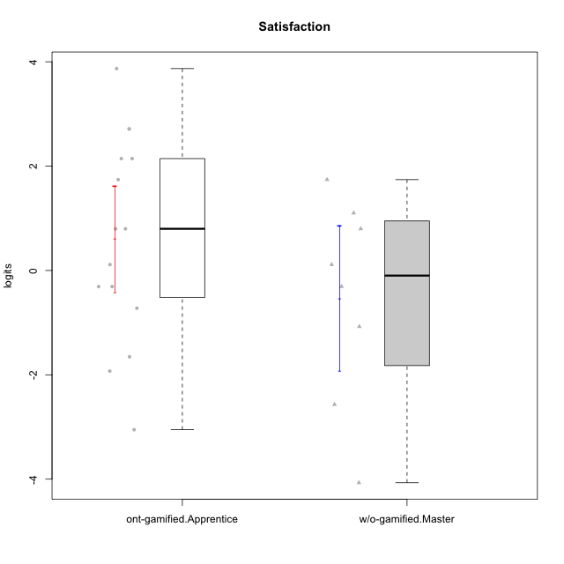



Student's t-Test data
UserID | NroUSP | Type | CLGroup | CLRole | PlayerRole | Satisfaction | error | WLE.rel
10169 | 10377538 | ont-gamified | Resistance | Apprentice | Social Achiever | 3.8695985246 | 1.4777477239 | 0.8369966528
10174 | 10276852 | w/o-gamified | Grupo7 | Master |  | 0.79912086657 | 0.57627148757 | 0.8369966528
10179 | 10310759 | w/o-gamified | Grupo10 | Master |  | -0.3083347607 | 0.6213293787 | 0.8369966528
10186 | 10310551 | ont-gamified | Slayers | Apprentice | Social Achiever | 2.1446451052 | 0.71020176262 | 0.8369966528
10189 | 9363926 | ont-gamified | Vikings | Apprentice | Social Achiever | -1.6546929038 | 0.5519564059 | 0.8369966528
10191 | 10276981 | w/o-gamified | Grupo1 | Master |  | 0.11236566262 | 0.61133555502 | 0.8369966528
10192 | 10276682 | ont-gamified | Attractive Devils | Apprentice | Social Achiever | 2.7127462026 | 0.88012354368 | 0.8369966528
10193 | 10276762 | ont-gamified | Vandals | Apprentice | Yee Achiever | -3.0515754558 | 0.81775443965 | 0.8369966528
10198 | 10310888 | ont-gamified | Attractive Devils | Apprentice | Social Achiever | 2.7127462026 | 0.88012354368 | 0.8369966528
10200 | 9795272 | ont-gamified | Warriors | Apprentice | Social Achiever | 1.7412372452 | 0.63156263217 | 0.8369966528
10202 | 10277036 | ont-gamified | Silly Knights | Apprentice | Social Achiever | 0.79912086657 | 0.57627148757 | 0.8369966528
10203 | 9921470 | ont-gamified | Mercenaries | Apprentice | Social Achiever | 2.1446451052 | 0.71020176262 | 0.8369966528
10209 | 10262669 | ont-gamified | Mafia | Apprentice | Social Achiever | -1.9287370583 | 0.56335007944 | 0.8369966528
10214 | 10277022 | ont-gamified | Vikings | Apprentice | Social Achiever | -0.72412252242 | 0.60299026683 | 0.8369966528
10219 | 10276831 | w/o-gamified | Grupo3 | Master |  | -4.0682626363 | 1.3656254135 | 0.8369966528
10221 | 9082496 | ont-gamified | Warriors | Apprentice | Social Achiever | -0.3083347607 | 0.6213293787 | 0.8369966528
10224 | 9368772 | ont-gamified | Mercenaries | Apprentice | Social Achiever | 0.79912086657 | 0.57627148757 | 0.8369966528
10227 | 9274382 | w/o-gamified | Grupo5 | Master |  | 1.7412372452 | 0.63156263217 | 0.8369966528
10228 | 10310492 | ont-gamified | Resistance | Apprentice | Social Achiever | -0.3083347607 | 0.6213293787 | 0.8369966528
10231 | 10276911 | w/o-gamified | Grupo9 | Master |  | 1.1012785783 | 0.57583233866 | 0.8369966528
10234 | 10310676 | w/o-gamified | Grupo4 | Master |  | -2.5689137605 | 0.66532047446 | 0.8369966528
10237 | 10377688 | ont-gamified | Outlaws | Apprentice | Social Achiever | 0.11236566262 | 0.61133555502 | 0.8369966528
10238 | 10276953 | w/o-gamified | Grupo2 | Master |  | -1.076174263 | 0.57546891486 | 0.8369966528

Type_CLRole_4
Student's t-Test for Satisfaction in Type:CLRole between ont-gamified.Master:w/o-gamified.Apprentice

Student's t-Test results
Alternative hypothesis: less
Group | N | Mean | Mean.Difference | Std.deviation | Std.error | CI.lower | CI.upper | df | t.value | p.value | g | magnitude
ont-gamified.Master | 9 | -0.0098732643578 | 0.26998272489 | 1.131241047 | 0.37708034899 | -0.76403396234 | 0.74428743362 | 21.743054181 | 0.51227073369 | 0.6931869711 | 0.17764953813 | negligible
w/o-gamified.Apprentice | 19 | -0.27985598925 | -0.26998272489 | 1.6049536392 | 0.36820161696 | -1.0162592232 | 0.45654724466 | 21.743054181 | 0.51227073369 | 0.6931869711 | 0.17764953813 | negligible
Alternative hypothesis: greater
Group | N | Mean | Mean.Difference | Std.deviation | Std.error | CI.lower | CI.upper | df | t.value | p.value | g | magnitude
ont-gamified.Master | 9 | -0.0098732643578 | 0.26998272489 | 1.131241047 | 0.37708034899 | -0.76403396234 | 0.74428743362 | 21.743054181 | 0.51227073369 | 0.3068130289 | 0.17764953813 | negligible
w/o-gamified.Apprentice | 19 | -0.27985598925 | -0.26998272489 | 1.6049536392 | 0.36820161696 | -1.0162592232 | 0.45654724466 | 21.743054181 | 0.51227073369 | 0.3068130289 | 0.17764953813 | negligible
Alternative hypothesis: two.sided
Group | N | Mean | Mean.Difference | Std.deviation | Std.error | CI.lower | CI.upper | df | t.value | p.value | g | magnitude
ont-gamified.Master | 9 | -0.0098732643578 | 0.26998272489 | 1.131241047 | 0.37708034899 | -0.76403396234 | 0.74428743362 | 21.743054181 | 0.51227073369 | 0.6136260578 | 0.17764953813 | negligible
w/o-gamified.Apprentice | 19 | -0.27985598925 | -0.26998272489 | 1.6049536392 | 0.36820161696 | -1.0162592232 | 0.45654724466 | 21.743054181 | 0.51227073369 | 0.6136260578 | 0.17764953813 | negligible

Box plots for Student's t-Test
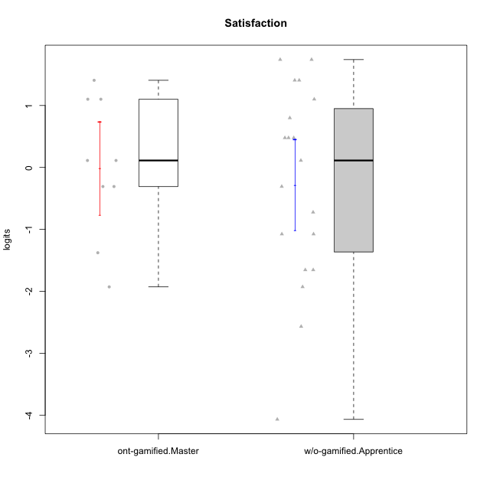

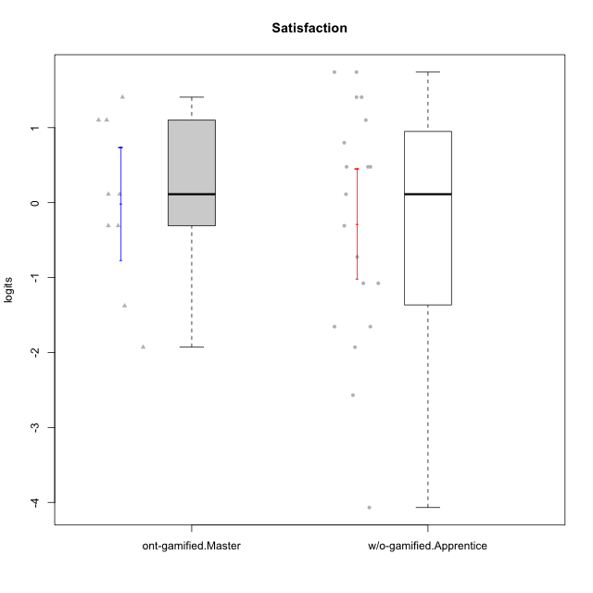

Student's t-Test data
UserID | NroUSP | Type | CLGroup | CLRole | PlayerRole | Satisfaction | error | WLE.rel
10170 | 10260351 | w/o-gamified | Grupo11 | Apprentice |  | 0.11236566262 | 0.61133555502 | 0.8369966528
10171 | 698531 | ont-gamified | Mafia | Master | Social Achiever | 1.1012785783 | 0.57583233866 | 0.8369966528
10172 | 10273971 | w/o-gamified | Grupo5 | Apprentice |  | 0.79912086657 | 0.57627148757 | 0.8369966528
10175 | 10310700 | ont-gamified | Warriors | Master | Social Achiever | 1.4069388363 | 0.59215935074 | 0.8369966528
10176 | 10276949 | ont-gamified | Outlaws | Master | Social Achiever | -0.3083347607 | 0.6213293787 | 0.8369966528
10181 | 10276866 | w/o-gamified | Grupo2 | Apprentice |  | -2.5689137605 | 0.66532047446 | 0.8369966528
10183 | 10352030 | w/o-gamified | Grupo3 | Apprentice |  | -1.6546929038 | 0.5519564059 | 0.8369966528
10184 | 10276675 | w/o-gamified | Grupo10 | Apprentice |  | 0.47790800193 | 0.59012566017 | 0.8369966528
10185 | 10276960 | w/o-gamified | Grupo9 | Apprentice |  | 0.47790800193 | 0.59012566017 | 0.8369966528
10188 | 10276995 | ont-gamified | Vandals | Master | Yee Achiever | -1.3776801175 | 0.55681003286 | 0.8369966528
10190 | 10276907 | w/o-gamified | Grupo4 | Apprentice |  | -0.72412252242 | 0.60299026683 | 0.8369966528
10197 | 10276661 | w/o-gamified | Grupo8 | Apprentice |  | -1.076174263 | 0.57546891486 | 0.8369966528
10199 | 10276737 | w/o-gamified | Grupo1 | Apprentice |  | 0.47790800193 | 0.59012566017 | 0.8369966528
10201 | 10276928 | w/o-gamified | Grupo11 | Apprentice |  | 1.4069388363 | 0.59215935074 | 0.8369966528
10204 | 10310471 | w/o-gamified | Grupo6 | Apprentice |  | -1.9287370583 | 0.56335007944 | 0.8369966528
10206 | 10310721 | w/o-gamified | Grupo8 | Apprentice |  | 1.1012785783 | 0.57583233866 | 0.8369966528
10208 | 10276932 | ont-gamified | Mercenaries | Master | Social Achiever | 0.11236566262 | 0.61133555502 | 0.8369966528
10210 | 10277015 | w/o-gamified | Grupo6 | Apprentice |  | -4.0682626363 | 1.3656254135 | 0.8369966528
10213 | 10277040 | w/o-gamified | Grupo7 | Apprentice |  | 1.7412372452 | 0.63156263217 | 0.8369966528
10215 | 9285227 | ont-gamified | Vikings | Master | Social Achiever | -1.9287370583 | 0.56335007944 | 0.8369966528
10216 | 10276720 | ont-gamified | Silly Knights | Master | Social Achiever | 1.1012785783 | 0.57583233866 | 0.8369966528
10217 | 9805341 | w/o-gamified | Grupo9 | Apprentice |  | -0.3083347607 | 0.6213293787 | 0.8369966528
10218 | 9842913 | w/o-gamified | Grupo10 | Apprentice |  | -1.076174263 | 0.57546891486 | 0.8369966528
10220 | 9760151 | w/o-gamified | Grupo3 | Apprentice |  | 1.7412372452 | 0.63156263217 | 0.8369966528
10223 | 9795185 | ont-gamified | Slayers | Master | Social Achiever | 0.11236566262 | 0.61133555502 | 0.8369966528
10226 | 10310342 | w/o-gamified | Grupo4 | Apprentice |  | -1.6546929038 | 0.5519564059 | 0.8369966528
10230 | 10351992 | ont-gamified | Resistance | Master | Social Achiever | -0.3083347607 | 0.6213293787 | 0.8369966528
10232 | 10276974 | w/o-gamified | Grupo7 | Apprentice |  | 1.4069388363 | 0.59215935074 | 0.8369966528

Type_CLRole_5
Student's t-Test for Satisfaction in Type:CLRole between ont-gamified.Master:w/o-gamified.Master

Student's t-Test results
Alternative hypothesis: less
Group | N | Mean | Mean.Difference | Std.deviation | Std.error | CI.lower | CI.upper | df | t.value | p.value | g | magnitude
ont-gamified.Master | 9 | -0.0098732643578 | 0.52358711913 | 1.131241047 | 0.37708034899 | -0.76403396234 | 0.74428743362 | 10.904634143 | 0.66243103011 | 0.73927526332 | 0.31531722895 | small
w/o-gamified.Master | 8 | -0.53346038349 | -0.52358711913 | 1.9647828729 | 0.69465564648 | -1.9227716764 | 0.85585090946 | 10.904634143 | 0.66243103011 | 0.73927526332 | 0.31531722895 | small
Alternative hypothesis: greater
Group | N | Mean | Mean.Difference | Std.deviation | Std.error | CI.lower | CI.upper | df | t.value | p.value | g | magnitude
ont-gamified.Master | 9 | -0.0098732643578 | 0.52358711913 | 1.131241047 | 0.37708034899 | -0.76403396234 | 0.74428743362 | 10.904634143 | 0.66243103011 | 0.26072473668 | 0.31531722895 | small
w/o-gamified.Master | 8 | -0.53346038349 | -0.52358711913 | 1.9647828729 | 0.69465564648 | -1.9227716764 | 0.85585090946 | 10.904634143 | 0.66243103011 | 0.26072473668 | 0.31531722895 | small
Alternative hypothesis: two.sided
Group | N | Mean | Mean.Difference | Std.deviation | Std.error | CI.lower | CI.upper | df | t.value | p.value | g | magnitude
ont-gamified.Master | 9 | -0.0098732643578 | 0.52358711913 | 1.131241047 | 0.37708034899 | -0.76403396234 | 0.74428743362 | 10.904634143 | 0.66243103011 | 0.52144947337 | 0.31531722895 | small
w/o-gamified.Master | 8 | -0.53346038349 | -0.52358711913 | 1.9647828729 | 0.69465564648 | -1.9227716764 | 0.85585090946 | 10.904634143 | 0.66243103011 | 0.52144947337 | 0.31531722895 | small

Box plots for Student's t-Test
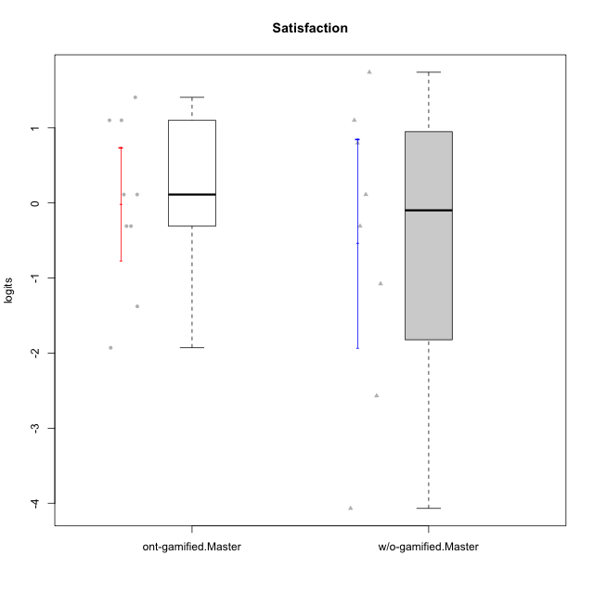

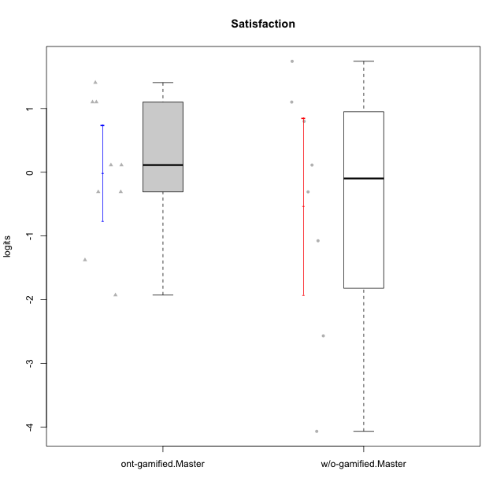

Student's t-Test data
UserID | NroUSP | Type | CLGroup | CLRole | PlayerRole | Satisfaction | error | WLE.rel
10171 | 698531 | ont-gamified | Mafia | Master | Social Achiever | 1.1012785783 | 0.57583233866 | 0.8369966528
10174 | 10276852 | w/o-gamified | Grupo7 | Master |  | 0.79912086657 | 0.57627148757 | 0.8369966528
10175 | 10310700 | ont-gamified | Warriors | Master | Social Achiever | 1.4069388363 | 0.59215935074 | 0.8369966528
10176 | 10276949 | ont-gamified | Outlaws | Master | Social Achiever | -0.3083347607 | 0.6213293787 | 0.8369966528
10179 | 10310759 | w/o-gamified | Grupo10 | Master |  | -0.3083347607 | 0.6213293787 | 0.8369966528
10188 | 10276995 | ont-gamified | Vandals | Master | Yee Achiever | -1.3776801175 | 0.55681003286 | 0.8369966528
10191 | 10276981 | w/o-gamified | Grupo1 | Master |  | 0.11236566262 | 0.61133555502 | 0.8369966528
10208 | 10276932 | ont-gamified | Mercenaries | Master | Social Achiever | 0.11236566262 | 0.61133555502 | 0.8369966528
10215 | 9285227 | ont-gamified | Vikings | Master | Social Achiever | -1.9287370583 | 0.56335007944 | 0.8369966528
10216 | 10276720 | ont-gamified | Silly Knights | Master | Social Achiever | 1.1012785783 | 0.57583233866 | 0.8369966528
10219 | 10276831 | w/o-gamified | Grupo3 | Master |  | -4.0682626363 | 1.3656254135 | 0.8369966528
10223 | 9795185 | ont-gamified | Slayers | Master | Social Achiever | 0.11236566262 | 0.61133555502 | 0.8369966528
10227 | 9274382 | w/o-gamified | Grupo5 | Master |  | 1.7412372452 | 0.63156263217 | 0.8369966528
10230 | 10351992 | ont-gamified | Resistance | Master | Social Achiever | -0.3083347607 | 0.6213293787 | 0.8369966528
10231 | 10276911 | w/o-gamified | Grupo9 | Master |  | 1.1012785783 | 0.57583233866 | 0.8369966528
10234 | 10310676 | w/o-gamified | Grupo4 | Master |  | -2.5689137605 | 0.66532047446 | 0.8369966528
10238 | 10276953 | w/o-gamified | Grupo2 | Master |  | -1.076174263 | 0.57546891486 | 0.8369966528

Type_CLRole_6
Student's t-Test for Satisfaction in Type:CLRole between w/o-gamified.Apprentice:w/o-gamified.Master

Student's t-Test results
Alternative hypothesis: less
Group | N | Mean | Mean.Difference | Std.deviation | Std.error | CI.lower | CI.upper | df | t.value | p.value | g | magnitude
w/o-gamified.Apprentice | 19 | -0.27985598925 | 0.25360439424 | 1.6049536392 | 0.36820161696 | -1.0162592232 | 0.45654724466 | 11.14379121 | 0.32256761532 | 0.62350308573 | 0.14353214856 | negligible
w/o-gamified.Master | 8 | -0.53346038349 | -0.25360439424 | 1.9647828729 | 0.69465564648 | -1.9227716764 | 0.85585090946 | 11.14379121 | 0.32256761532 | 0.62350308573 | 0.14353214856 | negligible
Alternative hypothesis: greater
Group | N | Mean | Mean.Difference | Std.deviation | Std.error | CI.lower | CI.upper | df | t.value | p.value | g | magnitude
w/o-gamified.Apprentice | 19 | -0.27985598925 | 0.25360439424 | 1.6049536392 | 0.36820161696 | -1.0162592232 | 0.45654724466 | 11.14379121 | 0.32256761532 | 0.37649691427 | 0.14353214856 | negligible
w/o-gamified.Master | 8 | -0.53346038349 | -0.25360439424 | 1.9647828729 | 0.69465564648 | -1.9227716764 | 0.85585090946 | 11.14379121 | 0.32256761532 | 0.37649691427 | 0.14353214856 | negligible
Alternative hypothesis: two.sided
Group | N | Mean | Mean.Difference | Std.deviation | Std.error | CI.lower | CI.upper | df | t.value | p.value | g | magnitude
w/o-gamified.Apprentice | 19 | -0.27985598925 | 0.25360439424 | 1.6049536392 | 0.36820161696 | -1.0162592232 | 0.45654724466 | 11.14379121 | 0.32256761532 | 0.75299382854 | 0.14353214856 | negligible
w/o-gamified.Master | 8 | -0.53346038349 | -0.25360439424 | 1.9647828729 | 0.69465564648 | -1.9227716764 | 0.85585090946 | 11.14379121 | 0.32256761532 | 0.75299382854 | 0.14353214856 | negligible

Box plots for Student's t-Test
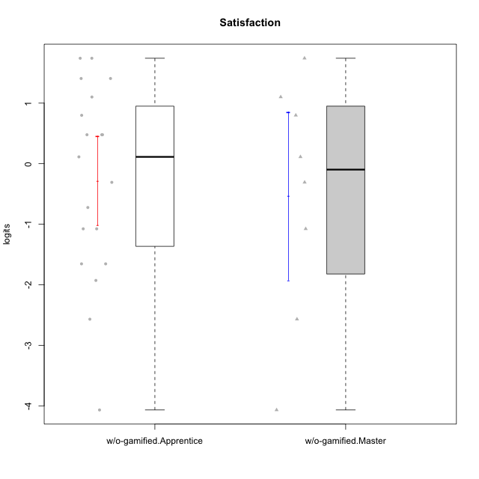

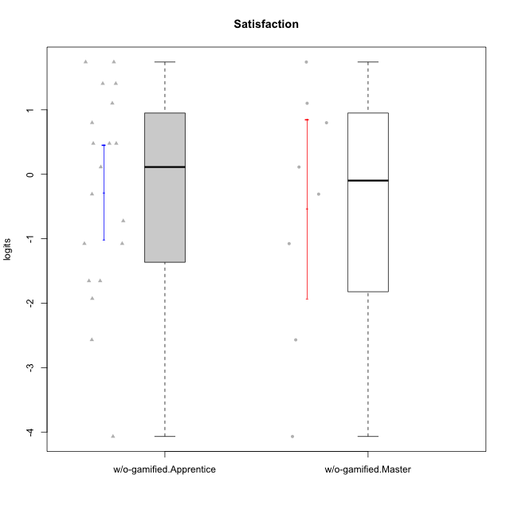

Student's t-Test data
UserID | NroUSP | Type | CLGroup | CLRole | PlayerRole | Satisfaction | error | WLE.rel
10170 | 10260351 | w/o-gamified | Grupo11 | Apprentice |  | 0.11236566262 | 0.61133555502 | 0.8369966528
10172 | 10273971 | w/o-gamified | Grupo5 | Apprentice |  | 0.79912086657 | 0.57627148757 | 0.8369966528
10174 | 10276852 | w/o-gamified | Grupo7 | Master |  | 0.79912086657 | 0.57627148757 | 0.8369966528
10179 | 10310759 | w/o-gamified | Grupo10 | Master |  | -0.3083347607 | 0.6213293787 | 0.8369966528
10181 | 10276866 | w/o-gamified | Grupo2 | Apprentice |  | -2.5689137605 | 0.66532047446 | 0.8369966528
10183 | 10352030 | w/o-gamified | Grupo3 | Apprentice |  | -1.6546929038 | 0.5519564059 | 0.8369966528
10184 | 10276675 | w/o-gamified | Grupo10 | Apprentice |  | 0.47790800193 | 0.59012566017 | 0.8369966528
10185 | 10276960 | w/o-gamified | Grupo9 | Apprentice |  | 0.47790800193 | 0.59012566017 | 0.8369966528
10190 | 10276907 | w/o-gamified | Grupo4 | Apprentice |  | -0.72412252242 | 0.60299026683 | 0.8369966528
10191 | 10276981 | w/o-gamified | Grupo1 | Master |  | 0.11236566262 | 0.61133555502 | 0.8369966528
10197 | 10276661 | w/o-gamified | Grupo8 | Apprentice |  | -1.076174263 | 0.57546891486 | 0.8369966528
10199 | 10276737 | w/o-gamified | Grupo1 | Apprentice |  | 0.47790800193 | 0.59012566017 | 0.8369966528
10201 | 10276928 | w/o-gamified | Grupo11 | Apprentice |  | 1.4069388363 | 0.59215935074 | 0.8369966528
10204 | 10310471 | w/o-gamified | Grupo6 | Apprentice |  | -1.9287370583 | 0.56335007944 | 0.8369966528
10206 | 10310721 | w/o-gamified | Grupo8 | Apprentice |  | 1.1012785783 | 0.57583233866 | 0.8369966528
10210 | 10277015 | w/o-gamified | Grupo6 | Apprentice |  | -4.0682626363 | 1.3656254135 | 0.8369966528
10213 | 10277040 | w/o-gamified | Grupo7 | Apprentice |  | 1.7412372452 | 0.63156263217 | 0.8369966528
10217 | 9805341 | w/o-gamified | Grupo9 | Apprentice |  | -0.3083347607 | 0.6213293787 | 0.8369966528
10218 | 9842913 | w/o-gamified | Grupo10 | Apprentice |  | -1.076174263 | 0.57546891486 | 0.8369966528
10219 | 10276831 | w/o-gamified | Grupo3 | Master |  | -4.0682626363 | 1.3656254135 | 0.8369966528
10220 | 9760151 | w/o-gamified | Grupo3 | Apprentice |  | 1.7412372452 | 0.63156263217 | 0.8369966528
10226 | 10310342 | w/o-gamified | Grupo4 | Apprentice |  | -1.6546929038 | 0.5519564059 | 0.8369966528
10227 | 9274382 | w/o-gamified | Grupo5 | Master |  | 1.7412372452 | 0.63156263217 | 0.8369966528
10231 | 10276911 | w/o-gamified | Grupo9 | Master |  | 1.1012785783 | 0.57583233866 | 0.8369966528
10232 | 10276974 | w/o-gamified | Grupo7 | Apprentice |  | 1.4069388363 | 0.59215935074 | 0.8369966528
10234 | 10310676 | w/o-gamified | Grupo4 | Master |  | -2.5689137605 | 0.66532047446 | 0.8369966528
10238 | 10276953 | w/o-gamified | Grupo2 | Master |  | -1.076174263 | 0.57546891486 | 0.8369966528

