Global-info
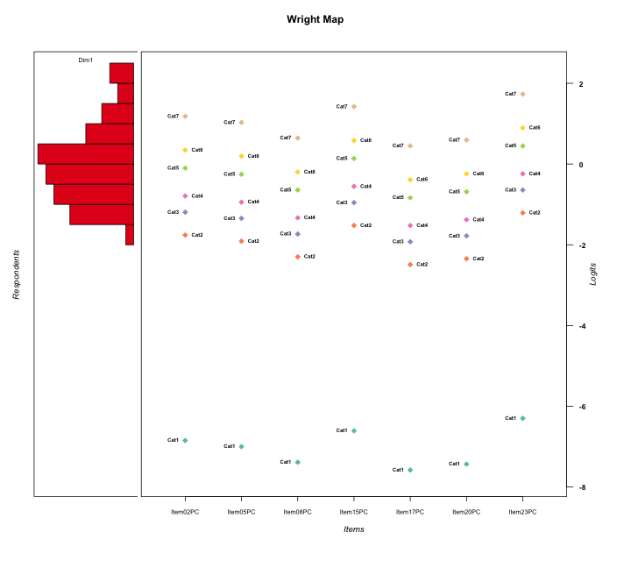
Global information for a measurement model

Information
Number.of.items | Deviance | Log.Likelihood | Number.of.persons | EAP.rel | n.theta.nodes | irt.model
7 | 1215.6326164 | -607.81630821 | 57 | 0.85625665485 | 21 | RSM

Global fit statistic MADaQ3 and test fit
MADaQ3 | maxaQ3 | p
0.10352187636 | 0.31379296581 | 0.44344303557

Test statistic of global fit based on Chi square
maxX2 | Npairs | p.holm
247.65966238 | 21 | 0

Model fit statistics
X100.MADCOV | SRMR | SRMSR
24.857167318 | 0.079764765403 | 0.099688107897

Chi square tests for every item pairs
index1 | index2 | maxK1 | maxK2 | df | chi2 | p | p.holm
1 | 2 | 7 | 7 | 49 | 65.180932324 | 0.060737502945 | 1
1 | 3 | 7 | 7 | 49 | 48.813264951 | 0.48064190789 | 1
1 | 4 | 7 | 7 | 49 | 37.550460186 | 0.88347767974 | 1
1 | 5 | 7 | 7 | 49 | 38.967431709 | 0.84699558691 | 1
1 | 6 | 7 | 7 | 49 | 51.16540827 | 0.38867944676 | 1
1 | 7 | 7 | 7 | 49 | 52.680778937 | 0.3336375359 | 1
2 | 3 | 7 | 7 | 49 | 137.0783731 | 2.8555058318E-10 | 5.7110116636E-09
2 | 4 | 7 | 7 | 49 | 68.242546954 | 0.03586878811 | 0.6815069741
2 | 5 | 7 | 7 | 49 | 247.65966238 | 0 | 0
2 | 6 | 7 | 7 | 49 | 59.825670354 | 0.13823419991 | 1
2 | 7 | 7 | 7 | 49 | 44.6208934 | 0.65111966853 | 1
3 | 4 | 7 | 7 | 49 | 44.394632171 | 0.66008423523 | 1
3 | 5 | 7 | 7 | 49 | 66.408556564 | 0.049407074297 | 0.88932733734
3 | 6 | 7 | 7 | 49 | 53.822598476 | 0.29497526841 | 1
3 | 7 | 7 | 7 | 49 | 41.143833936 | 0.77997938572 | 1
4 | 5 | 7 | 7 | 49 | 55.953305217 | 0.23016019702 | 1
4 | 6 | 7 | 7 | 49 | 39.160468471 | 0.84157340439 | 1
4 | 7 | 7 | 7 | 49 | 41.704847475 | 0.7607629244 | 1
5 | 6 | 7 | 7 | 49 | 45.024627222 | 0.63499215041 | 1
5 | 7 | 7 | 7 | 49 | 36.77972309 | 0.90082445176 | 1
6 | 7 | 7 | 7 | 49 | 22.738774599 | 0.99951513583 | 1

Item residuals
Item02PC | Item05PC | Item08PC | Item15PC | Item17PC | Item20PC | Item23PC
-1.5027217774 | 0.29167141802 | -0.14358119713 | 0.86015609719 | -0.30781031586 | -0.18597632806 | 1.3825077635
-0.21073628777 | 0.6684330503 | -0.56665931202 | 0.020666271508 | 0.35014656385 | -0.5883533516 | 1.3962563998
0.49727822263 | 1.291671418 | 0.85641880287 | -0.13984390281 | -0.30781031586 | 0.81402367194 | -2.6174922365
-0.64474342236 | -1.9042899035 | -0.51176468096 | 1.7845543018 | 0.23103474887 | -0.57644439814 | 1.3551105821
-0.21550604564 | -0.48959139811 | -0.15990092311 | 0.22670174751 | -0.45882647364 | -0.23415484587 | 0.79766718375
0.42982621066 | 0.36371087187 | 0.23751790183 | 0.56032823284 | 0.19309220715 | 0.22594188938 | -0.21369280797
-1.9780731479 | 0.77644038389 | 1.2241835148 | 1.4366494421 | 0.0016402766315 | 0.16755905499 | -1.9993526614
-1.2386434467 | -0.4683663634 | 1.0307492509 | 0.15696839111 | 0.83639379277 | -1.0191411765 | 0.70754549589
-1.2261473442 | -0.50122086391 | -0.21933385883 | 0.19122640258 | -0.56627259581 | 0.69648783718 | 0.67111295876
1.1813470144 | -3.0712483153 | -0.65061078845 | 1.6036620224 | 0.11014831643 | 0.28886925951 | 0.17148949581
0.021926852066 | -0.22355961611 | -1.7758164852 | 1.4366494421 | 0.0016402766315 | 0.16755905499 | 0.00064733863557
-2.2386434467 | 1.5316336366 | 1.0307492509 | -0.84303160889 | 0.83639379277 | -0.019141176461 | -0.29245450411
-0.0049512635718 | -1.2822331163 | 0.028508998764 | 0.43698106903 | -1.2849816469 | -0.04895011759 | 0.99682201129
0.049221543759 | -2.1063880105 | 0.58223576635 | 1.3387001548 | 0.469847839 | 0.55300978505 | -0.21267756979
1.1925624307 | -0.98006514311 | -1.3320242422 | -1.4919397486 | 0.53909547645 | 0.63453710476 | 1.9848907107
0.78449395436 | -1.4895913981 | -0.15990092311 | 1.2267017475 | -0.45882647364 | -1.2341548459 | 0.79766718375
-0.64474342236 | 0.095710096488 | 1.488235319 | -1.2154456982 | 0.23103474887 | 1.4235556019 | -1.6448894179
-1.2386434467 | 1.5316336366 | -0.96925074908 | 2.1569683911 | -0.16360620723 | -1.0191411765 | -0.29245450411
0.88470812373 | 0.64656942977 | -0.88024638371 | -2.7090888579 | 0.91186041872 | 1.0665937717 | -0.15051067526
1.3552565776 | 2.0957100965 | 1.488235319 | -3.2154456982 | 1.2310347489 | -3.5764443981 | 0.35511058206
1.3552565776 | -0.90428990351 | -0.51176468096 | -1.2154456982 | -0.76896525113 | 0.42355560186 | 1.3551105821
-0.47692032459 | -0.7427011804 | 1.6237117465 | -0.041657616676 | -1.6505148027 | 0.55510570913 | 0.53053907525
-1.2261473442 | -1.5012208639 | -0.21933385883 | -1.8087735974 | 2.4337274042 | -0.30351216282 | 1.6711129588
0.42982621066 | 0.36371087187 | 0.23751790183 | 0.56032823284 | 0.19309220715 | 0.22594188938 | -0.21369280797
0.32717337876 | 0.27726870271 | 0.18203542315 | 0.42613703978 | 0.14838380488 | 0.17327750891 | 0.59999455718
0.32717337876 | 0.27726870271 | 0.18203542315 | 0.42613703978 | 0.14838380488 | 0.17327750891 | 0.59999455718
1.0219268521 | -0.22355961611 | -0.77581648522 | -0.56335055793 | 0.0016402766315 | 0.16755905499 | 0.00064733863557
0.34556201521 | 1.1559031379 | -0.23841937645 | 0.6859037783 | -0.38504435786 | 0.72363369149 | -1.8126612843
-2.1088486173 | 0.61805884722 | -1.10105865 | 1.3021143966 | -0.45175439295 | -0.18592970591 | 0.76719720099
1.0492215438 | 0.89361198948 | 0.58223576635 | 1.3387001548 | 0.469847839 | 0.55300978505 | -4.2126775698
-0.57017378934 | 0.36371087187 | 0.23751790183 | 0.56032823284 | 0.19309220715 | 0.22594188938 | 0.78630719203
0.78926371223 | 0.6684330503 | -0.56665931202 | 0.020666271508 | 0.35014656385 | -0.5883533516 | 0.39625639985
-1.8074375693 | 1.0199348569 | 0.66797575777 | 0.50806025143 | 0.53909547645 | -0.36546289524 | -0.01510928925
-0.65768464161 | 0.09521538912 | -0.59305829197 | -0.30133992714 | 0.05413642977 | -0.67752582167 | 0.079807852948
-2.7187677952 | -0.99638894301 | 0.3008205653 | -1.2839450887 | -0.026300267715 | 1.2205565535 | 2.2491573744
-0.95077845624 | 0.89361198948 | 0.58223576635 | 1.3387001548 | -0.530152161 | 0.55300978505 | -1.2126775698
0.12393386063 | -0.15376767128 | -0.84991721917 | -2.4368874942 | 1.8300552996 | 1.0712602862 | -0.88833519847
0.62776422643 | 0.35142884404 | -0.36316040439 | 0.051145544612 | -0.70461089198 | -0.44627480978 | -0.4523448643
0.78926371223 | -0.3315669497 | 0.43334068798 | 1.0206662715 | 0.35014656385 | 0.4116466484 | -1.6037436002
0.91664526127 | 0.7780843478 | 0.50516894195 | -1.821536608 | 0.40780576471 | -1.5201937939 | 1.593883027
0.34556201521 | -1.8440968621 | 0.76158062355 | 1.6859037783 | 0.61495564214 | -0.27636630851 | -0.81266128426
0.88470812373 | -0.35343057023 | 1.1197536163 | 0.29091114212 | -1.0881395813 | 0.066593771668 | -1.1505106753
2.4568889106 | -2.8202653062 | 0.47055161853 | 0.88621747103 | -0.86400424734 | 0.38879991028 | -1.5988745634
0.32717337876 | 0.27726870271 | 0.18203542315 | 0.42613703978 | 0.14838380488 | 0.17327750891 | 0.59999455718
0.35525657764 | 1.0957100965 | 1.488235319 | -0.21544569824 | 1.2310347489 | -1.5764443981 | -2.6448894179
0.049221543759 | -0.10638801052 | 0.58223576635 | 0.33870015478 | 0.469847839 | -1.446990215 | 0.78732243021
1.0897969573 | 3.8249606602 | -2.8866666339 | -1.5181194597 | -3.2404754112 | 1.0280966552 | -0.085367269078
-0.79522629355 | -1.0525011279 | -0.75452617108 | -0.41860167645 | -0.10826159811 | 2.1604917106 | -1.0086350519
0.66699341762 | 1.3963034818 | -0.25850278869 | -0.89335489925 | -1.5468176136 | 0.66965743641 | -0.32087857729
-1.2155060456 | -0.48959139811 | 0.84009907689 | 1.2267017475 | -0.45882647364 | -0.23415484587 | -0.20233281625
1.6669934176 | 0.39630348184 | -2.2585027887 | 0.10664510075 | 1.4531823864 | -2.3303425636 | 0.67912142271
0.54274341478 | -0.54103169144 | 0.29849939977 | -0.29321859671 | 0.24206905586 | 0.28378368467 | 0.98532418231
0.76135655326 | -0.4683663634 | 0.030749250924 | -0.84303160889 | -0.16360620723 | 0.98085882354 | -0.29245450411
-2.3722357736 | 2.351428844 | 0.63683959561 | -0.94885445539 | 0.29538910802 | -1.4462748098 | 0.5476551357
2.2812322048 | -1.996388943 | -0.6991794347 | -1.2839450887 | -1.0263002677 | 0.2205565535 | 1.2491573744
-0.65443798479 | 1.1559031379 | -0.23841937645 | 0.6859037783 | 0.61495564214 | -0.27636630851 | -0.81266128426
0.77385265576 | -0.50122086391 | -0.21933385883 | -1.8087735974 | -1.5662725958 | 1.6964878372 | 0.67111295876

Wright Map for Item Response Models

Estimate-Items
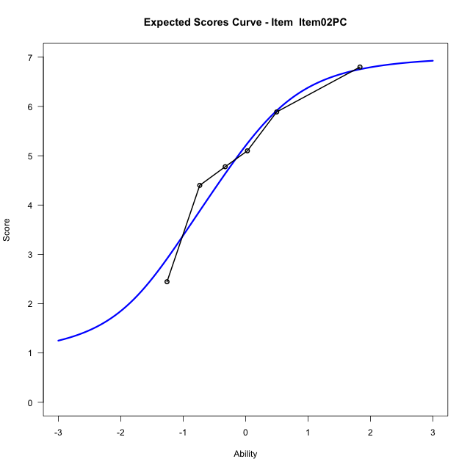
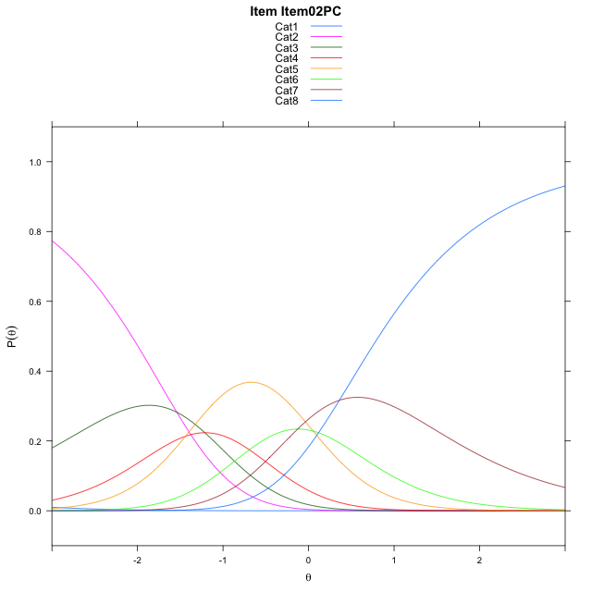
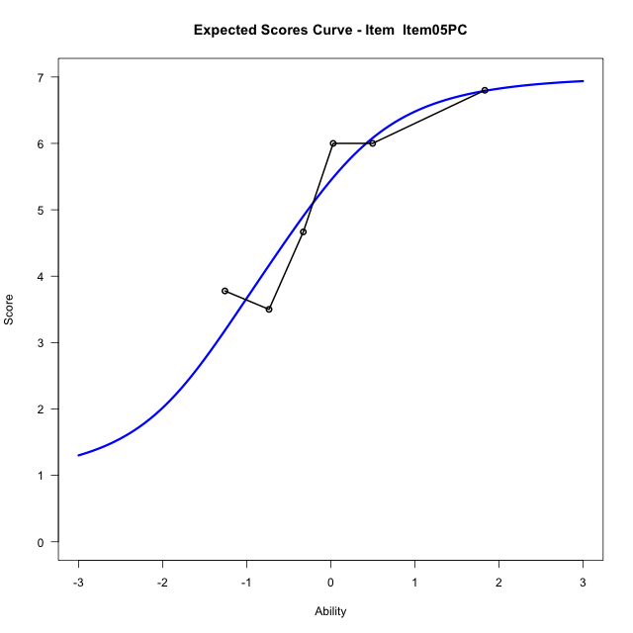
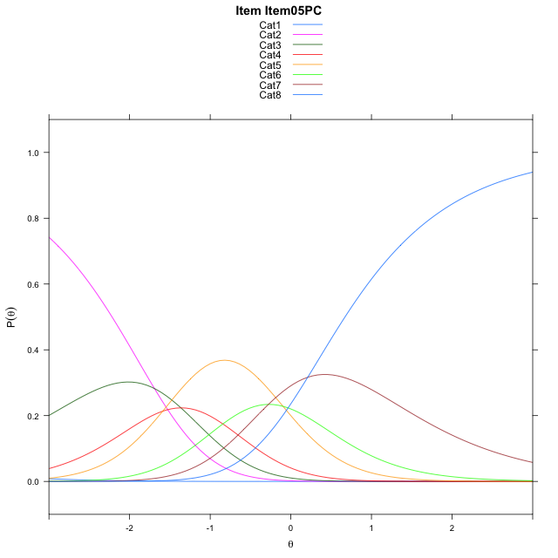
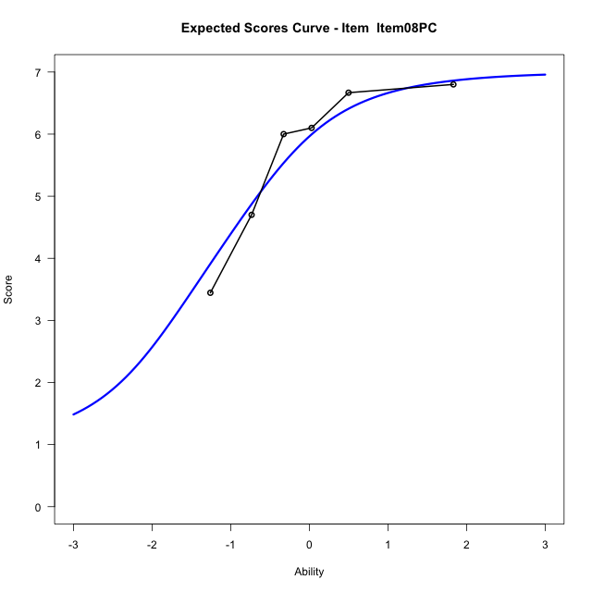
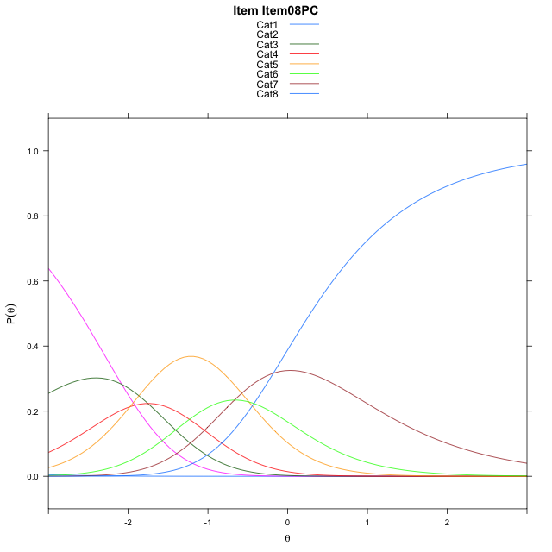
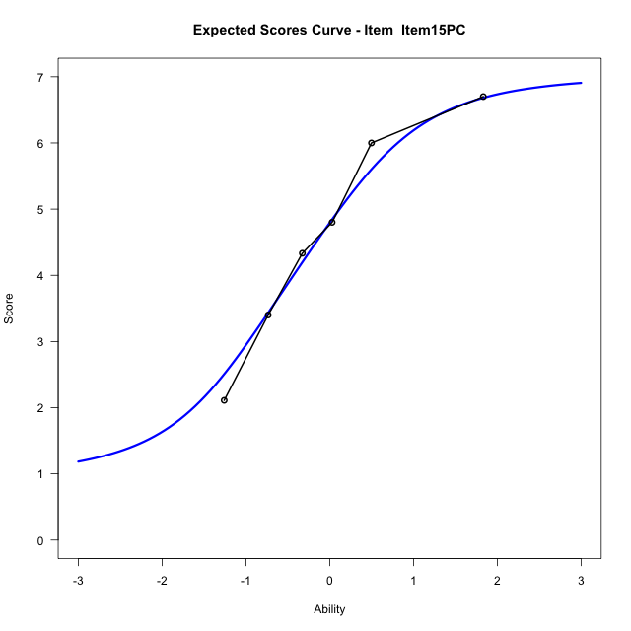
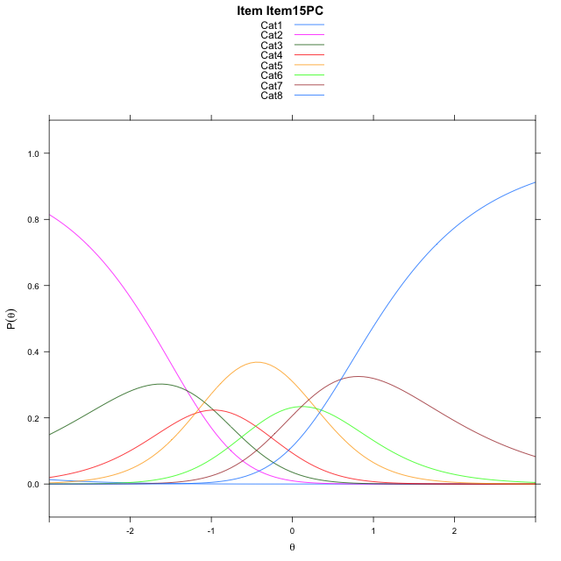
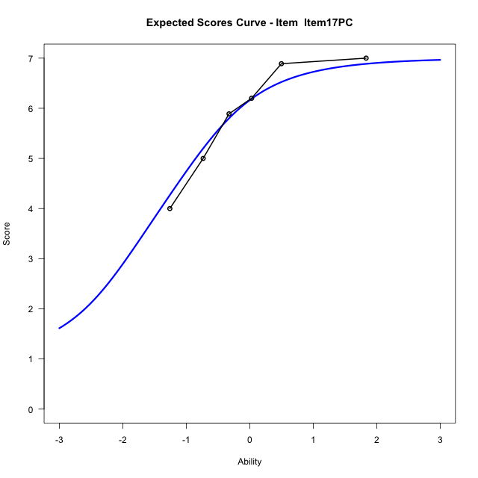
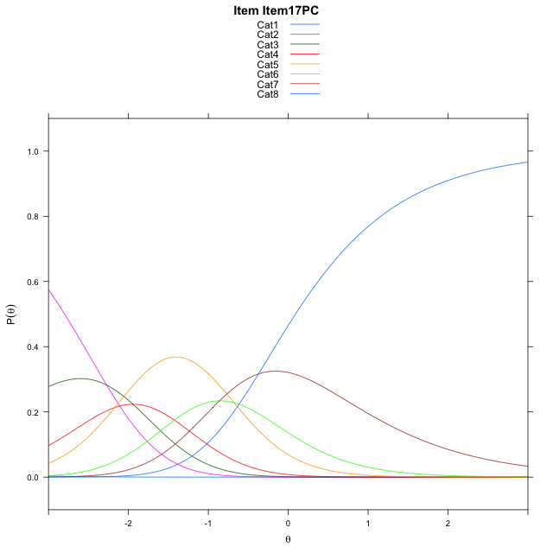
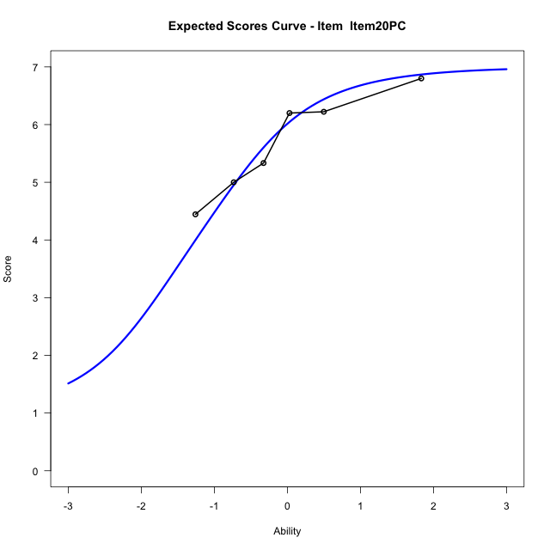
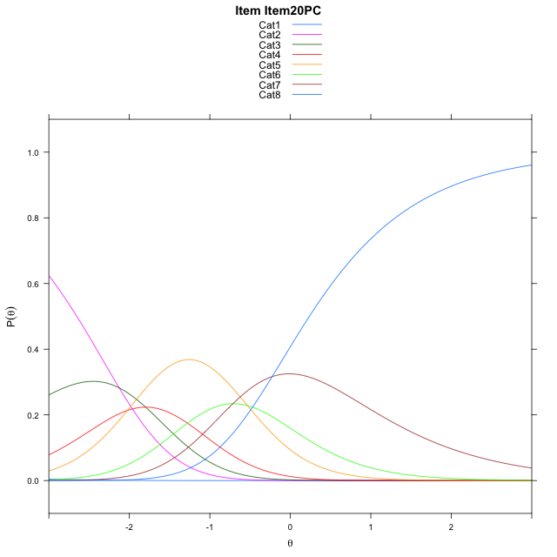
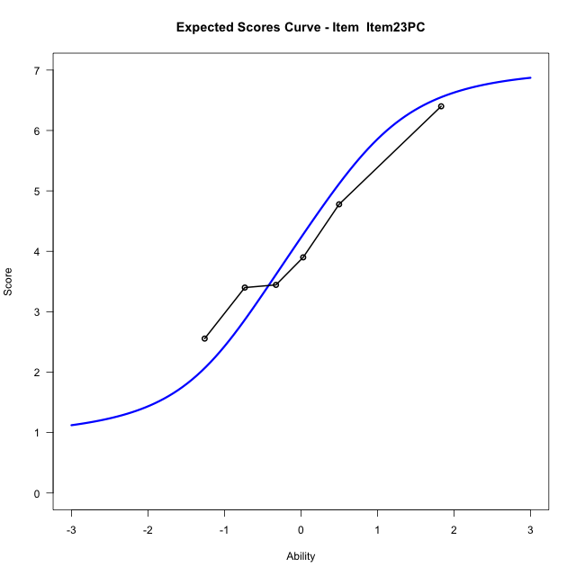
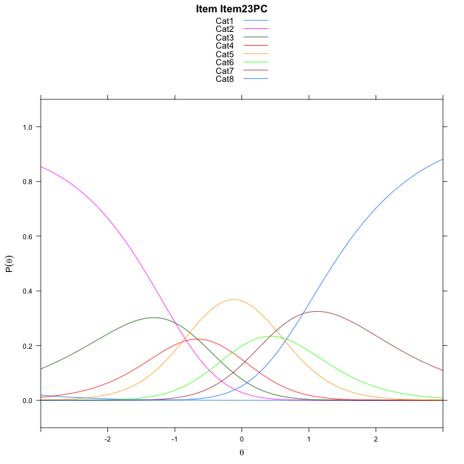
Estimate items information for the measurement model

Full Item Information
item | N | M | xsi.item | AXsi_.Cat1 | AXsi_.Cat2 | AXsi_.Cat3 | AXsi_.Cat4 | AXsi_.Cat5 | AXsi_.Cat6 | AXsi_.Cat7 | B.Cat1.Dim1 | B.Cat2.Dim1 | B.Cat3.Dim1 | B.Cat4.Dim1 | B.Cat5.Dim1 | B.Cat6.Dim1 | B.Cat7.Dim1
Item02PC | 57 | 4.9298245614 | -1.6081284624 | -7.3525868175 | -8.8932725667 | -10.105789275 | -11.543824794 | -11.490234032 | -11.61717139 | -11.256899237 | 1 | 2 | 3 | 4 | 5 | 6 | 7
Item05PC | 57 | 5.1403508772 | -1.7589713005 | -7.5034296556 | -9.1949582428 | -10.558317789 | -12.147196146 | -12.244448222 | -12.522228418 | -12.312799103 | 1 | 2 | 3 | 4 | 5 | 6 | 7
Item08PC | 57 | 5.6315789474 | -2.1479124056 | -7.8923707607 | -9.9728404531 | -11.725141105 | -13.702960567 | -14.189153748 | -14.855875049 | -15.035386839 | 1 | 2 | 3 | 4 | 5 | 6 | 7
Item15PC | 57 | 4.5789473684 | -1.3687412705 | -7.1131996256 | -8.4144981828 | -9.3876276994 | -10.586276026 | -10.293298072 | -10.180848238 | -9.5811888935 | 1 | 2 | 3 | 4 | 5 | 6 | 7
Item17PC | 57 | 5.8421052632 | -2.3400359247 | -8.0844942798 | -10.357087491 | -12.301511662 | -14.471454643 | -15.149771343 | -16.008616163 | -16.380251473 | 1 | 2 | 3 | 4 | 5 | 6 | 7
Item20PC | 57 | 5.6842105263 | -2.1940653683 | -7.9385237233 | -10.065146378 | -11.863599993 | -13.887572417 | -14.419918561 | -15.132792825 | -15.358457578 | 1 | 2 | 3 | 4 | 5 | 6 | 7
Item23PC | 57 | 4.1052631579 | -1.0582496996 | -6.8027080547 | -7.7935150411 | -8.4561529868 | -9.3443097429 | -8.740840218 | -8.3178988129 | -7.4077478975 | 1 | 2 | 3 | 4 | 5 | 6 | 7

Thurstonian Thresholds (category-wise)
 | Cat1 | Cat2 | Cat3 | Cat4 | Cat5 | Cat6 | Cat7
Item02PC | -7.3565368652 | -2.0603942871 | -1.4204406738 | -1.017791748 | -0.33261108398 | 0.10079956055 | 0.82260131836
Item05PC | -7.5074157715 | -2.2112731934 | -1.5711364746 | -1.1684875488 | -0.48348999023 | -0.050079345703 | 0.67190551758
Item08PC | -7.8963317871 | -2.6003723145 | -1.9602355957 | -1.5575866699 | -0.87258911133 | -0.4391784668 | 0.28280639648
Item15PC | -7.1172180176 | -1.8212585449 | -1.1811218262 | -0.77847290039 | -0.093475341797 | 0.3401184082 | 1.061920166
Item17PC | -8.0884094238 | -2.7924499512 | -2.1523132324 | -1.7496643066 | -1.064666748 | -0.63107299805 | 0.090728759766
Item20PC | -7.9424743652 | -2.6465148926 | -2.0063781738 | -1.603729248 | -0.91873168945 | -0.48532104492 | 0.23666381836
Item23PC | -6.8064880371 | -1.5105285645 | -0.8703918457 | -0.46774291992 | 0.21725463867 | 0.6506652832 | 1.3726501465

Thurstonian Thresholds (item-wise)
 | Threshold
Item02PC | -0.9401693198
Item05PC | -1.0888044826
Item08PC | -1.4810329493
Item15PC | -0.70250340263
Item17PC | -1.6700445861
Item20PC | -1.526364501
Item23PC | -0.3893992283

Item Infit/Outfit Statistic
parameter | Outfit | Outfit_t | Outfit_p | Outfit_pholm | Infit | Infit_t | Infit_p | Infit_pholm
Item02PC | 1.0147772654 | 0.10959666401 | 0.91272925646 | 1 | 1.0635775509 | 0.3740387743 | 0.70837546875 | 1
Item05PC | 1.2166296858 | 0.98812719885 | 0.32309035667 | 1 | 1.2872891561 | 1.4334164125 | 0.15173887079 | 1
Item08PC | 0.77788704455 | -0.92400667389 | 0.35548284106 | 1 | 0.81126419668 | -0.94089671375 | 0.34675779187 | 1
Item15PC | 1.0551334919 | 0.32361788485 | 0.7462273459 | 1 | 1.1145533342 | 0.65023141166 | 0.51554275372 | 1
Item17PC | 0.70858399302 | -1.1699092057 | 0.24203750885 | 1 | 0.88082710924 | -0.53700738725 | 0.59126251131 | 1
Item20PC | 1.0018437164 | 0.060922560221 | 0.95142088236 | 1 | 0.96317866247 | -0.12998895821 | 0.89657516264 | 1
Item23PC | 1.1548227666 | 0.79499932725 | 0.42661389349 | 1 | 1.133172911 | 0.74194016327 | 0.45812359027 | 1
Cat1 | 1.4867446156 | 0.91883826508 | 0.35818017448 | 1 | 1.4871686306 | 6.4614687666 | 1.0369155971E-10 | 9.3322403743E-10
Cat2 | 1.6207754857 | 1.0250738913 | 0.30532832371 | 1 | 1.6656719438 | 9.0269149476 | 1.7657956242E-19 | 1.9423751866E-18
Cat3 | 1.6699002075 | 1.3751980552 | 0.16907005109 | 1 | 1.6873402849 | 11.13794739 | 8.1987169325E-29 | 9.8384603191E-28
Cat4 | 1.3726837199 | 1.0497896499 | 0.29381483491 | 1 | 1.3863992557 | 8.6741018122 | 4.1682727223E-18 | 4.1682727223E-17
Cat5 | 1.4531215695 | 0.85245323192 | 0.39396258589 | 1 | 1.4551293376 | 11.165230974 | 6.0334174493E-29 | 7.8434426841E-28
Cat6 | 1.3621268067 | 0.74672871813 | 0.45522733098 | 1 | 1.4700539376 | 6.0880117903 | 1.1432145469E-09 | 9.1457163754E-09

Box plot of expected curves

