Global-info
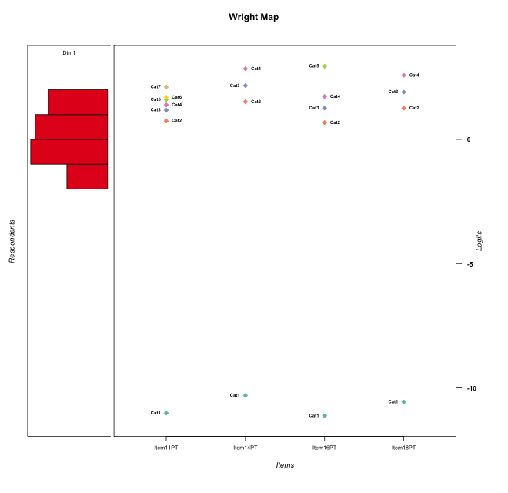
Global information for a measurement model

Information
Number.of.items | Deviance | Log.Likelihood | Number.of.persons | EAP.rel | n.theta.nodes | irt.model
4 | 435.11204942 | -217.55602471 | 55 | 0.65172914947 | 21 | RSM

Global fit statistic MADaQ3 and test fit
MADaQ3 | maxaQ3 | p
0.094105501353 | 0.22463338074 | 0.63158141455

Test statistic of global fit based on Chi square
maxX2 | Npairs | p.holm
33.400490668 | 6 | 1

Model fit statistics
X100.MADCOV | SRMR | SRMSR
13.784579163 | 0.09305294178 | 0.122149382

Chi square tests for every item pairs
index1 | index2 | maxK1 | maxK2 | df | chi2 | p | p.holm
1 | 2 | 7 | 4 | 28 | 33.400490668 | 0.22131044152 | 1
1 | 3 | 7 | 5 | 35 | 26.732651735 | 0.84069956227 | 1
1 | 4 | 7 | 4 | 28 | 19.302242219 | 0.88855162478 | 1
2 | 3 | 4 | 5 | 20 | 10.143704686 | 0.96549066451 | 1
2 | 4 | 4 | 4 | 16 | 11.887375733 | 0.75169558177 | 1
3 | 4 | 5 | 4 | 20 | 13.002674763 | 0.8772692577 | 1

Item residuals
Item11PT | Item14PT | Item16PT | Item18PT
-1.3117148731 | -0.44818152436 | 1.8655216278 | 0.40261715602
-0.24435324076 | -0.1069813459 | -0.26670929699 | -0.14209845115
0.57090690287 | -0.17716724817 | -0.4512124452 | -0.23652688078
-0.24435324076 | -0.1069813459 | -0.26670929699 | -0.14209845115
0.57090690287 | -0.17716724817 | -0.4512124452 | -0.23652688078
-0.24435324076 | -0.1069813459 | -0.26670929699 | -0.14209845115
0.51441298936 | 0.24091073221 | 0.21909892884 | 0.011628830335
0.3072040756 | -0.54978548143 | 1.6353399817 | -0.7287610214
-0.3117148731 | 0.55181847564 | -0.13447837216 | 0.40261715602
-0.24435324076 | -0.1069813459 | -0.26670929699 | -0.14209845115
-0.48558701064 | 0.24091073221 | 0.21909892884 | 1.0116288303
1.3072040756 | -0.54978548143 | 0.63533998169 | -0.7287610214
-0.6927959244 | 0.45021451857 | -0.36466001831 | 1.2712389786
0.10720544223 | -0.87217879768 | 1.0309434056 | 0.87916382823
2.2316386953 | -1.1400185219 | 1.6552638043 | -1.4173287295
0.3288032001 | 0.74003751134 | -0.66825308493 | -0.34788602511
-1.7683613047 | 1.8599814781 | 1.6552638043 | -0.41732872954
0.0331274956 | -0.35098538344 | 0.10028763368 | 0.53061127821
-0.42909309713 | -0.17716724817 | 0.5487875548 | -0.23652688078
-0.24435324076 | -0.1069813459 | -0.26670929699 | -0.14209845115
0.57090690287 | -0.17716724817 | -0.4512124452 | -0.23652688078
-0.24435324076 | -0.1069813459 | -0.26670929699 | -0.14209845115
-0.24435324076 | -0.1069813459 | -0.26670929699 | -0.14209845115
-0.24435324076 | -0.1069813459 | -0.26670929699 | -0.14209845115
-0.24435324076 | -0.1069813459 | -0.26670929699 | -0.14209845115
2.5144129894 | 1.2409107322 | -1.7809010712 | -0.98837116966
-0.24435324076 | -0.1069813459 | -0.26670929699 | -0.14209845115
-0.3117148731 | 1.5518184756 | -0.13447837216 | -0.59738284398
-0.42909309713 | -0.17716724817 | 0.5487875548 | -0.23652688078
-0.24435324076 | -0.1069813459 | -0.26670929699 | -0.14209845115
1.2316386953 | 0.85998147809 | -0.34473619572 | -0.41732872954
-0.9668725044 | -0.35098538344 | 2.1002876337 | -0.46938872179
-0.24435324076 | -0.1069813459 | -0.26670929699 | -0.14209845115
-1.3117148731 | 0.55181847564 | -0.13447837216 | 1.402617156
-1.0883569409 | 0.34664261005 | 1.4185078279 | 0.14057137494
-0.24435324076 | -0.1069813459 | -0.26670929699 | -0.14209845115
1.6882851269 | -0.44818152436 | -1.1344783722 | 0.40261715602
-0.24435324076 | -0.1069813459 | -0.26670929699 | -0.14209845115
-0.42909309713 | 0.82283275183 | -0.4512124452 | -0.23652688078
-0.24435324076 | -0.1069813459 | -0.26670929699 | -0.14209845115
0.23163869532 | 0.85998147809 | 0.65526380428 | -0.41732872954
-0.24435324076 | -0.1069813459 | -0.26670929699 | -0.14209845115
-0.24435324076 | -0.1069813459 | -0.26670929699 | -0.14209845115
-0.24435324076 | -0.1069813459 | -0.26670929699 | -0.14209845115
-0.42909309713 | -0.17716724817 | 0.5487875548 | -0.23652688078
-0.6711967999 | -0.25996248866 | -0.66825308493 | 1.6521139749
-0.6711967999 | -0.25996248866 | -0.66825308493 | 1.6521139749
-0.6927959244 | -0.54978548143 | -0.36466001831 | 2.2712389786
2.6766995919 | -0.99883390199 | 0.84391103449 | -1.2636164375
-0.24435324076 | -0.1069813459 | -0.26670929699 | -0.14209845115
3.1072054422 | -0.87217879768 | -0.96905659439 | -0.12083617177
-0.42909309713 | -0.17716724817 | -0.4512124452 | 0.76347311922
-0.42909309713 | 0.82283275183 | -0.4512124452 | -0.23652688078
-0.24435324076 | -0.1069813459 | -0.26670929699 | -0.14209845115
-0.24435324076 | -0.1069813459 | -0.26670929699 | -0.14209845115

Wright Map for Item Response Models

Estimate-Items
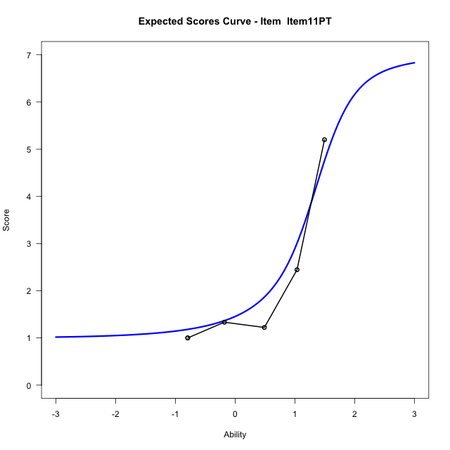
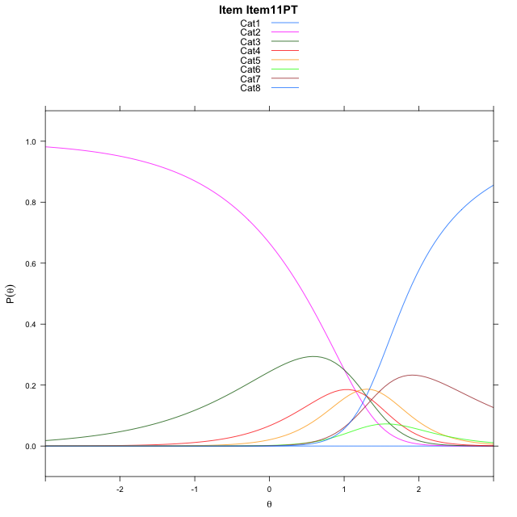
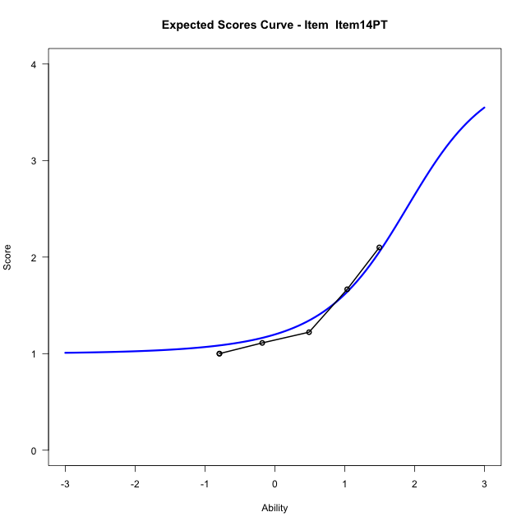
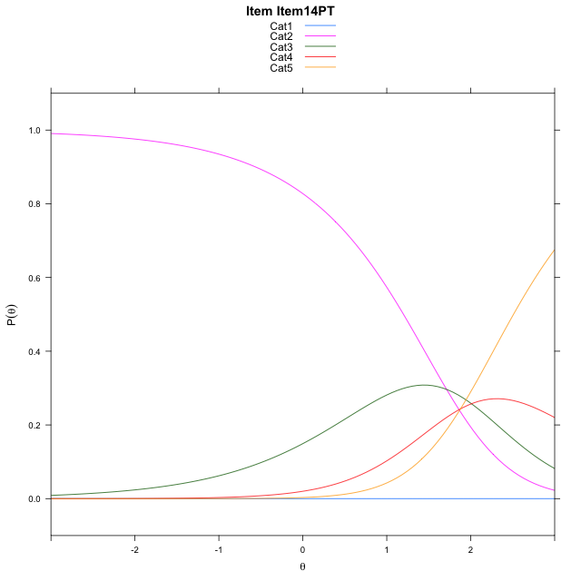
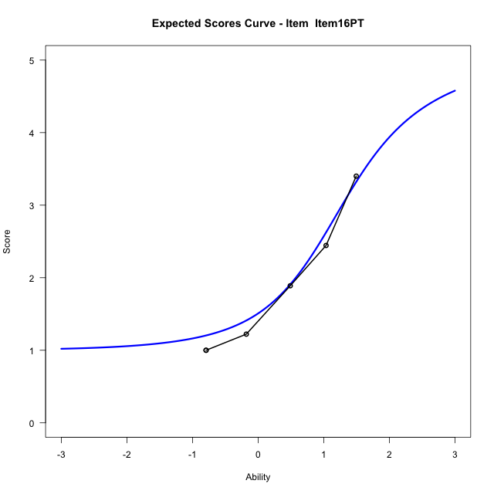
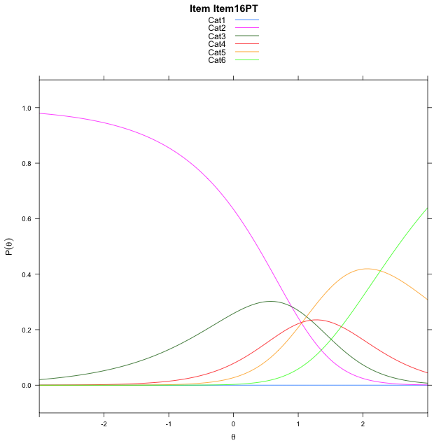
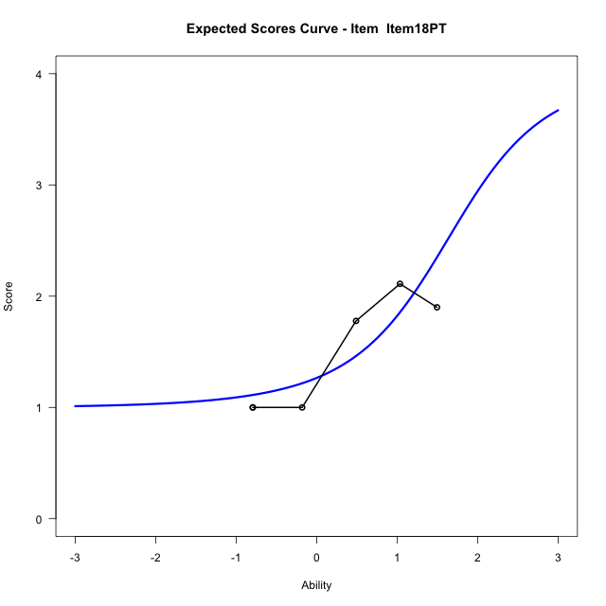
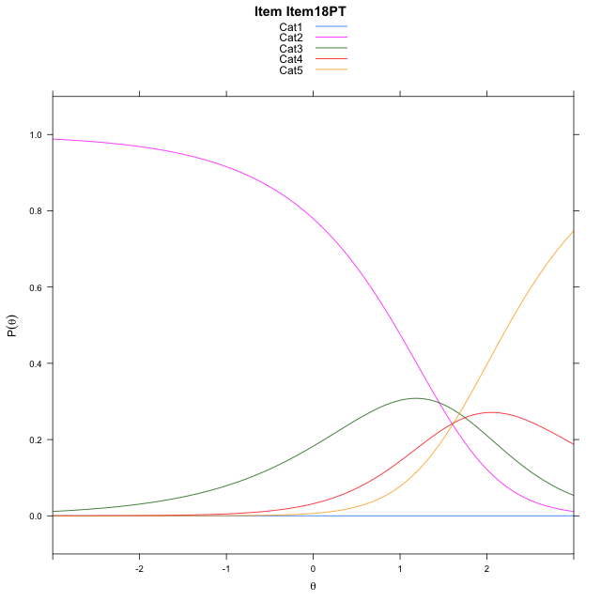
Estimate items information for the measurement model

Full Item Information
item | N | M | xsi.item | AXsi_.Cat1 | AXsi_.Cat2 | AXsi_.Cat3 | AXsi_.Cat4 | AXsi_.Cat5 | AXsi_.Cat6 | AXsi_.Cat7 | B.Cat1.Dim1 | B.Cat2.Dim1 | B.Cat3.Dim1 | B.Cat4.Dim1 | B.Cat5.Dim1 | B.Cat6.Dim1 | B.Cat7.Dim1
Item11PT | 55 | 2.0909090909 | -0.57618670588 | -11.522479545 | -10.518362238 | -9.2179311838 | -8.0481714025 | -5.6726367971 | -5.1178673063 | -4.0333069412 | 1 | 2 | 3 | 4 | 5 | 6 | 7
Item14PT | 55 | 1.3636363636 | -1.3033318771 | -10.813768572 | -9.1009402911 | -7.0917982633 | -5.2133275085 |  |  |  | 1 | 2 | 3 | 4 | 0 | 0 | 0
Item16PT | 55 | 1.8545454545 | -1.2413375415 | -11.629289727 | -10.731982602 | -9.53836173 | -8.4754121308 | -6.2066877074 |  |  | 1 | 2 | 3 | 4 | 5 | 0 | 0
Item18PT | 55 | 1.4727272727 | -1.5646634954 | -11.07510019 | -9.6236035277 | -7.8757931182 | -6.2586539817 |  |  |  | 1 | 2 | 3 | 4 | 0 | 0 | 0

Thurstonian Thresholds (category-wise)
 | Cat1 | Cat2 | Cat3 | Cat4 | Cat5 | Cat6 | Cat7
Item11PT | -11.524200439 | 0.46170043945 | 1.0014953613 | 1.2402648926 | 1.4561462402 | 1.5394592285 | 1.8534851074
Item14PT | -10.815765381 | 1.199432373 | 1.9045715332 | 2.5093688965
Item16PT | -11.631317139 | 0.37106323242 | 1.0218200684 | 1.4717102051 | 2.5324401855
Item18PT | -11.077056885 | 0.93814086914 | 1.6432800293 | 2.2480773926

Thurstonian Thresholds (item-wise)
 | Threshold
Item11PT | 1.1687718055
Item14PT | 1.4194881964
Item16PT | 0.93327524008
Item18PT | 1.1796323736

Item Infit/Outfit Statistic
parameter | Outfit | Outfit_t | Outfit_p | Outfit_pholm | Infit | Infit_t | Infit_p | Infit_pholm
Item11PT | 0.92091339231 | -0.16455984118 | 0.86929044229 | 1 | 1.0961321695 | 0.37161388403 | 0.71018035031 | 1
Item14PT | 0.88371864979 | -0.14120628095 | 0.88770698431 | 1 | 0.9871322714 | -0.0033709556792 | 0.9973103716 | 1
Item16PT | 0.91740463445 | -0.19904419104 | 0.84222817669 | 1 | 1.0060582899 | 0.056531361784 | 0.95491851237 | 1
Item18PT | 1.1908278162 | 0.48465518918 | 0.6279209581 | 1 | 1.129053089 | 0.54442875711 | 0.58614646128 | 1
Cat1 | 0.56281169743 | 76.162503621 | 0 | 0 | 1.3034576386 | 0.67512879662 | 0.49959393958 | 1
Cat2 | 1.3817252428 | 0.73949309885 | 0.45960762877 | 1 | 1.5345300747 | 5.6783835613 | 1.3597354374E-08 | 1.3597354374E-07
Cat3 | 0.94678220225 | 1.2565874604 | 0.20890305775 | 1 | 1.1855552267 | 1.3640763528 | 0.17254353639 | 1
Cat4 | 1.0819004132 | 9.7568522258 | 1.7242395492E-22 | 1.2069676844E-21 | 0.86924429342 | -0.90368878409 | 0.36616044805 | 1
Cat5 | 0.34565034547 |  |  |  | 0.75230217996 | -0.76830696135 | 0.44230483987 | 1
Cat6 | 0.71357545859 |  |  |  | 1.0731374076 | 0.27552737387 | 0.78291109805 | 1

Box plot of expected curves

