Global-info
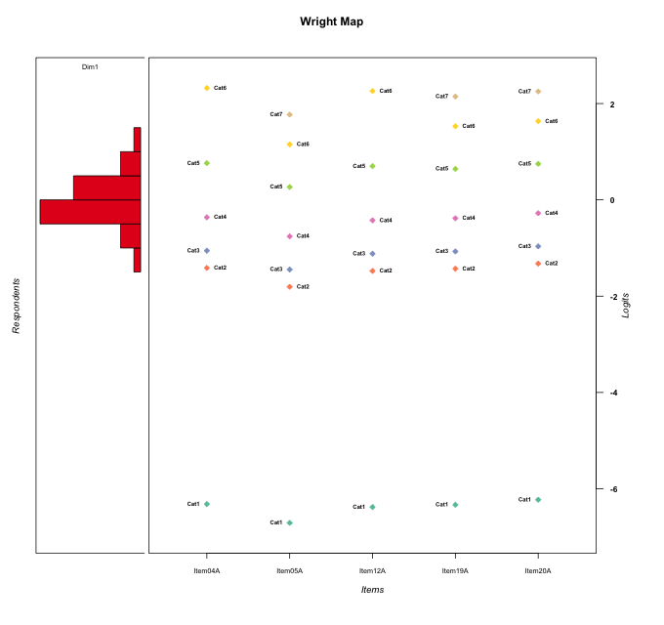
Global information for a measurement model

Information
Number.of.items | Deviance | Log.Likelihood | Number.of.persons | EAP.rel | n.theta.nodes | irt.model
5 | 490.02982241 | -245.0149112 | 33 | 0.45860817207 | 21 | RSM

Global fit statistic MADaQ3 and test fit
MADaQ3 | maxaQ3 | p
0.14321873503 | 0.29186580757 | 1

Test statistic of global fit based on Chi square
maxX2 | Npairs | p.holm
86.513973297 | 10 | 0.0075786667293

Model fit statistics
X100.MADCOV | SRMR | SRMSR
13.914600257 | 0.11393673771 | 0.13489550838

Chi square tests for every item pairs
index1 | index2 | maxK1 | maxK2 | df | chi2 | p | p.holm
1 | 2 | 6 | 7 | 42 | 37.260745827 | 0.67882250558 | 1
1 | 3 | 6 | 6 | 36 | 19.997406572 | 0.98573893014 | 1
1 | 4 | 6 | 7 | 42 | 40.500745892 | 0.53686216546 | 1
1 | 5 | 6 | 7 | 42 | 31.289237047 | 0.88715268855 | 1
2 | 3 | 7 | 6 | 42 | 31.613690754 | 0.87870741816 | 1
2 | 4 | 7 | 7 | 49 | 73.88629113 | 0.01231822526 | 0.11086402734
2 | 5 | 7 | 7 | 49 | 45.39964038 | 0.61988273802 | 1
3 | 4 | 6 | 7 | 42 | 46.554232108 | 0.29040851306 | 1
3 | 5 | 6 | 7 | 42 | 22.218632774 | 0.99480096922 | 1
4 | 5 | 7 | 7 | 49 | 86.513973297 | 0.00075786667293 | 0.0075786667293

Item residuals
Item04A | Item05A | Item12A | Item19A | Item20A
0.84784942105 | -0.65829364129 | 0.79015302268 | 0.75614454602 | -1.1269193943
0.59896101699 | 1.0166074398 | 0.54703252171 | 0.44285712562 | -0.44004175927
0.49300734842 | 0.0044051839947 | -0.58319367679 | -2.5425849399 | -0.40521617178
0.59896101699 | 0.016607439809 | 0.54703252171 | 0.44285712562 | 0.55995824073
-0.0039990795811 | -0.48904167523 | -0.065671955185 | -0.07259314132 | 0.047165924974
1.0848670306 | -0.39684865637 | 1.0206002159 | -2.9754621805 | 0.14712916356
-1.5069926516 | -0.99559481601 | -0.58319367679 | 1.4574150601 | -1.4052161718
0.84784942105 | 0.34170635871 | -0.20984697732 | 0.75614454602 | -1.1269193943
0.1885030502 | 1.707154535 | -0.87885344249 | -2.8642855558 | 0.26201052569
-0.080059433864 | -0.57275049403 | -0.13961806669 | -0.15860163432 | 0.95931679121
0.91994056614 | -0.57275049403 | 0.86038193331 | -1.1586016343 | -0.040683208792
-1.0039990796 | 1.5109583248 | -0.065671955185 | -0.07259314132 | -0.95283407503
-2.5973340701 | -1.082662976 | 0.32897591642 | 0.36263689334 | 0.49685682128
1.0848670306 | -0.39684865637 | 0.020600215907 | -1.9754621805 | 0.14712916356
0.99600092042 | -1.4890416752 | -0.065671955185 | -0.07259314132 | 0.047165924974
-0.31397892306 | 0.13327894754 | 0.63213405778 | 0.55458139374 | 0.67130092673
0.084867030624 | -0.39684865637 | 0.020600215907 | -0.97546218046 | 0.14712916356
1.1885030502 | -1.292845465 | -0.87885344249 | 0.13571444424 | -0.73798947431
-1.0039990796 | 0.51095832477 | -1.0656719552 | 0.92740685868 | 0.047165924974
0.084867030624 | 1.6031513436 | 0.020600215907 | -1.9754621805 | -0.85287083644
-1.4813681368 | 1.9068112852 | 0.46848576713 | 1.3375260002 | 0.45513501543
0.77081505827 | 0.24442938621 | -0.2850254068 | 0.66145443246 | -0.22194181879
0.1885030502 | -1.292845465 | -0.87885344249 | 0.13571444424 | 0.26201052569
0.68602107694 | 2.1332789475 | -1.3678659422 | 2.5545813937 | -2.3286990733
1.598961017 | 1.0166074398 | -0.45296747829 | -0.55714287438 | 0.55995824073
-1.5973340701 | -1.082662976 | -0.67102408358 | 0.36263689334 | 0.49685682128
-0.22918494173 | -1.7555706138 | 1.7149745932 | 0.66145443246 | 0.77805818121
-0.080059433864 | -0.57275049403 | 0.86038193331 | -0.15860163432 | -0.040683208792
0.59896101699 | 0.016607439809 | 0.54703252171 | 0.44285712562 | 0.55995824073
-1.401038983 | 0.016607439809 | -0.45296747829 | 1.4428571256 | 2.5599582407
-0.40103898301 | 0.016607439809 | -0.45296747829 | 1.4428571256 | 1.5599582407
-1.0039990796 | 1.5109583248 | -0.065671955185 | -0.07259314132 | -0.95283407503
-0.15215057895 | -0.65829364129 | 0.79015302268 | 0.75614454602 | -0.12691939427

Wright Map for Item Response Models

Estimate-Items
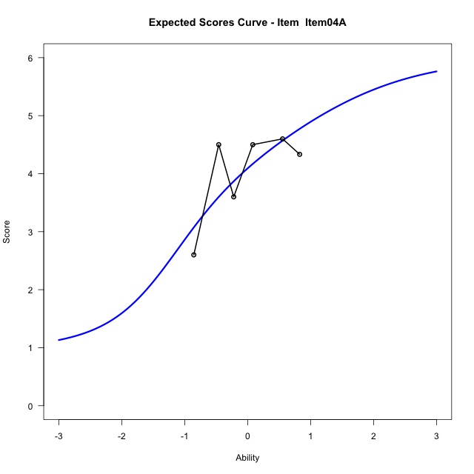
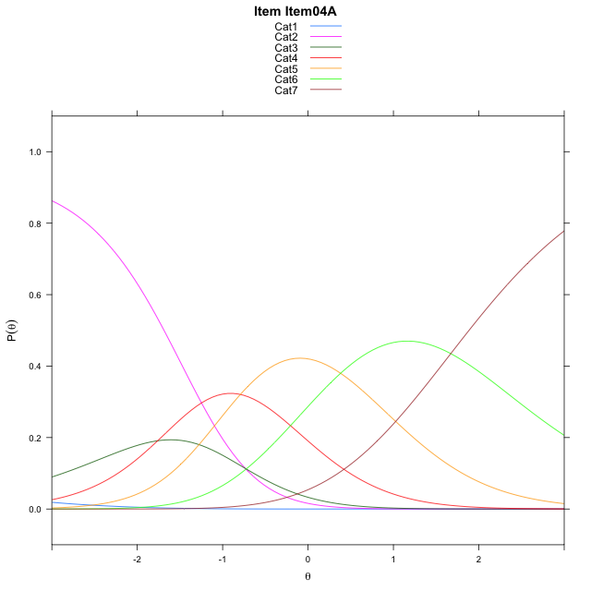
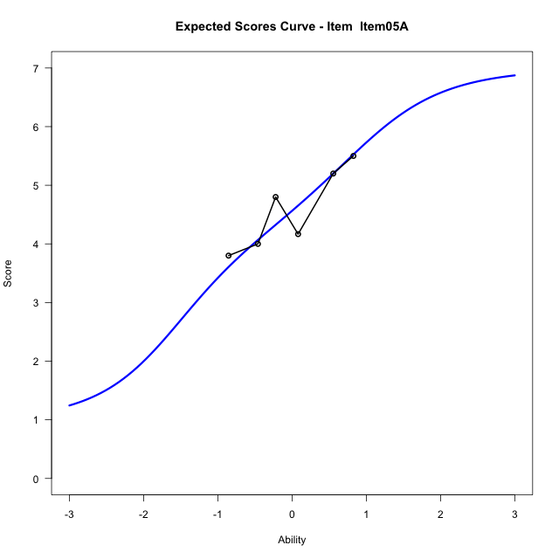
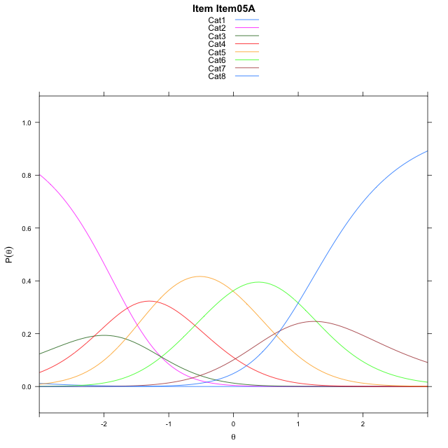
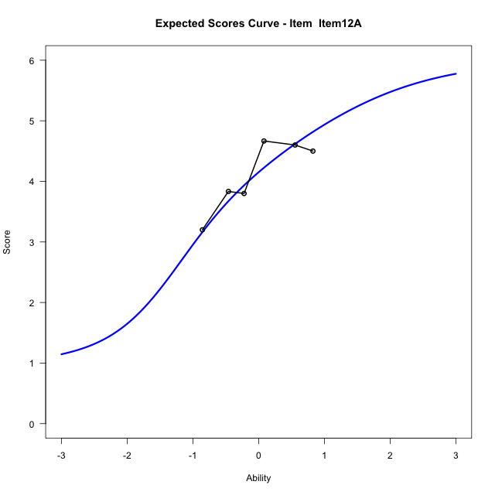
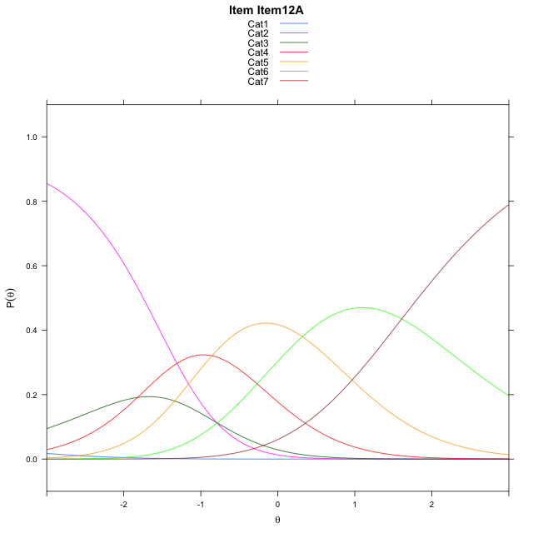
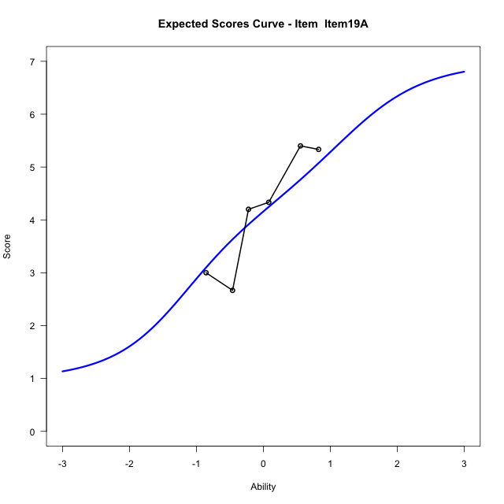
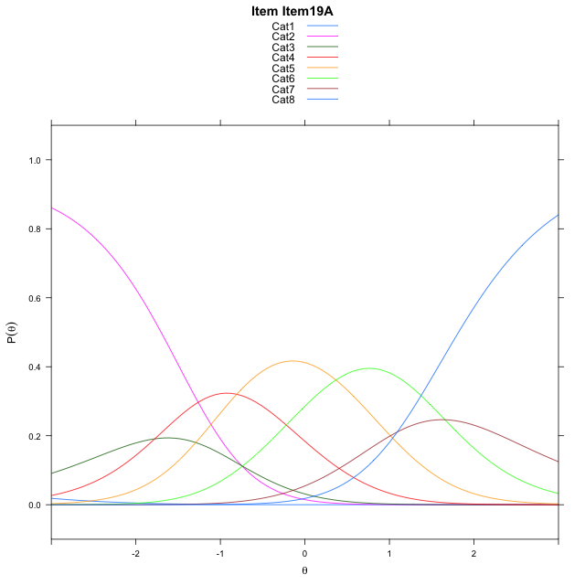
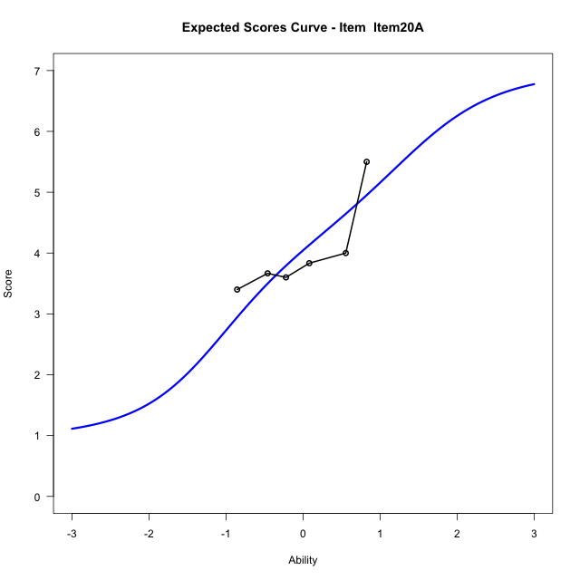

Estimate items information for the measurement model

Full Item Information
item | N | M | xsi.item | AXsi_.Cat1 | AXsi_.Cat2 | AXsi_.Cat3 | AXsi_.Cat4 | AXsi_.Cat5 | AXsi_.Cat6 | AXsi_.Cat7 | B.Cat1.Dim1 | B.Cat2.Dim1 | B.Cat3.Dim1 | B.Cat4.Dim1 | B.Cat5.Dim1 | B.Cat6.Dim1 | B.Cat7.Dim1
Item04A | 33 | 4.0606060606 | -1.3430114509 | -6.8240961934 | -7.5584146818 | -9.3189545898 | -10.11120873 | -9.7298186664 | -8.0580687056 |  | 1 | 2 | 3 | 4 | 5 | 6 | 0
Item05A | 33 | 4.5757575758 | -1.3839960369 | -7.2149160029 | -8.3400543009 | -10.491414019 | -11.674487969 | -11.683917714 | -10.402987563 | -9.6879722585 | 1 | 2 | 3 | 4 | 5 | 6 | 7
Item12A | 33 | 4.1212121212 | -1.4052064452 | -6.8862911876 | -7.6828046704 | -9.5055395727 | -10.359988707 | -10.040793638 | -8.4312386713 |  | 1 | 2 | 3 | 4 | 5 | 6 | 0
Item19A | 33 | 4.1515151515 | -1.0082171523 | -6.8391371183 | -7.5884965317 | -9.3640773647 | -10.17137243 | -9.8050232912 | -8.1483142553 | -7.0575200662 | 1 | 2 | 3 | 4 | 5 | 6 | 7
Item20A | 33 | 4.0303030303 | -0.90300575332 | -6.7339257193 | -7.3780737337 | -9.0484431677 | -9.7505268341 | -9.2789662963 | -7.5170458614 | -6.3210402733 | 1 | 2 | 3 | 4 | 5 | 6 | 7

Thurstonian Thresholds (category-wise)
 | Cat1 | Cat2 | Cat3 | Cat4 | Cat5 | Cat6 | Cat7
Item04A | -6.827911377 | -1.6800842285 | -1.2929992676 | -0.64077758789 | 0.42233276367 | 1.8851623535
Item05A | -7.2184753418 | -2.0708312988 | -1.6837463379 | -1.0337219238 | -0.031219482422 | 0.88265991211 | 1.4416809082
Item12A | -6.8899841309 | -1.7423400879 | -1.355255127 | -0.70303344727 | 0.36026000977 | 1.8229064941
Item19A | -6.8427429199 | -1.6949157715 | -1.308013916 | -0.65798950195 | 0.34451293945 | 1.258392334 | 1.8175964355
Item20A | -6.7376403809 | -1.5899963379 | -1.202911377 | -0.55288696289 | 0.44961547852 | 1.363494873 | 1.9225158691

Thurstonian Thresholds (item-wise)
 | Threshold
Item04A | -0.89547390158
Item05A | -0.92162215572
Item12A | -0.95634615499
Item19A | -0.55977175973
Item20A | -0.4454687844

Item Infit/Outfit Statistic
parameter | Outfit | Outfit_t | Outfit_p | Outfit_pholm | Infit | Infit_t | Infit_p | Infit_pholm
Item04A | 1.042366271 | 0.2273081165 | 0.82018416224 | 1 | 1.0572525824 | 0.28642133341 | 0.77455543712 | 1
Item05A | 1.0518999026 | 0.26597975323 | 0.79025480212 | 1 | 1.0485652647 | 0.25403286406 | 0.79947016884 | 1
Item12A | 0.58033415263 | -1.8004996824 | 0.071781773684 | 0.71781773684 | 0.56114827201 | -1.8959968654 | 0.057960459018 | 0.52164413117
Item19A | 1.520525498 | 1.7223173751 | 0.085012041896 | 0.76510837707 | 1.5205932962 | 1.7363224589 | 0.082506834274 | 0.66005467419
Item20A | 0.8116698779 | -0.66718141386 | 0.5046562616 | 1 | 0.79451062246 | -0.75052801458 | 0.45293675782 | 1
Cat1 | 1.577624153 | 44.008948219 | 0 | 0 | 1.4688602402 | 1.0218240322 | 0.30686419284 | 1
Cat2 | 1.2173065431 | 1.2094771826 | 0.22647957199 | 1 | 1.0919642699 | 0.36773553108 | 0.71307044417 | 1
Cat3 | 1.4132870521 | 0.78895492345 | 0.43013835284 | 1 | 1.2541742476 | 1.1115860701 | 0.26631616456 | 1
Cat4 | 1.4048874065 | 0.81402333563 | 0.41563158272 | 1 | 1.3198988901 | 3.2093401592 | 0.0013303999512 | 0.013303999512
Cat5 | 1.3568718249 | 0.93923608881 | 0.34760954394 | 1 | 1.3938898751 | 6.0785981845 | 1.2123773861E-09 | 1.3336151248E-08
Cat6 | 1.1837296724 | 0.69820829559 | 0.48504693932 | 1 | 1.0337226265 | 0.16419517039 | 0.86957750298 | 1

Box plot of expected curves

