Global-info
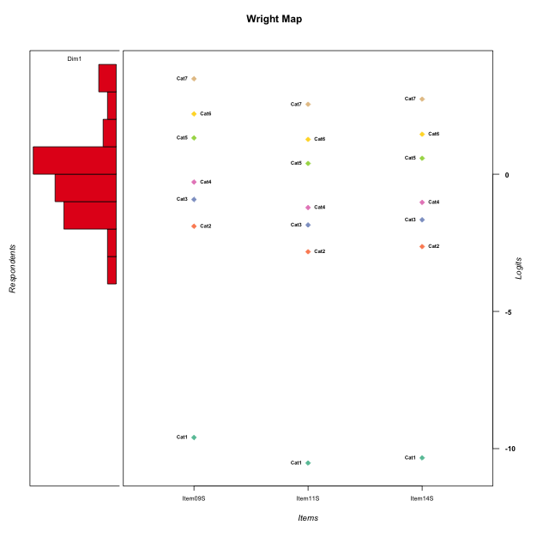
Global information for a measurement model

Information
Number.of.items | Deviance | Log.Likelihood | Number.of.persons | EAP.rel | n.theta.nodes | irt.model
3 | 547.51837211 | -273.75918605 | 58 | 0.85674527964 | 21 | RSM

Global fit statistic MADaQ3 and test fit
MADaQ3 | maxaQ3 | p
0.070293173515 | 0.10543976027 | 1

Test statistic of global fit based on Chi square
maxX2 | Npairs | p.holm
50.910324097 | 3 | 1

Model fit statistics
X100.MADCOV | SRMR | SRMSR
12.949860514 | 0.032630690546 | 0.035288477402

Chi square tests for every item pairs
index1 | index2 | maxK1 | maxK2 | df | chi2 | p | p.holm
1 | 2 | 7 | 7 | 49 | 50.910324097 | 0.3983142691 | 1
1 | 3 | 7 | 7 | 49 | 49.08266342 | 0.46981116809 | 1
2 | 3 | 7 | 7 | 49 | 40.531601798 | 0.80009033912 | 1

Item residuals
Item09S | Item11S | Item14S
-0.59752065745 | -0.2691198276 | -0.1053295209
0.14701015303 | 0.35776668987 | -0.48229269137
-0.42370256635 | -0.23061170686 | 0.93589736913
0.14701015303 | 0.35776668987 | -0.48229269137
-0.30529039534 | 0.7623197673 | -1.04774348
0.99378609939 | 0.19827884829 | -0.64972979934
-0.54889679982 | 1.6420165961 | -1.2001667572
0.14701015303 | 0.35776668987 | -0.48229269137
-0.59724410644 | 0.47085138748 | -0.34844279991
-0.85298984697 | 0.35776668987 | 0.51770730863
0.090336381712 | -0.80818524819 | 0.36135129718
0.67630440981 | -0.063878734087 | 0.069750593426
-0.23127536766 | -0.081798844598 | 0.07917034685
0.45110320018 | -1.3579834039 | 0.79983324276
0.85772989026 | -0.93477710145 | 0.2295106099
0.45110320018 | -0.35798340386 | -0.20016675724
-0.25794392483 | -0.60181176182 | -0.51047757386
-1.0062139006 | 0.19827884829 | 1.3502702007
-0.42370256635 | -0.23061170686 | 0.93589736913
0.63933602641 | 0.29162312085 | 0.34454179228
0.69470960466 | -2.2376802327 | 0.95225651997
0.14701015303 | -0.64223331013 | 0.51770730863
1.0903363817 | -0.80818524819 | -0.63864870282
0.63933602641 | 0.29162312085 | 0.34454179228
0.14701015303 | -0.64223331013 | 0.51770730863
-1.4237025663 | 0.76938829314 | 0.93589736913
0.14701015303 | 0.35776668987 | -0.48229269137
0.63933602641 | 0.29162312085 | 0.34454179228
-1.3236955902 | 0.93612126591 | 1.0697505934
0.14701015303 | -0.64223331013 | 0.51770730863
0.14701015303 | 0.35776668987 | -0.48229269137
2.1949011808 | -1.6058136793 | -1.4215045041
-1.5488967998 | -0.35798340386 | 1.7998332428
-0.040564247378 | 0.070029477442 | -0.73756347077
0.090336381712 | 1.1918147518 | -1.6386487028
-1.5488967998 | -0.35798340386 | 1.7998332428
-0.23127536766 | -0.081798844598 | 0.07917034685
2.2917074643 | -1.5220804137 | -0.35908513472
-1.0062139006 | 1.1982788483 | 0.35027020066
-0.7082925357 | 0.47791958633 | 0.64091486528
-0.14227010974 | 0.065222898552 | 0.2295106099
1.4027558936 | -0.52914861252 | -1.3484427999
0.63933602641 | 0.29162312085 | 0.34454179228
0.14701015303 | 1.3577666899 | -1.4822926914
-0.30529039534 | 0.7623197673 | -1.04774348
-0.14227010974 | -0.93477710145 | 1.2295106099
-0.42370256635 | 0.76938829314 | -0.064102630872
0.67630440981 | -0.063878734087 | 0.069750593426
0.45110320018 | -0.35798340386 | -0.20016675724
0.57629743365 | -0.23061170686 | -0.064102630872
-1.3052903953 | -0.2376802327 | 0.95225651997
0.2917074643 | 0.47791958633 | -0.35908513472
-1.0405642474 | 1.0700294774 | -0.73756347077
-0.59724410644 | 0.47085138748 | -0.34844279991
-0.14227010974 | 0.065222898552 | 0.2295106099
0.57629743365 | -0.23061170686 | -0.064102630872
-0.30529039534 | 0.7623197673 | -1.04774348
-0.25794392483 | -0.60181176182 | -0.51047757386

Wright Map for Item Response Models

Estimate-Items
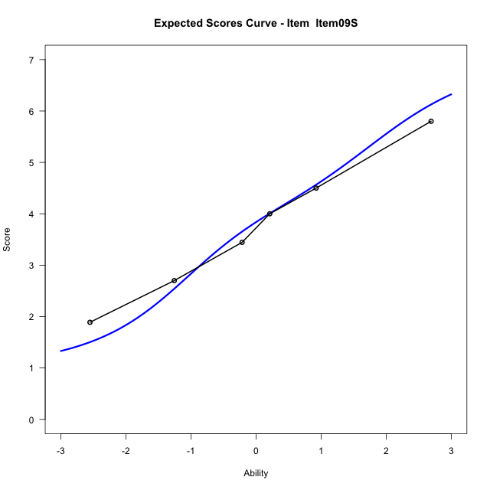
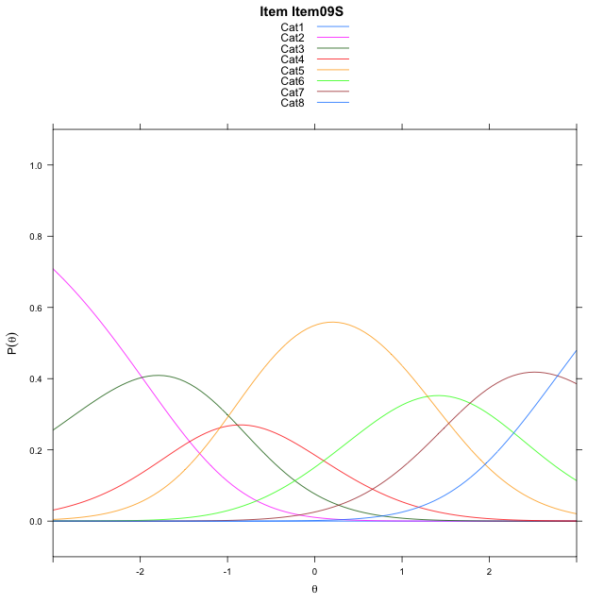
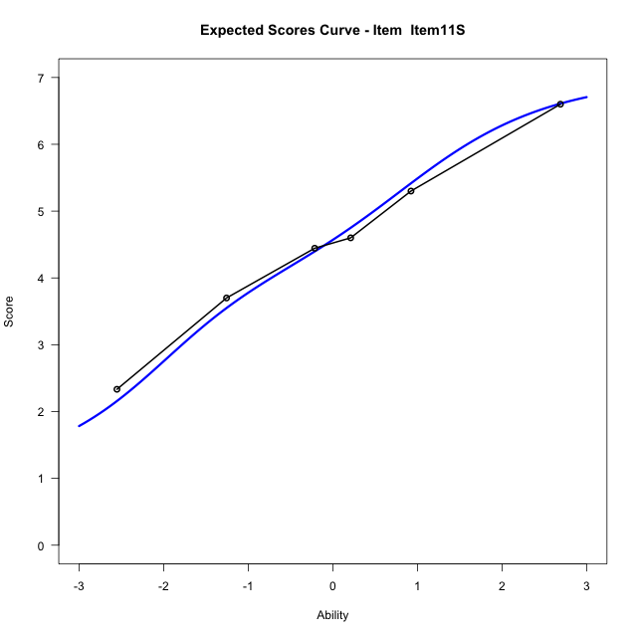
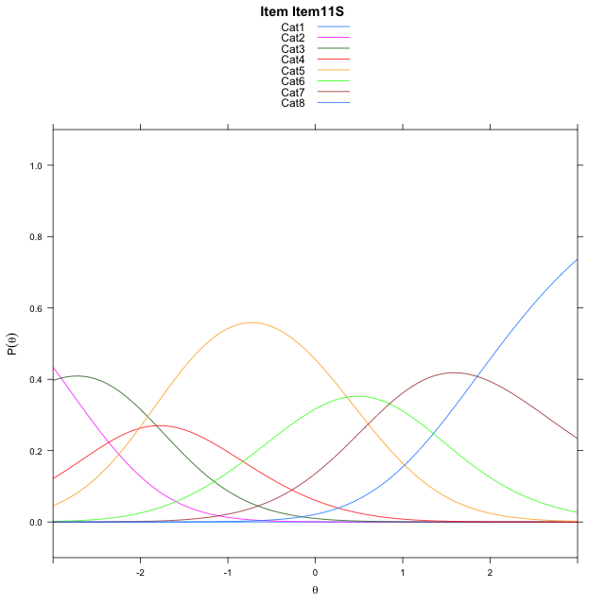
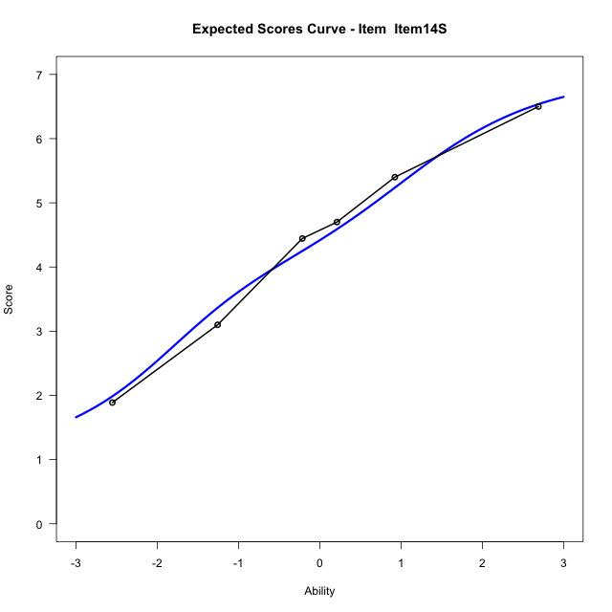
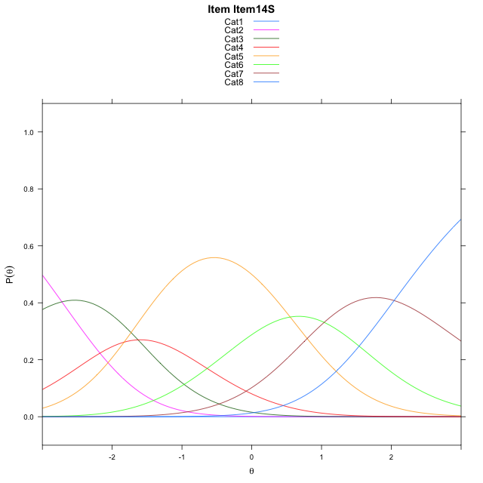
Estimate items information for the measurement model

Full Item Information
item | N | M | xsi.item | AXsi_.Cat1 | AXsi_.Cat2 | AXsi_.Cat3 | AXsi_.Cat4 | AXsi_.Cat5 | AXsi_.Cat6 | AXsi_.Cat7 | B.Cat1.Dim1 | B.Cat2.Dim1 | B.Cat3.Dim1 | B.Cat4.Dim1 | B.Cat5.Dim1 | B.Cat6.Dim1 | B.Cat7.Dim1
Item09S | 58 | 3.7586206897 | -1.1728953868 | -10.105013299 | -12.085162569 | -12.973941027 | -14.061729595 | -12.770144487 | -10.991814809 | -8.2102677075 | 1 | 2 | 3 | 4 | 5 | 6 | 7
Item11S | 58 | 4.5344827586 | -2.1019426005 | -11.034060513 | -13.943256996 | -15.761082668 | -17.77791845 | -17.415380556 | -16.566098091 | -14.713598204 | 1 | 2 | 3 | 4 | 5 | 6 | 7
Item14S | 58 | 4.3793103448 | -1.9138822007 | -10.846000113 | -13.567136197 | -15.196901469 | -17.025676851 | -16.475078557 | -15.437735692 | -13.397175405 | 1 | 2 | 3 | 4 | 5 | 6 | 7

Thurstonian Thresholds (category-wise)
 | Cat1 | Cat2 | Cat3 | Cat4 | Cat5 | Cat6 | Cat7
Item09S | -10.105682373 | -2.266204834 | -1.1944885254 | -0.58786010742 | 0.99783325195 | 1.891204834 | 3.0623474121
Item11S | -11.034942627 | -3.1954650879 | -2.1239318848 | -1.5171203613 | 0.068389892578 | 0.96176147461 | 2.1330871582
Item14S | -10.846893311 | -3.0074157715 | -1.9356994629 | -1.3290710449 | 0.25662231445 | 1.1499938965 | 2.3211364746

Thurstonian Thresholds (item-wise)
 | Threshold
Item09S | -0.36187129304
Item11S | -1.2986579941
Item14S | -1.1118428609

Item Infit/Outfit Statistic
parameter | Outfit | Outfit_t | Outfit_p | Outfit_pholm | Infit | Infit_t | Infit_p | Infit_pholm
Item09S | 1.0933757022 | 0.45351405702 | 0.65017862352 | 1 | 1.0587708129 | 0.32952428369 | 0.74175944221 | 1
Item11S | 0.92348843656 | -0.3505250726 | 0.72594467702 | 1 | 0.96408888942 | -0.1641028711 | 0.86965016165 | 1
Item14S | 1.0159487636 | 0.11183678581 | 0.91095281962 | 1 | 1.0465825633 | 0.26797658022 | 0.78871734591 | 1
Cat1 | 0.60636736351 | 4.3668266375 | 1.2606470725E-05 | 8.8245295073E-05 | 1.4326304248 | 1.8382938945 | 0.066019110292 | 0.39611466175
Cat2 | 0.93298503998 | 0.35635379841 | 0.72157562477 | 1 | 1.3296463713 | 1.9204297398 | 0.054803640022 | 0.38362548016
Cat3 | 1.0194215372 | 0.29773756359 | 0.76590347129 | 1 | 1.1895460606 | 1.3848356831 | 0.16610271719 | 0.83051358593
Cat4 | 1.0830141838 | 0.88880286723 | 0.37410903467 | 1 | 1.1075604765 | 0.95460006559 | 0.33977998399 | 1
Cat5 | 1.0283871772 | 17.954843335 | 4.3982096975E-72 | 3.518567758E-71 | 1.1758933328 | 2.1289743366 | 0.033256383726 | 0.26605106981
Cat6 | 1.8465688104 | 606.2584388 | 0 | 0 | 1.4754614539 | 3.1671057728 | 0.0015396430671 | 0.013856787604

Box plot of expected curves

