Global-info
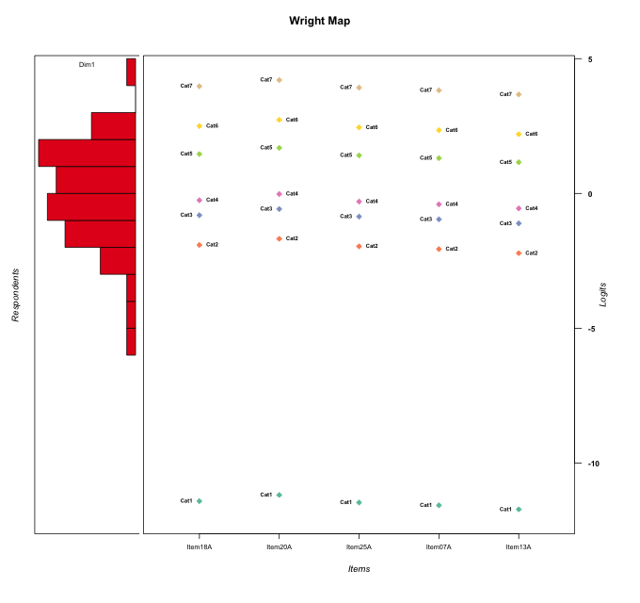
Global information for a measurement model

Information
Number.of.items | Deviance | Log.Likelihood | Number.of.persons | EAP.rel | n.theta.nodes | irt.model
5 | 740.54417613 | -370.27208807 | 51 | 0.91970183214 | 21 | RSM

Global fit statistic MADaQ3 and test fit
MADaQ3 | maxaQ3 | p
0.11429243536 | 0.30135122514 | 0.36813846314

Test statistic of global fit based on Chi square
maxX2 | Npairs | p.holm
159.50068468 | 10 | 1.2700951402E-12

Model fit statistics
X100.MADCOV | SRMR | SRMSR
25.665118034 | 0.039403278741 | 0.055774071974

Chi square tests for every item pairs
index1 | index2 | maxK1 | maxK2 | df | chi2 | p | p.holm
1 | 2 | 7 | 7 | 49 | 37.112530551 | 0.89355096699 | 1
1 | 3 | 7 | 7 | 49 | 29.684241494 | 0.98678629174 | 1
1 | 4 | 7 | 7 | 49 | 44.827868912 | 0.64287158171 | 1
1 | 5 | 7 | 7 | 49 | 159.50068468 | 1.2700951402E-13 | 1.2700951402E-12
2 | 3 | 7 | 7 | 49 | 32.6405899 | 0.9651598159 | 1
2 | 4 | 7 | 7 | 49 | 36.586087371 | 0.90490501144 | 1
2 | 5 | 7 | 7 | 49 | 30.659443019 | 0.98137470517 | 1
3 | 4 | 7 | 7 | 49 | 68.722350892 | 0.032911384852 | 0.29620246366
3 | 5 | 7 | 7 | 49 | 44.742763854 | 0.64626830812 | 1
4 | 5 | 7 | 7 | 49 | 36.415463555 | 0.90840869245 | 1

Item residuals
Item18A | Item20A | Item25A | Item07A | Item13A
0.29776954851 | 0.36066255839 | 0.28519871592 | 0.26150024183 | 0.22917719524
0.56787845441 | 0.75071808682 | -0.47214414464 | -0.55119814406 | 0.33259407452
0.56787845441 | 0.75071808682 | -0.47214414464 | -0.55119814406 | 0.33259407452
-0.24408945567 | -0.060314567628 | -0.28476678344 | 0.63436634301 | 0.51417561104
0.49882871566 | -0.32863618964 | -0.5394787049 | 1.3837866182 | -0.73250720814
-0.24408945567 | -0.060314567628 | -0.28476678344 | 0.63436634301 | 0.51417561104
0.49882871566 | 0.67136381036 | 0.4605212951 | -0.61621338182 | -0.73250720814
0.43492911809 | 0.65475475446 | 0.38831951436 | -1.7023486607 | 0.16710734012
-0.13128101149 | 0.049714092068 | -0.17029201257 | 0.75268757135 | -0.36166907809
-0.23321364408 | -0.03588024878 | -0.27986397318 | -0.3757318928 | 0.47431353979
0.43492911809 | 0.65475475446 | 0.38831951436 | -1.7023486607 | 0.16710734012
-0.56507088191 | -0.34524524554 | 1.3883195144 | 0.29765133934 | -0.83289265988
1.2036183899 | 1.4427779235 | -1.8500437014 | -1.957106328 | 0.88350702165
0.62636417283 | -0.14164788021 | 0.57676313547 | -1.5199459809 | 0.34070895355
0.30541073808 | -0.57301079891 | -0.72437492667 | -0.7870301898 | 1.1106225856
1.3142797362 | 0.48859871387 | 0.27525808895 | 0.19689399465 | -1.9220682941
-1.3736358272 | -1.1416478802 | 0.57676313547 | 0.48005401913 | 1.3407089536
-0.87096838862 | -0.69292693911 | -0.9108816701 | 2.0090433807 | 0.8879392672
0.47564799398 | 0.56925722417 | -0.54743178346 | -0.59620268499 | -0.67660260536
2.4988287157 | -0.32863618964 | -0.5394787049 | 0.38378661818 | -1.7325072081
-0.43212154559 | 0.75071808682 | -0.47214414464 | 1.4488018559 | -0.66740592548
1.2442024315 | -0.55018727088 | 0.20069239042 | -0.88407006032 | -0.0067935545989
-0.68572026381 | -0.51140128613 | 0.27525808895 | 1.1968939947 | 0.077931705864
0.37932453044 | 0.55745517962 | -0.65917967789 | 0.26528800648 | 0.1555177154
-0.4185391497 | -0.20218247172 | 0.53112843767 | -0.57131573768 | 0.27111250492
-1.2440894557 | 1.9396854324 | -0.28476678344 | 0.63436634301 | -0.48582438896
-0.21420888272 | -0.17406728681 | -0.22418368869 | -0.24537554208 | -0.28068955938
-0.50117128434 | -0.32863618964 | 1.4605212951 | -0.61621338182 | 0.26749279186
-0.60574724985 | -0.37530642171 | -0.6584252596 | 0.23541518799 | 1.0748152794
-0.23321364408 | -1.0358802488 | -0.27986397318 | -0.3757318928 | 1.4743135398
-0.21420888272 | -0.17406728681 | -0.22418368869 | -0.24537554208 | -0.28068955938
-0.80914020868 | 1.3599861881 | 1.1547806613 | 1.0844964043 | -2.0164996293
-0.52435200602 | -0.43074277583 | 0.45256821654 | -0.59620268499 | 0.32339739464
1.3942527502 | -1.3753064217 | 1.3415747404 | -1.764584812 | 0.074815279423
-0.13128101149 | 1.0497140921 | 1.8297079874 | -2.2473124286 | -0.36166907809
-1.1312810115 | 0.049714092068 | -0.17029201257 | -0.24731242865 | 1.6383309219
-0.94454869877 | 0.2473548268 | 0.014608427718 | 0.93461770874 | -0.18249608434
0.5814608503 | -0.20218247172 | -0.46887156233 | 0.42868426232 | -0.72888749508
-0.21420888272 | -0.17406728681 | -0.22418368869 | -0.24537554208 | -0.28068955938
1.2036183899 | 0.44277792352 | -0.85004370137 | 0.042893671954 | -1.1164929783
-0.94454869877 | 0.2473548268 | 0.014608427718 | -0.065382291263 | 0.81750391566
0.055451301231 | 0.2473548268 | 0.014608427718 | -0.065382291263 | -0.18249608434
0.95023012634 | -0.87537241755 | -0.091595596943 | -0.17833131567 | -0.31624174443
-0.24408945567 | -0.060314567628 | -0.28476678344 | 0.63436634301 | 0.51417561104
-1.0497698737 | -0.87537241755 | -1.0915955969 | 1.8216686843 | 0.68375825557
-0.75579756849 | -1.5501872709 | 0.20069239042 | 2.1159299397 | -0.0067935545989
0.055451301231 | 0.2473548268 | 0.014608427718 | -0.065382291263 | -0.18249608434
-0.50117128434 | -0.32863618964 | 1.4605212951 | 0.38378661818 | -0.73250720814
0.13005998927 | 0.27886807461 | 0.093937272307 | -0.98156955138 | -0.10341552329
0.24420243151 | -0.55018727088 | -0.79930760958 | 1.1159299397 | -0.0067935545989
-0.50117128434 | -0.32863618964 | 0.4605212951 | 0.38378661818 | 0.26749279186

Wright Map for Item Response Models

Estimate-Items
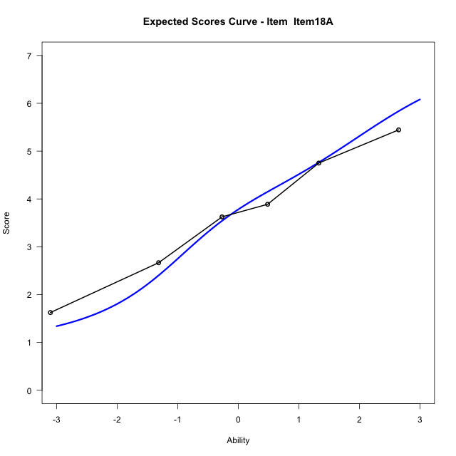
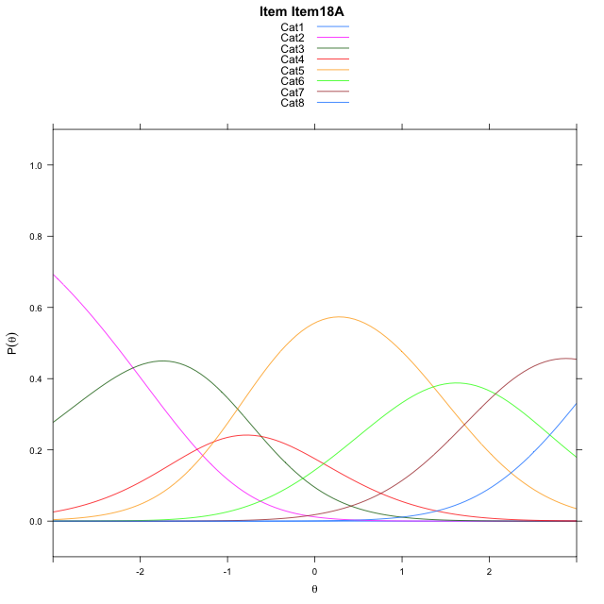
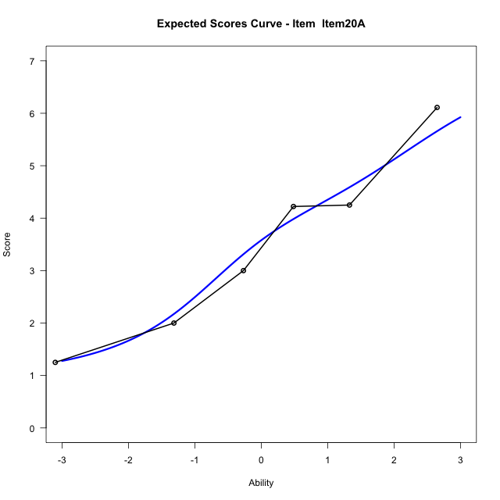
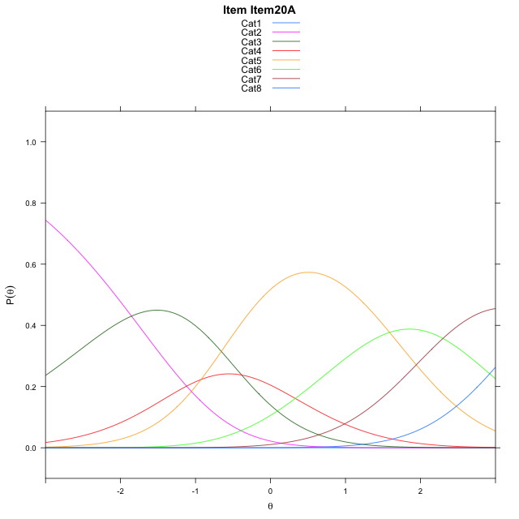
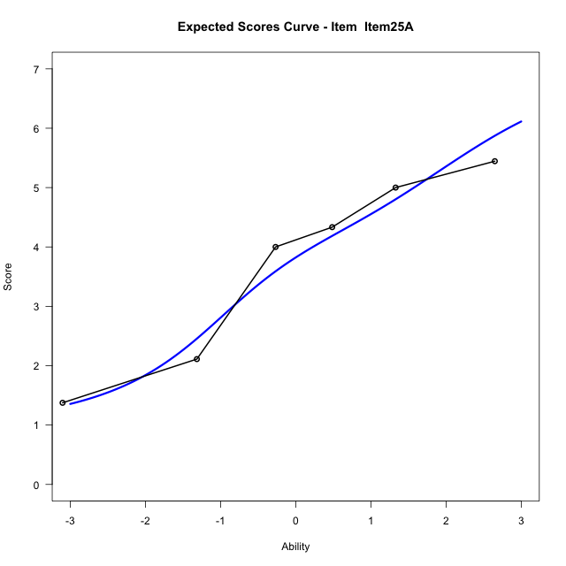
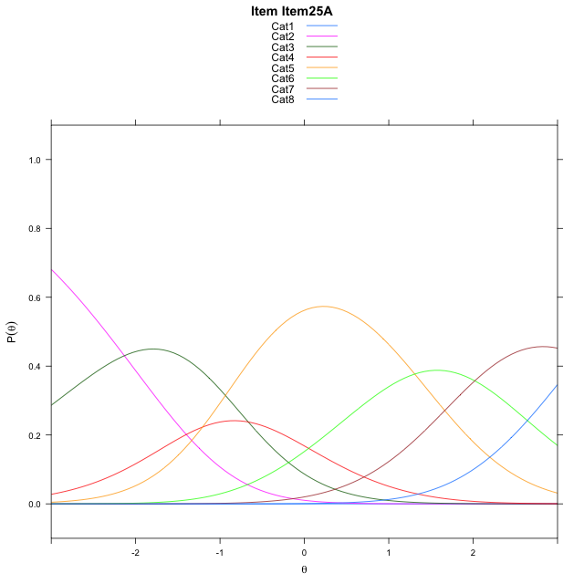
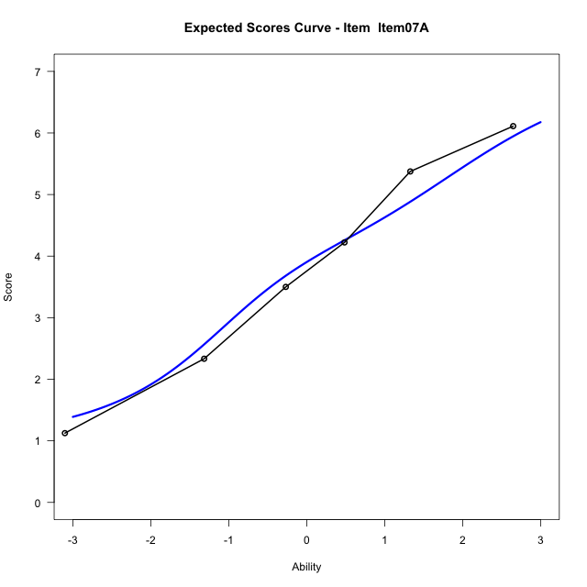
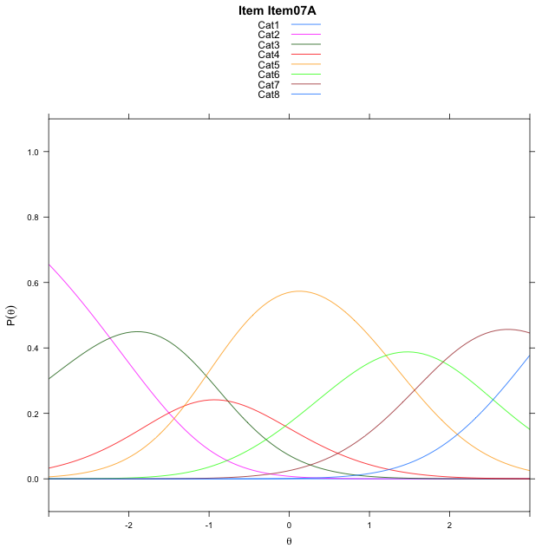
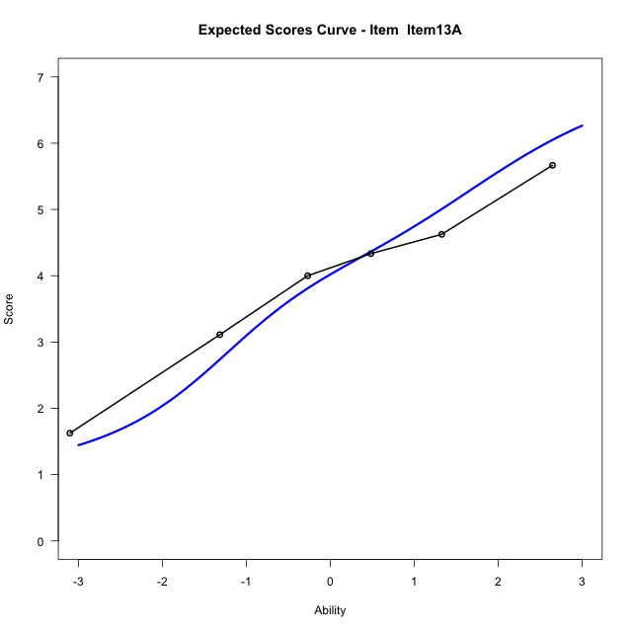
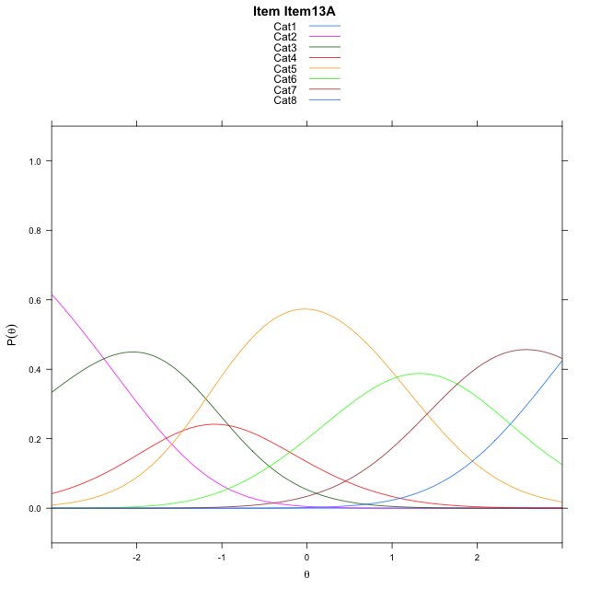
Estimate items information for the measurement model

Full Item Information
item | N | M | xsi.item | AXsi_.Cat1 | AXsi_.Cat2 | AXsi_.Cat3 | AXsi_.Cat4 | AXsi_.Cat5 | AXsi_.Cat6 | AXsi_.Cat7 | B.Cat1.Dim1 | B.Cat2.Dim1 | B.Cat3.Dim1 | B.Cat4.Dim1 | B.Cat5.Dim1 | B.Cat6.Dim1 | B.Cat7.Dim1
Item18A | 51 | 3.6862745098 | -1.290560786 | -11.925913216 | -14.008938019 | -14.623273819 | -15.779578554 | -14.421084486 | -12.351331228 | -9.0339255017 | 1 | 2 | 3 | 4 | 5 | 6 | 7
Item20A | 51 | 3.5098039216 | -1.061275012 | -11.696627442 | -13.550366471 | -13.935416497 | -14.862435459 | -13.274655616 | -10.975616584 | -7.4289250841 | 1 | 2 | 3 | 4 | 5 | 6 | 7
Item25A | 51 | 3.7254901961 | -1.3412895132 | -11.976641943 | -14.110395474 | -14.775460001 | -15.982493463 | -14.674728122 | -12.655703591 | -9.3890265925 | 1 | 2 | 3 | 4 | 5 | 6 | 7
Item07A | 51 | 3.8039215686 | -1.4424302075 | -12.077782638 | -14.312676862 | -15.078882083 | -16.38705624 | -15.180431593 | -13.262547757 | -10.097011452 | 1 | 2 | 3 | 4 | 5 | 6 | 7
Item13A | 51 | 3.9215686275 | -1.5941647273 | -12.229517158 | -14.616145902 | -15.534085643 | -16.99399432 | -15.939104192 | -14.172954876 | -11.159153091 | 1 | 2 | 3 | 4 | 5 | 6 | 7

Thurstonian Thresholds (category-wise)
 | Cat1 | Cat2 | Cat3 | Cat4 | Cat5 | Cat6 | Cat7
Item18A | -11.926300049 | -2.3020935059 | -1.079864502 | -0.54611206055 | 1.1170349121 | 2.172088623 | 3.5440979004
Item20A | -11.697052002 | -2.072845459 | -0.85061645508 | -0.31686401367 | 1.3464660645 | 2.4013366699 | 3.7733459473
Item25A | -11.977020264 | -2.3528137207 | -1.1305847168 | -0.59683227539 | 1.0663146973 | 2.1213684082 | 3.4933776855
Item07A | -11.999908447 | -2.4542541504 | -1.2320251465 | -0.69827270508 | 0.96505737305 | 2.0199279785 | 3.3919372559
Item13A | -11.999908447 | -2.606048584 | -1.3838195801 | -0.8498840332 | 0.81326293945 | 1.8683166504 | 3.2401428223

Thurstonian Thresholds (item-wise)
 | Threshold
Item18A | -0.29171233804
Item20A | -0.074903235588
Item25A | -0.34280061424
Item07A | -0.44882220224
Item13A | -0.61431725343

Item Infit/Outfit Statistic
parameter | Outfit | Outfit_t | Outfit_p | Outfit_pholm | Infit | Infit_t | Infit_p | Infit_pholm
Item18A | 0.96711388918 | -0.090997950148 | 0.92749421985 | 1 | 0.97632951845 | -0.076200442021 | 0.93925963103 | 1
Item20A | 0.76643550985 | -1.0359792543 | 0.30021182104 | 1 | 0.79769139037 | -1.026479797 | 0.30466548176 | 1
Item25A | 0.7900992219 | -0.95257327322 | 0.34080632422 | 1 | 0.82568478575 | -0.87569520273 | 0.38119575401 | 1
Item07A | 1.3625822263 | 1.5165288097 | 0.12938569118 | 0.90569983824 | 1.4213845793 | 1.9004365112 | 0.057375859312 | 0.40163101518
Item13A | 0.97958824968 | -0.051808682915 | 0.95868113688 | 1 | 0.95435961695 | -0.18943974987 | 0.84974817256 | 1
Cat1 | 1.0620562397 | 14.014455372 | 1.2717010894E-44 | 1.1445309805E-43 | 1.6265345062 | 2.0690466148 | 0.03854171261 | 0.30833370088
Cat2 | 1.4139622843 | 0.83776582863 | 0.40216223389 | 1 | 1.5219701614 | 3.6317714974 | 0.00028148231155 | 0.0028148231155
Cat3 | 1.0760872772 | 0.71221525032 | 0.47633149476 | 1 | 1.1159556705 | 0.96468060396 | 0.33470481311 | 1
Cat4 | 1.1668571653 | 3.9494754659 | 7.8322637843E-05 | 0.00062658110274 | 1.2595825177 | 2.3664387524 | 0.017960145695 | 0.16164131126
Cat5 | 1.0261392699 | 109.65635931 | 0 | 0 | 1.5381868252 | 5.9784109015 | 2.2532479585E-09 | 2.4785727543E-08
Cat6 | 0.93898051967 | 4902.4462786 | 0 | 0 | 1.1711665427 | 1.27910592 | 0.2008597592 | 1

Box plot of expected curves

