Global-info
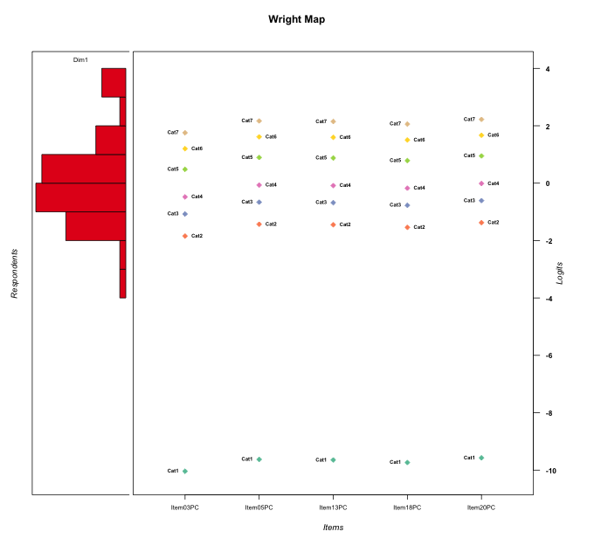
Global information for a measurement model

Information
Number.of.items | Deviance | Log.Likelihood | Number.of.persons | EAP.rel | n.theta.nodes | irt.model
5 | 801.4812343 | -400.74061715 | 51 | 0.90036404038 | 21 | RSM

Global fit statistic MADaQ3 and test fit
MADaQ3 | maxaQ3 | p
0.13328231721 | 0.32408199165 | 0.24748501451

Test statistic of global fit based on Chi square
maxX2 | Npairs | p.holm
202.25472538 | 10 | 0

Model fit statistics
X100.MADCOV | SRMR | SRMSR
22.317592424 | 0.048130370411 | 0.057740417888

Chi square tests for every item pairs
index1 | index2 | maxK1 | maxK2 | df | chi2 | p | p.holm
1 | 2 | 7 | 7 | 49 | 51.571860732 | 0.37353471339 | 1
1 | 3 | 7 | 7 | 49 | 94.915484734 | 9.2015476983E-05 | 0.0005520928619
1 | 4 | 7 | 7 | 49 | 139.42084529 | 1.3073375715E-10 | 9.1513630007E-10
1 | 5 | 7 | 7 | 49 | 188.40149958 | 0 | 0
2 | 3 | 7 | 7 | 49 | 190.75940409 | 0 | 0
2 | 4 | 7 | 7 | 49 | 57.537427939 | 0.18852280257 | 0.94261401284
2 | 5 | 7 | 7 | 49 | 46.591230722 | 0.57132192968 | 1
3 | 4 | 7 | 7 | 49 | 25.319991688 | 0.99797369908 | 1
3 | 5 | 7 | 7 | 49 | 202.25472538 | 0 | 0
4 | 5 | 7 | 7 | 49 | 39.501007643 | 0.83175083748 | 1

Item residuals
Item03PC | Item05PC | Item13PC | Item18PC | Item20PC
0.71383263 | -0.75538274113 | 1.2218319561 | -0.89257063254 | -0.68736705075
0.3155995096 | -0.20967484641 | -0.22881047166 | -1.3266181175 | 0.84676593114
-0.25830798036 | 0.13200136183 | 0.11696463428 | 0.039220754332 | -0.82397220393
-0.51819597002 | 1.0114283187 | -0.012213419923 | -0.12963722941 | 0.082545507208
-0.21216633451 | 0.31433235501 | 0.29103518833 | -0.82451714669 | 0.38454366981
1.1852364331 | -0.54407489326 | -0.55406896476 | -0.6062576189 | -0.51499169384
-0.96221393896 | -0.42755887015 | 1.5492148931 | 0.43333393708 | -0.35782717406
1.303050277 | 0.8210007728 | -0.20253685689 | -0.31896963678 | -1.1080280708
0.78783366549 | -2.685667645 | 1.2910351883 | 1.1754828533 | -0.61545633019
-0.027193890309 | 0.50260612756 | -1.5208820462 | -0.63740959532 | 1.5733581216
-0.39676501342 | 1.128881248 | -0.89427210114 | -0.0092102029118 | 0.19863539518
-1.962213939 | 1.5724411298 | 0.54921489306 | 1.4333339371 | -1.3578271741
0.15809801788 | 0.69204735778 | 0.66840845625 | 0.55097736201 | -2.2368356522
0.74169201964 | -0.86799863817 | 1.1169646343 | -0.96077924567 | -0.82397220393
0.03778606104 | 0.57244112985 | 0.54921489306 | -0.56666606292 | -0.35782717406
1.48180403 | 2.0114283187 | -2.0122134199 | -0.12963722941 | -0.91745449279
-0.14771245195 | 0.38874719824 | 0.36536676927 | -0.7512858231 | 0.45892079986
-0.65860403617 | -1.1218951792 | -0.1455277436 | 0.73679173356 | 0.94906665624
-0.39166580306 | -0.25662903291 | -0.26147981938 | -0.28695554515 | -0.2425596426
-1.4753018511 | 0.060802678172 | 1.037436123 | -1.0793314937 | 1.1307841909
-3.7738649586 | -0.24274775188 | 0.7341280575 | 1.6189107365 | 1.8267515632
-1.5840277229 | 0.94350216162 | -1.0795930134 | 0.80555969586 | 1.0130079607
-0.65860403617 | 0.87810482085 | 1.8544722564 | -1.2632082664 | -1.0509333438
0.78783366549 | -0.68566764499 | -0.70896481167 | 0.17548285331 | 0.38454366981
-0.28616737 | -0.75538274113 | -0.77816804393 | 2.1074293675 | -0.68736705075
1.9633086481 | -0.70264476118 | -0.71522957707 | -0.78064353261 | -0.66591887804
0.18663829079 | 0.31029905936 | 0.30351287574 | 0.27177644306 | 0.3315643561
0.11197887077 | -0.38642859172 | 0.59290029666 | -0.5121193469 | -0.32521479137
0.34139596383 | -1.1218951792 | 0.8544722564 | 0.73679173356 | -1.0509333438
0.18663829079 | 0.31029905936 | 0.30351287574 | 0.27177644306 | 0.3315643561
0.18663829079 | 0.31029905936 | 0.30351287574 | 0.27177644306 | 0.3315643561
0.18663829079 | 0.31029905936 | 0.30351287574 | 0.27177644306 | 0.3315643561
0.30305027704 | -3.1789992272 | 0.79746314311 | 1.6810303632 | 0.8919719292
1.9107841185 | -1.5695089402 | -0.59139197642 | 1.2981085642 | -1.5044395475
0.3155995096 | -0.20967484641 | -0.22881047166 | -1.3266181175 | 0.84676593114
-0.21216633451 | 1.314332355 | 0.29103518833 | 0.17548285331 | -1.6154563302
-0.77386495858 | 0.75725224812 | -0.2658719425 | 0.61891073646 | -0.17324843676
1.48180403 | 2.0114283187 | -4.0122134199 | -1.1296372294 | 2.0825455072
-1.0366913519 | -0.70264476118 | -0.71522957707 | 2.2193564674 | -0.66591887804
-1.3331176057 | -0.79790252851 | 1.1785509203 | 0.061252348156 | 1.2728167546
-0.21216633451 | 0.31433235501 | 0.29103518833 | -0.82451714669 | 0.38454366981
0.22613504142 | 0.75725224812 | -0.2658719425 | -0.38108926354 | -0.17324843676
0.18663829079 | 0.31029905936 | 0.30351287574 | 0.27177644306 | 0.3315643561
0.15809801788 | 0.69204735778 | -0.33159154375 | -0.44902263799 | -0.23683565223
-0.036691351912 | 0.29735523882 | -0.71522957707 | -0.78064353261 | 0.33408112196
0.60323498658 | 0.12888124798 | -0.89427210114 | -1.0092102029 | 1.1986353952
-1.0366913519 | -0.70264476118 | 0.28477042293 | 0.21935646739 | 0.33408112196
-0.84190198212 | -0.30795264222 | -0.33159154375 | 0.55097736201 | 0.76316434777
-0.32461145858 | 0.053746683276 | 1.0348227009 | -0.056332680057 | 0.11181494192
1.7878336655 | -0.68566764499 | -0.70896481167 | -0.82451714669 | 0.38454366981
1.48180403 | 0.011428318659 | -0.012213419923 | -0.12963722941 | -0.91745449279

Wright Map for Item Response Models

Estimate-Items
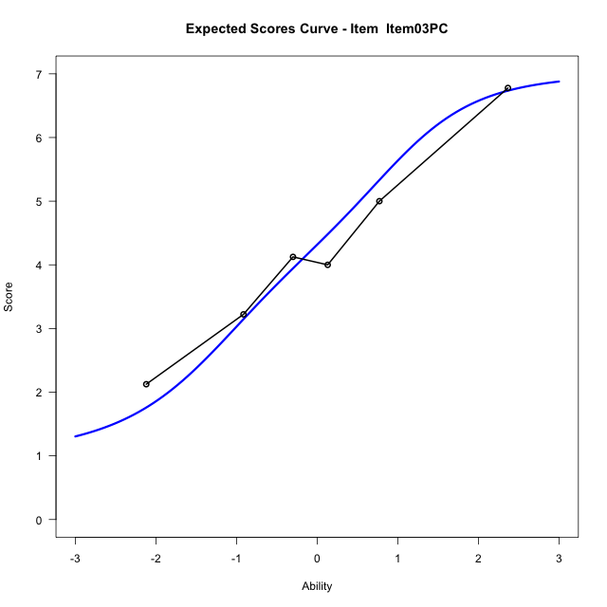
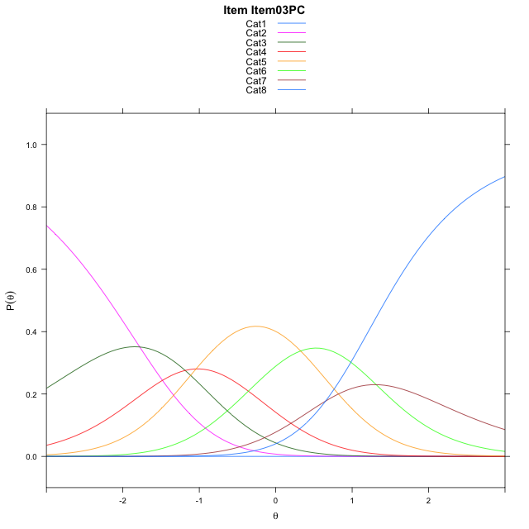
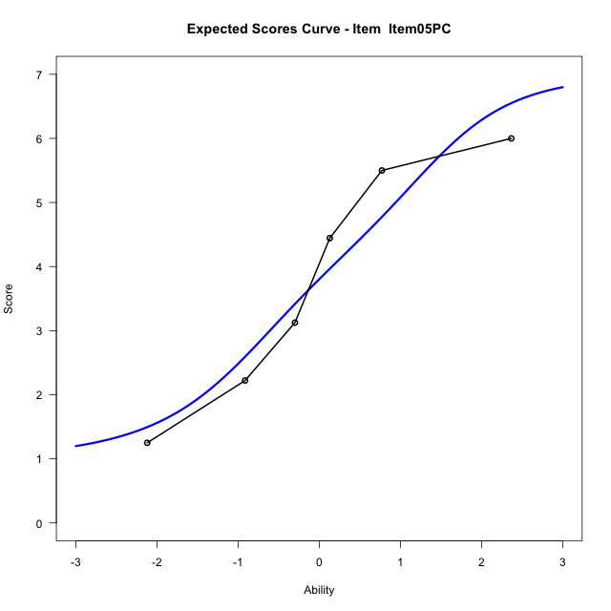
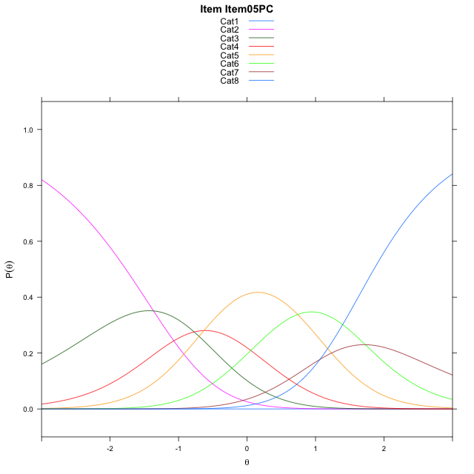
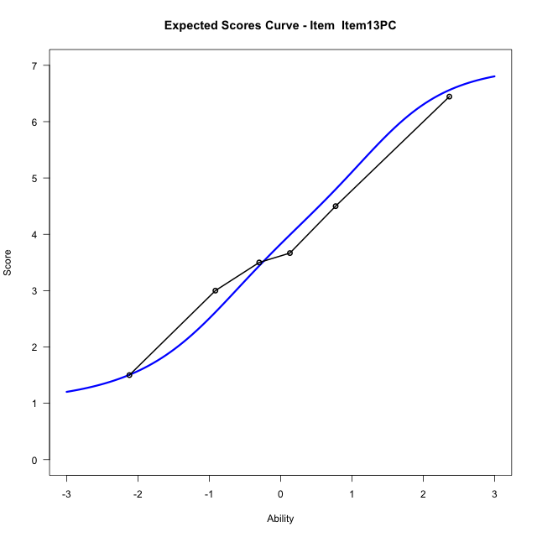
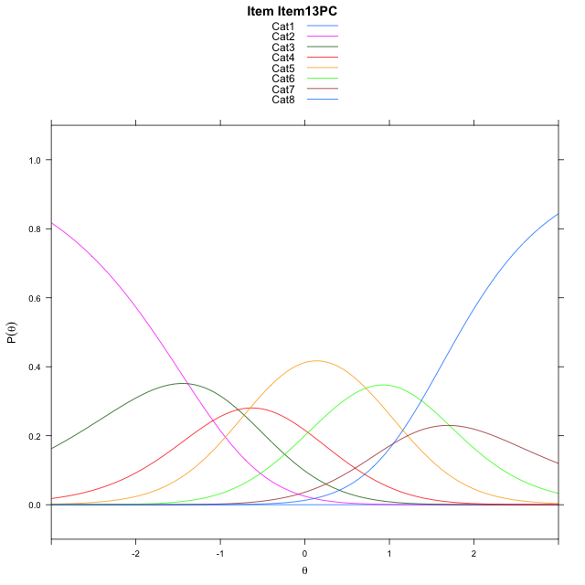
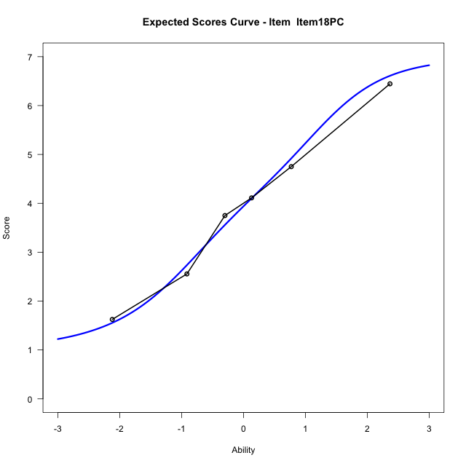
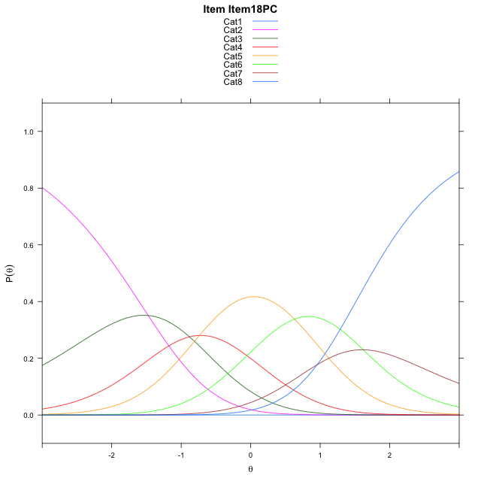
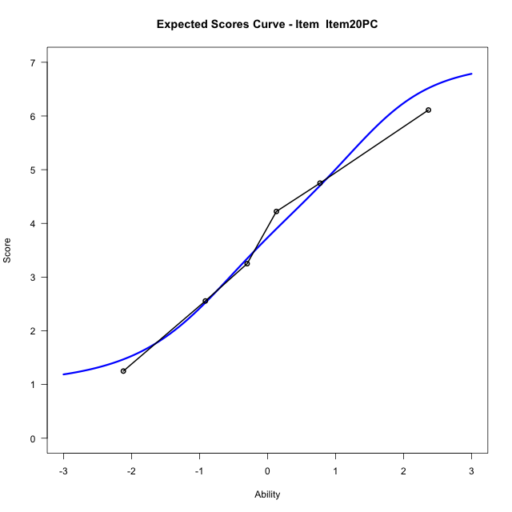
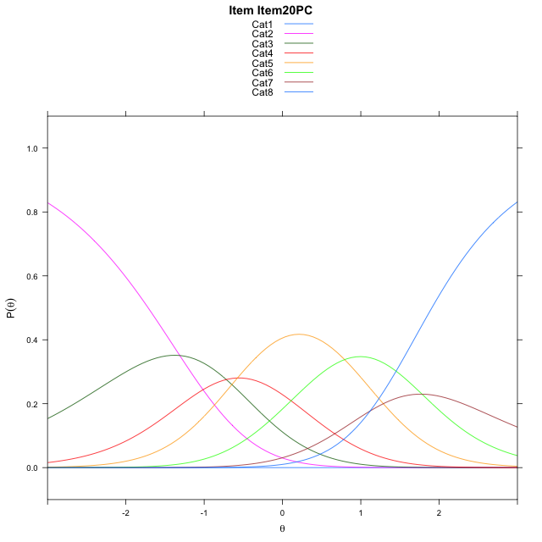
Estimate items information for the measurement model

Full Item Information
item | N | M | xsi.item | AXsi_.Cat1 | AXsi_.Cat2 | AXsi_.Cat3 | AXsi_.Cat4 | AXsi_.Cat5 | AXsi_.Cat6 | AXsi_.Cat7 | B.Cat1.Dim1 | B.Cat2.Dim1 | B.Cat3.Dim1 | B.Cat4.Dim1 | B.Cat5.Dim1 | B.Cat6.Dim1 | B.Cat7.Dim1
Item03PC | 51 | 4.2352941176 | -1.7517056875 | -10.549332476 | -12.328489825 | -13.513442196 | -14.555392038 | -14.22934907 | -12.915165757 | -12.261939813 | 1 | 2 | 3 | 4 | 5 | 6 | 7
Item05PC | 51 | 3.7843137255 | -1.3391995522 | -10.136826341 | -11.503477554 | -12.27592379 | -12.905367497 | -12.166818394 | -10.440128945 | -9.3743968653 | 1 | 2 | 3 | 4 | 5 | 6 | 7
Item13PC | 51 | 3.8039215686 | -1.3573209538 | -10.154947743 | -11.539720357 | -12.330287995 | -12.977853103 | -12.257425402 | -10.548857355 | -9.5012466764 | 1 | 2 | 3 | 4 | 5 | 6 | 7
Item18PC | 51 | 3.9019607843 | -1.447451964 | -10.245078753 | -11.719982378 | -12.600681025 | -13.338377144 | -12.708080453 | -11.089643416 | -10.132163748 | 1 | 2 | 3 | 4 | 5 | 6 | 7
Item20PC | 51 | 3.7254901961 | -1.2846935674 | -10.082320356 | -11.394465584 | -12.112405835 | -12.687343558 | -11.89428847 | -10.113093036 | -8.9928549719 | 1 | 2 | 3 | 4 | 5 | 6 | 7

Thurstonian Thresholds (category-wise)
 | Cat1 | Cat2 | Cat3 | Cat4 | Cat5 | Cat6 | Cat7
Item03PC | -10.550079346 | -2.1823425293 | -1.3329162598 | -0.74716186523 | 0.20645141602 | 0.94619750977 | 1.4398498535
Item05PC | -10.137359619 | -1.7696228027 | -0.9201965332 | -0.33444213867 | 0.61917114258 | 1.3589172363 | 1.8525695801
Item13PC | -10.155487061 | -1.7877502441 | -0.93832397461 | -0.35256958008 | 0.60104370117 | 1.3407897949 | 1.8344421387
Item18PC | -10.245758057 | -1.8780212402 | -1.0287780762 | -0.44284057617 | 0.51058959961 | 1.2505187988 | 1.7439880371
Item20PC | -10.082794189 | -1.715057373 | -0.86563110352 | -0.27987670898 | 0.67373657227 | 1.413482666 | 1.9071350098

Thurstonian Thresholds (item-wise)
 | Threshold
Item03PC | -0.6476098702
Item05PC | -0.23036790205
Item13PC | -0.24823229318
Item18PC | -0.33797178372
Item20PC | -0.17693338182

Item Infit/Outfit Statistic
parameter | Outfit | Outfit_t | Outfit_p | Outfit_pholm | Infit | Infit_t | Infit_p | Infit_pholm
Item03PC | 1.1531371505 | 0.61579482398 | 0.53802994399 | 1 | 1.174558438 | 0.86311887122 | 0.38807211328 | 1
Item05PC | 0.9540274058 | -0.13151011657 | 0.89537178421 | 1 | 1.0683625241 | 0.36911360318 | 0.71204304992 | 1
Item13PC | 0.97248179714 | -0.047030144057 | 0.96248920262 | 1 | 1.0550148251 | 0.30798837894 | 0.75809117509 | 1
Item18PC | 0.94656960196 | -0.20939201103 | 0.83414222881 | 1 | 0.91102299387 | -0.40877327291 | 0.68270605566 | 1
Item20PC | 0.85415908867 | -0.56262140727 | 0.5736927117 | 1 | 0.92702247841 | -0.32620818762 | 0.74426684711 | 1
Cat1 | 0.68085326483 | 4.111273305 | 3.9348309382E-05 | 0.00035413478444 | 1.6290730992 | 3.066550812 | 0.0021654400005 | 0.012992640003
Cat2 | 1.4514318678 | 0.71293495294 | 0.47588600908 | 1 | 1.6402012575 | 5.2284149342 | 1.7096946472E-07 | 1.5387251825E-06
Cat3 | 1.4460610149 | 0.75800033297 | 0.4484507834 | 1 | 1.4499124406 | 4.4667923539 | 7.9401129682E-06 | 6.3520903745E-05
Cat4 | 1.8100692704 | 1.0766762217 | 0.2816249389 | 1 | 1.408875762 | 5.2837505038 | 1.2656559489E-07 | 1.2656559489E-06
Cat5 | 1.2857101242 | 6.7919968755 | 1.1059194482E-11 | 1.1059194482E-10 | 1.4743447076 | 5.6582571212 | 1.5291792476E-08 | 1.6820971723E-07
Cat6 | 1.1398452371 | 112.37099828 | 0 | 0 | 1.8928760308 | 3.7533899093 | 0.00017445917043 | 0.001221214193

Box plot of expected curves

