Global-info
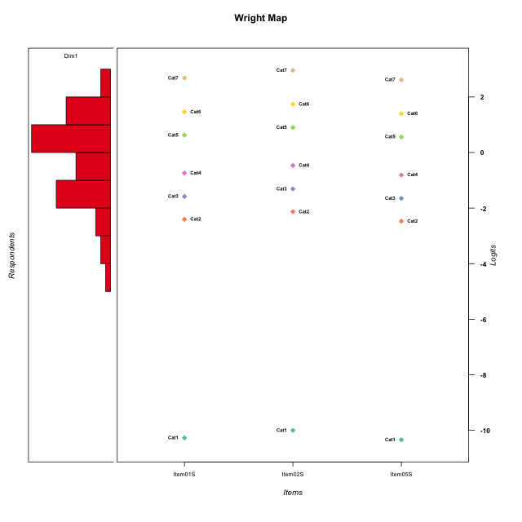
Global information for a measurement model

Information
Number.of.items | Deviance | Log.Likelihood | Number.of.persons | EAP.rel | n.theta.nodes | irt.model
3 | 494.07207581 | -247.0360379 | 51 | 0.86681317992 | 21 | RSM

Global fit statistic MADaQ3 and test fit
MADaQ3 | maxaQ3 | p
0.20812518926 | 0.3121877839 | 0.091646520068

Test statistic of global fit based on Chi square
maxX2 | Npairs | p.holm
67.236227447 | 3 | 0.12849778897

Model fit statistics
X100.MADCOV | SRMR | SRMSR
25.84370361 | 0.067710275122 | 0.077568672476

Chi square tests for every item pairs
index1 | index2 | maxK1 | maxK2 | df | chi2 | p | p.holm
1 | 2 | 7 | 7 | 49 | 25.084119234 | 0.99820196622 | 1
1 | 3 | 7 | 7 | 49 | 30.624362479 | 0.98159556114 | 1
2 | 3 | 7 | 7 | 49 | 67.236227447 | 0.042832596324 | 0.12849778897

Item residuals
Item01S | Item02S | Item05S
0.36862567169 | 0.46752566918 | 0.34683833206
-0.38821963037 | -0.13880818723 | 0.54870995255
0.72518531968 | 0.98289638675 | -1.3387442502
1.020450382 | -0.72156379374 | -0.044574037232
1.020450382 | 0.27843620626 | -1.0445740372
0.43314575842 | 0.68161075783 | -0.62715869864
-0.094633342433 | 0.1550774674 | -0.15705367502
-1.0946333424 | 0.1550774674 | 0.84294632498
-1.0187439106 | -0.81190682582 | 0.92483068153
-0.91843314476 | -0.64323134318 | 1.0123622551
1.316555488 | -0.4298910346 | -0.74779534208
-0.68344451203 | 0.5701089654 | 0.25220465792
0.8699613132 | 1.0642380725 | -1.174866991
-0.2154715657 | 0.058229575951 | -0.28316386538
0.081566855241 | -0.64323134318 | 0.012362255089
-0.80226034932 | 0.45356204431 | 0.13456523773
-0.38821963037 | -0.13880818723 | 0.54870995255
0.60722453451 | -0.24281820015 | 0.5734600332
-0.72659181753 | 0.43269237024 | -0.77131009821
0.49026338467 | 0.75571672844 | -1.5749743403
0.60722453451 | 0.75718179985 | -0.4265399668
1.316555488 | -0.4298910346 | -0.74779534208
-0.85303209297 | 0.3745376018 | 1.093093243
0.43314575842 | -0.31838924217 | 0.37284130136
0.020450381982 | 0.27843620626 | -0.044574037232
-1.1300386868 | 1.0642380725 | 0.82513300897
-0.6188553753 | -1.3531024306 | 1.3127028396
-0.27481468032 | -0.017103613249 | 0.66125574982
0.61178036963 | 0.86119181277 | -1.4512900475
-0.6188553753 | -0.35310243062 | 0.31270283959
-0.45337904652 | -0.34802041771 | -0.48370937876
1.146967907 | -1.6254623982 | 1.093093243
-0.80226034932 | 0.45356204431 | 0.13456523773
0.3811446247 | 0.64689756938 | -1.6872971604
-0.27481468032 | -0.017103613249 | 0.66125574982
-0.094633342433 | 0.1550774674 | -0.15705367502
0.49026338467 | -0.24428327156 | -0.57497434035
-0.45337904652 | -0.34802041771 | -0.48370937876
1.146967907 | -1.6254623982 | 1.093093243
-0.094633342433 | -0.8449225326 | 0.84294632498
-0.38821963037 | 0.86119181277 | -0.45129004745
0.020450381982 | -0.72156379374 | 0.95542596277
0.081566855241 | -0.64323134318 | 0.012362255089
0.14696790703 | 0.3745376018 | 0.093093242988
-0.094633342433 | 0.1550774674 | -0.15705367502
-0.094633342433 | 2.1550774674 | -2.157053675
1.7251853197 | -0.017103613249 | -1.3387442502
0.43314575842 | -0.31838924217 | 0.37284130136
-1.0187439106 | 0.18809317418 | -0.075169318466
-1.3882196304 | -0.13880818723 | 1.5487099525
-0.50973661533 | -1.2442832716 | 1.4250256597

Wright Map for Item Response Models

Estimate-Items
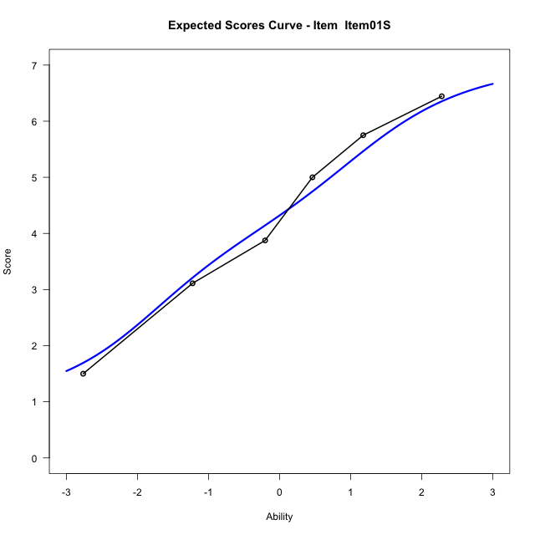
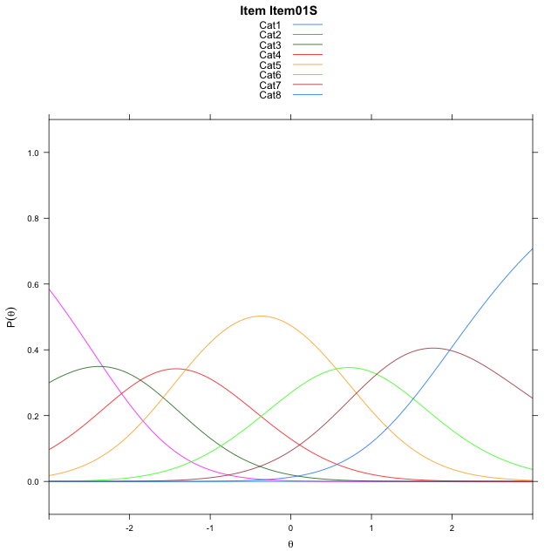
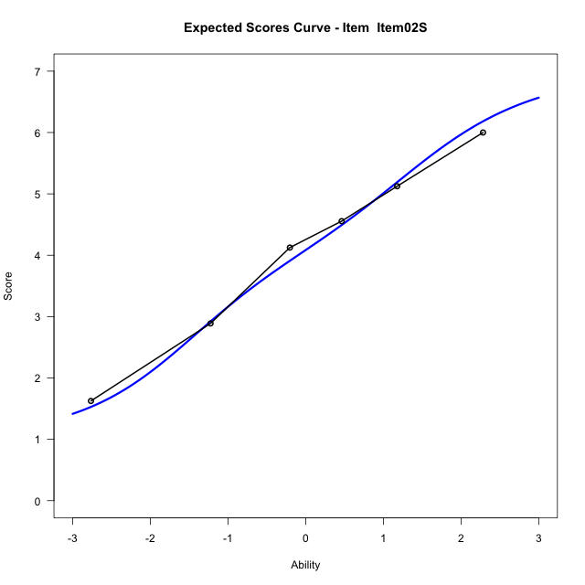
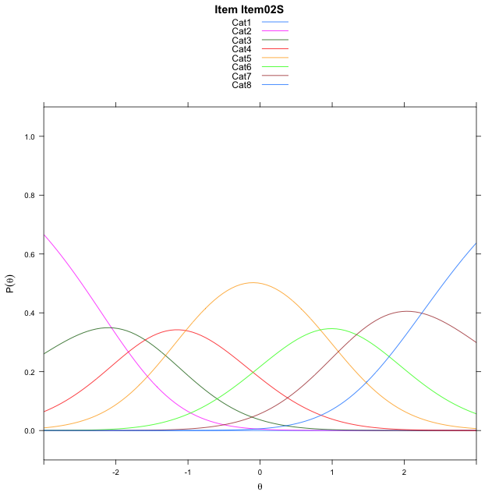
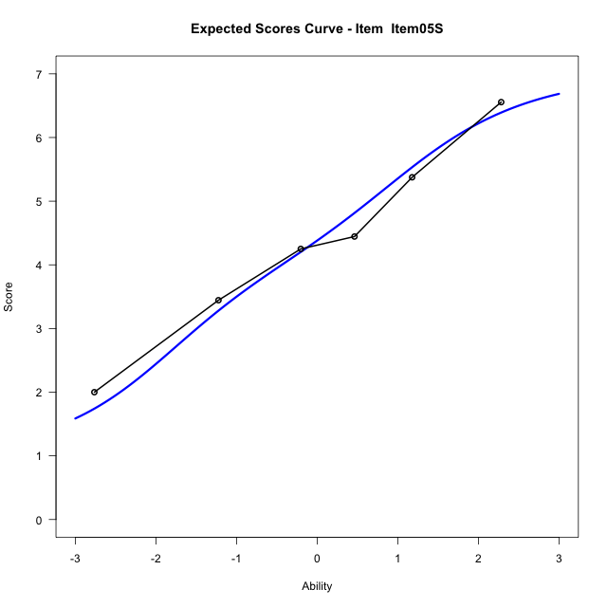
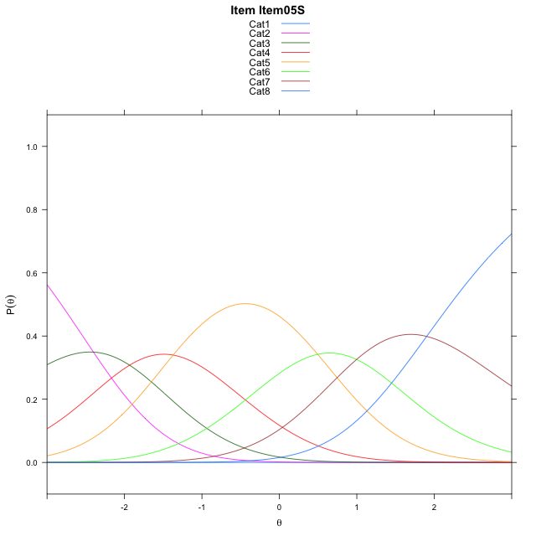
Estimate items information for the measurement model

Full Item Information
item | N | M | xsi.item | AXsi_.Cat1 | AXsi_.Cat2 | AXsi_.Cat3 | AXsi_.Cat4 | AXsi_.Cat5 | AXsi_.Cat6 | AXsi_.Cat7 | B.Cat1.Dim1 | B.Cat2.Dim1 | B.Cat3.Dim1 | B.Cat4.Dim1 | B.Cat5.Dim1 | B.Cat6.Dim1 | B.Cat7.Dim1
Item01S | 51 | 4.3137254902 | -1.8120218884 | -10.781626048 | -13.114093376 | -14.979768592 | -16.282571468 | -15.719390321 | -14.654422838 | -12.684153219 | 1 | 2 | 3 | 4 | 5 | 6 | 7
Item02S | 51 | 4.0784313725 | -1.5400010072 | -10.509605167 | -12.570051613 | -14.163705948 | -15.194487944 | -14.359285916 | -13.022297551 | -10.780007051 | 1 | 2 | 3 | 4 | 5 | 6 | 7
Item05S | 51 | 4.3725490196 | -1.8803124358 | -10.849916596 | -13.25067447 | -15.184640234 | -16.555733658 | -16.060843059 | -15.064166123 | -13.162187051 | 1 | 2 | 3 | 4 | 5 | 6 | 7

Thurstonian Thresholds (category-wise)
 | Cat1 | Cat2 | Cat3 | Cat4 | Cat5 | Cat6 | Cat7
Item01S | -10.782806396 | -2.7475891113 | -1.8641052246 | -1.0544128418 | 0.3166809082 | 1.1640930176 | 2.2735290527
Item02S | -10.51071167 | -2.4756774902 | -1.592010498 | -0.78231811523 | 0.5885925293 | 1.4361877441 | 2.5456237793
Item05S | -10.851287842 | -2.8160705566 | -1.9325866699 | -1.1228942871 | 0.24819946289 | 1.0956115723 | 2.2050476074

Thurstonian Thresholds (item-wise)
 | Threshold
Item01S | -0.91948015515
Item02S | -0.65518544507
Item05S | -0.98930076332

Item Infit/Outfit Statistic
parameter | Outfit | Outfit_t | Outfit_p | Outfit_pholm | Infit | Infit_t | Infit_p | Infit_pholm
Item01S | 0.9143665561 | -0.38548050376 | 0.6998814483 | 1 | 0.90539859222 | -0.46003225931 | 0.64549306557 | 1
Item02S | 0.92978300381 | -0.32591243532 | 0.74449060693 | 1 | 0.88256541685 | -0.59326992939 | 0.55300051977 | 1
Item05S | 1.2199538052 | 0.99425826298 | 0.32009714954 | 1 | 1.1965429293 | 0.97102921239 | 0.33153373184 | 1
Cat1 | 0.66612796076 | 4.1933647092 | 2.74847023E-05 | 0.0001923929161 | 1.2779271079 | 1.2705016201 | 0.20390600612 | 1
Cat2 | 0.92612080922 | 0.28888875134 | 0.77266651204 | 1 | 1.1945890477 | 1.2397878368 | 0.21505387823 | 1
Cat3 | 1.0956537175 | 0.34819710687 | 0.72769216039 | 1 | 1.1764319307 | 1.1889172926 | 0.23447221461 | 1
Cat4 | 1.0620943356 | 0.74345231971 | 0.4572078784 | 1 | 1.1336127632 | 1.2135632805 | 0.22491453607 | 1
Cat5 | 1.1219617504 | 10.811322605 | 3.0425141878E-27 | 2.4340113503E-26 | 1.2943857733 | 3.527054686 | 0.00042020996297 | 0.0037818896668
Cat6 | 1.0912993473 | 252.12557942 | 0 | 0 | 1.2231359574 | 1.668784544 | 0.095160086893 | 0.76128069514

Box plot of expected curves

