Assumptions
ANOVA assumptions for Interest/Enjoyment

Shapiro-Wilk normality test for Interest/Enjoyment
W | p.value
0.9779157287 | 0.41626376509

Plots for normality test
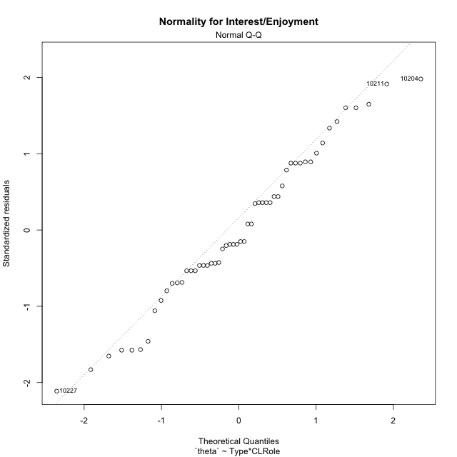

Levene's Test for Homogeneity of Variance in Interest/Enjoyment
Df | F value | Pr(>F)
3 | 1.6804429939 | 0.18309158995
50

Plots for homogeneity of variance
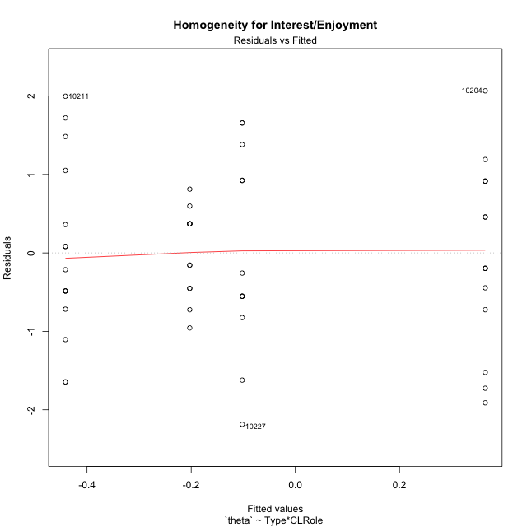

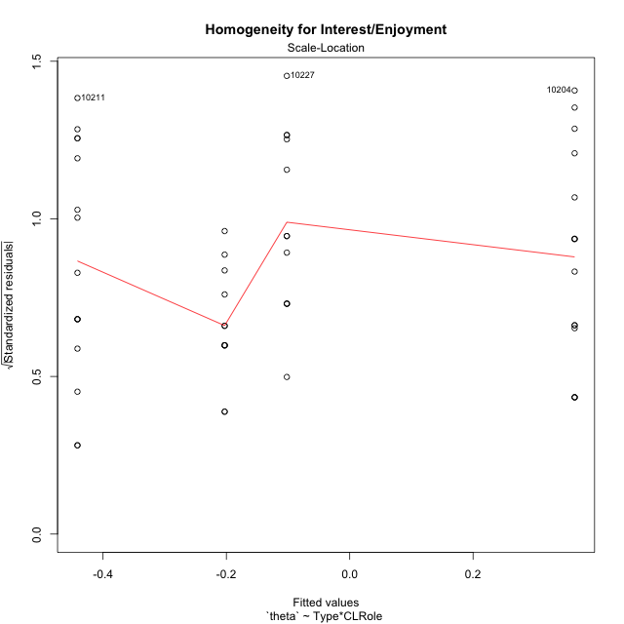

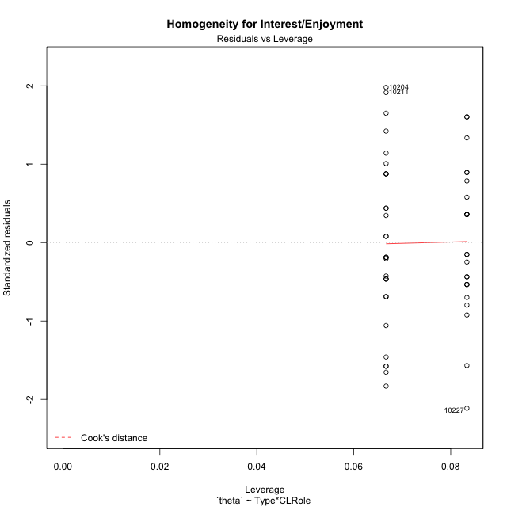

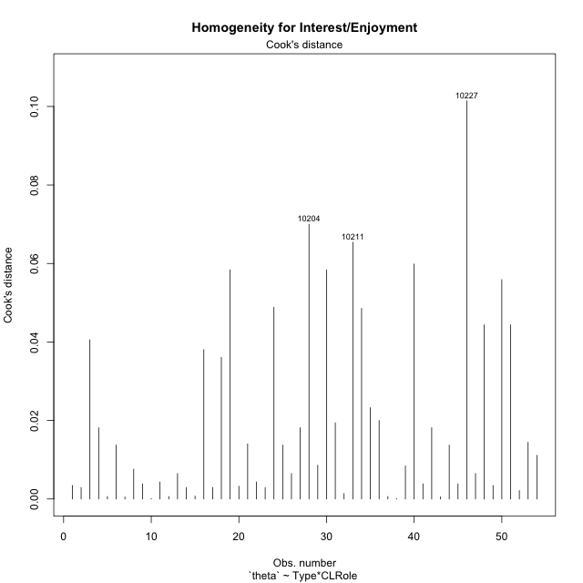

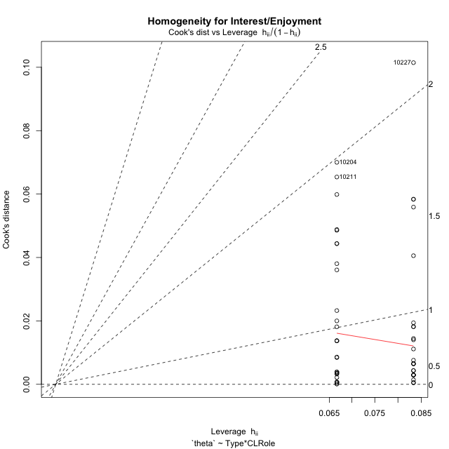

Minimum Sample Size Test for Interest/Enjoyment
Type | CLRole | Freq
non-gamified | Apprentice | 12
ont-gamified | Apprentice | 12
non-gamified | Master | 15
ont-gamified | Master | 15

Errors and Warnings in Sample Size Test for ANOVA in Interest/Enjoyment
code | description
WARN: sample.size | current.size is = 12 and recommended.size must be = 15 for the group: 'non-gamified:Apprentice'. Size sample for parametric test isn't recomended
WARN: sample.size | current.size is = 12 and recommended.size must be = 15 for the group: 'ont-gamified:Apprentice'. Size sample for parametric test isn't recomended

For the group: 'non-gamified:Apprentice', we recommend the use of non parametric test. For the group: 'ont-gamified:Apprentice', we recommend the use of non parametric test. For the group: 'non-gamified:Master', you can perform a parametric test with a non-normal distribution For the group: 'ont-gamified:Master', you can perform a parametric test with a non-normal distribution

If you don't want to remove non-normal data, you must cite the following references: ... (1) Lix, L.M., J.C. Keselman, and H.J. Keselman. 1996. Consequences of assumption violations revisited: A quantitative review of alternatives to the one-way analysis of variance F test. Rev. Educ. Res. 66: 579-619. ... (2) Harwell, M.R., E.N. Rubinstein, W.S. Hayes, and C.C. Olds. 1992. Summarizing Monte Carlo results in methodological research: the one- and two-factor fixed effects ANOVA cases. J. Educ. Stat. 17: 315-339.

Post-hoc
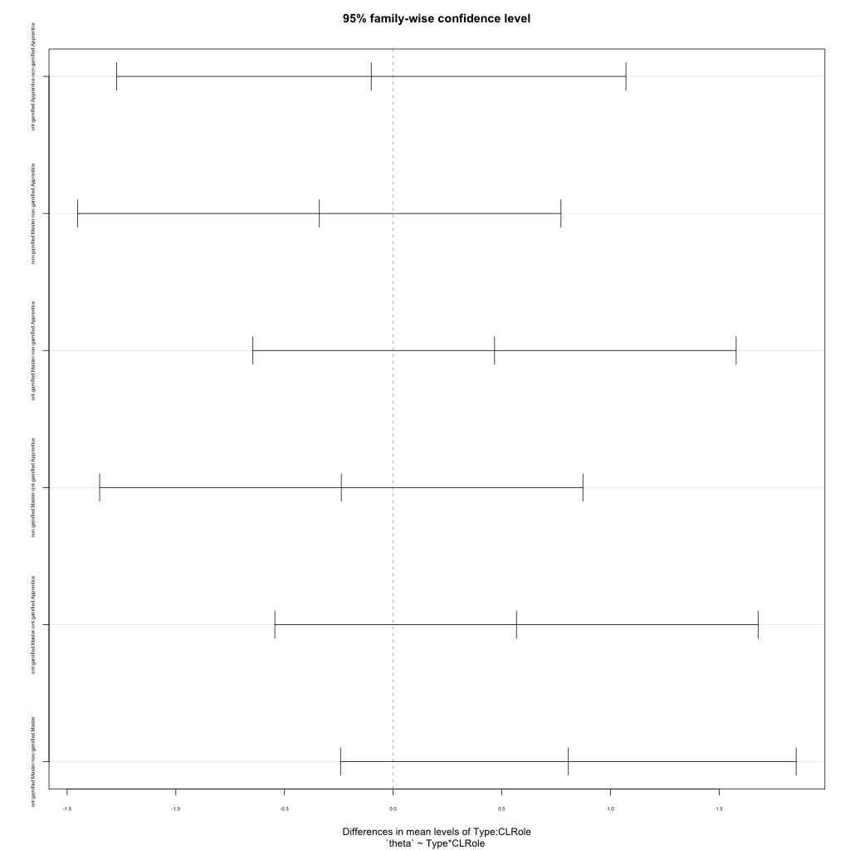
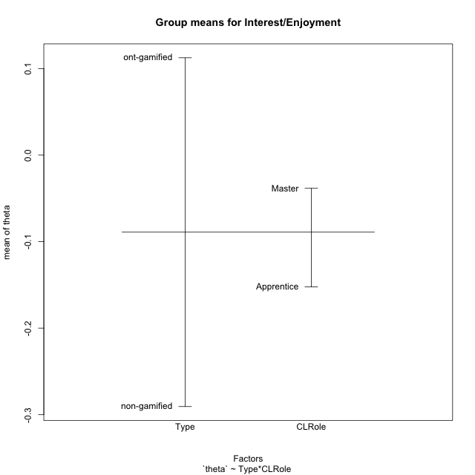
Post-hoc Tukey Honestly Significant Difference (HSD) Test for Interest/Enjoyment

Comparisons of means for Type
 | diff | lwr | upr | p adj
ont-gamified-non-gamified | 0.40304876504 | -0.18741962306 | 0.99351715315 | 0.17648977867

Comparisons of means for CLRole
 | diff | lwr | upr | p adj
Master-Apprentice | 0.11398548125 | -0.48016187322 | 0.70813283572 | 0.70162271576

Comparisons of means for Type:CLRole
 | diff | lwr | upr | p adj
ont-gamified:Apprentice-non-gamified:Apprentice | -0.10082235563 | -1.2727227566 | 1.0710780454 | 0.99573229426
non-gamified:Master-non-gamified:Apprentice | -0.33949852735 | -1.4512608648 | 0.77226381005 | 0.84871707559
ont-gamified:Master-non-gamified:Apprentice | 0.46664713423 | -0.64511520317 | 1.5784094716 | 0.68178939495
non-gamified:Master-ont-gamified:Apprentice | -0.23867617173 | -1.3504385091 | 0.87308616567 | 0.94038808228
ont-gamified:Master-ont-gamified:Apprentice | 0.56746948985 | -0.54429284755 | 1.6792318273 | 0.53210428567
ont-gamified:Master-non-gamified:Master | 0.80614566158 | -0.24203392221 | 1.8543252454 | 0.18595579138

Contrast Matrices for Interest/Enjoyment
contrast | CLRole | estimate | SE | df | t.ratio | p.value
non-gamified - ont-gamified | Apprentice | 0.10082235563 | 0.44096416024 | 50 | 0.22864070308 | 0.82008076629
non-gamified - ont-gamified | Master | -0.80614566158 | 0.39441033517 | 50 | -2.0439263115 | 0.046246121172

Least Squares Means and Confidence Intervals
Type | CLRole | lsmean | SE | df | lower.CL | upper.CL
non-gamified | Apprentice | -0.10198493127 | 0.31180874796 | 50 | -0.72827123323 | 0.52430137068
ont-gamified | Apprentice | -0.2028072869 | 0.31180874796 | 50 | -0.82909358885 | 0.42347901505
non-gamified | Master | -0.44148345863 | 0.27889022257 | 50 | -1.0016509564 | 0.11868403919
ont-gamified | Master | 0.36466220296 | 0.27889022257 | 50 | -0.19550529486 | 0.92482970077

Plots

Type_1
Student's t-Test for Interest/Enjoyment in Type between non-gamified:ont-gamified

Student's t-Test results
Alternative hypothesis: less
Group | N | Mean | Mean.Difference | Std.deviation | Std.error | CI.lower | CI.upper | df | t.value | p.value | g | magnitude
non-gamified | 27 | -0.29059522425 | -0.40304876504 | 1.1967848927 | 0.23032135999 | -0.75123794423 | 0.17004749573 | 49.682281321 | -1.364498375 | 0.089279809876 | -0.3659872538 | small
ont-gamified | 27 | 0.1124535408 | 0.40304876504 | 0.96097660525 | 0.18494003391 | -0.25742652702 | 0.48233360862 | 49.682281321 | -1.364498375 | 0.089279809876 | -0.3659872538 | small
Alternative hypothesis: greater
Group | N | Mean | Mean.Difference | Std.deviation | Std.error | CI.lower | CI.upper | df | t.value | p.value | g | magnitude
non-gamified | 27 | -0.29059522425 | -0.40304876504 | 1.1967848927 | 0.23032135999 | -0.75123794423 | 0.17004749573 | 49.682281321 | -1.364498375 | 0.91072019012 | -0.3659872538 | small
ont-gamified | 27 | 0.1124535408 | 0.40304876504 | 0.96097660525 | 0.18494003391 | -0.25742652702 | 0.48233360862 | 49.682281321 | -1.364498375 | 0.91072019012 | -0.3659872538 | small
Alternative hypothesis: two.sided
Group | N | Mean | Mean.Difference | Std.deviation | Std.error | CI.lower | CI.upper | df | t.value | p.value | g | magnitude
non-gamified | 27 | -0.29059522425 | -0.40304876504 | 1.1967848927 | 0.23032135999 | -0.75123794423 | 0.17004749573 | 49.682281321 | -1.364498375 | 0.17855961975 | -0.3659872538 | small
ont-gamified | 27 | 0.1124535408 | 0.40304876504 | 0.96097660525 | 0.18494003391 | -0.25742652702 | 0.48233360862 | 49.682281321 | -1.364498375 | 0.17855961975 | -0.3659872538 | small

Box plots for Student's t-Test
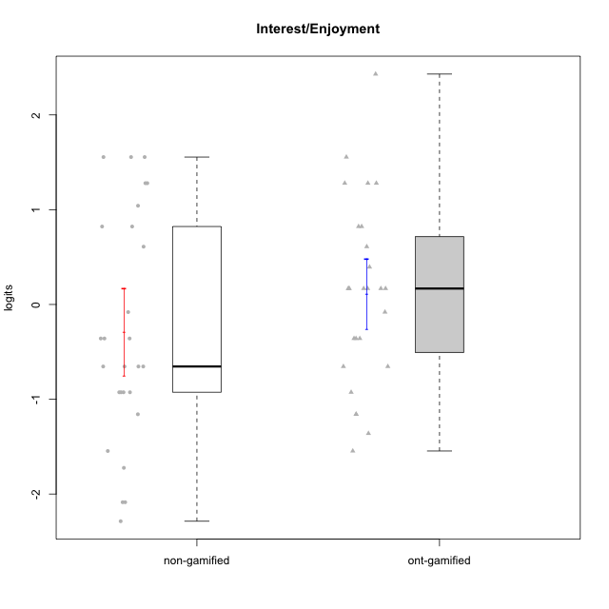

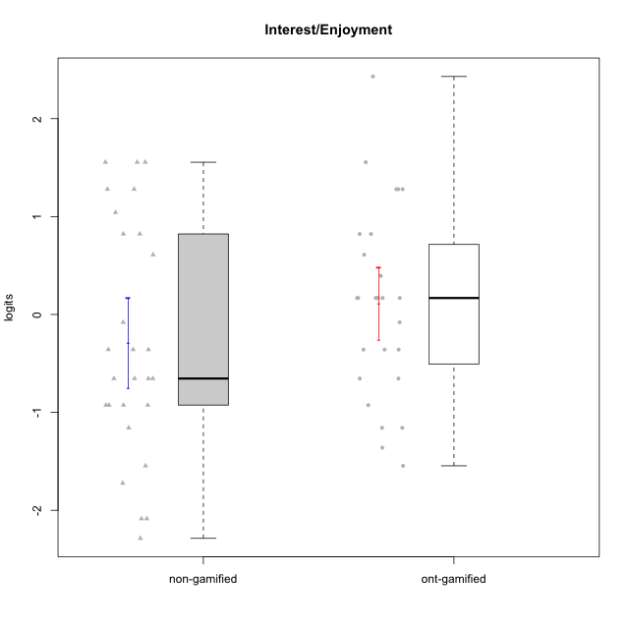

Student's t-Test data
UserID | NroUSP | Type | CLGroup | CLRole | PlayerRole | theta | error | WLE.rel
10169 | 10377538 | ont-gamified | Grupo Hefesto | Master | Yee Achiever | 0.82244907616 | 0.48445436102 | 0.79532803071
10170 | 10260351 | ont-gamified | Grupo Afrodite | Apprentice | Yee Achiever | 0.16813938858 | 0.4914511555 | 0.79532803071
10171 | 698531 | non-gamified | Grupo Team 6 | Apprentice |  | 1.2795930062 | 0.52694917712 | 0.79532803071
10172 | 10273971 | non-gamified | Grupo Team 1 | Master |  | 0.60997369748 | 0.47945980689 | 0.79532803071
10174 | 10276852 | ont-gamified | Grupo Urano | Master | Yee Achiever | 0.16813938858 | 0.4914511555 | 0.79532803071
10175 | 10310700 | ont-gamified | Grupo Hélio | Master | Yee Socializer | 1.2795930062 | 0.52694917712 | 0.79532803071
10176 | 10276949 | ont-gamified | Grupo Cronus | Apprentice | Yee Achiever | -0.35881401587 | 0.51409252015 | 0.79532803071
10178 | 8656201 | ont-gamified | Grupo Morfeu | Apprentice | Yee Socializer | 0.39489127659 | 0.48227608648 | 0.79532803071
10179 | 10310759 | non-gamified | Grupo Team 9 | Master |  | -0.92641242516 | 0.48993701124 | 0.79532803071
10181 | 10276866 | non-gamified | Grupo Team 10 | Master |  | -0.35881401587 | 0.51409252015 | 0.79532803071
10183 | 10352030 | ont-gamified | Grupo Hélio | Apprentice | Yee Socializer | -0.6543326517 | 0.50927995113 | 0.79532803071
10184 | 10276675 | ont-gamified | Grupo Apolo | Master | Yee Socializer | 0.16813938858 | 0.4914511555 | 0.79532803071
10185 | 10276960 | non-gamified | Grupo Team 12 | Apprentice |  | -0.6543326517 | 0.50927995113 | 0.79532803071
10186 | 10310551 | ont-gamified | Grupo Ares | Apprentice | Yee Achiever | 0.16813938858 | 0.4914511555 | 0.79532803071
10188 | 10276995 | non-gamified | Grupo Team 3 | Master |  | -0.6543326517 | 0.50927995113 | 0.79532803071
10189 | 9363926 | ont-gamified | Grupo Hades | Master | Yee Socializer | -1.1584042109 | 0.46868279509 | 0.79532803071
10190 | 10276907 | ont-gamified | Grupo Zeus | Apprentice | Yee Socializer | 0.16813938858 | 0.4914511555 | 0.79532803071
10191 | 10276981 | non-gamified | Grupo Team 6 | Master |  | 1.0416617962 | 0.49912319611 | 0.79532803071
10192 | 10276682 | non-gamified | Grupo Team 5 | Apprentice |  | 1.5553167567 | 0.57520410123 | 0.79532803071
10193 | 10276762 | ont-gamified | Grupo Afrodite | Master | Yee Achiever | -0.080388487473 | 0.50435808613 | 0.79532803071
10195 | 10351971 | ont-gamified | Grupo Urano | Apprentice | Yee Achiever | 0.60997369748 | 0.47945980689 | 0.79532803071
10196 | 10310655 | ont-gamified | Grupo Hefesto | Apprentice | Yee Achiever | -0.6543326517 | 0.50927995113 | 0.79532803071
10197 | 10276661 | ont-gamified | Grupo Gaia | Apprentice | Yee Achiever | 0.16813938858 | 0.4914511555 | 0.79532803071
10199 | 10276737 | ont-gamified | Grupo Gaia | Master | Yee Achiever | -1.3607329887 | 0.45264088728 | 0.79532803071
10201 | 10276928 | ont-gamified | Grupo Caronte | Master | Yee Achiever | 1.2795930062 | 0.52694917712 | 0.79532803071
10202 | 10277036 | non-gamified | Grupo Team 11 | Apprentice |  | -0.6543326517 | 0.50927995113 | 0.79532803071
10203 | 9921470 | non-gamified | Grupo Team 3 | Apprentice |  | 0.82244907616 | 0.48445436102 | 0.79532803071
10204 | 10310471 | ont-gamified | Grupo Hermes | Master | Yee Achiever | 2.4308781157 | 0.83883414441 | 0.79532803071
10206 | 10310721 | ont-gamified | Grupo Hera | Master | Yee Achiever | -0.35881401587 | 0.51409252015 | 0.79532803071
10208 | 10276932 | non-gamified | Grupo Team 7 | Apprentice |  | 1.5553167567 | 0.57520410123 | 0.79532803071
10209 | 10262669 | ont-gamified | Grupo Artemis | Apprentice | Yee Achiever | -1.1584042109 | 0.46868279509 | 0.79532803071
10210 | 10277015 | non-gamified | Grupo Team 9 | Apprentice |  | -0.35881401587 | 0.51409252015 | 0.79532803071
10211 | 9311643 | non-gamified | Grupo Team 2 | Master |  | 1.5553167567 | 0.57520410123 | 0.79532803071
10212 | 9065750 | non-gamified | Grupo Team 4 | Master |  | 1.2795930062 | 0.52694917712 | 0.79532803071
10213 | 10277040 | ont-gamified | Grupo Morfeu | Master | Yee Socializer | 1.5553167567 | 0.57520410123 | 0.79532803071
10214 | 10277022 | non-gamified | Grupo Team 5 | Master |  | -1.5460174619 | 0.44344532049 | 0.79532803071
10215 | 9285227 | ont-gamified | Grupo Zeus | Master | Yee Socializer | 0.16813938858 | 0.4914511555 | 0.79532803071
10216 | 10276720 | non-gamified | Grupo Team 15 | Master |  | -0.35881401587 | 0.51409252015 | 0.79532803071
10217 | 9805341 | non-gamified | Grupo Team 13 | Master |  | -1.1584042109 | 0.46868279509 | 0.79532803071
10218 | 9842913 | ont-gamified | Grupo Ares | Master | Yee Achiever | -1.5460174619 | 0.44344532049 | 0.79532803071
10219 | 10276831 | non-gamified | Grupo Team 12 | Master |  | -0.92641242516 | 0.48993701124 | 0.79532803071
10220 | 9760151 | non-gamified | Grupo Team 2 | Apprentice |  | 0.82244907616 | 0.48445436102 | 0.79532803071
10221 | 9082496 | ont-gamified | Grupo Hermes | Apprentice | Yee Achiever | -0.35881401587 | 0.51409252015 | 0.79532803071
10223 | 9795185 | ont-gamified | Grupo Cronus | Master | Yee Achiever | 1.2795930062 | 0.52694917712 | 0.79532803071
10226 | 10310342 | non-gamified | Grupo Team 8 | Master |  | -0.92641242516 | 0.48993701124 | 0.79532803071
10227 | 9274382 | non-gamified | Grupo Team 4 | Apprentice |  | -2.2869607226 | 0.48458789473 | 0.79532803071
10228 | 10310492 | non-gamified | Grupo Team 14 | Apprentice |  | -0.6543326517 | 0.50927995113 | 0.79532803071
10230 | 10351992 | non-gamified | Grupo Team 14 | Master |  | -2.0863945084 | 0.46002047589 | 0.79532803071
10232 | 10276974 | ont-gamified | Grupo Artemis | Master | Yee Achiever | 0.82244907616 | 0.48445436102 | 0.79532803071
10233 | 9805320 | non-gamified | Grupo Team 16 | Apprentice |  | -1.7237587285 | 0.44127654605 | 0.79532803071
10234 | 10310676 | non-gamified | Grupo Team 7 | Master |  | -2.0863945084 | 0.46002047589 | 0.79532803071
10237 | 10377688 | non-gamified | Grupo Team 11 | Master |  | -0.080388487473 | 0.50435808613 | 0.79532803071
10238 | 10276953 | non-gamified | Grupo Team 13 | Apprentice |  | -0.92641242516 | 0.48993701124 | 0.79532803071
10240 | 10276654 | ont-gamified | Grupo Hera | Apprentice | Yee Achiever | -0.92641242516 | 0.48993701124 | 0.79532803071

Type_CLRole_1
Student's t-Test for Interest/Enjoyment in Type:CLRole between non-gamified.Apprentice:non-gamified.Master

Student's t-Test results
Alternative hypothesis: less
Group | N | Mean | Mean.Difference | Std.deviation | Std.error | CI.lower | CI.upper | df | t.value | p.value | g | magnitude
non-gamified.Apprentice | 12 | -0.10198493127 | 0.33949852735 | 1.2854566637 | 0.37107937542 | -0.8441436821 | 0.64017381956 | 22.30637456 | 0.71601490474 | 0.75929433541 | 0.27256407089 | small
non-gamified.Master | 15 | -0.44148345863 | -0.33949852735 | 1.1431430321 | 0.29515826172 | -1.0317999821 | 0.14883306482 | 22.30637456 | 0.71601490474 | 0.75929433541 | 0.27256407089 | small
Alternative hypothesis: greater
Group | N | Mean | Mean.Difference | Std.deviation | Std.error | CI.lower | CI.upper | df | t.value | p.value | g | magnitude
non-gamified.Apprentice | 12 | -0.10198493127 | 0.33949852735 | 1.2854566637 | 0.37107937542 | -0.8441436821 | 0.64017381956 | 22.30637456 | 0.71601490474 | 0.24070566459 | 0.27256407089 | small
non-gamified.Master | 15 | -0.44148345863 | -0.33949852735 | 1.1431430321 | 0.29515826172 | -1.0317999821 | 0.14883306482 | 22.30637456 | 0.71601490474 | 0.24070566459 | 0.27256407089 | small
Alternative hypothesis: two.sided
Group | N | Mean | Mean.Difference | Std.deviation | Std.error | CI.lower | CI.upper | df | t.value | p.value | g | magnitude
non-gamified.Apprentice | 12 | -0.10198493127 | 0.33949852735 | 1.2854566637 | 0.37107937542 | -0.8441436821 | 0.64017381956 | 22.30637456 | 0.71601490474 | 0.48141132918 | 0.27256407089 | small
non-gamified.Master | 15 | -0.44148345863 | -0.33949852735 | 1.1431430321 | 0.29515826172 | -1.0317999821 | 0.14883306482 | 22.30637456 | 0.71601490474 | 0.48141132918 | 0.27256407089 | small

Box plots for Student's t-Test
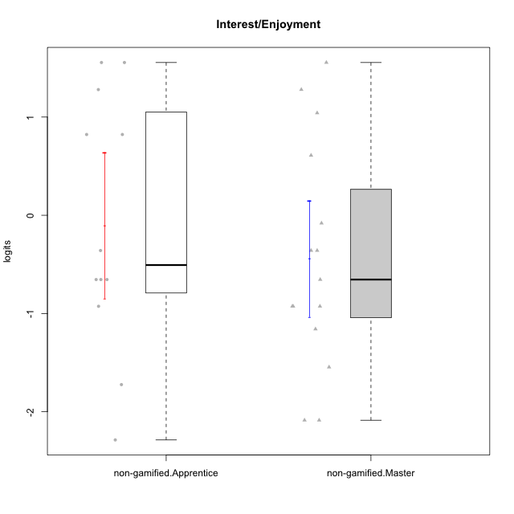

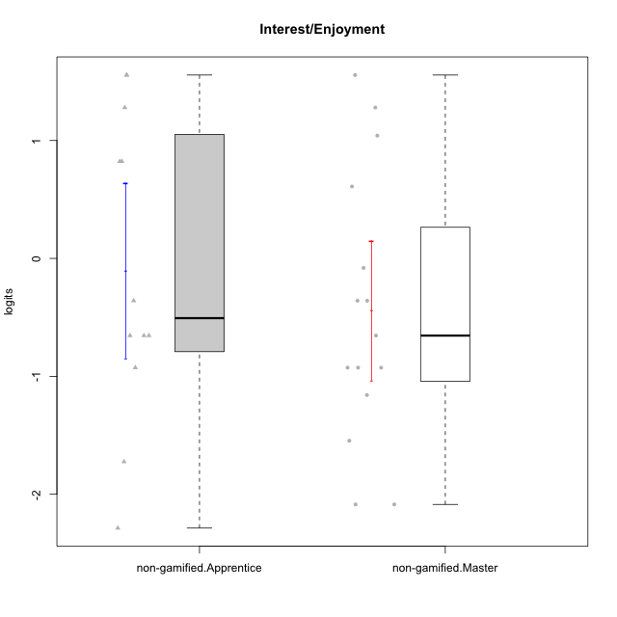

Student's t-Test data
UserID | NroUSP | Type | CLGroup | CLRole | PlayerRole | theta | error | WLE.rel
10171 | 698531 | non-gamified | Grupo Team 6 | Apprentice |  | 1.2795930062 | 0.52694917712 | 0.79532803071
10172 | 10273971 | non-gamified | Grupo Team 1 | Master |  | 0.60997369748 | 0.47945980689 | 0.79532803071
10179 | 10310759 | non-gamified | Grupo Team 9 | Master |  | -0.92641242516 | 0.48993701124 | 0.79532803071
10181 | 10276866 | non-gamified | Grupo Team 10 | Master |  | -0.35881401587 | 0.51409252015 | 0.79532803071
10185 | 10276960 | non-gamified | Grupo Team 12 | Apprentice |  | -0.6543326517 | 0.50927995113 | 0.79532803071
10188 | 10276995 | non-gamified | Grupo Team 3 | Master |  | -0.6543326517 | 0.50927995113 | 0.79532803071
10191 | 10276981 | non-gamified | Grupo Team 6 | Master |  | 1.0416617962 | 0.49912319611 | 0.79532803071
10192 | 10276682 | non-gamified | Grupo Team 5 | Apprentice |  | 1.5553167567 | 0.57520410123 | 0.79532803071
10202 | 10277036 | non-gamified | Grupo Team 11 | Apprentice |  | -0.6543326517 | 0.50927995113 | 0.79532803071
10203 | 9921470 | non-gamified | Grupo Team 3 | Apprentice |  | 0.82244907616 | 0.48445436102 | 0.79532803071
10208 | 10276932 | non-gamified | Grupo Team 7 | Apprentice |  | 1.5553167567 | 0.57520410123 | 0.79532803071
10210 | 10277015 | non-gamified | Grupo Team 9 | Apprentice |  | -0.35881401587 | 0.51409252015 | 0.79532803071
10211 | 9311643 | non-gamified | Grupo Team 2 | Master |  | 1.5553167567 | 0.57520410123 | 0.79532803071
10212 | 9065750 | non-gamified | Grupo Team 4 | Master |  | 1.2795930062 | 0.52694917712 | 0.79532803071
10214 | 10277022 | non-gamified | Grupo Team 5 | Master |  | -1.5460174619 | 0.44344532049 | 0.79532803071
10216 | 10276720 | non-gamified | Grupo Team 15 | Master |  | -0.35881401587 | 0.51409252015 | 0.79532803071
10217 | 9805341 | non-gamified | Grupo Team 13 | Master |  | -1.1584042109 | 0.46868279509 | 0.79532803071
10219 | 10276831 | non-gamified | Grupo Team 12 | Master |  | -0.92641242516 | 0.48993701124 | 0.79532803071
10220 | 9760151 | non-gamified | Grupo Team 2 | Apprentice |  | 0.82244907616 | 0.48445436102 | 0.79532803071
10226 | 10310342 | non-gamified | Grupo Team 8 | Master |  | -0.92641242516 | 0.48993701124 | 0.79532803071
10227 | 9274382 | non-gamified | Grupo Team 4 | Apprentice |  | -2.2869607226 | 0.48458789473 | 0.79532803071
10228 | 10310492 | non-gamified | Grupo Team 14 | Apprentice |  | -0.6543326517 | 0.50927995113 | 0.79532803071
10230 | 10351992 | non-gamified | Grupo Team 14 | Master |  | -2.0863945084 | 0.46002047589 | 0.79532803071
10233 | 9805320 | non-gamified | Grupo Team 16 | Apprentice |  | -1.7237587285 | 0.44127654605 | 0.79532803071
10234 | 10310676 | non-gamified | Grupo Team 7 | Master |  | -2.0863945084 | 0.46002047589 | 0.79532803071
10237 | 10377688 | non-gamified | Grupo Team 11 | Master |  | -0.080388487473 | 0.50435808613 | 0.79532803071
10238 | 10276953 | non-gamified | Grupo Team 13 | Apprentice |  | -0.92641242516 | 0.48993701124 | 0.79532803071

Type_CLRole_2
Student's t-Test for Interest/Enjoyment in Type:CLRole between non-gamified.Apprentice:ont-gamified.Apprentice

Student's t-Test results
Alternative hypothesis: less
Group | N | Mean | Mean.Difference | Std.deviation | Std.error | CI.lower | CI.upper | df | t.value | p.value | g | magnitude
non-gamified.Apprentice | 12 | -0.10198493127 | 0.10082235563 | 1.2854566637 | 0.37107937542 | -0.8441436821 | 0.64017381956 | 15.042992072 | 0.24902147138 | 0.59664392311 | 0.09815698343 | negligible
ont-gamified.Apprentice | 12 | -0.2028072869 | -0.10082235563 | 0.56096172547 | 0.1619357016 | -0.52667869011 | 0.12106411631 | 15.042992072 | 0.24902147138 | 0.59664392311 | 0.09815698343 | negligible
Alternative hypothesis: greater
Group | N | Mean | Mean.Difference | Std.deviation | Std.error | CI.lower | CI.upper | df | t.value | p.value | g | magnitude
non-gamified.Apprentice | 12 | -0.10198493127 | 0.10082235563 | 1.2854566637 | 0.37107937542 | -0.8441436821 | 0.64017381956 | 15.042992072 | 0.24902147138 | 0.40335607689 | 0.09815698343 | negligible
ont-gamified.Apprentice | 12 | -0.2028072869 | -0.10082235563 | 0.56096172547 | 0.1619357016 | -0.52667869011 | 0.12106411631 | 15.042992072 | 0.24902147138 | 0.40335607689 | 0.09815698343 | negligible
Alternative hypothesis: two.sided
Group | N | Mean | Mean.Difference | Std.deviation | Std.error | CI.lower | CI.upper | df | t.value | p.value | g | magnitude
non-gamified.Apprentice | 12 | -0.10198493127 | 0.10082235563 | 1.2854566637 | 0.37107937542 | -0.8441436821 | 0.64017381956 | 15.042992072 | 0.24902147138 | 0.80671215378 | 0.09815698343 | negligible
ont-gamified.Apprentice | 12 | -0.2028072869 | -0.10082235563 | 0.56096172547 | 0.1619357016 | -0.52667869011 | 0.12106411631 | 15.042992072 | 0.24902147138 | 0.80671215378 | 0.09815698343 | negligible

Box plots for Student's t-Test
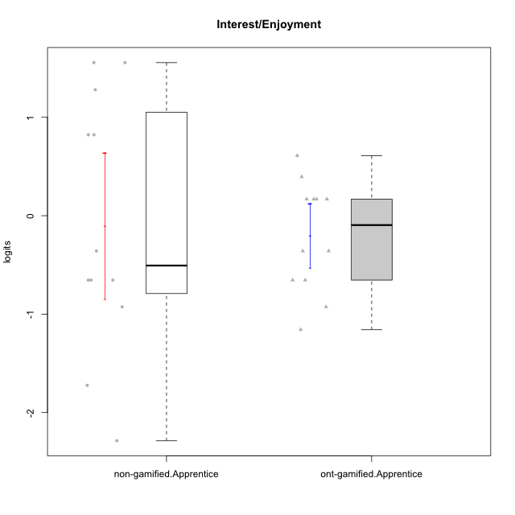

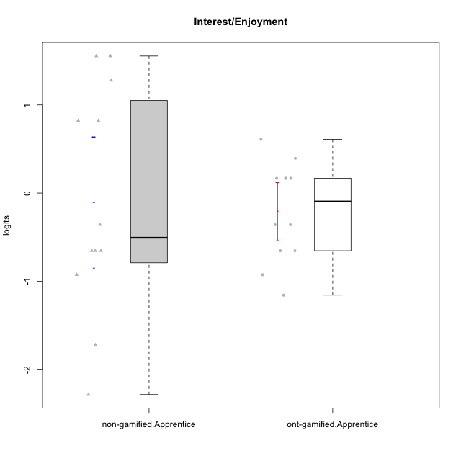

Student's t-Test data
UserID | NroUSP | Type | CLGroup | CLRole | PlayerRole | theta | error | WLE.rel
10170 | 10260351 | ont-gamified | Grupo Afrodite | Apprentice | Yee Achiever | 0.16813938858 | 0.4914511555 | 0.79532803071
10171 | 698531 | non-gamified | Grupo Team 6 | Apprentice |  | 1.2795930062 | 0.52694917712 | 0.79532803071
10176 | 10276949 | ont-gamified | Grupo Cronus | Apprentice | Yee Achiever | -0.35881401587 | 0.51409252015 | 0.79532803071
10178 | 8656201 | ont-gamified | Grupo Morfeu | Apprentice | Yee Socializer | 0.39489127659 | 0.48227608648 | 0.79532803071
10183 | 10352030 | ont-gamified | Grupo Hélio | Apprentice | Yee Socializer | -0.6543326517 | 0.50927995113 | 0.79532803071
10185 | 10276960 | non-gamified | Grupo Team 12 | Apprentice |  | -0.6543326517 | 0.50927995113 | 0.79532803071
10186 | 10310551 | ont-gamified | Grupo Ares | Apprentice | Yee Achiever | 0.16813938858 | 0.4914511555 | 0.79532803071
10190 | 10276907 | ont-gamified | Grupo Zeus | Apprentice | Yee Socializer | 0.16813938858 | 0.4914511555 | 0.79532803071
10192 | 10276682 | non-gamified | Grupo Team 5 | Apprentice |  | 1.5553167567 | 0.57520410123 | 0.79532803071
10195 | 10351971 | ont-gamified | Grupo Urano | Apprentice | Yee Achiever | 0.60997369748 | 0.47945980689 | 0.79532803071
10196 | 10310655 | ont-gamified | Grupo Hefesto | Apprentice | Yee Achiever | -0.6543326517 | 0.50927995113 | 0.79532803071
10197 | 10276661 | ont-gamified | Grupo Gaia | Apprentice | Yee Achiever | 0.16813938858 | 0.4914511555 | 0.79532803071
10202 | 10277036 | non-gamified | Grupo Team 11 | Apprentice |  | -0.6543326517 | 0.50927995113 | 0.79532803071
10203 | 9921470 | non-gamified | Grupo Team 3 | Apprentice |  | 0.82244907616 | 0.48445436102 | 0.79532803071
10208 | 10276932 | non-gamified | Grupo Team 7 | Apprentice |  | 1.5553167567 | 0.57520410123 | 0.79532803071
10209 | 10262669 | ont-gamified | Grupo Artemis | Apprentice | Yee Achiever | -1.1584042109 | 0.46868279509 | 0.79532803071
10210 | 10277015 | non-gamified | Grupo Team 9 | Apprentice |  | -0.35881401587 | 0.51409252015 | 0.79532803071
10220 | 9760151 | non-gamified | Grupo Team 2 | Apprentice |  | 0.82244907616 | 0.48445436102 | 0.79532803071
10221 | 9082496 | ont-gamified | Grupo Hermes | Apprentice | Yee Achiever | -0.35881401587 | 0.51409252015 | 0.79532803071
10227 | 9274382 | non-gamified | Grupo Team 4 | Apprentice |  | -2.2869607226 | 0.48458789473 | 0.79532803071
10228 | 10310492 | non-gamified | Grupo Team 14 | Apprentice |  | -0.6543326517 | 0.50927995113 | 0.79532803071
10233 | 9805320 | non-gamified | Grupo Team 16 | Apprentice |  | -1.7237587285 | 0.44127654605 | 0.79532803071
10238 | 10276953 | non-gamified | Grupo Team 13 | Apprentice |  | -0.92641242516 | 0.48993701124 | 0.79532803071
10240 | 10276654 | ont-gamified | Grupo Hera | Apprentice | Yee Achiever | -0.92641242516 | 0.48993701124 | 0.79532803071

Type_CLRole_3
Student's t-Test for Interest/Enjoyment in Type:CLRole between non-gamified.Apprentice:ont-gamified.Master

Student's t-Test results
Alternative hypothesis: less
Group | N | Mean | Mean.Difference | Std.deviation | Std.error | CI.lower | CI.upper | df | t.value | p.value | g | magnitude
non-gamified.Apprentice | 12 | -0.10198493127 | -0.46664713423 | 1.2854566637 | 0.37107937542 | -0.8441436821 | 0.64017381956 | 22.344968441 | -0.98306010515 | 0.16805156309 | -0.37409485172 | small
ont-gamified.Master | 15 | 0.36466220296 | 0.46664713423 | 1.1464886607 | 0.2960220993 | -0.22738199564 | 0.95670640155 | 22.344968441 | -0.98306010515 | 0.16805156309 | -0.37409485172 | small
Alternative hypothesis: greater
Group | N | Mean | Mean.Difference | Std.deviation | Std.error | CI.lower | CI.upper | df | t.value | p.value | g | magnitude
non-gamified.Apprentice | 12 | -0.10198493127 | -0.46664713423 | 1.2854566637 | 0.37107937542 | -0.8441436821 | 0.64017381956 | 22.344968441 | -0.98306010515 | 0.83194843691 | -0.37409485172 | small
ont-gamified.Master | 15 | 0.36466220296 | 0.46664713423 | 1.1464886607 | 0.2960220993 | -0.22738199564 | 0.95670640155 | 22.344968441 | -0.98306010515 | 0.83194843691 | -0.37409485172 | small
Alternative hypothesis: two.sided
Group | N | Mean | Mean.Difference | Std.deviation | Std.error | CI.lower | CI.upper | df | t.value | p.value | g | magnitude
non-gamified.Apprentice | 12 | -0.10198493127 | -0.46664713423 | 1.2854566637 | 0.37107937542 | -0.8441436821 | 0.64017381956 | 22.344968441 | -0.98306010515 | 0.33610312618 | -0.37409485172 | small
ont-gamified.Master | 15 | 0.36466220296 | 0.46664713423 | 1.1464886607 | 0.2960220993 | -0.22738199564 | 0.95670640155 | 22.344968441 | -0.98306010515 | 0.33610312618 | -0.37409485172 | small

Box plots for Student's t-Test
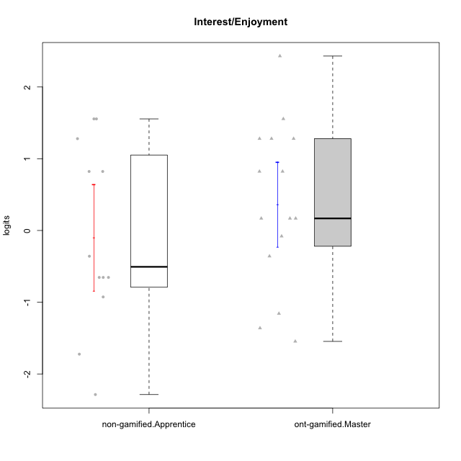

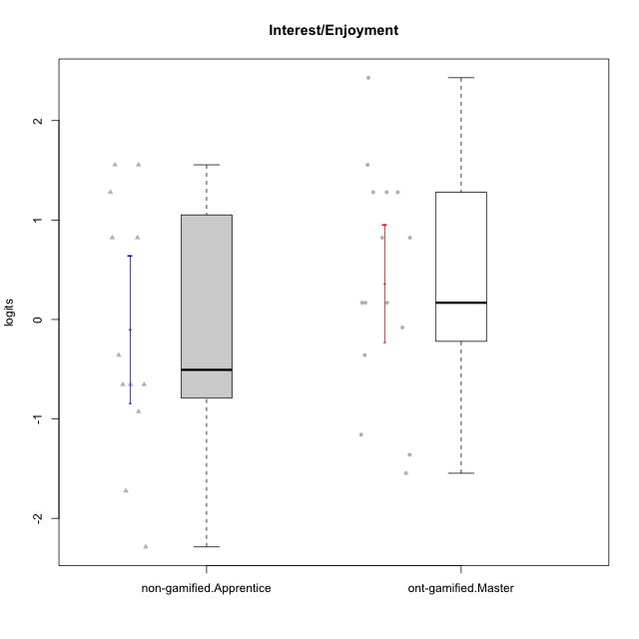

Student's t-Test data
UserID | NroUSP | Type | CLGroup | CLRole | PlayerRole | theta | error | WLE.rel
10169 | 10377538 | ont-gamified | Grupo Hefesto | Master | Yee Achiever | 0.82244907616 | 0.48445436102 | 0.79532803071
10171 | 698531 | non-gamified | Grupo Team 6 | Apprentice |  | 1.2795930062 | 0.52694917712 | 0.79532803071
10174 | 10276852 | ont-gamified | Grupo Urano | Master | Yee Achiever | 0.16813938858 | 0.4914511555 | 0.79532803071
10175 | 10310700 | ont-gamified | Grupo Hélio | Master | Yee Socializer | 1.2795930062 | 0.52694917712 | 0.79532803071
10184 | 10276675 | ont-gamified | Grupo Apolo | Master | Yee Socializer | 0.16813938858 | 0.4914511555 | 0.79532803071
10185 | 10276960 | non-gamified | Grupo Team 12 | Apprentice |  | -0.6543326517 | 0.50927995113 | 0.79532803071
10189 | 9363926 | ont-gamified | Grupo Hades | Master | Yee Socializer | -1.1584042109 | 0.46868279509 | 0.79532803071
10192 | 10276682 | non-gamified | Grupo Team 5 | Apprentice |  | 1.5553167567 | 0.57520410123 | 0.79532803071
10193 | 10276762 | ont-gamified | Grupo Afrodite | Master | Yee Achiever | -0.080388487473 | 0.50435808613 | 0.79532803071
10199 | 10276737 | ont-gamified | Grupo Gaia | Master | Yee Achiever | -1.3607329887 | 0.45264088728 | 0.79532803071
10201 | 10276928 | ont-gamified | Grupo Caronte | Master | Yee Achiever | 1.2795930062 | 0.52694917712 | 0.79532803071
10202 | 10277036 | non-gamified | Grupo Team 11 | Apprentice |  | -0.6543326517 | 0.50927995113 | 0.79532803071
10203 | 9921470 | non-gamified | Grupo Team 3 | Apprentice |  | 0.82244907616 | 0.48445436102 | 0.79532803071
10204 | 10310471 | ont-gamified | Grupo Hermes | Master | Yee Achiever | 2.4308781157 | 0.83883414441 | 0.79532803071
10206 | 10310721 | ont-gamified | Grupo Hera | Master | Yee Achiever | -0.35881401587 | 0.51409252015 | 0.79532803071
10208 | 10276932 | non-gamified | Grupo Team 7 | Apprentice |  | 1.5553167567 | 0.57520410123 | 0.79532803071
10210 | 10277015 | non-gamified | Grupo Team 9 | Apprentice |  | -0.35881401587 | 0.51409252015 | 0.79532803071
10213 | 10277040 | ont-gamified | Grupo Morfeu | Master | Yee Socializer | 1.5553167567 | 0.57520410123 | 0.79532803071
10215 | 9285227 | ont-gamified | Grupo Zeus | Master | Yee Socializer | 0.16813938858 | 0.4914511555 | 0.79532803071
10218 | 9842913 | ont-gamified | Grupo Ares | Master | Yee Achiever | -1.5460174619 | 0.44344532049 | 0.79532803071
10220 | 9760151 | non-gamified | Grupo Team 2 | Apprentice |  | 0.82244907616 | 0.48445436102 | 0.79532803071
10223 | 9795185 | ont-gamified | Grupo Cronus | Master | Yee Achiever | 1.2795930062 | 0.52694917712 | 0.79532803071
10227 | 9274382 | non-gamified | Grupo Team 4 | Apprentice |  | -2.2869607226 | 0.48458789473 | 0.79532803071
10228 | 10310492 | non-gamified | Grupo Team 14 | Apprentice |  | -0.6543326517 | 0.50927995113 | 0.79532803071
10232 | 10276974 | ont-gamified | Grupo Artemis | Master | Yee Achiever | 0.82244907616 | 0.48445436102 | 0.79532803071
10233 | 9805320 | non-gamified | Grupo Team 16 | Apprentice |  | -1.7237587285 | 0.44127654605 | 0.79532803071
10238 | 10276953 | non-gamified | Grupo Team 13 | Apprentice |  | -0.92641242516 | 0.48993701124 | 0.79532803071

Type_CLRole_4
Student's t-Test for Interest/Enjoyment in Type:CLRole between non-gamified.Master:ont-gamified.Apprentice

Student's t-Test results
Alternative hypothesis: less
Group | N | Mean | Mean.Difference | Std.deviation | Std.error | CI.lower | CI.upper | df | t.value | p.value | g | magnitude
non-gamified.Master | 15 | -0.44148345863 | -0.23867617173 | 1.1431430321 | 0.29515826172 | -1.0317999821 | 0.14883306482 | 21.246585791 | -0.70894811068 | 0.24303188472 | -0.2480974851 | small
ont-gamified.Apprentice | 12 | -0.2028072869 | 0.23867617173 | 0.56096172547 | 0.1619357016 | -0.52667869011 | 0.12106411631 | 21.246585791 | -0.70894811068 | 0.24303188472 | -0.2480974851 | small
Alternative hypothesis: greater
Group | N | Mean | Mean.Difference | Std.deviation | Std.error | CI.lower | CI.upper | df | t.value | p.value | g | magnitude
non-gamified.Master | 15 | -0.44148345863 | -0.23867617173 | 1.1431430321 | 0.29515826172 | -1.0317999821 | 0.14883306482 | 21.246585791 | -0.70894811068 | 0.75696811528 | -0.2480974851 | small
ont-gamified.Apprentice | 12 | -0.2028072869 | 0.23867617173 | 0.56096172547 | 0.1619357016 | -0.52667869011 | 0.12106411631 | 21.246585791 | -0.70894811068 | 0.75696811528 | -0.2480974851 | small
Alternative hypothesis: two.sided
Group | N | Mean | Mean.Difference | Std.deviation | Std.error | CI.lower | CI.upper | df | t.value | p.value | g | magnitude
non-gamified.Master | 15 | -0.44148345863 | -0.23867617173 | 1.1431430321 | 0.29515826172 | -1.0317999821 | 0.14883306482 | 21.246585791 | -0.70894811068 | 0.48606376944 | -0.2480974851 | small
ont-gamified.Apprentice | 12 | -0.2028072869 | 0.23867617173 | 0.56096172547 | 0.1619357016 | -0.52667869011 | 0.12106411631 | 21.246585791 | -0.70894811068 | 0.48606376944 | -0.2480974851 | small

Box plots for Student's t-Test
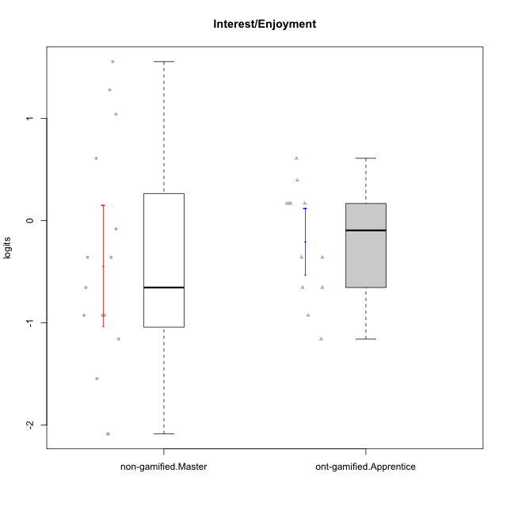

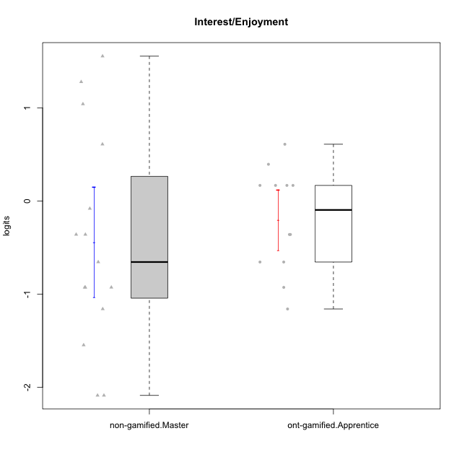

Student's t-Test data
UserID | NroUSP | Type | CLGroup | CLRole | PlayerRole | theta | error | WLE.rel
10170 | 10260351 | ont-gamified | Grupo Afrodite | Apprentice | Yee Achiever | 0.16813938858 | 0.4914511555 | 0.79532803071
10172 | 10273971 | non-gamified | Grupo Team 1 | Master |  | 0.60997369748 | 0.47945980689 | 0.79532803071
10176 | 10276949 | ont-gamified | Grupo Cronus | Apprentice | Yee Achiever | -0.35881401587 | 0.51409252015 | 0.79532803071
10178 | 8656201 | ont-gamified | Grupo Morfeu | Apprentice | Yee Socializer | 0.39489127659 | 0.48227608648 | 0.79532803071
10179 | 10310759 | non-gamified | Grupo Team 9 | Master |  | -0.92641242516 | 0.48993701124 | 0.79532803071
10181 | 10276866 | non-gamified | Grupo Team 10 | Master |  | -0.35881401587 | 0.51409252015 | 0.79532803071
10183 | 10352030 | ont-gamified | Grupo Hélio | Apprentice | Yee Socializer | -0.6543326517 | 0.50927995113 | 0.79532803071
10186 | 10310551 | ont-gamified | Grupo Ares | Apprentice | Yee Achiever | 0.16813938858 | 0.4914511555 | 0.79532803071
10188 | 10276995 | non-gamified | Grupo Team 3 | Master |  | -0.6543326517 | 0.50927995113 | 0.79532803071
10190 | 10276907 | ont-gamified | Grupo Zeus | Apprentice | Yee Socializer | 0.16813938858 | 0.4914511555 | 0.79532803071
10191 | 10276981 | non-gamified | Grupo Team 6 | Master |  | 1.0416617962 | 0.49912319611 | 0.79532803071
10195 | 10351971 | ont-gamified | Grupo Urano | Apprentice | Yee Achiever | 0.60997369748 | 0.47945980689 | 0.79532803071
10196 | 10310655 | ont-gamified | Grupo Hefesto | Apprentice | Yee Achiever | -0.6543326517 | 0.50927995113 | 0.79532803071
10197 | 10276661 | ont-gamified | Grupo Gaia | Apprentice | Yee Achiever | 0.16813938858 | 0.4914511555 | 0.79532803071
10209 | 10262669 | ont-gamified | Grupo Artemis | Apprentice | Yee Achiever | -1.1584042109 | 0.46868279509 | 0.79532803071
10211 | 9311643 | non-gamified | Grupo Team 2 | Master |  | 1.5553167567 | 0.57520410123 | 0.79532803071
10212 | 9065750 | non-gamified | Grupo Team 4 | Master |  | 1.2795930062 | 0.52694917712 | 0.79532803071
10214 | 10277022 | non-gamified | Grupo Team 5 | Master |  | -1.5460174619 | 0.44344532049 | 0.79532803071
10216 | 10276720 | non-gamified | Grupo Team 15 | Master |  | -0.35881401587 | 0.51409252015 | 0.79532803071
10217 | 9805341 | non-gamified | Grupo Team 13 | Master |  | -1.1584042109 | 0.46868279509 | 0.79532803071
10219 | 10276831 | non-gamified | Grupo Team 12 | Master |  | -0.92641242516 | 0.48993701124 | 0.79532803071
10221 | 9082496 | ont-gamified | Grupo Hermes | Apprentice | Yee Achiever | -0.35881401587 | 0.51409252015 | 0.79532803071
10226 | 10310342 | non-gamified | Grupo Team 8 | Master |  | -0.92641242516 | 0.48993701124 | 0.79532803071
10230 | 10351992 | non-gamified | Grupo Team 14 | Master |  | -2.0863945084 | 0.46002047589 | 0.79532803071
10234 | 10310676 | non-gamified | Grupo Team 7 | Master |  | -2.0863945084 | 0.46002047589 | 0.79532803071
10237 | 10377688 | non-gamified | Grupo Team 11 | Master |  | -0.080388487473 | 0.50435808613 | 0.79532803071
10240 | 10276654 | ont-gamified | Grupo Hera | Apprentice | Yee Achiever | -0.92641242516 | 0.48993701124 | 0.79532803071

Type_CLRole_5
Student's t-Test for Interest/Enjoyment in Type:CLRole between non-gamified.Master:ont-gamified.Master

Student's t-Test results
Alternative hypothesis: less
Group | N | Mean | Mean.Difference | Std.deviation | Std.error | CI.lower | CI.upper | df | t.value | p.value | g | magnitude
non-gamified.Master | 15 | -0.44148345863 | -0.80614566158 | 1.1431430321 | 0.29515826172 | -1.0317999821 | 0.14883306482 | 27.999760869 | -1.9284485513 | 0.031997500446 | -0.68513823083 | medium
ont-gamified.Master | 15 | 0.36466220296 | 0.80614566158 | 1.1464886607 | 0.2960220993 | -0.22738199564 | 0.95670640155 | 27.999760869 | -1.9284485513 | 0.031997500446 | -0.68513823083 | medium
Alternative hypothesis: greater
Group | N | Mean | Mean.Difference | Std.deviation | Std.error | CI.lower | CI.upper | df | t.value | p.value | g | magnitude
non-gamified.Master | 15 | -0.44148345863 | -0.80614566158 | 1.1431430321 | 0.29515826172 | -1.0317999821 | 0.14883306482 | 27.999760869 | -1.9284485513 | 0.96800249955 | -0.68513823083 | medium
ont-gamified.Master | 15 | 0.36466220296 | 0.80614566158 | 1.1464886607 | 0.2960220993 | -0.22738199564 | 0.95670640155 | 27.999760869 | -1.9284485513 | 0.96800249955 | -0.68513823083 | medium
Alternative hypothesis: two.sided
Group | N | Mean | Mean.Difference | Std.deviation | Std.error | CI.lower | CI.upper | df | t.value | p.value | g | magnitude
non-gamified.Master | 15 | -0.44148345863 | -0.80614566158 | 1.1431430321 | 0.29515826172 | -1.0317999821 | 0.14883306482 | 27.999760869 | -1.9284485513 | 0.063995000893 | -0.68513823083 | medium
ont-gamified.Master | 15 | 0.36466220296 | 0.80614566158 | 1.1464886607 | 0.2960220993 | -0.22738199564 | 0.95670640155 | 27.999760869 | -1.9284485513 | 0.063995000893 | -0.68513823083 | medium

Box plots for Student's t-Test
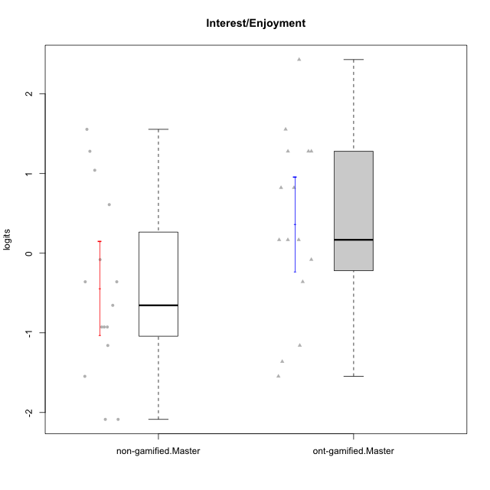

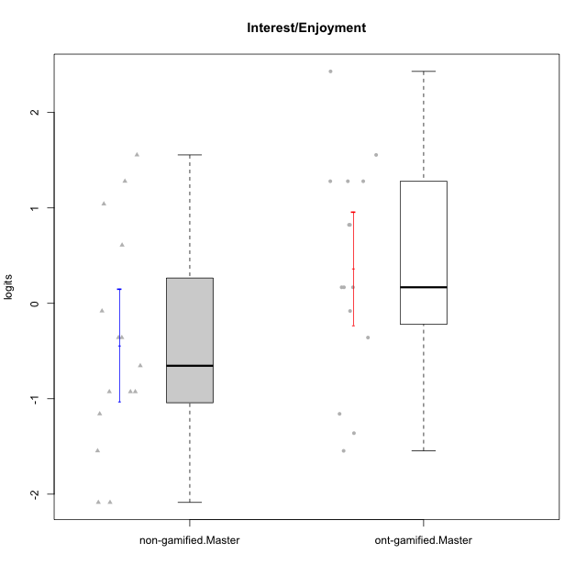

Student's t-Test data
UserID | NroUSP | Type | CLGroup | CLRole | PlayerRole | theta | error | WLE.rel
10169 | 10377538 | ont-gamified | Grupo Hefesto | Master | Yee Achiever | 0.82244907616 | 0.48445436102 | 0.79532803071
10172 | 10273971 | non-gamified | Grupo Team 1 | Master |  | 0.60997369748 | 0.47945980689 | 0.79532803071
10174 | 10276852 | ont-gamified | Grupo Urano | Master | Yee Achiever | 0.16813938858 | 0.4914511555 | 0.79532803071
10175 | 10310700 | ont-gamified | Grupo Hélio | Master | Yee Socializer | 1.2795930062 | 0.52694917712 | 0.79532803071
10179 | 10310759 | non-gamified | Grupo Team 9 | Master |  | -0.92641242516 | 0.48993701124 | 0.79532803071
10181 | 10276866 | non-gamified | Grupo Team 10 | Master |  | -0.35881401587 | 0.51409252015 | 0.79532803071
10184 | 10276675 | ont-gamified | Grupo Apolo | Master | Yee Socializer | 0.16813938858 | 0.4914511555 | 0.79532803071
10188 | 10276995 | non-gamified | Grupo Team 3 | Master |  | -0.6543326517 | 0.50927995113 | 0.79532803071
10189 | 9363926 | ont-gamified | Grupo Hades | Master | Yee Socializer | -1.1584042109 | 0.46868279509 | 0.79532803071
10191 | 10276981 | non-gamified | Grupo Team 6 | Master |  | 1.0416617962 | 0.49912319611 | 0.79532803071
10193 | 10276762 | ont-gamified | Grupo Afrodite | Master | Yee Achiever | -0.080388487473 | 0.50435808613 | 0.79532803071
10199 | 10276737 | ont-gamified | Grupo Gaia | Master | Yee Achiever | -1.3607329887 | 0.45264088728 | 0.79532803071
10201 | 10276928 | ont-gamified | Grupo Caronte | Master | Yee Achiever | 1.2795930062 | 0.52694917712 | 0.79532803071
10204 | 10310471 | ont-gamified | Grupo Hermes | Master | Yee Achiever | 2.4308781157 | 0.83883414441 | 0.79532803071
10206 | 10310721 | ont-gamified | Grupo Hera | Master | Yee Achiever | -0.35881401587 | 0.51409252015 | 0.79532803071
10211 | 9311643 | non-gamified | Grupo Team 2 | Master |  | 1.5553167567 | 0.57520410123 | 0.79532803071
10212 | 9065750 | non-gamified | Grupo Team 4 | Master |  | 1.2795930062 | 0.52694917712 | 0.79532803071
10213 | 10277040 | ont-gamified | Grupo Morfeu | Master | Yee Socializer | 1.5553167567 | 0.57520410123 | 0.79532803071
10214 | 10277022 | non-gamified | Grupo Team 5 | Master |  | -1.5460174619 | 0.44344532049 | 0.79532803071
10215 | 9285227 | ont-gamified | Grupo Zeus | Master | Yee Socializer | 0.16813938858 | 0.4914511555 | 0.79532803071
10216 | 10276720 | non-gamified | Grupo Team 15 | Master |  | -0.35881401587 | 0.51409252015 | 0.79532803071
10217 | 9805341 | non-gamified | Grupo Team 13 | Master |  | -1.1584042109 | 0.46868279509 | 0.79532803071
10218 | 9842913 | ont-gamified | Grupo Ares | Master | Yee Achiever | -1.5460174619 | 0.44344532049 | 0.79532803071
10219 | 10276831 | non-gamified | Grupo Team 12 | Master |  | -0.92641242516 | 0.48993701124 | 0.79532803071
10223 | 9795185 | ont-gamified | Grupo Cronus | Master | Yee Achiever | 1.2795930062 | 0.52694917712 | 0.79532803071
10226 | 10310342 | non-gamified | Grupo Team 8 | Master |  | -0.92641242516 | 0.48993701124 | 0.79532803071
10230 | 10351992 | non-gamified | Grupo Team 14 | Master |  | -2.0863945084 | 0.46002047589 | 0.79532803071
10232 | 10276974 | ont-gamified | Grupo Artemis | Master | Yee Achiever | 0.82244907616 | 0.48445436102 | 0.79532803071
10234 | 10310676 | non-gamified | Grupo Team 7 | Master |  | -2.0863945084 | 0.46002047589 | 0.79532803071
10237 | 10377688 | non-gamified | Grupo Team 11 | Master |  | -0.080388487473 | 0.50435808613 | 0.79532803071

Type_CLRole_6
Student's t-Test for Interest/Enjoyment in Type:CLRole between ont-gamified.Apprentice:ont-gamified.Master

Student's t-Test results
Alternative hypothesis: less
Group | N | Mean | Mean.Difference | Std.deviation | Std.error | CI.lower | CI.upper | df | t.value | p.value | g | magnitude
ont-gamified.Apprentice | 12 | -0.2028072869 | -0.56746948985 | 0.56096172547 | 0.1619357016 | -0.52667869011 | 0.12106411631 | 21.214820559 | -1.6817897399 | 0.053636484506 | -0.58842085834 | medium
ont-gamified.Master | 15 | 0.36466220296 | 0.56746948985 | 1.1464886607 | 0.2960220993 | -0.22738199564 | 0.95670640155 | 21.214820559 | -1.6817897399 | 0.053636484506 | -0.58842085834 | medium
Alternative hypothesis: greater
Group | N | Mean | Mean.Difference | Std.deviation | Std.error | CI.lower | CI.upper | df | t.value | p.value | g | magnitude
ont-gamified.Apprentice | 12 | -0.2028072869 | -0.56746948985 | 0.56096172547 | 0.1619357016 | -0.52667869011 | 0.12106411631 | 21.214820559 | -1.6817897399 | 0.94636351549 | -0.58842085834 | medium
ont-gamified.Master | 15 | 0.36466220296 | 0.56746948985 | 1.1464886607 | 0.2960220993 | -0.22738199564 | 0.95670640155 | 21.214820559 | -1.6817897399 | 0.94636351549 | -0.58842085834 | medium
Alternative hypothesis: two.sided
Group | N | Mean | Mean.Difference | Std.deviation | Std.error | CI.lower | CI.upper | df | t.value | p.value | g | magnitude
ont-gamified.Apprentice | 12 | -0.2028072869 | -0.56746948985 | 0.56096172547 | 0.1619357016 | -0.52667869011 | 0.12106411631 | 21.214820559 | -1.6817897399 | 0.10727296901 | -0.58842085834 | medium
ont-gamified.Master | 15 | 0.36466220296 | 0.56746948985 | 1.1464886607 | 0.2960220993 | -0.22738199564 | 0.95670640155 | 21.214820559 | -1.6817897399 | 0.10727296901 | -0.58842085834 | medium

Box plots for Student's t-Test
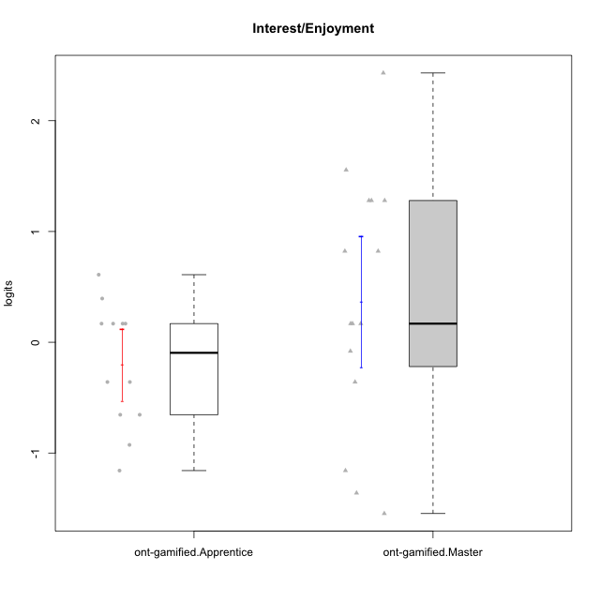

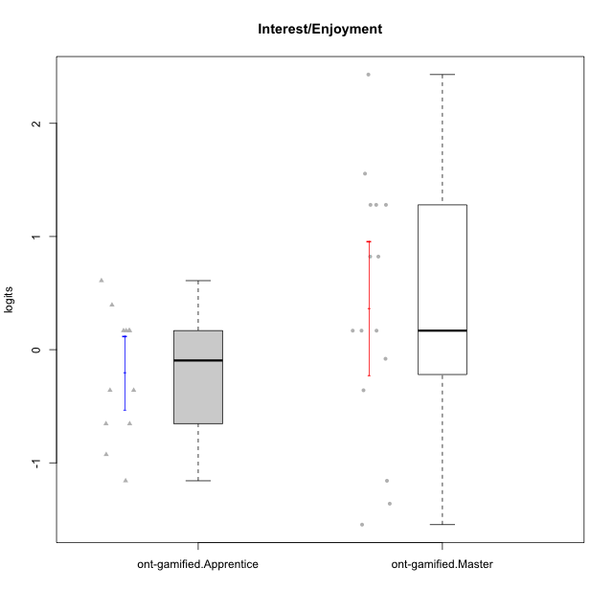

Student's t-Test data
UserID | NroUSP | Type | CLGroup | CLRole | PlayerRole | theta | error | WLE.rel
10169 | 10377538 | ont-gamified | Grupo Hefesto | Master | Yee Achiever | 0.82244907616 | 0.48445436102 | 0.79532803071
10170 | 10260351 | ont-gamified | Grupo Afrodite | Apprentice | Yee Achiever | 0.16813938858 | 0.4914511555 | 0.79532803071
10174 | 10276852 | ont-gamified | Grupo Urano | Master | Yee Achiever | 0.16813938858 | 0.4914511555 | 0.79532803071
10175 | 10310700 | ont-gamified | Grupo Hélio | Master | Yee Socializer | 1.2795930062 | 0.52694917712 | 0.79532803071
10176 | 10276949 | ont-gamified | Grupo Cronus | Apprentice | Yee Achiever | -0.35881401587 | 0.51409252015 | 0.79532803071
10178 | 8656201 | ont-gamified | Grupo Morfeu | Apprentice | Yee Socializer | 0.39489127659 | 0.48227608648 | 0.79532803071
10183 | 10352030 | ont-gamified | Grupo Hélio | Apprentice | Yee Socializer | -0.6543326517 | 0.50927995113 | 0.79532803071
10184 | 10276675 | ont-gamified | Grupo Apolo | Master | Yee Socializer | 0.16813938858 | 0.4914511555 | 0.79532803071
10186 | 10310551 | ont-gamified | Grupo Ares | Apprentice | Yee Achiever | 0.16813938858 | 0.4914511555 | 0.79532803071
10189 | 9363926 | ont-gamified | Grupo Hades | Master | Yee Socializer | -1.1584042109 | 0.46868279509 | 0.79532803071
10190 | 10276907 | ont-gamified | Grupo Zeus | Apprentice | Yee Socializer | 0.16813938858 | 0.4914511555 | 0.79532803071
10193 | 10276762 | ont-gamified | Grupo Afrodite | Master | Yee Achiever | -0.080388487473 | 0.50435808613 | 0.79532803071
10195 | 10351971 | ont-gamified | Grupo Urano | Apprentice | Yee Achiever | 0.60997369748 | 0.47945980689 | 0.79532803071
10196 | 10310655 | ont-gamified | Grupo Hefesto | Apprentice | Yee Achiever | -0.6543326517 | 0.50927995113 | 0.79532803071
10197 | 10276661 | ont-gamified | Grupo Gaia | Apprentice | Yee Achiever | 0.16813938858 | 0.4914511555 | 0.79532803071
10199 | 10276737 | ont-gamified | Grupo Gaia | Master | Yee Achiever | -1.3607329887 | 0.45264088728 | 0.79532803071
10201 | 10276928 | ont-gamified | Grupo Caronte | Master | Yee Achiever | 1.2795930062 | 0.52694917712 | 0.79532803071
10204 | 10310471 | ont-gamified | Grupo Hermes | Master | Yee Achiever | 2.4308781157 | 0.83883414441 | 0.79532803071
10206 | 10310721 | ont-gamified | Grupo Hera | Master | Yee Achiever | -0.35881401587 | 0.51409252015 | 0.79532803071
10209 | 10262669 | ont-gamified | Grupo Artemis | Apprentice | Yee Achiever | -1.1584042109 | 0.46868279509 | 0.79532803071
10213 | 10277040 | ont-gamified | Grupo Morfeu | Master | Yee Socializer | 1.5553167567 | 0.57520410123 | 0.79532803071
10215 | 9285227 | ont-gamified | Grupo Zeus | Master | Yee Socializer | 0.16813938858 | 0.4914511555 | 0.79532803071
10218 | 9842913 | ont-gamified | Grupo Ares | Master | Yee Achiever | -1.5460174619 | 0.44344532049 | 0.79532803071
10221 | 9082496 | ont-gamified | Grupo Hermes | Apprentice | Yee Achiever | -0.35881401587 | 0.51409252015 | 0.79532803071
10223 | 9795185 | ont-gamified | Grupo Cronus | Master | Yee Achiever | 1.2795930062 | 0.52694917712 | 0.79532803071
10232 | 10276974 | ont-gamified | Grupo Artemis | Master | Yee Achiever | 0.82244907616 | 0.48445436102 | 0.79532803071
10240 | 10276654 | ont-gamified | Grupo Hera | Apprentice | Yee Achiever | -0.92641242516 | 0.48993701124 | 0.79532803071

