Global-info
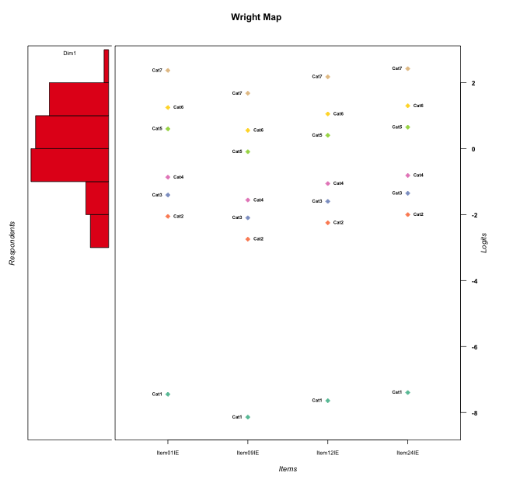
Global information for a measurement model

Information
Number.of.items | Deviance | Log.Likelihood | Number.of.persons | EAP.rel | n.theta.nodes | irt.model
4 | 691.01157786 | -345.50578893 | 56 | 0.81111916432 | 21 | RSM

Global fit statistic MADaQ3 and test fit
MADaQ3 | maxaQ3 | p
0.18382750892 | 0.32024489861 | 0.11838795895

Test statistic of global fit based on Chi square
maxX2 | Npairs | p.holm
401.22500919 | 6 | 0

Model fit statistics
X100.MADCOV | SRMR | SRMSR
15.081334651 | 0.10834929265 | 0.13176674575

Chi square tests for every item pairs
index1 | index2 | maxK1 | maxK2 | df | chi2 | p | p.holm
1 | 2 | 7 | 7 | 49 | 28.517863376 | 0.99152378213 | 1
1 | 3 | 7 | 7 | 49 | 30.746755743 | 0.98081597841 | 1
1 | 4 | 7 | 7 | 49 | 401.22500919 | 0 | 0
2 | 3 | 7 | 7 | 49 | 29.605416997 | 0.98716178505 | 1
2 | 4 | 7 | 7 | 49 | 252.10965774 | 0 | 0
3 | 4 | 7 | 7 | 49 | 227.4306829 | 0 | 0

Item residuals
Item01IE | Item09IE | Item12IE | Item24IE
-1.1274780087 | 0.17438621219 | 0.66821514693 | 0.92755656706
0.4899230181 | -0.22768593917 | 0.29334968276 | -0.4580200729
0.44085823824 | -0.16521922159 | 0.25227000448 | 0.49326618177
1.0819304746 | 0.36296938014 | -0.12266641253 | -0.86355955351
-0.5100769819 | -0.22768593917 | -0.70665031724 | 1.5419799271
0.44085823824 | -0.16521922159 | 0.25227000448 | 0.49326618177
0.89000586011 | 0.19746084495 | -0.30113785003 | -1.0584205795
0.28746259797 | -0.43664233139 | 0.086120907623 | 0.3407806607
0.29966016602 | -0.39326561855 | -0.90074037601 | 0.3550599999
0.89000586011 | 0.19746084495 | 0.69886214997 | -2.0584205795
1.0926046544 | -0.59429875781 | -0.10105235231 | -0.85442944168
0.4899230181 | -0.22768593917 | 0.29334968276 | -0.4580200729
0.092604654369 | -0.59429875781 | -0.10105235231 | 0.14557055832
-1.5100769819 | 0.77231406083 | -0.70665031724 | 1.5419799271
0.092604654369 | -0.59429875781 | -0.10105235231 | 0.14557055832
-1.4886689798 | -0.20020000698 | -0.69898279972 | 1.569744767
-0.5100769819 | -0.22768593917 | 0.29334968276 | 0.5419799271
-1.341667467 | -0.0018113377908 | 0.45916177858 | 1.7127721683
-1.7769094939 | 0.68486837138 | 1.0506908082 | 1.2718196405
-0.30997303884 | -0.014951912031 | 0.4974851708 | -0.25864151251
0.081930474551 | 0.36296938014 | -0.12266641253 | 0.13644044649
0.092604654369 | -0.59429875781 | -0.10105235231 | 0.14557055832
-0.5100769819 | 0.77231406083 | -0.70665031724 | 0.5419799271
0.72642168343 | -0.013456850542 | 0.50520811084 | -2.212293349
0.007496093092 | -0.4518953897 | 0.85652173043 | 1.0508730616
-0.55914176176 | 0.83478077841 | 1.2522700045 | -0.50673381823
0.092604654369 | -0.59429875781 | -0.10105235231 | 0.14557055832
1.8725219913 | 1.1743862122 | 1.6682151469 | -4.0724434329
-0.20240578105 | 0.42395373403 | 0.67210877192 | 0.83419360184
-0.10999413989 | 1.197460845 | -0.30113785003 | -1.0584205795
0.22309050608 | -0.31513162862 | 1.0506908082 | 0.27181964049
0.51133102019 | -1.200200007 | -0.69898279972 | 0.569744767
-0.10999413989 | 0.19746084495 | -0.30113785003 | -0.058420579502
1.2230905061 | 0.68486837138 | -0.94930919178 | 0.27181964049
-0.55914176176 | -0.16521922159 | 0.25227000448 | 1.4932661818
1.2230905061 | -0.31513162862 | -0.94930919178 | 1.2718196405
0.94442745817 | 0.17110344209 | -0.28635032085 | -1.9922445558
-0.5100769819 | 1.7723140608 | -0.70665031724 | -0.4580200729
-0.10999413989 | 2.197460845 | 0.69886214997 | -3.0584205795
-0.48866897981 | 0.79979999302 | 0.30101720028 | -1.430255233
0.94442745817 | -0.82889655791 | -0.28635032085 | -0.99224455575
0.29966016602 | -0.39326561855 | 0.099259623989 | -0.6449400001
-1.1274780087 | 1.1743862122 | -1.3317848531 | 1.9275565671
-0.10999413989 | 0.19746084495 | -0.30113785003 | -0.058420579502
0.44085823824 | -0.16521922159 | 0.25227000448 | 0.49326618177
0.007496093092 | 0.5481046103 | 0.85652173043 | 0.050873061608
-1.700339834 | -0.39326561855 | 0.099259623989 | 1.3550599999
-1.2056170011 | -1.0315404525 | 0.5728565092 | -0.14904787548
0.092604654369 | -0.59429875781 | 0.89894764769 | -0.85442944168
-1.4077500807 | 0.75312418856 | -1.6414087855 | 0.65309520772
0.87252199134 | -1.8256137878 | -0.33178485307 | 1.9275565671
-0.83556498129 | 0.35837279068 | -1.0726870386 | 0.22853382801
-0.40775008075 | -0.24687581144 | -0.64140878546 | -0.34690479228
1.6900269612 | -0.014951912031 | -0.5025148292 | -1.2586415125
0.29966016602 | -1.3932656186 | 0.099259623989 | 0.3550599999
0.29966016602 | -1.3932656186 | 0.099259623989 | 0.3550599999

Wright Map for Item Response Models

Estimate-Items
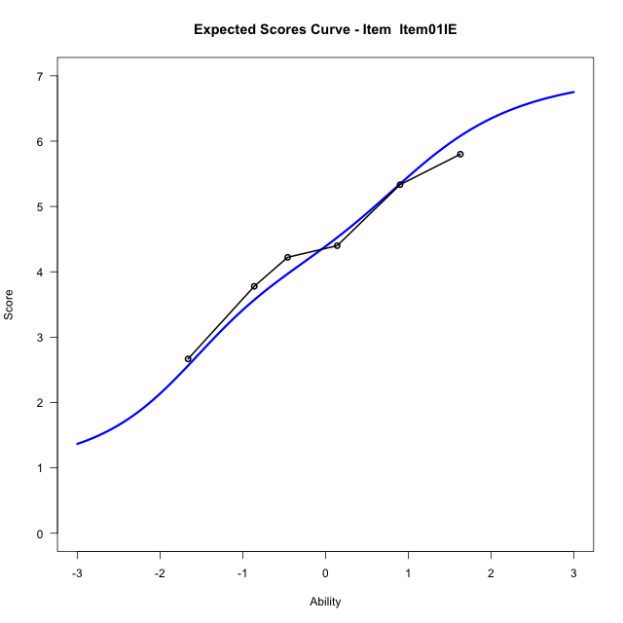
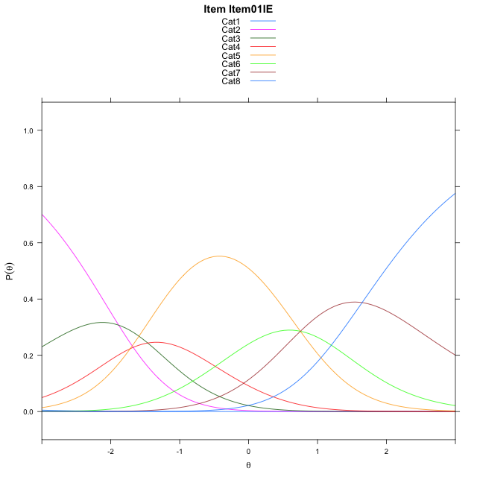
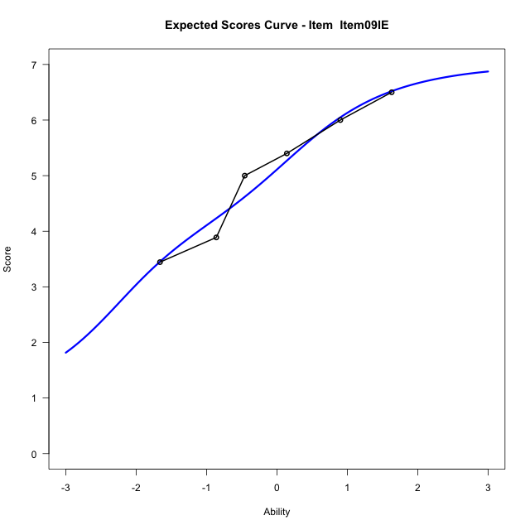
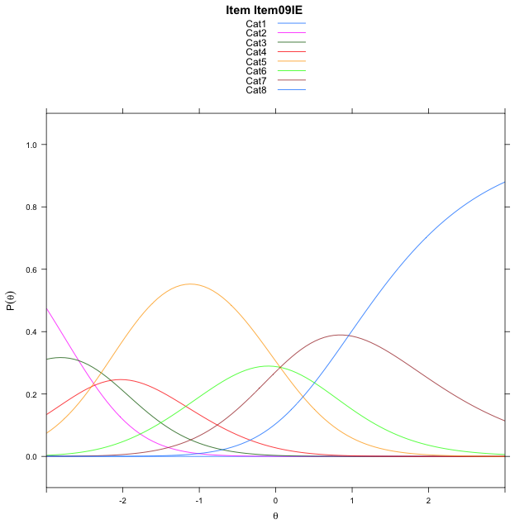
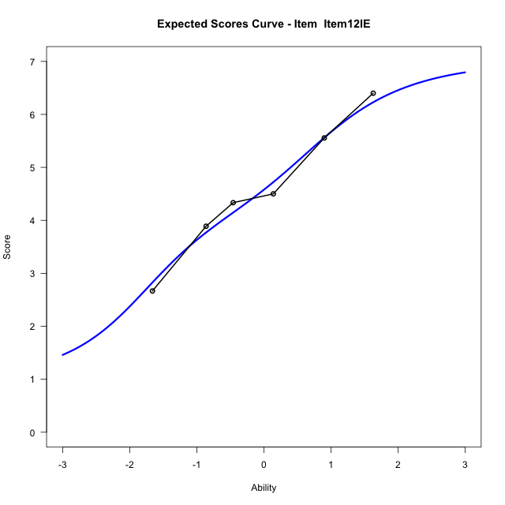
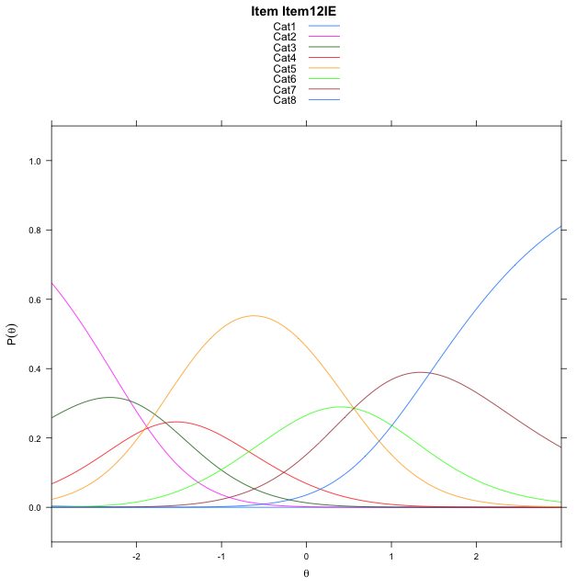
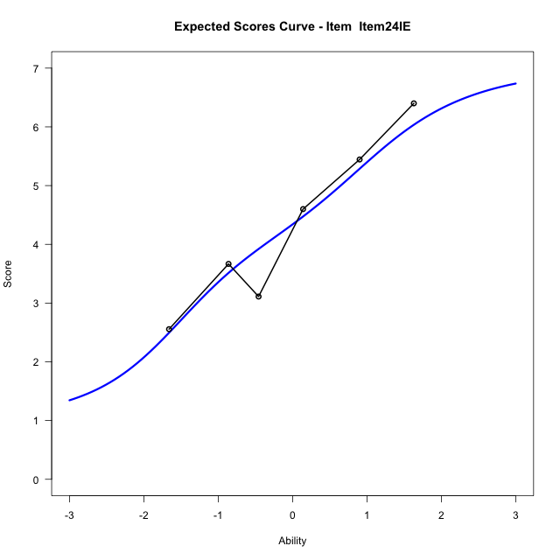
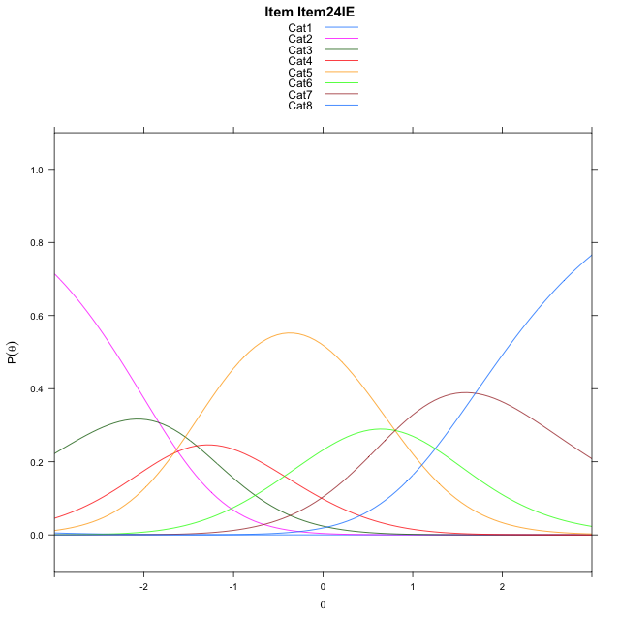
Estimate items information for the measurement model

Full Item Information
item | N | M | xsi.item | AXsi_.Cat1 | AXsi_.Cat2 | AXsi_.Cat3 | AXsi_.Cat4 | AXsi_.Cat5 | AXsi_.Cat6 | AXsi_.Cat7 | B.Cat1.Dim1 | B.Cat2.Dim1 | B.Cat3.Dim1 | B.Cat4.Dim1 | B.Cat5.Dim1 | B.Cat6.Dim1 | B.Cat7.Dim1
Item01IE | 56 | 4.3928571429 | -1.4101149228 | -7.9529602838 | -9.838253404 | -11.30254024 | -13.020559873 | -12.27009438 | -11.518278288 | -9.8708044595 | 1 | 2 | 3 | 4 | 5 | 6 | 7
Item09IE | 56 | 5.0714285714 | -2.1026461243 | -8.6454914853 | -11.223315807 | -13.380133845 | -15.790684679 | -15.732750388 | -15.673465498 | -14.71852287 | 1 | 2 | 3 | 4 | 5 | 6 | 7
Item12IE | 56 | 4.5892857143 | -1.6044053856 | -8.1472507465 | -10.22683433 | -11.885411629 | -13.797721724 | -13.241546694 | -12.684021065 | -11.230837699 | 1 | 2 | 3 | 4 | 5 | 6 | 7
Item24IE | 56 | 4.3392857143 | -1.3579259741 | -7.9007713351 | -9.7338755067 | -11.145973394 | -12.811804079 | -12.009149637 | -11.205144597 | -9.505481819 | 1 | 2 | 3 | 4 | 5 | 6 | 7

Thurstonian Thresholds (category-wise)
 | Cat1 | Cat2 | Cat3 | Cat4 | Cat5 | Cat6 | Cat7
Item01IE | -7.955657959 | -2.3678283691 | -1.6542663574 | -1.1472473145 | 0.3049621582 | 0.96615600586 | 1.9721374512
Item09IE | -8.6483459473 | -3.060333252 | -2.3467712402 | -1.8397521973 | -0.38754272461 | 0.27365112305 | 1.2796325684
Item12IE | -8.1501159668 | -2.5621032715 | -1.8485412598 | -1.3417053223 | 0.11068725586 | 0.77169799805 | 1.7776794434
Item24IE | -7.9034729004 | -2.3154602051 | -1.6018981934 | -1.0948791504 | 0.35733032227 | 1.0183410645 | 2.0245056152

Thurstonian Thresholds (item-wise)
 | Threshold
Item01IE | -0.90512528031
Item09IE | -1.6009399303
Item12IE | -1.1111949943
Item24IE | -0.85310852047

Item Infit/Outfit Statistic
parameter | Outfit | Outfit_t | Outfit_p | Outfit_pholm | Infit | Infit_t | Infit_p | Infit_pholm
Item01IE | 0.91859231975 | -0.410261548 | 0.68161409581 | 1 | 0.91114633929 | -0.45852142114 | 0.64657787631 | 0.64657787631
Item09IE | 0.7936137408 | -1.0834171745 | 0.27862329591 | 1 | 0.78939523827 | -1.1561833615 | 0.24760616402 | 0.49521232804
Item12IE | 0.66262719972 | -1.9360221967 | 0.052864982461 | 0.47578484215 | 0.65351249531 | -2.0590228257 | 0.039492051919 | 0.11847615576
Item24IE | 1.5938693043 | 2.6440918509 | 0.0081910425542 | 0.081910425542 | 1.5979035628 | 2.7397563831 | 0.0061484739549 | 0.02459389582
Cat1 | 1.2475183122 | 1.5738387486 | 0.11552473337 | 0.92419786693 | 1.4652716175 | 2.9354850734 | 0.0033302663339 | 0.01665133167
Cat2 | 1.85448619 | 0.96112148836 | 0.33649108639 | 1 | 1.7006240958 | 4.6254047108 | 3.7386766055E-06 | 2.9909412844E-05
Cat3 | 1.5771703857 | 0.90208039703 | 0.36701416138 | 1 | 1.4855193256 | 3.9438786883 | 8.0174226438E-05 | 0.00056121958506
Cat4 | 1.330869264 | 0.82932897149 | 0.40691828141 | 1 | 1.2977546922 | 3.3497747287 | 0.00080877307222 | 0.0048526384333
Cat5 | 1.4286261021 | 0.8014382423 | 0.42287798337 | 1 | 1.5340823424 | 8.5856094455 | 9.035613751E-18 | 9.035613751E-17
Cat6 | 1.2374636819 | 1.2467942403 | 0.21247295296 | 1 | 1.7152499655 | 6.1194478822 | 9.3900135141E-10 | 8.4510121627E-09

Box plot of expected curves

