Assumptions
ANOVA assumptions for Intrinsic Motivation

Shapiro-Wilk normality test for Intrinsic Motivation
W | p.value
0.97655139163 | 0.53220052309

Plots for normality test
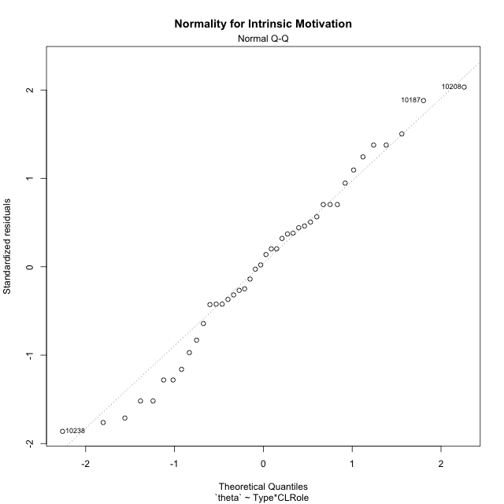

Levene's Test for Homogeneity of Variance in Intrinsic Motivation
Df | F value | Pr(>F)
3 | 2.0035082253 | 0.12983885063
38

Plots for homogeneity of variance
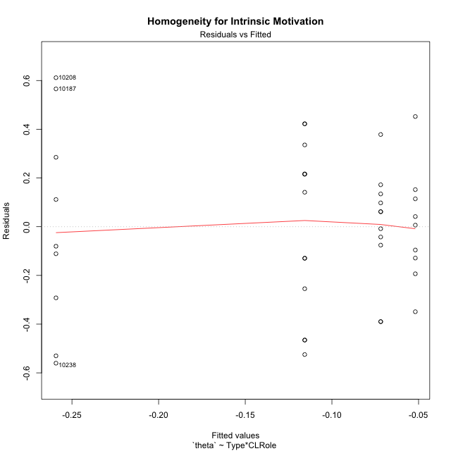

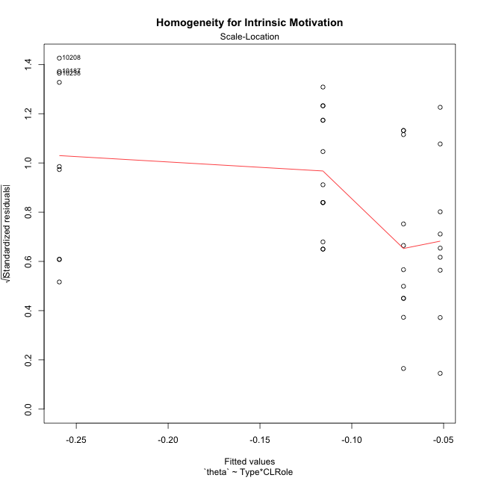

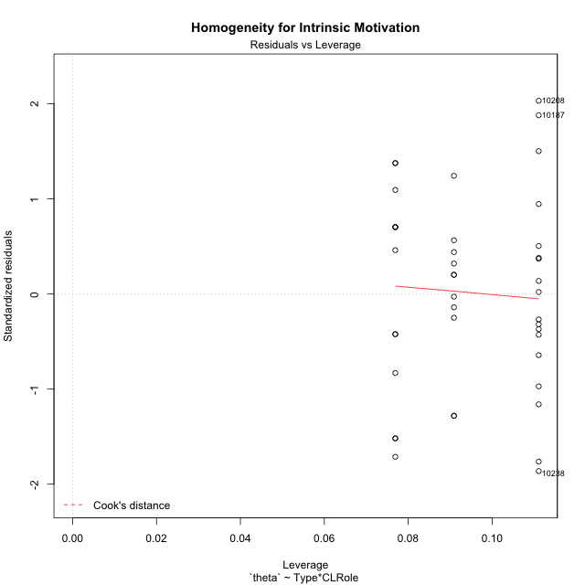

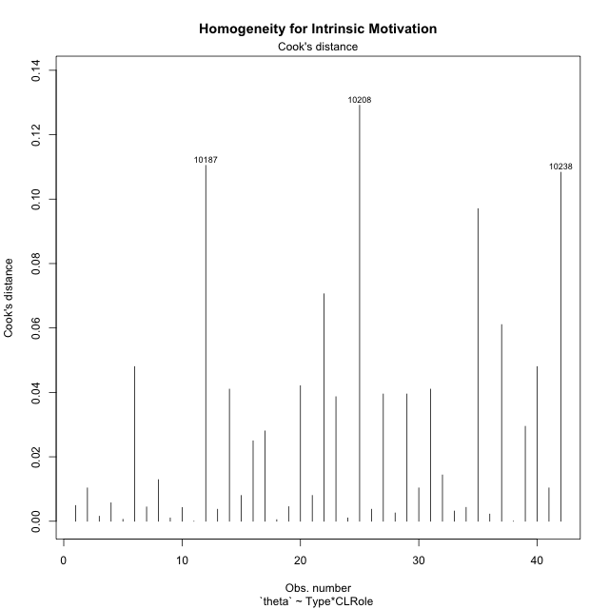

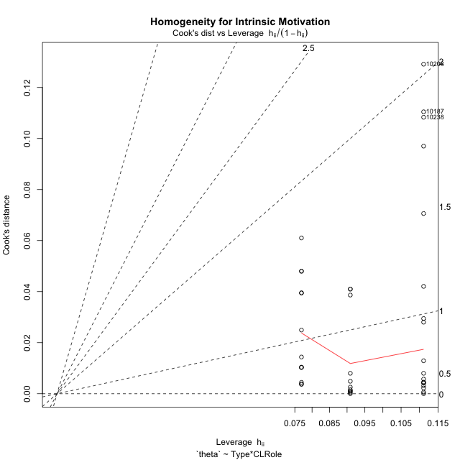

Minimum Sample Size Test for Intrinsic Motivation
Type | CLRole | Freq
non-gamified | Apprentice | 9
ont-gamified | Apprentice | 9
non-gamified | Master | 13
ont-gamified | Master | 11

Errors and Warnings in Sample Size Test for ANOVA in Intrinsic Motivation
code | description
WARN: sample.size | current.size is = 9 and recommended.size must be = 15 for the group: 'non-gamified:Apprentice'. Size sample for parametric test isn't recomended
WARN: sample.size | current.size is = 9 and recommended.size must be = 15 for the group: 'ont-gamified:Apprentice'. Size sample for parametric test isn't recomended
WARN: sample.size | current.size is = 13 and recommended.size must be = 15 for the group: 'non-gamified:Master'. Size sample for parametric test isn't recomended
WARN: sample.size | current.size is = 11 and recommended.size must be = 15 for the group: 'ont-gamified:Master'. Size sample for parametric test isn't recomended

For the group: 'non-gamified:Apprentice', we recommend the use of non parametric test. For the group: 'ont-gamified:Apprentice', we recommend the use of non parametric test. For the group: 'non-gamified:Master', we recommend the use of non parametric test. For the group: 'ont-gamified:Master', we recommend the use of non parametric test.

If you don't want to remove non-normal data, you must cite the following references: ... (1) Lix, L.M., J.C. Keselman, and H.J. Keselman. 1996. Consequences of assumption violations revisited: A quantitative review of alternatives to the one-way analysis of variance F test. Rev. Educ. Res. 66: 579-619. ... (2) Harwell, M.R., E.N. Rubinstein, W.S. Hayes, and C.C. Olds. 1992. Summarizing Monte Carlo results in methodological research: the one- and two-factor fixed effects ANOVA cases. J. Educ. Stat. 17: 315-339.

Post-hoc
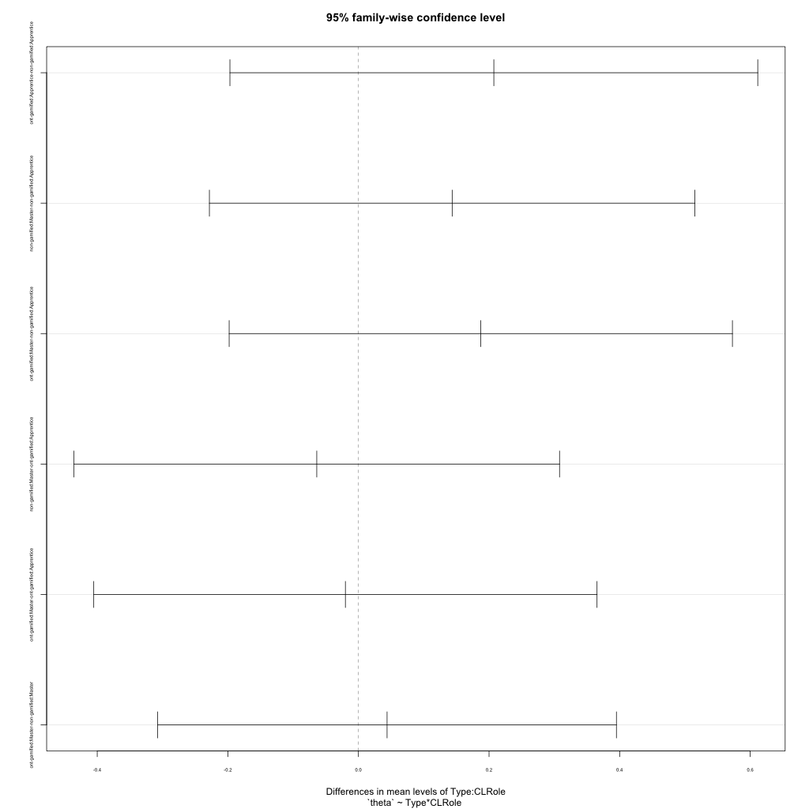
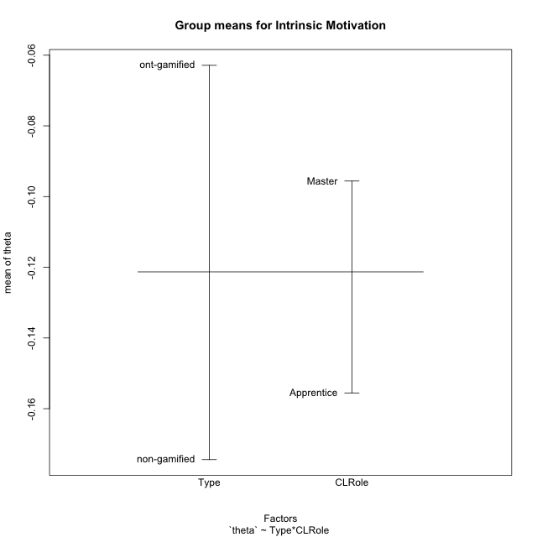
Post-hoc Tukey Honestly Significant Difference (HSD) Test for Intrinsic Motivation

Comparisons of means for Type
 | diff | lwr | upr | p adj
ont-gamified-non-gamified | 0.11154626129 | -0.08805154927 | 0.31114407185 | 0.26500022221

Comparisons of means for CLRole
 | diff | lwr | upr | p adj
Master-Apprentice | 0.064596663791 | -0.13684079682 | 0.2660341244 | 0.52012691984

Comparisons of means for Type:CLRole
 | diff | lwr | upr | p adj
ont-gamified:Apprentice-non-gamified:Apprentice | 0.20734663067 | -0.19680000429 | 0.61149326563 | 0.5203635892
non-gamified:Master-non-gamified:Apprentice | 0.14352895446 | -0.22823187933 | 0.51528978825 | 0.72888888762
ont-gamified:Master-non-gamified:Apprentice | 0.18736880271 | -0.1979698943 | 0.57270749971 | 0.56471106966
non-gamified:Master-ont-gamified:Apprentice | -0.063817676211 | -0.43557851 | 0.30794315758 | 0.96701045751
ont-gamified:Master-ont-gamified:Apprentice | -0.019977827962 | -0.40531652496 | 0.36536086904 | 0.99901827535
ont-gamified:Master-non-gamified:Master | 0.043839848249 | -0.30738305305 | 0.39506274955 | 0.98680222565

Contrast Matrices for Intrinsic Motivation
contrast | CLRole | estimate | SE | df | t.ratio | p.value
non-gamified - ont-gamified | Apprentice | -0.20734663067 | 0.15043750866 | 38 | -1.3782907768 | 0.17617512998
non-gamified - ont-gamified | Master | -0.043839848249 | 0.1307374445 | 38 | -0.33532740691 | 0.73922237416

Least Squares Means and Confidence Intervals
Type | CLRole | lsmean | SE | df | lower.CL | upper.CL
non-gamified | Apprentice | -0.25922273818 | 0.10637538252 | 38 | -0.47456844173 | -0.043877034622
ont-gamified | Apprentice | -0.051876107509 | 0.10637538252 | 38 | -0.26722181106 | 0.16346959605
non-gamified | Master | -0.11569378372 | 0.088509668335 | 38 | -0.29487223975 | 0.063484672308
ont-gamified | Master | -0.071853935471 | 0.09622015384 | 38 | -0.26664145335 | 0.12293358241

Plots

Type_1
Student's t-Test for Intrinsic Motivation in Type between non-gamified:ont-gamified

Student's t-Test results
Alternative hypothesis: less
Group | N | Mean | Mean.Difference | Std.deviation | Std.error | CI.lower | CI.upper | df | t.value | p.value | g | magnitude
non-gamified | 22 | -0.17441017418 | -0.11154626129 | 0.38001796428 | 0.081020102212 | -0.3364503786 | -0.012369969756 | 34.497562211 | -1.1718259378 | 0.12464832654 | -0.34688744313 | small
ont-gamified | 20 | -0.062863912888 | 0.11154626129 | 0.22346827745 | 0.049969025919 | -0.16280196473 | 0.037074138951 | 34.497562211 | -1.1718259378 | 0.12464832654 | -0.34688744313 | small
Alternative hypothesis: greater
Group | N | Mean | Mean.Difference | Std.deviation | Std.error | CI.lower | CI.upper | df | t.value | p.value | g | magnitude
non-gamified | 22 | -0.17441017418 | -0.11154626129 | 0.38001796428 | 0.081020102212 | -0.3364503786 | -0.012369969756 | 34.497562211 | -1.1718259378 | 0.87535167346 | -0.34688744313 | small
ont-gamified | 20 | -0.062863912888 | 0.11154626129 | 0.22346827745 | 0.049969025919 | -0.16280196473 | 0.037074138951 | 34.497562211 | -1.1718259378 | 0.87535167346 | -0.34688744313 | small
Alternative hypothesis: two.sided
Group | N | Mean | Mean.Difference | Std.deviation | Std.error | CI.lower | CI.upper | df | t.value | p.value | g | magnitude
non-gamified | 22 | -0.17441017418 | -0.11154626129 | 0.38001796428 | 0.081020102212 | -0.3364503786 | -0.012369969756 | 34.497562211 | -1.1718259378 | 0.24929665309 | -0.34688744313 | small
ont-gamified | 20 | -0.062863912888 | 0.11154626129 | 0.22346827745 | 0.049969025919 | -0.16280196473 | 0.037074138951 | 34.497562211 | -1.1718259378 | 0.24929665309 | -0.34688744313 | small

Box plots for Student's t-Test
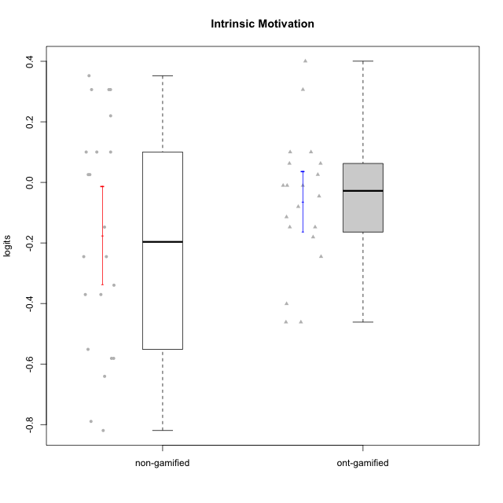

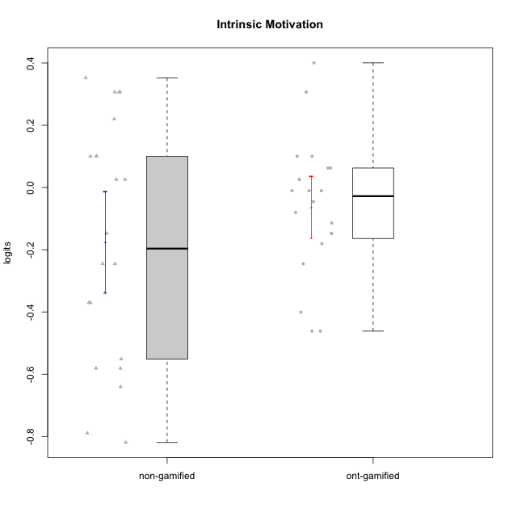

Student's t-Test data
UserID | NroUSP | Type | CLGroup | CLRole | PlayerRole | theta | error | WLE.rel
10169 | 10377538 | ont-gamified | Grupo Hefesto | Master | Yee Achiever | 0.062575762076 | 0.19483289178 | 0.84657342077
10172 | 10273971 | non-gamified | Grupo Team 1 | Master |  | 0.10029283693 | 0.1973586501 | 0.84657342077
10174 | 10276852 | ont-gamified | Grupo Urano | Master | Yee Achiever | -0.14761792984 | 0.18367814161 | 0.84657342077
10176 | 10276949 | ont-gamified | Grupo Cronus | Apprentice | Yee Achiever | -0.18058836809 | 0.18233694995 | 0.84657342077
10178 | 8656201 | ont-gamified | Grupo Morfeu | Apprentice | Yee Socializer | -0.010251073065 | 0.19042915599 | 0.84657342077
10179 | 10310759 | non-gamified | Grupo Team 9 | Master |  | -0.58114393945 | 0.17365652812 | 0.84657342077
10181 | 10276866 | non-gamified | Grupo Team 10 | Master |  | 0.025757254694 | 0.19253075637 | 0.84657342077
10183 | 10352030 | ont-gamified | Grupo Hélio | Apprentice | Yee Socializer | -0.24522198827 | 0.18000064936 | 0.84657342077
10184 | 10276675 | ont-gamified | Grupo Apolo | Master | Yee Socializer | -0.010251073065 | 0.19042915599 | 0.84657342077
10185 | 10276960 | non-gamified | Grupo Team 12 | Apprentice |  | -0.37033284907 | 0.17652795255 | 0.84657342077
10186 | 10310551 | ont-gamified | Grupo Ares | Apprentice | Yee Achiever | -0.045527180262 | 0.18850863524 | 0.84657342077
10187 | 9790781 | non-gamified | Grupo Team 15 | Apprentice |  | 0.30650451635 | 0.21448699414 | 0.84657342077
10188 | 10276995 | non-gamified | Grupo Team 3 | Master |  | -0.24522198827 | 0.18000064936 | 0.84657342077
10189 | 9363926 | ont-gamified | Grupo Hades | Master | Yee Socializer | -0.46155569747 | 0.17483240116 | 0.84657342077
10190 | 10276907 | ont-gamified | Grupo Zeus | Apprentice | Yee Socializer | 0.10029283693 | 0.1973586501 | 0.84657342077
10191 | 10276981 | non-gamified | Grupo Team 6 | Master |  | 0.21992563971 | 0.20657385625 | 0.84657342077
10192 | 10276682 | non-gamified | Grupo Team 5 | Apprentice |  | 0.025757254694 | 0.19253075637 | 0.84657342077
10193 | 10276762 | ont-gamified | Grupo Afrodite | Master | Yee Achiever | -0.11415196535 | 0.18514645818 | 0.84657342077
10195 | 10351971 | ont-gamified | Grupo Urano | Apprentice | Yee Achiever | 0.062575762076 | 0.19483289178 | 0.84657342077
10196 | 10310655 | ont-gamified | Grupo Hefesto | Apprentice | Yee Achiever | -0.40093977182 | 0.17588163875 | 0.84657342077
10199 | 10276737 | ont-gamified | Grupo Gaia | Master | Yee Achiever | 0.10029283693 | 0.1973586501 | 0.84657342077
10200 | 9795272 | ont-gamified | Grupo Hades | Apprentice | Yee Socializer | 0.40039274476 | 0.22437195971 | 0.84657342077
10201 | 10276928 | ont-gamified | Grupo Caronte | Master | Yee Achiever | 0.30650451635 | 0.21448699414 | 0.84657342077
10206 | 10310721 | ont-gamified | Grupo Hera | Master | Yee Achiever | -0.010251073065 | 0.19042915599 | 0.84657342077
10208 | 10276932 | non-gamified | Grupo Team 7 | Apprentice |  | 0.35240735039 | 0.21914334589 | 0.84657342077
10211 | 9311643 | non-gamified | Grupo Team 2 | Master |  | -0.24522198827 | 0.18000064936 | 0.84657342077
10212 | 9065750 | non-gamified | Grupo Team 4 | Master |  | 0.30650451635 | 0.21448699414 | 0.84657342077
10213 | 10277040 | ont-gamified | Grupo Morfeu | Master | Yee Socializer | 0.025757254694 | 0.19253075637 | 0.84657342077
10216 | 10276720 | non-gamified | Grupo Team 15 | Master |  | 0.30650451635 | 0.21448699414 | 0.84657342077
10217 | 9805341 | non-gamified | Grupo Team 13 | Master |  | 0.10029283693 | 0.1973586501 | 0.84657342077
10218 | 9842913 | ont-gamified | Grupo Ares | Master | Yee Achiever | -0.46155569747 | 0.17483240116 | 0.84657342077
10219 | 10276831 | non-gamified | Grupo Team 12 | Master |  | -0.37033284907 | 0.17652795255 | 0.84657342077
10221 | 9082496 | ont-gamified | Grupo Hermes | Apprentice | Yee Achiever | -0.14761792984 | 0.18367814161 | 0.84657342077
10224 | 9368772 | non-gamified | Grupo Team 10 | Apprentice |  | -0.14761792984 | 0.18367814161 | 0.84657342077
10227 | 9274382 | non-gamified | Grupo Team 4 | Apprentice |  | -0.78939523748 | 0.1744878586 | 0.84657342077
10228 | 10310492 | non-gamified | Grupo Team 14 | Apprentice |  | -0.33948860047 | 0.17725913479 | 0.84657342077
10230 | 10351992 | non-gamified | Grupo Team 14 | Master |  | -0.64052492173 | 0.1735158596 | 0.84657342077
10232 | 10276974 | ont-gamified | Grupo Artemis | Master | Yee Achiever | -0.080140223961 | 0.1867525134 | 0.84657342077
10233 | 9805320 | non-gamified | Grupo Team 16 | Apprentice |  | -0.55138787992 | 0.17383808597 | 0.84657342077
10234 | 10310676 | non-gamified | Grupo Team 7 | Master |  | -0.58114393945 | 0.17365652812 | 0.84657342077
10237 | 10377688 | non-gamified | Grupo Team 11 | Master |  | 0.10029283693 | 0.1973586501 | 0.84657342077
10238 | 10276953 | non-gamified | Grupo Team 13 | Apprentice |  | -0.81945126824 | 0.17491976425 | 0.84657342077

Type_CLRole_1
Student's t-Test for Intrinsic Motivation in Type:CLRole between non-gamified.Apprentice:non-gamified.Master

Student's t-Test results
Alternative hypothesis: less
Group | N | Mean | Mean.Difference | Std.deviation | Std.error | CI.lower | CI.upper | df | t.value | p.value | g | magnitude
non-gamified.Apprentice | 9 | -0.25922273818 | -0.14352895446 | 0.43111705801 | 0.143705686 | -0.54663411019 | 0.028188633833 | 14.766453272 | -0.83063364383 | 0.20970434366 | -0.36117444595 | small
non-gamified.Master | 13 | -0.11569378372 | 0.14352895446 | 0.34595686716 | 0.09595117105 | -0.30759612582 | 0.07620855838 | 14.766453272 | -0.83063364383 | 0.20970434366 | -0.36117444595 | small
Alternative hypothesis: greater
Group | N | Mean | Mean.Difference | Std.deviation | Std.error | CI.lower | CI.upper | df | t.value | p.value | g | magnitude
non-gamified.Apprentice | 9 | -0.25922273818 | -0.14352895446 | 0.43111705801 | 0.143705686 | -0.54663411019 | 0.028188633833 | 14.766453272 | -0.83063364383 | 0.79029565634 | -0.36117444595 | small
non-gamified.Master | 13 | -0.11569378372 | 0.14352895446 | 0.34595686716 | 0.09595117105 | -0.30759612582 | 0.07620855838 | 14.766453272 | -0.83063364383 | 0.79029565634 | -0.36117444595 | small
Alternative hypothesis: two.sided
Group | N | Mean | Mean.Difference | Std.deviation | Std.error | CI.lower | CI.upper | df | t.value | p.value | g | magnitude
non-gamified.Apprentice | 9 | -0.25922273818 | -0.14352895446 | 0.43111705801 | 0.143705686 | -0.54663411019 | 0.028188633833 | 14.766453272 | -0.83063364383 | 0.41940868732 | -0.36117444595 | small
non-gamified.Master | 13 | -0.11569378372 | 0.14352895446 | 0.34595686716 | 0.09595117105 | -0.30759612582 | 0.07620855838 | 14.766453272 | -0.83063364383 | 0.41940868732 | -0.36117444595 | small

Box plots for Student's t-Test
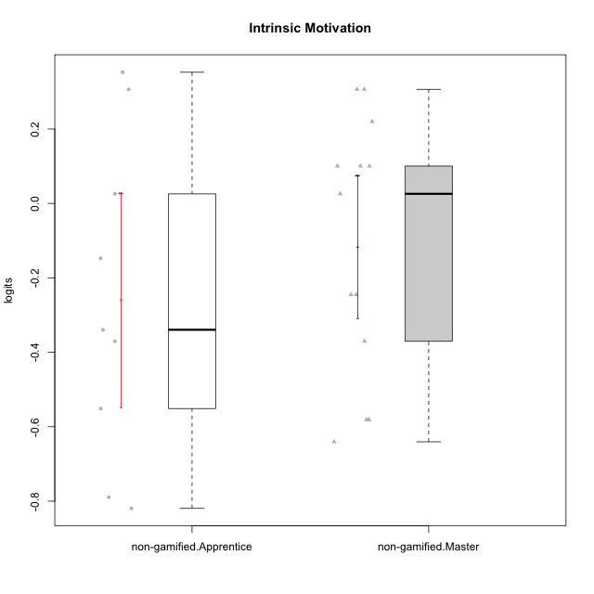

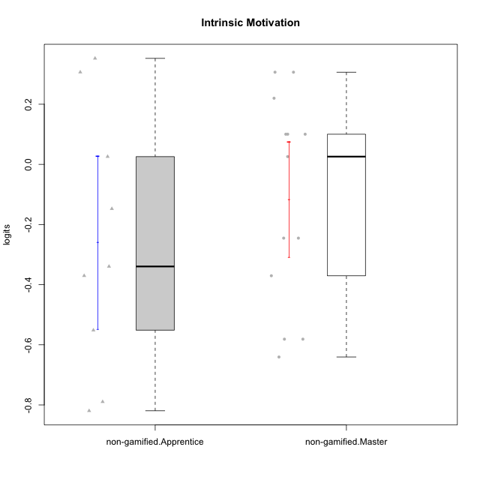

Student's t-Test data
UserID | NroUSP | Type | CLGroup | CLRole | PlayerRole | theta | error | WLE.rel
10172 | 10273971 | non-gamified | Grupo Team 1 | Master |  | 0.10029283693 | 0.1973586501 | 0.84657342077
10179 | 10310759 | non-gamified | Grupo Team 9 | Master |  | -0.58114393945 | 0.17365652812 | 0.84657342077
10181 | 10276866 | non-gamified | Grupo Team 10 | Master |  | 0.025757254694 | 0.19253075637 | 0.84657342077
10185 | 10276960 | non-gamified | Grupo Team 12 | Apprentice |  | -0.37033284907 | 0.17652795255 | 0.84657342077
10187 | 9790781 | non-gamified | Grupo Team 15 | Apprentice |  | 0.30650451635 | 0.21448699414 | 0.84657342077
10188 | 10276995 | non-gamified | Grupo Team 3 | Master |  | -0.24522198827 | 0.18000064936 | 0.84657342077
10191 | 10276981 | non-gamified | Grupo Team 6 | Master |  | 0.21992563971 | 0.20657385625 | 0.84657342077
10192 | 10276682 | non-gamified | Grupo Team 5 | Apprentice |  | 0.025757254694 | 0.19253075637 | 0.84657342077
10208 | 10276932 | non-gamified | Grupo Team 7 | Apprentice |  | 0.35240735039 | 0.21914334589 | 0.84657342077
10211 | 9311643 | non-gamified | Grupo Team 2 | Master |  | -0.24522198827 | 0.18000064936 | 0.84657342077
10212 | 9065750 | non-gamified | Grupo Team 4 | Master |  | 0.30650451635 | 0.21448699414 | 0.84657342077
10216 | 10276720 | non-gamified | Grupo Team 15 | Master |  | 0.30650451635 | 0.21448699414 | 0.84657342077
10217 | 9805341 | non-gamified | Grupo Team 13 | Master |  | 0.10029283693 | 0.1973586501 | 0.84657342077
10219 | 10276831 | non-gamified | Grupo Team 12 | Master |  | -0.37033284907 | 0.17652795255 | 0.84657342077
10224 | 9368772 | non-gamified | Grupo Team 10 | Apprentice |  | -0.14761792984 | 0.18367814161 | 0.84657342077
10227 | 9274382 | non-gamified | Grupo Team 4 | Apprentice |  | -0.78939523748 | 0.1744878586 | 0.84657342077
10228 | 10310492 | non-gamified | Grupo Team 14 | Apprentice |  | -0.33948860047 | 0.17725913479 | 0.84657342077
10230 | 10351992 | non-gamified | Grupo Team 14 | Master |  | -0.64052492173 | 0.1735158596 | 0.84657342077
10233 | 9805320 | non-gamified | Grupo Team 16 | Apprentice |  | -0.55138787992 | 0.17383808597 | 0.84657342077
10234 | 10310676 | non-gamified | Grupo Team 7 | Master |  | -0.58114393945 | 0.17365652812 | 0.84657342077
10237 | 10377688 | non-gamified | Grupo Team 11 | Master |  | 0.10029283693 | 0.1973586501 | 0.84657342077
10238 | 10276953 | non-gamified | Grupo Team 13 | Apprentice |  | -0.81945126824 | 0.17491976425 | 0.84657342077

Type_CLRole_2
Student's t-Test for Intrinsic Motivation in Type:CLRole between non-gamified.Apprentice:ont-gamified.Apprentice

Student's t-Test results
Alternative hypothesis: less
Group | N | Mean | Mean.Difference | Std.deviation | Std.error | CI.lower | CI.upper | df | t.value | p.value | g | magnitude
non-gamified.Apprentice | 9 | -0.25922273818 | -0.20734663067 | 0.43111705801 | 0.143705686 | -0.54663411019 | 0.028188633833 | 12.249261476 | -1.2715789261 | 0.11356818729 | -0.57088386125 | medium
ont-gamified.Apprentice | 9 | -0.051876107509 | 0.20734663067 | 0.23117528499 | 0.077058428331 | -0.20599296417 | 0.10224074915 | 12.249261476 | -1.2715789261 | 0.11356818729 | -0.57088386125 | medium
Alternative hypothesis: greater
Group | N | Mean | Mean.Difference | Std.deviation | Std.error | CI.lower | CI.upper | df | t.value | p.value | g | magnitude
non-gamified.Apprentice | 9 | -0.25922273818 | -0.20734663067 | 0.43111705801 | 0.143705686 | -0.54663411019 | 0.028188633833 | 12.249261476 | -1.2715789261 | 0.88643181271 | -0.57088386125 | medium
ont-gamified.Apprentice | 9 | -0.051876107509 | 0.20734663067 | 0.23117528499 | 0.077058428331 | -0.20599296417 | 0.10224074915 | 12.249261476 | -1.2715789261 | 0.88643181271 | -0.57088386125 | medium
Alternative hypothesis: two.sided
Group | N | Mean | Mean.Difference | Std.deviation | Std.error | CI.lower | CI.upper | df | t.value | p.value | g | magnitude
non-gamified.Apprentice | 9 | -0.25922273818 | -0.20734663067 | 0.43111705801 | 0.143705686 | -0.54663411019 | 0.028188633833 | 12.249261476 | -1.2715789261 | 0.22713637457 | -0.57088386125 | medium
ont-gamified.Apprentice | 9 | -0.051876107509 | 0.20734663067 | 0.23117528499 | 0.077058428331 | -0.20599296417 | 0.10224074915 | 12.249261476 | -1.2715789261 | 0.22713637457 | -0.57088386125 | medium

Box plots for Student's t-Test
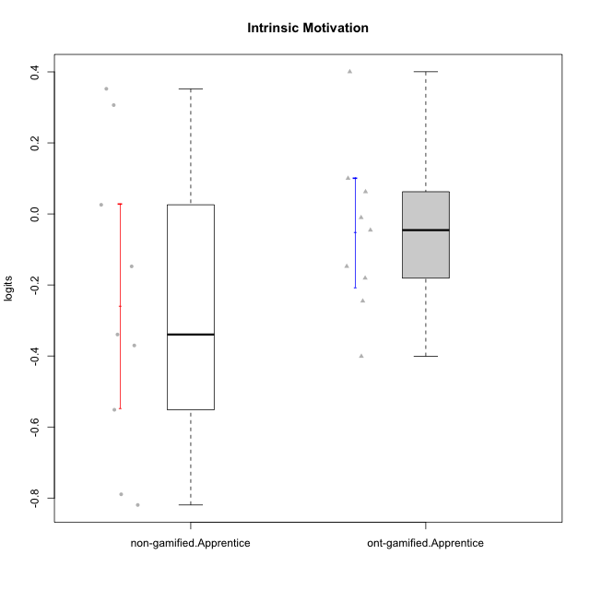

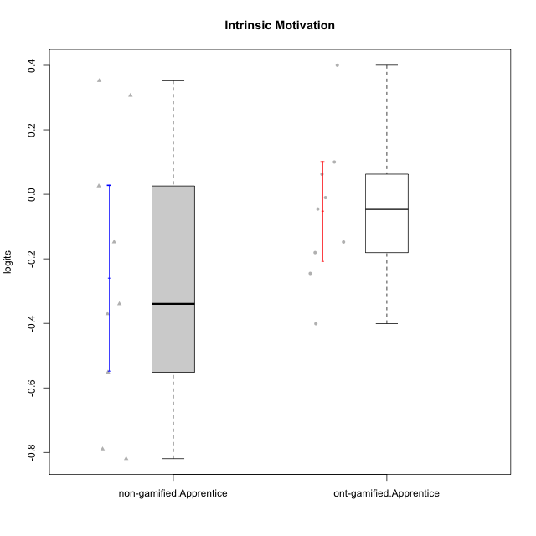

Student's t-Test data
UserID | NroUSP | Type | CLGroup | CLRole | PlayerRole | theta | error | WLE.rel
10176 | 10276949 | ont-gamified | Grupo Cronus | Apprentice | Yee Achiever | -0.18058836809 | 0.18233694995 | 0.84657342077
10178 | 8656201 | ont-gamified | Grupo Morfeu | Apprentice | Yee Socializer | -0.010251073065 | 0.19042915599 | 0.84657342077
10183 | 10352030 | ont-gamified | Grupo Hélio | Apprentice | Yee Socializer | -0.24522198827 | 0.18000064936 | 0.84657342077
10185 | 10276960 | non-gamified | Grupo Team 12 | Apprentice |  | -0.37033284907 | 0.17652795255 | 0.84657342077
10186 | 10310551 | ont-gamified | Grupo Ares | Apprentice | Yee Achiever | -0.045527180262 | 0.18850863524 | 0.84657342077
10187 | 9790781 | non-gamified | Grupo Team 15 | Apprentice |  | 0.30650451635 | 0.21448699414 | 0.84657342077
10190 | 10276907 | ont-gamified | Grupo Zeus | Apprentice | Yee Socializer | 0.10029283693 | 0.1973586501 | 0.84657342077
10192 | 10276682 | non-gamified | Grupo Team 5 | Apprentice |  | 0.025757254694 | 0.19253075637 | 0.84657342077
10195 | 10351971 | ont-gamified | Grupo Urano | Apprentice | Yee Achiever | 0.062575762076 | 0.19483289178 | 0.84657342077
10196 | 10310655 | ont-gamified | Grupo Hefesto | Apprentice | Yee Achiever | -0.40093977182 | 0.17588163875 | 0.84657342077
10200 | 9795272 | ont-gamified | Grupo Hades | Apprentice | Yee Socializer | 0.40039274476 | 0.22437195971 | 0.84657342077
10208 | 10276932 | non-gamified | Grupo Team 7 | Apprentice |  | 0.35240735039 | 0.21914334589 | 0.84657342077
10221 | 9082496 | ont-gamified | Grupo Hermes | Apprentice | Yee Achiever | -0.14761792984 | 0.18367814161 | 0.84657342077
10224 | 9368772 | non-gamified | Grupo Team 10 | Apprentice |  | -0.14761792984 | 0.18367814161 | 0.84657342077
10227 | 9274382 | non-gamified | Grupo Team 4 | Apprentice |  | -0.78939523748 | 0.1744878586 | 0.84657342077
10228 | 10310492 | non-gamified | Grupo Team 14 | Apprentice |  | -0.33948860047 | 0.17725913479 | 0.84657342077
10233 | 9805320 | non-gamified | Grupo Team 16 | Apprentice |  | -0.55138787992 | 0.17383808597 | 0.84657342077
10238 | 10276953 | non-gamified | Grupo Team 13 | Apprentice |  | -0.81945126824 | 0.17491976425 | 0.84657342077

Type_CLRole_3
Student's t-Test for Intrinsic Motivation in Type:CLRole between non-gamified.Apprentice:ont-gamified.Master

Student's t-Test results
Alternative hypothesis: less
Group | N | Mean | Mean.Difference | Std.deviation | Std.error | CI.lower | CI.upper | df | t.value | p.value | g | magnitude
non-gamified.Apprentice | 9 | -0.25922273818 | -0.18736880271 | 0.43111705801 | 0.143705686 | -0.54663411019 | 0.028188633833 | 11.591170173 | -1.1762971052 | 0.13153475209 | -0.53752198227 | medium
ont-gamified.Master | 11 | -0.071853935471 | 0.18736880271 | 0.22788410169 | 0.068709641907 | -0.20927321929 | 0.065565348344 | 11.591170173 | -1.1762971052 | 0.13153475209 | -0.53752198227 | medium
Alternative hypothesis: greater
Group | N | Mean | Mean.Difference | Std.deviation | Std.error | CI.lower | CI.upper | df | t.value | p.value | g | magnitude
non-gamified.Apprentice | 9 | -0.25922273818 | -0.18736880271 | 0.43111705801 | 0.143705686 | -0.54663411019 | 0.028188633833 | 11.591170173 | -1.1762971052 | 0.86846524791 | -0.53752198227 | medium
ont-gamified.Master | 11 | -0.071853935471 | 0.18736880271 | 0.22788410169 | 0.068709641907 | -0.20927321929 | 0.065565348344 | 11.591170173 | -1.1762971052 | 0.86846524791 | -0.53752198227 | medium
Alternative hypothesis: two.sided
Group | N | Mean | Mean.Difference | Std.deviation | Std.error | CI.lower | CI.upper | df | t.value | p.value | g | magnitude
non-gamified.Apprentice | 9 | -0.25922273818 | -0.18736880271 | 0.43111705801 | 0.143705686 | -0.54663411019 | 0.028188633833 | 11.591170173 | -1.1762971052 | 0.26306950417 | -0.53752198227 | medium
ont-gamified.Master | 11 | -0.071853935471 | 0.18736880271 | 0.22788410169 | 0.068709641907 | -0.20927321929 | 0.065565348344 | 11.591170173 | -1.1762971052 | 0.26306950417 | -0.53752198227 | medium

Box plots for Student's t-Test
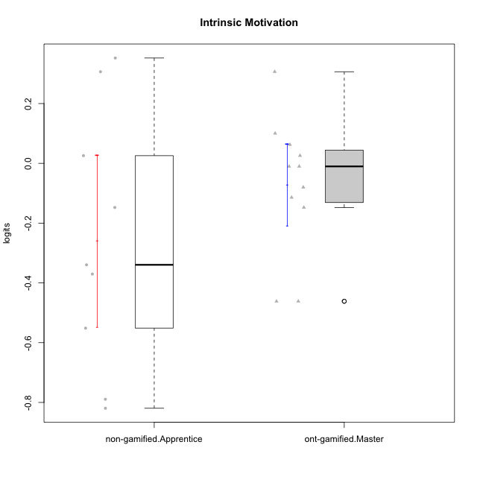

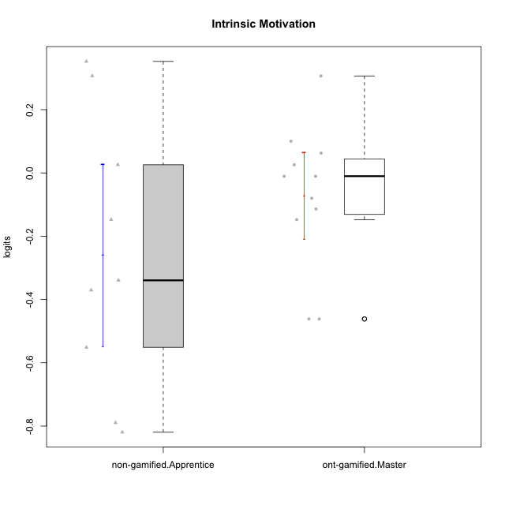

Student's t-Test data
UserID | NroUSP | Type | CLGroup | CLRole | PlayerRole | theta | error | WLE.rel
10169 | 10377538 | ont-gamified | Grupo Hefesto | Master | Yee Achiever | 0.062575762076 | 0.19483289178 | 0.84657342077
10174 | 10276852 | ont-gamified | Grupo Urano | Master | Yee Achiever | -0.14761792984 | 0.18367814161 | 0.84657342077
10184 | 10276675 | ont-gamified | Grupo Apolo | Master | Yee Socializer | -0.010251073065 | 0.19042915599 | 0.84657342077
10185 | 10276960 | non-gamified | Grupo Team 12 | Apprentice |  | -0.37033284907 | 0.17652795255 | 0.84657342077
10187 | 9790781 | non-gamified | Grupo Team 15 | Apprentice |  | 0.30650451635 | 0.21448699414 | 0.84657342077
10189 | 9363926 | ont-gamified | Grupo Hades | Master | Yee Socializer | -0.46155569747 | 0.17483240116 | 0.84657342077
10192 | 10276682 | non-gamified | Grupo Team 5 | Apprentice |  | 0.025757254694 | 0.19253075637 | 0.84657342077
10193 | 10276762 | ont-gamified | Grupo Afrodite | Master | Yee Achiever | -0.11415196535 | 0.18514645818 | 0.84657342077
10199 | 10276737 | ont-gamified | Grupo Gaia | Master | Yee Achiever | 0.10029283693 | 0.1973586501 | 0.84657342077
10201 | 10276928 | ont-gamified | Grupo Caronte | Master | Yee Achiever | 0.30650451635 | 0.21448699414 | 0.84657342077
10206 | 10310721 | ont-gamified | Grupo Hera | Master | Yee Achiever | -0.010251073065 | 0.19042915599 | 0.84657342077
10208 | 10276932 | non-gamified | Grupo Team 7 | Apprentice |  | 0.35240735039 | 0.21914334589 | 0.84657342077
10213 | 10277040 | ont-gamified | Grupo Morfeu | Master | Yee Socializer | 0.025757254694 | 0.19253075637 | 0.84657342077
10218 | 9842913 | ont-gamified | Grupo Ares | Master | Yee Achiever | -0.46155569747 | 0.17483240116 | 0.84657342077
10224 | 9368772 | non-gamified | Grupo Team 10 | Apprentice |  | -0.14761792984 | 0.18367814161 | 0.84657342077
10227 | 9274382 | non-gamified | Grupo Team 4 | Apprentice |  | -0.78939523748 | 0.1744878586 | 0.84657342077
10228 | 10310492 | non-gamified | Grupo Team 14 | Apprentice |  | -0.33948860047 | 0.17725913479 | 0.84657342077
10232 | 10276974 | ont-gamified | Grupo Artemis | Master | Yee Achiever | -0.080140223961 | 0.1867525134 | 0.84657342077
10233 | 9805320 | non-gamified | Grupo Team 16 | Apprentice |  | -0.55138787992 | 0.17383808597 | 0.84657342077
10238 | 10276953 | non-gamified | Grupo Team 13 | Apprentice |  | -0.81945126824 | 0.17491976425 | 0.84657342077

Type_CLRole_4
Student's t-Test for Intrinsic Motivation in Type:CLRole between non-gamified.Master:ont-gamified.Apprentice

Student's t-Test results
Alternative hypothesis: less
Group | N | Mean | Mean.Difference | Std.deviation | Std.error | CI.lower | CI.upper | df | t.value | p.value | g | magnitude
non-gamified.Master | 13 | -0.11569378372 | -0.063817676211 | 0.34595686716 | 0.09595117105 | -0.30759612582 | 0.07620855838 | 19.994782473 | -0.51857511519 | 0.30487442777 | -0.20111586575 | small
ont-gamified.Apprentice | 9 | -0.051876107509 | 0.063817676211 | 0.23117528499 | 0.077058428331 | -0.20599296417 | 0.10224074915 | 19.994782473 | -0.51857511519 | 0.30487442777 | -0.20111586575 | small
Alternative hypothesis: greater
Group | N | Mean | Mean.Difference | Std.deviation | Std.error | CI.lower | CI.upper | df | t.value | p.value | g | magnitude
non-gamified.Master | 13 | -0.11569378372 | -0.063817676211 | 0.34595686716 | 0.09595117105 | -0.30759612582 | 0.07620855838 | 19.994782473 | -0.51857511519 | 0.69512557223 | -0.20111586575 | small
ont-gamified.Apprentice | 9 | -0.051876107509 | 0.063817676211 | 0.23117528499 | 0.077058428331 | -0.20599296417 | 0.10224074915 | 19.994782473 | -0.51857511519 | 0.69512557223 | -0.20111586575 | small
Alternative hypothesis: two.sided
Group | N | Mean | Mean.Difference | Std.deviation | Std.error | CI.lower | CI.upper | df | t.value | p.value | g | magnitude
non-gamified.Master | 13 | -0.11569378372 | -0.063817676211 | 0.34595686716 | 0.09595117105 | -0.30759612582 | 0.07620855838 | 19.994782473 | -0.51857511519 | 0.60974885554 | -0.20111586575 | small
ont-gamified.Apprentice | 9 | -0.051876107509 | 0.063817676211 | 0.23117528499 | 0.077058428331 | -0.20599296417 | 0.10224074915 | 19.994782473 | -0.51857511519 | 0.60974885554 | -0.20111586575 | small

Box plots for Student's t-Test
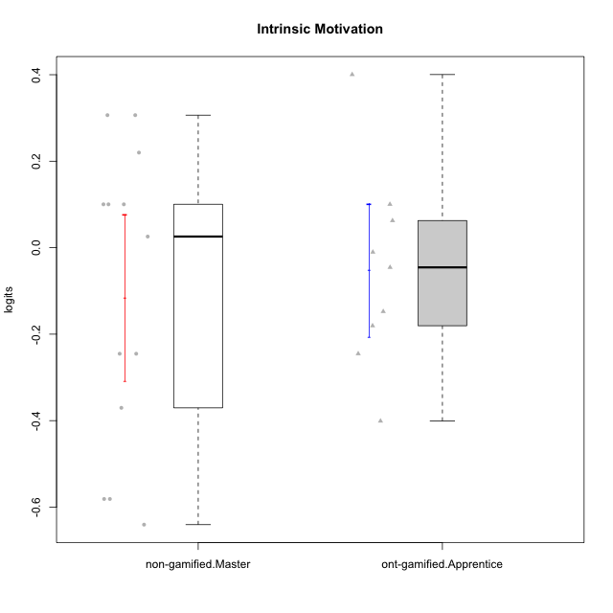

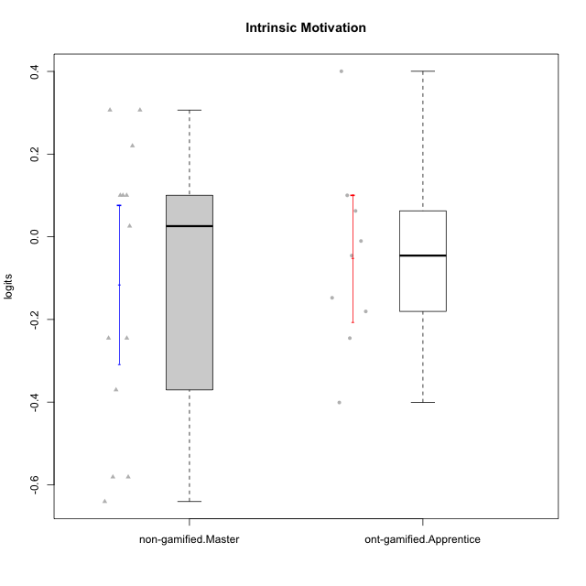

Student's t-Test data
UserID | NroUSP | Type | CLGroup | CLRole | PlayerRole | theta | error | WLE.rel
10172 | 10273971 | non-gamified | Grupo Team 1 | Master |  | 0.10029283693 | 0.1973586501 | 0.84657342077
10176 | 10276949 | ont-gamified | Grupo Cronus | Apprentice | Yee Achiever | -0.18058836809 | 0.18233694995 | 0.84657342077
10178 | 8656201 | ont-gamified | Grupo Morfeu | Apprentice | Yee Socializer | -0.010251073065 | 0.19042915599 | 0.84657342077
10179 | 10310759 | non-gamified | Grupo Team 9 | Master |  | -0.58114393945 | 0.17365652812 | 0.84657342077
10181 | 10276866 | non-gamified | Grupo Team 10 | Master |  | 0.025757254694 | 0.19253075637 | 0.84657342077
10183 | 10352030 | ont-gamified | Grupo Hélio | Apprentice | Yee Socializer | -0.24522198827 | 0.18000064936 | 0.84657342077
10186 | 10310551 | ont-gamified | Grupo Ares | Apprentice | Yee Achiever | -0.045527180262 | 0.18850863524 | 0.84657342077
10188 | 10276995 | non-gamified | Grupo Team 3 | Master |  | -0.24522198827 | 0.18000064936 | 0.84657342077
10190 | 10276907 | ont-gamified | Grupo Zeus | Apprentice | Yee Socializer | 0.10029283693 | 0.1973586501 | 0.84657342077
10191 | 10276981 | non-gamified | Grupo Team 6 | Master |  | 0.21992563971 | 0.20657385625 | 0.84657342077
10195 | 10351971 | ont-gamified | Grupo Urano | Apprentice | Yee Achiever | 0.062575762076 | 0.19483289178 | 0.84657342077
10196 | 10310655 | ont-gamified | Grupo Hefesto | Apprentice | Yee Achiever | -0.40093977182 | 0.17588163875 | 0.84657342077
10200 | 9795272 | ont-gamified | Grupo Hades | Apprentice | Yee Socializer | 0.40039274476 | 0.22437195971 | 0.84657342077
10211 | 9311643 | non-gamified | Grupo Team 2 | Master |  | -0.24522198827 | 0.18000064936 | 0.84657342077
10212 | 9065750 | non-gamified | Grupo Team 4 | Master |  | 0.30650451635 | 0.21448699414 | 0.84657342077
10216 | 10276720 | non-gamified | Grupo Team 15 | Master |  | 0.30650451635 | 0.21448699414 | 0.84657342077
10217 | 9805341 | non-gamified | Grupo Team 13 | Master |  | 0.10029283693 | 0.1973586501 | 0.84657342077
10219 | 10276831 | non-gamified | Grupo Team 12 | Master |  | -0.37033284907 | 0.17652795255 | 0.84657342077
10221 | 9082496 | ont-gamified | Grupo Hermes | Apprentice | Yee Achiever | -0.14761792984 | 0.18367814161 | 0.84657342077
10230 | 10351992 | non-gamified | Grupo Team 14 | Master |  | -0.64052492173 | 0.1735158596 | 0.84657342077
10234 | 10310676 | non-gamified | Grupo Team 7 | Master |  | -0.58114393945 | 0.17365652812 | 0.84657342077
10237 | 10377688 | non-gamified | Grupo Team 11 | Master |  | 0.10029283693 | 0.1973586501 | 0.84657342077

Type_CLRole_5
Student's t-Test for Intrinsic Motivation in Type:CLRole between non-gamified.Master:ont-gamified.Master

Student's t-Test results
Alternative hypothesis: less
Group | N | Mean | Mean.Difference | Std.deviation | Std.error | CI.lower | CI.upper | df | t.value | p.value | g | magnitude
non-gamified.Master | 13 | -0.11569378372 | -0.043839848249 | 0.34595686716 | 0.09595117105 | -0.30759612582 | 0.07620855838 | 20.875270886 | -0.37147555723 | 0.35701352125 | -0.14197322741 | negligible
ont-gamified.Master | 11 | -0.071853935471 | 0.043839848249 | 0.22788410169 | 0.068709641907 | -0.20927321929 | 0.065565348344 | 20.875270886 | -0.37147555723 | 0.35701352125 | -0.14197322741 | negligible
Alternative hypothesis: greater
Group | N | Mean | Mean.Difference | Std.deviation | Std.error | CI.lower | CI.upper | df | t.value | p.value | g | magnitude
non-gamified.Master | 13 | -0.11569378372 | -0.043839848249 | 0.34595686716 | 0.09595117105 | -0.30759612582 | 0.07620855838 | 20.875270886 | -0.37147555723 | 0.64298647875 | -0.14197322741 | negligible
ont-gamified.Master | 11 | -0.071853935471 | 0.043839848249 | 0.22788410169 | 0.068709641907 | -0.20927321929 | 0.065565348344 | 20.875270886 | -0.37147555723 | 0.64298647875 | -0.14197322741 | negligible
Alternative hypothesis: two.sided
Group | N | Mean | Mean.Difference | Std.deviation | Std.error | CI.lower | CI.upper | df | t.value | p.value | g | magnitude
non-gamified.Master | 13 | -0.11569378372 | -0.043839848249 | 0.34595686716 | 0.09595117105 | -0.30759612582 | 0.07620855838 | 20.875270886 | -0.37147555723 | 0.7140270425 | -0.14197322741 | negligible
ont-gamified.Master | 11 | -0.071853935471 | 0.043839848249 | 0.22788410169 | 0.068709641907 | -0.20927321929 | 0.065565348344 | 20.875270886 | -0.37147555723 | 0.7140270425 | -0.14197322741 | negligible

Box plots for Student's t-Test
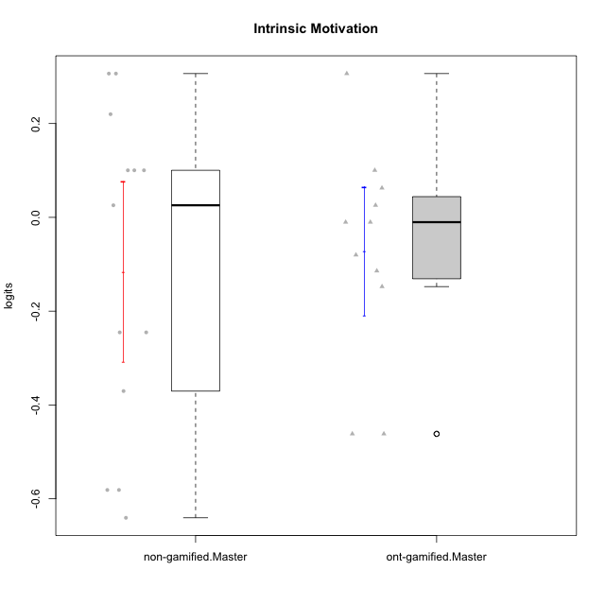

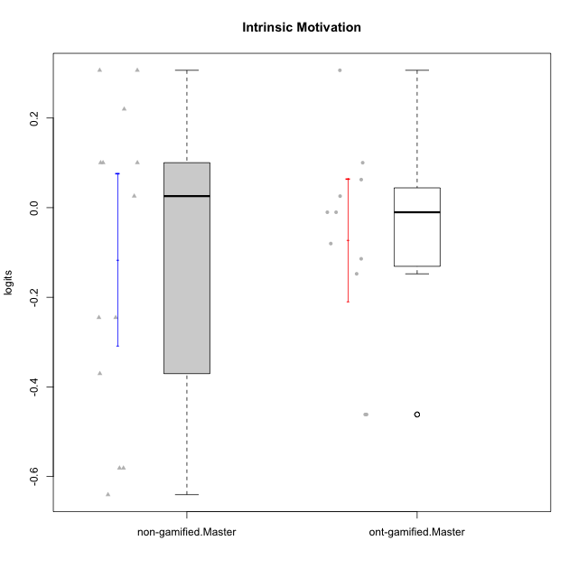

Student's t-Test data
UserID | NroUSP | Type | CLGroup | CLRole | PlayerRole | theta | error | WLE.rel
10169 | 10377538 | ont-gamified | Grupo Hefesto | Master | Yee Achiever | 0.062575762076 | 0.19483289178 | 0.84657342077
10172 | 10273971 | non-gamified | Grupo Team 1 | Master |  | 0.10029283693 | 0.1973586501 | 0.84657342077
10174 | 10276852 | ont-gamified | Grupo Urano | Master | Yee Achiever | -0.14761792984 | 0.18367814161 | 0.84657342077
10179 | 10310759 | non-gamified | Grupo Team 9 | Master |  | -0.58114393945 | 0.17365652812 | 0.84657342077
10181 | 10276866 | non-gamified | Grupo Team 10 | Master |  | 0.025757254694 | 0.19253075637 | 0.84657342077
10184 | 10276675 | ont-gamified | Grupo Apolo | Master | Yee Socializer | -0.010251073065 | 0.19042915599 | 0.84657342077
10188 | 10276995 | non-gamified | Grupo Team 3 | Master |  | -0.24522198827 | 0.18000064936 | 0.84657342077
10189 | 9363926 | ont-gamified | Grupo Hades | Master | Yee Socializer | -0.46155569747 | 0.17483240116 | 0.84657342077
10191 | 10276981 | non-gamified | Grupo Team 6 | Master |  | 0.21992563971 | 0.20657385625 | 0.84657342077
10193 | 10276762 | ont-gamified | Grupo Afrodite | Master | Yee Achiever | -0.11415196535 | 0.18514645818 | 0.84657342077
10199 | 10276737 | ont-gamified | Grupo Gaia | Master | Yee Achiever | 0.10029283693 | 0.1973586501 | 0.84657342077
10201 | 10276928 | ont-gamified | Grupo Caronte | Master | Yee Achiever | 0.30650451635 | 0.21448699414 | 0.84657342077
10206 | 10310721 | ont-gamified | Grupo Hera | Master | Yee Achiever | -0.010251073065 | 0.19042915599 | 0.84657342077
10211 | 9311643 | non-gamified | Grupo Team 2 | Master |  | -0.24522198827 | 0.18000064936 | 0.84657342077
10212 | 9065750 | non-gamified | Grupo Team 4 | Master |  | 0.30650451635 | 0.21448699414 | 0.84657342077
10213 | 10277040 | ont-gamified | Grupo Morfeu | Master | Yee Socializer | 0.025757254694 | 0.19253075637 | 0.84657342077
10216 | 10276720 | non-gamified | Grupo Team 15 | Master |  | 0.30650451635 | 0.21448699414 | 0.84657342077
10217 | 9805341 | non-gamified | Grupo Team 13 | Master |  | 0.10029283693 | 0.1973586501 | 0.84657342077
10218 | 9842913 | ont-gamified | Grupo Ares | Master | Yee Achiever | -0.46155569747 | 0.17483240116 | 0.84657342077
10219 | 10276831 | non-gamified | Grupo Team 12 | Master |  | -0.37033284907 | 0.17652795255 | 0.84657342077
10230 | 10351992 | non-gamified | Grupo Team 14 | Master |  | -0.64052492173 | 0.1735158596 | 0.84657342077
10232 | 10276974 | ont-gamified | Grupo Artemis | Master | Yee Achiever | -0.080140223961 | 0.1867525134 | 0.84657342077
10234 | 10310676 | non-gamified | Grupo Team 7 | Master |  | -0.58114393945 | 0.17365652812 | 0.84657342077
10237 | 10377688 | non-gamified | Grupo Team 11 | Master |  | 0.10029283693 | 0.1973586501 | 0.84657342077

Type_CLRole_6
Student's t-Test for Intrinsic Motivation in Type:CLRole between ont-gamified.Apprentice:ont-gamified.Master

Student's t-Test results
Alternative hypothesis: less
Group | N | Mean | Mean.Difference | Std.deviation | Std.error | CI.lower | CI.upper | df | t.value | p.value | g | magnitude
ont-gamified.Apprentice | 9 | -0.051876107509 | 0.019977827962 | 0.23117528499 | 0.077058428331 | -0.20599296417 | 0.10224074915 | 17.120226354 | 0.19350389282 | 0.57557921702 | 0.083424768972 | negligible
ont-gamified.Master | 11 | -0.071853935471 | -0.019977827962 | 0.22788410169 | 0.068709641907 | -0.20927321929 | 0.065565348344 | 17.120226354 | 0.19350389282 | 0.57557921702 | 0.083424768972 | negligible
Alternative hypothesis: greater
Group | N | Mean | Mean.Difference | Std.deviation | Std.error | CI.lower | CI.upper | df | t.value | p.value | g | magnitude
ont-gamified.Apprentice | 9 | -0.051876107509 | 0.019977827962 | 0.23117528499 | 0.077058428331 | -0.20599296417 | 0.10224074915 | 17.120226354 | 0.19350389282 | 0.42442078298 | 0.083424768972 | negligible
ont-gamified.Master | 11 | -0.071853935471 | -0.019977827962 | 0.22788410169 | 0.068709641907 | -0.20927321929 | 0.065565348344 | 17.120226354 | 0.19350389282 | 0.42442078298 | 0.083424768972 | negligible
Alternative hypothesis: two.sided
Group | N | Mean | Mean.Difference | Std.deviation | Std.error | CI.lower | CI.upper | df | t.value | p.value | g | magnitude
ont-gamified.Apprentice | 9 | -0.051876107509 | 0.019977827962 | 0.23117528499 | 0.077058428331 | -0.20599296417 | 0.10224074915 | 17.120226354 | 0.19350389282 | 0.84884156595 | 0.083424768972 | negligible
ont-gamified.Master | 11 | -0.071853935471 | -0.019977827962 | 0.22788410169 | 0.068709641907 | -0.20927321929 | 0.065565348344 | 17.120226354 | 0.19350389282 | 0.84884156595 | 0.083424768972 | negligible

Box plots for Student's t-Test
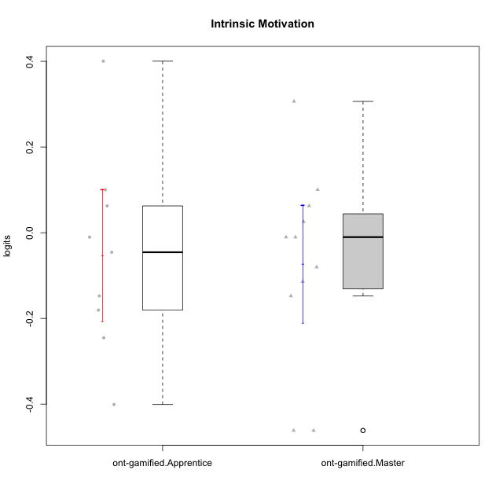

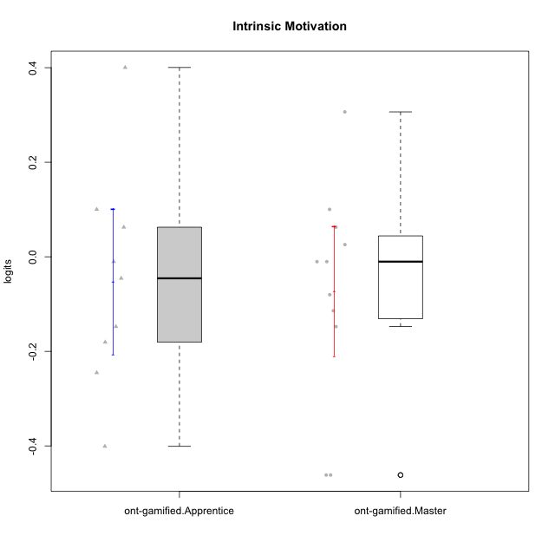

Student's t-Test data
UserID | NroUSP | Type | CLGroup | CLRole | PlayerRole | theta | error | WLE.rel
10169 | 10377538 | ont-gamified | Grupo Hefesto | Master | Yee Achiever | 0.062575762076 | 0.19483289178 | 0.84657342077
10174 | 10276852 | ont-gamified | Grupo Urano | Master | Yee Achiever | -0.14761792984 | 0.18367814161 | 0.84657342077
10176 | 10276949 | ont-gamified | Grupo Cronus | Apprentice | Yee Achiever | -0.18058836809 | 0.18233694995 | 0.84657342077
10178 | 8656201 | ont-gamified | Grupo Morfeu | Apprentice | Yee Socializer | -0.010251073065 | 0.19042915599 | 0.84657342077
10183 | 10352030 | ont-gamified | Grupo Hélio | Apprentice | Yee Socializer | -0.24522198827 | 0.18000064936 | 0.84657342077
10184 | 10276675 | ont-gamified | Grupo Apolo | Master | Yee Socializer | -0.010251073065 | 0.19042915599 | 0.84657342077
10186 | 10310551 | ont-gamified | Grupo Ares | Apprentice | Yee Achiever | -0.045527180262 | 0.18850863524 | 0.84657342077
10189 | 9363926 | ont-gamified | Grupo Hades | Master | Yee Socializer | -0.46155569747 | 0.17483240116 | 0.84657342077
10190 | 10276907 | ont-gamified | Grupo Zeus | Apprentice | Yee Socializer | 0.10029283693 | 0.1973586501 | 0.84657342077
10193 | 10276762 | ont-gamified | Grupo Afrodite | Master | Yee Achiever | -0.11415196535 | 0.18514645818 | 0.84657342077
10195 | 10351971 | ont-gamified | Grupo Urano | Apprentice | Yee Achiever | 0.062575762076 | 0.19483289178 | 0.84657342077
10196 | 10310655 | ont-gamified | Grupo Hefesto | Apprentice | Yee Achiever | -0.40093977182 | 0.17588163875 | 0.84657342077
10199 | 10276737 | ont-gamified | Grupo Gaia | Master | Yee Achiever | 0.10029283693 | 0.1973586501 | 0.84657342077
10200 | 9795272 | ont-gamified | Grupo Hades | Apprentice | Yee Socializer | 0.40039274476 | 0.22437195971 | 0.84657342077
10201 | 10276928 | ont-gamified | Grupo Caronte | Master | Yee Achiever | 0.30650451635 | 0.21448699414 | 0.84657342077
10206 | 10310721 | ont-gamified | Grupo Hera | Master | Yee Achiever | -0.010251073065 | 0.19042915599 | 0.84657342077
10213 | 10277040 | ont-gamified | Grupo Morfeu | Master | Yee Socializer | 0.025757254694 | 0.19253075637 | 0.84657342077
10218 | 9842913 | ont-gamified | Grupo Ares | Master | Yee Achiever | -0.46155569747 | 0.17483240116 | 0.84657342077
10221 | 9082496 | ont-gamified | Grupo Hermes | Apprentice | Yee Achiever | -0.14761792984 | 0.18367814161 | 0.84657342077
10232 | 10276974 | ont-gamified | Grupo Artemis | Master | Yee Achiever | -0.080140223961 | 0.1867525134 | 0.84657342077

