Global-info
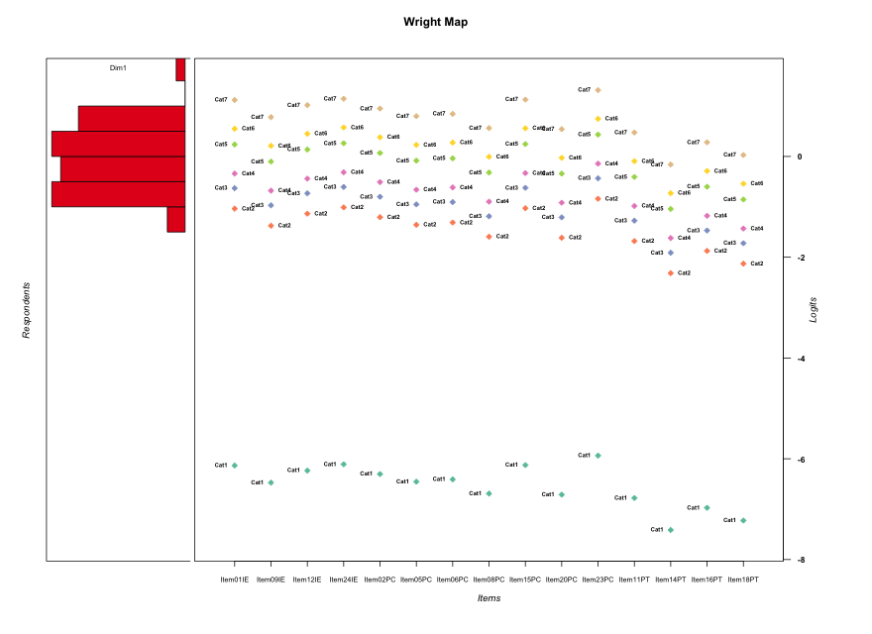
Global information for a measurement model

Information
Number.of.items | Deviance | Log.Likelihood | Number.of.persons | EAP.rel | n.theta.nodes | irt.model
15 | 2710.7533821 | -1355.376691 | 59 | 0.88923391261 | 21 | RSM

Global fit statistic MADaQ3 and test fit
MADaQ3 | maxaQ3 | p
0.1966586054 | 0.63022009241 | 0.00025238492089

Test statistic of global fit based on Chi square
maxX2 | Npairs | p.holm
293.26381513 | 105 | 0

Model fit statistics
X100.MADCOV | SRMR | SRMSR
38.394551499 | 0.14930223588 | 0.18724561238

Chi square tests for every item pairs
index1 | index2 | maxK1 | maxK2 | df | chi2 | p | p.holm
1 | 2 | 7 | 7 | 49 | 53.126715062 | 0.31823085949 | 1
1 | 3 | 7 | 7 | 49 | 66.088182968 | 0.052174520566 | 1
1 | 4 | 7 | 7 | 49 | 52.314783147 | 0.34656319986 | 1
1 | 5 | 7 | 7 | 49 | 58.295527729 | 0.1705911757 | 1
1 | 6 | 7 | 7 | 49 | 49.869984298 | 0.43853812134 | 1
1 | 7 | 7 | 7 | 49 | 46.361071435 | 0.580744852 | 1
1 | 8 | 7 | 7 | 49 | 60.428387668 | 0.12685015356 | 1
1 | 9 | 7 | 7 | 49 | 61.946094416 | 0.10139341746 | 1
1 | 10 | 7 | 7 | 49 | 45.761865446 | 0.60519315547 | 1
1 | 11 | 7 | 7 | 49 | 36.571602625 | 0.90520579022 | 1
1 | 12 | 7 | 7 | 49 | 144.85597545 | 2.0831669723E-11 | 2.0623353025E-09
1 | 13 | 7 | 7 | 49 | 82.815535937 | 0.0018052025271 | 0.15885782238
1 | 14 | 7 | 7 | 49 | 55.343848229 | 0.24768265473 | 1
1 | 15 | 7 | 7 | 49 | 60.664375291 | 0.12259500169 | 1
2 | 3 | 7 | 7 | 49 | 61.789246105 | 0.10381955208 | 1
2 | 4 | 7 | 7 | 49 | 52.568875532 | 0.33756320675 | 1
2 | 5 | 7 | 7 | 49 | 44.863679845 | 0.64144017862 | 1
2 | 6 | 7 | 7 | 49 | 31.109448096 | 0.97835324593 | 1
2 | 7 | 7 | 7 | 49 | 53.768848367 | 0.29673637336 | 1
2 | 8 | 7 | 7 | 49 | 52.938417563 | 0.32468955458 | 1
2 | 9 | 7 | 7 | 49 | 40.174631907 | 0.81137748931 | 1
2 | 10 | 7 | 7 | 49 | 60.159927376 | 0.13182835314 | 1
2 | 11 | 7 | 7 | 49 | 46.73926406 | 0.56525594461 | 1
2 | 12 | 7 | 7 | 49 | 90.245030154 | 0.00030382623319 | 0.02764818722
2 | 13 | 7 | 7 | 49 | 60.735245709 | 0.1213389763 | 1
2 | 14 | 7 | 7 | 49 | 38.319275968 | 0.86441509419 | 1
2 | 15 | 7 | 7 | 49 | 67.879938505 | 0.038255201222 | 1
3 | 4 | 7 | 7 | 49 | 41.167069143 | 0.77919807503 | 1
3 | 5 | 7 | 7 | 49 | 45.025776446 | 0.63494602487 | 1
3 | 6 | 7 | 7 | 49 | 41.537759323 | 0.76656168196 | 1
3 | 7 | 7 | 7 | 49 | 47.526388225 | 0.53299402684 | 1
3 | 8 | 7 | 7 | 49 | 72.652931597 | 0.015719936748 | 1
3 | 9 | 7 | 7 | 49 | 66.624925828 | 0.047609913361 | 1
3 | 10 | 7 | 7 | 49 | 63.234725224 | 0.083136002568 | 1
3 | 11 | 7 | 7 | 49 | 44.491778766 | 0.65624221715 | 1
3 | 12 | 7 | 7 | 49 | 101.8073307 | 1.4390685145E-05 | 0.0013527244037
3 | 13 | 7 | 7 | 49 | 76.191376703 | 0.0076964617287 | 0.63110986176
3 | 14 | 7 | 7 | 49 | 46.540492142 | 0.57340021845 | 1
3 | 15 | 7 | 7 | 49 | 62.822133693 | 0.088664875173 | 1
4 | 5 | 7 | 7 | 49 | 91.780209269 | 0.00020639381692 | 0.018988231157
4 | 6 | 7 | 7 | 49 | 63.761586282 | 0.076489162487 | 1
4 | 7 | 7 | 7 | 49 | 81.854583103 | 0.0022470291858 | 0.19549153917
4 | 8 | 7 | 7 | 49 | 65.785133156 | 0.0549128498 | 1
4 | 9 | 7 | 7 | 49 | 76.154235646 | 0.0077561468617 | 0.63110986176
4 | 10 | 7 | 7 | 49 | 70.620209023 | 0.023207722088 | 1
4 | 11 | 7 | 7 | 49 | 70.721019904 | 0.022772086869 | 1
4 | 12 | 7 | 7 | 49 | 293.26381513 | 0 | 0
4 | 13 | 7 | 7 | 49 | 78.405753864 | 0.0048151633124 | 0.40928888155
4 | 14 | 7 | 7 | 49 | 53.835142656 | 0.29456512366 | 1
4 | 15 | 7 | 7 | 49 | 61.987197989 | 0.10076516641 | 1
5 | 6 | 7 | 7 | 49 | 57.656549232 | 0.18562022253 | 1
5 | 7 | 7 | 7 | 49 | 48.837313845 | 0.47967274139 | 1
5 | 8 | 7 | 7 | 49 | 60.988472261 | 0.11693270199 | 1
5 | 9 | 7 | 7 | 49 | 39.321971862 | 0.83695563726 | 1
5 | 10 | 7 | 7 | 49 | 55.01231813 | 0.25756118143 | 1
5 | 11 | 7 | 7 | 49 | 46.22732931 | 0.58621385858 | 1
5 | 12 | 7 | 7 | 49 | 218.17375065 | 0 | 0
5 | 13 | 7 | 7 | 49 | 49.729955727 | 0.44405378455 | 1
5 | 14 | 7 | 7 | 49 | 44.952665216 | 0.63787809103 | 1
5 | 15 | 7 | 7 | 49 | 44.231008287 | 0.66653041218 | 1
6 | 7 | 7 | 7 | 49 | 58.21516779 | 0.17243139664 | 1
6 | 8 | 7 | 7 | 49 | 61.522958863 | 0.10804402421 | 1
6 | 9 | 7 | 7 | 49 | 52.351632375 | 0.34525066369 | 1
6 | 10 | 7 | 7 | 49 | 57.936675368 | 0.17891961803 | 1
6 | 11 | 7 | 7 | 49 | 35.121109155 | 0.93222594059 | 1
6 | 12 | 7 | 7 | 49 | 196.87392702 | 0 | 0
6 | 13 | 7 | 7 | 49 | 78.14903944 | 0.0050884724826 | 0.42743168854
6 | 14 | 7 | 7 | 49 | 60.505560212 | 0.12544626619 | 1
6 | 15 | 7 | 7 | 49 | 56.690185184 | 0.21008799889 | 1
7 | 8 | 7 | 7 | 49 | 39.87889529 | 0.8204735982 | 1
7 | 9 | 7 | 7 | 49 | 41.844388685 | 0.75587272719 | 1
7 | 10 | 7 | 7 | 49 | 45.594044925 | 0.61200917312 | 1
7 | 11 | 7 | 7 | 49 | 48.189113738 | 0.50593078877 | 1
7 | 12 | 7 | 7 | 49 | 201.94325148 | 0 | 0
7 | 13 | 7 | 7 | 49 | 68.412098356 | 0.03479821293 | 1
7 | 14 | 7 | 7 | 49 | 41.465398341 | 0.76905338121 | 1
7 | 15 | 7 | 7 | 49 | 54.583305082 | 0.2707022321 | 1
8 | 9 | 7 | 7 | 49 | 54.945539611 | 0.25958025973 | 1
8 | 10 | 7 | 7 | 49 | 63.98390258 | 0.073819020041 | 1
8 | 11 | 7 | 7 | 49 | 46.5463372 | 0.5731608261 | 1
8 | 12 | 7 | 7 | 49 | 95.9425211 | 7.026163702E-05 | 0.0065343322428
8 | 13 | 7 | 7 | 49 | 83.662151742 | 0.0014851212834 | 0.13217579423
8 | 14 | 7 | 7 | 49 | 54.276584926 | 0.28034144893 | 1
8 | 15 | 7 | 7 | 49 | 70.641714295 | 0.023114173157 | 1
9 | 10 | 7 | 7 | 49 | 56.680695044 | 0.21033872139 | 1
9 | 11 | 7 | 7 | 49 | 38.223876462 | 0.86687545889 | 1
9 | 12 | 7 | 7 | 49 | 173.5763745 | 7.7715611724E-16 | 7.7715611724E-14
9 | 13 | 7 | 7 | 49 | 88.329360811 | 0.00048804983364 | 0.043924485028
9 | 14 | 7 | 7 | 49 | 51.567886937 | 0.37368149921 | 1
9 | 15 | 7 | 7 | 49 | 61.181902386 | 0.11365197806 | 1
10 | 11 | 7 | 7 | 49 | 27.921612343 | 0.9933457251 | 1
10 | 12 | 7 | 7 | 49 | 111.67628286 | 8.5263651484E-07 | 8.1853105424E-05
10 | 13 | 7 | 7 | 49 | 62.488586111 | 0.093349597524 | 1
10 | 14 | 7 | 7 | 49 | 64.990493648 | 0.062678036659 | 1
10 | 15 | 7 | 7 | 49 | 57.675967154 | 0.18515008774 | 1
11 | 12 | 7 | 7 | 49 | 236.25000994 | 0 | 0
11 | 13 | 7 | 7 | 49 | 105.74955744 | 4.7592824528E-06 | 0.00045213183302
11 | 14 | 7 | 7 | 49 | 67.680945928 | 0.039622596976 | 1
11 | 15 | 7 | 7 | 49 | 77.271379992 | 0.0061354079778 | 0.50923886216
12 | 13 | 7 | 7 | 49 | 114.62671607 | 3.5389580966E-07 | 3.4327893537E-05
12 | 14 | 7 | 7 | 49 | 67.091976244 | 0.043920969609 | 1
12 | 15 | 7 | 7 | 49 | 79.238326726 | 0.0040198388949 | 0.34570614496
13 | 14 | 7 | 7 | 49 | 74.943466299 | 0.00995125373 | 0.7961002984
13 | 15 | 7 | 7 | 49 | 117.94153687 | 1.2951391737E-07 | 1.2692363902E-05
14 | 15 | 7 | 7 | 49 | 56.801158986 | 0.20717123897 | 1

Item residuals
Item01IE | Item09IE | Item12IE | Item24IE | Item02PC | Item05PC | Item06PC | Item08PC | Item15PC | Item20PC | Item23PC | Item11PT | Item14PT | Item16PT | Item18PT
-0.63059367999 | 0.63564938872 | 1.140194917 | 1.4266526054 | -1.0111674418 | 0.67227822048 | -3.2355511867 | 0.24426104107 | 1.3886063342 | 0.20990737615 | 1.833132899 | 1.1083280519 | 0.46139787815 | -2.1503258275 | -0.40226876833
-0.71228329349 | -1.1783677419 | -0.86900333242 | -1.6714565699 | 0.033246467357 | 0.84257297021 | 0.89626139567 | -0.38943621929 | 0.30133361171 | -0.40697003665 | 1.6383486437 | 0.54198405177 | 0.23501178794 | 0.41657254747 | 0.29853192547
0.36308781857 | -0.12199670761 | 0.20116173164 | 0.40510364805 | 0.099596407767 | 0.90004448348 | -0.043562632668 | 0.65435288661 | -0.62289143013 | 0.63565054726 | -3.2779694258 | -0.41890194169 | 0.25064696128 | 0.44646554743 | 0.31918489072
1.3443387758 | 0.61667315019 | 0.11676878273 | -0.59878548352 | -1.0333751116 | -2.3470570013 | 0.74423392758 | -0.77057388874 | 1.3634127346 | -0.80453979013 | 0.8055281559 | 1.0950475206 | 0.45604617253 | 0.83948282927 | 0.59066736361
-0.56274301768 | -0.30569821635 | -0.79403747939 | 1.4949172881 | -0.94715660628 | -1.2684264979 | -1.1747306038 | -0.70541716944 | -0.54339945107 | -0.74064555358 | -0.09686421528 | 0.15503135009 | 0.48357491368 | 0.88818383109 | 0.62624970453
-0.18801774673 | -0.48822763192 | -0.29120494227 | -0.1607345847 | 0.64562615756 | 0.52485262025 | 0.5585481084 | 0.38166344662 | 0.8210631102 | 0.37097542521 | 0.052058651212 | 0.33993621893 | 0.1532303184 | 0.26396755645 | 0.19226853663
0.46775226223 | -0.27664919991 | -0.76360827145 | -1.4746185184 | -1.9169486329 | 0.76079022324 | 1.8548561173 | 1.320949241 | 1.4870874683 | 0.28539219399 | -2.0671403196 | -1.8200114211 | -0.50362138946 | -1.0904796138 | -0.35746695856
0.39363659534 | -0.34559842317 | 0.16297126978 | 0.45120793871 | -0.98948221173 | -0.30864107949 | 0.7843316953 | 1.2591720523 | 0.41294734315 | -0.77554659754 | 0.85955052374 | -0.87823032448 | 0.46700317965 | -2.1398607843 | 0.6050874704
0.81547820318 | 0.01070108023 | -0.41765831868 | 0.8714483137 | -1.5800278739 | -0.94460831961 | -0.83460750248 | -0.50884044926 | -0.16565182367 | 0.44116512665 | 0.24421439279 | 1.2882193031 | 0.066103160594 | 0.85785451415 | 0.36684779539
0.38423307457 | -0.35300577359 | 0.15408997387 | -2.5583112446 | 1.002032496 | -3.3161700666 | 1.7765066294 | -0.74679584571 | 1.4035043679 | 0.21862403745 | -0.15061790508 | 1.1163615453 | 0.46469083692 | 0.85588327594 | 0.60206520382
0.60432322469 | -1.1462646134 | -0.62723912718 | -1.3382102537 | 0.21849117705 | -0.10808724507 | 0.987601551 | -1.5605652555 | 1.6236131092 | 0.40241277589 | 0.065788067774 | -0.70781335932 | -0.4459742574 | -0.99448978289 | -1.2841684442
0.39363659534 | -0.34559842317 | 0.16297126978 | -0.54879206129 | -1.9894822117 | 1.6913589205 | 1.7843316953 | 1.2591720523 | -0.58705265685 | 0.22445340246 | -0.14044947626 | -1.8782303245 | 0.46700317965 | -1.1398607843 | 0.6050874704
0.32539881788 | -0.45751836567 | 0.092878952668 | 0.38197935157 | -0.066226911887 | -1.4154598154 | 0.68875847209 | 0.065487508426 | 0.34444036067 | 0.020738991407 | 0.76741550741 | 0.88506967063 | -0.14125200453 | 0.51282405859 | -0.89673106828
-1.5991166049 | 0.66045062243 | -0.83007412136 | 1.4585163555 | 1.0172392343 | -1.3025136574 | -1.2093526935 | 1.2642463007 | 2.4202153135 | 1.2294290607 | 0.86716648033 | -1.8735599457 | 0.46914457571 | -2.136070491 | -1.3921442665
1.8028647056 | 1.208822788 | 1.6114177233 | 1.8515691502 | 1.4880270308 | -0.76275306467 | 1.3092981581 | -1.0881739511 | -1.1808403255 | 0.88628389517 | 2.2079018507 | -5.1888162451 | 0.34258182233 | -3.377613265 | 0.44069601997
-0.39567677531 | -1.1462646134 | -0.62723912718 | -0.33821025372 | 0.21849117705 | -2.1080872451 | -0.012398449005 | -0.56056525554 | 0.62361310915 | -1.5975872241 | 0.065788067774 | 0.29218664068 | -0.4459742574 | 1.0055102171 | 0.71583155582
-1.2906069157 | -0.090721619416 | -0.5236307589 | 1.7655003418 | 0.31469190849 | 0.95340287704 | 2.0621610717 | 2.3989067823 | -0.27169811345 | 2.3500442916 | -0.85895839553 | 0.20082745599 | -1.9789492173 | -2.2169833859 | 0.30962298866
-0.65566122415 | -0.38332684981 | 0.11676878273 | 0.40121451648 | -1.0333751116 | 1.6529429987 | 1.7442339276 | -0.77057388874 | 2.3634127346 | -0.80453979013 | -0.1944718441 | 0.095047520606 | 0.45604617253 | -0.16051717073 | -0.40933263639
-0.87453199541 | 0.4517501742 | 0.91247713578 | 2.1790465606 | 0.77313338267 | 0.48485133646 | 0.56837234394 | -0.89903821348 | -2.8565794167 | 1.0703996999 | -0.43599172874 | 0.98021609461 | 0.41012154487 | -0.24835946124 | 0.52997183431
-0.61576692543 | 1.6469942264 | 2.1540899739 | 2.4416887554 | 1.002032496 | 1.6838299334 | -4.2234933706 | 1.2532041543 | -3.5964956321 | -3.7813759626 | -0.15061790508 | 1.1163615453 | 0.46469083692 | 0.85588327594 | 0.60206520382
-0.5805570443 | -0.32256836989 | 0.18821914902 | -0.52288658021 | 1.0352501969 | -1.2853990841 | -2.1919309535 | -0.7206811492 | -1.5612112789 | 0.24428483285 | 0.88570830986 | 0.14059855355 | 0.47620004418 | 0.87586835796 | 0.61686537191
0.36940632001 | 0.63564938872 | 0.14019491705 | 0.42665260544 | -1.0111674418 | -1.3277217795 | -1.2355511867 | 1.2442610411 | -0.61139366576 | 0.20990737615 | -0.16686710095 | 1.1083280519 | 0.46139787815 | 0.84967417252 | 0.59773123167
0.49973135176 | -0.29099585677 | 0.26698196174 | 0.55609719303 | -1.8932918348 | -2.2479992477 | 2.8582804576 | -0.78314462478 | -2.4812873107 | -0.82976099589 | 0.93704222717 | 2.02841879 | 0.93242759996 | 1.6354858115 | 1.1969476078
-1.7975095639 | -0.24057726127 | -1.947654357 | -0.75822834071 | 0.95925956323 | 0.7790884429 | -0.17037900764 | 0.56263451588 | 1.2155845653 | 0.54640448632 | 0.5417945529 | 0.49925314263 | 0.21789925572 | 0.38397702707 | 0.27598538776
0.43341324769 | 0.27694681757 | 0.37876480688 | 0.4480607414 | 0.34582318519 | 0.28363850538 | 0.30090671512 | 0.21047012552 | 0.43827869951 | 0.20499340768 | 0.56561698047 | 0.18904827325 | 0.09019567616 | 0.14962120913 | 0.11151523389
-0.65566122415 | -1.3833268498 | -0.88323121727 | -3.5987854835 | 1.9666248884 | 1.6529429987 | 1.7442339276 | 1.2294261113 | 2.3634127346 | 1.1954602099 | 2.8055281559 | -3.9049524794 | -1.5439538275 | 0.83948282927 | 0.59066736361
0.47480467054 | -0.038074452856 | 1.3053272759 | 1.5185348091 | 0.19819112184 | -1.0144094625 | 0.045968553389 | -1.280361275 | -1.5105918556 | -0.30079982621 | -1.1543972552 | 0.63943324399 | 0.27395797948 | 0.4910632517 | 0.34999098466
-0.19713529441 | 1.208822788 | 1.6114177233 | -0.14843084976 | 0.48802703076 | 1.2372469353 | -0.6907018419 | -0.088173951066 | 0.81915967451 | 0.88628389517 | -1.7920981493 | -0.18881624515 | -1.6574181777 | -0.37761326503 | 0.44069601997
1.9324736426 | 1.3443507986 | 1.7776885919 | 1.9678439253 | -1.3374739722 | 1.3810637074 | 1.4693629465 | -0.11826132817 | 1.9444740916 | 0.83370036575 | 1.1869937348 | -2.3172394371 | -3.8191207193 | -2.7769239469 | -3.3829022874
1.2877167065 | 0.82163225808 | 1.1309966676 | -4.6714565699 | 1.0332464674 | 0.84257297021 | 0.89626139567 | 0.61056378071 | 1.3013336117 | 0.59302996335 | -4.3616513563 | 0.54198405177 | 0.23501178794 | -0.58342745253 | 0.29853192547
-0.18801774673 | 0.51177236808 | 0.70879505773 | 0.8392654153 | -0.35437384244 | 0.52485262025 | -2.4414518916 | 0.38166344662 | 0.8210631102 | 0.37097542521 | 1.0520586512 | 0.33993621893 | 0.1532303184 | 0.26396755645 | 0.19226853663
-0.60636340466 | 0.65440157683 | -0.83702873022 | -1.5487920613 | 2.0105177883 | 1.6913589205 | 1.7843316953 | 0.25917205233 | 1.4129473431 | 0.22445340246 | 1.8595505237 | -3.8782303245 | -1.5329968204 | -1.1398607843 | -0.3949125296
0.62574717614 | 0.075489561281 | 1.4461457762 | 0.67177058786 | -1.6684771787 | 1.1013449803 | -1.8329038313 | 0.80802898601 | 0.64113041974 | -0.21475738079 | 0.012342648603 | 0.71842234592 | 0.30551900066 | -2.4485418235 | 0.39170619328
1.3615879016 | 1.6612787753 | 1.1663253316 | 1.4075904432 | -0.97326229135 | -0.29785386672 | -0.19827103507 | -0.83128380292 | -0.62286564919 | -0.88039952023 | -0.29407648694 | -0.032595972356 | -1.3924612922 | -0.4778756632 | -3.0255028432
2.6043232247 | 1.8537353866 | 0.37276087282 | 1.6617897463 | -3.7815088229 | -2.1080872451 | -3.012398449 | -0.56056525554 | -2.3763868908 | 0.40241277589 | 1.0657880678 | 1.2921866407 | -0.4459742574 | 0.0055102171135 | -1.2841684442
-0.19713529441 | 0.20882278805 | 0.61141772333 | 1.8515691502 | -0.51197296924 | 1.2372469353 | -0.6907018419 | 0.91182604893 | 1.8191596745 | 0.88628389517 | -0.79209814927 | -0.18881624515 | -0.65741817767 | -2.377613265 | -0.55930398003
2.3842330746 | 0.64699422641 | 0.15408997387 | 2.4416887554 | -0.99796750398 | -1.3161700666 | 1.7765066294 | -1.7467958457 | -3.5964956321 | 0.21862403745 | -2.1506179051 | 1.1163615453 | 0.46469083692 | 0.85588327594 | 0.60206520382
0.82097880557 | 0.016037072393 | -0.41214046878 | -2.1230637563 | 0.42546990295 | 0.060752979985 | 0.17080813164 | -0.50393538186 | -0.16015511021 | -0.55398447122 | -0.75047768856 | -0.70711166968 | 1.0686250094 | 1.861902457 | 0.37000292832
-1.7122832935 | 0.82163225808 | -1.8690033324 | -1.6714565699 | 1.0332464674 | -0.15742702979 | 0.89626139567 | 0.61056378071 | 1.3013336117 | 0.59302996335 | -1.3616513563 | 0.54198405177 | 0.23501178794 | 0.41657254747 | 0.29853192547
-1.1971352944 | 1.208822788 | -0.38858227667 | -4.1484308498 | 1.4880270308 | 1.2372469353 | 1.3092981581 | 0.91182604893 | -1.1808403255 | -1.1137161048 | 2.2079018507 | 0.81118375485 | -0.65741817767 | 0.62238673497 | 0.44069601997
-1.6556612242 | -0.38332684981 | -0.88323121727 | -2.5987854835 | 0.96662488838 | -1.3470570013 | 1.7442339276 | 1.2294261113 | 2.3634127346 | 0.19546020987 | -0.1944718441 | 1.0950475206 | 0.45604617253 | 0.83948282927 | 0.59066736361
0.70939308433 | -1.0907216194 | -0.5236307589 | -1.2344996582 | 2.3146919085 | 0.95340287704 | 0.06216107171 | 2.3989067823 | 1.7283018866 | 1.3500442916 | 0.14104160447 | -1.799172544 | -0.9789492173 | -1.2169833859 | 0.30962298866
0.32539881788 | -0.45751836567 | 0.092878952668 | -0.61802064843 | 1.9337730881 | -3.4154598154 | -0.31124152791 | 0.065487508426 | 0.34444036067 | 0.020738991407 | -2.2325844926 | 1.8850696706 | 0.85874799547 | 1.5128240586 | 1.1032689317
-1.8665583186 | 0.71340118158 | -2.0094079383 | 1.1708963991 | 0.90228552869 | 0.73194638774 | -2.2203572907 | 0.52833394897 | 1.1459232317 | 0.51311008807 | 1.4580488838 | 0.46891238137 | 0.20565446012 | 0.36101490334 | 0.26002362837
-0.56274301768 | -0.30569821635 | -0.79403747939 | -0.50508271193 | 0.052843393722 | 0.73157350211 | -1.1747306038 | 1.2945828306 | -0.54339945107 | -1.7406455536 | -3.0968642153 | 1.1550313501 | 0.48357491368 | 0.88818383109 | 0.62624970453
-0.88207767563 | -1.3850119802 | -1.0127811231 | -0.85236504068 | -1.1107694387 | -0.35309344236 | -0.27662481391 | -1.7938678592 | -0.8719904539 | -0.83706903347 | 0.33053088372 | 0.026224446564 | 0.57979085432 | 1.6004739701 | 0.016588582425
0.2380555507 | -0.21505886245 | 0.084968395521 | 0.2780396411 | -0.010164982377 | -0.19485226302 | -0.14297456631 | 0.5821784127 | 0.25138690035 | -1.4345906371 | 0.58264334771 | 0.5166531391 | 0.22487690017 | -0.6027685049 | 0.2851614954
1.4372569823 | 1.6943017837 | 2.2059625206 | 1.4949172881 | -0.94715660628 | 1.7315735021 | -1.1747306038 | -4.7054171694 | -3.5433994511 | -0.74064555358 | -2.0968642153 | 1.1550313501 | 0.48357491368 | 0.88818383109 | -1.3737502955
-1.1790211944 | 0.016037072393 | 0.58785953122 | 1.8769362437 | -1.574530097 | -1.93924702 | 0.17080813164 | -1.5039353819 | -1.1601551102 | 1.4460155288 | -1.7504776886 | 2.2928883303 | 1.0686250094 | 1.861902457 | -0.62999707168
-2.146715928 | -1.9467985008 | -0.37799006351 | -1.0912529162 | 1.4606971485 | 2.0977605043 | 0.20737223635 | 0.53406235524 | -0.12801433702 | 1.4839963086 | 0.27754834505 | -1.6692916098 | -1.9025281424 | -1.1016708312 | -1.5972698163
0.11797416205 | -0.65564893552 | 0.88572787229 | -0.82518997672 | -1.2719880391 | -0.61470658374 | 0.48705879153 | 0.88538901765 | 1.1370872986 | -0.15713702644 | -0.43441098523 | 0.71451228538 | 0.77108509238 | 0.36688127592 | -2.0081891037
-2.1755548243 | 0.019497124973 | -2.4086340704 | -0.11961239492 | 2.428983629 | 1.0642238719 | 3.1743005137 | -1.5006906368 | 0.84330644059 | -1.5507690904 | 1.2528146245 | -3.7039954633 | 1.0704489259 | -1.135335037 | 1.3722286218
0.55281030283 | 0.35050089381 | 0.48237983551 | 0.57162738752 | 0.43977962179 | -0.64082000518 | 0.38157549109 | 0.26438386326 | -0.44093619335 | 0.25730735854 | 0.7215644017 | 0.23673171072 | 0.11074956055 | 0.1860894954 | 0.13760546238
1.4085698964 | -1.3326890711 | 0.17744627317 | 2.4662323206 | 1.0246062501 | -0.29559025656 | -1.2022818359 | 0.27024811185 | -0.57208777507 | 1.2353369562 | -0.12504282183 | -4.8679506216 | 0.47188466609 | -0.13138441554 | -0.38863523413
-1.1940167762 | 0.0015865744077 | -1.4271542368 | -0.13803173552 | -2.5894693883 | 2.0462284378 | 1.1561228563 | 0.48284451883 | -1.1751424323 | -1.5670505156 | 0.23499997478 | 2.2803317004 | 1.061982094 | 1.8510762826 | 0.36163623606
-1.1845217968 | -0.98929891977 | -1.4176583187 | -1.1285516863 | 2.4199721261 | -1.9446083196 | -0.83460750248 | -0.50884044926 | -1.1656518237 | 0.44116512665 | 1.2442143928 | 2.2882193031 | 0.066103160594 | 1.8578545141 | 1.3668477954
1.3443387758 | -0.38332684981 | -0.88323121727 | -1.5987854835 | -0.03337511162 | 1.6529429987 | -2.2557660724 | 0.22942611126 | 1.3634127346 | 0.19546020987 | -0.1944718441 | 1.0950475206 | 0.45604617253 | 0.83948282927 | 0.59066736361
0.87454625575 | -0.92138006371 | 0.64477331601 | 0.92961478059 | 0.48436575036 | -0.87697457424 | -0.76778009004 | -0.43941748667 | -2.1068837131 | 1.5105553172 | 0.29547643944 | -0.64268962742 | -1.8812338273 | -1.0756151591 | -2.5733950607
0.82097880557 | -0.98396292761 | 0.58785953122 | 0.87693624373 | -1.574530097 | 2.06075298 | -2.8291918684 | -1.5039353819 | -2.1601551102 | -3.5539844712 | 1.2495223114 | 2.2928883303 | 1.0686250094 | 1.861902457 | 1.3700029283

Wright Map for Item Response Models

Estimate-Items
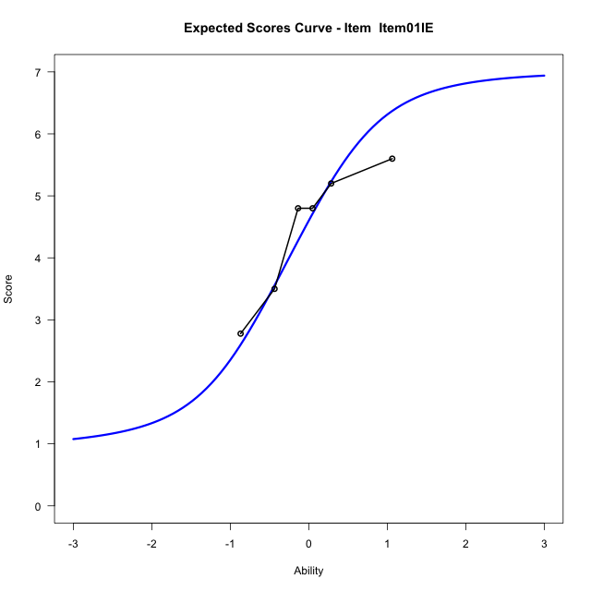
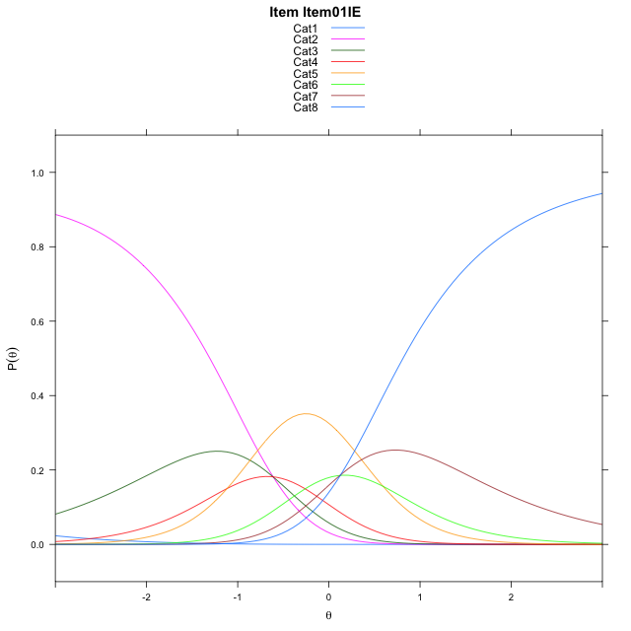
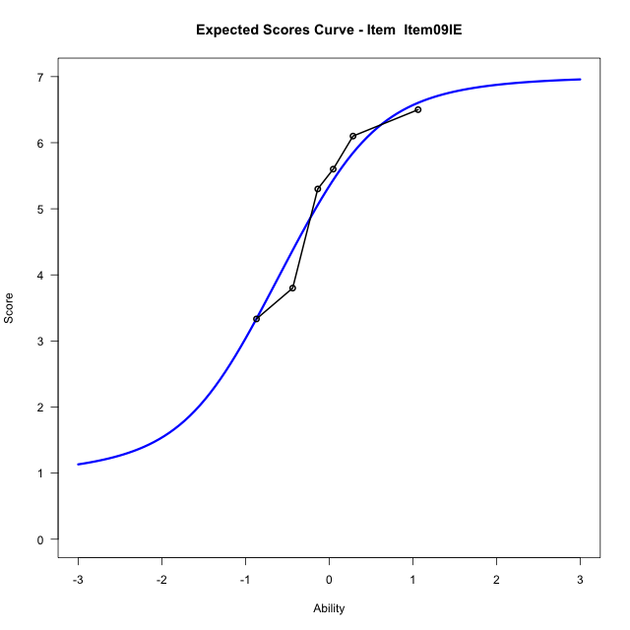
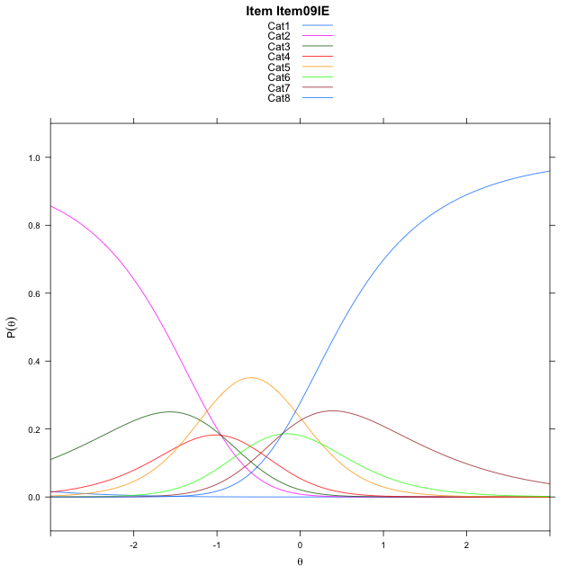
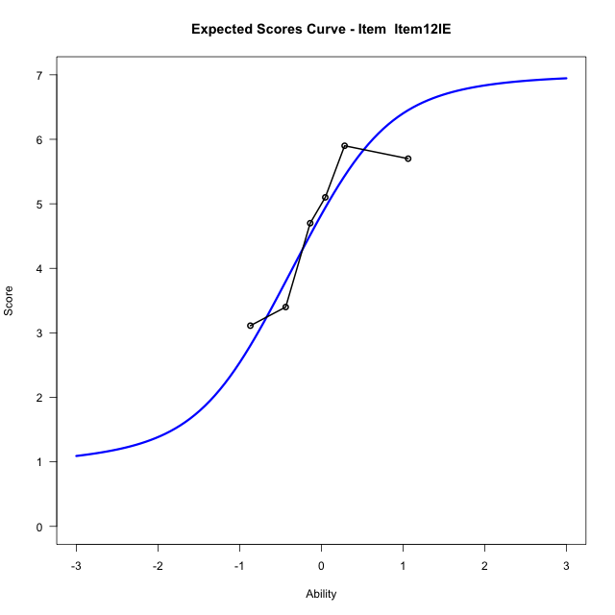
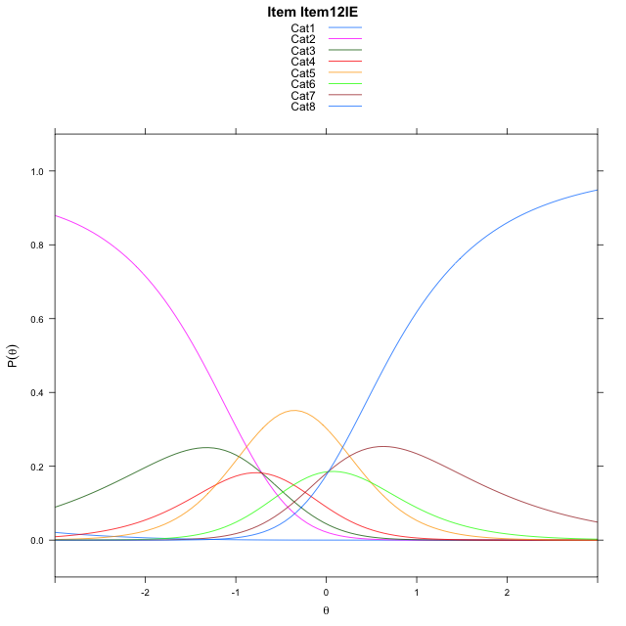
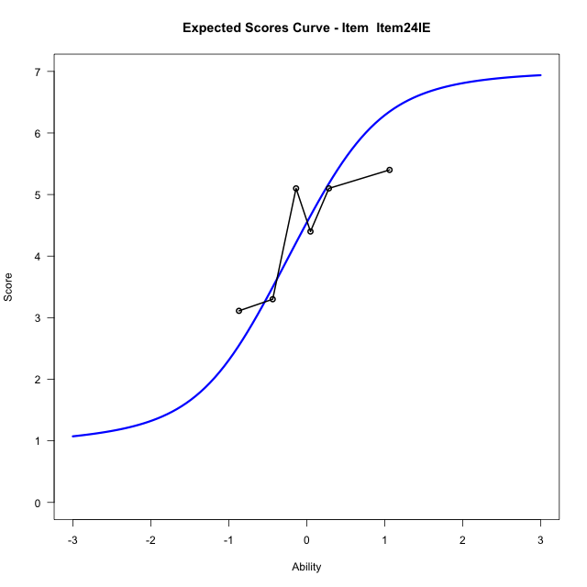
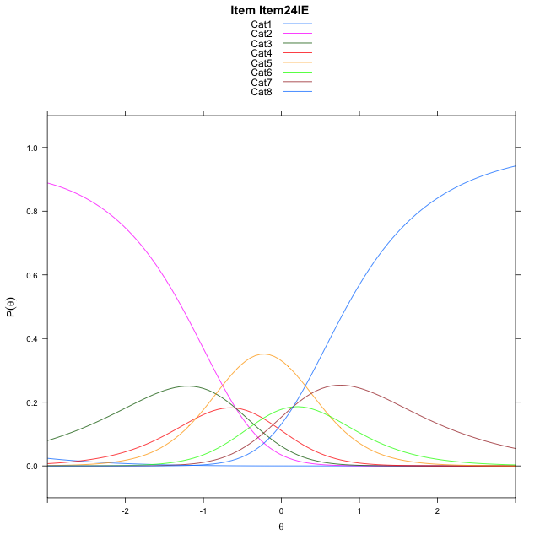
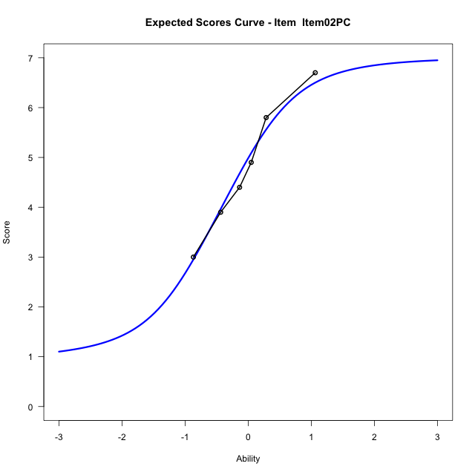
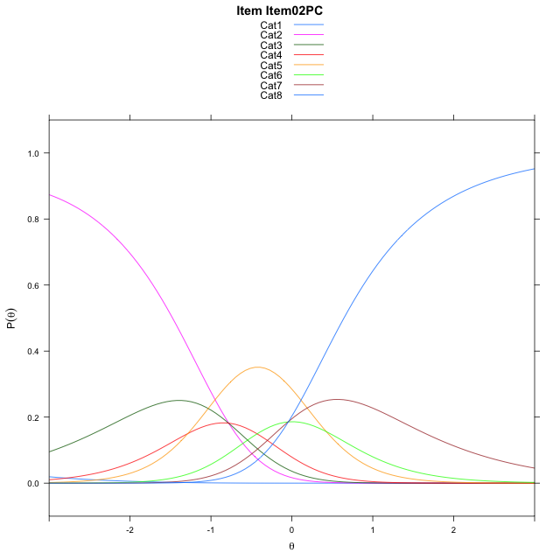
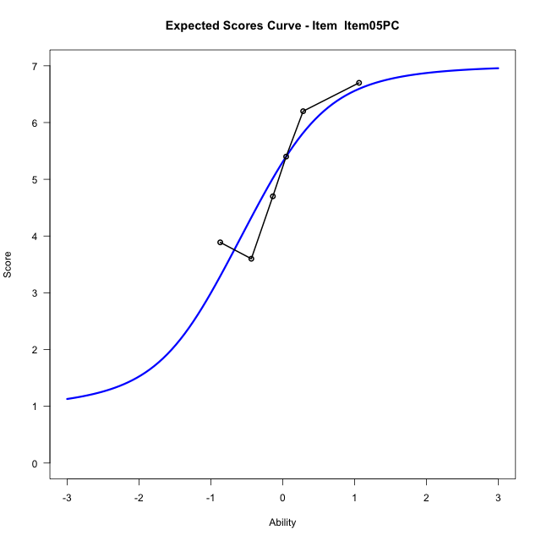
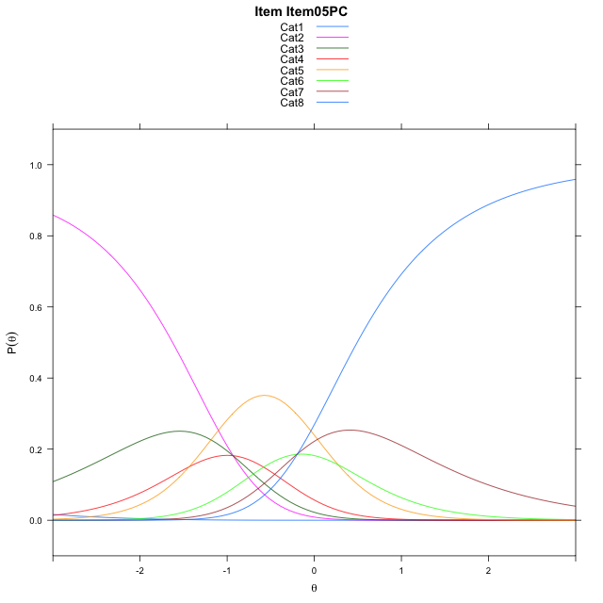
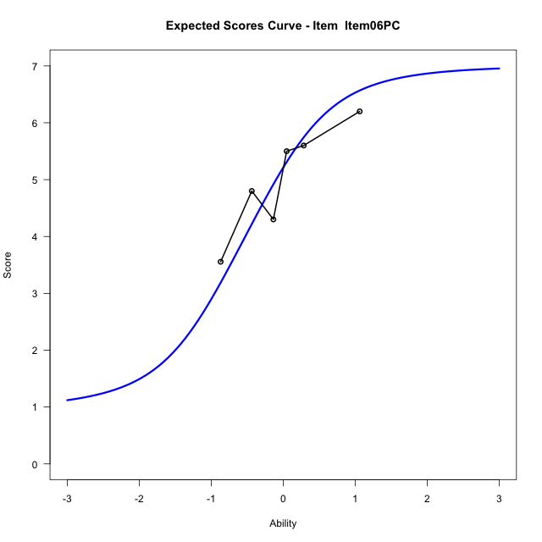
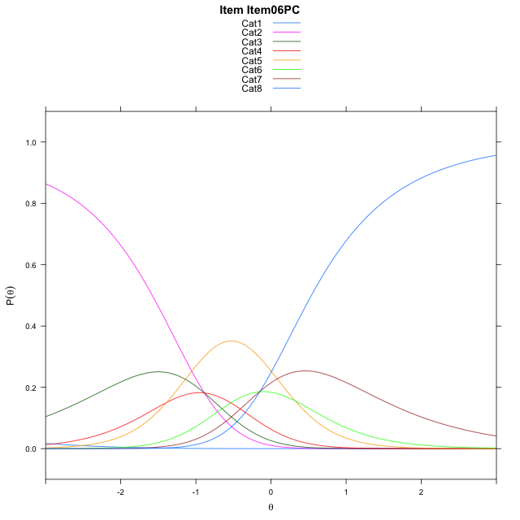
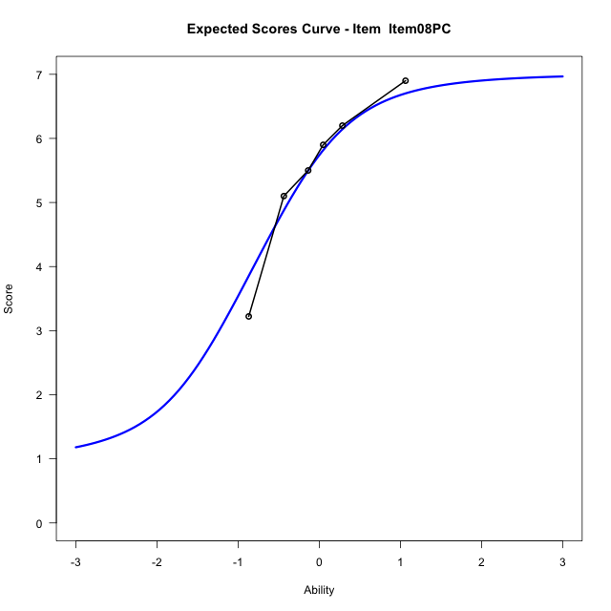

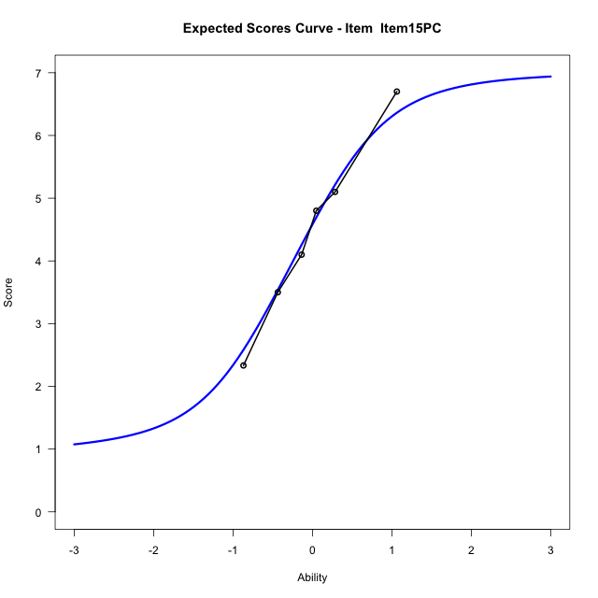

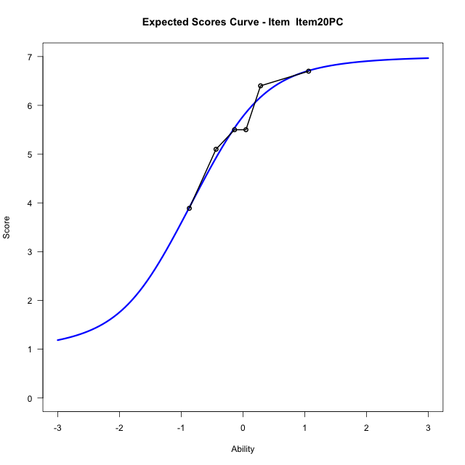
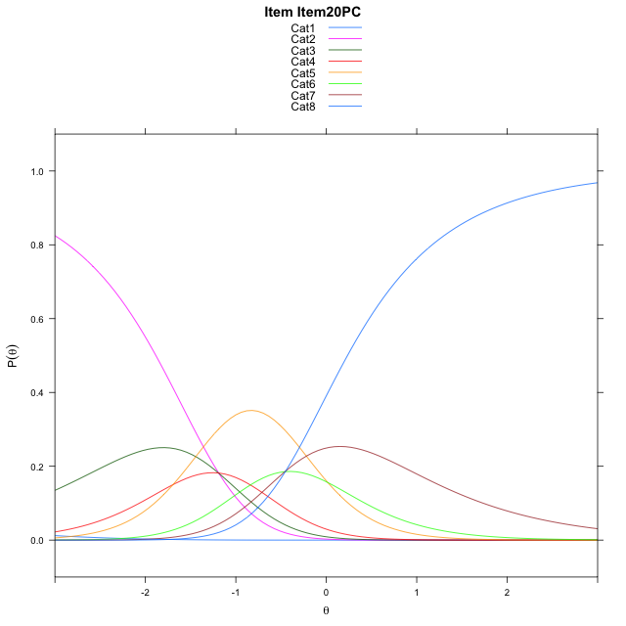
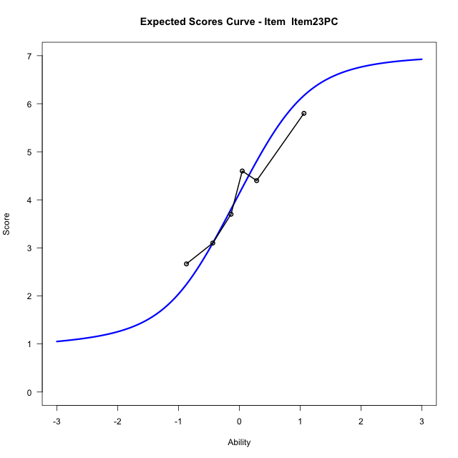
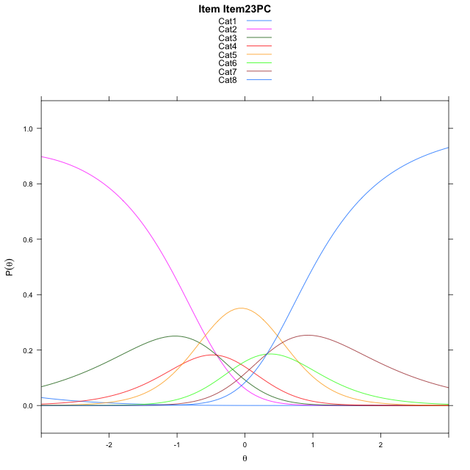
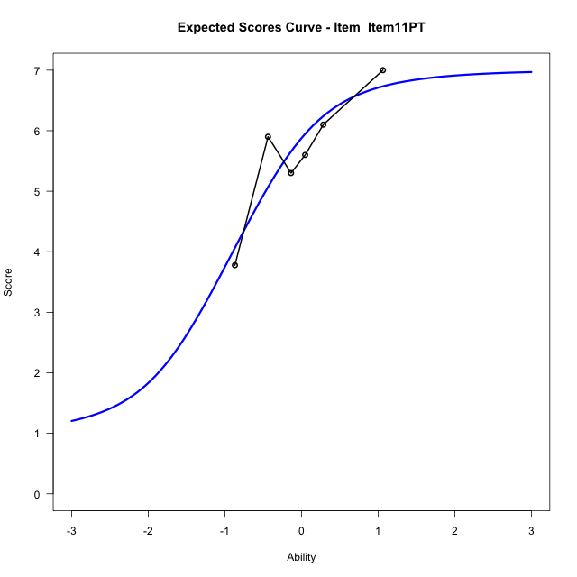
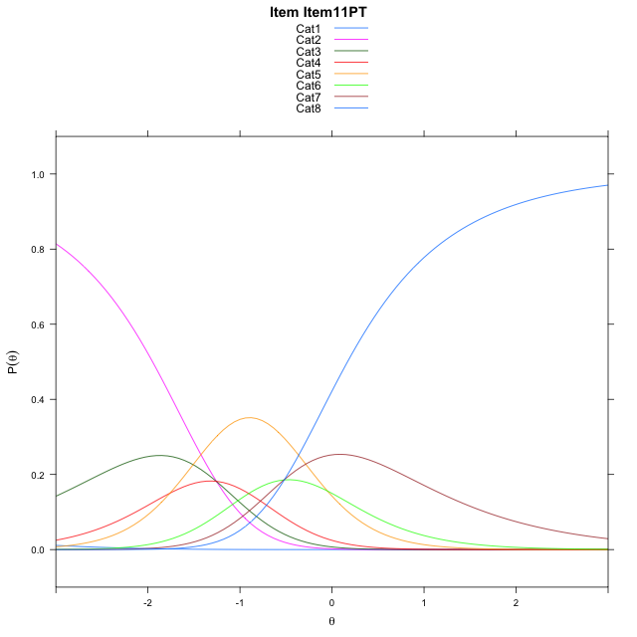
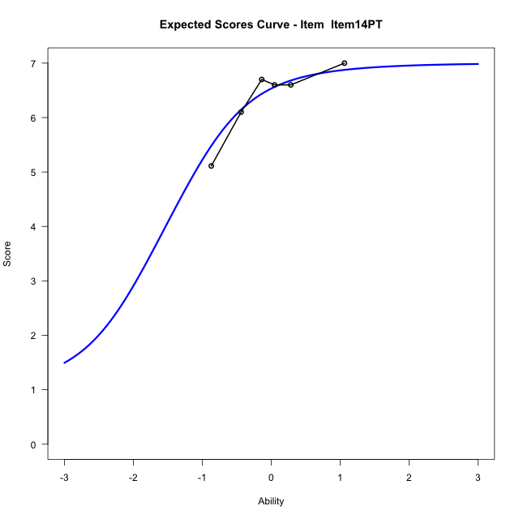
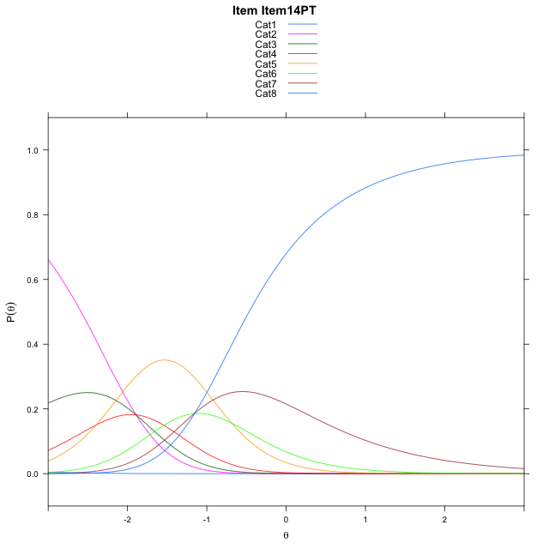
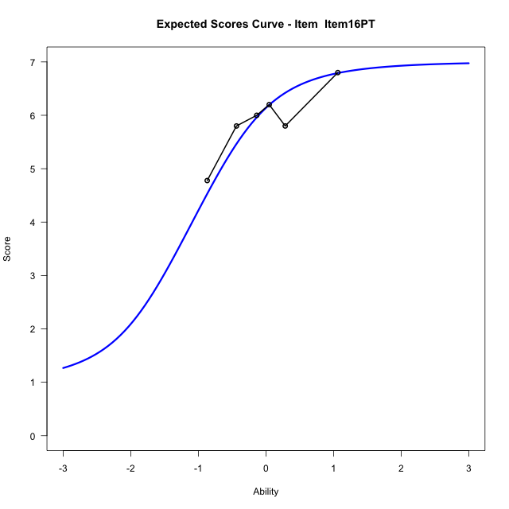

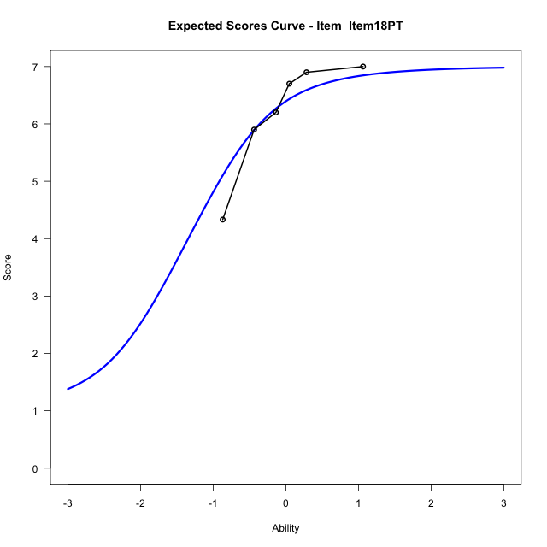
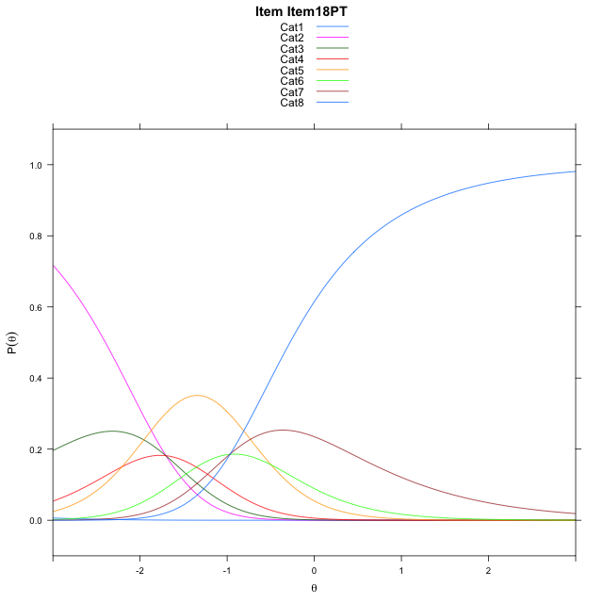
Estimate items information for the measurement model

Full Item Information
item | N | M | xsi.item | AXsi_.Cat1 | AXsi_.Cat2 | AXsi_.Cat3 | AXsi_.Cat4 | AXsi_.Cat5 | AXsi_.Cat6 | AXsi_.Cat7 | B.Cat1.Dim1 | B.Cat2.Dim1 | B.Cat3.Dim1 | B.Cat4.Dim1 | B.Cat5.Dim1 | B.Cat6.Dim1 | B.Cat7.Dim1
Item01IE | 59 | 4.4745762712 | -1.1618404986 | -6.6402928067 | -7.2502706892 | -7.8633759288 | -8.9794110893 | -8.3847705286 | -8.2631914566 | -8.1328834899 | 1 | 2 | 3 | 4 | 5 | 6 | 7
Item09IE | 59 | 5.1355932203 | -1.5014934646 | -6.9799457728 | -7.9295766213 | -8.882334827 | -10.338022953 | -10.083035359 | -10.301109253 | -10.510454252 | 1 | 2 | 3 | 4 | 5 | 6 | 7
Item12IE | 59 | 4.6779661017 | -1.2624606632 | -6.7409129714 | -7.4515110185 | -8.1652364228 | -9.3818917478 | -8.8878713519 | -8.8669124445 | -8.8372246424 | 1 | 2 | 3 | 4 | 5 | 6 | 7
Item24IE | 59 | 4.4237288136 | -1.1371855435 | -6.6156378516 | -7.2009607791 | -7.7894110636 | -8.880791269 | -8.2614957533 | -8.1152617262 | -7.9602988044 | 1 | 2 | 3 | 4 | 5 | 6 | 7
Item02PC | 59 | 4.813559322 | -1.3310841083 | -6.8095364164 | -7.5887579086 | -8.3711067579 | -9.656385528 | -9.2309885771 | -9.2786531148 | -9.3175887578 | 1 | 2 | 3 | 4 | 5 | 6 | 7
Item05PC | 59 | 5.1016949153 | -1.4829574118 | -6.9614097199 | -7.8925045157 | -8.8267266685 | -10.263878742 | -9.9903550947 | -10.189892936 | -10.380701882 | 1 | 2 | 3 | 4 | 5 | 6 | 7
Item06PC | 59 | 5.0169491525 | -1.4373085559 | -6.915760864 | -7.8012068039 | -8.6897801009 | -10.081283319 | -9.7621108153 | -9.9159998006 | -10.061159891 | 1 | 2 | 3 | 4 | 5 | 6 | 7
Item08PC | 59 | 5.5084745763 | -1.7188192013 | -7.1972715094 | -8.3642280946 | -9.5343120369 | -11.2073259 | -11.169664042 | -11.605063673 | -12.031734409 | 1 | 2 | 3 | 4 | 5 | 6 | 7
Item15PC | 59 | 4.4576271186 | -1.1535534257 | -6.6320057339 | -7.2336965436 | -7.8385147104 | -8.946262798 | -8.3433351646 | -8.2134690197 | -8.0748739802 | 1 | 2 | 3 | 4 | 5 | 6 | 7
Item20PC | 59 | 5.5423728814 | -1.740124389 | -7.2185766971 | -8.4068384701 | -9.5982276002 | -11.292546651 | -11.276189981 | -11.732894799 | -12.180870723 | 1 | 2 | 3 | 4 | 5 | 6 | 7
Item23PC | 59 | 4.0677966102 | -0.96553135176 | -6.4439836599 | -6.8576523956 | -7.2744484884 | -8.1941745021 | -7.4032247946 | -7.0853365758 | -6.7587194623 | 1 | 2 | 3 | 4 | 5 | 6 | 7
Item11PT | 59 | 5.6440677966 | -1.8060456857 | -7.2844979938 | -8.5386810635 | -9.7959914902 | -11.556231838 | -11.605796464 | -12.128422579 | -12.6423198 | 1 | 2 | 3 | 4 | 5 | 6 | 7
Item14PT | 59 | 6.3728813559 | -2.4421324548 | -7.920584763 | -9.8108546018 | -11.704251798 | -14.100578914 | -14.78623031 | -15.944943194 | -17.094927184 | 1 | 2 | 3 | 4 | 5 | 6 | 7
Item16PT | 59 | 5.9152542373 | -2.0006369359 | -7.479089244 | -8.9278635639 | -10.379765241 | -12.334596839 | -12.578752715 | -13.295970081 | -14.004458551 | 1 | 2 | 3 | 4 | 5 | 6 | 7
Item18PT | 59 | 6.2033898305 | -2.2538236017 | -7.7322759098 | -9.4342368954 | -11.139325238 | -13.347343502 | -13.844686044 | -14.815090075 | -15.776765212 | 1 | 2 | 3 | 4 | 5 | 6 | 7

Thurstonian Thresholds (category-wise)
 | Cat1 | Cat2 | Cat3 | Cat4 | Cat5 | Cat6 | Cat7
Item01IE | -6.6433410645 | -1.3001403809 | -0.83413696289 | -0.53988647461 | 0.034149169922 | 0.33590698242 | 0.81271362305
Item09IE | -6.9828186035 | -1.6396179199 | -1.173614502 | -0.87936401367 | -0.30532836914 | -0.0035705566406 | 0.47323608398
Item12IE | -6.7438659668 | -1.4006652832 | -0.93466186523 | -0.64059448242 | -0.066558837891 | 0.23519897461 | 0.71200561523
Item24IE | -6.6184387207 | -1.2752380371 | -0.80923461914 | -0.51498413086 | 0.059051513672 | 0.36080932617 | 0.8376159668
Item02PC | -6.8125305176 | -1.469329834 | -1.003326416 | -0.70907592773 | -0.1350402832 | 0.16653442383 | 0.64334106445
Item05PC | -6.9643249512 | -1.6211242676 | -1.1549377441 | -0.86087036133 | -0.2868347168 | 0.014923095703 | 0.49172973633
Item06PC | -6.918548584 | -1.5753479004 | -1.1093444824 | -0.81527709961 | -0.24124145508 | 0.060516357422 | 0.53732299805
Item08PC | -7.2003479004 | -1.8571472168 | -1.3909606934 | -1.0968933105 | -0.52285766602 | -0.22109985352 | 0.25570678711
Item15PC | -6.6349182129 | -1.2919006348 | -0.82571411133 | -0.53164672852 | 0.042388916016 | 0.34414672852 | 0.82095336914
Item20PC | -7.2215881348 | -1.8783874512 | -1.4123840332 | -1.1181335449 | -0.54409790039 | -0.24234008789 | 0.23446655273
Item23PC | -6.446685791 | -1.1034851074 | -0.63748168945 | -0.34341430664 | 0.23062133789 | 0.53237915039 | 1.009185791
Item11PT | -7.2875061035 | -1.9443054199 | -1.478302002 | -1.1840515137 | -0.61001586914 | -0.30825805664 | 0.16854858398
Item14PT | -7.9234313965 | -2.5802307129 | -2.1142272949 | -1.8201599121 | -1.2461242676 | -0.94436645508 | -0.46755981445
Item16PT | -7.4819641113 | -2.1387634277 | -1.6727600098 | -1.3785095215 | -0.80447387695 | -0.50271606445 | -0.025909423828
Item18PT | -7.7351989746 | -2.391998291 | -1.925994873 | -1.6317443848 | -1.0577087402 | -0.75595092773 | -0.27914428711

Thurstonian Thresholds (item-wise)
 | Threshold
Item01IE | -0.4626838885
Item09IE | -0.81068630935
Item12IE | -0.56068450355
Item24IE | -0.43895291271
Item02PC | -0.63265924331
Item05PC | -0.79216050229
Item06PC | -0.74581988073
Item08PC | -1.0213124484
Item15PC | -0.45469949861
Item20PC | -1.0417781709
Item23PC | -0.27369610963
Item11PT | -1.1054579492
Item14PT | -1.7406838297
Item16PT | -1.3077065429
Item18PT | -1.5589620648

Item Infit/Outfit Statistic
parameter | Outfit | Outfit_t | Outfit_p | Outfit_pholm | Infit | Infit_t | Infit_p | Infit_pholm
Item01IE | 0.71843455672 | -1.7187928022 | 0.085652106621 | 1 | 0.681963152 | -2.073674117 | 0.038109586604 | 0.45731503925
Item09IE | 0.45834729574 | -3.4671942296 | 0.00052592171799 | 0.011044356078 | 0.45381888863 | -3.8771282625 | 0.0001056966443 | 0.0014797530203
Item12IE | 0.63670168247 | -2.2668736712 | 0.023397944025 | 0.39776504843 | 0.57664481519 | -2.8970495673 | 0.0037669023412 | 0.048969730435
Item24IE | 1.3698742522 | 1.917314698 | 0.055197963781 | 0.81130438312 | 1.3334230229 | 1.8316764973 | 0.066999632243 | 0.68859156055
Item02PC | 0.91341518687 | -0.4299923168 | 0.66720123017 | 1 | 0.97375247082 | -0.10402908813 | 0.91714626482 | 1
Item05PC | 1.04801527 | 0.29772213393 | 0.76591524865 | 1 | 1.1109783848 | 0.65758464357 | 0.51080506485 | 1
Item06PC | 1.4336130846 | 2.0412096239 | 0.041229995539 | 0.65967992862 | 1.3510436981 | 1.8620273672 | 0.062599232778 | 0.68859156055
Item08PC | 0.86679972473 | -0.58531379547 | 0.55833674047 | 1 | 0.8867063513 | -0.57178654912 | 0.56746659101 | 1
Item15PC | 1.1892558815 | 1.0522867746 | 0.2926679976 | 1 | 1.2343611916 | 1.3351935038 | 0.18181302247 | 1
Item20PC | 0.77654837806 | -1.054015687 | 0.29187573517 | 1 | 0.82535070471 | -0.92729609152 | 0.35377282309 | 1
Item23PC | 1.0013698701 | 0.054271101199 | 0.95671917351 | 1 | 0.99544291852 | 0.019764959536 | 0.98423087066 | 1
Item11PT | 1.9733973933 | 3.4338570117 | 0.00059505800797 | 0.011901160159 | 1.9587107784 | 3.9657322316 | 7.3170970374E-05 | 0.0010975645556
Item14PT | 0.88021702314 | -0.29423877032 | 0.76857545675 | 1 | 1.1048611344 | 0.46790314526 | 0.63985385414 | 1
Item16PT | 1.5049842024 | 1.8050034391 | 0.071074143865 | 0.92396387024 | 1.3527856765 | 1.5928622058 | 0.11119110648 | 1
Item18PT | 0.79720407046 | -0.66687252487 | 0.50485356214 | 1 | 1.0487800776 | 0.2706444087 | 0.78666453683 | 1
Cat1 | 2.0467314547 | 1.0513466606 | 0.29309940404 | 1 | 2.1359988112 | 22.719863223 | 2.8509414288E-114 | 4.846600429E-113
Cat2 | 2.5442730691 | 1.9261394901 | 0.054086958875 | 0.81130438312 | 2.570822982 | 32.557726367 | 1.6277867271E-232 | 2.9300161088E-231
Cat3 | 2.6816681251 | 2.608023658 | 0.0091066660164 | 0.17302665431 | 2.6942141324 | 43.15268565 | 0 | 0
Cat4 | 2.1065764907 | 2.3410399313 | 0.019230110249 | 0.34614198449 | 2.1053765403 | 42.748422137 | 0 | 0
Cat5 | 2.2289908784 | 1.4740871709 | 0.14045812225 | 1 | 2.2530484826 | 34.107868536 | 5.6388123887E-255 | 1.0713743539E-253
Cat6 | 1.7171382079 | 0.95589824582 | 0.33912364534 | 1 | 1.8855996791 | 13.167460393 | 1.3506491026E-39 | 2.1610385642E-38

Box plot of expected curves

