Assumptions
ANOVA assumptions for Perceived Choice

Shapiro-Wilk normality test for Perceived Choice
W | p.value
0.95783994213 | 0.051588983462

Plots for normality test
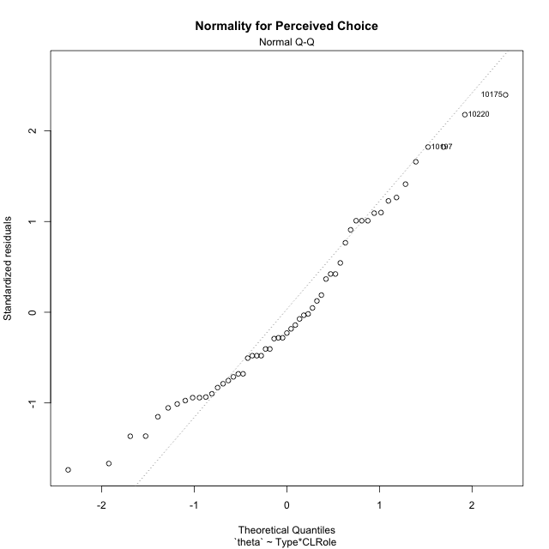

Levene's Test for Homogeneity of Variance in Perceived Choice
Df | F value | Pr(>F)
3 | 0.1343968329 | 0.93910234235
51

Plots for homogeneity of variance
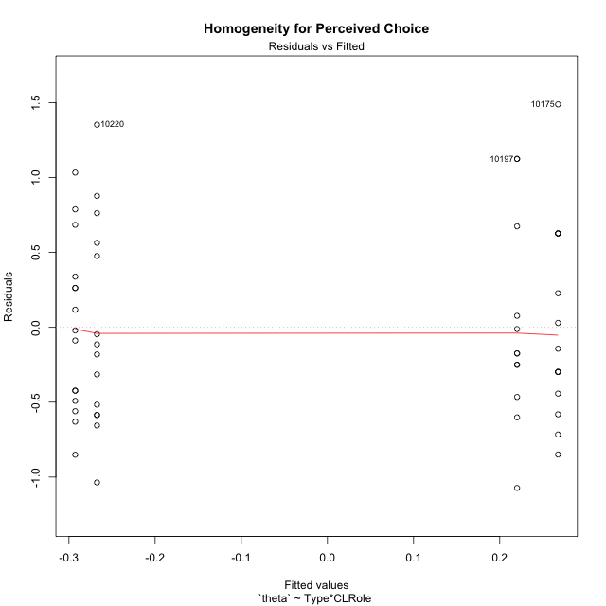

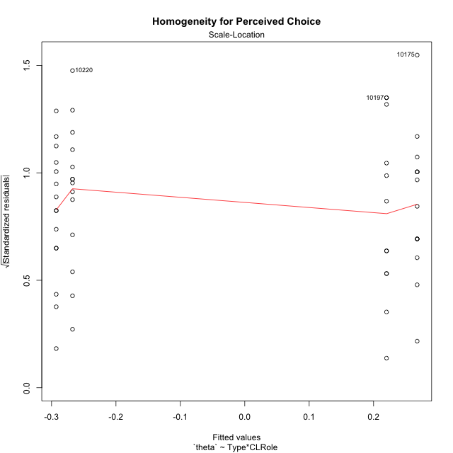

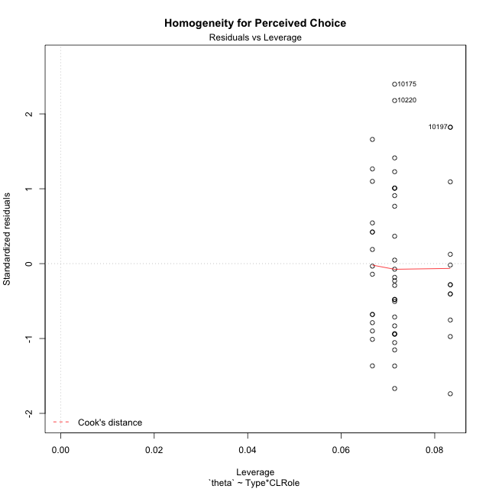

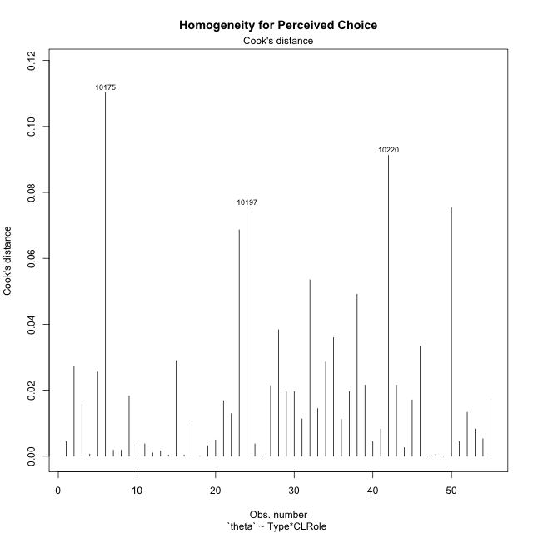

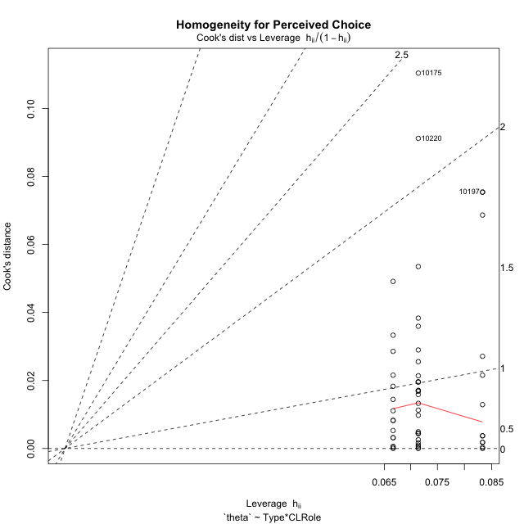

Minimum Sample Size Test for Perceived Choice
Type | CLRole | Freq
non-gamified | Apprentice | 14
ont-gamified | Apprentice | 12
non-gamified | Master | 15
ont-gamified | Master | 14

Errors and Warnings in Sample Size Test for ANOVA in Perceived Choice
code | description
WARN: sample.size | current.size is = 14 and recommended.size must be = 15 for the group: 'non-gamified:Apprentice'. Size sample for parametric test isn't recomended
WARN: sample.size | current.size is = 12 and recommended.size must be = 15 for the group: 'ont-gamified:Apprentice'. Size sample for parametric test isn't recomended
WARN: sample.size | current.size is = 14 and recommended.size must be = 15 for the group: 'ont-gamified:Master'. Size sample for parametric test isn't recomended

For the group: 'non-gamified:Apprentice', we recommend the use of non parametric test. For the group: 'ont-gamified:Apprentice', we recommend the use of non parametric test. For the group: 'non-gamified:Master', you can perform a parametric test with a non-normal distribution For the group: 'ont-gamified:Master', we recommend the use of non parametric test.

If you don't want to remove non-normal data, you must cite the following references: ... (1) Lix, L.M., J.C. Keselman, and H.J. Keselman. 1996. Consequences of assumption violations revisited: A quantitative review of alternatives to the one-way analysis of variance F test. Rev. Educ. Res. 66: 579-619. ... (2) Harwell, M.R., E.N. Rubinstein, W.S. Hayes, and C.C. Olds. 1992. Summarizing Monte Carlo results in methodological research: the one- and two-factor fixed effects ANOVA cases. J. Educ. Stat. 17: 315-339.

Post-hoc
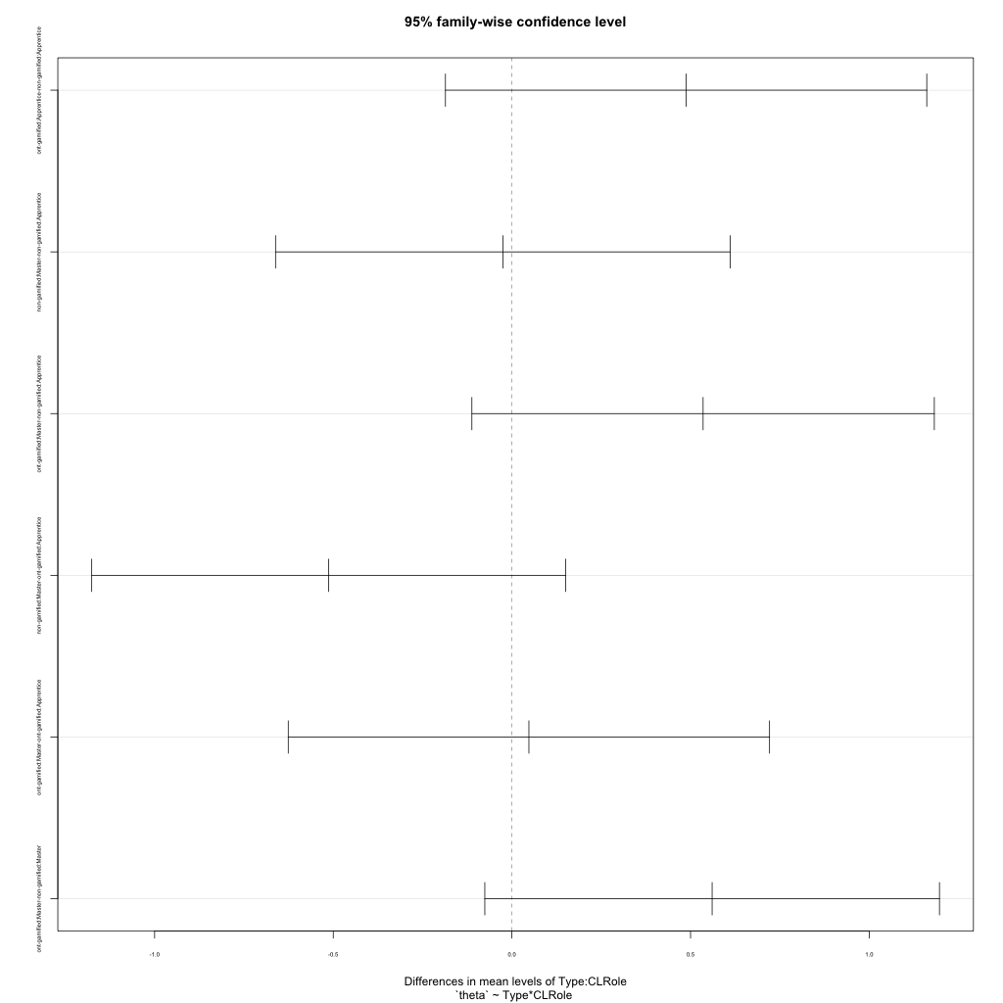
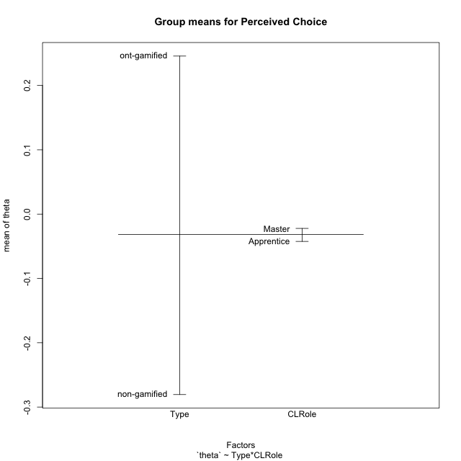
Post-hoc Tukey Honestly Significant Difference (HSD) Test for Perceived Choice

Comparisons of means for Type
 | diff | lwr | upr | p adj
ont-gamified-non-gamified | 0.52625683965 | 0.17671004138 | 0.87580363792 | 0.0039153554284

Comparisons of means for CLRole
 | diff | lwr | upr | p adj
Master-Apprentice | 0.0090683576763 | -0.34047844059 | 0.35861515595 | 0.95866593347

Comparisons of means for Type:CLRole
 | diff | lwr | upr | p adj
ont-gamified:Apprentice-non-gamified:Apprentice | 0.48756308785 | -0.18597883051 | 1.1611050062 | 0.23158909466
non-gamified:Master-non-gamified:Apprentice | -0.025282503518 | -0.66152393707 | 0.61095893004 | 0.99957354386
ont-gamified:Master-non-gamified:Apprentice | 0.53513676392 | -0.11198137946 | 1.1822549073 | 0.13804020048
non-gamified:Master-ont-gamified:Apprentice | -0.51284559137 | -1.1759443669 | 0.15025318413 | 0.1821945108
ont-gamified:Master-ont-gamified:Apprentice | 0.047573676067 | -0.62596824229 | 0.72111559442 | 0.99762781357
ont-gamified:Master-non-gamified:Master | 0.56041926743 | -0.075822166123 | 1.196660701 | 0.1025279275

Contrast Matrices for Perceived Choice
contrast | CLRole | estimate | SE | df | t.ratio | p.value
non-gamified - ont-gamified | Apprentice | -0.48756308785 | 0.25361095749 | 51 | -1.9224843149 | 0.060138642301
non-gamified - ont-gamified | Master | -0.56041926743 | 0.23956608306 | 51 | -2.3393097231 | 0.023273957234

Least Squares Means and Confidence Intervals
Type | CLRole | lsmean | SE | df | lower.CL | upper.CL
non-gamified | Apprentice | -0.26747487023 | 0.17229471766 | 51 | -0.61337094912 | 0.078421208659
ont-gamified | Apprentice | 0.22008821762 | 0.18609956481 | 51 | -0.15352224836 | 0.5936986836
non-gamified | Master | -0.29275737375 | 0.166452511 | 51 | -0.62692473336 | 0.041409985866
ont-gamified | Master | 0.26766189369 | 0.17229471766 | 51 | -0.078234185201 | 0.61355797258

Plots

Type_1
Student's t-Test for Perceived Choice in Type between non-gamified:ont-gamified

Student's t-Test results
Alternative hypothesis: less
Group | N | Mean | Mean.Difference | Std.deviation | Std.error | CI.lower | CI.upper | df | t.value | p.value | g | magnitude
non-gamified | 29 | -0.28055202722 | -0.52625683965 | 0.62097025819 | 0.11531128209 | -0.51117459141 | -0.049929463037 | 51.834292722 | -3.0731657659 | 0.0016864760289 | -0.81997071755 | large
ont-gamified | 26 | 0.24570481243 | 0.52625683965 | 0.64553123857 | 0.12659909162 | -0.0074933708142 | 0.49890299566 | 51.834292722 | -3.0731657659 | 0.0016864760289 | -0.81997071755 | large
Alternative hypothesis: greater
Group | N | Mean | Mean.Difference | Std.deviation | Std.error | CI.lower | CI.upper | df | t.value | p.value | g | magnitude
non-gamified | 29 | -0.28055202722 | -0.52625683965 | 0.62097025819 | 0.11531128209 | -0.51117459141 | -0.049929463037 | 51.834292722 | -3.0731657659 | 0.99831352397 | -0.81997071755 | large
ont-gamified | 26 | 0.24570481243 | 0.52625683965 | 0.64553123857 | 0.12659909162 | -0.0074933708142 | 0.49890299566 | 51.834292722 | -3.0731657659 | 0.99831352397 | -0.81997071755 | large
Alternative hypothesis: two.sided
Group | N | Mean | Mean.Difference | Std.deviation | Std.error | CI.lower | CI.upper | df | t.value | p.value | g | magnitude
non-gamified | 29 | -0.28055202722 | -0.52625683965 | 0.62097025819 | 0.11531128209 | -0.51117459141 | -0.049929463037 | 51.834292722 | -3.0731657659 | 0.0033729520578 | -0.81997071755 | large
ont-gamified | 26 | 0.24570481243 | 0.52625683965 | 0.64553123857 | 0.12659909162 | -0.0074933708142 | 0.49890299566 | 51.834292722 | -3.0731657659 | 0.0033729520578 | -0.81997071755 | large

Box plots for Student's t-Test
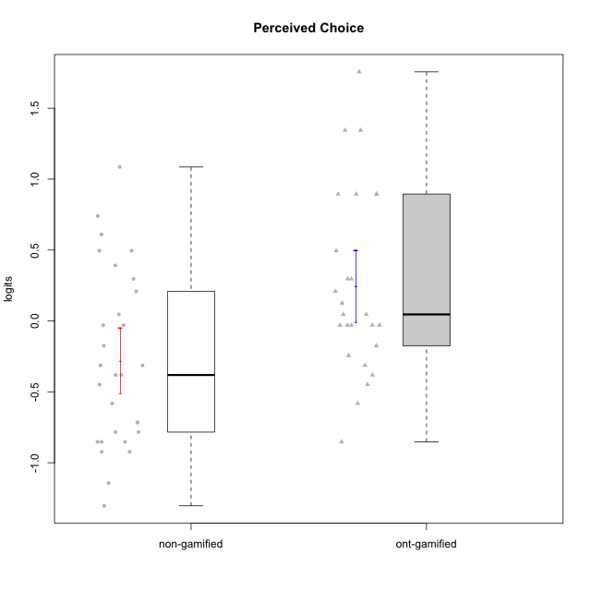

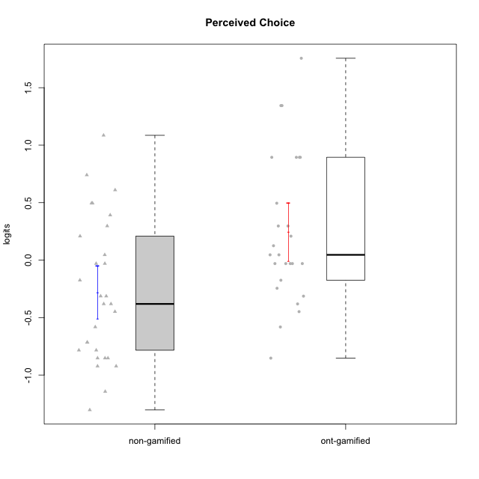

Student's t-Test data
UserID | NroUSP | Type | CLGroup | CLRole | PlayerRole | theta | error | WLE.rel
10169 | 10377538 | ont-gamified | Grupo Hefesto | Master | Yee Achiever | -0.03013465276 | 0.2783082774 | 0.76944972051
10170 | 10260351 | ont-gamified | Grupo Afrodite | Apprentice | Yee Achiever | 0.89432291748 | 0.4194463071 | 0.76944972051
10171 | 698531 | non-gamified | Grupo Team 6 | Apprentice |  | 0.29679621121 | 0.30875086382 | 0.76944972051
10172 | 10273971 | non-gamified | Grupo Team 1 | Master |  | -0.17501744567 | 0.27021175094 | 0.76944972051
10174 | 10276852 | ont-gamified | Grupo Urano | Master | Yee Achiever | -0.4482465434 | 0.26256753375 | 0.76944972051
10175 | 10310700 | ont-gamified | Grupo Hélio | Master | Yee Socializer | 1.7561459858 | 0.73000958137 | 0.76944972051
10176 | 10276949 | ont-gamified | Grupo Cronus | Apprentice | Yee Achiever | 0.045896157378 | 0.28380551948 | 0.76944972051
10178 | 8656201 | ont-gamified | Grupo Morfeu | Apprentice | Yee Socializer | 0.045896157378 | 0.28380551948 | 0.76944972051
10179 | 10310759 | non-gamified | Grupo Team 9 | Master |  | -0.9227598848 | 0.26981440368 | 0.76944972051
10181 | 10276866 | non-gamified | Grupo Team 10 | Master |  | -0.03013465276 | 0.2783082774 | 0.76944972051
10183 | 10352030 | ont-gamified | Grupo Hélio | Apprentice | Yee Socializer | -0.03013465276 | 0.2783082774 | 0.76944972051
10184 | 10276675 | ont-gamified | Grupo Apolo | Master | Yee Socializer | 0.12514384383 | 0.29051543971 | 0.76944972051
10185 | 10276960 | non-gamified | Grupo Team 12 | Apprentice |  | -0.4482465434 | 0.26256753375 | 0.76944972051
10186 | 10310551 | ont-gamified | Grupo Ares | Apprentice | Yee Achiever | 0.29679621121 | 0.30875086382 | 0.76944972051
10187 | 9790781 | non-gamified | Grupo Team 15 | Apprentice |  | 0.49504462318 | 0.33678360871 | 0.76944972051
10188 | 10276995 | non-gamified | Grupo Team 3 | Master |  | -0.38114058225 | 0.2635865062 | 0.76944972051
10189 | 9363926 | ont-gamified | Grupo Hades | Master | Yee Socializer | -0.17501744567 | 0.27021175094 | 0.76944972051
10190 | 10276907 | ont-gamified | Grupo Zeus | Apprentice | Yee Socializer | 0.208424484 | 0.29870635502 | 0.76944972051
10191 | 10276981 | non-gamified | Grupo Team 6 | Master |  | -0.03013465276 | 0.2783082774 | 0.76944972051
10192 | 10276682 | non-gamified | Grupo Team 5 | Apprentice |  | -0.58172873323 | 0.2620907084 | 0.76944972051
10193 | 10276762 | ont-gamified | Grupo Afrodite | Master | Yee Achiever | -0.31343622428 | 0.26516604224 | 0.76944972051
10195 | 10351971 | ont-gamified | Grupo Urano | Apprentice | Yee Achiever | -0.24483839121 | 0.26735321031 | 0.76944972051
10196 | 10310655 | ont-gamified | Grupo Hefesto | Apprentice | Yee Achiever | -0.85270229156 | 0.26718470314 | 0.76944972051
10197 | 10276661 | ont-gamified | Grupo Gaia | Apprentice | Yee Achiever | 1.3443366273 | 0.55910246793 | 0.76944972051
10200 | 9795272 | ont-gamified | Grupo Hades | Apprentice | Yee Socializer | -0.03013465276 | 0.2783082774 | 0.76944972051
10201 | 10276928 | ont-gamified | Grupo Caronte | Master | Yee Achiever | 0.29679621121 | 0.30875086382 | 0.76944972051
10202 | 10277036 | non-gamified | Grupo Team 11 | Apprentice |  | -0.9227598848 | 0.26981440368 | 0.76944972051
10203 | 9921470 | non-gamified | Grupo Team 3 | Apprentice |  | 0.60978673935 | 0.35677571461 | 0.76944972051
10204 | 10310471 | ont-gamified | Grupo Hermes | Master | Yee Achiever | 0.89432291748 | 0.4194463071 | 0.76944972051
10206 | 10310721 | ont-gamified | Grupo Hera | Master | Yee Achiever | 0.89432291748 | 0.4194463071 | 0.76944972051
10208 | 10276932 | non-gamified | Grupo Team 7 | Apprentice |  | 0.208424484 | 0.29870635502 | 0.76944972051
10210 | 10277015 | non-gamified | Grupo Team 9 | Apprentice |  | -1.303691341 | 0.29450607327 | 0.76944972051
10211 | 9311643 | non-gamified | Grupo Team 2 | Master |  | -0.85270229156 | 0.26718470314 | 0.76944972051
10212 | 9065750 | non-gamified | Grupo Team 4 | Master |  | 0.49504462318 | 0.33678360871 | 0.76944972051
10213 | 10277040 | ont-gamified | Grupo Morfeu | Master | Yee Socializer | -0.58172873323 | 0.2620907084 | 0.76944972051
10214 | 10277022 | non-gamified | Grupo Team 5 | Master |  | -0.78383870073 | 0.26513011226 | 0.76944972051
10215 | 9285227 | ont-gamified | Grupo Zeus | Master | Yee Socializer | 0.89432291748 | 0.4194463071 | 0.76944972051
10216 | 10276720 | non-gamified | Grupo Team 15 | Master |  | 0.74038139346 | 0.38315195417 | 0.76944972051
10217 | 9805341 | non-gamified | Grupo Team 13 | Master |  | 0.39167732353 | 0.32118099141 | 0.76944972051
10218 | 9842913 | ont-gamified | Grupo Ares | Master | Yee Achiever | -0.03013465276 | 0.2783082774 | 0.76944972051
10219 | 10276831 | non-gamified | Grupo Team 12 | Master |  | -0.71589168771 | 0.26361092673 | 0.76944972051
10220 | 9760151 | non-gamified | Grupo Team 2 | Apprentice |  | 1.0855463519 | 0.4726478955 | 0.76944972051
10221 | 9082496 | ont-gamified | Grupo Hermes | Apprentice | Yee Achiever | -0.38114058225 | 0.2635865062 | 0.76944972051
10223 | 9795185 | ont-gamified | Grupo Cronus | Master | Yee Achiever | 0.49504462318 | 0.33678360871 | 0.76944972051
10224 | 9368772 | non-gamified | Grupo Team 10 | Apprentice |  | -0.85270229156 | 0.26718470314 | 0.76944972051
10226 | 10310342 | non-gamified | Grupo Team 8 | Master |  | -1.1434122935 | 0.28184149962 | 0.76944972051
10227 | 9274382 | non-gamified | Grupo Team 4 | Apprentice |  | -0.31343622428 | 0.26516604224 | 0.76944972051
10228 | 10310492 | non-gamified | Grupo Team 14 | Apprentice |  | -0.38114058225 | 0.2635865062 | 0.76944972051
10230 | 10351992 | non-gamified | Grupo Team 14 | Master |  | -0.31343622428 | 0.26516604224 | 0.76944972051
10231 | 10276911 | ont-gamified | Grupo Caronte | Apprentice | Yee Achiever | 1.3443366273 | 0.55910246793 | 0.76944972051
10232 | 10276974 | ont-gamified | Grupo Artemis | Master | Yee Achiever | -0.03013465276 | 0.2783082774 | 0.76944972051
10233 | 9805320 | non-gamified | Grupo Team 16 | Apprentice |  | -0.78383870073 | 0.26513011226 | 0.76944972051
10234 | 10310676 | non-gamified | Grupo Team 7 | Master |  | -0.71589168771 | 0.26361092673 | 0.76944972051
10237 | 10377688 | non-gamified | Grupo Team 11 | Master |  | 0.045896157378 | 0.28380551948 | 0.76944972051
10238 | 10276953 | non-gamified | Grupo Team 13 | Apprentice |  | -0.85270229156 | 0.26718470314 | 0.76944972051

Type_CLRole_1
Student's t-Test for Perceived Choice in Type:CLRole between non-gamified.Apprentice:non-gamified.Master

Student's t-Test results
Alternative hypothesis: less
Group | N | Mean | Mean.Difference | Std.deviation | Std.error | CI.lower | CI.upper | df | t.value | p.value | g | magnitude
non-gamified.Apprentice | 14 | -0.26747487023 | 0.025282503518 | 0.69767721837 | 0.18646207984 | -0.6403990299 | 0.10544928944 | 25.058695576 | 0.10681177702 | 0.54210557768 | 0.038868234772 | negligible
non-gamified.Master | 15 | -0.29275737375 | -0.025282503518 | 0.56470532672 | 0.14580628839 | -0.58436995053 | -0.0011447969611 | 25.058695576 | 0.10681177702 | 0.54210557768 | 0.038868234772 | negligible
Alternative hypothesis: greater
Group | N | Mean | Mean.Difference | Std.deviation | Std.error | CI.lower | CI.upper | df | t.value | p.value | g | magnitude
non-gamified.Apprentice | 14 | -0.26747487023 | 0.025282503518 | 0.69767721837 | 0.18646207984 | -0.6403990299 | 0.10544928944 | 25.058695576 | 0.10681177702 | 0.45789442232 | 0.038868234772 | negligible
non-gamified.Master | 15 | -0.29275737375 | -0.025282503518 | 0.56470532672 | 0.14580628839 | -0.58436995053 | -0.0011447969611 | 25.058695576 | 0.10681177702 | 0.45789442232 | 0.038868234772 | negligible
Alternative hypothesis: two.sided
Group | N | Mean | Mean.Difference | Std.deviation | Std.error | CI.lower | CI.upper | df | t.value | p.value | g | magnitude
non-gamified.Apprentice | 14 | -0.26747487023 | 0.025282503518 | 0.69767721837 | 0.18646207984 | -0.6403990299 | 0.10544928944 | 25.058695576 | 0.10681177702 | 0.91578884464 | 0.038868234772 | negligible
non-gamified.Master | 15 | -0.29275737375 | -0.025282503518 | 0.56470532672 | 0.14580628839 | -0.58436995053 | -0.0011447969611 | 25.058695576 | 0.10681177702 | 0.91578884464 | 0.038868234772 | negligible

Box plots for Student's t-Test
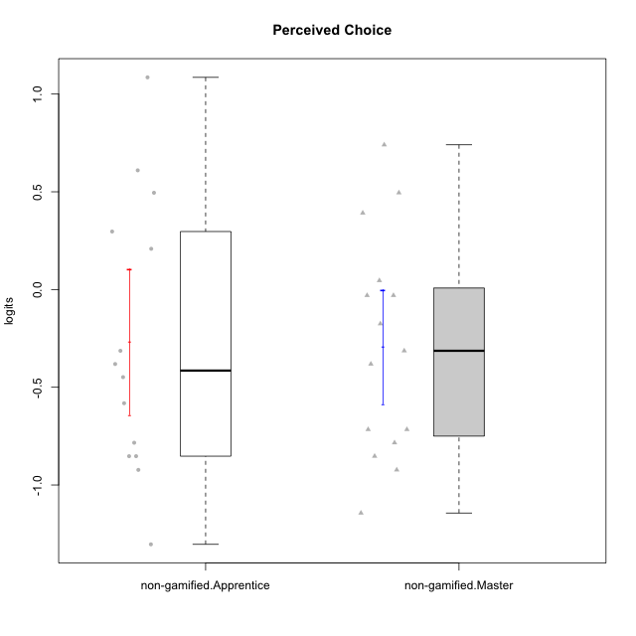

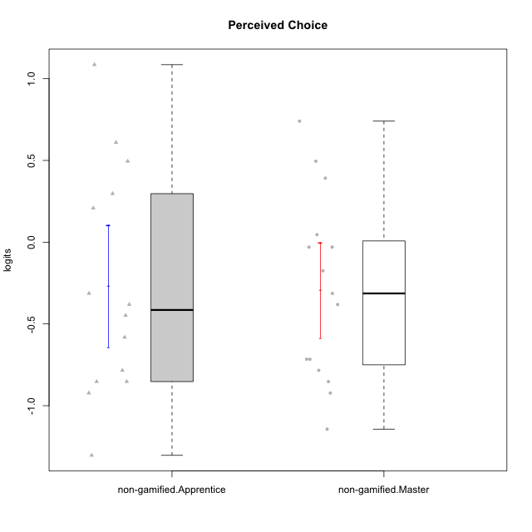

Student's t-Test data
UserID | NroUSP | Type | CLGroup | CLRole | PlayerRole | theta | error | WLE.rel
10171 | 698531 | non-gamified | Grupo Team 6 | Apprentice |  | 0.29679621121 | 0.30875086382 | 0.76944972051
10172 | 10273971 | non-gamified | Grupo Team 1 | Master |  | -0.17501744567 | 0.27021175094 | 0.76944972051
10179 | 10310759 | non-gamified | Grupo Team 9 | Master |  | -0.9227598848 | 0.26981440368 | 0.76944972051
10181 | 10276866 | non-gamified | Grupo Team 10 | Master |  | -0.03013465276 | 0.2783082774 | 0.76944972051
10185 | 10276960 | non-gamified | Grupo Team 12 | Apprentice |  | -0.4482465434 | 0.26256753375 | 0.76944972051
10187 | 9790781 | non-gamified | Grupo Team 15 | Apprentice |  | 0.49504462318 | 0.33678360871 | 0.76944972051
10188 | 10276995 | non-gamified | Grupo Team 3 | Master |  | -0.38114058225 | 0.2635865062 | 0.76944972051
10191 | 10276981 | non-gamified | Grupo Team 6 | Master |  | -0.03013465276 | 0.2783082774 | 0.76944972051
10192 | 10276682 | non-gamified | Grupo Team 5 | Apprentice |  | -0.58172873323 | 0.2620907084 | 0.76944972051
10202 | 10277036 | non-gamified | Grupo Team 11 | Apprentice |  | -0.9227598848 | 0.26981440368 | 0.76944972051
10203 | 9921470 | non-gamified | Grupo Team 3 | Apprentice |  | 0.60978673935 | 0.35677571461 | 0.76944972051
10208 | 10276932 | non-gamified | Grupo Team 7 | Apprentice |  | 0.208424484 | 0.29870635502 | 0.76944972051
10210 | 10277015 | non-gamified | Grupo Team 9 | Apprentice |  | -1.303691341 | 0.29450607327 | 0.76944972051
10211 | 9311643 | non-gamified | Grupo Team 2 | Master |  | -0.85270229156 | 0.26718470314 | 0.76944972051
10212 | 9065750 | non-gamified | Grupo Team 4 | Master |  | 0.49504462318 | 0.33678360871 | 0.76944972051
10214 | 10277022 | non-gamified | Grupo Team 5 | Master |  | -0.78383870073 | 0.26513011226 | 0.76944972051
10216 | 10276720 | non-gamified | Grupo Team 15 | Master |  | 0.74038139346 | 0.38315195417 | 0.76944972051
10217 | 9805341 | non-gamified | Grupo Team 13 | Master |  | 0.39167732353 | 0.32118099141 | 0.76944972051
10219 | 10276831 | non-gamified | Grupo Team 12 | Master |  | -0.71589168771 | 0.26361092673 | 0.76944972051
10220 | 9760151 | non-gamified | Grupo Team 2 | Apprentice |  | 1.0855463519 | 0.4726478955 | 0.76944972051
10224 | 9368772 | non-gamified | Grupo Team 10 | Apprentice |  | -0.85270229156 | 0.26718470314 | 0.76944972051
10226 | 10310342 | non-gamified | Grupo Team 8 | Master |  | -1.1434122935 | 0.28184149962 | 0.76944972051
10227 | 9274382 | non-gamified | Grupo Team 4 | Apprentice |  | -0.31343622428 | 0.26516604224 | 0.76944972051
10228 | 10310492 | non-gamified | Grupo Team 14 | Apprentice |  | -0.38114058225 | 0.2635865062 | 0.76944972051
10230 | 10351992 | non-gamified | Grupo Team 14 | Master |  | -0.31343622428 | 0.26516604224 | 0.76944972051
10233 | 9805320 | non-gamified | Grupo Team 16 | Apprentice |  | -0.78383870073 | 0.26513011226 | 0.76944972051
10234 | 10310676 | non-gamified | Grupo Team 7 | Master |  | -0.71589168771 | 0.26361092673 | 0.76944972051
10237 | 10377688 | non-gamified | Grupo Team 11 | Master |  | 0.045896157378 | 0.28380551948 | 0.76944972051
10238 | 10276953 | non-gamified | Grupo Team 13 | Apprentice |  | -0.85270229156 | 0.26718470314 | 0.76944972051

Type_CLRole_2
Student's t-Test for Perceived Choice in Type:CLRole between non-gamified.Apprentice:ont-gamified.Apprentice

Student's t-Test results
Alternative hypothesis: less
Group | N | Mean | Mean.Difference | Std.deviation | Std.error | CI.lower | CI.upper | df | t.value | p.value | g | magnitude
non-gamified.Apprentice | 14 | -0.26747487023 | -0.48756308785 | 0.69767721837 | 0.18646207984 | -0.6403990299 | 0.10544928944 | 23.677169626 | -1.8181605195 | 0.040857239254 | -0.69023548965 | medium
ont-gamified.Apprentice | 12 | 0.22008821762 | 0.48756308785 | 0.66762146175 | 0.19272571533 | -0.16536321304 | 0.60553964828 | 23.677169626 | -1.8181605195 | 0.040857239254 | -0.69023548965 | medium
Alternative hypothesis: greater
Group | N | Mean | Mean.Difference | Std.deviation | Std.error | CI.lower | CI.upper | df | t.value | p.value | g | magnitude
non-gamified.Apprentice | 14 | -0.26747487023 | -0.48756308785 | 0.69767721837 | 0.18646207984 | -0.6403990299 | 0.10544928944 | 23.677169626 | -1.8181605195 | 0.95914276075 | -0.69023548965 | medium
ont-gamified.Apprentice | 12 | 0.22008821762 | 0.48756308785 | 0.66762146175 | 0.19272571533 | -0.16536321304 | 0.60553964828 | 23.677169626 | -1.8181605195 | 0.95914276075 | -0.69023548965 | medium
Alternative hypothesis: two.sided
Group | N | Mean | Mean.Difference | Std.deviation | Std.error | CI.lower | CI.upper | df | t.value | p.value | g | magnitude
non-gamified.Apprentice | 14 | -0.26747487023 | -0.48756308785 | 0.69767721837 | 0.18646207984 | -0.6403990299 | 0.10544928944 | 23.677169626 | -1.8181605195 | 0.081714478509 | -0.69023548965 | medium
ont-gamified.Apprentice | 12 | 0.22008821762 | 0.48756308785 | 0.66762146175 | 0.19272571533 | -0.16536321304 | 0.60553964828 | 23.677169626 | -1.8181605195 | 0.081714478509 | -0.69023548965 | medium

Box plots for Student's t-Test
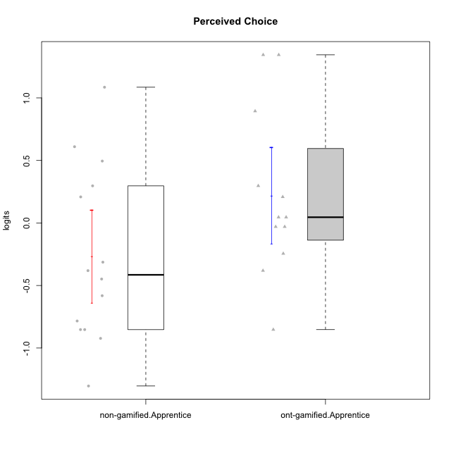

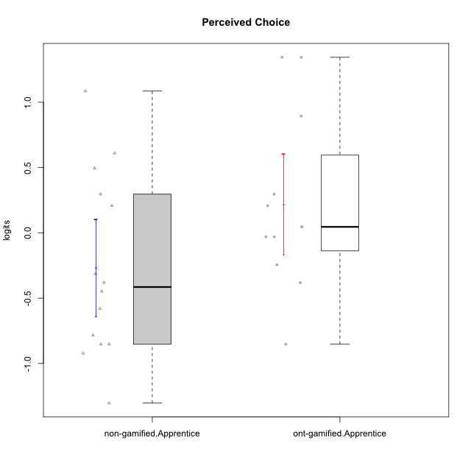

Student's t-Test data
UserID | NroUSP | Type | CLGroup | CLRole | PlayerRole | theta | error | WLE.rel
10170 | 10260351 | ont-gamified | Grupo Afrodite | Apprentice | Yee Achiever | 0.89432291748 | 0.4194463071 | 0.76944972051
10171 | 698531 | non-gamified | Grupo Team 6 | Apprentice |  | 0.29679621121 | 0.30875086382 | 0.76944972051
10176 | 10276949 | ont-gamified | Grupo Cronus | Apprentice | Yee Achiever | 0.045896157378 | 0.28380551948 | 0.76944972051
10178 | 8656201 | ont-gamified | Grupo Morfeu | Apprentice | Yee Socializer | 0.045896157378 | 0.28380551948 | 0.76944972051
10183 | 10352030 | ont-gamified | Grupo Hélio | Apprentice | Yee Socializer | -0.03013465276 | 0.2783082774 | 0.76944972051
10185 | 10276960 | non-gamified | Grupo Team 12 | Apprentice |  | -0.4482465434 | 0.26256753375 | 0.76944972051
10186 | 10310551 | ont-gamified | Grupo Ares | Apprentice | Yee Achiever | 0.29679621121 | 0.30875086382 | 0.76944972051
10187 | 9790781 | non-gamified | Grupo Team 15 | Apprentice |  | 0.49504462318 | 0.33678360871 | 0.76944972051
10190 | 10276907 | ont-gamified | Grupo Zeus | Apprentice | Yee Socializer | 0.208424484 | 0.29870635502 | 0.76944972051
10192 | 10276682 | non-gamified | Grupo Team 5 | Apprentice |  | -0.58172873323 | 0.2620907084 | 0.76944972051
10195 | 10351971 | ont-gamified | Grupo Urano | Apprentice | Yee Achiever | -0.24483839121 | 0.26735321031 | 0.76944972051
10196 | 10310655 | ont-gamified | Grupo Hefesto | Apprentice | Yee Achiever | -0.85270229156 | 0.26718470314 | 0.76944972051
10197 | 10276661 | ont-gamified | Grupo Gaia | Apprentice | Yee Achiever | 1.3443366273 | 0.55910246793 | 0.76944972051
10200 | 9795272 | ont-gamified | Grupo Hades | Apprentice | Yee Socializer | -0.03013465276 | 0.2783082774 | 0.76944972051
10202 | 10277036 | non-gamified | Grupo Team 11 | Apprentice |  | -0.9227598848 | 0.26981440368 | 0.76944972051
10203 | 9921470 | non-gamified | Grupo Team 3 | Apprentice |  | 0.60978673935 | 0.35677571461 | 0.76944972051
10208 | 10276932 | non-gamified | Grupo Team 7 | Apprentice |  | 0.208424484 | 0.29870635502 | 0.76944972051
10210 | 10277015 | non-gamified | Grupo Team 9 | Apprentice |  | -1.303691341 | 0.29450607327 | 0.76944972051
10220 | 9760151 | non-gamified | Grupo Team 2 | Apprentice |  | 1.0855463519 | 0.4726478955 | 0.76944972051
10221 | 9082496 | ont-gamified | Grupo Hermes | Apprentice | Yee Achiever | -0.38114058225 | 0.2635865062 | 0.76944972051
10224 | 9368772 | non-gamified | Grupo Team 10 | Apprentice |  | -0.85270229156 | 0.26718470314 | 0.76944972051
10227 | 9274382 | non-gamified | Grupo Team 4 | Apprentice |  | -0.31343622428 | 0.26516604224 | 0.76944972051
10228 | 10310492 | non-gamified | Grupo Team 14 | Apprentice |  | -0.38114058225 | 0.2635865062 | 0.76944972051
10231 | 10276911 | ont-gamified | Grupo Caronte | Apprentice | Yee Achiever | 1.3443366273 | 0.55910246793 | 0.76944972051
10233 | 9805320 | non-gamified | Grupo Team 16 | Apprentice |  | -0.78383870073 | 0.26513011226 | 0.76944972051
10238 | 10276953 | non-gamified | Grupo Team 13 | Apprentice |  | -0.85270229156 | 0.26718470314 | 0.76944972051

Type_CLRole_3
Student's t-Test for Perceived Choice in Type:CLRole between non-gamified.Apprentice:ont-gamified.Master

Student's t-Test results
Alternative hypothesis: less
Group | N | Mean | Mean.Difference | Std.deviation | Std.error | CI.lower | CI.upper | df | t.value | p.value | g | magnitude
non-gamified.Apprentice | 14 | -0.26747487023 | -0.53513676392 | 0.69767721837 | 0.18646207984 | -0.6403990299 | 0.10544928944 | 25.873344498 | -2.0991535718 | 0.022855684995 | -0.77029657624 | medium
ont-gamified.Master | 14 | 0.26766189369 | 0.53513676392 | 0.65045769769 | 0.1738421321 | -0.080022370504 | 0.61534615788 | 25.873344498 | -2.0991535718 | 0.022855684995 | -0.77029657624 | medium
Alternative hypothesis: greater
Group | N | Mean | Mean.Difference | Std.deviation | Std.error | CI.lower | CI.upper | df | t.value | p.value | g | magnitude
non-gamified.Apprentice | 14 | -0.26747487023 | -0.53513676392 | 0.69767721837 | 0.18646207984 | -0.6403990299 | 0.10544928944 | 25.873344498 | -2.0991535718 | 0.97714431501 | -0.77029657624 | medium
ont-gamified.Master | 14 | 0.26766189369 | 0.53513676392 | 0.65045769769 | 0.1738421321 | -0.080022370504 | 0.61534615788 | 25.873344498 | -2.0991535718 | 0.97714431501 | -0.77029657624 | medium
Alternative hypothesis: two.sided
Group | N | Mean | Mean.Difference | Std.deviation | Std.error | CI.lower | CI.upper | df | t.value | p.value | g | magnitude
non-gamified.Apprentice | 14 | -0.26747487023 | -0.53513676392 | 0.69767721837 | 0.18646207984 | -0.6403990299 | 0.10544928944 | 25.873344498 | -2.0991535718 | 0.04571136999 | -0.77029657624 | medium
ont-gamified.Master | 14 | 0.26766189369 | 0.53513676392 | 0.65045769769 | 0.1738421321 | -0.080022370504 | 0.61534615788 | 25.873344498 | -2.0991535718 | 0.04571136999 | -0.77029657624 | medium

Box plots for Student's t-Test
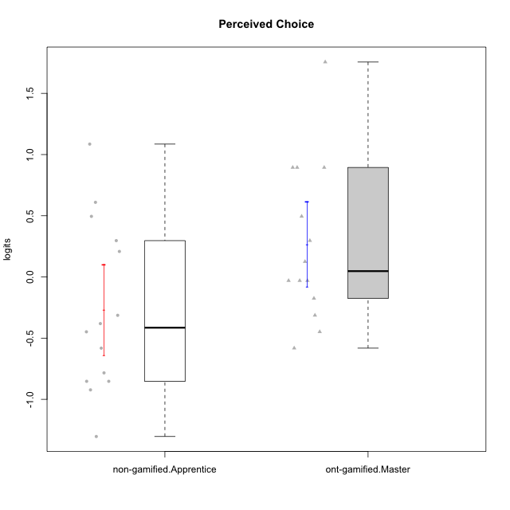

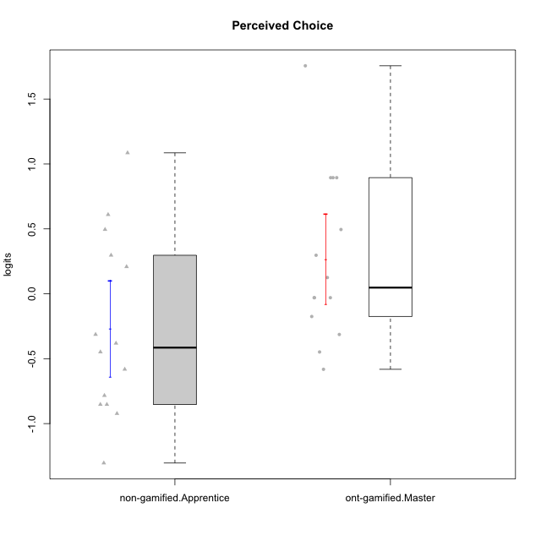

Student's t-Test data
UserID | NroUSP | Type | CLGroup | CLRole | PlayerRole | theta | error | WLE.rel
10169 | 10377538 | ont-gamified | Grupo Hefesto | Master | Yee Achiever | -0.03013465276 | 0.2783082774 | 0.76944972051
10171 | 698531 | non-gamified | Grupo Team 6 | Apprentice |  | 0.29679621121 | 0.30875086382 | 0.76944972051
10174 | 10276852 | ont-gamified | Grupo Urano | Master | Yee Achiever | -0.4482465434 | 0.26256753375 | 0.76944972051
10175 | 10310700 | ont-gamified | Grupo Hélio | Master | Yee Socializer | 1.7561459858 | 0.73000958137 | 0.76944972051
10184 | 10276675 | ont-gamified | Grupo Apolo | Master | Yee Socializer | 0.12514384383 | 0.29051543971 | 0.76944972051
10185 | 10276960 | non-gamified | Grupo Team 12 | Apprentice |  | -0.4482465434 | 0.26256753375 | 0.76944972051
10187 | 9790781 | non-gamified | Grupo Team 15 | Apprentice |  | 0.49504462318 | 0.33678360871 | 0.76944972051
10189 | 9363926 | ont-gamified | Grupo Hades | Master | Yee Socializer | -0.17501744567 | 0.27021175094 | 0.76944972051
10192 | 10276682 | non-gamified | Grupo Team 5 | Apprentice |  | -0.58172873323 | 0.2620907084 | 0.76944972051
10193 | 10276762 | ont-gamified | Grupo Afrodite | Master | Yee Achiever | -0.31343622428 | 0.26516604224 | 0.76944972051
10201 | 10276928 | ont-gamified | Grupo Caronte | Master | Yee Achiever | 0.29679621121 | 0.30875086382 | 0.76944972051
10202 | 10277036 | non-gamified | Grupo Team 11 | Apprentice |  | -0.9227598848 | 0.26981440368 | 0.76944972051
10203 | 9921470 | non-gamified | Grupo Team 3 | Apprentice |  | 0.60978673935 | 0.35677571461 | 0.76944972051
10204 | 10310471 | ont-gamified | Grupo Hermes | Master | Yee Achiever | 0.89432291748 | 0.4194463071 | 0.76944972051
10206 | 10310721 | ont-gamified | Grupo Hera | Master | Yee Achiever | 0.89432291748 | 0.4194463071 | 0.76944972051
10208 | 10276932 | non-gamified | Grupo Team 7 | Apprentice |  | 0.208424484 | 0.29870635502 | 0.76944972051
10210 | 10277015 | non-gamified | Grupo Team 9 | Apprentice |  | -1.303691341 | 0.29450607327 | 0.76944972051
10213 | 10277040 | ont-gamified | Grupo Morfeu | Master | Yee Socializer | -0.58172873323 | 0.2620907084 | 0.76944972051
10215 | 9285227 | ont-gamified | Grupo Zeus | Master | Yee Socializer | 0.89432291748 | 0.4194463071 | 0.76944972051
10218 | 9842913 | ont-gamified | Grupo Ares | Master | Yee Achiever | -0.03013465276 | 0.2783082774 | 0.76944972051
10220 | 9760151 | non-gamified | Grupo Team 2 | Apprentice |  | 1.0855463519 | 0.4726478955 | 0.76944972051
10223 | 9795185 | ont-gamified | Grupo Cronus | Master | Yee Achiever | 0.49504462318 | 0.33678360871 | 0.76944972051
10224 | 9368772 | non-gamified | Grupo Team 10 | Apprentice |  | -0.85270229156 | 0.26718470314 | 0.76944972051
10227 | 9274382 | non-gamified | Grupo Team 4 | Apprentice |  | -0.31343622428 | 0.26516604224 | 0.76944972051
10228 | 10310492 | non-gamified | Grupo Team 14 | Apprentice |  | -0.38114058225 | 0.2635865062 | 0.76944972051
10232 | 10276974 | ont-gamified | Grupo Artemis | Master | Yee Achiever | -0.03013465276 | 0.2783082774 | 0.76944972051
10233 | 9805320 | non-gamified | Grupo Team 16 | Apprentice |  | -0.78383870073 | 0.26513011226 | 0.76944972051
10238 | 10276953 | non-gamified | Grupo Team 13 | Apprentice |  | -0.85270229156 | 0.26718470314 | 0.76944972051

Type_CLRole_4
Student's t-Test for Perceived Choice in Type:CLRole between non-gamified.Master:ont-gamified.Apprentice

Student's t-Test results
Alternative hypothesis: less
Group | N | Mean | Mean.Difference | Std.deviation | Std.error | CI.lower | CI.upper | df | t.value | p.value | g | magnitude
non-gamified.Master | 15 | -0.29275737375 | -0.51284559137 | 0.56470532672 | 0.14580628839 | -0.58436995053 | -0.0011447969611 | 21.628457141 | -2.1221215542 | 0.022764273182 | -0.81242507748 | large
ont-gamified.Apprentice | 12 | 0.22008821762 | 0.51284559137 | 0.66762146175 | 0.19272571533 | -0.16536321304 | 0.60553964828 | 21.628457141 | -2.1221215542 | 0.022764273182 | -0.81242507748 | large
Alternative hypothesis: greater
Group | N | Mean | Mean.Difference | Std.deviation | Std.error | CI.lower | CI.upper | df | t.value | p.value | g | magnitude
non-gamified.Master | 15 | -0.29275737375 | -0.51284559137 | 0.56470532672 | 0.14580628839 | -0.58436995053 | -0.0011447969611 | 21.628457141 | -2.1221215542 | 0.97723572682 | -0.81242507748 | large
ont-gamified.Apprentice | 12 | 0.22008821762 | 0.51284559137 | 0.66762146175 | 0.19272571533 | -0.16536321304 | 0.60553964828 | 21.628457141 | -2.1221215542 | 0.97723572682 | -0.81242507748 | large
Alternative hypothesis: two.sided
Group | N | Mean | Mean.Difference | Std.deviation | Std.error | CI.lower | CI.upper | df | t.value | p.value | g | magnitude
non-gamified.Master | 15 | -0.29275737375 | -0.51284559137 | 0.56470532672 | 0.14580628839 | -0.58436995053 | -0.0011447969611 | 21.628457141 | -2.1221215542 | 0.045528546365 | -0.81242507748 | large
ont-gamified.Apprentice | 12 | 0.22008821762 | 0.51284559137 | 0.66762146175 | 0.19272571533 | -0.16536321304 | 0.60553964828 | 21.628457141 | -2.1221215542 | 0.045528546365 | -0.81242507748 | large

Box plots for Student's t-Test
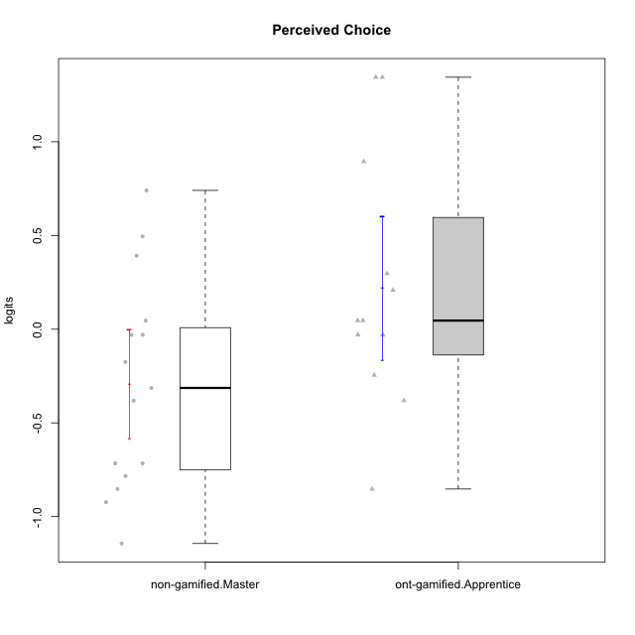



Student's t-Test data
UserID | NroUSP | Type | CLGroup | CLRole | PlayerRole | theta | error | WLE.rel
10170 | 10260351 | ont-gamified | Grupo Afrodite | Apprentice | Yee Achiever | 0.89432291748 | 0.4194463071 | 0.76944972051
10172 | 10273971 | non-gamified | Grupo Team 1 | Master |  | -0.17501744567 | 0.27021175094 | 0.76944972051
10176 | 10276949 | ont-gamified | Grupo Cronus | Apprentice | Yee Achiever | 0.045896157378 | 0.28380551948 | 0.76944972051
10178 | 8656201 | ont-gamified | Grupo Morfeu | Apprentice | Yee Socializer | 0.045896157378 | 0.28380551948 | 0.76944972051
10179 | 10310759 | non-gamified | Grupo Team 9 | Master |  | -0.9227598848 | 0.26981440368 | 0.76944972051
10181 | 10276866 | non-gamified | Grupo Team 10 | Master |  | -0.03013465276 | 0.2783082774 | 0.76944972051
10183 | 10352030 | ont-gamified | Grupo Hélio | Apprentice | Yee Socializer | -0.03013465276 | 0.2783082774 | 0.76944972051
10186 | 10310551 | ont-gamified | Grupo Ares | Apprentice | Yee Achiever | 0.29679621121 | 0.30875086382 | 0.76944972051
10188 | 10276995 | non-gamified | Grupo Team 3 | Master |  | -0.38114058225 | 0.2635865062 | 0.76944972051
10190 | 10276907 | ont-gamified | Grupo Zeus | Apprentice | Yee Socializer | 0.208424484 | 0.29870635502 | 0.76944972051
10191 | 10276981 | non-gamified | Grupo Team 6 | Master |  | -0.03013465276 | 0.2783082774 | 0.76944972051
10195 | 10351971 | ont-gamified | Grupo Urano | Apprentice | Yee Achiever | -0.24483839121 | 0.26735321031 | 0.76944972051
10196 | 10310655 | ont-gamified | Grupo Hefesto | Apprentice | Yee Achiever | -0.85270229156 | 0.26718470314 | 0.76944972051
10197 | 10276661 | ont-gamified | Grupo Gaia | Apprentice | Yee Achiever | 1.3443366273 | 0.55910246793 | 0.76944972051
10200 | 9795272 | ont-gamified | Grupo Hades | Apprentice | Yee Socializer | -0.03013465276 | 0.2783082774 | 0.76944972051
10211 | 9311643 | non-gamified | Grupo Team 2 | Master |  | -0.85270229156 | 0.26718470314 | 0.76944972051
10212 | 9065750 | non-gamified | Grupo Team 4 | Master |  | 0.49504462318 | 0.33678360871 | 0.76944972051
10214 | 10277022 | non-gamified | Grupo Team 5 | Master |  | -0.78383870073 | 0.26513011226 | 0.76944972051
10216 | 10276720 | non-gamified | Grupo Team 15 | Master |  | 0.74038139346 | 0.38315195417 | 0.76944972051
10217 | 9805341 | non-gamified | Grupo Team 13 | Master |  | 0.39167732353 | 0.32118099141 | 0.76944972051
10219 | 10276831 | non-gamified | Grupo Team 12 | Master |  | -0.71589168771 | 0.26361092673 | 0.76944972051
10221 | 9082496 | ont-gamified | Grupo Hermes | Apprentice | Yee Achiever | -0.38114058225 | 0.2635865062 | 0.76944972051
10226 | 10310342 | non-gamified | Grupo Team 8 | Master |  | -1.1434122935 | 0.28184149962 | 0.76944972051
10230 | 10351992 | non-gamified | Grupo Team 14 | Master |  | -0.31343622428 | 0.26516604224 | 0.76944972051
10231 | 10276911 | ont-gamified | Grupo Caronte | Apprentice | Yee Achiever | 1.3443366273 | 0.55910246793 | 0.76944972051
10234 | 10310676 | non-gamified | Grupo Team 7 | Master |  | -0.71589168771 | 0.26361092673 | 0.76944972051
10237 | 10377688 | non-gamified | Grupo Team 11 | Master |  | 0.045896157378 | 0.28380551948 | 0.76944972051

Type_CLRole_5
Student's t-Test for Perceived Choice in Type:CLRole between non-gamified.Master:ont-gamified.Master

Student's t-Test results
Alternative hypothesis: less
Group | N | Mean | Mean.Difference | Std.deviation | Std.error | CI.lower | CI.upper | df | t.value | p.value | g | magnitude
non-gamified.Master | 15 | -0.29275737375 | -0.56041926743 | 0.56470532672 | 0.14580628839 | -0.58436995053 | -0.0011447969611 | 25.846456677 | -2.4699685544 | 0.010218900638 | -0.89662695912 | large
ont-gamified.Master | 14 | 0.26766189369 | 0.56041926743 | 0.65045769769 | 0.1738421321 | -0.080022370504 | 0.61534615788 | 25.846456677 | -2.4699685544 | 0.010218900638 | -0.89662695912 | large
Alternative hypothesis: greater
Group | N | Mean | Mean.Difference | Std.deviation | Std.error | CI.lower | CI.upper | df | t.value | p.value | g | magnitude
non-gamified.Master | 15 | -0.29275737375 | -0.56041926743 | 0.56470532672 | 0.14580628839 | -0.58436995053 | -0.0011447969611 | 25.846456677 | -2.4699685544 | 0.98978109936 | -0.89662695912 | large
ont-gamified.Master | 14 | 0.26766189369 | 0.56041926743 | 0.65045769769 | 0.1738421321 | -0.080022370504 | 0.61534615788 | 25.846456677 | -2.4699685544 | 0.98978109936 | -0.89662695912 | large
Alternative hypothesis: two.sided
Group | N | Mean | Mean.Difference | Std.deviation | Std.error | CI.lower | CI.upper | df | t.value | p.value | g | magnitude
non-gamified.Master | 15 | -0.29275737375 | -0.56041926743 | 0.56470532672 | 0.14580628839 | -0.58436995053 | -0.0011447969611 | 25.846456677 | -2.4699685544 | 0.020437801276 | -0.89662695912 | large
ont-gamified.Master | 14 | 0.26766189369 | 0.56041926743 | 0.65045769769 | 0.1738421321 | -0.080022370504 | 0.61534615788 | 25.846456677 | -2.4699685544 | 0.020437801276 | -0.89662695912 | large

Box plots for Student's t-Test
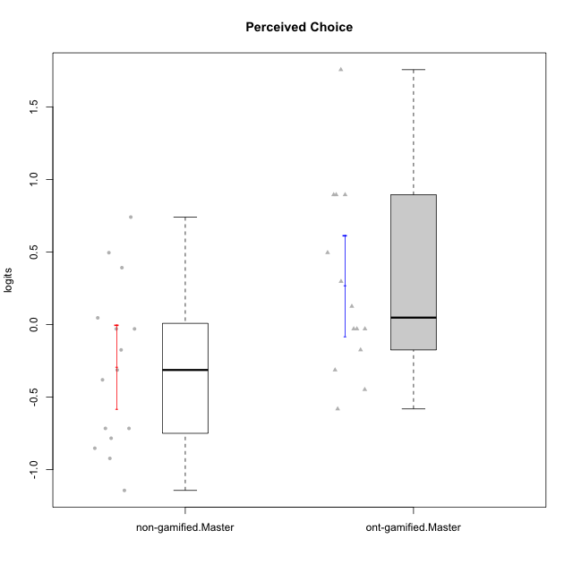

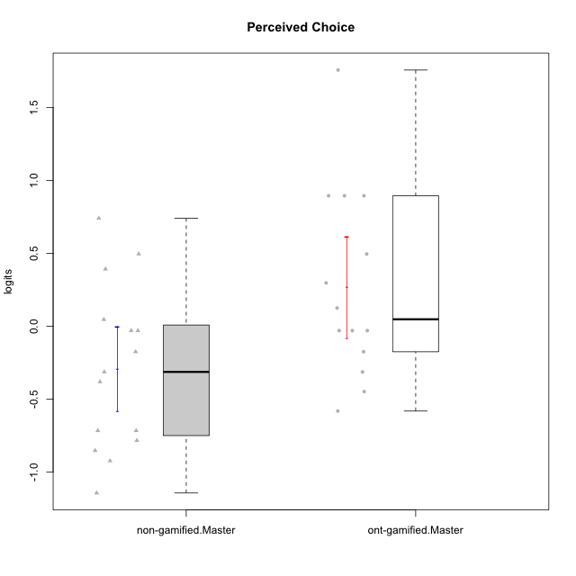

Student's t-Test data
UserID | NroUSP | Type | CLGroup | CLRole | PlayerRole | theta | error | WLE.rel
10169 | 10377538 | ont-gamified | Grupo Hefesto | Master | Yee Achiever | -0.03013465276 | 0.2783082774 | 0.76944972051
10172 | 10273971 | non-gamified | Grupo Team 1 | Master |  | -0.17501744567 | 0.27021175094 | 0.76944972051
10174 | 10276852 | ont-gamified | Grupo Urano | Master | Yee Achiever | -0.4482465434 | 0.26256753375 | 0.76944972051
10175 | 10310700 | ont-gamified | Grupo Hélio | Master | Yee Socializer | 1.7561459858 | 0.73000958137 | 0.76944972051
10179 | 10310759 | non-gamified | Grupo Team 9 | Master |  | -0.9227598848 | 0.26981440368 | 0.76944972051
10181 | 10276866 | non-gamified | Grupo Team 10 | Master |  | -0.03013465276 | 0.2783082774 | 0.76944972051
10184 | 10276675 | ont-gamified | Grupo Apolo | Master | Yee Socializer | 0.12514384383 | 0.29051543971 | 0.76944972051
10188 | 10276995 | non-gamified | Grupo Team 3 | Master |  | -0.38114058225 | 0.2635865062 | 0.76944972051
10189 | 9363926 | ont-gamified | Grupo Hades | Master | Yee Socializer | -0.17501744567 | 0.27021175094 | 0.76944972051
10191 | 10276981 | non-gamified | Grupo Team 6 | Master |  | -0.03013465276 | 0.2783082774 | 0.76944972051
10193 | 10276762 | ont-gamified | Grupo Afrodite | Master | Yee Achiever | -0.31343622428 | 0.26516604224 | 0.76944972051
10201 | 10276928 | ont-gamified | Grupo Caronte | Master | Yee Achiever | 0.29679621121 | 0.30875086382 | 0.76944972051
10204 | 10310471 | ont-gamified | Grupo Hermes | Master | Yee Achiever | 0.89432291748 | 0.4194463071 | 0.76944972051
10206 | 10310721 | ont-gamified | Grupo Hera | Master | Yee Achiever | 0.89432291748 | 0.4194463071 | 0.76944972051
10211 | 9311643 | non-gamified | Grupo Team 2 | Master |  | -0.85270229156 | 0.26718470314 | 0.76944972051
10212 | 9065750 | non-gamified | Grupo Team 4 | Master |  | 0.49504462318 | 0.33678360871 | 0.76944972051
10213 | 10277040 | ont-gamified | Grupo Morfeu | Master | Yee Socializer | -0.58172873323 | 0.2620907084 | 0.76944972051
10214 | 10277022 | non-gamified | Grupo Team 5 | Master |  | -0.78383870073 | 0.26513011226 | 0.76944972051
10215 | 9285227 | ont-gamified | Grupo Zeus | Master | Yee Socializer | 0.89432291748 | 0.4194463071 | 0.76944972051
10216 | 10276720 | non-gamified | Grupo Team 15 | Master |  | 0.74038139346 | 0.38315195417 | 0.76944972051
10217 | 9805341 | non-gamified | Grupo Team 13 | Master |  | 0.39167732353 | 0.32118099141 | 0.76944972051
10218 | 9842913 | ont-gamified | Grupo Ares | Master | Yee Achiever | -0.03013465276 | 0.2783082774 | 0.76944972051
10219 | 10276831 | non-gamified | Grupo Team 12 | Master |  | -0.71589168771 | 0.26361092673 | 0.76944972051
10223 | 9795185 | ont-gamified | Grupo Cronus | Master | Yee Achiever | 0.49504462318 | 0.33678360871 | 0.76944972051
10226 | 10310342 | non-gamified | Grupo Team 8 | Master |  | -1.1434122935 | 0.28184149962 | 0.76944972051
10230 | 10351992 | non-gamified | Grupo Team 14 | Master |  | -0.31343622428 | 0.26516604224 | 0.76944972051
10232 | 10276974 | ont-gamified | Grupo Artemis | Master | Yee Achiever | -0.03013465276 | 0.2783082774 | 0.76944972051
10234 | 10310676 | non-gamified | Grupo Team 7 | Master |  | -0.71589168771 | 0.26361092673 | 0.76944972051
10237 | 10377688 | non-gamified | Grupo Team 11 | Master |  | 0.045896157378 | 0.28380551948 | 0.76944972051

Type_CLRole_6
Student's t-Test for Perceived Choice in Type:CLRole between ont-gamified.Apprentice:ont-gamified.Master

Student's t-Test results
Alternative hypothesis: less
Group | N | Mean | Mean.Difference | Std.deviation | Std.error | CI.lower | CI.upper | df | t.value | p.value | g | magnitude
ont-gamified.Apprentice | 12 | 0.22008821762 | -0.047573676067 | 0.66762146175 | 0.19272571533 | -0.16536321304 | 0.60553964828 | 23.191283589 | -0.18329551918 | 0.42807961401 | -0.069976839598 | negligible
ont-gamified.Master | 14 | 0.26766189369 | 0.047573676067 | 0.65045769769 | 0.1738421321 | -0.080022370504 | 0.61534615788 | 23.191283589 | -0.18329551918 | 0.42807961401 | -0.069976839598 | negligible
Alternative hypothesis: greater
Group | N | Mean | Mean.Difference | Std.deviation | Std.error | CI.lower | CI.upper | df | t.value | p.value | g | magnitude
ont-gamified.Apprentice | 12 | 0.22008821762 | -0.047573676067 | 0.66762146175 | 0.19272571533 | -0.16536321304 | 0.60553964828 | 23.191283589 | -0.18329551918 | 0.57192038599 | -0.069976839598 | negligible
ont-gamified.Master | 14 | 0.26766189369 | 0.047573676067 | 0.65045769769 | 0.1738421321 | -0.080022370504 | 0.61534615788 | 23.191283589 | -0.18329551918 | 0.57192038599 | -0.069976839598 | negligible
Alternative hypothesis: two.sided
Group | N | Mean | Mean.Difference | Std.deviation | Std.error | CI.lower | CI.upper | df | t.value | p.value | g | magnitude
ont-gamified.Apprentice | 12 | 0.22008821762 | -0.047573676067 | 0.66762146175 | 0.19272571533 | -0.16536321304 | 0.60553964828 | 23.191283589 | -0.18329551918 | 0.85615922802 | -0.069976839598 | negligible
ont-gamified.Master | 14 | 0.26766189369 | 0.047573676067 | 0.65045769769 | 0.1738421321 | -0.080022370504 | 0.61534615788 | 23.191283589 | -0.18329551918 | 0.85615922802 | -0.069976839598 | negligible

Box plots for Student's t-Test
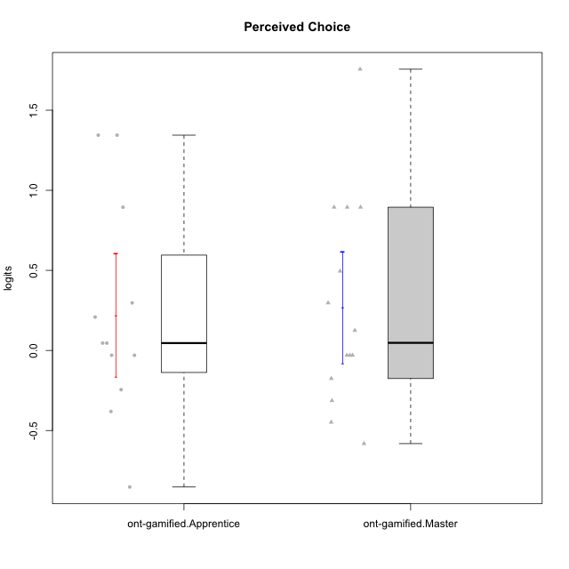

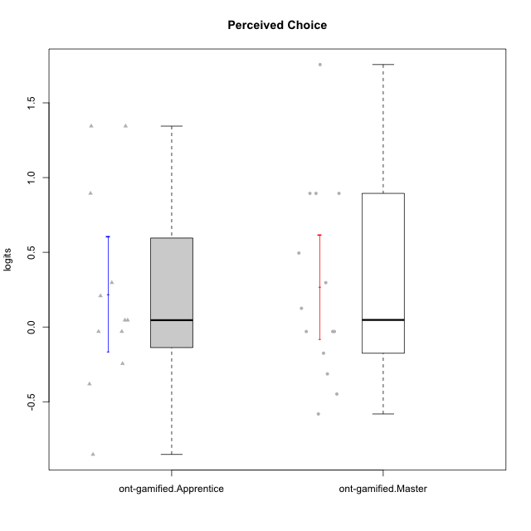

Student's t-Test data
UserID | NroUSP | Type | CLGroup | CLRole | PlayerRole | theta | error | WLE.rel
10169 | 10377538 | ont-gamified | Grupo Hefesto | Master | Yee Achiever | -0.03013465276 | 0.2783082774 | 0.76944972051
10170 | 10260351 | ont-gamified | Grupo Afrodite | Apprentice | Yee Achiever | 0.89432291748 | 0.4194463071 | 0.76944972051
10174 | 10276852 | ont-gamified | Grupo Urano | Master | Yee Achiever | -0.4482465434 | 0.26256753375 | 0.76944972051
10175 | 10310700 | ont-gamified | Grupo Hélio | Master | Yee Socializer | 1.7561459858 | 0.73000958137 | 0.76944972051
10176 | 10276949 | ont-gamified | Grupo Cronus | Apprentice | Yee Achiever | 0.045896157378 | 0.28380551948 | 0.76944972051
10178 | 8656201 | ont-gamified | Grupo Morfeu | Apprentice | Yee Socializer | 0.045896157378 | 0.28380551948 | 0.76944972051
10183 | 10352030 | ont-gamified | Grupo Hélio | Apprentice | Yee Socializer | -0.03013465276 | 0.2783082774 | 0.76944972051
10184 | 10276675 | ont-gamified | Grupo Apolo | Master | Yee Socializer | 0.12514384383 | 0.29051543971 | 0.76944972051
10186 | 10310551 | ont-gamified | Grupo Ares | Apprentice | Yee Achiever | 0.29679621121 | 0.30875086382 | 0.76944972051
10189 | 9363926 | ont-gamified | Grupo Hades | Master | Yee Socializer | -0.17501744567 | 0.27021175094 | 0.76944972051
10190 | 10276907 | ont-gamified | Grupo Zeus | Apprentice | Yee Socializer | 0.208424484 | 0.29870635502 | 0.76944972051
10193 | 10276762 | ont-gamified | Grupo Afrodite | Master | Yee Achiever | -0.31343622428 | 0.26516604224 | 0.76944972051
10195 | 10351971 | ont-gamified | Grupo Urano | Apprentice | Yee Achiever | -0.24483839121 | 0.26735321031 | 0.76944972051
10196 | 10310655 | ont-gamified | Grupo Hefesto | Apprentice | Yee Achiever | -0.85270229156 | 0.26718470314 | 0.76944972051
10197 | 10276661 | ont-gamified | Grupo Gaia | Apprentice | Yee Achiever | 1.3443366273 | 0.55910246793 | 0.76944972051
10200 | 9795272 | ont-gamified | Grupo Hades | Apprentice | Yee Socializer | -0.03013465276 | 0.2783082774 | 0.76944972051
10201 | 10276928 | ont-gamified | Grupo Caronte | Master | Yee Achiever | 0.29679621121 | 0.30875086382 | 0.76944972051
10204 | 10310471 | ont-gamified | Grupo Hermes | Master | Yee Achiever | 0.89432291748 | 0.4194463071 | 0.76944972051
10206 | 10310721 | ont-gamified | Grupo Hera | Master | Yee Achiever | 0.89432291748 | 0.4194463071 | 0.76944972051
10213 | 10277040 | ont-gamified | Grupo Morfeu | Master | Yee Socializer | -0.58172873323 | 0.2620907084 | 0.76944972051
10215 | 9285227 | ont-gamified | Grupo Zeus | Master | Yee Socializer | 0.89432291748 | 0.4194463071 | 0.76944972051
10218 | 9842913 | ont-gamified | Grupo Ares | Master | Yee Achiever | -0.03013465276 | 0.2783082774 | 0.76944972051
10221 | 9082496 | ont-gamified | Grupo Hermes | Apprentice | Yee Achiever | -0.38114058225 | 0.2635865062 | 0.76944972051
10223 | 9795185 | ont-gamified | Grupo Cronus | Master | Yee Achiever | 0.49504462318 | 0.33678360871 | 0.76944972051
10231 | 10276911 | ont-gamified | Grupo Caronte | Apprentice | Yee Achiever | 1.3443366273 | 0.55910246793 | 0.76944972051
10232 | 10276974 | ont-gamified | Grupo Artemis | Master | Yee Achiever | -0.03013465276 | 0.2783082774 | 0.76944972051

