Global-info
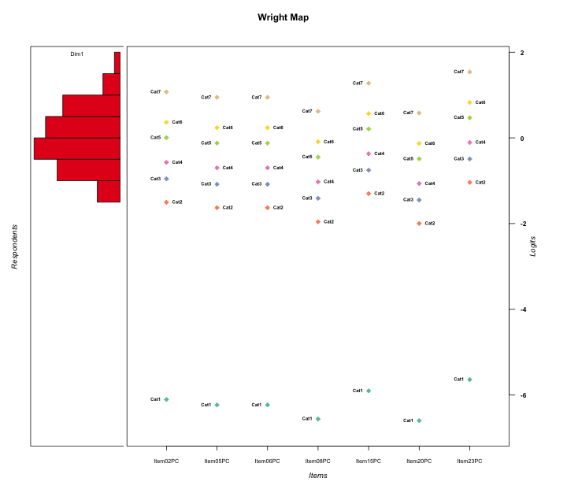
Global information for a measurement model

Information
Number.of.items | Deviance | Log.Likelihood | Number.of.persons | EAP.rel | n.theta.nodes | irt.model
7 | 1277.4271347 | -638.71356733 | 57 | 0.8197266039 | 21 | RSM

Global fit statistic MADaQ3 and test fit
MADaQ3 | maxaQ3 | p
0.078351079004 | 0.30286516819 | 0.54686723051

Test statistic of global fit based on Chi square
maxX2 | Npairs | p.holm
78.946106832 | 21 | 0.089961598738

Model fit statistics
X100.MADCOV | SRMR | SRMSR
26.7327848 | 0.085885406424 | 0.10618578799

Chi square tests for every item pairs
index1 | index2 | maxK1 | maxK2 | df | chi2 | p | p.holm
1 | 2 | 7 | 7 | 49 | 55.505155316 | 0.24296426276 | 1
1 | 3 | 7 | 7 | 49 | 47.479317806 | 0.5349214356 | 1
1 | 4 | 7 | 7 | 49 | 50.825846324 | 0.40152623278 | 1
1 | 5 | 7 | 7 | 49 | 38.704284813 | 0.85421485661 | 1
1 | 6 | 7 | 7 | 49 | 48.371628275 | 0.49851123051 | 1
1 | 7 | 7 | 7 | 49 | 49.5997037 | 0.44920344065 | 1
2 | 3 | 7 | 7 | 49 | 60.762318209 | 0.12086182303 | 1
2 | 4 | 7 | 7 | 49 | 78.946106832 | 0.0042838856542 | 0.089961598738
2 | 5 | 7 | 7 | 49 | 52.860331532 | 0.32738812653 | 1
2 | 6 | 7 | 7 | 49 | 42.747507614 | 0.72324430192 | 1
2 | 7 | 7 | 7 | 49 | 36.420304055 | 0.90831047929 | 1
3 | 4 | 7 | 7 | 49 | 42.826049374 | 0.72033176964 | 1
3 | 5 | 7 | 7 | 49 | 48.377328608 | 0.49827979744 | 1
3 | 6 | 7 | 7 | 49 | 40.472662106 | 0.80197675864 | 1
3 | 7 | 7 | 7 | 49 | 50.969323319 | 0.39607719555 | 1
4 | 5 | 7 | 7 | 49 | 50.026845242 | 0.43238582033 | 1
4 | 6 | 7 | 7 | 49 | 53.688302846 | 0.29938658758 | 1
4 | 7 | 7 | 7 | 49 | 39.243677915 | 0.83920345492 | 1
5 | 6 | 7 | 7 | 49 | 43.06947419 | 0.71123483596 | 1
5 | 7 | 7 | 7 | 49 | 35.221213544 | 0.93055504751 | 1
6 | 7 | 7 | 7 | 49 | 21.379150457 | 0.9997976587 | 1

Item residuals
Item02PC | Item05PC | Item06PC | Item08PC | Item15PC | Item20PC | Item23PC
-1.0625492126 | 0.69960339325 | -3.3003966068 | 0.17182141024 | 1.3422434277 | 0.11836742826 | 1.8949363154
-0.15901860923 | 0.71921404615 | 0.71921404615 | -0.52042374365 | 0.072980215024 | -0.54281433919 | 1.4487628223
0.47320600954 | 1.2786385692 | 0.27863856922 | 0.86586038847 | -0.18178097243 | 0.82535596228 | -2.6801501094
-0.86795274428 | -2.1144976862 | 0.88550231383 | -0.67450797237 | 1.5454022436 | -0.73247522824 | 1.0991189929
-0.17228705786 | -0.43691490525 | -0.43691490525 | -0.089704607206 | 0.2491625711 | -0.16246742019 | 0.77907657075
0.52726818903 | 0.45139883164 | 0.45139883164 | 0.30417267121 | 0.67509895411 | 0.29046874665 | -0.073460161328
-2.1481107904 | 0.62034901246 | 1.6203490125 | 1.1109593202 | 1.2486020791 | 0.059732974917 | -2.2044359314
-1.1481107904 | -0.37965098754 | 0.62034901246 | 1.1109593202 | 0.24860207907 | -0.94026702508 | 0.79556406858
-1.4494904641 | -0.70972731584 | -0.70972731584 | -0.3973175558 | -0.054446267063 | 0.52154109403 | 0.41107594488
0.93745078742 | -3.3003966068 | 1.6996033932 | -0.82817858976 | 1.3422434277 | 0.11836742826 | -0.10506368459
-0.062549212579 | -0.30039660675 | 0.69960339325 | -1.8281785898 | 1.3422434277 | 0.11836742826 | -0.10506368459
-2.2492019639 | 1.5283317597 | 1.5283317597 | 1.043419649 | -0.8648646219 | -0.0050173168945 | -0.3281602997
-0.17228705786 | -1.4369149052 | 0.56308509475 | -0.089704607206 | 0.2491625711 | -0.16246742019 | 0.77907657075
0.47320600954 | -1.7213614308 | -1.7213614308 | 0.86586038847 | 1.8182190276 | 0.82535596228 | 0.31984989059
1.1717691714 | -0.9906838202 | 1.0093161798 | -1.3228336197 | -1.5299272677 | 0.64535480919 | 1.9267418836
0.64520942463 | -1.6150773158 | 0.38492268417 | -0.24431408166 | 1.0652098178 | -1.3132565345 | 0.6021785013
-0.86795274428 | -0.11449768617 | 0.88550231383 | 1.3254920276 | -1.4545977564 | 1.2675247718 | -1.9008810071
-1.3763031777 | 1.4137234868 | 1.4137234868 | -1.0386016254 | 1.9905564339 | -1.0834294158 | -0.48806136379
0.93745078742 | 0.69960339325 | 0.69960339325 | -0.82817858976 | -2.6577565723 | 1.1183674283 | -0.10506368459
2.0853264491 | 2.8154238314 | -3.1845761686 | 2.1316329747 | -2.4924649042 | -2.9462697072 | 1.0260213957
1.4506499372 | -0.80479368082 | -1.8047936808 | -0.40844342841 | -1.1312409003 | 0.52673180228 | 1.4128400957
-0.72636522281 | -0.97712993103 | -0.97712993103 | 1.443006473 | -0.31043929836 | 0.38196389262 | 0.23955352729
-1.5846580255 | -1.8499289098 | 3.1500710902 | -0.54247602342 | -2.178415948 | -0.62337907968 | 1.3062328157
0.62940723808 | 0.53825731817 | -0.46174268183 | 0.36083918502 | 0.80580851965 | 0.34433153944 | 0.10093213523
0.43438466843 | 0.37251707216 | 0.37251707216 | 0.25259252886 | 0.55555860944 | 0.2414082856 | 0.76460719435
0.43438466843 | 0.37251707216 | 0.37251707216 | 0.25259252886 | 0.55555860944 | 0.2414082856 | 0.76460719435
0.93745078742 | -0.30039660675 | 0.69960339325 | -0.82817858976 | -0.65775657233 | 0.11836742826 | -0.10506368459
0.47320600954 | 1.2786385692 | -0.72136143078 | -0.13413961153 | 0.81821902757 | 0.82535596228 | -1.6801501094
-2.4494904641 | 0.29027268416 | 0.29027268416 | -1.3973175558 | 0.94555373294 | -0.47845890597 | 0.41107594488
1.0491742414 | 0.9006808615 | 0.9006808615 | 0.60202917899 | 1.3260433611 | 0.57373853084 | -4.2406039589
-0.15901860923 | 0.71921404615 | -2.2807859538 | 0.47957625635 | 1.072980215 | 0.45718566081 | 1.4487628223
0.84098139077 | 0.71921404615 | 0.71921404615 | -0.52042374365 | 0.072980215024 | -0.54281433919 | 0.44876282227
-1.3763031777 | 1.4137234868 | -1.5862765132 | 0.9613983746 | 0.99055643395 | -0.083429415771 | 0.51193863621
-0.69290543759 | 0.079299357744 | 0.079299357744 | -0.56844792668 | -0.36632400933 | -0.64948099293 | -0.013076597219
-2.5846580255 | -0.84992890982 | -1.8499289098 | 0.45752397658 | -1.178415948 | 1.3766209203 | 2.3062328157
-0.8282308286 | 1.0093161798 | -0.9906838202 | 0.67716638034 | 1.4700727323 | 0.64535480919 | -1.0732581164
0.085326449088 | -0.1845761686 | 2.8154238314 | -0.8683670253 | -2.4924649042 | 1.0537302928 | -0.97397860435
0.31478813782 | 0.046244310473 | 0.046244310473 | -0.64870309907 | -0.27133846347 | -0.72927947563 | -0.77324709469
0.84098139077 | -0.28078595385 | 0.71921404615 | 0.47957625635 | 1.072980215 | 0.45718566081 | -1.5512371777
0.94275236891 | 0.80736005556 | 0.80736005556 | 0.53848678125 | -1.8017328687 | -1.4867723798 | 1.6055745261
0.31598679379 | -1.8620722451 | 1.1379277549 | 0.76698536091 | 1.6372631017 | -0.26898470025 | -0.88331107673
0.93745078742 | -0.30039660675 | -1.3003966068 | 1.1718214102 | 0.34224342767 | 0.11836742826 | -1.1050636846
2.2375708601 | -3.0326897682 | -0.032689768163 | 0.27268898126 | 0.65612141674 | 0.19261501986 | -1.8368028219
0.73616604854 | 0.62930959244 | -2.3706904076 | 0.42035824375 | 0.9414149936 | 0.40089397348 | 1.2791553143
0.64520942463 | 1.3849226842 | -0.61507731583 | 1.7556859183 | 0.065209817798 | -1.3132565345 | -2.3978214987
0.1717691714 | 0.0093161797994 | 0.0093161797994 | 0.67716638034 | 0.47007273234 | -1.3546451908 | 0.9267418836
0.41534197454 | 3.1500710902 | 0.15007109018 | -3.5424760234 | -2.178415948 | 0.37662092032 | -0.69376718432
-0.93186421604 | -1.1711165557 | 0.8288834443 | -0.83497809091 | -0.58212541474 | 2.0835263579 | -1.1923196801
0.45064993719 | 1.1952063192 | -0.80479368082 | -0.40844342841 | -1.1312409003 | 0.52673180228 | -0.58715990428
-1.3547905754 | -0.61507731583 | 0.38492268417 | 0.75568591834 | 1.0652098178 | -0.31325653454 | -0.3978214987
1.4506499372 | 0.19520631918 | 2.1952063192 | -2.4084434284 | -0.13124090032 | -2.4732681977 | 0.41284009572
0.62940723808 | -0.46174268183 | 0.53825731817 | 0.36083918502 | -0.19419148035 | 0.34433153944 | 1.1009321352
0.93745078742 | -0.30039660675 | -1.3003966068 | 0.17182141024 | -0.65775657233 | 1.1183674283 | -0.10506368459
-2.6852118622 | 2.0462443105 | 1.0462443105 | 0.35129690093 | -1.2713384635 | -1.7292794756 | 0.22675290531
2.2375708601 | -2.0326897682 | -1.0326897682 | -0.72731101874 | -1.3438785833 | 0.19261501986 | 1.1631971781
-0.14811079044 | 1.6203490125 | -2.3796509875 | 0.11095932019 | 1.2486020791 | 0.059732974917 | -0.20443593142
0.41534197454 | -0.84992890982 | -0.84992890982 | -0.54247602342 | -2.178415948 | 1.3766209203 | 0.30623281568

Wright Map for Item Response Models

Estimate-Items
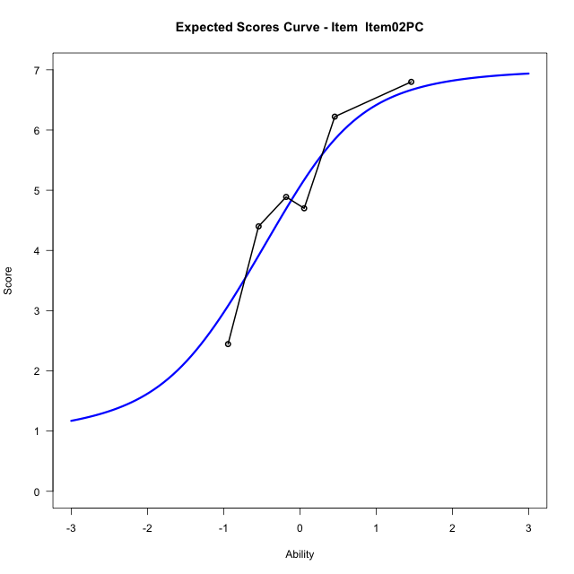
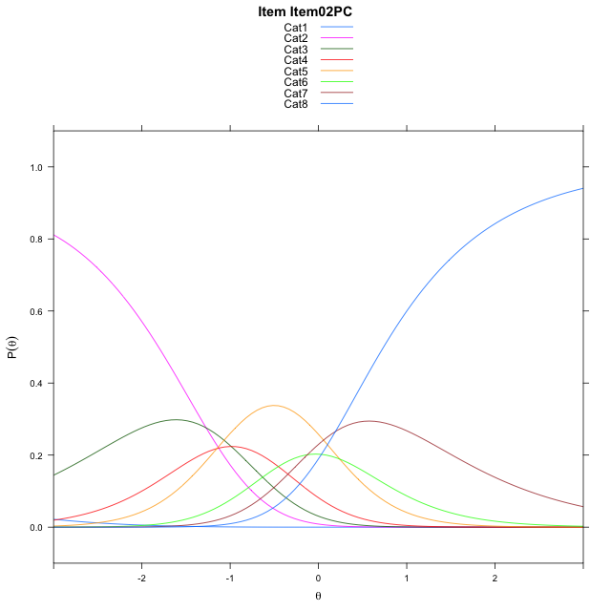
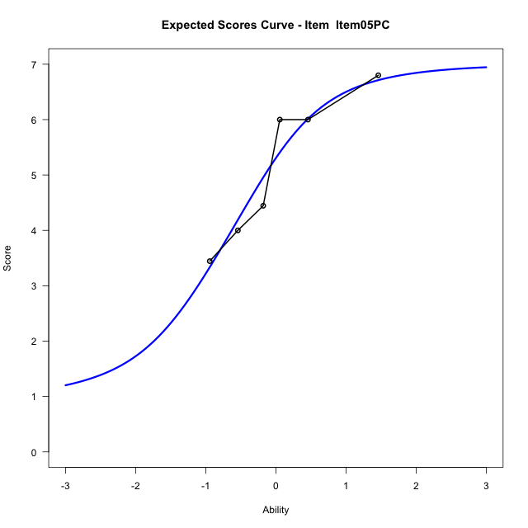
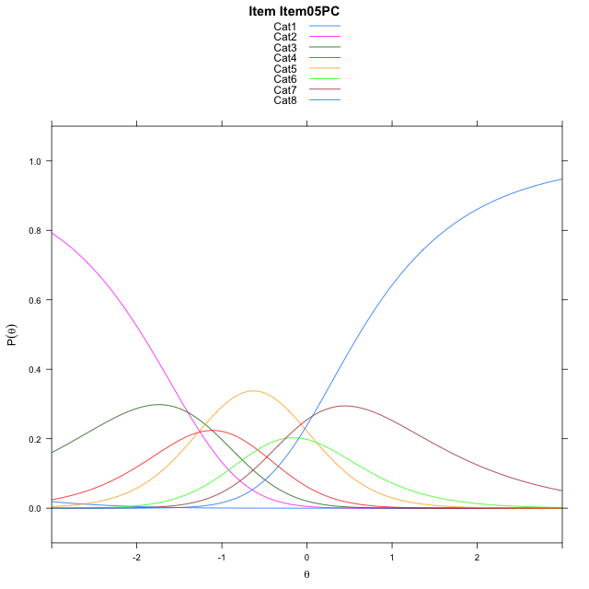
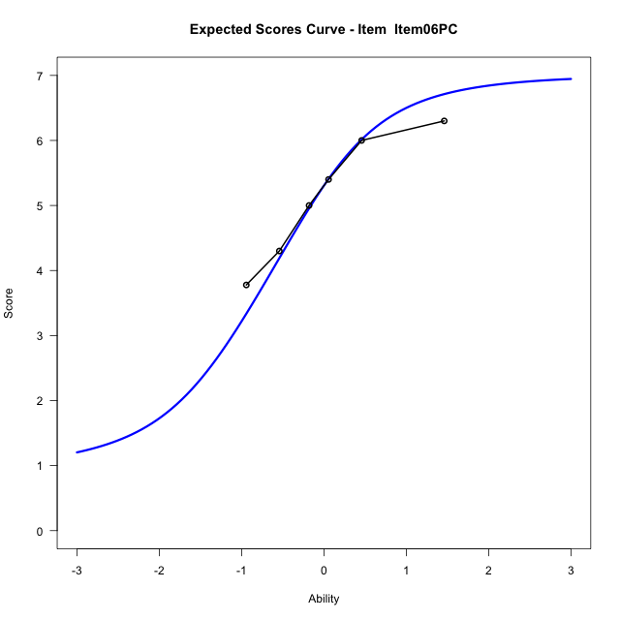

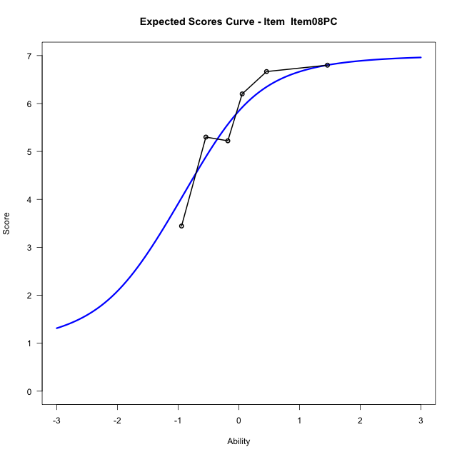
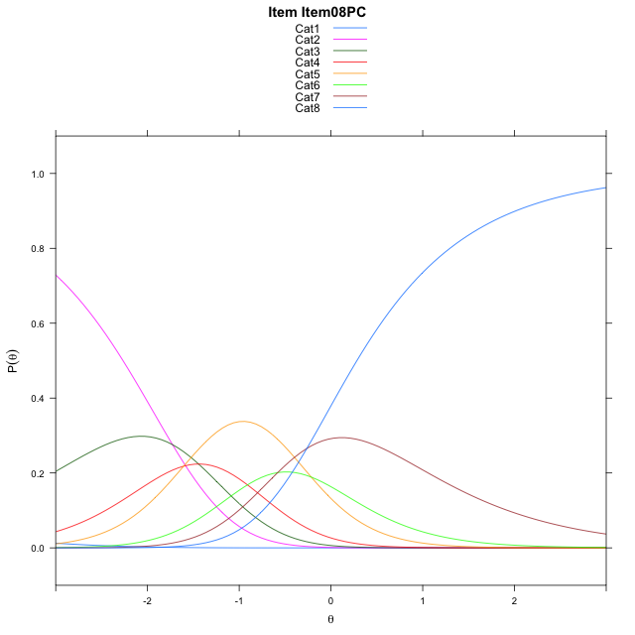
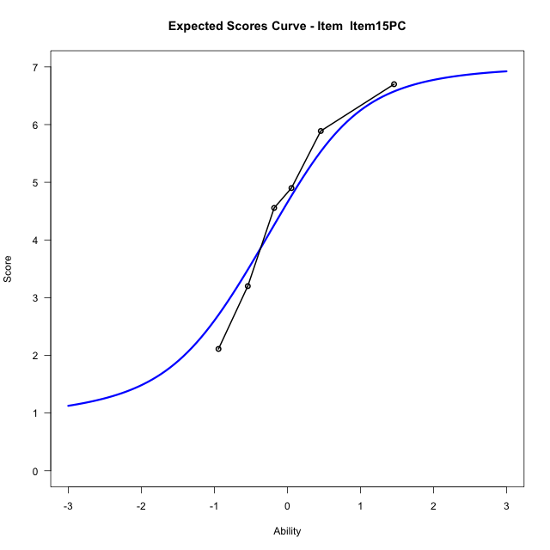
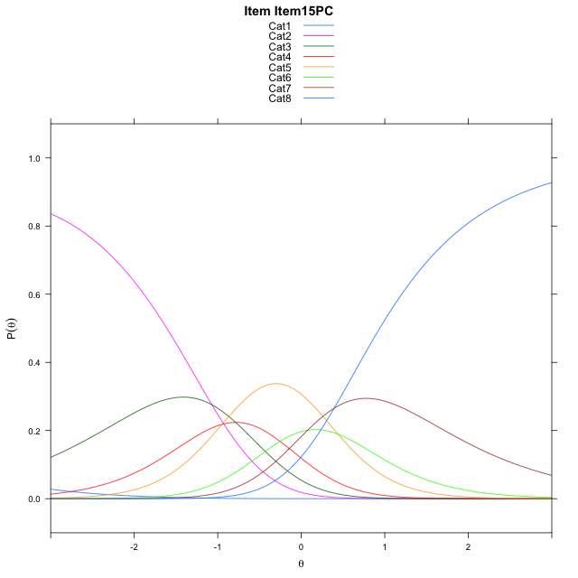
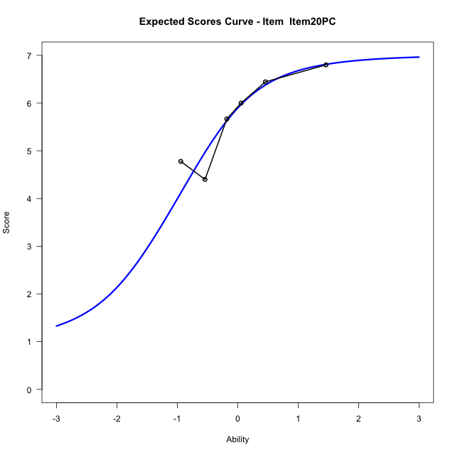
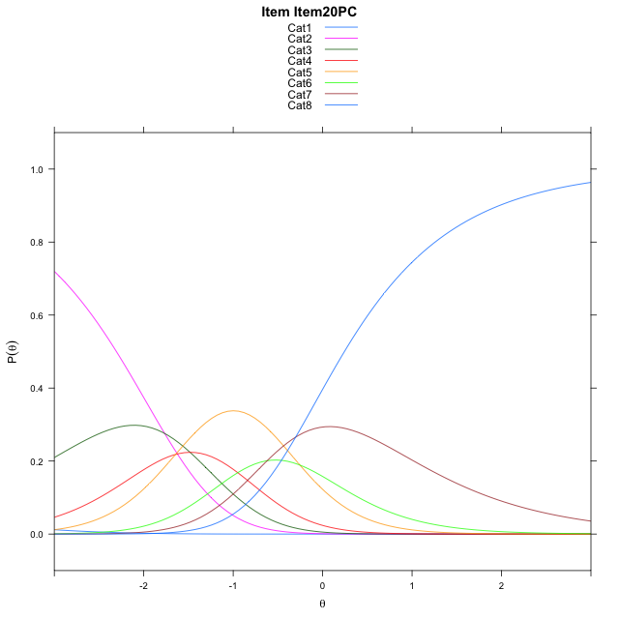
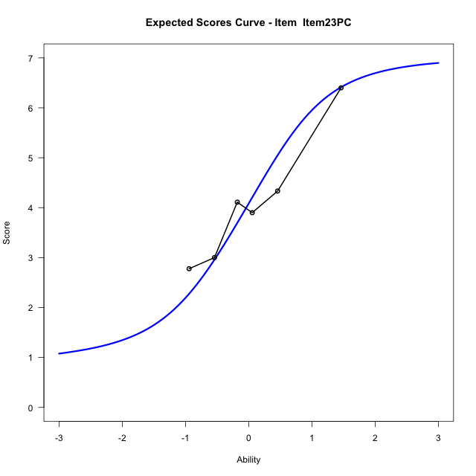
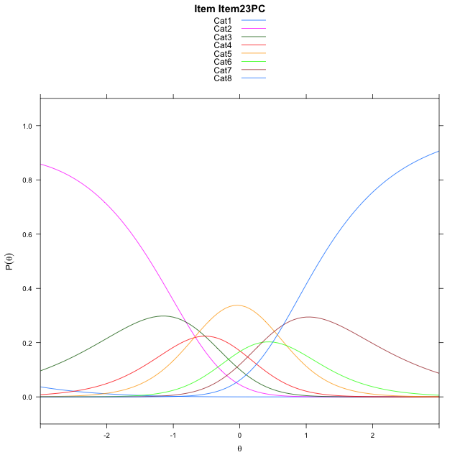
Estimate items information for the measurement model

Full Item Information
item | N | M | xsi.item | AXsi_.Cat1 | AXsi_.Cat2 | AXsi_.Cat3 | AXsi_.Cat4 | AXsi_.Cat5 | AXsi_.Cat6 | AXsi_.Cat7 | B.Cat1.Dim1 | B.Cat2.Dim1 | B.Cat3.Dim1 | B.Cat4.Dim1 | B.Cat5.Dim1 | B.Cat6.Dim1 | B.Cat7.Dim1
Item02PC | 57 | 4.9298245614 | -1.387163381 | -6.6068645293 | -7.8789599018 | -8.8667836879 | -10.016634488 | -9.7763297181 | -9.9016598394 | -9.7101436668 | 1 | 2 | 3 | 4 | 5 | 6 | 7
Item05PC | 57 | 5.1403508772 | -1.5142150063 | -6.7339161546 | -8.1330631524 | -9.2479385638 | -10.524840989 | -10.411587845 | -10.663969591 | -10.599505044 | 1 | 2 | 3 | 4 | 5 | 6 | 7
Item06PC | 57 | 5.1403508772 | -1.5142150063 | -6.7339161546 | -8.1330631524 | -9.2479385638 | -10.524840989 | -10.411587845 | -10.663969591 | -10.599505044 | 1 | 2 | 3 | 4 | 5 | 6 | 7
Item08PC | 57 | 5.6315789474 | -1.8423924306 | -7.062093579 | -8.7894180011 | -10.232470837 | -11.837550686 | -12.052474966 | -12.633034137 | -12.896747014 | 1 | 2 | 3 | 4 | 5 | 6 | 7
Item15PC | 57 | 4.5789473684 | -1.1854940163 | -6.4051951647 | -7.4756211725 | -8.2617755939 | -9.209957029 | -8.7679828949 | -8.6916436515 | -8.2984581143 | 1 | 2 | 3 | 4 | 5 | 6 | 7
Item20PC | 57 | 5.6842105263 | -1.8814321526 | -7.1011333009 | -8.867497445 | -10.349590003 | -11.993709574 | -12.247673576 | -12.867272469 | -13.170025068 | 1 | 2 | 3 | 4 | 5 | 6 | 7
Item23PC | 57 | 4.1052631579 | -0.92338771875 | -6.1430888671 | -6.9514085773 | -7.4754567012 | -8.1615318387 | -7.457451407 | -7.1190058661 | -6.4637140312 | 1 | 2 | 3 | 4 | 5 | 6 | 7

Thurstonian Thresholds (category-wise)
 | Cat1 | Cat2 | Cat3 | Cat4 | Cat5 | Cat6 | Cat7
Item02PC | -6.6131286621 | -1.8011169434 | -1.1772766113 | -0.78598022461 | -0.20553588867 | 0.13851928711 | 0.73782348633
Item05PC | -6.7402038574 | -1.9281921387 | -1.3043518066 | -0.91305541992 | -0.33279418945 | 0.011444091797 | 0.61074829102
Item06PC | -6.7402038574 | -1.9281921387 | -1.3043518066 | -0.91305541992 | -0.33279418945 | 0.011444091797 | 0.61074829102
Item08PC | -7.0685119629 | -2.2563171387 | -1.6324768066 | -1.2411804199 | -0.66091918945 | -0.31686401367 | 0.28244018555
Item15PC | -6.411529541 | -1.5995178223 | -0.97549438477 | -0.58438110352 | -0.0039367675781 | 0.3401184082 | 0.93942260742
Item20PC | -7.1075134277 | -2.295501709 | -1.6714782715 | -1.2803649902 | -0.6999206543 | -0.35586547852 | 0.2434387207
Item23PC | -6.1495056152 | -1.3374938965 | -0.71365356445 | -0.32235717773 | 0.2580871582 | 0.60214233398 | 1.2014465332

Thurstonian Thresholds (item-wise)
 | Threshold
Item02PC | -0.74676273969
Item05PC | -0.87462029143
Item06PC | -0.87462029143
Item08PC | -1.1919497479
Item15PC | -0.53671444208
Item20PC | -1.2342370286
Item23PC | -0.28363806631

Item Infit/Outfit Statistic
parameter | Outfit | Outfit_t | Outfit_p | Outfit_pholm | Infit | Infit_t | Infit_p | Infit_pholm
Item02PC | 0.88701400467 | -0.54904054533 | 0.58297762531 | 1 | 0.94151547128 | -0.28614119371 | 0.77476998193 | 1
Item05PC | 1.1000160717 | 0.52218400933 | 0.60154221856 | 1 | 1.1591422541 | 0.8715334238 | 0.38346296424 | 1
Item06PC | 1.3799406529 | 1.6747679888 | 0.09397976188 | 1 | 1.2378340948 | 1.252348747 | 0.21044281342 | 1
Item08PC | 0.80270003805 | -0.84824296825 | 0.3963026721 | 1 | 0.84490926845 | -0.78078970836 | 0.43492618807 | 1
Item15PC | 0.94827447863 | -0.23643575941 | 0.81309455064 | 1 | 0.9750004605 | -0.096524974519 | 0.92310363973 | 1
Item20PC | 0.76860185268 | -1.0179119371 | 0.3087198082 | 1 | 0.75223728268 | -1.3212498592 | 0.18641806656 | 1
Item23PC | 1.0486762297 | 0.29241652494 | 0.76996817503 | 1 | 1.0085409517 | 0.086615522054 | 0.93097712746 | 1
Cat1 | 1.337024562 | 0.70389124016 | 0.48150050712 | 1 | 1.485219958 | 6.7093887371 | 1.9544137246E-11 | 1.7589723521E-10
Cat2 | 1.6147164483 | 1.1199432538 | 0.26273794459 | 1 | 1.6461121018 | 9.2498994132 | 2.2470403163E-20 | 2.2470403163E-19
Cat3 | 1.6328059508 | 1.5653331741 | 0.11750480848 | 1 | 1.6431388644 | 11.850694082 | 2.1341577093E-32 | 2.7744050221E-31
Cat4 | 1.3821619527 | 1.421729243 | 0.15510486738 | 1 | 1.3854063136 | 11.079904398 | 1.5704015433E-28 | 1.8844818519E-27
Cat5 | 1.4366762472 | 0.95565284852 | 0.3392476518 | 1 | 1.4261567122 | 10.459989407 | 1.3187040925E-25 | 1.4505745017E-24
Cat6 | 1.317091075 | 0.62754277925 | 0.53030350351 | 1 | 1.4059591788 | 5.0257125124 | 5.0156679396E-07 | 4.0125343517E-06

Box plot of expected curves

