Global-info
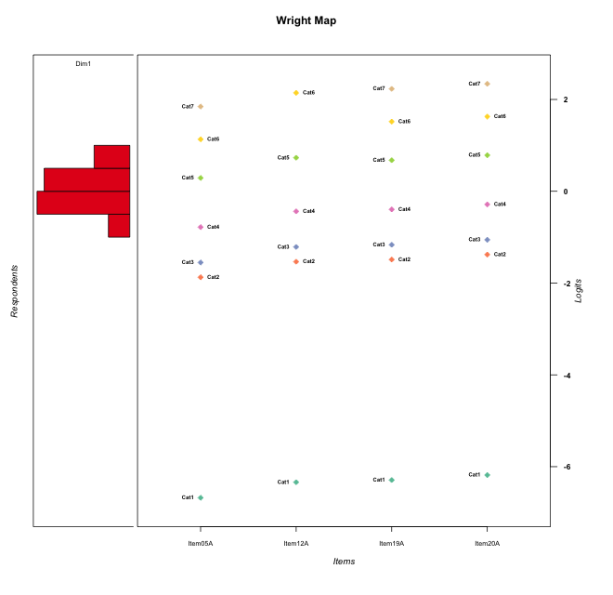
Global information for a measurement model

Information
Number.of.items | Deviance | Log.Likelihood | Number.of.persons | EAP.rel | n.theta.nodes | irt.model
4 | 394.64175694 | -197.32087847 | 33 | 0.45890077038 | 21 | RSM

Global fit statistic MADaQ3 and test fit
MADaQ3 | maxaQ3 | p
0.12281527515 | 0.30029386039 | 0.60009457898

Test statistic of global fit based on Chi square
maxX2 | Npairs | p.holm
102.45733654 | 6 | 7.2100602307E-05

Model fit statistics
X100.MADCOV | SRMR | SRMSR
11.992383491 | 0.094149070363 | 0.12177193987

Chi square tests for every item pairs
index1 | index2 | maxK1 | maxK2 | df | chi2 | p | p.holm
1 | 2 | 7 | 6 | 42 | 28.022250608 | 0.95177268649 | 1
1 | 3 | 7 | 7 | 49 | 73.929238949 | 0.012212854942 | 0.061064274708
1 | 4 | 7 | 7 | 49 | 48.975371896 | 0.47411766764 | 1
2 | 3 | 6 | 7 | 42 | 48.54037333 | 0.22616561869 | 0.90466247477
2 | 4 | 6 | 7 | 42 | 22.378743245 | 0.99438390084 | 1
3 | 4 | 7 | 7 | 49 | 102.45733654 | 1.2016767051E-05 | 7.2100602307E-05

Item residuals
Item05A | Item12A | Item19A | Item20A
-0.58219722981 | 0.85381815655 | 0.83389956531 | -1.0484083242
1.0449644506 | 0.56463484152 | 0.47499604133 | -0.40654381885
0.10414343031 | -0.49059519632 | -2.4472259199 | -0.31086252279
0.044964450607 | 0.56463484152 | 0.47499604133 | 0.59345618115
-0.46886410848 | -0.048047653047 | -0.052662644968 | 0.066672674883
-0.23059171253 | 1.1737105832 | -2.8066234482 | 0.31890856715
-1.1123001774 | -0.71112525499 | 1.3182418825 | -1.5524941022
0.41780277019 | -0.14618184345 | 0.83389956531 | -1.0484083242
1.7694082875 | -0.82628941675 | -2.8066234482 | 0.31890856715
-0.58219722981 | -0.14618184345 | -0.16610043469 | 0.95159167577
-0.46886410848 | 0.95195234695 | -1.052662645 | 0.066672674883
1.4178027702 | -0.14618184345 | -0.16610043469 | -1.0484083242
-1.351697916 | 0.058974027016 | 0.06729742419 | 0.18935132785
-0.23059171253 | 0.17371058325 | -1.8066234482 | 0.31890856715
-1.351697916 | 0.058974027016 | 0.06729742419 | 0.18935132785
0.044964450607 | 0.56463484152 | 0.47499604133 | 0.59345618115
-0.35169791602 | 0.058974027016 | -0.93270257581 | 0.18935132785
-1.1123001774 | -0.71112525499 | 0.31824188251 | -0.55249410221
0.41780277019 | -1.1461818435 | 0.83389956531 | -0.04840832423
1.648302084 | 0.058974027016 | -1.9327025758 | -0.81064867215
1.6774465903 | 0.30657422898 | 1.1189091538 | 0.24110781631
0.30135476019 | -0.240922033 | 0.72015494363 | -0.16269809676
-1.2305917125 | -0.82628941675 | 0.19337655176 | 0.31890856715
2.1761528042 | -1.3376135192 | 2.5999924822 | -2.2824997811
1.1761528042 | -0.33761351916 | -0.40000751781 | 0.71750021892
-1.2305917125 | -0.82628941675 | 0.19337655176 | 0.31890856715
-1.8238471958 | 1.6623864808 | 0.59999248219 | 0.71750021892
-0.58219722981 | 0.85381815655 | -0.16610043469 | -0.04840832423
0.044964450607 | 0.56463484152 | 0.47499604133 | 0.59345618115
-0.20457293804 | -0.61349892061 | 1.2352282508 | 2.3561689486
-0.083512716808 | -0.52844803355 | 1.3522730132 | 1.4719484126
1.4178027702 | -0.14618184345 | -0.16610043469 | -1.0484083242
-0.69864523981 | 0.759077967 | 0.72015494363 | -0.16269809676

Wright Map for Item Response Models

Estimate-Items
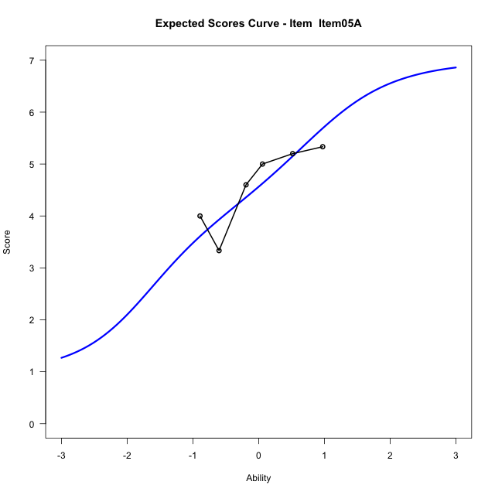
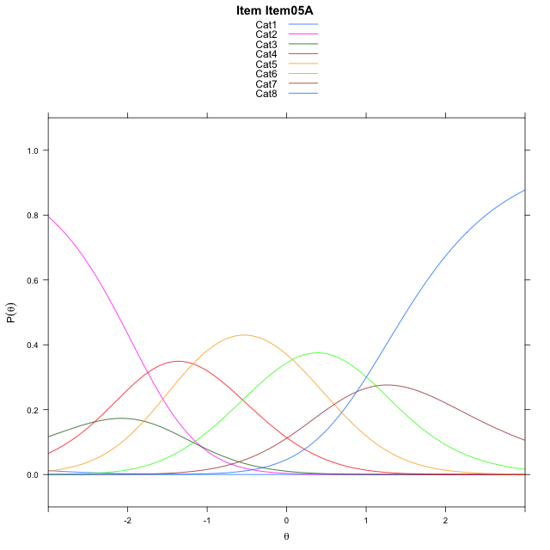
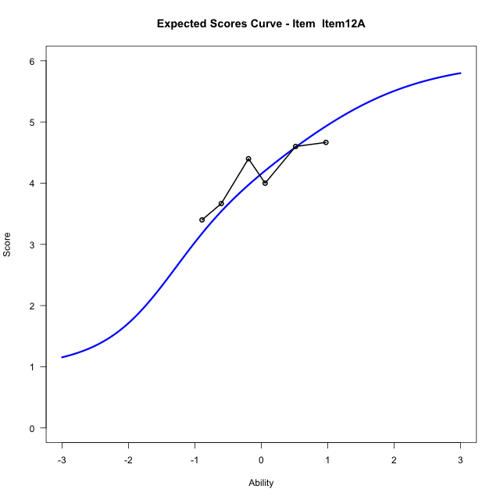
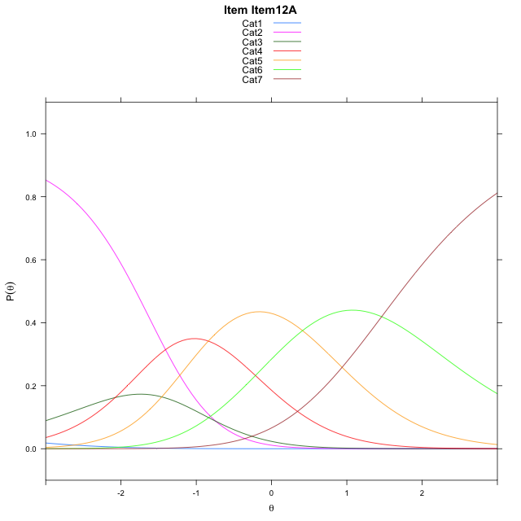
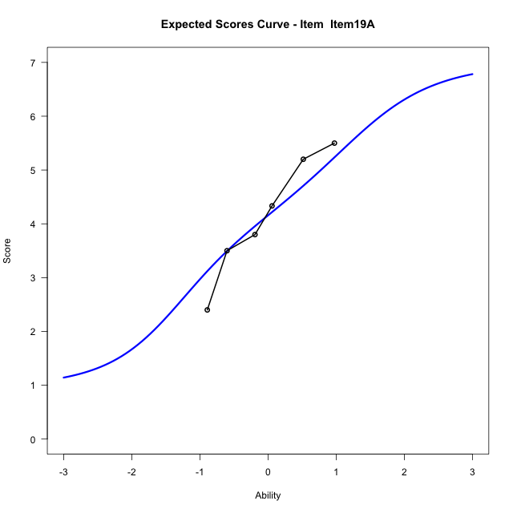
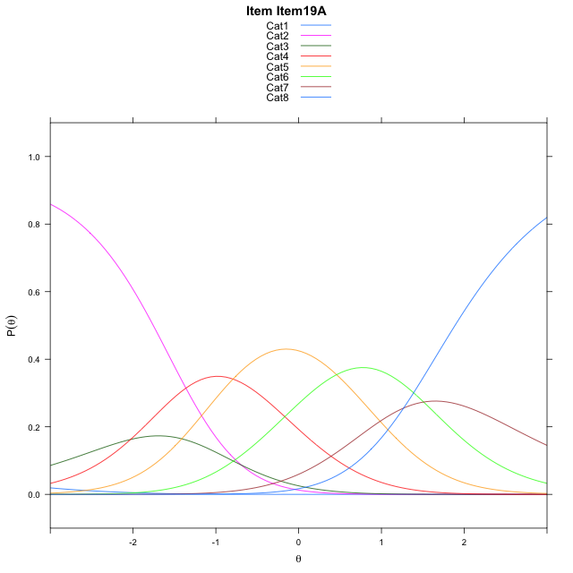
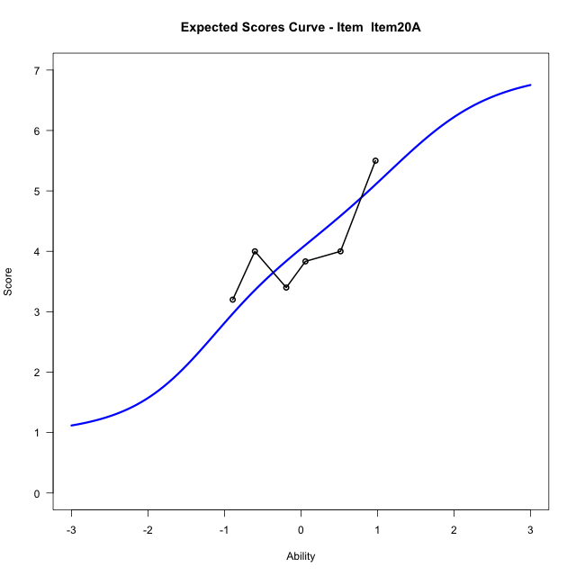
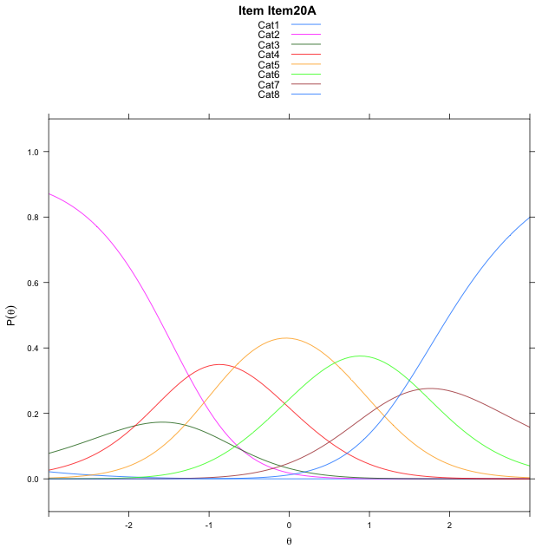
Estimate items information for the measurement model

Full Item Information
item | N | M | xsi.item | AXsi_.Cat1 | AXsi_.Cat2 | AXsi_.Cat3 | AXsi_.Cat4 | AXsi_.Cat5 | AXsi_.Cat6 | AXsi_.Cat7 | B.Cat1.Dim1 | B.Cat2.Dim1 | B.Cat3.Dim1 | B.Cat4.Dim1 | B.Cat5.Dim1 | B.Cat6.Dim1 | B.Cat7.Dim1
Item05A | 33 | 4.5757575758 | -1.3972147532 | -7.1842824451 | -8.2638429058 | -10.680164477 | -11.859247474 | -11.786930828 | -10.663400942 | -9.7805032722 | 1 | 2 | 3 | 4 | 5 | 6 | 7
Item12A | 33 | 4.1212121212 | -1.4382353401 | -6.8452842949 | -7.5858466056 | -9.6631700264 | -10.503254873 | -10.091940078 | -8.6294120409 |  | 1 | 2 | 3 | 4 | 5 | 6 | 0
Item19A | 33 | 4.1515151515 | -1.0113654157 | -6.7984331076 | -7.4921442308 | -9.5226164643 | -10.315850124 | -9.8576841407 | -8.3483049166 | -7.0795579096 | 1 | 2 | 3 | 4 | 5 | 6 | 7
Item20A | 33 | 4.0303030303 | -0.9023564607 | -6.6894241526 | -7.2741263209 | -9.1955895994 | -9.8798143039 | -9.3126393659 | -7.6942511869 | -6.3164952249 | 1 | 2 | 3 | 4 | 5 | 6 | 7

Thurstonian Thresholds (category-wise)
 | Cat1 | Cat2 | Cat3 | Cat4 | Cat5 | Cat6 | Cat7
Item05A | -7.1871643066 | -2.1351013184 | -1.7914123535 | -1.0692443848 | -0.0059509277344 | 0.85885620117 | 1.5024719238
Item12A | -6.847869873 | -1.7958068848 | -1.4521179199 | -0.72793579102 | 0.39559936523 | 1.7187194824
Item19A | -6.8011779785 | -1.7491149902 | -1.4054260254 | -0.68325805664 | 0.37985229492 | 1.2446594238 | 1.8882751465
Item20A | -6.6920471191 | -1.6399841309 | -1.296295166 | -0.57412719727 | 0.48916625977 | 1.3537902832 | 1.9974060059

Thurstonian Thresholds (item-wise)
 | Threshold
Item05A | -0.96653949356
Item12A | -1.0101151577
Item19A | -0.59673122203
Item20A | -0.47785531201

Item Infit/Outfit Statistic
parameter | Outfit | Outfit_t | Outfit_p | Outfit_pholm | Infit | Infit_t | Infit_p | Infit_pholm
Item05A | 1.0796605361 | 0.3707283024 | 0.71083990788 | 1 | 1.0754572996 | 0.35682302494 | 0.72122429804 | 1
Item12A | 0.61654832677 | -1.6405655216 | 0.10088763697 | 0.90798873274 | 0.60087384128 | -1.7013952159 | 0.088868799048 | 0.71095039238
Item19A | 1.4309014537 | 1.4712924741 | 0.14121203772 | 1 | 1.4342201483 | 1.4927524679 | 0.1355019936 | 0.94851395523
Item20A | 0.8061148133 | -0.69292035064 | 0.48835953764 | 1 | 0.79366647938 | -0.75440312082 | 0.45060719821 | 1
Cat1 | 1.5019978334 | 44.73164569 | 0 | 0 | 1.4055956797 | 0.90455349663 | 0.36570198108 | 1
Cat2 | 1.2808090706 | 1.175772629 | 0.23968574672 | 1 | 1.1407203993 | 0.48412035621 | 0.62830045536 | 1
Cat3 | 1.5827382164 | 0.84882391215 | 0.39597928232 | 1 | 1.3740510966 | 1.3974335745 | 0.16228322872 | 0.97369937233
Cat4 | 1.335420506 | 0.75264190983 | 0.45166512606 | 1 | 1.2760272117 | 2.5244992088 | 0.011586326574 | 0.10427693917
Cat5 | 1.3610756664 | 0.97647717025 | 0.32882805587 | 1 | 1.418402283 | 5.5225552998 | 3.341045935E-08 | 3.341045935E-07
Cat6 | 1.0824618549 | 0.5827872835 | 0.56003650655 | 1 | 0.89539106484 | -0.39511265517 | 0.69275974967 | 1

Box plot of expected curves

