Assumptions
ANOVA assumptions for Level of Motivation

Shapiro-Wilk normality test for Level of Motivation
W | p.value
0.98043750394 | 0.5970106506

Plots for normality test
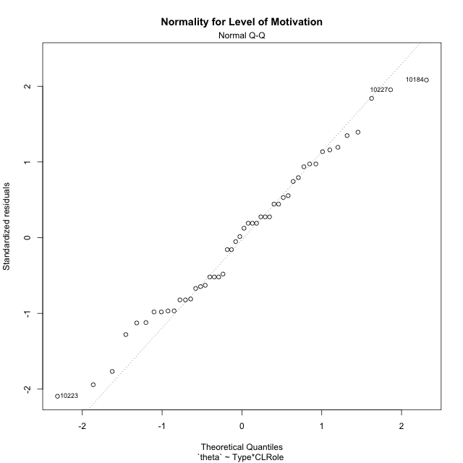

Levene's Test for Homogeneity of Variance in Level of Motivation
Df | F value | Pr(>F)
3 | 1.6470323321 | 0.1922568564
44

Plots for homogeneity of variance
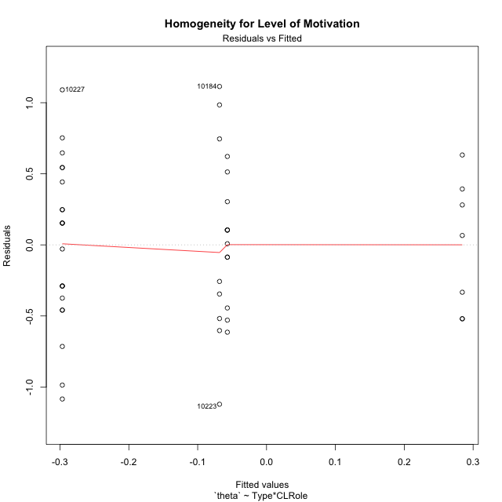

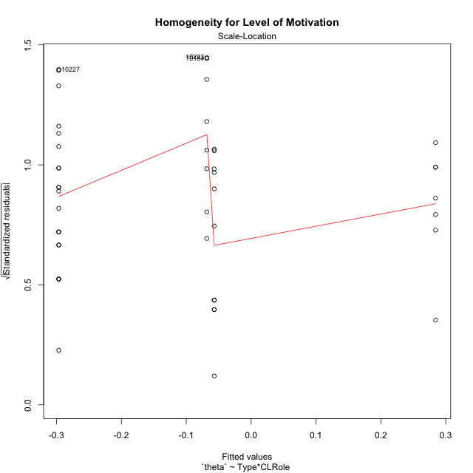

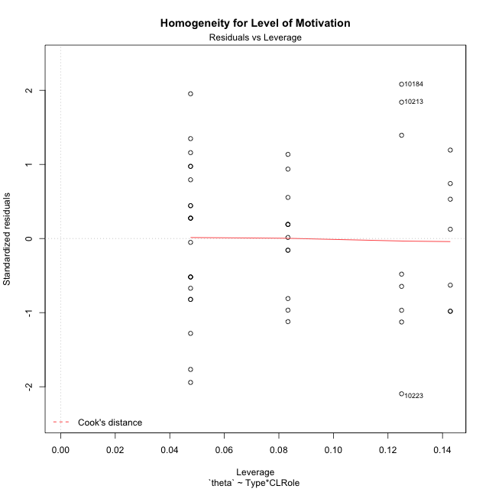

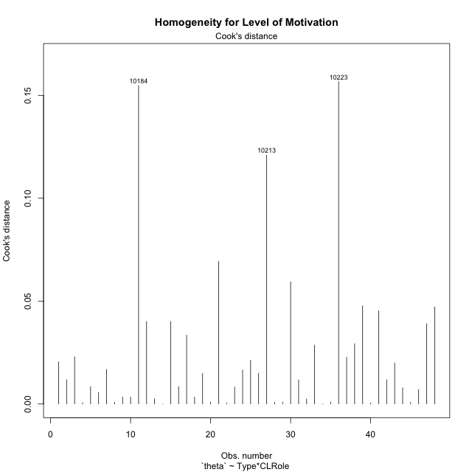

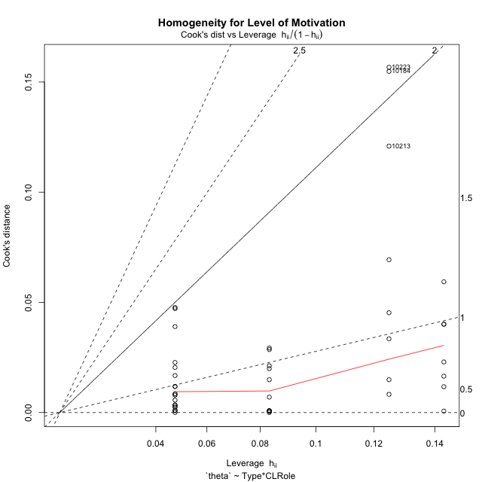

Minimum Sample Size Test for Level of Motivation
Type | CLRole | Freq
non-gamified | Apprentice | 21
ont-gamified | Apprentice | 12
non-gamified | Master | 8
ont-gamified | Master | 7

Errors and Warnings in Sample Size Test for ANOVA in Level of Motivation
code | description
WARN: sample.size | current.size is = 12 and recommended.size must be = 15 for the group: 'ont-gamified:Apprentice'. Size sample for parametric test isn't recomended
WARN: sample.size | current.size is = 8 and recommended.size must be = 15 for the group: 'non-gamified:Master'. Size sample for parametric test isn't recomended
WARN: sample.size | current.size is = 7 and recommended.size must be = 15 for the group: 'ont-gamified:Master'. Size sample for parametric test isn't recomended

For the group: 'non-gamified:Apprentice', you can perform a parametric test with a non-normal distribution For the group: 'ont-gamified:Apprentice', we recommend the use of non parametric test. For the group: 'non-gamified:Master', we recommend the use of non parametric test. For the group: 'ont-gamified:Master', we recommend the use of non parametric test.

If you don't want to remove non-normal data, you must cite the following references: ... (1) Lix, L.M., J.C. Keselman, and H.J. Keselman. 1996. Consequences of assumption violations revisited: A quantitative review of alternatives to the one-way analysis of variance F test. Rev. Educ. Res. 66: 579-619. ... (2) Harwell, M.R., E.N. Rubinstein, W.S. Hayes, and C.C. Olds. 1992. Summarizing Monte Carlo results in methodological research: the one- and two-factor fixed effects ANOVA cases. J. Educ. Stat. 17: 315-339.

Post-hoc
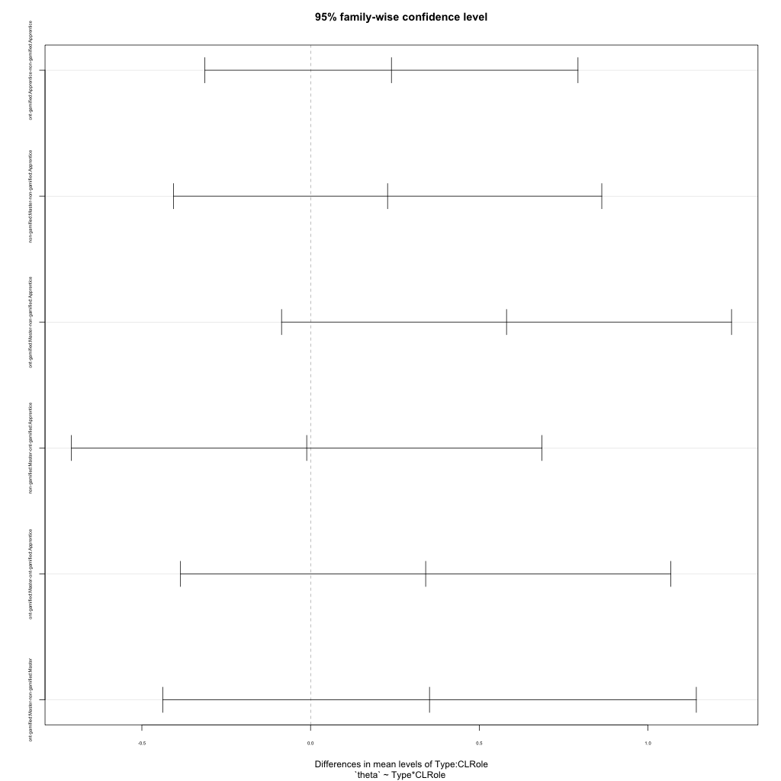
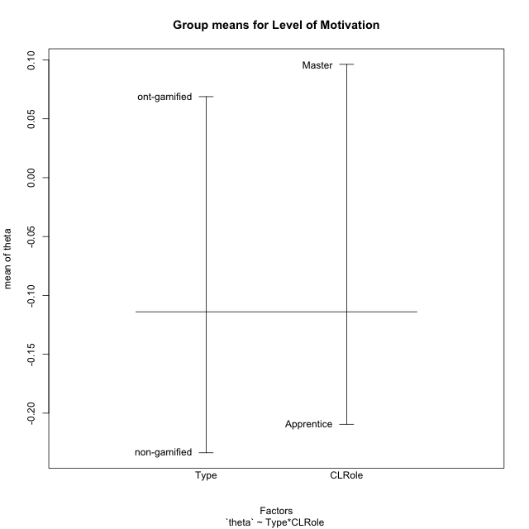
Post-hoc Tukey Honestly Significant Difference (HSD) Test for Level of Motivation

Comparisons of means for Type
 | diff | lwr | upr | p adj
ont-gamified-non-gamified | 0.30242174009 | -0.037960670051 | 0.64280415024 | 0.080238058609

Comparisons of means for CLRole
 | diff | lwr | upr | p adj
Master-Apprentice | 0.27452719565 | -0.084593396942 | 0.63364778823 | 0.13056778746

Comparisons of means for Type:CLRole
 | diff | lwr | upr | p adj
ont-gamified:Apprentice-non-gamified:Apprentice | 0.23971327037 | -0.31317439954 | 0.79260094029 | 0.65628806209
non-gamified:Master-non-gamified:Apprentice | 0.22832667419 | -0.40645526728 | 0.86310861566 | 0.77240468355
ont-gamified:Master-non-gamified:Apprentice | 0.58088578905 | -0.085921829972 | 1.2476934081 | 0.10758256078
non-gamified:Master-ont-gamified:Apprentice | -0.011386596187 | -0.70875069647 | 0.6859775041 | 0.99996975827
ont-gamified:Master-ont-gamified:Apprentice | 0.34117251868 | -0.38546423785 | 1.0678092752 | 0.59673782454
ont-gamified:Master-non-gamified:Master | 0.35255911487 | -0.43817744911 | 1.1432956788 | 0.63602307187

Contrast Matrices for Level of Motivation
contrast | CLRole | estimate | SE | df | t.ratio | p.value
non-gamified - ont-gamified | Apprentice | -0.23971327037 | 0.2070735946 | 44 | -1.1576235533 | 0.25326325239
non-gamified - ont-gamified | Master | -0.35255911487 | 0.2961553885 | 44 | -1.1904531491 | 0.24025159857

Least Squares Means and Confidence Intervals
Type | CLRole | lsmean | SE | df | lower.CL | upper.CL
non-gamified | Apprentice | -0.29661690009 | 0.12487007587 | 44 | -0.54827600201 | -0.044957798171
ont-gamified | Apprentice | -0.056903629715 | 0.16518758347 | 44 | -0.38981732914 | 0.27601006971
non-gamified | Master | -0.068290225902 | 0.20231264567 | 44 | -0.47602457188 | 0.33944412008
ont-gamified | Master | 0.28426888896 | 0.21628131574 | 44 | -0.15161746175 | 0.72015523967

Plots

Type_1
Student's t-Test for Level of Motivation in Type between non-gamified:ont-gamified

Student's t-Test results
Alternative hypothesis: less
Group | N | Mean | Mean.Difference | Std.deviation | Std.error | CI.lower | CI.upper | df | t.value | p.value | g | magnitude
non-gamified | 29 | -0.23363023135 | -0.30242174009 | 0.64849662209 | 0.12042279955 | -0.47447583044 | 0.0072153677448 | 45.931427346 | -1.9287272544 | 0.029979009026 | -0.51706749641 | medium
ont-gamified | 19 | 0.068791508746 | 0.30242174009 | 0.4377200898 | 0.10041987563 | -0.13204824251 | 0.26963126001 | 45.931427346 | -1.9287272544 | 0.029979009026 | -0.51706749641 | medium
Alternative hypothesis: greater
Group | N | Mean | Mean.Difference | Std.deviation | Std.error | CI.lower | CI.upper | df | t.value | p.value | g | magnitude
non-gamified | 29 | -0.23363023135 | -0.30242174009 | 0.64849662209 | 0.12042279955 | -0.47447583044 | 0.0072153677448 | 45.931427346 | -1.9287272544 | 0.97002099097 | -0.51706749641 | medium
ont-gamified | 19 | 0.068791508746 | 0.30242174009 | 0.4377200898 | 0.10041987563 | -0.13204824251 | 0.26963126001 | 45.931427346 | -1.9287272544 | 0.97002099097 | -0.51706749641 | medium
Alternative hypothesis: two.sided
Group | N | Mean | Mean.Difference | Std.deviation | Std.error | CI.lower | CI.upper | df | t.value | p.value | g | magnitude
non-gamified | 29 | -0.23363023135 | -0.30242174009 | 0.64849662209 | 0.12042279955 | -0.47447583044 | 0.0072153677448 | 45.931427346 | -1.9287272544 | 0.059958018052 | -0.51706749641 | medium
ont-gamified | 19 | 0.068791508746 | 0.30242174009 | 0.4377200898 | 0.10041987563 | -0.13204824251 | 0.26963126001 | 45.931427346 | -1.9287272544 | 0.059958018052 | -0.51706749641 | medium

Box plots for Student's t-Test
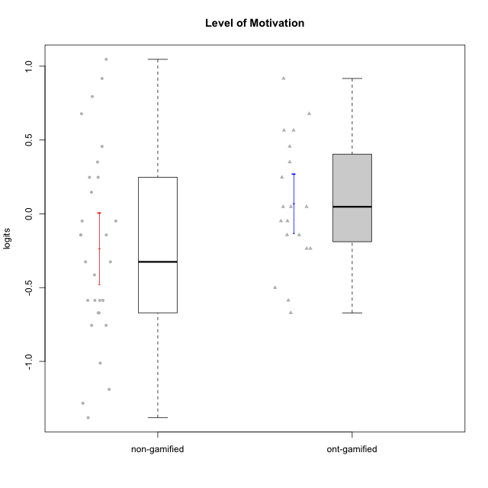

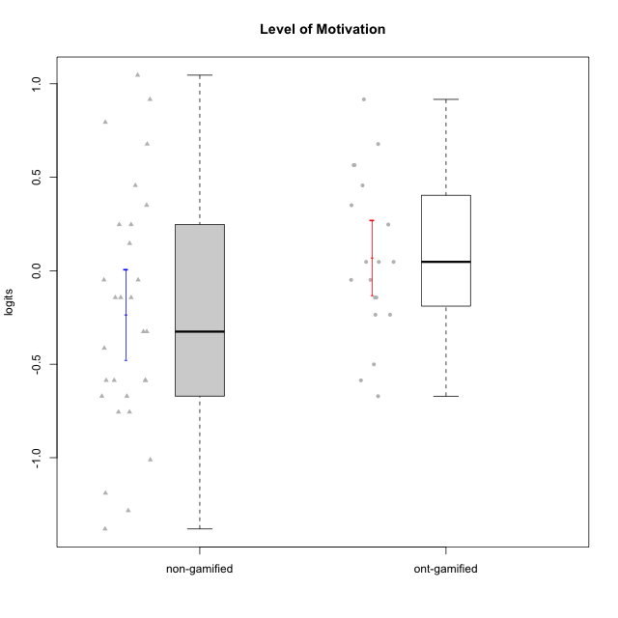

Student's t-Test data
UserID | NroUSP | Type | CLGroup | CLRole | PlayerRole | theta | error | WLE.rel
10169 | 10377538 | non-gamified | Grupo Team 10 | Apprentice |  | -1.0112597421 | 0.300540049 | 0.81282607279
10170 | 10260351 | non-gamified | Grupo Team 6 | Apprentice |  | 0.24711298913 | 0.32066925681 | 0.81282607279
10171 | 698531 | ont-gamified | Grupo Losvakai | Master | Yee Achiever | 0.67753957364 | 0.34238231456 | 0.81282607279
10172 | 10273971 | ont-gamified | Grupo Koil | Master | Yee Achiever | 0.350438587 | 0.32506002542 | 0.81282607279
10174 | 10276852 | non-gamified | Grupo Team 1 | Apprentice |  | -0.75559405739 | 0.29506861552 | 0.81282607279
10176 | 10276949 | non-gamified | Grupo Team 9 | Apprentice |  | -0.67118843708 | 0.29491464651 | 0.81282607279
10178 | 8656201 | non-gamified | Grupo Team 11 | Apprentice |  | 0.350438587 | 0.32506002542 | 0.81282607279
10179 | 10310759 | ont-gamified | Grupo Tosskor | Apprentice | Yee Achiever | 0.047465962784 | 0.31293600328 | 0.81282607279
10181 | 10276866 | non-gamified | Grupo Team 7 | Apprentice |  | -0.58638503528 | 0.29546259175 | 0.81282607279
10183 | 10352030 | non-gamified | Grupo Belos | Apprentice | Yee Socializer | -0.58638503528 | 0.29546259175 | 0.81282607279
10184 | 10276675 | non-gamified | Grupo Team 7 | Master |  | 1.0461512661 | 0.3729799365 | 0.81282607279
10185 | 10276960 | ont-gamified | Grupo Tosskor | Master | Yee Achiever | -0.23542232393 | 0.30323512918 | 0.81282607279
10186 | 10310551 | non-gamified | Grupo Team 5 | Apprentice |  | -0.048997918073 | 0.30945025388 | 0.81282607279
10187 | 9790781 | ont-gamified | Grupo Razorg | Apprentice | Yee Achiever | -0.048997918073 | 0.30945025388 | 0.81282607279
10188 | 10276995 | ont-gamified | Grupo Paldira | Master | Yee Achiever | -0.23542232393 | 0.30323512918 | 0.81282607279
10190 | 10276907 | non-gamified | Grupo Team 8 | Apprentice |  | -0.75559405739 | 0.29506861552 | 0.81282607279
10193 | 10276762 | non-gamified | Grupo Team 2 | Master |  | -0.58638503528 | 0.29546259175 | 0.81282607279
10196 | 10310655 | non-gamified | Grupo Team 5 | Apprentice |  | -0.58638503528 | 0.29546259175 | 0.81282607279
10197 | 10276661 | non-gamified | Grupo Team 11 | Master |  | -0.41393424993 | 0.29837965421 | 0.81282607279
10200 | 9795272 | non-gamified | Grupo Team 4 | Apprentice |  | -0.14327146525 | 0.30620438213 | 0.81282607279
10201 | 10276928 | non-gamified | Grupo Team 10 | Master |  | 0.67753957364 | 0.34238231456 | 0.81282607279
10202 | 10277036 | ont-gamified | Grupo Paldira | Apprentice | Yee Achiever | -0.14327146525 | 0.30620438213 | 0.81282607279
10206 | 10310721 | non-gamified | Grupo Team 9 | Master |  | -0.3255773711 | 0.30060277614 | 0.81282607279
10208 | 10276932 | ont-gamified | Grupo Yeka | Master | Yee Socializer | -0.048997918073 | 0.30945025388 | 0.81282607279
10210 | 10277015 | ont-gamified | Grupo Losvakai | Apprentice | Yee Achiever | -0.58638503528 | 0.29546259175 | 0.81282607279
10212 | 9065750 | ont-gamified | Grupo Ellaru | Apprentice | Yee Socializer | -0.50076044352 | 0.29664149512 | 0.81282607279
10213 | 10277040 | non-gamified | Grupo Team 8 | Master |  | 0.91656566936 | 0.36047958232 | 0.81282607279
10214 | 10277022 | ont-gamified | Grupo Koil | Apprentice | Yee Achiever | 0.047465962784 | 0.31293600328 | 0.81282607279
10215 | 9285227 | non-gamified | Grupo Team 7 | Apprentice |  | -0.14327146525 | 0.30620438213 | 0.81282607279
10216 | 10276720 | ont-gamified | Grupo Ellaru | Master | Yee Socializer | 0.91656566936 | 0.36047958232 | 0.81282607279
10217 | 9805341 | ont-gamified | Grupo Belos | Master | Yee Socializer | 0.56518095867 | 0.33566808108 | 0.81282607279
10218 | 9842913 | non-gamified | Grupo Team 10 | Apprentice |  | -0.048997918073 | 0.30945025388 | 0.81282607279
10219 | 10276831 | ont-gamified | Grupo Razorg | Apprentice | Yee Achiever | -0.67118843708 | 0.29491464651 | 0.81282607279
10220 | 9760151 | non-gamified | Grupo Team 4 | Apprentice |  | -0.3255773711 | 0.30060277614 | 0.81282607279
10221 | 9082496 | non-gamified | Grupo Team 3 | Apprentice |  | -0.14327146525 | 0.30620438213 | 0.81282607279
10223 | 9795185 | non-gamified | Grupo Team 3 | Master |  | -1.189493223 | 0.30948265103 | 0.81282607279
10224 | 9368772 | non-gamified | Grupo Team 9 | Apprentice |  | 0.45633937173 | 0.32998793656 | 0.81282607279
10226 | 10310342 | ont-gamified | Grupo Yeka | Apprentice | Yee Socializer | 0.56518095867 | 0.33566808108 | 0.81282607279
10227 | 9274382 | non-gamified | Grupo Team 2 | Apprentice |  | 0.79426449022 | 0.35049433752 | 0.81282607279
10228 | 10310492 | ont-gamified | Grupo Losvakai | Apprentice | Yee Achiever | -0.14327146525 | 0.30620438213 | 0.81282607279
10231 | 10276911 | non-gamified | Grupo Team 4 | Master |  | -0.67118843708 | 0.29491464651 | 0.81282607279
10232 | 10276974 | non-gamified | Grupo Team 3 | Apprentice |  | 0.24711298913 | 0.32066925681 | 0.81282607279
10233 | 9805320 | ont-gamified | Grupo Tosskor | Apprentice | Yee Achiever | 0.45633937173 | 0.32998793656 | 0.81282607279
10234 | 10310676 | non-gamified | Grupo Team 6 | Apprentice |  | 0.14615528812 | 0.31666063181 | 0.81282607279
10237 | 10377688 | ont-gamified | Grupo Ellaru | Apprentice | Yee Socializer | 0.047465962784 | 0.31293600328 | 0.81282607279
10238 | 10276953 | ont-gamified | Grupo Belos | Apprentice | Yee Socializer | 0.24711298913 | 0.32066925681 | 0.81282607279
10240 | 10276654 | non-gamified | Grupo Team 8 | Apprentice |  | -1.2831205963 | 0.31608004436 | 0.81282607279
10242 | 9424506 | non-gamified | Grupo Team 11 | Apprentice |  | -1.3810790181 | 0.3245032414 | 0.81282607279

Type_CLRole_1
Student's t-Test for Level of Motivation in Type:CLRole between non-gamified.Apprentice:non-gamified.Master

Student's t-Test results
Alternative hypothesis: less
Group | N | Mean | Mean.Difference | Std.deviation | Std.error | CI.lower | CI.upper | df | t.value | p.value | g | magnitude
non-gamified.Apprentice | 21 | -0.29661690009 | -0.22832667419 | 0.57578094293 | 0.1256457026 | -0.5479083053 | -0.045325494881 | 9.6761139189 | -0.71398683851 | 0.24604918192 | -0.34044220022 | small
non-gamified.Master | 8 | -0.068290225902 | 0.22832667419 | 0.83176698103 | 0.29407403633 | -0.65643829855 | 0.51985784675 | 9.6761139189 | -0.71398683851 | 0.24604918192 | -0.34044220022 | small
Alternative hypothesis: greater
Group | N | Mean | Mean.Difference | Std.deviation | Std.error | CI.lower | CI.upper | df | t.value | p.value | g | magnitude
non-gamified.Apprentice | 21 | -0.29661690009 | -0.22832667419 | 0.57578094293 | 0.1256457026 | -0.5479083053 | -0.045325494881 | 9.6761139189 | -0.71398683851 | 0.75395081808 | -0.34044220022 | small
non-gamified.Master | 8 | -0.068290225902 | 0.22832667419 | 0.83176698103 | 0.29407403633 | -0.65643829855 | 0.51985784675 | 9.6761139189 | -0.71398683851 | 0.75395081808 | -0.34044220022 | small
Alternative hypothesis: two.sided
Group | N | Mean | Mean.Difference | Std.deviation | Std.error | CI.lower | CI.upper | df | t.value | p.value | g | magnitude
non-gamified.Apprentice | 21 | -0.29661690009 | -0.22832667419 | 0.57578094293 | 0.1256457026 | -0.5479083053 | -0.045325494881 | 9.6761139189 | -0.71398683851 | 0.49209836384 | -0.34044220022 | small
non-gamified.Master | 8 | -0.068290225902 | 0.22832667419 | 0.83176698103 | 0.29407403633 | -0.65643829855 | 0.51985784675 | 9.6761139189 | -0.71398683851 | 0.49209836384 | -0.34044220022 | small

Box plots for Student's t-Test
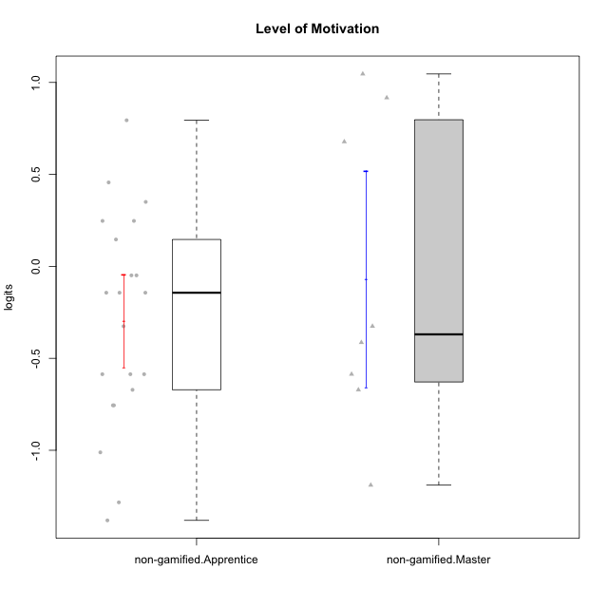

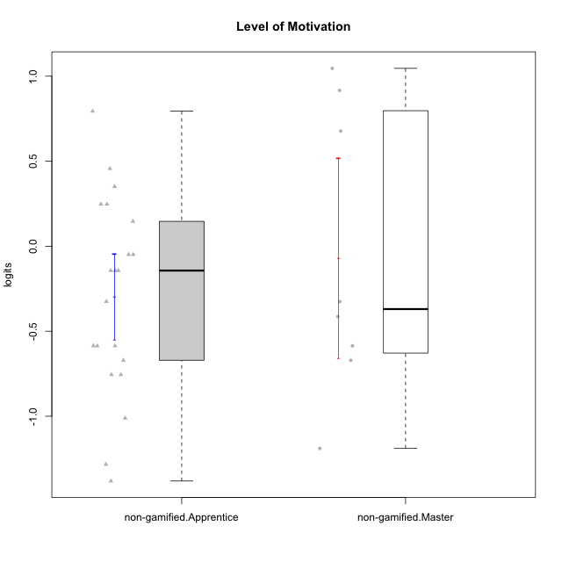

Student's t-Test data
UserID | NroUSP | Type | CLGroup | CLRole | PlayerRole | theta | error | WLE.rel
10169 | 10377538 | non-gamified | Grupo Team 10 | Apprentice |  | -1.0112597421 | 0.300540049 | 0.81282607279
10170 | 10260351 | non-gamified | Grupo Team 6 | Apprentice |  | 0.24711298913 | 0.32066925681 | 0.81282607279
10174 | 10276852 | non-gamified | Grupo Team 1 | Apprentice |  | -0.75559405739 | 0.29506861552 | 0.81282607279
10176 | 10276949 | non-gamified | Grupo Team 9 | Apprentice |  | -0.67118843708 | 0.29491464651 | 0.81282607279
10178 | 8656201 | non-gamified | Grupo Team 11 | Apprentice |  | 0.350438587 | 0.32506002542 | 0.81282607279
10181 | 10276866 | non-gamified | Grupo Team 7 | Apprentice |  | -0.58638503528 | 0.29546259175 | 0.81282607279
10183 | 10352030 | non-gamified | Grupo Belos | Apprentice | Yee Socializer | -0.58638503528 | 0.29546259175 | 0.81282607279
10184 | 10276675 | non-gamified | Grupo Team 7 | Master |  | 1.0461512661 | 0.3729799365 | 0.81282607279
10186 | 10310551 | non-gamified | Grupo Team 5 | Apprentice |  | -0.048997918073 | 0.30945025388 | 0.81282607279
10190 | 10276907 | non-gamified | Grupo Team 8 | Apprentice |  | -0.75559405739 | 0.29506861552 | 0.81282607279
10193 | 10276762 | non-gamified | Grupo Team 2 | Master |  | -0.58638503528 | 0.29546259175 | 0.81282607279
10196 | 10310655 | non-gamified | Grupo Team 5 | Apprentice |  | -0.58638503528 | 0.29546259175 | 0.81282607279
10197 | 10276661 | non-gamified | Grupo Team 11 | Master |  | -0.41393424993 | 0.29837965421 | 0.81282607279
10200 | 9795272 | non-gamified | Grupo Team 4 | Apprentice |  | -0.14327146525 | 0.30620438213 | 0.81282607279
10201 | 10276928 | non-gamified | Grupo Team 10 | Master |  | 0.67753957364 | 0.34238231456 | 0.81282607279
10206 | 10310721 | non-gamified | Grupo Team 9 | Master |  | -0.3255773711 | 0.30060277614 | 0.81282607279
10213 | 10277040 | non-gamified | Grupo Team 8 | Master |  | 0.91656566936 | 0.36047958232 | 0.81282607279
10215 | 9285227 | non-gamified | Grupo Team 7 | Apprentice |  | -0.14327146525 | 0.30620438213 | 0.81282607279
10218 | 9842913 | non-gamified | Grupo Team 10 | Apprentice |  | -0.048997918073 | 0.30945025388 | 0.81282607279
10220 | 9760151 | non-gamified | Grupo Team 4 | Apprentice |  | -0.3255773711 | 0.30060277614 | 0.81282607279
10221 | 9082496 | non-gamified | Grupo Team 3 | Apprentice |  | -0.14327146525 | 0.30620438213 | 0.81282607279
10223 | 9795185 | non-gamified | Grupo Team 3 | Master |  | -1.189493223 | 0.30948265103 | 0.81282607279
10224 | 9368772 | non-gamified | Grupo Team 9 | Apprentice |  | 0.45633937173 | 0.32998793656 | 0.81282607279
10227 | 9274382 | non-gamified | Grupo Team 2 | Apprentice |  | 0.79426449022 | 0.35049433752 | 0.81282607279
10231 | 10276911 | non-gamified | Grupo Team 4 | Master |  | -0.67118843708 | 0.29491464651 | 0.81282607279
10232 | 10276974 | non-gamified | Grupo Team 3 | Apprentice |  | 0.24711298913 | 0.32066925681 | 0.81282607279
10234 | 10310676 | non-gamified | Grupo Team 6 | Apprentice |  | 0.14615528812 | 0.31666063181 | 0.81282607279
10240 | 10276654 | non-gamified | Grupo Team 8 | Apprentice |  | -1.2831205963 | 0.31608004436 | 0.81282607279
10242 | 9424506 | non-gamified | Grupo Team 11 | Apprentice |  | -1.3810790181 | 0.3245032414 | 0.81282607279

Type_CLRole_2
Student's t-Test for Level of Motivation in Type:CLRole between non-gamified.Apprentice:ont-gamified.Apprentice

Student's t-Test results
Alternative hypothesis: less
Group | N | Mean | Mean.Difference | Std.deviation | Std.error | CI.lower | CI.upper | df | t.value | p.value | g | magnitude
non-gamified.Apprentice | 21 | -0.29661690009 | -0.23971327037 | 0.57578094293 | 0.1256457026 | -0.5479083053 | -0.045325494881 | 30.022284393 | -1.4261959845 | 0.08206414399 | -0.45263422832 | small
ont-gamified.Apprentice | 12 | -0.056903629715 | 0.23971327037 | 0.38673450072 | 0.11164063405 | -0.28018489781 | 0.16637763838 | 30.022284393 | -1.4261959845 | 0.08206414399 | -0.45263422832 | small
Alternative hypothesis: greater
Group | N | Mean | Mean.Difference | Std.deviation | Std.error | CI.lower | CI.upper | df | t.value | p.value | g | magnitude
non-gamified.Apprentice | 21 | -0.29661690009 | -0.23971327037 | 0.57578094293 | 0.1256457026 | -0.5479083053 | -0.045325494881 | 30.022284393 | -1.4261959845 | 0.91793585601 | -0.45263422832 | small
ont-gamified.Apprentice | 12 | -0.056903629715 | 0.23971327037 | 0.38673450072 | 0.11164063405 | -0.28018489781 | 0.16637763838 | 30.022284393 | -1.4261959845 | 0.91793585601 | -0.45263422832 | small
Alternative hypothesis: two.sided
Group | N | Mean | Mean.Difference | Std.deviation | Std.error | CI.lower | CI.upper | df | t.value | p.value | g | magnitude
non-gamified.Apprentice | 21 | -0.29661690009 | -0.23971327037 | 0.57578094293 | 0.1256457026 | -0.5479083053 | -0.045325494881 | 30.022284393 | -1.4261959845 | 0.16412828798 | -0.45263422832 | small
ont-gamified.Apprentice | 12 | -0.056903629715 | 0.23971327037 | 0.38673450072 | 0.11164063405 | -0.28018489781 | 0.16637763838 | 30.022284393 | -1.4261959845 | 0.16412828798 | -0.45263422832 | small

Box plots for Student's t-Test
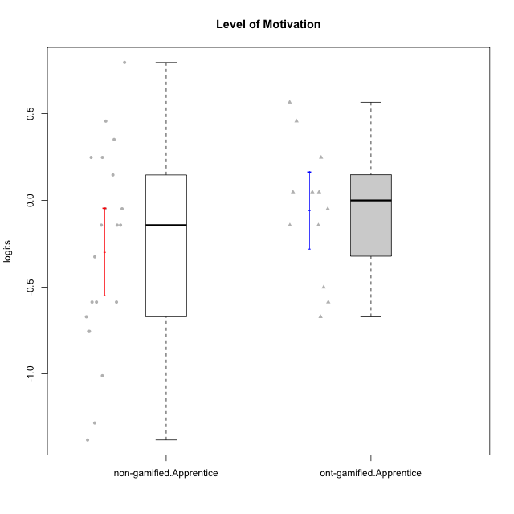

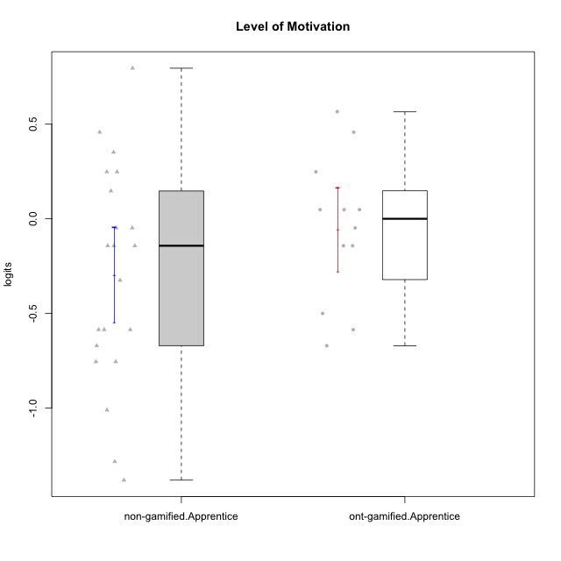

Student's t-Test data
UserID | NroUSP | Type | CLGroup | CLRole | PlayerRole | theta | error | WLE.rel
10169 | 10377538 | non-gamified | Grupo Team 10 | Apprentice |  | -1.0112597421 | 0.300540049 | 0.81282607279
10170 | 10260351 | non-gamified | Grupo Team 6 | Apprentice |  | 0.24711298913 | 0.32066925681 | 0.81282607279
10174 | 10276852 | non-gamified | Grupo Team 1 | Apprentice |  | -0.75559405739 | 0.29506861552 | 0.81282607279
10176 | 10276949 | non-gamified | Grupo Team 9 | Apprentice |  | -0.67118843708 | 0.29491464651 | 0.81282607279
10178 | 8656201 | non-gamified | Grupo Team 11 | Apprentice |  | 0.350438587 | 0.32506002542 | 0.81282607279
10179 | 10310759 | ont-gamified | Grupo Tosskor | Apprentice | Yee Achiever | 0.047465962784 | 0.31293600328 | 0.81282607279
10181 | 10276866 | non-gamified | Grupo Team 7 | Apprentice |  | -0.58638503528 | 0.29546259175 | 0.81282607279
10183 | 10352030 | non-gamified | Grupo Belos | Apprentice | Yee Socializer | -0.58638503528 | 0.29546259175 | 0.81282607279
10186 | 10310551 | non-gamified | Grupo Team 5 | Apprentice |  | -0.048997918073 | 0.30945025388 | 0.81282607279
10187 | 9790781 | ont-gamified | Grupo Razorg | Apprentice | Yee Achiever | -0.048997918073 | 0.30945025388 | 0.81282607279
10190 | 10276907 | non-gamified | Grupo Team 8 | Apprentice |  | -0.75559405739 | 0.29506861552 | 0.81282607279
10196 | 10310655 | non-gamified | Grupo Team 5 | Apprentice |  | -0.58638503528 | 0.29546259175 | 0.81282607279
10200 | 9795272 | non-gamified | Grupo Team 4 | Apprentice |  | -0.14327146525 | 0.30620438213 | 0.81282607279
10202 | 10277036 | ont-gamified | Grupo Paldira | Apprentice | Yee Achiever | -0.14327146525 | 0.30620438213 | 0.81282607279
10210 | 10277015 | ont-gamified | Grupo Losvakai | Apprentice | Yee Achiever | -0.58638503528 | 0.29546259175 | 0.81282607279
10212 | 9065750 | ont-gamified | Grupo Ellaru | Apprentice | Yee Socializer | -0.50076044352 | 0.29664149512 | 0.81282607279
10214 | 10277022 | ont-gamified | Grupo Koil | Apprentice | Yee Achiever | 0.047465962784 | 0.31293600328 | 0.81282607279
10215 | 9285227 | non-gamified | Grupo Team 7 | Apprentice |  | -0.14327146525 | 0.30620438213 | 0.81282607279
10218 | 9842913 | non-gamified | Grupo Team 10 | Apprentice |  | -0.048997918073 | 0.30945025388 | 0.81282607279
10219 | 10276831 | ont-gamified | Grupo Razorg | Apprentice | Yee Achiever | -0.67118843708 | 0.29491464651 | 0.81282607279
10220 | 9760151 | non-gamified | Grupo Team 4 | Apprentice |  | -0.3255773711 | 0.30060277614 | 0.81282607279
10221 | 9082496 | non-gamified | Grupo Team 3 | Apprentice |  | -0.14327146525 | 0.30620438213 | 0.81282607279
10224 | 9368772 | non-gamified | Grupo Team 9 | Apprentice |  | 0.45633937173 | 0.32998793656 | 0.81282607279
10226 | 10310342 | ont-gamified | Grupo Yeka | Apprentice | Yee Socializer | 0.56518095867 | 0.33566808108 | 0.81282607279
10227 | 9274382 | non-gamified | Grupo Team 2 | Apprentice |  | 0.79426449022 | 0.35049433752 | 0.81282607279
10228 | 10310492 | ont-gamified | Grupo Losvakai | Apprentice | Yee Achiever | -0.14327146525 | 0.30620438213 | 0.81282607279
10232 | 10276974 | non-gamified | Grupo Team 3 | Apprentice |  | 0.24711298913 | 0.32066925681 | 0.81282607279
10233 | 9805320 | ont-gamified | Grupo Tosskor | Apprentice | Yee Achiever | 0.45633937173 | 0.32998793656 | 0.81282607279
10234 | 10310676 | non-gamified | Grupo Team 6 | Apprentice |  | 0.14615528812 | 0.31666063181 | 0.81282607279
10237 | 10377688 | ont-gamified | Grupo Ellaru | Apprentice | Yee Socializer | 0.047465962784 | 0.31293600328 | 0.81282607279
10238 | 10276953 | ont-gamified | Grupo Belos | Apprentice | Yee Socializer | 0.24711298913 | 0.32066925681 | 0.81282607279
10240 | 10276654 | non-gamified | Grupo Team 8 | Apprentice |  | -1.2831205963 | 0.31608004436 | 0.81282607279
10242 | 9424506 | non-gamified | Grupo Team 11 | Apprentice |  | -1.3810790181 | 0.3245032414 | 0.81282607279

Type_CLRole_3
Student's t-Test for Level of Motivation in Type:CLRole between non-gamified.Apprentice:ont-gamified.Master

Student's t-Test results
Alternative hypothesis: less
Group | N | Mean | Mean.Difference | Std.deviation | Std.error | CI.lower | CI.upper | df | t.value | p.value | g | magnitude
non-gamified.Apprentice | 21 | -0.29661690009 | -0.58088578905 | 0.57578094293 | 0.1256457026 | -0.5479083053 | -0.045325494881 | 12.74842672 | -2.6944672957 | 0.0093251459039 | -1.0218630619 | large
ont-gamified.Master | 7 | 0.28426888896 | 0.58088578905 | 0.46349680832 | 0.1751853269 | -0.066101764835 | 0.63463954276 | 12.74842672 | -2.6944672957 | 0.0093251459039 | -1.0218630619 | large
Alternative hypothesis: greater
Group | N | Mean | Mean.Difference | Std.deviation | Std.error | CI.lower | CI.upper | df | t.value | p.value | g | magnitude
non-gamified.Apprentice | 21 | -0.29661690009 | -0.58088578905 | 0.57578094293 | 0.1256457026 | -0.5479083053 | -0.045325494881 | 12.74842672 | -2.6944672957 | 0.9906748541 | -1.0218630619 | large
ont-gamified.Master | 7 | 0.28426888896 | 0.58088578905 | 0.46349680832 | 0.1751853269 | -0.066101764835 | 0.63463954276 | 12.74842672 | -2.6944672957 | 0.9906748541 | -1.0218630619 | large
Alternative hypothesis: two.sided
Group | N | Mean | Mean.Difference | Std.deviation | Std.error | CI.lower | CI.upper | df | t.value | p.value | g | magnitude
non-gamified.Apprentice | 21 | -0.29661690009 | -0.58088578905 | 0.57578094293 | 0.1256457026 | -0.5479083053 | -0.045325494881 | 12.74842672 | -2.6944672957 | 0.018650291808 | -1.0218630619 | large
ont-gamified.Master | 7 | 0.28426888896 | 0.58088578905 | 0.46349680832 | 0.1751853269 | -0.066101764835 | 0.63463954276 | 12.74842672 | -2.6944672957 | 0.018650291808 | -1.0218630619 | large

Box plots for Student's t-Test
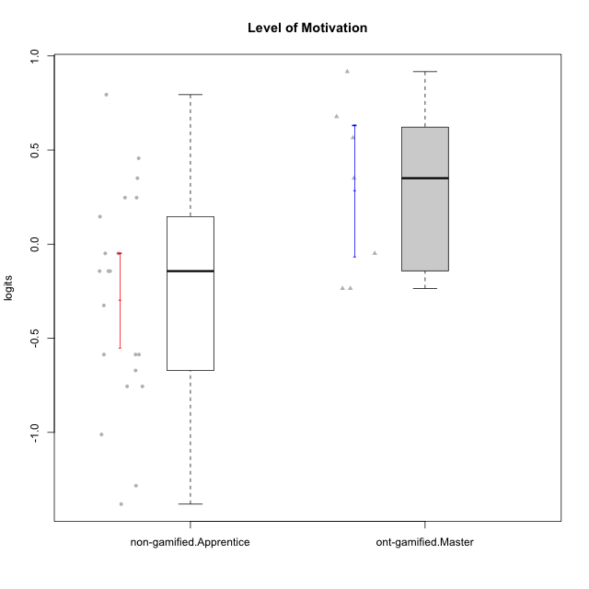

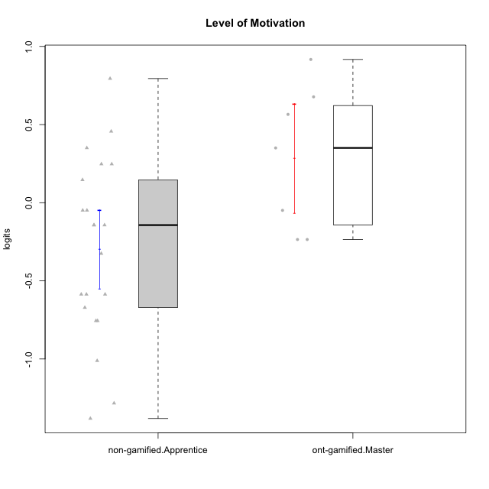

Student's t-Test data
UserID | NroUSP | Type | CLGroup | CLRole | PlayerRole | theta | error | WLE.rel
10169 | 10377538 | non-gamified | Grupo Team 10 | Apprentice |  | -1.0112597421 | 0.300540049 | 0.81282607279
10170 | 10260351 | non-gamified | Grupo Team 6 | Apprentice |  | 0.24711298913 | 0.32066925681 | 0.81282607279
10171 | 698531 | ont-gamified | Grupo Losvakai | Master | Yee Achiever | 0.67753957364 | 0.34238231456 | 0.81282607279
10172 | 10273971 | ont-gamified | Grupo Koil | Master | Yee Achiever | 0.350438587 | 0.32506002542 | 0.81282607279
10174 | 10276852 | non-gamified | Grupo Team 1 | Apprentice |  | -0.75559405739 | 0.29506861552 | 0.81282607279
10176 | 10276949 | non-gamified | Grupo Team 9 | Apprentice |  | -0.67118843708 | 0.29491464651 | 0.81282607279
10178 | 8656201 | non-gamified | Grupo Team 11 | Apprentice |  | 0.350438587 | 0.32506002542 | 0.81282607279
10181 | 10276866 | non-gamified | Grupo Team 7 | Apprentice |  | -0.58638503528 | 0.29546259175 | 0.81282607279
10183 | 10352030 | non-gamified | Grupo Belos | Apprentice | Yee Socializer | -0.58638503528 | 0.29546259175 | 0.81282607279
10185 | 10276960 | ont-gamified | Grupo Tosskor | Master | Yee Achiever | -0.23542232393 | 0.30323512918 | 0.81282607279
10186 | 10310551 | non-gamified | Grupo Team 5 | Apprentice |  | -0.048997918073 | 0.30945025388 | 0.81282607279
10188 | 10276995 | ont-gamified | Grupo Paldira | Master | Yee Achiever | -0.23542232393 | 0.30323512918 | 0.81282607279
10190 | 10276907 | non-gamified | Grupo Team 8 | Apprentice |  | -0.75559405739 | 0.29506861552 | 0.81282607279
10196 | 10310655 | non-gamified | Grupo Team 5 | Apprentice |  | -0.58638503528 | 0.29546259175 | 0.81282607279
10200 | 9795272 | non-gamified | Grupo Team 4 | Apprentice |  | -0.14327146525 | 0.30620438213 | 0.81282607279
10208 | 10276932 | ont-gamified | Grupo Yeka | Master | Yee Socializer | -0.048997918073 | 0.30945025388 | 0.81282607279
10215 | 9285227 | non-gamified | Grupo Team 7 | Apprentice |  | -0.14327146525 | 0.30620438213 | 0.81282607279
10216 | 10276720 | ont-gamified | Grupo Ellaru | Master | Yee Socializer | 0.91656566936 | 0.36047958232 | 0.81282607279
10217 | 9805341 | ont-gamified | Grupo Belos | Master | Yee Socializer | 0.56518095867 | 0.33566808108 | 0.81282607279
10218 | 9842913 | non-gamified | Grupo Team 10 | Apprentice |  | -0.048997918073 | 0.30945025388 | 0.81282607279
10220 | 9760151 | non-gamified | Grupo Team 4 | Apprentice |  | -0.3255773711 | 0.30060277614 | 0.81282607279
10221 | 9082496 | non-gamified | Grupo Team 3 | Apprentice |  | -0.14327146525 | 0.30620438213 | 0.81282607279
10224 | 9368772 | non-gamified | Grupo Team 9 | Apprentice |  | 0.45633937173 | 0.32998793656 | 0.81282607279
10227 | 9274382 | non-gamified | Grupo Team 2 | Apprentice |  | 0.79426449022 | 0.35049433752 | 0.81282607279
10232 | 10276974 | non-gamified | Grupo Team 3 | Apprentice |  | 0.24711298913 | 0.32066925681 | 0.81282607279
10234 | 10310676 | non-gamified | Grupo Team 6 | Apprentice |  | 0.14615528812 | 0.31666063181 | 0.81282607279
10240 | 10276654 | non-gamified | Grupo Team 8 | Apprentice |  | -1.2831205963 | 0.31608004436 | 0.81282607279
10242 | 9424506 | non-gamified | Grupo Team 11 | Apprentice |  | -1.3810790181 | 0.3245032414 | 0.81282607279

Type_CLRole_4
Student's t-Test for Level of Motivation in Type:CLRole between non-gamified.Master:ont-gamified.Apprentice

Student's t-Test results
Alternative hypothesis: less
Group | N | Mean | Mean.Difference | Std.deviation | Std.error | CI.lower | CI.upper | df | t.value | p.value | g | magnitude
non-gamified.Master | 8 | -0.068290225902 | -0.011386596187 | 0.83176698103 | 0.29407403633 | -0.65643829855 | 0.51985784675 | 9.0435725632 | -0.036199369718 | 0.48595491864 | -0.01816450322 | negligible
ont-gamified.Apprentice | 12 | -0.056903629715 | 0.011386596187 | 0.38673450072 | 0.11164063405 | -0.28018489781 | 0.16637763838 | 9.0435725632 | -0.036199369718 | 0.48595491864 | -0.01816450322 | negligible
Alternative hypothesis: greater
Group | N | Mean | Mean.Difference | Std.deviation | Std.error | CI.lower | CI.upper | df | t.value | p.value | g | magnitude
non-gamified.Master | 8 | -0.068290225902 | -0.011386596187 | 0.83176698103 | 0.29407403633 | -0.65643829855 | 0.51985784675 | 9.0435725632 | -0.036199369718 | 0.51404508136 | -0.01816450322 | negligible
ont-gamified.Apprentice | 12 | -0.056903629715 | 0.011386596187 | 0.38673450072 | 0.11164063405 | -0.28018489781 | 0.16637763838 | 9.0435725632 | -0.036199369718 | 0.51404508136 | -0.01816450322 | negligible
Alternative hypothesis: two.sided
Group | N | Mean | Mean.Difference | Std.deviation | Std.error | CI.lower | CI.upper | df | t.value | p.value | g | magnitude
non-gamified.Master | 8 | -0.068290225902 | -0.011386596187 | 0.83176698103 | 0.29407403633 | -0.65643829855 | 0.51985784675 | 9.0435725632 | -0.036199369718 | 0.97190983728 | -0.01816450322 | negligible
ont-gamified.Apprentice | 12 | -0.056903629715 | 0.011386596187 | 0.38673450072 | 0.11164063405 | -0.28018489781 | 0.16637763838 | 9.0435725632 | -0.036199369718 | 0.97190983728 | -0.01816450322 | negligible

Box plots for Student's t-Test
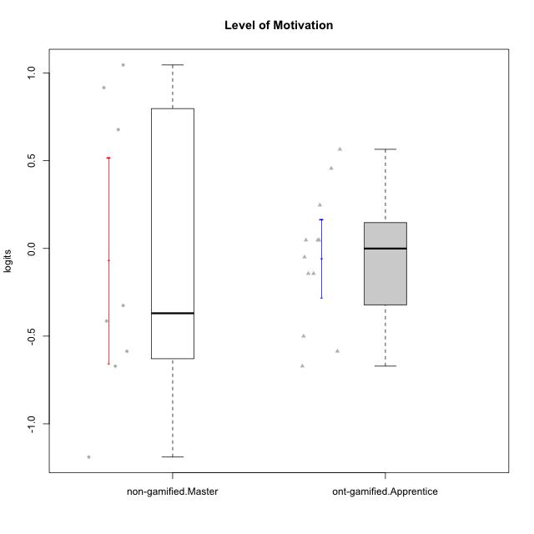

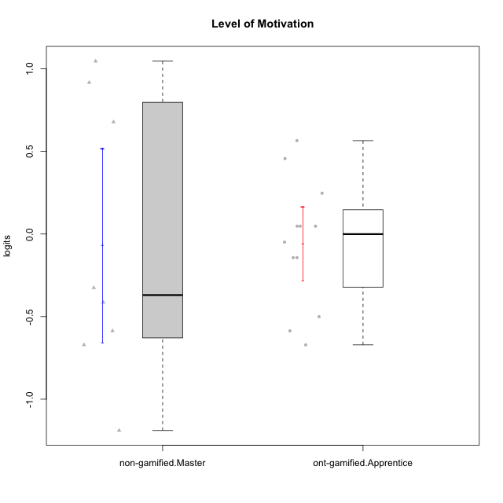

Student's t-Test data
UserID | NroUSP | Type | CLGroup | CLRole | PlayerRole | theta | error | WLE.rel
10179 | 10310759 | ont-gamified | Grupo Tosskor | Apprentice | Yee Achiever | 0.047465962784 | 0.31293600328 | 0.81282607279
10184 | 10276675 | non-gamified | Grupo Team 7 | Master |  | 1.0461512661 | 0.3729799365 | 0.81282607279
10187 | 9790781 | ont-gamified | Grupo Razorg | Apprentice | Yee Achiever | -0.048997918073 | 0.30945025388 | 0.81282607279
10193 | 10276762 | non-gamified | Grupo Team 2 | Master |  | -0.58638503528 | 0.29546259175 | 0.81282607279
10197 | 10276661 | non-gamified | Grupo Team 11 | Master |  | -0.41393424993 | 0.29837965421 | 0.81282607279
10201 | 10276928 | non-gamified | Grupo Team 10 | Master |  | 0.67753957364 | 0.34238231456 | 0.81282607279
10202 | 10277036 | ont-gamified | Grupo Paldira | Apprentice | Yee Achiever | -0.14327146525 | 0.30620438213 | 0.81282607279
10206 | 10310721 | non-gamified | Grupo Team 9 | Master |  | -0.3255773711 | 0.30060277614 | 0.81282607279
10210 | 10277015 | ont-gamified | Grupo Losvakai | Apprentice | Yee Achiever | -0.58638503528 | 0.29546259175 | 0.81282607279
10212 | 9065750 | ont-gamified | Grupo Ellaru | Apprentice | Yee Socializer | -0.50076044352 | 0.29664149512 | 0.81282607279
10213 | 10277040 | non-gamified | Grupo Team 8 | Master |  | 0.91656566936 | 0.36047958232 | 0.81282607279
10214 | 10277022 | ont-gamified | Grupo Koil | Apprentice | Yee Achiever | 0.047465962784 | 0.31293600328 | 0.81282607279
10219 | 10276831 | ont-gamified | Grupo Razorg | Apprentice | Yee Achiever | -0.67118843708 | 0.29491464651 | 0.81282607279
10223 | 9795185 | non-gamified | Grupo Team 3 | Master |  | -1.189493223 | 0.30948265103 | 0.81282607279
10226 | 10310342 | ont-gamified | Grupo Yeka | Apprentice | Yee Socializer | 0.56518095867 | 0.33566808108 | 0.81282607279
10228 | 10310492 | ont-gamified | Grupo Losvakai | Apprentice | Yee Achiever | -0.14327146525 | 0.30620438213 | 0.81282607279
10231 | 10276911 | non-gamified | Grupo Team 4 | Master |  | -0.67118843708 | 0.29491464651 | 0.81282607279
10233 | 9805320 | ont-gamified | Grupo Tosskor | Apprentice | Yee Achiever | 0.45633937173 | 0.32998793656 | 0.81282607279
10237 | 10377688 | ont-gamified | Grupo Ellaru | Apprentice | Yee Socializer | 0.047465962784 | 0.31293600328 | 0.81282607279
10238 | 10276953 | ont-gamified | Grupo Belos | Apprentice | Yee Socializer | 0.24711298913 | 0.32066925681 | 0.81282607279

Type_CLRole_5
Student's t-Test for Level of Motivation in Type:CLRole between non-gamified.Master:ont-gamified.Master

Student's t-Test results
Alternative hypothesis: less
Group | N | Mean | Mean.Difference | Std.deviation | Std.error | CI.lower | CI.upper | df | t.value | p.value | g | magnitude
non-gamified.Master | 8 | -0.068290225902 | -0.35255911487 | 0.83176698103 | 0.29407403633 | -0.65643829855 | 0.51985784675 | 11.203740081 | -1.0299704727 | 0.1623732817 | -0.48314738621 | small
ont-gamified.Master | 7 | 0.28426888896 | 0.35255911487 | 0.46349680832 | 0.1751853269 | -0.066101764835 | 0.63463954276 | 11.203740081 | -1.0299704727 | 0.1623732817 | -0.48314738621 | small
Alternative hypothesis: greater
Group | N | Mean | Mean.Difference | Std.deviation | Std.error | CI.lower | CI.upper | df | t.value | p.value | g | magnitude
non-gamified.Master | 8 | -0.068290225902 | -0.35255911487 | 0.83176698103 | 0.29407403633 | -0.65643829855 | 0.51985784675 | 11.203740081 | -1.0299704727 | 0.8376267183 | -0.48314738621 | small
ont-gamified.Master | 7 | 0.28426888896 | 0.35255911487 | 0.46349680832 | 0.1751853269 | -0.066101764835 | 0.63463954276 | 11.203740081 | -1.0299704727 | 0.8376267183 | -0.48314738621 | small
Alternative hypothesis: two.sided
Group | N | Mean | Mean.Difference | Std.deviation | Std.error | CI.lower | CI.upper | df | t.value | p.value | g | magnitude
non-gamified.Master | 8 | -0.068290225902 | -0.35255911487 | 0.83176698103 | 0.29407403633 | -0.65643829855 | 0.51985784675 | 11.203740081 | -1.0299704727 | 0.32474656341 | -0.48314738621 | small
ont-gamified.Master | 7 | 0.28426888896 | 0.35255911487 | 0.46349680832 | 0.1751853269 | -0.066101764835 | 0.63463954276 | 11.203740081 | -1.0299704727 | 0.32474656341 | -0.48314738621 | small

Box plots for Student's t-Test
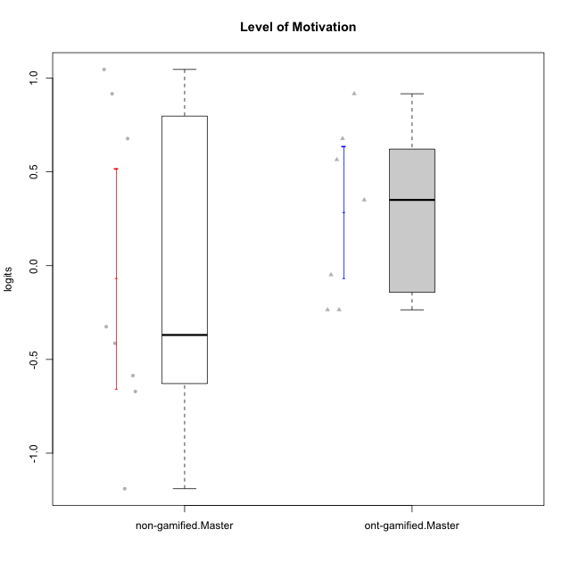

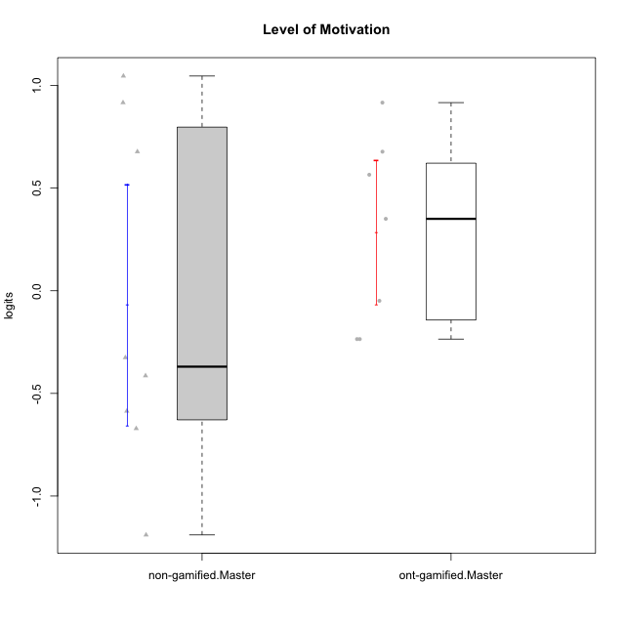

Student's t-Test data
UserID | NroUSP | Type | CLGroup | CLRole | PlayerRole | theta | error | WLE.rel
10171 | 698531 | ont-gamified | Grupo Losvakai | Master | Yee Achiever | 0.67753957364 | 0.34238231456 | 0.81282607279
10172 | 10273971 | ont-gamified | Grupo Koil | Master | Yee Achiever | 0.350438587 | 0.32506002542 | 0.81282607279
10184 | 10276675 | non-gamified | Grupo Team 7 | Master |  | 1.0461512661 | 0.3729799365 | 0.81282607279
10185 | 10276960 | ont-gamified | Grupo Tosskor | Master | Yee Achiever | -0.23542232393 | 0.30323512918 | 0.81282607279
10188 | 10276995 | ont-gamified | Grupo Paldira | Master | Yee Achiever | -0.23542232393 | 0.30323512918 | 0.81282607279
10193 | 10276762 | non-gamified | Grupo Team 2 | Master |  | -0.58638503528 | 0.29546259175 | 0.81282607279
10197 | 10276661 | non-gamified | Grupo Team 11 | Master |  | -0.41393424993 | 0.29837965421 | 0.81282607279
10201 | 10276928 | non-gamified | Grupo Team 10 | Master |  | 0.67753957364 | 0.34238231456 | 0.81282607279
10206 | 10310721 | non-gamified | Grupo Team 9 | Master |  | -0.3255773711 | 0.30060277614 | 0.81282607279
10208 | 10276932 | ont-gamified | Grupo Yeka | Master | Yee Socializer | -0.048997918073 | 0.30945025388 | 0.81282607279
10213 | 10277040 | non-gamified | Grupo Team 8 | Master |  | 0.91656566936 | 0.36047958232 | 0.81282607279
10216 | 10276720 | ont-gamified | Grupo Ellaru | Master | Yee Socializer | 0.91656566936 | 0.36047958232 | 0.81282607279
10217 | 9805341 | ont-gamified | Grupo Belos | Master | Yee Socializer | 0.56518095867 | 0.33566808108 | 0.81282607279
10223 | 9795185 | non-gamified | Grupo Team 3 | Master |  | -1.189493223 | 0.30948265103 | 0.81282607279
10231 | 10276911 | non-gamified | Grupo Team 4 | Master |  | -0.67118843708 | 0.29491464651 | 0.81282607279

Type_CLRole_6
Student's t-Test for Level of Motivation in Type:CLRole between ont-gamified.Apprentice:ont-gamified.Master

Student's t-Test results
Alternative hypothesis: less
Group | N | Mean | Mean.Difference | Std.deviation | Std.error | CI.lower | CI.upper | df | t.value | p.value | g | magnitude
ont-gamified.Apprentice | 12 | -0.056903629715 | -0.34117251868 | 0.38673450072 | 0.11164063405 | -0.28018489781 | 0.16637763838 | 10.883831815 | -1.6423506185 | 0.064532817276 | -0.78444168296 | medium
ont-gamified.Master | 7 | 0.28426888896 | 0.34117251868 | 0.46349680832 | 0.1751853269 | -0.066101764835 | 0.63463954276 | 10.883831815 | -1.6423506185 | 0.064532817276 | -0.78444168296 | medium
Alternative hypothesis: greater
Group | N | Mean | Mean.Difference | Std.deviation | Std.error | CI.lower | CI.upper | df | t.value | p.value | g | magnitude
ont-gamified.Apprentice | 12 | -0.056903629715 | -0.34117251868 | 0.38673450072 | 0.11164063405 | -0.28018489781 | 0.16637763838 | 10.883831815 | -1.6423506185 | 0.93546718272 | -0.78444168296 | medium
ont-gamified.Master | 7 | 0.28426888896 | 0.34117251868 | 0.46349680832 | 0.1751853269 | -0.066101764835 | 0.63463954276 | 10.883831815 | -1.6423506185 | 0.93546718272 | -0.78444168296 | medium
Alternative hypothesis: two.sided
Group | N | Mean | Mean.Difference | Std.deviation | Std.error | CI.lower | CI.upper | df | t.value | p.value | g | magnitude
ont-gamified.Apprentice | 12 | -0.056903629715 | -0.34117251868 | 0.38673450072 | 0.11164063405 | -0.28018489781 | 0.16637763838 | 10.883831815 | -1.6423506185 | 0.12906563455 | -0.78444168296 | medium
ont-gamified.Master | 7 | 0.28426888896 | 0.34117251868 | 0.46349680832 | 0.1751853269 | -0.066101764835 | 0.63463954276 | 10.883831815 | -1.6423506185 | 0.12906563455 | -0.78444168296 | medium

Box plots for Student's t-Test
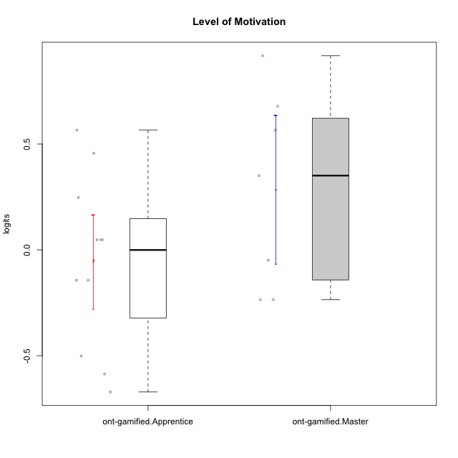

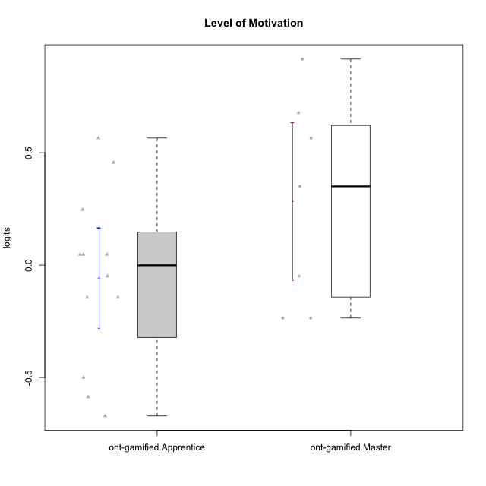

Student's t-Test data
UserID | NroUSP | Type | CLGroup | CLRole | PlayerRole | theta | error | WLE.rel
10171 | 698531 | ont-gamified | Grupo Losvakai | Master | Yee Achiever | 0.67753957364 | 0.34238231456 | 0.81282607279
10172 | 10273971 | ont-gamified | Grupo Koil | Master | Yee Achiever | 0.350438587 | 0.32506002542 | 0.81282607279
10179 | 10310759 | ont-gamified | Grupo Tosskor | Apprentice | Yee Achiever | 0.047465962784 | 0.31293600328 | 0.81282607279
10185 | 10276960 | ont-gamified | Grupo Tosskor | Master | Yee Achiever | -0.23542232393 | 0.30323512918 | 0.81282607279
10187 | 9790781 | ont-gamified | Grupo Razorg | Apprentice | Yee Achiever | -0.048997918073 | 0.30945025388 | 0.81282607279
10188 | 10276995 | ont-gamified | Grupo Paldira | Master | Yee Achiever | -0.23542232393 | 0.30323512918 | 0.81282607279
10202 | 10277036 | ont-gamified | Grupo Paldira | Apprentice | Yee Achiever | -0.14327146525 | 0.30620438213 | 0.81282607279
10208 | 10276932 | ont-gamified | Grupo Yeka | Master | Yee Socializer | -0.048997918073 | 0.30945025388 | 0.81282607279
10210 | 10277015 | ont-gamified | Grupo Losvakai | Apprentice | Yee Achiever | -0.58638503528 | 0.29546259175 | 0.81282607279
10212 | 9065750 | ont-gamified | Grupo Ellaru | Apprentice | Yee Socializer | -0.50076044352 | 0.29664149512 | 0.81282607279
10214 | 10277022 | ont-gamified | Grupo Koil | Apprentice | Yee Achiever | 0.047465962784 | 0.31293600328 | 0.81282607279
10216 | 10276720 | ont-gamified | Grupo Ellaru | Master | Yee Socializer | 0.91656566936 | 0.36047958232 | 0.81282607279
10217 | 9805341 | ont-gamified | Grupo Belos | Master | Yee Socializer | 0.56518095867 | 0.33566808108 | 0.81282607279
10219 | 10276831 | ont-gamified | Grupo Razorg | Apprentice | Yee Achiever | -0.67118843708 | 0.29491464651 | 0.81282607279
10226 | 10310342 | ont-gamified | Grupo Yeka | Apprentice | Yee Socializer | 0.56518095867 | 0.33566808108 | 0.81282607279
10228 | 10310492 | ont-gamified | Grupo Losvakai | Apprentice | Yee Achiever | -0.14327146525 | 0.30620438213 | 0.81282607279
10233 | 9805320 | ont-gamified | Grupo Tosskor | Apprentice | Yee Achiever | 0.45633937173 | 0.32998793656 | 0.81282607279
10237 | 10377688 | ont-gamified | Grupo Ellaru | Apprentice | Yee Socializer | 0.047465962784 | 0.31293600328 | 0.81282607279
10238 | 10276953 | ont-gamified | Grupo Belos | Apprentice | Yee Socializer | 0.24711298913 | 0.32066925681 | 0.81282607279

