Assumptions
ANOVA assumptions for Satisfaction

Shapiro-Wilk normality test for Satisfaction
W | p.value
0.95670932654 | 0.091456600386

Plots for normality test
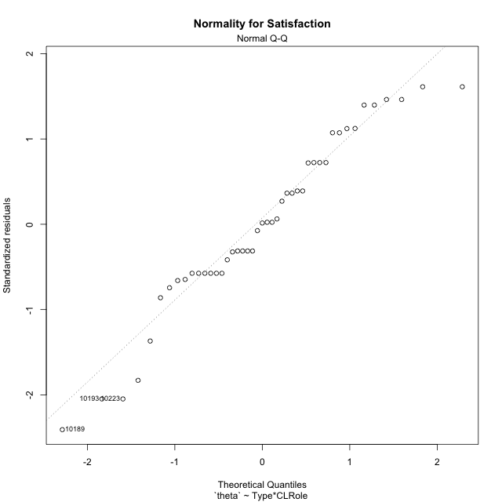

Levene's Test for Homogeneity of Variance in Satisfaction
Df | F value | Pr(>F)
3 | 2.7652215431 | 0.053956684181
41

Plots for homogeneity of variance
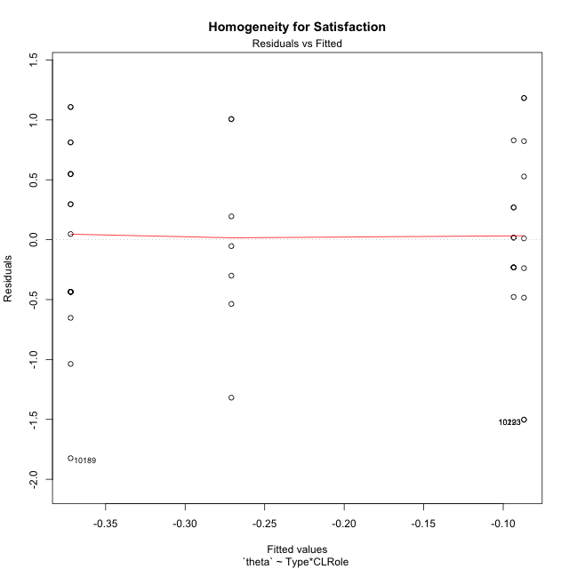

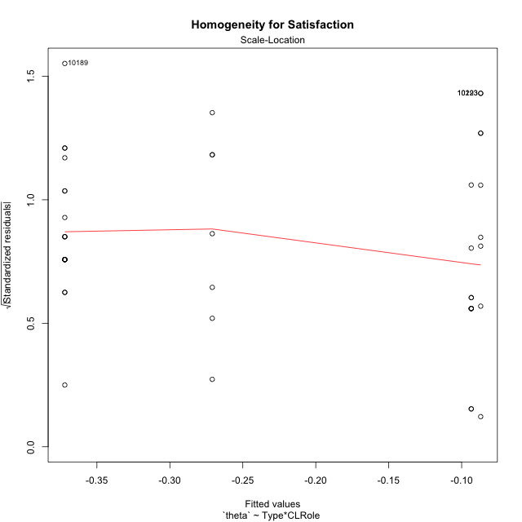

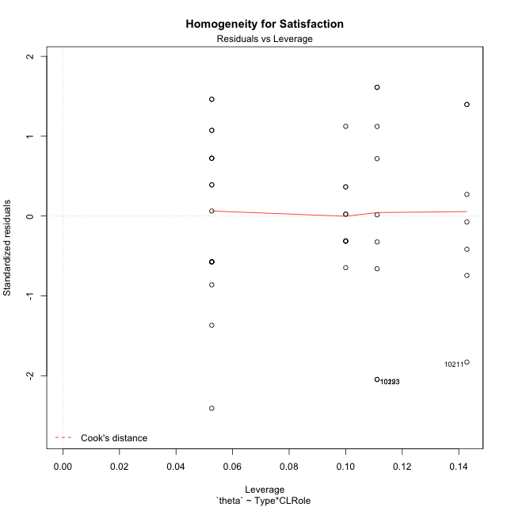

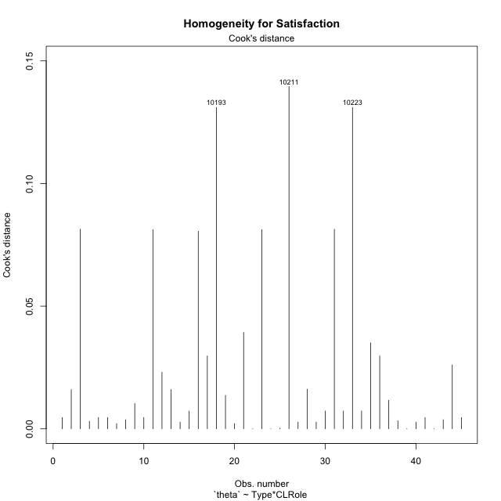

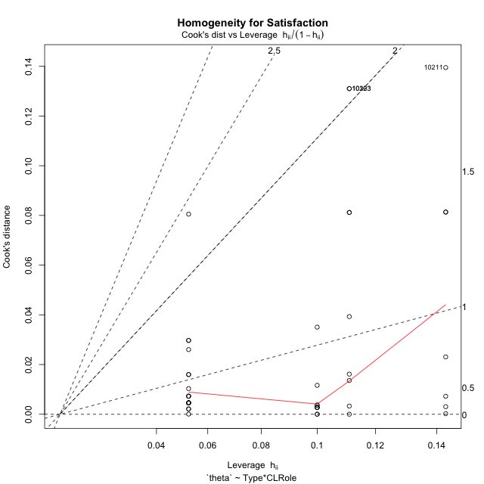

Minimum Sample Size Test for Satisfaction
Type | CLRole | Freq
non-gamified | Apprentice | 19
ont-gamified | Apprentice | 10
non-gamified | Master | 9
ont-gamified | Master | 7

Errors and Warnings in Sample Size Test for ANOVA in Satisfaction
code | description
WARN: sample.size | current.size is = 10 and recommended.size must be = 15 for the group: 'ont-gamified:Apprentice'. Size sample for parametric test isn't recomended
WARN: sample.size | current.size is = 9 and recommended.size must be = 15 for the group: 'non-gamified:Master'. Size sample for parametric test isn't recomended
WARN: sample.size | current.size is = 7 and recommended.size must be = 15 for the group: 'ont-gamified:Master'. Size sample for parametric test isn't recomended

For the group: 'non-gamified:Apprentice', you can perform a parametric test with a non-normal distribution For the group: 'ont-gamified:Apprentice', we recommend the use of non parametric test. For the group: 'non-gamified:Master', we recommend the use of non parametric test. For the group: 'ont-gamified:Master', we recommend the use of non parametric test.

If you don't want to remove non-normal data, you must cite the following references: ... (1) Lix, L.M., J.C. Keselman, and H.J. Keselman. 1996. Consequences of assumption violations revisited: A quantitative review of alternatives to the one-way analysis of variance F test. Rev. Educ. Res. 66: 579-619. ... (2) Harwell, M.R., E.N. Rubinstein, W.S. Hayes, and C.C. Olds. 1992. Summarizing Monte Carlo results in methodological research: the one- and two-factor fixed effects ANOVA cases. J. Educ. Stat. 17: 315-339.

Post-hoc
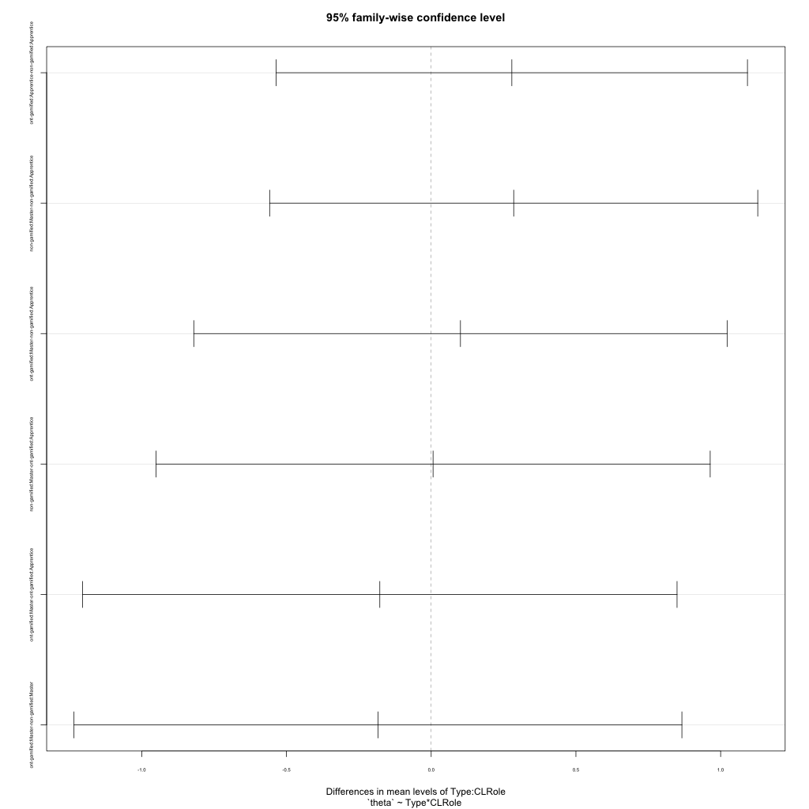
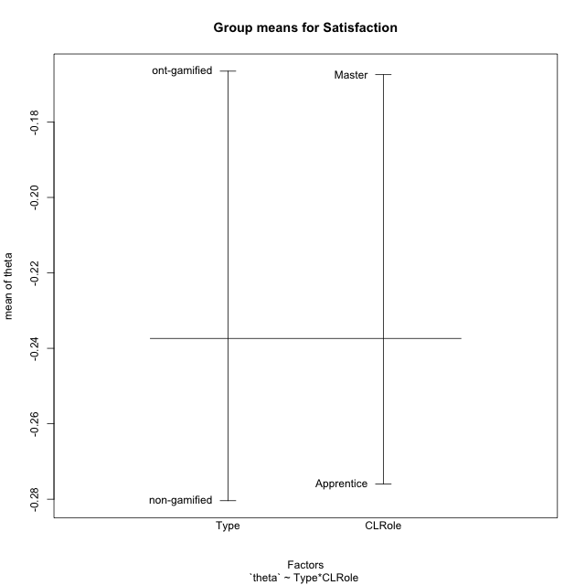
Post-hoc Tukey Honestly Significant Difference (HSD) Test for Satisfaction

Comparisons of means for Type
 | diff | lwr | upr | p adj
ont-gamified-non-gamified | 0.113867997 | -0.36935792521 | 0.5970939192 | 0.63668069945

Comparisons of means for CLRole
 | diff | lwr | upr | p adj
Master-Apprentice | 0.097950901817 | -0.39148374507 | 0.58738554871 | 0.6881867604

Comparisons of means for Type:CLRole
 | diff | lwr | upr | p adj
ont-gamified:Apprentice-non-gamified:Apprentice | 0.27858846421 | -0.53548923952 | 1.0926661679 | 0.79628087344
non-gamified:Master-non-gamified:Apprentice | 0.28506223952 | -0.55812615872 | 1.1282506378 | 0.80211802137
ont-gamified:Master-non-gamified:Apprentice | 0.10107611858 | -0.82023118777 | 1.0223834249 | 0.99104450358
non-gamified:Master-ont-gamified:Apprentice | 0.0064737753184 | -0.95093897649 | 0.96388652713 | 0.99999782986
ont-gamified:Master-ont-gamified:Apprentice | -0.17751234563 | -1.2043909437 | 0.84936625241 | 0.96669686223
ont-gamified:Master-non-gamified:Master | -0.18398612095 | -1.2340926976 | 0.86612045571 | 0.96540490305

Contrast Matrices for Satisfaction
contrast | CLRole | estimate | SE | df | t.ratio | p.value
non-gamified - ont-gamified | Apprentice | -0.27858846421 | 0.30403037373 | 41 | -0.91631786911 | 0.36485869562
non-gamified - ont-gamified | Master | 0.18398612095 | 0.3921791415 | 41 | 0.4691379563 | 0.64145625647

Least Squares Means and Confidence Intervals
Type | CLRole | lsmean | SE | df | lower.CL | upper.CL
non-gamified | Apprentice | -0.37201746779 | 0.1785327828 | 41 | -0.73257173723 | -0.01146319835
ont-gamified | Apprentice | -0.093429003582 | 0.2460904582 | 41 | -0.59041876635 | 0.40356075919
non-gamified | Master | -0.086955228264 | 0.25940211945 | 41 | -0.61082843631 | 0.43691797978
ont-gamified | Master | -0.27094134921 | 0.29413435613 | 41 | -0.86495773222 | 0.3230750338

Plots

Type_1
Student's t-Test for Satisfaction in Type between non-gamified:ont-gamified

Student's t-Test results
Alternative hypothesis: less
Group | N | Mean | Mean.Difference | Std.deviation | Std.error | CI.lower | CI.upper | df | t.value | p.value | g | magnitude
non-gamified | 28 | -0.28039031937 | -0.113867997 | 0.85781603204 | 0.16211199224 | -0.60461430386 | 0.043833665119 | 42.197651881 | -0.52621931951 | 0.30074542319 | -0.14539700232 | negligible
ont-gamified | 17 | -0.16652232237 | 0.113867997 | 0.59096976974 | 0.14333122248 | -0.45318476733 | 0.12014012259 | 42.197651881 | -0.52621931951 | 0.30074542319 | -0.14539700232 | negligible
Alternative hypothesis: greater
Group | N | Mean | Mean.Difference | Std.deviation | Std.error | CI.lower | CI.upper | df | t.value | p.value | g | magnitude
non-gamified | 28 | -0.28039031937 | -0.113867997 | 0.85781603204 | 0.16211199224 | -0.60461430386 | 0.043833665119 | 42.197651881 | -0.52621931951 | 0.69925457681 | -0.14539700232 | negligible
ont-gamified | 17 | -0.16652232237 | 0.113867997 | 0.59096976974 | 0.14333122248 | -0.45318476733 | 0.12014012259 | 42.197651881 | -0.52621931951 | 0.69925457681 | -0.14539700232 | negligible
Alternative hypothesis: two.sided
Group | N | Mean | Mean.Difference | Std.deviation | Std.error | CI.lower | CI.upper | df | t.value | p.value | g | magnitude
non-gamified | 28 | -0.28039031937 | -0.113867997 | 0.85781603204 | 0.16211199224 | -0.60461430386 | 0.043833665119 | 42.197651881 | -0.52621931951 | 0.60149084639 | -0.14539700232 | negligible
ont-gamified | 17 | -0.16652232237 | 0.113867997 | 0.59096976974 | 0.14333122248 | -0.45318476733 | 0.12014012259 | 42.197651881 | -0.52621931951 | 0.60149084639 | -0.14539700232 | negligible

Box plots for Student's t-Test
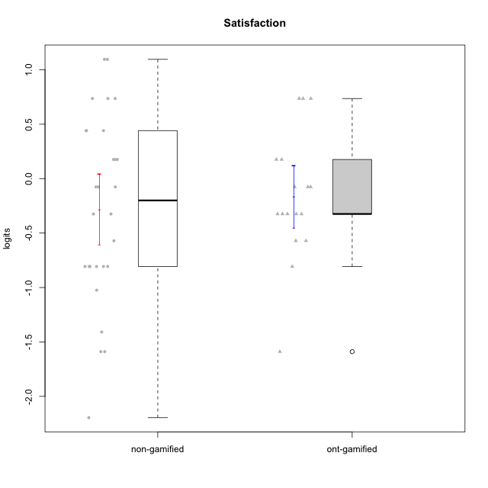

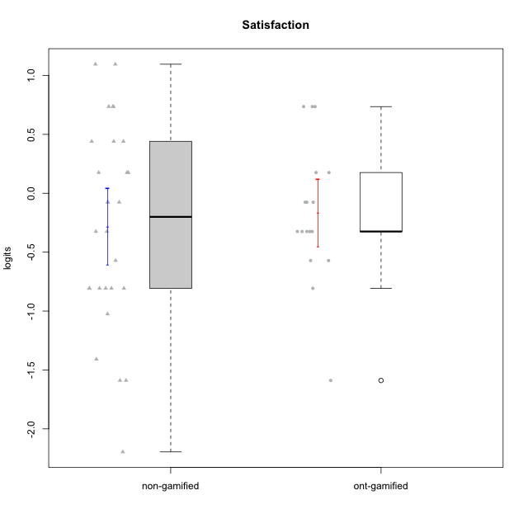

Student's t-Test data
UserID | NroUSP | Type | CLGroup | CLRole | PlayerRole | theta | error | WLE.rel
10169 | 10377538 | non-gamified | Grupo Team 10 | Apprentice |  | -0.80711445064 | 0.47336422487 | 0.68918373895
10170 | 10260351 | non-gamified | Grupo Team 6 | Apprentice |  | 0.44052628594 | 0.54816859364 | 0.68918373895
10171 | 698531 | ont-gamified | Grupo Losvakai | Master | Yee Achiever | 0.73574069598 | 0.59188550545 | 0.68918373895
10172 | 10273971 | ont-gamified | Grupo Koil | Master | Yee Achiever | -0.076047710592 | 0.50758232207 | 0.68918373895
10174 | 10276852 | non-gamified | Grupo Team 1 | Apprentice |  | -0.80711445064 | 0.47336422487 | 0.68918373895
10176 | 10276949 | non-gamified | Grupo Team 9 | Apprentice |  | -0.80711445064 | 0.47336422487 | 0.68918373895
10178 | 8656201 | non-gamified | Grupo Team 11 | Apprentice |  | -0.076047710592 | 0.50758232207 | 0.68918373895
10179 | 10310759 | ont-gamified | Grupo Tosskor | Apprentice | Yee Achiever | 0.1758193737 | 0.52276838566 | 0.68918373895
10181 | 10276866 | non-gamified | Grupo Team 7 | Apprentice |  | -1.0243944378 | 0.46051209227 | 0.68918373895
10183 | 10352030 | non-gamified | Grupo Belos | Apprentice | Yee Socializer | -0.80711445064 | 0.47336422487 | 0.68918373895
10184 | 10276675 | non-gamified | Grupo Team 7 | Master |  | 1.0956641887 | 0.67076204469 | 0.68918373895
10185 | 10276960 | ont-gamified | Grupo Tosskor | Master | Yee Achiever | -0.80711445064 | 0.47336422487 | 0.68918373895
10186 | 10310551 | non-gamified | Grupo Team 5 | Apprentice |  | 0.44052628594 | 0.54816859364 | 0.68918373895
10187 | 9790781 | ont-gamified | Grupo Razorg | Apprentice | Yee Achiever | -0.32463380358 | 0.49696856271 | 0.68918373895
10188 | 10276995 | ont-gamified | Grupo Paldira | Master | Yee Achiever | -0.57103884373 | 0.48622756286 | 0.68918373895
10189 | 9363926 | non-gamified | Grupo Team 2 | Apprentice |  | -2.1957042986 | 0.54434901651 | 0.68918373895
10190 | 10276907 | non-gamified | Grupo Team 8 | Apprentice |  | 0.73574069598 | 0.59188550545 | 0.68918373895
10193 | 10276762 | non-gamified | Grupo Team 2 | Master |  | -1.5892360279 | 0.45129686392 | 0.68918373895
10197 | 10276661 | non-gamified | Grupo Team 11 | Master |  | -0.57103884373 | 0.48622756286 | 0.68918373895
10200 | 9795272 | non-gamified | Grupo Team 4 | Apprentice |  | -0.076047710592 | 0.50758232207 | 0.68918373895
10201 | 10276928 | non-gamified | Grupo Team 10 | Master |  | 0.73574069598 | 0.59188550545 | 0.68918373895
10202 | 10277036 | ont-gamified | Grupo Paldira | Apprentice | Yee Achiever | -0.076047710592 | 0.50758232207 | 0.68918373895
10204 | 10310471 | non-gamified | Grupo Team 5 | Master |  | 1.0956641887 | 0.67076204469 | 0.68918373895
10206 | 10310721 | non-gamified | Grupo Team 9 | Master |  | -0.076047710592 | 0.50758232207 | 0.68918373895
10208 | 10276932 | ont-gamified | Grupo Yeka | Master | Yee Socializer | -0.32463380358 | 0.49696856271 | 0.68918373895
10211 | 9311643 | ont-gamified | Grupo Razorg | Master | Yee Achiever | -1.5892360279 | 0.45129686392 | 0.68918373895
10212 | 9065750 | ont-gamified | Grupo Ellaru | Apprentice | Yee Socializer | -0.32463380358 | 0.49696856271 | 0.68918373895
10213 | 10277040 | non-gamified | Grupo Team 8 | Master |  | 0.44052628594 | 0.54816859364 | 0.68918373895
10214 | 10277022 | ont-gamified | Grupo Koil | Apprentice | Yee Achiever | -0.32463380358 | 0.49696856271 | 0.68918373895
10215 | 9285227 | non-gamified | Grupo Team 7 | Apprentice |  | 0.1758193737 | 0.52276838566 | 0.68918373895
10217 | 9805341 | ont-gamified | Grupo Belos | Master | Yee Socializer | 0.73574069598 | 0.59188550545 | 0.68918373895
10221 | 9082496 | non-gamified | Grupo Team 3 | Apprentice |  | 0.1758193737 | 0.52276838566 | 0.68918373895
10223 | 9795185 | non-gamified | Grupo Team 3 | Master |  | -1.5892360279 | 0.45129686392 | 0.68918373895
10224 | 9368772 | non-gamified | Grupo Team 9 | Apprentice |  | 0.1758193737 | 0.52276838566 | 0.68918373895
10226 | 10310342 | ont-gamified | Grupo Yeka | Apprentice | Yee Socializer | 0.73574069598 | 0.59188550545 | 0.68918373895
10227 | 9274382 | non-gamified | Grupo Team 2 | Apprentice |  | 0.73574069598 | 0.59188550545 | 0.68918373895
10228 | 10310492 | ont-gamified | Grupo Losvakai | Apprentice | Yee Achiever | -0.57103884373 | 0.48622756286 | 0.68918373895
10231 | 10276911 | non-gamified | Grupo Team 4 | Master |  | -0.32463380358 | 0.49696856271 | 0.68918373895
10232 | 10276974 | non-gamified | Grupo Team 3 | Apprentice |  | -0.32463380358 | 0.49696856271 | 0.68918373895
10233 | 9805320 | ont-gamified | Grupo Tosskor | Apprentice | Yee Achiever | -0.32463380358 | 0.49696856271 | 0.68918373895
10234 | 10310676 | non-gamified | Grupo Team 6 | Apprentice |  | -0.80711445064 | 0.47336422487 | 0.68918373895
10237 | 10377688 | ont-gamified | Grupo Ellaru | Apprentice | Yee Socializer | -0.076047710592 | 0.50758232207 | 0.68918373895
10238 | 10276953 | ont-gamified | Grupo Belos | Apprentice | Yee Socializer | 0.1758193737 | 0.52276838566 | 0.68918373895
10240 | 10276654 | non-gamified | Grupo Team 8 | Apprentice |  | -1.408809308 | 0.44744004824 | 0.68918373895
10242 | 9424506 | non-gamified | Grupo Team 11 | Apprentice |  | -0.80711445064 | 0.47336422487 | 0.68918373895

Type_CLRole_1
Student's t-Test for Satisfaction in Type:CLRole between non-gamified.Apprentice:non-gamified.Master

Student's t-Test results
Alternative hypothesis: less
Group | N | Mean | Mean.Difference | Std.deviation | Std.error | CI.lower | CI.upper | df | t.value | p.value | g | magnitude
non-gamified.Apprentice | 19 | -0.37201746779 | -0.28506223952 | 0.77512547435 | 0.17782597954 | -0.72766942687 | -0.016365508711 | 12.432416612 | -0.73488273961 | 0.23802256351 | -0.32063135669 | small
non-gamified.Master | 9 | -0.086955228264 | 0.28506223952 | 1.0342198104 | 0.34473993681 | -0.77643510188 | 0.60252464535 | 12.432416612 | -0.73488273961 | 0.23802256351 | -0.32063135669 | small
Alternative hypothesis: greater
Group | N | Mean | Mean.Difference | Std.deviation | Std.error | CI.lower | CI.upper | df | t.value | p.value | g | magnitude
non-gamified.Apprentice | 19 | -0.37201746779 | -0.28506223952 | 0.77512547435 | 0.17782597954 | -0.72766942687 | -0.016365508711 | 12.432416612 | -0.73488273961 | 0.76197743649 | -0.32063135669 | small
non-gamified.Master | 9 | -0.086955228264 | 0.28506223952 | 1.0342198104 | 0.34473993681 | -0.77643510188 | 0.60252464535 | 12.432416612 | -0.73488273961 | 0.76197743649 | -0.32063135669 | small
Alternative hypothesis: two.sided
Group | N | Mean | Mean.Difference | Std.deviation | Std.error | CI.lower | CI.upper | df | t.value | p.value | g | magnitude
non-gamified.Apprentice | 19 | -0.37201746779 | -0.28506223952 | 0.77512547435 | 0.17782597954 | -0.72766942687 | -0.016365508711 | 12.432416612 | -0.73488273961 | 0.47604512701 | -0.32063135669 | small
non-gamified.Master | 9 | -0.086955228264 | 0.28506223952 | 1.0342198104 | 0.34473993681 | -0.77643510188 | 0.60252464535 | 12.432416612 | -0.73488273961 | 0.47604512701 | -0.32063135669 | small

Box plots for Student's t-Test
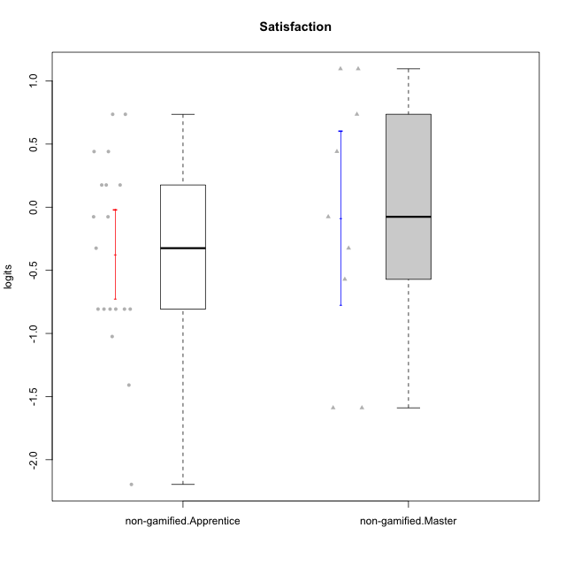

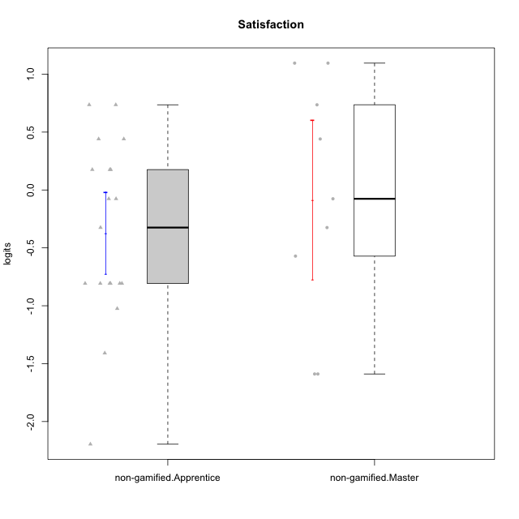

Student's t-Test data
UserID | NroUSP | Type | CLGroup | CLRole | PlayerRole | theta | error | WLE.rel
10169 | 10377538 | non-gamified | Grupo Team 10 | Apprentice |  | -0.80711445064 | 0.47336422487 | 0.68918373895
10170 | 10260351 | non-gamified | Grupo Team 6 | Apprentice |  | 0.44052628594 | 0.54816859364 | 0.68918373895
10174 | 10276852 | non-gamified | Grupo Team 1 | Apprentice |  | -0.80711445064 | 0.47336422487 | 0.68918373895
10176 | 10276949 | non-gamified | Grupo Team 9 | Apprentice |  | -0.80711445064 | 0.47336422487 | 0.68918373895
10178 | 8656201 | non-gamified | Grupo Team 11 | Apprentice |  | -0.076047710592 | 0.50758232207 | 0.68918373895
10181 | 10276866 | non-gamified | Grupo Team 7 | Apprentice |  | -1.0243944378 | 0.46051209227 | 0.68918373895
10183 | 10352030 | non-gamified | Grupo Belos | Apprentice | Yee Socializer | -0.80711445064 | 0.47336422487 | 0.68918373895
10184 | 10276675 | non-gamified | Grupo Team 7 | Master |  | 1.0956641887 | 0.67076204469 | 0.68918373895
10186 | 10310551 | non-gamified | Grupo Team 5 | Apprentice |  | 0.44052628594 | 0.54816859364 | 0.68918373895
10189 | 9363926 | non-gamified | Grupo Team 2 | Apprentice |  | -2.1957042986 | 0.54434901651 | 0.68918373895
10190 | 10276907 | non-gamified | Grupo Team 8 | Apprentice |  | 0.73574069598 | 0.59188550545 | 0.68918373895
10193 | 10276762 | non-gamified | Grupo Team 2 | Master |  | -1.5892360279 | 0.45129686392 | 0.68918373895
10197 | 10276661 | non-gamified | Grupo Team 11 | Master |  | -0.57103884373 | 0.48622756286 | 0.68918373895
10200 | 9795272 | non-gamified | Grupo Team 4 | Apprentice |  | -0.076047710592 | 0.50758232207 | 0.68918373895
10201 | 10276928 | non-gamified | Grupo Team 10 | Master |  | 0.73574069598 | 0.59188550545 | 0.68918373895
10204 | 10310471 | non-gamified | Grupo Team 5 | Master |  | 1.0956641887 | 0.67076204469 | 0.68918373895
10206 | 10310721 | non-gamified | Grupo Team 9 | Master |  | -0.076047710592 | 0.50758232207 | 0.68918373895
10213 | 10277040 | non-gamified | Grupo Team 8 | Master |  | 0.44052628594 | 0.54816859364 | 0.68918373895
10215 | 9285227 | non-gamified | Grupo Team 7 | Apprentice |  | 0.1758193737 | 0.52276838566 | 0.68918373895
10221 | 9082496 | non-gamified | Grupo Team 3 | Apprentice |  | 0.1758193737 | 0.52276838566 | 0.68918373895
10223 | 9795185 | non-gamified | Grupo Team 3 | Master |  | -1.5892360279 | 0.45129686392 | 0.68918373895
10224 | 9368772 | non-gamified | Grupo Team 9 | Apprentice |  | 0.1758193737 | 0.52276838566 | 0.68918373895
10227 | 9274382 | non-gamified | Grupo Team 2 | Apprentice |  | 0.73574069598 | 0.59188550545 | 0.68918373895
10231 | 10276911 | non-gamified | Grupo Team 4 | Master |  | -0.32463380358 | 0.49696856271 | 0.68918373895
10232 | 10276974 | non-gamified | Grupo Team 3 | Apprentice |  | -0.32463380358 | 0.49696856271 | 0.68918373895
10234 | 10310676 | non-gamified | Grupo Team 6 | Apprentice |  | -0.80711445064 | 0.47336422487 | 0.68918373895
10240 | 10276654 | non-gamified | Grupo Team 8 | Apprentice |  | -1.408809308 | 0.44744004824 | 0.68918373895
10242 | 9424506 | non-gamified | Grupo Team 11 | Apprentice |  | -0.80711445064 | 0.47336422487 | 0.68918373895

Type_CLRole_2
Student's t-Test for Satisfaction in Type:CLRole between non-gamified.Apprentice:ont-gamified.Apprentice

Student's t-Test results
Alternative hypothesis: less
Group | N | Mean | Mean.Difference | Std.deviation | Std.error | CI.lower | CI.upper | df | t.value | p.value | g | magnitude
non-gamified.Apprentice | 19 | -0.37201746779 | -0.27858846421 | 0.77512547435 | 0.17782597954 | -0.72766942687 | -0.016365508711 | 26.930584551 | -1.3019105089 | 0.10198666547 | -0.40465508317 | small
ont-gamified.Apprentice | 10 | -0.093429003582 | 0.27858846421 | 0.37639367456 | 0.11902613085 | -0.33148126528 | 0.14462325812 | 26.930584551 | -1.3019105089 | 0.10198666547 | -0.40465508317 | small
Alternative hypothesis: greater
Group | N | Mean | Mean.Difference | Std.deviation | Std.error | CI.lower | CI.upper | df | t.value | p.value | g | magnitude
non-gamified.Apprentice | 19 | -0.37201746779 | -0.27858846421 | 0.77512547435 | 0.17782597954 | -0.72766942687 | -0.016365508711 | 26.930584551 | -1.3019105089 | 0.89801333453 | -0.40465508317 | small
ont-gamified.Apprentice | 10 | -0.093429003582 | 0.27858846421 | 0.37639367456 | 0.11902613085 | -0.33148126528 | 0.14462325812 | 26.930584551 | -1.3019105089 | 0.89801333453 | -0.40465508317 | small
Alternative hypothesis: two.sided
Group | N | Mean | Mean.Difference | Std.deviation | Std.error | CI.lower | CI.upper | df | t.value | p.value | g | magnitude
non-gamified.Apprentice | 19 | -0.37201746779 | -0.27858846421 | 0.77512547435 | 0.17782597954 | -0.72766942687 | -0.016365508711 | 26.930584551 | -1.3019105089 | 0.20397333094 | -0.40465508317 | small
ont-gamified.Apprentice | 10 | -0.093429003582 | 0.27858846421 | 0.37639367456 | 0.11902613085 | -0.33148126528 | 0.14462325812 | 26.930584551 | -1.3019105089 | 0.20397333094 | -0.40465508317 | small

Box plots for Student's t-Test
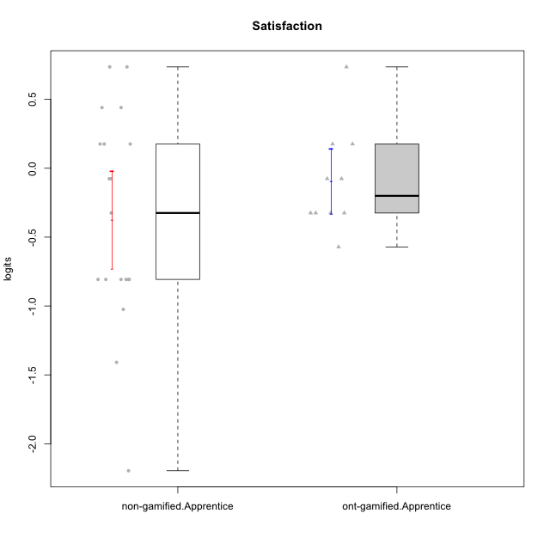

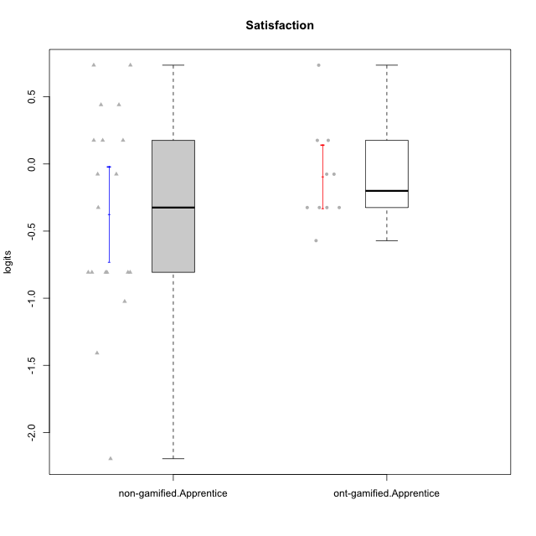

Student's t-Test data
UserID | NroUSP | Type | CLGroup | CLRole | PlayerRole | theta | error | WLE.rel
10169 | 10377538 | non-gamified | Grupo Team 10 | Apprentice |  | -0.80711445064 | 0.47336422487 | 0.68918373895
10170 | 10260351 | non-gamified | Grupo Team 6 | Apprentice |  | 0.44052628594 | 0.54816859364 | 0.68918373895
10174 | 10276852 | non-gamified | Grupo Team 1 | Apprentice |  | -0.80711445064 | 0.47336422487 | 0.68918373895
10176 | 10276949 | non-gamified | Grupo Team 9 | Apprentice |  | -0.80711445064 | 0.47336422487 | 0.68918373895
10178 | 8656201 | non-gamified | Grupo Team 11 | Apprentice |  | -0.076047710592 | 0.50758232207 | 0.68918373895
10179 | 10310759 | ont-gamified | Grupo Tosskor | Apprentice | Yee Achiever | 0.1758193737 | 0.52276838566 | 0.68918373895
10181 | 10276866 | non-gamified | Grupo Team 7 | Apprentice |  | -1.0243944378 | 0.46051209227 | 0.68918373895
10183 | 10352030 | non-gamified | Grupo Belos | Apprentice | Yee Socializer | -0.80711445064 | 0.47336422487 | 0.68918373895
10186 | 10310551 | non-gamified | Grupo Team 5 | Apprentice |  | 0.44052628594 | 0.54816859364 | 0.68918373895
10187 | 9790781 | ont-gamified | Grupo Razorg | Apprentice | Yee Achiever | -0.32463380358 | 0.49696856271 | 0.68918373895
10189 | 9363926 | non-gamified | Grupo Team 2 | Apprentice |  | -2.1957042986 | 0.54434901651 | 0.68918373895
10190 | 10276907 | non-gamified | Grupo Team 8 | Apprentice |  | 0.73574069598 | 0.59188550545 | 0.68918373895
10200 | 9795272 | non-gamified | Grupo Team 4 | Apprentice |  | -0.076047710592 | 0.50758232207 | 0.68918373895
10202 | 10277036 | ont-gamified | Grupo Paldira | Apprentice | Yee Achiever | -0.076047710592 | 0.50758232207 | 0.68918373895
10212 | 9065750 | ont-gamified | Grupo Ellaru | Apprentice | Yee Socializer | -0.32463380358 | 0.49696856271 | 0.68918373895
10214 | 10277022 | ont-gamified | Grupo Koil | Apprentice | Yee Achiever | -0.32463380358 | 0.49696856271 | 0.68918373895
10215 | 9285227 | non-gamified | Grupo Team 7 | Apprentice |  | 0.1758193737 | 0.52276838566 | 0.68918373895
10221 | 9082496 | non-gamified | Grupo Team 3 | Apprentice |  | 0.1758193737 | 0.52276838566 | 0.68918373895
10224 | 9368772 | non-gamified | Grupo Team 9 | Apprentice |  | 0.1758193737 | 0.52276838566 | 0.68918373895
10226 | 10310342 | ont-gamified | Grupo Yeka | Apprentice | Yee Socializer | 0.73574069598 | 0.59188550545 | 0.68918373895
10227 | 9274382 | non-gamified | Grupo Team 2 | Apprentice |  | 0.73574069598 | 0.59188550545 | 0.68918373895
10228 | 10310492 | ont-gamified | Grupo Losvakai | Apprentice | Yee Achiever | -0.57103884373 | 0.48622756286 | 0.68918373895
10232 | 10276974 | non-gamified | Grupo Team 3 | Apprentice |  | -0.32463380358 | 0.49696856271 | 0.68918373895
10233 | 9805320 | ont-gamified | Grupo Tosskor | Apprentice | Yee Achiever | -0.32463380358 | 0.49696856271 | 0.68918373895
10234 | 10310676 | non-gamified | Grupo Team 6 | Apprentice |  | -0.80711445064 | 0.47336422487 | 0.68918373895
10237 | 10377688 | ont-gamified | Grupo Ellaru | Apprentice | Yee Socializer | -0.076047710592 | 0.50758232207 | 0.68918373895
10238 | 10276953 | ont-gamified | Grupo Belos | Apprentice | Yee Socializer | 0.1758193737 | 0.52276838566 | 0.68918373895
10240 | 10276654 | non-gamified | Grupo Team 8 | Apprentice |  | -1.408809308 | 0.44744004824 | 0.68918373895
10242 | 9424506 | non-gamified | Grupo Team 11 | Apprentice |  | -0.80711445064 | 0.47336422487 | 0.68918373895

Type_CLRole_3
Student's t-Test for Satisfaction in Type:CLRole between non-gamified.Apprentice:ont-gamified.Master

Student's t-Test results
Alternative hypothesis: less
Group | N | Mean | Mean.Difference | Std.deviation | Std.error | CI.lower | CI.upper | df | t.value | p.value | g | magnitude
non-gamified.Apprentice | 19 | -0.37201746779 | -0.10107611858 | 0.77512547435 | 0.17782597954 | -0.72766942687 | -0.016365508711 | 10.076207474 | -0.27902817595 | 0.39293316939 | -0.12382362719 | negligible
ont-gamified.Master | 7 | -0.27094134921 | 0.10107611858 | 0.83497752974 | 0.315591842 | -0.90212503322 | 0.3602423348 | 10.076207474 | -0.27902817595 | 0.39293316939 | -0.12382362719 | negligible
Alternative hypothesis: greater
Group | N | Mean | Mean.Difference | Std.deviation | Std.error | CI.lower | CI.upper | df | t.value | p.value | g | magnitude
non-gamified.Apprentice | 19 | -0.37201746779 | -0.10107611858 | 0.77512547435 | 0.17782597954 | -0.72766942687 | -0.016365508711 | 10.076207474 | -0.27902817595 | 0.60706683061 | -0.12382362719 | negligible
ont-gamified.Master | 7 | -0.27094134921 | 0.10107611858 | 0.83497752974 | 0.315591842 | -0.90212503322 | 0.3602423348 | 10.076207474 | -0.27902817595 | 0.60706683061 | -0.12382362719 | negligible
Alternative hypothesis: two.sided
Group | N | Mean | Mean.Difference | Std.deviation | Std.error | CI.lower | CI.upper | df | t.value | p.value | g | magnitude
non-gamified.Apprentice | 19 | -0.37201746779 | -0.10107611858 | 0.77512547435 | 0.17782597954 | -0.72766942687 | -0.016365508711 | 10.076207474 | -0.27902817595 | 0.78586633877 | -0.12382362719 | negligible
ont-gamified.Master | 7 | -0.27094134921 | 0.10107611858 | 0.83497752974 | 0.315591842 | -0.90212503322 | 0.3602423348 | 10.076207474 | -0.27902817595 | 0.78586633877 | -0.12382362719 | negligible

Box plots for Student's t-Test
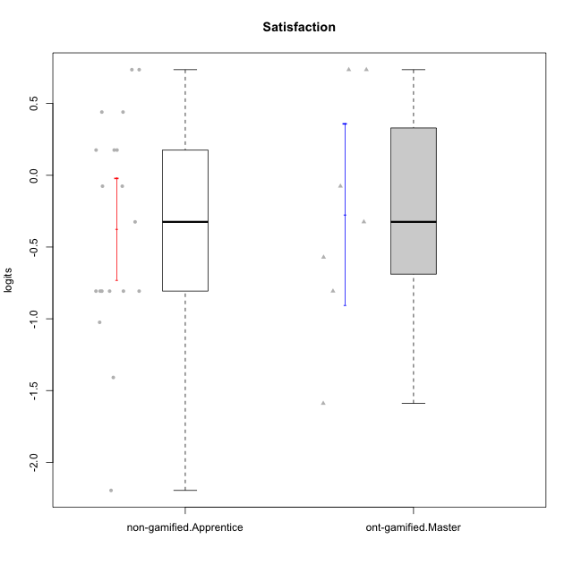

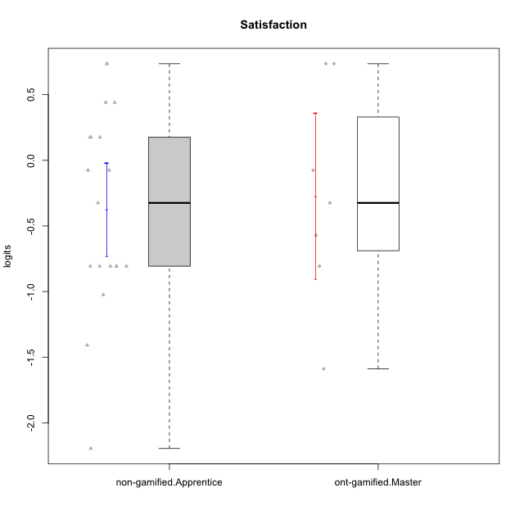

Student's t-Test data
UserID | NroUSP | Type | CLGroup | CLRole | PlayerRole | theta | error | WLE.rel
10169 | 10377538 | non-gamified | Grupo Team 10 | Apprentice |  | -0.80711445064 | 0.47336422487 | 0.68918373895
10170 | 10260351 | non-gamified | Grupo Team 6 | Apprentice |  | 0.44052628594 | 0.54816859364 | 0.68918373895
10171 | 698531 | ont-gamified | Grupo Losvakai | Master | Yee Achiever | 0.73574069598 | 0.59188550545 | 0.68918373895
10172 | 10273971 | ont-gamified | Grupo Koil | Master | Yee Achiever | -0.076047710592 | 0.50758232207 | 0.68918373895
10174 | 10276852 | non-gamified | Grupo Team 1 | Apprentice |  | -0.80711445064 | 0.47336422487 | 0.68918373895
10176 | 10276949 | non-gamified | Grupo Team 9 | Apprentice |  | -0.80711445064 | 0.47336422487 | 0.68918373895
10178 | 8656201 | non-gamified | Grupo Team 11 | Apprentice |  | -0.076047710592 | 0.50758232207 | 0.68918373895
10181 | 10276866 | non-gamified | Grupo Team 7 | Apprentice |  | -1.0243944378 | 0.46051209227 | 0.68918373895
10183 | 10352030 | non-gamified | Grupo Belos | Apprentice | Yee Socializer | -0.80711445064 | 0.47336422487 | 0.68918373895
10185 | 10276960 | ont-gamified | Grupo Tosskor | Master | Yee Achiever | -0.80711445064 | 0.47336422487 | 0.68918373895
10186 | 10310551 | non-gamified | Grupo Team 5 | Apprentice |  | 0.44052628594 | 0.54816859364 | 0.68918373895
10188 | 10276995 | ont-gamified | Grupo Paldira | Master | Yee Achiever | -0.57103884373 | 0.48622756286 | 0.68918373895
10189 | 9363926 | non-gamified | Grupo Team 2 | Apprentice |  | -2.1957042986 | 0.54434901651 | 0.68918373895
10190 | 10276907 | non-gamified | Grupo Team 8 | Apprentice |  | 0.73574069598 | 0.59188550545 | 0.68918373895
10200 | 9795272 | non-gamified | Grupo Team 4 | Apprentice |  | -0.076047710592 | 0.50758232207 | 0.68918373895
10208 | 10276932 | ont-gamified | Grupo Yeka | Master | Yee Socializer | -0.32463380358 | 0.49696856271 | 0.68918373895
10211 | 9311643 | ont-gamified | Grupo Razorg | Master | Yee Achiever | -1.5892360279 | 0.45129686392 | 0.68918373895
10215 | 9285227 | non-gamified | Grupo Team 7 | Apprentice |  | 0.1758193737 | 0.52276838566 | 0.68918373895
10217 | 9805341 | ont-gamified | Grupo Belos | Master | Yee Socializer | 0.73574069598 | 0.59188550545 | 0.68918373895
10221 | 9082496 | non-gamified | Grupo Team 3 | Apprentice |  | 0.1758193737 | 0.52276838566 | 0.68918373895
10224 | 9368772 | non-gamified | Grupo Team 9 | Apprentice |  | 0.1758193737 | 0.52276838566 | 0.68918373895
10227 | 9274382 | non-gamified | Grupo Team 2 | Apprentice |  | 0.73574069598 | 0.59188550545 | 0.68918373895
10232 | 10276974 | non-gamified | Grupo Team 3 | Apprentice |  | -0.32463380358 | 0.49696856271 | 0.68918373895
10234 | 10310676 | non-gamified | Grupo Team 6 | Apprentice |  | -0.80711445064 | 0.47336422487 | 0.68918373895
10240 | 10276654 | non-gamified | Grupo Team 8 | Apprentice |  | -1.408809308 | 0.44744004824 | 0.68918373895
10242 | 9424506 | non-gamified | Grupo Team 11 | Apprentice |  | -0.80711445064 | 0.47336422487 | 0.68918373895

Type_CLRole_4
Student's t-Test for Satisfaction in Type:CLRole between non-gamified.Master:ont-gamified.Apprentice

Student's t-Test results
Alternative hypothesis: less
Group | N | Mean | Mean.Difference | Std.deviation | Std.error | CI.lower | CI.upper | df | t.value | p.value | g | magnitude
non-gamified.Master | 9 | -0.086955228264 | 0.0064737753184 | 1.0342198104 | 0.34473993681 | -0.77643510188 | 0.60252464535 | 9.8959929732 | 0.017750509899 | 0.50690466744 | 0.0081314456104 | negligible
ont-gamified.Apprentice | 10 | -0.093429003582 | -0.0064737753184 | 0.37639367456 | 0.11902613085 | -0.33148126528 | 0.14462325812 | 9.8959929732 | 0.017750509899 | 0.50690466744 | 0.0081314456104 | negligible
Alternative hypothesis: greater
Group | N | Mean | Mean.Difference | Std.deviation | Std.error | CI.lower | CI.upper | df | t.value | p.value | g | magnitude
non-gamified.Master | 9 | -0.086955228264 | 0.0064737753184 | 1.0342198104 | 0.34473993681 | -0.77643510188 | 0.60252464535 | 9.8959929732 | 0.017750509899 | 0.49309533256 | 0.0081314456104 | negligible
ont-gamified.Apprentice | 10 | -0.093429003582 | -0.0064737753184 | 0.37639367456 | 0.11902613085 | -0.33148126528 | 0.14462325812 | 9.8959929732 | 0.017750509899 | 0.49309533256 | 0.0081314456104 | negligible
Alternative hypothesis: two.sided
Group | N | Mean | Mean.Difference | Std.deviation | Std.error | CI.lower | CI.upper | df | t.value | p.value | g | magnitude
non-gamified.Master | 9 | -0.086955228264 | 0.0064737753184 | 1.0342198104 | 0.34473993681 | -0.77643510188 | 0.60252464535 | 9.8959929732 | 0.017750509899 | 0.98619066512 | 0.0081314456104 | negligible
ont-gamified.Apprentice | 10 | -0.093429003582 | -0.0064737753184 | 0.37639367456 | 0.11902613085 | -0.33148126528 | 0.14462325812 | 9.8959929732 | 0.017750509899 | 0.98619066512 | 0.0081314456104 | negligible

Box plots for Student's t-Test
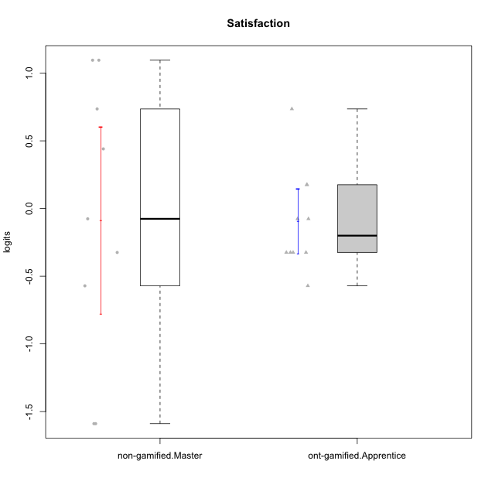

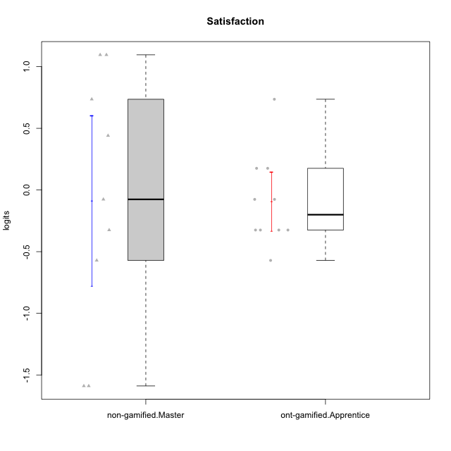

Student's t-Test data
UserID | NroUSP | Type | CLGroup | CLRole | PlayerRole | theta | error | WLE.rel
10179 | 10310759 | ont-gamified | Grupo Tosskor | Apprentice | Yee Achiever | 0.1758193737 | 0.52276838566 | 0.68918373895
10184 | 10276675 | non-gamified | Grupo Team 7 | Master |  | 1.0956641887 | 0.67076204469 | 0.68918373895
10187 | 9790781 | ont-gamified | Grupo Razorg | Apprentice | Yee Achiever | -0.32463380358 | 0.49696856271 | 0.68918373895
10193 | 10276762 | non-gamified | Grupo Team 2 | Master |  | -1.5892360279 | 0.45129686392 | 0.68918373895
10197 | 10276661 | non-gamified | Grupo Team 11 | Master |  | -0.57103884373 | 0.48622756286 | 0.68918373895
10201 | 10276928 | non-gamified | Grupo Team 10 | Master |  | 0.73574069598 | 0.59188550545 | 0.68918373895
10202 | 10277036 | ont-gamified | Grupo Paldira | Apprentice | Yee Achiever | -0.076047710592 | 0.50758232207 | 0.68918373895
10204 | 10310471 | non-gamified | Grupo Team 5 | Master |  | 1.0956641887 | 0.67076204469 | 0.68918373895
10206 | 10310721 | non-gamified | Grupo Team 9 | Master |  | -0.076047710592 | 0.50758232207 | 0.68918373895
10212 | 9065750 | ont-gamified | Grupo Ellaru | Apprentice | Yee Socializer | -0.32463380358 | 0.49696856271 | 0.68918373895
10213 | 10277040 | non-gamified | Grupo Team 8 | Master |  | 0.44052628594 | 0.54816859364 | 0.68918373895
10214 | 10277022 | ont-gamified | Grupo Koil | Apprentice | Yee Achiever | -0.32463380358 | 0.49696856271 | 0.68918373895
10223 | 9795185 | non-gamified | Grupo Team 3 | Master |  | -1.5892360279 | 0.45129686392 | 0.68918373895
10226 | 10310342 | ont-gamified | Grupo Yeka | Apprentice | Yee Socializer | 0.73574069598 | 0.59188550545 | 0.68918373895
10228 | 10310492 | ont-gamified | Grupo Losvakai | Apprentice | Yee Achiever | -0.57103884373 | 0.48622756286 | 0.68918373895
10231 | 10276911 | non-gamified | Grupo Team 4 | Master |  | -0.32463380358 | 0.49696856271 | 0.68918373895
10233 | 9805320 | ont-gamified | Grupo Tosskor | Apprentice | Yee Achiever | -0.32463380358 | 0.49696856271 | 0.68918373895
10237 | 10377688 | ont-gamified | Grupo Ellaru | Apprentice | Yee Socializer | -0.076047710592 | 0.50758232207 | 0.68918373895
10238 | 10276953 | ont-gamified | Grupo Belos | Apprentice | Yee Socializer | 0.1758193737 | 0.52276838566 | 0.68918373895

Type_CLRole_5
Student's t-Test for Satisfaction in Type:CLRole between non-gamified.Master:ont-gamified.Master

Student's t-Test results
Alternative hypothesis: less
Group | N | Mean | Mean.Difference | Std.deviation | Std.error | CI.lower | CI.upper | df | t.value | p.value | g | magnitude
non-gamified.Master | 9 | -0.086955228264 | 0.18398612095 | 1.0342198104 | 0.34473993681 | -0.77643510188 | 0.60252464535 | 13.9572973 | 0.39365445173 | 0.65010789031 | 0.18234961653 | negligible
ont-gamified.Master | 7 | -0.27094134921 | -0.18398612095 | 0.83497752974 | 0.315591842 | -0.90212503322 | 0.3602423348 | 13.9572973 | 0.39365445173 | 0.65010789031 | 0.18234961653 | negligible
Alternative hypothesis: greater
Group | N | Mean | Mean.Difference | Std.deviation | Std.error | CI.lower | CI.upper | df | t.value | p.value | g | magnitude
non-gamified.Master | 9 | -0.086955228264 | 0.18398612095 | 1.0342198104 | 0.34473993681 | -0.77643510188 | 0.60252464535 | 13.9572973 | 0.39365445173 | 0.34989210969 | 0.18234961653 | negligible
ont-gamified.Master | 7 | -0.27094134921 | -0.18398612095 | 0.83497752974 | 0.315591842 | -0.90212503322 | 0.3602423348 | 13.9572973 | 0.39365445173 | 0.34989210969 | 0.18234961653 | negligible
Alternative hypothesis: two.sided
Group | N | Mean | Mean.Difference | Std.deviation | Std.error | CI.lower | CI.upper | df | t.value | p.value | g | magnitude
non-gamified.Master | 9 | -0.086955228264 | 0.18398612095 | 1.0342198104 | 0.34473993681 | -0.77643510188 | 0.60252464535 | 13.9572973 | 0.39365445173 | 0.69978421939 | 0.18234961653 | negligible
ont-gamified.Master | 7 | -0.27094134921 | -0.18398612095 | 0.83497752974 | 0.315591842 | -0.90212503322 | 0.3602423348 | 13.9572973 | 0.39365445173 | 0.69978421939 | 0.18234961653 | negligible

Box plots for Student's t-Test
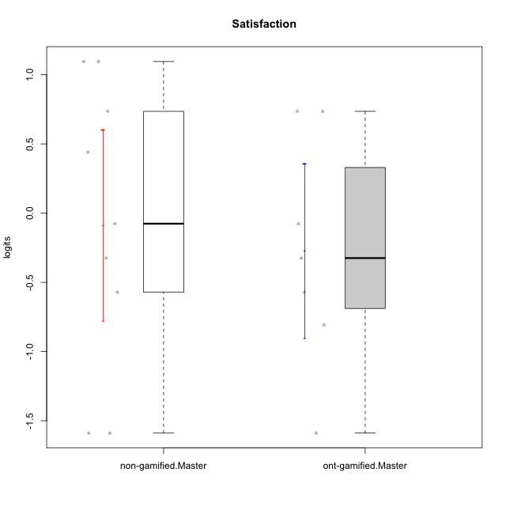

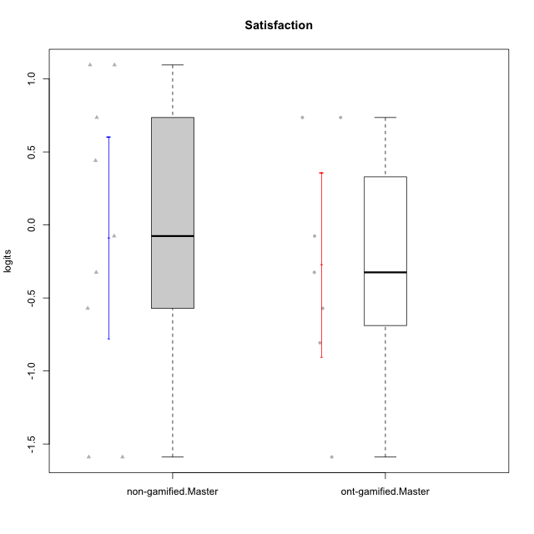

Student's t-Test data
UserID | NroUSP | Type | CLGroup | CLRole | PlayerRole | theta | error | WLE.rel
10171 | 698531 | ont-gamified | Grupo Losvakai | Master | Yee Achiever | 0.73574069598 | 0.59188550545 | 0.68918373895
10172 | 10273971 | ont-gamified | Grupo Koil | Master | Yee Achiever | -0.076047710592 | 0.50758232207 | 0.68918373895
10184 | 10276675 | non-gamified | Grupo Team 7 | Master |  | 1.0956641887 | 0.67076204469 | 0.68918373895
10185 | 10276960 | ont-gamified | Grupo Tosskor | Master | Yee Achiever | -0.80711445064 | 0.47336422487 | 0.68918373895
10188 | 10276995 | ont-gamified | Grupo Paldira | Master | Yee Achiever | -0.57103884373 | 0.48622756286 | 0.68918373895
10193 | 10276762 | non-gamified | Grupo Team 2 | Master |  | -1.5892360279 | 0.45129686392 | 0.68918373895
10197 | 10276661 | non-gamified | Grupo Team 11 | Master |  | -0.57103884373 | 0.48622756286 | 0.68918373895
10201 | 10276928 | non-gamified | Grupo Team 10 | Master |  | 0.73574069598 | 0.59188550545 | 0.68918373895
10204 | 10310471 | non-gamified | Grupo Team 5 | Master |  | 1.0956641887 | 0.67076204469 | 0.68918373895
10206 | 10310721 | non-gamified | Grupo Team 9 | Master |  | -0.076047710592 | 0.50758232207 | 0.68918373895
10208 | 10276932 | ont-gamified | Grupo Yeka | Master | Yee Socializer | -0.32463380358 | 0.49696856271 | 0.68918373895
10211 | 9311643 | ont-gamified | Grupo Razorg | Master | Yee Achiever | -1.5892360279 | 0.45129686392 | 0.68918373895
10213 | 10277040 | non-gamified | Grupo Team 8 | Master |  | 0.44052628594 | 0.54816859364 | 0.68918373895
10217 | 9805341 | ont-gamified | Grupo Belos | Master | Yee Socializer | 0.73574069598 | 0.59188550545 | 0.68918373895
10223 | 9795185 | non-gamified | Grupo Team 3 | Master |  | -1.5892360279 | 0.45129686392 | 0.68918373895
10231 | 10276911 | non-gamified | Grupo Team 4 | Master |  | -0.32463380358 | 0.49696856271 | 0.68918373895

Type_CLRole_6
Student's t-Test for Satisfaction in Type:CLRole between ont-gamified.Apprentice:ont-gamified.Master

Student's t-Test results
Alternative hypothesis: less
Group | N | Mean | Mean.Difference | Std.deviation | Std.error | CI.lower | CI.upper | df | t.value | p.value | g | magnitude
ont-gamified.Apprentice | 10 | -0.093429003582 | 0.17751234563 | 0.37639367456 | 0.11902613085 | -0.33148126528 | 0.14462325812 | 7.7241345765 | 0.52628792445 | 0.69327016085 | 0.27931000604 | small
ont-gamified.Master | 7 | -0.27094134921 | -0.17751234563 | 0.83497752974 | 0.315591842 | -0.90212503322 | 0.3602423348 | 7.7241345765 | 0.52628792445 | 0.69327016085 | 0.27931000604 | small
Alternative hypothesis: greater
Group | N | Mean | Mean.Difference | Std.deviation | Std.error | CI.lower | CI.upper | df | t.value | p.value | g | magnitude
ont-gamified.Apprentice | 10 | -0.093429003582 | 0.17751234563 | 0.37639367456 | 0.11902613085 | -0.33148126528 | 0.14462325812 | 7.7241345765 | 0.52628792445 | 0.30672983915 | 0.27931000604 | small
ont-gamified.Master | 7 | -0.27094134921 | -0.17751234563 | 0.83497752974 | 0.315591842 | -0.90212503322 | 0.3602423348 | 7.7241345765 | 0.52628792445 | 0.30672983915 | 0.27931000604 | small
Alternative hypothesis: two.sided
Group | N | Mean | Mean.Difference | Std.deviation | Std.error | CI.lower | CI.upper | df | t.value | p.value | g | magnitude
ont-gamified.Apprentice | 10 | -0.093429003582 | 0.17751234563 | 0.37639367456 | 0.11902613085 | -0.33148126528 | 0.14462325812 | 7.7241345765 | 0.52628792445 | 0.6134596783 | 0.27931000604 | small
ont-gamified.Master | 7 | -0.27094134921 | -0.17751234563 | 0.83497752974 | 0.315591842 | -0.90212503322 | 0.3602423348 | 7.7241345765 | 0.52628792445 | 0.6134596783 | 0.27931000604 | small

Box plots for Student's t-Test
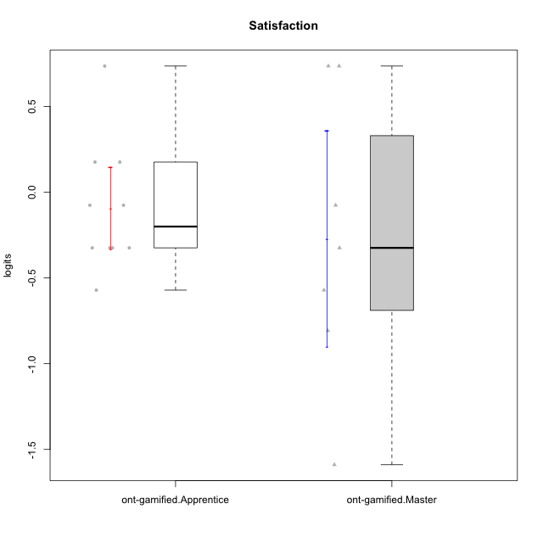

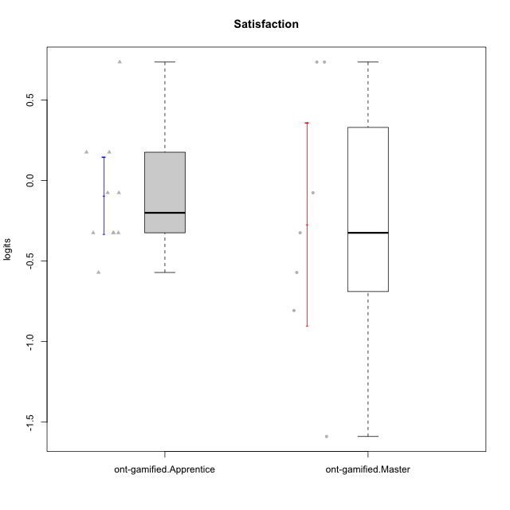

Student's t-Test data
UserID | NroUSP | Type | CLGroup | CLRole | PlayerRole | theta | error | WLE.rel
10171 | 698531 | ont-gamified | Grupo Losvakai | Master | Yee Achiever | 0.73574069598 | 0.59188550545 | 0.68918373895
10172 | 10273971 | ont-gamified | Grupo Koil | Master | Yee Achiever | -0.076047710592 | 0.50758232207 | 0.68918373895
10179 | 10310759 | ont-gamified | Grupo Tosskor | Apprentice | Yee Achiever | 0.1758193737 | 0.52276838566 | 0.68918373895
10185 | 10276960 | ont-gamified | Grupo Tosskor | Master | Yee Achiever | -0.80711445064 | 0.47336422487 | 0.68918373895
10187 | 9790781 | ont-gamified | Grupo Razorg | Apprentice | Yee Achiever | -0.32463380358 | 0.49696856271 | 0.68918373895
10188 | 10276995 | ont-gamified | Grupo Paldira | Master | Yee Achiever | -0.57103884373 | 0.48622756286 | 0.68918373895
10202 | 10277036 | ont-gamified | Grupo Paldira | Apprentice | Yee Achiever | -0.076047710592 | 0.50758232207 | 0.68918373895
10208 | 10276932 | ont-gamified | Grupo Yeka | Master | Yee Socializer | -0.32463380358 | 0.49696856271 | 0.68918373895
10211 | 9311643 | ont-gamified | Grupo Razorg | Master | Yee Achiever | -1.5892360279 | 0.45129686392 | 0.68918373895
10212 | 9065750 | ont-gamified | Grupo Ellaru | Apprentice | Yee Socializer | -0.32463380358 | 0.49696856271 | 0.68918373895
10214 | 10277022 | ont-gamified | Grupo Koil | Apprentice | Yee Achiever | -0.32463380358 | 0.49696856271 | 0.68918373895
10217 | 9805341 | ont-gamified | Grupo Belos | Master | Yee Socializer | 0.73574069598 | 0.59188550545 | 0.68918373895
10226 | 10310342 | ont-gamified | Grupo Yeka | Apprentice | Yee Socializer | 0.73574069598 | 0.59188550545 | 0.68918373895
10228 | 10310492 | ont-gamified | Grupo Losvakai | Apprentice | Yee Achiever | -0.57103884373 | 0.48622756286 | 0.68918373895
10233 | 9805320 | ont-gamified | Grupo Tosskor | Apprentice | Yee Achiever | -0.32463380358 | 0.49696856271 | 0.68918373895
10237 | 10377688 | ont-gamified | Grupo Ellaru | Apprentice | Yee Socializer | -0.076047710592 | 0.50758232207 | 0.68918373895
10238 | 10276953 | ont-gamified | Grupo Belos | Apprentice | Yee Socializer | 0.1758193737 | 0.52276838566 | 0.68918373895

