Global-info
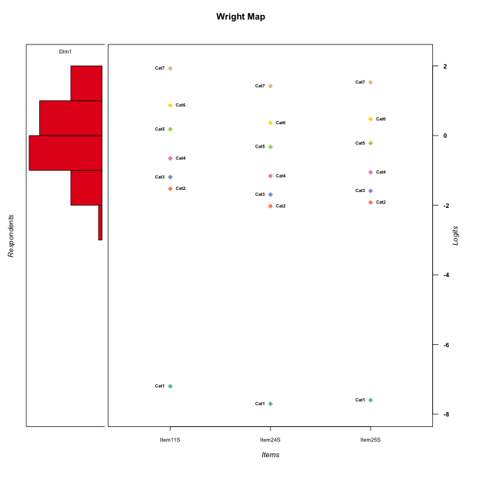
Global information for a measurement model

Information
Number.of.items | Deviance | Log.Likelihood | Number.of.persons | EAP.rel | n.theta.nodes | irt.model
3 | 572.29502263 | -286.14751132 | 58 | 0.761484627 | 21 | RSM

Global fit statistic MADaQ3 and test fit
MADaQ3 | maxaQ3 | p
0.13746662553 | 0.20619993829 | 0.37862998737

Test statistic of global fit based on Chi square
maxX2 | Npairs | p.holm
95.758322685 | 3 | 0.00022127253976

Model fit statistics
X100.MADCOV | SRMR | SRMSR
25.712405225 | 0.071681647885 | 0.086768235824

Chi square tests for every item pairs
index1 | index2 | maxK1 | maxK2 | df | chi2 | p | p.holm
1 | 2 | 7 | 7 | 49 | 55.816944266 | 0.2340085694 | 0.2340085694
1 | 3 | 7 | 7 | 49 | 80.441858082 | 0.0030843601483 | 0.0061687202966
2 | 3 | 7 | 7 | 49 | 95.758322685 | 7.3757513254E-05 | 0.00022127253976

Item residuals
Item11S | Item24S | Item25S
-1.7720724232 | -1.5015159824 | 2.646105612
-0.18792529265 | 0.25655791563 | 0.36447858428
-0.47072895434 | 0.031028038703 | 1.125829293
0.37695509487 | -0.26307275556 | -0.13507694003
0.22792757678 | -0.50151598236 | -0.35389438799
0.24913396382 | -0.18056284419 | 0.89936827651
2.2279275768 | -1.5015159824 | -1.353894388
0.37695509487 | -0.26307275556 | -0.13507694003
-0.90508491049 | 0.4928138983 | 0.61179668056
1.5145549295 | -1.2416713763 | -1.08816943
-0.77207242322 | 0.49848401764 | -0.35389438799
0.24913396382 | 0.81943715581 | -0.10063172349
0.22792757678 | -0.50151598236 | -0.35389438799
-2.1879252927 | 1.2565579156 | 1.3644785843
-0.34071447552 | -0.012842192022 | 0.12249742166
-0.05717830554 | 0.24152461296 | -0.61680690589
-0.91840973177 | -1.58066831 | 0.57357080408
0.52927104566 | 1.0310280387 | -0.87417070703
-0.75086603618 | 0.81943715581 | 0.89936827651
0.71972485648 | 0.45086895936 | 0.49876272662
-1.6524906489 | 0.55972957129 | -0.27345028816
0.79946284694 | -1.9788323524 | 0.18026369605
-1.0571783055 | -0.75847538704 | 1.3831930941
0.71972485648 | 0.45086895936 | 0.49876272662
-0.62304490513 | 0.73692724444 | -0.13507694003
0.52927104566 | 0.031028038703 | 0.12582929297
0.37695509487 | -0.26307275556 | -0.13507694003
0.71972485648 | 0.45086895936 | 0.49876272662
1.2491339638 | 0.81943715581 | -1.1006317235
-0.62304490513 | 0.73692724444 | -0.13507694003
0.65928552448 | -0.012842192022 | -0.87750257834
-1.1451298548 | -1.8712572496 | 1.2922101431
0.79946284694 | -0.97883235243 | -0.81973630395
0.34750935105 | 0.55972957129 | -2.2734502882
0.65928552448 | -1.012842192 | 0.12249742166
-1.1879252927 | 0.25655791563 | 1.3644785843
-0.34071447552 | -0.012842192022 | 0.12249742166
-0.90508491049 | 0.4928138983 | 0.61179668056
0.71972485648 | 0.45086895936 | 0.49876272662
0.52927104566 | 0.031028038703 | 0.12582929297
-0.75086603618 | 0.81943715581 | 0.89936827651
0.34750935105 | -1.4402704287 | -0.27345028816
0.71972485648 | 0.45086895936 | 0.49876272662
1.0949150895 | -1.5071861017 | 0.61179668056
1.3475093511 | -1.4402704287 | -1.2734502882
-0.90508491049 | 0.4928138983 | 0.61179668056
0.52927104566 | 0.031028038703 | 0.12582929297
0.52927104566 | 0.031028038703 | 0.12582929297
-0.05717830554 | 0.24152461296 | -0.61680690589
-0.75086603618 | 0.81943715581 | 0.89936827651
-1.3407144755 | 0.98715780798 | 0.12249742166
1.6592855245 | 1.987157808 | -3.8775025783
-0.34071447552 | 0.98715780798 | -0.87750257834
0.22792757678 | -0.50151598236 | -0.35389438799
0.37695509487 | -0.26307275556 | -0.13507694003
0.094915089512 | -0.5071861017 | 0.61179668056
1.0776629934 | -0.71274173856 | -1.5489465816
-2.7720724232 | 2.4984840176 | -0.35389438799

Wright Map for Item Response Models

Estimate-Items
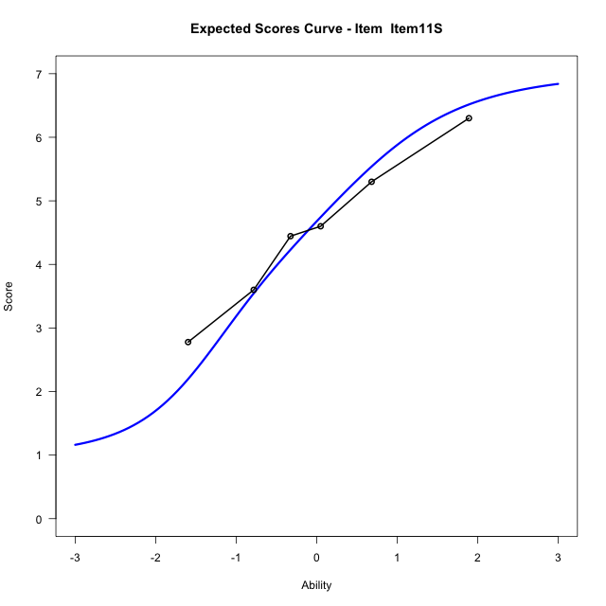
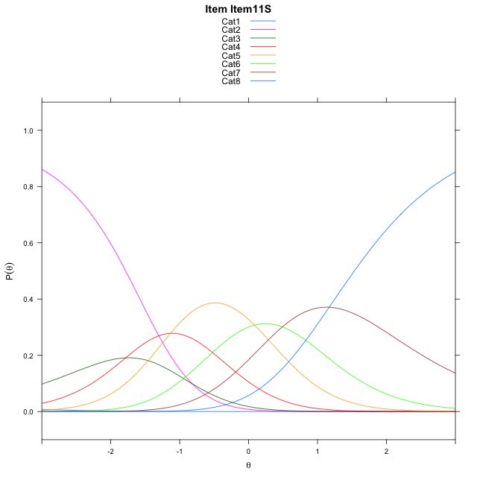
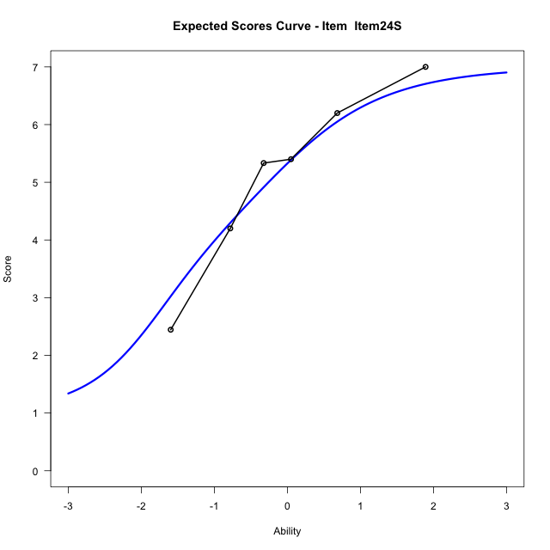
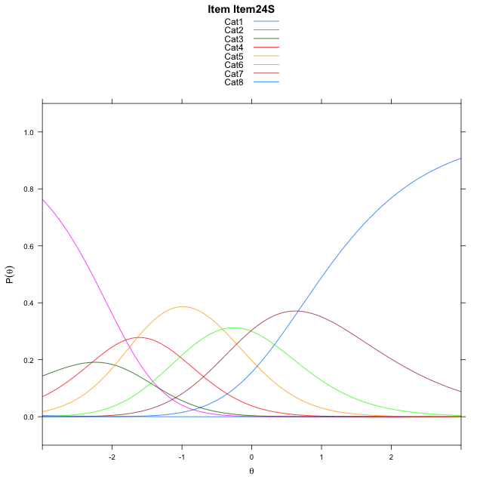
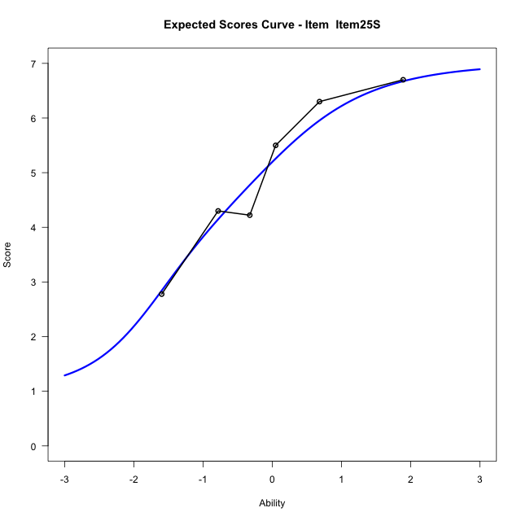
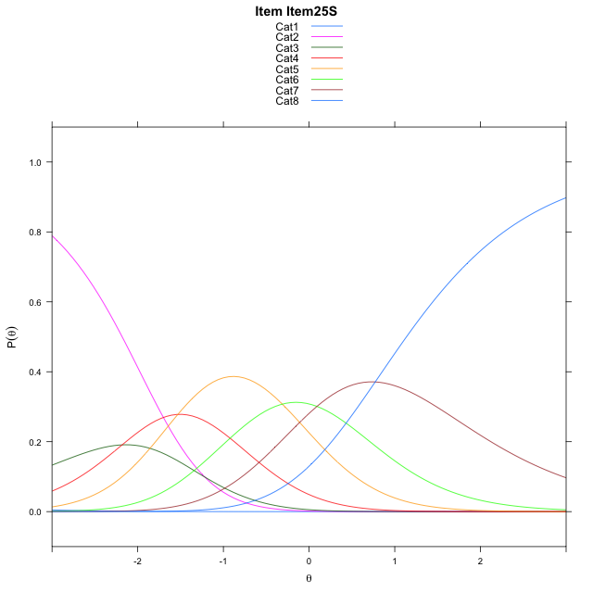
Estimate items information for the measurement model

Full Item Information
item | N | M | xsi.item | AXsi_.Cat1 | AXsi_.Cat2 | AXsi_.Cat3 | AXsi_.Cat4 | AXsi_.Cat5 | AXsi_.Cat6 | AXsi_.Cat7 | B.Cat1.Dim1 | B.Cat2.Dim1 | B.Cat3.Dim1 | B.Cat4.Dim1 | B.Cat5.Dim1 | B.Cat6.Dim1 | B.Cat7.Dim1
Item11S | 58 | 4.5344827586 | -1.3863360325 | -7.7084805079 | -8.5300813744 | -10.314637933 | -11.448788374 | -11.36377906 | -10.874390464 | -9.7043522274 | 1 | 2 | 3 | 4 | 5 | 6 | 7
Item24S | 58 | 5.1379310345 | -1.8897929514 | -8.2119374268 | -9.5369952123 | -11.82500869 | -13.462616049 | -13.881063655 | -13.895131977 | -13.22855066 | 1 | 2 | 3 | 4 | 5 | 6 | 7
Item25S | 58 | 5.0172413793 | -1.7836829226 | -8.105827398 | -9.3247751547 | -11.506678604 | -13.038175934 | -13.350513511 | -13.258471804 | -12.485780459 | 1 | 2 | 3 | 4 | 5 | 6 | 7

Thurstonian Thresholds (category-wise)
 | Cat1 | Cat2 | Cat3 | Cat4 | Cat5 | Cat6 | Cat7
Item11S | -7.7099304199 | -1.7811584473 | -1.416229248 | -0.90188598633 | -0.088165283203 | 0.58950805664 | 1.5343322754
Item24S | -8.213470459 | -2.2848815918 | -1.9199523926 | -1.4056091309 | -0.59188842773 | 0.085968017578 | 1.0307922363
Item25S | -8.1074523926 | -2.1788635254 | -1.8137512207 | -1.299407959 | -0.48568725586 | 0.19198608398 | 1.1368103027

Thurstonian Thresholds (item-wise)
 | Threshold
Item11S | -0.8000039571
Item24S | -1.3078704287
Item25S | -1.2068675705

Item Infit/Outfit Statistic
parameter | Outfit | Outfit_t | Outfit_p | Outfit_pholm | Infit | Infit_t | Infit_p | Infit_pholm
Item11S | 1.0305721839 | 0.18772329106 | 0.85109357123 | 1 | 1.0139722619 | 0.11012835444 | 0.91230758133 | 1
Item24S | 0.89939960067 | -0.49272268252 | 0.6222085483 | 1 | 0.97743278594 | -0.093151280343 | 0.92578337868 | 1
Item25S | 1.0697109238 | 0.37511947533 | 0.70757161363 | 1 | 1.0910283949 | 0.50452391957 | 0.6138932578 | 1
Cat1 | 1.8292629324 | 0.9853011376 | 0.3244761741 | 1 | 1.4775526321 | 3.4060432434 | 0.00065911738282 | 0.0026364695313
Cat2 | 1.6008622355 | 1.0886281178 | 0.27631791214 | 1 | 1.5302721189 | 4.147522955 | 3.360917813E-05 | 0.00020165506878
Cat3 | 1.4985305564 | 1.1184948614 | 0.26335569997 | 1 | 1.4462704009 | 3.8978527831 | 9.7049382178E-05 | 0.00048524691089
Cat4 | 1.5461537642 | 1.7283439141 | 0.083926584353 | 0.75533925918 | 1.544980334 | 6.191867326 | 5.9455589122E-10 | 5.351003021E-09
Cat5 | 1.222292463 | 0.6334571708 | 0.52643514103 | 1 | 1.3039186099 | 5.761601969 | 8.3319301379E-09 | 6.6655441103E-08
Cat6 | 1.3586171735 | 0.83306938834 | 0.40480559675 | 1 | 1.5887818211 | 5.3264875377 | 1.0013014683E-07 | 7.0091102783E-07

Box plot of expected curves

