Global-info
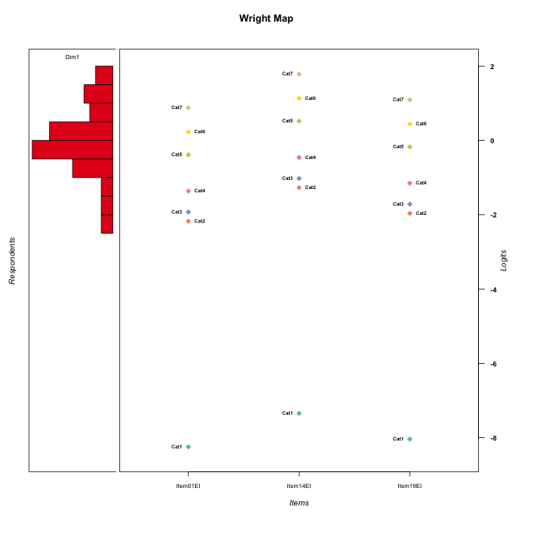
Global information for a measurement model

Information
Number.of.items | Deviance | Log.Likelihood | Number.of.persons | EAP.rel | n.theta.nodes | irt.model
3 | 479.40728147 | -239.70364073 | 50 | 0.76745573477 | 21 | RSM

Global fit statistic MADaQ3 and test fit
MADaQ3 | maxaQ3 | p
0.15990992033 | 0.23986488049 | 0.30026175988

Test statistic of global fit based on Chi square
maxX2 | Npairs | p.holm
52.052826708 | 3 | 1

Model fit statistics
X100.MADCOV | SRMR | SRMSR
19.877374251 | 0.079252552281 | 0.086050389817

Chi square tests for every item pairs
index1 | index2 | maxK1 | maxK2 | df | chi2 | p | p.holm
1 | 2 | 7 | 7 | 49 | 32.247305798 | 0.96901228924 | 1
1 | 3 | 7 | 7 | 49 | 37.888875187 | 0.8753025157 | 1
2 | 3 | 7 | 7 | 49 | 52.052826708 | 0.35596408928 | 1

Item residuals
Item01EI | Item14EI | Item19EI
-1.4566452771 | 1.8386198627 | -1.1672736226
-0.23600278979 | -0.012910721005 | 0.042910751008
0.3114951363 | 0.85443157249 | 0.39904024353
-1.1978953074 | 1.127721599 | -0.90327807168
-1.9759106453 | 0.26655345539 | 1.3076193307
0.81494143128 | -1.1736629339 | 1.0124781874
-0.45664527714 | 0.83861986266 | -1.1672736226
-0.3777320875 | 0.50634449022 | 0.78417507923
-2.0997794835 | -0.84835431542 | 1.2211922482
-0.45664527714 | -1.1613801373 | 0.83272637738
-0.45664527714 | -0.16138013734 | -0.16727362262
-0.97591064532 | 0.26655345539 | 0.30761933072
0.3114951363 | 0.85443157249 | 0.39904024353
0.50876416696 | -0.29136741288 | -0.22186130452
1.0298062386 | 0.13270936759 | -0.74176405665
0.28440266882 | 0.55017909151 | -1.4294190953
0.76399721021 | -0.012910721005 | -0.95708924899
1.0298062386 | 2.1327093676 | -2.7417640567
1.7639972102 | -3.012910721 | 1.042910751
-0.23600278979 | -0.012910721005 | 0.042910751008
0.029806238596 | 1.1327093676 | -0.74176405665
-0.71559733118 | 0.55017909151 | -0.42941909529
0.45390444 | 0.17780318155 | 0.57804857732
-0.49123583304 | 0.70863258712 | -0.22186130452
0.029806238596 | 0.13270936759 | 0.25823594335
0.3114951363 | 0.85443157249 | 0.39904024353
-1.491235833 | -0.29136741288 | 1.7781386955
0.029806238596 | 0.13270936759 | 0.25823594335
0.029806238596 | 0.13270936759 | 0.25823594335
0.76399721021 | -1.012910721 | 0.042910751008
0.3114951363 | 0.85443157249 | 0.39904024353
0.3114951363 | 0.85443157249 | 0.39904024353
0.3114951363 | 0.85443157249 | 0.39904024353
2.0240893547 | -1.7334465446 | -0.69238066928
1.0298062386 | -0.86729063241 | 0.25823594335
0.28440266882 | -0.44982090849 | -0.42941909529
-0.71559733118 | 0.55017909151 | -0.42941909529
0.20428962369 | -0.65280109881 | -1.4840081532
0.81494143128 | -1.1736629339 | 1.0124781874
0.26274277974 | 0.4257416028 | -0.48454135529
-0.97591064532 | 1.2665534554 | -0.69238066928
-0.71559733118 | 1.5501790915 | -1.4294190953
-1.7155973312 | 0.55017909151 | 0.57058090471
0.76399721021 | -3.012910721 | 2.042910751
-0.23600278979 | -1.012910721 | 1.042910751
0.80210469257 | -1.872278401 | 0.096721928323
0.6222679125 | -0.49365550978 | 0.78417507923
-0.79571037631 | -0.65280109881 | -0.48400815323
0.76399721021 | -0.012910721005 | -0.95708924899
0.81494143128 | -0.17366293387 | 0.012478187444

Wright Map for Item Response Models

Estimate-Items
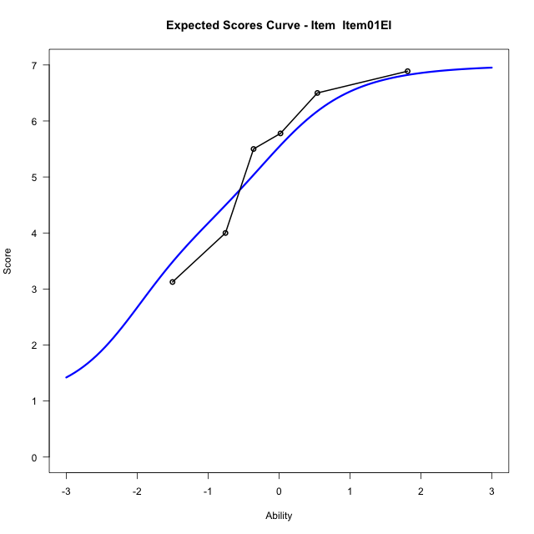
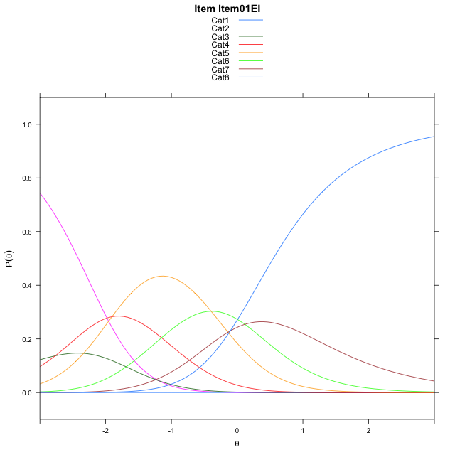
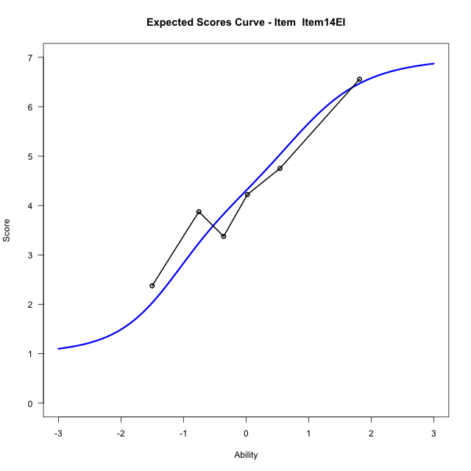
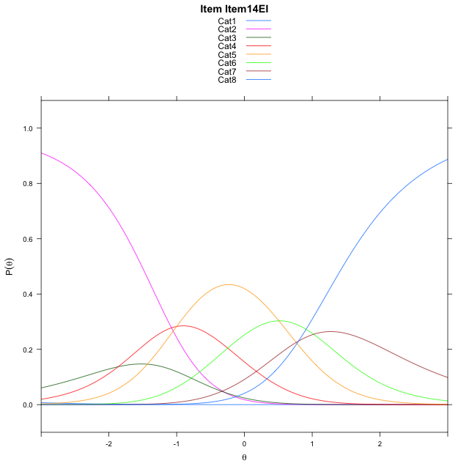
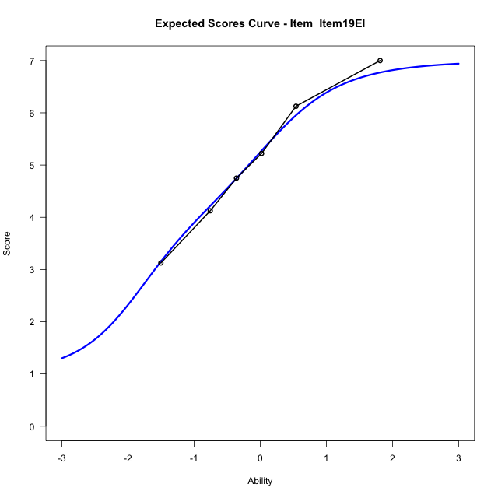
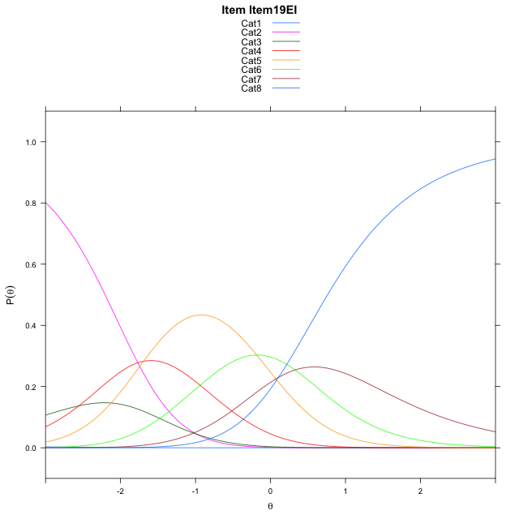
Estimate items information for the measurement model

Full Item Information
item | N | M | xsi.item | AXsi_.Cat1 | AXsi_.Cat2 | AXsi_.Cat3 | AXsi_.Cat4 | AXsi_.Cat5 | AXsi_.Cat6 | AXsi_.Cat7 | B.Cat1.Dim1 | B.Cat2.Dim1 | B.Cat3.Dim1 | B.Cat4.Dim1 | B.Cat5.Dim1 | B.Cat6.Dim1 | B.Cat7.Dim1
Item01EI | 50 | 5.34 | -2.143160061 | -8.7546753835 | -9.9482348408 | -12.715664262 | -14.619476721 | -15.015254946 | -14.898224434 | -15.002120427 | 1 | 2 | 3 | 4 | 5 | 6 | 7
Item14EI | 50 | 4.24 | -1.2401189626 | -7.8516342851 | -8.1421526439 | -10.006540967 | -11.007312328 | -10.500049454 | -9.4799778437 | -8.6808327381 | 1 | 2 | 3 | 4 | 5 | 6 | 7
Item19EI | 50 | 5.1 | -1.9322026222 | -8.5437179447 | -9.5263199632 | -12.082791946 | -13.775646966 | -13.960467752 | -13.632479802 | -13.525418356 | 1 | 2 | 3 | 4 | 5 | 6 | 7

Thurstonian Thresholds (category-wise)
 | Cat1 | Cat2 | Cat3 | Cat4 | Cat5 | Cat6 | Cat7
Item01EI | -8.7558288574 | -2.4150695801 | -2.1473693848 | -1.6194763184 | -0.65194702148 | -0.025726318359 | 0.54959106445
Item14EI | -7.8525695801 | -1.5118103027 | -1.2441101074 | -0.71621704102 | 0.25131225586 | 0.87753295898 | 1.4528503418
Item19EI | -8.5448913574 | -2.2041320801 | -1.9362487793 | -1.4085388184 | -0.44100952148 | 0.18521118164 | 0.76052856445

Thurstonian Thresholds (item-wise)
 | Threshold
Item01EI | -1.4730745197
Item14EI | -0.58611390681
Item19EI | -1.2726845575

Item Infit/Outfit Statistic
parameter | Outfit | Outfit_t | Outfit_p | Outfit_pholm | Infit | Infit_t | Infit_p | Infit_pholm
Item01EI | 0.87749862812 | -0.47441005032 | 0.63520752752 | 1 | 0.96280611947 | -0.15018576649 | 0.88061805522 | 1
Item14EI | 1.1036711658 | 0.50918229545 | 0.61062445172 | 1 | 1.135581074 | 0.68666769336 | 0.49229215987 | 1
Item19EI | 0.95976487926 | -0.14749439654 | 0.88274180227 | 1 | 0.97511069573 | -0.087732586529 | 0.93008921917 | 1
Cat1 | 1.2440163724 | 0.86131414907 | 0.38906504498 | 1 | 1.3684358035 | 2.6418071681 | 0.0082464991882 | 0.041232495941
Cat2 | 1.41273019 | 0.84025717124 | 0.40076420936 | 1 | 1.4225642542 | 3.3309159087 | 0.00086560746985 | 0.0060592522889
Cat3 | 1.4795986627 | 1.0552035987 | 0.29133221866 | 1 | 1.4953948549 | 4.0810688189 | 4.4829078234E-05 | 0.00035863262587
Cat4 | 1.2401127606 | 0.77119078044 | 0.44059385812 | 1 | 1.2655471487 | 3.1903504027 | 0.0014210038759 | 0.0085260232551
Cat5 | 1.2677305471 | 0.64306383747 | 0.52018267822 | 1 | 1.3616368182 | 5.3974535342 | 6.7593371304E-08 | 6.0834034173E-07
Cat6 | 0.98858095832 | 1.7447373432 | 0.081030599841 | 0.72927539857 | 1.1054896604 | 0.71404772643 | 0.47519766799 | 1

Box plot of expected curves

