Global-info
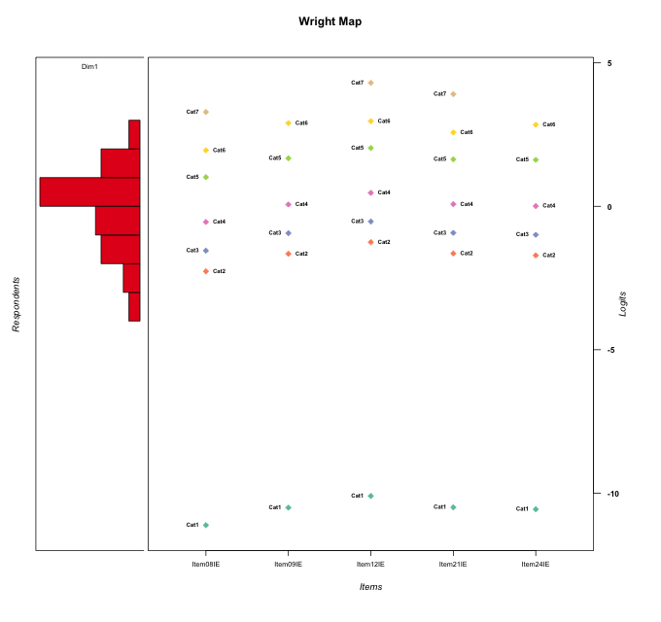
Global information for a measurement model

Information
Number.of.items | Deviance | Log.Likelihood | Number.of.persons | EAP.rel | n.theta.nodes | irt.model
5 | 681.96989701 | -340.98494851 | 47 | 0.8712404764 | 21 | RSM

Global fit statistic MADaQ3 and test fit
MADaQ3 | maxaQ3 | p
0.15244894124 | 0.29070187988 | 0.53818055184

Test statistic of global fit based on Chi square
maxX2 | Npairs | p.holm
101.31330118 | 10 | 0.000164942742

Model fit statistics
X100.MADCOV | SRMR | SRMSR
12.139166677 | 0.064682337112 | 0.085387628484

Chi square tests for every item pairs
index1 | index2 | maxK1 | maxK2 | df | chi2 | p | p.holm
1 | 2 | 7 | 6 | 42 | 30.977202337 | 0.89492295159 | 1
1 | 3 | 7 | 7 | 49 | 101.31330118 | 1.64942742E-05 | 0.000164942742
1 | 4 | 7 | 7 | 49 | 27.719243084 | 0.99388530675 | 1
1 | 5 | 7 | 6 | 42 | 39.874736199 | 0.56465632685 | 1
2 | 3 | 6 | 7 | 42 | 31.408034623 | 0.88410369941 | 1
2 | 4 | 6 | 7 | 42 | 26.566276605 | 0.96959637998 | 1
2 | 5 | 6 | 6 | 36 | 69.300150635 | 0.00070642125919 | 0.0063577913327
3 | 4 | 7 | 7 | 49 | 44.473576697 | 0.65696289883 | 1
3 | 5 | 7 | 6 | 42 | 41.760224355 | 0.48139862109 | 1
4 | 5 | 7 | 6 | 42 | 64.482646115 | 0.014418290849 | 0.11534632679

Item residuals
Item08IE | Item09IE | Item12IE | Item21IE | Item24IE
1.422900599 | -0.076944307098 | -0.78283271344 | -0.087341521733 | -0.11707795429
-0.084484685349 | 0.69964190013 | -0.27691983125 | 1.3851539382 | -0.32982208475
1.4508621826 | 0.12860441069 | -0.66824075314 | -0.0068083234565 | 0.091307869711
1.0365952643 | -0.4026574032 | -1.1335094872 | -0.44209612224 | 1.5579127579
-0.39345146799 | 0.089462938187 | 0.39876940473 | 0.086930633056 | 0.048370686634
-0.21814384432 | 0.2585025583 | -0.41398352308 | 0.26104203684 | 0.21583212705
-1.393451468 | -0.91053706181 | 2.3987694047 | 0.086930633056 | 0.048370686634
-1.0848903547 | 0.51531724054 | -0.096945191276 | 0.52648379602 | -0.53992110391
-0.41878706111 | 0.14718911027 | 0.5505853793 | 0.15806864605 | -0.90723131006
-0.21814384432 | 0.2585025583 | 0.58601647692 | -0.73895796316 | 0.21583212705
0.83931026597 | -0.56192165398 | 0.69244247769 | -1.6252248949 | 1.3989477851
2.1100717727 | 0.60573024317 | -2.025991852 | -0.38636091641 | -0.44170699948
0.11007177274 | -0.39426975683 | 0.97400814801 | -0.38636091641 | -0.44170699948
1.0958019129 | -0.3021327216 | -0.93631729343 | -0.29129390477 | -0.35581188351
-0.73314294474 | -0.21646874801 | -0.83046620443 | 0.79285711895 | 0.73340759567
0.095801912901 | 0.6978672784 | -0.93631729343 | -0.29129390477 | -0.35581188351
-0.050835680258 | 0.43055627328 | 0.77840394733 | 1.4363455138 | -2.6142902848
-1.0533125823 | 0.39425086773 | -0.39953407794 | -0.59899973593 | 0.36031373341
1.2668570553 | -0.21646874801 | 1.1695337956 | -1.2071428811 | -1.2665924043
-0.39345146799 | 2.0894629382 | 1.3987694047 | -0.91306936694 | -1.9516293134
0.58121293889 | 0.14718911027 | -1.4494146207 | 0.15806864605 | 0.092768689945
0.23208694927 | -0.24097837333 | -0.95958510081 | 0.73676898405 | 0.71935770653
0.45086218257 | 0.12860441069 | 1.3317592469 | 0.99319167654 | -1.9086921303
-0.57729783454 | -0.036073314861 | 0.36224330762 | -0.025796766661 | -0.08862817909
-1.577099401 | 0.9230556929 | 1.2171672866 | -0.087341521733 | -0.11707795429
-0.39345146799 | 0.089462938187 | -0.60123059527 | 1.0869306331 | 0.048370686634
-0.21814384432 | 0.2585025583 | -0.41398352308 | 0.26104203684 | 0.21583212705
-0.71062171875 | -0.12064064911 | 0.2144487764 | -0.11043603559 | -0.17133076468
-0.57410286771 | -0.30768561929 | -0.19873436343 | -0.30400072407 | -0.32634448716
0.26685705526 | -0.21646874801 | -1.8304662044 | 0.79285711895 | 0.73340759567
0.18662740202 | -0.45017458622 | -0.29319045699 | -0.44494077242 | -0.47659159143
0.23208694927 | 0.75902162667 | -0.95958510081 | -0.26323101595 | 0.71935770653
-1.3569243457 | 0.28153144591 | 2.5151028625 | -0.81346115646 | 0.24303963284
0.036595264333 | 0.5973425968 | -0.1335094872 | 0.55790387776 | -0.44208724207
-0.39345146799 | 0.089462938187 | 0.39876940473 | 0.086930633056 | 0.048370686634
0.58121293889 | -1.8528108897 | -1.4494146207 | 1.1580686461 | 1.0927686899
-0.41878706111 | 0.14718911027 | -0.4494146207 | 0.15806864605 | 0.092768689945
0.45086218257 | 0.12860441069 | 0.33175924686 | -0.0068083234565 | 0.091307869711
-0.39345146799 | 0.089462938187 | 0.39876940473 | 0.086930633056 | 0.048370686634
1.7151450178 | -0.77058348978 | -0.51689816097 | -0.76245765048 | -0.81127422517
1.0365952643 | -0.4026574032 | 0.8664905128 | -1.4420961222 | 0.55791275793
-0.053312582328 | -0.60574913227 | -0.39953407794 | -0.59899973593 | 0.36031373341
0.036595264333 | -0.4026574032 | -0.1335094872 | 0.55790387776 | 0.55791275793
-0.96340473567 | -0.4026574032 | 1.8664905128 | -0.44209612224 | 0.55791275793
0.23208694927 | -0.24097837333 | 0.040414899187 | -0.26323101595 | 0.71935770653
-1.577099401 | -1.0769443071 | 0.21716728656 | 0.91265847827 | 1.8829220457
-0.21814384432 | 0.2585025583 | -0.41398352308 | 0.26104203684 | 0.21583212705

Wright Map for Item Response Models

Estimate-Items
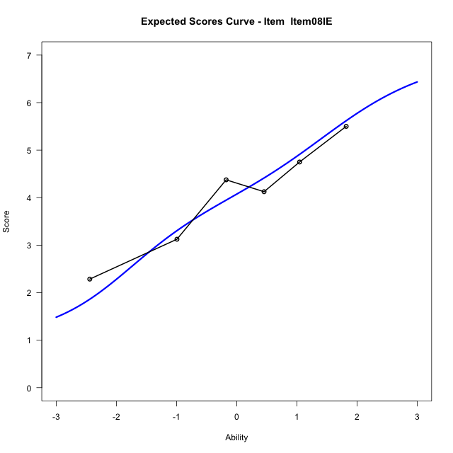
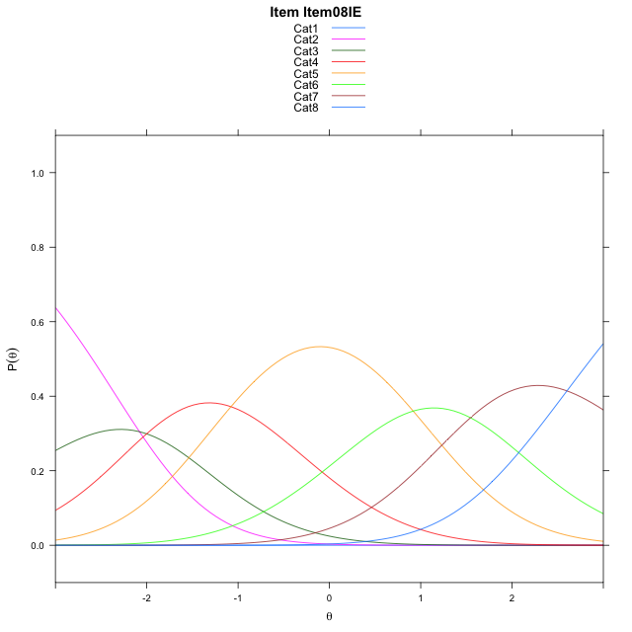
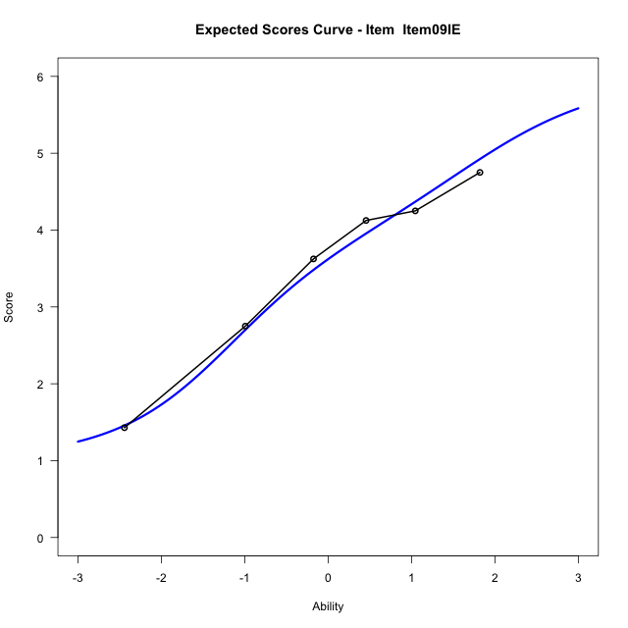
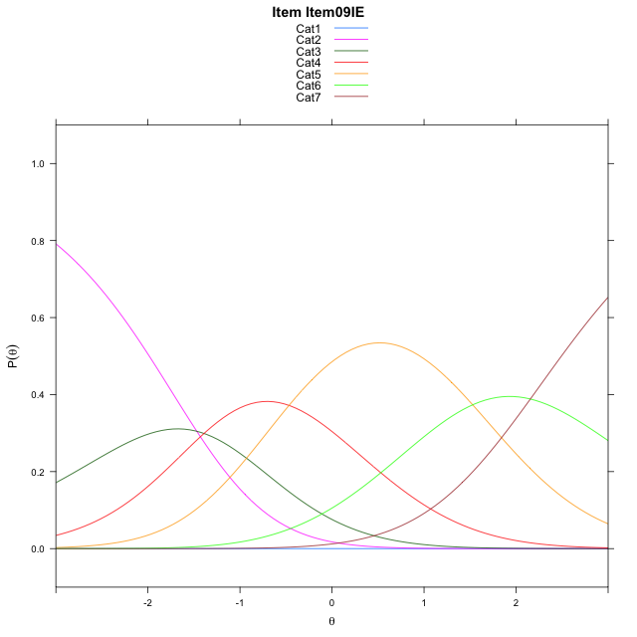
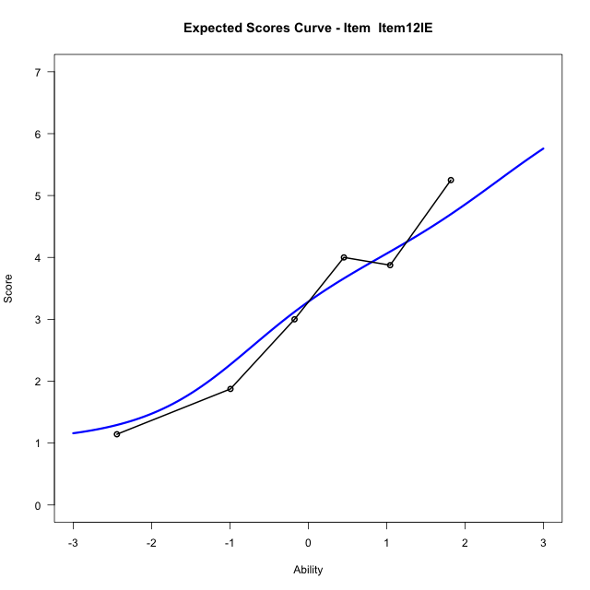
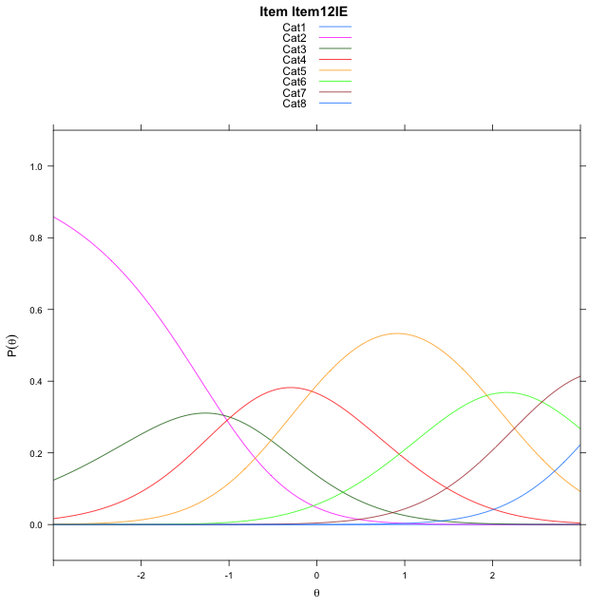
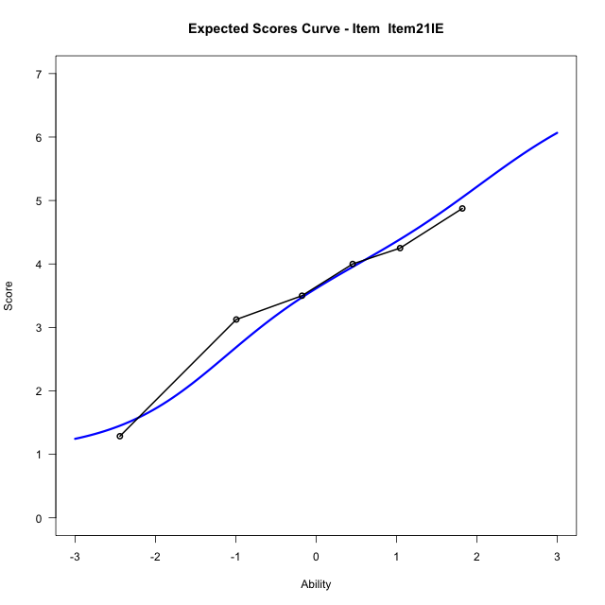
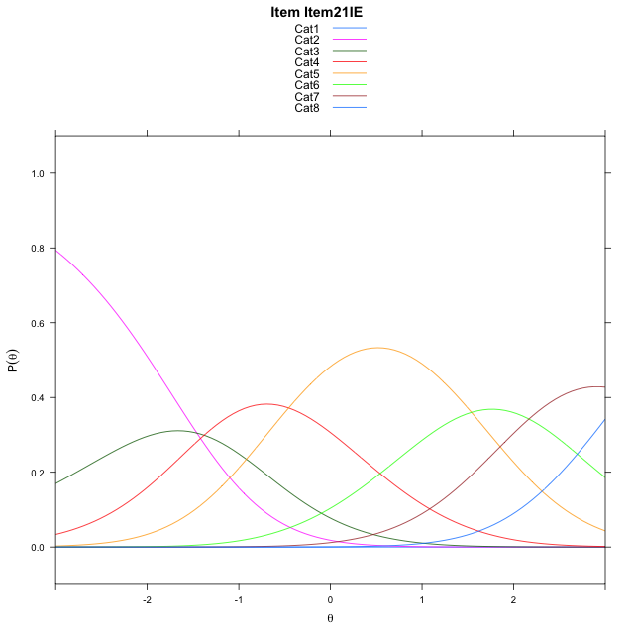
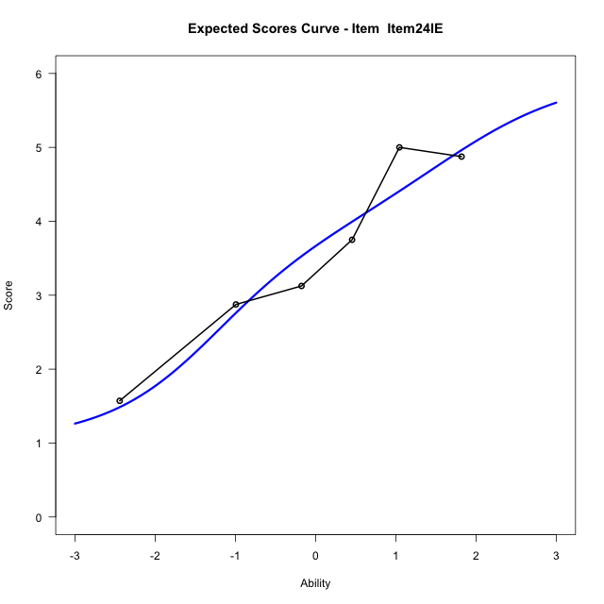
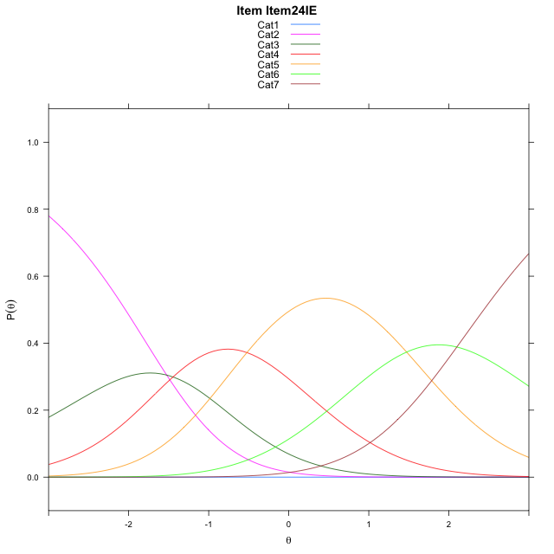
Estimate items information for the measurement model

Full Item Information
item | N | M | xsi.item | AXsi_.Cat1 | AXsi_.Cat2 | AXsi_.Cat3 | AXsi_.Cat4 | AXsi_.Cat5 | AXsi_.Cat6 | AXsi_.Cat7 | B.Cat1.Dim1 | B.Cat2.Dim1 | B.Cat3.Dim1 | B.Cat4.Dim1 | B.Cat5.Dim1 | B.Cat6.Dim1 | B.Cat7.Dim1
Item08IE | 47 | 4.0638297872 | -1.6746322185 | -11.625492728 | -13.705301686 | -15.706696085 | -16.784745257 | -15.867278062 | -14.322642939 | -11.72242553 | 1 | 2 | 3 | 4 | 5 | 6 | 7
Item09IE | 47 | 3.5319148936 | -1.7763386998 | -11.014724271 | -12.483764773 | -13.874390714 | -14.34167143 | -12.813435779 | -10.658032199 |  | 1 | 2 | 3 | 4 | 5 | 6 | 0
Item12IE | 47 | 3.2340425532 | -0.65728025655 | -10.608140766 | -11.670597762 | -12.654640199 | -12.715337409 | -10.780518252 | -8.2185311673 | -4.6009617958 | 1 | 2 | 3 | 4 | 5 | 6 | 7
Item21IE | 47 | 3.5531914894 | -1.0525175266 | -11.003378036 | -12.461072303 | -13.840352009 | -14.296286489 | -12.756704602 | -10.589954787 | -7.3676226861 | 1 | 2 | 3 | 4 | 5 | 6 | 7
Item24IE | 47 | 3.5744680851 | -1.8319427671 | -11.070328339 | -12.594972908 | -14.041202916 | -14.564087699 | -13.091456115 | -10.991656602 |  | 1 | 2 | 3 | 4 | 5 | 6 | 0

Thurstonian Thresholds (category-wise)
 | Cat1 | Cat2 | Cat3 | Cat4 | Cat5 | Cat6 | Cat7
Item08IE | -11.627105713 | -2.5961608887 | -1.8313293457 | -0.88687133789 | 0.6887512207 | 1.6390686035 | 2.8673400879
Item09IE | -11.01663208 | -1.9856872559 | -1.2208557129 | -0.27621459961 | 1.328704834 | 2.4927062988
Item12IE | -10.609954834 | -1.5790100098 | -0.8141784668 | 0.13027954102 | 1.7057189941 | 2.6562194824 | 3.8844909668
Item21IE | -11.005096436 | -1.9741516113 | -1.2093200684 | -0.26486206055 | 1.310760498 | 2.2610778809 | 3.4893493652
Item24IE | -11.072296143 | -2.0411682129 | -1.2763366699 | -0.33169555664 | 1.2730407715 | 2.4370422363

Thurstonian Thresholds (item-wise)
 | Threshold
Item08IE | -0.75260072777
Item09IE | -0.69906224784
Item12IE | 0.26670365026
Item21IE | -0.13159716266
Item24IE | -0.75185792112

Item Infit/Outfit Statistic
parameter | Outfit | Outfit_t | Outfit_p | Outfit_pholm | Infit | Infit_t | Infit_p | Infit_pholm
Item08IE | 1.0532093461 | 0.28983392815 | 0.77194329047 | 1 | 1.0508601472 | 0.29118968581 | 0.77090625049 | 1
Item09IE | 0.62775014997 | -1.9243452571 | 0.054311321333 | 0.38017924933 | 0.63656648488 | -1.9822579316 | 0.047450379812 | 0.42705341831
Item12IE | 1.3568119831 | 1.4357466662 | 0.151074441 | 0.755372205 | 1.4168381409 | 1.7945785367 | 0.072720875334 | 0.58176700267
Item21IE | 0.72556476247 | -1.3016335166 | 0.19304169659 | 0.77216678638 | 0.74717231986 | -1.2716155048 | 0.20350976511 | 1
Item24IE | 1.0998462723 | 0.48910803432 | 0.62476521369 | 1 | 1.0652766635 | 0.35349357869 | 0.72371844191 | 1
Cat1 | 0.38695753639 |  |  |  | 0.78831561773 | -0.41744078944 | 0.67635602496 | 1
Cat2 | 1.3026431165 | 15.946893472 | 2.9942530985E-57 | 2.6948277886E-56 | 1.4043656168 | 2.3675470224 | 0.017906444423 | 0.17906444423
Cat3 | 0.96915745432 | 1.7931254384 | 0.072952868917 | 0.4377172135 | 1.201176724 | 1.4117176965 | 0.15803310058 | 0.94819860347
Cat4 | 1.2918248063 | 0.98120593423 | 0.32649119839 | 0.97947359516 | 1.3034010385 | 3.1072453719 | 0.001888395866 | 0.020772354526
Cat5 | 0.91906980486 | 11.989474706 | 4.0345553146E-33 | 3.2276442517E-32 | 1.1111225814 | 1.0594136634 | 0.28941142975 | 1
Cat6 | 1.9314347224 | 287.69241409 | 0 | 0 | 1.3185548773 | 1.578021791 | 0.11456060376 | 0.80192422631

Box plot of expected curves

