Assumptions
ANOVA assumptions for Intrinsic Motivation

Shapiro-Wilk normality test for Intrinsic Motivation
W | p.value
0.9805407948 | 0.61470717088

Plots for normality test
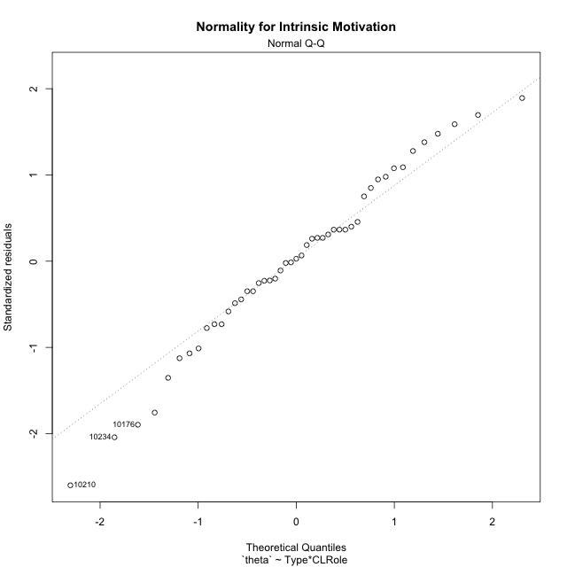

Levene's Test for Homogeneity of Variance in Intrinsic Motivation
Df | F value | Pr(>F)
3 | 1.6450867184 | 0.19305172324
43

Plots for homogeneity of variance
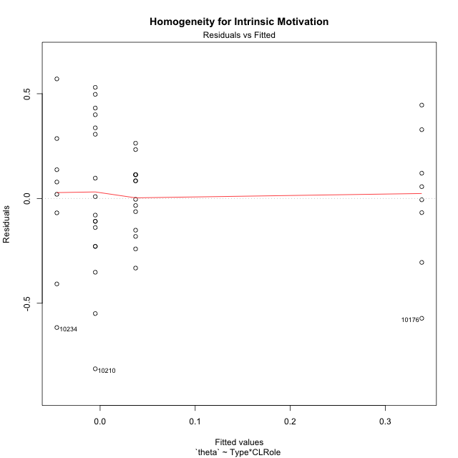

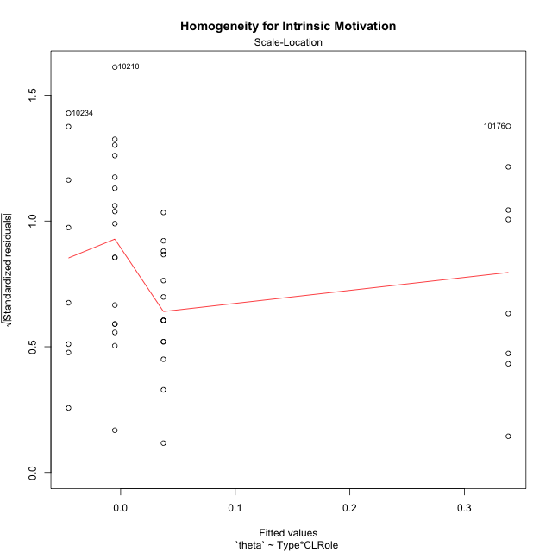

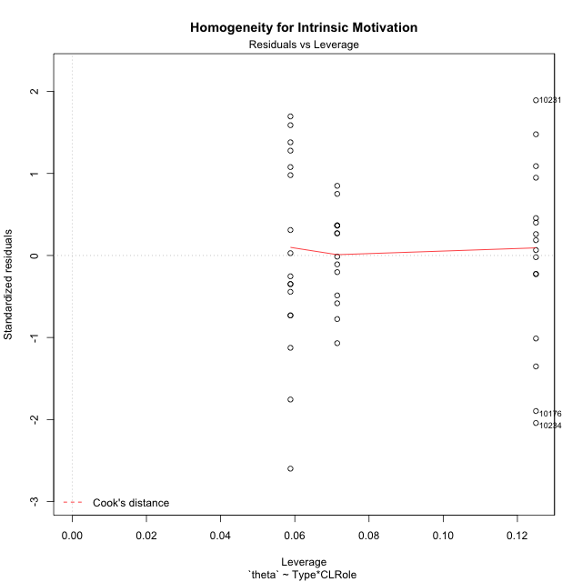

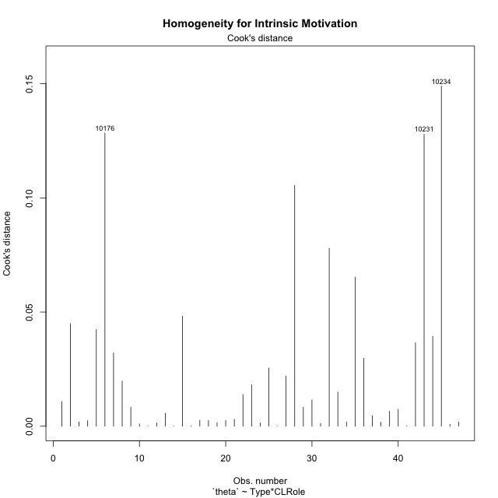

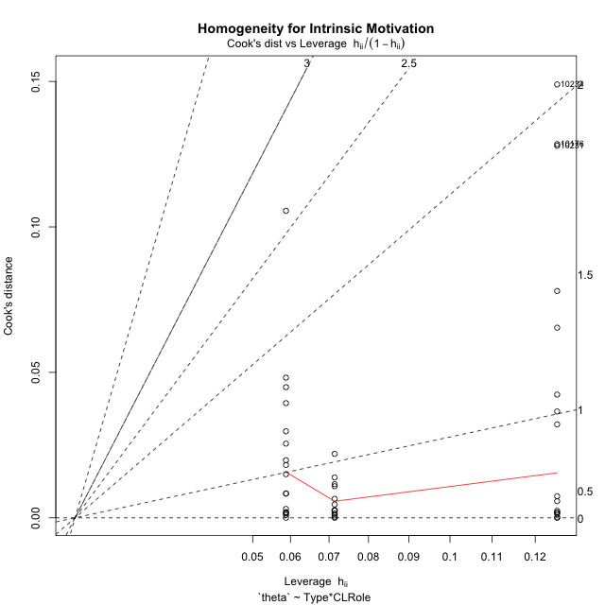

Minimum Sample Size Test for Intrinsic Motivation
Type | CLRole | Freq
ont-gamified | Apprentice | 14
w/o-gamified | Apprentice | 17
ont-gamified | Master | 8
w/o-gamified | Master | 8

Errors and Warnings in Sample Size Test for ANOVA in Intrinsic Motivation
code | description
WARN: sample.size | current.size is = 14 and recommended.size must be = 15 for the group: 'ont-gamified:Apprentice'. Size sample for parametric test isn't recomended
WARN: sample.size | current.size is = 8 and recommended.size must be = 15 for the group: 'ont-gamified:Master'. Size sample for parametric test isn't recomended
WARN: sample.size | current.size is = 8 and recommended.size must be = 15 for the group: 'w/o-gamified:Master'. Size sample for parametric test isn't recomended

For the group: 'ont-gamified:Apprentice', we recommend the use of non parametric test. For the group: 'w/o-gamified:Apprentice', you can perform a parametric test with a non-normal distribution For the group: 'ont-gamified:Master', we recommend the use of non parametric test. For the group: 'w/o-gamified:Master', we recommend the use of non parametric test.

If you don't want to remove non-normal data, you must cite the following references: ... (1) Lix, L.M., J.C. Keselman, and H.J. Keselman. 1996. Consequences of assumption violations revisited: A quantitative review of alternatives to the one-way analysis of variance F test. Rev. Educ. Res. 66: 579-619. ... (2) Harwell, M.R., E.N. Rubinstein, W.S. Hayes, and C.C. Olds. 1992. Summarizing Monte Carlo results in methodological research: the one- and two-factor fixed effects ANOVA cases. J. Educ. Stat. 17: 315-339.

Post-hoc
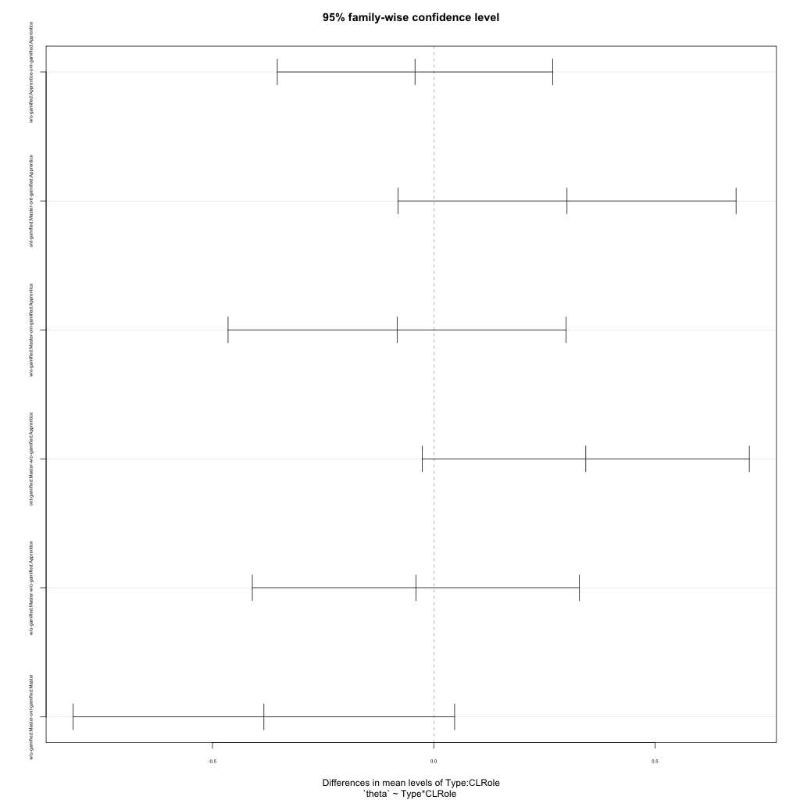
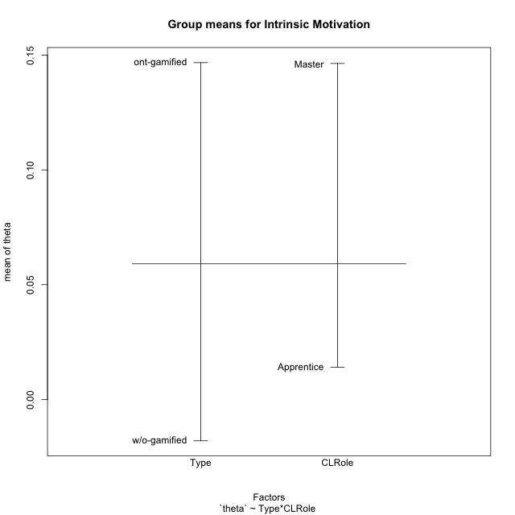
Post-hoc Tukey Honestly Significant Difference (HSD) Test for Intrinsic Motivation

Comparisons of means for Type
 | diff | lwr | upr | p adj
w/o-gamified-ont-gamified | -0.16478247296 | -0.35487452945 | 0.025309583527 | 0.087569771102

Comparisons of means for CLRole
 | diff | lwr | upr | p adj
Master-Apprentice | 0.12435787234 | -0.075814656403 | 0.32453040109 | 0.21702111958

Comparisons of means for Type:CLRole
 | diff | lwr | upr | p adj
w/o-gamified:Apprentice-ont-gamified:Apprentice | -0.0424106414 | -0.35340621439 | 0.26858493159 | 0.98322484732
ont-gamified:Master-ont-gamified:Apprentice | 0.30096475276 | -0.08094800624 | 0.68287751177 | 0.16748582036
w/o-gamified:Master-ont-gamified:Apprentice | -0.082817214165 | -0.46472997317 | 0.29909554484 | 0.93770061905
ont-gamified:Master-w/o-gamified:Apprentice | 0.34337539416 | -0.026080320627 | 0.71283110895 | 0.076873584129
w/o-gamified:Master-w/o-gamified:Apprentice | -0.040406572765 | -0.40986228756 | 0.32904914202 | 0.99118273876
w/o-gamified:Master-ont-gamified:Master | -0.38378196693 | -0.81463766697 | 0.047073733115 | 0.096213530412

Contrast Matrices for Intrinsic Motivation
contrast | CLRole | estimate | SE | df | t.ratio | p.value
ont-gamified - w/o-gamified | Apprentice | 0.0424106414 | 0.11637217057 | 43 | 0.36443972123 | 0.71731582311
ont-gamified - w/o-gamified | Master | 0.38378196693 | 0.16122291559 | 43 | 2.3804430376 | 0.021794471119

Least Squares Means and Confidence Intervals
Type | CLRole | lsmean | SE | df | lower.CL | upper.CL
ont-gamified | Apprentice | 0.037310073459 | 0.086177273293 | 43 | -0.13648296134 | 0.21110310826
w/o-gamified | Apprentice | -0.0051005679411 | 0.078204601208 | 43 | -0.16281517714 | 0.15261404126
ont-gamified | Master | 0.33827482622 | 0.1140018169 | 43 | 0.10836825138 | 0.56818140106
w/o-gamified | Master | -0.045507140706 | 0.1140018169 | 43 | -0.27541371555 | 0.18439943413

Plots

Type_1
Student's t-Test for Intrinsic Motivation in Type between ont-gamified:w/o-gamified

Student's t-Test results
Alternative hypothesis: less
Group | N | Mean | Mean.Difference | Std.deviation | Std.error | CI.lower | CI.upper | df | t.value | p.value | g | magnitude
ont-gamified | 22 | 0.14675180174 | 0.16478247296 | 0.27744590436 | 0.059151665559 | 0.028448470618 | 0.26505513285 | 43.883063634 | 1.7331713727 | 0.95495608763 | 0.48896646358 | small
w/o-gamified | 25 | -0.018030671226 | -0.16478247296 | 0.37217160888 | 0.074434321775 | -0.16689931478 | 0.13083797232 | 43.883063634 | 1.7331713727 | 0.95495608763 | 0.48896646358 | small
Alternative hypothesis: greater
Group | N | Mean | Mean.Difference | Std.deviation | Std.error | CI.lower | CI.upper | df | t.value | p.value | g | magnitude
ont-gamified | 22 | 0.14675180174 | 0.16478247296 | 0.27744590436 | 0.059151665559 | 0.028448470618 | 0.26505513285 | 43.883063634 | 1.7331713727 | 0.045043912372 | 0.48896646358 | small
w/o-gamified | 25 | -0.018030671226 | -0.16478247296 | 0.37217160888 | 0.074434321775 | -0.16689931478 | 0.13083797232 | 43.883063634 | 1.7331713727 | 0.045043912372 | 0.48896646358 | small
Alternative hypothesis: two.sided
Group | N | Mean | Mean.Difference | Std.deviation | Std.error | CI.lower | CI.upper | df | t.value | p.value | g | magnitude
ont-gamified | 22 | 0.14675180174 | 0.16478247296 | 0.27744590436 | 0.059151665559 | 0.028448470618 | 0.26505513285 | 43.883063634 | 1.7331713727 | 0.090087824744 | 0.48896646358 | small
w/o-gamified | 25 | -0.018030671226 | -0.16478247296 | 0.37217160888 | 0.074434321775 | -0.16689931478 | 0.13083797232 | 43.883063634 | 1.7331713727 | 0.090087824744 | 0.48896646358 | small

Box plots for Student's t-Test
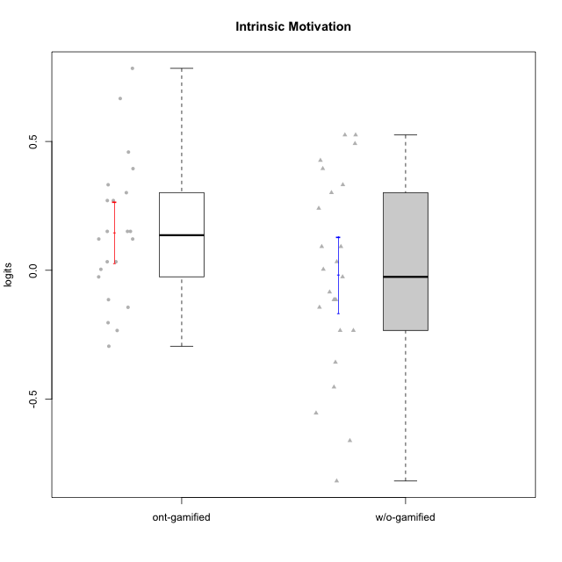

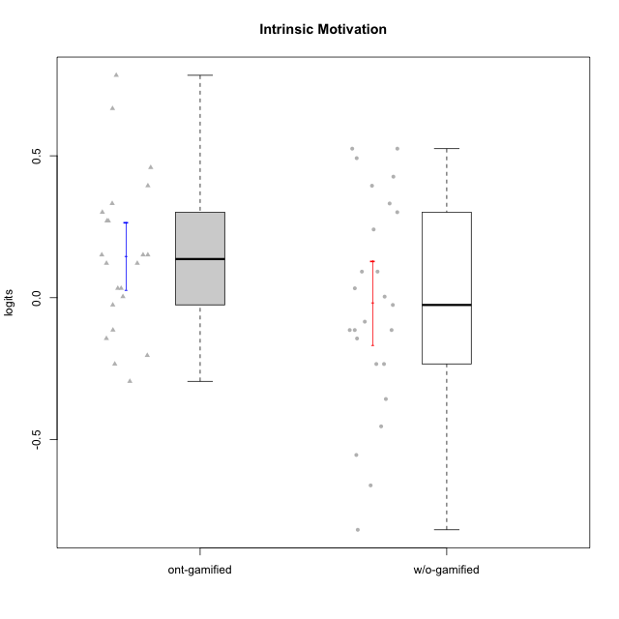

Student's t-Test data
UserID | NroUSP | Type | CLGroup | CLRole | PlayerRole | theta | error | WLE.rel
10169 | 10377538 | ont-gamified | Resistance | Apprentice | Social Achiever | 0.27074264751 | 0.17582153548 | 0.77387718346
10170 | 10260351 | w/o-gamified | Grupo11 | Apprentice |  | 0.52525880708 | 0.18596468369 | 0.77387718346
10172 | 10273971 | w/o-gamified | Grupo5 | Apprentice |  | -0.11408636542 | 0.17341756088 | 0.77387718346
10174 | 10276852 | w/o-gamified | Grupo7 | Master |  | 0.033090291157 | 0.17270259613 | 0.77387718346
10175 | 10310700 | ont-gamified | Warriors | Master | Social Achiever | 0.66676834806 | 0.19536895019 | 0.77387718346
10176 | 10276949 | ont-gamified | Outlaws | Master | Social Achiever | -0.23377377059 | 0.175438052 | 0.77387718346
10179 | 10310759 | w/o-gamified | Grupo10 | Master |  | 0.24049890644 | 0.1751124382 | 0.77387718346
10181 | 10276866 | w/o-gamified | Grupo2 | Apprentice |  | -0.35718035583 | 0.17890908124 | 0.77387718346
10183 | 10352030 | w/o-gamified | Grupo3 | Apprentice |  | -0.23377377059 | 0.175438052 | 0.77387718346
10184 | 10276675 | w/o-gamified | Grupo10 | Apprentice |  | -0.084523616667 | 0.1731175292 | 0.77387718346
10185 | 10276960 | w/o-gamified | Grupo9 | Apprentice |  | 0.003730743962 | 0.17268900915 | 0.77387718346
10186 | 10310551 | ont-gamified | Slayers | Apprentice | Social Achiever | 0.12135577236 | 0.17322252149 | 0.77387718346
10188 | 10276995 | ont-gamified | Vandals | Master | Yee Achiever | 0.45886934991 | 0.18254310089 | 0.77387718346
10189 | 9363926 | ont-gamified | Vikings | Apprentice | Social Achiever | 0.033090291157 | 0.17270259613 | 0.77387718346
10190 | 10276907 | w/o-gamified | Grupo4 | Apprentice |  | -0.55442654781 | 0.18761914079 | 0.77387718346
10191 | 10276981 | w/o-gamified | Grupo1 | Master |  | -0.02564095257 | 0.17275371332 | 0.77387718346
10192 | 10276682 | ont-gamified | Attractive Devils | Apprentice | Social Achiever | 0.15092879238 | 0.17356118467 | 0.77387718346
10193 | 10276762 | ont-gamified | Vandals | Apprentice | Yee Achiever | 0.15092879238 | 0.17356118467 | 0.77387718346
10197 | 10276661 | w/o-gamified | Grupo8 | Apprentice |  | 0.091876446908 | 0.17296792146 | 0.77387718346
10198 | 10310888 | ont-gamified | Attractive Devils | Apprentice | Social Achiever | 0.15092879238 | 0.17356118467 | 0.77387718346
10199 | 10276737 | w/o-gamified | Grupo1 | Apprentice |  | -0.14376520033 | 0.17379773117 | 0.77387718346
10200 | 9795272 | ont-gamified | Warriors | Apprentice | Social Achiever | 0.30123617694 | 0.17663532556 | 0.77387718346
10201 | 10276928 | w/o-gamified | Grupo11 | Apprentice |  | 0.33201676488 | 0.17756034217 | 0.77387718346
10202 | 10277036 | ont-gamified | Silly Knights | Apprentice | Social Achiever | 0.12135577236 | 0.17322252149 | 0.77387718346
10206 | 10310721 | w/o-gamified | Grupo8 | Apprentice |  | 0.39460339477 | 0.17977554354 | 0.77387718346
10208 | 10276932 | ont-gamified | Mercenaries | Master | Social Achiever | 0.33201676488 | 0.17756034217 | 0.77387718346
10209 | 10262669 | ont-gamified | Mafia | Apprentice | Social Achiever | -0.29488381921 | 0.17697652663 | 0.77387718346
10210 | 10277015 | w/o-gamified | Grupo6 | Apprentice |  | -0.81808391538 | 0.20636883608 | 0.77387718346
10213 | 10277040 | w/o-gamified | Grupo7 | Apprentice |  | -0.23377377059 | 0.175438052 | 0.77387718346
10214 | 10277022 | ont-gamified | Vikings | Apprentice | Social Achiever | -0.20358041549 | 0.17480556158 | 0.77387718346
10215 | 9285227 | ont-gamified | Vikings | Master | Social Achiever | 0.39460339477 | 0.17977554354 | 0.77387718346
10216 | 10276720 | ont-gamified | Silly Knights | Master | Social Achiever | 0.78388158407 | 0.20559637139 | 0.77387718346
10217 | 9805341 | w/o-gamified | Grupo9 | Apprentice |  | 0.30123617694 | 0.17663532556 | 0.77387718346
10218 | 9842913 | w/o-gamified | Grupo10 | Apprentice |  | -0.11408636542 | 0.17341756088 | 0.77387718346
10219 | 10276831 | w/o-gamified | Grupo3 | Master |  | -0.45351446737 | 0.18265246389 | 0.77387718346
10220 | 9760151 | w/o-gamified | Grupo3 | Apprentice |  | 0.42650081117 | 0.18108462006 | 0.77387718346
10221 | 9082496 | ont-gamified | Warriors | Apprentice | Social Achiever | -0.11408636542 | 0.17341756088 | 0.77387718346
10223 | 9795185 | ont-gamified | Slayers | Master | Social Achiever | 0.27074264751 | 0.17582153548 | 0.77387718346
10224 | 9368772 | ont-gamified | Mercenaries | Apprentice | Social Achiever | -0.14376520033 | 0.17379773117 | 0.77387718346
10227 | 9274382 | w/o-gamified | Grupo5 | Master |  | 0.091876446908 | 0.17296792146 | 0.77387718346
10228 | 10310492 | ont-gamified | Resistance | Apprentice | Social Achiever | 0.003730743962 | 0.17268900915 | 0.77387718346
10230 | 10351992 | ont-gamified | Resistance | Master | Social Achiever | 0.033090291157 | 0.17270259613 | 0.77387718346
10231 | 10276911 | w/o-gamified | Grupo9 | Master |  | 0.52525880708 | 0.18596468369 | 0.77387718346
10232 | 10276974 | w/o-gamified | Grupo7 | Apprentice |  | 0.49176710733 | 0.18416454437 | 0.77387718346
10234 | 10310676 | w/o-gamified | Grupo4 | Master |  | -0.66153979188 | 0.19416390866 | 0.77387718346
10237 | 10377688 | ont-gamified | Outlaws | Apprentice | Social Achiever | -0.02564095257 | 0.17275371332 | 0.77387718346
10238 | 10276953 | w/o-gamified | Grupo2 | Master |  | -0.11408636542 | 0.17341756088 | 0.77387718346

Type_CLRole_1
Student's t-Test for Intrinsic Motivation in Type:CLRole between ont-gamified.Apprentice:ont-gamified.Master

Student's t-Test results
Alternative hypothesis: less
Group | N | Mean | Mean.Difference | Std.deviation | Std.error | CI.lower | CI.upper | df | t.value | p.value | g | magnitude
ont-gamified.Apprentice | 14 | 0.037310073459 | -0.30096475276 | 0.17676605785 | 0.047242716148 | -0.057175358837 | 0.13179550575 | 9.3897555119 | -2.4088866346 | 0.019125144121 | -1.2046394535 | large
ont-gamified.Master | 8 | 0.33827482622 | 0.30096475276 | 0.32714485201 | 0.11566317164 | 0.10694848294 | 0.56960116951 | 9.3897555119 | -2.4088866346 | 0.019125144121 | -1.2046394535 | large
Alternative hypothesis: greater
Group | N | Mean | Mean.Difference | Std.deviation | Std.error | CI.lower | CI.upper | df | t.value | p.value | g | magnitude
ont-gamified.Apprentice | 14 | 0.037310073459 | -0.30096475276 | 0.17676605785 | 0.047242716148 | -0.057175358837 | 0.13179550575 | 9.3897555119 | -2.4088866346 | 0.98087485588 | -1.2046394535 | large
ont-gamified.Master | 8 | 0.33827482622 | 0.30096475276 | 0.32714485201 | 0.11566317164 | 0.10694848294 | 0.56960116951 | 9.3897555119 | -2.4088866346 | 0.98087485588 | -1.2046394535 | large
Alternative hypothesis: two.sided
Group | N | Mean | Mean.Difference | Std.deviation | Std.error | CI.lower | CI.upper | df | t.value | p.value | g | magnitude
ont-gamified.Apprentice | 14 | 0.037310073459 | -0.30096475276 | 0.17676605785 | 0.047242716148 | -0.057175358837 | 0.13179550575 | 9.3897555119 | -2.4088866346 | 0.038250288241 | -1.2046394535 | large
ont-gamified.Master | 8 | 0.33827482622 | 0.30096475276 | 0.32714485201 | 0.11566317164 | 0.10694848294 | 0.56960116951 | 9.3897555119 | -2.4088866346 | 0.038250288241 | -1.2046394535 | large

Box plots for Student's t-Test
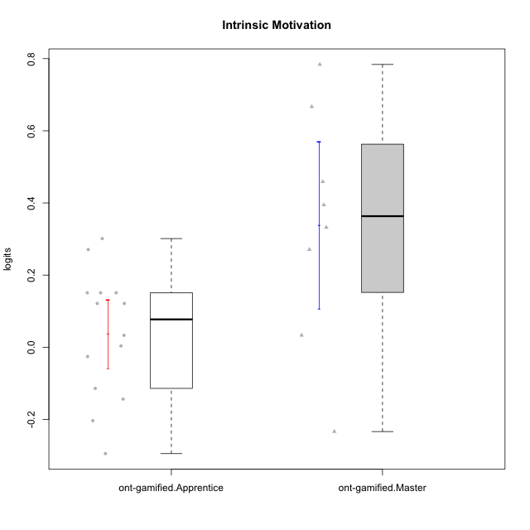

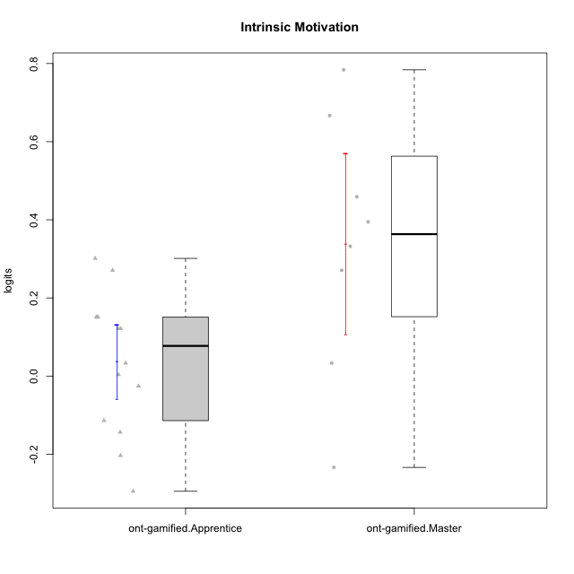

Student's t-Test data
UserID | NroUSP | Type | CLGroup | CLRole | PlayerRole | theta | error | WLE.rel
10169 | 10377538 | ont-gamified | Resistance | Apprentice | Social Achiever | 0.27074264751 | 0.17582153548 | 0.77387718346
10175 | 10310700 | ont-gamified | Warriors | Master | Social Achiever | 0.66676834806 | 0.19536895019 | 0.77387718346
10176 | 10276949 | ont-gamified | Outlaws | Master | Social Achiever | -0.23377377059 | 0.175438052 | 0.77387718346
10186 | 10310551 | ont-gamified | Slayers | Apprentice | Social Achiever | 0.12135577236 | 0.17322252149 | 0.77387718346
10188 | 10276995 | ont-gamified | Vandals | Master | Yee Achiever | 0.45886934991 | 0.18254310089 | 0.77387718346
10189 | 9363926 | ont-gamified | Vikings | Apprentice | Social Achiever | 0.033090291157 | 0.17270259613 | 0.77387718346
10192 | 10276682 | ont-gamified | Attractive Devils | Apprentice | Social Achiever | 0.15092879238 | 0.17356118467 | 0.77387718346
10193 | 10276762 | ont-gamified | Vandals | Apprentice | Yee Achiever | 0.15092879238 | 0.17356118467 | 0.77387718346
10198 | 10310888 | ont-gamified | Attractive Devils | Apprentice | Social Achiever | 0.15092879238 | 0.17356118467 | 0.77387718346
10200 | 9795272 | ont-gamified | Warriors | Apprentice | Social Achiever | 0.30123617694 | 0.17663532556 | 0.77387718346
10202 | 10277036 | ont-gamified | Silly Knights | Apprentice | Social Achiever | 0.12135577236 | 0.17322252149 | 0.77387718346
10208 | 10276932 | ont-gamified | Mercenaries | Master | Social Achiever | 0.33201676488 | 0.17756034217 | 0.77387718346
10209 | 10262669 | ont-gamified | Mafia | Apprentice | Social Achiever | -0.29488381921 | 0.17697652663 | 0.77387718346
10214 | 10277022 | ont-gamified | Vikings | Apprentice | Social Achiever | -0.20358041549 | 0.17480556158 | 0.77387718346
10215 | 9285227 | ont-gamified | Vikings | Master | Social Achiever | 0.39460339477 | 0.17977554354 | 0.77387718346
10216 | 10276720 | ont-gamified | Silly Knights | Master | Social Achiever | 0.78388158407 | 0.20559637139 | 0.77387718346
10221 | 9082496 | ont-gamified | Warriors | Apprentice | Social Achiever | -0.11408636542 | 0.17341756088 | 0.77387718346
10223 | 9795185 | ont-gamified | Slayers | Master | Social Achiever | 0.27074264751 | 0.17582153548 | 0.77387718346
10224 | 9368772 | ont-gamified | Mercenaries | Apprentice | Social Achiever | -0.14376520033 | 0.17379773117 | 0.77387718346
10228 | 10310492 | ont-gamified | Resistance | Apprentice | Social Achiever | 0.003730743962 | 0.17268900915 | 0.77387718346
10230 | 10351992 | ont-gamified | Resistance | Master | Social Achiever | 0.033090291157 | 0.17270259613 | 0.77387718346
10237 | 10377688 | ont-gamified | Outlaws | Apprentice | Social Achiever | -0.02564095257 | 0.17275371332 | 0.77387718346

Type_CLRole_2
Student's t-Test for Intrinsic Motivation in Type:CLRole between ont-gamified.Apprentice:w/o-gamified.Apprentice

Student's t-Test results
Alternative hypothesis: less
Group | N | Mean | Mean.Difference | Std.deviation | Std.error | CI.lower | CI.upper | df | t.value | p.value | g | magnitude
ont-gamified.Apprentice | 14 | 0.037310073459 | 0.0424106414 | 0.17676605785 | 0.047242716148 | -0.057175358837 | 0.13179550575 | 23.458783243 | 0.40801465552 | 0.65651851541 | 0.13442632993 | negligible
w/o-gamified.Apprentice | 17 | -0.0051005679411 | -0.0424106414 | 0.38174845294 | 0.092587599641 | -0.19027576722 | 0.18007463134 | 23.458783243 | 0.40801465552 | 0.65651851541 | 0.13442632993 | negligible
Alternative hypothesis: greater
Group | N | Mean | Mean.Difference | Std.deviation | Std.error | CI.lower | CI.upper | df | t.value | p.value | g | magnitude
ont-gamified.Apprentice | 14 | 0.037310073459 | 0.0424106414 | 0.17676605785 | 0.047242716148 | -0.057175358837 | 0.13179550575 | 23.458783243 | 0.40801465552 | 0.34348148459 | 0.13442632993 | negligible
w/o-gamified.Apprentice | 17 | -0.0051005679411 | -0.0424106414 | 0.38174845294 | 0.092587599641 | -0.19027576722 | 0.18007463134 | 23.458783243 | 0.40801465552 | 0.34348148459 | 0.13442632993 | negligible
Alternative hypothesis: two.sided
Group | N | Mean | Mean.Difference | Std.deviation | Std.error | CI.lower | CI.upper | df | t.value | p.value | g | magnitude
ont-gamified.Apprentice | 14 | 0.037310073459 | 0.0424106414 | 0.17676605785 | 0.047242716148 | -0.057175358837 | 0.13179550575 | 23.458783243 | 0.40801465552 | 0.68696296917 | 0.13442632993 | negligible
w/o-gamified.Apprentice | 17 | -0.0051005679411 | -0.0424106414 | 0.38174845294 | 0.092587599641 | -0.19027576722 | 0.18007463134 | 23.458783243 | 0.40801465552 | 0.68696296917 | 0.13442632993 | negligible

Box plots for Student's t-Test
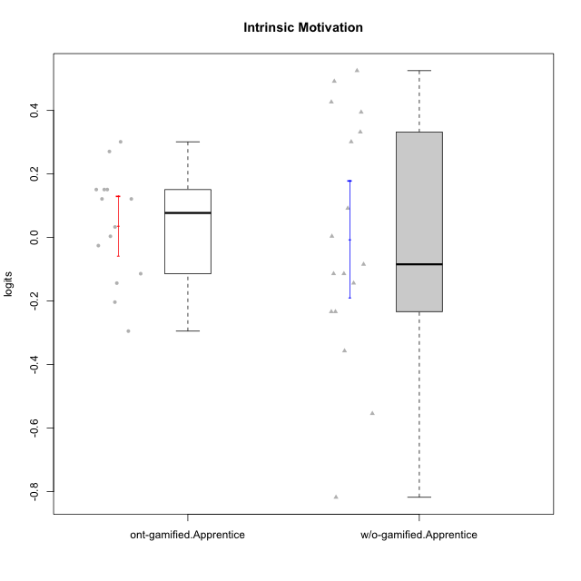

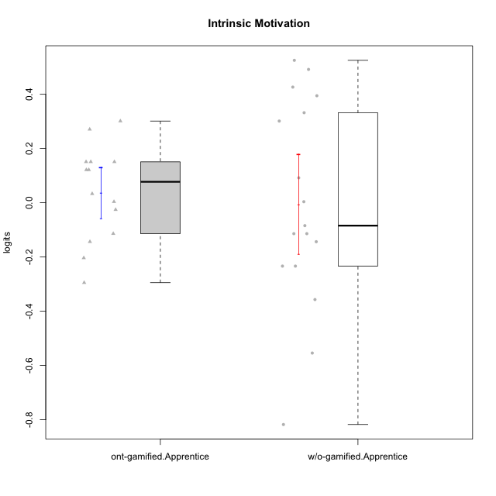

Student's t-Test data
UserID | NroUSP | Type | CLGroup | CLRole | PlayerRole | theta | error | WLE.rel
10169 | 10377538 | ont-gamified | Resistance | Apprentice | Social Achiever | 0.27074264751 | 0.17582153548 | 0.77387718346
10170 | 10260351 | w/o-gamified | Grupo11 | Apprentice |  | 0.52525880708 | 0.18596468369 | 0.77387718346
10172 | 10273971 | w/o-gamified | Grupo5 | Apprentice |  | -0.11408636542 | 0.17341756088 | 0.77387718346
10181 | 10276866 | w/o-gamified | Grupo2 | Apprentice |  | -0.35718035583 | 0.17890908124 | 0.77387718346
10183 | 10352030 | w/o-gamified | Grupo3 | Apprentice |  | -0.23377377059 | 0.175438052 | 0.77387718346
10184 | 10276675 | w/o-gamified | Grupo10 | Apprentice |  | -0.084523616667 | 0.1731175292 | 0.77387718346
10185 | 10276960 | w/o-gamified | Grupo9 | Apprentice |  | 0.003730743962 | 0.17268900915 | 0.77387718346
10186 | 10310551 | ont-gamified | Slayers | Apprentice | Social Achiever | 0.12135577236 | 0.17322252149 | 0.77387718346
10189 | 9363926 | ont-gamified | Vikings | Apprentice | Social Achiever | 0.033090291157 | 0.17270259613 | 0.77387718346
10190 | 10276907 | w/o-gamified | Grupo4 | Apprentice |  | -0.55442654781 | 0.18761914079 | 0.77387718346
10192 | 10276682 | ont-gamified | Attractive Devils | Apprentice | Social Achiever | 0.15092879238 | 0.17356118467 | 0.77387718346
10193 | 10276762 | ont-gamified | Vandals | Apprentice | Yee Achiever | 0.15092879238 | 0.17356118467 | 0.77387718346
10197 | 10276661 | w/o-gamified | Grupo8 | Apprentice |  | 0.091876446908 | 0.17296792146 | 0.77387718346
10198 | 10310888 | ont-gamified | Attractive Devils | Apprentice | Social Achiever | 0.15092879238 | 0.17356118467 | 0.77387718346
10199 | 10276737 | w/o-gamified | Grupo1 | Apprentice |  | -0.14376520033 | 0.17379773117 | 0.77387718346
10200 | 9795272 | ont-gamified | Warriors | Apprentice | Social Achiever | 0.30123617694 | 0.17663532556 | 0.77387718346
10201 | 10276928 | w/o-gamified | Grupo11 | Apprentice |  | 0.33201676488 | 0.17756034217 | 0.77387718346
10202 | 10277036 | ont-gamified | Silly Knights | Apprentice | Social Achiever | 0.12135577236 | 0.17322252149 | 0.77387718346
10206 | 10310721 | w/o-gamified | Grupo8 | Apprentice |  | 0.39460339477 | 0.17977554354 | 0.77387718346
10209 | 10262669 | ont-gamified | Mafia | Apprentice | Social Achiever | -0.29488381921 | 0.17697652663 | 0.77387718346
10210 | 10277015 | w/o-gamified | Grupo6 | Apprentice |  | -0.81808391538 | 0.20636883608 | 0.77387718346
10213 | 10277040 | w/o-gamified | Grupo7 | Apprentice |  | -0.23377377059 | 0.175438052 | 0.77387718346
10214 | 10277022 | ont-gamified | Vikings | Apprentice | Social Achiever | -0.20358041549 | 0.17480556158 | 0.77387718346
10217 | 9805341 | w/o-gamified | Grupo9 | Apprentice |  | 0.30123617694 | 0.17663532556 | 0.77387718346
10218 | 9842913 | w/o-gamified | Grupo10 | Apprentice |  | -0.11408636542 | 0.17341756088 | 0.77387718346
10220 | 9760151 | w/o-gamified | Grupo3 | Apprentice |  | 0.42650081117 | 0.18108462006 | 0.77387718346
10221 | 9082496 | ont-gamified | Warriors | Apprentice | Social Achiever | -0.11408636542 | 0.17341756088 | 0.77387718346
10224 | 9368772 | ont-gamified | Mercenaries | Apprentice | Social Achiever | -0.14376520033 | 0.17379773117 | 0.77387718346
10228 | 10310492 | ont-gamified | Resistance | Apprentice | Social Achiever | 0.003730743962 | 0.17268900915 | 0.77387718346
10232 | 10276974 | w/o-gamified | Grupo7 | Apprentice |  | 0.49176710733 | 0.18416454437 | 0.77387718346
10237 | 10377688 | ont-gamified | Outlaws | Apprentice | Social Achiever | -0.02564095257 | 0.17275371332 | 0.77387718346

Type_CLRole_3
Student's t-Test for Intrinsic Motivation in Type:CLRole between ont-gamified.Apprentice:w/o-gamified.Master

Student's t-Test results
Alternative hypothesis: less
Group | N | Mean | Mean.Difference | Std.deviation | Std.error | CI.lower | CI.upper | df | t.value | p.value | g | magnitude
ont-gamified.Apprentice | 14 | 0.037310073459 | 0.082817214165 | 0.17676605785 | 0.047242716148 | -0.057175358837 | 0.13179550575 | 8.8151807981 | 0.58858976418 | 0.71454620249 | 0.30222604077 | small
w/o-gamified.Master | 8 | -0.045507140706 | -0.082817214165 | 0.37486931323 | 0.13253631672 | -0.31057977415 | 0.21956549274 | 8.8151807981 | 0.58858976418 | 0.71454620249 | 0.30222604077 | small
Alternative hypothesis: greater
Group | N | Mean | Mean.Difference | Std.deviation | Std.error | CI.lower | CI.upper | df | t.value | p.value | g | magnitude
ont-gamified.Apprentice | 14 | 0.037310073459 | 0.082817214165 | 0.17676605785 | 0.047242716148 | -0.057175358837 | 0.13179550575 | 8.8151807981 | 0.58858976418 | 0.28545379751 | 0.30222604077 | small
w/o-gamified.Master | 8 | -0.045507140706 | -0.082817214165 | 0.37486931323 | 0.13253631672 | -0.31057977415 | 0.21956549274 | 8.8151807981 | 0.58858976418 | 0.28545379751 | 0.30222604077 | small
Alternative hypothesis: two.sided
Group | N | Mean | Mean.Difference | Std.deviation | Std.error | CI.lower | CI.upper | df | t.value | p.value | g | magnitude
ont-gamified.Apprentice | 14 | 0.037310073459 | 0.082817214165 | 0.17676605785 | 0.047242716148 | -0.057175358837 | 0.13179550575 | 8.8151807981 | 0.58858976418 | 0.57090759503 | 0.30222604077 | small
w/o-gamified.Master | 8 | -0.045507140706 | -0.082817214165 | 0.37486931323 | 0.13253631672 | -0.31057977415 | 0.21956549274 | 8.8151807981 | 0.58858976418 | 0.57090759503 | 0.30222604077 | small

Box plots for Student's t-Test
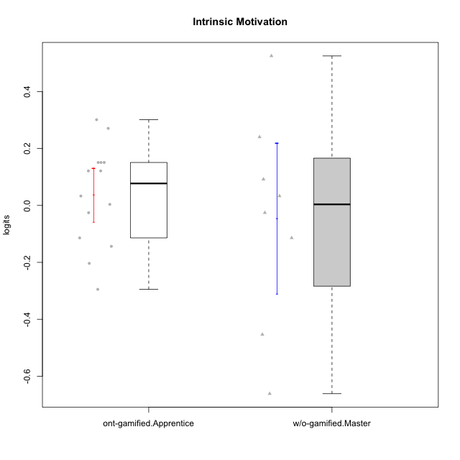

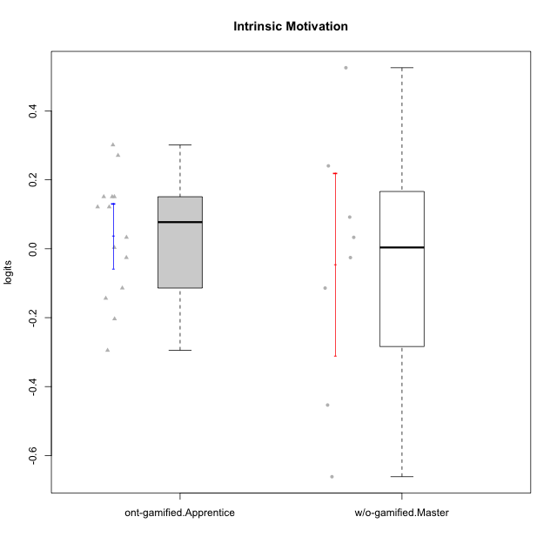

Student's t-Test data
UserID | NroUSP | Type | CLGroup | CLRole | PlayerRole | theta | error | WLE.rel
10169 | 10377538 | ont-gamified | Resistance | Apprentice | Social Achiever | 0.27074264751 | 0.17582153548 | 0.77387718346
10174 | 10276852 | w/o-gamified | Grupo7 | Master |  | 0.033090291157 | 0.17270259613 | 0.77387718346
10179 | 10310759 | w/o-gamified | Grupo10 | Master |  | 0.24049890644 | 0.1751124382 | 0.77387718346
10186 | 10310551 | ont-gamified | Slayers | Apprentice | Social Achiever | 0.12135577236 | 0.17322252149 | 0.77387718346
10189 | 9363926 | ont-gamified | Vikings | Apprentice | Social Achiever | 0.033090291157 | 0.17270259613 | 0.77387718346
10191 | 10276981 | w/o-gamified | Grupo1 | Master |  | -0.02564095257 | 0.17275371332 | 0.77387718346
10192 | 10276682 | ont-gamified | Attractive Devils | Apprentice | Social Achiever | 0.15092879238 | 0.17356118467 | 0.77387718346
10193 | 10276762 | ont-gamified | Vandals | Apprentice | Yee Achiever | 0.15092879238 | 0.17356118467 | 0.77387718346
10198 | 10310888 | ont-gamified | Attractive Devils | Apprentice | Social Achiever | 0.15092879238 | 0.17356118467 | 0.77387718346
10200 | 9795272 | ont-gamified | Warriors | Apprentice | Social Achiever | 0.30123617694 | 0.17663532556 | 0.77387718346
10202 | 10277036 | ont-gamified | Silly Knights | Apprentice | Social Achiever | 0.12135577236 | 0.17322252149 | 0.77387718346
10209 | 10262669 | ont-gamified | Mafia | Apprentice | Social Achiever | -0.29488381921 | 0.17697652663 | 0.77387718346
10214 | 10277022 | ont-gamified | Vikings | Apprentice | Social Achiever | -0.20358041549 | 0.17480556158 | 0.77387718346
10219 | 10276831 | w/o-gamified | Grupo3 | Master |  | -0.45351446737 | 0.18265246389 | 0.77387718346
10221 | 9082496 | ont-gamified | Warriors | Apprentice | Social Achiever | -0.11408636542 | 0.17341756088 | 0.77387718346
10224 | 9368772 | ont-gamified | Mercenaries | Apprentice | Social Achiever | -0.14376520033 | 0.17379773117 | 0.77387718346
10227 | 9274382 | w/o-gamified | Grupo5 | Master |  | 0.091876446908 | 0.17296792146 | 0.77387718346
10228 | 10310492 | ont-gamified | Resistance | Apprentice | Social Achiever | 0.003730743962 | 0.17268900915 | 0.77387718346
10231 | 10276911 | w/o-gamified | Grupo9 | Master |  | 0.52525880708 | 0.18596468369 | 0.77387718346
10234 | 10310676 | w/o-gamified | Grupo4 | Master |  | -0.66153979188 | 0.19416390866 | 0.77387718346
10237 | 10377688 | ont-gamified | Outlaws | Apprentice | Social Achiever | -0.02564095257 | 0.17275371332 | 0.77387718346
10238 | 10276953 | w/o-gamified | Grupo2 | Master |  | -0.11408636542 | 0.17341756088 | 0.77387718346

Type_CLRole_4
Student's t-Test for Intrinsic Motivation in Type:CLRole between ont-gamified.Master:w/o-gamified.Apprentice

Student's t-Test results
Alternative hypothesis: less
Group | N | Mean | Mean.Difference | Std.deviation | Std.error | CI.lower | CI.upper | df | t.value | p.value | g | magnitude
ont-gamified.Master | 8 | 0.33827482622 | 0.34337539416 | 0.32714485201 | 0.11566317164 | 0.10694848294 | 0.56960116951 | 15.975462419 | 2.3176487977 | 0.98296780313 | 0.90727142436 | large
w/o-gamified.Apprentice | 17 | -0.0051005679411 | -0.34337539416 | 0.38174845294 | 0.092587599641 | -0.19027576722 | 0.18007463134 | 15.975462419 | 2.3176487977 | 0.98296780313 | 0.90727142436 | large
Alternative hypothesis: greater
Group | N | Mean | Mean.Difference | Std.deviation | Std.error | CI.lower | CI.upper | df | t.value | p.value | g | magnitude
ont-gamified.Master | 8 | 0.33827482622 | 0.34337539416 | 0.32714485201 | 0.11566317164 | 0.10694848294 | 0.56960116951 | 15.975462419 | 2.3176487977 | 0.017032196866 | 0.90727142436 | large
w/o-gamified.Apprentice | 17 | -0.0051005679411 | -0.34337539416 | 0.38174845294 | 0.092587599641 | -0.19027576722 | 0.18007463134 | 15.975462419 | 2.3176487977 | 0.017032196866 | 0.90727142436 | large
Alternative hypothesis: two.sided
Group | N | Mean | Mean.Difference | Std.deviation | Std.error | CI.lower | CI.upper | df | t.value | p.value | g | magnitude
ont-gamified.Master | 8 | 0.33827482622 | 0.34337539416 | 0.32714485201 | 0.11566317164 | 0.10694848294 | 0.56960116951 | 15.975462419 | 2.3176487977 | 0.034064393732 | 0.90727142436 | large
w/o-gamified.Apprentice | 17 | -0.0051005679411 | -0.34337539416 | 0.38174845294 | 0.092587599641 | -0.19027576722 | 0.18007463134 | 15.975462419 | 2.3176487977 | 0.034064393732 | 0.90727142436 | large

Box plots for Student's t-Test
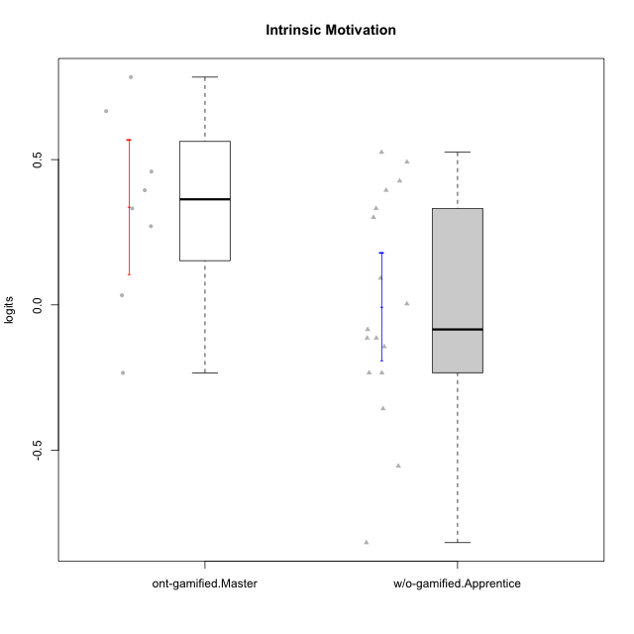

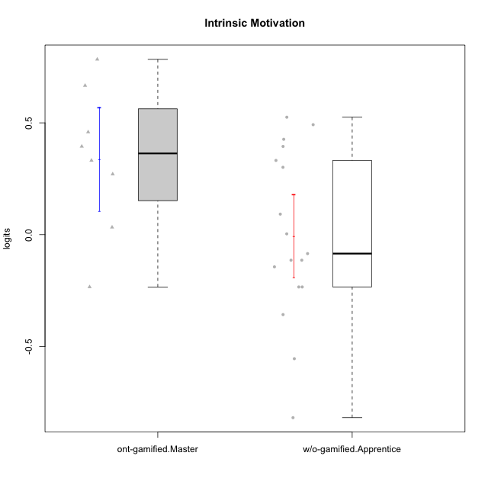

Student's t-Test data
UserID | NroUSP | Type | CLGroup | CLRole | PlayerRole | theta | error | WLE.rel
10170 | 10260351 | w/o-gamified | Grupo11 | Apprentice |  | 0.52525880708 | 0.18596468369 | 0.77387718346
10172 | 10273971 | w/o-gamified | Grupo5 | Apprentice |  | -0.11408636542 | 0.17341756088 | 0.77387718346
10175 | 10310700 | ont-gamified | Warriors | Master | Social Achiever | 0.66676834806 | 0.19536895019 | 0.77387718346
10176 | 10276949 | ont-gamified | Outlaws | Master | Social Achiever | -0.23377377059 | 0.175438052 | 0.77387718346
10181 | 10276866 | w/o-gamified | Grupo2 | Apprentice |  | -0.35718035583 | 0.17890908124 | 0.77387718346
10183 | 10352030 | w/o-gamified | Grupo3 | Apprentice |  | -0.23377377059 | 0.175438052 | 0.77387718346
10184 | 10276675 | w/o-gamified | Grupo10 | Apprentice |  | -0.084523616667 | 0.1731175292 | 0.77387718346
10185 | 10276960 | w/o-gamified | Grupo9 | Apprentice |  | 0.003730743962 | 0.17268900915 | 0.77387718346
10188 | 10276995 | ont-gamified | Vandals | Master | Yee Achiever | 0.45886934991 | 0.18254310089 | 0.77387718346
10190 | 10276907 | w/o-gamified | Grupo4 | Apprentice |  | -0.55442654781 | 0.18761914079 | 0.77387718346
10197 | 10276661 | w/o-gamified | Grupo8 | Apprentice |  | 0.091876446908 | 0.17296792146 | 0.77387718346
10199 | 10276737 | w/o-gamified | Grupo1 | Apprentice |  | -0.14376520033 | 0.17379773117 | 0.77387718346
10201 | 10276928 | w/o-gamified | Grupo11 | Apprentice |  | 0.33201676488 | 0.17756034217 | 0.77387718346
10206 | 10310721 | w/o-gamified | Grupo8 | Apprentice |  | 0.39460339477 | 0.17977554354 | 0.77387718346
10208 | 10276932 | ont-gamified | Mercenaries | Master | Social Achiever | 0.33201676488 | 0.17756034217 | 0.77387718346
10210 | 10277015 | w/o-gamified | Grupo6 | Apprentice |  | -0.81808391538 | 0.20636883608 | 0.77387718346
10213 | 10277040 | w/o-gamified | Grupo7 | Apprentice |  | -0.23377377059 | 0.175438052 | 0.77387718346
10215 | 9285227 | ont-gamified | Vikings | Master | Social Achiever | 0.39460339477 | 0.17977554354 | 0.77387718346
10216 | 10276720 | ont-gamified | Silly Knights | Master | Social Achiever | 0.78388158407 | 0.20559637139 | 0.77387718346
10217 | 9805341 | w/o-gamified | Grupo9 | Apprentice |  | 0.30123617694 | 0.17663532556 | 0.77387718346
10218 | 9842913 | w/o-gamified | Grupo10 | Apprentice |  | -0.11408636542 | 0.17341756088 | 0.77387718346
10220 | 9760151 | w/o-gamified | Grupo3 | Apprentice |  | 0.42650081117 | 0.18108462006 | 0.77387718346
10223 | 9795185 | ont-gamified | Slayers | Master | Social Achiever | 0.27074264751 | 0.17582153548 | 0.77387718346
10230 | 10351992 | ont-gamified | Resistance | Master | Social Achiever | 0.033090291157 | 0.17270259613 | 0.77387718346
10232 | 10276974 | w/o-gamified | Grupo7 | Apprentice |  | 0.49176710733 | 0.18416454437 | 0.77387718346

Type_CLRole_5
Student's t-Test for Intrinsic Motivation in Type:CLRole between ont-gamified.Master:w/o-gamified.Master

Student's t-Test results
Alternative hypothesis: less
Group | N | Mean | Mean.Difference | Std.deviation | Std.error | CI.lower | CI.upper | df | t.value | p.value | g | magnitude
ont-gamified.Master | 8 | 0.33827482622 | 0.38378196693 | 0.32714485201 | 0.11566317164 | 0.10694848294 | 0.56960116951 | 13.748179832 | 2.1817120442 | 0.97649646754 | 1.0313547845 | large
w/o-gamified.Master | 8 | -0.045507140706 | -0.38378196693 | 0.37486931323 | 0.13253631672 | -0.31057977415 | 0.21956549274 | 13.748179832 | 2.1817120442 | 0.97649646754 | 1.0313547845 | large
Alternative hypothesis: greater
Group | N | Mean | Mean.Difference | Std.deviation | Std.error | CI.lower | CI.upper | df | t.value | p.value | g | magnitude
ont-gamified.Master | 8 | 0.33827482622 | 0.38378196693 | 0.32714485201 | 0.11566317164 | 0.10694848294 | 0.56960116951 | 13.748179832 | 2.1817120442 | 0.023503532457 | 1.0313547845 | large
w/o-gamified.Master | 8 | -0.045507140706 | -0.38378196693 | 0.37486931323 | 0.13253631672 | -0.31057977415 | 0.21956549274 | 13.748179832 | 2.1817120442 | 0.023503532457 | 1.0313547845 | large
Alternative hypothesis: two.sided
Group | N | Mean | Mean.Difference | Std.deviation | Std.error | CI.lower | CI.upper | df | t.value | p.value | g | magnitude
ont-gamified.Master | 8 | 0.33827482622 | 0.38378196693 | 0.32714485201 | 0.11566317164 | 0.10694848294 | 0.56960116951 | 13.748179832 | 2.1817120442 | 0.047007064914 | 1.0313547845 | large
w/o-gamified.Master | 8 | -0.045507140706 | -0.38378196693 | 0.37486931323 | 0.13253631672 | -0.31057977415 | 0.21956549274 | 13.748179832 | 2.1817120442 | 0.047007064914 | 1.0313547845 | large

Box plots for Student's t-Test
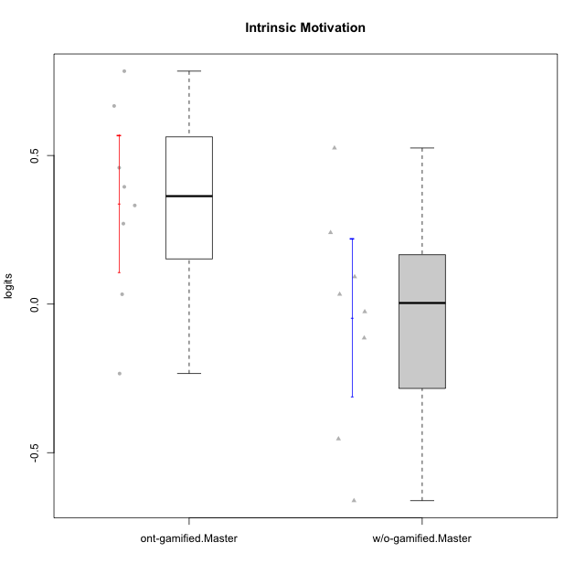

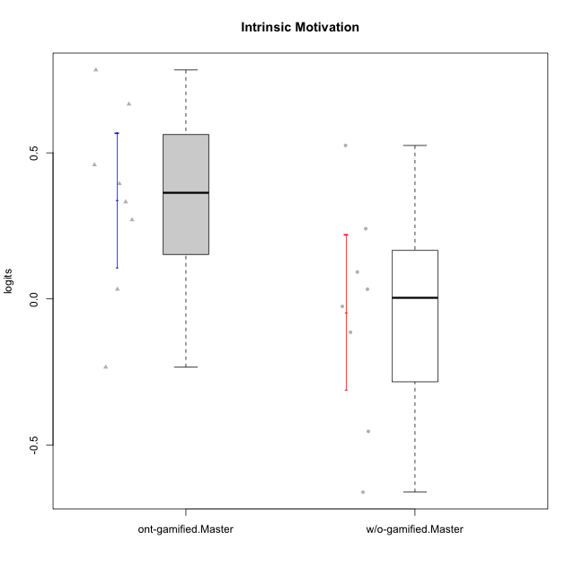

Student's t-Test data
UserID | NroUSP | Type | CLGroup | CLRole | PlayerRole | theta | error | WLE.rel
10174 | 10276852 | w/o-gamified | Grupo7 | Master |  | 0.033090291157 | 0.17270259613 | 0.77387718346
10175 | 10310700 | ont-gamified | Warriors | Master | Social Achiever | 0.66676834806 | 0.19536895019 | 0.77387718346
10176 | 10276949 | ont-gamified | Outlaws | Master | Social Achiever | -0.23377377059 | 0.175438052 | 0.77387718346
10179 | 10310759 | w/o-gamified | Grupo10 | Master |  | 0.24049890644 | 0.1751124382 | 0.77387718346
10188 | 10276995 | ont-gamified | Vandals | Master | Yee Achiever | 0.45886934991 | 0.18254310089 | 0.77387718346
10191 | 10276981 | w/o-gamified | Grupo1 | Master |  | -0.02564095257 | 0.17275371332 | 0.77387718346
10208 | 10276932 | ont-gamified | Mercenaries | Master | Social Achiever | 0.33201676488 | 0.17756034217 | 0.77387718346
10215 | 9285227 | ont-gamified | Vikings | Master | Social Achiever | 0.39460339477 | 0.17977554354 | 0.77387718346
10216 | 10276720 | ont-gamified | Silly Knights | Master | Social Achiever | 0.78388158407 | 0.20559637139 | 0.77387718346
10219 | 10276831 | w/o-gamified | Grupo3 | Master |  | -0.45351446737 | 0.18265246389 | 0.77387718346
10223 | 9795185 | ont-gamified | Slayers | Master | Social Achiever | 0.27074264751 | 0.17582153548 | 0.77387718346
10227 | 9274382 | w/o-gamified | Grupo5 | Master |  | 0.091876446908 | 0.17296792146 | 0.77387718346
10230 | 10351992 | ont-gamified | Resistance | Master | Social Achiever | 0.033090291157 | 0.17270259613 | 0.77387718346
10231 | 10276911 | w/o-gamified | Grupo9 | Master |  | 0.52525880708 | 0.18596468369 | 0.77387718346
10234 | 10310676 | w/o-gamified | Grupo4 | Master |  | -0.66153979188 | 0.19416390866 | 0.77387718346
10238 | 10276953 | w/o-gamified | Grupo2 | Master |  | -0.11408636542 | 0.17341756088 | 0.77387718346

Type_CLRole_6
Student's t-Test for Intrinsic Motivation in Type:CLRole between w/o-gamified.Apprentice:w/o-gamified.Master

Student's t-Test results
Alternative hypothesis: less
Group | N | Mean | Mean.Difference | Std.deviation | Std.error | CI.lower | CI.upper | df | t.value | p.value | g | magnitude
w/o-gamified.Apprentice | 17 | -0.0051005679411 | 0.040406572765 | 0.38174845294 | 0.092587599641 | -0.19027576722 | 0.18007463134 | 14.036808353 | 0.2499269123 | 0.5968677573 | 0.10291751821 | negligible
w/o-gamified.Master | 8 | -0.045507140706 | -0.040406572765 | 0.37486931323 | 0.13253631672 | -0.31057977415 | 0.21956549274 | 14.036808353 | 0.2499269123 | 0.5968677573 | 0.10291751821 | negligible
Alternative hypothesis: greater
Group | N | Mean | Mean.Difference | Std.deviation | Std.error | CI.lower | CI.upper | df | t.value | p.value | g | magnitude
w/o-gamified.Apprentice | 17 | -0.0051005679411 | 0.040406572765 | 0.38174845294 | 0.092587599641 | -0.19027576722 | 0.18007463134 | 14.036808353 | 0.2499269123 | 0.4031322427 | 0.10291751821 | negligible
w/o-gamified.Master | 8 | -0.045507140706 | -0.040406572765 | 0.37486931323 | 0.13253631672 | -0.31057977415 | 0.21956549274 | 14.036808353 | 0.2499269123 | 0.4031322427 | 0.10291751821 | negligible
Alternative hypothesis: two.sided
Group | N | Mean | Mean.Difference | Std.deviation | Std.error | CI.lower | CI.upper | df | t.value | p.value | g | magnitude
w/o-gamified.Apprentice | 17 | -0.0051005679411 | 0.040406572765 | 0.38174845294 | 0.092587599641 | -0.19027576722 | 0.18007463134 | 14.036808353 | 0.2499269123 | 0.80626448541 | 0.10291751821 | negligible
w/o-gamified.Master | 8 | -0.045507140706 | -0.040406572765 | 0.37486931323 | 0.13253631672 | -0.31057977415 | 0.21956549274 | 14.036808353 | 0.2499269123 | 0.80626448541 | 0.10291751821 | negligible

Box plots for Student's t-Test
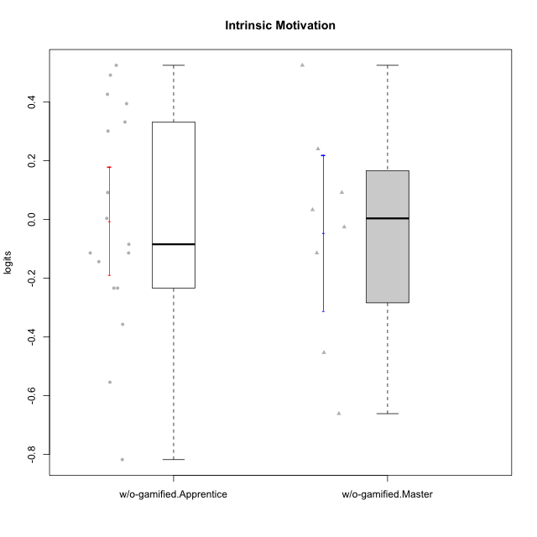

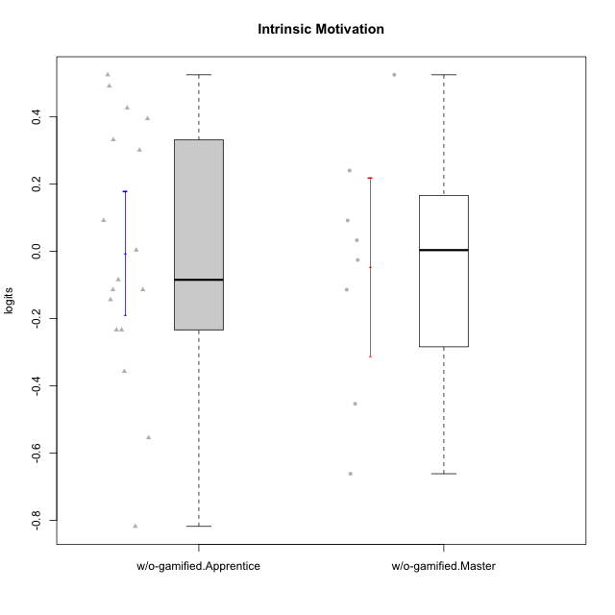

Student's t-Test data
UserID | NroUSP | Type | CLGroup | CLRole | PlayerRole | theta | error | WLE.rel
10170 | 10260351 | w/o-gamified | Grupo11 | Apprentice |  | 0.52525880708 | 0.18596468369 | 0.77387718346
10172 | 10273971 | w/o-gamified | Grupo5 | Apprentice |  | -0.11408636542 | 0.17341756088 | 0.77387718346
10174 | 10276852 | w/o-gamified | Grupo7 | Master |  | 0.033090291157 | 0.17270259613 | 0.77387718346
10179 | 10310759 | w/o-gamified | Grupo10 | Master |  | 0.24049890644 | 0.1751124382 | 0.77387718346
10181 | 10276866 | w/o-gamified | Grupo2 | Apprentice |  | -0.35718035583 | 0.17890908124 | 0.77387718346
10183 | 10352030 | w/o-gamified | Grupo3 | Apprentice |  | -0.23377377059 | 0.175438052 | 0.77387718346
10184 | 10276675 | w/o-gamified | Grupo10 | Apprentice |  | -0.084523616667 | 0.1731175292 | 0.77387718346
10185 | 10276960 | w/o-gamified | Grupo9 | Apprentice |  | 0.003730743962 | 0.17268900915 | 0.77387718346
10190 | 10276907 | w/o-gamified | Grupo4 | Apprentice |  | -0.55442654781 | 0.18761914079 | 0.77387718346
10191 | 10276981 | w/o-gamified | Grupo1 | Master |  | -0.02564095257 | 0.17275371332 | 0.77387718346
10197 | 10276661 | w/o-gamified | Grupo8 | Apprentice |  | 0.091876446908 | 0.17296792146 | 0.77387718346
10199 | 10276737 | w/o-gamified | Grupo1 | Apprentice |  | -0.14376520033 | 0.17379773117 | 0.77387718346
10201 | 10276928 | w/o-gamified | Grupo11 | Apprentice |  | 0.33201676488 | 0.17756034217 | 0.77387718346
10206 | 10310721 | w/o-gamified | Grupo8 | Apprentice |  | 0.39460339477 | 0.17977554354 | 0.77387718346
10210 | 10277015 | w/o-gamified | Grupo6 | Apprentice |  | -0.81808391538 | 0.20636883608 | 0.77387718346
10213 | 10277040 | w/o-gamified | Grupo7 | Apprentice |  | -0.23377377059 | 0.175438052 | 0.77387718346
10217 | 9805341 | w/o-gamified | Grupo9 | Apprentice |  | 0.30123617694 | 0.17663532556 | 0.77387718346
10218 | 9842913 | w/o-gamified | Grupo10 | Apprentice |  | -0.11408636542 | 0.17341756088 | 0.77387718346
10219 | 10276831 | w/o-gamified | Grupo3 | Master |  | -0.45351446737 | 0.18265246389 | 0.77387718346
10220 | 9760151 | w/o-gamified | Grupo3 | Apprentice |  | 0.42650081117 | 0.18108462006 | 0.77387718346
10227 | 9274382 | w/o-gamified | Grupo5 | Master |  | 0.091876446908 | 0.17296792146 | 0.77387718346
10231 | 10276911 | w/o-gamified | Grupo9 | Master |  | 0.52525880708 | 0.18596468369 | 0.77387718346
10232 | 10276974 | w/o-gamified | Grupo7 | Apprentice |  | 0.49176710733 | 0.18416454437 | 0.77387718346
10234 | 10310676 | w/o-gamified | Grupo4 | Master |  | -0.66153979188 | 0.19416390866 | 0.77387718346
10238 | 10276953 | w/o-gamified | Grupo2 | Master |  | -0.11408636542 | 0.17341756088 | 0.77387718346

