Global-info
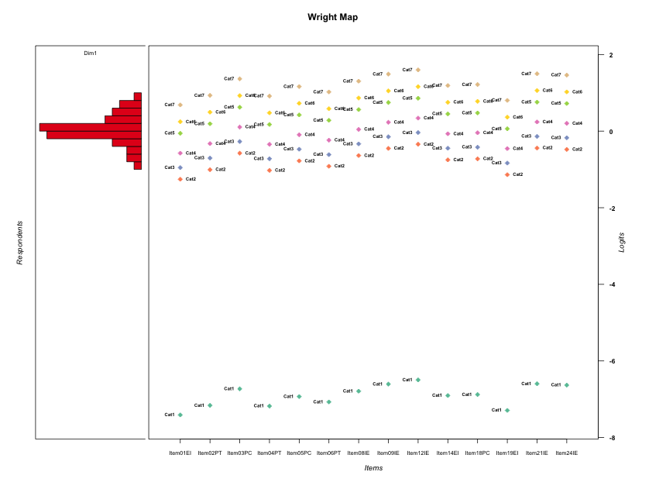
Global information for a measurement model

Information
Number.of.items | Deviance | Log.Likelihood | Number.of.persons | EAP.rel | n.theta.nodes | irt.model
14 | 2409.9706873 | -1204.9853436 | 49 | 0.80292782344 | 21 | RSM

Global fit statistic MADaQ3 and test fit
MADaQ3 | maxaQ3 | p
0.29285967433 | 0.74888904981 | 3.4489207947E-05

Test statistic of global fit based on Chi square
maxX2 | Npairs | p.holm
106.3974579 | 91 | 0.00036002408297

Model fit statistics
X100.MADCOV | SRMR | SRMSR
69.613538571 | 0.2433227248 | 0.29574867657

Chi square tests for every item pairs
index1 | index2 | maxK1 | maxK2 | df | chi2 | p | p.holm
1 | 2 | 7 | 7 | 49 | 48.762872729 | 0.48267410404 | 1
1 | 3 | 7 | 7 | 49 | 34.325003857 | 0.94452970451 | 1
1 | 4 | 7 | 7 | 49 | 51.381813308 | 0.38058342443 | 1
1 | 5 | 7 | 7 | 49 | 57.553623705 | 0.18812629826 | 1
1 | 6 | 7 | 7 | 49 | 54.479146957 | 0.27395293864 | 1
1 | 7 | 7 | 7 | 49 | 79.826001557 | 0.003534139146 | 0.26506043595
1 | 8 | 7 | 7 | 49 | 48.2203842 | 0.50465833027 | 1
1 | 9 | 7 | 7 | 49 | 52.220553554 | 0.34993073151 | 1
1 | 10 | 7 | 7 | 49 | 36.244930856 | 0.91182476156 | 1
1 | 11 | 7 | 7 | 49 | 38.017463862 | 0.8721070654 | 1
1 | 12 | 7 | 7 | 49 | 45.679431593 | 0.6085432679 | 1
1 | 13 | 7 | 7 | 49 | 41.808305355 | 0.75714134519 | 1
1 | 14 | 7 | 7 | 49 | 59.697605685 | 0.14075020416 | 1
2 | 3 | 7 | 7 | 49 | 41.64753906 | 0.76275884525 | 1
2 | 4 | 7 | 7 | 49 | 97.839124774 | 4.2425278728E-05 | 0.0036909992493
2 | 5 | 7 | 7 | 49 | 65.111523795 | 0.061438821259 | 1
2 | 6 | 7 | 7 | 49 | 78.573928856 | 0.0046435817909 | 0.33433788895
2 | 7 | 7 | 7 | 49 | 61.068433871 | 0.1155676177 | 1
2 | 8 | 7 | 7 | 49 | 63.181190168 | 0.083837083821 | 1
2 | 9 | 7 | 7 | 49 | 66.714125999 | 0.046885503396 | 1
2 | 10 | 7 | 7 | 49 | 52.294564006 | 0.34728443286 | 1
2 | 11 | 7 | 7 | 49 | 57.964118486 | 0.17827259868 | 1
2 | 12 | 7 | 7 | 49 | 50.448027322 | 0.41601407435 | 1
2 | 13 | 7 | 7 | 49 | 72.755610637 | 0.015407299937 | 1
2 | 14 | 7 | 7 | 49 | 84.829180147 | 0.0011308923707 | 0.091602282031
3 | 4 | 7 | 7 | 49 | 62.540545176 | 0.092606951599 | 1
3 | 5 | 7 | 7 | 49 | 81.835781133 | 0.0022566124461 | 0.1760157708
3 | 6 | 7 | 7 | 49 | 54.994751805 | 0.25809135861 | 1
3 | 7 | 7 | 7 | 49 | 52.820580272 | 0.32876639061 | 1
3 | 8 | 7 | 7 | 49 | 50.93809646 | 0.39726058862 | 1
3 | 9 | 7 | 7 | 49 | 39.265765383 | 0.83857107521 | 1
3 | 10 | 7 | 7 | 49 | 65.91719649 | 0.05370487897 | 1
3 | 11 | 7 | 7 | 49 | 50.803275664 | 0.40238613979 | 1
3 | 12 | 7 | 7 | 49 | 33.459117336 | 0.95600733794 | 1
3 | 13 | 7 | 7 | 49 | 48.72018121 | 0.48439720059 | 1
3 | 14 | 7 | 7 | 49 | 62.951829363 | 0.08689558747 | 1
4 | 5 | 7 | 7 | 49 | 93.742872023 | 0.0001248206071 | 0.010609751604
4 | 6 | 7 | 7 | 49 | 96.113389544 | 6.7162350272E-05 | 0.0057759621234
4 | 7 | 7 | 7 | 49 | 68.049856259 | 0.037120255573 | 1
4 | 8 | 7 | 7 | 49 | 79.742286016 | 0.003599809742 | 0.26638592091
4 | 9 | 7 | 7 | 49 | 87.661135426 | 0.00057447295483 | 0.047106782296
4 | 10 | 7 | 7 | 49 | 106.3974579 | 3.9563086041E-06 | 0.00036002408297
4 | 11 | 7 | 7 | 49 | 69.954110639 | 0.026277241354 | 1
4 | 12 | 7 | 7 | 49 | 79.709946005 | 0.0036254826985 | 0.26638592091
4 | 13 | 7 | 7 | 49 | 89.952334282 | 0.00032684757808 | 0.02712834898
4 | 14 | 7 | 7 | 49 | 106.26713973 | 4.10638834E-06 | 0.0003695749506
5 | 6 | 7 | 7 | 49 | 80.591832207 | 0.0029832517605 | 0.2267271338
5 | 7 | 7 | 7 | 49 | 61.5264734 | 0.10798739524 | 1
5 | 8 | 7 | 7 | 49 | 36.493444489 | 0.90681805727 | 1
5 | 9 | 7 | 7 | 49 | 57.936827484 | 0.17891602701 | 1
5 | 10 | 7 | 7 | 49 | 82.023387082 | 0.0021626888636 | 0.17085242022
5 | 11 | 7 | 7 | 49 | 67.044844934 | 0.044281706095 | 1
5 | 12 | 7 | 7 | 49 | 54.912121543 | 0.2605943402 | 1
5 | 13 | 7 | 7 | 49 | 42.971814713 | 0.71489695618 | 1
5 | 14 | 7 | 7 | 49 | 51.072494161 | 0.39217763855 | 1
6 | 7 | 7 | 7 | 49 | 43.925262797 | 0.67848592916 | 1
6 | 8 | 7 | 7 | 49 | 62.691017266 | 0.090483159704 | 1
6 | 9 | 7 | 7 | 49 | 59.67935672 | 0.14111153374 | 1
6 | 10 | 7 | 7 | 49 | 103.96843364 | 7.8763782333E-06 | 0.00070099766276
6 | 11 | 7 | 7 | 49 | 67.746506148 | 0.039167480437 | 1
6 | 12 | 7 | 7 | 49 | 82.646163561 | 0.0018766031472 | 0.15012825177
6 | 13 | 7 | 7 | 49 | 64.29189378 | 0.070247818469 | 1
6 | 14 | 7 | 7 | 49 | 81.483199045 | 0.0024435962951 | 0.18815691472
7 | 8 | 7 | 7 | 49 | 68.105365298 | 0.03675589831 | 1
7 | 9 | 7 | 7 | 49 | 45.739545189 | 0.60610063043 | 1
7 | 10 | 7 | 7 | 49 | 48.225486261 | 0.50445076452 | 1
7 | 11 | 7 | 7 | 49 | 47.177794504 | 0.54727697208 | 1
7 | 12 | 7 | 7 | 49 | 49.406893664 | 0.45685849023 | 1
7 | 13 | 7 | 7 | 49 | 53.411262896 | 0.30860342095 | 1
7 | 14 | 7 | 7 | 49 | 75.986302137 | 0.0080313688411 | 0.55416445003
8 | 9 | 7 | 7 | 49 | 44.101867624 | 0.67159491936 | 1
8 | 10 | 7 | 7 | 49 | 42.518912315 | 0.73165591433 | 1
8 | 11 | 7 | 7 | 49 | 42.942541387 | 0.71599143166 | 1
8 | 12 | 7 | 7 | 49 | 50.710788881 | 0.40591729657 | 1
8 | 13 | 7 | 7 | 49 | 66.100972829 | 0.052061557991 | 1
8 | 14 | 7 | 7 | 49 | 90.406475058 | 0.00029180189095 | 0.02451135884
9 | 10 | 7 | 7 | 49 | 51.980532179 | 0.35857989169 | 1
9 | 11 | 7 | 7 | 49 | 46.649708258 | 0.5689260775 | 1
9 | 12 | 7 | 7 | 49 | 56.895706476 | 0.20470814364 | 1
9 | 13 | 7 | 7 | 49 | 43.764571892 | 0.68471915282 | 1
9 | 14 | 7 | 7 | 49 | 38.574375015 | 0.857704965 | 1
10 | 11 | 7 | 7 | 49 | 76.252755425 | 0.0075987532149 | 0.53191272504
10 | 12 | 7 | 7 | 49 | 39.532872383 | 0.83081510792 | 1
10 | 13 | 7 | 7 | 49 | 31.970454514 | 0.97152448137 | 1
10 | 14 | 7 | 7 | 49 | 76.659578443 | 0.0069794832839 | 0.49554331316
11 | 12 | 7 | 7 | 49 | 45.673633299 | 0.60877876335 | 1
11 | 13 | 7 | 7 | 49 | 44.606873598 | 0.65167676788 | 1
11 | 14 | 7 | 7 | 49 | 54.326572723 | 0.27875675496 | 1
12 | 13 | 7 | 7 | 49 | 61.646778191 | 0.10606307833 | 1
12 | 14 | 7 | 7 | 49 | 54.120707924 | 0.28531709093 | 1
13 | 14 | 7 | 7 | 49 | 100.41973727 | 2.1083269921E-05 | 0.0018553277531

Item residuals
Item01EI | Item02PT | Item03PC | Item04PT | Item05PC | Item06PT | Item08IE | Item09IE | Item12IE | Item14EI | Item18PC | Item19EI | Item21IE | Item24IE
-2.4006335697 | -3.8524383716 | 0.18647490998 | -3.8947819669 | 1.6987262504 | -2.6405438667 | 3.0380245359 | 3.4831241911 | 3.737775926 | 0.76234575538 | 1.8259644995 | -2.1483518191 | 3.504342609 | 3.4194727055
-1.2160891134 | 1.1300716712 | -0.015026189778 | 1.1009067725 | 0.55012467745 | 1.2825764493 | 0.84651424712 | -0.72305638437 | -1.4566337384 | -1.3964752554 | 1.65793641 | -1.0649890521 | -0.70141063487 | -0.78738501158
-2.2652203129 | -0.68562894072 | -0.61932760314 | -2.7300004753 | -2.1145713049 | -1.4646444576 | 3.2309187785 | 1.6774760194 | 0.92972875766 | -0.049443029071 | -0.98447745258 | -1.9971382643 | 1.6985832683 | 1.6140610243
-2.2750801911 | -0.69588587035 | 0.37119939512 | -1.7402505179 | -0.12462876955 | -2.4748860084 | 2.2212288342 | 0.66853742292 | -0.078645922977 | -0.059445307059 | 1.0055818267 | 0.9927302488 | 0.68968799119 | 2.6049965294
0.73546091114 | 1.0695700376 | -0.086636425792 | 1.0411930857 | 1.4817509625 | 1.218518406 | -1.2244726534 | -0.79500498012 | -0.52793330438 | -1.4654675136 | 1.5883854474 | 0.88053158416 | -0.77333812457 | -0.85936093256
-1.1791052529 | -0.59834550863 | 0.45772734457 | -2.6426058346 | -0.031035964342 | -2.3783197375 | 0.31024806712 | 0.74919933743 | -0.0039469076759 | 0.033409412434 | -0.90235695122 | -1.9097208176 | 0.76988536125 | 0.6870162155
0.65213841289 | 2.2134072494 | -2.7357732943 | 2.1702108785 | -2.2269443619 | 1.4291447342 | -0.88486992936 | -0.43882174281 | 2.8150677965 | 1.8373363635 | -1.0984491865 | 1.9109676883 | 0.58236898189 | 0.49757070972
-3.6414776345 | -0.053501433369 | -0.061400794838 | 2.9029383311 | 3.490340391 | -0.83948892937 | -1.1946682215 | 0.19676267114 | -0.59010614885 | -2.4494844593 | -0.38982699683 | -0.36399844929 | 0.2148174822 | -0.8577252318
-1.1791052529 | -0.59834550863 | 0.45772734457 | -0.64260583456 | -0.031035964342 | -1.3783197375 | -0.68975193288 | -0.25080066257 | -0.0039469076759 | -1.9665905876 | 1.0976430488 | 0.090279182445 | -0.23011463875 | -1.3129837845
-1.2694012081 | -0.68987736298 | 0.3769046815 | 0.26574650825 | -1.1186471808 | -0.46885020719 | 0.22704242695 | 0.67396403491 | 0.92647666848 | -1.053486694 | 0.011513505406 | -1.0013874164 | -0.30490846716 | 0.61048985371
-1.2741658611 | -0.69483364632 | 1.3723275728 | -0.73920646484 | -2.1235068666 | -1.4737989731 | 2.2223604441 | 0.66964523943 | 1.922430427 | -0.058319690664 | -1.9932897243 | -0.0062832092181 | -0.30920632465 | 2.6061102058
1.7185749097 | -1.7037126941 | 0.3620733529 | -0.74798151371 | -0.13339714545 | -0.48314263369 | 2.2121656444 | 0.65940102055 | -2.08767215 | 2.9317146761 | -0.0033222123367 | 1.9856399745 | -0.31944340422 | -0.40415033079
-0.11194978529 | 1.2600150377 | 0.13842690377 | 1.2291668373 | 1.6968167063 | 1.4201059257 | -1.0013102789 | -1.5690021964 | -0.30407986653 | -1.2484774727 | 1.8071106788 | -0.94792705942 | -1.5474107723 | -1.6332450948
1.7249198089 | 2.3041141297 | -0.62880060488 | 2.2597494821 | -1.1246287696 | 1.5251139916 | 0.22122883416 | -1.3314625771 | -2.078645923 | 0.94055469294 | 0.0055818266877 | -0.0072697512018 | -1.3103120088 | -1.3950034706
1.1250737848 | -0.27667587635 | -1.3758059725 | -2.3192368822 | -1.7663061605 | -1.0712420212 | 0.51119171202 | 0.83486360577 | -8.7805084254E-05 | 1.2877793559 | 0.34091101883 | -0.58591294339 | 1.8491667088 | 1.7913479703
0.72681728634 | 2.3062316967 | -0.62662259259 | 2.2618550165 | -1.1224242447 | 2.5272801113 | -0.77657512267 | -0.32934590598 | -2.0766081686 | -0.057238849108 | 0.0077885794611 | -1.0052531572 | -1.3082009951 | -1.3928708372
1.7127392311 | -0.71098612664 | 1.3534950185 | -0.75516123758 | 1.8583982129 | -0.49083817774 | 0.20365746012 | 0.6507915618 | 0.90380431893 | 2.9234376109 | -0.01166447912 | -2.0209160418 | 1.671950348 | -2.4127651068
1.7127392311 | 2.2890138734 | 3.3534950185 | 2.2448387624 | 2.8583982129 | 1.5091618223 | -2.7963425399 | -1.3492084382 | -2.0961956811 | -3.0765623891 | 2.9883355209 | 0.97908395823 | -2.328049652 | -1.4127651068
-0.2781494554 | 0.30035982404 | 2.3668634077 | 0.25603916067 | 0.87118922096 | -1.4788368166 | 1.2169179978 | -0.33579438463 | 0.91708212221 | -0.063659191725 | 2.001339661 | -0.010684776537 | -1.3146408009 | -1.3993421677
0.71273923114 | -0.71098612664 | 3.3534950185 | -0.75516123758 | -0.14160178708 | -0.49083817774 | 0.20365746012 | 2.6507915618 | 1.9038043189 | 1.9234376109 | -2.0116644791 | -0.020916041772 | -0.328049652 | -1.4127651068
-1.2577247611 | -0.678026526 | 1.387392111 | 1.2776112341 | -1.1072906211 | 0.54287636207 | 0.23783560104 | -0.31626684513 | -2.0644829759 | -0.04222133421 | -0.97731903004 | -0.9895269476 | -0.29519616385 | -0.37957491385
1.5172838216 | -1.9548567215 | 1.0655363569 | -1.9958738372 | -0.41688857106 | -0.74893993163 | 0.91809131441 | 0.36171526233 | -0.38244762483 | 1.6457023931 | 1.708394501 | 1.7593810761 | 1.3829767407 | 1.2979954781
-0.59825651828 | -0.099022221268 | -1.1046989304 | 0.86182785684 | 0.42037011431 | -0.90151985679 | 1.7492712077 | 1.190817753 | 2.4483233311 | 0.48151326027 | -0.45709900703 | -0.37049523215 | 2.212139836 | -0.87299814578
0.7185749097 | 0.2962873059 | 1.3620733529 | 0.25201848629 | 1.8666028546 | 0.51685736631 | -0.7878343556 | -0.34059897945 | -0.087672149991 | 0.93171467606 | -1.0033222123 | 0.9856399745 | -0.31944340422 | -0.40415033079
0.74722819255 | 0.084289642882 | -1.069125994 | -2.9442812912 | 1.4984259 | 1.234116458 | -2.2071293303 | 0.22261951869 | 0.48956016664 | 1.5513636557 | 1.6053584791 | 0.89377260793 | -0.75571648769 | -0.84173661923
0.38276973585 | -2.0454154075 | -1.2118961106 | -2.0856067222 | -1.5692142446 | -1.8524648946 | -1.3146743946 | -1.021654633 | -0.87388505491 | 1.4806363236 | -1.4705054283 | 3.6608613154 | -1.0088039603 | -1.0608030989
0.11296896067 | -0.45934125069 | 0.46982368566 | 0.50617562141 | 1.0136232342 | -0.28286961191 | -0.67266900254 | -0.23631505077 | -0.97463965089 | 0.071147722436 | 1.1292753099 | 0.30489956977 | 0.78515848322 | -0.30037110914
0.40174348172 | 0.90097777873 | -0.10469893044 | 0.86182785684 | 1.4203701143 | 1.0984801432 | -0.2507287923 | 0.19081775296 | -0.55167666887 | 0.48151326027 | -0.45709900703 | 0.62950476785 | 0.212139836 | 0.12700185422
1.0000341227 | 1.5831989506 | -2.3820431802 | 2.5391718576 | -2.8573105671 | 2.801221271 | -1.5247871065 | -1.1016695538 | -0.86605217297 | -0.79428799846 | -2.7315791143 | 0.27211600678 | -1.0818602496 | -1.1612886318
3.1801997252 | -2.2217578156 | -1.3286105711 | -2.2641825433 | -1.7145210837 | -2.0172449469 | -1.4400474801 | -1.1214978089 | -0.95994235579 | 4.339057204 | -1.6083463024 | 3.4695737041 | -1.1074705635 | -1.1642028884
1.8208947471 | 2.4016544914 | -2.5422726554 | -3.6426058346 | -3.0310359643 | -3.3783197375 | 0.31024806712 | -0.25080066257 | -2.0039469077 | 3.0334094124 | -2.9023569512 | 2.0902791824 | 0.76988536125 | 0.6870162155
1.7795121486 | -1.6402845358 | -1.5792889822 | 2.3154013219 | 1.9288305446 | -0.41979625119 | -1.7278620251 | -2.2852534207 | -2.035804147 | 2.9936045282 | -2.9418096763 | 2.0482730633 | -2.2643648833 | -2.3480288089
1.1129689607 | 1.5406587493 | -1.5301763143 | 1.5061756214 | 2.0136232342 | 1.7171303881 | 0.32733099746 | 0.76368494923 | -0.97463965089 | -2.9288522776 | -0.87072469005 | -1.6951004302 | -0.21484151678 | 0.69962889086
0.73000387219 | 1.0624947799 | -0.095920592136 | 1.0342335011 | 0.47334126513 | 1.2108910799 | -1.2335244627 | 0.19534374442 | 2.4622140263 | -1.4740088162 | 1.5797175877 | -0.12570108274 | -0.78301038344 | 0.1310551001
-0.48271617842 | 2.0451432785 | 0.06553635686 | 2.0041261628 | -1.4168885711 | 2.2510600684 | 0.91809131441 | 1.3617152623 | 0.61755237517 | -1.3542976069 | -0.29160549901 | -1.2406189239 | 1.3829767407 | 0.29799547807
-1.2652203129 | -0.68562894072 | 0.38067239686 | -1.7300004753 | -1.1145713049 | -0.46464445758 | 0.23091877854 | 0.67747601941 | 0.92972875766 | -0.049443029071 | -0.98447745258 | -0.99713826434 | 0.69858326826 | 0.61406102429
-1.0801600447 | 3.5153478733 | -1.5593461809 | 3.4725187695 | -1.9653143074 | 3.7230812257 | -1.67777516 | -0.33595950599 | 1.8419628635 | -1.9095977628 | 1.1452816757 | -2.7942307398 | -1.3206518801 | -0.38241300835
0.98446552749 | 1.3803180448 | 2.2804869042 | 1.3479116469 | 1.8326219106 | 1.547430954 | -0.86043161061 | -3.4263887814 | -3.1628580726 | -1.1114639454 | -1.054787167 | 1.1604515336 | -0.4048478732 | -0.49055164701
0.73477968706 | -0.68562894072 | 0.38067239686 | 1.2699995247 | -0.11457130486 | -2.4646444576 | -0.76908122146 | -0.32252398059 | -1.0702712423 | 0.95055697093 | -0.98447745258 | 0.0028617356639 | -0.30141673174 | -0.38593897571
-1.4006335697 | -0.85243837163 | 0.18647490998 | -0.89478196694 | -0.30127374961 | 1.3594561333 | 2.0380245359 | 1.4831241911 | 1.737775926 | 0.76234575538 | 0.82596449954 | -1.1483518191 | 1.504342609 | 1.4194727055
-1.2577247611 | -0.678026526 | -0.61260788895 | -1.7223887659 | -1.1072906211 | -1.4571236379 | 0.23783560104 | 0.68373315487 | 0.93551702407 | 0.95777866579 | 0.022680969962 | -1.9895269476 | 0.70480383615 | 0.62042508615
-2.2781494554 | -1.699640176 | 0.36686340766 | -0.74396083933 | -0.12881077904 | 0.5211631834 | 2.2169179978 | 0.66420561537 | 1.9170821222 | -0.063659191725 | 1.001339661 | -0.010684776537 | -0.31464080093 | 1.6006578323
0.72583413894 | 1.3051663537 | 2.3723275728 | 0.26079353516 | 1.8764931334 | 1.5262010269 | -1.7776395559 | -2.3303547606 | -2.077569573 | -3.0583196907 | 3.0067102757 | 1.9937167908 | -2.3092063246 | -1.3938897942
-0.27508019111 | -1.6958858703 | -0.62880060488 | -0.74025051788 | -0.12462876955 | -2.4748860084 | 1.2212288342 | 0.66853742292 | 0.92135407702 | -1.0594453071 | 1.0055818267 | 0.9927302488 | 1.6896879912 | 1.6049965294
-1.2160891134 | 1.1300716712 | 1.9849738102 | 1.1009067725 | 1.5501246775 | 1.2825764493 | -1.1534857529 | -0.72305638437 | 1.5433662616 | -4.3964752554 | 0.65793640996 | -2.0649890521 | -0.70141063487 | 0.21261498842
0.82365290789 | 0.17966200789 | 0.043539266308 | 0.14985463005 | -0.39389178034 | 0.335062339 | -0.095408417337 | -0.66426041889 | -0.39840939647 | -0.33999319632 | -1.28513234 | 0.97968489057 | -0.64263532188 | 0.27144343094
-1.8335179205 | 0.76521498504 | -0.33893219018 | 2.722712885 | -0.72627896047 | 2.970162168 | -0.45083153859 | -0.13083899444 | -0.96839047816 | -1.6725277013 | -0.61975359483 | -1.5439174524 | -0.11673901813 | -0.17376027515
0.72681728634 | -2.6937683033 | -1.6266225926 | -1.7381449835 | 0.87757575529 | -0.47271988874 | -0.77657512267 | -0.32934590598 | 0.9233918314 | -0.057238849108 | 1.0077885795 | -1.0052531572 | 1.6917990049 | 2.6071291628
1.7347796871 | -1.6856289407 | -2.6193276031 | -1.7300004753 | -1.1145713049 | -1.4646444576 | 0.23091877854 | 0.67747601941 | -0.070271242344 | 0.95055697093 | -0.98447745258 | 1.0028617357 | 0.69858326826 | 0.61406102429

Wright Map for Item Response Models

Estimate-Items
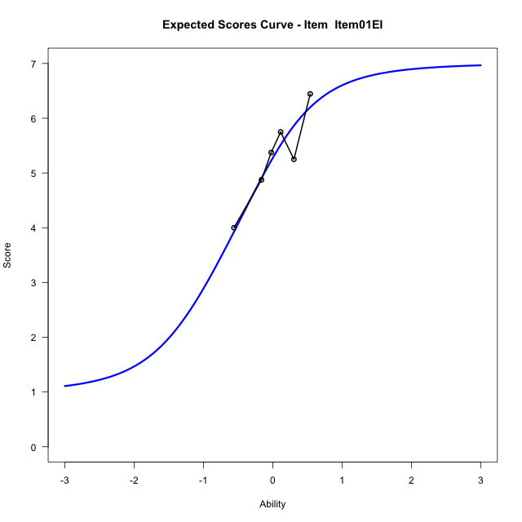
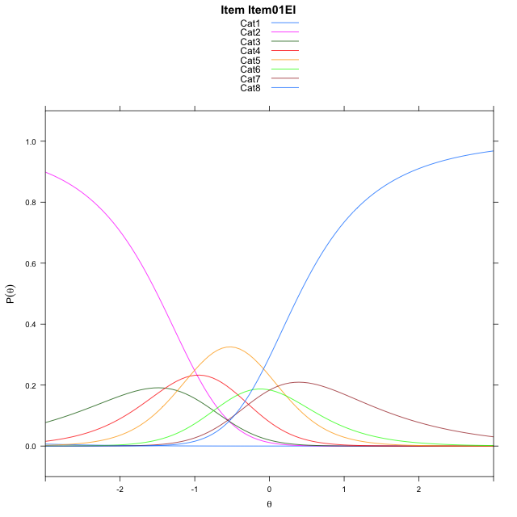
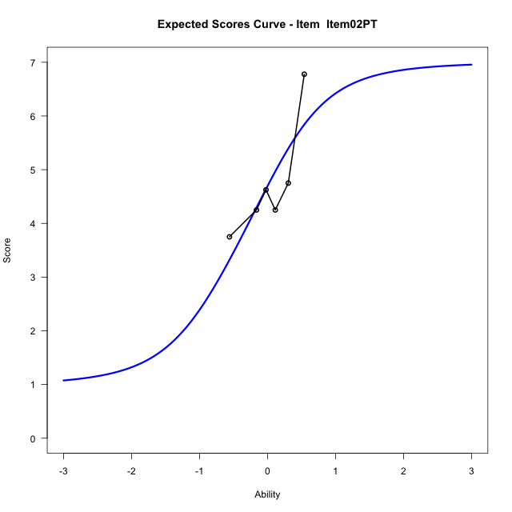
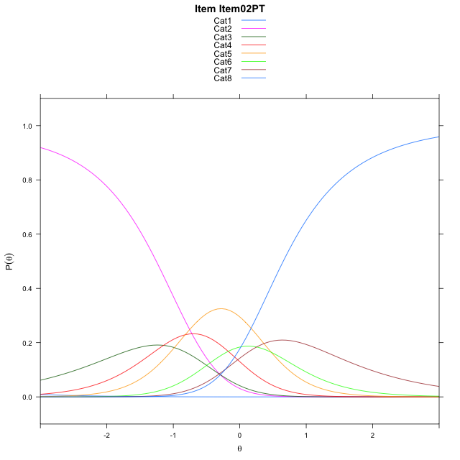
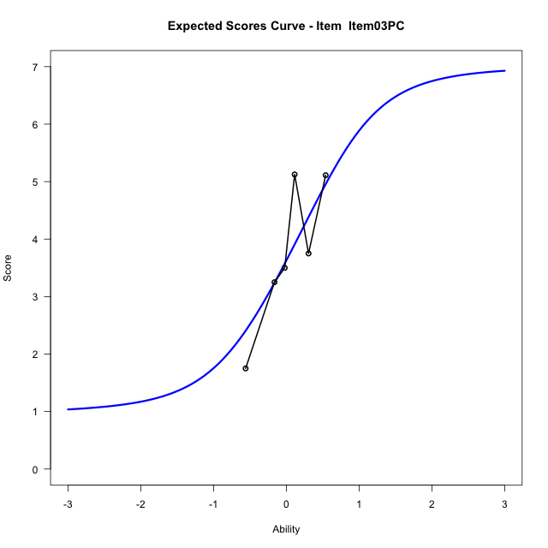
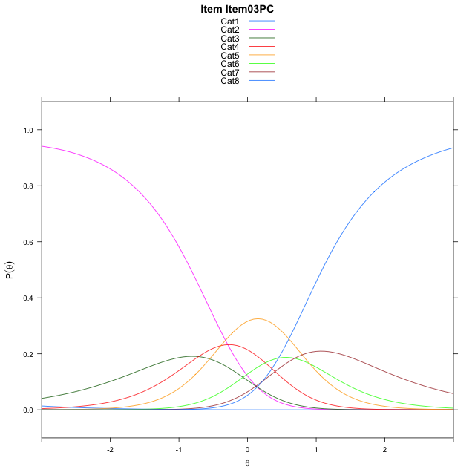
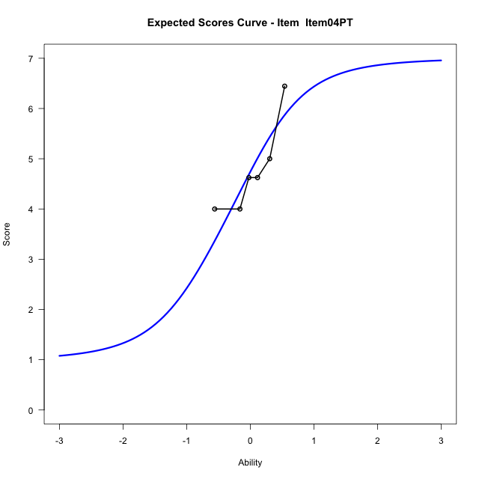
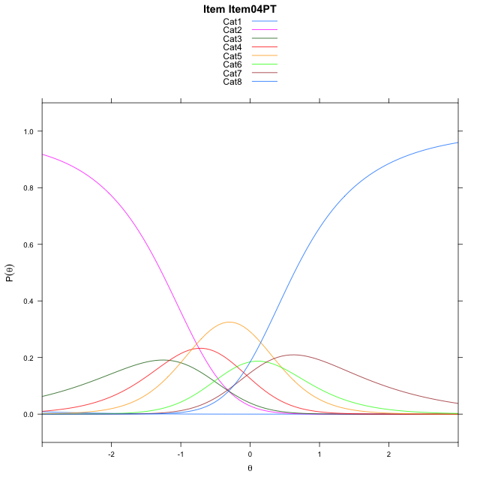
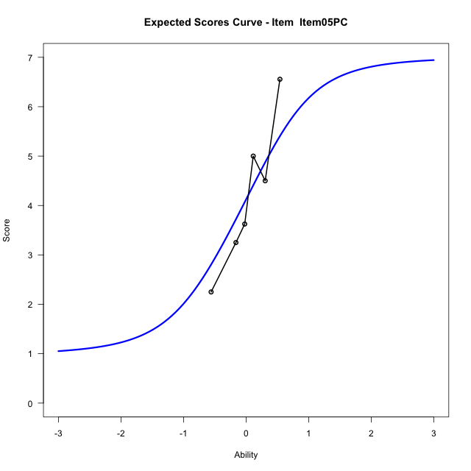
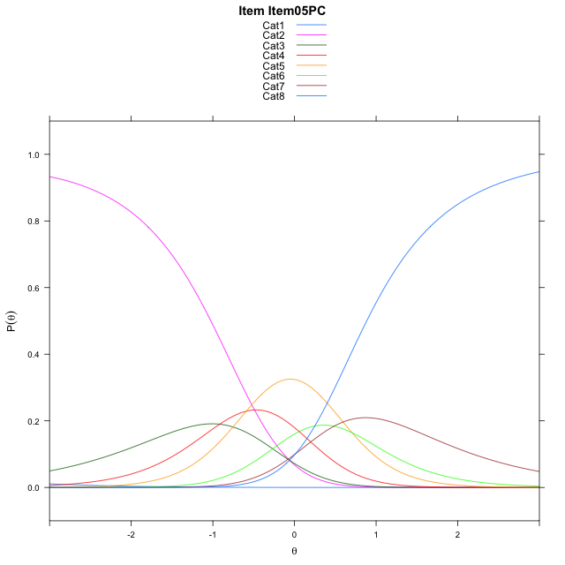
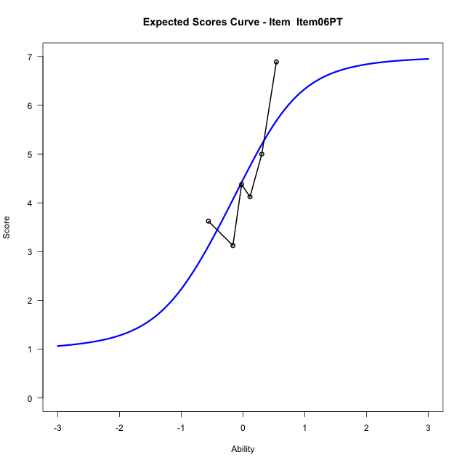
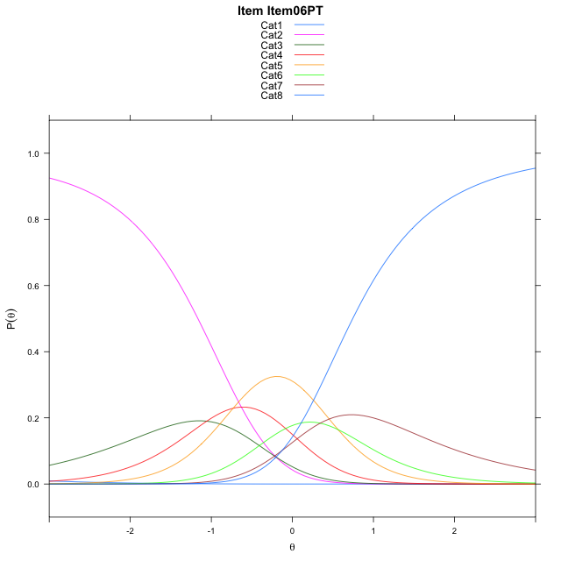
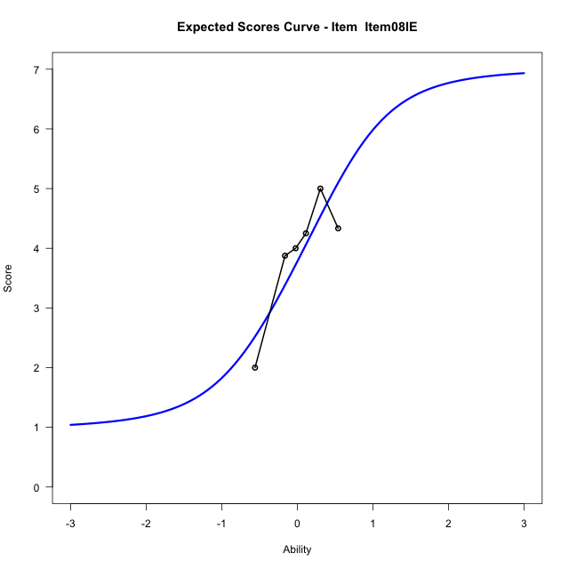
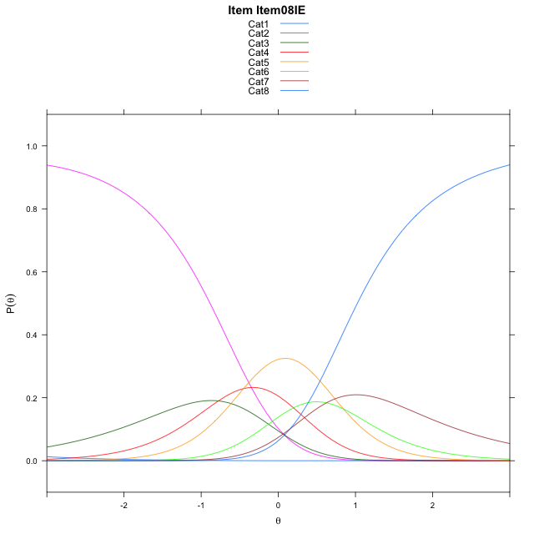
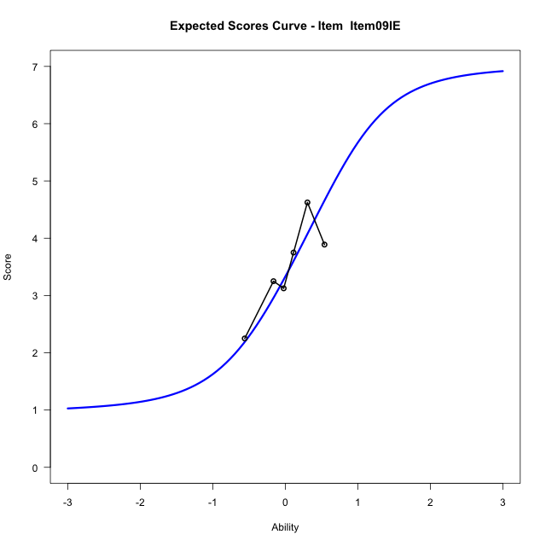
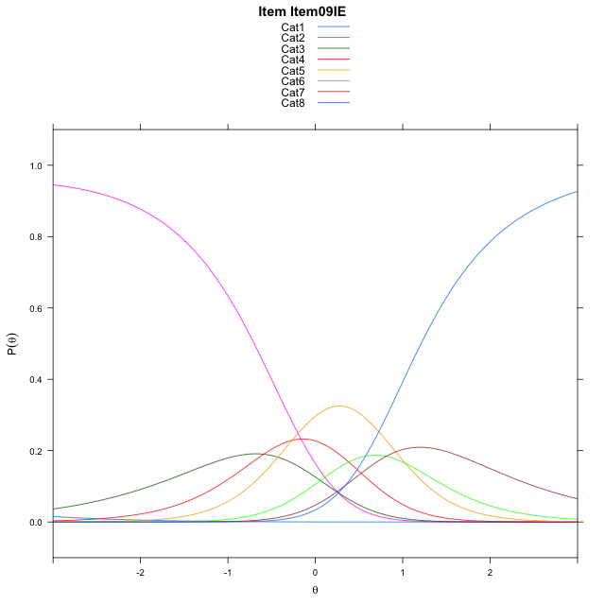
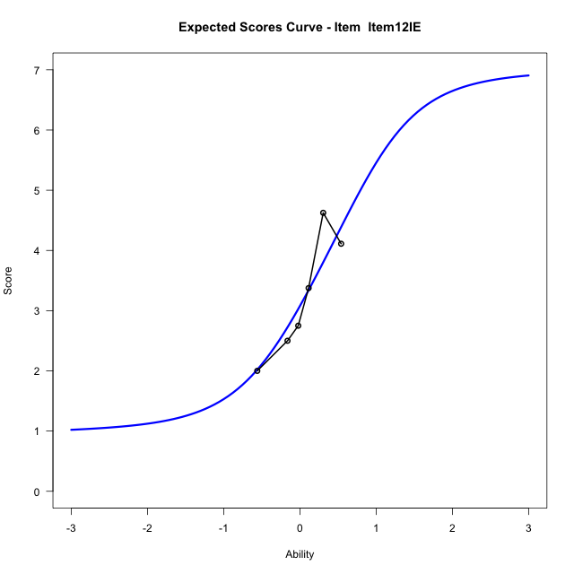
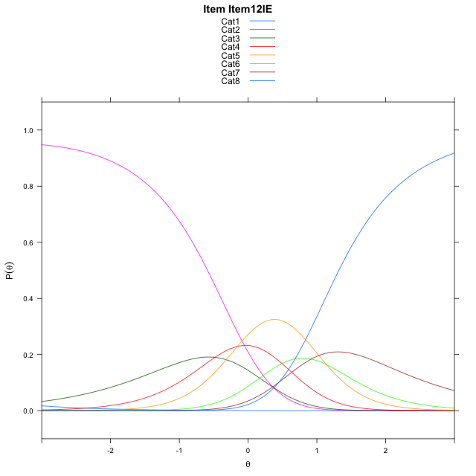
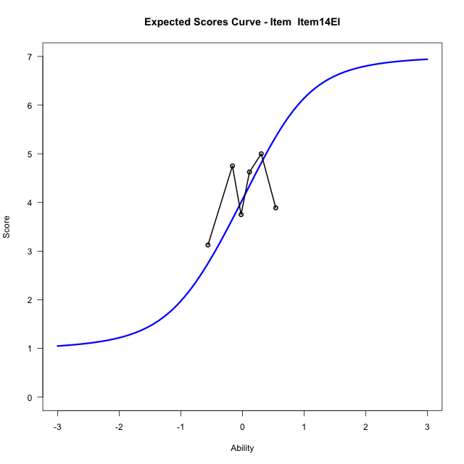
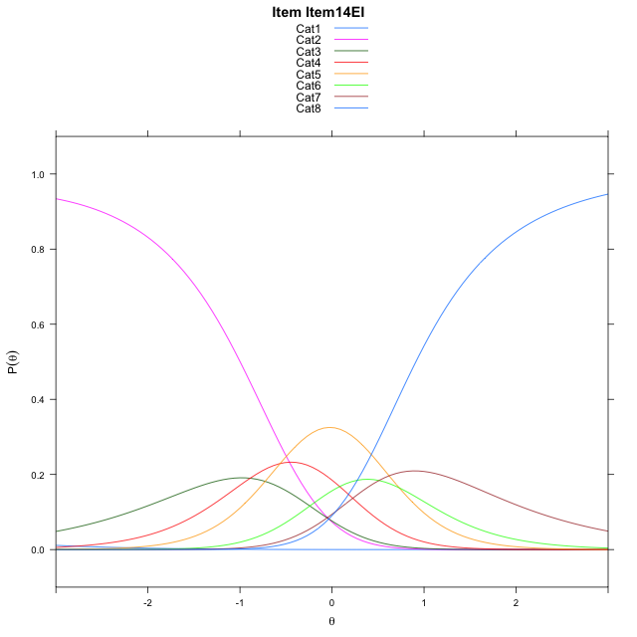
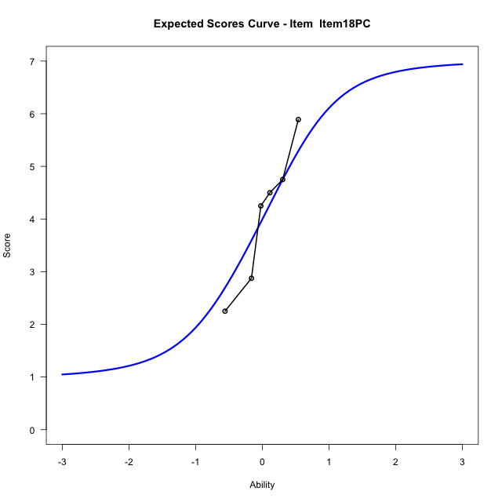
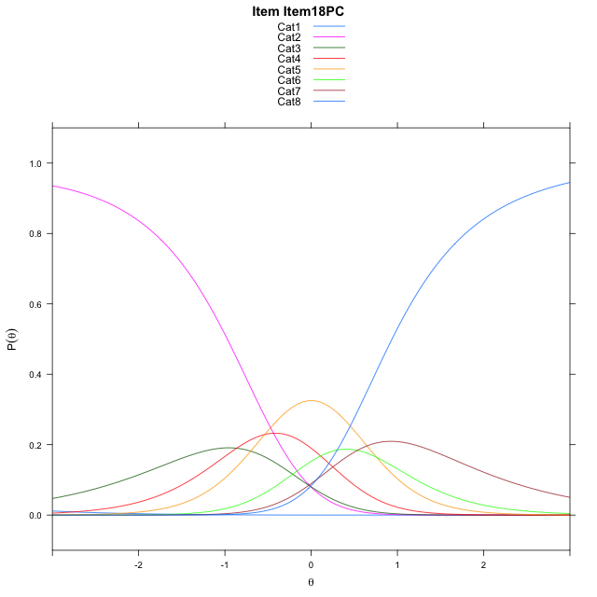
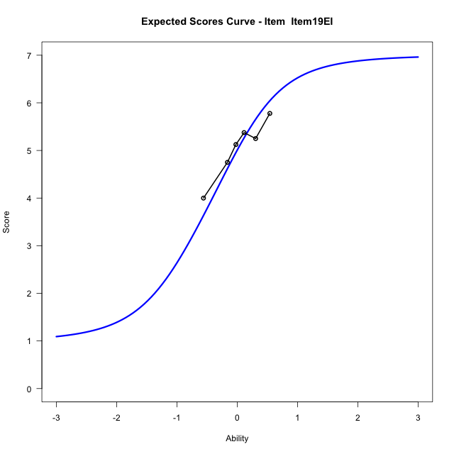
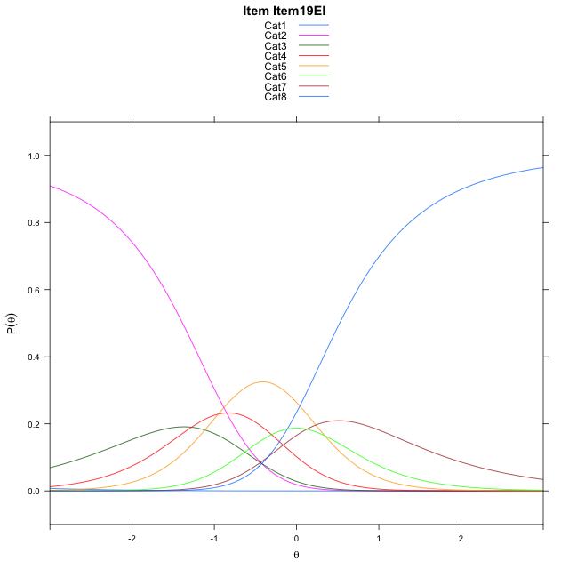
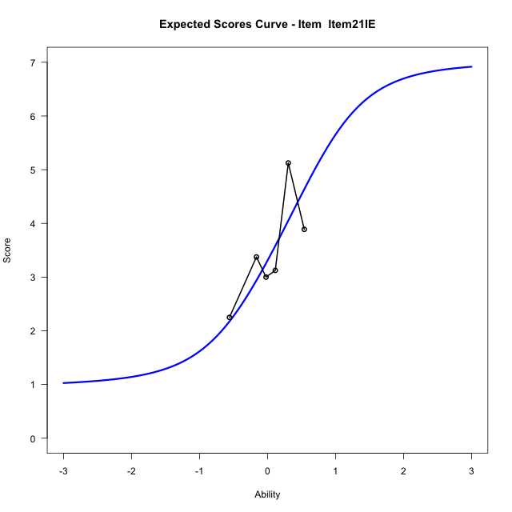
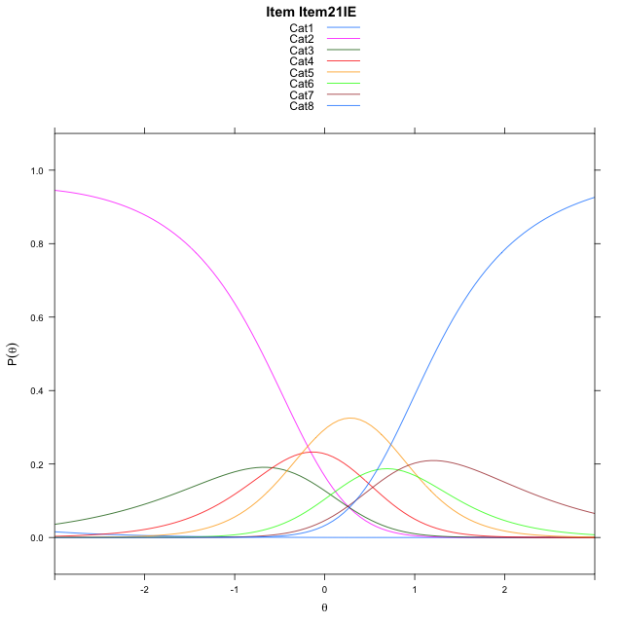

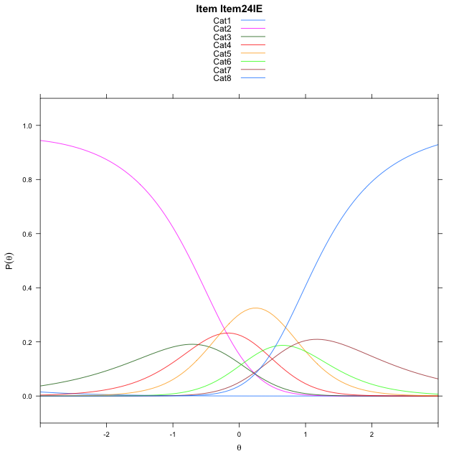
Estimate items information for the measurement model

Full Item Information
item | N | M | xsi.item | AXsi_.Cat1 | AXsi_.Cat2 | AXsi_.Cat3 | AXsi_.Cat4 | AXsi_.Cat5 | AXsi_.Cat6 | AXsi_.Cat7 | B.Cat1.Dim1 | B.Cat2.Dim1 | B.Cat3.Dim1 | B.Cat4.Dim1 | B.Cat5.Dim1 | B.Cat6.Dim1 | B.Cat7.Dim1
Item01EI | 49 | 5.306122449 | -1.5949158589 | -7.9192138894 | -8.4620780612 | -9.85810034 | -10.928400223 | -10.704030423 | -10.699857836 | -11.164411012 | 1 | 2 | 3 | 4 | 5 | 6 | 7
Item02PT | 49 | 4.7755102041 | -1.3456393294 | -7.6699373599 | -7.9635250021 | -9.1102707514 | -9.9312941047 | -9.4576477749 | -9.2041986584 | -9.4194753056 | 1 | 2 | 3 | 4 | 5 | 6 | 7
Item03PC | 49 | 3.7755102041 | -0.91399497938 | -7.2382930099 | -7.1002363022 | -7.8153377014 | -8.2047167048 | -7.299426025 | -6.6143325585 | -6.3979648557 | 1 | 2 | 3 | 4 | 5 | 6 | 7
Item04PT | 49 | 4.8163265306 | -1.3639131525 | -7.688211183 | -8.0000726485 | -9.1650922209 | -10.004389397 | -9.5490168907 | -9.3138415973 | -9.5473920677 | 1 | 2 | 3 | 4 | 5 | 6 | 7
Item05PC | 49 | 4.2448979592 | -1.1148491923 | -7.4391472228 | -7.501944728 | -8.4179003402 | -9.0081335565 | -8.3036970896 | -7.819457836 | -7.8039443461 | 1 | 2 | 3 | 4 | 5 | 6 | 7
Item06PT | 49 | 4.5714285714 | -1.2556632261 | -7.5799612566 | -7.7835727955 | -8.8403424415 | -9.5713896916 | -9.0077672584 | -8.6643420386 | -8.7896425825 | 1 | 2 | 3 | 4 | 5 | 6 | 7
Item08IE | 49 | 3.9183673469 | -0.97531073389 | -7.2996087644 | -7.2228678112 | -7.999284965 | -8.4499797228 | -7.6060047976 | -6.9822270855 | -6.8271751373 | 1 | 2 | 3 | 4 | 5 | 6 | 7
Item09IE | 49 | 3.4897959184 | -0.78984501348 | -7.114143044 | -6.8519363704 | -7.4428878037 | -7.7081168412 | -6.6786761955 | -5.8694327631 | -5.5289150944 | 1 | 2 | 3 | 4 | 5 | 6 | 7
Item12IE | 49 | 3.2448979592 | -0.68029640329 | -7.0045944338 | -6.63283915 | -7.1142419732 | -7.2699224004 | -6.1309331445 | -5.2121411019 | -4.762074823 | 1 | 2 | 3 | 4 | 5 | 6 | 7
Item14EI | 49 | 4.1836734694 | -1.0886695155 | -7.412967546 | -7.4495853744 | -8.3393613098 | -8.9034148493 | -8.1727987056 | -7.6623797752 | -7.6206866086 | 1 | 2 | 3 | 4 | 5 | 6 | 7
Item18PC | 49 | 4.1224489796 | -1.0625161578 | -7.3868141883 | -7.3972786591 | -8.2609012368 | -8.7988014186 | -8.0420319173 | -7.5054596292 | -7.4376131049 | 1 | 2 | 3 | 4 | 5 | 6 | 7
Item19EI | 49 | 5.0612244898 | -1.4762245848 | -7.8005226153 | -8.2246955129 | -9.5020265176 | -10.453635126 | -10.110574052 | -9.9877101908 | -10.333572093 | 1 | 2 | 3 | 4 | 5 | 6 | 7
Item21IE | 49 | 3.4693877551 | -0.78084408866 | -7.1051421191 | -6.8339345207 | -7.4158850293 | -7.6721131419 | -6.6336715714 | -5.8154272141 | -5.4659086206 | 1 | 2 | 3 | 4 | 5 | 6 | 7
Item24IE | 49 | 3.5510204082 | -0.81673308502 | -7.1410311155 | -6.9057125134 | -7.5235520184 | -7.8156691273 | -6.8131165532 | -6.0307611923 | -5.7171315951 | 1 | 2 | 3 | 4 | 5 | 6 | 7

Thurstonian Thresholds (category-wise)
 | Cat1 | Cat2 | Cat3 | Cat4 | Cat5 | Cat6 | Cat7
Item01EI | -7.9203186035 | -1.5030212402 | -1.1591491699 | -0.77792358398 | -0.25424194336 | 0.038726806641 | 0.4045715332
Item02PT | -7.6711120605 | -1.2536315918 | -0.90975952148 | -0.52853393555 | -0.0048522949219 | 0.28811645508 | 0.65396118164
Item03PC | -7.2393493652 | -0.82205200195 | -0.47817993164 | -0.096954345703 | 0.42672729492 | 0.71969604492 | 1.085723877
Item04PT | -7.689239502 | -1.2719421387 | -0.92807006836 | -0.54684448242 | -0.023162841797 | 0.2698059082 | 0.63583374023
Item05PC | -7.4402160645 | -1.0229187012 | -0.67904663086 | -0.29782104492 | 0.2258605957 | 0.5188293457 | 0.88485717773
Item06PT | -7.5810241699 | -1.1637268066 | -0.81985473633 | -0.43862915039 | 0.085052490234 | 0.37802124023 | 0.74404907227
Item08IE | -7.3006896973 | -0.88339233398 | -0.53952026367 | -0.15829467773 | 0.36538696289 | 0.65835571289 | 1.0243835449
Item09IE | -7.115020752 | -0.69772338867 | -0.35385131836 | 0.027374267578 | 0.5510559082 | 0.8440246582 | 1.2100524902
Item12IE | -7.0055236816 | -0.58822631836 | -0.24435424805 | 0.13687133789 | 0.66055297852 | 0.95352172852 | 1.3195495605
Item14EI | -7.4140319824 | -0.99673461914 | -0.65286254883 | -0.27163696289 | 0.25204467773 | 0.54501342773 | 0.91104125977
Item18PC | -7.3880310059 | -0.97073364258 | -0.6266784668 | -0.24545288086 | 0.27822875977 | 0.57119750977 | 0.93704223633
Item19EI | -7.8016662598 | -1.3843688965 | -1.0404968262 | -0.65927124023 | -0.13558959961 | 0.15737915039 | 0.52340698242
Item21IE | -7.106048584 | -0.6887512207 | -0.34487915039 | 0.036346435547 | 0.56002807617 | 0.85299682617 | 1.2190246582
Item24IE | -7.1419372559 | -0.72463989258 | -0.38076782227 | 0.00045776367188 | 0.5241394043 | 0.8171081543 | 1.1831359863

Thurstonian Thresholds (item-wise)
 | Threshold
Item01EI | -0.7452800411
Item02PT | -0.48835002451
Item03PC | -0.059024360322
Item04PT | -0.50584017656
Item05PC | -0.26625623864
Item06PT | -0.40243033293
Item08IE | -0.12479663188
Item09IE | 0.069268923851
Item12IE | 0.17403948231
Item14EI | -0.24037706985
Item18PC | -0.21426314677
Item19EI | -0.61700010031
Item21IE | 0.077919747047
Item24IE | 0.043338326483

Item Infit/Outfit Statistic
parameter | Outfit | Outfit_t | Outfit_p | Outfit_pholm | Infit | Infit_t | Infit_p | Infit_pholm
Item01EI | 1.0332551654 | 0.22286232416 | 0.8236426599 | 1 | 1.0634927108 | 0.39297162427 | 0.69434043946 | 1
Item02PT | 1.101430851 | 0.59091857301 | 0.55457498085 | 1 | 1.112678796 | 0.66129950701 | 0.50842025757 | 1
Item03PC | 0.90416451063 | -0.49133860782 | 0.62318697769 | 1 | 0.91385917948 | -0.43341155163 | 0.66471580991 | 1
Item04PT | 1.6006924761 | 2.8688126204 | 0.0041201580732 | 0.070042687244 | 1.6105709438 | 2.9470688473 | 0.0032080177015 | 0.044912247821
Item05PC | 1.0561940494 | 0.3551203783 | 0.72249941065 | 1 | 1.0553333466 | 0.35049259015 | 0.72596905013 | 1
Item06PT | 1.2715475959 | 1.4462008144 | 0.14812088537 | 1 | 1.2816130066 | 1.4962515252 | 0.13458812206 | 1
Item08IE | 0.84682208416 | -0.8373461887 | 0.40239800363 | 1 | 0.85664177787 | -0.77276943492 | 0.4396588454 | 1
Item09IE | 0.66670299231 | -2.0232187738 | 0.043050596925 | 0.64575895387 | 0.67689937891 | -1.9578919478 | 0.050242692959 | 0.65315500847
Item12IE | 1.110130076 | 0.63209912631 | 0.52732210608 | 1 | 1.1235771195 | 0.70494497382 | 0.48084448062 | 1
Item14EI | 1.4437568518 | 2.2212828704 | 0.026331808325 | 0.4213089332 | 1.3841710898 | 1.9504685345 | 0.051120300193 | 0.65315500847
Item18PC | 0.92105514232 | -0.39428150746 | 0.6933732147 | 1 | 0.92629788454 | -0.36106153825 | 0.71805344456 | 1
Item19EI | 1.0850884388 | 0.49179866278 | 0.62286168195 | 1 | 1.0680837619 | 0.41989977397 | 0.67455867289 | 1
Item21IE | 0.72962254248 | -1.5848144219 | 0.11300850469 | 1 | 0.72217140568 | -1.6423076486 | 0.1005262628 | 1
Item24IE | 0.81224961777 | -1.045612606 | 0.29573992674 | 1 | 0.81745621945 | -1.0149277392 | 0.31014027426 | 1
Cat1 | 3.8380278865 | 1.5366001613 | 0.12439125306 | 1 | 2.4955330745 | 15.281731268 | 1.0121562356E-52 | 1.619449977E-51
Cat2 | 4.6059655155 | 2.9436130404 | 0.0032440532922 | 0.058392959259 | 4.6365102499 | 42.600919536 | 0 | 0
Cat3 | 4.2505380016 | 3.9100897346 | 9.2261839976E-05 | 0.0017529749595 | 4.2482420858 | 55.855134723 | 0 | 0
Cat4 | 2.6312660501 | 3.9664286991 | 7.295758748E-05 | 0.0014591517496 | 2.6469706653 | 70.013632832 | 0 | 0
Cat5 | 2.5090001943 | 1.4295744348 | 0.15283919734 | 1 | 2.612235224 | 26.283133403 | 2.9898470797E-152 | 5.0827400355E-151
Cat6 | 1.7665477808 | 1.0592721848 | 0.28947583877 | 1 | 1.7151978306 | 6.397084779 | 1.5837140558E-10 | 2.3755710837E-09

Box plot of expected curves

