Assumptions
ANOVA assumptions for Level of Motivation

Shapiro-Wilk normality test for Level of Motivation
W | p.value
0.97915067845 | 0.5301842298

Plots for normality test
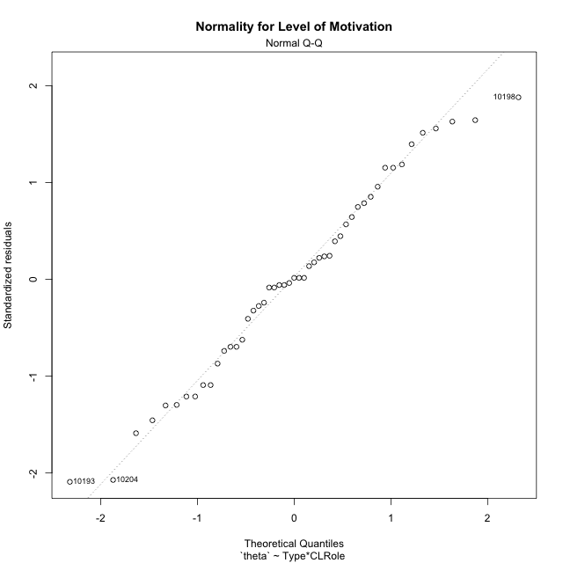

Levene's Test for Homogeneity of Variance in Level of Motivation
Df | F value | Pr(>F)
3 | 0.87231984352 | 0.46249658907
45

Plots for homogeneity of variance
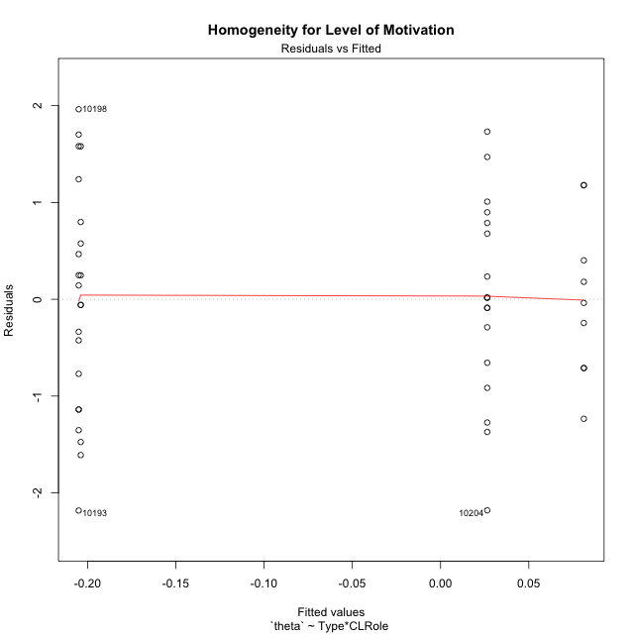

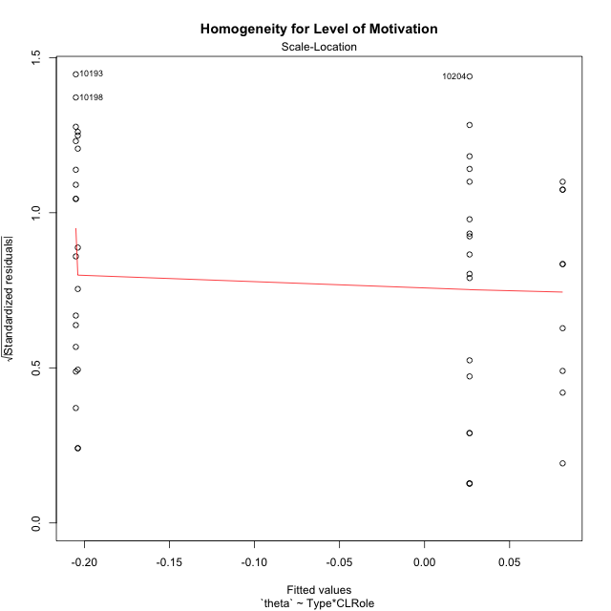

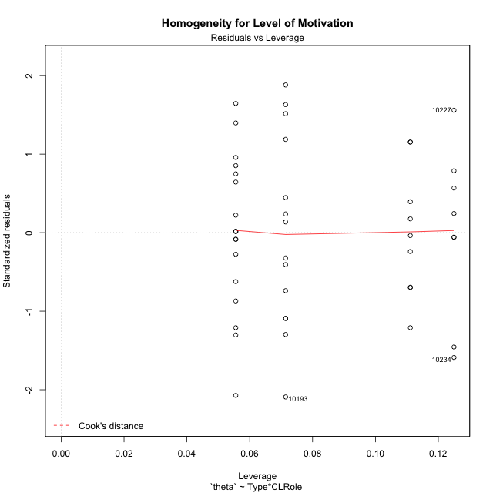

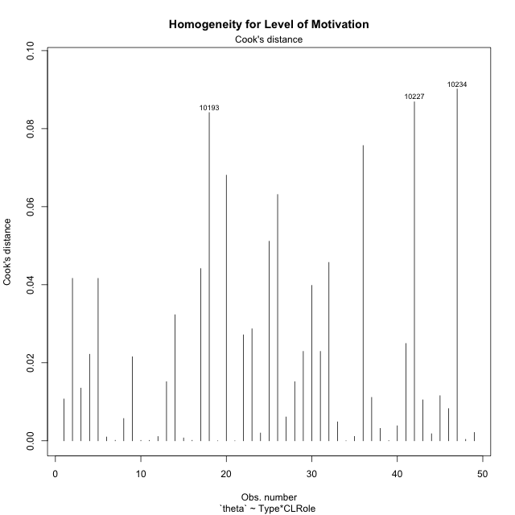

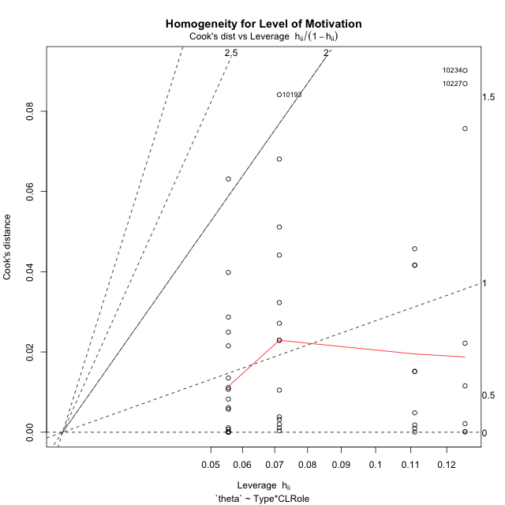

Minimum Sample Size Test for Level of Motivation
Type | CLRole | Freq
ont-gamified | Apprentice | 14
w/o-gamified | Apprentice | 18
ont-gamified | Master | 9
w/o-gamified | Master | 8

Errors and Warnings in Sample Size Test for ANOVA in Level of Motivation
code | description
WARN: sample.size | current.size is = 14 and recommended.size must be = 15 for the group: 'ont-gamified:Apprentice'. Size sample for parametric test isn't recomended
WARN: sample.size | current.size is = 9 and recommended.size must be = 15 for the group: 'ont-gamified:Master'. Size sample for parametric test isn't recomended
WARN: sample.size | current.size is = 8 and recommended.size must be = 15 for the group: 'w/o-gamified:Master'. Size sample for parametric test isn't recomended

For the group: 'ont-gamified:Apprentice', we recommend the use of non parametric test. For the group: 'w/o-gamified:Apprentice', you can perform a parametric test with a non-normal distribution For the group: 'ont-gamified:Master', we recommend the use of non parametric test. For the group: 'w/o-gamified:Master', we recommend the use of non parametric test.

If you don't want to remove non-normal data, you must cite the following references: ... (1) Lix, L.M., J.C. Keselman, and H.J. Keselman. 1996. Consequences of assumption violations revisited: A quantitative review of alternatives to the one-way analysis of variance F test. Rev. Educ. Res. 66: 579-619. ... (2) Harwell, M.R., E.N. Rubinstein, W.S. Hayes, and C.C. Olds. 1992. Summarizing Monte Carlo results in methodological research: the one- and two-factor fixed effects ANOVA cases. J. Educ. Stat. 17: 315-339.

Post-hoc
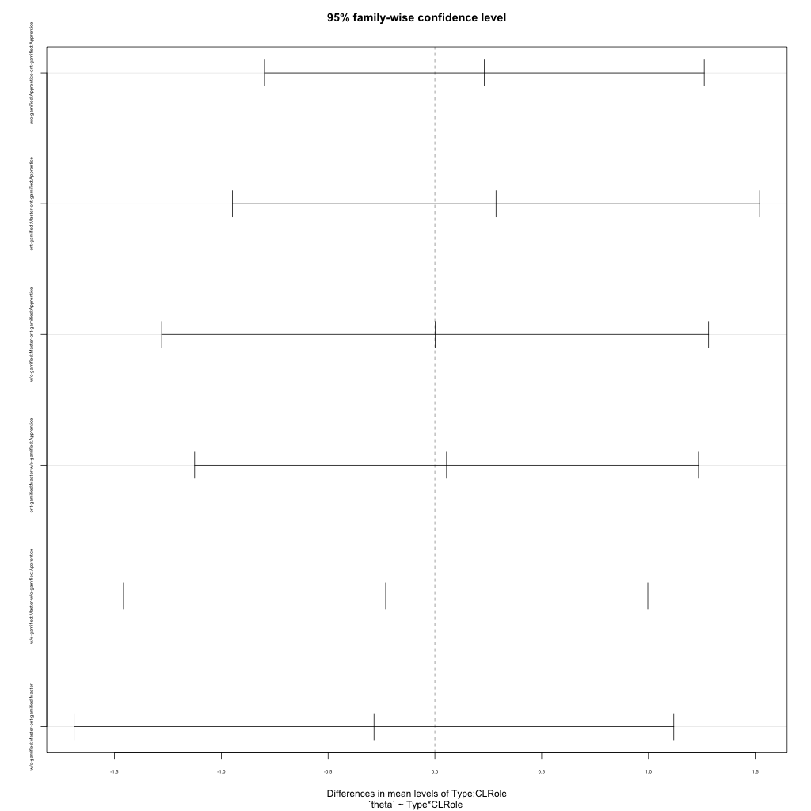
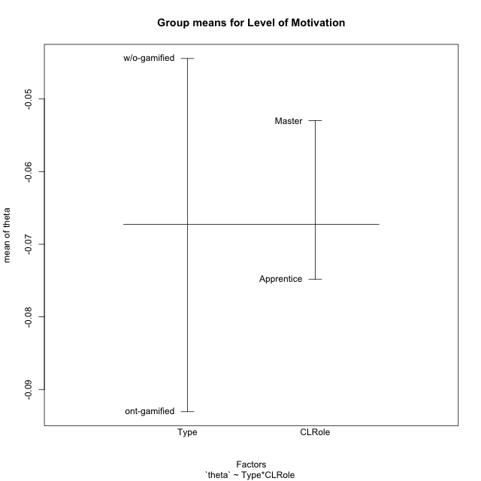
Post-hoc Tukey Honestly Significant Difference (HSD) Test for Level of Motivation

Comparisons of means for Type
 | diff | lwr | upr | p adj
w/o-gamified-ont-gamified | 0.048629711406 | -0.57567508456 | 0.67293450737 | 0.87603574703

Comparisons of means for CLRole
 | diff | lwr | upr | p adj
Master-Apprentice | 0.026335676818 | -0.62822183818 | 0.68089319182 | 0.93577260684

Comparisons of means for Type:CLRole
 | diff | lwr | upr | p adj
w/o-gamified:Apprentice-ont-gamified:Apprentice | 0.23151427016 | -0.79787369187 | 1.2609022322 | 0.93153108241
ont-gamified:Master-ont-gamified:Apprentice | 0.28624632563 | -0.94794648388 | 1.5204391351 | 0.92556890342
w/o-gamified:Master-ont-gamified:Apprentice | 0.00117010745 | -1.2791150052 | 1.2814552201 | 0.99999999471
ont-gamified:Master-w/o-gamified:Apprentice | 0.054732055467 | -1.1245800084 | 1.2340441193 | 0.99931130481
w/o-gamified:Master-w/o-gamified:Apprentice | -0.23034416271 | -1.4578110758 | 0.99712275035 | 0.95850559675
w/o-gamified:Master-ont-gamified:Master | -0.28507621818 | -1.6887383347 | 1.1185858983 | 0.94827049555

Contrast Matrices for Level of Motivation
contrast | CLRole | estimate | SE | df | t.ratio | p.value
ont-gamified - w/o-gamified | Apprentice | -0.23151427016 | 0.38587103663 | 45 | -0.59997835594 | 0.5515301504
ont-gamified - w/o-gamified | Master | 0.28507621818 | 0.5261695065 | 45 | 0.54179539988 | 0.59063222135

Least Squares Means and Confidence Intervals
Type | CLRole | lsmean | SE | df | lower.CL | upper.CL
ont-gamified | Apprentice | -0.20506448069 | 0.28940327748 | 45 | -0.7879526026 | 0.37782364123
w/o-gamified | Apprentice | 0.026449789478 | 0.25522970027 | 45 | -0.48760921478 | 0.54050879373
ont-gamified | Master | 0.081181844945 | 0.36094930364 | 45 | -0.64580737073 | 0.80817106062
w/o-gamified | Master | -0.20389437324 | 0.3828445504 | 45 | -0.97498287962 | 0.56719413315

Plots

Type_1
Student's t-Test for Level of Motivation in Type between ont-gamified:w/o-gamified

Student's t-Test results
Alternative hypothesis: less
Group | N | Mean | Mean.Difference | Std.deviation | Std.error | CI.lower | CI.upper | df | t.value | p.value | g | magnitude
ont-gamified | 23 | -0.093055048917 | -0.048629711406 | 1.1114347777 | 0.23175017144 | -0.55655539181 | 0.37044529397 | 45.116440686 | -0.158428782 | 0.43741298137 | -0.044845391442 | negligible
w/o-gamified | 26 | -0.044425337511 | 0.048629711406 | 1.0262864359 | 0.20127132935 | -0.44696799622 | 0.35811732119 | 45.116440686 | -0.158428782 | 0.43741298137 | -0.044845391442 | negligible
Alternative hypothesis: greater
Group | N | Mean | Mean.Difference | Std.deviation | Std.error | CI.lower | CI.upper | df | t.value | p.value | g | magnitude
ont-gamified | 23 | -0.093055048917 | -0.048629711406 | 1.1114347777 | 0.23175017144 | -0.55655539181 | 0.37044529397 | 45.116440686 | -0.158428782 | 0.56258701863 | -0.044845391442 | negligible
w/o-gamified | 26 | -0.044425337511 | 0.048629711406 | 1.0262864359 | 0.20127132935 | -0.44696799622 | 0.35811732119 | 45.116440686 | -0.158428782 | 0.56258701863 | -0.044845391442 | negligible
Alternative hypothesis: two.sided
Group | N | Mean | Mean.Difference | Std.deviation | Std.error | CI.lower | CI.upper | df | t.value | p.value | g | magnitude
ont-gamified | 23 | -0.093055048917 | -0.048629711406 | 1.1114347777 | 0.23175017144 | -0.55655539181 | 0.37044529397 | 45.116440686 | -0.158428782 | 0.87482596274 | -0.044845391442 | negligible
w/o-gamified | 26 | -0.044425337511 | 0.048629711406 | 1.0262864359 | 0.20127132935 | -0.44696799622 | 0.35811732119 | 45.116440686 | -0.158428782 | 0.87482596274 | -0.044845391442 | negligible

Box plots for Student's t-Test
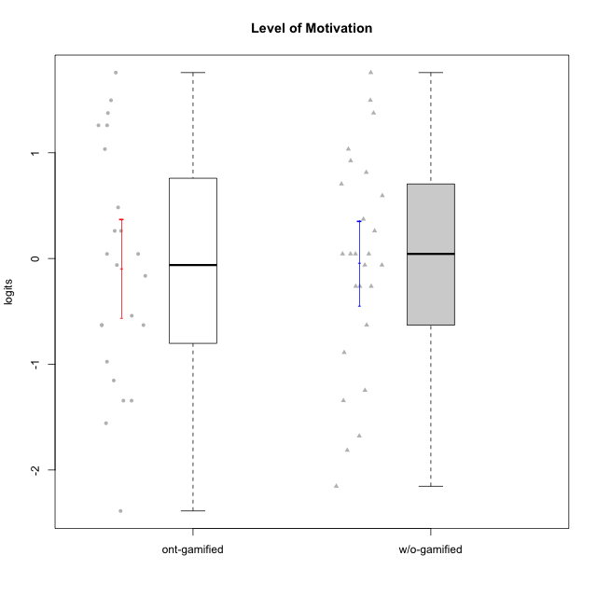

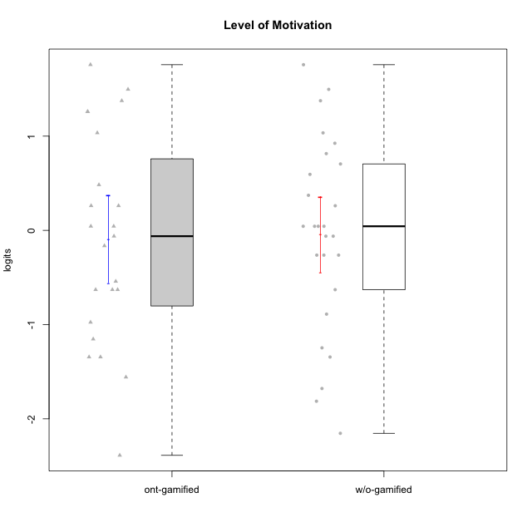

Student's t-Test data
UserID | NroUSP | Type | CLGroup | CLRole | PlayerRole | theta | error | WLE.rel
10170 | 10260351 | w/o-gamified | Grupo11 | Apprentice |  | 0.92457817438 | 0.33502060478 | 0.90133505457
10171 | 698531 | ont-gamified | Mafia | Master | Social Achiever | 1.2595083966 | 0.34451044478 | 0.90133505457
10172 | 10273971 | w/o-gamified | Grupo5 | Apprentice |  | 1.0348349643 | 0.33708461795 | 0.90133505457
10174 | 10276852 | w/o-gamified | Grupo7 | Master |  | 0.59431593174 | 0.33233143425 | 0.90133505457
10175 | 10310700 | ont-gamified | Warriors | Master | Social Achiever | 1.2595083966 | 0.34451044478 | 0.90133505457
10176 | 10276949 | ont-gamified | Outlaws | Master | Social Achiever | 0.26128361862 | 0.32898344692 | 0.90133505457
10179 | 10310759 | w/o-gamified | Grupo10 | Master |  | -0.26271965417 | 0.31200969658 | 0.90133505457
10181 | 10276866 | w/o-gamified | Grupo2 | Apprentice |  | -0.62946993487 | 0.30049938833 | 0.90133505457
10183 | 10352030 | w/o-gamified | Grupo3 | Apprentice |  | -1.2467600432 | 0.31579074019 | 0.90133505457
10184 | 10276675 | w/o-gamified | Grupo10 | Apprentice |  | -0.061817687463 | 0.31988960677 | 0.90133505457
10185 | 10276960 | w/o-gamified | Grupo9 | Apprentice |  | -0.061817687463 | 0.31988960677 | 0.90133505457
10186 | 10310551 | ont-gamified | Slayers | Apprentice | Social Achiever | 0.043464443048 | 0.32352387559 | 0.90133505457
10188 | 10276995 | ont-gamified | Vandals | Master | Yee Achiever | -0.62946993487 | 0.30049938833 | 0.90133505457
10189 | 9363926 | ont-gamified | Vikings | Apprentice | Social Achiever | -1.5575292987 | 0.3473708004 | 0.90133505457
10190 | 10276907 | w/o-gamified | Grupo4 | Apprentice |  | 0.26128361862 | 0.32898344692 | 0.90133505457
10191 | 10276981 | w/o-gamified | Grupo1 | Master |  | -0.26271965417 | 0.31200969658 | 0.90133505457
10192 | 10276682 | ont-gamified | Attractive Devils | Apprentice | Social Achiever | 1.3758640857 | 0.35041856757 | 0.90133505457
10193 | 10276762 | ont-gamified | Vandals | Apprentice | Yee Achiever | -2.3874763505 | 0.51902098993 | 0.90133505457
10197 | 10276661 | w/o-gamified | Grupo8 | Apprentice |  | 0.043464443048 | 0.32352387559 | 0.90133505457
10198 | 10310888 | ont-gamified | Attractive Devils | Apprentice | Social Achiever | 1.7582198197 | 0.38159049554 | 0.90133505457
10199 | 10276737 | w/o-gamified | Grupo1 | Apprentice |  | 0.043464443048 | 0.32352387559 | 0.90133505457
10200 | 9795272 | ont-gamified | Warriors | Apprentice | Social Achiever | 1.0348349643 | 0.33708461795 | 0.90133505457
10201 | 10276928 | w/o-gamified | Grupo11 | Apprentice |  | 1.4965735385 | 0.35823642459 | 0.90133505457
10202 | 10277036 | ont-gamified | Silly Knights | Apprentice | Social Achiever | -0.54115661389 | 0.30240540832 | 0.90133505457
10203 | 9921470 | ont-gamified | Mercenaries | Apprentice | Social Achiever | 1.4965735385 | 0.35823642459 | 0.90133505457
10204 | 10310471 | w/o-gamified | Grupo6 | Apprentice |  | -2.1537379721 | 0.45823333752 | 0.90133505457
10206 | 10310721 | w/o-gamified | Grupo8 | Apprentice |  | 0.70473695981 | 0.33291651776 | 0.90133505457
10208 | 10276932 | ont-gamified | Mercenaries | Master | Social Achiever | -0.62946993487 | 0.30049938833 | 0.90133505457
10209 | 10262669 | ont-gamified | Mafia | Apprentice | Social Achiever | -1.3440609774 | 0.32379301573 | 0.90133505457
10213 | 10277040 | w/o-gamified | Grupo7 | Apprentice |  | 1.7582198197 | 0.38159049554 | 0.90133505457
10214 | 10277022 | ont-gamified | Vikings | Apprentice | Social Achiever | -1.3440609774 | 0.32379301573 | 0.90133505457
10215 | 9285227 | ont-gamified | Vikings | Master | Social Achiever | -1.1536442234 | 0.30968244331 | 0.90133505457
10216 | 10276720 | ont-gamified | Silly Knights | Master | Social Achiever | 0.48339294531 | 0.33166486171 | 0.90133505457
10217 | 9805341 | w/o-gamified | Grupo9 | Apprentice |  | 0.043464443048 | 0.32352387559 | 0.90133505457
10218 | 9842913 | w/o-gamified | Grupo10 | Apprentice |  | -0.26271965417 | 0.31200969658 | 0.90133505457
10219 | 10276831 | w/o-gamified | Grupo3 | Master |  | -1.6783094191 | 0.36447341908 | 0.90133505457
10220 | 9760151 | w/o-gamified | Grupo3 | Apprentice |  | -0.88885947714 | 0.30009677819 | 0.90133505457
10221 | 9082496 | ont-gamified | Warriors | Apprentice | Social Achiever | -0.62946993487 | 0.30049938833 | 0.90133505457
10223 | 9795185 | ont-gamified | Slayers | Master | Social Achiever | 0.043464443048 | 0.32352387559 | 0.90133505457
10224 | 9368772 | ont-gamified | Mercenaries | Apprentice | Social Achiever | 0.26128361862 | 0.32898344692 | 0.90133505457
10226 | 10310342 | w/o-gamified | Grupo4 | Apprentice |  | -1.3440609774 | 0.32379301573 | 0.90133505457
10227 | 9274382 | w/o-gamified | Grupo5 | Master |  | 1.3758640857 | 0.35041856757 | 0.90133505457
10228 | 10310492 | ont-gamified | Resistance | Apprentice | Social Achiever | -0.97557135919 | 0.30202455017 | 0.90133505457
10230 | 10351992 | ont-gamified | Resistance | Master | Social Achiever | -0.16393710254 | 0.31595815904 | 0.90133505457
10231 | 10276911 | w/o-gamified | Grupo9 | Master |  | 0.37220211522 | 0.33062711909 | 0.90133505457
10232 | 10276974 | w/o-gamified | Grupo7 | Apprentice |  | 0.81471923994 | 0.33371867408 | 0.90133505457
10234 | 10310676 | w/o-gamified | Grupo4 | Master |  | -1.8132528342 | 0.38683380069 | 0.90133505457
10237 | 10377688 | ont-gamified | Outlaws | Apprentice | Social Achiever | -0.061817687463 | 0.31988960677 | 0.90133505457
10238 | 10276953 | w/o-gamified | Grupo2 | Master |  | 0.043464443048 | 0.32352387559 | 0.90133505457

Type_CLRole_1
Student's t-Test for Level of Motivation in Type:CLRole between ont-gamified.Apprentice:ont-gamified.Master

Student's t-Test results
Alternative hypothesis: less
Group | N | Mean | Mean.Difference | Std.deviation | Std.error | CI.lower | CI.upper | df | t.value | p.value | g | magnitude
ont-gamified.Apprentice | 14 | -0.20506448069 | -0.28624632563 | 1.2758097649 | 0.34097450222 | -0.88701348512 | 0.47688452375 | 20.969632644 | -0.65057732009 | 0.26119223356 | -0.24455847501 | small
ont-gamified.Master | 9 | 0.081181844945 | 0.28624632563 | 0.83422648055 | 0.27807549352 | -0.47496914209 | 0.63733283198 | 20.969632644 | -0.65057732009 | 0.26119223356 | -0.24455847501 | small
Alternative hypothesis: greater
Group | N | Mean | Mean.Difference | Std.deviation | Std.error | CI.lower | CI.upper | df | t.value | p.value | g | magnitude
ont-gamified.Apprentice | 14 | -0.20506448069 | -0.28624632563 | 1.2758097649 | 0.34097450222 | -0.88701348512 | 0.47688452375 | 20.969632644 | -0.65057732009 | 0.73880776644 | -0.24455847501 | small
ont-gamified.Master | 9 | 0.081181844945 | 0.28624632563 | 0.83422648055 | 0.27807549352 | -0.47496914209 | 0.63733283198 | 20.969632644 | -0.65057732009 | 0.73880776644 | -0.24455847501 | small
Alternative hypothesis: two.sided
Group | N | Mean | Mean.Difference | Std.deviation | Std.error | CI.lower | CI.upper | df | t.value | p.value | g | magnitude
ont-gamified.Apprentice | 14 | -0.20506448069 | -0.28624632563 | 1.2758097649 | 0.34097450222 | -0.88701348512 | 0.47688452375 | 20.969632644 | -0.65057732009 | 0.52238446713 | -0.24455847501 | small
ont-gamified.Master | 9 | 0.081181844945 | 0.28624632563 | 0.83422648055 | 0.27807549352 | -0.47496914209 | 0.63733283198 | 20.969632644 | -0.65057732009 | 0.52238446713 | -0.24455847501 | small

Box plots for Student's t-Test
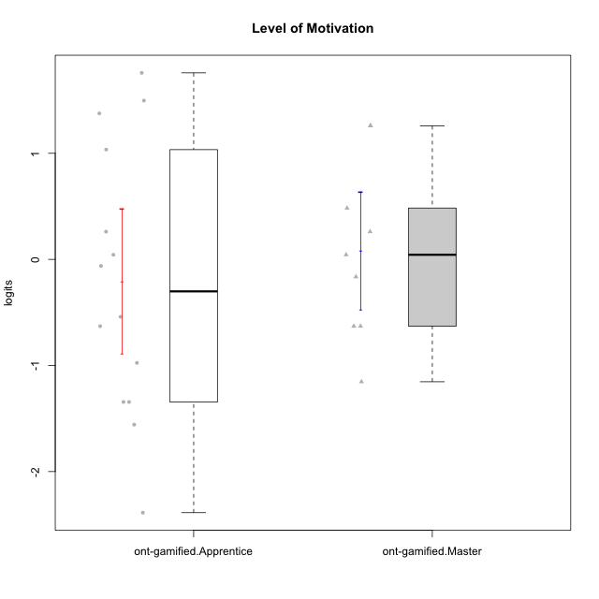

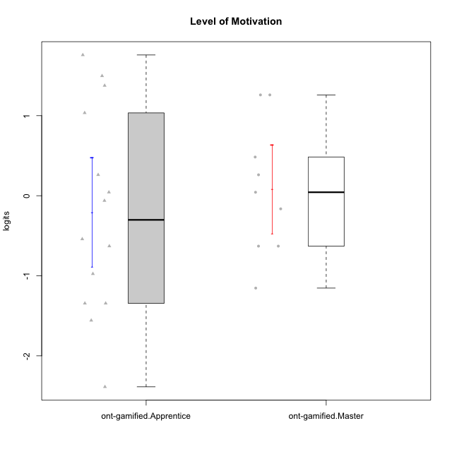

Student's t-Test data
UserID | NroUSP | Type | CLGroup | CLRole | PlayerRole | theta | error | WLE.rel
10171 | 698531 | ont-gamified | Mafia | Master | Social Achiever | 1.2595083966 | 0.34451044478 | 0.90133505457
10175 | 10310700 | ont-gamified | Warriors | Master | Social Achiever | 1.2595083966 | 0.34451044478 | 0.90133505457
10176 | 10276949 | ont-gamified | Outlaws | Master | Social Achiever | 0.26128361862 | 0.32898344692 | 0.90133505457
10186 | 10310551 | ont-gamified | Slayers | Apprentice | Social Achiever | 0.043464443048 | 0.32352387559 | 0.90133505457
10188 | 10276995 | ont-gamified | Vandals | Master | Yee Achiever | -0.62946993487 | 0.30049938833 | 0.90133505457
10189 | 9363926 | ont-gamified | Vikings | Apprentice | Social Achiever | -1.5575292987 | 0.3473708004 | 0.90133505457
10192 | 10276682 | ont-gamified | Attractive Devils | Apprentice | Social Achiever | 1.3758640857 | 0.35041856757 | 0.90133505457
10193 | 10276762 | ont-gamified | Vandals | Apprentice | Yee Achiever | -2.3874763505 | 0.51902098993 | 0.90133505457
10198 | 10310888 | ont-gamified | Attractive Devils | Apprentice | Social Achiever | 1.7582198197 | 0.38159049554 | 0.90133505457
10200 | 9795272 | ont-gamified | Warriors | Apprentice | Social Achiever | 1.0348349643 | 0.33708461795 | 0.90133505457
10202 | 10277036 | ont-gamified | Silly Knights | Apprentice | Social Achiever | -0.54115661389 | 0.30240540832 | 0.90133505457
10203 | 9921470 | ont-gamified | Mercenaries | Apprentice | Social Achiever | 1.4965735385 | 0.35823642459 | 0.90133505457
10208 | 10276932 | ont-gamified | Mercenaries | Master | Social Achiever | -0.62946993487 | 0.30049938833 | 0.90133505457
10209 | 10262669 | ont-gamified | Mafia | Apprentice | Social Achiever | -1.3440609774 | 0.32379301573 | 0.90133505457
10214 | 10277022 | ont-gamified | Vikings | Apprentice | Social Achiever | -1.3440609774 | 0.32379301573 | 0.90133505457
10215 | 9285227 | ont-gamified | Vikings | Master | Social Achiever | -1.1536442234 | 0.30968244331 | 0.90133505457
10216 | 10276720 | ont-gamified | Silly Knights | Master | Social Achiever | 0.48339294531 | 0.33166486171 | 0.90133505457
10221 | 9082496 | ont-gamified | Warriors | Apprentice | Social Achiever | -0.62946993487 | 0.30049938833 | 0.90133505457
10223 | 9795185 | ont-gamified | Slayers | Master | Social Achiever | 0.043464443048 | 0.32352387559 | 0.90133505457
10224 | 9368772 | ont-gamified | Mercenaries | Apprentice | Social Achiever | 0.26128361862 | 0.32898344692 | 0.90133505457
10228 | 10310492 | ont-gamified | Resistance | Apprentice | Social Achiever | -0.97557135919 | 0.30202455017 | 0.90133505457
10230 | 10351992 | ont-gamified | Resistance | Master | Social Achiever | -0.16393710254 | 0.31595815904 | 0.90133505457
10237 | 10377688 | ont-gamified | Outlaws | Apprentice | Social Achiever | -0.061817687463 | 0.31988960677 | 0.90133505457

Type_CLRole_2
Student's t-Test for Level of Motivation in Type:CLRole between ont-gamified.Apprentice:w/o-gamified.Apprentice

Student's t-Test results
Alternative hypothesis: less
Group | N | Mean | Mean.Difference | Std.deviation | Std.error | CI.lower | CI.upper | df | t.value | p.value | g | magnitude
ont-gamified.Apprentice | 14 | -0.20506448069 | -0.23151427016 | 1.2758097649 | 0.34097450222 | -0.88701348512 | 0.47688452375 | 24.532955095 | -0.55462928894 | 0.29208488694 | -0.19818418894 | negligible
w/o-gamified.Apprentice | 18 | 0.026449789478 | 0.23151427016 | 1.0215624965 | 0.24078458956 | -0.45511938964 | 0.5080189686 | 24.532955095 | -0.55462928894 | 0.29208488694 | -0.19818418894 | negligible
Alternative hypothesis: greater
Group | N | Mean | Mean.Difference | Std.deviation | Std.error | CI.lower | CI.upper | df | t.value | p.value | g | magnitude
ont-gamified.Apprentice | 14 | -0.20506448069 | -0.23151427016 | 1.2758097649 | 0.34097450222 | -0.88701348512 | 0.47688452375 | 24.532955095 | -0.55462928894 | 0.70791511306 | -0.19818418894 | negligible
w/o-gamified.Apprentice | 18 | 0.026449789478 | 0.23151427016 | 1.0215624965 | 0.24078458956 | -0.45511938964 | 0.5080189686 | 24.532955095 | -0.55462928894 | 0.70791511306 | -0.19818418894 | negligible
Alternative hypothesis: two.sided
Group | N | Mean | Mean.Difference | Std.deviation | Std.error | CI.lower | CI.upper | df | t.value | p.value | g | magnitude
ont-gamified.Apprentice | 14 | -0.20506448069 | -0.23151427016 | 1.2758097649 | 0.34097450222 | -0.88701348512 | 0.47688452375 | 24.532955095 | -0.55462928894 | 0.58416977387 | -0.19818418894 | negligible
w/o-gamified.Apprentice | 18 | 0.026449789478 | 0.23151427016 | 1.0215624965 | 0.24078458956 | -0.45511938964 | 0.5080189686 | 24.532955095 | -0.55462928894 | 0.58416977387 | -0.19818418894 | negligible

Box plots for Student's t-Test




Student's t-Test data
UserID | NroUSP | Type | CLGroup | CLRole | PlayerRole | theta | error | WLE.rel
10170 | 10260351 | w/o-gamified | Grupo11 | Apprentice |  | 0.92457817438 | 0.33502060478 | 0.90133505457
10172 | 10273971 | w/o-gamified | Grupo5 | Apprentice |  | 1.0348349643 | 0.33708461795 | 0.90133505457
10181 | 10276866 | w/o-gamified | Grupo2 | Apprentice |  | -0.62946993487 | 0.30049938833 | 0.90133505457
10183 | 10352030 | w/o-gamified | Grupo3 | Apprentice |  | -1.2467600432 | 0.31579074019 | 0.90133505457
10184 | 10276675 | w/o-gamified | Grupo10 | Apprentice |  | -0.061817687463 | 0.31988960677 | 0.90133505457
10185 | 10276960 | w/o-gamified | Grupo9 | Apprentice |  | -0.061817687463 | 0.31988960677 | 0.90133505457
10186 | 10310551 | ont-gamified | Slayers | Apprentice | Social Achiever | 0.043464443048 | 0.32352387559 | 0.90133505457
10189 | 9363926 | ont-gamified | Vikings | Apprentice | Social Achiever | -1.5575292987 | 0.3473708004 | 0.90133505457
10190 | 10276907 | w/o-gamified | Grupo4 | Apprentice |  | 0.26128361862 | 0.32898344692 | 0.90133505457
10192 | 10276682 | ont-gamified | Attractive Devils | Apprentice | Social Achiever | 1.3758640857 | 0.35041856757 | 0.90133505457
10193 | 10276762 | ont-gamified | Vandals | Apprentice | Yee Achiever | -2.3874763505 | 0.51902098993 | 0.90133505457
10197 | 10276661 | w/o-gamified | Grupo8 | Apprentice |  | 0.043464443048 | 0.32352387559 | 0.90133505457
10198 | 10310888 | ont-gamified | Attractive Devils | Apprentice | Social Achiever | 1.7582198197 | 0.38159049554 | 0.90133505457
10199 | 10276737 | w/o-gamified | Grupo1 | Apprentice |  | 0.043464443048 | 0.32352387559 | 0.90133505457
10200 | 9795272 | ont-gamified | Warriors | Apprentice | Social Achiever | 1.0348349643 | 0.33708461795 | 0.90133505457
10201 | 10276928 | w/o-gamified | Grupo11 | Apprentice |  | 1.4965735385 | 0.35823642459 | 0.90133505457
10202 | 10277036 | ont-gamified | Silly Knights | Apprentice | Social Achiever | -0.54115661389 | 0.30240540832 | 0.90133505457
10203 | 9921470 | ont-gamified | Mercenaries | Apprentice | Social Achiever | 1.4965735385 | 0.35823642459 | 0.90133505457
10204 | 10310471 | w/o-gamified | Grupo6 | Apprentice |  | -2.1537379721 | 0.45823333752 | 0.90133505457
10206 | 10310721 | w/o-gamified | Grupo8 | Apprentice |  | 0.70473695981 | 0.33291651776 | 0.90133505457
10209 | 10262669 | ont-gamified | Mafia | Apprentice | Social Achiever | -1.3440609774 | 0.32379301573 | 0.90133505457
10213 | 10277040 | w/o-gamified | Grupo7 | Apprentice |  | 1.7582198197 | 0.38159049554 | 0.90133505457
10214 | 10277022 | ont-gamified | Vikings | Apprentice | Social Achiever | -1.3440609774 | 0.32379301573 | 0.90133505457
10217 | 9805341 | w/o-gamified | Grupo9 | Apprentice |  | 0.043464443048 | 0.32352387559 | 0.90133505457
10218 | 9842913 | w/o-gamified | Grupo10 | Apprentice |  | -0.26271965417 | 0.31200969658 | 0.90133505457
10220 | 9760151 | w/o-gamified | Grupo3 | Apprentice |  | -0.88885947714 | 0.30009677819 | 0.90133505457
10221 | 9082496 | ont-gamified | Warriors | Apprentice | Social Achiever | -0.62946993487 | 0.30049938833 | 0.90133505457
10224 | 9368772 | ont-gamified | Mercenaries | Apprentice | Social Achiever | 0.26128361862 | 0.32898344692 | 0.90133505457
10226 | 10310342 | w/o-gamified | Grupo4 | Apprentice |  | -1.3440609774 | 0.32379301573 | 0.90133505457
10228 | 10310492 | ont-gamified | Resistance | Apprentice | Social Achiever | -0.97557135919 | 0.30202455017 | 0.90133505457
10232 | 10276974 | w/o-gamified | Grupo7 | Apprentice |  | 0.81471923994 | 0.33371867408 | 0.90133505457
10237 | 10377688 | ont-gamified | Outlaws | Apprentice | Social Achiever | -0.061817687463 | 0.31988960677 | 0.90133505457

Type_CLRole_3
Student's t-Test for Level of Motivation in Type:CLRole between ont-gamified.Apprentice:w/o-gamified.Master

Student's t-Test results
Alternative hypothesis: less
Group | N | Mean | Mean.Difference | Std.deviation | Std.error | CI.lower | CI.upper | df | t.value | p.value | g | magnitude
ont-gamified.Apprentice | 14 | -0.20506448069 | -0.00117010745 | 1.2758097649 | 0.34097450222 | -0.88701348512 | 0.47688452375 | 16.744661398 | -0.002275513228 | 0.49910564735 | -0.00092754572192 | negligible
w/o-gamified.Master | 8 | -0.20389437324 | 0.00117010745 | 1.0886889388 | 0.38490966561 | -0.97371370446 | 0.56592495799 | 16.744661398 | -0.002275513228 | 0.49910564735 | -0.00092754572192 | negligible
Alternative hypothesis: greater
Group | N | Mean | Mean.Difference | Std.deviation | Std.error | CI.lower | CI.upper | df | t.value | p.value | g | magnitude
ont-gamified.Apprentice | 14 | -0.20506448069 | -0.00117010745 | 1.2758097649 | 0.34097450222 | -0.88701348512 | 0.47688452375 | 16.744661398 | -0.002275513228 | 0.50089435265 | -0.00092754572192 | negligible
w/o-gamified.Master | 8 | -0.20389437324 | 0.00117010745 | 1.0886889388 | 0.38490966561 | -0.97371370446 | 0.56592495799 | 16.744661398 | -0.002275513228 | 0.50089435265 | -0.00092754572192 | negligible
Alternative hypothesis: two.sided
Group | N | Mean | Mean.Difference | Std.deviation | Std.error | CI.lower | CI.upper | df | t.value | p.value | g | magnitude
ont-gamified.Apprentice | 14 | -0.20506448069 | -0.00117010745 | 1.2758097649 | 0.34097450222 | -0.88701348512 | 0.47688452375 | 16.744661398 | -0.002275513228 | 0.9982112947 | -0.00092754572192 | negligible
w/o-gamified.Master | 8 | -0.20389437324 | 0.00117010745 | 1.0886889388 | 0.38490966561 | -0.97371370446 | 0.56592495799 | 16.744661398 | -0.002275513228 | 0.9982112947 | -0.00092754572192 | negligible

Box plots for Student's t-Test
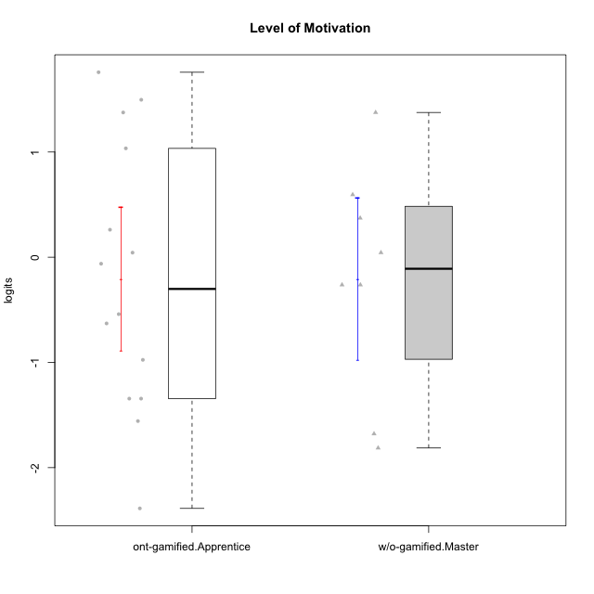

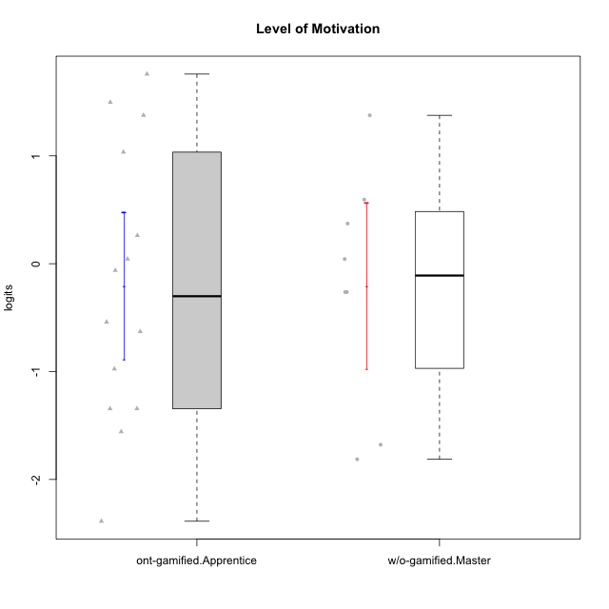

Student's t-Test data
UserID | NroUSP | Type | CLGroup | CLRole | PlayerRole | theta | error | WLE.rel
10174 | 10276852 | w/o-gamified | Grupo7 | Master |  | 0.59431593174 | 0.33233143425 | 0.90133505457
10179 | 10310759 | w/o-gamified | Grupo10 | Master |  | -0.26271965417 | 0.31200969658 | 0.90133505457
10186 | 10310551 | ont-gamified | Slayers | Apprentice | Social Achiever | 0.043464443048 | 0.32352387559 | 0.90133505457
10189 | 9363926 | ont-gamified | Vikings | Apprentice | Social Achiever | -1.5575292987 | 0.3473708004 | 0.90133505457
10191 | 10276981 | w/o-gamified | Grupo1 | Master |  | -0.26271965417 | 0.31200969658 | 0.90133505457
10192 | 10276682 | ont-gamified | Attractive Devils | Apprentice | Social Achiever | 1.3758640857 | 0.35041856757 | 0.90133505457
10193 | 10276762 | ont-gamified | Vandals | Apprentice | Yee Achiever | -2.3874763505 | 0.51902098993 | 0.90133505457
10198 | 10310888 | ont-gamified | Attractive Devils | Apprentice | Social Achiever | 1.7582198197 | 0.38159049554 | 0.90133505457
10200 | 9795272 | ont-gamified | Warriors | Apprentice | Social Achiever | 1.0348349643 | 0.33708461795 | 0.90133505457
10202 | 10277036 | ont-gamified | Silly Knights | Apprentice | Social Achiever | -0.54115661389 | 0.30240540832 | 0.90133505457
10203 | 9921470 | ont-gamified | Mercenaries | Apprentice | Social Achiever | 1.4965735385 | 0.35823642459 | 0.90133505457
10209 | 10262669 | ont-gamified | Mafia | Apprentice | Social Achiever | -1.3440609774 | 0.32379301573 | 0.90133505457
10214 | 10277022 | ont-gamified | Vikings | Apprentice | Social Achiever | -1.3440609774 | 0.32379301573 | 0.90133505457
10219 | 10276831 | w/o-gamified | Grupo3 | Master |  | -1.6783094191 | 0.36447341908 | 0.90133505457
10221 | 9082496 | ont-gamified | Warriors | Apprentice | Social Achiever | -0.62946993487 | 0.30049938833 | 0.90133505457
10224 | 9368772 | ont-gamified | Mercenaries | Apprentice | Social Achiever | 0.26128361862 | 0.32898344692 | 0.90133505457
10227 | 9274382 | w/o-gamified | Grupo5 | Master |  | 1.3758640857 | 0.35041856757 | 0.90133505457
10228 | 10310492 | ont-gamified | Resistance | Apprentice | Social Achiever | -0.97557135919 | 0.30202455017 | 0.90133505457
10231 | 10276911 | w/o-gamified | Grupo9 | Master |  | 0.37220211522 | 0.33062711909 | 0.90133505457
10234 | 10310676 | w/o-gamified | Grupo4 | Master |  | -1.8132528342 | 0.38683380069 | 0.90133505457
10237 | 10377688 | ont-gamified | Outlaws | Apprentice | Social Achiever | -0.061817687463 | 0.31988960677 | 0.90133505457
10238 | 10276953 | w/o-gamified | Grupo2 | Master |  | 0.043464443048 | 0.32352387559 | 0.90133505457

Type_CLRole_4
Student's t-Test for Level of Motivation in Type:CLRole between ont-gamified.Master:w/o-gamified.Apprentice

Student's t-Test results
Alternative hypothesis: less
Group | N | Mean | Mean.Difference | Std.deviation | Std.error | CI.lower | CI.upper | df | t.value | p.value | g | magnitude
ont-gamified.Master | 9 | 0.081181844945 | 0.054732055467 | 0.83422648055 | 0.27807549352 | -0.47496914209 | 0.63733283198 | 19.369563357 | 0.1487947906 | 0.55837310799 | 0.054965558285 | negligible
w/o-gamified.Apprentice | 18 | 0.026449789478 | -0.054732055467 | 1.0215624965 | 0.24078458956 | -0.45511938964 | 0.5080189686 | 19.369563357 | 0.1487947906 | 0.55837310799 | 0.054965558285 | negligible
Alternative hypothesis: greater
Group | N | Mean | Mean.Difference | Std.deviation | Std.error | CI.lower | CI.upper | df | t.value | p.value | g | magnitude
ont-gamified.Master | 9 | 0.081181844945 | 0.054732055467 | 0.83422648055 | 0.27807549352 | -0.47496914209 | 0.63733283198 | 19.369563357 | 0.1487947906 | 0.44162689201 | 0.054965558285 | negligible
w/o-gamified.Apprentice | 18 | 0.026449789478 | -0.054732055467 | 1.0215624965 | 0.24078458956 | -0.45511938964 | 0.5080189686 | 19.369563357 | 0.1487947906 | 0.44162689201 | 0.054965558285 | negligible
Alternative hypothesis: two.sided
Group | N | Mean | Mean.Difference | Std.deviation | Std.error | CI.lower | CI.upper | df | t.value | p.value | g | magnitude
ont-gamified.Master | 9 | 0.081181844945 | 0.054732055467 | 0.83422648055 | 0.27807549352 | -0.47496914209 | 0.63733283198 | 19.369563357 | 0.1487947906 | 0.88325378401 | 0.054965558285 | negligible
w/o-gamified.Apprentice | 18 | 0.026449789478 | -0.054732055467 | 1.0215624965 | 0.24078458956 | -0.45511938964 | 0.5080189686 | 19.369563357 | 0.1487947906 | 0.88325378401 | 0.054965558285 | negligible

Box plots for Student's t-Test
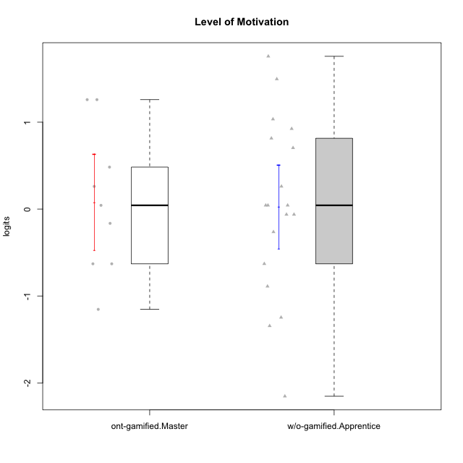

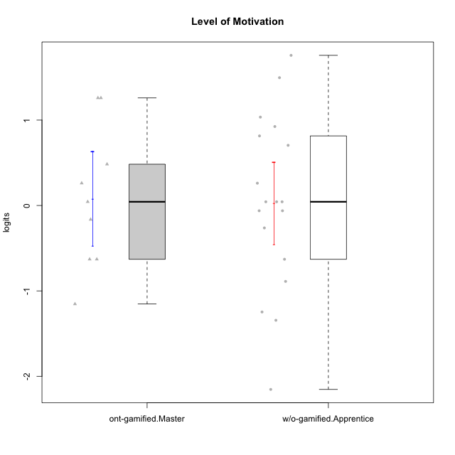

Student's t-Test data
UserID | NroUSP | Type | CLGroup | CLRole | PlayerRole | theta | error | WLE.rel
10170 | 10260351 | w/o-gamified | Grupo11 | Apprentice |  | 0.92457817438 | 0.33502060478 | 0.90133505457
10171 | 698531 | ont-gamified | Mafia | Master | Social Achiever | 1.2595083966 | 0.34451044478 | 0.90133505457
10172 | 10273971 | w/o-gamified | Grupo5 | Apprentice |  | 1.0348349643 | 0.33708461795 | 0.90133505457
10175 | 10310700 | ont-gamified | Warriors | Master | Social Achiever | 1.2595083966 | 0.34451044478 | 0.90133505457
10176 | 10276949 | ont-gamified | Outlaws | Master | Social Achiever | 0.26128361862 | 0.32898344692 | 0.90133505457
10181 | 10276866 | w/o-gamified | Grupo2 | Apprentice |  | -0.62946993487 | 0.30049938833 | 0.90133505457
10183 | 10352030 | w/o-gamified | Grupo3 | Apprentice |  | -1.2467600432 | 0.31579074019 | 0.90133505457
10184 | 10276675 | w/o-gamified | Grupo10 | Apprentice |  | -0.061817687463 | 0.31988960677 | 0.90133505457
10185 | 10276960 | w/o-gamified | Grupo9 | Apprentice |  | -0.061817687463 | 0.31988960677 | 0.90133505457
10188 | 10276995 | ont-gamified | Vandals | Master | Yee Achiever | -0.62946993487 | 0.30049938833 | 0.90133505457
10190 | 10276907 | w/o-gamified | Grupo4 | Apprentice |  | 0.26128361862 | 0.32898344692 | 0.90133505457
10197 | 10276661 | w/o-gamified | Grupo8 | Apprentice |  | 0.043464443048 | 0.32352387559 | 0.90133505457
10199 | 10276737 | w/o-gamified | Grupo1 | Apprentice |  | 0.043464443048 | 0.32352387559 | 0.90133505457
10201 | 10276928 | w/o-gamified | Grupo11 | Apprentice |  | 1.4965735385 | 0.35823642459 | 0.90133505457
10204 | 10310471 | w/o-gamified | Grupo6 | Apprentice |  | -2.1537379721 | 0.45823333752 | 0.90133505457
10206 | 10310721 | w/o-gamified | Grupo8 | Apprentice |  | 0.70473695981 | 0.33291651776 | 0.90133505457
10208 | 10276932 | ont-gamified | Mercenaries | Master | Social Achiever | -0.62946993487 | 0.30049938833 | 0.90133505457
10213 | 10277040 | w/o-gamified | Grupo7 | Apprentice |  | 1.7582198197 | 0.38159049554 | 0.90133505457
10215 | 9285227 | ont-gamified | Vikings | Master | Social Achiever | -1.1536442234 | 0.30968244331 | 0.90133505457
10216 | 10276720 | ont-gamified | Silly Knights | Master | Social Achiever | 0.48339294531 | 0.33166486171 | 0.90133505457
10217 | 9805341 | w/o-gamified | Grupo9 | Apprentice |  | 0.043464443048 | 0.32352387559 | 0.90133505457
10218 | 9842913 | w/o-gamified | Grupo10 | Apprentice |  | -0.26271965417 | 0.31200969658 | 0.90133505457
10220 | 9760151 | w/o-gamified | Grupo3 | Apprentice |  | -0.88885947714 | 0.30009677819 | 0.90133505457
10223 | 9795185 | ont-gamified | Slayers | Master | Social Achiever | 0.043464443048 | 0.32352387559 | 0.90133505457
10226 | 10310342 | w/o-gamified | Grupo4 | Apprentice |  | -1.3440609774 | 0.32379301573 | 0.90133505457
10230 | 10351992 | ont-gamified | Resistance | Master | Social Achiever | -0.16393710254 | 0.31595815904 | 0.90133505457
10232 | 10276974 | w/o-gamified | Grupo7 | Apprentice |  | 0.81471923994 | 0.33371867408 | 0.90133505457

Type_CLRole_5
Student's t-Test for Level of Motivation in Type:CLRole between ont-gamified.Master:w/o-gamified.Master

Student's t-Test results
Alternative hypothesis: less
Group | N | Mean | Mean.Difference | Std.deviation | Std.error | CI.lower | CI.upper | df | t.value | p.value | g | magnitude
ont-gamified.Master | 9 | 0.081181844945 | 0.28507621818 | 0.83422648055 | 0.27807549352 | -0.47496914209 | 0.63733283198 | 13.093003753 | 0.60035149692 | 0.72073955411 | 0.28144633996 | small
w/o-gamified.Master | 8 | -0.20389437324 | -0.28507621818 | 1.0886889388 | 0.38490966561 | -0.97371370446 | 0.56592495799 | 13.093003753 | 0.60035149692 | 0.72073955411 | 0.28144633996 | small
Alternative hypothesis: greater
Group | N | Mean | Mean.Difference | Std.deviation | Std.error | CI.lower | CI.upper | df | t.value | p.value | g | magnitude
ont-gamified.Master | 9 | 0.081181844945 | 0.28507621818 | 0.83422648055 | 0.27807549352 | -0.47496914209 | 0.63733283198 | 13.093003753 | 0.60035149692 | 0.27926044589 | 0.28144633996 | small
w/o-gamified.Master | 8 | -0.20389437324 | -0.28507621818 | 1.0886889388 | 0.38490966561 | -0.97371370446 | 0.56592495799 | 13.093003753 | 0.60035149692 | 0.27926044589 | 0.28144633996 | small
Alternative hypothesis: two.sided
Group | N | Mean | Mean.Difference | Std.deviation | Std.error | CI.lower | CI.upper | df | t.value | p.value | g | magnitude
ont-gamified.Master | 9 | 0.081181844945 | 0.28507621818 | 0.83422648055 | 0.27807549352 | -0.47496914209 | 0.63733283198 | 13.093003753 | 0.60035149692 | 0.55852089178 | 0.28144633996 | small
w/o-gamified.Master | 8 | -0.20389437324 | -0.28507621818 | 1.0886889388 | 0.38490966561 | -0.97371370446 | 0.56592495799 | 13.093003753 | 0.60035149692 | 0.55852089178 | 0.28144633996 | small

Box plots for Student's t-Test
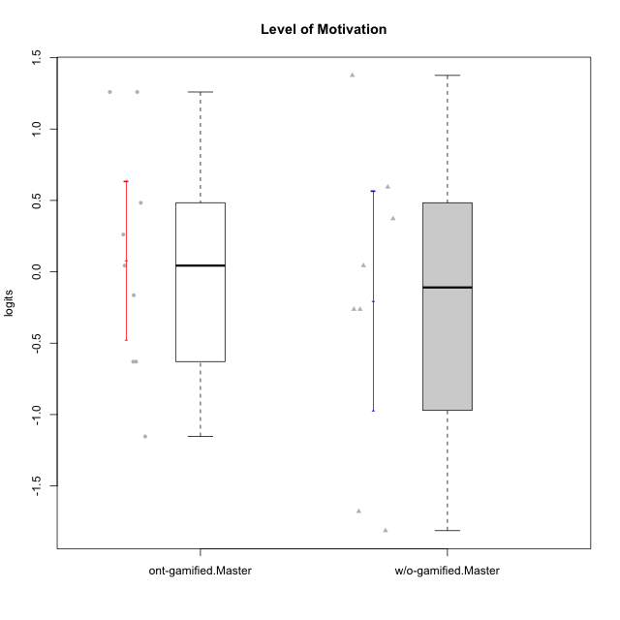

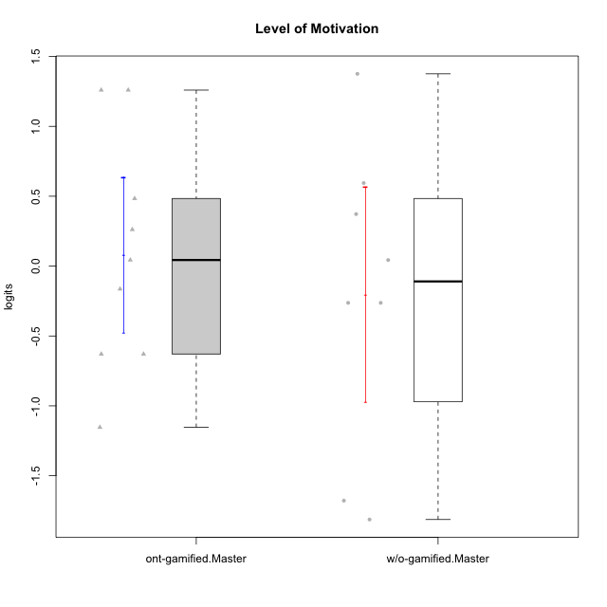

Student's t-Test data
UserID | NroUSP | Type | CLGroup | CLRole | PlayerRole | theta | error | WLE.rel
10171 | 698531 | ont-gamified | Mafia | Master | Social Achiever | 1.2595083966 | 0.34451044478 | 0.90133505457
10174 | 10276852 | w/o-gamified | Grupo7 | Master |  | 0.59431593174 | 0.33233143425 | 0.90133505457
10175 | 10310700 | ont-gamified | Warriors | Master | Social Achiever | 1.2595083966 | 0.34451044478 | 0.90133505457
10176 | 10276949 | ont-gamified | Outlaws | Master | Social Achiever | 0.26128361862 | 0.32898344692 | 0.90133505457
10179 | 10310759 | w/o-gamified | Grupo10 | Master |  | -0.26271965417 | 0.31200969658 | 0.90133505457
10188 | 10276995 | ont-gamified | Vandals | Master | Yee Achiever | -0.62946993487 | 0.30049938833 | 0.90133505457
10191 | 10276981 | w/o-gamified | Grupo1 | Master |  | -0.26271965417 | 0.31200969658 | 0.90133505457
10208 | 10276932 | ont-gamified | Mercenaries | Master | Social Achiever | -0.62946993487 | 0.30049938833 | 0.90133505457
10215 | 9285227 | ont-gamified | Vikings | Master | Social Achiever | -1.1536442234 | 0.30968244331 | 0.90133505457
10216 | 10276720 | ont-gamified | Silly Knights | Master | Social Achiever | 0.48339294531 | 0.33166486171 | 0.90133505457
10219 | 10276831 | w/o-gamified | Grupo3 | Master |  | -1.6783094191 | 0.36447341908 | 0.90133505457
10223 | 9795185 | ont-gamified | Slayers | Master | Social Achiever | 0.043464443048 | 0.32352387559 | 0.90133505457
10227 | 9274382 | w/o-gamified | Grupo5 | Master |  | 1.3758640857 | 0.35041856757 | 0.90133505457
10230 | 10351992 | ont-gamified | Resistance | Master | Social Achiever | -0.16393710254 | 0.31595815904 | 0.90133505457
10231 | 10276911 | w/o-gamified | Grupo9 | Master |  | 0.37220211522 | 0.33062711909 | 0.90133505457
10234 | 10310676 | w/o-gamified | Grupo4 | Master |  | -1.8132528342 | 0.38683380069 | 0.90133505457
10238 | 10276953 | w/o-gamified | Grupo2 | Master |  | 0.043464443048 | 0.32352387559 | 0.90133505457

Type_CLRole_6
Student's t-Test for Level of Motivation in Type:CLRole between w/o-gamified.Apprentice:w/o-gamified.Master

Student's t-Test results
Alternative hypothesis: less
Group | N | Mean | Mean.Difference | Std.deviation | Std.error | CI.lower | CI.upper | df | t.value | p.value | g | magnitude
w/o-gamified.Apprentice | 18 | 0.026449789478 | 0.23034416271 | 1.0215624965 | 0.24078458956 | -0.45511938964 | 0.5080189686 | 12.746770118 | 0.50734548227 | 0.6897120149 | 0.21416350206 | small
w/o-gamified.Master | 8 | -0.20389437324 | -0.23034416271 | 1.0886889388 | 0.38490966561 | -0.97371370446 | 0.56592495799 | 12.746770118 | 0.50734548227 | 0.6897120149 | 0.21416350206 | small
Alternative hypothesis: greater
Group | N | Mean | Mean.Difference | Std.deviation | Std.error | CI.lower | CI.upper | df | t.value | p.value | g | magnitude
w/o-gamified.Apprentice | 18 | 0.026449789478 | 0.23034416271 | 1.0215624965 | 0.24078458956 | -0.45511938964 | 0.5080189686 | 12.746770118 | 0.50734548227 | 0.3102879851 | 0.21416350206 | small
w/o-gamified.Master | 8 | -0.20389437324 | -0.23034416271 | 1.0886889388 | 0.38490966561 | -0.97371370446 | 0.56592495799 | 12.746770118 | 0.50734548227 | 0.3102879851 | 0.21416350206 | small
Alternative hypothesis: two.sided
Group | N | Mean | Mean.Difference | Std.deviation | Std.error | CI.lower | CI.upper | df | t.value | p.value | g | magnitude
w/o-gamified.Apprentice | 18 | 0.026449789478 | 0.23034416271 | 1.0215624965 | 0.24078458956 | -0.45511938964 | 0.5080189686 | 12.746770118 | 0.50734548227 | 0.6205759702 | 0.21416350206 | small
w/o-gamified.Master | 8 | -0.20389437324 | -0.23034416271 | 1.0886889388 | 0.38490966561 | -0.97371370446 | 0.56592495799 | 12.746770118 | 0.50734548227 | 0.6205759702 | 0.21416350206 | small

Box plots for Student's t-Test
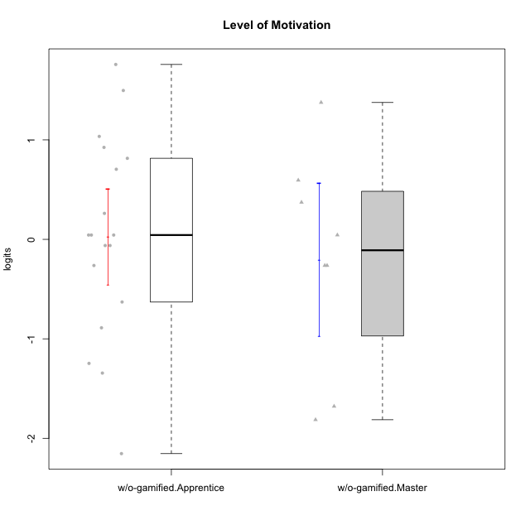

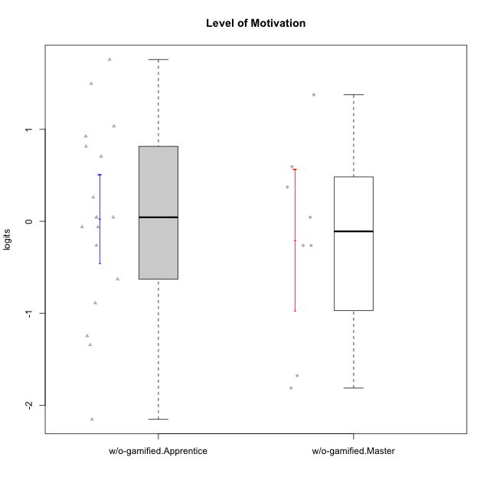

Student's t-Test data
UserID | NroUSP | Type | CLGroup | CLRole | PlayerRole | theta | error | WLE.rel
10170 | 10260351 | w/o-gamified | Grupo11 | Apprentice |  | 0.92457817438 | 0.33502060478 | 0.90133505457
10172 | 10273971 | w/o-gamified | Grupo5 | Apprentice |  | 1.0348349643 | 0.33708461795 | 0.90133505457
10174 | 10276852 | w/o-gamified | Grupo7 | Master |  | 0.59431593174 | 0.33233143425 | 0.90133505457
10179 | 10310759 | w/o-gamified | Grupo10 | Master |  | -0.26271965417 | 0.31200969658 | 0.90133505457
10181 | 10276866 | w/o-gamified | Grupo2 | Apprentice |  | -0.62946993487 | 0.30049938833 | 0.90133505457
10183 | 10352030 | w/o-gamified | Grupo3 | Apprentice |  | -1.2467600432 | 0.31579074019 | 0.90133505457
10184 | 10276675 | w/o-gamified | Grupo10 | Apprentice |  | -0.061817687463 | 0.31988960677 | 0.90133505457
10185 | 10276960 | w/o-gamified | Grupo9 | Apprentice |  | -0.061817687463 | 0.31988960677 | 0.90133505457
10190 | 10276907 | w/o-gamified | Grupo4 | Apprentice |  | 0.26128361862 | 0.32898344692 | 0.90133505457
10191 | 10276981 | w/o-gamified | Grupo1 | Master |  | -0.26271965417 | 0.31200969658 | 0.90133505457
10197 | 10276661 | w/o-gamified | Grupo8 | Apprentice |  | 0.043464443048 | 0.32352387559 | 0.90133505457
10199 | 10276737 | w/o-gamified | Grupo1 | Apprentice |  | 0.043464443048 | 0.32352387559 | 0.90133505457
10201 | 10276928 | w/o-gamified | Grupo11 | Apprentice |  | 1.4965735385 | 0.35823642459 | 0.90133505457
10204 | 10310471 | w/o-gamified | Grupo6 | Apprentice |  | -2.1537379721 | 0.45823333752 | 0.90133505457
10206 | 10310721 | w/o-gamified | Grupo8 | Apprentice |  | 0.70473695981 | 0.33291651776 | 0.90133505457
10213 | 10277040 | w/o-gamified | Grupo7 | Apprentice |  | 1.7582198197 | 0.38159049554 | 0.90133505457
10217 | 9805341 | w/o-gamified | Grupo9 | Apprentice |  | 0.043464443048 | 0.32352387559 | 0.90133505457
10218 | 9842913 | w/o-gamified | Grupo10 | Apprentice |  | -0.26271965417 | 0.31200969658 | 0.90133505457
10219 | 10276831 | w/o-gamified | Grupo3 | Master |  | -1.6783094191 | 0.36447341908 | 0.90133505457
10220 | 9760151 | w/o-gamified | Grupo3 | Apprentice |  | -0.88885947714 | 0.30009677819 | 0.90133505457
10226 | 10310342 | w/o-gamified | Grupo4 | Apprentice |  | -1.3440609774 | 0.32379301573 | 0.90133505457
10227 | 9274382 | w/o-gamified | Grupo5 | Master |  | 1.3758640857 | 0.35041856757 | 0.90133505457
10231 | 10276911 | w/o-gamified | Grupo9 | Master |  | 0.37220211522 | 0.33062711909 | 0.90133505457
10232 | 10276974 | w/o-gamified | Grupo7 | Apprentice |  | 0.81471923994 | 0.33371867408 | 0.90133505457
10234 | 10310676 | w/o-gamified | Grupo4 | Master |  | -1.8132528342 | 0.38683380069 | 0.90133505457
10238 | 10276953 | w/o-gamified | Grupo2 | Master |  | 0.043464443048 | 0.32352387559 | 0.90133505457

