Global-info
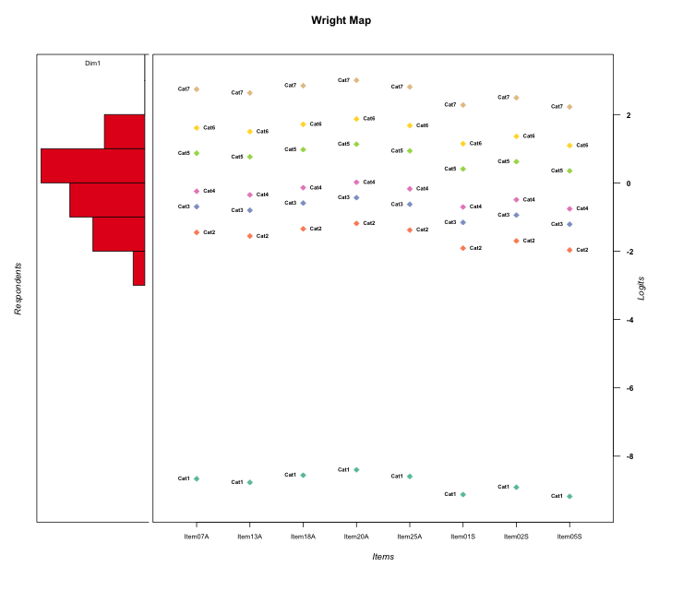
Global information for a measurement model

Information
Number.of.items | Deviance | Log.Likelihood | Number.of.persons | EAP.rel | n.theta.nodes | irt.model
8 | 1242.1556637 | -621.07783187 | 50 | 0.91598870744 | 21 | RSM

Global fit statistic MADaQ3 and test fit
MADaQ3 | maxaQ3 | p
0.24464661281 | 0.60630751951 | 0.00090431445912

Test statistic of global fit based on Chi square
maxX2 | Npairs | p.holm
316.23568878 | 28 | 0

Model fit statistics
X100.MADCOV | SRMR | SRMSR
31.697348166 | 0.10828005031 | 0.12945833411

Chi square tests for every item pairs
index1 | index2 | maxK1 | maxK2 | df | chi2 | p | p.holm
1 | 2 | 7 | 7 | 49 | 32.008339132 | 0.97119019125 | 1
1 | 3 | 7 | 7 | 49 | 35.247699545 | 0.93010824419 | 1
1 | 4 | 7 | 7 | 49 | 25.983724787 | 0.99719462832 | 1
1 | 5 | 7 | 7 | 49 | 50.048790783 | 0.43152737926 | 1
1 | 6 | 7 | 7 | 49 | 316.23568878 | 0 | 0
1 | 7 | 7 | 7 | 49 | 145.02158164 | 1.9687917963E-11 | 4.9219794906E-10
1 | 8 | 7 | 7 | 49 | 103.98284914 | 7.8445270223E-06 | 0.00017257959449
2 | 3 | 7 | 7 | 49 | 49.369735768 | 0.45833797437 | 1
2 | 4 | 7 | 7 | 49 | 26.218557002 | 0.9968642456 | 1
2 | 5 | 7 | 7 | 49 | 48.235382091 | 0.50404821355 | 1
2 | 6 | 7 | 7 | 49 | 117.59971863 | 1.4377694546E-07 | 3.3068697456E-06
2 | 7 | 7 | 7 | 49 | 22.998589131 | 0.99943278446 | 1
2 | 8 | 7 | 7 | 49 | 94.354787146 | 0.00010650232337 | 0.0021300464675
3 | 4 | 7 | 7 | 49 | 42.701895283 | 0.72493052506 | 1
3 | 5 | 7 | 7 | 49 | 34.433885013 | 0.94294844153 | 1
3 | 6 | 7 | 7 | 49 | 99.194995318 | 2.9434143241E-05 | 0.00061811700807
3 | 7 | 7 | 7 | 49 | 33.867406719 | 0.95083440433 | 1
3 | 8 | 7 | 7 | 49 | 291.24749652 | 0 | 0
4 | 5 | 7 | 7 | 49 | 41.840914174 | 0.75599500715 | 1
4 | 6 | 7 | 7 | 49 | 65.484150374 | 0.057752334403 | 1
4 | 7 | 7 | 7 | 49 | 22.643764762 | 0.99954252443 | 1
4 | 8 | 7 | 7 | 49 | 46.951433738 | 0.55655782441 | 1
5 | 6 | 7 | 7 | 49 | 229.89220826 | 0 | 0
5 | 7 | 7 | 7 | 49 | 119.90274969 | 7.0867810842E-08 | 1.7008274602E-06
5 | 8 | 7 | 7 | 49 | 73.714345523 | 0.012748421169 | 0.24222000222
6 | 7 | 7 | 7 | 49 | 31.860649381 | 0.97247670299 | 1
6 | 8 | 7 | 7 | 49 | 35.315206635 | 0.92896049064 | 1
7 | 8 | 7 | 7 | 49 | 33.935002101 | 0.94993729007 | 1

Item residuals
Item07A | Item13A | Item18A | Item20A | Item25A | Item01S | Item02S | Item05S
0.34213063408 | 0.30929913758 | 0.37814893688 | 0.43884857166 | 0.36577015995 | 0.21936906 | 0.2699793574 | 0.20810736445
0.085326380952 | 0.96733722933 | 1.2040139981 | 1.3837169991 | 0.16436915905 | -1.4197544712 | -1.1888888174 | -0.47654021843
-0.2764511771 | 0.6096740023 | 0.83927431931 | 1.015711242 | -0.19948520433 | 0.24856642079 | 0.4613461833 | -1.8024583629
0.95905613177 | 0.84204034199 | 0.077097880694 | 0.25605011699 | 0.037642650847 | 0.46230842522 | -1.3121124581 | -0.59270175807
1.4246085438 | -0.6957623818 | 0.54554484481 | -0.2707344579 | -0.49486068427 | 0.90315488125 | 0.14391145552 | -1.1570355649
0.7235488229 | 0.6096740023 | -0.16072568069 | 0.01571124197 | -0.19948520433 | 0.24856642079 | 0.4613461833 | -0.80245836294
-0.2179048379 | -0.34195356079 | 0.9081229813 | 1.1023901638 | 0.86585097226 | -0.74968631716 | -0.50551276233 | -0.81087936001
-1.645375984 | 0.21923759218 | 0.49278560096 | 0.70509551036 | 0.44642173313 | -1.2158180168 | 0.042647175397 | 0.72029253895
1.8410072275 | 0.69477327375 | 0.98829445232 | 1.2087013864 | 0.93914721637 | -2.7765019801 | -2.4971753912 | -0.84471415415
-0.32736054928 | 0.54128062503 | -0.20334131166 | -0.032243858165 | -0.24382422816 | -0.93740325136 | -0.64386390715 | 0.98728231581
-1.8843066211 | -0.013732538028 | 0.24811074424 | 0.4533500378 | 0.20360655415 | 1.5676680859 | -0.18280023486 | -0.4945456719
0.11569337885 | -1.013732538 | -0.75188925576 | -0.5466499622 | 1.2036065542 | -0.43233191412 | 0.81719976514 | 0.5054543281
-2.9893876267 | -0.11672454236 | 0.14078262817 | 0.34265883485 | -2.9029625179 | 2.4696451532 | 2.716592786 | 0.40791312892
-1.1589927725 | 0.69477327375 | 0.98829445232 | 0.20870138643 | 0.93914721637 | -0.77650198009 | -0.49717539117 | -0.84471415415
-1.0208880461 | 0.86909703272 | 0.08078341912 | -0.78220915315 | -0.9521780279 | 0.44570407761 | -0.2903020711 | 0.37560167034
0.7820951621 | -1.3419535608 | 1.9081229813 | 1.1023901638 | 0.86585097226 | -1.7496863172 | -0.50551276233 | -0.81087936001
0.35462401599 | 1.2192375922 | -1.507214399 | -1.2949044896 | 0.44642173313 | -0.21581801678 | 0.042647175397 | 0.72029253895
1.6129767247 | 0.50176057149 | -1.273455071 | -1.099437054 | -1.3115485489 | 1.1532548723 | 0.35779716883 | 1.1045736413
-0.51069165273 | -0.57023802326 | 0.54266458106 | 0.61250188616 | -0.47447357417 | -0.8222492742 | 0.33953468647 | -0.8681639973
1.0106123733 | -1.1167245424 | 3.1407826282 | 0.34265883485 | 0.097037482115 | -0.53035484677 | -0.28340721402 | -2.5920868711
1.2494254063 | -0.84812047548 | -0.64883783993 | 0.51106264666 | -0.68319981741 | 0.8594535519 | 1.0286845485 | -0.17986233936
-0.9893876267 | -0.11672454236 | 1.1407826282 | -0.65734116515 | 0.097037482115 | 1.4696451532 | -0.28340721402 | -0.59208687108
0.95905613177 | -0.15795965801 | -0.92290211931 | -0.74394988301 | 0.037642650847 | -0.53769157478 | 0.68788754192 | 1.4072982419
0.49734312547 | 0.38979608955 | 0.60782779786 | 0.77830289025 | -0.42930340563 | 0.057231928905 | -0.74841301774 | 0.011325788832
-1.2610948317 | -0.40592599876 | -1.1146386918 | -0.89406184687 | -0.16358275717 | 1.1293829257 | 1.4045843977 | 1.0621624028
0.49734312547 | -0.61020391045 | -1.3921722021 | 1.7783028902 | -0.42930340563 | -0.9427680711 | 1.2515869823 | 1.0113257888
-0.60344474107 | -0.67342086314 | -0.54052983305 | -0.45795966455 | -0.56075738769 | 0.034155340196 | -0.77886685197 | 1.9816293719
-0.68202946448 | 0.19842763984 | -0.56206164209 | -0.3802741868 | 1.3978780891 | -0.19932147499 | 0.039197345356 | 0.74125417344
-0.15899277248 | 0.69477327375 | -1.0117055477 | -0.79129861357 | -1.0608527836 | 1.2234980199 | 1.5028246088 | -0.84471415415
-0.23129786208 | 1.6426832024 | -0.11316841204 | -0.95156728219 | -0.15163737612 | -0.82407300172 | -0.53647085102 | 0.10145638453
1.2494254063 | -1.8481204755 | -0.64883783993 | 1.5110626467 | 1.3168001826 | 0.8594535519 | -1.9713154515 | 0.82013766064
-1.2312978621 | -0.35731679764 | -1.113168412 | -0.95156728219 | -0.15163737612 | 0.17592699828 | 1.463529149 | 1.1014563845
-1.4300437739 | 0.43455466048 | 1.6988812633 | -1.1213723555 | 1.6566754991 | -0.05042323609 | 0.24553434543 | -2.125734534
-2.4640059903 | -0.58538841885 | -0.34171571978 | 0.84482296933 | 1.6173840271 | 0.011048358743 | 0.25327551054 | 0.95037652681
0.010612373299 | 1.8832754576 | -0.85921737183 | 0.34265883485 | 0.097037482115 | -0.53035484677 | -0.28340721402 | -0.59208687108
1.354624016 | 0.21923759218 | -0.50721439904 | 0.70509551036 | 0.44642173313 | -0.21581801678 | -0.9573528246 | -1.279707461
1.0927882153 | -0.0073024406499 | 1.1845554103 | 0.30724619423 | 0.15487724845 | -1.4014830308 | -1.1539463404 | -1.4682476407
-1.8231994311 | -1.9672208945 | -1.6813692799 | -1.4751449124 | -1.7283341264 | 3.5491525901 | 0.83907203807 | 3.4772931131
-0.15899277248 | -1.3052267262 | 0.98829445232 | 0.20870138643 | -1.0608527836 | 0.22349801991 | -0.49717539117 | 1.1552858458
0.010612373299 | 0.88327545764 | -0.85921737183 | 0.34265883485 | 0.097037482115 | -0.53035484677 | 0.71659278598 | -0.59208687108
-0.2179048379 | -0.34195356079 | -0.091877018699 | 0.10239016384 | -0.13414902774 | 0.25031368284 | -0.50551276233 | 1.18912064
-0.23129786208 | -0.35731679764 | 0.88683158796 | -0.95156728219 | -0.15163737612 | 0.17592699828 | -0.53647085102 | 0.10145638453
0.61297672474 | 0.50176057149 | -0.27345507097 | -0.099437053973 | -0.31154854895 | 0.15325487235 | 0.35779716883 | 0.10457364131
1.3156853778 | 0.17408397005 | -1.5464718241 | -1.3488890777 | -1.5919385542 | 0.6879093904 | 0.98116560593 | 0.61457658518
2.2280538637 | 0.095960682055 | -0.63688959293 | -1.4282277725 | 0.31774256838 | -0.32975889348 | 1.9236018009 | -2.3926879167
-0.3431101914 | -0.4657320257 | -0.21907645966 | -0.028891182502 | -0.26061804087 | 2.1286219404 | 0.37188128987 | -0.93235140271
0.2065330653 | -0.91225726062 | -0.67419587978 | -0.49365110818 | 1.2859786234 | 0.69459812479 | -0.070157713823 | 0.63630728001
-0.79838034508 | 0.11162525665 | 0.28348815351 | 0.39211573765 | 0.25707422024 | -1.2510189171 | -0.021688900653 | -0.31383101555
1.1156933789 | -0.013732538028 | 0.24811074424 | -0.5466499622 | -0.79639344585 | -1.4323319141 | -0.18280023486 | 1.5054543281
1.0106123733 | 0.88327545764 | 0.14078262817 | 0.34265883485 | 1.0970374821 | -1.5303548468 | -2.283407214 | 0.40791312892

Wright Map for Item Response Models

Estimate-Items
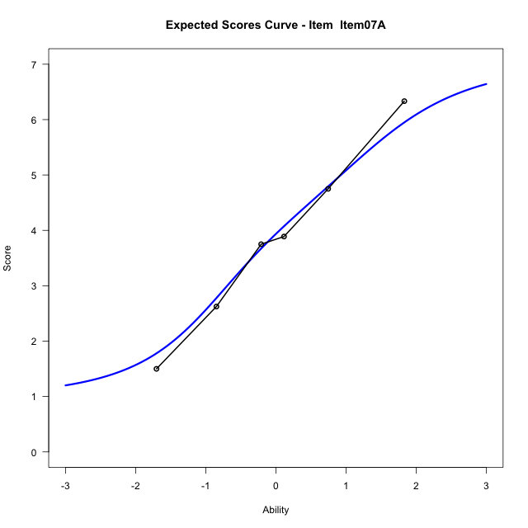
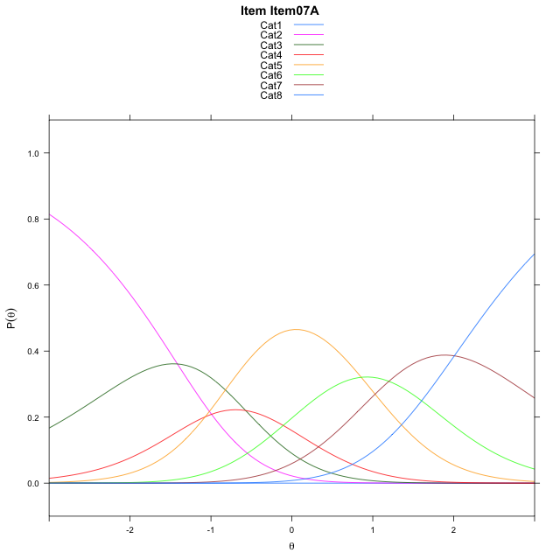
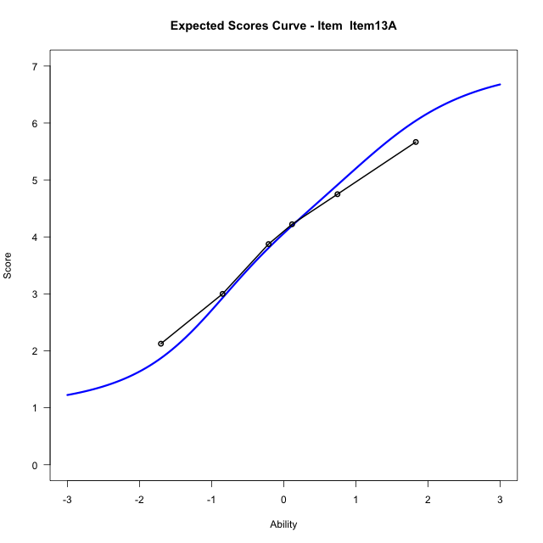
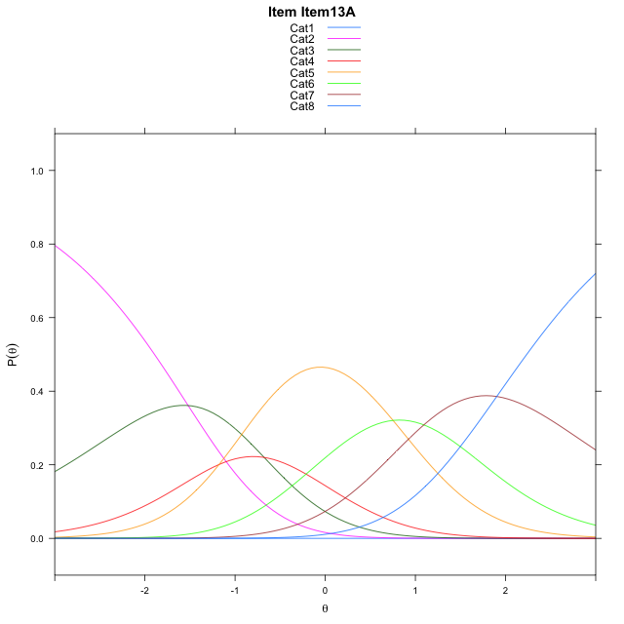
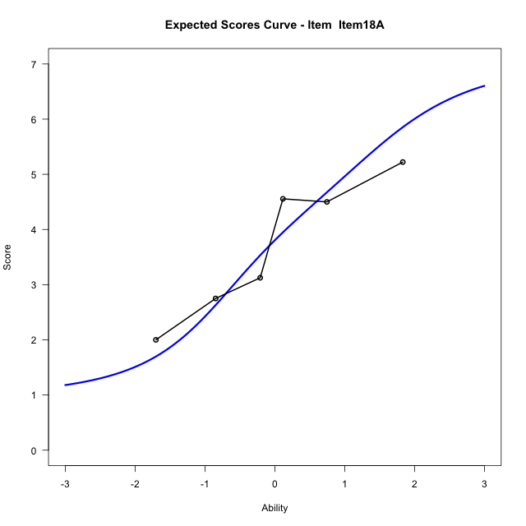
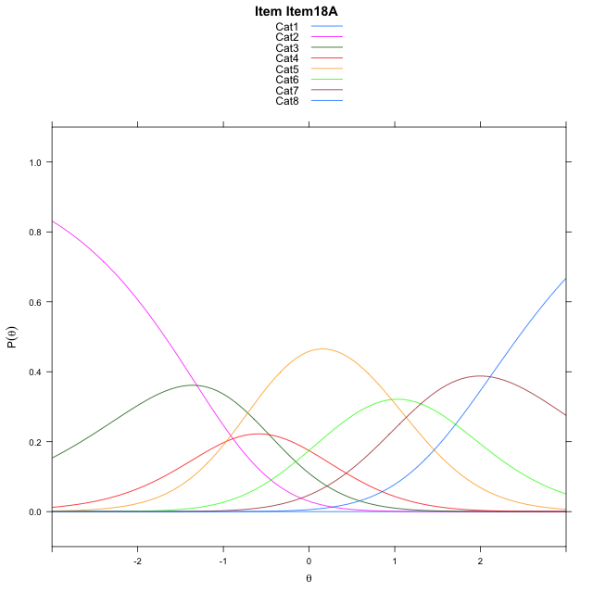
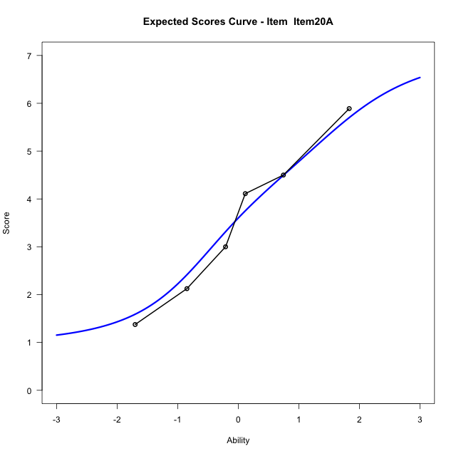
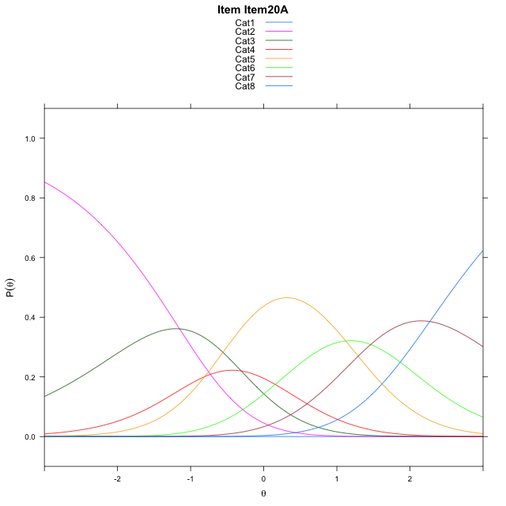
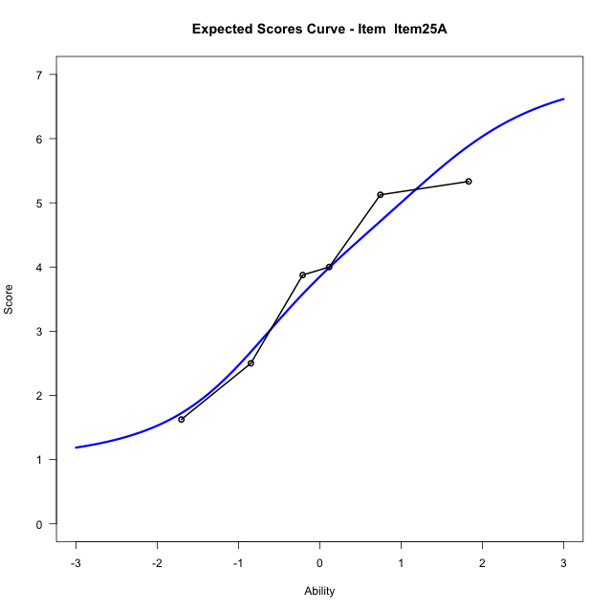
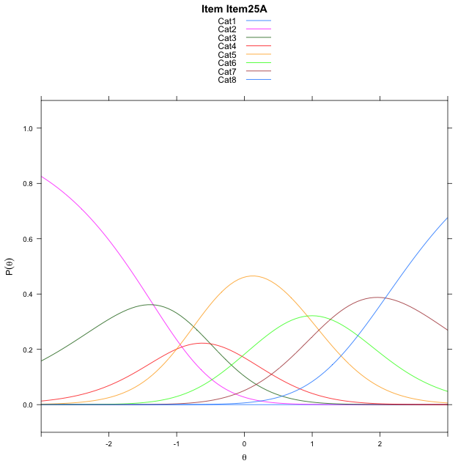
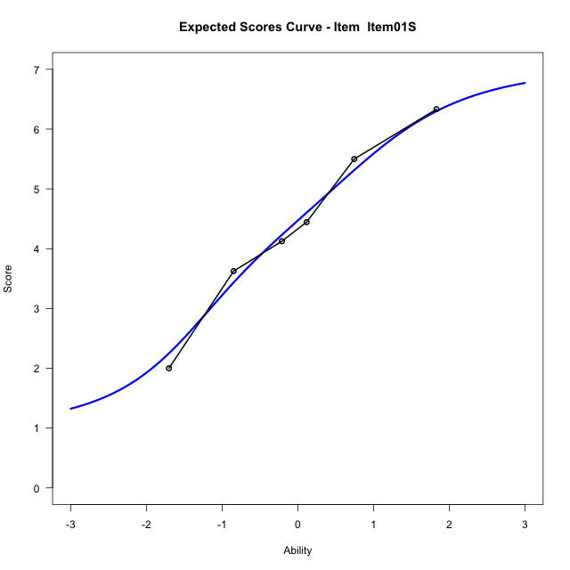
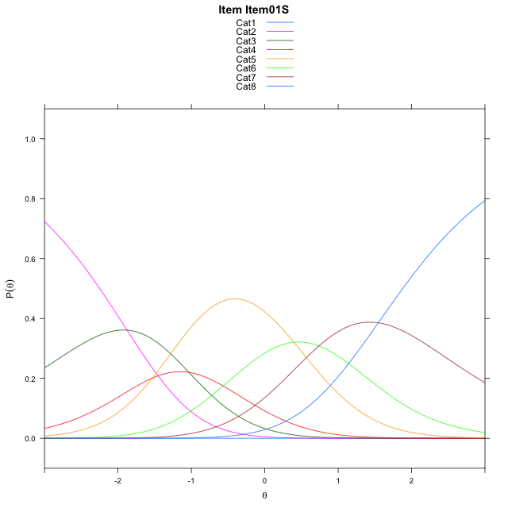
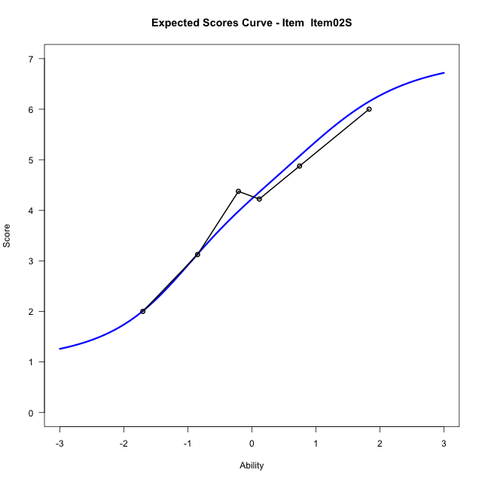
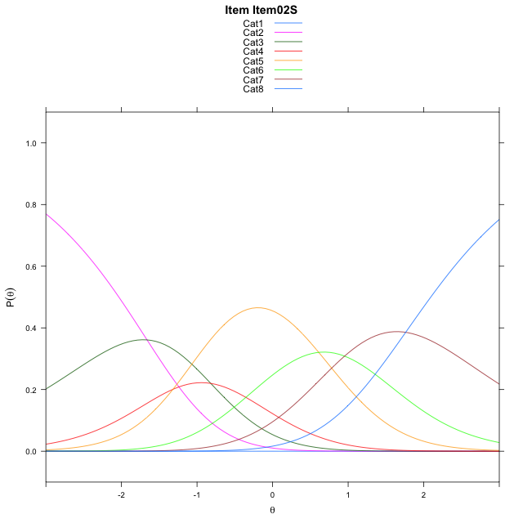
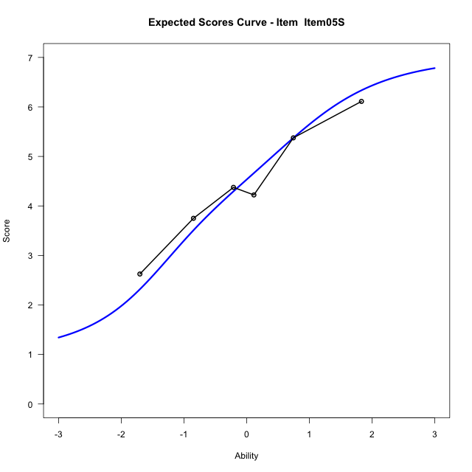
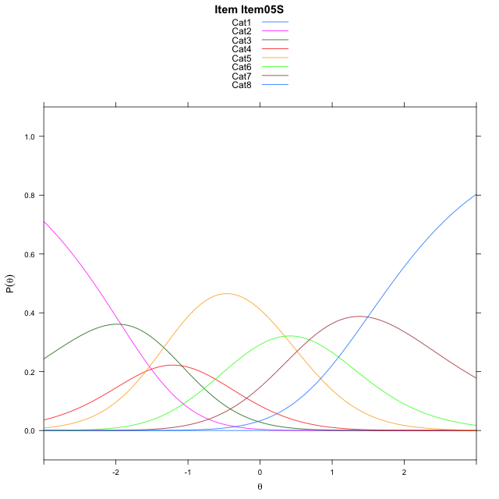
Estimate items information for the measurement model

Full Item Information
item | N | M | xsi.item | AXsi_.Cat1 | AXsi_.Cat2 | AXsi_.Cat3 | AXsi_.Cat4 | AXsi_.Cat5 | AXsi_.Cat6 | AXsi_.Cat7 | B.Cat1.Dim1 | B.Cat2.Dim1 | B.Cat3.Dim1 | B.Cat4.Dim1 | B.Cat5.Dim1 | B.Cat6.Dim1 | B.Cat7.Dim1
Item07A | 50 | 3.86 | -1.1665180197 | -9.1721024893 | -10.586804426 | -11.158338427 | -12.229699924 | -11.37207566 | -10.172723376 | -8.1656261382 | 1 | 2 | 3 | 4 | 5 | 6 | 7
Item13A | 50 | 3.98 | -1.272079046 | -9.2776635156 | -10.797926479 | -11.475021506 | -12.651944029 | -11.899880792 | -10.806089534 | -8.9045533223 | 1 | 2 | 3 | 4 | 5 | 6 | 7
Item18A | 50 | 3.74 | -1.0610971345 | -9.0666816041 | -10.375962656 | -10.842075772 | -11.808016383 | -10.844971234 | -9.5401980644 | -7.4276799415 | 1 | 2 | 3 | 4 | 5 | 6 | 7
Item20A | 50 | 3.56 | -0.902765824 | -8.9083502936 | -10.059300035 | -10.36708184 | -11.174691141 | -10.053314682 | -8.5902102015 | -6.319360768 | 1 | 2 | 3 | 4 | 5 | 6 | 7
Item25A | 50 | 3.78 | -1.0962340207 | -9.1018184903 | -10.446236428 | -10.94748643 | -11.948563928 | -11.020655665 | -9.7510193817 | -7.673638145 | 1 | 2 | 3 | 4 | 5 | 6 | 7
Item01S | 50 | 4.38 | -1.6276934412 | -9.6332779108 | -11.509155269 | -12.541864692 | -14.07440161 | -13.677952768 | -12.939775905 | -11.393854089 | 1 | 2 | 3 | 4 | 5 | 6 | 7
Item02S | 50 | 4.14 | -1.4134397148 | -9.4190241844 | -11.080647816 | -11.899103513 | -13.217386704 | -12.606684136 | -11.654253546 | -9.8940780034 | 1 | 2 | 3 | 4 | 5 | 6 | 7
Item05S | 50 | 4.44 | -1.681841529 | -9.6874259986 | -11.617451445 | -12.704308955 | -14.290993961 | -13.948693207 | -13.264664431 | -11.772890703 | 1 | 2 | 3 | 4 | 5 | 6 | 7

Thurstonian Thresholds (category-wise)
 | Cat1 | Cat2 | Cat3 | Cat4 | Cat5 | Cat6 | Cat7
Item07A | -9.1742248535 | -1.7873840332 | -0.94180297852 | -0.50271606445 | 0.57870483398 | 1.3202819824 | 2.3403625488
Item13A | -9.2796936035 | -1.8928527832 | -1.0472717285 | -0.60836791992 | 0.47305297852 | 1.214630127 | 2.2348937988
Item18A | -9.0687561035 | -1.6819152832 | -0.83633422852 | -0.39743041992 | 0.68399047852 | 1.4257507324 | 2.4458312988
Item20A | -8.910369873 | -1.5235290527 | -0.67794799805 | -0.23904418945 | 0.84237670898 | 1.5839538574 | 2.6042175293
Item25A | -9.1039123535 | -1.7170715332 | -0.87149047852 | -0.43258666992 | 0.64901733398 | 1.3905944824 | 2.4106750488
Item01S | -9.6351013184 | -2.248260498 | -1.4026794434 | -0.96377563477 | 0.11764526367 | 0.85940551758 | 1.879486084
Item02S | -9.4210510254 | -2.0342102051 | -1.1884460449 | -0.74954223633 | 0.33187866211 | 1.0734558105 | 2.0937194824
Item05S | -9.6893005371 | -2.3024597168 | -1.4568786621 | -1.017791748 | 0.063629150391 | 0.80520629883 | 1.8252868652

Thurstonian Thresholds (item-wise)
 | Threshold
Item07A | -0.32640139459
Item13A | -0.434137339
Item18A | -0.22268336519
Item20A | -0.071598393741
Item25A | -0.25687311906
Item01S | -0.79047362256
Item02S | -0.58479249875
Item05S | -0.84282698123

Item Infit/Outfit Statistic
parameter | Outfit | Outfit_t | Outfit_p | Outfit_pholm | Infit | Infit_t | Infit_p | Infit_pholm
Item07A | 1.2096733535 | 1.0173168936 | 0.3090027026 | 1 | 1.2524675263 | 1.2378498129 | 0.21577175422 | 0.9891205795
Item13A | 0.71792713092 | -1.5035038896 | 0.13270915467 | 1 | 0.69626210527 | -1.6901396969 | 0.091001231878 | 0.72800985502
Item18A | 0.96169217039 | -0.13910167757 | 0.88936980261 | 1 | 0.95506463068 | -0.18097751457 | 0.85638522535 | 1
Item20A | 0.71017735874 | -1.5186210533 | 0.12885790866 | 1 | 0.70154657935 | -1.6555338377 | 0.097816258426 | 0.72800985502
Item25A | 0.7781420593 | -1.124036845 | 0.26099739553 | 1 | 0.80087850643 | -1.036333258 | 0.30004669552 | 0.9891205795
Item01S | 1.2016102236 | 0.99351195139 | 0.32046052914 | 1 | 1.2630879747 | 1.2877755207 | 0.1978241159 | 0.9891205795
Item02S | 0.98960599708 | -0.00065496184444 | 0.99947741609 | 1 | 0.97883336931 | -0.055155531236 | 0.95601455591 | 1
Item05S | 1.2852719989 | 1.343557939 | 0.17909137847 | 1 | 1.3133369267 | 1.5028176062 | 0.13288608451 | 0.79731650707
Cat1 | 17.469815747 | 4.5809479956 | 4.6287294354E-06 | 6.017348266E-05 | 2.2335749478 | 6.25420793 | 3.9953841147E-10 | 3.9953841147E-09
Cat2 | 3.0777304976 | 1.4211205937 | 0.15528170405 | 1 | 2.6360651546 | 12.766602793 | 2.5191131953E-37 | 3.2748471539E-36
Cat3 | 1.7298160078 | 0.9640555828 | 0.33501805986 | 1 | 1.7868226618 | 8.6634339186 | 4.5776193798E-18 | 5.4931432558E-17
Cat4 | 1.4472151591 | 0.73974526579 | 0.45945457616 | 1 | 1.4670088741 | 6.6118882738 | 3.7944834902E-11 | 4.1739318393E-10
Cat5 | 1.4704145271 | 1.5711026628 | 0.1161588042 | 1 | 1.8581105631 | 14.042055981 | 8.617578569E-45 | 1.2064609997E-43
Cat6 | 1.0555483997 | 9.8760719982 | 5.2864646458E-23 | 7.4010505041E-22 | 1.5883169666 | 5.3620228827 | 8.2295111898E-08 | 7.4065600708E-07

Box plot of expected curves

