Global-info
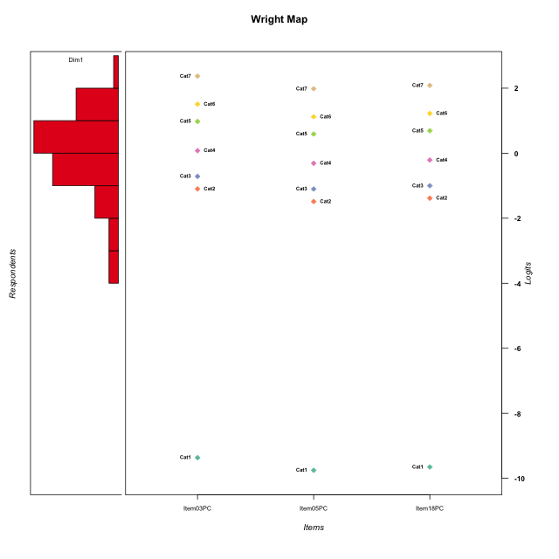
Global information for a measurement model

Information
Number.of.items | Deviance | Log.Likelihood | Number.of.persons | EAP.rel | n.theta.nodes | irt.model
3 | 510.73288586 | -255.36644293 | 51 | 0.83963678456 | 21 | RSM

Global fit statistic MADaQ3 and test fit
MADaQ3 | maxaQ3 | p
0.074579845345 | 0.11186976802 | 1

Test statistic of global fit based on Chi square
maxX2 | Npairs | p.holm
121.55317664 | 3 | 1.2741293087E-07

Model fit statistics
X100.MADCOV | SRMR | SRMSR
22.285520245 | 0.031975802561 | 0.034661443541

Chi square tests for every item pairs
index1 | index2 | maxK1 | maxK2 | df | chi2 | p | p.holm
1 | 2 | 7 | 7 | 49 | 52.827678082 | 0.32852007192 | 0.44113016447
1 | 3 | 7 | 7 | 49 | 121.55317664 | 4.2470976958E-08 | 1.2741293087E-07
2 | 3 | 7 | 7 | 49 | 56.299960165 | 0.22056508224 | 0.44113016447

Item residuals
Item03PC | Item05PC | Item18PC
-0.86275725862 | 0.62677393199 | 0.75665497957
-0.4767396813 | 0.087947875017 | 1.1936811816
0.5232603187 | 0.087947875017 | 0.19368118162
0.45024481344 | -1.0519484501 | 0.081224820497
0.012442706287 | -0.50918248816 | 0.62796517874
-0.79040173953 | 0.83948409865 | 0.92717176409
0.58900456157 | 0.074753974394 | -0.79067880869
-1.0137638747 | -0.45483233773 | 0.66702046764
-0.98755729371 | 2.4908175118 | -1.3720348213
0.012442706287 | -0.50918248816 | 0.62796517874
0.58900456157 | -0.92524602561 | 0.20932119131
2.1663569783 | -1.3449601305 | -1.2109022822
0.30022653171 | -0.21653334539 | -0.080812737225
-0.79040173953 | 0.83948409865 | 0.92717176409
-0.12168150345 | -0.63529720362 | 0.49884409703
-0.76980772325 | -1.1511568843 | 0.95699294442
-0.12168150345 | -0.63529720362 | 0.49884409703
0.43398394837 | 0.91027802077 | -0.95413438315
0.60298967407 | 0.40195360174 | 0.44753172142
0.83323091923 | -0.64869466866 | 0.47125103769
3.0124427063 | -0.50918248816 | -2.3720348213
1.5890045616 | -0.92524602561 | -0.79067880869
0.43398394837 | -1.0897219792 | 1.0458656169
-0.69977346829 | 0.78346665461 | -0.080812737225
0.72457934237 | 1.1988791896 | -1.6635051236
-1.4767396813 | 1.087947875 | 1.1936811816
-0.3491825887 | -0.56070490635 | -0.49738186034
-0.16676908077 | 0.35130533134 | 0.47125103769
-0.27542065763 | 1.1988791896 | -0.66350512358
-0.3491825887 | -0.56070490635 | -0.49738186034
-0.3491825887 | -0.56070490635 | -0.49738186034
-0.3491825887 | -0.56070490635 | -0.49738186034
-0.83364302175 | 2.6550398695 | -2.2109022822
-1.2754206576 | 2.1988791896 | -0.66350512358
-0.4767396813 | 0.087947875017 | 1.1936811816
0.58900456157 | -0.92524602561 | 0.20932119131
0.87831849655 | -0.63529720362 | -0.50115590297
-1.0137638747 | -1.4548323377 | 1.6670204676
1.5232603187 | 1.087947875 | -1.8063188184
0.58900456157 | 0.074753974394 | -0.79067880869
0.012442706287 | -0.50918248816 | 0.62796517874
-0.12168150345 | -0.63529720362 | 0.49884409703
-0.3491825887 | -0.56070490635 | -0.49738186034
0.012442706287 | -0.50918248816 | 0.62796517874
0.20959826047 | -0.16051590135 | 0.92717176409
-0.69977346829 | -0.21653334539 | 0.91918726277
0.89838727043 | 0.60887392791 | -0.3241433649
0.72457934237 | 0.1988791896 | -0.66350512358
-0.013763874658 | -0.45483233773 | -0.33297953236
-1.6997734683 | 0.78346665461 | 0.91918726277
-1.2747899099 | 0.24472261861 | 0.37445965647

Wright Map for Item Response Models

Estimate-Items
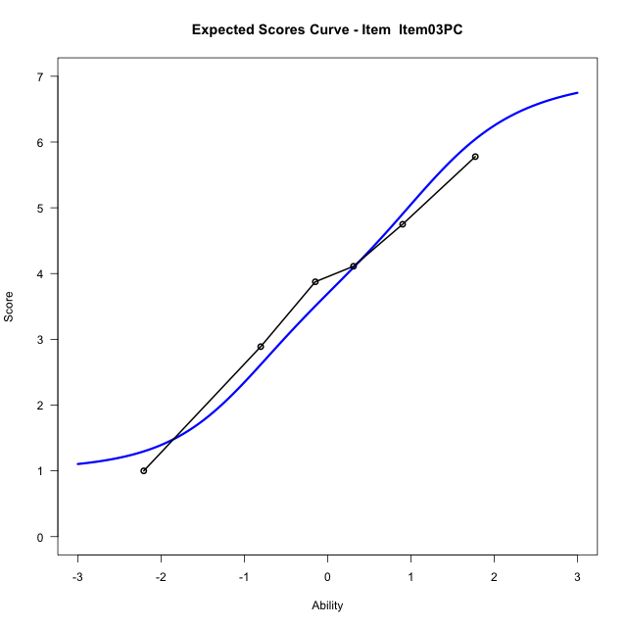
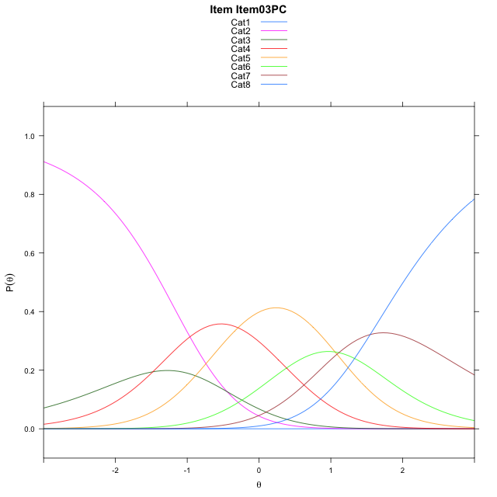
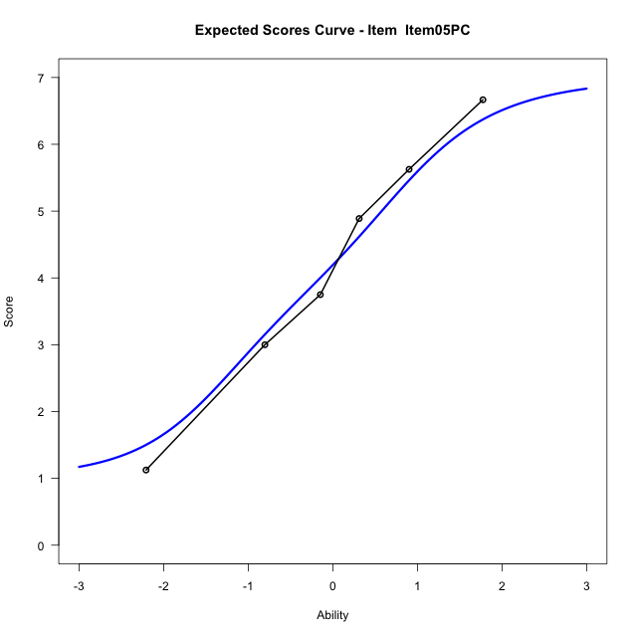
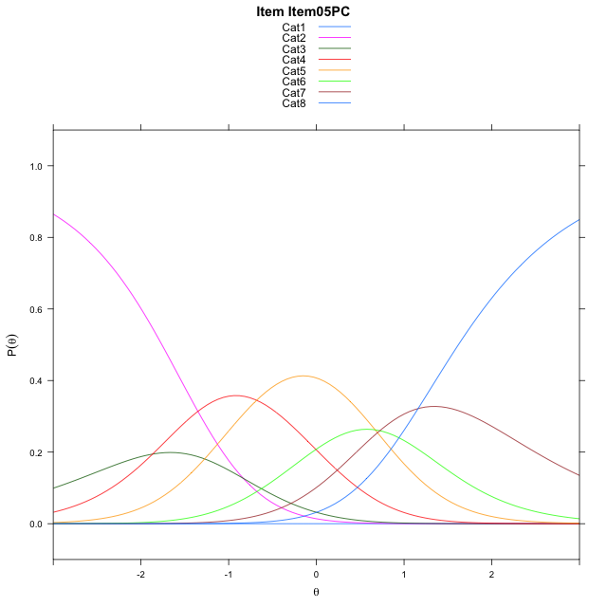
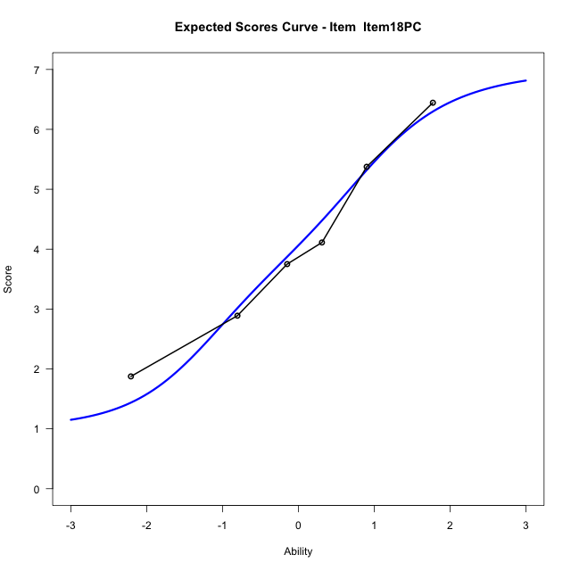
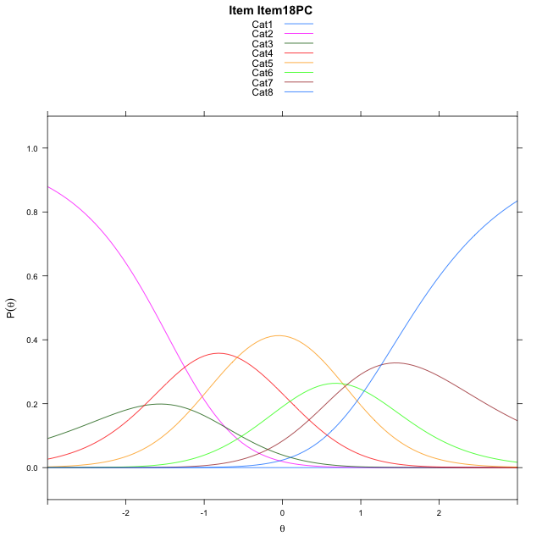
Estimate items information for the measurement model

Full Item Information
item | N | M | xsi.item | AXsi_.Cat1 | AXsi_.Cat2 | AXsi_.Cat3 | AXsi_.Cat4 | AXsi_.Cat5 | AXsi_.Cat6 | AXsi_.Cat7 | B.Cat1.Dim1 | B.Cat2.Dim1 | B.Cat3.Dim1 | B.Cat4.Dim1 | B.Cat5.Dim1 | B.Cat6.Dim1 | B.Cat7.Dim1
Item03PC | 51 | 3.7647058824 | -1.1964466912 | -9.8745819527 | -10.320706987 | -11.799956508 | -12.092904038 | -11.034509903 | -9.9227074128 | -8.3751268386 | 1 | 2 | 3 | 4 | 5 | 6 | 7
Item05PC | 51 | 4.2156862745 | -1.5844705607 | -10.262605822 | -11.096754726 | -12.964028117 | -13.644999515 | -12.97462925 | -12.250850629 | -11.091293925 | 1 | 2 | 3 | 4 | 5 | 6 | 7
Item18PC | 51 | 4.0980392157 | -1.4831268008 | -10.161262062 | -10.894067206 | -12.659996837 | -13.239624476 | -12.46791045 | -11.64278807 | -10.381887606 | 1 | 2 | 3 | 4 | 5 | 6 | 7

Thurstonian Thresholds (category-wise)
 | Cat1 | Cat2 | Cat3 | Cat4 | Cat5 | Cat6 | Cat7
Item03PC | -9.8762512207 | -1.372467041 | -0.96011352539 | -0.20425415039 | 0.7239074707 | 1.2538146973 | 2.0074768066
Item05PC | -10.26461792 | -1.7608337402 | -1.3484802246 | -0.59262084961 | 0.33554077148 | 0.86544799805 | 1.6191101074
Item18PC | -10.162994385 | -1.6592102051 | -1.2468566895 | -0.49099731445 | 0.43716430664 | 0.96725463867 | 1.720916748

Thurstonian Thresholds (item-wise)
 | Threshold
Item03PC | -0.14751666459
Item05PC | -0.54024828272
Item18PC | -0.43677932916

Item Infit/Outfit Statistic
parameter | Outfit | Outfit_t | Outfit_p | Outfit_pholm | Infit | Infit_t | Infit_p | Infit_pholm
Item03PC | 0.97759081077 | -0.073442055294 | 0.94145435265 | 1 | 0.9942818541 | -0.0062491433139 | 0.99501393748 | 1
Item05PC | 0.93613930028 | -0.24765919674 | 0.80439810473 | 1 | 1.000967357 | 0.038728453948 | 0.96910688745 | 1
Item18PC | 1.047243059 | 0.22829703213 | 0.81941533166 | 1 | 1.0298239104 | 0.17504947112 | 0.86104076132 | 1
Cat1 | 1.4198501463 | 2.5879469911 | 0.0096549837366 | 0.067584886156 | 1.2725546663 | 1.4547202668 | 0.14574671949 | 0.58298687797
Cat2 | 1.1626296294 | 0.43126419107 | 0.66627628437 | 1 | 1.2670263541 | 2.0118833375 | 0.04423223625 | 0.2653934175
Cat3 | 1.3219469637 | 0.71235204903 | 0.47624680072 | 1 | 1.3353598597 | 2.6982040816 | 0.0069714687788 | 0.048800281452
Cat4 | 1.2166166279 | 0.87729327331 | 0.38032736495 | 1 | 1.2285837726 | 2.7710393225 | 0.0055877678342 | 0.044702142673
Cat5 | 1.2230688707 | 11.455657641 | 2.2028492187E-30 | 1.7622793749E-29 | 1.2669691049 | 3.1072973779 | 0.0018880636601 | 0.016992572941
Cat6 | 2.1309218381 | 286.80039368 | 0 | 0 | 1.3210750835 | 1.9395617316 | 0.052432975437 | 0.2653934175

Box plot of expected curves

