Global-info
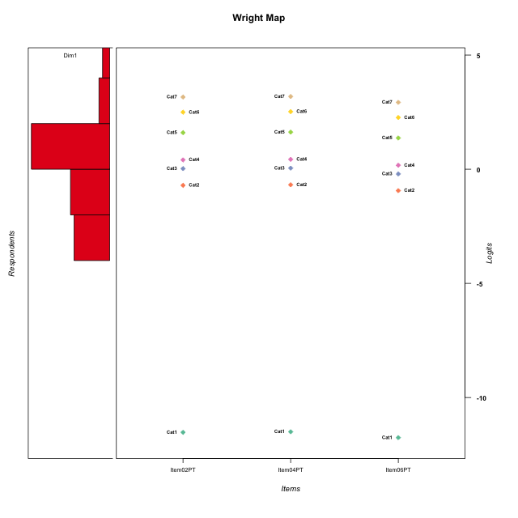
Global information for a measurement model

Information
Number.of.items | Deviance | Log.Likelihood | Number.of.persons | EAP.rel | n.theta.nodes | irt.model
3 | 434.9686703 | -217.48433515 | 48 | 0.86534719126 | 21 | RSM

Global fit statistic MADaQ3 and test fit
MADaQ3 | maxaQ3 | p
0.084569963147 | 0.12685494472 | 1

Test statistic of global fit based on Chi square
maxX2 | Npairs | p.holm
348.1901648 | 3 | 0

Model fit statistics
X100.MADCOV | SRMR | SRMSR
20.429924848 | 0.025052570413 | 0.033197118805

Chi square tests for every item pairs
index1 | index2 | maxK1 | maxK2 | df | chi2 | p | p.holm
1 | 2 | 7 | 7 | 49 | 348.1901648 | 0 | 0
1 | 3 | 7 | 7 | 49 | 174.71331394 | 5.5511151231E-16 | 1.1102230246E-15
2 | 3 | 7 | 7 | 49 | 34.42761729 | 0.94304032487 | 0.94304032487

Item residuals
Item02PT | Item04PT | Item06PT
-0.21973872939 | -0.21447872648 | -0.27950798905
0.28130955536 | 0.29812954187 | -0.9043243235
-0.7927770491 | 1.2326178062 | -0.044203584557
-0.7927770491 | 0.23261780617 | 0.95579641544
-0.21973872939 | -0.21447872648 | -0.27950798905
-1.1018030698 | 0.92338049299 | 0.64963892524
0.77354125579 | -2.1953094912 | 1.4688060828
-0.17257900854 | -0.14568968737 | 0.56591689165
0.45748951088 | -0.51243167613 | 0.16652271459
-0.17257900854 | -0.14568968737 | 0.56591689165
0.82742099146 | -0.14568968737 | -0.43408310835
-0.21973872939 | -0.21447872648 | -0.27950798905
-0.45237749958 | -0.44152955858 | 0.4256224145
-0.72462546737 | 1.2984057283 | 0.055757934211
-0.21973872939 | -0.21447872648 | -0.27950798905
0.14126398877 | 0.16971426383 | -0.13343755126
-0.45237749958 | -0.44152955858 | 0.4256224145
-0.54251048912 | -0.51243167613 | 1.1665227146
0.14126398877 | 0.16971426383 | -0.13343755126
1.0870837042 | -0.88182063501 | -0.22289709824
0.51641250168 | 0.54225855498 | -0.73774839633
0.087083704246 | -0.88182063501 | 0.77710290176
0.087083704246 | 0.11817936499 | -0.22289709824
-0.60268546538 | 2.4269121725 | -1.9049406023
0.37121299446 | 0.38069738284 | 0.28743764191
0.39731453462 | -0.57308782753 | 0.095059397733
-0.0023126682492 | 0.019939838145 | -0.24207356312
0.37121299446 | 0.38069738284 | 0.28743764191
-3.7927770491 | 2.2326178062 | 1.9557964154
1.7735412558 | -2.1953094912 | 0.46880608283
-0.21973872939 | -0.21447872648 | -0.27950798905
-0.21973872939 | -0.21447872648 | -0.27950798905
-0.21973872939 | -0.21447872648 | -0.27950798905
-0.17257900854 | 0.85431031263 | -0.43408310835
-0.21973872939 | -0.21447872648 | -0.27950798905
-0.21973872939 | -0.21447872648 | -0.27950798905
0.14126398877 | -1.8302857362 | 1.8665624487
0.77354125579 | 0.80469050877 | -1.5311939172
-0.48358749832 | 0.54225855498 | 0.26225160367
0.37121299446 | 0.38069738284 | 0.28743764191
1.1412639888 | 0.16971426383 | -1.1334375513
-0.29794319857 | 0.72866348323 | -0.57705935885
0.2072229509 | -0.76738219383 | 0.95579641544
-0.21973872939 | -0.21447872648 | -0.27950798905
-0.0023126682492 | 0.019939838145 | -0.24207356312
1.3973145346 | -0.57308782753 | -0.90494060227
1.2072229509 | 0.23261780617 | -1.0442035846
0.2072229509 | 0.23261780617 | -0.044203584557

Wright Map for Item Response Models

Estimate-Items
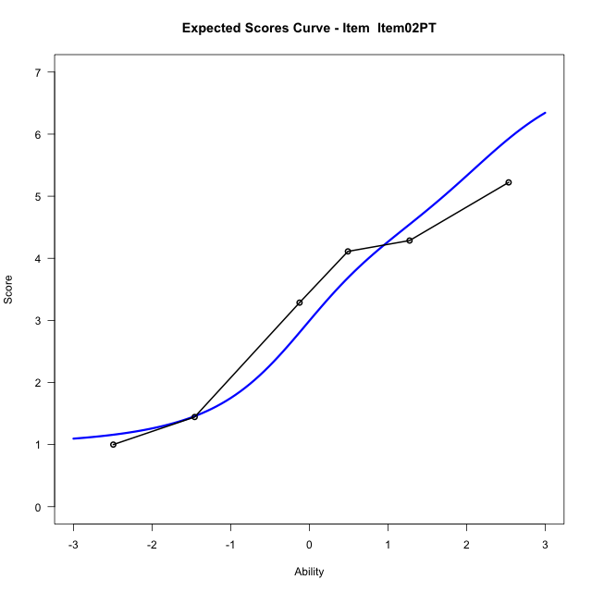
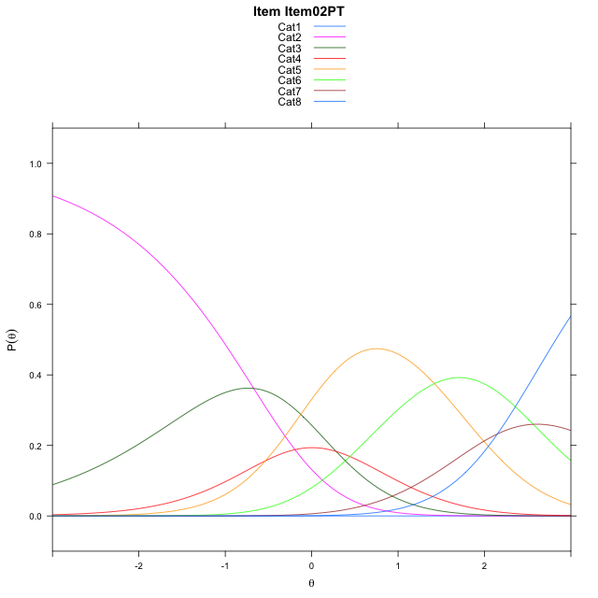
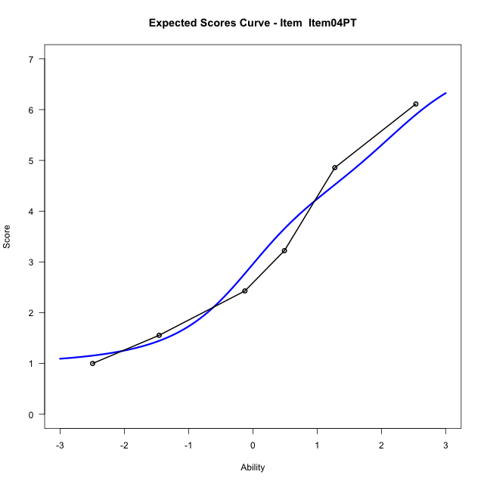
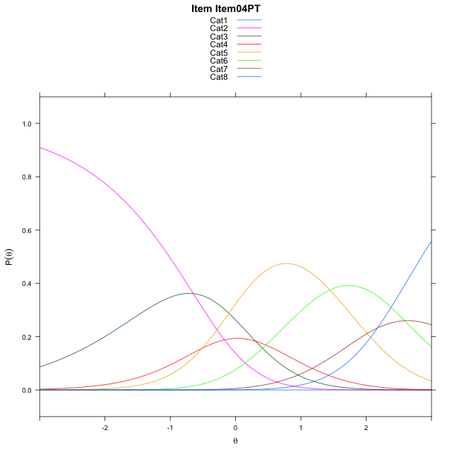
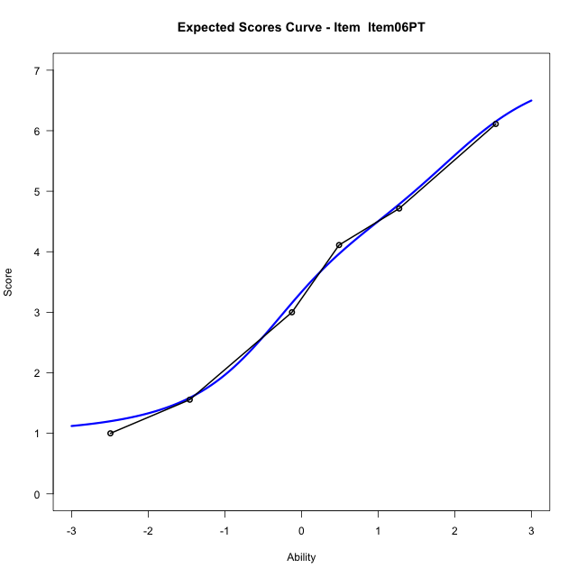
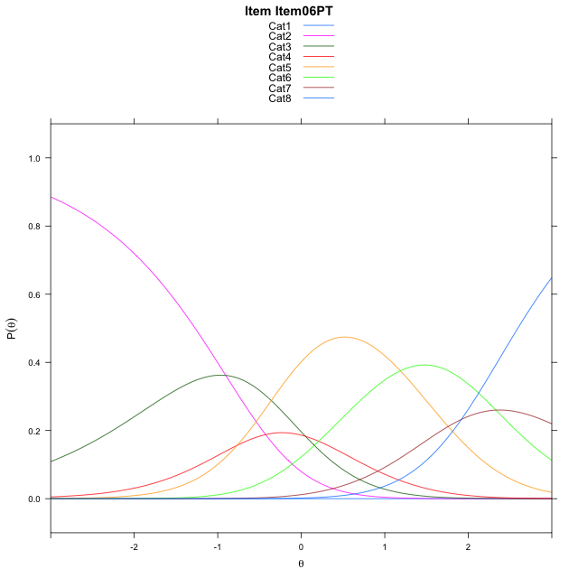
Estimate items information for the measurement model

Full Item Information
item | N | M | xsi.item | AXsi_.Cat1 | AXsi_.Cat2 | AXsi_.Cat3 | AXsi_.Cat4 | AXsi_.Cat5 | AXsi_.Cat6 | AXsi_.Cat7 | B.Cat1.Dim1 | B.Cat2.Dim1 | B.Cat3.Dim1 | B.Cat4.Dim1 | B.Cat5.Dim1 | B.Cat6.Dim1 | B.Cat7.Dim1
Item02PT | 48 | 3.2708333333 | -0.9749578852 | -12.033110348 | -12.704670745 | -12.421790458 | -12.957601221 | -11.538001845 | -8.9739352751 | -6.8247051964 | 1 | 2 | 3 | 4 | 5 | 6 | 7
Item04PT | 48 | 3.25 | -0.95153418323 | -12.009686646 | -12.657823341 | -12.351519352 | -12.863906413 | -11.420883336 | -8.8333930633 | -6.6607392826 | 1 | 2 | 3 | 4 | 5 | 6 | 7
Item06PT | 48 | 3.4791666667 | -1.2076599814 | -12.265812444 | -13.170074937 | -13.119896747 | -13.888409605 | -12.701512326 | -10.370147852 | -8.4536198695 | 1 | 2 | 3 | 4 | 5 | 6 | 7

Thurstonian Thresholds (category-wise)
 | Cat1 | Cat2 | Cat3 | Cat4 | Cat5 | Cat6 | Cat7
Item02PT | -11.999908447 | -1.0379333496 | -0.21102905273 | 0.15829467773 | 1.2900695801 | 2.2246398926 | 2.825592041
Item04PT | -11.999908447 | -1.0144958496 | -0.18759155273 | 0.18173217773 | 1.3135070801 | 2.2480773926 | 2.849029541
Item06PT | -11.999908447 | -1.2704772949 | -0.44375610352 | -0.074432373047 | 1.0573425293 | 1.9919128418 | 2.5928649902

Thurstonian Thresholds (item-wise)
 | Threshold
Item02PT | 0.36738814552
Item04PT | 0.38972547604
Item06PT | 0.13123616426

Item Infit/Outfit Statistic
parameter | Outfit | Outfit_t | Outfit_p | Outfit_pholm | Infit | Infit_t | Infit_p | Infit_pholm
Item02PT | 0.87945033093 | -0.28047245024 | 0.7791150591 | 1 | 1.0296480978 | 0.17178970092 | 0.86360286263 | 1
Item04PT | 0.98185627783 | 0.025219654672 | 0.97987975978 | 1 | 1.1689846837 | 0.72723474745 | 0.46708216356 | 1
Item06PT | 0.85604263437 | -0.39161900572 | 0.69533974286 | 1 | 0.95735172238 | -0.1529868405 | 0.87840865288 | 1
Cat1 | 0.99687374718 | 8.5689023999 | 1.0447603433E-17 | 6.2685620596E-17 | 1.4526414625 | 1.3580104029 | 0.17446038321 | 1
Cat2 | 1.7644257897 | 0.96901502608 | 0.33253769214 | 1 | 1.6132011873 | 3.6844096182 | 0.00022923334672 | 0.0020631001205
Cat3 | 1.2703127584 | 1.4581549697 | 0.14479783259 | 0.72398916297 | 1.4779670931 | 3.0660746236 | 0.0021688917649 | 0.015182242354
Cat4 | 1.1141104739 | 12.553050324 | 3.8248671202E-36 | 2.6774069841E-35 | 1.4495529765 | 3.3829103564 | 0.00071722039115 | 0.0057377631292
Cat5 | 1.1868578542 | 366.25265724 | 0 | 0 | 0.97500786107 | -0.31414104938 | 0.75341391354 | 1
Cat6 | 0.7801937783 | 21235.806923 | 0 | 0 | 0.98785972515 | -0.018598917646 | 0.98516106628 | 1

Box plot of expected curves

