Global-info
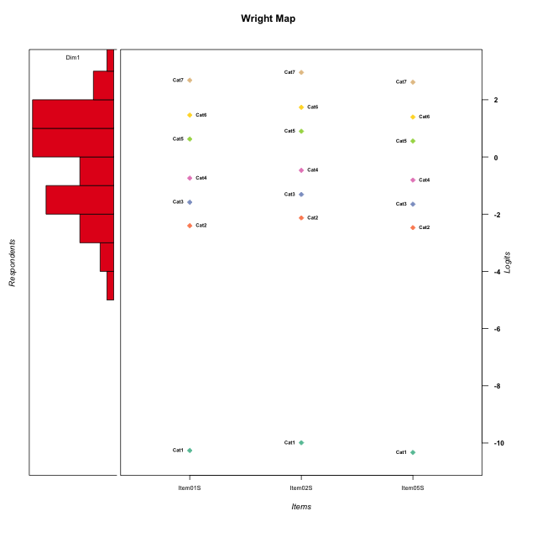
Global information for a measurement model

Information
Number.of.items | Deviance | Log.Likelihood | Number.of.persons | EAP.rel | n.theta.nodes | irt.model
3 | 494.07223442 | -247.03611721 | 51 | 0.86681259684 | 21 | RSM

Global fit statistic MADaQ3 and test fit
MADaQ3 | maxaQ3 | p
0.20812292795 | 0.31218439193 | 0.091651943816

Test statistic of global fit based on Chi square
maxX2 | Npairs | p.holm
67.244796963 | 3 | 0.12830603626

Model fit statistics
X100.MADCOV | SRMR | SRMSR
25.844770432 | 0.067709312516 | 0.077568381883

Chi square tests for every item pairs
index1 | index2 | maxK1 | maxK2 | df | chi2 | p | p.holm
1 | 2 | 7 | 7 | 49 | 25.085307616 | 0.99820087372 | 1
1 | 3 | 7 | 7 | 49 | 30.624638951 | 0.98159382864 | 1
2 | 3 | 7 | 7 | 49 | 67.244796963 | 0.042768678754 | 0.12830603626

Item residuals
Item01S | Item02S | Item05S
0.36867094634 | 0.46757161847 | 0.3468474208
-0.38817840068 | -0.13877591838 | 0.54864776036
0.7252388048 | 0.9829318398 | -1.3387932435
1.0205004143 | -0.72152984626 | -0.044628916935
1.0205004143 | 0.27847015374 | -1.0446289169
0.43320117986 | 0.68164801253 | -0.62719952317
-0.094595739466 | 0.15510974262 | -0.15711919414
-1.0945957395 | 0.15510974262 | 0.84288080586
-1.0187201795 | -0.81188522663 | 0.92475868841
-0.91839913801 | -0.6431986742 | 1.0122803259
1.3166011588 | -0.42985819125 | -0.74785431751
-0.68339884121 | 0.57014180875 | 0.25214568249
0.87001537886 | 1.064280155 | -1.1748846304
-0.21543723915 | 0.058263004695 | -0.2832426636
0.081600861986 | -0.6431986742 | 0.012280325922
-0.80222497071 | 0.45359478311 | 0.13449567321
-0.38817840068 | -0.13877591838 | 0.54864776036
0.60727531748 | -0.24277337476 | 0.57345618497
-0.72657569753 | 0.43270790128 | -0.77137053289
0.49029788648 | 0.75575002867 | -1.5750485919
0.60727531748 | 0.75722662524 | -0.42654381503
1.3166011588 | -0.42985819125 | -0.74785431751
-0.85297648728 | 0.37457703601 | 1.0930629738
0.43320117986 | -0.31835198747 | 0.37280047683
0.020500414341 | 0.27847015374 | -0.044628916935
-1.1299846211 | 1.064280155 | 0.82511536962
-0.61882275445 | -1.3530718147 | 1.3126204494
-0.2747611952 | -0.0170681602 | 0.66120675648
0.61182159932 | 0.86122408162 | -1.4513522396
-0.61882275445 | -0.35307181469 | 0.31262044935
-0.45337010745 | -0.34800865593 | -0.48375341593
1.1470235127 | -1.625422964 | 1.0930629738
-0.80222497071 | 0.45359478311 | 0.13449567321
0.38117724555 | 0.64692818531 | -1.6873795506
-0.2747611952 | -0.0170681602 | 0.66120675648
-0.094595739466 | 0.15510974262 | -0.15711919414
0.49029788648 | -0.24424997133 | -0.5750485919
-0.45337010745 | -0.34800865593 | -0.48375341593
1.1470235127 | -1.625422964 | 1.0930629738
-0.094595739466 | -0.84489025738 | 0.84288080586
-0.38817840068 | 0.86122408162 | -0.45135223964
0.020500414341 | -0.72152984626 | 0.95537108307
0.081600861986 | -0.6431986742 | 0.012280325922
0.14702351272 | 0.37457703601 | 0.093062973841
-0.094595739466 | 0.15510974262 | -0.15711919414
-0.094595739466 | 2.1551097426 | -2.1571191941
1.7252388048 | -0.0170681602 | -1.3387932435
0.43320117986 | -0.31835198747 | 0.37280047683
-1.0187201795 | 0.18811477337 | -0.075241311594
-1.3881784007 | -0.13877591838 | 1.5486477604
-0.50970211352 | -1.2442499713 | 1.4249514081

Wright Map for Item Response Models

Estimate-Items
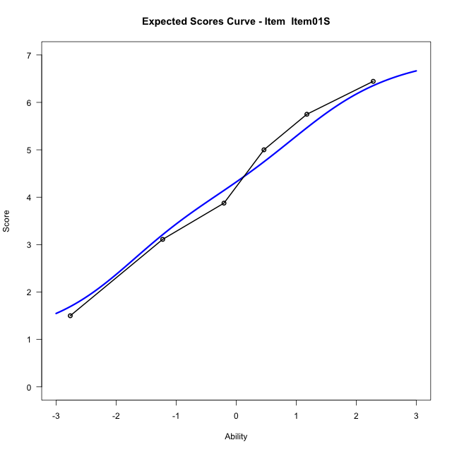
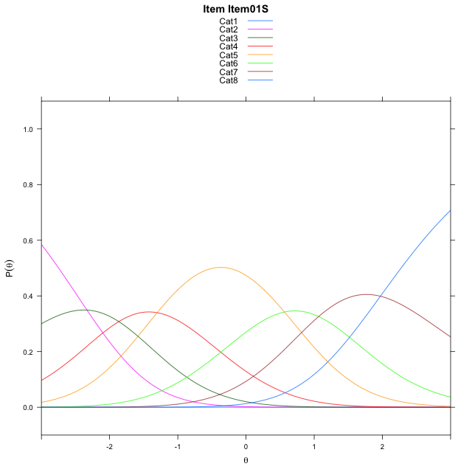
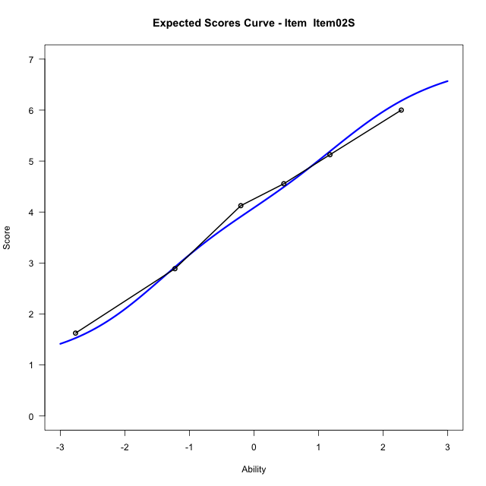
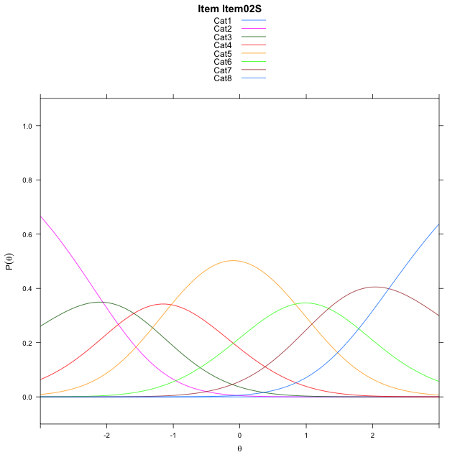
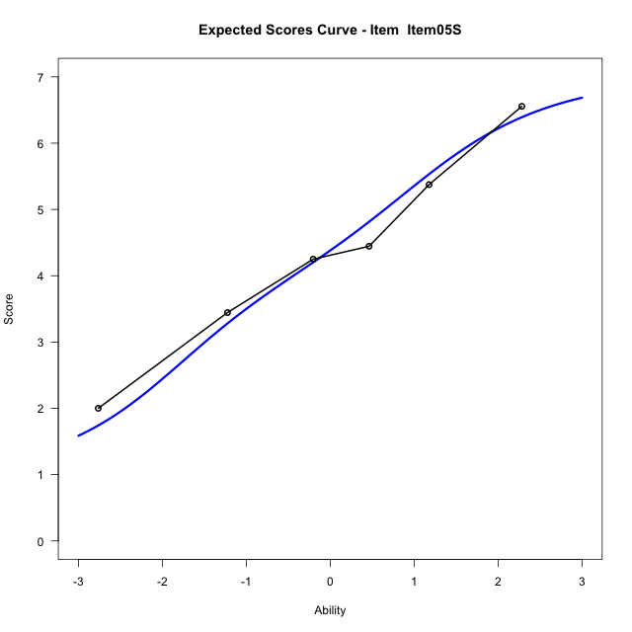
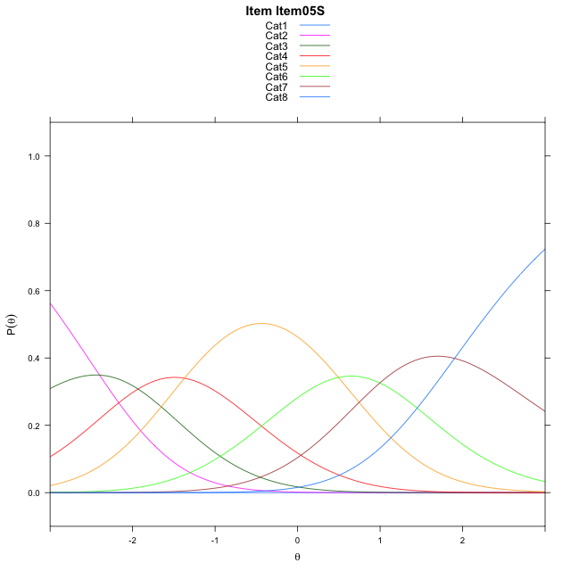
Estimate items information for the measurement model

Full Item Information
item | N | M | xsi.item | AXsi_.Cat1 | AXsi_.Cat2 | AXsi_.Cat3 | AXsi_.Cat4 | AXsi_.Cat5 | AXsi_.Cat6 | AXsi_.Cat7 | B.Cat1.Dim1 | B.Cat2.Dim1 | B.Cat3.Dim1 | B.Cat4.Dim1 | B.Cat5.Dim1 | B.Cat6.Dim1 | B.Cat7.Dim1
Item01S | 51 | 4.3137254902 | -1.8105445574 | -10.771997505 | -13.104281069 | -14.969894181 | -16.272617574 | -15.709390241 | -14.644392854 | -12.673811902 | 1 | 2 | 3 | 4 | 5 | 6 | 7
Item02S | 51 | 4.0784313725 | -1.5385316395 | -10.499984587 | -12.560255233 | -14.153855427 | -15.184565902 | -14.349325651 | -13.012315346 | -10.769721476 | 1 | 2 | 3 | 4 | 5 | 6 | 7
Item05S | 51 | 4.3725490196 | -1.8789478933 | -10.840400841 | -13.24108774 | -15.175104188 | -16.546230918 | -16.051406921 | -15.054812869 | -13.152635253 | 1 | 2 | 3 | 4 | 5 | 6 | 7

Thurstonian Thresholds (category-wise)
 | Cat1 | Cat2 | Cat3 | Cat4 | Cat5 | Cat6 | Cat7
Item01S | -10.773101807 | -2.7475891113 | -1.8641052246 | -1.0544128418 | 0.3166809082 | 1.1640930176 | 2.2737121582
Item02S | -10.50100708 | -2.4754943848 | -1.592010498 | -0.7825012207 | 0.5885925293 | 1.4361877441 | 2.5458068848
Item05S | -10.841400146 | -2.8158874512 | -1.9324035645 | -1.1228942871 | 0.24819946289 | 1.0957946777 | 2.2052307129

Thurstonian Thresholds (item-wise)
 | Threshold
Item01S | -0.91940321852
Item02S | -0.65512237802
Item05S | -0.98933880125

Item Infit/Outfit Statistic
parameter | Outfit | Outfit_t | Outfit_p | Outfit_pholm | Infit | Infit_t | Infit_p | Infit_pholm
Item01S | 0.92770211782 | -0.32628222529 | 0.74421083518 | 1 | 0.9118771324 | -0.43323187555 | 0.6648463239 | 1
Item02S | 0.93973072415 | -0.27931879883 | 0.7800001808 | 1 | 0.89853846723 | -0.50745551867 | 0.6118352393 | 1
Item05S | 1.1941432935 | 0.86786609168 | 0.3854676436 | 1 | 1.1574301024 | 0.78938923412 | 0.42988454626 | 1
Cat1 | 0.68139556598 | 4.1443627132 | 3.4076002685E-05 | 0.00023853201879 | 1.2680765857 | 1.209858676 | 0.2263331264 | 1
Cat2 | 0.9595084792 | 0.31382549578 | 0.75365357909 | 1 | 1.1660922311 | 1.0397337823 | 0.29846360093 | 1
Cat3 | 1.1200054821 | 0.38266885949 | 0.70196530665 | 1 | 1.1745872595 | 1.1899255721 | 0.23407564656 | 1
Cat4 | 1.0526016301 | 0.76442187518 | 0.44461587688 | 1 | 1.1310205179 | 1.1524488239 | 0.24913668783 | 1
Cat5 | 1.0697629158 | 11.152981381 | 6.9246593718E-29 | 5.5397274975E-28 | 1.2766252429 | 3.3540361836 | 0.00079641947588 | 0.0071677752829
Cat6 | 1.2074499302 | 243.49837802 | 0 | 0 | 1.2404709564 | 1.739786107 | 0.081896582882 | 0.65517266305

Box plot of expected curves

