Type_1
Wilcoxon Analysis for Effort/Importance by Type in Type between non-gamified:ont-gamified

Wilcoxon test results
Alternative hypothesis: less
Group | N | Median | Mean.Ranks | Sum.Ranks | U | Z | p.value | r | magnitude
non-gamified | 7 | 0.043437426927 | 12.214285714 | 85.5 | 57.5 | 0.64318310914 | 0.74516683867 | 0.14035406111 | small
ont-gamified | 14 | -0.11852834837 | 10.392857143 | 145.5 | 57.5 | 0.64318310914 | 0.74516683867 | 0.14035406111 | small
Alternative hypothesis: greater
Group | N | Median | Mean.Ranks | Sum.Ranks | U | Z | p.value | r | magnitude
non-gamified | 7 | 0.043437426927 | 12.214285714 | 85.5 | 57.5 | 0.64318310914 | 0.27727898177 | 0.14035406111 | small
ont-gamified | 14 | -0.11852834837 | 10.392857143 | 145.5 | 57.5 | 0.64318310914 | 0.27727898177 | 0.14035406111 | small
Alternative hypothesis: two.sided
Group | N | Median | Mean.Ranks | Sum.Ranks | U | Z | p.value | r | magnitude
non-gamified | 7 | 0.043437426927 | 12.214285714 | 85.5 | 57.5 | 0.64318310914 | 0.55188338493 | 0.14035406111 | small
ont-gamified | 14 | -0.11852834837 | 10.392857143 | 145.5 | 57.5 | 0.64318310914 | 0.55188338493 | 0.14035406111 | small

Box plots for wilcoxon tests
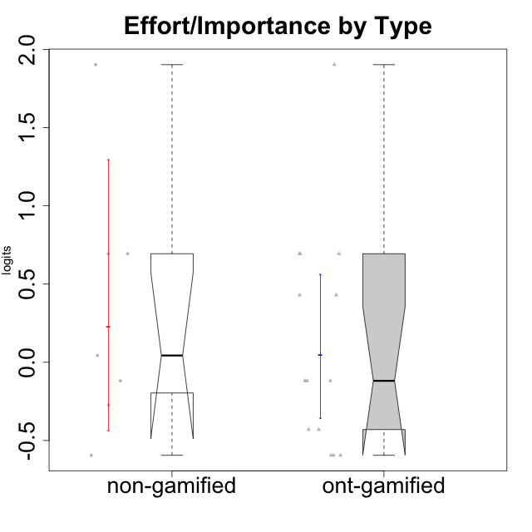

Wilcoxon data
UserID | Type | CLGroup | CLRole | PlayerRole | Score | theta | error | Outfit | Infit | Effort/Importance
10116 | non-gamified | GroupC | Master |  | 9 | -0.59479403893 | 0.44401493961 | 0.019779694234 | 0.02108660608 | -0.59479403893
10120 | ont-gamified | Grupo Hélio | Master | Yee Socializer | 16 | 0.69391751569 | 0.57678426944 | 0.8643362967 | 0.87895879231 | 0.69391751569
10121 | ont-gamified | Grupo Hades | Master | Yee Achiever | 12 | -0.11852834837 | 0.42555824291 | 0.017373998066 | 0.017279489197 | -0.11852834837
10122 | non-gamified | GroupB | Apprentice |  | 12 | -0.11852834837 | 0.42555824291 | 1.3906306937 | 1.3655461541 | -0.11852834837
10123 | ont-gamified | Grupo Morfeu | Apprentice | Yee Achiever | 10 | -0.42994125574 | 0.4282113421 | 0.67237549425 | 0.68470695523 | -0.42994125574
10126 | ont-gamified | Grupo Hélio | Apprentice | Yee Socializer | 12 | -0.11852834837 | 0.42555824291 | 1.3756391719 | 1.4002344155 | -0.11852834837
10129 | non-gamified | GroupB | Apprentice |  | 13 | 0.043437426927 | 0.43806819365 | 1.5206833655 | 1.5163452508 | 0.043437426927
10130 | non-gamified | GroupC | Apprentice |  | 16 | 0.69391751569 | 0.57678426944 | 0.28173022403 | 0.28831118611 | 0.69391751569
10131 | ont-gamified | Grupo Zeus | Apprentice | Yee Achiever | 15 | 0.42905726588 | 0.50398536684 | 0.53396862013 | 0.57174649011 | 0.42905726588
10134 | ont-gamified | Grupo Apolo | Apprentice | Yee Socializer | 9 | -0.59479403893 | 0.44401493961 | 0.019779694234 | 0.02108660608 | -0.59479403893
10135 | non-gamified | GroupB | Apprentice |  | 11 | -0.273828091 | 0.42243517747 | 0.75660535145 | 0.75726678936 | -0.273828091
10137 | ont-gamified | Grupo Morfeu | Apprentice | Yee Achiever | 16 | 0.69391751569 | 0.57678426944 | 1.1496667752 | 1.0975379773 | 0.69391751569
10138 | ont-gamified | Grupo Hélio | Apprentice | Yee Socializer | 18 | 1.9022755195 | 1.1932250031 | 0.17659067676 | 0.17854500884 | 1.9022755195
10139 | ont-gamified | Grupo Zeus | Apprentice | Yee Achiever | 9 | -0.59479403893 | 0.44401493961 | 0.26912907816 | 0.26570808606 | -0.59479403893
10141 | ont-gamified | Grupo Apolo | Master | Yee Socializer | 10 | -0.42994125574 | 0.4282113421 | 0.4547114406 | 0.45022340987 | -0.42994125574
10142 | ont-gamified | Grupo Hades | Apprentice | Yee Achiever | 12 | -0.11852834837 | 0.42555824291 | 0.50040229555 | 0.49385125641 | -0.11852834837
10143 | ont-gamified | Grupo Apolo | Apprentice | Yee Socializer | 15 | 0.42905726588 | 0.50398536684 | 0.027613846047 | 0.029457233773 | 0.42905726588
10145 | non-gamified | GroupB | Master |  | 18 | 1.9022755195 | 1.1932250031 | 0.17659067676 | 0.17854500884 | 1.9022755195
10146 | non-gamified | GroupA | Apprentice |  | 16 | 0.69391751569 | 0.57678426944 | 0.28173022403 | 0.28831118611 | 0.69391751569
10148 | ont-gamified | Grupo Apolo | Apprentice | Yee Socializer | 16 | 0.69391751569 | 0.57678426944 | 0.30074597755 | 0.32288826206 | 0.69391751569
10152 | ont-gamified | Grupo Morfeu | Master | Yee Achiever | 9 | -0.59479403893 | 0.44401493961 | 2.3139254995 | 2.3633132965 | -0.59479403893

Type_CLRole_1
Wilcoxon Analysis for Effort/Importance by Type in Type:CLRole between non-gamified.Apprentice:non-gamified.Master

Wilcoxon test results
Alternative hypothesis: less
Group | N | Median | Mean.Ranks | Sum.Ranks | U | Z | p.value | r | magnitude
non-gamified.Apprentice | 5 | 0.043437426927 | 4 | 20 | 5 | 0 | 0.52380952381 | 0 | none
non-gamified.Master | 2 | 0.65374074028 | 4 | 8 | 5 | 0 | 0.52380952381 | 0 | none
Alternative hypothesis: greater
Group | N | Median | Mean.Ranks | Sum.Ranks | U | Z | p.value | r | magnitude
non-gamified.Apprentice | 5 | 0.043437426927 | 4 | 20 | 5 | 0 | 0.52380952381 | 0 | none
non-gamified.Master | 2 | 0.65374074028 | 4 | 8 | 5 | 0 | 0.52380952381 | 0 | none
Alternative hypothesis: two.sided
Group | N | Median | Mean.Ranks | Sum.Ranks | U | Z | p.value | r | magnitude
non-gamified.Apprentice | 5 | 0.043437426927 | 4 | 20 | 5 | 0 | 1 | 0 | none
non-gamified.Master | 2 | 0.65374074028 | 4 | 8 | 5 | 0 | 1 | 0 | none

Box plots for wilcoxon tests
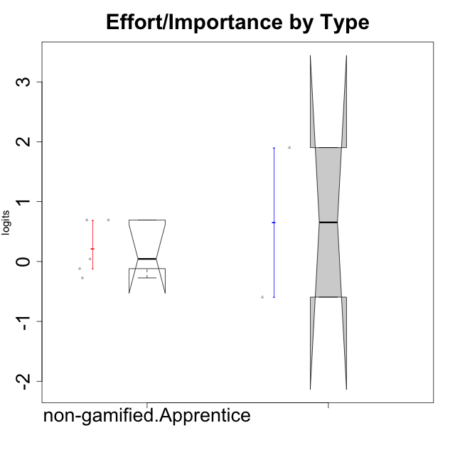

Wilcoxon data
UserID | Type | CLGroup | CLRole | PlayerRole | Score | theta | error | Outfit | Infit | Effort/Importance
10116 | non-gamified | GroupC | Master |  | 9 | -0.59479403893 | 0.44401493961 | 0.019779694234 | 0.02108660608 | -0.59479403893
10122 | non-gamified | GroupB | Apprentice |  | 12 | -0.11852834837 | 0.42555824291 | 1.3906306937 | 1.3655461541 | -0.11852834837
10129 | non-gamified | GroupB | Apprentice |  | 13 | 0.043437426927 | 0.43806819365 | 1.5206833655 | 1.5163452508 | 0.043437426927
10130 | non-gamified | GroupC | Apprentice |  | 16 | 0.69391751569 | 0.57678426944 | 0.28173022403 | 0.28831118611 | 0.69391751569
10135 | non-gamified | GroupB | Apprentice |  | 11 | -0.273828091 | 0.42243517747 | 0.75660535145 | 0.75726678936 | -0.273828091
10145 | non-gamified | GroupB | Master |  | 18 | 1.9022755195 | 1.1932250031 | 0.17659067676 | 0.17854500884 | 1.9022755195
10146 | non-gamified | GroupA | Apprentice |  | 16 | 0.69391751569 | 0.57678426944 | 0.28173022403 | 0.28831118611 | 0.69391751569

Type_CLRole_2
Wilcoxon Analysis for Effort/Importance by Type in Type:CLRole between non-gamified.Apprentice:ont-gamified.Apprentice

Wilcoxon test results
Alternative hypothesis: less
Group | N | Median | Mean.Ranks | Sum.Ranks | U | Z | p.value | r | magnitude
non-gamified.Apprentice | 5 | 0.043437426927 | 8.6 | 43 | 28 | 0.37278759131 | 0.65101565102 | 0.096253342188 | none
ont-gamified.Apprentice | 10 | 0.15526445876 | 7.7 | 77 | 28 | 0.37278759131 | 0.65101565102 | 0.096253342188 | none
Alternative hypothesis: greater
Group | N | Median | Mean.Ranks | Sum.Ranks | U | Z | p.value | r | magnitude
non-gamified.Apprentice | 5 | 0.043437426927 | 8.6 | 43 | 28 | 0.37278759131 | 0.37062937063 | 0.096253342188 | none
ont-gamified.Apprentice | 10 | 0.15526445876 | 7.7 | 77 | 28 | 0.37278759131 | 0.37062937063 | 0.096253342188 | none
Alternative hypothesis: two.sided
Group | N | Median | Mean.Ranks | Sum.Ranks | U | Z | p.value | r | magnitude
non-gamified.Apprentice | 5 | 0.043437426927 | 8.6 | 43 | 28 | 0.37278759131 | 0.73593073593 | 0.096253342188 | none
ont-gamified.Apprentice | 10 | 0.15526445876 | 7.7 | 77 | 28 | 0.37278759131 | 0.73593073593 | 0.096253342188 | none

Box plots for wilcoxon tests
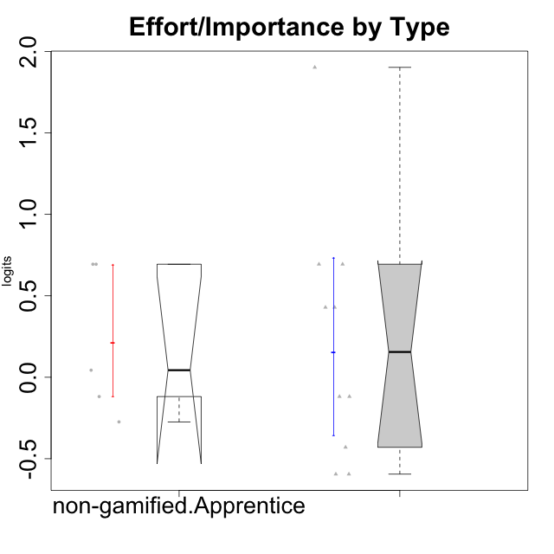

Wilcoxon data
UserID | Type | CLGroup | CLRole | PlayerRole | Score | theta | error | Outfit | Infit | Effort/Importance
10122 | non-gamified | GroupB | Apprentice |  | 12 | -0.11852834837 | 0.42555824291 | 1.3906306937 | 1.3655461541 | -0.11852834837
10123 | ont-gamified | Grupo Morfeu | Apprentice | Yee Achiever | 10 | -0.42994125574 | 0.4282113421 | 0.67237549425 | 0.68470695523 | -0.42994125574
10126 | ont-gamified | Grupo Hélio | Apprentice | Yee Socializer | 12 | -0.11852834837 | 0.42555824291 | 1.3756391719 | 1.4002344155 | -0.11852834837
10129 | non-gamified | GroupB | Apprentice |  | 13 | 0.043437426927 | 0.43806819365 | 1.5206833655 | 1.5163452508 | 0.043437426927
10130 | non-gamified | GroupC | Apprentice |  | 16 | 0.69391751569 | 0.57678426944 | 0.28173022403 | 0.28831118611 | 0.69391751569
10131 | ont-gamified | Grupo Zeus | Apprentice | Yee Achiever | 15 | 0.42905726588 | 0.50398536684 | 0.53396862013 | 0.57174649011 | 0.42905726588
10134 | ont-gamified | Grupo Apolo | Apprentice | Yee Socializer | 9 | -0.59479403893 | 0.44401493961 | 0.019779694234 | 0.02108660608 | -0.59479403893
10135 | non-gamified | GroupB | Apprentice |  | 11 | -0.273828091 | 0.42243517747 | 0.75660535145 | 0.75726678936 | -0.273828091
10137 | ont-gamified | Grupo Morfeu | Apprentice | Yee Achiever | 16 | 0.69391751569 | 0.57678426944 | 1.1496667752 | 1.0975379773 | 0.69391751569
10138 | ont-gamified | Grupo Hélio | Apprentice | Yee Socializer | 18 | 1.9022755195 | 1.1932250031 | 0.17659067676 | 0.17854500884 | 1.9022755195
10139 | ont-gamified | Grupo Zeus | Apprentice | Yee Achiever | 9 | -0.59479403893 | 0.44401493961 | 0.26912907816 | 0.26570808606 | -0.59479403893
10142 | ont-gamified | Grupo Hades | Apprentice | Yee Achiever | 12 | -0.11852834837 | 0.42555824291 | 0.50040229555 | 0.49385125641 | -0.11852834837
10143 | ont-gamified | Grupo Apolo | Apprentice | Yee Socializer | 15 | 0.42905726588 | 0.50398536684 | 0.027613846047 | 0.029457233773 | 0.42905726588
10146 | non-gamified | GroupA | Apprentice |  | 16 | 0.69391751569 | 0.57678426944 | 0.28173022403 | 0.28831118611 | 0.69391751569
10148 | ont-gamified | Grupo Apolo | Apprentice | Yee Socializer | 16 | 0.69391751569 | 0.57678426944 | 0.30074597755 | 0.32288826206 | 0.69391751569

Type_CLRole_3
Wilcoxon Analysis for Effort/Importance by Type in Type:CLRole between non-gamified.Apprentice:ont-gamified.Master

Wilcoxon test results
Alternative hypothesis: less
Group | N | Median | Mean.Ranks | Sum.Ranks | U | Z | p.value | r | magnitude
non-gamified.Apprentice | 5 | 0.043437426927 | 5.9 | 29.5 | 14.5 | 1.1259778359 | 0.89682539683 | 0.3753259453 | medium
ont-gamified.Master | 4 | -0.27423480205 | 3.875 | 15.5 | 14.5 | 1.1259778359 | 0.89682539683 | 0.3753259453 | medium
Alternative hypothesis: greater
Group | N | Median | Mean.Ranks | Sum.Ranks | U | Z | p.value | r | magnitude
non-gamified.Apprentice | 5 | 0.043437426927 | 5.9 | 29.5 | 14.5 | 1.1259778359 | 0.16666666667 | 0.3753259453 | medium
ont-gamified.Master | 4 | -0.27423480205 | 3.875 | 15.5 | 14.5 | 1.1259778359 | 0.16666666667 | 0.3753259453 | medium
Alternative hypothesis: two.sided
Group | N | Median | Mean.Ranks | Sum.Ranks | U | Z | p.value | r | magnitude
non-gamified.Apprentice | 5 | 0.043437426927 | 5.9 | 29.5 | 14.5 | 1.1259778359 | 0.30952380952 | 0.3753259453 | medium
ont-gamified.Master | 4 | -0.27423480205 | 3.875 | 15.5 | 14.5 | 1.1259778359 | 0.30952380952 | 0.3753259453 | medium

Box plots for wilcoxon tests
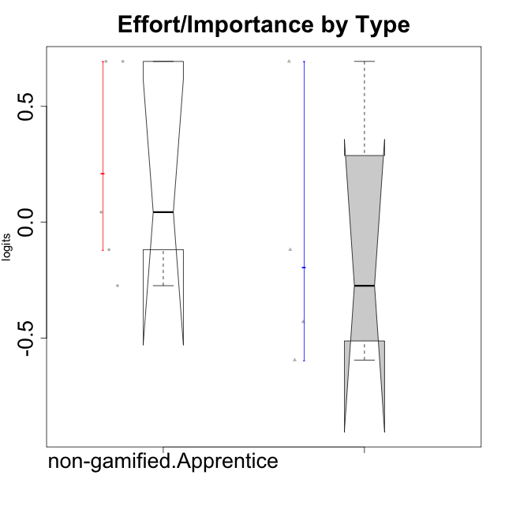

Wilcoxon data
UserID | Type | CLGroup | CLRole | PlayerRole | Score | theta | error | Outfit | Infit | Effort/Importance
10120 | ont-gamified | Grupo Hélio | Master | Yee Socializer | 16 | 0.69391751569 | 0.57678426944 | 0.8643362967 | 0.87895879231 | 0.69391751569
10121 | ont-gamified | Grupo Hades | Master | Yee Achiever | 12 | -0.11852834837 | 0.42555824291 | 0.017373998066 | 0.017279489197 | -0.11852834837
10122 | non-gamified | GroupB | Apprentice |  | 12 | -0.11852834837 | 0.42555824291 | 1.3906306937 | 1.3655461541 | -0.11852834837
10129 | non-gamified | GroupB | Apprentice |  | 13 | 0.043437426927 | 0.43806819365 | 1.5206833655 | 1.5163452508 | 0.043437426927
10130 | non-gamified | GroupC | Apprentice |  | 16 | 0.69391751569 | 0.57678426944 | 0.28173022403 | 0.28831118611 | 0.69391751569
10135 | non-gamified | GroupB | Apprentice |  | 11 | -0.273828091 | 0.42243517747 | 0.75660535145 | 0.75726678936 | -0.273828091
10141 | ont-gamified | Grupo Apolo | Master | Yee Socializer | 10 | -0.42994125574 | 0.4282113421 | 0.4547114406 | 0.45022340987 | -0.42994125574
10146 | non-gamified | GroupA | Apprentice |  | 16 | 0.69391751569 | 0.57678426944 | 0.28173022403 | 0.28831118611 | 0.69391751569
10152 | ont-gamified | Grupo Morfeu | Master | Yee Achiever | 9 | -0.59479403893 | 0.44401493961 | 2.3139254995 | 2.3633132965 | -0.59479403893

Type_CLRole_4
Wilcoxon Analysis for Effort/Importance by Type in Type:CLRole between non-gamified.Master:ont-gamified.Apprentice

Wilcoxon test results
Alternative hypothesis: less
Group | N | Median | Mean.Ranks | Sum.Ranks | U | Z | p.value | r | magnitude
non-gamified.Master | 2 | 0.65374074028 | 6.75 | 13.5 | 10.5 | 0.10895184072 | 0.62121212121 | 0.031451687285 | none
ont-gamified.Apprentice | 10 | 0.15526445876 | 6.45 | 64.5 | 10.5 | 0.10895184072 | 0.62121212121 | 0.031451687285 | none
Alternative hypothesis: greater
Group | N | Median | Mean.Ranks | Sum.Ranks | U | Z | p.value | r | magnitude
non-gamified.Master | 2 | 0.65374074028 | 6.75 | 13.5 | 10.5 | 0.10895184072 | 0.5 | 0.031451687285 | none
ont-gamified.Apprentice | 10 | 0.15526445876 | 6.45 | 64.5 | 10.5 | 0.10895184072 | 0.5 | 0.031451687285 | none
Alternative hypothesis: two.sided
Group | N | Median | Mean.Ranks | Sum.Ranks | U | Z | p.value | r | magnitude
non-gamified.Master | 2 | 0.65374074028 | 6.75 | 13.5 | 10.5 | 0.10895184072 | 0.93939393939 | 0.031451687285 | none
ont-gamified.Apprentice | 10 | 0.15526445876 | 6.45 | 64.5 | 10.5 | 0.10895184072 | 0.93939393939 | 0.031451687285 | none

Box plots for wilcoxon tests
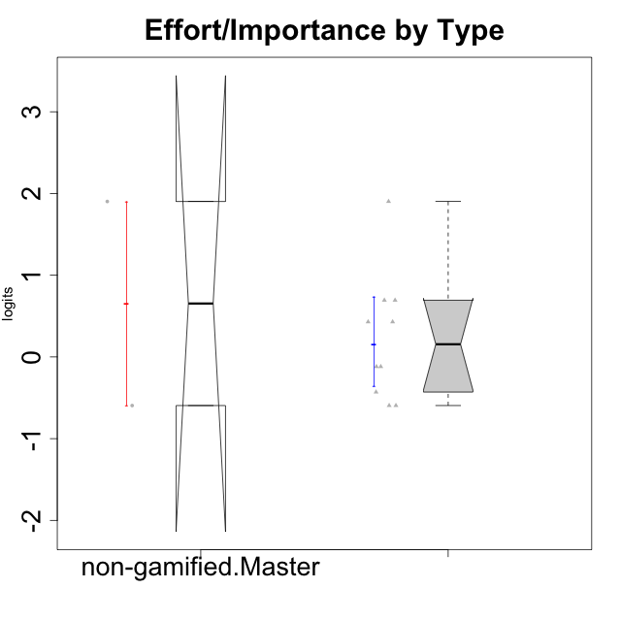

Wilcoxon data
UserID | Type | CLGroup | CLRole | PlayerRole | Score | theta | error | Outfit | Infit | Effort/Importance
10116 | non-gamified | GroupC | Master |  | 9 | -0.59479403893 | 0.44401493961 | 0.019779694234 | 0.02108660608 | -0.59479403893
10123 | ont-gamified | Grupo Morfeu | Apprentice | Yee Achiever | 10 | -0.42994125574 | 0.4282113421 | 0.67237549425 | 0.68470695523 | -0.42994125574
10126 | ont-gamified | Grupo Hélio | Apprentice | Yee Socializer | 12 | -0.11852834837 | 0.42555824291 | 1.3756391719 | 1.4002344155 | -0.11852834837
10131 | ont-gamified | Grupo Zeus | Apprentice | Yee Achiever | 15 | 0.42905726588 | 0.50398536684 | 0.53396862013 | 0.57174649011 | 0.42905726588
10134 | ont-gamified | Grupo Apolo | Apprentice | Yee Socializer | 9 | -0.59479403893 | 0.44401493961 | 0.019779694234 | 0.02108660608 | -0.59479403893
10137 | ont-gamified | Grupo Morfeu | Apprentice | Yee Achiever | 16 | 0.69391751569 | 0.57678426944 | 1.1496667752 | 1.0975379773 | 0.69391751569
10138 | ont-gamified | Grupo Hélio | Apprentice | Yee Socializer | 18 | 1.9022755195 | 1.1932250031 | 0.17659067676 | 0.17854500884 | 1.9022755195
10139 | ont-gamified | Grupo Zeus | Apprentice | Yee Achiever | 9 | -0.59479403893 | 0.44401493961 | 0.26912907816 | 0.26570808606 | -0.59479403893
10142 | ont-gamified | Grupo Hades | Apprentice | Yee Achiever | 12 | -0.11852834837 | 0.42555824291 | 0.50040229555 | 0.49385125641 | -0.11852834837
10143 | ont-gamified | Grupo Apolo | Apprentice | Yee Socializer | 15 | 0.42905726588 | 0.50398536684 | 0.027613846047 | 0.029457233773 | 0.42905726588
10145 | non-gamified | GroupB | Master |  | 18 | 1.9022755195 | 1.1932250031 | 0.17659067676 | 0.17854500884 | 1.9022755195
10148 | ont-gamified | Grupo Apolo | Apprentice | Yee Socializer | 16 | 0.69391751569 | 0.57678426944 | 0.30074597755 | 0.32288826206 | 0.69391751569

Type_CLRole_5
Wilcoxon Analysis for Effort/Importance by Type in Type:CLRole between non-gamified.Master:ont-gamified.Master

Wilcoxon test results
Alternative hypothesis: less
Group | N | Median | Mean.Ranks | Sum.Ranks | U | Z | p.value | r | magnitude
non-gamified.Master | 2 | 0.65374074028 | 3.75 | 7.5 | 4.5 | 0.23483410916 | 0.66666666667 | 0.095870623606 | none
ont-gamified.Master | 4 | -0.27423480205 | 3.375 | 13.5 | 4.5 | 0.23483410916 | 0.66666666667 | 0.095870623606 | none
Alternative hypothesis: greater
Group | N | Median | Mean.Ranks | Sum.Ranks | U | Z | p.value | r | magnitude
non-gamified.Master | 2 | 0.65374074028 | 3.75 | 7.5 | 4.5 | 0.23483410916 | 0.46666666667 | 0.095870623606 | none
ont-gamified.Master | 4 | -0.27423480205 | 3.375 | 13.5 | 4.5 | 0.23483410916 | 0.46666666667 | 0.095870623606 | none
Alternative hypothesis: two.sided
Group | N | Median | Mean.Ranks | Sum.Ranks | U | Z | p.value | r | magnitude
non-gamified.Master | 2 | 0.65374074028 | 3.75 | 7.5 | 4.5 | 0.23483410916 | 0.93333333333 | 0.095870623606 | none
ont-gamified.Master | 4 | -0.27423480205 | 3.375 | 13.5 | 4.5 | 0.23483410916 | 0.93333333333 | 0.095870623606 | none

Box plots for wilcoxon tests
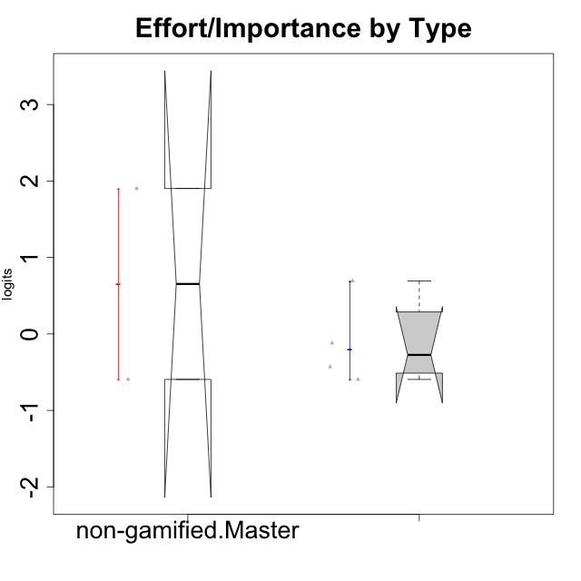

Wilcoxon data
UserID | Type | CLGroup | CLRole | PlayerRole | Score | theta | error | Outfit | Infit | Effort/Importance
10116 | non-gamified | GroupC | Master |  | 9 | -0.59479403893 | 0.44401493961 | 0.019779694234 | 0.02108660608 | -0.59479403893
10120 | ont-gamified | Grupo Hélio | Master | Yee Socializer | 16 | 0.69391751569 | 0.57678426944 | 0.8643362967 | 0.87895879231 | 0.69391751569
10121 | ont-gamified | Grupo Hades | Master | Yee Achiever | 12 | -0.11852834837 | 0.42555824291 | 0.017373998066 | 0.017279489197 | -0.11852834837
10141 | ont-gamified | Grupo Apolo | Master | Yee Socializer | 10 | -0.42994125574 | 0.4282113421 | 0.4547114406 | 0.45022340987 | -0.42994125574
10145 | non-gamified | GroupB | Master |  | 18 | 1.9022755195 | 1.1932250031 | 0.17659067676 | 0.17854500884 | 1.9022755195
10152 | ont-gamified | Grupo Morfeu | Master | Yee Achiever | 9 | -0.59479403893 | 0.44401493961 | 2.3139254995 | 2.3633132965 | -0.59479403893

Type_CLRole_6
Wilcoxon Analysis for Effort/Importance by Type in Type:CLRole between ont-gamified.Apprentice:ont-gamified.Master

Wilcoxon test results
Alternative hypothesis: less
Group | N | Median | Mean.Ranks | Sum.Ranks | U | Z | p.value | r | magnitude
ont-gamified.Apprentice | 10 | 0.15526445876 | 7.95 | 79.5 | 24.5 | 0.64641870553 | 0.77922077922 | 0.17276266603 | small
ont-gamified.Master | 4 | -0.27423480205 | 6.375 | 25.5 | 24.5 | 0.64641870553 | 0.77922077922 | 0.17276266603 | small
Alternative hypothesis: greater
Group | N | Median | Mean.Ranks | Sum.Ranks | U | Z | p.value | r | magnitude
ont-gamified.Apprentice | 10 | 0.15526445876 | 7.95 | 79.5 | 24.5 | 0.64641870553 | 0.32467532468 | 0.17276266603 | small
ont-gamified.Master | 4 | -0.27423480205 | 6.375 | 25.5 | 24.5 | 0.64641870553 | 0.32467532468 | 0.17276266603 | small
Alternative hypothesis: two.sided
Group | N | Median | Mean.Ranks | Sum.Ranks | U | Z | p.value | r | magnitude
ont-gamified.Apprentice | 10 | 0.15526445876 | 7.95 | 79.5 | 24.5 | 0.64641870553 | 0.61138861139 | 0.17276266603 | small
ont-gamified.Master | 4 | -0.27423480205 | 6.375 | 25.5 | 24.5 | 0.64641870553 | 0.61138861139 | 0.17276266603 | small

Box plots for wilcoxon tests
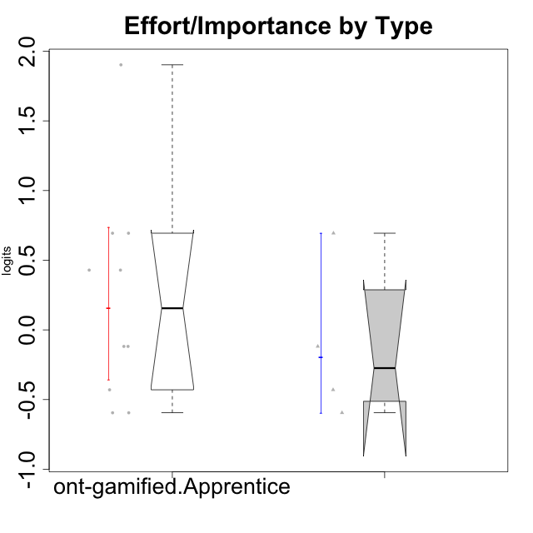

Wilcoxon data
UserID | Type | CLGroup | CLRole | PlayerRole | Score | theta | error | Outfit | Infit | Effort/Importance
10120 | ont-gamified | Grupo Hélio | Master | Yee Socializer | 16 | 0.69391751569 | 0.57678426944 | 0.8643362967 | 0.87895879231 | 0.69391751569
10121 | ont-gamified | Grupo Hades | Master | Yee Achiever | 12 | -0.11852834837 | 0.42555824291 | 0.017373998066 | 0.017279489197 | -0.11852834837
10123 | ont-gamified | Grupo Morfeu | Apprentice | Yee Achiever | 10 | -0.42994125574 | 0.4282113421 | 0.67237549425 | 0.68470695523 | -0.42994125574
10126 | ont-gamified | Grupo Hélio | Apprentice | Yee Socializer | 12 | -0.11852834837 | 0.42555824291 | 1.3756391719 | 1.4002344155 | -0.11852834837
10131 | ont-gamified | Grupo Zeus | Apprentice | Yee Achiever | 15 | 0.42905726588 | 0.50398536684 | 0.53396862013 | 0.57174649011 | 0.42905726588
10134 | ont-gamified | Grupo Apolo | Apprentice | Yee Socializer | 9 | -0.59479403893 | 0.44401493961 | 0.019779694234 | 0.02108660608 | -0.59479403893
10137 | ont-gamified | Grupo Morfeu | Apprentice | Yee Achiever | 16 | 0.69391751569 | 0.57678426944 | 1.1496667752 | 1.0975379773 | 0.69391751569
10138 | ont-gamified | Grupo Hélio | Apprentice | Yee Socializer | 18 | 1.9022755195 | 1.1932250031 | 0.17659067676 | 0.17854500884 | 1.9022755195
10139 | ont-gamified | Grupo Zeus | Apprentice | Yee Achiever | 9 | -0.59479403893 | 0.44401493961 | 0.26912907816 | 0.26570808606 | -0.59479403893
10141 | ont-gamified | Grupo Apolo | Master | Yee Socializer | 10 | -0.42994125574 | 0.4282113421 | 0.4547114406 | 0.45022340987 | -0.42994125574
10142 | ont-gamified | Grupo Hades | Apprentice | Yee Achiever | 12 | -0.11852834837 | 0.42555824291 | 0.50040229555 | 0.49385125641 | -0.11852834837
10143 | ont-gamified | Grupo Apolo | Apprentice | Yee Socializer | 15 | 0.42905726588 | 0.50398536684 | 0.027613846047 | 0.029457233773 | 0.42905726588
10148 | ont-gamified | Grupo Apolo | Apprentice | Yee Socializer | 16 | 0.69391751569 | 0.57678426944 | 0.30074597755 | 0.32288826206 | 0.69391751569
10152 | ont-gamified | Grupo Morfeu | Master | Yee Achiever | 9 | -0.59479403893 | 0.44401493961 | 2.3139254995 | 2.3633132965 | -0.59479403893

