Assumptions
ANOVA assumptions for Intrinsic Motivation by Type

Shapiro-Wilk normality test for Intrinsic Motivation by Type
W | p.value
0.97738640298 | 0.88365174499

Plots for normality test
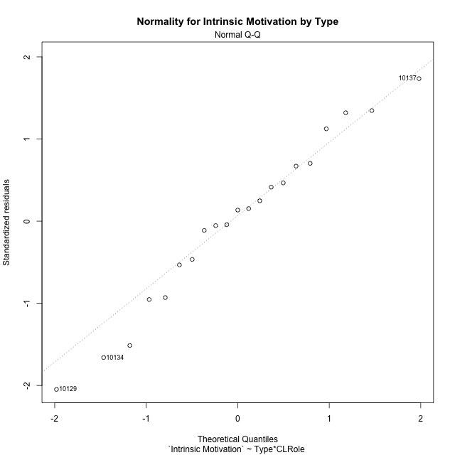

Levene's Test for Homogeneity of Variance in Intrinsic Motivation by Type
Df | F value | Pr(>F)
3 | 0.75652943576 | 0.53375008953
17

Plots for homogeneity of variance
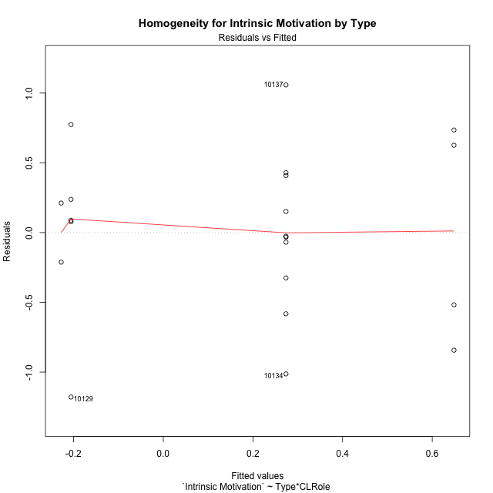

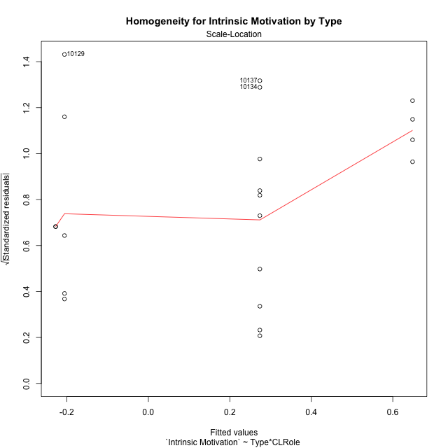

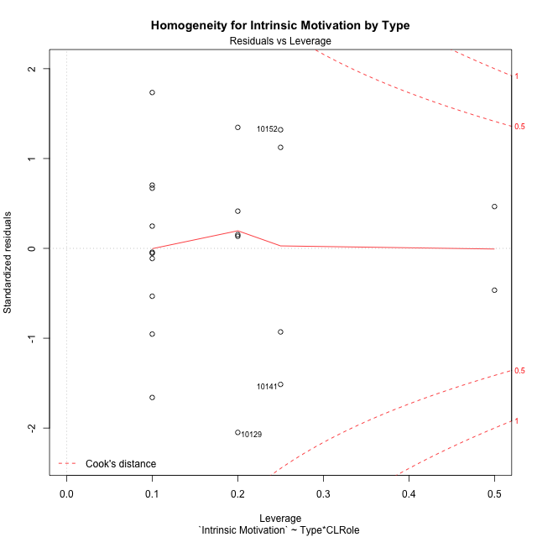

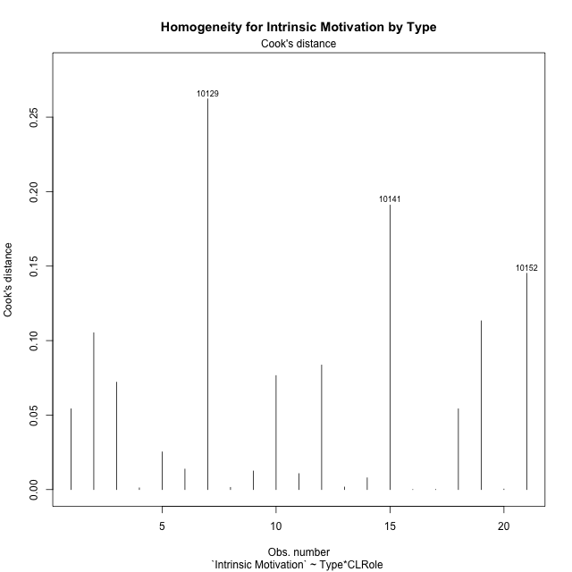

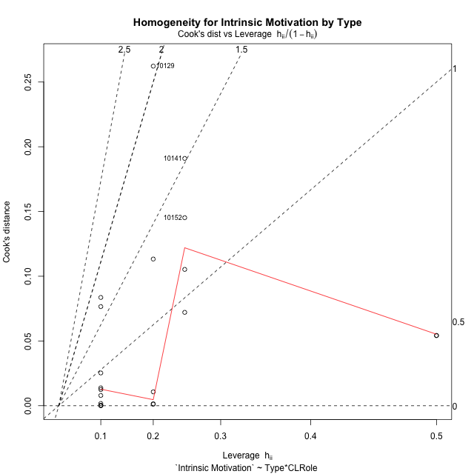

Minimum Sample Size Test for Intrinsic Motivation by Type
Type | CLRole | Freq
non-gamified | Apprentice | 5
ont-gamified | Apprentice | 10
non-gamified | Master | 2
ont-gamified | Master | 4

Errors and Warnings in Sample Size Test for ANOVA in Intrinsic Motivation by Type
code | description
WARN: sample.size | current size is 5 and recommended size is 15 for the group: 'non-gamified:Apprentice'.
WARN: sample.size | current size is 10 and recommended size is 15 for the group: 'ont-gamified:Apprentice'.
FAIL: min.size | current size is 2 but the minimal recomended size is 5 for the group: 'non-gamified:Master'.
FAIL: min.size | current size is 4 but the minimal recomended size is 5 for the group: 'ont-gamified:Master'.

For the group: 'non-gamified:Apprentice', we recommend the use of non-parametric test. For the group: 'ont-gamified:Apprentice', we recommend the use of non-parametric test. For the group: 'non-gamified:Master', we recommend the use of non-parametric test. For the group: 'ont-gamified:Master', we recommend the use of non-parametric test.

Post-hoc
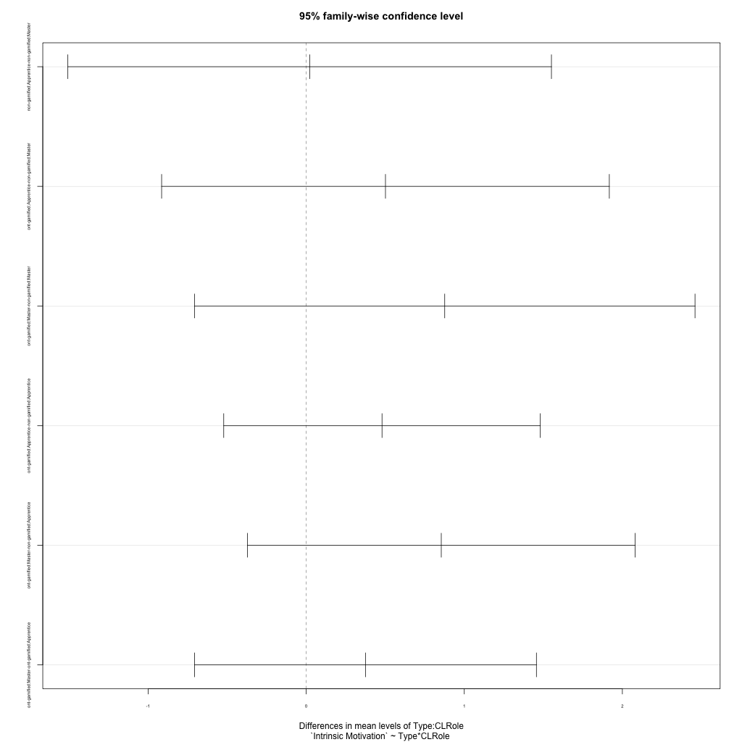
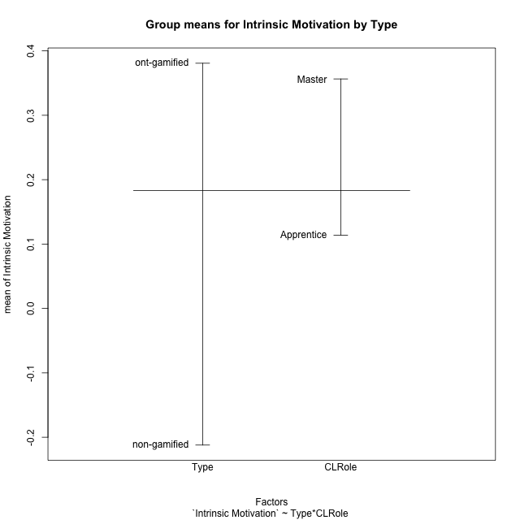
Post-hoc Tukey Honestly Significant Difference (HSD) Test for Intrinsic Motivation by Type

Comparisons of means for Type
 | diff | lwr | upr | p adj
ont-gamified-non-gamified | 0.5929567023 | -0.035155502917 | 1.2210689075 | 0.062716441417

Comparisons of means for CLRole
 | diff | lwr | upr | p adj
Master-Apprentice | 0.24261988135 | -0.41281419321 | 0.89805395592 | 0.44555231334

Comparisons of means for Type:CLRole
 | diff | lwr | upr | p adj
non-gamified:Apprentice-non-gamified:Master | 0.021827346319 | -1.5076905744 | 1.5513452671 | 0.99997500243
ont-gamified:Apprentice-non-gamified:Master | 0.50144952247 | -0.91460891151 | 1.9175079565 | 0.74776240181
ont-gamified:Master-non-gamified:Master | 0.87629301766 | -0.70690844159 | 2.4594944769 | 0.41886954204
ont-gamified:Apprentice-non-gamified:Apprentice | 0.47962217615 | -0.52168234507 | 1.4809266974 | 0.53872621861
ont-gamified:Master-non-gamified:Apprentice | 0.85446567134 | -0.37187690573 | 2.0808082484 | 0.23367262896
ont-gamified:Master-ont-gamified:Apprentice | 0.37484349519 | -0.70668899851 | 1.4563759889 | 0.759628152

Contrast Matrices for Intrinsic Motivation by Type - Type
contrast | estimate | SE | df | t.ratio | p.value
non-gamified - ont-gamified | -0.6779575969 | 0.32950407964 | 17 | -2.0575089621 | 0.055311661896

Contrast Matrices for Intrinsic Motivation by Type - Type:CLRole
contrast | CLRole | estimate | SE | df | t.ratio | p.value
non-gamified - ont-gamified | Apprentice | -0.47962217615 | 0.35225467816 | 17 | -1.361577875 | 0.19110486023
non-gamified - ont-gamified | Master | -0.87629301766 | 0.55696354972 | 17 | -1.5733399755 | 0.13406555434

Least Squares Means and Confidence Intervals for Type
Type | lsmean | SE | df | lower.CL | upper.CL | Pairs
non-gamified | -0.2168264003 | 0.26903895443 | 17 | -0.78444897741 | 0.3507961768 | non-gamified
ont-gamified | 0.4611311966 | 0.19023926908 | 17 | 0.059761423178 | 0.86250097002 | ont-gamified

Least Squares Means and Confidence Intervals for Type:CLRole
Type | CLRole | lsmean | SE | df | lower.CL | upper.CL | Pairs
non-gamified | Apprentice | -0.20591272715 | 0.28761474034 | 17 | -0.81272678672 | 0.40090133243 | non-gamified.Apprentice
ont-gamified | Apprentice | 0.27370944901 | 0.20337433326 | 17 | -0.15537288744 | 0.70279178545 | ont-gamified.Apprentice
non-gamified | Master | -0.22774007346 | 0.45475883405 | 17 | -1.1871973457 | 0.73171719877 | non-gamified.Master
ont-gamified | Master | 0.64855294419 | 0.32156305536 | 17 | -0.029885799261 | 1.3269916876 | ont-gamified.Master

Plots

Type_1
Student's t-Test for Intrinsic Motivation by Type in Type between non-gamified:ont-gamified

Student's t-Test results
Alternative hypothesis: less
Group | N | Mean | Mean.Difference | Std.deviation | Std.error | CI.lower | CI.upper | df | t.value | p.value | g | magnitude
non-gamified | 7 | -0.21214911181 | -0.5929567023 | 0.59848609747 | 0.22620648243 | -0.66456207667 | 0.24026385306 | 12.833885525 | -2.0937431259 | 0.028359642115 | -0.91006773963 | large
ont-gamified | 14 | 0.38080759049 | 0.5929567023 | 0.63756795627 | 0.1703972038 | 0.040013182896 | 0.72160199808 | 12.833885525 | -2.0937431259 | 0.028359642115 | -0.91006773963 | large
Alternative hypothesis: greater
Group | N | Mean | Mean.Difference | Std.deviation | Std.error | CI.lower | CI.upper | df | t.value | p.value | g | magnitude
non-gamified | 7 | -0.21214911181 | -0.5929567023 | 0.59848609747 | 0.22620648243 | -0.66456207667 | 0.24026385306 | 12.833885525 | -2.0937431259 | 0.97164035789 | -0.91006773963 | large
ont-gamified | 14 | 0.38080759049 | 0.5929567023 | 0.63756795627 | 0.1703972038 | 0.040013182896 | 0.72160199808 | 12.833885525 | -2.0937431259 | 0.97164035789 | -0.91006773963 | large
Alternative hypothesis: two.sided
Group | N | Mean | Mean.Difference | Std.deviation | Std.error | CI.lower | CI.upper | df | t.value | p.value | g | magnitude
non-gamified | 7 | -0.21214911181 | -0.5929567023 | 0.59848609747 | 0.22620648243 | -0.66456207667 | 0.24026385306 | 12.833885525 | -2.0937431259 | 0.056719284229 | -0.91006773963 | large
ont-gamified | 14 | 0.38080759049 | 0.5929567023 | 0.63756795627 | 0.1703972038 | 0.040013182896 | 0.72160199808 | 12.833885525 | -2.0937431259 | 0.056719284229 | -0.91006773963 | large

Box plots for Student's t-Test
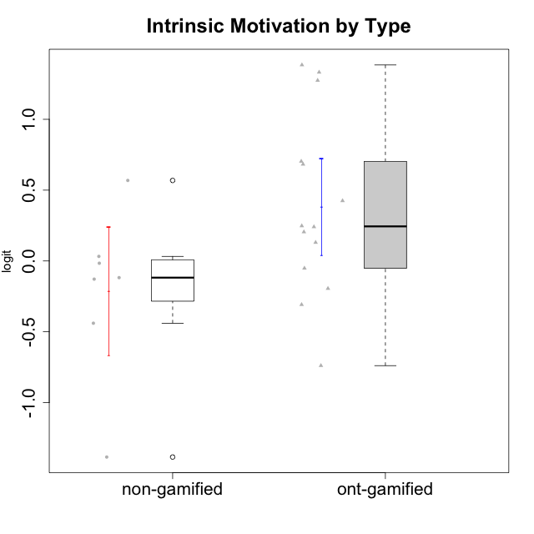

Student's t-Test data
UserID | Type | CLGroup | CLRole | PlayerRole | Interest/Enjoyment | Perceived Choice | Pressure/Tension | Effort/Importance | Intrinsic Motivation
10116 | non-gamified | GroupC | Master |  | -0.11357294579 | -0.84246384474 | 0.207074728 | -0.59479403893 | -0.43947638936
10120 | ont-gamified | Grupo Hélio | Master | Yee Socializer | 1.9055652511 | 1.3724895791 | -0.92888751811 | 0.43187671077 | 1.2745279552
10121 | ont-gamified | Grupo Hades | Master | Yee Achiever | 0.39919386735 | 0.58689611203 | 0.34545624663 | -0.11852834837 | 0.1305263461
10122 | non-gamified | GroupB | Apprentice |  | -2.0523461364 | 1.1695914201 | -0.48810270396 | -0.11852834837 | -0.12829509018
10123 | ont-gamified | Grupo Morfeu | Apprentice | Yee Achiever | -0.83197918173 | 0.23576870755 | 0.207074728 | -0.42994125574 | -0.30830661448
10126 | ont-gamified | Grupo Hélio | Apprentice | Yee Socializer | 1.2733257983 | 1.1695914201 | -0.48810270396 | -0.11852834837 | 0.70312289349
10129 | non-gamified | GroupB | Apprentice |  | -1.7851511272 | -0.62243343859 | 1.1760127697 | 0.043437426927 | -1.3842690895
10130 | non-gamified | GroupC | Apprentice |  | 0.55299522042 | -0.30498894625 | 1.1760127697 | 0.69391751569 | -0.11778394501
10131 | ont-gamified | Grupo Zeus | Apprentice | Yee Achiever | 2.3995832302 | -0.95909932617 | -0.86046882355 | 0.42905726588 | 0.68250249838
10134 | ont-gamified | Grupo Apolo | Apprentice | Yee Socializer | -1.2851216362 | -0.73083108762 | 0.34545624663 | -0.59479403893 | -0.73905075235
10135 | non-gamified | GroupB | Apprentice |  | 0.39919386735 | 0.34922612396 | 0.34545624663 | -0.273828091 | 0.032283913422
10137 | ont-gamified | Grupo Morfeu | Apprentice | Yee Achiever | 1.4744559961 | 1.3724895791 | -1.2956562305 | 0.69391751569 | 1.3321669013
10138 | ont-gamified | Grupo Hélio | Apprentice | Yee Socializer | 0.55299522042 | -0.41039697569 | 0.34545624663 | 1.2936946773 | 0.4248543794
10139 | ont-gamified | Grupo Zeus | Apprentice | Yee Achiever | -0.22343251553 | 0.12466021952 | -0.48810270396 | -0.59479403893 | -0.051365907743
10141 | ont-gamified | Grupo Apolo | Master | Yee Socializer | 0.0020687155691 | -0.41039697569 | -0.059821730394 | -0.42994125574 | -0.19461194637
10142 | ont-gamified | Grupo Hades | Apprentice | Yee Achiever | 0.55299522042 | -0.30498894625 | -0.86046882355 | -0.11852834837 | 0.24748668734
10143 | ont-gamified | Grupo Apolo | Apprentice | Yee Socializer | 0.12501694921 | 0.34922612396 | -0.059821730394 | 0.42905726588 | 0.24078051736
10145 | non-gamified | GroupB | Master |  | -0.63100885186 | -0.84246384474 | 0.49281785314 | 1.2936946773 | -0.016003757564
10146 | non-gamified | GroupA | Apprentice |  | 0.89459676096 | 0.34922612396 | -0.33626190168 | 0.69391751569 | 0.56850057557
10148 | ont-gamified | Grupo Apolo | Apprentice | Yee Socializer | 0.25688594663 | 0.71417324881 | 0.84536116149 | 0.69391751569 | 0.20490388741
10152 | ont-gamified | Grupo Morfeu | Master | Yee Achiever | 3.1382402907 | 0.71417324881 | -0.19509897189 | -0.59479403893 | 1.3837694218

Type_CLRole_1
Student's t-Test for Intrinsic Motivation by Type in Type:CLRole between non-gamified.Apprentice:non-gamified.Master

Student's t-Test results
Alternative hypothesis: less
Group | N | Mean | Mean.Difference | Std.deviation | Std.error | CI.lower | CI.upper | df | t.value | p.value | g | magnitude
non-gamified.Apprentice | 5 | -0.20591272715 | 0.021827346319 | 0.7174204659 | 0.32084018604 | -0.84759309923 | 0.43576764494 | 4.6868686656 | 0.056781490038 | 0.52147017401 | 0.028040865369 | negligible
non-gamified.Master | 2 | -0.22774007346 | -0.021827346319 | 0.29944036959 | 0.2117363159 | -0.65121270527 | 0.19573255834 | 4.6868686656 | 0.056781490038 | 0.52147017401 | 0.028040865369 | negligible
Alternative hypothesis: greater
Group | N | Mean | Mean.Difference | Std.deviation | Std.error | CI.lower | CI.upper | df | t.value | p.value | g | magnitude
non-gamified.Apprentice | 5 | -0.20591272715 | 0.021827346319 | 0.7174204659 | 0.32084018604 | -0.84759309923 | 0.43576764494 | 4.6868686656 | 0.056781490038 | 0.47852982599 | 0.028040865369 | negligible
non-gamified.Master | 2 | -0.22774007346 | -0.021827346319 | 0.29944036959 | 0.2117363159 | -0.65121270527 | 0.19573255834 | 4.6868686656 | 0.056781490038 | 0.47852982599 | 0.028040865369 | negligible
Alternative hypothesis: two.sided
Group | N | Mean | Mean.Difference | Std.deviation | Std.error | CI.lower | CI.upper | df | t.value | p.value | g | magnitude
non-gamified.Apprentice | 5 | -0.20591272715 | 0.021827346319 | 0.7174204659 | 0.32084018604 | -0.84759309923 | 0.43576764494 | 4.6868686656 | 0.056781490038 | 0.95705965198 | 0.028040865369 | negligible
non-gamified.Master | 2 | -0.22774007346 | -0.021827346319 | 0.29944036959 | 0.2117363159 | -0.65121270527 | 0.19573255834 | 4.6868686656 | 0.056781490038 | 0.95705965198 | 0.028040865369 | negligible

Box plots for Student's t-Test
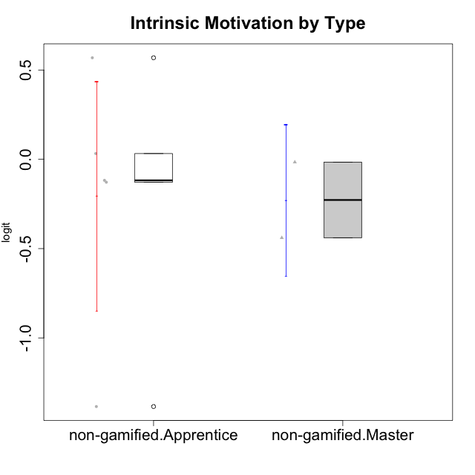

Student's t-Test data
UserID | Type | CLGroup | CLRole | PlayerRole | Interest/Enjoyment | Perceived Choice | Pressure/Tension | Effort/Importance | Intrinsic Motivation
10116 | non-gamified | GroupC | Master |  | -0.11357294579 | -0.84246384474 | 0.207074728 | -0.59479403893 | -0.43947638936
10122 | non-gamified | GroupB | Apprentice |  | -2.0523461364 | 1.1695914201 | -0.48810270396 | -0.11852834837 | -0.12829509018
10129 | non-gamified | GroupB | Apprentice |  | -1.7851511272 | -0.62243343859 | 1.1760127697 | 0.043437426927 | -1.3842690895
10130 | non-gamified | GroupC | Apprentice |  | 0.55299522042 | -0.30498894625 | 1.1760127697 | 0.69391751569 | -0.11778394501
10135 | non-gamified | GroupB | Apprentice |  | 0.39919386735 | 0.34922612396 | 0.34545624663 | -0.273828091 | 0.032283913422
10145 | non-gamified | GroupB | Master |  | -0.63100885186 | -0.84246384474 | 0.49281785314 | 1.2936946773 | -0.016003757564
10146 | non-gamified | GroupA | Apprentice |  | 0.89459676096 | 0.34922612396 | -0.33626190168 | 0.69391751569 | 0.56850057557

Type_CLRole_2
Student's t-Test for Intrinsic Motivation by Type in Type:CLRole between non-gamified.Apprentice:ont-gamified.Apprentice

Student's t-Test results
Alternative hypothesis: less
Group | N | Mean | Mean.Difference | Std.deviation | Std.error | CI.lower | CI.upper | df | t.value | p.value | g | magnitude
non-gamified.Apprentice | 5 | -0.20591272715 | -0.47962217615 | 0.7174204659 | 0.32084018604 | -0.84759309923 | 0.43576764494 | 6.6721733129 | -1.3007841345 | 0.11822568157 | -0.72569719539 | medium
ont-gamified.Apprentice | 10 | 0.27370944901 | 0.47962217615 | 0.57458107406 | 0.18169848944 | -0.089687529883 | 0.6371064279 | 6.6721733129 | -1.3007841345 | 0.11822568157 | -0.72569719539 | medium
Alternative hypothesis: greater
Group | N | Mean | Mean.Difference | Std.deviation | Std.error | CI.lower | CI.upper | df | t.value | p.value | g | magnitude
non-gamified.Apprentice | 5 | -0.20591272715 | -0.47962217615 | 0.7174204659 | 0.32084018604 | -0.84759309923 | 0.43576764494 | 6.6721733129 | -1.3007841345 | 0.88177431843 | -0.72569719539 | medium
ont-gamified.Apprentice | 10 | 0.27370944901 | 0.47962217615 | 0.57458107406 | 0.18169848944 | -0.089687529883 | 0.6371064279 | 6.6721733129 | -1.3007841345 | 0.88177431843 | -0.72569719539 | medium
Alternative hypothesis: two.sided
Group | N | Mean | Mean.Difference | Std.deviation | Std.error | CI.lower | CI.upper | df | t.value | p.value | g | magnitude
non-gamified.Apprentice | 5 | -0.20591272715 | -0.47962217615 | 0.7174204659 | 0.32084018604 | -0.84759309923 | 0.43576764494 | 6.6721733129 | -1.3007841345 | 0.23645136314 | -0.72569719539 | medium
ont-gamified.Apprentice | 10 | 0.27370944901 | 0.47962217615 | 0.57458107406 | 0.18169848944 | -0.089687529883 | 0.6371064279 | 6.6721733129 | -1.3007841345 | 0.23645136314 | -0.72569719539 | medium

Box plots for Student's t-Test
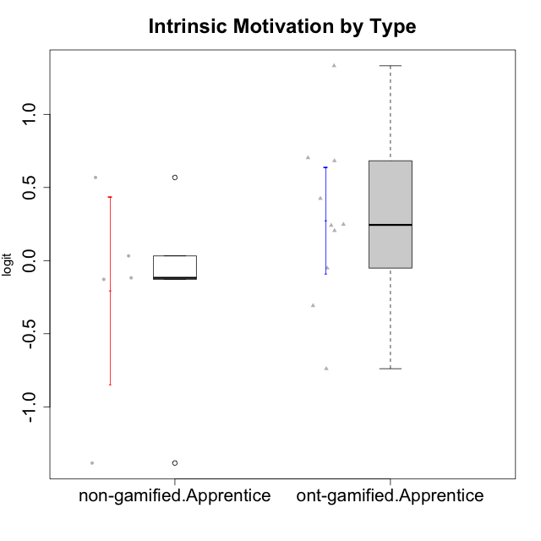

Student's t-Test data
UserID | Type | CLGroup | CLRole | PlayerRole | Interest/Enjoyment | Perceived Choice | Pressure/Tension | Effort/Importance | Intrinsic Motivation
10122 | non-gamified | GroupB | Apprentice |  | -2.0523461364 | 1.1695914201 | -0.48810270396 | -0.11852834837 | -0.12829509018
10123 | ont-gamified | Grupo Morfeu | Apprentice | Yee Achiever | -0.83197918173 | 0.23576870755 | 0.207074728 | -0.42994125574 | -0.30830661448
10126 | ont-gamified | Grupo Hélio | Apprentice | Yee Socializer | 1.2733257983 | 1.1695914201 | -0.48810270396 | -0.11852834837 | 0.70312289349
10129 | non-gamified | GroupB | Apprentice |  | -1.7851511272 | -0.62243343859 | 1.1760127697 | 0.043437426927 | -1.3842690895
10130 | non-gamified | GroupC | Apprentice |  | 0.55299522042 | -0.30498894625 | 1.1760127697 | 0.69391751569 | -0.11778394501
10131 | ont-gamified | Grupo Zeus | Apprentice | Yee Achiever | 2.3995832302 | -0.95909932617 | -0.86046882355 | 0.42905726588 | 0.68250249838
10134 | ont-gamified | Grupo Apolo | Apprentice | Yee Socializer | -1.2851216362 | -0.73083108762 | 0.34545624663 | -0.59479403893 | -0.73905075235
10135 | non-gamified | GroupB | Apprentice |  | 0.39919386735 | 0.34922612396 | 0.34545624663 | -0.273828091 | 0.032283913422
10137 | ont-gamified | Grupo Morfeu | Apprentice | Yee Achiever | 1.4744559961 | 1.3724895791 | -1.2956562305 | 0.69391751569 | 1.3321669013
10138 | ont-gamified | Grupo Hélio | Apprentice | Yee Socializer | 0.55299522042 | -0.41039697569 | 0.34545624663 | 1.2936946773 | 0.4248543794
10139 | ont-gamified | Grupo Zeus | Apprentice | Yee Achiever | -0.22343251553 | 0.12466021952 | -0.48810270396 | -0.59479403893 | -0.051365907743
10142 | ont-gamified | Grupo Hades | Apprentice | Yee Achiever | 0.55299522042 | -0.30498894625 | -0.86046882355 | -0.11852834837 | 0.24748668734
10143 | ont-gamified | Grupo Apolo | Apprentice | Yee Socializer | 0.12501694921 | 0.34922612396 | -0.059821730394 | 0.42905726588 | 0.24078051736
10146 | non-gamified | GroupA | Apprentice |  | 0.89459676096 | 0.34922612396 | -0.33626190168 | 0.69391751569 | 0.56850057557
10148 | ont-gamified | Grupo Apolo | Apprentice | Yee Socializer | 0.25688594663 | 0.71417324881 | 0.84536116149 | 0.69391751569 | 0.20490388741

Type_CLRole_3
Student's t-Test for Intrinsic Motivation by Type in Type:CLRole between non-gamified.Apprentice:ont-gamified.Master

Student's t-Test results
Alternative hypothesis: less
Group | N | Mean | Mean.Difference | Std.deviation | Std.error | CI.lower | CI.upper | df | t.value | p.value | g | magnitude
non-gamified.Apprentice | 5 | -0.20591272715 | -0.85446567134 | 0.7174204659 | 0.32084018604 | -0.84759309923 | 0.43576764494 | 6.1909265277 | -1.668560129 | 0.072359273339 | -1.0084910949 | large
ont-gamified.Master | 4 | 0.64855294419 | 0.85446567134 | 0.79826198131 | 0.39913099066 | -0.14970903712 | 1.4468149255 | 6.1909265277 | -1.668560129 | 0.072359273339 | -1.0084910949 | large
Alternative hypothesis: greater
Group | N | Mean | Mean.Difference | Std.deviation | Std.error | CI.lower | CI.upper | df | t.value | p.value | g | magnitude
non-gamified.Apprentice | 5 | -0.20591272715 | -0.85446567134 | 0.7174204659 | 0.32084018604 | -0.84759309923 | 0.43576764494 | 6.1909265277 | -1.668560129 | 0.92764072666 | -1.0084910949 | large
ont-gamified.Master | 4 | 0.64855294419 | 0.85446567134 | 0.79826198131 | 0.39913099066 | -0.14970903712 | 1.4468149255 | 6.1909265277 | -1.668560129 | 0.92764072666 | -1.0084910949 | large
Alternative hypothesis: two.sided
Group | N | Mean | Mean.Difference | Std.deviation | Std.error | CI.lower | CI.upper | df | t.value | p.value | g | magnitude
non-gamified.Apprentice | 5 | -0.20591272715 | -0.85446567134 | 0.7174204659 | 0.32084018604 | -0.84759309923 | 0.43576764494 | 6.1909265277 | -1.668560129 | 0.14471854668 | -1.0084910949 | large
ont-gamified.Master | 4 | 0.64855294419 | 0.85446567134 | 0.79826198131 | 0.39913099066 | -0.14970903712 | 1.4468149255 | 6.1909265277 | -1.668560129 | 0.14471854668 | -1.0084910949 | large

Box plots for Student's t-Test
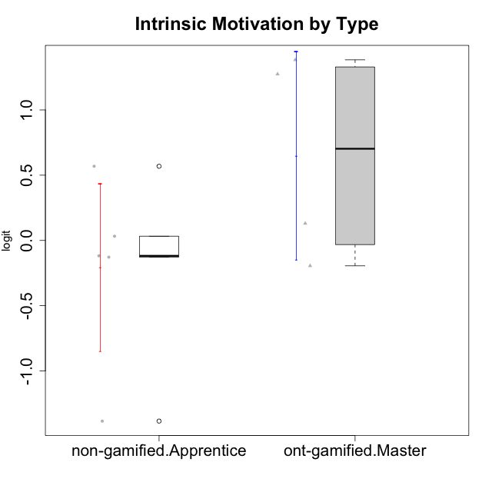

Student's t-Test data
UserID | Type | CLGroup | CLRole | PlayerRole | Interest/Enjoyment | Perceived Choice | Pressure/Tension | Effort/Importance | Intrinsic Motivation
10120 | ont-gamified | Grupo Hélio | Master | Yee Socializer | 1.9055652511 | 1.3724895791 | -0.92888751811 | 0.43187671077 | 1.2745279552
10121 | ont-gamified | Grupo Hades | Master | Yee Achiever | 0.39919386735 | 0.58689611203 | 0.34545624663 | -0.11852834837 | 0.1305263461
10122 | non-gamified | GroupB | Apprentice |  | -2.0523461364 | 1.1695914201 | -0.48810270396 | -0.11852834837 | -0.12829509018
10129 | non-gamified | GroupB | Apprentice |  | -1.7851511272 | -0.62243343859 | 1.1760127697 | 0.043437426927 | -1.3842690895
10130 | non-gamified | GroupC | Apprentice |  | 0.55299522042 | -0.30498894625 | 1.1760127697 | 0.69391751569 | -0.11778394501
10135 | non-gamified | GroupB | Apprentice |  | 0.39919386735 | 0.34922612396 | 0.34545624663 | -0.273828091 | 0.032283913422
10141 | ont-gamified | Grupo Apolo | Master | Yee Socializer | 0.0020687155691 | -0.41039697569 | -0.059821730394 | -0.42994125574 | -0.19461194637
10146 | non-gamified | GroupA | Apprentice |  | 0.89459676096 | 0.34922612396 | -0.33626190168 | 0.69391751569 | 0.56850057557
10152 | ont-gamified | Grupo Morfeu | Master | Yee Achiever | 3.1382402907 | 0.71417324881 | -0.19509897189 | -0.59479403893 | 1.3837694218

Type_CLRole_4
Student's t-Test for Intrinsic Motivation by Type in Type:CLRole between non-gamified.Master:ont-gamified.Apprentice

Student's t-Test results
Alternative hypothesis: less
Group | N | Mean | Mean.Difference | Std.deviation | Std.error | CI.lower | CI.upper | df | t.value | p.value | g | magnitude
non-gamified.Master | 2 | -0.22774007346 | -0.50144952247 | 0.29944036959 | 0.2117363159 | -0.65121270527 | 0.19573255834 | 2.8437297574 | -1.7972453707 | 0.087587787936 | -0.83663615189 | large
ont-gamified.Apprentice | 10 | 0.27370944901 | 0.50144952247 | 0.57458107406 | 0.18169848944 | -0.089687529883 | 0.6371064279 | 2.8437297574 | -1.7972453707 | 0.087587787936 | -0.83663615189 | large
Alternative hypothesis: greater
Group | N | Mean | Mean.Difference | Std.deviation | Std.error | CI.lower | CI.upper | df | t.value | p.value | g | magnitude
non-gamified.Master | 2 | -0.22774007346 | -0.50144952247 | 0.29944036959 | 0.2117363159 | -0.65121270527 | 0.19573255834 | 2.8437297574 | -1.7972453707 | 0.91241221206 | -0.83663615189 | large
ont-gamified.Apprentice | 10 | 0.27370944901 | 0.50144952247 | 0.57458107406 | 0.18169848944 | -0.089687529883 | 0.6371064279 | 2.8437297574 | -1.7972453707 | 0.91241221206 | -0.83663615189 | large
Alternative hypothesis: two.sided
Group | N | Mean | Mean.Difference | Std.deviation | Std.error | CI.lower | CI.upper | df | t.value | p.value | g | magnitude
non-gamified.Master | 2 | -0.22774007346 | -0.50144952247 | 0.29944036959 | 0.2117363159 | -0.65121270527 | 0.19573255834 | 2.8437297574 | -1.7972453707 | 0.17517557587 | -0.83663615189 | large
ont-gamified.Apprentice | 10 | 0.27370944901 | 0.50144952247 | 0.57458107406 | 0.18169848944 | -0.089687529883 | 0.6371064279 | 2.8437297574 | -1.7972453707 | 0.17517557587 | -0.83663615189 | large

Box plots for Student's t-Test
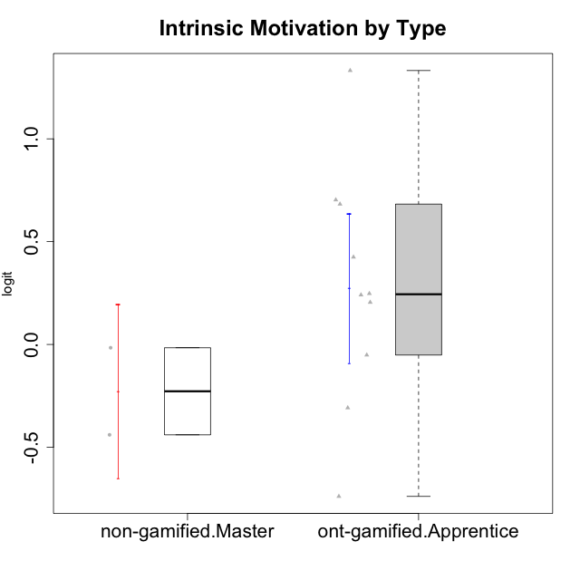

Student's t-Test data
UserID | Type | CLGroup | CLRole | PlayerRole | Interest/Enjoyment | Perceived Choice | Pressure/Tension | Effort/Importance | Intrinsic Motivation
10116 | non-gamified | GroupC | Master |  | -0.11357294579 | -0.84246384474 | 0.207074728 | -0.59479403893 | -0.43947638936
10123 | ont-gamified | Grupo Morfeu | Apprentice | Yee Achiever | -0.83197918173 | 0.23576870755 | 0.207074728 | -0.42994125574 | -0.30830661448
10126 | ont-gamified | Grupo Hélio | Apprentice | Yee Socializer | 1.2733257983 | 1.1695914201 | -0.48810270396 | -0.11852834837 | 0.70312289349
10131 | ont-gamified | Grupo Zeus | Apprentice | Yee Achiever | 2.3995832302 | -0.95909932617 | -0.86046882355 | 0.42905726588 | 0.68250249838
10134 | ont-gamified | Grupo Apolo | Apprentice | Yee Socializer | -1.2851216362 | -0.73083108762 | 0.34545624663 | -0.59479403893 | -0.73905075235
10137 | ont-gamified | Grupo Morfeu | Apprentice | Yee Achiever | 1.4744559961 | 1.3724895791 | -1.2956562305 | 0.69391751569 | 1.3321669013
10138 | ont-gamified | Grupo Hélio | Apprentice | Yee Socializer | 0.55299522042 | -0.41039697569 | 0.34545624663 | 1.2936946773 | 0.4248543794
10139 | ont-gamified | Grupo Zeus | Apprentice | Yee Achiever | -0.22343251553 | 0.12466021952 | -0.48810270396 | -0.59479403893 | -0.051365907743
10142 | ont-gamified | Grupo Hades | Apprentice | Yee Achiever | 0.55299522042 | -0.30498894625 | -0.86046882355 | -0.11852834837 | 0.24748668734
10143 | ont-gamified | Grupo Apolo | Apprentice | Yee Socializer | 0.12501694921 | 0.34922612396 | -0.059821730394 | 0.42905726588 | 0.24078051736
10145 | non-gamified | GroupB | Master |  | -0.63100885186 | -0.84246384474 | 0.49281785314 | 1.2936946773 | -0.016003757564
10148 | ont-gamified | Grupo Apolo | Apprentice | Yee Socializer | 0.25688594663 | 0.71417324881 | 0.84536116149 | 0.69391751569 | 0.20490388741

Type_CLRole_5
Student's t-Test for Intrinsic Motivation by Type in Type:CLRole between non-gamified.Master:ont-gamified.Master

Student's t-Test results
Alternative hypothesis: less
Group | N | Mean | Mean.Difference | Std.deviation | Std.error | CI.lower | CI.upper | df | t.value | p.value | g | magnitude
non-gamified.Master | 2 | -0.22774007346 | -0.87629301766 | 0.29944036959 | 0.2117363159 | -0.65121270527 | 0.19573255834 | 3.9804039486 | -1.9394903365 | 0.062399927394 | -0.99108262166 | large
ont-gamified.Master | 4 | 0.64855294419 | 0.87629301766 | 0.79826198131 | 0.39913099066 | -0.14970903712 | 1.4468149255 | 3.9804039486 | -1.9394903365 | 0.062399927394 | -0.99108262166 | large
Alternative hypothesis: greater
Group | N | Mean | Mean.Difference | Std.deviation | Std.error | CI.lower | CI.upper | df | t.value | p.value | g | magnitude
non-gamified.Master | 2 | -0.22774007346 | -0.87629301766 | 0.29944036959 | 0.2117363159 | -0.65121270527 | 0.19573255834 | 3.9804039486 | -1.9394903365 | 0.93760007261 | -0.99108262166 | large
ont-gamified.Master | 4 | 0.64855294419 | 0.87629301766 | 0.79826198131 | 0.39913099066 | -0.14970903712 | 1.4468149255 | 3.9804039486 | -1.9394903365 | 0.93760007261 | -0.99108262166 | large
Alternative hypothesis: two.sided
Group | N | Mean | Mean.Difference | Std.deviation | Std.error | CI.lower | CI.upper | df | t.value | p.value | g | magnitude
non-gamified.Master | 2 | -0.22774007346 | -0.87629301766 | 0.29944036959 | 0.2117363159 | -0.65121270527 | 0.19573255834 | 3.9804039486 | -1.9394903365 | 0.12479985479 | -0.99108262166 | large
ont-gamified.Master | 4 | 0.64855294419 | 0.87629301766 | 0.79826198131 | 0.39913099066 | -0.14970903712 | 1.4468149255 | 3.9804039486 | -1.9394903365 | 0.12479985479 | -0.99108262166 | large

Box plots for Student's t-Test
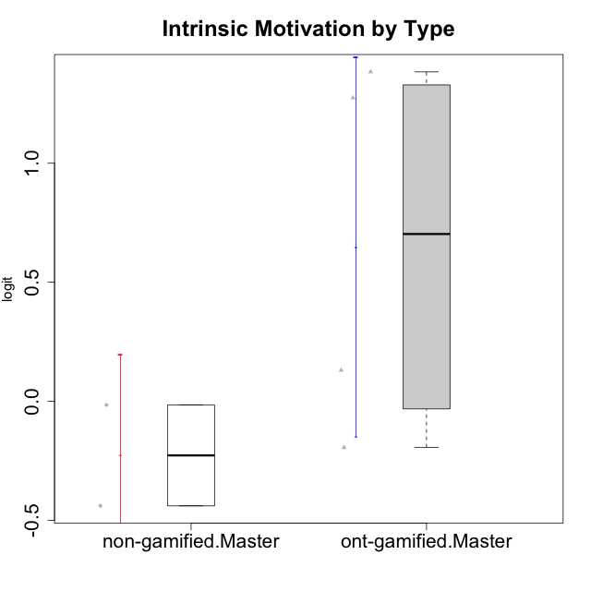

Student's t-Test data
UserID | Type | CLGroup | CLRole | PlayerRole | Interest/Enjoyment | Perceived Choice | Pressure/Tension | Effort/Importance | Intrinsic Motivation
10116 | non-gamified | GroupC | Master |  | -0.11357294579 | -0.84246384474 | 0.207074728 | -0.59479403893 | -0.43947638936
10120 | ont-gamified | Grupo Hélio | Master | Yee Socializer | 1.9055652511 | 1.3724895791 | -0.92888751811 | 0.43187671077 | 1.2745279552
10121 | ont-gamified | Grupo Hades | Master | Yee Achiever | 0.39919386735 | 0.58689611203 | 0.34545624663 | -0.11852834837 | 0.1305263461
10141 | ont-gamified | Grupo Apolo | Master | Yee Socializer | 0.0020687155691 | -0.41039697569 | -0.059821730394 | -0.42994125574 | -0.19461194637
10145 | non-gamified | GroupB | Master |  | -0.63100885186 | -0.84246384474 | 0.49281785314 | 1.2936946773 | -0.016003757564
10152 | ont-gamified | Grupo Morfeu | Master | Yee Achiever | 3.1382402907 | 0.71417324881 | -0.19509897189 | -0.59479403893 | 1.3837694218

Type_CLRole_6
Student's t-Test for Intrinsic Motivation by Type in Type:CLRole between ont-gamified.Apprentice:ont-gamified.Master

Student's t-Test results
Alternative hypothesis: less
Group | N | Mean | Mean.Difference | Std.deviation | Std.error | CI.lower | CI.upper | df | t.value | p.value | g | magnitude
ont-gamified.Apprentice | 10 | 0.27370944901 | -0.37484349519 | 0.57458107406 | 0.18169848944 | -0.089687529883 | 0.6371064279 | 4.3105686826 | -0.85474757864 | 0.21880130348 | -0.55011559717 | medium
ont-gamified.Master | 4 | 0.64855294419 | 0.37484349519 | 0.79826198131 | 0.39913099066 | -0.14970903712 | 1.4468149255 | 4.3105686826 | -0.85474757864 | 0.21880130348 | -0.55011559717 | medium
Alternative hypothesis: greater
Group | N | Mean | Mean.Difference | Std.deviation | Std.error | CI.lower | CI.upper | df | t.value | p.value | g | magnitude
ont-gamified.Apprentice | 10 | 0.27370944901 | -0.37484349519 | 0.57458107406 | 0.18169848944 | -0.089687529883 | 0.6371064279 | 4.3105686826 | -0.85474757864 | 0.78119869652 | -0.55011559717 | medium
ont-gamified.Master | 4 | 0.64855294419 | 0.37484349519 | 0.79826198131 | 0.39913099066 | -0.14970903712 | 1.4468149255 | 4.3105686826 | -0.85474757864 | 0.78119869652 | -0.55011559717 | medium
Alternative hypothesis: two.sided
Group | N | Mean | Mean.Difference | Std.deviation | Std.error | CI.lower | CI.upper | df | t.value | p.value | g | magnitude
ont-gamified.Apprentice | 10 | 0.27370944901 | -0.37484349519 | 0.57458107406 | 0.18169848944 | -0.089687529883 | 0.6371064279 | 4.3105686826 | -0.85474757864 | 0.43760260695 | -0.55011559717 | medium
ont-gamified.Master | 4 | 0.64855294419 | 0.37484349519 | 0.79826198131 | 0.39913099066 | -0.14970903712 | 1.4468149255 | 4.3105686826 | -0.85474757864 | 0.43760260695 | -0.55011559717 | medium

Box plots for Student's t-Test
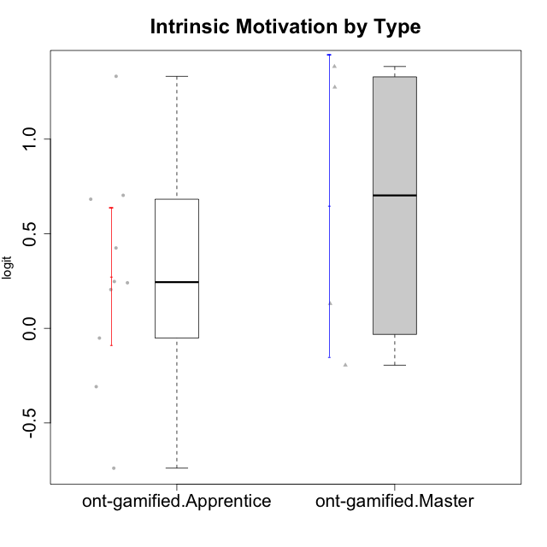

Student's t-Test data
UserID | Type | CLGroup | CLRole | PlayerRole | Interest/Enjoyment | Perceived Choice | Pressure/Tension | Effort/Importance | Intrinsic Motivation
10120 | ont-gamified | Grupo Hélio | Master | Yee Socializer | 1.9055652511 | 1.3724895791 | -0.92888751811 | 0.43187671077 | 1.2745279552
10121 | ont-gamified | Grupo Hades | Master | Yee Achiever | 0.39919386735 | 0.58689611203 | 0.34545624663 | -0.11852834837 | 0.1305263461
10123 | ont-gamified | Grupo Morfeu | Apprentice | Yee Achiever | -0.83197918173 | 0.23576870755 | 0.207074728 | -0.42994125574 | -0.30830661448
10126 | ont-gamified | Grupo Hélio | Apprentice | Yee Socializer | 1.2733257983 | 1.1695914201 | -0.48810270396 | -0.11852834837 | 0.70312289349
10131 | ont-gamified | Grupo Zeus | Apprentice | Yee Achiever | 2.3995832302 | -0.95909932617 | -0.86046882355 | 0.42905726588 | 0.68250249838
10134 | ont-gamified | Grupo Apolo | Apprentice | Yee Socializer | -1.2851216362 | -0.73083108762 | 0.34545624663 | -0.59479403893 | -0.73905075235
10137 | ont-gamified | Grupo Morfeu | Apprentice | Yee Achiever | 1.4744559961 | 1.3724895791 | -1.2956562305 | 0.69391751569 | 1.3321669013
10138 | ont-gamified | Grupo Hélio | Apprentice | Yee Socializer | 0.55299522042 | -0.41039697569 | 0.34545624663 | 1.2936946773 | 0.4248543794
10139 | ont-gamified | Grupo Zeus | Apprentice | Yee Achiever | -0.22343251553 | 0.12466021952 | -0.48810270396 | -0.59479403893 | -0.051365907743
10141 | ont-gamified | Grupo Apolo | Master | Yee Socializer | 0.0020687155691 | -0.41039697569 | -0.059821730394 | -0.42994125574 | -0.19461194637
10142 | ont-gamified | Grupo Hades | Apprentice | Yee Achiever | 0.55299522042 | -0.30498894625 | -0.86046882355 | -0.11852834837 | 0.24748668734
10143 | ont-gamified | Grupo Apolo | Apprentice | Yee Socializer | 0.12501694921 | 0.34922612396 | -0.059821730394 | 0.42905726588 | 0.24078051736
10148 | ont-gamified | Grupo Apolo | Apprentice | Yee Socializer | 0.25688594663 | 0.71417324881 | 0.84536116149 | 0.69391751569 | 0.20490388741
10152 | ont-gamified | Grupo Morfeu | Master | Yee Achiever | 3.1382402907 | 0.71417324881 | -0.19509897189 | -0.59479403893 | 1.3837694218

