Type_1
Wilcoxon Analysis for Perceived Choice by Type in Type between non-gamified:ont-gamified

Wilcoxon test results
Alternative hypothesis: less
Group | N | Median | Mean.Ranks | Sum.Ranks | U | Z | p.value | r | magnitude
non-gamified | 7 | -0.30498894625 | 9 | 63 | 35 | -1.047873664 | 0.15645854833 | 0.22866478019 | small
ont-gamified | 14 | 0.29249741575 | 12 | 168 | 35 | -1.047873664 | 0.15645854833 | 0.22866478019 | small
Alternative hypothesis: greater
Group | N | Median | Mean.Ranks | Sum.Ranks | U | Z | p.value | r | magnitude
non-gamified | 7 | -0.30498894625 | 9 | 63 | 35 | -1.047873664 | 0.85249398005 | 0.22866478019 | small
ont-gamified | 14 | 0.29249741575 | 12 | 168 | 35 | -1.047873664 | 0.85249398005 | 0.22866478019 | small
Alternative hypothesis: two.sided
Group | N | Median | Mean.Ranks | Sum.Ranks | U | Z | p.value | r | magnitude
non-gamified | 7 | -0.30498894625 | 9 | 63 | 35 | -1.047873664 | 0.31172170623 | 0.22866478019 | small
ont-gamified | 14 | 0.29249741575 | 12 | 168 | 35 | -1.047873664 | 0.31172170623 | 0.22866478019 | small

Box plots for wilcoxon tests
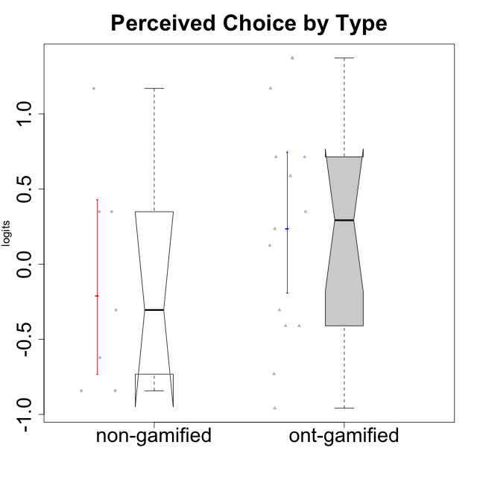

Wilcoxon data
UserID | Type | CLGroup | CLRole | PlayerRole | Score | theta | error | Outfit | Infit | Perceived Choice
10116 | non-gamified | GroupC | Master |  | 9 | -0.84246384474 | 0.3474190216 | 0.48672080609 | 0.45594084714 | -0.84246384474
10120 | ont-gamified | Grupo Hélio | Master | Yee Socializer | 27 | 1.3724895791 | 0.49162459338 | 0.53049023328 | 0.58822579091 | 1.3724895791
10121 | ont-gamified | Grupo Hades | Master | Yee Achiever | 22 | 0.58689611203 | 0.36074960087 | 0.40233284349 | 0.42525887304 | 0.58689611203
10122 | non-gamified | GroupB | Apprentice |  | 26 | 1.1695914201 | 0.44343766576 | 0.44108278334 | 0.47971214963 | 1.1695914201
10123 | ont-gamified | Grupo Morfeu | Apprentice | Yee Achiever | 19 | 0.23576870755 | 0.33984807755 | 0.37467720866 | 0.38694331157 | 0.23576870755
10126 | ont-gamified | Grupo Hélio | Apprentice | Yee Socializer | 26 | 1.1695914201 | 0.44343766576 | 0.15630073325 | 0.12222018909 | 1.1695914201
10129 | non-gamified | GroupB | Apprentice |  | 11 | -0.62243343859 | 0.33520040937 | 0.41800432358 | 0.39054352615 | -0.62243343859
10130 | non-gamified | GroupC | Apprentice |  | 14 | -0.30498894625 | 0.32952948163 | 0.67581906232 | 0.67373773962 | -0.30498894625
10131 | ont-gamified | Grupo Zeus | Apprentice | Yee Achiever | 8 | -0.95909932617 | 0.35750709975 | 1.7446984705 | 1.8662798775 | -0.95909932617
10134 | ont-gamified | Grupo Apolo | Apprentice | Yee Socializer | 10 | -0.73083108762 | 0.34019808222 | 0.74307830555 | 0.77781334341 | -0.73083108762
10135 | non-gamified | GroupB | Apprentice |  | 20 | 0.34922612396 | 0.3449773359 | 2.2894322621 | 2.18038179 | 0.34922612396
10137 | ont-gamified | Grupo Morfeu | Apprentice | Yee Achiever | 27 | 1.3724895791 | 0.49162459338 | 1.2898134415 | 1.5238985391 | 1.3724895791
10138 | ont-gamified | Grupo Hélio | Apprentice | Yee Socializer | 13 | -0.41039697569 | 0.33016328725 | 0.48852762633 | 0.49195592986 | -0.41039697569
10139 | ont-gamified | Grupo Zeus | Apprentice | Yee Achiever | 18 | 0.12466021952 | 0.33597698007 | 2.0158840151 | 2.0177368971 | 0.12466021952
10141 | ont-gamified | Grupo Apolo | Master | Yee Socializer | 13 | -0.41039697569 | 0.33016328725 | 0.48254888848 | 0.48515571269 | -0.41039697569
10142 | ont-gamified | Grupo Hades | Apprentice | Yee Achiever | 14 | -0.30498894625 | 0.32952948163 | 0.3635701553 | 0.36495830558 | -0.30498894625
10143 | ont-gamified | Grupo Apolo | Apprentice | Yee Socializer | 20 | 0.34922612396 | 0.3449773359 | 0.13953638096 | 0.13669273627 | 0.34922612396
10145 | non-gamified | GroupB | Master |  | 9 | -0.84246384474 | 0.3474190216 | 0.78495182559 | 0.73097866478 | -0.84246384474
10146 | non-gamified | GroupA | Apprentice |  | 20 | 0.34922612396 | 0.3449773359 | 0.13511471634 | 0.13551261964 | 0.34922612396
10148 | ont-gamified | Grupo Apolo | Apprentice | Yee Socializer | 23 | 0.71417324881 | 0.3727641234 | 0.76627418208 | 0.73939900139 | 0.71417324881
10152 | ont-gamified | Grupo Morfeu | Master | Yee Achiever | 23 | 0.71417324881 | 0.3727641234 | 0.62494697965 | 0.60625335769 | 0.71417324881

Type_CLRole_1
Wilcoxon Analysis for Perceived Choice by Type in Type:CLRole between non-gamified.Apprentice:non-gamified.Master

Wilcoxon test results
Alternative hypothesis: less
Group | N | Median | Mean.Ranks | Sum.Ranks | U | Z | p.value | r | magnitude
non-gamified.Apprentice | 5 | 0.34922612396 | 5 | 25 | 10 | 1.9720265944 | 1 | 0.7453559925 | large
non-gamified.Master | 2 | -0.84246384474 | 1.5 | 3 | 10 | 1.9720265944 | 1 | 0.7453559925 | large
Alternative hypothesis: greater
Group | N | Median | Mean.Ranks | Sum.Ranks | U | Z | p.value | r | magnitude
non-gamified.Apprentice | 5 | 0.34922612396 | 5 | 25 | 10 | 1.9720265944 | 0.047619047619 | 0.7453559925 | large
non-gamified.Master | 2 | -0.84246384474 | 1.5 | 3 | 10 | 1.9720265944 | 0.047619047619 | 0.7453559925 | large
Alternative hypothesis: two.sided
Group | N | Median | Mean.Ranks | Sum.Ranks | U | Z | p.value | r | magnitude
non-gamified.Apprentice | 5 | 0.34922612396 | 5 | 25 | 10 | 1.9720265944 | 0.047619047619 | 0.7453559925 | large
non-gamified.Master | 2 | -0.84246384474 | 1.5 | 3 | 10 | 1.9720265944 | 0.047619047619 | 0.7453559925 | large

Box plots for wilcoxon tests
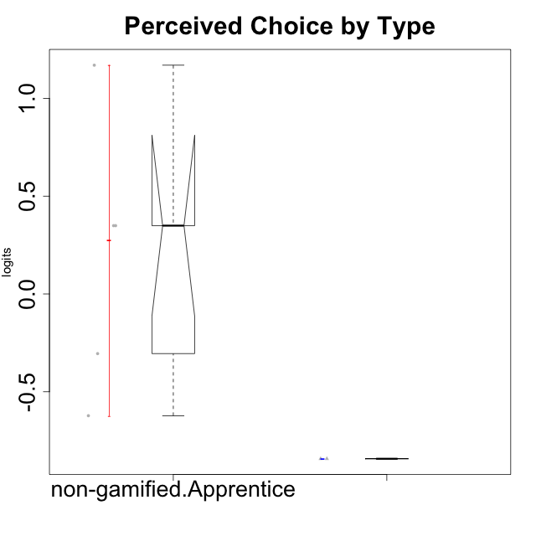

Wilcoxon data
UserID | Type | CLGroup | CLRole | PlayerRole | Score | theta | error | Outfit | Infit | Perceived Choice
10116 | non-gamified | GroupC | Master |  | 9 | -0.84246384474 | 0.3474190216 | 0.48672080609 | 0.45594084714 | -0.84246384474
10122 | non-gamified | GroupB | Apprentice |  | 26 | 1.1695914201 | 0.44343766576 | 0.44108278334 | 0.47971214963 | 1.1695914201
10129 | non-gamified | GroupB | Apprentice |  | 11 | -0.62243343859 | 0.33520040937 | 0.41800432358 | 0.39054352615 | -0.62243343859
10130 | non-gamified | GroupC | Apprentice |  | 14 | -0.30498894625 | 0.32952948163 | 0.67581906232 | 0.67373773962 | -0.30498894625
10135 | non-gamified | GroupB | Apprentice |  | 20 | 0.34922612396 | 0.3449773359 | 2.2894322621 | 2.18038179 | 0.34922612396
10145 | non-gamified | GroupB | Master |  | 9 | -0.84246384474 | 0.3474190216 | 0.78495182559 | 0.73097866478 | -0.84246384474
10146 | non-gamified | GroupA | Apprentice |  | 20 | 0.34922612396 | 0.3449773359 | 0.13511471634 | 0.13551261964 | 0.34922612396

Type_CLRole_2
Wilcoxon Analysis for Perceived Choice by Type in Type:CLRole between non-gamified.Apprentice:ont-gamified.Apprentice

Wilcoxon test results
Alternative hypothesis: less
Group | N | Median | Mean.Ranks | Sum.Ranks | U | Z | p.value | r | magnitude
non-gamified.Apprentice | 5 | 0.34922612396 | 8.4 | 42 | 27 | 0.24627184064 | 0.6043956044 | 0.06358711583 | none
ont-gamified.Apprentice | 10 | 0.18021446354 | 7.8 | 78 | 27 | 0.24627184064 | 0.6043956044 | 0.06358711583 | none
Alternative hypothesis: greater
Group | N | Median | Mean.Ranks | Sum.Ranks | U | Z | p.value | r | magnitude
non-gamified.Apprentice | 5 | 0.34922612396 | 8.4 | 42 | 27 | 0.24627184064 | 0.41758241758 | 0.06358711583 | none
ont-gamified.Apprentice | 10 | 0.18021446354 | 7.8 | 78 | 27 | 0.24627184064 | 0.41758241758 | 0.06358711583 | none
Alternative hypothesis: two.sided
Group | N | Median | Mean.Ranks | Sum.Ranks | U | Z | p.value | r | magnitude
non-gamified.Apprentice | 5 | 0.34922612396 | 8.4 | 42 | 27 | 0.24627184064 | 0.83516483516 | 0.06358711583 | none
ont-gamified.Apprentice | 10 | 0.18021446354 | 7.8 | 78 | 27 | 0.24627184064 | 0.83516483516 | 0.06358711583 | none

Box plots for wilcoxon tests
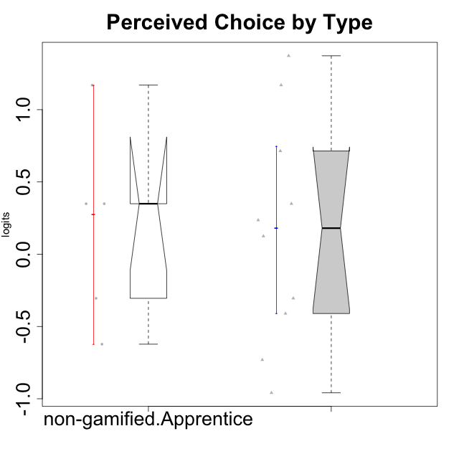

Wilcoxon data
UserID | Type | CLGroup | CLRole | PlayerRole | Score | theta | error | Outfit | Infit | Perceived Choice
10122 | non-gamified | GroupB | Apprentice |  | 26 | 1.1695914201 | 0.44343766576 | 0.44108278334 | 0.47971214963 | 1.1695914201
10123 | ont-gamified | Grupo Morfeu | Apprentice | Yee Achiever | 19 | 0.23576870755 | 0.33984807755 | 0.37467720866 | 0.38694331157 | 0.23576870755
10126 | ont-gamified | Grupo Hélio | Apprentice | Yee Socializer | 26 | 1.1695914201 | 0.44343766576 | 0.15630073325 | 0.12222018909 | 1.1695914201
10129 | non-gamified | GroupB | Apprentice |  | 11 | -0.62243343859 | 0.33520040937 | 0.41800432358 | 0.39054352615 | -0.62243343859
10130 | non-gamified | GroupC | Apprentice |  | 14 | -0.30498894625 | 0.32952948163 | 0.67581906232 | 0.67373773962 | -0.30498894625
10131 | ont-gamified | Grupo Zeus | Apprentice | Yee Achiever | 8 | -0.95909932617 | 0.35750709975 | 1.7446984705 | 1.8662798775 | -0.95909932617
10134 | ont-gamified | Grupo Apolo | Apprentice | Yee Socializer | 10 | -0.73083108762 | 0.34019808222 | 0.74307830555 | 0.77781334341 | -0.73083108762
10135 | non-gamified | GroupB | Apprentice |  | 20 | 0.34922612396 | 0.3449773359 | 2.2894322621 | 2.18038179 | 0.34922612396
10137 | ont-gamified | Grupo Morfeu | Apprentice | Yee Achiever | 27 | 1.3724895791 | 0.49162459338 | 1.2898134415 | 1.5238985391 | 1.3724895791
10138 | ont-gamified | Grupo Hélio | Apprentice | Yee Socializer | 13 | -0.41039697569 | 0.33016328725 | 0.48852762633 | 0.49195592986 | -0.41039697569
10139 | ont-gamified | Grupo Zeus | Apprentice | Yee Achiever | 18 | 0.12466021952 | 0.33597698007 | 2.0158840151 | 2.0177368971 | 0.12466021952
10142 | ont-gamified | Grupo Hades | Apprentice | Yee Achiever | 14 | -0.30498894625 | 0.32952948163 | 0.3635701553 | 0.36495830558 | -0.30498894625
10143 | ont-gamified | Grupo Apolo | Apprentice | Yee Socializer | 20 | 0.34922612396 | 0.3449773359 | 0.13953638096 | 0.13669273627 | 0.34922612396
10146 | non-gamified | GroupA | Apprentice |  | 20 | 0.34922612396 | 0.3449773359 | 0.13511471634 | 0.13551261964 | 0.34922612396
10148 | ont-gamified | Grupo Apolo | Apprentice | Yee Socializer | 23 | 0.71417324881 | 0.3727641234 | 0.76627418208 | 0.73939900139 | 0.71417324881

Type_CLRole_3
Wilcoxon Analysis for Perceived Choice by Type in Type:CLRole between non-gamified.Apprentice:ont-gamified.Master

Wilcoxon test results
Alternative hypothesis: less
Group | N | Median | Mean.Ranks | Sum.Ranks | U | Z | p.value | r | magnitude
non-gamified.Apprentice | 5 | 0.34922612396 | 4.2 | 21 | 6 | -0.98390407403 | 0.19047619048 | 0.32796802468 | medium
ont-gamified.Master | 4 | 0.65053468042 | 6 | 24 | 6 | -0.98390407403 | 0.19047619048 | 0.32796802468 | medium
Alternative hypothesis: greater
Group | N | Median | Mean.Ranks | Sum.Ranks | U | Z | p.value | r | magnitude
non-gamified.Apprentice | 5 | 0.34922612396 | 4.2 | 21 | 6 | -0.98390407403 | 0.84920634921 | 0.32796802468 | medium
ont-gamified.Master | 4 | 0.65053468042 | 6 | 24 | 6 | -0.98390407403 | 0.84920634921 | 0.32796802468 | medium
Alternative hypothesis: two.sided
Group | N | Median | Mean.Ranks | Sum.Ranks | U | Z | p.value | r | magnitude
non-gamified.Apprentice | 5 | 0.34922612396 | 4.2 | 21 | 6 | -0.98390407403 | 0.37301587302 | 0.32796802468 | medium
ont-gamified.Master | 4 | 0.65053468042 | 6 | 24 | 6 | -0.98390407403 | 0.37301587302 | 0.32796802468 | medium

Box plots for wilcoxon tests
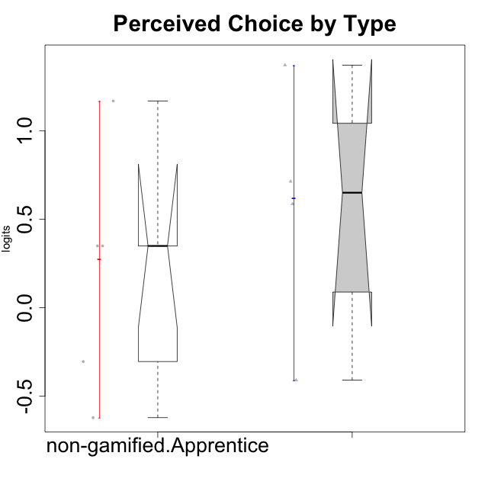

Wilcoxon data
UserID | Type | CLGroup | CLRole | PlayerRole | Score | theta | error | Outfit | Infit | Perceived Choice
10120 | ont-gamified | Grupo Hélio | Master | Yee Socializer | 27 | 1.3724895791 | 0.49162459338 | 0.53049023328 | 0.58822579091 | 1.3724895791
10121 | ont-gamified | Grupo Hades | Master | Yee Achiever | 22 | 0.58689611203 | 0.36074960087 | 0.40233284349 | 0.42525887304 | 0.58689611203
10122 | non-gamified | GroupB | Apprentice |  | 26 | 1.1695914201 | 0.44343766576 | 0.44108278334 | 0.47971214963 | 1.1695914201
10129 | non-gamified | GroupB | Apprentice |  | 11 | -0.62243343859 | 0.33520040937 | 0.41800432358 | 0.39054352615 | -0.62243343859
10130 | non-gamified | GroupC | Apprentice |  | 14 | -0.30498894625 | 0.32952948163 | 0.67581906232 | 0.67373773962 | -0.30498894625
10135 | non-gamified | GroupB | Apprentice |  | 20 | 0.34922612396 | 0.3449773359 | 2.2894322621 | 2.18038179 | 0.34922612396
10141 | ont-gamified | Grupo Apolo | Master | Yee Socializer | 13 | -0.41039697569 | 0.33016328725 | 0.48254888848 | 0.48515571269 | -0.41039697569
10146 | non-gamified | GroupA | Apprentice |  | 20 | 0.34922612396 | 0.3449773359 | 0.13511471634 | 0.13551261964 | 0.34922612396
10152 | ont-gamified | Grupo Morfeu | Master | Yee Achiever | 23 | 0.71417324881 | 0.3727641234 | 0.62494697965 | 0.60625335769 | 0.71417324881

Type_CLRole_4
Wilcoxon Analysis for Perceived Choice by Type in Type:CLRole between non-gamified.Master:ont-gamified.Apprentice

Wilcoxon test results
Alternative hypothesis: less
Group | N | Median | Mean.Ranks | Sum.Ranks | U | Z | p.value | r | magnitude
non-gamified.Master | 2 | -0.84246384474 | 2.5 | 5 | 2 | -1.7216882779 | 0.060606060606 | 0.49700859536 | medium
ont-gamified.Apprentice | 10 | 0.18021446354 | 7.3 | 73 | 2 | -1.7216882779 | 0.060606060606 | 0.49700859536 | medium
Alternative hypothesis: greater
Group | N | Median | Mean.Ranks | Sum.Ranks | U | Z | p.value | r | magnitude
non-gamified.Master | 2 | -0.84246384474 | 2.5 | 5 | 2 | -1.7216882779 | 0.9696969697 | 0.49700859536 | medium
ont-gamified.Apprentice | 10 | 0.18021446354 | 7.3 | 73 | 2 | -1.7216882779 | 0.9696969697 | 0.49700859536 | medium
Alternative hypothesis: two.sided
Group | N | Median | Mean.Ranks | Sum.Ranks | U | Z | p.value | r | magnitude
non-gamified.Master | 2 | -0.84246384474 | 2.5 | 5 | 2 | -1.7216882779 | 0.12121212121 | 0.49700859536 | medium
ont-gamified.Apprentice | 10 | 0.18021446354 | 7.3 | 73 | 2 | -1.7216882779 | 0.12121212121 | 0.49700859536 | medium

Box plots for wilcoxon tests
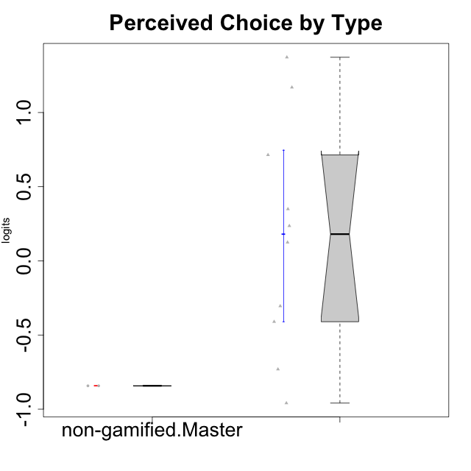

Wilcoxon data
UserID | Type | CLGroup | CLRole | PlayerRole | Score | theta | error | Outfit | Infit | Perceived Choice
10116 | non-gamified | GroupC | Master |  | 9 | -0.84246384474 | 0.3474190216 | 0.48672080609 | 0.45594084714 | -0.84246384474
10123 | ont-gamified | Grupo Morfeu | Apprentice | Yee Achiever | 19 | 0.23576870755 | 0.33984807755 | 0.37467720866 | 0.38694331157 | 0.23576870755
10126 | ont-gamified | Grupo Hélio | Apprentice | Yee Socializer | 26 | 1.1695914201 | 0.44343766576 | 0.15630073325 | 0.12222018909 | 1.1695914201
10131 | ont-gamified | Grupo Zeus | Apprentice | Yee Achiever | 8 | -0.95909932617 | 0.35750709975 | 1.7446984705 | 1.8662798775 | -0.95909932617
10134 | ont-gamified | Grupo Apolo | Apprentice | Yee Socializer | 10 | -0.73083108762 | 0.34019808222 | 0.74307830555 | 0.77781334341 | -0.73083108762
10137 | ont-gamified | Grupo Morfeu | Apprentice | Yee Achiever | 27 | 1.3724895791 | 0.49162459338 | 1.2898134415 | 1.5238985391 | 1.3724895791
10138 | ont-gamified | Grupo Hélio | Apprentice | Yee Socializer | 13 | -0.41039697569 | 0.33016328725 | 0.48852762633 | 0.49195592986 | -0.41039697569
10139 | ont-gamified | Grupo Zeus | Apprentice | Yee Achiever | 18 | 0.12466021952 | 0.33597698007 | 2.0158840151 | 2.0177368971 | 0.12466021952
10142 | ont-gamified | Grupo Hades | Apprentice | Yee Achiever | 14 | -0.30498894625 | 0.32952948163 | 0.3635701553 | 0.36495830558 | -0.30498894625
10143 | ont-gamified | Grupo Apolo | Apprentice | Yee Socializer | 20 | 0.34922612396 | 0.3449773359 | 0.13953638096 | 0.13669273627 | 0.34922612396
10145 | non-gamified | GroupB | Master |  | 9 | -0.84246384474 | 0.3474190216 | 0.78495182559 | 0.73097866478 | -0.84246384474
10148 | ont-gamified | Grupo Apolo | Apprentice | Yee Socializer | 23 | 0.71417324881 | 0.3727641234 | 0.76627418208 | 0.73939900139 | 0.71417324881

Type_CLRole_5
Wilcoxon Analysis for Perceived Choice by Type in Type:CLRole between non-gamified.Master:ont-gamified.Master

Wilcoxon test results
Alternative hypothesis: less
Group | N | Median | Mean.Ranks | Sum.Ranks | U | Z | p.value | r | magnitude
non-gamified.Master | 2 | -0.84246384474 | 1.5 | 3 | 0 | -1.8786728733 | 0.066666666667 | 0.76696498885 | large
ont-gamified.Master | 4 | 0.65053468042 | 4.5 | 18 | 0 | -1.8786728733 | 0.066666666667 | 0.76696498885 | large
Alternative hypothesis: greater
Group | N | Median | Mean.Ranks | Sum.Ranks | U | Z | p.value | r | magnitude
non-gamified.Master | 2 | -0.84246384474 | 1.5 | 3 | 0 | -1.8786728733 | 1 | 0.76696498885 | large
ont-gamified.Master | 4 | 0.65053468042 | 4.5 | 18 | 0 | -1.8786728733 | 1 | 0.76696498885 | large
Alternative hypothesis: two.sided
Group | N | Median | Mean.Ranks | Sum.Ranks | U | Z | p.value | r | magnitude
non-gamified.Master | 2 | -0.84246384474 | 1.5 | 3 | 0 | -1.8786728733 | 0.13333333333 | 0.76696498885 | large
ont-gamified.Master | 4 | 0.65053468042 | 4.5 | 18 | 0 | -1.8786728733 | 0.13333333333 | 0.76696498885 | large

Box plots for wilcoxon tests
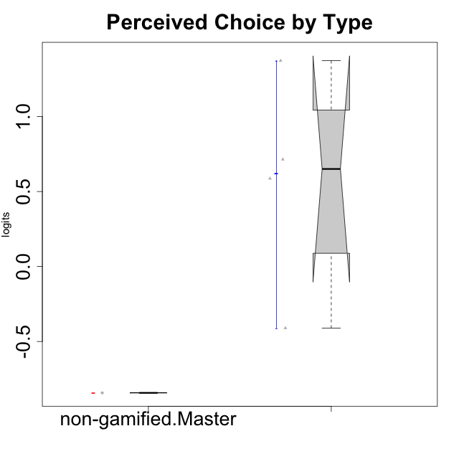

Wilcoxon data
UserID | Type | CLGroup | CLRole | PlayerRole | Score | theta | error | Outfit | Infit | Perceived Choice
10116 | non-gamified | GroupC | Master |  | 9 | -0.84246384474 | 0.3474190216 | 0.48672080609 | 0.45594084714 | -0.84246384474
10120 | ont-gamified | Grupo Hélio | Master | Yee Socializer | 27 | 1.3724895791 | 0.49162459338 | 0.53049023328 | 0.58822579091 | 1.3724895791
10121 | ont-gamified | Grupo Hades | Master | Yee Achiever | 22 | 0.58689611203 | 0.36074960087 | 0.40233284349 | 0.42525887304 | 0.58689611203
10141 | ont-gamified | Grupo Apolo | Master | Yee Socializer | 13 | -0.41039697569 | 0.33016328725 | 0.48254888848 | 0.48515571269 | -0.41039697569
10145 | non-gamified | GroupB | Master |  | 9 | -0.84246384474 | 0.3474190216 | 0.78495182559 | 0.73097866478 | -0.84246384474
10152 | ont-gamified | Grupo Morfeu | Master | Yee Achiever | 23 | 0.71417324881 | 0.3727641234 | 0.62494697965 | 0.60625335769 | 0.71417324881

Type_CLRole_6
Wilcoxon Analysis for Perceived Choice by Type in Type:CLRole between ont-gamified.Apprentice:ont-gamified.Master

Wilcoxon test results
Alternative hypothesis: less
Group | N | Median | Mean.Ranks | Sum.Ranks | U | Z | p.value | r | magnitude
ont-gamified.Apprentice | 10 | 0.18021446354 | 6.85 | 68.5 | 13.5 | -0.92228434177 | 0.1998001998 | 0.24649085858 | small
ont-gamified.Master | 4 | 0.65053468042 | 9.125 | 36.5 | 13.5 | -0.92228434177 | 0.1998001998 | 0.24649085858 | small
Alternative hypothesis: greater
Group | N | Median | Mean.Ranks | Sum.Ranks | U | Z | p.value | r | magnitude
ont-gamified.Apprentice | 10 | 0.18021446354 | 6.85 | 68.5 | 13.5 | -0.92228434177 | 0.82417582418 | 0.24649085858 | small
ont-gamified.Master | 4 | 0.65053468042 | 9.125 | 36.5 | 13.5 | -0.92228434177 | 0.82417582418 | 0.24649085858 | small
Alternative hypothesis: two.sided
Group | N | Median | Mean.Ranks | Sum.Ranks | U | Z | p.value | r | magnitude
ont-gamified.Apprentice | 10 | 0.18021446354 | 6.85 | 68.5 | 13.5 | -0.92228434177 | 0.39360639361 | 0.24649085858 | small
ont-gamified.Master | 4 | 0.65053468042 | 9.125 | 36.5 | 13.5 | -0.92228434177 | 0.39360639361 | 0.24649085858 | small

Box plots for wilcoxon tests
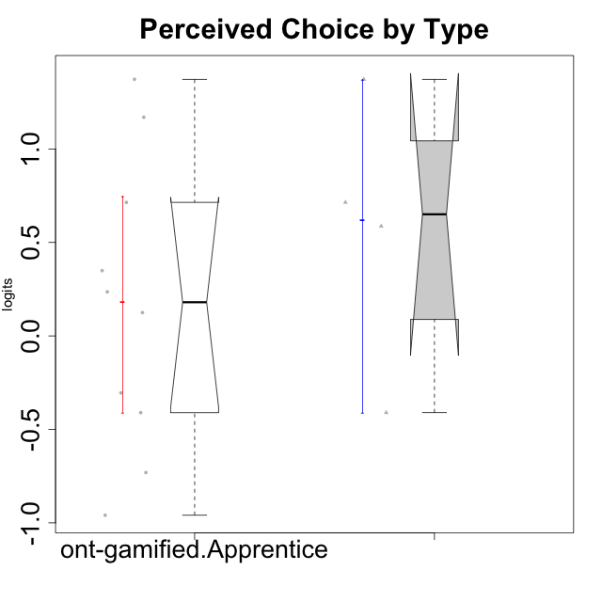

Wilcoxon data
UserID | Type | CLGroup | CLRole | PlayerRole | Score | theta | error | Outfit | Infit | Perceived Choice
10120 | ont-gamified | Grupo Hélio | Master | Yee Socializer | 27 | 1.3724895791 | 0.49162459338 | 0.53049023328 | 0.58822579091 | 1.3724895791
10121 | ont-gamified | Grupo Hades | Master | Yee Achiever | 22 | 0.58689611203 | 0.36074960087 | 0.40233284349 | 0.42525887304 | 0.58689611203
10123 | ont-gamified | Grupo Morfeu | Apprentice | Yee Achiever | 19 | 0.23576870755 | 0.33984807755 | 0.37467720866 | 0.38694331157 | 0.23576870755
10126 | ont-gamified | Grupo Hélio | Apprentice | Yee Socializer | 26 | 1.1695914201 | 0.44343766576 | 0.15630073325 | 0.12222018909 | 1.1695914201
10131 | ont-gamified | Grupo Zeus | Apprentice | Yee Achiever | 8 | -0.95909932617 | 0.35750709975 | 1.7446984705 | 1.8662798775 | -0.95909932617
10134 | ont-gamified | Grupo Apolo | Apprentice | Yee Socializer | 10 | -0.73083108762 | 0.34019808222 | 0.74307830555 | 0.77781334341 | -0.73083108762
10137 | ont-gamified | Grupo Morfeu | Apprentice | Yee Achiever | 27 | 1.3724895791 | 0.49162459338 | 1.2898134415 | 1.5238985391 | 1.3724895791
10138 | ont-gamified | Grupo Hélio | Apprentice | Yee Socializer | 13 | -0.41039697569 | 0.33016328725 | 0.48852762633 | 0.49195592986 | -0.41039697569
10139 | ont-gamified | Grupo Zeus | Apprentice | Yee Achiever | 18 | 0.12466021952 | 0.33597698007 | 2.0158840151 | 2.0177368971 | 0.12466021952
10141 | ont-gamified | Grupo Apolo | Master | Yee Socializer | 13 | -0.41039697569 | 0.33016328725 | 0.48254888848 | 0.48515571269 | -0.41039697569
10142 | ont-gamified | Grupo Hades | Apprentice | Yee Achiever | 14 | -0.30498894625 | 0.32952948163 | 0.3635701553 | 0.36495830558 | -0.30498894625
10143 | ont-gamified | Grupo Apolo | Apprentice | Yee Socializer | 20 | 0.34922612396 | 0.3449773359 | 0.13953638096 | 0.13669273627 | 0.34922612396
10148 | ont-gamified | Grupo Apolo | Apprentice | Yee Socializer | 23 | 0.71417324881 | 0.3727641234 | 0.76627418208 | 0.73939900139 | 0.71417324881
10152 | ont-gamified | Grupo Morfeu | Master | Yee Achiever | 23 | 0.71417324881 | 0.3727641234 | 0.62494697965 | 0.60625335769 | 0.71417324881

