Type_1
Wilcoxon Analysis for Pressure/Tension by Type in Type between non-gamified:ont-gamified

Wilcoxon test results
Alternative hypothesis: less
Group | N | Median | Mean.Ranks | Sum.Ranks | U | Z | p.value | r | magnitude
non-gamified | 7 | 0.34545624663 | 14.428571429 | 101 | 73 | 1.8004783156 | 0.96619367045 | 0.39289657944 | medium
ont-gamified | 14 | -0.12746035114 | 9.2857142857 | 130 | 73 | 1.8004783156 | 0.96619367045 | 0.39289657944 | medium
Alternative hypothesis: greater
Group | N | Median | Mean.Ranks | Sum.Ranks | U | Z | p.value | r | magnitude
non-gamified | 7 | 0.34545624663 | 14.428571429 | 101 | 73 | 1.8004783156 | 0.037504299966 | 0.39289657944 | medium
ont-gamified | 14 | -0.12746035114 | 9.2857142857 | 130 | 73 | 1.8004783156 | 0.037504299966 | 0.39289657944 | medium
Alternative hypothesis: two.sided
Group | N | Median | Mean.Ranks | Sum.Ranks | U | Z | p.value | r | magnitude
non-gamified | 7 | 0.34545624663 | 14.428571429 | 101 | 73 | 1.8004783156 | 0.074243206054 | 0.39289657944 | medium
ont-gamified | 14 | -0.12746035114 | 9.2857142857 | 130 | 73 | 1.8004783156 | 0.074243206054 | 0.39289657944 | medium

Box plots for wilcoxon tests
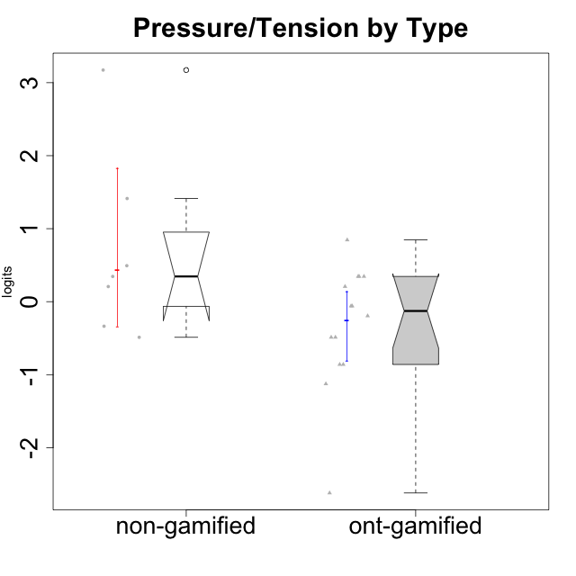

Wilcoxon data
UserID | Type | CLGroup | CLRole | PlayerRole | Score | theta | error | Outfit | Infit | Pressure/Tension
10116 | non-gamified | GroupC | Master |  | 10 | 0.207074728 | 0.3865837019 | 0.48196835851 | 0.49942698174 | 0.207074728
10120 | ont-gamified | Grupo Hélio | Master | Yee Socializer | 2 | -1.1261394748 | 0.57780610994 | 0.39826589125 | 0.30561043778 | -1.1261394748
10121 | ont-gamified | Grupo Hades | Master | Yee Achiever | 11 | 0.34545624663 | 0.39564833598 | 0.48712347966 | 0.45205881928 | 0.34545624663
10122 | non-gamified | GroupB | Apprentice |  | 5 | -0.48810270396 | 0.41992655575 | 1.5645761913 | 1.9404692766 | -0.48810270396
10123 | ont-gamified | Grupo Morfeu | Apprentice | Yee Achiever | 10 | 0.207074728 | 0.3865837019 | 0.82053732381 | 0.79297340815 | 0.207074728
10126 | ont-gamified | Grupo Hélio | Apprentice | Yee Socializer | 5 | -0.48810270396 | 0.41992655575 | 0.8538299136 | 0.99579714309 | -0.48810270396
10129 | non-gamified | GroupB | Apprentice |  | 18 | 3.1729292193 | 1.4874522554 | 0.12188499514 | 0.13267737577 | 3.1729292193
10130 | non-gamified | GroupC | Apprentice |  | 16 | 1.4130595699 | 0.6332210229 | 0.32789295324 | 0.3210192598 | 1.4130595699
10131 | ont-gamified | Grupo Zeus | Apprentice | Yee Achiever | 3 | -0.86046882355 | 0.49635475095 | 0.24724823829 | 0.19860412475 | -0.86046882355
10134 | ont-gamified | Grupo Apolo | Apprentice | Yee Socializer | 11 | 0.34545624663 | 0.39564833598 | 0.2321442917 | 0.23157590155 | 0.34545624663
10135 | non-gamified | GroupB | Apprentice |  | 11 | 0.34545624663 | 0.39564833598 | 0.86124434029 | 0.90144798745 | 0.34545624663
10137 | ont-gamified | Grupo Morfeu | Apprentice | Yee Achiever | 0 | -2.6208248727 | 1.3732536662 | 0.12933600924 | 0.14539387101 | -2.6208248727
10138 | ont-gamified | Grupo Hélio | Apprentice | Yee Socializer | 11 | 0.34545624663 | 0.39564833598 | 0.29741654109 | 0.30418712501 | 0.34545624663
10139 | ont-gamified | Grupo Zeus | Apprentice | Yee Achiever | 5 | -0.48810270396 | 0.41992655575 | 1.8659648979 | 1.8542515863 | -0.48810270396
10141 | ont-gamified | Grupo Apolo | Master | Yee Socializer | 8 | -0.059821730394 | 0.38373877926 | 0.71793911683 | 0.63196588582 | -0.059821730394
10142 | ont-gamified | Grupo Hades | Apprentice | Yee Achiever | 3 | -0.86046882355 | 0.49635475095 | 1.6804389635 | 1.815826581 | -0.86046882355
10143 | ont-gamified | Grupo Apolo | Apprentice | Yee Socializer | 8 | -0.059821730394 | 0.38373877926 | 0.13589999963 | 0.14882368083 | -0.059821730394
10145 | non-gamified | GroupB | Master |  | 12 | 0.49281785314 | 0.41112887248 | 0.39844647245 | 0.41338480445 | 0.49281785314
10146 | non-gamified | GroupA | Apprentice |  | 6 | -0.33626190168 | 0.40111423296 | 1.1403892097 | 1.388219311 | -0.33626190168
10148 | ont-gamified | Grupo Apolo | Apprentice | Yee Socializer | 14 | 0.84536116149 | 0.47245639536 | 1.1998213249 | 1.2626916172 | 0.84536116149
10152 | ont-gamified | Grupo Morfeu | Master | Yee Achiever | 7 | -0.19509897189 | 0.38960567386 | 0.2007402063 | 0.18407562166 | -0.19509897189

Type_CLRole_1
Wilcoxon Analysis for Pressure/Tension by Type in Type:CLRole between non-gamified.Apprentice:non-gamified.Master

Wilcoxon test results
Alternative hypothesis: less
Group | N | Median | Mean.Ranks | Sum.Ranks | U | Z | p.value | r | magnitude
non-gamified.Apprentice | 5 | 0.34545624663 | 4 | 20 | 5 | 0 | 0.57142857143 | 0 | none
non-gamified.Master | 2 | 0.34994629057 | 4 | 8 | 5 | 0 | 0.57142857143 | 0 | none
Alternative hypothesis: greater
Group | N | Median | Mean.Ranks | Sum.Ranks | U | Z | p.value | r | magnitude
non-gamified.Apprentice | 5 | 0.34545624663 | 4 | 20 | 5 | 0 | 0.57142857143 | 0 | none
non-gamified.Master | 2 | 0.34994629057 | 4 | 8 | 5 | 0 | 0.57142857143 | 0 | none
Alternative hypothesis: two.sided
Group | N | Median | Mean.Ranks | Sum.Ranks | U | Z | p.value | r | magnitude
non-gamified.Apprentice | 5 | 0.34545624663 | 4 | 20 | 5 | 0 | 1 | 0 | none
non-gamified.Master | 2 | 0.34994629057 | 4 | 8 | 5 | 0 | 1 | 0 | none

Box plots for wilcoxon tests
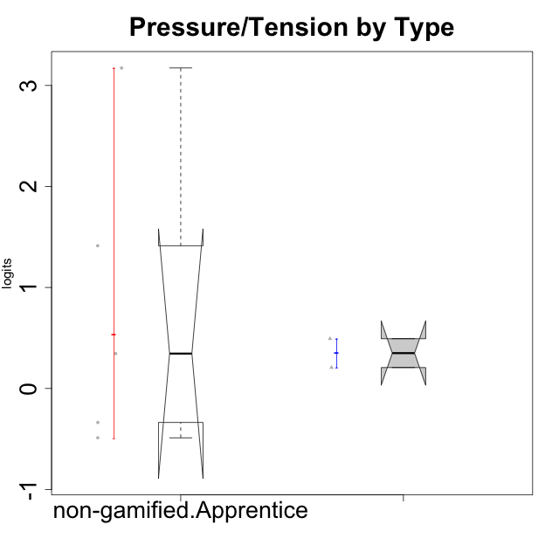

Wilcoxon data
UserID | Type | CLGroup | CLRole | PlayerRole | Score | theta | error | Outfit | Infit | Pressure/Tension
10116 | non-gamified | GroupC | Master |  | 10 | 0.207074728 | 0.3865837019 | 0.48196835851 | 0.49942698174 | 0.207074728
10122 | non-gamified | GroupB | Apprentice |  | 5 | -0.48810270396 | 0.41992655575 | 1.5645761913 | 1.9404692766 | -0.48810270396
10129 | non-gamified | GroupB | Apprentice |  | 18 | 3.1729292193 | 1.4874522554 | 0.12188499514 | 0.13267737577 | 3.1729292193
10130 | non-gamified | GroupC | Apprentice |  | 16 | 1.4130595699 | 0.6332210229 | 0.32789295324 | 0.3210192598 | 1.4130595699
10135 | non-gamified | GroupB | Apprentice |  | 11 | 0.34545624663 | 0.39564833598 | 0.86124434029 | 0.90144798745 | 0.34545624663
10145 | non-gamified | GroupB | Master |  | 12 | 0.49281785314 | 0.41112887248 | 0.39844647245 | 0.41338480445 | 0.49281785314
10146 | non-gamified | GroupA | Apprentice |  | 6 | -0.33626190168 | 0.40111423296 | 1.1403892097 | 1.388219311 | -0.33626190168

Type_CLRole_2
Wilcoxon Analysis for Pressure/Tension by Type in Type:CLRole between non-gamified.Apprentice:ont-gamified.Apprentice

Wilcoxon test results
Alternative hypothesis: less
Group | N | Median | Mean.Ranks | Sum.Ranks | U | Z | p.value | r | magnitude
non-gamified.Apprentice | 5 | 0.34545624663 | 10.4 | 52 | 37 | 1.4816481724 | 0.9363969364 | 0.3825599131 | medium
ont-gamified.Apprentice | 10 | -0.27396221718 | 6.8 | 68 | 37 | 1.4816481724 | 0.9363969364 | 0.3825599131 | medium
Alternative hypothesis: greater
Group | N | Median | Mean.Ranks | Sum.Ranks | U | Z | p.value | r | magnitude
non-gamified.Apprentice | 5 | 0.34545624663 | 10.4 | 52 | 37 | 1.4816481724 | 0.079254079254 | 0.3825599131 | medium
ont-gamified.Apprentice | 10 | -0.27396221718 | 6.8 | 68 | 37 | 1.4816481724 | 0.079254079254 | 0.3825599131 | medium
Alternative hypothesis: two.sided
Group | N | Median | Mean.Ranks | Sum.Ranks | U | Z | p.value | r | magnitude
non-gamified.Apprentice | 5 | 0.34545624663 | 10.4 | 52 | 37 | 1.4816481724 | 0.15384615385 | 0.3825599131 | medium
ont-gamified.Apprentice | 10 | -0.27396221718 | 6.8 | 68 | 37 | 1.4816481724 | 0.15384615385 | 0.3825599131 | medium

Box plots for wilcoxon tests
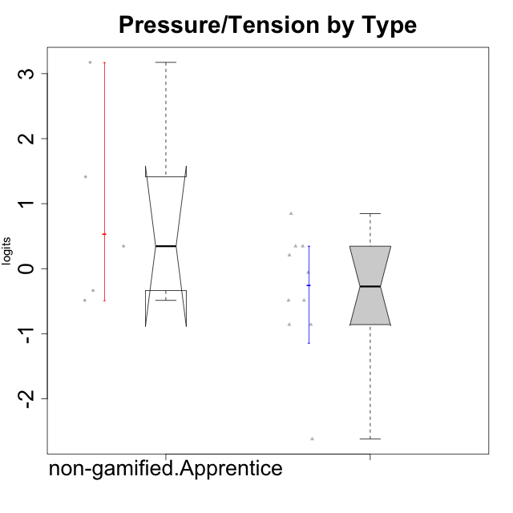

Wilcoxon data
UserID | Type | CLGroup | CLRole | PlayerRole | Score | theta | error | Outfit | Infit | Pressure/Tension
10122 | non-gamified | GroupB | Apprentice |  | 5 | -0.48810270396 | 0.41992655575 | 1.5645761913 | 1.9404692766 | -0.48810270396
10123 | ont-gamified | Grupo Morfeu | Apprentice | Yee Achiever | 10 | 0.207074728 | 0.3865837019 | 0.82053732381 | 0.79297340815 | 0.207074728
10126 | ont-gamified | Grupo Hélio | Apprentice | Yee Socializer | 5 | -0.48810270396 | 0.41992655575 | 0.8538299136 | 0.99579714309 | -0.48810270396
10129 | non-gamified | GroupB | Apprentice |  | 18 | 3.1729292193 | 1.4874522554 | 0.12188499514 | 0.13267737577 | 3.1729292193
10130 | non-gamified | GroupC | Apprentice |  | 16 | 1.4130595699 | 0.6332210229 | 0.32789295324 | 0.3210192598 | 1.4130595699
10131 | ont-gamified | Grupo Zeus | Apprentice | Yee Achiever | 3 | -0.86046882355 | 0.49635475095 | 0.24724823829 | 0.19860412475 | -0.86046882355
10134 | ont-gamified | Grupo Apolo | Apprentice | Yee Socializer | 11 | 0.34545624663 | 0.39564833598 | 0.2321442917 | 0.23157590155 | 0.34545624663
10135 | non-gamified | GroupB | Apprentice |  | 11 | 0.34545624663 | 0.39564833598 | 0.86124434029 | 0.90144798745 | 0.34545624663
10137 | ont-gamified | Grupo Morfeu | Apprentice | Yee Achiever | 0 | -2.6208248727 | 1.3732536662 | 0.12933600924 | 0.14539387101 | -2.6208248727
10138 | ont-gamified | Grupo Hélio | Apprentice | Yee Socializer | 11 | 0.34545624663 | 0.39564833598 | 0.29741654109 | 0.30418712501 | 0.34545624663
10139 | ont-gamified | Grupo Zeus | Apprentice | Yee Achiever | 5 | -0.48810270396 | 0.41992655575 | 1.8659648979 | 1.8542515863 | -0.48810270396
10142 | ont-gamified | Grupo Hades | Apprentice | Yee Achiever | 3 | -0.86046882355 | 0.49635475095 | 1.6804389635 | 1.815826581 | -0.86046882355
10143 | ont-gamified | Grupo Apolo | Apprentice | Yee Socializer | 8 | -0.059821730394 | 0.38373877926 | 0.13589999963 | 0.14882368083 | -0.059821730394
10146 | non-gamified | GroupA | Apprentice |  | 6 | -0.33626190168 | 0.40111423296 | 1.1403892097 | 1.388219311 | -0.33626190168
10148 | ont-gamified | Grupo Apolo | Apprentice | Yee Socializer | 14 | 0.84536116149 | 0.47245639536 | 1.1998213249 | 1.2626916172 | 0.84536116149

Type_CLRole_3
Wilcoxon Analysis for Pressure/Tension by Type in Type:CLRole between non-gamified.Apprentice:ont-gamified.Master

Wilcoxon test results
Alternative hypothesis: less
Group | N | Median | Mean.Ranks | Sum.Ranks | U | Z | p.value | r | magnitude
non-gamified.Apprentice | 5 | 0.34545624663 | 5.7 | 28.5 | 13.5 | 0.86091606478 | 0.80952380952 | 0.28697202159 | small
ont-gamified.Master | 4 | -0.12746035114 | 4.125 | 16.5 | 13.5 | 0.86091606478 | 0.80952380952 | 0.28697202159 | small
Alternative hypothesis: greater
Group | N | Median | Mean.Ranks | Sum.Ranks | U | Z | p.value | r | magnitude
non-gamified.Apprentice | 5 | 0.34545624663 | 5.7 | 28.5 | 13.5 | 0.86091606478 | 0.22222222222 | 0.28697202159 | small
ont-gamified.Master | 4 | -0.12746035114 | 4.125 | 16.5 | 13.5 | 0.86091606478 | 0.22222222222 | 0.28697202159 | small
Alternative hypothesis: two.sided
Group | N | Median | Mean.Ranks | Sum.Ranks | U | Z | p.value | r | magnitude
non-gamified.Apprentice | 5 | 0.34545624663 | 5.7 | 28.5 | 13.5 | 0.86091606478 | 0.44444444444 | 0.28697202159 | small
ont-gamified.Master | 4 | -0.12746035114 | 4.125 | 16.5 | 13.5 | 0.86091606478 | 0.44444444444 | 0.28697202159 | small

Box plots for wilcoxon tests
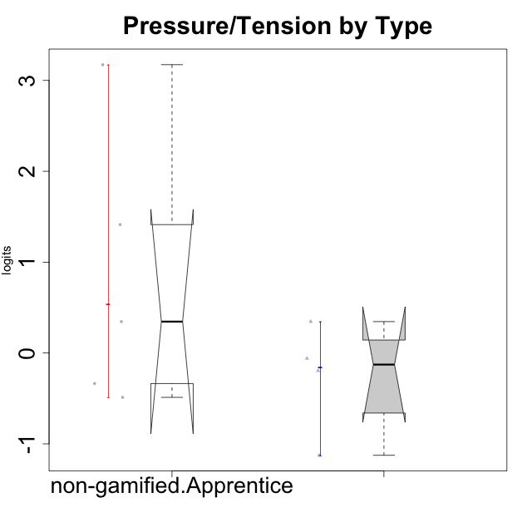

Wilcoxon data
UserID | Type | CLGroup | CLRole | PlayerRole | Score | theta | error | Outfit | Infit | Pressure/Tension
10120 | ont-gamified | Grupo Hélio | Master | Yee Socializer | 2 | -1.1261394748 | 0.57780610994 | 0.39826589125 | 0.30561043778 | -1.1261394748
10121 | ont-gamified | Grupo Hades | Master | Yee Achiever | 11 | 0.34545624663 | 0.39564833598 | 0.48712347966 | 0.45205881928 | 0.34545624663
10122 | non-gamified | GroupB | Apprentice |  | 5 | -0.48810270396 | 0.41992655575 | 1.5645761913 | 1.9404692766 | -0.48810270396
10129 | non-gamified | GroupB | Apprentice |  | 18 | 3.1729292193 | 1.4874522554 | 0.12188499514 | 0.13267737577 | 3.1729292193
10130 | non-gamified | GroupC | Apprentice |  | 16 | 1.4130595699 | 0.6332210229 | 0.32789295324 | 0.3210192598 | 1.4130595699
10135 | non-gamified | GroupB | Apprentice |  | 11 | 0.34545624663 | 0.39564833598 | 0.86124434029 | 0.90144798745 | 0.34545624663
10141 | ont-gamified | Grupo Apolo | Master | Yee Socializer | 8 | -0.059821730394 | 0.38373877926 | 0.71793911683 | 0.63196588582 | -0.059821730394
10146 | non-gamified | GroupA | Apprentice |  | 6 | -0.33626190168 | 0.40111423296 | 1.1403892097 | 1.388219311 | -0.33626190168
10152 | ont-gamified | Grupo Morfeu | Master | Yee Achiever | 7 | -0.19509897189 | 0.38960567386 | 0.2007402063 | 0.18407562166 | -0.19509897189

Type_CLRole_4
Wilcoxon Analysis for Pressure/Tension by Type in Type:CLRole between non-gamified.Master:ont-gamified.Apprentice

Wilcoxon test results
Alternative hypothesis: less
Group | N | Median | Mean.Ranks | Sum.Ranks | U | Z | p.value | r | magnitude
non-gamified.Master | 2 | 0.34994629057 | 9.25 | 18.5 | 15.5 | 1.1899401022 | 0.87878787879 | 0.34350611916 | medium
ont-gamified.Apprentice | 10 | -0.27396221718 | 5.95 | 59.5 | 15.5 | 1.1899401022 | 0.87878787879 | 0.34350611916 | medium
Alternative hypothesis: greater
Group | N | Median | Mean.Ranks | Sum.Ranks | U | Z | p.value | r | magnitude
non-gamified.Master | 2 | 0.34994629057 | 9.25 | 18.5 | 15.5 | 1.1899401022 | 0.15151515152 | 0.34350611916 | medium
ont-gamified.Apprentice | 10 | -0.27396221718 | 5.95 | 59.5 | 15.5 | 1.1899401022 | 0.15151515152 | 0.34350611916 | medium
Alternative hypothesis: two.sided
Group | N | Median | Mean.Ranks | Sum.Ranks | U | Z | p.value | r | magnitude
non-gamified.Master | 2 | 0.34994629057 | 9.25 | 18.5 | 15.5 | 1.1899401022 | 0.30303030303 | 0.34350611916 | medium
ont-gamified.Apprentice | 10 | -0.27396221718 | 5.95 | 59.5 | 15.5 | 1.1899401022 | 0.30303030303 | 0.34350611916 | medium

Box plots for wilcoxon tests
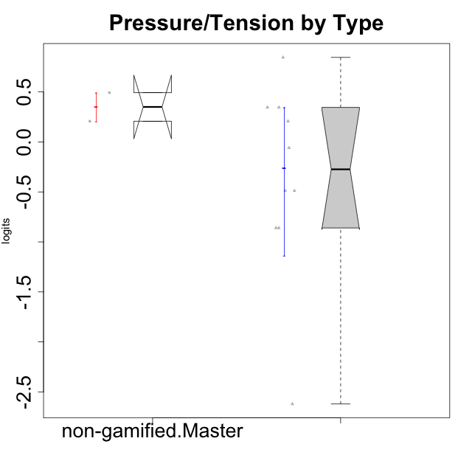

Wilcoxon data
UserID | Type | CLGroup | CLRole | PlayerRole | Score | theta | error | Outfit | Infit | Pressure/Tension
10116 | non-gamified | GroupC | Master |  | 10 | 0.207074728 | 0.3865837019 | 0.48196835851 | 0.49942698174 | 0.207074728
10123 | ont-gamified | Grupo Morfeu | Apprentice | Yee Achiever | 10 | 0.207074728 | 0.3865837019 | 0.82053732381 | 0.79297340815 | 0.207074728
10126 | ont-gamified | Grupo Hélio | Apprentice | Yee Socializer | 5 | -0.48810270396 | 0.41992655575 | 0.8538299136 | 0.99579714309 | -0.48810270396
10131 | ont-gamified | Grupo Zeus | Apprentice | Yee Achiever | 3 | -0.86046882355 | 0.49635475095 | 0.24724823829 | 0.19860412475 | -0.86046882355
10134 | ont-gamified | Grupo Apolo | Apprentice | Yee Socializer | 11 | 0.34545624663 | 0.39564833598 | 0.2321442917 | 0.23157590155 | 0.34545624663
10137 | ont-gamified | Grupo Morfeu | Apprentice | Yee Achiever | 0 | -2.6208248727 | 1.3732536662 | 0.12933600924 | 0.14539387101 | -2.6208248727
10138 | ont-gamified | Grupo Hélio | Apprentice | Yee Socializer | 11 | 0.34545624663 | 0.39564833598 | 0.29741654109 | 0.30418712501 | 0.34545624663
10139 | ont-gamified | Grupo Zeus | Apprentice | Yee Achiever | 5 | -0.48810270396 | 0.41992655575 | 1.8659648979 | 1.8542515863 | -0.48810270396
10142 | ont-gamified | Grupo Hades | Apprentice | Yee Achiever | 3 | -0.86046882355 | 0.49635475095 | 1.6804389635 | 1.815826581 | -0.86046882355
10143 | ont-gamified | Grupo Apolo | Apprentice | Yee Socializer | 8 | -0.059821730394 | 0.38373877926 | 0.13589999963 | 0.14882368083 | -0.059821730394
10145 | non-gamified | GroupB | Master |  | 12 | 0.49281785314 | 0.41112887248 | 0.39844647245 | 0.41338480445 | 0.49281785314
10148 | ont-gamified | Grupo Apolo | Apprentice | Yee Socializer | 14 | 0.84536116149 | 0.47245639536 | 1.1998213249 | 1.2626916172 | 0.84536116149

Type_CLRole_5
Wilcoxon Analysis for Pressure/Tension by Type in Type:CLRole between non-gamified.Master:ont-gamified.Master

Wilcoxon test results
Alternative hypothesis: less
Group | N | Median | Mean.Ranks | Sum.Ranks | U | Z | p.value | r | magnitude
non-gamified.Master | 2 | 0.34994629057 | 5 | 10 | 7 | 1.3887301497 | 0.93333333333 | 0.56694670951 | large
ont-gamified.Master | 4 | -0.12746035114 | 2.75 | 11 | 7 | 1.3887301497 | 0.93333333333 | 0.56694670951 | large
Alternative hypothesis: greater
Group | N | Median | Mean.Ranks | Sum.Ranks | U | Z | p.value | r | magnitude
non-gamified.Master | 2 | 0.34994629057 | 5 | 10 | 7 | 1.3887301497 | 0.13333333333 | 0.56694670951 | large
ont-gamified.Master | 4 | -0.12746035114 | 2.75 | 11 | 7 | 1.3887301497 | 0.13333333333 | 0.56694670951 | large
Alternative hypothesis: two.sided
Group | N | Median | Mean.Ranks | Sum.Ranks | U | Z | p.value | r | magnitude
non-gamified.Master | 2 | 0.34994629057 | 5 | 10 | 7 | 1.3887301497 | 0.26666666667 | 0.56694670951 | large
ont-gamified.Master | 4 | -0.12746035114 | 2.75 | 11 | 7 | 1.3887301497 | 0.26666666667 | 0.56694670951 | large

Box plots for wilcoxon tests
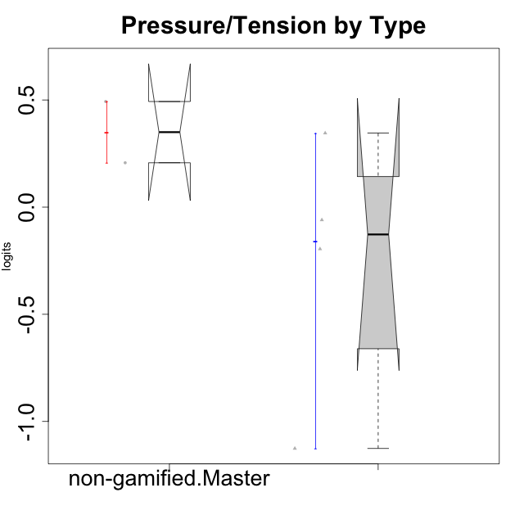

Wilcoxon data
UserID | Type | CLGroup | CLRole | PlayerRole | Score | theta | error | Outfit | Infit | Pressure/Tension
10116 | non-gamified | GroupC | Master |  | 10 | 0.207074728 | 0.3865837019 | 0.48196835851 | 0.49942698174 | 0.207074728
10120 | ont-gamified | Grupo Hélio | Master | Yee Socializer | 2 | -1.1261394748 | 0.57780610994 | 0.39826589125 | 0.30561043778 | -1.1261394748
10121 | ont-gamified | Grupo Hades | Master | Yee Achiever | 11 | 0.34545624663 | 0.39564833598 | 0.48712347966 | 0.45205881928 | 0.34545624663
10141 | ont-gamified | Grupo Apolo | Master | Yee Socializer | 8 | -0.059821730394 | 0.38373877926 | 0.71793911683 | 0.63196588582 | -0.059821730394
10145 | non-gamified | GroupB | Master |  | 12 | 0.49281785314 | 0.41112887248 | 0.39844647245 | 0.41338480445 | 0.49281785314
10152 | ont-gamified | Grupo Morfeu | Master | Yee Achiever | 7 | -0.19509897189 | 0.38960567386 | 0.2007402063 | 0.18407562166 | -0.19509897189

Type_CLRole_6
Wilcoxon Analysis for Pressure/Tension by Type in Type:CLRole between ont-gamified.Apprentice:ont-gamified.Master

Wilcoxon test results
Alternative hypothesis: less
Group | N | Median | Mean.Ranks | Sum.Ranks | U | Z | p.value | r | magnitude
ont-gamified.Apprentice | 10 | -0.27396221718 | 7.55 | 75.5 | 20.5 | 0.071260964069 | 0.55244755245 | 0.019045293757 | none
ont-gamified.Master | 4 | -0.12746035114 | 7.375 | 29.5 | 20.5 | 0.071260964069 | 0.55244755245 | 0.019045293757 | none
Alternative hypothesis: greater
Group | N | Median | Mean.Ranks | Sum.Ranks | U | Z | p.value | r | magnitude
ont-gamified.Apprentice | 10 | -0.27396221718 | 7.55 | 75.5 | 20.5 | 0.071260964069 | 0.4975024975 | 0.019045293757 | none
ont-gamified.Master | 4 | -0.12746035114 | 7.375 | 29.5 | 20.5 | 0.071260964069 | 0.4975024975 | 0.019045293757 | none
Alternative hypothesis: two.sided
Group | N | Median | Mean.Ranks | Sum.Ranks | U | Z | p.value | r | magnitude
ont-gamified.Apprentice | 10 | -0.27396221718 | 7.55 | 75.5 | 20.5 | 0.071260964069 | 0.98301698302 | 0.019045293757 | none
ont-gamified.Master | 4 | -0.12746035114 | 7.375 | 29.5 | 20.5 | 0.071260964069 | 0.98301698302 | 0.019045293757 | none

Box plots for wilcoxon tests
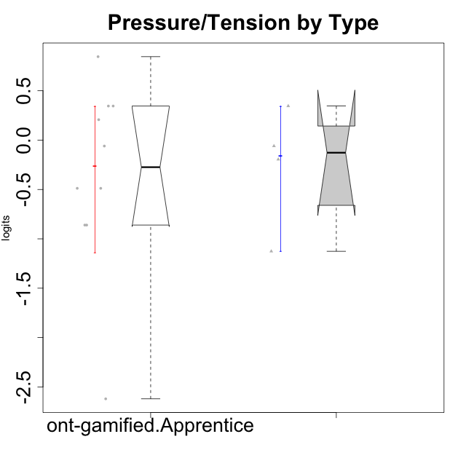

Wilcoxon data
UserID | Type | CLGroup | CLRole | PlayerRole | Score | theta | error | Outfit | Infit | Pressure/Tension
10120 | ont-gamified | Grupo Hélio | Master | Yee Socializer | 2 | -1.1261394748 | 0.57780610994 | 0.39826589125 | 0.30561043778 | -1.1261394748
10121 | ont-gamified | Grupo Hades | Master | Yee Achiever | 11 | 0.34545624663 | 0.39564833598 | 0.48712347966 | 0.45205881928 | 0.34545624663
10123 | ont-gamified | Grupo Morfeu | Apprentice | Yee Achiever | 10 | 0.207074728 | 0.3865837019 | 0.82053732381 | 0.79297340815 | 0.207074728
10126 | ont-gamified | Grupo Hélio | Apprentice | Yee Socializer | 5 | -0.48810270396 | 0.41992655575 | 0.8538299136 | 0.99579714309 | -0.48810270396
10131 | ont-gamified | Grupo Zeus | Apprentice | Yee Achiever | 3 | -0.86046882355 | 0.49635475095 | 0.24724823829 | 0.19860412475 | -0.86046882355
10134 | ont-gamified | Grupo Apolo | Apprentice | Yee Socializer | 11 | 0.34545624663 | 0.39564833598 | 0.2321442917 | 0.23157590155 | 0.34545624663
10137 | ont-gamified | Grupo Morfeu | Apprentice | Yee Achiever | 0 | -2.6208248727 | 1.3732536662 | 0.12933600924 | 0.14539387101 | -2.6208248727
10138 | ont-gamified | Grupo Hélio | Apprentice | Yee Socializer | 11 | 0.34545624663 | 0.39564833598 | 0.29741654109 | 0.30418712501 | 0.34545624663
10139 | ont-gamified | Grupo Zeus | Apprentice | Yee Achiever | 5 | -0.48810270396 | 0.41992655575 | 1.8659648979 | 1.8542515863 | -0.48810270396
10141 | ont-gamified | Grupo Apolo | Master | Yee Socializer | 8 | -0.059821730394 | 0.38373877926 | 0.71793911683 | 0.63196588582 | -0.059821730394
10142 | ont-gamified | Grupo Hades | Apprentice | Yee Achiever | 3 | -0.86046882355 | 0.49635475095 | 1.6804389635 | 1.815826581 | -0.86046882355
10143 | ont-gamified | Grupo Apolo | Apprentice | Yee Socializer | 8 | -0.059821730394 | 0.38373877926 | 0.13589999963 | 0.14882368083 | -0.059821730394
10148 | ont-gamified | Grupo Apolo | Apprentice | Yee Socializer | 14 | 0.84536116149 | 0.47245639536 | 1.1998213249 | 1.2626916172 | 0.84536116149
10152 | ont-gamified | Grupo Morfeu | Master | Yee Achiever | 7 | -0.19509897189 | 0.38960567386 | 0.2007402063 | 0.18407562166 | -0.19509897189

