Assumptions
ANOVA assumptions for Pressure/Tension by Type

Shapiro-Wilk normality test for Pressure/Tension by Type
W | p.value
0.96305237871 | 0.57961358328

Plots for normality test
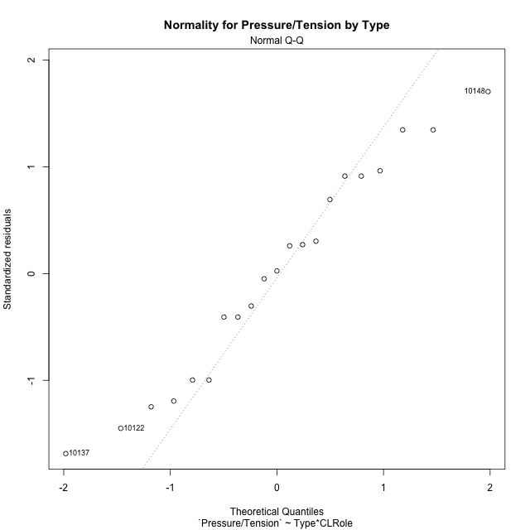

Levene's Test for Homogeneity of Variance in Pressure/Tension by Type
Df | F value | Pr(>F)
3 | 1.5102206746 | 0.24781562316
17

Plots for homogeneity of variance
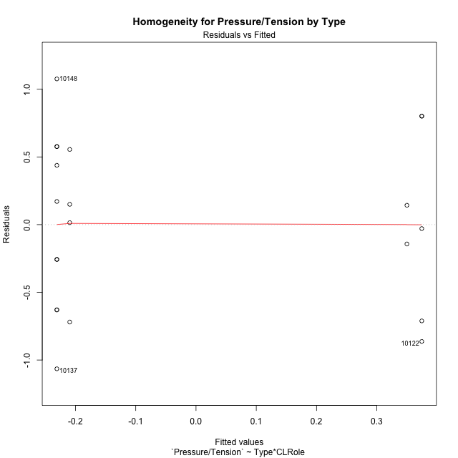

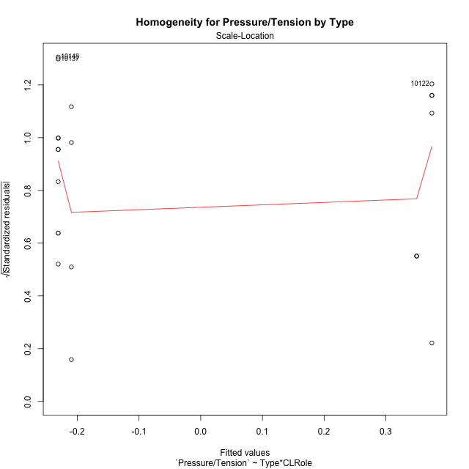

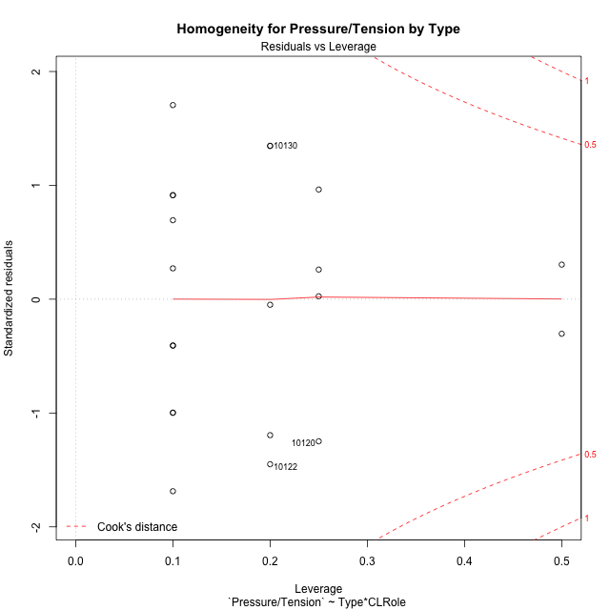

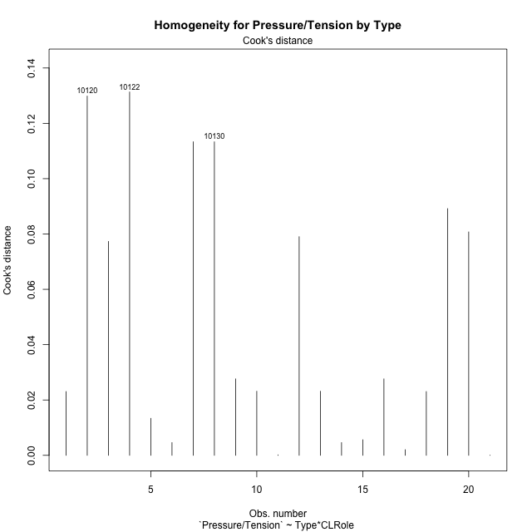

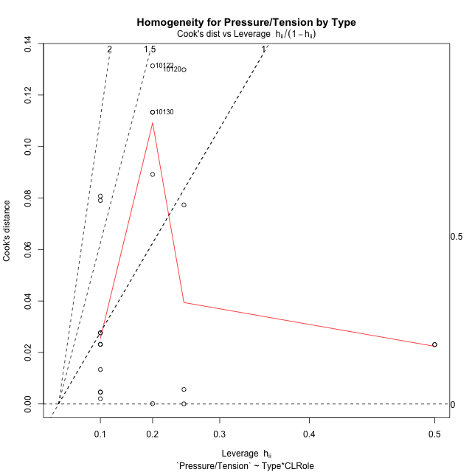

Minimum Sample Size Test for Pressure/Tension by Type
Type | CLRole | Freq
non-gamified | Apprentice | 5
ont-gamified | Apprentice | 10
non-gamified | Master | 2
ont-gamified | Master | 4

Errors and Warnings in Sample Size Test for ANOVA in Pressure/Tension by Type
code | description
WARN: sample.size | current size is 5 and recommended size is 15 for the group: 'non-gamified:Apprentice'.
WARN: sample.size | current size is 10 and recommended size is 15 for the group: 'ont-gamified:Apprentice'.
FAIL: min.size | current size is 2 but the minimal recomended size is 5 for the group: 'non-gamified:Master'.
FAIL: min.size | current size is 4 but the minimal recomended size is 5 for the group: 'ont-gamified:Master'.

For the group: 'non-gamified:Apprentice', we recommend the use of non-parametric test. For the group: 'ont-gamified:Apprentice', we recommend the use of non-parametric test. For the group: 'non-gamified:Master', we recommend the use of non-parametric test. For the group: 'ont-gamified:Master', we recommend the use of non-parametric test.

Post-hoc
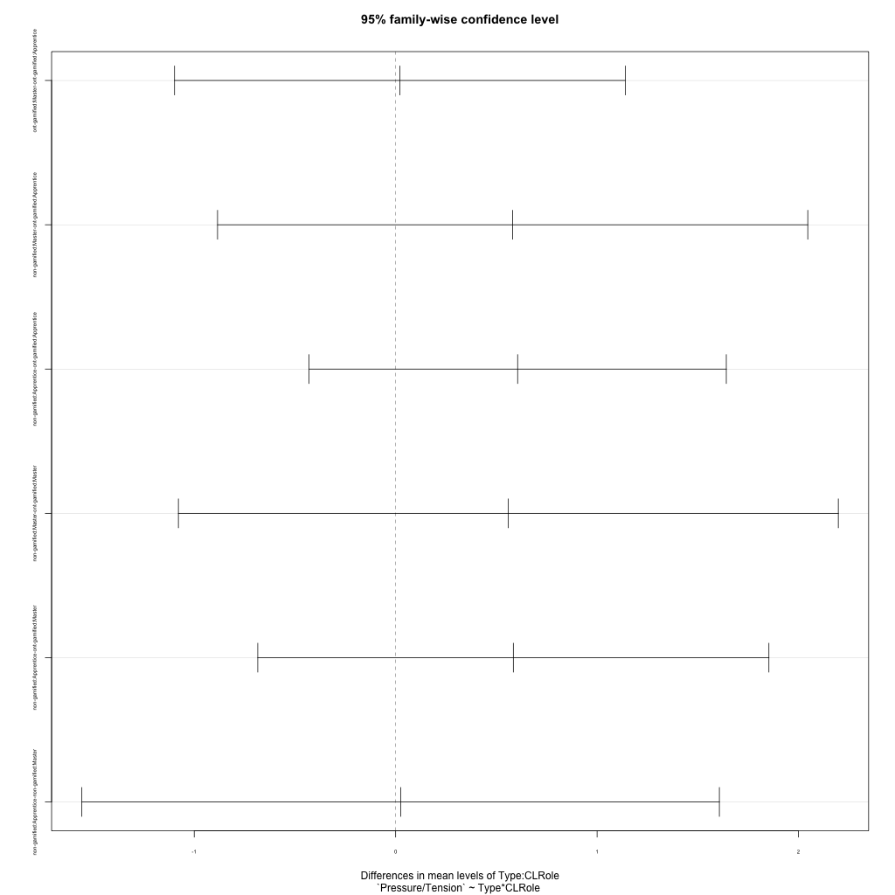
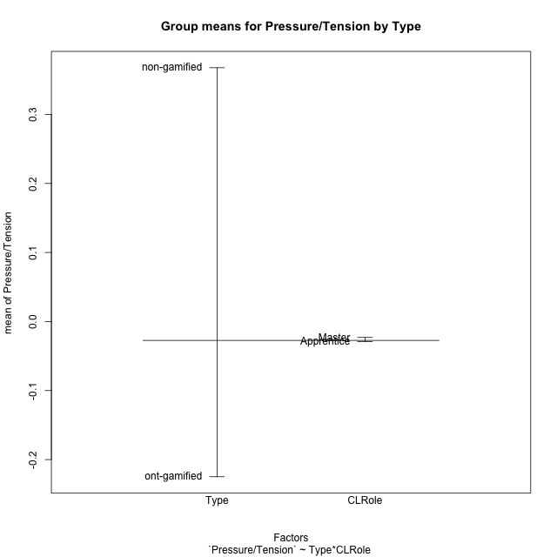
Post-hoc Tukey Honestly Significant Difference (HSD) Test for Pressure/Tension by Type

Comparisons of means for Type
 | diff | lwr | upr | p adj
non-gamified-ont-gamified | 0.59240315216 | -0.057443108518 | 1.2422494128 | 0.071353295571

Comparisons of means for CLRole
 | diff | lwr | upr | p adj
Master-Apprentice | 0.0060004647444 | -0.67211306169 | 0.68411399118 | 0.98532232401

Comparisons of means for Type:CLRole
 | diff | lwr | upr | p adj
ont-gamified:Master-ont-gamified:Apprentice | 0.02133926988 | -1.0976166125 | 1.1402951523 | 0.99994037741
non-gamified:Master-ont-gamified:Apprentice | 0.58087355389 | -0.88418359765 | 2.0459307054 | 0.67844096969
non-gamified:Apprentice-ont-gamified:Apprentice | 0.60555069942 | -0.43040114727 | 1.6415025461 | 0.37299339155
non-gamified:Master-ont-gamified:Master | 0.55953428401 | -1.0784494069 | 2.1975179749 | 0.76738868021
non-gamified:Apprentice-ont-gamified:Master | 0.58421142954 | -0.6845652817 | 1.8529881408 | 0.56998584944
non-gamified:Apprentice-non-gamified:Master | 0.024677145527 | -1.5577654391 | 1.6071197301 | 0.99996738642

Contrast Matrices for Pressure/Tension by Type - Type
contrast | estimate | SE | df | t.ratio | p.value
non-gamified - ont-gamified | 0.58254249171 | 0.34090564115 | 17 | 1.708808601 | 0.10567784588

Contrast Matrices for Pressure/Tension by Type - Type:CLRole
contrast | CLRole | estimate | SE | df | t.ratio | p.value
non-gamified - ont-gamified | Apprentice | 0.60555069942 | 0.36444346012 | 17 | 1.6615765288 | 0.11492594272
non-gamified - ont-gamified | Master | 0.55953428401 | 0.57623570616 | 17 | 0.9710163359 | 0.34515417456

Least Squares Means and Confidence Intervals for Type
Type | lsmean | SE | df | lower.CL | upper.CL | Pairs
non-gamified | 0.36228486333 | 0.27834829042 | 17 | -0.22497869586 | 0.94954842252 | non-gamified
ont-gamified | -0.22025762838 | 0.19682196369 | 17 | -0.63551567343 | 0.19500041667 | ont-gamified

Least Squares Means and Confidence Intervals for Type:CLRole
Type | CLRole | lsmean | SE | df | lower.CL | upper.CL | Pairs
non-gamified | Apprentice | 0.3746234361 | 0.29756683913 | 17 | -0.25318771654 | 1.0024345887 | non-gamified.Apprentice
ont-gamified | Apprentice | -0.23092726332 | 0.2104115298 | 17 | -0.67485678665 | 0.21300226001 | ont-gamified.Apprentice
non-gamified | Master | 0.34994629057 | 0.47049448389 | 17 | -0.64271030082 | 1.342602882 | non-gamified.Master
ont-gamified | Master | -0.20958799344 | 0.33268984007 | 17 | -0.9115022006 | 0.49232621372 | ont-gamified.Master

Plots

Type_1
Student's t-Test for Pressure/Tension by Type in Type between non-gamified:ont-gamified

Student's t-Test results
Alternative hypothesis: less
Group | N | Mean | Mean.Difference | Std.deviation | Std.error | CI.lower | CI.upper | df | t.value | p.value | g | magnitude
non-gamified | 7 | 0.36757282309 | 0.59240315216 | 0.65531790264 | 0.24768688573 | -0.12780094836 | 0.86294659454 | 11.461697486 | 1.990697967 | 0.96455114642 | 0.90345967439 | large
ont-gamified | 14 | -0.22483032907 | -0.59240315216 | 0.61718552775 | 0.16494977064 | -0.55472987034 | 0.10506921221 | 11.461697486 | 1.990697967 | 0.96455114642 | 0.90345967439 | large
Alternative hypothesis: greater
Group | N | Mean | Mean.Difference | Std.deviation | Std.error | CI.lower | CI.upper | df | t.value | p.value | g | magnitude
non-gamified | 7 | 0.36757282309 | 0.59240315216 | 0.65531790264 | 0.24768688573 | -0.12780094836 | 0.86294659454 | 11.461697486 | 1.990697967 | 0.035448853575 | 0.90345967439 | large
ont-gamified | 14 | -0.22483032907 | -0.59240315216 | 0.61718552775 | 0.16494977064 | -0.55472987034 | 0.10506921221 | 11.461697486 | 1.990697967 | 0.035448853575 | 0.90345967439 | large
Alternative hypothesis: two.sided
Group | N | Mean | Mean.Difference | Std.deviation | Std.error | CI.lower | CI.upper | df | t.value | p.value | g | magnitude
non-gamified | 7 | 0.36757282309 | 0.59240315216 | 0.65531790264 | 0.24768688573 | -0.12780094836 | 0.86294659454 | 11.461697486 | 1.990697967 | 0.07089770715 | 0.90345967439 | large
ont-gamified | 14 | -0.22483032907 | -0.59240315216 | 0.61718552775 | 0.16494977064 | -0.55472987034 | 0.10506921221 | 11.461697486 | 1.990697967 | 0.07089770715 | 0.90345967439 | large

Box plots for Student's t-Test
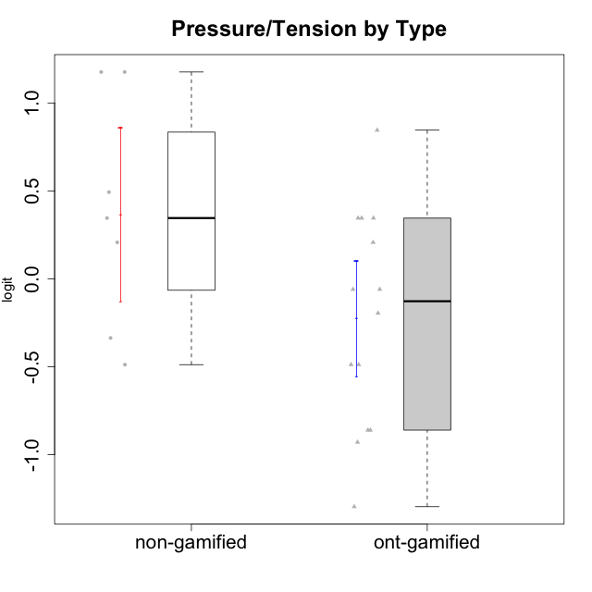

Student's t-Test data
UserID | Type | CLGroup | CLRole | PlayerRole | Interest/Enjoyment | Perceived Choice | Pressure/Tension | Effort/Importance | Intrinsic Motivation
10116 | non-gamified | GroupC | Master |  | -0.11357294579 | -0.84246384474 | 0.207074728 | -0.59479403893 | -0.43947638936
10120 | ont-gamified | Grupo Hélio | Master | Yee Socializer | 1.9055652511 | 1.3724895791 | -0.92888751811 | 0.43187671077 | 1.2745279552
10121 | ont-gamified | Grupo Hades | Master | Yee Achiever | 0.39919386735 | 0.58689611203 | 0.34545624663 | -0.11852834837 | 0.1305263461
10122 | non-gamified | GroupB | Apprentice |  | -2.0523461364 | 1.1695914201 | -0.48810270396 | -0.11852834837 | -0.12829509018
10123 | ont-gamified | Grupo Morfeu | Apprentice | Yee Achiever | -0.83197918173 | 0.23576870755 | 0.207074728 | -0.42994125574 | -0.30830661448
10126 | ont-gamified | Grupo Hélio | Apprentice | Yee Socializer | 1.2733257983 | 1.1695914201 | -0.48810270396 | -0.11852834837 | 0.70312289349
10129 | non-gamified | GroupB | Apprentice |  | -1.7851511272 | -0.62243343859 | 1.1760127697 | 0.043437426927 | -1.3842690895
10130 | non-gamified | GroupC | Apprentice |  | 0.55299522042 | -0.30498894625 | 1.1760127697 | 0.69391751569 | -0.11778394501
10131 | ont-gamified | Grupo Zeus | Apprentice | Yee Achiever | 2.3995832302 | -0.95909932617 | -0.86046882355 | 0.42905726588 | 0.68250249838
10134 | ont-gamified | Grupo Apolo | Apprentice | Yee Socializer | -1.2851216362 | -0.73083108762 | 0.34545624663 | -0.59479403893 | -0.73905075235
10135 | non-gamified | GroupB | Apprentice |  | 0.39919386735 | 0.34922612396 | 0.34545624663 | -0.273828091 | 0.032283913422
10137 | ont-gamified | Grupo Morfeu | Apprentice | Yee Achiever | 1.4744559961 | 1.3724895791 | -1.2956562305 | 0.69391751569 | 1.3321669013
10138 | ont-gamified | Grupo Hélio | Apprentice | Yee Socializer | 0.55299522042 | -0.41039697569 | 0.34545624663 | 1.2936946773 | 0.4248543794
10139 | ont-gamified | Grupo Zeus | Apprentice | Yee Achiever | -0.22343251553 | 0.12466021952 | -0.48810270396 | -0.59479403893 | -0.051365907743
10141 | ont-gamified | Grupo Apolo | Master | Yee Socializer | 0.0020687155691 | -0.41039697569 | -0.059821730394 | -0.42994125574 | -0.19461194637
10142 | ont-gamified | Grupo Hades | Apprentice | Yee Achiever | 0.55299522042 | -0.30498894625 | -0.86046882355 | -0.11852834837 | 0.24748668734
10143 | ont-gamified | Grupo Apolo | Apprentice | Yee Socializer | 0.12501694921 | 0.34922612396 | -0.059821730394 | 0.42905726588 | 0.24078051736
10145 | non-gamified | GroupB | Master |  | -0.63100885186 | -0.84246384474 | 0.49281785314 | 1.2936946773 | -0.016003757564
10146 | non-gamified | GroupA | Apprentice |  | 0.89459676096 | 0.34922612396 | -0.33626190168 | 0.69391751569 | 0.56850057557
10148 | ont-gamified | Grupo Apolo | Apprentice | Yee Socializer | 0.25688594663 | 0.71417324881 | 0.84536116149 | 0.69391751569 | 0.20490388741
10152 | ont-gamified | Grupo Morfeu | Master | Yee Achiever | 3.1382402907 | 0.71417324881 | -0.19509897189 | -0.59479403893 | 1.3837694218

Type_CLRole_1
Student's t-Test for Pressure/Tension by Type in Type:CLRole between non-gamified.Apprentice:non-gamified.Master

Student's t-Test results
Alternative hypothesis: less
Group | N | Mean | Mean.Difference | Std.deviation | Std.error | CI.lower | CI.upper | df | t.value | p.value | g | magnitude
non-gamified.Apprentice | 5 | 0.3746234361 | 0.024677145527 | 0.7960770706 | 0.35601648904 | -0.33740954198 | 1.0866564142 | 4.8852962883 | 0.064327992349 | 0.52437098499 | 0.028952893666 | negligible
non-gamified.Master | 2 | 0.34994629057 | -0.024677145527 | 0.20205090146 | 0.14287156257 | 0.064203165427 | 0.63568941571 | 4.8852962883 | 0.064327992349 | 0.52437098499 | 0.028952893666 | negligible
Alternative hypothesis: greater
Group | N | Mean | Mean.Difference | Std.deviation | Std.error | CI.lower | CI.upper | df | t.value | p.value | g | magnitude
non-gamified.Apprentice | 5 | 0.3746234361 | 0.024677145527 | 0.7960770706 | 0.35601648904 | -0.33740954198 | 1.0866564142 | 4.8852962883 | 0.064327992349 | 0.47562901501 | 0.028952893666 | negligible
non-gamified.Master | 2 | 0.34994629057 | -0.024677145527 | 0.20205090146 | 0.14287156257 | 0.064203165427 | 0.63568941571 | 4.8852962883 | 0.064327992349 | 0.47562901501 | 0.028952893666 | negligible
Alternative hypothesis: two.sided
Group | N | Mean | Mean.Difference | Std.deviation | Std.error | CI.lower | CI.upper | df | t.value | p.value | g | magnitude
non-gamified.Apprentice | 5 | 0.3746234361 | 0.024677145527 | 0.7960770706 | 0.35601648904 | -0.33740954198 | 1.0866564142 | 4.8852962883 | 0.064327992349 | 0.95125803002 | 0.028952893666 | negligible
non-gamified.Master | 2 | 0.34994629057 | -0.024677145527 | 0.20205090146 | 0.14287156257 | 0.064203165427 | 0.63568941571 | 4.8852962883 | 0.064327992349 | 0.95125803002 | 0.028952893666 | negligible

Box plots for Student's t-Test
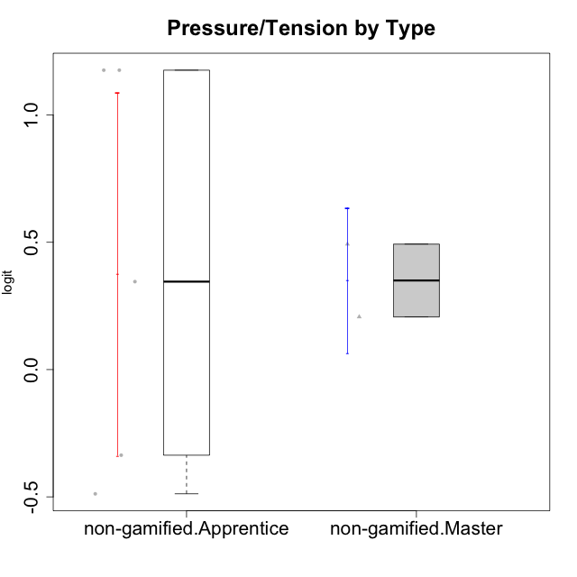

Student's t-Test data
UserID | Type | CLGroup | CLRole | PlayerRole | Interest/Enjoyment | Perceived Choice | Pressure/Tension | Effort/Importance | Intrinsic Motivation
10116 | non-gamified | GroupC | Master |  | -0.11357294579 | -0.84246384474 | 0.207074728 | -0.59479403893 | -0.43947638936
10122 | non-gamified | GroupB | Apprentice |  | -2.0523461364 | 1.1695914201 | -0.48810270396 | -0.11852834837 | -0.12829509018
10129 | non-gamified | GroupB | Apprentice |  | -1.7851511272 | -0.62243343859 | 1.1760127697 | 0.043437426927 | -1.3842690895
10130 | non-gamified | GroupC | Apprentice |  | 0.55299522042 | -0.30498894625 | 1.1760127697 | 0.69391751569 | -0.11778394501
10135 | non-gamified | GroupB | Apprentice |  | 0.39919386735 | 0.34922612396 | 0.34545624663 | -0.273828091 | 0.032283913422
10145 | non-gamified | GroupB | Master |  | -0.63100885186 | -0.84246384474 | 0.49281785314 | 1.2936946773 | -0.016003757564
10146 | non-gamified | GroupA | Apprentice |  | 0.89459676096 | 0.34922612396 | -0.33626190168 | 0.69391751569 | 0.56850057557

Type_CLRole_2
Student's t-Test for Pressure/Tension by Type in Type:CLRole between non-gamified.Apprentice:ont-gamified.Apprentice

Student's t-Test results
Alternative hypothesis: less
Group | N | Mean | Mean.Difference | Std.deviation | Std.error | CI.lower | CI.upper | df | t.value | p.value | g | magnitude
non-gamified.Apprentice | 5 | 0.3746234361 | 0.60555069942 | 0.7960770706 | 0.35601648904 | -0.33740954198 | 1.0866564142 | 6.9925245166 | 1.4587079065 | 0.90597328357 | 0.79761181782 | medium
ont-gamified.Apprentice | 10 | -0.23092726332 | -0.60555069942 | 0.67515651375 | 0.21350323605 | -0.65793373543 | 0.19607920879 | 6.9925245166 | 1.4587079065 | 0.90597328357 | 0.79761181782 | medium
Alternative hypothesis: greater
Group | N | Mean | Mean.Difference | Std.deviation | Std.error | CI.lower | CI.upper | df | t.value | p.value | g | magnitude
non-gamified.Apprentice | 5 | 0.3746234361 | 0.60555069942 | 0.7960770706 | 0.35601648904 | -0.33740954198 | 1.0866564142 | 6.9925245166 | 1.4587079065 | 0.094026716434 | 0.79761181782 | medium
ont-gamified.Apprentice | 10 | -0.23092726332 | -0.60555069942 | 0.67515651375 | 0.21350323605 | -0.65793373543 | 0.19607920879 | 6.9925245166 | 1.4587079065 | 0.094026716434 | 0.79761181782 | medium
Alternative hypothesis: two.sided
Group | N | Mean | Mean.Difference | Std.deviation | Std.error | CI.lower | CI.upper | df | t.value | p.value | g | magnitude
non-gamified.Apprentice | 5 | 0.3746234361 | 0.60555069942 | 0.7960770706 | 0.35601648904 | -0.33740954198 | 1.0866564142 | 6.9925245166 | 1.4587079065 | 0.18805343287 | 0.79761181782 | medium
ont-gamified.Apprentice | 10 | -0.23092726332 | -0.60555069942 | 0.67515651375 | 0.21350323605 | -0.65793373543 | 0.19607920879 | 6.9925245166 | 1.4587079065 | 0.18805343287 | 0.79761181782 | medium

Box plots for Student's t-Test
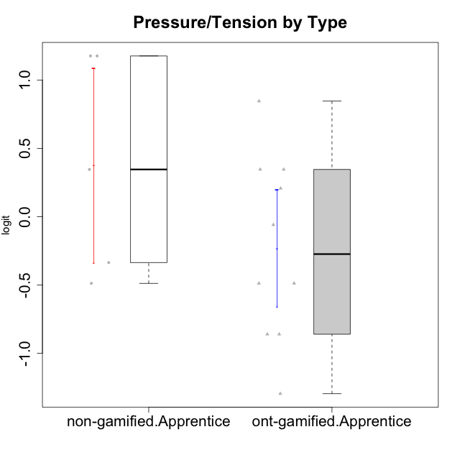

Student's t-Test data
UserID | Type | CLGroup | CLRole | PlayerRole | Interest/Enjoyment | Perceived Choice | Pressure/Tension | Effort/Importance | Intrinsic Motivation
10122 | non-gamified | GroupB | Apprentice |  | -2.0523461364 | 1.1695914201 | -0.48810270396 | -0.11852834837 | -0.12829509018
10123 | ont-gamified | Grupo Morfeu | Apprentice | Yee Achiever | -0.83197918173 | 0.23576870755 | 0.207074728 | -0.42994125574 | -0.30830661448
10126 | ont-gamified | Grupo Hélio | Apprentice | Yee Socializer | 1.2733257983 | 1.1695914201 | -0.48810270396 | -0.11852834837 | 0.70312289349
10129 | non-gamified | GroupB | Apprentice |  | -1.7851511272 | -0.62243343859 | 1.1760127697 | 0.043437426927 | -1.3842690895
10130 | non-gamified | GroupC | Apprentice |  | 0.55299522042 | -0.30498894625 | 1.1760127697 | 0.69391751569 | -0.11778394501
10131 | ont-gamified | Grupo Zeus | Apprentice | Yee Achiever | 2.3995832302 | -0.95909932617 | -0.86046882355 | 0.42905726588 | 0.68250249838
10134 | ont-gamified | Grupo Apolo | Apprentice | Yee Socializer | -1.2851216362 | -0.73083108762 | 0.34545624663 | -0.59479403893 | -0.73905075235
10135 | non-gamified | GroupB | Apprentice |  | 0.39919386735 | 0.34922612396 | 0.34545624663 | -0.273828091 | 0.032283913422
10137 | ont-gamified | Grupo Morfeu | Apprentice | Yee Achiever | 1.4744559961 | 1.3724895791 | -1.2956562305 | 0.69391751569 | 1.3321669013
10138 | ont-gamified | Grupo Hélio | Apprentice | Yee Socializer | 0.55299522042 | -0.41039697569 | 0.34545624663 | 1.2936946773 | 0.4248543794
10139 | ont-gamified | Grupo Zeus | Apprentice | Yee Achiever | -0.22343251553 | 0.12466021952 | -0.48810270396 | -0.59479403893 | -0.051365907743
10142 | ont-gamified | Grupo Hades | Apprentice | Yee Achiever | 0.55299522042 | -0.30498894625 | -0.86046882355 | -0.11852834837 | 0.24748668734
10143 | ont-gamified | Grupo Apolo | Apprentice | Yee Socializer | 0.12501694921 | 0.34922612396 | -0.059821730394 | 0.42905726588 | 0.24078051736
10146 | non-gamified | GroupA | Apprentice |  | 0.89459676096 | 0.34922612396 | -0.33626190168 | 0.69391751569 | 0.56850057557
10148 | ont-gamified | Grupo Apolo | Apprentice | Yee Socializer | 0.25688594663 | 0.71417324881 | 0.84536116149 | 0.69391751569 | 0.20490388741

Type_CLRole_3
Student's t-Test for Pressure/Tension by Type in Type:CLRole between non-gamified.Apprentice:ont-gamified.Master

Student's t-Test results
Alternative hypothesis: less
Group | N | Mean | Mean.Difference | Std.deviation | Std.error | CI.lower | CI.upper | df | t.value | p.value | g | magnitude
non-gamified.Apprentice | 5 | 0.3746234361 | 0.58421142954 | 0.7960770706 | 0.35601648904 | -0.33740954198 | 1.0866564142 | 6.8604430472 | 1.3148340168 | 0.88459515242 | 0.74698461804 | medium
ont-gamified.Master | 4 | -0.20958799344 | -0.58421142954 | 0.53169721331 | 0.26584860665 | -0.74128520675 | 0.32210921987 | 6.8604430472 | 1.3148340168 | 0.88459515242 | 0.74698461804 | medium
Alternative hypothesis: greater
Group | N | Mean | Mean.Difference | Std.deviation | Std.error | CI.lower | CI.upper | df | t.value | p.value | g | magnitude
non-gamified.Apprentice | 5 | 0.3746234361 | 0.58421142954 | 0.7960770706 | 0.35601648904 | -0.33740954198 | 1.0866564142 | 6.8604430472 | 1.3148340168 | 0.11540484758 | 0.74698461804 | medium
ont-gamified.Master | 4 | -0.20958799344 | -0.58421142954 | 0.53169721331 | 0.26584860665 | -0.74128520675 | 0.32210921987 | 6.8604430472 | 1.3148340168 | 0.11540484758 | 0.74698461804 | medium
Alternative hypothesis: two.sided
Group | N | Mean | Mean.Difference | Std.deviation | Std.error | CI.lower | CI.upper | df | t.value | p.value | g | magnitude
non-gamified.Apprentice | 5 | 0.3746234361 | 0.58421142954 | 0.7960770706 | 0.35601648904 | -0.33740954198 | 1.0866564142 | 6.8604430472 | 1.3148340168 | 0.23080969516 | 0.74698461804 | medium
ont-gamified.Master | 4 | -0.20958799344 | -0.58421142954 | 0.53169721331 | 0.26584860665 | -0.74128520675 | 0.32210921987 | 6.8604430472 | 1.3148340168 | 0.23080969516 | 0.74698461804 | medium

Box plots for Student's t-Test
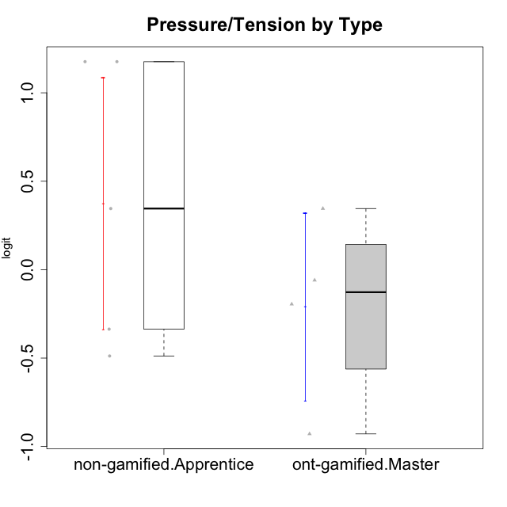

Student's t-Test data
UserID | Type | CLGroup | CLRole | PlayerRole | Interest/Enjoyment | Perceived Choice | Pressure/Tension | Effort/Importance | Intrinsic Motivation
10120 | ont-gamified | Grupo Hélio | Master | Yee Socializer | 1.9055652511 | 1.3724895791 | -0.92888751811 | 0.43187671077 | 1.2745279552
10121 | ont-gamified | Grupo Hades | Master | Yee Achiever | 0.39919386735 | 0.58689611203 | 0.34545624663 | -0.11852834837 | 0.1305263461
10122 | non-gamified | GroupB | Apprentice |  | -2.0523461364 | 1.1695914201 | -0.48810270396 | -0.11852834837 | -0.12829509018
10129 | non-gamified | GroupB | Apprentice |  | -1.7851511272 | -0.62243343859 | 1.1760127697 | 0.043437426927 | -1.3842690895
10130 | non-gamified | GroupC | Apprentice |  | 0.55299522042 | -0.30498894625 | 1.1760127697 | 0.69391751569 | -0.11778394501
10135 | non-gamified | GroupB | Apprentice |  | 0.39919386735 | 0.34922612396 | 0.34545624663 | -0.273828091 | 0.032283913422
10141 | ont-gamified | Grupo Apolo | Master | Yee Socializer | 0.0020687155691 | -0.41039697569 | -0.059821730394 | -0.42994125574 | -0.19461194637
10146 | non-gamified | GroupA | Apprentice |  | 0.89459676096 | 0.34922612396 | -0.33626190168 | 0.69391751569 | 0.56850057557
10152 | ont-gamified | Grupo Morfeu | Master | Yee Achiever | 3.1382402907 | 0.71417324881 | -0.19509897189 | -0.59479403893 | 1.3837694218

Type_CLRole_4
Student's t-Test for Pressure/Tension by Type in Type:CLRole between non-gamified.Master:ont-gamified.Apprentice

Student's t-Test results
Alternative hypothesis: less
Group | N | Mean | Mean.Difference | Std.deviation | Std.error | CI.lower | CI.upper | df | t.value | p.value | g | magnitude
non-gamified.Master | 2 | 0.34994629057 | 0.58087355389 | 0.20205090146 | 0.14287156257 | 0.064203165427 | 0.63568941571 | 6.72621187 | 2.2611172144 | 0.97012696698 | 0.83299733636 | large
ont-gamified.Apprentice | 10 | -0.23092726332 | -0.58087355389 | 0.67515651375 | 0.21350323605 | -0.65793373543 | 0.19607920879 | 6.72621187 | 2.2611172144 | 0.97012696698 | 0.83299733636 | large
Alternative hypothesis: greater
Group | N | Mean | Mean.Difference | Std.deviation | Std.error | CI.lower | CI.upper | df | t.value | p.value | g | magnitude
non-gamified.Master | 2 | 0.34994629057 | 0.58087355389 | 0.20205090146 | 0.14287156257 | 0.064203165427 | 0.63568941571 | 6.72621187 | 2.2611172144 | 0.029873033025 | 0.83299733636 | large
ont-gamified.Apprentice | 10 | -0.23092726332 | -0.58087355389 | 0.67515651375 | 0.21350323605 | -0.65793373543 | 0.19607920879 | 6.72621187 | 2.2611172144 | 0.029873033025 | 0.83299733636 | large
Alternative hypothesis: two.sided
Group | N | Mean | Mean.Difference | Std.deviation | Std.error | CI.lower | CI.upper | df | t.value | p.value | g | magnitude
non-gamified.Master | 2 | 0.34994629057 | 0.58087355389 | 0.20205090146 | 0.14287156257 | 0.064203165427 | 0.63568941571 | 6.72621187 | 2.2611172144 | 0.059746066049 | 0.83299733636 | large
ont-gamified.Apprentice | 10 | -0.23092726332 | -0.58087355389 | 0.67515651375 | 0.21350323605 | -0.65793373543 | 0.19607920879 | 6.72621187 | 2.2611172144 | 0.059746066049 | 0.83299733636 | large

Box plots for Student's t-Test
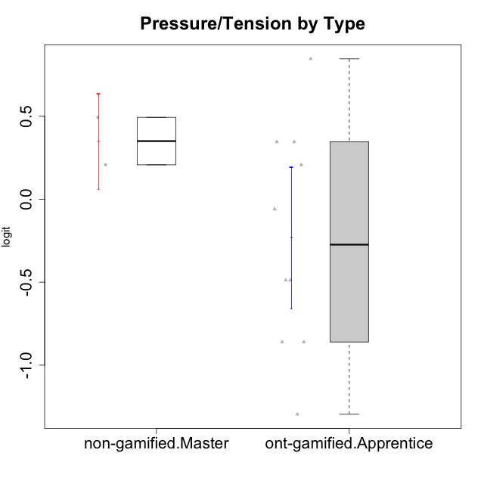

Student's t-Test data
UserID | Type | CLGroup | CLRole | PlayerRole | Interest/Enjoyment | Perceived Choice | Pressure/Tension | Effort/Importance | Intrinsic Motivation
10116 | non-gamified | GroupC | Master |  | -0.11357294579 | -0.84246384474 | 0.207074728 | -0.59479403893 | -0.43947638936
10123 | ont-gamified | Grupo Morfeu | Apprentice | Yee Achiever | -0.83197918173 | 0.23576870755 | 0.207074728 | -0.42994125574 | -0.30830661448
10126 | ont-gamified | Grupo Hélio | Apprentice | Yee Socializer | 1.2733257983 | 1.1695914201 | -0.48810270396 | -0.11852834837 | 0.70312289349
10131 | ont-gamified | Grupo Zeus | Apprentice | Yee Achiever | 2.3995832302 | -0.95909932617 | -0.86046882355 | 0.42905726588 | 0.68250249838
10134 | ont-gamified | Grupo Apolo | Apprentice | Yee Socializer | -1.2851216362 | -0.73083108762 | 0.34545624663 | -0.59479403893 | -0.73905075235
10137 | ont-gamified | Grupo Morfeu | Apprentice | Yee Achiever | 1.4744559961 | 1.3724895791 | -1.2956562305 | 0.69391751569 | 1.3321669013
10138 | ont-gamified | Grupo Hélio | Apprentice | Yee Socializer | 0.55299522042 | -0.41039697569 | 0.34545624663 | 1.2936946773 | 0.4248543794
10139 | ont-gamified | Grupo Zeus | Apprentice | Yee Achiever | -0.22343251553 | 0.12466021952 | -0.48810270396 | -0.59479403893 | -0.051365907743
10142 | ont-gamified | Grupo Hades | Apprentice | Yee Achiever | 0.55299522042 | -0.30498894625 | -0.86046882355 | -0.11852834837 | 0.24748668734
10143 | ont-gamified | Grupo Apolo | Apprentice | Yee Socializer | 0.12501694921 | 0.34922612396 | -0.059821730394 | 0.42905726588 | 0.24078051736
10145 | non-gamified | GroupB | Master |  | -0.63100885186 | -0.84246384474 | 0.49281785314 | 1.2936946773 | -0.016003757564
10148 | ont-gamified | Grupo Apolo | Apprentice | Yee Socializer | 0.25688594663 | 0.71417324881 | 0.84536116149 | 0.69391751569 | 0.20490388741

Type_CLRole_5
Student's t-Test for Pressure/Tension by Type in Type:CLRole between non-gamified.Master:ont-gamified.Master

Student's t-Test results
Alternative hypothesis: less
Group | N | Mean | Mean.Difference | Std.deviation | Std.error | CI.lower | CI.upper | df | t.value | p.value | g | magnitude
non-gamified.Master | 2 | 0.34994629057 | 0.55953428401 | 0.20205090146 | 0.14287156257 | 0.064203165427 | 0.63568941571 | 3.9857345628 | 1.8539442862 | 0.93119183996 | 0.94953902466 | large
ont-gamified.Master | 4 | -0.20958799344 | -0.55953428401 | 0.53169721331 | 0.26584860665 | -0.74128520675 | 0.32210921987 | 3.9857345628 | 1.8539442862 | 0.93119183996 | 0.94953902466 | large
Alternative hypothesis: greater
Group | N | Mean | Mean.Difference | Std.deviation | Std.error | CI.lower | CI.upper | df | t.value | p.value | g | magnitude
non-gamified.Master | 2 | 0.34994629057 | 0.55953428401 | 0.20205090146 | 0.14287156257 | 0.064203165427 | 0.63568941571 | 3.9857345628 | 1.8539442862 | 0.068808160039 | 0.94953902466 | large
ont-gamified.Master | 4 | -0.20958799344 | -0.55953428401 | 0.53169721331 | 0.26584860665 | -0.74128520675 | 0.32210921987 | 3.9857345628 | 1.8539442862 | 0.068808160039 | 0.94953902466 | large
Alternative hypothesis: two.sided
Group | N | Mean | Mean.Difference | Std.deviation | Std.error | CI.lower | CI.upper | df | t.value | p.value | g | magnitude
non-gamified.Master | 2 | 0.34994629057 | 0.55953428401 | 0.20205090146 | 0.14287156257 | 0.064203165427 | 0.63568941571 | 3.9857345628 | 1.8539442862 | 0.13761632008 | 0.94953902466 | large
ont-gamified.Master | 4 | -0.20958799344 | -0.55953428401 | 0.53169721331 | 0.26584860665 | -0.74128520675 | 0.32210921987 | 3.9857345628 | 1.8539442862 | 0.13761632008 | 0.94953902466 | large

Box plots for Student's t-Test
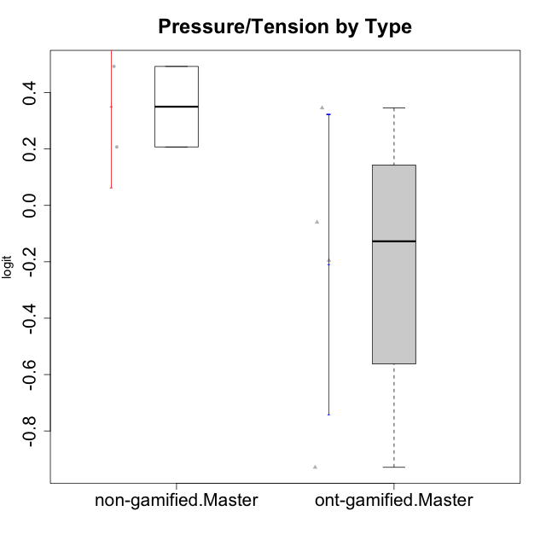

Student's t-Test data
UserID | Type | CLGroup | CLRole | PlayerRole | Interest/Enjoyment | Perceived Choice | Pressure/Tension | Effort/Importance | Intrinsic Motivation
10116 | non-gamified | GroupC | Master |  | -0.11357294579 | -0.84246384474 | 0.207074728 | -0.59479403893 | -0.43947638936
10120 | ont-gamified | Grupo Hélio | Master | Yee Socializer | 1.9055652511 | 1.3724895791 | -0.92888751811 | 0.43187671077 | 1.2745279552
10121 | ont-gamified | Grupo Hades | Master | Yee Achiever | 0.39919386735 | 0.58689611203 | 0.34545624663 | -0.11852834837 | 0.1305263461
10141 | ont-gamified | Grupo Apolo | Master | Yee Socializer | 0.0020687155691 | -0.41039697569 | -0.059821730394 | -0.42994125574 | -0.19461194637
10145 | non-gamified | GroupB | Master |  | -0.63100885186 | -0.84246384474 | 0.49281785314 | 1.2936946773 | -0.016003757564
10152 | ont-gamified | Grupo Morfeu | Master | Yee Achiever | 3.1382402907 | 0.71417324881 | -0.19509897189 | -0.59479403893 | 1.3837694218

Type_CLRole_6
Student's t-Test for Pressure/Tension by Type in Type:CLRole between ont-gamified.Apprentice:ont-gamified.Master

Student's t-Test results
Alternative hypothesis: less
Group | N | Mean | Mean.Difference | Std.deviation | Std.error | CI.lower | CI.upper | df | t.value | p.value | g | magnitude
ont-gamified.Apprentice | 10 | -0.23092726332 | -0.02133926988 | 0.67515651375 | 0.21350323605 | -0.65793373543 | 0.19607920879 | 7.129231133 | -0.062584394176 | 0.47590802199 | -0.031102453328 | negligible
ont-gamified.Master | 4 | -0.20958799344 | 0.02133926988 | 0.53169721331 | 0.26584860665 | -0.74128520675 | 0.32210921987 | 7.129231133 | -0.062584394176 | 0.47590802199 | -0.031102453328 | negligible
Alternative hypothesis: greater
Group | N | Mean | Mean.Difference | Std.deviation | Std.error | CI.lower | CI.upper | df | t.value | p.value | g | magnitude
ont-gamified.Apprentice | 10 | -0.23092726332 | -0.02133926988 | 0.67515651375 | 0.21350323605 | -0.65793373543 | 0.19607920879 | 7.129231133 | -0.062584394176 | 0.52409197801 | -0.031102453328 | negligible
ont-gamified.Master | 4 | -0.20958799344 | 0.02133926988 | 0.53169721331 | 0.26584860665 | -0.74128520675 | 0.32210921987 | 7.129231133 | -0.062584394176 | 0.52409197801 | -0.031102453328 | negligible
Alternative hypothesis: two.sided
Group | N | Mean | Mean.Difference | Std.deviation | Std.error | CI.lower | CI.upper | df | t.value | p.value | g | magnitude
ont-gamified.Apprentice | 10 | -0.23092726332 | -0.02133926988 | 0.67515651375 | 0.21350323605 | -0.65793373543 | 0.19607920879 | 7.129231133 | -0.062584394176 | 0.95181604397 | -0.031102453328 | negligible
ont-gamified.Master | 4 | -0.20958799344 | 0.02133926988 | 0.53169721331 | 0.26584860665 | -0.74128520675 | 0.32210921987 | 7.129231133 | -0.062584394176 | 0.95181604397 | -0.031102453328 | negligible

Box plots for Student's t-Test
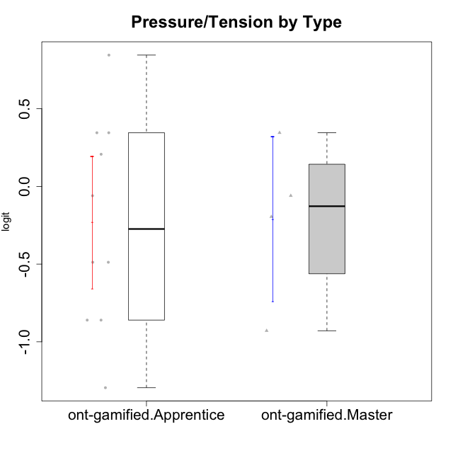

Student's t-Test data
UserID | Type | CLGroup | CLRole | PlayerRole | Interest/Enjoyment | Perceived Choice | Pressure/Tension | Effort/Importance | Intrinsic Motivation
10120 | ont-gamified | Grupo Hélio | Master | Yee Socializer | 1.9055652511 | 1.3724895791 | -0.92888751811 | 0.43187671077 | 1.2745279552
10121 | ont-gamified | Grupo Hades | Master | Yee Achiever | 0.39919386735 | 0.58689611203 | 0.34545624663 | -0.11852834837 | 0.1305263461
10123 | ont-gamified | Grupo Morfeu | Apprentice | Yee Achiever | -0.83197918173 | 0.23576870755 | 0.207074728 | -0.42994125574 | -0.30830661448
10126 | ont-gamified | Grupo Hélio | Apprentice | Yee Socializer | 1.2733257983 | 1.1695914201 | -0.48810270396 | -0.11852834837 | 0.70312289349
10131 | ont-gamified | Grupo Zeus | Apprentice | Yee Achiever | 2.3995832302 | -0.95909932617 | -0.86046882355 | 0.42905726588 | 0.68250249838
10134 | ont-gamified | Grupo Apolo | Apprentice | Yee Socializer | -1.2851216362 | -0.73083108762 | 0.34545624663 | -0.59479403893 | -0.73905075235
10137 | ont-gamified | Grupo Morfeu | Apprentice | Yee Achiever | 1.4744559961 | 1.3724895791 | -1.2956562305 | 0.69391751569 | 1.3321669013
10138 | ont-gamified | Grupo Hélio | Apprentice | Yee Socializer | 0.55299522042 | -0.41039697569 | 0.34545624663 | 1.2936946773 | 0.4248543794
10139 | ont-gamified | Grupo Zeus | Apprentice | Yee Achiever | -0.22343251553 | 0.12466021952 | -0.48810270396 | -0.59479403893 | -0.051365907743
10141 | ont-gamified | Grupo Apolo | Master | Yee Socializer | 0.0020687155691 | -0.41039697569 | -0.059821730394 | -0.42994125574 | -0.19461194637
10142 | ont-gamified | Grupo Hades | Apprentice | Yee Achiever | 0.55299522042 | -0.30498894625 | -0.86046882355 | -0.11852834837 | 0.24748668734
10143 | ont-gamified | Grupo Apolo | Apprentice | Yee Socializer | 0.12501694921 | 0.34922612396 | -0.059821730394 | 0.42905726588 | 0.24078051736
10148 | ont-gamified | Grupo Apolo | Apprentice | Yee Socializer | 0.25688594663 | 0.71417324881 | 0.84536116149 | 0.69391751569 | 0.20490388741
10152 | ont-gamified | Grupo Morfeu | Master | Yee Achiever | 3.1382402907 | 0.71417324881 | -0.19509897189 | -0.59479403893 | 1.3837694218

