Global-info
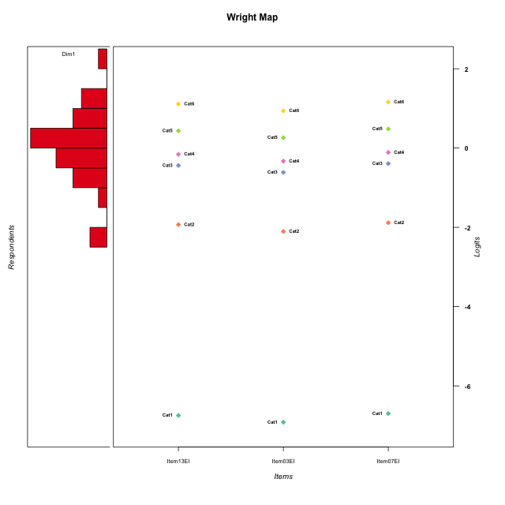
Global information for a measurement model

Information
Number.of.items | Deviance | Log.Likelihood | Number.of.persons | EAP.rel | n.theta.nodes | irt.model
3 | 286.28908888 | -143.14454444 | 30 | 0.69618929402 | 21 | RSM

Global fit statistic MADaQ3 and test fit
MADaQ3 | maxaQ3 | p
0.043820095025 | 0.065730142538 | 1

Test statistic of global fit based on Chi square
maxX2 | Npairs | p.holm
38.717962793 | 3 | 1

Model fit statistics
X100.MADCOV | SRMR | SRMSR
11.546219057 | 0.028485443393 | 0.036964873689

Chi square tests for every item pairs
index1 | index2 | maxK1 | maxK2 | df | chi2 | p | p.holm
1 | 2 | 6 | 6 | 36 | 26.304856743 | 0.8818894663 | 1
1 | 3 | 6 | 6 | 36 | 35.094406946 | 0.51148746213 | 1
2 | 3 | 6 | 6 | 36 | 38.717962793 | 0.34797964015 | 1

Item residuals
Item13EI | Item03EI | Item07EI
-0.20773617996 | -0.48994092737 | -0.1313577097
-0.94303396875 | 0.87395331008 | 1.1132886596
0.02848240599 | -0.25318798961 | 0.10961198611
1.028482406 | -2.2531879896 | 1.1096119861
0.54030488696 | -1.7490010995 | 0.62023702195
2.028482406 | -0.25318798961 | -1.8903880139
-0.96753784728 | 0.76506275524 | -0.89647533067
-0.097984841267 | -1.2510067947 | -1.0590211405
-2.2188989868 | 1.5145199402 | 0.85929805976
1.0569660312 | -0.12604668992 | 0.11328865955
-0.70790527509 | 0.076785630139 | 1.3573646663
-0.46421094729 | 1.2918146003 | -0.39143092871
-0.20773617996 | -0.48994092737 | -0.1313577097
1.2823954363 | -0.006727834404 | -1.6359949616
-0.29764646923 | -0.48238369729 | -1.2503897244
1.0569660312 | -1.1260466899 | 1.1132886596
0.63811152145 | 0.52224262757 | 0.67462261356
-0.20773617996 | 0.51005907263 | -1.1313577097
-0.73646756612 | -0.98140918936 | 0.32762274654
-1.459695113 | 0.25099890049 | 0.62023702195
1.028482406 | -1.2531879896 | 0.10961198611
0.29209472491 | 0.076785630139 | 0.35736466633
0.63811152145 | 0.52224262757 | 0.67462261356
1.0569660312 | -0.12604668992 | 0.11328865955
0.056966031246 | -0.12604668992 | 1.1132886596
1.5357890527 | 1.2918146003 | -2.3914309287
-1.20773618 | 2.5100590726 | -2.1313577097
-1.7176045637 | -0.006727834404 | 1.3640050384
-1.459695113 | 0.25099890049 | 0.62023702195
0.63811152145 | 0.52224262757 | 0.67462261356

Wright Map for Item Response Models

Estimate-Items
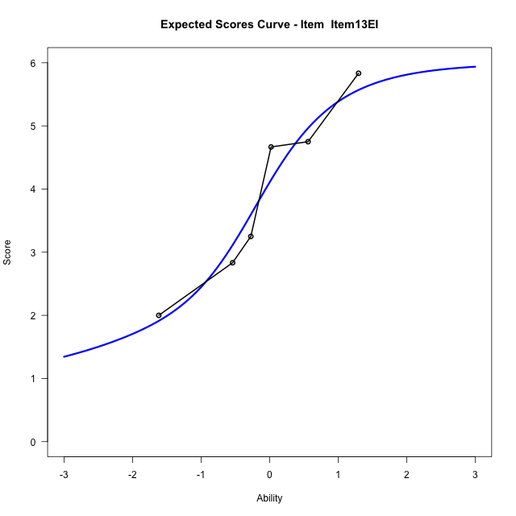
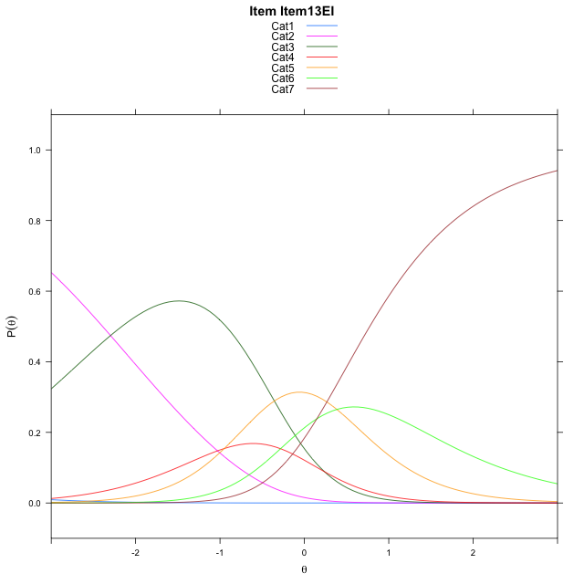
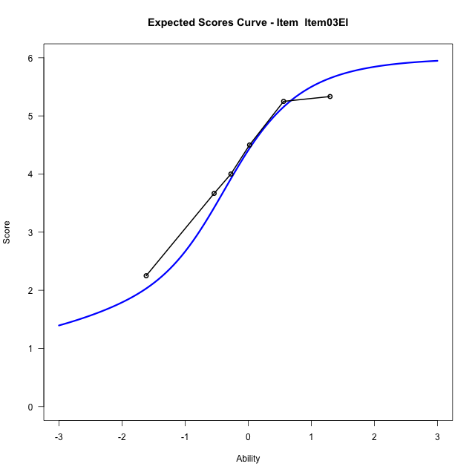
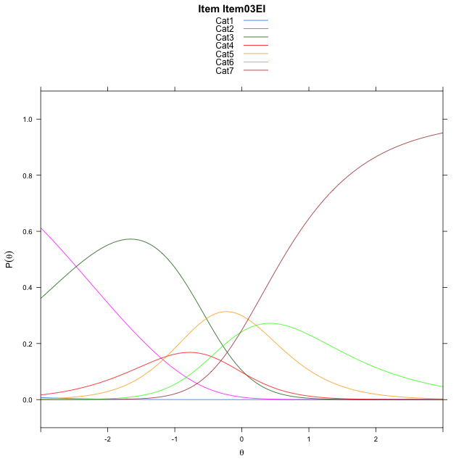
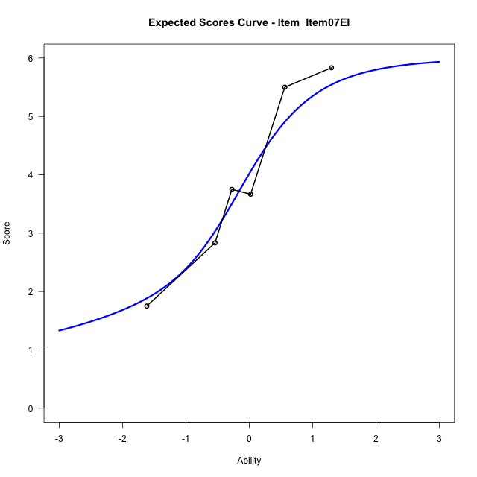
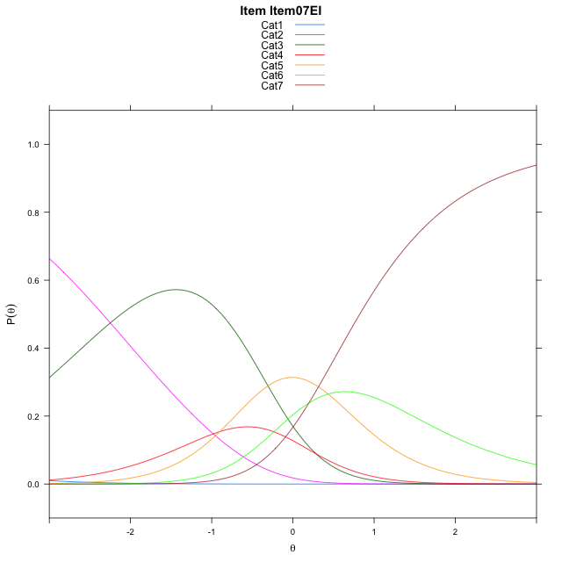
Estimate items information for the measurement model

Full Item Information
item | N | M | xsi.item | AXsi_.Cat1 | AXsi_.Cat2 | AXsi_.Cat3 | AXsi_.Cat4 | AXsi_.Cat5 | AXsi_.Cat6 | B.Cat1.Dim1 | B.Cat2.Dim1 | B.Cat3.Dim1 | B.Cat4.Dim1 | B.Cat5.Dim1 | B.Cat6.Dim1
Item13EI | 30 | 4 | -1.6199164508 | -7.2432489877 | -9.5406603586 | -9.3029231746 | -10.252417776 | -9.8678201236 | -9.7194987047 | 1 | 2 | 3 | 4 | 5 | 6
Item03EI | 30 | 4.2333333333 | -1.7926801462 | -7.4160126832 | -9.8861877495 | -9.821214261 | -10.943472557 | -10.731638601 | -10.756080877 | 1 | 2 | 3 | 4 | 5 | 6
Item07EI | 30 | 3.9333333333 | -1.5714544137 | -7.1947869507 | -9.4437362845 | -9.1575370634 | -10.058569627 | -9.6255099382 | -9.4287264822 | 1 | 2 | 3 | 4 | 5 | 6

Thurstonian Thresholds (category-wise)
 | Cat1 | Cat2 | Cat3 | Cat4 | Cat5 | Cat6
Item13EI | -7.2508850098 | -2.377532959 | -0.67318725586 | -0.37289428711 | 0.19052124023 | 0.77462768555
Item03EI | -7.4235534668 | -2.5503845215 | -0.84585571289 | -0.54556274414 | 0.017669677734 | 0.60177612305
Item07EI | -7.2023620605 | -2.3291931152 | -0.62466430664 | -0.32437133789 | 0.23886108398 | 0.8229675293

Thurstonian Thresholds (item-wise)
 | Threshold
Item13EI | -0.60923015056
Item03EI | -0.8085965451
Item07EI | -0.56301417816

Item Infit/Outfit Statistic
parameter | Outfit | Outfit_t | Outfit_p | Outfit_pholm | Infit | Infit_t | Infit_p | Infit_pholm
Item13EI | 0.99528723411 | 0.0095591251718 | 0.99237303777 | 1 | 1.0171180678 | 0.11228508959 | 0.91059736382 | 1
Item03EI | 1.0102797033 | 0.051576038004 | 0.95886651282 | 1 | 0.97911897351 | -0.05480856273 | 0.95629097859 | 1
Item07EI | 1.0220564319 | 0.13141236396 | 0.89544910846 | 1 | 1.0332381698 | 0.18105511154 | 0.85632431801 | 1
Cat1 | 1.2631877546 | 0.6791965903 | 0.49701330746 | 1 | 1.210877317 | 1.3448368185 | 0.17867793739 | 0.71471174955
Cat2 | 1.2728840514 | 0.65250478828 | 0.51407558493 | 1 | 1.2625913194 | 1.8858810712 | 0.059310982822 | 0.29655491411
Cat3 | 1.2867694201 | 1.2089681572 | 0.22667507913 | 1 | 1.2784673353 | 4.3788311255 | 1.1931754374E-05 | 9.5454034995E-05
Cat4 | 1.1935302278 | 0.63219169215 | 0.52726162534 | 1 | 1.1954923542 | 2.9810549926 | 0.0028725720351 | 0.020108004245
Cat5 | 1.3234252866 | 0.69536338052 | 0.48682760351 | 1 | 1.5136272716 | 2.6823373628 | 0.0073109690804 | 0.043865814482

Box plot of expected curves

