Assumptions
ANOVA assumptions for Intrinsic Motivation by Type

Shapiro-Wilk normality test for Intrinsic Motivation by Type
W | p.value
0.97028600783 | 0.54703069873

Plots for normality test
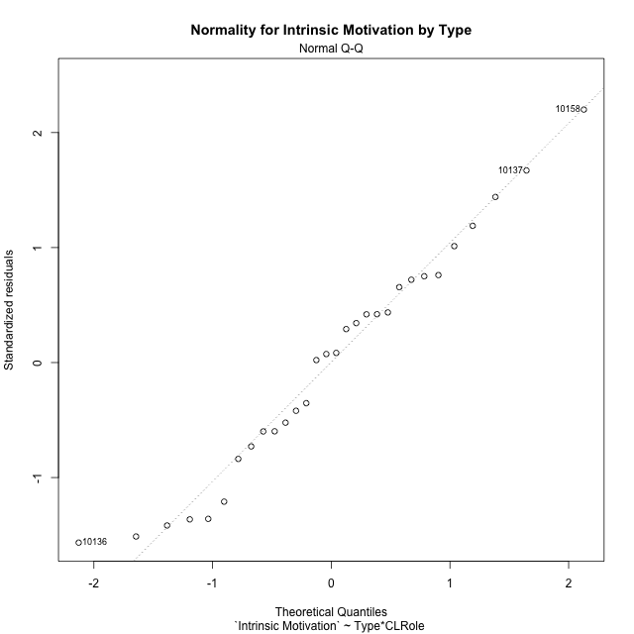

Levene's Test for Homogeneity of Variance in Intrinsic Motivation by Type
Df | F value | Pr(>F)
3 | 1.5044662317 | 0.23673551466
26

Plots for homogeneity of variance
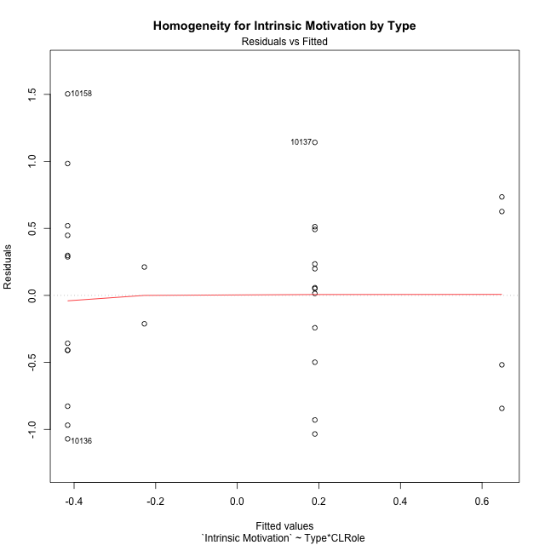

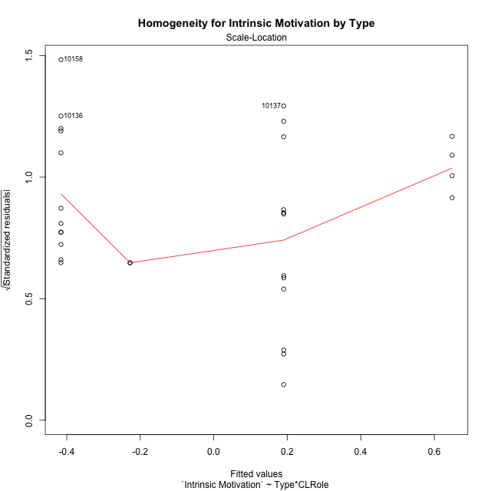

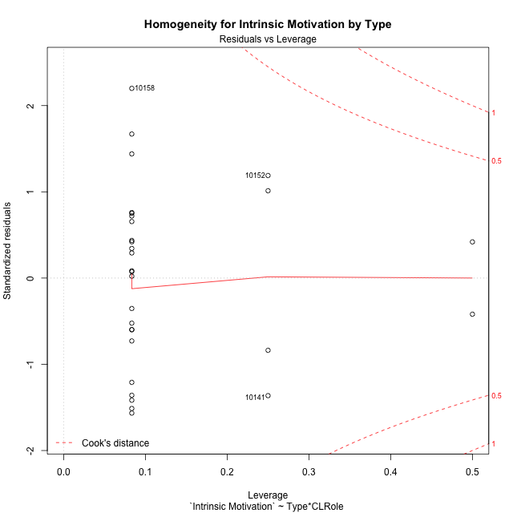

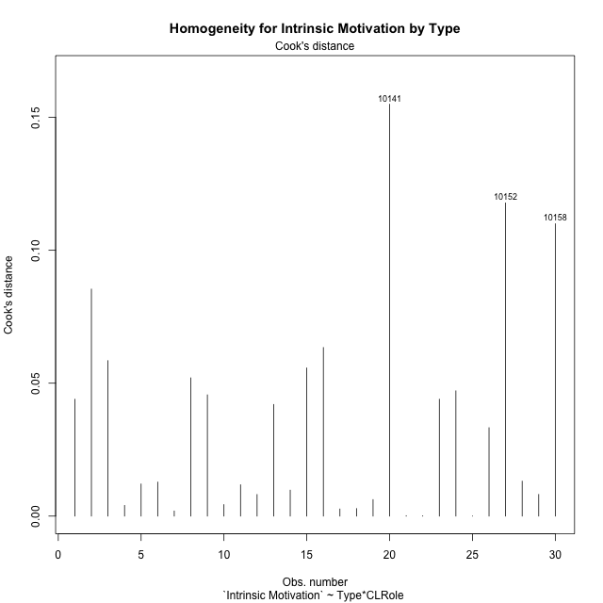

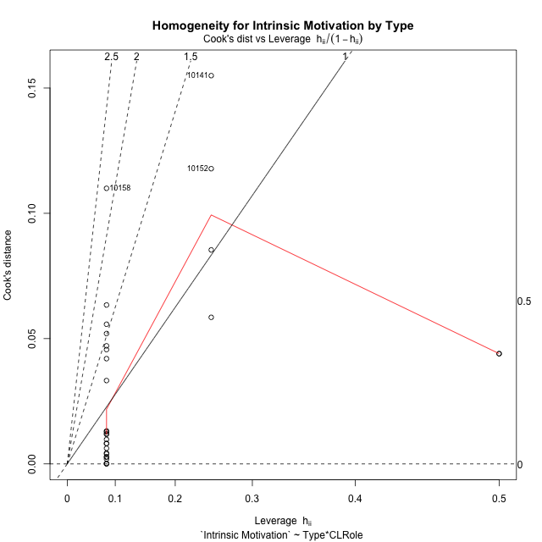

Minimum Sample Size Test for Intrinsic Motivation by Type
Type | CLRole | Freq
non-gamified | Apprentice | 12
ont-gamified | Apprentice | 12
non-gamified | Master | 2
ont-gamified | Master | 4

Errors and Warnings in Sample Size Test for ANOVA in Intrinsic Motivation by Type
code | description
WARN: sample.size | current size is 12 and recommended size is 15 for the group: 'non-gamified:Apprentice'.
WARN: sample.size | current size is 12 and recommended size is 15 for the group: 'ont-gamified:Apprentice'.
FAIL: min.size | current size is 2 but the minimal recomended size is 5 for the group: 'non-gamified:Master'.
FAIL: min.size | current size is 4 but the minimal recomended size is 5 for the group: 'ont-gamified:Master'.

For the group: 'non-gamified:Apprentice', we recommend the use of non-parametric test. For the group: 'ont-gamified:Apprentice', we recommend the use of non-parametric test. For the group: 'non-gamified:Master', we recommend the use of non-parametric test. For the group: 'ont-gamified:Master', we recommend the use of non-parametric test.

Post-hoc
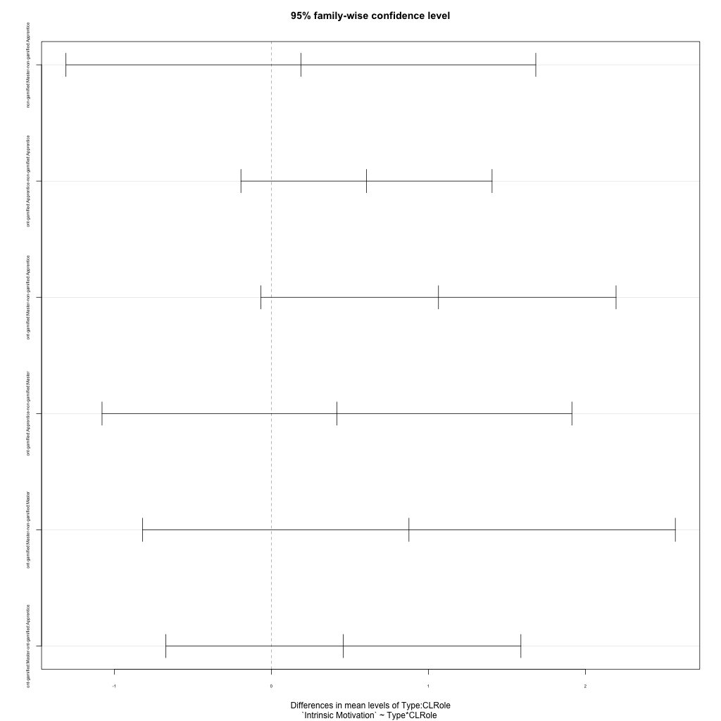
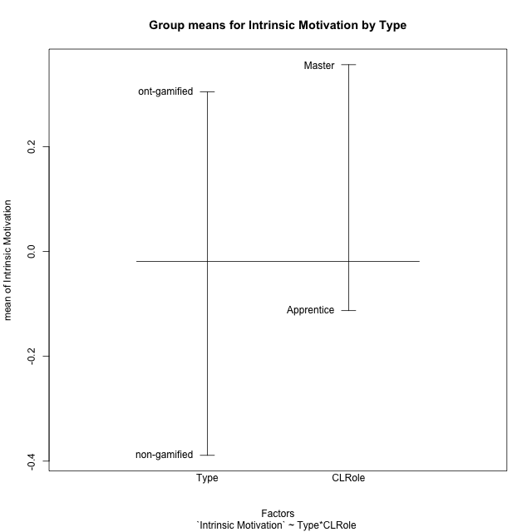
Post-hoc Tukey Honestly Significant Difference (HSD) Test for Intrinsic Motivation by Type

Comparisons of means for Type
 | diff | lwr | upr | p adj
ont-gamified-non-gamified | 0.69372556244 | 0.15663020979 | 1.2308209151 | 0.013360097624

Comparisons of means for CLRole
 | diff | lwr | upr | p adj
Master-Apprentice | 0.35363194805 | -0.31624364983 | 1.0235075459 | 0.28782436497

Comparisons of means for Type:CLRole
 | diff | lwr | upr | p adj
non-gamified:Master-non-gamified:Apprentice | 0.18805957523 | -1.3079208802 | 1.6840400306 | 0.98557837172
ont-gamified:Apprentice-non-gamified:Apprentice | 0.60600409043 | -0.19363109835 | 1.4056392792 | 0.18644319504
ont-gamified:Master-non-gamified:Apprentice | 1.0643525929 | -0.066502336025 | 2.1952075218 | 0.070479484743
ont-gamified:Apprentice-non-gamified:Master | 0.41794451519 | -1.0780359402 | 1.9139249706 | 0.86877042597
ont-gamified:Master-non-gamified:Master | 0.87629301766 | -0.81998937572 | 2.572575411 | 0.50034296826
ont-gamified:Master-ont-gamified:Apprentice | 0.45834850246 | -0.67250642645 | 1.5892034314 | 0.68558555293

Contrast Matrices for Intrinsic Motivation by Type - Type
contrast | estimate | SE | df | t.ratio | p.value
non-gamified - ont-gamified | -0.74114855404 | 0.34179586097 | 26 | -2.1683953455 | 0.039463335196

Contrast Matrices for Intrinsic Motivation by Type - Type:CLRole
contrast | CLRole | estimate | SE | df | t.ratio | p.value
non-gamified - ont-gamified | Apprentice | -0.60600409043 | 0.29148448962 | 26 | -2.0790268848 | 0.047619977115
non-gamified - ont-gamified | Master | -0.87629301766 | 0.61833197767 | 26 | -1.4171885804 | 0.16830028674

Least Squares Means and Confidence Intervals for Type
Type | lsmean | SE | df | lower.CL | upper.CL | Pairs
non-gamified | -0.32176986108 | 0.27265877343 | 26 | -0.88222799658 | 0.23868827441 | non-gamified
ont-gamified | 0.41937869296 | 0.20611065922 | 26 | -0.0042878346911 | 0.84304522061 | ont-gamified

Least Squares Means and Confidence Intervals for Type:CLRole
Type | CLRole | lsmean | SE | df | lower.CL | upper.CL | Pairs
non-gamified | Apprentice | -0.4157996487 | 0.20611065922 | 26 | -0.83946617635 | 0.0078668789554 | non-gamified.Apprentice
ont-gamified | Apprentice | 0.19020444173 | 0.20611065922 | 26 | -0.23346208592 | 0.61387096938 | ont-gamified.Apprentice
non-gamified | Master | -0.22774007346 | 0.50486594565 | 26 | -1.2655068873 | 0.81002674038 | non-gamified.Master
ont-gamified | Master | 0.64855294419 | 0.35699413376 | 26 | -0.085259007167 | 1.3823648956 | ont-gamified.Master

Plots

Type_1
Student's t-Test for Intrinsic Motivation by Type in Type between non-gamified:ont-gamified

Student's t-Test results
Alternative hypothesis: less
Group | N | Mean | Mean.Difference | Std.deviation | Std.error | CI.lower | CI.upper | df | t.value | p.value | g | magnitude
non-gamified | 14 | -0.38893399509 | -0.69372556244 | 0.7469531187 | 0.19963161816 | -0.7881972314 | 0.010329241218 | 26.368092169 | -2.6654986006 | 0.0064775677535 | -0.95643634914 | large
ont-gamified | 16 | 0.30479156735 | 0.69372556244 | 0.6679287422 | 0.16698218555 | -0.029172803753 | 0.63875593844 | 26.368092169 | -2.6654986006 | 0.0064775677535 | -0.95643634914 | large
Alternative hypothesis: greater
Group | N | Mean | Mean.Difference | Std.deviation | Std.error | CI.lower | CI.upper | df | t.value | p.value | g | magnitude
non-gamified | 14 | -0.38893399509 | -0.69372556244 | 0.7469531187 | 0.19963161816 | -0.7881972314 | 0.010329241218 | 26.368092169 | -2.6654986006 | 0.99352243225 | -0.95643634914 | large
ont-gamified | 16 | 0.30479156735 | 0.69372556244 | 0.6679287422 | 0.16698218555 | -0.029172803753 | 0.63875593844 | 26.368092169 | -2.6654986006 | 0.99352243225 | -0.95643634914 | large
Alternative hypothesis: two.sided
Group | N | Mean | Mean.Difference | Std.deviation | Std.error | CI.lower | CI.upper | df | t.value | p.value | g | magnitude
non-gamified | 14 | -0.38893399509 | -0.69372556244 | 0.7469531187 | 0.19963161816 | -0.7881972314 | 0.010329241218 | 26.368092169 | -2.6654986006 | 0.012955135507 | -0.95643634914 | large
ont-gamified | 16 | 0.30479156735 | 0.69372556244 | 0.6679287422 | 0.16698218555 | -0.029172803753 | 0.63875593844 | 26.368092169 | -2.6654986006 | 0.012955135507 | -0.95643634914 | large

Box plots for Student's t-Test
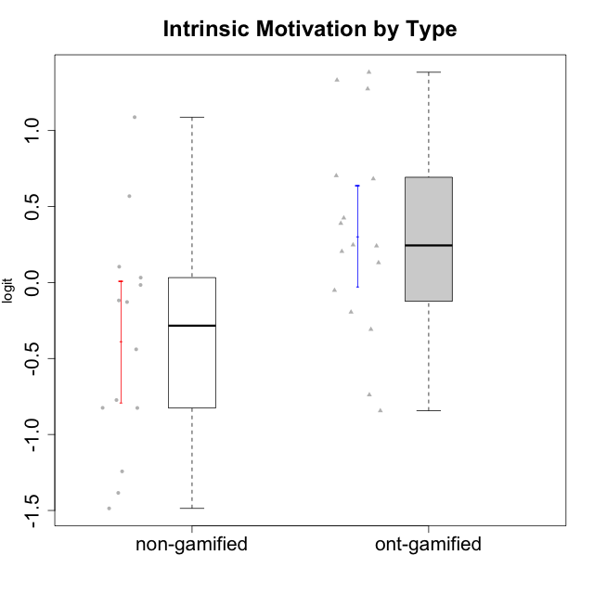

Student's t-Test data
UserID | Type | CLGroup | CLRole | PlayerRole | Interest/Enjoyment | Perceived Choice | Pressure/Tension | Effort/Importance | Intrinsic Motivation
10116 | non-gamified | GroupC | Master |  | -0.11357294579 | -0.84246384474 | 0.207074728 | -0.59479403893 | -0.43947638936
10120 | ont-gamified | Grupo Hélio | Master | Yee Socializer | 1.9055652511 | 1.3724895791 | -0.92888751811 | 0.43187671077 | 1.2745279552
10121 | ont-gamified | Grupo Hades | Master | Yee Achiever | 0.39919386735 | 0.58689611203 | 0.34545624663 | -0.11852834837 | 0.1305263461
10122 | non-gamified | GroupB | Apprentice |  | -2.0523461364 | 1.1695914201 | -0.48810270396 | -0.11852834837 | -0.12829509018
10123 | ont-gamified | Grupo Morfeu | Apprentice | Yee Achiever | -0.83197918173 | 0.23576870755 | 0.207074728 | -0.42994125574 | -0.30830661448
10126 | ont-gamified | Grupo Hélio | Apprentice | Yee Socializer | 1.2733257983 | 1.1695914201 | -0.48810270396 | -0.11852834837 | 0.70312289349
10127 | ont-gamified | Grupo Hades | Apprentice | Yee Achiever | 1.9055652511 | 0.23576870755 | -0.19509897189 | -0.77939890156 | 0.38925850725
10128 | ont-gamified | Grupo Morfeu | Apprentice | Yee Achiever | -2.1860512029 | 0.58689611203 | -0.33626190168 | -1.530751374 | -0.84389969656
10129 | non-gamified | GroupB | Apprentice |  | -1.7851511272 | -0.62243343859 | 1.1760127697 | 0.043437426927 | -1.3842690895
10130 | non-gamified | GroupC | Apprentice |  | 0.55299522042 | -0.30498894625 | 1.1760127697 | 0.69391751569 | -0.11778394501
10131 | ont-gamified | Grupo Zeus | Apprentice | Yee Achiever | 2.3995832302 | -0.95909932617 | -0.86046882355 | 0.42905726588 | 0.68250249838
10132 | non-gamified | GroupA | Apprentice |  | -3.0846876744 | -0.19915646976 | -0.19509897189 | 0.22124465728 | -0.82452702092
10134 | ont-gamified | Grupo Apolo | Apprentice | Yee Socializer | -1.2851216362 | -0.73083108762 | 0.34545624663 | -0.59479403893 | -0.73905075235
10135 | non-gamified | GroupB | Apprentice |  | 0.39919386735 | 0.34922612396 | 0.34545624663 | -0.273828091 | 0.032283913422
10136 | non-gamified | GroupC | Apprentice |  | -3.0846876744 | -1.370717033 | 0.073157005293 | -1.0029936954 | -1.4862865703
10137 | ont-gamified | Grupo Morfeu | Apprentice | Yee Achiever | 1.4744559961 | 1.3724895791 | -1.2956562305 | 0.69391751569 | 1.3321669013
10138 | ont-gamified | Grupo Hélio | Apprentice | Yee Socializer | 0.55299522042 | -0.41039697569 | 0.34545624663 | 1.2936946773 | 0.4248543794
10139 | ont-gamified | Grupo Zeus | Apprentice | Yee Achiever | -0.22343251553 | 0.12466021952 | -0.48810270396 | -0.59479403893 | -0.051365907743
10140 | non-gamified | GroupC | Apprentice |  | -1.0446754489 | -0.19915646976 | 0.84536116149 | -1.0029936954 | -0.7732129403
10141 | ont-gamified | Grupo Apolo | Master | Yee Socializer | 0.0020687155691 | -0.41039697569 | -0.059821730394 | -0.42994125574 | -0.19461194637
10142 | ont-gamified | Grupo Hades | Apprentice | Yee Achiever | 0.55299522042 | -0.30498894625 | -0.86046882355 | -0.11852834837 | 0.24748668734
10143 | ont-gamified | Grupo Apolo | Apprentice | Yee Socializer | 0.12501694921 | 0.34922612396 | -0.059821730394 | 0.42905726588 | 0.24078051736
10145 | non-gamified | GroupB | Master |  | -0.63100885186 | -0.84246384474 | 0.49281785314 | 1.2936946773 | -0.016003757564
10146 | non-gamified | GroupA | Apprentice |  | 0.89459676096 | 0.34922612396 | -0.33626190168 | 0.69391751569 | 0.56850057557
10148 | ont-gamified | Grupo Apolo | Apprentice | Yee Socializer | 0.25688594663 | 0.71417324881 | 0.84536116149 | 0.69391751569 | 0.20490388741
10149 | non-gamified | GroupA | Apprentice |  | -0.93606252105 | -1.0832149658 | 1.1760127697 | 0.22124465728 | -1.2427405122
10152 | ont-gamified | Grupo Morfeu | Master | Yee Achiever | 3.1382402907 | 0.71417324881 | -0.19509897189 | -0.59479403893 | 1.3837694218
10153 | non-gamified | GroupA | Apprentice |  | 0.55299522042 | -0.19915646976 | -0.33626190168 | -0.273828091 | 0.10406814034
10154 | non-gamified | GroupC | Apprentice |  | -1.160003562 | -1.2184796928 | 0.49281785314 | -0.42994125574 | -0.82531059092
10158 | non-gamified | GroupD | Apprentice |  | 2.8511175231 | 0.58689611203 | -1.2956562305 | 0.92790277393 | 1.0879773457

Type_CLRole_1
Student's t-Test for Intrinsic Motivation by Type in Type:CLRole between non-gamified.Apprentice:non-gamified.Master

Student's t-Test results
Alternative hypothesis: less
Group | N | Mean | Mean.Difference | Std.deviation | Std.error | CI.lower | CI.upper | df | t.value | p.value | g | magnitude
non-gamified.Apprentice | 12 | -0.4157996487 | -0.18805957523 | 0.8035666994 | 0.23196972511 | -0.87973909891 | 0.048139801514 | 4.280510676 | -0.5987755111 | 0.28978898981 | -0.22740425722 | small
non-gamified.Master | 2 | -0.22774007346 | 0.18805957523 | 0.29944036959 | 0.2117363159 | -0.65121270527 | 0.19573255834 | 4.280510676 | -0.5987755111 | 0.28978898981 | -0.22740425722 | small
Alternative hypothesis: greater
Group | N | Mean | Mean.Difference | Std.deviation | Std.error | CI.lower | CI.upper | df | t.value | p.value | g | magnitude
non-gamified.Apprentice | 12 | -0.4157996487 | -0.18805957523 | 0.8035666994 | 0.23196972511 | -0.87973909891 | 0.048139801514 | 4.280510676 | -0.5987755111 | 0.71021101019 | -0.22740425722 | small
non-gamified.Master | 2 | -0.22774007346 | 0.18805957523 | 0.29944036959 | 0.2117363159 | -0.65121270527 | 0.19573255834 | 4.280510676 | -0.5987755111 | 0.71021101019 | -0.22740425722 | small
Alternative hypothesis: two.sided
Group | N | Mean | Mean.Difference | Std.deviation | Std.error | CI.lower | CI.upper | df | t.value | p.value | g | magnitude
non-gamified.Apprentice | 12 | -0.4157996487 | -0.18805957523 | 0.8035666994 | 0.23196972511 | -0.87973909891 | 0.048139801514 | 4.280510676 | -0.5987755111 | 0.57957797962 | -0.22740425722 | small
non-gamified.Master | 2 | -0.22774007346 | 0.18805957523 | 0.29944036959 | 0.2117363159 | -0.65121270527 | 0.19573255834 | 4.280510676 | -0.5987755111 | 0.57957797962 | -0.22740425722 | small

Box plots for Student's t-Test
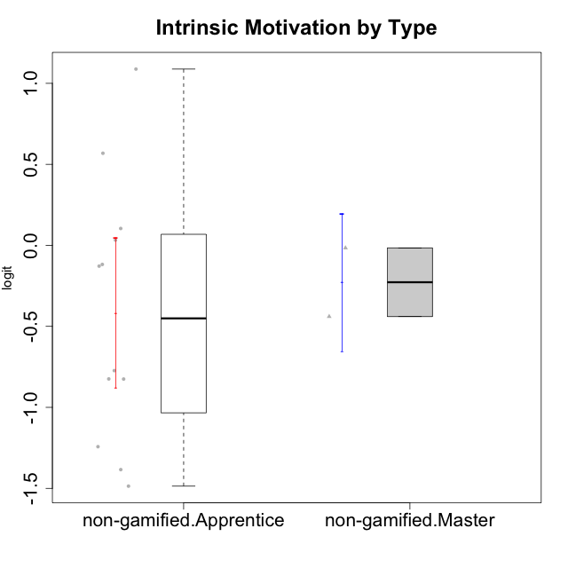

Student's t-Test data
UserID | Type | CLGroup | CLRole | PlayerRole | Interest/Enjoyment | Perceived Choice | Pressure/Tension | Effort/Importance | Intrinsic Motivation
10116 | non-gamified | GroupC | Master |  | -0.11357294579 | -0.84246384474 | 0.207074728 | -0.59479403893 | -0.43947638936
10122 | non-gamified | GroupB | Apprentice |  | -2.0523461364 | 1.1695914201 | -0.48810270396 | -0.11852834837 | -0.12829509018
10129 | non-gamified | GroupB | Apprentice |  | -1.7851511272 | -0.62243343859 | 1.1760127697 | 0.043437426927 | -1.3842690895
10130 | non-gamified | GroupC | Apprentice |  | 0.55299522042 | -0.30498894625 | 1.1760127697 | 0.69391751569 | -0.11778394501
10132 | non-gamified | GroupA | Apprentice |  | -3.0846876744 | -0.19915646976 | -0.19509897189 | 0.22124465728 | -0.82452702092
10135 | non-gamified | GroupB | Apprentice |  | 0.39919386735 | 0.34922612396 | 0.34545624663 | -0.273828091 | 0.032283913422
10136 | non-gamified | GroupC | Apprentice |  | -3.0846876744 | -1.370717033 | 0.073157005293 | -1.0029936954 | -1.4862865703
10140 | non-gamified | GroupC | Apprentice |  | -1.0446754489 | -0.19915646976 | 0.84536116149 | -1.0029936954 | -0.7732129403
10145 | non-gamified | GroupB | Master |  | -0.63100885186 | -0.84246384474 | 0.49281785314 | 1.2936946773 | -0.016003757564
10146 | non-gamified | GroupA | Apprentice |  | 0.89459676096 | 0.34922612396 | -0.33626190168 | 0.69391751569 | 0.56850057557
10149 | non-gamified | GroupA | Apprentice |  | -0.93606252105 | -1.0832149658 | 1.1760127697 | 0.22124465728 | -1.2427405122
10153 | non-gamified | GroupA | Apprentice |  | 0.55299522042 | -0.19915646976 | -0.33626190168 | -0.273828091 | 0.10406814034
10154 | non-gamified | GroupC | Apprentice |  | -1.160003562 | -1.2184796928 | 0.49281785314 | -0.42994125574 | -0.82531059092
10158 | non-gamified | GroupD | Apprentice |  | 2.8511175231 | 0.58689611203 | -1.2956562305 | 0.92790277393 | 1.0879773457

Type_CLRole_2
Student's t-Test for Intrinsic Motivation by Type in Type:CLRole between non-gamified.Apprentice:ont-gamified.Apprentice

Student's t-Test results
Alternative hypothesis: less
Group | N | Mean | Mean.Difference | Std.deviation | Std.error | CI.lower | CI.upper | df | t.value | p.value | g | magnitude
non-gamified.Apprentice | 12 | -0.4157996487 | -0.60600409043 | 0.8035666994 | 0.23196972511 | -0.87973909891 | 0.048139801514 | 20.582680506 | -2.0755333983 | 0.025335184872 | -0.81811458368 | large
ont-gamified.Apprentice | 12 | 0.19020444173 | 0.60600409043 | 0.61422644982 | 0.17731190307 | -0.16441936442 | 0.54482824788 | 20.582680506 | -2.0755333983 | 0.025335184872 | -0.81811458368 | large
Alternative hypothesis: greater
Group | N | Mean | Mean.Difference | Std.deviation | Std.error | CI.lower | CI.upper | df | t.value | p.value | g | magnitude
non-gamified.Apprentice | 12 | -0.4157996487 | -0.60600409043 | 0.8035666994 | 0.23196972511 | -0.87973909891 | 0.048139801514 | 20.582680506 | -2.0755333983 | 0.97466481513 | -0.81811458368 | large
ont-gamified.Apprentice | 12 | 0.19020444173 | 0.60600409043 | 0.61422644982 | 0.17731190307 | -0.16441936442 | 0.54482824788 | 20.582680506 | -2.0755333983 | 0.97466481513 | -0.81811458368 | large
Alternative hypothesis: two.sided
Group | N | Mean | Mean.Difference | Std.deviation | Std.error | CI.lower | CI.upper | df | t.value | p.value | g | magnitude
non-gamified.Apprentice | 12 | -0.4157996487 | -0.60600409043 | 0.8035666994 | 0.23196972511 | -0.87973909891 | 0.048139801514 | 20.582680506 | -2.0755333983 | 0.050670369744 | -0.81811458368 | large
ont-gamified.Apprentice | 12 | 0.19020444173 | 0.60600409043 | 0.61422644982 | 0.17731190307 | -0.16441936442 | 0.54482824788 | 20.582680506 | -2.0755333983 | 0.050670369744 | -0.81811458368 | large

Box plots for Student's t-Test
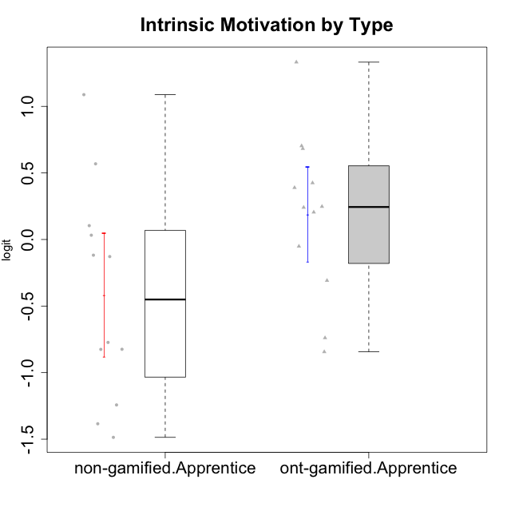

Student's t-Test data
UserID | Type | CLGroup | CLRole | PlayerRole | Interest/Enjoyment | Perceived Choice | Pressure/Tension | Effort/Importance | Intrinsic Motivation
10122 | non-gamified | GroupB | Apprentice |  | -2.0523461364 | 1.1695914201 | -0.48810270396 | -0.11852834837 | -0.12829509018
10123 | ont-gamified | Grupo Morfeu | Apprentice | Yee Achiever | -0.83197918173 | 0.23576870755 | 0.207074728 | -0.42994125574 | -0.30830661448
10126 | ont-gamified | Grupo Hélio | Apprentice | Yee Socializer | 1.2733257983 | 1.1695914201 | -0.48810270396 | -0.11852834837 | 0.70312289349
10127 | ont-gamified | Grupo Hades | Apprentice | Yee Achiever | 1.9055652511 | 0.23576870755 | -0.19509897189 | -0.77939890156 | 0.38925850725
10128 | ont-gamified | Grupo Morfeu | Apprentice | Yee Achiever | -2.1860512029 | 0.58689611203 | -0.33626190168 | -1.530751374 | -0.84389969656
10129 | non-gamified | GroupB | Apprentice |  | -1.7851511272 | -0.62243343859 | 1.1760127697 | 0.043437426927 | -1.3842690895
10130 | non-gamified | GroupC | Apprentice |  | 0.55299522042 | -0.30498894625 | 1.1760127697 | 0.69391751569 | -0.11778394501
10131 | ont-gamified | Grupo Zeus | Apprentice | Yee Achiever | 2.3995832302 | -0.95909932617 | -0.86046882355 | 0.42905726588 | 0.68250249838
10132 | non-gamified | GroupA | Apprentice |  | -3.0846876744 | -0.19915646976 | -0.19509897189 | 0.22124465728 | -0.82452702092
10134 | ont-gamified | Grupo Apolo | Apprentice | Yee Socializer | -1.2851216362 | -0.73083108762 | 0.34545624663 | -0.59479403893 | -0.73905075235
10135 | non-gamified | GroupB | Apprentice |  | 0.39919386735 | 0.34922612396 | 0.34545624663 | -0.273828091 | 0.032283913422
10136 | non-gamified | GroupC | Apprentice |  | -3.0846876744 | -1.370717033 | 0.073157005293 | -1.0029936954 | -1.4862865703
10137 | ont-gamified | Grupo Morfeu | Apprentice | Yee Achiever | 1.4744559961 | 1.3724895791 | -1.2956562305 | 0.69391751569 | 1.3321669013
10138 | ont-gamified | Grupo Hélio | Apprentice | Yee Socializer | 0.55299522042 | -0.41039697569 | 0.34545624663 | 1.2936946773 | 0.4248543794
10139 | ont-gamified | Grupo Zeus | Apprentice | Yee Achiever | -0.22343251553 | 0.12466021952 | -0.48810270396 | -0.59479403893 | -0.051365907743
10140 | non-gamified | GroupC | Apprentice |  | -1.0446754489 | -0.19915646976 | 0.84536116149 | -1.0029936954 | -0.7732129403
10142 | ont-gamified | Grupo Hades | Apprentice | Yee Achiever | 0.55299522042 | -0.30498894625 | -0.86046882355 | -0.11852834837 | 0.24748668734
10143 | ont-gamified | Grupo Apolo | Apprentice | Yee Socializer | 0.12501694921 | 0.34922612396 | -0.059821730394 | 0.42905726588 | 0.24078051736
10146 | non-gamified | GroupA | Apprentice |  | 0.89459676096 | 0.34922612396 | -0.33626190168 | 0.69391751569 | 0.56850057557
10148 | ont-gamified | Grupo Apolo | Apprentice | Yee Socializer | 0.25688594663 | 0.71417324881 | 0.84536116149 | 0.69391751569 | 0.20490388741
10149 | non-gamified | GroupA | Apprentice |  | -0.93606252105 | -1.0832149658 | 1.1760127697 | 0.22124465728 | -1.2427405122
10153 | non-gamified | GroupA | Apprentice |  | 0.55299522042 | -0.19915646976 | -0.33626190168 | -0.273828091 | 0.10406814034
10154 | non-gamified | GroupC | Apprentice |  | -1.160003562 | -1.2184796928 | 0.49281785314 | -0.42994125574 | -0.82531059092
10158 | non-gamified | GroupD | Apprentice |  | 2.8511175231 | 0.58689611203 | -1.2956562305 | 0.92790277393 | 1.0879773457

Type_CLRole_3
Student's t-Test for Intrinsic Motivation by Type in Type:CLRole between non-gamified.Apprentice:ont-gamified.Master

Student's t-Test results
Alternative hypothesis: less
Group | N | Mean | Mean.Difference | Std.deviation | Std.error | CI.lower | CI.upper | df | t.value | p.value | g | magnitude
non-gamified.Apprentice | 12 | -0.4157996487 | -1.0643525929 | 0.8035666994 | 0.23196972511 | -0.87973909891 | 0.048139801514 | 5.2069302379 | -2.3055683557 | 0.033607747528 | -1.2540574594 | large
ont-gamified.Master | 4 | 0.64855294419 | 1.0643525929 | 0.79826198131 | 0.39913099066 | -0.14970903712 | 1.4468149255 | 5.2069302379 | -2.3055683557 | 0.033607747528 | -1.2540574594 | large
Alternative hypothesis: greater
Group | N | Mean | Mean.Difference | Std.deviation | Std.error | CI.lower | CI.upper | df | t.value | p.value | g | magnitude
non-gamified.Apprentice | 12 | -0.4157996487 | -1.0643525929 | 0.8035666994 | 0.23196972511 | -0.87973909891 | 0.048139801514 | 5.2069302379 | -2.3055683557 | 0.96639225247 | -1.2540574594 | large
ont-gamified.Master | 4 | 0.64855294419 | 1.0643525929 | 0.79826198131 | 0.39913099066 | -0.14970903712 | 1.4468149255 | 5.2069302379 | -2.3055683557 | 0.96639225247 | -1.2540574594 | large
Alternative hypothesis: two.sided
Group | N | Mean | Mean.Difference | Std.deviation | Std.error | CI.lower | CI.upper | df | t.value | p.value | g | magnitude
non-gamified.Apprentice | 12 | -0.4157996487 | -1.0643525929 | 0.8035666994 | 0.23196972511 | -0.87973909891 | 0.048139801514 | 5.2069302379 | -2.3055683557 | 0.067215495057 | -1.2540574594 | large
ont-gamified.Master | 4 | 0.64855294419 | 1.0643525929 | 0.79826198131 | 0.39913099066 | -0.14970903712 | 1.4468149255 | 5.2069302379 | -2.3055683557 | 0.067215495057 | -1.2540574594 | large

Box plots for Student's t-Test
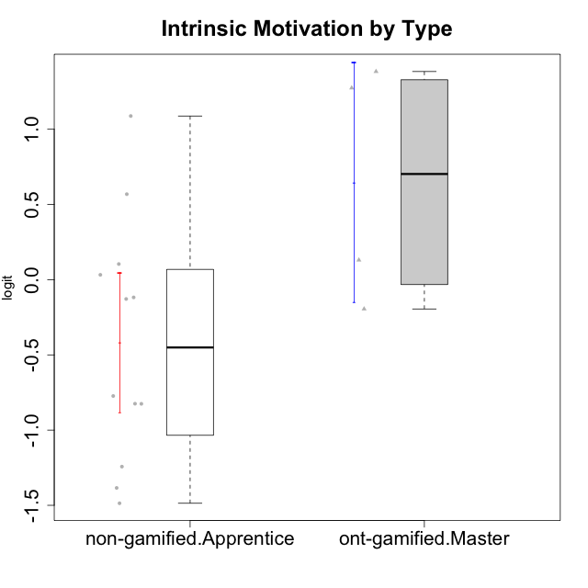

Student's t-Test data
UserID | Type | CLGroup | CLRole | PlayerRole | Interest/Enjoyment | Perceived Choice | Pressure/Tension | Effort/Importance | Intrinsic Motivation
10120 | ont-gamified | Grupo Hélio | Master | Yee Socializer | 1.9055652511 | 1.3724895791 | -0.92888751811 | 0.43187671077 | 1.2745279552
10121 | ont-gamified | Grupo Hades | Master | Yee Achiever | 0.39919386735 | 0.58689611203 | 0.34545624663 | -0.11852834837 | 0.1305263461
10122 | non-gamified | GroupB | Apprentice |  | -2.0523461364 | 1.1695914201 | -0.48810270396 | -0.11852834837 | -0.12829509018
10129 | non-gamified | GroupB | Apprentice |  | -1.7851511272 | -0.62243343859 | 1.1760127697 | 0.043437426927 | -1.3842690895
10130 | non-gamified | GroupC | Apprentice |  | 0.55299522042 | -0.30498894625 | 1.1760127697 | 0.69391751569 | -0.11778394501
10132 | non-gamified | GroupA | Apprentice |  | -3.0846876744 | -0.19915646976 | -0.19509897189 | 0.22124465728 | -0.82452702092
10135 | non-gamified | GroupB | Apprentice |  | 0.39919386735 | 0.34922612396 | 0.34545624663 | -0.273828091 | 0.032283913422
10136 | non-gamified | GroupC | Apprentice |  | -3.0846876744 | -1.370717033 | 0.073157005293 | -1.0029936954 | -1.4862865703
10140 | non-gamified | GroupC | Apprentice |  | -1.0446754489 | -0.19915646976 | 0.84536116149 | -1.0029936954 | -0.7732129403
10141 | ont-gamified | Grupo Apolo | Master | Yee Socializer | 0.0020687155691 | -0.41039697569 | -0.059821730394 | -0.42994125574 | -0.19461194637
10146 | non-gamified | GroupA | Apprentice |  | 0.89459676096 | 0.34922612396 | -0.33626190168 | 0.69391751569 | 0.56850057557
10149 | non-gamified | GroupA | Apprentice |  | -0.93606252105 | -1.0832149658 | 1.1760127697 | 0.22124465728 | -1.2427405122
10152 | ont-gamified | Grupo Morfeu | Master | Yee Achiever | 3.1382402907 | 0.71417324881 | -0.19509897189 | -0.59479403893 | 1.3837694218
10153 | non-gamified | GroupA | Apprentice |  | 0.55299522042 | -0.19915646976 | -0.33626190168 | -0.273828091 | 0.10406814034
10154 | non-gamified | GroupC | Apprentice |  | -1.160003562 | -1.2184796928 | 0.49281785314 | -0.42994125574 | -0.82531059092
10158 | non-gamified | GroupD | Apprentice |  | 2.8511175231 | 0.58689611203 | -1.2956562305 | 0.92790277393 | 1.0879773457

Type_CLRole_4
Student's t-Test for Intrinsic Motivation by Type in Type:CLRole between non-gamified.Master:ont-gamified.Apprentice

Student's t-Test results
Alternative hypothesis: less
Group | N | Mean | Mean.Difference | Std.deviation | Std.error | CI.lower | CI.upper | df | t.value | p.value | g | magnitude
non-gamified.Master | 2 | -0.22774007346 | -0.41794451519 | 0.29944036959 | 0.2117363159 | -0.65121270527 | 0.19573255834 | 2.7704591378 | -1.5133406356 | 0.11733276785 | -0.6582601031 | medium
ont-gamified.Apprentice | 12 | 0.19020444173 | 0.41794451519 | 0.61422644982 | 0.17731190307 | -0.16441936442 | 0.54482824788 | 2.7704591378 | -1.5133406356 | 0.11733276785 | -0.6582601031 | medium
Alternative hypothesis: greater
Group | N | Mean | Mean.Difference | Std.deviation | Std.error | CI.lower | CI.upper | df | t.value | p.value | g | magnitude
non-gamified.Master | 2 | -0.22774007346 | -0.41794451519 | 0.29944036959 | 0.2117363159 | -0.65121270527 | 0.19573255834 | 2.7704591378 | -1.5133406356 | 0.88266723215 | -0.6582601031 | medium
ont-gamified.Apprentice | 12 | 0.19020444173 | 0.41794451519 | 0.61422644982 | 0.17731190307 | -0.16441936442 | 0.54482824788 | 2.7704591378 | -1.5133406356 | 0.88266723215 | -0.6582601031 | medium
Alternative hypothesis: two.sided
Group | N | Mean | Mean.Difference | Std.deviation | Std.error | CI.lower | CI.upper | df | t.value | p.value | g | magnitude
non-gamified.Master | 2 | -0.22774007346 | -0.41794451519 | 0.29944036959 | 0.2117363159 | -0.65121270527 | 0.19573255834 | 2.7704591378 | -1.5133406356 | 0.23466553571 | -0.6582601031 | medium
ont-gamified.Apprentice | 12 | 0.19020444173 | 0.41794451519 | 0.61422644982 | 0.17731190307 | -0.16441936442 | 0.54482824788 | 2.7704591378 | -1.5133406356 | 0.23466553571 | -0.6582601031 | medium

Box plots for Student's t-Test
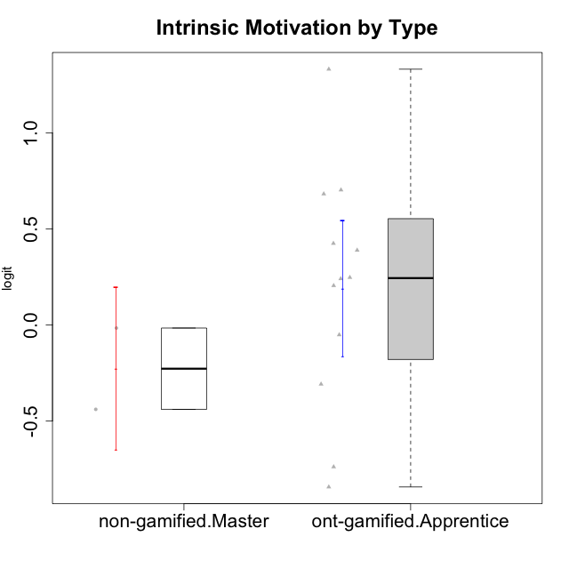

Student's t-Test data
UserID | Type | CLGroup | CLRole | PlayerRole | Interest/Enjoyment | Perceived Choice | Pressure/Tension | Effort/Importance | Intrinsic Motivation
10116 | non-gamified | GroupC | Master |  | -0.11357294579 | -0.84246384474 | 0.207074728 | -0.59479403893 | -0.43947638936
10123 | ont-gamified | Grupo Morfeu | Apprentice | Yee Achiever | -0.83197918173 | 0.23576870755 | 0.207074728 | -0.42994125574 | -0.30830661448
10126 | ont-gamified | Grupo Hélio | Apprentice | Yee Socializer | 1.2733257983 | 1.1695914201 | -0.48810270396 | -0.11852834837 | 0.70312289349
10127 | ont-gamified | Grupo Hades | Apprentice | Yee Achiever | 1.9055652511 | 0.23576870755 | -0.19509897189 | -0.77939890156 | 0.38925850725
10128 | ont-gamified | Grupo Morfeu | Apprentice | Yee Achiever | -2.1860512029 | 0.58689611203 | -0.33626190168 | -1.530751374 | -0.84389969656
10131 | ont-gamified | Grupo Zeus | Apprentice | Yee Achiever | 2.3995832302 | -0.95909932617 | -0.86046882355 | 0.42905726588 | 0.68250249838
10134 | ont-gamified | Grupo Apolo | Apprentice | Yee Socializer | -1.2851216362 | -0.73083108762 | 0.34545624663 | -0.59479403893 | -0.73905075235
10137 | ont-gamified | Grupo Morfeu | Apprentice | Yee Achiever | 1.4744559961 | 1.3724895791 | -1.2956562305 | 0.69391751569 | 1.3321669013
10138 | ont-gamified | Grupo Hélio | Apprentice | Yee Socializer | 0.55299522042 | -0.41039697569 | 0.34545624663 | 1.2936946773 | 0.4248543794
10139 | ont-gamified | Grupo Zeus | Apprentice | Yee Achiever | -0.22343251553 | 0.12466021952 | -0.48810270396 | -0.59479403893 | -0.051365907743
10142 | ont-gamified | Grupo Hades | Apprentice | Yee Achiever | 0.55299522042 | -0.30498894625 | -0.86046882355 | -0.11852834837 | 0.24748668734
10143 | ont-gamified | Grupo Apolo | Apprentice | Yee Socializer | 0.12501694921 | 0.34922612396 | -0.059821730394 | 0.42905726588 | 0.24078051736
10145 | non-gamified | GroupB | Master |  | -0.63100885186 | -0.84246384474 | 0.49281785314 | 1.2936946773 | -0.016003757564
10148 | ont-gamified | Grupo Apolo | Apprentice | Yee Socializer | 0.25688594663 | 0.71417324881 | 0.84536116149 | 0.69391751569 | 0.20490388741

Type_CLRole_5
Student's t-Test for Intrinsic Motivation by Type in Type:CLRole between non-gamified.Master:ont-gamified.Master

Student's t-Test results
Alternative hypothesis: less
Group | N | Mean | Mean.Difference | Std.deviation | Std.error | CI.lower | CI.upper | df | t.value | p.value | g | magnitude
non-gamified.Master | 2 | -0.22774007346 | -0.87629301766 | 0.29944036959 | 0.2117363159 | -0.65121270527 | 0.19573255834 | 3.9804039486 | -1.9394903365 | 0.062399927394 | -0.99108262166 | large
ont-gamified.Master | 4 | 0.64855294419 | 0.87629301766 | 0.79826198131 | 0.39913099066 | -0.14970903712 | 1.4468149255 | 3.9804039486 | -1.9394903365 | 0.062399927394 | -0.99108262166 | large
Alternative hypothesis: greater
Group | N | Mean | Mean.Difference | Std.deviation | Std.error | CI.lower | CI.upper | df | t.value | p.value | g | magnitude
non-gamified.Master | 2 | -0.22774007346 | -0.87629301766 | 0.29944036959 | 0.2117363159 | -0.65121270527 | 0.19573255834 | 3.9804039486 | -1.9394903365 | 0.93760007261 | -0.99108262166 | large
ont-gamified.Master | 4 | 0.64855294419 | 0.87629301766 | 0.79826198131 | 0.39913099066 | -0.14970903712 | 1.4468149255 | 3.9804039486 | -1.9394903365 | 0.93760007261 | -0.99108262166 | large
Alternative hypothesis: two.sided
Group | N | Mean | Mean.Difference | Std.deviation | Std.error | CI.lower | CI.upper | df | t.value | p.value | g | magnitude
non-gamified.Master | 2 | -0.22774007346 | -0.87629301766 | 0.29944036959 | 0.2117363159 | -0.65121270527 | 0.19573255834 | 3.9804039486 | -1.9394903365 | 0.12479985479 | -0.99108262166 | large
ont-gamified.Master | 4 | 0.64855294419 | 0.87629301766 | 0.79826198131 | 0.39913099066 | -0.14970903712 | 1.4468149255 | 3.9804039486 | -1.9394903365 | 0.12479985479 | -0.99108262166 | large

Box plots for Student's t-Test
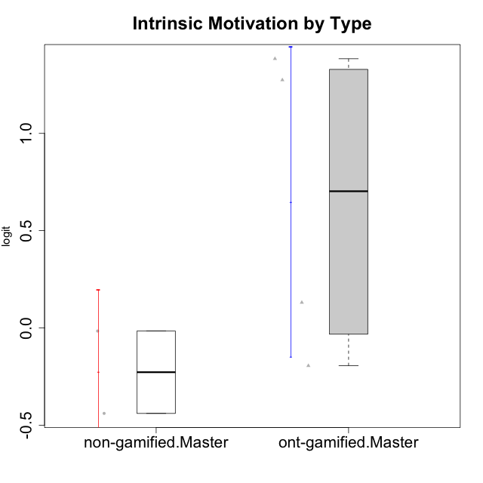

Student's t-Test data
UserID | Type | CLGroup | CLRole | PlayerRole | Interest/Enjoyment | Perceived Choice | Pressure/Tension | Effort/Importance | Intrinsic Motivation
10116 | non-gamified | GroupC | Master |  | -0.11357294579 | -0.84246384474 | 0.207074728 | -0.59479403893 | -0.43947638936
10120 | ont-gamified | Grupo Hélio | Master | Yee Socializer | 1.9055652511 | 1.3724895791 | -0.92888751811 | 0.43187671077 | 1.2745279552
10121 | ont-gamified | Grupo Hades | Master | Yee Achiever | 0.39919386735 | 0.58689611203 | 0.34545624663 | -0.11852834837 | 0.1305263461
10141 | ont-gamified | Grupo Apolo | Master | Yee Socializer | 0.0020687155691 | -0.41039697569 | -0.059821730394 | -0.42994125574 | -0.19461194637
10145 | non-gamified | GroupB | Master |  | -0.63100885186 | -0.84246384474 | 0.49281785314 | 1.2936946773 | -0.016003757564
10152 | ont-gamified | Grupo Morfeu | Master | Yee Achiever | 3.1382402907 | 0.71417324881 | -0.19509897189 | -0.59479403893 | 1.3837694218

Type_CLRole_6
Student's t-Test for Intrinsic Motivation by Type in Type:CLRole between ont-gamified.Apprentice:ont-gamified.Master

Student's t-Test results
Alternative hypothesis: less
Group | N | Mean | Mean.Difference | Std.deviation | Std.error | CI.lower | CI.upper | df | t.value | p.value | g | magnitude
ont-gamified.Apprentice | 12 | 0.19020444173 | -0.45834850246 | 0.61422644982 | 0.17731190307 | -0.16441936442 | 0.54482824788 | 4.2557604324 | -1.0494679224 | 0.17493242321 | -0.65857298743 | medium
ont-gamified.Master | 4 | 0.64855294419 | 0.45834850246 | 0.79826198131 | 0.39913099066 | -0.14970903712 | 1.4468149255 | 4.2557604324 | -1.0494679224 | 0.17493242321 | -0.65857298743 | medium
Alternative hypothesis: greater
Group | N | Mean | Mean.Difference | Std.deviation | Std.error | CI.lower | CI.upper | df | t.value | p.value | g | magnitude
ont-gamified.Apprentice | 12 | 0.19020444173 | -0.45834850246 | 0.61422644982 | 0.17731190307 | -0.16441936442 | 0.54482824788 | 4.2557604324 | -1.0494679224 | 0.82506757679 | -0.65857298743 | medium
ont-gamified.Master | 4 | 0.64855294419 | 0.45834850246 | 0.79826198131 | 0.39913099066 | -0.14970903712 | 1.4468149255 | 4.2557604324 | -1.0494679224 | 0.82506757679 | -0.65857298743 | medium
Alternative hypothesis: two.sided
Group | N | Mean | Mean.Difference | Std.deviation | Std.error | CI.lower | CI.upper | df | t.value | p.value | g | magnitude
ont-gamified.Apprentice | 12 | 0.19020444173 | -0.45834850246 | 0.61422644982 | 0.17731190307 | -0.16441936442 | 0.54482824788 | 4.2557604324 | -1.0494679224 | 0.34986484642 | -0.65857298743 | medium
ont-gamified.Master | 4 | 0.64855294419 | 0.45834850246 | 0.79826198131 | 0.39913099066 | -0.14970903712 | 1.4468149255 | 4.2557604324 | -1.0494679224 | 0.34986484642 | -0.65857298743 | medium

Box plots for Student's t-Test
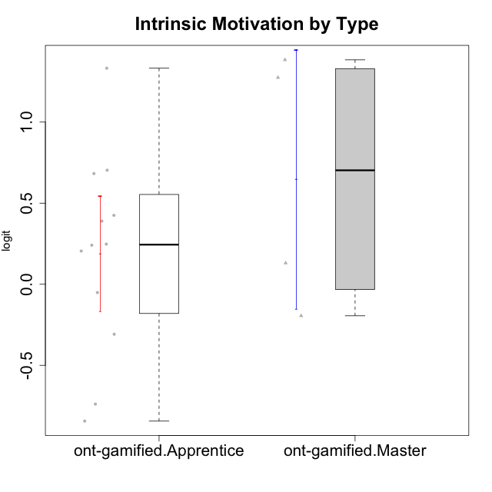

Student's t-Test data
UserID | Type | CLGroup | CLRole | PlayerRole | Interest/Enjoyment | Perceived Choice | Pressure/Tension | Effort/Importance | Intrinsic Motivation
10120 | ont-gamified | Grupo Hélio | Master | Yee Socializer | 1.9055652511 | 1.3724895791 | -0.92888751811 | 0.43187671077 | 1.2745279552
10121 | ont-gamified | Grupo Hades | Master | Yee Achiever | 0.39919386735 | 0.58689611203 | 0.34545624663 | -0.11852834837 | 0.1305263461
10123 | ont-gamified | Grupo Morfeu | Apprentice | Yee Achiever | -0.83197918173 | 0.23576870755 | 0.207074728 | -0.42994125574 | -0.30830661448
10126 | ont-gamified | Grupo Hélio | Apprentice | Yee Socializer | 1.2733257983 | 1.1695914201 | -0.48810270396 | -0.11852834837 | 0.70312289349
10127 | ont-gamified | Grupo Hades | Apprentice | Yee Achiever | 1.9055652511 | 0.23576870755 | -0.19509897189 | -0.77939890156 | 0.38925850725
10128 | ont-gamified | Grupo Morfeu | Apprentice | Yee Achiever | -2.1860512029 | 0.58689611203 | -0.33626190168 | -1.530751374 | -0.84389969656
10131 | ont-gamified | Grupo Zeus | Apprentice | Yee Achiever | 2.3995832302 | -0.95909932617 | -0.86046882355 | 0.42905726588 | 0.68250249838
10134 | ont-gamified | Grupo Apolo | Apprentice | Yee Socializer | -1.2851216362 | -0.73083108762 | 0.34545624663 | -0.59479403893 | -0.73905075235
10137 | ont-gamified | Grupo Morfeu | Apprentice | Yee Achiever | 1.4744559961 | 1.3724895791 | -1.2956562305 | 0.69391751569 | 1.3321669013
10138 | ont-gamified | Grupo Hélio | Apprentice | Yee Socializer | 0.55299522042 | -0.41039697569 | 0.34545624663 | 1.2936946773 | 0.4248543794
10139 | ont-gamified | Grupo Zeus | Apprentice | Yee Achiever | -0.22343251553 | 0.12466021952 | -0.48810270396 | -0.59479403893 | -0.051365907743
10141 | ont-gamified | Grupo Apolo | Master | Yee Socializer | 0.0020687155691 | -0.41039697569 | -0.059821730394 | -0.42994125574 | -0.19461194637
10142 | ont-gamified | Grupo Hades | Apprentice | Yee Achiever | 0.55299522042 | -0.30498894625 | -0.86046882355 | -0.11852834837 | 0.24748668734
10143 | ont-gamified | Grupo Apolo | Apprentice | Yee Socializer | 0.12501694921 | 0.34922612396 | -0.059821730394 | 0.42905726588 | 0.24078051736
10148 | ont-gamified | Grupo Apolo | Apprentice | Yee Socializer | 0.25688594663 | 0.71417324881 | 0.84536116149 | 0.69391751569 | 0.20490388741
10152 | ont-gamified | Grupo Morfeu | Master | Yee Achiever | 3.1382402907 | 0.71417324881 | -0.19509897189 | -0.59479403893 | 1.3837694218

