Type_1
Wilcoxon Analysis for Perceived Choice by Type in Type between non-gamified:ont-gamified

Wilcoxon test results
Alternative hypothesis: less
Group | N | Median | Mean.Ranks | Sum.Ranks | U | Z | p.value | r | magnitude
non-gamified | 14 | -0.25207270801 | 12.071428571 | 169 | 64 | -1.9996169683 | 0.022764510418 | 0.36507843997 | medium
ont-gamified | 16 | 0.29249741575 | 18.5 | 296 | 64 | -1.9996169683 | 0.022764510418 | 0.36507843997 | medium
Alternative hypothesis: greater
Group | N | Median | Mean.Ranks | Sum.Ranks | U | Z | p.value | r | magnitude
non-gamified | 14 | -0.25207270801 | 12.071428571 | 169 | 64 | -1.9996169683 | 0.97837917642 | 0.36507843997 | medium
ont-gamified | 16 | 0.29249741575 | 18.5 | 296 | 64 | -1.9996169683 | 0.97837917642 | 0.36507843997 | medium
Alternative hypothesis: two.sided
Group | N | Median | Mean.Ranks | Sum.Ranks | U | Z | p.value | r | magnitude
non-gamified | 14 | -0.25207270801 | 12.071428571 | 169 | 64 | -1.9996169683 | 0.045524695513 | 0.36507843997 | medium
ont-gamified | 16 | 0.29249741575 | 18.5 | 296 | 64 | -1.9996169683 | 0.045524695513 | 0.36507843997 | medium

Box plots for wilcoxon tests
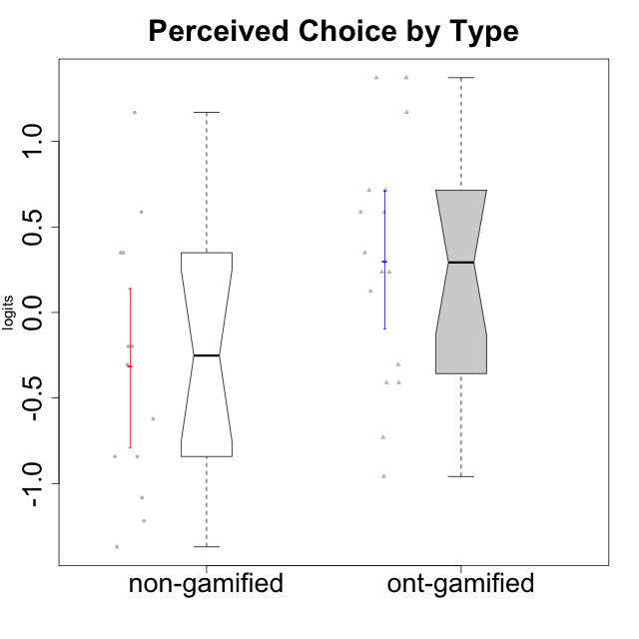

Wilcoxon data
UserID | Type | CLGroup | CLRole | PlayerRole | Score | theta | error | Outfit | Infit | Perceived Choice
10116 | non-gamified | GroupC | Master |  | 9 | -0.84246384474 | 0.3474190216 | 0.48672080609 | 0.45594084714 | -0.84246384474
10120 | ont-gamified | Grupo Hélio | Master | Yee Socializer | 27 | 1.3724895791 | 0.49162459338 | 0.53049023328 | 0.58822579091 | 1.3724895791
10121 | ont-gamified | Grupo Hades | Master | Yee Achiever | 22 | 0.58689611203 | 0.36074960087 | 0.40233284349 | 0.42525887304 | 0.58689611203
10122 | non-gamified | GroupB | Apprentice |  | 26 | 1.1695914201 | 0.44343766576 | 0.44108278334 | 0.47971214963 | 1.1695914201
10123 | ont-gamified | Grupo Morfeu | Apprentice | Yee Achiever | 19 | 0.23576870755 | 0.33984807755 | 0.37467720866 | 0.38694331157 | 0.23576870755
10126 | ont-gamified | Grupo Hélio | Apprentice | Yee Socializer | 26 | 1.1695914201 | 0.44343766576 | 0.15630073325 | 0.12222018909 | 1.1695914201
10127 | ont-gamified | Grupo Hades | Apprentice | Yee Achiever | 19 | 0.23576870755 | 0.33984807755 | 0.77981504906 | 0.78057251361 | 0.23576870755
10128 | ont-gamified | Grupo Morfeu | Apprentice | Yee Achiever | 22 | 0.58689611203 | 0.36074960087 | 3.2699976984 | 3.0136909947 | 0.58689611203
10129 | non-gamified | GroupB | Apprentice |  | 11 | -0.62243343859 | 0.33520040937 | 0.41800432358 | 0.39054352615 | -0.62243343859
10130 | non-gamified | GroupC | Apprentice |  | 14 | -0.30498894625 | 0.32952948163 | 0.67581906232 | 0.67373773962 | -0.30498894625
10131 | ont-gamified | Grupo Zeus | Apprentice | Yee Achiever | 8 | -0.95909932617 | 0.35750709975 | 1.7446984705 | 1.8662798775 | -0.95909932617
10132 | non-gamified | GroupA | Apprentice |  | 15 | -0.19915646976 | 0.32987782462 | 1.1292439552 | 1.1362687065 | -0.19915646976
10134 | ont-gamified | Grupo Apolo | Apprentice | Yee Socializer | 10 | -0.73083108762 | 0.34019808222 | 0.74307830555 | 0.77781334341 | -0.73083108762
10135 | non-gamified | GroupB | Apprentice |  | 20 | 0.34922612396 | 0.3449773359 | 2.2894322621 | 2.18038179 | 0.34922612396
10136 | non-gamified | GroupC | Apprentice |  | 5 | -1.370717033 | 0.41757012186 | 0.50991234324 | 0.40086888572 | -1.370717033
10137 | ont-gamified | Grupo Morfeu | Apprentice | Yee Achiever | 27 | 1.3724895791 | 0.49162459338 | 1.2898134415 | 1.5238985391 | 1.3724895791
10138 | ont-gamified | Grupo Hélio | Apprentice | Yee Socializer | 13 | -0.41039697569 | 0.33016328725 | 0.48852762633 | 0.49195592986 | -0.41039697569
10139 | ont-gamified | Grupo Zeus | Apprentice | Yee Achiever | 18 | 0.12466021952 | 0.33597698007 | 2.0158840151 | 2.0177368971 | 0.12466021952
10140 | non-gamified | GroupC | Apprentice |  | 15 | -0.19915646976 | 0.32987782462 | 0.11496481283 | 0.11483036055 | -0.19915646976
10141 | ont-gamified | Grupo Apolo | Master | Yee Socializer | 13 | -0.41039697569 | 0.33016328725 | 0.48254888848 | 0.48515571269 | -0.41039697569
10142 | ont-gamified | Grupo Hades | Apprentice | Yee Achiever | 14 | -0.30498894625 | 0.32952948163 | 0.3635701553 | 0.36495830558 | -0.30498894625
10143 | ont-gamified | Grupo Apolo | Apprentice | Yee Socializer | 20 | 0.34922612396 | 0.3449773359 | 0.13953638096 | 0.13669273627 | 0.34922612396
10145 | non-gamified | GroupB | Master |  | 9 | -0.84246384474 | 0.3474190216 | 0.78495182559 | 0.73097866478 | -0.84246384474
10146 | non-gamified | GroupA | Apprentice |  | 20 | 0.34922612396 | 0.3449773359 | 0.13511471634 | 0.13551261964 | 0.34922612396
10148 | ont-gamified | Grupo Apolo | Apprentice | Yee Socializer | 23 | 0.71417324881 | 0.3727641234 | 0.76627418208 | 0.73939900139 | 0.71417324881
10149 | non-gamified | GroupA | Apprentice |  | 7 | -1.0832149658 | 0.3714121883 | 2.0905467882 | 1.7347892698 | -1.0832149658
10152 | ont-gamified | Grupo Morfeu | Master | Yee Achiever | 23 | 0.71417324881 | 0.3727641234 | 0.62494697965 | 0.60625335769 | 0.71417324881
10153 | non-gamified | GroupA | Apprentice |  | 15 | -0.19915646976 | 0.32987782462 | 0.88015942516 | 0.87662305813 | -0.19915646976
10154 | non-gamified | GroupC | Apprentice |  | 6 | -1.2184796928 | 0.39061361854 | 0.07768139804 | 0.09142762904 | -1.2184796928
10158 | non-gamified | GroupD | Apprentice |  | 22 | 0.58689611203 | 0.36074960087 | 0.8270953433 | 0.7839230904 | 0.58689611203

Type_CLRole_1
Wilcoxon Analysis for Perceived Choice by Type in Type:CLRole between non-gamified.Apprentice:non-gamified.Master

Wilcoxon test results
Alternative hypothesis: less
Group | N | Median | Mean.Ranks | Sum.Ranks | U | Z | p.value | r | magnitude
non-gamified.Apprentice | 12 | -0.19915646976 | 8 | 96 | 18 | 1.1027400576 | 0.86813186813 | 0.29471967731 | small
non-gamified.Master | 2 | -0.84246384474 | 4.5 | 9 | 18 | 1.1027400576 | 0.86813186813 | 0.29471967731 | small
Alternative hypothesis: greater
Group | N | Median | Mean.Ranks | Sum.Ranks | U | Z | p.value | r | magnitude
non-gamified.Apprentice | 12 | -0.19915646976 | 8 | 96 | 18 | 1.1027400576 | 0.16483516484 | 0.29471967731 | small
non-gamified.Master | 2 | -0.84246384474 | 4.5 | 9 | 18 | 1.1027400576 | 0.16483516484 | 0.29471967731 | small
Alternative hypothesis: two.sided
Group | N | Median | Mean.Ranks | Sum.Ranks | U | Z | p.value | r | magnitude
non-gamified.Apprentice | 12 | -0.19915646976 | 8 | 96 | 18 | 1.1027400576 | 0.30769230769 | 0.29471967731 | small
non-gamified.Master | 2 | -0.84246384474 | 4.5 | 9 | 18 | 1.1027400576 | 0.30769230769 | 0.29471967731 | small

Box plots for wilcoxon tests
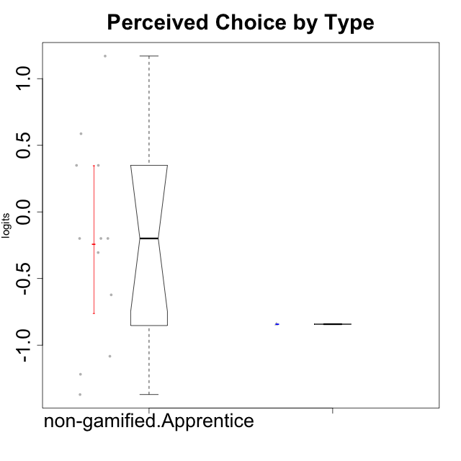

Wilcoxon data
UserID | Type | CLGroup | CLRole | PlayerRole | Score | theta | error | Outfit | Infit | Perceived Choice
10116 | non-gamified | GroupC | Master |  | 9 | -0.84246384474 | 0.3474190216 | 0.48672080609 | 0.45594084714 | -0.84246384474
10122 | non-gamified | GroupB | Apprentice |  | 26 | 1.1695914201 | 0.44343766576 | 0.44108278334 | 0.47971214963 | 1.1695914201
10129 | non-gamified | GroupB | Apprentice |  | 11 | -0.62243343859 | 0.33520040937 | 0.41800432358 | 0.39054352615 | -0.62243343859
10130 | non-gamified | GroupC | Apprentice |  | 14 | -0.30498894625 | 0.32952948163 | 0.67581906232 | 0.67373773962 | -0.30498894625
10132 | non-gamified | GroupA | Apprentice |  | 15 | -0.19915646976 | 0.32987782462 | 1.1292439552 | 1.1362687065 | -0.19915646976
10135 | non-gamified | GroupB | Apprentice |  | 20 | 0.34922612396 | 0.3449773359 | 2.2894322621 | 2.18038179 | 0.34922612396
10136 | non-gamified | GroupC | Apprentice |  | 5 | -1.370717033 | 0.41757012186 | 0.50991234324 | 0.40086888572 | -1.370717033
10140 | non-gamified | GroupC | Apprentice |  | 15 | -0.19915646976 | 0.32987782462 | 0.11496481283 | 0.11483036055 | -0.19915646976
10145 | non-gamified | GroupB | Master |  | 9 | -0.84246384474 | 0.3474190216 | 0.78495182559 | 0.73097866478 | -0.84246384474
10146 | non-gamified | GroupA | Apprentice |  | 20 | 0.34922612396 | 0.3449773359 | 0.13511471634 | 0.13551261964 | 0.34922612396
10149 | non-gamified | GroupA | Apprentice |  | 7 | -1.0832149658 | 0.3714121883 | 2.0905467882 | 1.7347892698 | -1.0832149658
10153 | non-gamified | GroupA | Apprentice |  | 15 | -0.19915646976 | 0.32987782462 | 0.88015942516 | 0.87662305813 | -0.19915646976
10154 | non-gamified | GroupC | Apprentice |  | 6 | -1.2184796928 | 0.39061361854 | 0.07768139804 | 0.09142762904 | -1.2184796928
10158 | non-gamified | GroupD | Apprentice |  | 22 | 0.58689611203 | 0.36074960087 | 0.8270953433 | 0.7839230904 | 0.58689611203

Type_CLRole_2
Wilcoxon Analysis for Perceived Choice by Type in Type:CLRole between non-gamified.Apprentice:ont-gamified.Apprentice

Wilcoxon test results
Alternative hypothesis: less
Group | N | Median | Mean.Ranks | Sum.Ranks | U | Z | p.value | r | magnitude
non-gamified.Apprentice | 12 | -0.19915646976 | 10.791666667 | 129.5 | 51.5 | -1.1866677552 | 0.12311863665 | 0.24222754121 | small
ont-gamified.Apprentice | 12 | 0.23576870755 | 14.208333333 | 170.5 | 51.5 | -1.1866677552 | 0.12311863665 | 0.24222754121 | small
Alternative hypothesis: greater
Group | N | Median | Mean.Ranks | Sum.Ranks | U | Z | p.value | r | magnitude
non-gamified.Apprentice | 12 | -0.19915646976 | 10.791666667 | 129.5 | 51.5 | -1.1866677552 | 0.88270129386 | 0.24222754121 | small
ont-gamified.Apprentice | 12 | 0.23576870755 | 14.208333333 | 170.5 | 51.5 | -1.1866677552 | 0.88270129386 | 0.24222754121 | small
Alternative hypothesis: two.sided
Group | N | Median | Mean.Ranks | Sum.Ranks | U | Z | p.value | r | magnitude
non-gamified.Apprentice | 12 | -0.19915646976 | 10.791666667 | 129.5 | 51.5 | -1.1866677552 | 0.24623727329 | 0.24222754121 | small
ont-gamified.Apprentice | 12 | 0.23576870755 | 14.208333333 | 170.5 | 51.5 | -1.1866677552 | 0.24623727329 | 0.24222754121 | small

Box plots for wilcoxon tests
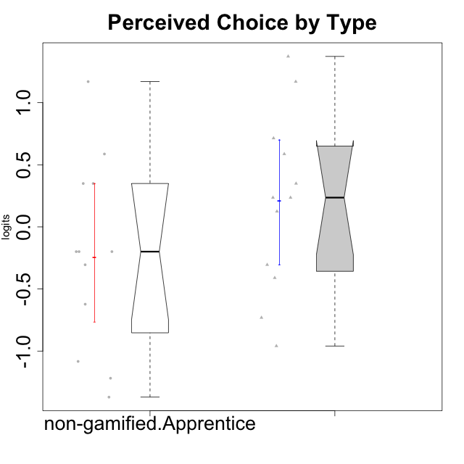

Wilcoxon data
UserID | Type | CLGroup | CLRole | PlayerRole | Score | theta | error | Outfit | Infit | Perceived Choice
10122 | non-gamified | GroupB | Apprentice |  | 26 | 1.1695914201 | 0.44343766576 | 0.44108278334 | 0.47971214963 | 1.1695914201
10123 | ont-gamified | Grupo Morfeu | Apprentice | Yee Achiever | 19 | 0.23576870755 | 0.33984807755 | 0.37467720866 | 0.38694331157 | 0.23576870755
10126 | ont-gamified | Grupo Hélio | Apprentice | Yee Socializer | 26 | 1.1695914201 | 0.44343766576 | 0.15630073325 | 0.12222018909 | 1.1695914201
10127 | ont-gamified | Grupo Hades | Apprentice | Yee Achiever | 19 | 0.23576870755 | 0.33984807755 | 0.77981504906 | 0.78057251361 | 0.23576870755
10128 | ont-gamified | Grupo Morfeu | Apprentice | Yee Achiever | 22 | 0.58689611203 | 0.36074960087 | 3.2699976984 | 3.0136909947 | 0.58689611203
10129 | non-gamified | GroupB | Apprentice |  | 11 | -0.62243343859 | 0.33520040937 | 0.41800432358 | 0.39054352615 | -0.62243343859
10130 | non-gamified | GroupC | Apprentice |  | 14 | -0.30498894625 | 0.32952948163 | 0.67581906232 | 0.67373773962 | -0.30498894625
10131 | ont-gamified | Grupo Zeus | Apprentice | Yee Achiever | 8 | -0.95909932617 | 0.35750709975 | 1.7446984705 | 1.8662798775 | -0.95909932617
10132 | non-gamified | GroupA | Apprentice |  | 15 | -0.19915646976 | 0.32987782462 | 1.1292439552 | 1.1362687065 | -0.19915646976
10134 | ont-gamified | Grupo Apolo | Apprentice | Yee Socializer | 10 | -0.73083108762 | 0.34019808222 | 0.74307830555 | 0.77781334341 | -0.73083108762
10135 | non-gamified | GroupB | Apprentice |  | 20 | 0.34922612396 | 0.3449773359 | 2.2894322621 | 2.18038179 | 0.34922612396
10136 | non-gamified | GroupC | Apprentice |  | 5 | -1.370717033 | 0.41757012186 | 0.50991234324 | 0.40086888572 | -1.370717033
10137 | ont-gamified | Grupo Morfeu | Apprentice | Yee Achiever | 27 | 1.3724895791 | 0.49162459338 | 1.2898134415 | 1.5238985391 | 1.3724895791
10138 | ont-gamified | Grupo Hélio | Apprentice | Yee Socializer | 13 | -0.41039697569 | 0.33016328725 | 0.48852762633 | 0.49195592986 | -0.41039697569
10139 | ont-gamified | Grupo Zeus | Apprentice | Yee Achiever | 18 | 0.12466021952 | 0.33597698007 | 2.0158840151 | 2.0177368971 | 0.12466021952
10140 | non-gamified | GroupC | Apprentice |  | 15 | -0.19915646976 | 0.32987782462 | 0.11496481283 | 0.11483036055 | -0.19915646976
10142 | ont-gamified | Grupo Hades | Apprentice | Yee Achiever | 14 | -0.30498894625 | 0.32952948163 | 0.3635701553 | 0.36495830558 | -0.30498894625
10143 | ont-gamified | Grupo Apolo | Apprentice | Yee Socializer | 20 | 0.34922612396 | 0.3449773359 | 0.13953638096 | 0.13669273627 | 0.34922612396
10146 | non-gamified | GroupA | Apprentice |  | 20 | 0.34922612396 | 0.3449773359 | 0.13511471634 | 0.13551261964 | 0.34922612396
10148 | ont-gamified | Grupo Apolo | Apprentice | Yee Socializer | 23 | 0.71417324881 | 0.3727641234 | 0.76627418208 | 0.73939900139 | 0.71417324881
10149 | non-gamified | GroupA | Apprentice |  | 7 | -1.0832149658 | 0.3714121883 | 2.0905467882 | 1.7347892698 | -1.0832149658
10153 | non-gamified | GroupA | Apprentice |  | 15 | -0.19915646976 | 0.32987782462 | 0.88015942516 | 0.87662305813 | -0.19915646976
10154 | non-gamified | GroupC | Apprentice |  | 6 | -1.2184796928 | 0.39061361854 | 0.07768139804 | 0.09142762904 | -1.2184796928
10158 | non-gamified | GroupD | Apprentice |  | 22 | 0.58689611203 | 0.36074960087 | 0.8270953433 | 0.7839230904 | 0.58689611203

Type_CLRole_3
Wilcoxon Analysis for Perceived Choice by Type in Type:CLRole between non-gamified.Apprentice:ont-gamified.Master

Wilcoxon test results
Alternative hypothesis: less
Group | N | Median | Mean.Ranks | Sum.Ranks | U | Z | p.value | r | magnitude
non-gamified.Apprentice | 12 | -0.19915646976 | 7.375 | 88.5 | 10.5 | -1.6443861878 | 0.053296703297 | 0.41109654696 | medium
ont-gamified.Master | 4 | 0.65053468042 | 11.875 | 47.5 | 10.5 | -1.6443861878 | 0.053296703297 | 0.41109654696 | medium
Alternative hypothesis: greater
Group | N | Median | Mean.Ranks | Sum.Ranks | U | Z | p.value | r | magnitude
non-gamified.Apprentice | 12 | -0.19915646976 | 7.375 | 88.5 | 10.5 | -1.6443861878 | 0.95549450549 | 0.41109654696 | medium
ont-gamified.Master | 4 | 0.65053468042 | 11.875 | 47.5 | 10.5 | -1.6443861878 | 0.95549450549 | 0.41109654696 | medium
Alternative hypothesis: two.sided
Group | N | Median | Mean.Ranks | Sum.Ranks | U | Z | p.value | r | magnitude
non-gamified.Apprentice | 12 | -0.19915646976 | 7.375 | 88.5 | 10.5 | -1.6443861878 | 0.10714285714 | 0.41109654696 | medium
ont-gamified.Master | 4 | 0.65053468042 | 11.875 | 47.5 | 10.5 | -1.6443861878 | 0.10714285714 | 0.41109654696 | medium

Box plots for wilcoxon tests
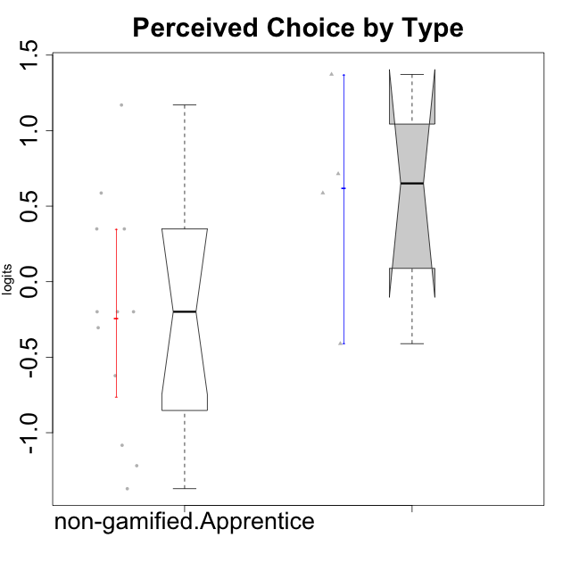

Wilcoxon data
UserID | Type | CLGroup | CLRole | PlayerRole | Score | theta | error | Outfit | Infit | Perceived Choice
10120 | ont-gamified | Grupo Hélio | Master | Yee Socializer | 27 | 1.3724895791 | 0.49162459338 | 0.53049023328 | 0.58822579091 | 1.3724895791
10121 | ont-gamified | Grupo Hades | Master | Yee Achiever | 22 | 0.58689611203 | 0.36074960087 | 0.40233284349 | 0.42525887304 | 0.58689611203
10122 | non-gamified | GroupB | Apprentice |  | 26 | 1.1695914201 | 0.44343766576 | 0.44108278334 | 0.47971214963 | 1.1695914201
10129 | non-gamified | GroupB | Apprentice |  | 11 | -0.62243343859 | 0.33520040937 | 0.41800432358 | 0.39054352615 | -0.62243343859
10130 | non-gamified | GroupC | Apprentice |  | 14 | -0.30498894625 | 0.32952948163 | 0.67581906232 | 0.67373773962 | -0.30498894625
10132 | non-gamified | GroupA | Apprentice |  | 15 | -0.19915646976 | 0.32987782462 | 1.1292439552 | 1.1362687065 | -0.19915646976
10135 | non-gamified | GroupB | Apprentice |  | 20 | 0.34922612396 | 0.3449773359 | 2.2894322621 | 2.18038179 | 0.34922612396
10136 | non-gamified | GroupC | Apprentice |  | 5 | -1.370717033 | 0.41757012186 | 0.50991234324 | 0.40086888572 | -1.370717033
10140 | non-gamified | GroupC | Apprentice |  | 15 | -0.19915646976 | 0.32987782462 | 0.11496481283 | 0.11483036055 | -0.19915646976
10141 | ont-gamified | Grupo Apolo | Master | Yee Socializer | 13 | -0.41039697569 | 0.33016328725 | 0.48254888848 | 0.48515571269 | -0.41039697569
10146 | non-gamified | GroupA | Apprentice |  | 20 | 0.34922612396 | 0.3449773359 | 0.13511471634 | 0.13551261964 | 0.34922612396
10149 | non-gamified | GroupA | Apprentice |  | 7 | -1.0832149658 | 0.3714121883 | 2.0905467882 | 1.7347892698 | -1.0832149658
10152 | ont-gamified | Grupo Morfeu | Master | Yee Achiever | 23 | 0.71417324881 | 0.3727641234 | 0.62494697965 | 0.60625335769 | 0.71417324881
10153 | non-gamified | GroupA | Apprentice |  | 15 | -0.19915646976 | 0.32987782462 | 0.88015942516 | 0.87662305813 | -0.19915646976
10154 | non-gamified | GroupC | Apprentice |  | 6 | -1.2184796928 | 0.39061361854 | 0.07768139804 | 0.09142762904 | -1.2184796928
10158 | non-gamified | GroupD | Apprentice |  | 22 | 0.58689611203 | 0.36074960087 | 0.8270953433 | 0.7839230904 | 0.58689611203

Type_CLRole_4
Wilcoxon Analysis for Perceived Choice by Type in Type:CLRole between non-gamified.Master:ont-gamified.Apprentice

Wilcoxon test results
Alternative hypothesis: less
Group | N | Median | Mean.Ranks | Sum.Ranks | U | Z | p.value | r | magnitude
non-gamified.Master | 2 | -0.84246384474 | 2.5 | 5 | 2 | -1.8297677549 | 0.043956043956 | 0.48902600258 | medium
ont-gamified.Apprentice | 12 | 0.23576870755 | 8.3333333333 | 100 | 2 | -1.8297677549 | 0.043956043956 | 0.48902600258 | medium
Alternative hypothesis: greater
Group | N | Median | Mean.Ranks | Sum.Ranks | U | Z | p.value | r | magnitude
non-gamified.Master | 2 | -0.84246384474 | 2.5 | 5 | 2 | -1.8297677549 | 0.97802197802 | 0.48902600258 | medium
ont-gamified.Apprentice | 12 | 0.23576870755 | 8.3333333333 | 100 | 2 | -1.8297677549 | 0.97802197802 | 0.48902600258 | medium
Alternative hypothesis: two.sided
Group | N | Median | Mean.Ranks | Sum.Ranks | U | Z | p.value | r | magnitude
non-gamified.Master | 2 | -0.84246384474 | 2.5 | 5 | 2 | -1.8297677549 | 0.087912087912 | 0.48902600258 | medium
ont-gamified.Apprentice | 12 | 0.23576870755 | 8.3333333333 | 100 | 2 | -1.8297677549 | 0.087912087912 | 0.48902600258 | medium

Box plots for wilcoxon tests
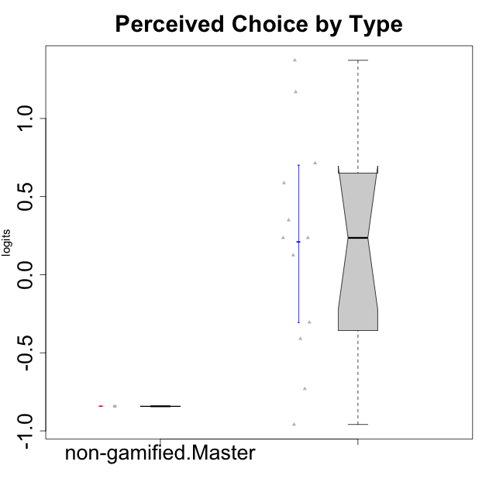

Wilcoxon data
UserID | Type | CLGroup | CLRole | PlayerRole | Score | theta | error | Outfit | Infit | Perceived Choice
10116 | non-gamified | GroupC | Master |  | 9 | -0.84246384474 | 0.3474190216 | 0.48672080609 | 0.45594084714 | -0.84246384474
10123 | ont-gamified | Grupo Morfeu | Apprentice | Yee Achiever | 19 | 0.23576870755 | 0.33984807755 | 0.37467720866 | 0.38694331157 | 0.23576870755
10126 | ont-gamified | Grupo Hélio | Apprentice | Yee Socializer | 26 | 1.1695914201 | 0.44343766576 | 0.15630073325 | 0.12222018909 | 1.1695914201
10127 | ont-gamified | Grupo Hades | Apprentice | Yee Achiever | 19 | 0.23576870755 | 0.33984807755 | 0.77981504906 | 0.78057251361 | 0.23576870755
10128 | ont-gamified | Grupo Morfeu | Apprentice | Yee Achiever | 22 | 0.58689611203 | 0.36074960087 | 3.2699976984 | 3.0136909947 | 0.58689611203
10131 | ont-gamified | Grupo Zeus | Apprentice | Yee Achiever | 8 | -0.95909932617 | 0.35750709975 | 1.7446984705 | 1.8662798775 | -0.95909932617
10134 | ont-gamified | Grupo Apolo | Apprentice | Yee Socializer | 10 | -0.73083108762 | 0.34019808222 | 0.74307830555 | 0.77781334341 | -0.73083108762
10137 | ont-gamified | Grupo Morfeu | Apprentice | Yee Achiever | 27 | 1.3724895791 | 0.49162459338 | 1.2898134415 | 1.5238985391 | 1.3724895791
10138 | ont-gamified | Grupo Hélio | Apprentice | Yee Socializer | 13 | -0.41039697569 | 0.33016328725 | 0.48852762633 | 0.49195592986 | -0.41039697569
10139 | ont-gamified | Grupo Zeus | Apprentice | Yee Achiever | 18 | 0.12466021952 | 0.33597698007 | 2.0158840151 | 2.0177368971 | 0.12466021952
10142 | ont-gamified | Grupo Hades | Apprentice | Yee Achiever | 14 | -0.30498894625 | 0.32952948163 | 0.3635701553 | 0.36495830558 | -0.30498894625
10143 | ont-gamified | Grupo Apolo | Apprentice | Yee Socializer | 20 | 0.34922612396 | 0.3449773359 | 0.13953638096 | 0.13669273627 | 0.34922612396
10145 | non-gamified | GroupB | Master |  | 9 | -0.84246384474 | 0.3474190216 | 0.78495182559 | 0.73097866478 | -0.84246384474
10148 | ont-gamified | Grupo Apolo | Apprentice | Yee Socializer | 23 | 0.71417324881 | 0.3727641234 | 0.76627418208 | 0.73939900139 | 0.71417324881

Type_CLRole_5
Wilcoxon Analysis for Perceived Choice by Type in Type:CLRole between non-gamified.Master:ont-gamified.Master

Wilcoxon test results
Alternative hypothesis: less
Group | N | Median | Mean.Ranks | Sum.Ranks | U | Z | p.value | r | magnitude
non-gamified.Master | 2 | -0.84246384474 | 1.5 | 3 | 0 | -1.8786728733 | 0.066666666667 | 0.76696498885 | large
ont-gamified.Master | 4 | 0.65053468042 | 4.5 | 18 | 0 | -1.8786728733 | 0.066666666667 | 0.76696498885 | large
Alternative hypothesis: greater
Group | N | Median | Mean.Ranks | Sum.Ranks | U | Z | p.value | r | magnitude
non-gamified.Master | 2 | -0.84246384474 | 1.5 | 3 | 0 | -1.8786728733 | 1 | 0.76696498885 | large
ont-gamified.Master | 4 | 0.65053468042 | 4.5 | 18 | 0 | -1.8786728733 | 1 | 0.76696498885 | large
Alternative hypothesis: two.sided
Group | N | Median | Mean.Ranks | Sum.Ranks | U | Z | p.value | r | magnitude
non-gamified.Master | 2 | -0.84246384474 | 1.5 | 3 | 0 | -1.8786728733 | 0.13333333333 | 0.76696498885 | large
ont-gamified.Master | 4 | 0.65053468042 | 4.5 | 18 | 0 | -1.8786728733 | 0.13333333333 | 0.76696498885 | large

Box plots for wilcoxon tests
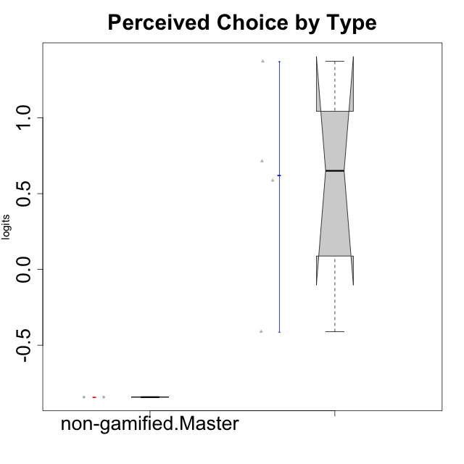

Wilcoxon data
UserID | Type | CLGroup | CLRole | PlayerRole | Score | theta | error | Outfit | Infit | Perceived Choice
10116 | non-gamified | GroupC | Master |  | 9 | -0.84246384474 | 0.3474190216 | 0.48672080609 | 0.45594084714 | -0.84246384474
10120 | ont-gamified | Grupo Hélio | Master | Yee Socializer | 27 | 1.3724895791 | 0.49162459338 | 0.53049023328 | 0.58822579091 | 1.3724895791
10121 | ont-gamified | Grupo Hades | Master | Yee Achiever | 22 | 0.58689611203 | 0.36074960087 | 0.40233284349 | 0.42525887304 | 0.58689611203
10141 | ont-gamified | Grupo Apolo | Master | Yee Socializer | 13 | -0.41039697569 | 0.33016328725 | 0.48254888848 | 0.48515571269 | -0.41039697569
10145 | non-gamified | GroupB | Master |  | 9 | -0.84246384474 | 0.3474190216 | 0.78495182559 | 0.73097866478 | -0.84246384474
10152 | ont-gamified | Grupo Morfeu | Master | Yee Achiever | 23 | 0.71417324881 | 0.3727641234 | 0.62494697965 | 0.60625335769 | 0.71417324881

Type_CLRole_6
Wilcoxon Analysis for Perceived Choice by Type in Type:CLRole between ont-gamified.Apprentice:ont-gamified.Master

Wilcoxon test results
Alternative hypothesis: less
Group | N | Median | Mean.Ranks | Sum.Ranks | U | Z | p.value | r | magnitude
ont-gamified.Apprentice | 12 | 0.23576870755 | 7.8333333333 | 94 | 16 | -0.97372899112 | 0.18516483516 | 0.24343224778 | small
ont-gamified.Master | 4 | 0.65053468042 | 10.5 | 42 | 16 | -0.97372899112 | 0.18516483516 | 0.24343224778 | small
Alternative hypothesis: greater
Group | N | Median | Mean.Ranks | Sum.Ranks | U | Z | p.value | r | magnitude
ont-gamified.Apprentice | 12 | 0.23576870755 | 7.8333333333 | 94 | 16 | -0.97372899112 | 0.83791208791 | 0.24343224778 | small
ont-gamified.Master | 4 | 0.65053468042 | 10.5 | 42 | 16 | -0.97372899112 | 0.83791208791 | 0.24343224778 | small
Alternative hypothesis: two.sided
Group | N | Median | Mean.Ranks | Sum.Ranks | U | Z | p.value | r | magnitude
ont-gamified.Apprentice | 12 | 0.23576870755 | 7.8333333333 | 94 | 16 | -0.97372899112 | 0.36978021978 | 0.24343224778 | small
ont-gamified.Master | 4 | 0.65053468042 | 10.5 | 42 | 16 | -0.97372899112 | 0.36978021978 | 0.24343224778 | small

Box plots for wilcoxon tests
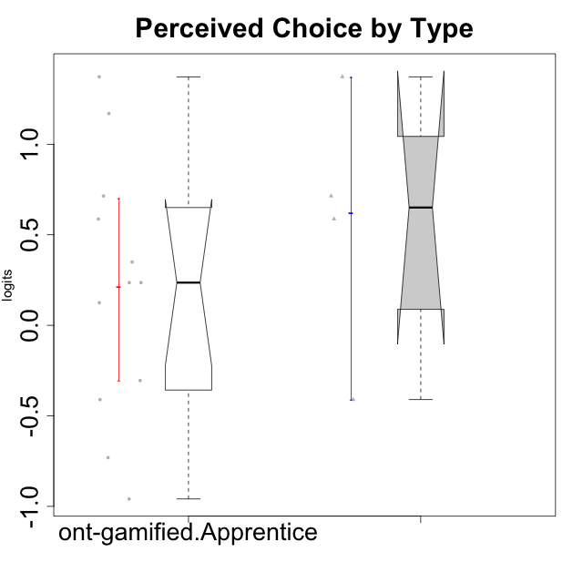

Wilcoxon data
UserID | Type | CLGroup | CLRole | PlayerRole | Score | theta | error | Outfit | Infit | Perceived Choice
10120 | ont-gamified | Grupo Hélio | Master | Yee Socializer | 27 | 1.3724895791 | 0.49162459338 | 0.53049023328 | 0.58822579091 | 1.3724895791
10121 | ont-gamified | Grupo Hades | Master | Yee Achiever | 22 | 0.58689611203 | 0.36074960087 | 0.40233284349 | 0.42525887304 | 0.58689611203
10123 | ont-gamified | Grupo Morfeu | Apprentice | Yee Achiever | 19 | 0.23576870755 | 0.33984807755 | 0.37467720866 | 0.38694331157 | 0.23576870755
10126 | ont-gamified | Grupo Hélio | Apprentice | Yee Socializer | 26 | 1.1695914201 | 0.44343766576 | 0.15630073325 | 0.12222018909 | 1.1695914201
10127 | ont-gamified | Grupo Hades | Apprentice | Yee Achiever | 19 | 0.23576870755 | 0.33984807755 | 0.77981504906 | 0.78057251361 | 0.23576870755
10128 | ont-gamified | Grupo Morfeu | Apprentice | Yee Achiever | 22 | 0.58689611203 | 0.36074960087 | 3.2699976984 | 3.0136909947 | 0.58689611203
10131 | ont-gamified | Grupo Zeus | Apprentice | Yee Achiever | 8 | -0.95909932617 | 0.35750709975 | 1.7446984705 | 1.8662798775 | -0.95909932617
10134 | ont-gamified | Grupo Apolo | Apprentice | Yee Socializer | 10 | -0.73083108762 | 0.34019808222 | 0.74307830555 | 0.77781334341 | -0.73083108762
10137 | ont-gamified | Grupo Morfeu | Apprentice | Yee Achiever | 27 | 1.3724895791 | 0.49162459338 | 1.2898134415 | 1.5238985391 | 1.3724895791
10138 | ont-gamified | Grupo Hélio | Apprentice | Yee Socializer | 13 | -0.41039697569 | 0.33016328725 | 0.48852762633 | 0.49195592986 | -0.41039697569
10139 | ont-gamified | Grupo Zeus | Apprentice | Yee Achiever | 18 | 0.12466021952 | 0.33597698007 | 2.0158840151 | 2.0177368971 | 0.12466021952
10141 | ont-gamified | Grupo Apolo | Master | Yee Socializer | 13 | -0.41039697569 | 0.33016328725 | 0.48254888848 | 0.48515571269 | -0.41039697569
10142 | ont-gamified | Grupo Hades | Apprentice | Yee Achiever | 14 | -0.30498894625 | 0.32952948163 | 0.3635701553 | 0.36495830558 | -0.30498894625
10143 | ont-gamified | Grupo Apolo | Apprentice | Yee Socializer | 20 | 0.34922612396 | 0.3449773359 | 0.13953638096 | 0.13669273627 | 0.34922612396
10148 | ont-gamified | Grupo Apolo | Apprentice | Yee Socializer | 23 | 0.71417324881 | 0.3727641234 | 0.76627418208 | 0.73939900139 | 0.71417324881
10152 | ont-gamified | Grupo Morfeu | Master | Yee Achiever | 23 | 0.71417324881 | 0.3727641234 | 0.62494697965 | 0.60625335769 | 0.71417324881

