Assumptions
ANOVA assumptions for Pressure/Tension by Type

Shapiro-Wilk normality test for Pressure/Tension by Type
W | p.value
0.97568773241 | 0.70299109168

Plots for normality test
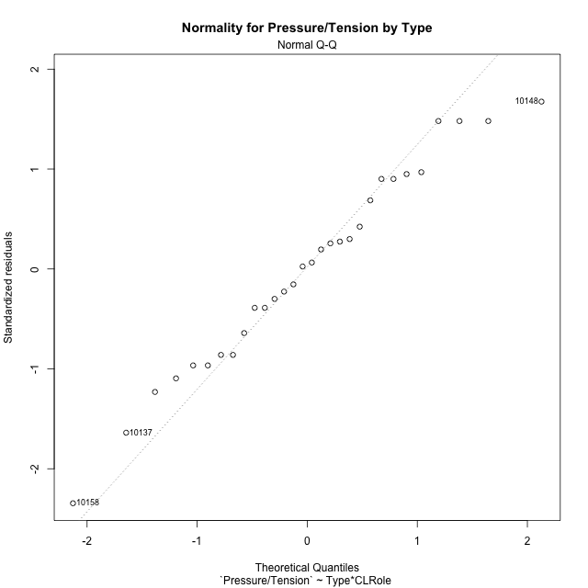

Levene's Test for Homogeneity of Variance in Pressure/Tension by Type
Df | F value | Pr(>F)
3 | 1.5245812421 | 0.23162752253
26

Plots for homogeneity of variance
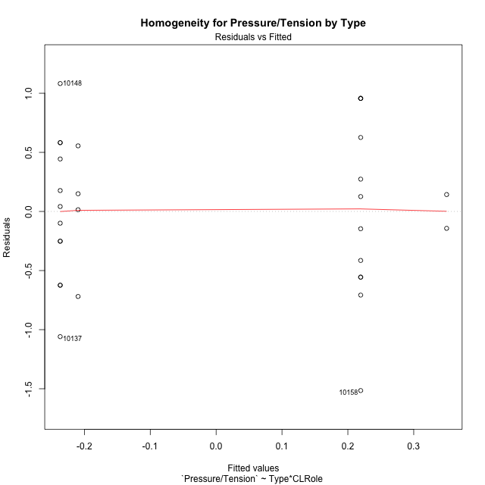

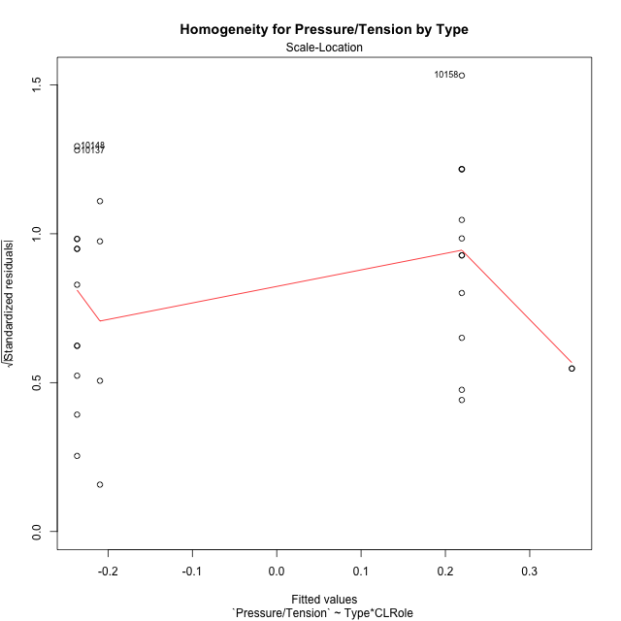

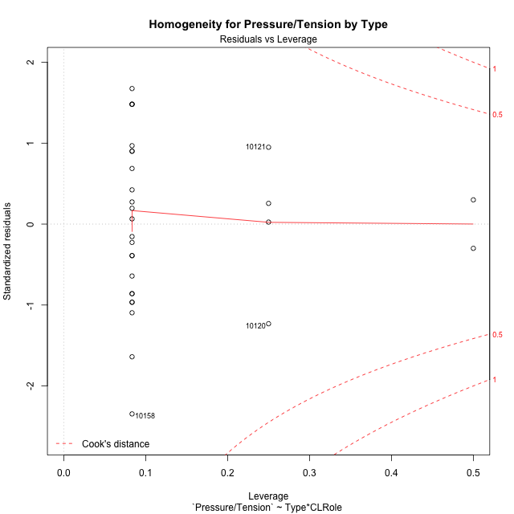

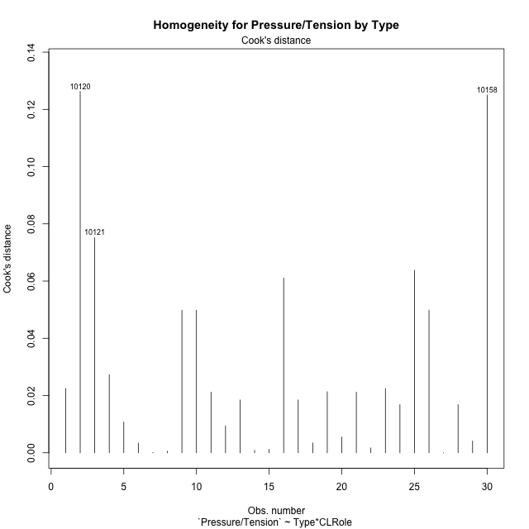

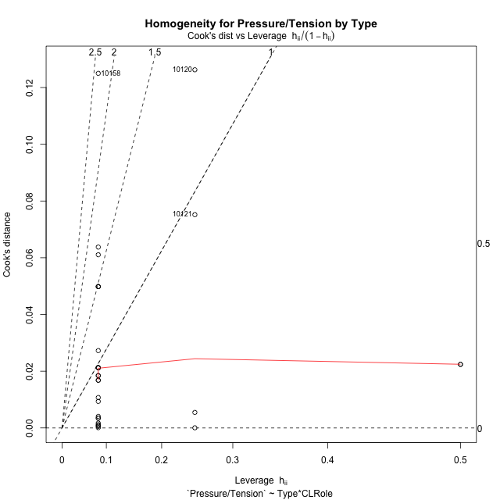

Minimum Sample Size Test for Pressure/Tension by Type
Type | CLRole | Freq
non-gamified | Apprentice | 12
ont-gamified | Apprentice | 12
non-gamified | Master | 2
ont-gamified | Master | 4

Errors and Warnings in Sample Size Test for ANOVA in Pressure/Tension by Type
code | description
WARN: sample.size | current size is 12 and recommended size is 15 for the group: 'non-gamified:Apprentice'.
WARN: sample.size | current size is 12 and recommended size is 15 for the group: 'ont-gamified:Apprentice'.
FAIL: min.size | current size is 2 but the minimal recomended size is 5 for the group: 'non-gamified:Master'.
FAIL: min.size | current size is 4 but the minimal recomended size is 5 for the group: 'ont-gamified:Master'.

For the group: 'non-gamified:Apprentice', we recommend the use of non-parametric test. For the group: 'ont-gamified:Apprentice', we recommend the use of non-parametric test. For the group: 'non-gamified:Master', we recommend the use of non-parametric test. For the group: 'ont-gamified:Master', we recommend the use of non-parametric test.

Post-hoc
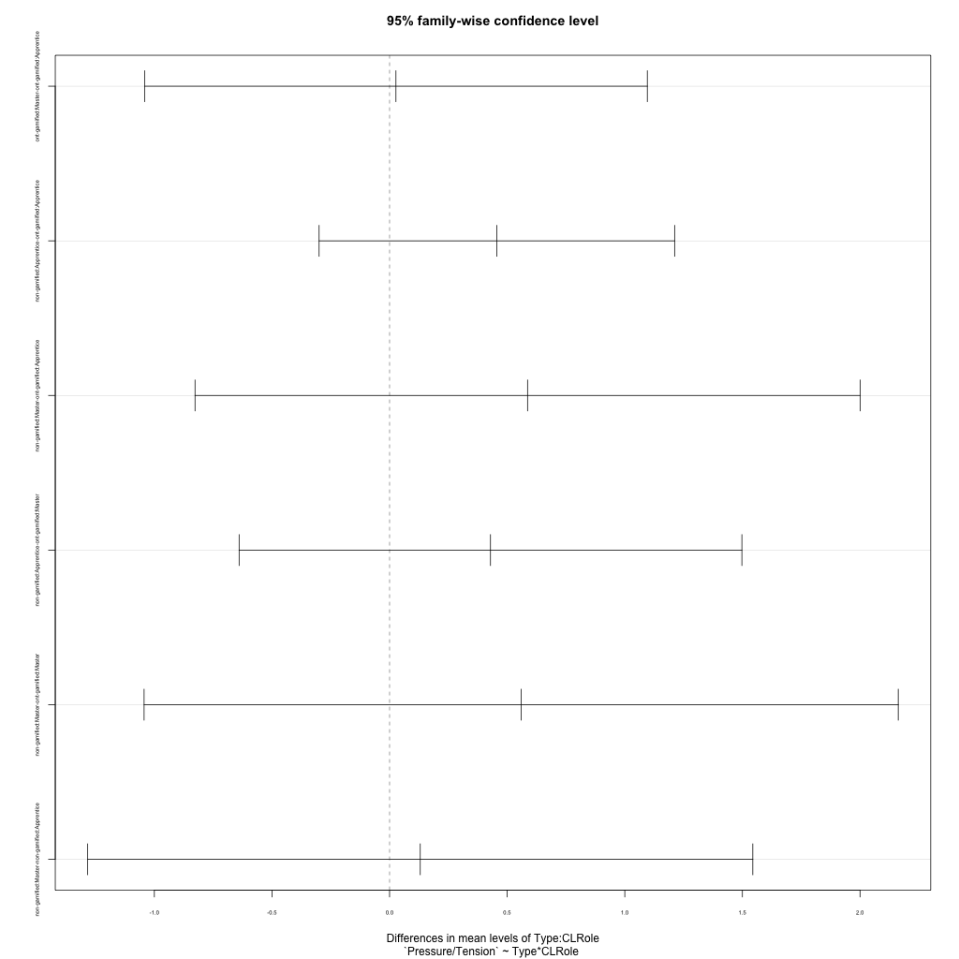
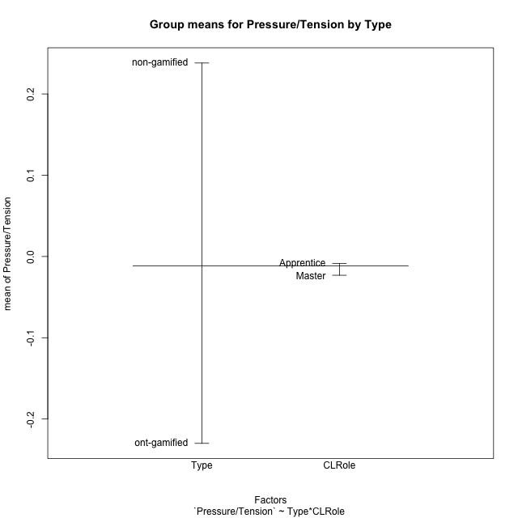
Post-hoc Tukey Honestly Significant Difference (HSD) Test for Pressure/Tension by Type

Comparisons of means for Type
 | diff | lwr | upr | p adj
non-gamified-ont-gamified | 0.46803241019 | -0.039555259823 | 0.9756200802 | 0.069216082642

Comparisons of means for CLRole
 | diff | lwr | upr | p adj
Master-Apprentice | 0.063561529625 | -0.56951152202 | 0.69663458127 | 0.83810296603

Comparisons of means for Type:CLRole
 | diff | lwr | upr | p adj
ont-gamified:Master-ont-gamified:Apprentice | 0.027131465458 | -1.0415950012 | 1.0958579321 | 0.9998754656
non-gamified:Apprentice-ont-gamified:Apprentice | 0.45617353107 | -0.29953020073 | 1.2118772629 | 0.36644235258
non-gamified:Master-ont-gamified:Apprentice | 0.58666574947 | -0.82712647568 | 2.0004579746 | 0.66970766856
non-gamified:Apprentice-ont-gamified:Master | 0.42904206561 | -0.63968440103 | 1.4977685323 | 0.69189763883
non-gamified:Master-ont-gamified:Master | 0.55953428401 | -1.043555416 | 2.162623984 | 0.77429275854
non-gamified:Master-non-gamified:Apprentice | 0.1304922184 | -1.2833000067 | 1.5442844435 | 0.99416088216

Contrast Matrices for Pressure/Tension by Type - Type
contrast | estimate | SE | df | t.ratio | p.value
non-gamified - ont-gamified | 0.50785390754 | 0.32301781021 | 26 | 1.5722164273 | 0.12799176614

Contrast Matrices for Pressure/Tension by Type - Type:CLRole
contrast | CLRole | estimate | SE | df | t.ratio | p.value
non-gamified - ont-gamified | Apprentice | 0.45617353107 | 0.27547051413 | 26 | 1.6559795247 | 0.10974758684
non-gamified - ont-gamified | Master | 0.55953428401 | 0.58436120568 | 26 | 0.95751442527 | 0.34712723975

Least Squares Means and Confidence Intervals for Type
Type | lsmean | SE | df | lower.CL | upper.CL | Pairs
non-gamified | 0.28470018137 | 0.25767907101 | 26 | -0.24496673481 | 0.81436709755 | non-gamified
ont-gamified | -0.22315372617 | 0.19478706856 | 26 | -0.62354427986 | 0.17723682752 | ont-gamified

Least Squares Means and Confidence Intervals for Type:CLRole
Type | CLRole | lsmean | SE | df | lower.CL | upper.CL | Pairs
non-gamified | Apprentice | 0.21945407217 | 0.19478706856 | 26 | -0.18093648152 | 0.61984462586 | non-gamified.Apprentice
ont-gamified | Apprentice | -0.2367194589 | 0.19478706856 | 26 | -0.63711001259 | 0.16367109479 | ont-gamified.Apprentice
non-gamified | Master | 0.34994629057 | 0.47712892646 | 26 | -0.63080626381 | 1.3306988449 | non-gamified.Master
ont-gamified | Master | -0.20958799344 | 0.3373810994 | 26 | -0.9030847753 | 0.48390878842 | ont-gamified.Master

Plots

Type_1
Student's t-Test for Pressure/Tension by Type in Type between non-gamified:ont-gamified

Student's t-Test results
Alternative hypothesis: less
Group | N | Mean | Mean.Difference | Std.deviation | Std.error | CI.lower | CI.upper | df | t.value | p.value | g | magnitude
non-gamified | 14 | 0.23809581766 | 0.46803241019 | 0.72877593795 | 0.19477356225 | -0.15145130685 | 0.62764294216 | 24.682497255 | 1.9330368385 | 0.96760889181 | 0.69942812119 | medium
ont-gamified | 16 | -0.22993659253 | -0.46803241019 | 0.57531541783 | 0.14382885446 | -0.51759430145 | 0.05772111638 | 24.682497255 | 1.9330368385 | 0.96760889181 | 0.69942812119 | medium
Alternative hypothesis: greater
Group | N | Mean | Mean.Difference | Std.deviation | Std.error | CI.lower | CI.upper | df | t.value | p.value | g | magnitude
non-gamified | 14 | 0.23809581766 | 0.46803241019 | 0.72877593795 | 0.19477356225 | -0.15145130685 | 0.62764294216 | 24.682497255 | 1.9330368385 | 0.032391108191 | 0.69942812119 | medium
ont-gamified | 16 | -0.22993659253 | -0.46803241019 | 0.57531541783 | 0.14382885446 | -0.51759430145 | 0.05772111638 | 24.682497255 | 1.9330368385 | 0.032391108191 | 0.69942812119 | medium
Alternative hypothesis: two.sided
Group | N | Mean | Mean.Difference | Std.deviation | Std.error | CI.lower | CI.upper | df | t.value | p.value | g | magnitude
non-gamified | 14 | 0.23809581766 | 0.46803241019 | 0.72877593795 | 0.19477356225 | -0.15145130685 | 0.62764294216 | 24.682497255 | 1.9330368385 | 0.064782216381 | 0.69942812119 | medium
ont-gamified | 16 | -0.22993659253 | -0.46803241019 | 0.57531541783 | 0.14382885446 | -0.51759430145 | 0.05772111638 | 24.682497255 | 1.9330368385 | 0.064782216381 | 0.69942812119 | medium

Box plots for Student's t-Test
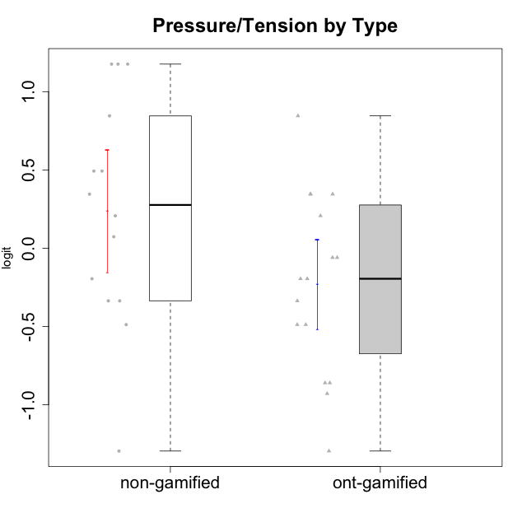

Student's t-Test data
UserID | Type | CLGroup | CLRole | PlayerRole | Interest/Enjoyment | Perceived Choice | Pressure/Tension | Effort/Importance | Intrinsic Motivation
10116 | non-gamified | GroupC | Master |  | -0.11357294579 | -0.84246384474 | 0.207074728 | -0.59479403893 | -0.43947638936
10120 | ont-gamified | Grupo Hélio | Master | Yee Socializer | 1.9055652511 | 1.3724895791 | -0.92888751811 | 0.43187671077 | 1.2745279552
10121 | ont-gamified | Grupo Hades | Master | Yee Achiever | 0.39919386735 | 0.58689611203 | 0.34545624663 | -0.11852834837 | 0.1305263461
10122 | non-gamified | GroupB | Apprentice |  | -2.0523461364 | 1.1695914201 | -0.48810270396 | -0.11852834837 | -0.12829509018
10123 | ont-gamified | Grupo Morfeu | Apprentice | Yee Achiever | -0.83197918173 | 0.23576870755 | 0.207074728 | -0.42994125574 | -0.30830661448
10126 | ont-gamified | Grupo Hélio | Apprentice | Yee Socializer | 1.2733257983 | 1.1695914201 | -0.48810270396 | -0.11852834837 | 0.70312289349
10127 | ont-gamified | Grupo Hades | Apprentice | Yee Achiever | 1.9055652511 | 0.23576870755 | -0.19509897189 | -0.77939890156 | 0.38925850725
10128 | ont-gamified | Grupo Morfeu | Apprentice | Yee Achiever | -2.1860512029 | 0.58689611203 | -0.33626190168 | -1.530751374 | -0.84389969656
10129 | non-gamified | GroupB | Apprentice |  | -1.7851511272 | -0.62243343859 | 1.1760127697 | 0.043437426927 | -1.3842690895
10130 | non-gamified | GroupC | Apprentice |  | 0.55299522042 | -0.30498894625 | 1.1760127697 | 0.69391751569 | -0.11778394501
10131 | ont-gamified | Grupo Zeus | Apprentice | Yee Achiever | 2.3995832302 | -0.95909932617 | -0.86046882355 | 0.42905726588 | 0.68250249838
10132 | non-gamified | GroupA | Apprentice |  | -3.0846876744 | -0.19915646976 | -0.19509897189 | 0.22124465728 | -0.82452702092
10134 | ont-gamified | Grupo Apolo | Apprentice | Yee Socializer | -1.2851216362 | -0.73083108762 | 0.34545624663 | -0.59479403893 | -0.73905075235
10135 | non-gamified | GroupB | Apprentice |  | 0.39919386735 | 0.34922612396 | 0.34545624663 | -0.273828091 | 0.032283913422
10136 | non-gamified | GroupC | Apprentice |  | -3.0846876744 | -1.370717033 | 0.073157005293 | -1.0029936954 | -1.4862865703
10137 | ont-gamified | Grupo Morfeu | Apprentice | Yee Achiever | 1.4744559961 | 1.3724895791 | -1.2956562305 | 0.69391751569 | 1.3321669013
10138 | ont-gamified | Grupo Hélio | Apprentice | Yee Socializer | 0.55299522042 | -0.41039697569 | 0.34545624663 | 1.2936946773 | 0.4248543794
10139 | ont-gamified | Grupo Zeus | Apprentice | Yee Achiever | -0.22343251553 | 0.12466021952 | -0.48810270396 | -0.59479403893 | -0.051365907743
10140 | non-gamified | GroupC | Apprentice |  | -1.0446754489 | -0.19915646976 | 0.84536116149 | -1.0029936954 | -0.7732129403
10141 | ont-gamified | Grupo Apolo | Master | Yee Socializer | 0.0020687155691 | -0.41039697569 | -0.059821730394 | -0.42994125574 | -0.19461194637
10142 | ont-gamified | Grupo Hades | Apprentice | Yee Achiever | 0.55299522042 | -0.30498894625 | -0.86046882355 | -0.11852834837 | 0.24748668734
10143 | ont-gamified | Grupo Apolo | Apprentice | Yee Socializer | 0.12501694921 | 0.34922612396 | -0.059821730394 | 0.42905726588 | 0.24078051736
10145 | non-gamified | GroupB | Master |  | -0.63100885186 | -0.84246384474 | 0.49281785314 | 1.2936946773 | -0.016003757564
10146 | non-gamified | GroupA | Apprentice |  | 0.89459676096 | 0.34922612396 | -0.33626190168 | 0.69391751569 | 0.56850057557
10148 | ont-gamified | Grupo Apolo | Apprentice | Yee Socializer | 0.25688594663 | 0.71417324881 | 0.84536116149 | 0.69391751569 | 0.20490388741
10149 | non-gamified | GroupA | Apprentice |  | -0.93606252105 | -1.0832149658 | 1.1760127697 | 0.22124465728 | -1.2427405122
10152 | ont-gamified | Grupo Morfeu | Master | Yee Achiever | 3.1382402907 | 0.71417324881 | -0.19509897189 | -0.59479403893 | 1.3837694218
10153 | non-gamified | GroupA | Apprentice |  | 0.55299522042 | -0.19915646976 | -0.33626190168 | -0.273828091 | 0.10406814034
10154 | non-gamified | GroupC | Apprentice |  | -1.160003562 | -1.2184796928 | 0.49281785314 | -0.42994125574 | -0.82531059092
10158 | non-gamified | GroupD | Apprentice |  | 2.8511175231 | 0.58689611203 | -1.2956562305 | 0.92790277393 | 1.0879773457

Type_CLRole_1
Student's t-Test for Pressure/Tension by Type in Type:CLRole between non-gamified.Apprentice:non-gamified.Master

Student's t-Test results
Alternative hypothesis: less
Group | N | Mean | Mean.Difference | Std.deviation | Std.error | CI.lower | CI.upper | df | t.value | p.value | g | magnitude
non-gamified.Apprentice | 12 | 0.21945407217 | -0.1304922184 | 0.78823571584 | 0.22754405136 | -0.23563403056 | 0.6745421749 | 7.8913315892 | -0.48568016644 | 0.32019569842 | -0.16139287942 | negligible
non-gamified.Master | 2 | 0.34994629057 | 0.1304922184 | 0.20205090146 | 0.14287156257 | 0.064203165427 | 0.63568941571 | 7.8913315892 | -0.48568016644 | 0.32019569842 | -0.16139287942 | negligible
Alternative hypothesis: greater
Group | N | Mean | Mean.Difference | Std.deviation | Std.error | CI.lower | CI.upper | df | t.value | p.value | g | magnitude
non-gamified.Apprentice | 12 | 0.21945407217 | -0.1304922184 | 0.78823571584 | 0.22754405136 | -0.23563403056 | 0.6745421749 | 7.8913315892 | -0.48568016644 | 0.67980430158 | -0.16139287942 | negligible
non-gamified.Master | 2 | 0.34994629057 | 0.1304922184 | 0.20205090146 | 0.14287156257 | 0.064203165427 | 0.63568941571 | 7.8913315892 | -0.48568016644 | 0.67980430158 | -0.16139287942 | negligible
Alternative hypothesis: two.sided
Group | N | Mean | Mean.Difference | Std.deviation | Std.error | CI.lower | CI.upper | df | t.value | p.value | g | magnitude
non-gamified.Apprentice | 12 | 0.21945407217 | -0.1304922184 | 0.78823571584 | 0.22754405136 | -0.23563403056 | 0.6745421749 | 7.8913315892 | -0.48568016644 | 0.64039139684 | -0.16139287942 | negligible
non-gamified.Master | 2 | 0.34994629057 | 0.1304922184 | 0.20205090146 | 0.14287156257 | 0.064203165427 | 0.63568941571 | 7.8913315892 | -0.48568016644 | 0.64039139684 | -0.16139287942 | negligible

Box plots for Student's t-Test
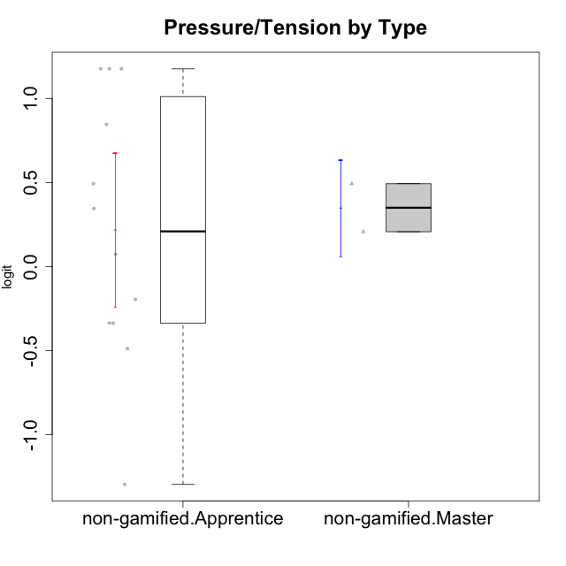

Student's t-Test data
UserID | Type | CLGroup | CLRole | PlayerRole | Interest/Enjoyment | Perceived Choice | Pressure/Tension | Effort/Importance | Intrinsic Motivation
10116 | non-gamified | GroupC | Master |  | -0.11357294579 | -0.84246384474 | 0.207074728 | -0.59479403893 | -0.43947638936
10122 | non-gamified | GroupB | Apprentice |  | -2.0523461364 | 1.1695914201 | -0.48810270396 | -0.11852834837 | -0.12829509018
10129 | non-gamified | GroupB | Apprentice |  | -1.7851511272 | -0.62243343859 | 1.1760127697 | 0.043437426927 | -1.3842690895
10130 | non-gamified | GroupC | Apprentice |  | 0.55299522042 | -0.30498894625 | 1.1760127697 | 0.69391751569 | -0.11778394501
10132 | non-gamified | GroupA | Apprentice |  | -3.0846876744 | -0.19915646976 | -0.19509897189 | 0.22124465728 | -0.82452702092
10135 | non-gamified | GroupB | Apprentice |  | 0.39919386735 | 0.34922612396 | 0.34545624663 | -0.273828091 | 0.032283913422
10136 | non-gamified | GroupC | Apprentice |  | -3.0846876744 | -1.370717033 | 0.073157005293 | -1.0029936954 | -1.4862865703
10140 | non-gamified | GroupC | Apprentice |  | -1.0446754489 | -0.19915646976 | 0.84536116149 | -1.0029936954 | -0.7732129403
10145 | non-gamified | GroupB | Master |  | -0.63100885186 | -0.84246384474 | 0.49281785314 | 1.2936946773 | -0.016003757564
10146 | non-gamified | GroupA | Apprentice |  | 0.89459676096 | 0.34922612396 | -0.33626190168 | 0.69391751569 | 0.56850057557
10149 | non-gamified | GroupA | Apprentice |  | -0.93606252105 | -1.0832149658 | 1.1760127697 | 0.22124465728 | -1.2427405122
10153 | non-gamified | GroupA | Apprentice |  | 0.55299522042 | -0.19915646976 | -0.33626190168 | -0.273828091 | 0.10406814034
10154 | non-gamified | GroupC | Apprentice |  | -1.160003562 | -1.2184796928 | 0.49281785314 | -0.42994125574 | -0.82531059092
10158 | non-gamified | GroupD | Apprentice |  | 2.8511175231 | 0.58689611203 | -1.2956562305 | 0.92790277393 | 1.0879773457

Type_CLRole_2
Student's t-Test for Pressure/Tension by Type in Type:CLRole between non-gamified.Apprentice:ont-gamified.Apprentice

Student's t-Test results
Alternative hypothesis: less
Group | N | Mean | Mean.Difference | Std.deviation | Std.error | CI.lower | CI.upper | df | t.value | p.value | g | magnitude
non-gamified.Apprentice | 12 | 0.21945407217 | 0.45617353107 | 0.78823571584 | 0.22754405136 | -0.23563403056 | 0.6745421749 | 20.721219738 | 1.583909376 | 0.93582079774 | 0.62433076758 | medium
ont-gamified.Apprentice | 12 | -0.2367194589 | -0.45617353107 | 0.61159280279 | 0.17655163466 | -0.58982272822 | 0.11638381043 | 20.721219738 | 1.583909376 | 0.93582079774 | 0.62433076758 | medium
Alternative hypothesis: greater
Group | N | Mean | Mean.Difference | Std.deviation | Std.error | CI.lower | CI.upper | df | t.value | p.value | g | magnitude
non-gamified.Apprentice | 12 | 0.21945407217 | 0.45617353107 | 0.78823571584 | 0.22754405136 | -0.23563403056 | 0.6745421749 | 20.721219738 | 1.583909376 | 0.06417920226 | 0.62433076758 | medium
ont-gamified.Apprentice | 12 | -0.2367194589 | -0.45617353107 | 0.61159280279 | 0.17655163466 | -0.58982272822 | 0.11638381043 | 20.721219738 | 1.583909376 | 0.06417920226 | 0.62433076758 | medium
Alternative hypothesis: two.sided
Group | N | Mean | Mean.Difference | Std.deviation | Std.error | CI.lower | CI.upper | df | t.value | p.value | g | magnitude
non-gamified.Apprentice | 12 | 0.21945407217 | 0.45617353107 | 0.78823571584 | 0.22754405136 | -0.23563403056 | 0.6745421749 | 20.721219738 | 1.583909376 | 0.12835840452 | 0.62433076758 | medium
ont-gamified.Apprentice | 12 | -0.2367194589 | -0.45617353107 | 0.61159280279 | 0.17655163466 | -0.58982272822 | 0.11638381043 | 20.721219738 | 1.583909376 | 0.12835840452 | 0.62433076758 | medium

Box plots for Student's t-Test
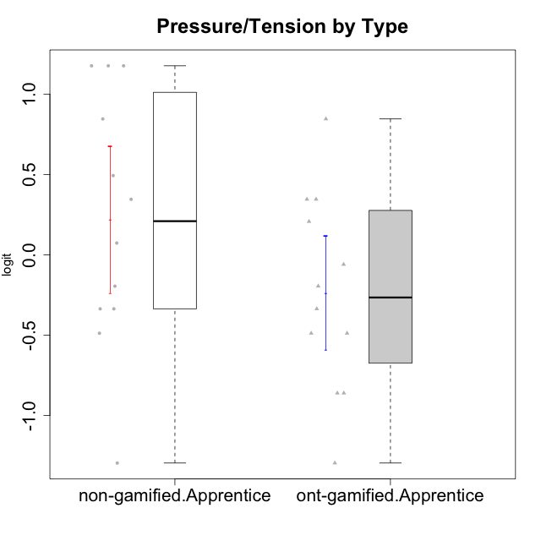

Student's t-Test data
UserID | Type | CLGroup | CLRole | PlayerRole | Interest/Enjoyment | Perceived Choice | Pressure/Tension | Effort/Importance | Intrinsic Motivation
10122 | non-gamified | GroupB | Apprentice |  | -2.0523461364 | 1.1695914201 | -0.48810270396 | -0.11852834837 | -0.12829509018
10123 | ont-gamified | Grupo Morfeu | Apprentice | Yee Achiever | -0.83197918173 | 0.23576870755 | 0.207074728 | -0.42994125574 | -0.30830661448
10126 | ont-gamified | Grupo Hélio | Apprentice | Yee Socializer | 1.2733257983 | 1.1695914201 | -0.48810270396 | -0.11852834837 | 0.70312289349
10127 | ont-gamified | Grupo Hades | Apprentice | Yee Achiever | 1.9055652511 | 0.23576870755 | -0.19509897189 | -0.77939890156 | 0.38925850725
10128 | ont-gamified | Grupo Morfeu | Apprentice | Yee Achiever | -2.1860512029 | 0.58689611203 | -0.33626190168 | -1.530751374 | -0.84389969656
10129 | non-gamified | GroupB | Apprentice |  | -1.7851511272 | -0.62243343859 | 1.1760127697 | 0.043437426927 | -1.3842690895
10130 | non-gamified | GroupC | Apprentice |  | 0.55299522042 | -0.30498894625 | 1.1760127697 | 0.69391751569 | -0.11778394501
10131 | ont-gamified | Grupo Zeus | Apprentice | Yee Achiever | 2.3995832302 | -0.95909932617 | -0.86046882355 | 0.42905726588 | 0.68250249838
10132 | non-gamified | GroupA | Apprentice |  | -3.0846876744 | -0.19915646976 | -0.19509897189 | 0.22124465728 | -0.82452702092
10134 | ont-gamified | Grupo Apolo | Apprentice | Yee Socializer | -1.2851216362 | -0.73083108762 | 0.34545624663 | -0.59479403893 | -0.73905075235
10135 | non-gamified | GroupB | Apprentice |  | 0.39919386735 | 0.34922612396 | 0.34545624663 | -0.273828091 | 0.032283913422
10136 | non-gamified | GroupC | Apprentice |  | -3.0846876744 | -1.370717033 | 0.073157005293 | -1.0029936954 | -1.4862865703
10137 | ont-gamified | Grupo Morfeu | Apprentice | Yee Achiever | 1.4744559961 | 1.3724895791 | -1.2956562305 | 0.69391751569 | 1.3321669013
10138 | ont-gamified | Grupo Hélio | Apprentice | Yee Socializer | 0.55299522042 | -0.41039697569 | 0.34545624663 | 1.2936946773 | 0.4248543794
10139 | ont-gamified | Grupo Zeus | Apprentice | Yee Achiever | -0.22343251553 | 0.12466021952 | -0.48810270396 | -0.59479403893 | -0.051365907743
10140 | non-gamified | GroupC | Apprentice |  | -1.0446754489 | -0.19915646976 | 0.84536116149 | -1.0029936954 | -0.7732129403
10142 | ont-gamified | Grupo Hades | Apprentice | Yee Achiever | 0.55299522042 | -0.30498894625 | -0.86046882355 | -0.11852834837 | 0.24748668734
10143 | ont-gamified | Grupo Apolo | Apprentice | Yee Socializer | 0.12501694921 | 0.34922612396 | -0.059821730394 | 0.42905726588 | 0.24078051736
10146 | non-gamified | GroupA | Apprentice |  | 0.89459676096 | 0.34922612396 | -0.33626190168 | 0.69391751569 | 0.56850057557
10148 | ont-gamified | Grupo Apolo | Apprentice | Yee Socializer | 0.25688594663 | 0.71417324881 | 0.84536116149 | 0.69391751569 | 0.20490388741
10149 | non-gamified | GroupA | Apprentice |  | -0.93606252105 | -1.0832149658 | 1.1760127697 | 0.22124465728 | -1.2427405122
10153 | non-gamified | GroupA | Apprentice |  | 0.55299522042 | -0.19915646976 | -0.33626190168 | -0.273828091 | 0.10406814034
10154 | non-gamified | GroupC | Apprentice |  | -1.160003562 | -1.2184796928 | 0.49281785314 | -0.42994125574 | -0.82531059092
10158 | non-gamified | GroupD | Apprentice |  | 2.8511175231 | 0.58689611203 | -1.2956562305 | 0.92790277393 | 1.0879773457

Type_CLRole_3
Student's t-Test for Pressure/Tension by Type in Type:CLRole between non-gamified.Apprentice:ont-gamified.Master

Student's t-Test results
Alternative hypothesis: less
Group | N | Mean | Mean.Difference | Std.deviation | Std.error | CI.lower | CI.upper | df | t.value | p.value | g | magnitude
non-gamified.Apprentice | 12 | 0.21945407217 | 0.42904206561 | 0.78823571584 | 0.22754405136 | -0.23563403056 | 0.6745421749 | 7.8557736012 | 1.2260758238 | 0.87217479268 | 0.54758443227 | medium
ont-gamified.Master | 4 | -0.20958799344 | -0.42904206561 | 0.53169721331 | 0.26584860665 | -0.74128520675 | 0.32210921987 | 7.8557736012 | 1.2260758238 | 0.87217479268 | 0.54758443227 | medium
Alternative hypothesis: greater
Group | N | Mean | Mean.Difference | Std.deviation | Std.error | CI.lower | CI.upper | df | t.value | p.value | g | magnitude
non-gamified.Apprentice | 12 | 0.21945407217 | 0.42904206561 | 0.78823571584 | 0.22754405136 | -0.23563403056 | 0.6745421749 | 7.8557736012 | 1.2260758238 | 0.12782520732 | 0.54758443227 | medium
ont-gamified.Master | 4 | -0.20958799344 | -0.42904206561 | 0.53169721331 | 0.26584860665 | -0.74128520675 | 0.32210921987 | 7.8557736012 | 1.2260758238 | 0.12782520732 | 0.54758443227 | medium
Alternative hypothesis: two.sided
Group | N | Mean | Mean.Difference | Std.deviation | Std.error | CI.lower | CI.upper | df | t.value | p.value | g | magnitude
non-gamified.Apprentice | 12 | 0.21945407217 | 0.42904206561 | 0.78823571584 | 0.22754405136 | -0.23563403056 | 0.6745421749 | 7.8557736012 | 1.2260758238 | 0.25565041465 | 0.54758443227 | medium
ont-gamified.Master | 4 | -0.20958799344 | -0.42904206561 | 0.53169721331 | 0.26584860665 | -0.74128520675 | 0.32210921987 | 7.8557736012 | 1.2260758238 | 0.25565041465 | 0.54758443227 | medium

Box plots for Student's t-Test
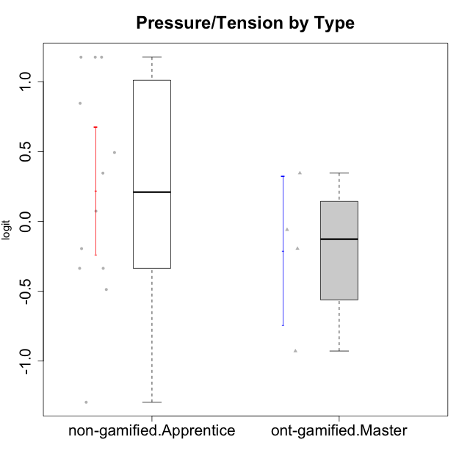

Student's t-Test data
UserID | Type | CLGroup | CLRole | PlayerRole | Interest/Enjoyment | Perceived Choice | Pressure/Tension | Effort/Importance | Intrinsic Motivation
10120 | ont-gamified | Grupo Hélio | Master | Yee Socializer | 1.9055652511 | 1.3724895791 | -0.92888751811 | 0.43187671077 | 1.2745279552
10121 | ont-gamified | Grupo Hades | Master | Yee Achiever | 0.39919386735 | 0.58689611203 | 0.34545624663 | -0.11852834837 | 0.1305263461
10122 | non-gamified | GroupB | Apprentice |  | -2.0523461364 | 1.1695914201 | -0.48810270396 | -0.11852834837 | -0.12829509018
10129 | non-gamified | GroupB | Apprentice |  | -1.7851511272 | -0.62243343859 | 1.1760127697 | 0.043437426927 | -1.3842690895
10130 | non-gamified | GroupC | Apprentice |  | 0.55299522042 | -0.30498894625 | 1.1760127697 | 0.69391751569 | -0.11778394501
10132 | non-gamified | GroupA | Apprentice |  | -3.0846876744 | -0.19915646976 | -0.19509897189 | 0.22124465728 | -0.82452702092
10135 | non-gamified | GroupB | Apprentice |  | 0.39919386735 | 0.34922612396 | 0.34545624663 | -0.273828091 | 0.032283913422
10136 | non-gamified | GroupC | Apprentice |  | -3.0846876744 | -1.370717033 | 0.073157005293 | -1.0029936954 | -1.4862865703
10140 | non-gamified | GroupC | Apprentice |  | -1.0446754489 | -0.19915646976 | 0.84536116149 | -1.0029936954 | -0.7732129403
10141 | ont-gamified | Grupo Apolo | Master | Yee Socializer | 0.0020687155691 | -0.41039697569 | -0.059821730394 | -0.42994125574 | -0.19461194637
10146 | non-gamified | GroupA | Apprentice |  | 0.89459676096 | 0.34922612396 | -0.33626190168 | 0.69391751569 | 0.56850057557
10149 | non-gamified | GroupA | Apprentice |  | -0.93606252105 | -1.0832149658 | 1.1760127697 | 0.22124465728 | -1.2427405122
10152 | ont-gamified | Grupo Morfeu | Master | Yee Achiever | 3.1382402907 | 0.71417324881 | -0.19509897189 | -0.59479403893 | 1.3837694218
10153 | non-gamified | GroupA | Apprentice |  | 0.55299522042 | -0.19915646976 | -0.33626190168 | -0.273828091 | 0.10406814034
10154 | non-gamified | GroupC | Apprentice |  | -1.160003562 | -1.2184796928 | 0.49281785314 | -0.42994125574 | -0.82531059092
10158 | non-gamified | GroupD | Apprentice |  | 2.8511175231 | 0.58689611203 | -1.2956562305 | 0.92790277393 | 1.0879773457

Type_CLRole_4
Student's t-Test for Pressure/Tension by Type in Type:CLRole between non-gamified.Master:ont-gamified.Apprentice

Student's t-Test results
Alternative hypothesis: less
Group | N | Mean | Mean.Difference | Std.deviation | Std.error | CI.lower | CI.upper | df | t.value | p.value | g | magnitude
non-gamified.Master | 2 | 0.34994629057 | 0.58666574947 | 0.20205090146 | 0.14287156257 | 0.064203165427 | 0.63568941571 | 5.2689943787 | 2.5830834278 | 0.97656145324 | 0.93332634828 | large
ont-gamified.Apprentice | 12 | -0.2367194589 | -0.58666574947 | 0.61159280279 | 0.17655163466 | -0.58982272822 | 0.11638381043 | 5.2689943787 | 2.5830834278 | 0.97656145324 | 0.93332634828 | large
Alternative hypothesis: greater
Group | N | Mean | Mean.Difference | Std.deviation | Std.error | CI.lower | CI.upper | df | t.value | p.value | g | magnitude
non-gamified.Master | 2 | 0.34994629057 | 0.58666574947 | 0.20205090146 | 0.14287156257 | 0.064203165427 | 0.63568941571 | 5.2689943787 | 2.5830834278 | 0.023438546762 | 0.93332634828 | large
ont-gamified.Apprentice | 12 | -0.2367194589 | -0.58666574947 | 0.61159280279 | 0.17655163466 | -0.58982272822 | 0.11638381043 | 5.2689943787 | 2.5830834278 | 0.023438546762 | 0.93332634828 | large
Alternative hypothesis: two.sided
Group | N | Mean | Mean.Difference | Std.deviation | Std.error | CI.lower | CI.upper | df | t.value | p.value | g | magnitude
non-gamified.Master | 2 | 0.34994629057 | 0.58666574947 | 0.20205090146 | 0.14287156257 | 0.064203165427 | 0.63568941571 | 5.2689943787 | 2.5830834278 | 0.046877093524 | 0.93332634828 | large
ont-gamified.Apprentice | 12 | -0.2367194589 | -0.58666574947 | 0.61159280279 | 0.17655163466 | -0.58982272822 | 0.11638381043 | 5.2689943787 | 2.5830834278 | 0.046877093524 | 0.93332634828 | large

Box plots for Student's t-Test
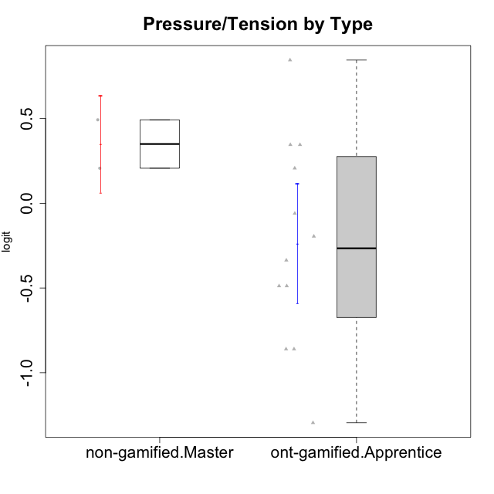

Student's t-Test data
UserID | Type | CLGroup | CLRole | PlayerRole | Interest/Enjoyment | Perceived Choice | Pressure/Tension | Effort/Importance | Intrinsic Motivation
10116 | non-gamified | GroupC | Master |  | -0.11357294579 | -0.84246384474 | 0.207074728 | -0.59479403893 | -0.43947638936
10123 | ont-gamified | Grupo Morfeu | Apprentice | Yee Achiever | -0.83197918173 | 0.23576870755 | 0.207074728 | -0.42994125574 | -0.30830661448
10126 | ont-gamified | Grupo Hélio | Apprentice | Yee Socializer | 1.2733257983 | 1.1695914201 | -0.48810270396 | -0.11852834837 | 0.70312289349
10127 | ont-gamified | Grupo Hades | Apprentice | Yee Achiever | 1.9055652511 | 0.23576870755 | -0.19509897189 | -0.77939890156 | 0.38925850725
10128 | ont-gamified | Grupo Morfeu | Apprentice | Yee Achiever | -2.1860512029 | 0.58689611203 | -0.33626190168 | -1.530751374 | -0.84389969656
10131 | ont-gamified | Grupo Zeus | Apprentice | Yee Achiever | 2.3995832302 | -0.95909932617 | -0.86046882355 | 0.42905726588 | 0.68250249838
10134 | ont-gamified | Grupo Apolo | Apprentice | Yee Socializer | -1.2851216362 | -0.73083108762 | 0.34545624663 | -0.59479403893 | -0.73905075235
10137 | ont-gamified | Grupo Morfeu | Apprentice | Yee Achiever | 1.4744559961 | 1.3724895791 | -1.2956562305 | 0.69391751569 | 1.3321669013
10138 | ont-gamified | Grupo Hélio | Apprentice | Yee Socializer | 0.55299522042 | -0.41039697569 | 0.34545624663 | 1.2936946773 | 0.4248543794
10139 | ont-gamified | Grupo Zeus | Apprentice | Yee Achiever | -0.22343251553 | 0.12466021952 | -0.48810270396 | -0.59479403893 | -0.051365907743
10142 | ont-gamified | Grupo Hades | Apprentice | Yee Achiever | 0.55299522042 | -0.30498894625 | -0.86046882355 | -0.11852834837 | 0.24748668734
10143 | ont-gamified | Grupo Apolo | Apprentice | Yee Socializer | 0.12501694921 | 0.34922612396 | -0.059821730394 | 0.42905726588 | 0.24078051736
10145 | non-gamified | GroupB | Master |  | -0.63100885186 | -0.84246384474 | 0.49281785314 | 1.2936946773 | -0.016003757564
10148 | ont-gamified | Grupo Apolo | Apprentice | Yee Socializer | 0.25688594663 | 0.71417324881 | 0.84536116149 | 0.69391751569 | 0.20490388741

Type_CLRole_5
Student's t-Test for Pressure/Tension by Type in Type:CLRole between non-gamified.Master:ont-gamified.Master

Student's t-Test results
Alternative hypothesis: less
Group | N | Mean | Mean.Difference | Std.deviation | Std.error | CI.lower | CI.upper | df | t.value | p.value | g | magnitude
non-gamified.Master | 2 | 0.34994629057 | 0.55953428401 | 0.20205090146 | 0.14287156257 | 0.064203165427 | 0.63568941571 | 3.9857345628 | 1.8539442862 | 0.93119183996 | 0.94953902466 | large
ont-gamified.Master | 4 | -0.20958799344 | -0.55953428401 | 0.53169721331 | 0.26584860665 | -0.74128520675 | 0.32210921987 | 3.9857345628 | 1.8539442862 | 0.93119183996 | 0.94953902466 | large
Alternative hypothesis: greater
Group | N | Mean | Mean.Difference | Std.deviation | Std.error | CI.lower | CI.upper | df | t.value | p.value | g | magnitude
non-gamified.Master | 2 | 0.34994629057 | 0.55953428401 | 0.20205090146 | 0.14287156257 | 0.064203165427 | 0.63568941571 | 3.9857345628 | 1.8539442862 | 0.068808160039 | 0.94953902466 | large
ont-gamified.Master | 4 | -0.20958799344 | -0.55953428401 | 0.53169721331 | 0.26584860665 | -0.74128520675 | 0.32210921987 | 3.9857345628 | 1.8539442862 | 0.068808160039 | 0.94953902466 | large
Alternative hypothesis: two.sided
Group | N | Mean | Mean.Difference | Std.deviation | Std.error | CI.lower | CI.upper | df | t.value | p.value | g | magnitude
non-gamified.Master | 2 | 0.34994629057 | 0.55953428401 | 0.20205090146 | 0.14287156257 | 0.064203165427 | 0.63568941571 | 3.9857345628 | 1.8539442862 | 0.13761632008 | 0.94953902466 | large
ont-gamified.Master | 4 | -0.20958799344 | -0.55953428401 | 0.53169721331 | 0.26584860665 | -0.74128520675 | 0.32210921987 | 3.9857345628 | 1.8539442862 | 0.13761632008 | 0.94953902466 | large

Box plots for Student's t-Test
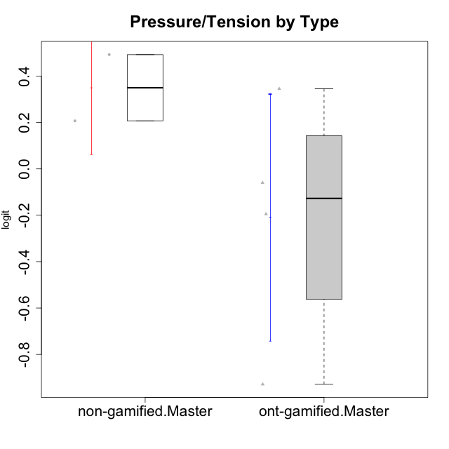

Student's t-Test data
UserID | Type | CLGroup | CLRole | PlayerRole | Interest/Enjoyment | Perceived Choice | Pressure/Tension | Effort/Importance | Intrinsic Motivation
10116 | non-gamified | GroupC | Master |  | -0.11357294579 | -0.84246384474 | 0.207074728 | -0.59479403893 | -0.43947638936
10120 | ont-gamified | Grupo Hélio | Master | Yee Socializer | 1.9055652511 | 1.3724895791 | -0.92888751811 | 0.43187671077 | 1.2745279552
10121 | ont-gamified | Grupo Hades | Master | Yee Achiever | 0.39919386735 | 0.58689611203 | 0.34545624663 | -0.11852834837 | 0.1305263461
10141 | ont-gamified | Grupo Apolo | Master | Yee Socializer | 0.0020687155691 | -0.41039697569 | -0.059821730394 | -0.42994125574 | -0.19461194637
10145 | non-gamified | GroupB | Master |  | -0.63100885186 | -0.84246384474 | 0.49281785314 | 1.2936946773 | -0.016003757564
10152 | ont-gamified | Grupo Morfeu | Master | Yee Achiever | 3.1382402907 | 0.71417324881 | -0.19509897189 | -0.59479403893 | 1.3837694218

Type_CLRole_6
Student's t-Test for Pressure/Tension by Type in Type:CLRole between ont-gamified.Apprentice:ont-gamified.Master

Student's t-Test results
Alternative hypothesis: less
Group | N | Mean | Mean.Difference | Std.deviation | Std.error | CI.lower | CI.upper | df | t.value | p.value | g | magnitude
ont-gamified.Apprentice | 12 | -0.2367194589 | -0.027131465458 | 0.61159280279 | 0.17655163466 | -0.58982272822 | 0.11638381043 | 5.9159256224 | -0.085016132814 | 0.46752626487 | -0.043084681836 | negligible
ont-gamified.Master | 4 | -0.20958799344 | 0.027131465458 | 0.53169721331 | 0.26584860665 | -0.74128520675 | 0.32210921987 | 5.9159256224 | -0.085016132814 | 0.46752626487 | -0.043084681836 | negligible
Alternative hypothesis: greater
Group | N | Mean | Mean.Difference | Std.deviation | Std.error | CI.lower | CI.upper | df | t.value | p.value | g | magnitude
ont-gamified.Apprentice | 12 | -0.2367194589 | -0.027131465458 | 0.61159280279 | 0.17655163466 | -0.58982272822 | 0.11638381043 | 5.9159256224 | -0.085016132814 | 0.53247373513 | -0.043084681836 | negligible
ont-gamified.Master | 4 | -0.20958799344 | 0.027131465458 | 0.53169721331 | 0.26584860665 | -0.74128520675 | 0.32210921987 | 5.9159256224 | -0.085016132814 | 0.53247373513 | -0.043084681836 | negligible
Alternative hypothesis: two.sided
Group | N | Mean | Mean.Difference | Std.deviation | Std.error | CI.lower | CI.upper | df | t.value | p.value | g | magnitude
ont-gamified.Apprentice | 12 | -0.2367194589 | -0.027131465458 | 0.61159280279 | 0.17655163466 | -0.58982272822 | 0.11638381043 | 5.9159256224 | -0.085016132814 | 0.93505252975 | -0.043084681836 | negligible
ont-gamified.Master | 4 | -0.20958799344 | 0.027131465458 | 0.53169721331 | 0.26584860665 | -0.74128520675 | 0.32210921987 | 5.9159256224 | -0.085016132814 | 0.93505252975 | -0.043084681836 | negligible

Box plots for Student's t-Test
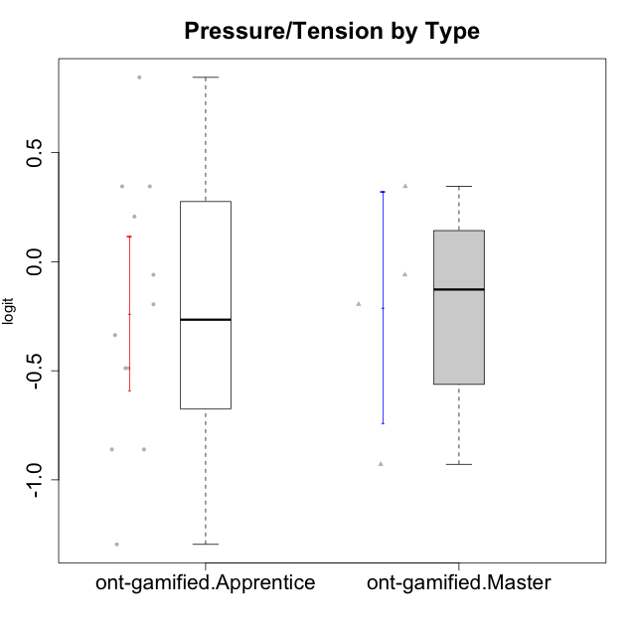

Student's t-Test data
UserID | Type | CLGroup | CLRole | PlayerRole | Interest/Enjoyment | Perceived Choice | Pressure/Tension | Effort/Importance | Intrinsic Motivation
10120 | ont-gamified | Grupo Hélio | Master | Yee Socializer | 1.9055652511 | 1.3724895791 | -0.92888751811 | 0.43187671077 | 1.2745279552
10121 | ont-gamified | Grupo Hades | Master | Yee Achiever | 0.39919386735 | 0.58689611203 | 0.34545624663 | -0.11852834837 | 0.1305263461
10123 | ont-gamified | Grupo Morfeu | Apprentice | Yee Achiever | -0.83197918173 | 0.23576870755 | 0.207074728 | -0.42994125574 | -0.30830661448
10126 | ont-gamified | Grupo Hélio | Apprentice | Yee Socializer | 1.2733257983 | 1.1695914201 | -0.48810270396 | -0.11852834837 | 0.70312289349
10127 | ont-gamified | Grupo Hades | Apprentice | Yee Achiever | 1.9055652511 | 0.23576870755 | -0.19509897189 | -0.77939890156 | 0.38925850725
10128 | ont-gamified | Grupo Morfeu | Apprentice | Yee Achiever | -2.1860512029 | 0.58689611203 | -0.33626190168 | -1.530751374 | -0.84389969656
10131 | ont-gamified | Grupo Zeus | Apprentice | Yee Achiever | 2.3995832302 | -0.95909932617 | -0.86046882355 | 0.42905726588 | 0.68250249838
10134 | ont-gamified | Grupo Apolo | Apprentice | Yee Socializer | -1.2851216362 | -0.73083108762 | 0.34545624663 | -0.59479403893 | -0.73905075235
10137 | ont-gamified | Grupo Morfeu | Apprentice | Yee Achiever | 1.4744559961 | 1.3724895791 | -1.2956562305 | 0.69391751569 | 1.3321669013
10138 | ont-gamified | Grupo Hélio | Apprentice | Yee Socializer | 0.55299522042 | -0.41039697569 | 0.34545624663 | 1.2936946773 | 0.4248543794
10139 | ont-gamified | Grupo Zeus | Apprentice | Yee Achiever | -0.22343251553 | 0.12466021952 | -0.48810270396 | -0.59479403893 | -0.051365907743
10141 | ont-gamified | Grupo Apolo | Master | Yee Socializer | 0.0020687155691 | -0.41039697569 | -0.059821730394 | -0.42994125574 | -0.19461194637
10142 | ont-gamified | Grupo Hades | Apprentice | Yee Achiever | 0.55299522042 | -0.30498894625 | -0.86046882355 | -0.11852834837 | 0.24748668734
10143 | ont-gamified | Grupo Apolo | Apprentice | Yee Socializer | 0.12501694921 | 0.34922612396 | -0.059821730394 | 0.42905726588 | 0.24078051736
10148 | ont-gamified | Grupo Apolo | Apprentice | Yee Socializer | 0.25688594663 | 0.71417324881 | 0.84536116149 | 0.69391751569 | 0.20490388741
10152 | ont-gamified | Grupo Morfeu | Master | Yee Achiever | 3.1382402907 | 0.71417324881 | -0.19509897189 | -0.59479403893 | 1.3837694218

