Type_1
Wilcoxon Analysis for Pct Without Participation in Type between non-gamified:ont-gamified

Wilcoxon test results
Alternative hypothesis: less
Group | N | Median | Mean.Ranks | Sum.Ranks | U | Z | p.value | r | magnitude
non-gamified | 3 | 0.6 | 6 | 18 | 12 | 2.1602468995 | 1 | 0.81649658093 | large
ont-gamified | 4 | 0.25 | 2.5 | 10 | 12 | 2.1602468995 | 1 | 0.81649658093 | large
Alternative hypothesis: greater
Group | N | Median | Mean.Ranks | Sum.Ranks | U | Z | p.value | r | magnitude
non-gamified | 3 | 0.6 | 6 | 18 | 12 | 2.1602468995 | 0.028571428571 | 0.81649658093 | large
ont-gamified | 4 | 0.25 | 2.5 | 10 | 12 | 2.1602468995 | 0.028571428571 | 0.81649658093 | large
Alternative hypothesis: two.sided
Group | N | Median | Mean.Ranks | Sum.Ranks | U | Z | p.value | r | magnitude
non-gamified | 3 | 0.6 | 6 | 18 | 12 | 2.1602468995 | 0.057142857143 | 0.81649658093 | large
ont-gamified | 4 | 0.25 | 2.5 | 10 | 12 | 2.1602468995 | 0.057142857143 | 0.81649658093 | large

Box plots for wilcoxon tests
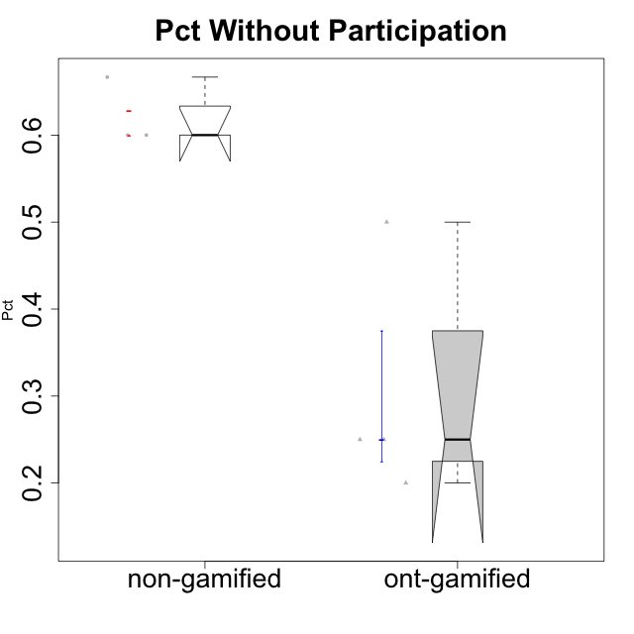

Wilcoxon data
id | Group | Type | LevelParticipation | PctWithoutParticipation
1 | GroupA | non-gamified | none | 0.6
3 | GroupC | non-gamified | none | 0.6
4 | GroupD | non-gamified | none | 0.66666666667
6 | Grupo Hélio | ont-gamified | none | 0.25
7 | Grupo Hades | ont-gamified | none | 0.5
8 | Grupo Morfeu | ont-gamified | none | 0.25
9 | Grupo Zeus | ont-gamified | none | 0.2

